Sheet1
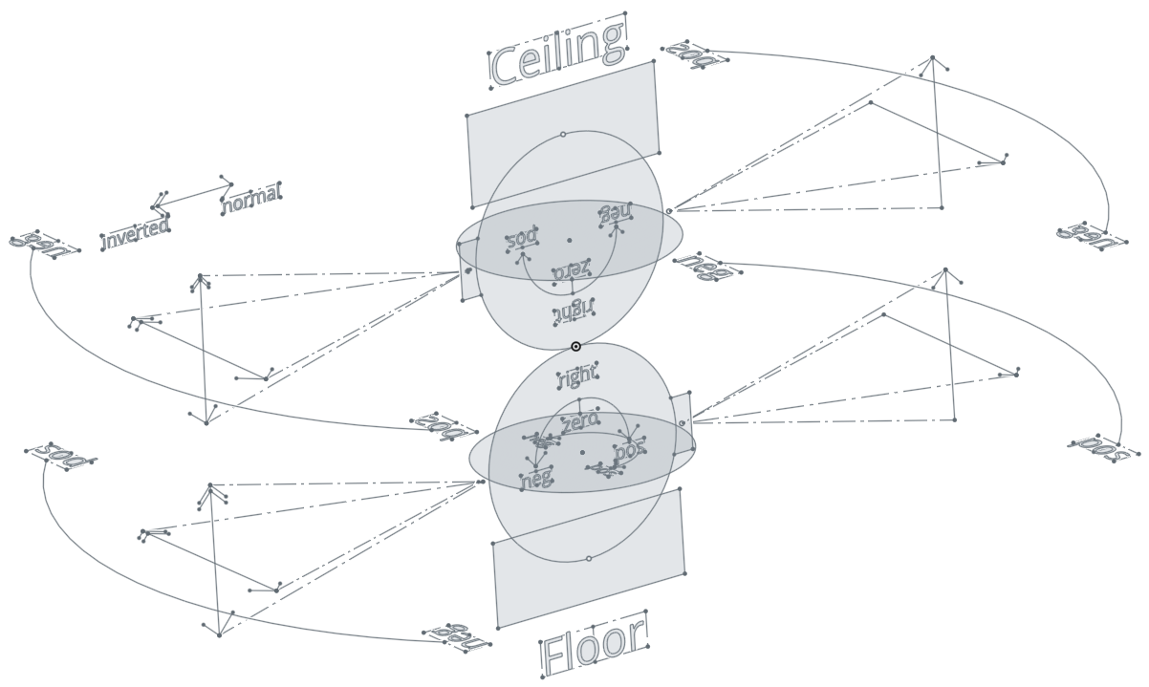
mount | current pitch | camera rotate 180 | move camera up | move camera right
floor | positive | no | pitch negative | yaw positive
 | negative | yes | pitch positive | yaw positive
ceiling | postive | yes | pitch positive | yaw negative
 | negative | no | pitch negative | yaw negative

