Komplet udaje
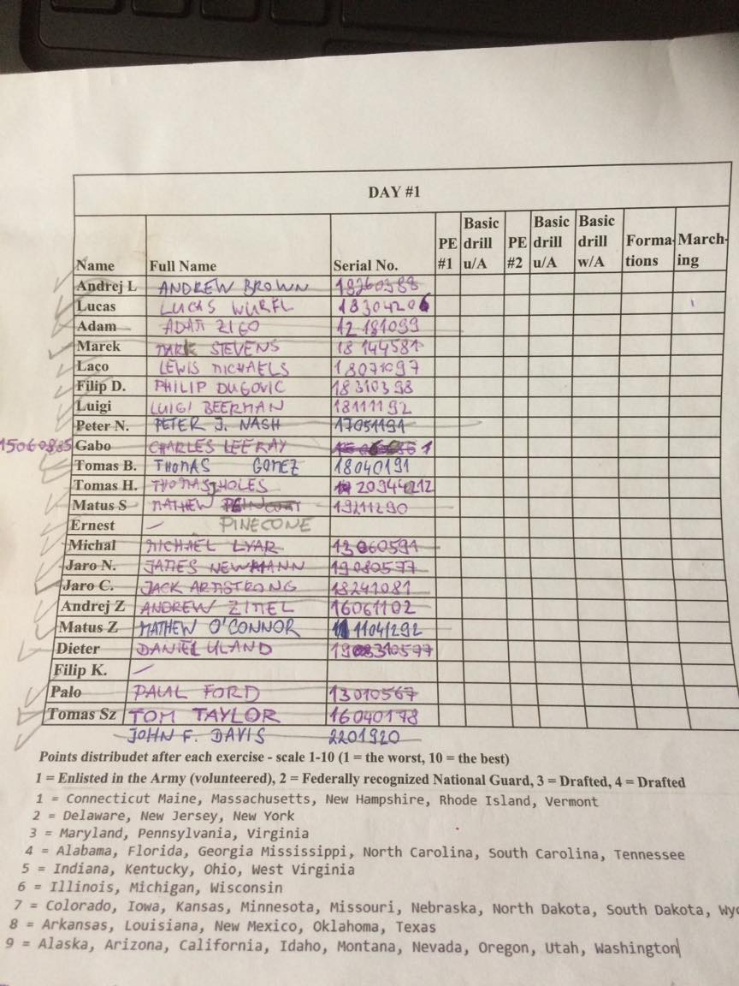
 |  | Obciaske meno | Telefon | Email | Adresa | 1. Kontaktna osoba - meno | Telefon | 2. Kontaktna osoba - meno | Telefon | datum narodenia | WW2 meno | Hodnost | WW2 adresa | Army Serial Number | ww2 datum narodenia | Farba oci | Farba vlasov | Vaha | Vyska
1 | David Siegfried Stojaspal | David Stojaspal | +421904087277 | d.stojaspal@gmail.com | Novoviesska 212, Batorove Kosihy | Anton Stojaspal (otec) | 0903559527 | Zuzana Jopekova | 0907459850 | 1990-01-22 | John F. Davis | Sgt. | New Jersey | 22011920 | 1900-01-22 00:17:09 | hnede | hnede | 84 | 180
2 | Lukáš Wurfl | Lukáš Wurfl | 0904610301 | lukas.wurfl@gmail.com | Alstrova 210, BA | Helena Wurflová- mama | 0905688292 | Marianna Kostičová- sestra | 0908740773 | 1983-04-20 | Lucas Wurfl | Cpl. | Utah | 18304206 | 1918-04-20 | modre | hnede | 70 | 190
3 | Peter Nes | Peter Neštepný | 004366007259027 | p.nestepny@gmail.com | Zochova 16/9, BA | Michaela- priatelka | 00436769638247 | Lubica Nestepna-mama | 0905295473 | 1991-11-05 | Peter J. Nash | Cpl. | Colorado | 17051191 | 1911-11-05 | zelena | blond | 82 | 181
4 | Tomáš Holásek | Tomáš Holásek | 0907295646 | tomas.holasek@gmail.com | Blahútová 28, Chorvátsky Grob | mama | 0907626799 | otec | 0905581939 | 1994-12-22 | Thomas J. Holes | Cpl. | Alabama | 20942212 | 1921-12-22 | hnede | hnede | 90 | 185
5 | Marek Števko | Marek Števko | 0911297965 | marekk.stevko@gmail.com | Nová Dedina 55, Levice | Jozef Stevko -otec | 0908582792 | Kristina Stevkova-sestra | 0911297315 | 1997-03-03 | Harvey Stevens Sutherland | Cpl. | Massechusets | 31357888 | 1924-12-16 | hnede | hnede | 80 | 177
6 | Dieter Unger | Daniel Urbašek | 00436604799183 | d.urbasek@gmail.com | Budatínska 59, BA | Zuzana Urbašeková-manzelka | 00436604799182 | Viliam Urbašek-syn | 00436609086653 | 1977-05-31 | Daniel Uland | Pvt. | Alaska | 19310577 | 1907-05-31 | zelene | cierna | 110 | 175
7 | Luigi Beerman Takacs | Ludovit Takáč | +421911158597 | luigi123@azet.sk | Gutorska 12, Šamorín | Takacs -otec | 0903535429 |  |  | 1992-11-11 | Luigi Beermann | Pfc. | Texas | 18111192 | 1912-11-11 | hnede | blond | 70 | 175
8 | Martin Ost | Martin Neštepný | 00436763821707 | m.nestepny@gmail.com | Zochova 16/9, BA | Lubica Nestepna-mama | 0905295473 |  |  | 1989-05-30 | Martin Nash | Pvt. | Ilinois | 16300589 | 1909-05-30 | zelena | hnede | 72 | 179
9 | Adam Žigo | Adam Žigo | 0904512557 | aadamz52@gmail.com | Hrušková 920, Kvetoslavov | Zdena žigová- mama | 0903576414 |  |  | 1999-10-18 | Adam Zigo | Pvt. | New York | 12181099 | 1922-10-18 | zelene | hnede | 75 | 176
10 | Andrej Zimel | Andrej Zimeľ | 0948279089 | adozimel@gmail.com | Bystrička 90, Martin | Bibiána Zimeľová -mama | 0908250741 | Milan Zimeľ -otec | 0905749353 | 2002-11-06 | Andrew Zimel | Pvt. | Wisconsin | 16061102 | 1922-11-06 | zelené | Blond | 65 | 173
11 | Jaroslav Čmelik | Jaroslav Čmelik | 0903031462 | cmelikjaroslav81@gmail.com | Ludovíta Fullu 7, BA | Nevenka čmelikova-mama | 00381648423354 | Milan čmelik-brat | 003810611933131 | 1981-10-24 | Jack Armstrong | Pvt. | Texas | 18241081 | 1915-10-24 | hnede | hnede | 97 | 184
12 | Andrej Ladányi | Andrej Ladányi | 0915443871 | stefandtop@gmail.com | Topoľnica 79, topoľnica | Veronika Ladányi-manzelka | 0917343524 | Mária Ladányi-mama | 015728942 | 1988-03-26 | Andrew Brown | Sgt. | New Mexico | 18260388 | 1918-03-26 | modre | hnede | 90 | 194
13 | Tomáš Szabó | Tomáš Szabo | 0905403028 | szabo3692@gmail.com | Topolnica 183,Topolnica | Eva Szabová- manzelka | 0918863294 | Tomas Szabo-syn | 0917884922 | 1978-01-04 | Tom Taylor | T/5 | Alabama | 14040178 | 1914-01-04 | modre | blond | 86 | 182
14 | Tomáš Balogh | Tomáš Balogh | 0911013496 | tomasbalogh@feldgrau.sk | Matejkova 18, BA | Arpád Balogh - otec | 0911142519 | Monika Baloghová-mama | 0904661877 | 1991-01-04 | Thomas Gomez | Cpl. | Texas | 18040191 | 1917-01-04 | hnede | hnede | 75 | 182
15 | Jacques Linn | Gabriel Lelovics | 0948032906 |  | Tesedikovo 95282 |  |  |  |  | 1985-08-06 | Charles Leeray | Pvt. | Kentucky | 15060885 | 1908-08-06 | zelene | hnede | 85 | 184
16 | Filip Kostoláni | Filip Kostoláni | 0911077751 | filip.kostolani99@gmail.com | Látečkovej 14, Nitra | mama | 0903414355 | otec | 0911245740 | 1999-05-17 | Philip Bones | Pfc. | Chicago, IL | 16170599 | 1924-05-17 | hnede | hnede | 78 | 187
17 | Filip Dugovic | Filip Dudovič | +421949379448 | filipomax123@gmail.com | Dunajska 25, Hamuliakovo | Rudolf Dugovič-otec | 0949389832 | Darina Kramárová-mama | 0948298623 | 1998-03-31 | Philip Dugovic | Pvt. | Texas | 18310398 | 1925-03-31 | hnede | hnede | 80 | 187
18 | Palo Fördös | Pavol Fordoš | 0905417040 | pavol.fordos@gmail.com | Kvetoslavov 250, Kvetoslavov | manzelka | 0918828181 | Patrik-syn | 0907262312 | 1967-05-01 | Paul Ford | 1st.Lt. | Chicago, IL | 13010567 | 1907-05-01 | modre | čierne | 86 | 176
19 | Patrik Fördös | Patrik Fördös | 0907262312 | pato.fordos@gmail.com | Športová 4, Dunajská Lužná | Pavol-otec | 0905417040 | mama- | 0911337667 | 1995-06-28 | Patrick Ford | Pfc. | Massechusets | 11280695 | 1920-05-08 | hnede | hnede | 75 | 180
20 | Ladislav Mihaliak | Ladislav Mihaliak | 0902836692 | bencarlos58@gmail.com | Rybárska 3, Šamorín | Andrea Mihaliaková-mama | 0903019400 | Karol Mihalak-otec | 0903446887 | 1997-10-07 | Lewis Michaels | Pvt. | Texas | 18071097 | 1925-10-07 | modre | blond | 80 | 183
21 | Peťo Joachymstál | Peter Joachymstál | 0904912792 | peto.joach@gmail.com | Moravska 19, Púchov | monika-priatelka | 0908855683 | Petr Joachymstal-otec | 0903849869 | 1988-03-07 | Anthony Joe Newman | Pfc. | Tennesee | 12880307 | 1920-03-07 | modre | hnede | 100 | 190
22 | Matúž Žilinský | Matúš Žilinský | 0948700075 | matus.zilinsky@gmail.com | Borinska 21, BA | Zuzana žilinská-mama | 0903643622 | Silvia Gulačová- priatelka | 0905853038 | 1992-12-04 | Mathew O'Connor | Pvt. | Massechusets | 11041292 | 1922-12-04 | modra | ryšavá | 95 | 180
23 | Don Chuan | Marián Kadlec | 0915141600 | marianko.kadlec@gmail.com | Narcisová 31, Dunaj.Lužná | Petra Kadlecova -žena | 0902377054 | otec | 0905618244 | 1992-06-11 | Elmo Knight | Pvt. | Kentucky | 15110692 | 1912-06-11 | hnede | hnede | 70 | 166
24 | Jarko Nvt | Jaroslav Novotný | 0915567488 | st.germain1@azet.sk | Pivovarnícka, Nitra | Junianna Novotná-mama | 0919221595 |  |  | 1977-05-08 | James Newmann | Pvt. | Arizona | 19080577 | 1917-05-08 | modre | hnede | 88 | 185
25 | Matúš Šiška | Matúš Šiška | 0903808266 | matussiska@azet.sk | Družstevná 23, Hlohovec | Renáta šišková-mama | 0904622596 | Milan šiška-otec | 0903752605 | 1990-12-21 | Mathew Pinecone | Pvt. | Ontario | 19211290 | 1914-12-21 | modre | hnede | 86 | 176
26 | Klamarcik Michal | Michal Klamarcik | 0940181324 | satan1881@atlas.sk | Preselany 238 | Dagmar Szabova-mama | 0919050972 | Eva Klamarčiková-manzelka | 0949100424 | 1991-05-06 | Michael E. Lyar | Pvt. | Philadelphia | 13060591 | 1917-05-06 | zelene | cierne | 88 | 182
27 | Zuzana Urbasekova | Zuzana Urbasekova | 00436604799182 | z.urbasek@gmail.com | SNP 304/16, Prakovce | manzel Daniel | 06604799183 | mama- | 0944045814 | 1985-07-10 | Susanne Uland | Pvt. | Washington | 19100785 | 1912-07-10 | zelene | blond | 93 | 173
28 | Ivan Zich | Ivan Zich | 0948388780 | mgr.zich@gmail.com | Rovniankova16,BA | Monika Zichová-manzelka | 0904176084 | Tatiana Zichová-sestra | 0944447205 | 1984-12-08 | John Zich | Pvt. | Montana | 19081284 | 1906-12-08 | hnede | cierne | 71 | 164
29 | Borivoj Steller | Borivoj Steller | 0907721375 | stellerbori@gmail.com | Ružová 6, Galanta | Zuzana Stellerová-mama | 0904659033 | Borivoj Steller- otec | 0911506292 | 1980-08-24 | Bob Steller | Pvt. | Texas | 18240880 | 1903-08-24 | modre | hnede | 82 | 180
30 | Danka Borsuková | Dana Borsuková | 0915055210 | d.borsukova@gmail.com | Jazerná 4,Nesvady | Dana Borsuková-mama | 0905815024 | Vladimír Borsuk-otec | 0915519744 | 1992-09-04 | Helen Elizabeth Reed | Pvt. | Montana | 19040992 | 1919-09-04 | modre | hnede | 60 | 165
31 | Petra Kadlecová | Petra Kadlecova | 0902377054 | petra.murinova93@gmail.com | Narcisova 31, Dunajska Luzna | manzel - Marian | 0915141500 | Jozef Murin- otec | 0949173313 | 1993-03-27 | Polly Knight | Pvt. | Kentucky | 15270393 | 1916-03-27 | zelene | cervene | 75 | 172
32 | Zuzana Jopekova | Zuzana Jopekova |  |  |  |  |  |  |  | 1993-08-25 | Susanne Jopek | Pvt. | New York | 11250893 | 1923-08-25 | hnede | hnede | 70 | 180

ETO Card
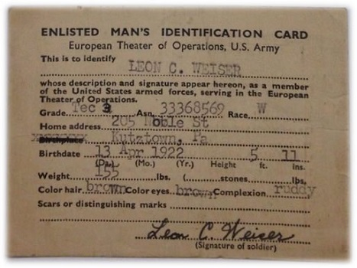
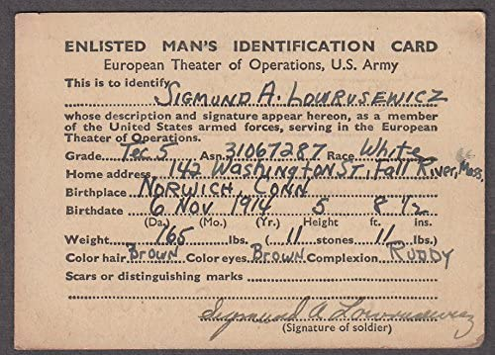
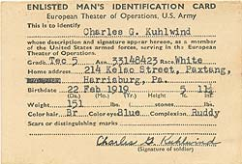
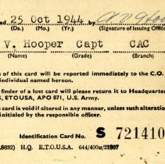
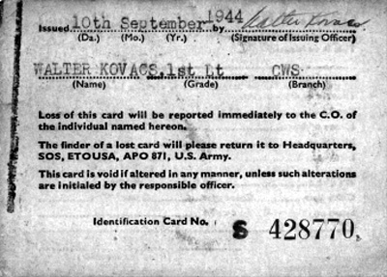
 | WW2 name | Grade | ASN | Race | Address + Birthplace | State | Birthdate | Weight | Height | Vaha | Vyska | Hair | Eyes | NAME Officer | Grade | Branch
Holásek | Thomas J. Holes | Cpl. | 20942212 | W | 32 Grandview Rd, Millbrook | Alabama | 1921-12-22 | 198 | 6.07 | 90 | 185 | brown | brown | Harry Stone | Capt | INF
Szabó | Tom Taylor | T/5 | 14040178 | W | 34 Norman Rd, Montgomery | Alabama | 1914-01-04 | 190 | 5.97 | 86 | 182 | blond | blue | Harry Stone | Capt | INF
Dieter | Daniel Uland | Pvt. | 19310577 | W | 42 Willoughby Ave, Juneau | Alaska | 1907-05-31 | 243 | 5.74 | 110 | 175 | cierna | green | Harry Stone | Capt | INF
Jarko | James Newmann | Pvt. | 19080577 | W | 18 Jefferson St, Phoenix | Arizona | 1917-05-08 | 194 | 6.07 | 88 | 185 | brown | blue | Harry Stone | Capt | INF
Nestepo | Peter J. Nash | Cpl. | 17051191 | W | 17 York St, Denver | Colorado | 1911-11-05 | 181 | 5.94 | 82 | 181 | blond | green | Harry Stone | Capt | INF
Martin | Martin Nash | Pvt. | 16300589 | W | 8th Street, Springfield | Ilinois | 1909-05-30 | 159 | 5.87 | 72 | 179 | brown | green | Harry Stone | Capt | INF
Kostolani | Philip Bones | Pfc. | 16170599 | W | 601 Root St, Chicago | Ilinois | 1924-05-17 | 172 | 6.14 | 78 | 187 | brown | brown | Harry Stone | Capt | INF
Palo | Paul Ford | 1st.Lt. | 13010567 | W | 18 Main St, Rockford | Ilinois | 1907-05-01 | 190 | 5.77 | 86 | 176 | black | blue | Harry Stone | Capt | INF
Gabo | Charles Leeray | Pvt. | 15060885 | W | 80 Broadway, Lexington | Kentucky | 1908-08-06 | 187 | 6.04 | 85 | 184 | brown | green | Harry Stone | Capt | INF
Majo | Elmo Knight | Pvt. | 15110692 | W | 610 Waddle St, Ferguson | Kentucky | 1912-06-11 | 154 | 5.45 | 70 | 166 | brown | brown | Harry Stone | Capt | INF
Marek | Harvey Stevens Sutherland | Cpl. | 31357888 | W | 4 Market St, Lynnfield | Massechusets | 1924-12-16 | 176 | 5.81 | 80 | 177 | brown | brown | Harry Stone | Capt | INF
Pato | Patrick Ford | Pfc. | 11280695 | W | 14 Tremont St, Boston | Massechusets | 1920-05-08 | 165 | 5.91 | 75 | 180 | brown | brown | Harry Stone | Capt | INF
Matúž | Mathew O'Connor | Pvt. | 11041292 | W | 16 Main St, Springfield | Massechusets | 1922-12-04 | 209 | 5.91 | 95 | 180 | red | blue | Harry Stone | Capt | INF
Ivan | John Zich | Pvt. | 19081284 | W | 311 Main St, Shelby | Montana | 1906-12-08 | 157 | 5.38 | 71 | 164 | black | brown | Harry Stone | Capt | INF
Davis | John F. Davis | Sgt. | 22011920 | W | 8 Perry St, Trenton | New Jersey | 1913-01-22 | 185 | 5.91 | 84 | 180 | brown | brown | Harry Stone | Capt | INF
Ladanyi | Andrew Brown | Sgt. | 18260388 | W | 701 Alto St, Santa Fe | New Mexico | 1918-03-26 | 198 | 6.36 | 90 | 194 | brown | blue | Harry Stone | Capt | INF
Adam | Adam Zigo | Pvt. | 12181099 | W | 31 Holland Ave, Albany | New York | 1922-10-18 | 165 | 5.77 | 75 | 176 | brown | green | Harry Stone | Capt | INF
Matúš | Mathew Pinecone | Pvt. | 19211290 | W | 5 Wellington St, Ottawa | Ontario | 1914-12-21 | 190 | 5.77 | 86 | 176 | brown | blue | Harry Stone | Capt | INF
Michal | Michael E. Lyar | Pvt. | 13060591 | W | 14 Penn Sq, Philadelphia | Philadelphia | 1917-05-06 | 194 | 5.97 | 88 | 182 | black | green | Harry Stone | Capt | INF
Peťo J | Anthony Joe Newman | Pfc. | 12880307 | W | 5 Church St, Nashville | Tennesee | 1920-03-07 | 220 | 6.23 | 100 | 190 | brown | blue | Harry Stone | Capt | INF
Luigi | Luigi Beermann | Pfc. | 18111192 | W | 14 Congress Ave, Austin | Texas | 1912-11-11 | 154 | 5.74 | 70 | 175 | blond | brown | Harry Stone | Capt | INF
Jaro | Jack Armstrong | Pvt. | 18241081 | W | 37 Travis St, Houston | Texas | 1915-10-24 | 214 | 6.04 | 97 | 184 | brown | brown | Harry Stone | Capt | INF
Balogh | Thomas Gomez | Cpl. | 18040191 | W | 63 Illinois Ave, Dallas | Texas | 1917-01-04 | 165 | 5.97 | 75 | 182 | brown | brown | Harry Stone | Capt | INF
Dugovic | Philip Dugovic | Pvt. | 18310398 | W | 506 West Ave, Austin | Texas | 1925-03-31 | 176 | 6.14 | 80 | 187 | brown | brown | Harry Stone | Capt | INF
Laco | Lewis Michaels | Pvt. | 18071097 | W | 11 Ervay St, Dallas | Texas | 1925-10-07 | 176 | 6.00 | 80 | 183 | blond | blue | Harry Stone | Capt | INF
Boris | Billy Smith | Pvt. | 18080603 | W | 7 Buckner St, Houston | Texas | 1927-06-08 | 190 | 6.07 | 86 | 185 | brown | blue | Harry Stone | Capt | INF
Boro | Bob Steller | Pvt. | 18240880 | W | 12 Bowie St, Columbus | Texas | 1903-08-24 | 181 | 5.91 | 82 | 180 | brown | blue | Harry Stone | Capt | INF
Lucas | Lucas Wurfl | Cpl. | 18304206 | W | 76 W North, Salt Lake City | Utah | 1918-04-20 | 154 | 6.23 | 70 | 190 | brown | blue | Harry Stone | Capt | INF
Zimel | Andrew Zimel | Pvt. | 16061102 | W | 18 Monroe St, Madison | Wisconsin | 1926-11-06 | 143 | 5.68 | 65 | 173 | blond | green | Harry Stone | Capt | INF
Peťo J | Charles H. Audet | T/5 | 31025044 | W | 584 Main St, Fitchburg | Massechusets | 1918-03-07 | 220 | 6.23 | 100 | 190 | brown | blue | Harry Stone | Capt | INF

Paybook
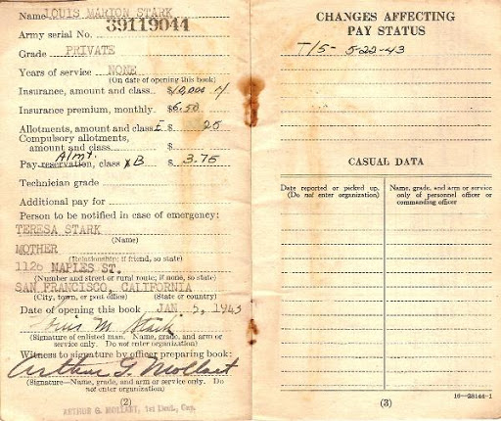
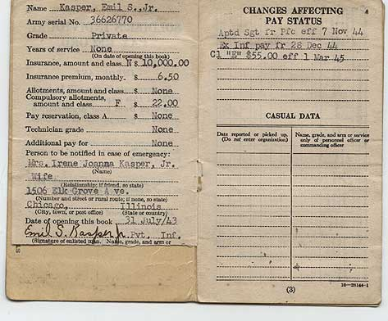
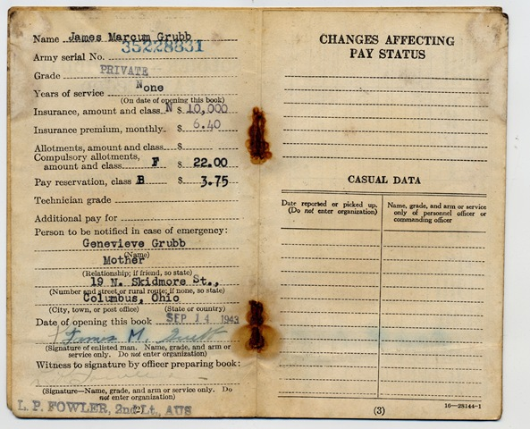
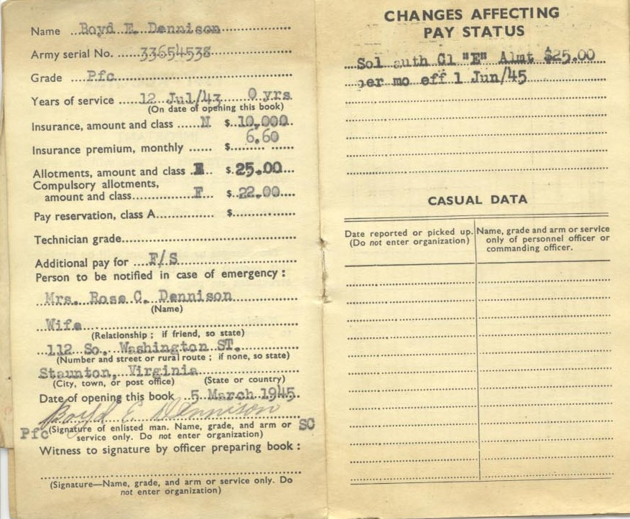
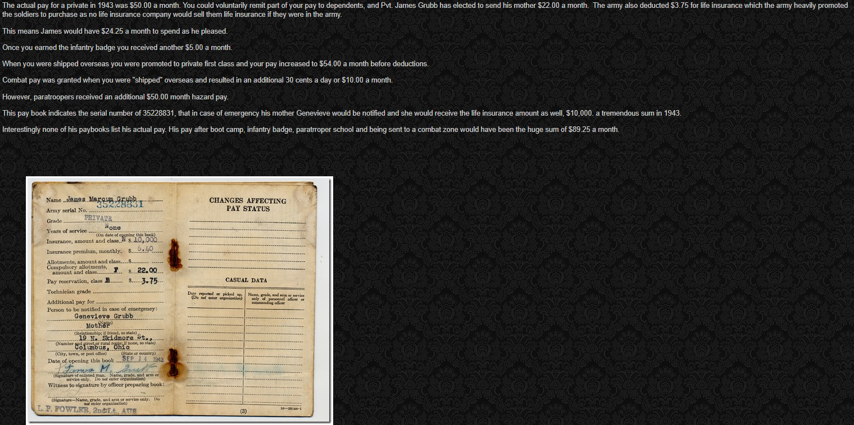
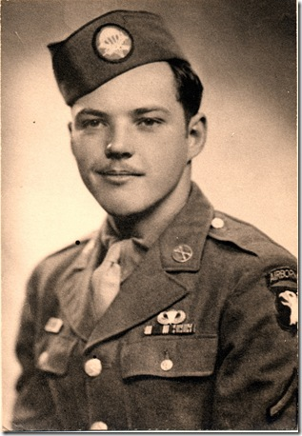
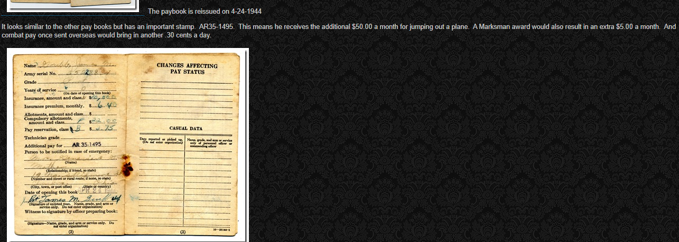
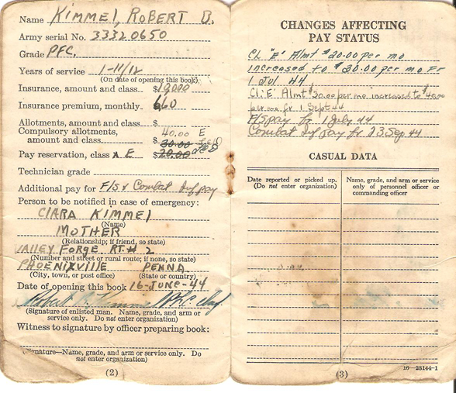
 | WW2 name | ASN | Grade | Years of Service | Insurance amount & class | Address | State | Birthplace | Birthdate | NAME Officer | Grade | Branch
Tomáš Holásek | Thomas J. Holes | 20942212 | Cpl. | 2 | N 10.000 | 32 Grandview Rd, Millbrook | Alabama | Millbrook | 1921-12-22 | Harry Stone | Capt | INF
Tomáš Szabó | Tom Taylor | 14040178 | T/5 | 2 | N 10.000 | 34 Norman Rd, Montgomery | Alabama | Montgomery | 1914-01-04 | Harry Stone | Capt | INF
Dieter Unger | Daniel Uland | 19310577 | Pvt. | 1 | N 10.000 | 42 Willoughby Ave, Juneau | Alaska | Juneau | 1907-05-31 | Harry Stone | Capt | INF
JJ Foy | James Newmann | 19080577 | Pvt. | None | N 10.000 | 18 Jefferson St, Phoenix | Arizona | Phoenix | 1917-05-08 | Harry Stone | Capt | INF
Peter Nes | Peter J. Nash | 17051191 | Cpl. | 2 | N 10.000 | 17 York St, Denver | Colorado | Denver | 1911-11-05 | Harry Stone | Capt | INF
Martin Ost | Martin Nash | 16300589 | Pvt. | None | N 10.000 | 8th Street, Springfield | Ilinois | Springfield | 1909-05-30 | Harry Stone | Capt | INF
Filip Kostoláni | Philip Bones | 16170599 | Pfc. | 2 | N 10.000 | 601 Root St, Chicago | Ilinois | Chicago | 1924-05-17 | Harry Stone | Capt | INF
Palo Fördös | Paul Ford | 13010567 | 1st.Lt. | 5 | N 10.000 | 18 Main St, Rockford | Ilinois | Rockford | 1907-05-01 | Harry Stone | Capt | INF
Jacques Linn | Charles Leeray | 15060885 | Pvt. | None | N 10.000 | 80 Broadway, Lexington | Kentucky | Lexington | 1908-08-06 | Harry Stone | Capt | INF
Don Chuan | Elmo Knight | 15110692 | Pvt. | None | N 10.000 | 610 Waddle St, Ferguson | Kentucky | Ferguson | 1912-06-11 | Harry Stone | Capt | INF
Marek Števko | Harvey Stevens Sutherland | 31357888 | Cpl. | 2 | N 10.000 | 4 Market St, Boston | Massechusets | Boston | 1924-12-16 | Harry Stone | Capt | INF
Patrik Fördös | Patrick Ford | 11280695 | Pfc. | 2 | N 10.000 | 14 Tremont St, Boston | Massechusets | Boston | 1920-05-08 | Harry Stone | Capt | INF
Matúž Žilinský | Mathew O'Connor | 11041292 | Pvt. | 1 | N 10.000 | 16 Main St, Springfield | Massechusets | Springfield | 1922-12-04 | Harry Stone | Capt | INF
Ivan Zich | John Zich | 19081284 | Pvt. | None | N 10.000 | 311 Main St, Shelby | Montana | Shelby | 1906-12-08 | Harry Stone | Capt | INF
David Siegfried Stojaspal | John F. Davis | 22011920 | Sgt. | 2 | N 10.000 | 11 Perry St, Trenton | New Jersey | Trenton | 1913-01-22 | Harry Stone | Capt | INF
Andrej Ladányi | Andrew Brown | 18260388 | Sgt. | 2 | N 10.000 | 701 Alto St, Santa Fe | New Mexico | Santa Fe | 1918-03-26 | Harry Stone | Capt | INF
Adam Žigo | Adam Zigo | 12181099 | Pvt. | 1 | N 10.000 | 31 Holland Ave, Albany | New York | Albany | 1922-10-18 | Harry Stone | Capt | INF
Matúš Šiška | Mathew Pinecone | 19211290 | Pvt. | None | N 10.000 | 5 Wellington St, Ottawa | Ontario | Ottawa | 1914-12-21 | Harry Stone | Capt | INF
Klamarcik Michal | Michael E. Lyar | 13060591 | Pvt. | None | N 10.000 | 14 Penn Sq, Philadelphia | Philadelphia | Philadelphia | 1917-05-06 | Harry Stone | Capt | INF
Peťo Joachymstál | Anthony Joe Newman | 12880307 | Pfc. | 2 | N 10.000 | 5 Church St, Nashville | Tennesee | Nashville | 1920-03-07 | Harry Stone | Capt | INF
Peťo Joachymstál | Charles H. Audet | 31025044 | T/5 | 2 | N 10.000 | 584 Main St, Fitchburg | Massechusets | Massechusets | 1918-03-07 | Harry Stone | Capt | INF
Luigi Beerman Takacs | Luigi Beermann | 18111192 | Pfc. | 2 | N 10.000 | 14 Congress Ave, Austin | Texas | Austin | 1912-11-11 | Harry Stone | Capt | INF
Jaroslav Čmelik | Jack Armstrong | 18241081 | Pvt. | None | N 10.000 | 37 Travis St, Houston | Texas | Houston | 1915-10-24 | Harry Stone | Capt | INF
Tomáš Balogh | Thomas Gomez | 18040191 | Cpl. | 2 | N 10.000 | 63 Illinois Ave, Dallas | Texas | Dallas | 1917-01-04 | Harry Stone | Capt | INF
Filip Dugovic | Philip Dugovic | 18310398 | Pvt. | 1 | N 10.000 | 506 West Ave, Austin | Texas | Austin | 1925-03-31 | Harry Stone | Capt | INF
Ladislav Mihaliak | Lewis Michaels | 18071097 | Pvt. | 1 | N 10.000 | 11 Ervay St, Dallas | Texas | Dallas | 1925-10-07 | Harry Stone | Capt | INF
Boris Borisovič Blagovec | Billy Smith | 18080603 | Pvt. | None | N 10.000 | 7 Buckner St, Houston | Texas | Houston | 1927-06-08 | Harry Stone | Capt | INF
Borivoj Steller | Bob Steller | 18240880 | Pvt. | 1 | N 10.000 | 12 Bowie St, Columbus | Texas | Columbus | 1903-08-24 | Harry Stone | Capt | INF
Lukáš Wurfl | Lucas Wurfl | 18304206 | Cpl. | 2 | N 10.000 | 76 W North, Salt Lake City | Utah | Salt Lake City | 1918-04-20 | Harry Stone | Capt | INF
Andrej Zimel | Andrew Zimel | 16061102 | Pvt. | None | N 10.000 | 18 Monroe St, Madison | Wisconsin | Madison | 1926-11-06 | Harry Stone | Capt | INF

ID
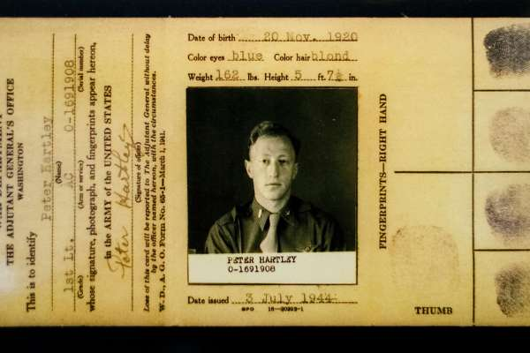
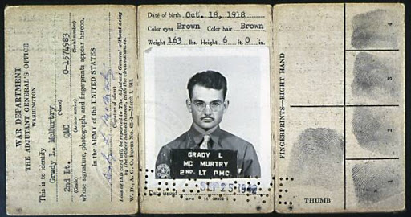
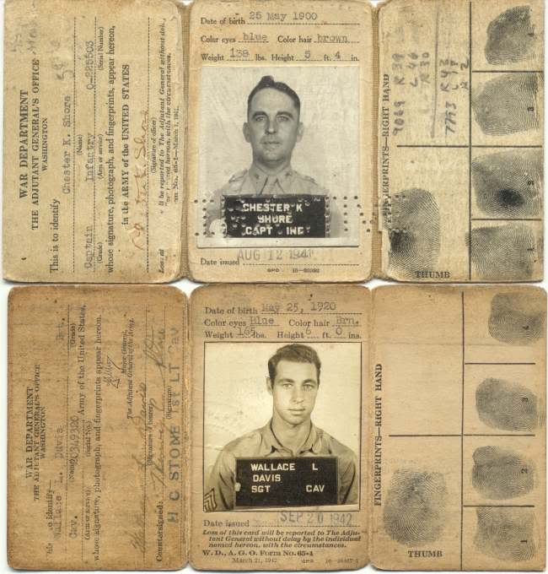
 |  | WW2 name | Grade | Arm | ASN | NAME Printed | Grade | Arm | Birthdate | Eyes | Hair | Weight | Height | Vaha | Vyska
1 | Tomáš Holásek | Thomas J. Holes | Cpl. | INF | 20942212 | Harry Stone | Capt | INF | 1921-12-22 | brown | brown | 198 | 6.1 | 90 | 185
1 | Tomáš Szabó | Tom Taylor | T/5 | INF | 14040178 | Harry Stone | Capt | INF | 1914-01-04 | blue | blond | 190 | 6.0 | 86 | 182
1 | Dieter Unger | Daniel Uland | Pvt. | INF | 19310577 | Harry Stone | Capt | INF | 1907-05-31 | green | cierna | 243 | 5.7 | 110 | 175
2 | JJ Foy | James Newmann | Pvt. | INF | 19080577 | Harry Stone | Capt | INF | 1917-05-08 | blue | brown | 194 | 6.1 | 88 | 185
1 | Peter Nes | Peter J. Nash | Cpl. | INF | 17051191 | Harry Stone | Capt | INF | 1911-11-05 | green | blond | 181 | 5.9 | 82 | 181
2 | Don Chuan | Elmo Knight | Pvt. | INF | 15110692 | Harry Stone | Capt | INF | 1912-06-11 | brown | brown | 154 | 5.4 | 70 | 166
1 | Filip Kostoláni | Philip Bones | Pfc. | INF | 16170599 | Harry Stone | Capt | INF | 1924-05-17 | brown | brown | 172 | 6.1 | 78 | 187
1 | Palo Fördös | Paul Ford | 1st.Lt. | INF | 13010567 | Harry Stone | Capt | INF | 1907-05-01 | blue | black | 190 | 5.8 | 86 | 176
2 | Ivan Zich | John Zich | Pvt. | INF | 19081284 | Harry Stone | Capt | INF | 1906-12-08 | brown | black | 157 | 5.4 | 71 | 164
2 | Matúš Šiška | Mathew Pinecone | Pvt. | INF | 19211290 | Harry Stone | Capt | INF | 1914-12-21 | blue | brown | 190 | 5.8 | 86 | 176
1 | Marek Števko | Harvey Stevens Sutherland | Cpl. | INF | 31357888 | Harry Stone | Capt | INF | 1924-12-16 | brown | brown | 176 | 5.8 | 80 | 177
1 | Patrik Fördös | Patrick Ford | Pfc. | INF | 11280695 | Harry Stone | Capt | INF | 1920-05-08 | brown | brown | 165 | 5.9 | 75 | 180
1 | Matúž Žilinský | Mathew O'Connor | Pvt. | INF | 11041292 | Harry Stone | Capt | INF | 1922-12-04 | blue | red | 209 | 5.9 | 95 | 180
2 | Klamarcik Michal | Michael E. Lyar | Pvt. | INF | 13060591 | Harry Stone | Capt | INF | 1917-05-06 | green | black | 194 | 6.0 | 88 | 182
1 | David Siegfried Stojaspal | John F. Davis | Sgt. | INF | 22011920 | Harry Stone | Capt | INF | 1913-01-22 | brown | brown | 185 | 5.9 | 84 | 180
1 | Andrej Ladányi | Andrew Brown | Sgt. | INF | 18260388 | Harry Stone | Capt | INF | 1918-03-26 | blue | brown | 198 | 6.4 | 90 | 194
1 | Adam Žigo | Adam Zigo | Pvt. | INF | 12181099 | Harry Stone | Capt | INF | 1922-10-18 | green | brown | 165 | 5.8 | 75 | 176
2 | Peťo Joachymstál | Charles H. Audet | T/5 | INF | 31025044 | Harry Stone | Capt | INF | 1918-03-07 | blue | brown | 220 | 6.2 | 100 | 190
2 | Jaroslav Čmelik | Jack Armstrong | Pvt. | INF | 18241081 | Harry Stone | Capt | INF | 1915-10-24 | brown | brown | 214 | 6.0 | 97 | 184
1 | Peťo Joachymstál | Anthony Joe Newman | Pfc. | INF | 12880307 | Harry Stone | Capt | INF | 1920-03-07 | blue | brown | 220 | 6.2 | 100 | 190
2 | Borivoj Steller | Bob Steller | Pvt. | INF | 18240880 | Harry Stone | Capt | INF | 1903-08-24 | blue | brown | 181 | 5.9 | 82 | 180
1 | Luigi Beerman Takacs | Luigi Beermann | Pfc. | INF | 18111192 | Harry Stone | Capt | INF | 1912-11-11 | brown | blond | 154 | 5.7 | 70 | 175
2 | Andrej Zimel | Andrew Zimel | Pvt. | INF | 16061102 | Harry Stone | Capt | INF | 1926-11-06 | green | blond | 143 | 5.7 | 65 | 173
1 | Tomáš Balogh | Thomas Gomez | Cpl. | INF | 18040191 | Harry Stone | Capt | INF | 1917-01-04 | brown | brown | 165 | 6.0 | 75 | 182
1 | Filip Dugovic | Philip Dugovic | Pvt. | INF | 18310398 | Harry Stone | Capt | INF | 1925-03-31 | brown | brown | 176 | 6.1 | 80 | 187
1 | Ladislav Mihaliak | Lewis Michaels | Pvt. | INF | 18071097 | Harry Stone | Capt | INF | 1925-10-07 | blue | blond | 176 | 6.0 | 80 | 183
 | Martin Ost | Martin Nash | Pvt. | INF | 16300589 | Harry Stone | Capt | INF | 1909-05-30 | green | brown | 159 | 5.9 | 72 | 179
 | Jacques Linn | Charles Leeray | Pvt. | INF | 15060885 | Harry Stone | Capt | INF | 1908-08-06 | green | brown | 187 | 6.0 | 85 | 184
1 | Lukáš Wurfl | Lucas Wurfl | Cpl. | INF | 18304206 | Harry Stone | Capt | INF | 1918-04-20 | blue | brown | 154 | 6.2 | 70 | 190
 | Boris Borisovič Blagovec | Billy Smith | Pvt. | INF | 18080603 | Harry Stone | Capt | INF | 1927-06-08 | blue | brown | 190 | 6.1 | 86 | 185

Permit
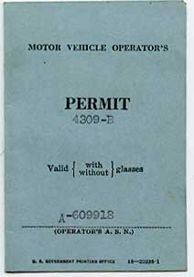
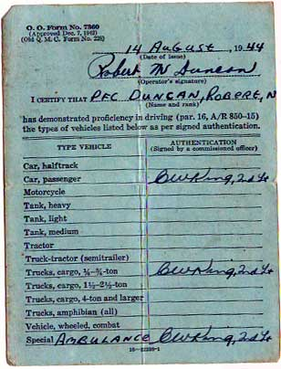
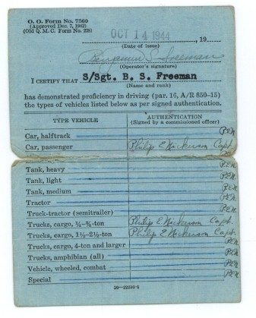
 | Meno | OKULIARE | ASN | Date of issue | Signature | WW2 name | Rank | Triedy sa vypisu rucne
1 | Tomáš Holásek | Nie | 20942212 | dame peciatku | podpis | Thomas J. Holes | Cpl.
1 | Tomáš Szabó | Nie | 14040178 |  |  | Tom Taylor | T/5
1 | Dieter Unger | Ano | 19310577 |  |  | Daniel Uland | Pvt.
1 | JJ Foy | Nie | 19080577 |  |  | James Newmann | Pvt.
1 | Peter Nes | Nie | 17051191 |  |  | Peter J. Nash | Cpl.
1 | Don Chuan | Nie | 15110692 |  |  | Elmo Knight | Pvt.
1 | Filip Kostoláni | Nie | 16170599 |  |  | Philip Bones | Pfc.
1 | Palo Fördös | Ano | 13010567 |  |  | Paul Ford | 1st.Lt.
1 | Ivan Zich | Nie | 19081284 |  |  | John Zich | Pvt.
1 | Matúš Šiška | Nie | 19211290 |  |  | Mathew Pinecone | Pvt.
1 | Marek Števko | Nie | 31357888 |  |  | Harvey Stevens Sutherland | Cpl.
1 | Patrik Fördös | Nie | 11280695 |  |  | Patrick Ford | Pfc.
1 | Matúž Žilinský | Nie | 11041292 |  |  | Mathew O'Connor | Pvt.
1 | Klamarcik Michal | Nie | 13060591 |  |  | Michael E. Lyar | Pvt.
1 | David Siegfried Stojaspal | Nie | 22011920 |  |  | John F. Davis | Sgt.
1 | Andrej Ladányi | Nie | 18260388 |  |  | Andrew Brown | Sgt.
1 | Adam Žigo | Nie | 12181099 |  |  | Adam Zigo | Pvt.
1 | Peťo Joachymstál | Nie | 31025044 |  |  | Charles H. Audet | T/5
1 | Jaroslav Čmelik | Nie | 18241081 |  |  | Jack Armstrong | Pvt.
1 | Peťo Joachymstál | Nie | 12880307 |  |  | Anthony Joe Newman | Pfc.
1 | Borivoj Steller | Nie | 18240880 |  |  | Bob Steller | Pvt.
1 | Luigi Beerman Takacs | Nie | 18111192 |  |  | Luigi Beermann | Pfc.
1 | Tomáš Balogh | Nie | 18040191 |  |  | Thomas Gomez | Cpl.
1 | Filip Dugovic | Nie | 18310398 |  |  | Philip Dugovic | Pvt.
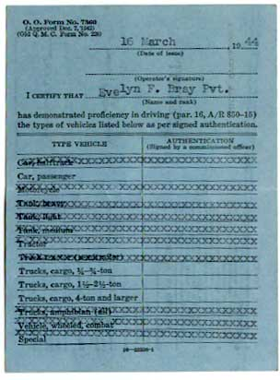
1 | Ladislav Mihaliak | Nie | 18071097 |  |  | Lewis Michaels | Pvt.
1 | Martin Ost | Nie | 16300589 |  |  | Martin Nash | Pvt.
1 | Jacques Linn | Nie | 15060885 |  |  | Charles Leeray | Pvt.
1 | Lukáš Wurfl | Nie | 18304206 |  |  | Lucas Wurfl | Cpl.

Imminization report
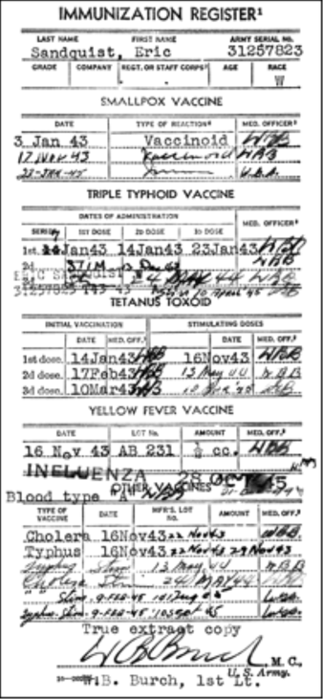
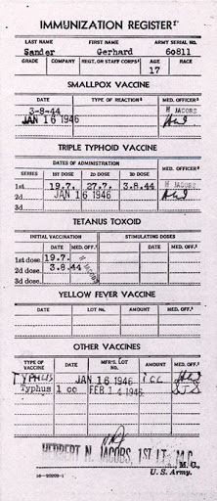
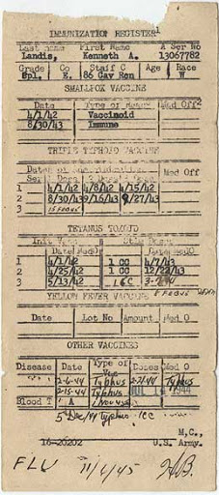
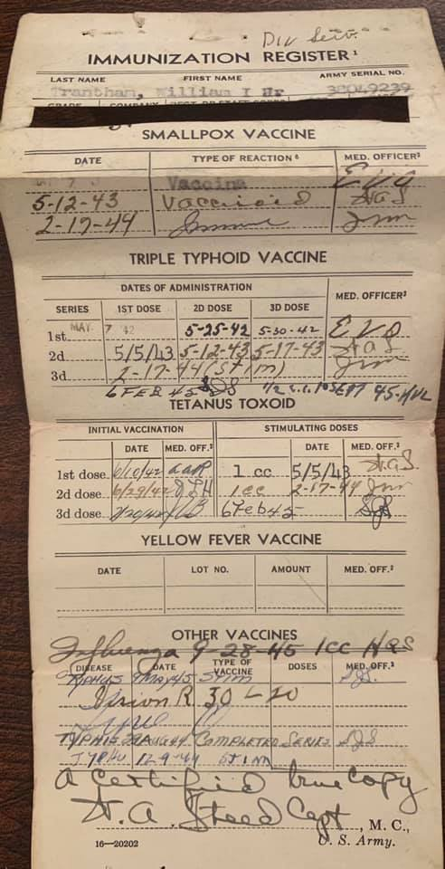
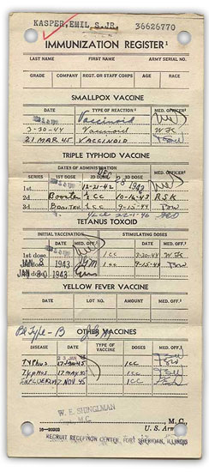
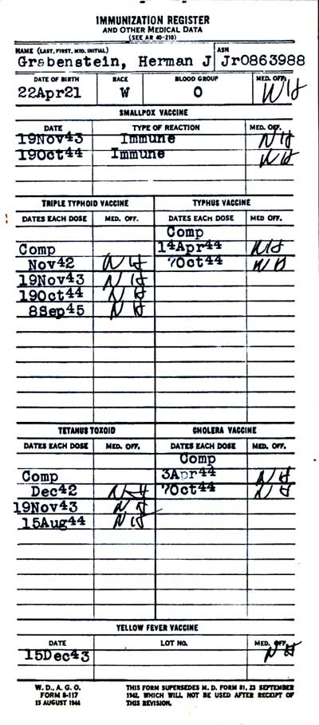
 | LAST NAME | FIRST NAME | ASN | Grade | Co. | Regt.Staff Co. | Age | Race | Birthdate
Tomáš Holásek | Holes | Thomas J. | 20942212 | Cpl. | HQ | 509th PIB | 22 | W | 1921-12-22
Tomáš Szabó | Taylor | Tom | 14040178 | T/5 | HQ | 509th PIB | 29 | W | 1914-01-04
Dieter Unger | Uland | Daniel | 19310577 | Pvt. | HQ | 509th PIB | 36 | W | 1907-05-31
JJ Foy | Newmann | James | 19080577 | Pvt. | HQ | 509th PIB | 26 | W | 1917-05-08
Peter Nes | Nash | Peter J. | 17051191 | Cpl. | HQ | 509th PIB | 32 | W | 1911-11-05
Don Chuan | Knight | Elmo | 15110692 | Pvt. | HQ | 509th PIB | 31 | W | 1912-06-11
Filip Kostoláni | Bones | Philip | 16170599 | Pfc. | HQ | 509th PIB | 19 | W | 1924-05-17
Palo Fördös | Ford | Paul | 13010567 | 1st.Lt. | HQ | 509th PIB | 36 | W | 1907-05-01
Ivan Zich | Zich | John | 19081284 | Pvt. | HQ | 509th PIB | 37 | W | 1906-12-08
Matúš Šiška | Pinecone | Mathew | 19211290 | Pvt. | HQ | 509th PIB | 29 | W | 1914-12-21
Marek Števko | Sutherland | Harvey S. | 31357888 | Cpl. | HQ | 509th PIB | 19 | W | 1924-12-16
Patrik Fördös | Ford | Patrick | 11280695 | Pfc. | HQ | 509th PIB | 23 | W | 1920-05-08
Matúž Žilinský | O'Connor | Mathew | 11041292 | Pvt. | HQ | 509th PIB | 21 | W | 1922-12-04
Klamarcik Michal | Lyar | Michael E. | 13060591 | Pvt. | HQ | 509th PIB | 26 | W | 1917-05-06
David Siegfried Stojaspal | Davis | John F. | 22011920 | Sgt. | HQ | 509th PIB | 30 | W | 1913-01-22
Andrej Ladányi | Brown | Andrew | 18260388 | Sgt. | HQ | 509th PIB | 25 | W | 1918-03-26
Adam Žigo | Zigo | Adam | 12181099 | Pvt. | HQ | 509th PIB | 21 | W | 1922-10-18
Peťo Joachymstál | Audet | Charles H. | 31025044 | T/5 | HQ | 509th PIB | 25 | W | 1918-03-07
Jaroslav Čmelik | Armstrong | Jack | 18241081 | Pvt. | HQ | 509th PIB | 28 | W | 1915-10-24
Peťo Joachymstál | Newman | Anthony Joe | 12880307 | Pfc. | HQ | 509th PIB | 23 | W | 1920-03-07
Borivoj Steller | Steller | Bob | 18240880 | Pvt. | HQ | 509th PIB | 40 | W | 1903-08-24
Luigi Beerman Takacs | Beermann | Luigi | 18111192 | Pfc. | HQ | 509th PIB | 31 | W | 1912-11-11
Andrej Zimel | Zimel | Andrew | 16061102 | Pvt. | HQ | 509th PIB | 17 | W | 1922-11-06
Tomáš Balogh | Gomes | Thomas | 18040191 | Cpl. | HQ | 509th PIB | 26 | W | 1917-01-04
Filip Dugovic | Dugovic | Philip | 18310398 | Pvt. | HQ | 509th PIB | 18 | W | 1925-03-31
Ladislav Mihaliak | Michaels | Lewis | 18071097 | Pvt. | HQ | 509th PIB | 18 | W | 1925-10-07
Martin Ost | Nash | Martin | 16300589 | Pvt. | HQ | 509th PIB | 34 | W | 1909-05-30
Jacques Linn | Leeray | Charles | 15060885 | Pvt. | HQ | 509th PIB | 35 | W | 1908-08-06
Lukáš Wurfl | Wurfl | Lucas | 18304206 | Cpl. | HQ | 509th PIB | 25 | W | 1918-04-20
Boris Borisovič Blagovec | Smith | Billy | 18080603 | Pvt. | HQ | 509th PIB | 16 | W | 1910-06-08

