Sheet1
 | Direct Form 2 |  |  |  |  |  | Direct form 2 transposed
Order | 4 | 6 | 8 | 10 | 12 | Order | 4 | 6 | 8 | 10 | 12
No optimisation | 334 | 486 | 638 | 790 | 942 | No optimisation | 274 | 392 | 510 | 628 | 746
Optimisation 2 | 136 | 145 | 157 | 171 | 185 | Optimisation 2 | 129 | 138 | 150 | 160 | 170

Direct Form 2
To determine the linear equation that describes the relationship between filter order and number of cycles taken for each algorithm, the algorithms were run at several different order levels, and the time taken, in cycles, was recorded. This process was repeated for no optimisation and optimisation level 2 for both algorithms.
Using the data collected, the graphs in figure --- and figure --- were produced, showing that there is, indeed, a linear relationship. This is especially true for the non-optimised processes, where the the number of cycles increases by exactly the same amount for each data point (152 for Direct Form 2 and 118 cycles for Direct Form 2 Transposed). The optimised processes' first two data points are slightly less linear, but from the third data point onward, they appear to settle into a linear trend, growing at the same number of cycles(14 cycles for Direct Form 2 and 10 cycles for Direct Form 2 Transposed). More data could not be collected as the filters start to malfunction past the 12th order filter. This is because Ed fill in why
The transposed form is seen to be faster than the non-transposed form. Looking at the non-optimised plots, the transposed for has a much lower x coefficient than the non-transposed form. This means that it will stay consistently faster as order is increased. This is due to the differences in their for loops: in the non-transposed algorithm, we are performing three distinct operations (two multiplications and a shift of the buffer), whereas in the transposed version, we are performing similar operations, but have grouped them into one statement. Since the instructions are not being optimised, the compiler is less efficient at managing its memory with the non-transposed algorithm, since it is not aware that the values it is calculating will be summed at the end. In the transposed algorithm, however, this is more clearly communicated to the compiler.
Looking at the equations for the -o2 plots, there is slightly more overhead in the Direct Form 2 algorithm than the transposed version (109.2 vs 107.8). Looking at the C code, the non-transposed algorithm has more initialisations, which is likely what is contributing to that increase, however, it is diffucult to accurately predict why the optimised code behaves as it does, since the compiler alters the code in non-obvious and sometimes counter-intuitive ways to maximise speed. Looking at the disassembly, as shown in figure ---, in Code Composer (for a 12th order filter), we find that the transposed form makes use of 42 paralell-execution instructions in its for loop, as opposed to the the non-transposed form's 28, which may be a contributing factor, as it reduces the number of cycles needed to run one iteration of the loop.
Direct Form 2 Transposed

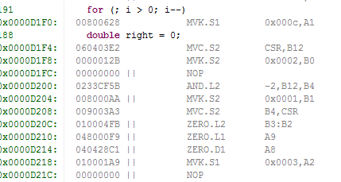

Example of the paralell-execution instructions, preceded by ||

