Curve
stressor_curve_id | stressor_id | stressor_desc | linked_stressor_id | organism_id | species_desc | season_desc | response | function_type | sr_function | sr_function_description | sr_function_confidence | confidence_interval_type | confidence_interval | data_type | data_quality | data_source_type | reference | curve_documentation | figure
1 | 11 | Fine sediment < 0.85mm | NA | 3 | Coho Salmon | rearing | incubation productivity | continuous | 1/(1+EXP(-1.989+0.185*fine_sed)) | fine sed is the percent fine sediment < 0.85mm, road density is the hectares of current roads per hectare of drainage area | moderate uncertainty | None | NA | empirical relationship | Strong relationship between fine sediment (%) and incubation productivity; weaker correlation between 5% fine sediment and road density | Mechanistic theory based, and empirical relationship from Jensen (2009) between road density and fines | Beechie, T. J., C. Nicol, C. Fogel, J. Jorgensen, J. Thompson, G. Seixas, J. Chamberlin, J. Hall, B. Timpane-Padgham, P. Kiffney, S. Kubo, and J. Keaton. 2021. Modeling Effects of Habitat Change and Restoration Alternatives on Salmon in the Chehalis River Basin Using a Salmonid Life-Cycle Model. U.S. Department of Commerce, NOAA Contract Report NMFS-NWFSC-CR-2021-01. | StressorResponse_Coho_Sediment.docx | 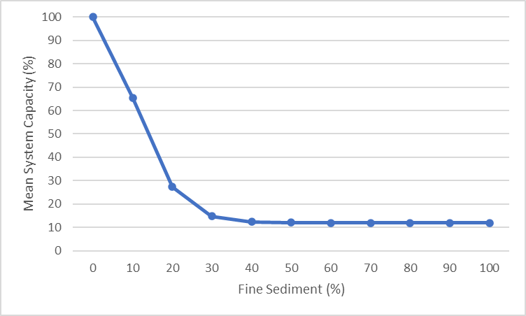
2 | 16 | Modelled stream temperature derived from estimated shade cover | NA | 3 | Coho Salmon | rearing | productivity/ capacity | threshold | T < 18°C,1; 18°C ≤ T < 24°C,1 – 0.17*(T-18); T ≥ 24°C,0 | T is temperature in °C. The productivity/capacity multiplier is 0 at 24°C and above, and 1 at temperatures < 18°C | moderate uncertainty | None | NA | empirical relationship | unknown | Stream temperature was derived using a stream temperature model (based on shade conditions; Beechie et al., 2021 Appendix A) | Beechie, T. J., C. Nicol, C. Fogel, J. Jorgensen, J. Thompson, G. Seixas, J. Chamberlin, J. Hall, B. Timpane-Padgham, P. Kiffney, S. Kubo, and J. Keaton. 2021. Modeling Effects of Habitat Change and Restoration Alternatives on Salmon in the Chehalis River Basin Using a Salmonid Life-Cycle Model. U.S. Department of Commerce, NOAA Contract Report NMFS-NWFSC-CR-2021-01. | StressorResponse_Coho_Temperature.docx | 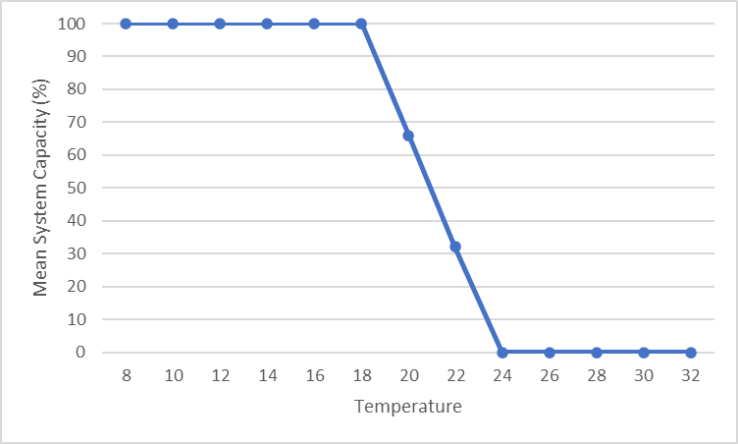
1 | 11 | Fine sediment < 0.85mm | NA | 8 | Steelhead | rearing | incubation productivity | continuous | 1/(1+EXP(-1.989+0.185*fine_sed)) | fine sed is the percent fine sediment < 0.85mm, road density is the hectares of current roads per hectare of drainage area | moderate uncertainty | None | NA | empirical relationship | Strong relationship between fine sediment (%) and incubation productivity; weaker correlation between 5% fine sediment and road density | Mechanistic theory based, and empirical relationship from Jensen (2009) between road density and fines | Beechie, T. J., C. Nicol, C. Fogel, J. Jorgensen, J. Thompson, G. Seixas, J. Chamberlin, J. Hall, B. Timpane-Padgham, P. Kiffney, S. Kubo, and J. Keaton. 2021. Modeling Effects of Habitat Change and Restoration Alternatives on Salmon in the Chehalis River Basin Using a Salmonid Life-Cycle Model. U.S. Department of Commerce, NOAA Contract Report NMFS-NWFSC-CR-2021-01. | StressorResponse_Steelhead_Sediment.docx
3 | 16 | Modelled stream temperature derived from estimated shade cover | NA | 8 | Steelhead | rearing | productivity/ capacity | continuous | 97.88/(1+EXP(-((T-24.3522)/-0.5033)) | T is the 7-day average daily maximum stream temperature (in °C) from temperature models, and p is a productivity multiplier from 0-1 | Strength, direction and relative magnitude well known, but less certain about absolute values. SR function is based on a small amount of data from a single empirical study | None | NA | empirical relationship | unknown | Theoretical application to older life stages, and empirical model linked to juvenile life stages. Data are based on rainbow trout (same species as steelhead, but some differing characteristics). | Beechie, T. J., C. Nicol, C. Fogel, J. Jorgensen, J. Thompson, G. Seixas, J. Chamberlin, J. Hall, B. Timpane-Padgham, P. Kiffney, S. Kubo, and J. Keaton. 2021. Modeling Effects of Habitat Change and Restoration Alternatives on Salmon in the Chehalis River Basin Using a Salmonid Life-Cycle Model. U.S. Department of Commerce, NOAA Contract Report NMFS-NWFSC-CR-2021-01. | StressorResponse_Steelhead_Temperature.docx | 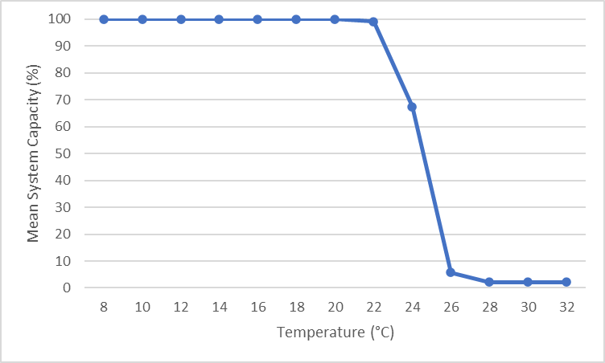

1
Fine Sediment (%) | Mean System Capacity (%) | SD | low.limit | up.limit
0 | 100 | 0 | 0 | 100
10 | 65.469415749 | 0 | 0 | 100
20 | 27.303405615 | 0 | 0 | 100
30 | 14.762554725 | 0 | 0 | 100
40 | 12.444730394 | 0 | 0 | 100
50 | 12.070191225 | 0 | 0 | 100
60 | 12.011043202 | 0 | 0 | 100
70 | 12.001736563 | 0 | 0 | 100
80 | 12.000273056 | 0 | 0 | 100
90 | 12.000042935 | 0 | 0 | 100
100 | 12.000006751 | 0 | 0 | 100

2
Temperature | Mean System Capacity (%) | SD | low.limit | up.limit
8 | 100 | 10 | 0 | 100
10 | 100 | 10 | 0 | 100
12 | 100 | 10 | 0 | 100
14 | 100 | 10 | 0 | 100
16 | 100 | 10 | 0 | 100
18 | 100 | 10 | 0 | 100
20 | 66 | 10 | 0 | 100
22 | 32 | 10 | 0 | 100
24 | 0 | 10 | 0 | 100
26 | 0 | 10 | 0 | 100
28 | 0 | 10 | 0 | 100
30 | 0 | 10 | 0 | 100
32 | 0 | 10 | 0 | 100

3
Temperature | Mean System Capacity (%) | SD | low.limit | up.limit
8 | 100 | 10 | 0 | 100
10 | 100 | 10 | 0 | 100
12 | 99.999999998 | 10 | 0 | 100
14 | 99.999999886 | 10 | 0 | 100
16 | 99.999993924 | 10 | 0 | 100
18 | 99.99967684 | 10 | 0 | 100
20 | 99.982815732 | 10 | 0 | 100
22 | 99.094355086 | 10 | 0 | 100
24 | 67.517475993 | 10 | 0 | 100
26 | 5.6901031184 | 10 | 0 | 100
28 | 2.1896178677 | 10 | 0 | 100
30 | 2.1213098941 | 10 | 0 | 100
32 | 2.1200246294 | 10 | 0 | 100

