1_5_10_year_survival
Pancreatic cancer (C25): 2013-2017

Pancreatic cancer Age-Standardised One-, Five- and Ten-Year Net Survival, Adults (Aged 15-99), England, 2013-2017

Sex | Years after diagnosis | Number of cases | Net surivival | Lower CI | Upper CI
Female | one year | 20,332.0 | 26.2 | 25.5 | 26.8
Male | one year | 21,067.0 | 24.8 | 24.2 | 25.4
Persons | one year | 41,399.0 | 25.4 | 24.9 | 25.8
Female | five years | 20,332.0 | 8.1 | 7.6 | 8.7
Male | five years | 21,067.0 | 6.5 | 6.0 | 7.0
Persons | five years | 41,399.0 | 7.3 | 6.9 | 7.7
Female | ten years | 31,286.0
Male | ten years | 31,992.0
Persons | ten years | 63,278.0 | 5.0 | 4.5 | 5.5

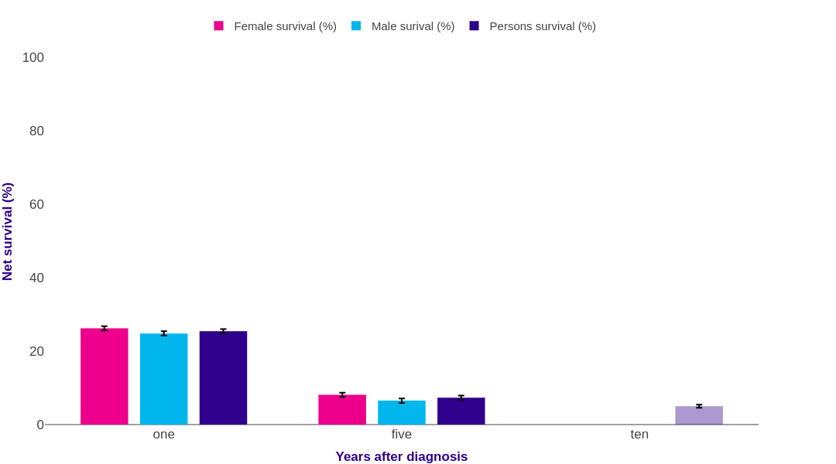

Source: cruk.org/cancerstats

You are welcome to reuse this Cancer Research UK statistics content for your own work.
Credit us as authors by referencing Cancer Research UK as the source.
Suggested style: Cancer Research UK, full URL of the page, Accessed [month] [year].

