Room Set Legend
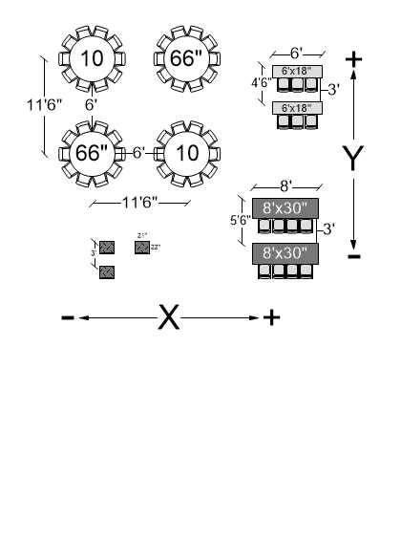
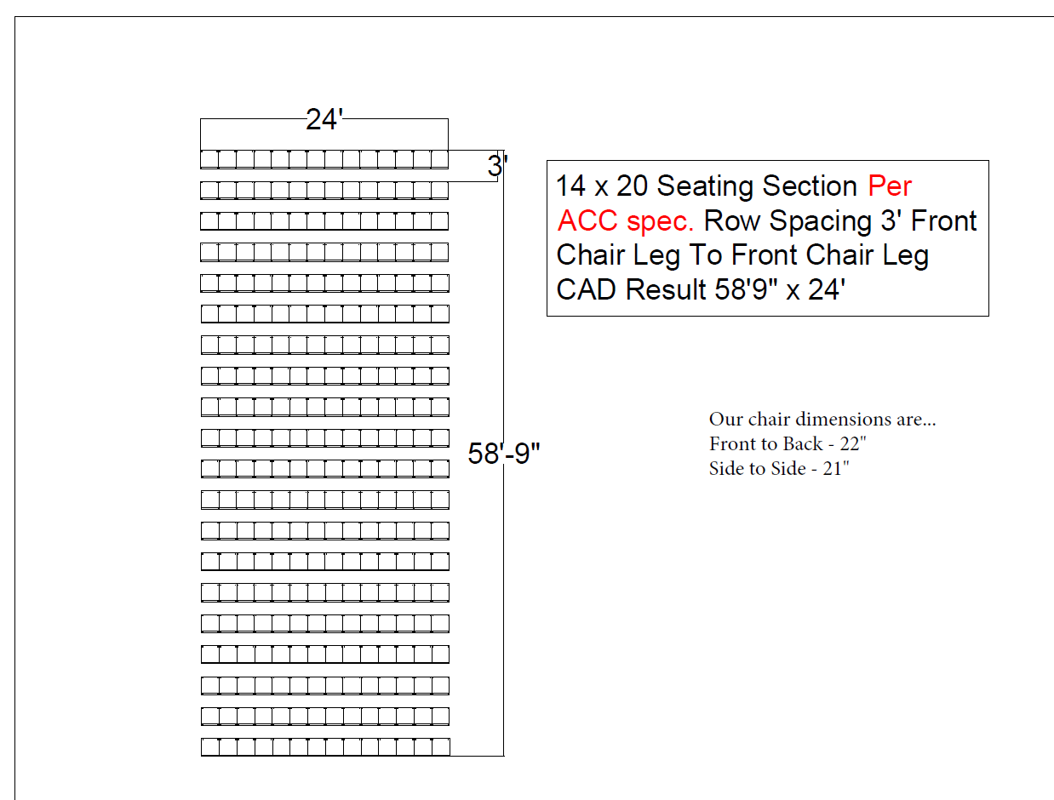
Room Layout Options
Special request room sets outside of the layouts displayed here may incur additional labor charges
Theater | Classroom |  | Banquet |  | Conference |  | Hollow Square

U-Shape

Equipment Measurements

Equipment |  | Size Options (LxW) |  |  |  | Height Options
Chairs |  | 22"x21"
Rectangle Tables |  | 8'x30" | 8'x18" | 6'x30" | 6'x18" | 29"
Banquet Rounds |  | 66" round |  |  |  | 29"
Cocktail Rounds |  | 30" round |  |  |  | 29" | 42.5"
Square Tables |  | 3'x 3' |  |  |  | 29" | 42.5"
Stage Sections- opt 1 |  | 6'x8' |  |  |  | 18" | 24"
Stage Sections- opt 2 |  | 4'x8' |  |  |  | Can be set from 18"-40" & 48"-72" in 24" increments.

Spacing Requirements |  |  |  |  |  | Theater Set Guidelines

