Graphs
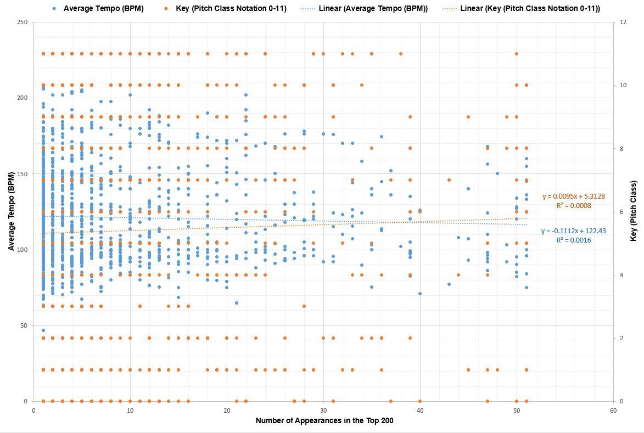
Average Tempo and Key VS Number of Appearance

