Sheet1
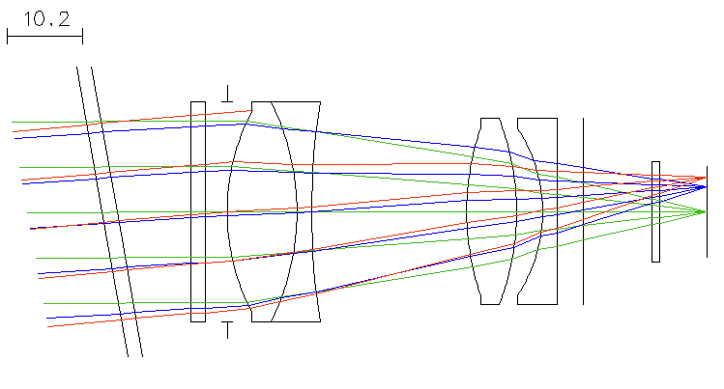
Surface | Thickness
1 | 2
2 | 10
3 | 2
4 | 3
5 | 9.5 | L1
6 | 2
7 | 21.088
8 | 6.8 | L2
9 | 3.5293
10 | 2 | L3
11 | 3.603
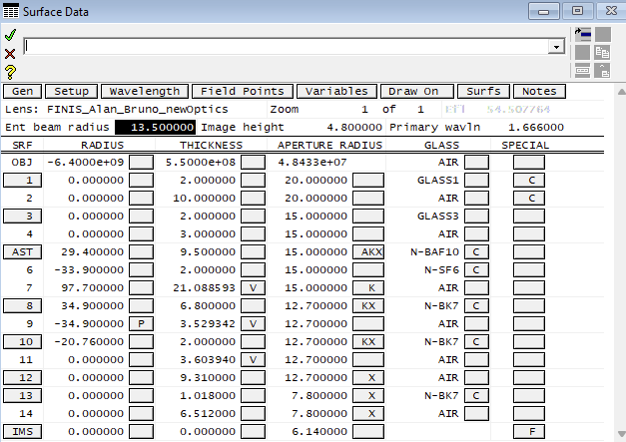
12 | 9.31
13 | 1.018
14 | 6.512

