1. Title Page
Instacart Grocery Basket Analysis

Project Name: Instacart Grocery Basket Analysis
Date: June 12, 2024
Analyst Name: Matt Jones

Contents:
Population Flow
Consistency checks
Wrangling steps
Column derivations
Visualizations
Recommendations

Data Citation:
"The Instacart Online Grocery Shopping Dataset 2017”, accessed from https://www.instacart.com/datasets/grocery-shopping-2017 via Kaggle on June 1, 2024

2. Population Flow
Title page

Population Flow

Exclusion Flag
Condition: max_order < 5
Obervations to be removed: 1,440,295
Final total count of order_products_all: 30,964,564

Orders_products_combined
Orders_products_merged
complete_instacart_data

Total: 32,404,859
Total: 32,434,489
Total: 32,404,859

1.) The grey boxes in the first row of the population flow represent the original data sets as they were when you downloaded them. In the Total fields you need to add the count of the rows when you imported the data set into Jupyter.
2.) The second row of boxes (coloured) represents the data sets after you manipulated them, e.g., removed missing values and duplicates. In the Total fields you need to add the count of the rows after conducting these operations. This offers a visual oveview of how the data flows throughout the data consistency checks.
3.) The third row, where also the arrows are coloured, represents the merges you performed between the datasets. In the Total fields you need to add the count of the rows in the merged datasets, so that you end up with the final dataset (in the red box). Keep in mind the final dataset should be without exclusions (based on the exclusion flag).

3. Consistency Checks
 |  |  |  | Title page

Consistency Checks

Dataset | Missing values | Missing values treatment | Duplicates
orders | 206,209 values in days_since_prior_order | Used a crosstab to confirm that all missing values were due to being a first order. Created a new column ('new_customer') to flag these rows | No duplicate rows
products | 16 values in product_name 2 outlier values in prices | Subset dataframe excluding rows with missing product_name Replaced price values > 100 with NaN | 5 duplicate rows; Subset dataframe excluding duplicate rows
orders_products_prior | 0 missing values | - | No duplicate rows
customers | 0 missing values | - | No duplicate rows

4. Wrangling Steps
 |  |  |  |  | Title page

Wrangling Steps

Datasets | Columns dropped | Columns renamed | Columns' type changed | Comment/Reason
orders | eval_set |  |  | This column was not important to the analysis
orders |  | order_dow : order_day_of_week order_number : number_of_orders |  | Renamed to increase clarity
orders |  |  | order_id, user_id changed to string | The values in both order_id and user_id will not be aggregated like other integers
customers | first_name, last_name |  |  | Personally identifiable information
customers |  | First Name : first_name Surnam : last_name Gender : gender STATE : state Age : age n_dependants : number_of_dependents fam_status : family_status |  | Renamed to increase clarity and to maintain consistent naming scheme with other dataframes
customers |  |  | first_name changed to string | This column was originally mixed-type data

5. Column Derivations
 |  |  |  |  | Title page

Column Derivations and Aggregations

In this tab you should add tables below that the frequences of flags/label variables that you produced after deriving them. NB: don't do this for continuous variables, only for flags.
Dataset | New column | Column/s it was derived from | Conditions | Frequency
orders.csv | new_customer | days_since_prior_order | If days_since_prior_order == NaN, new_customer == True Else, new_customer = False | new_customer False: 3,214,874 True: 206,209 Name: count dtype: int64
orders_products_merged.pkl | price_range | prices | If prices <= 5, return 'Low-Range Product' If prices > 5, and prices <= 15 return 'Mid-Range Product' If prices > 15, return 'High-Range Product' | price_range Low-Range Product: 10,126,321 Mid-Range Product: 21,860,860 High-Range Product: 412,551 Name: count dtype: int64
orders_products_merged.pkl | busiest_day | order_day_of_week | For value in order_day_of_week: If value == 0, return 'Busiest' If value == 4, return 'Least Busy' Else, return 'Regularly Busy | busiest_day Busiest: 6,204,182 Regularly Busy: 22,416,875 Least Busy: 3,783,802 Name: count dtype: int64
orders_products_merged.pkl | busiest_days | order_day_of_week | For value in order_day_of_week: If value == 0 or 1, return 'Busiest' If value == 4 or 3, return 'Least Busy' Else, return 'Regularly Busy | busiest_days Busiest: 11,864,412 Regularly Busy: 12,916,111 Least Busy: 7,624,336 Name: count dtype: int64
orders_products_merged.pkl | busiest_period_of_day | order_hour_of_day | For value in order_hour_of_day: If value == 9, 10, 11, 12, 13, 14, 15, or 16, return 'Most Orders' If value == 0, 1, 2, 3, 4, 5, 6, or 23, return 'Fewest Orders' Else, return 'Average Orders' | busiest_period_of_day Most Orders: 21,118,071 Average Orders: 9,997,651 Fewest Orders: 1,289,137 Name: count dtype: int64
orders_products_merged.pkl | loyalty_flag | max_order | If max_order > 40, return 'Loyal Customer' If max_order <= 40 and > 10, return 'Regular Customer' If max_order <= 10, return 'New Customer' | loyalty_flag Loyal Customer: 12,284,093 Regular Customer: 15,876,776 New Customer: 6,243,990 Name: count dtype: int64
orders_products_merged.pkl | spending_flag | average_price_across_orders | For value in average_price_across_orders: If value < 10, return 'Low Spender' If value >= 10, return 'High Spender' | spending_flag Low Spender: 31,770,614 High Spender: 634,245 Name: count dtype: int64
orders_products_merged.pkl | frequency_flag | median_days_since_prior_order | For value in median_days_since_prior_order: If value <= 10, return 'Frequent Customer' If value >10 and <= 20, return 'Regular Customer If value > 20, return 'Non-Frequent Customer | frequency_flag Frequent Customer: 21,559,853 Regular Customer: 7,208,564 Non-Frequent Customer: 3,636,437 NaN: 5 (customers who only placed one order) Name: count dtype: int64
complete_instacart_data.pkl | region | state | Four lists were defined for each geographic region, by listing out the states in those regions. For value in state: If value is in northeast_region, return 'Northeast' If value is in midwest_region, return 'Midwest' If value is in south_region, return 'South' If value is in west_region, return 'West' | region South: 10,791,885 West: 8,292,913 Midwest: 7,597,325 Northeast: 5,722,736 Name: count dtype: int64
complete_instacart_data.pkl | exclusion_flag | max_order | For values in max_order: If value < 5, return 'Exclude If value >= 5 return 'Keep' | exclusion_flag Keep: 30,964,564 Exclude: 1,440,295 Name: count dtype: int64
complete_instacart_data.pkl | income_flag | income | For values in income: If value > $97,000, return 'High-Income' If value <= $97,000 return 'Low-Income' | income_flag Low-Income: 15,575,544 High-Income: 15,389,020 Name: count dtype: int64
complete_instacart_data.pkl | customer_profile | family_status income_flag | If family_status is 'living with parents and siblings' OR 'single', AND income_flag is 'Low-Income, return 'Low-Income, Young Adult' If family_status is 'living with parents and siblings' OR 'single', AND income_flag is 'High-Income, return 'High-Income, Young Adult' If family_status is 'married' OR 'divorced/widowed', AND income_flag is 'Low-Income, return 'Low-Income, Older Adult' If family_status is 'married' OR 'divorced/widowed', AND income_flag is 'Low-Income, return 'High-Income, Older Adult' | customer_profile High-Income, Older Adult: 13,358,326 Low-Income, Older Adult: 11,030,656 Low-Income, Young Adult: 4,566,888 High-Income, Young Adult: 2,030,694 Name: count dtype: int64

6. Visualizations
Title page

Visualisations

In this tab you should include all the visualtions from Exercises 4.9 and 4.10, alongside the questions from the project brief that they answer. Include any commentary complete_instacart_data2on the relationship between different variables.

QUESTION #1
In order to schedule ads when there are FEWER orders, what are the busiest days of the week and hours of the day?

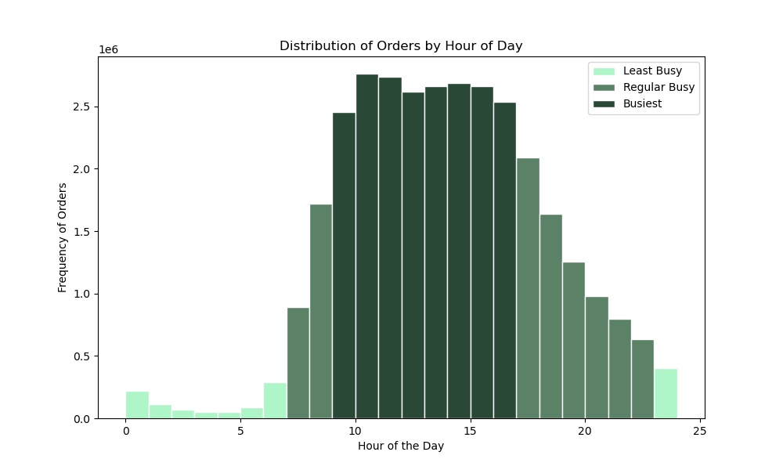
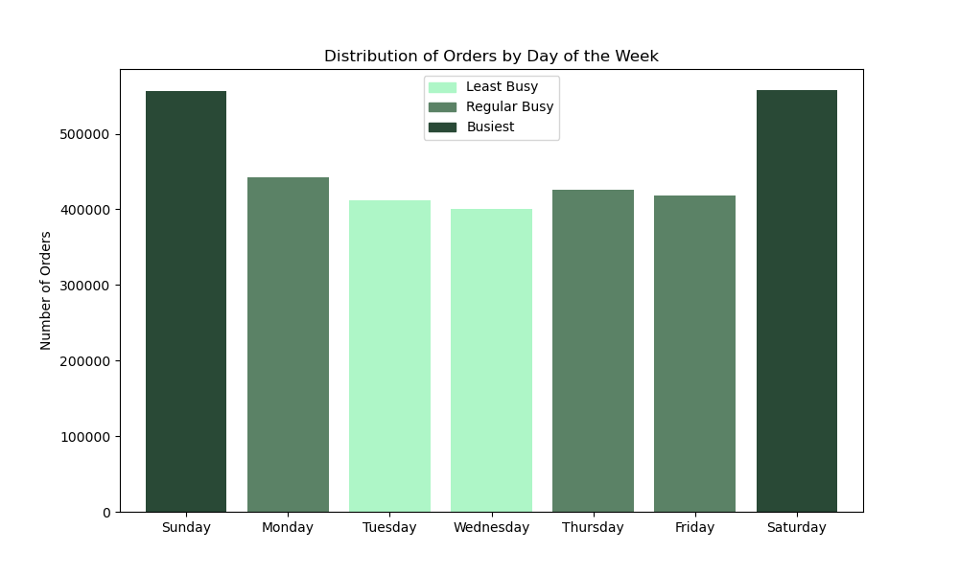

ANSWER
The busiest times of day are between 9am and 4pm.
The busiest days of the week are on Saturday and Sunday.
Ads should be scheduled on weekday evenings when there are the fewest orders made.

QUESTION #2
In order to inform what products to advertise and when, are there times of the day when people spend the most money?

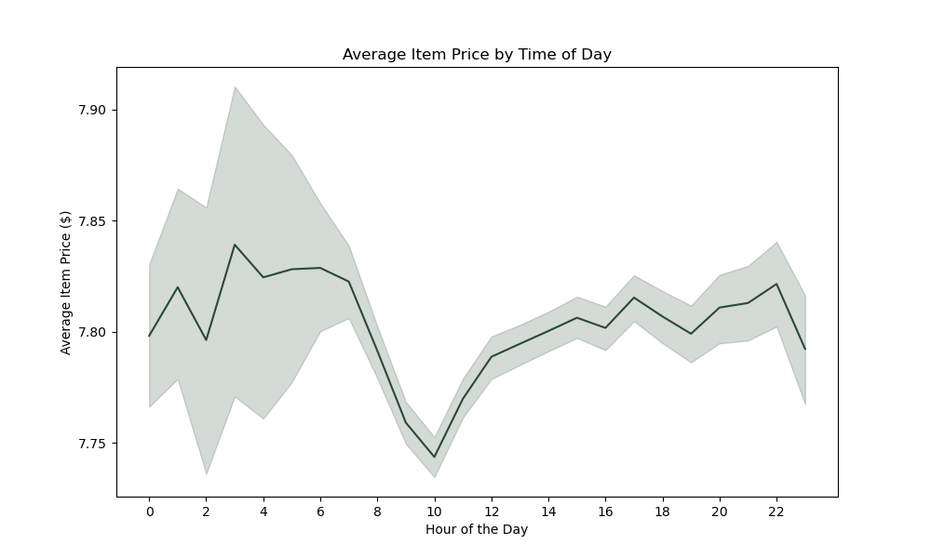
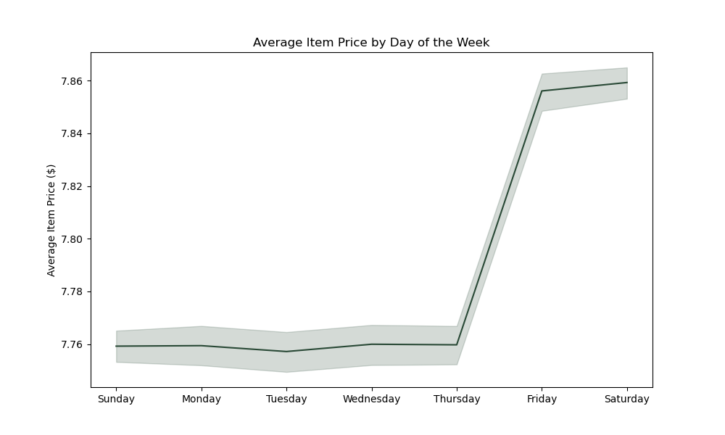

ANSWER
The average price of items sold are highest in the evenings and early mornings (8pm - 6am), and highest on Friday and Saturday. The average range of prices is fairly stable though, remaining between $7.75 and $7.90 for all hours of the day and all days of the week.

QUESTION #3
Because there are so many items with different price tags, how can we simplify the price range groupings?

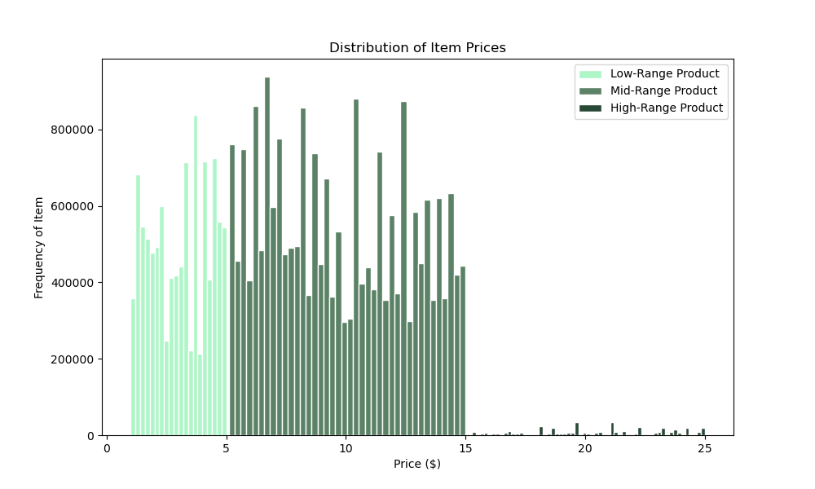

ANSWER
Above $15, there are very few items. So we can simplify our price range groupings to be:
Low-Range Products (between $0 - $5)
Mid-Range Products (between $5 - $15)
High-Range Products (between $15 - $25)

QUESTION #4
In order to which department has the highest frequency of product orders, are there certain types of products that are more popular than others?

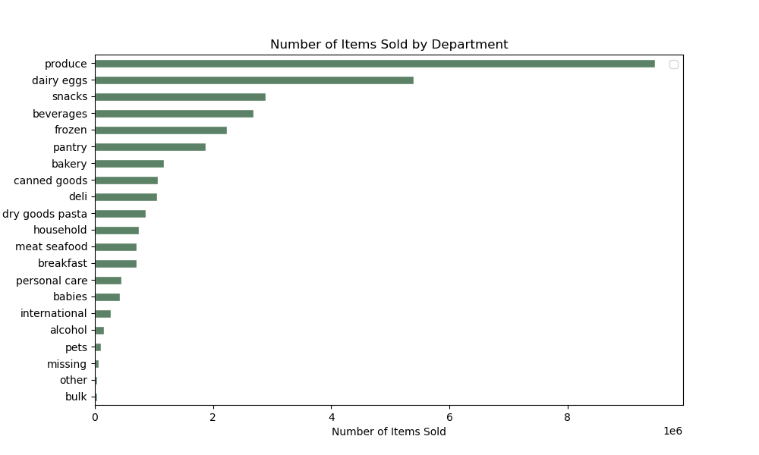

ANSWER
The top five performing departments are:
(1) Produce, (2) Dairy/Eggs, (3) Snacks, (4) Beverages, (5) Frozen

QUESTION #5
What’s the distribution among users in regards to their brand loyalty?

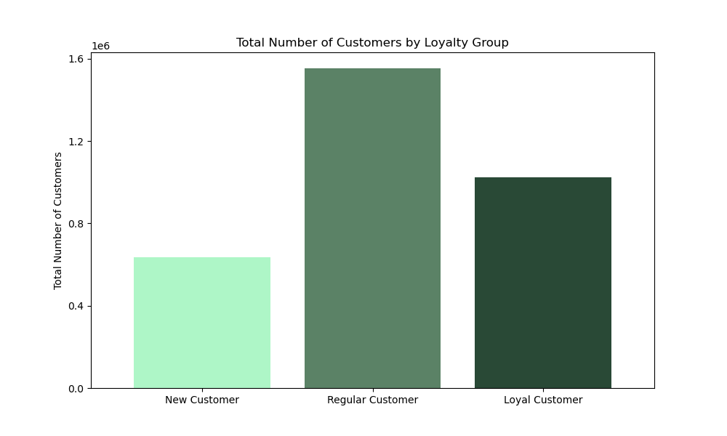
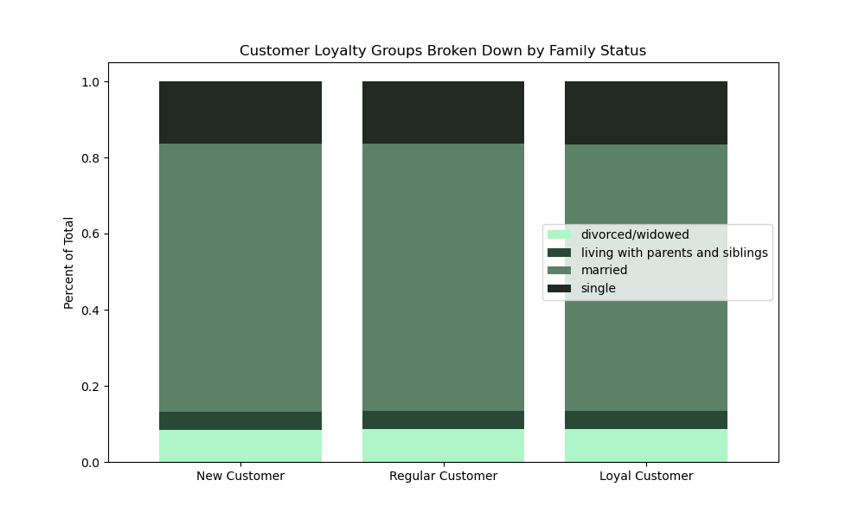

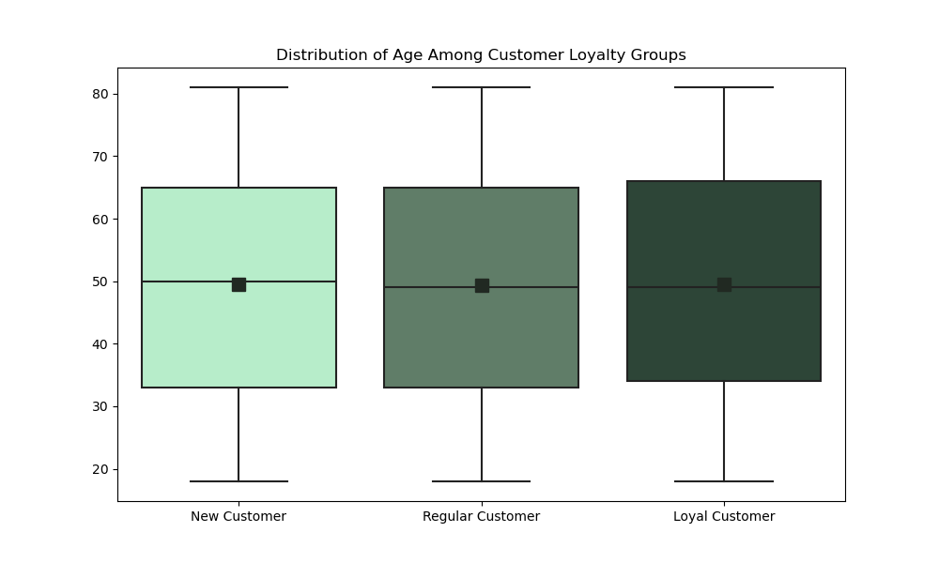

ANSWER
While there are more Regular Customers than Loyal Customers, and more Loyal Customers than New Customers, the loyalty groups look the same in regards to family status and age

QUESTION #6
Are there differences in ordering habits based on a customer’s loyalty status?

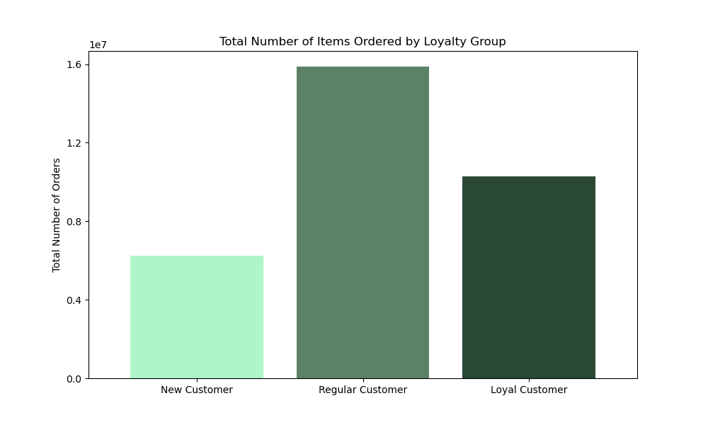
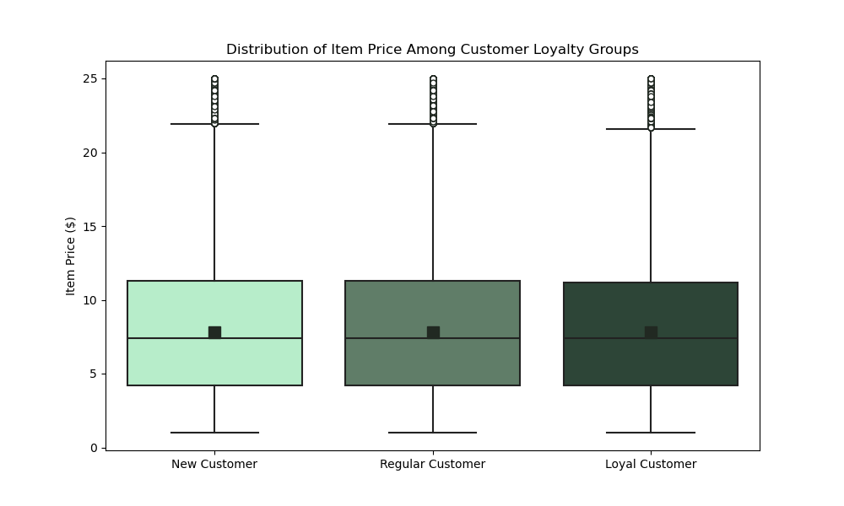

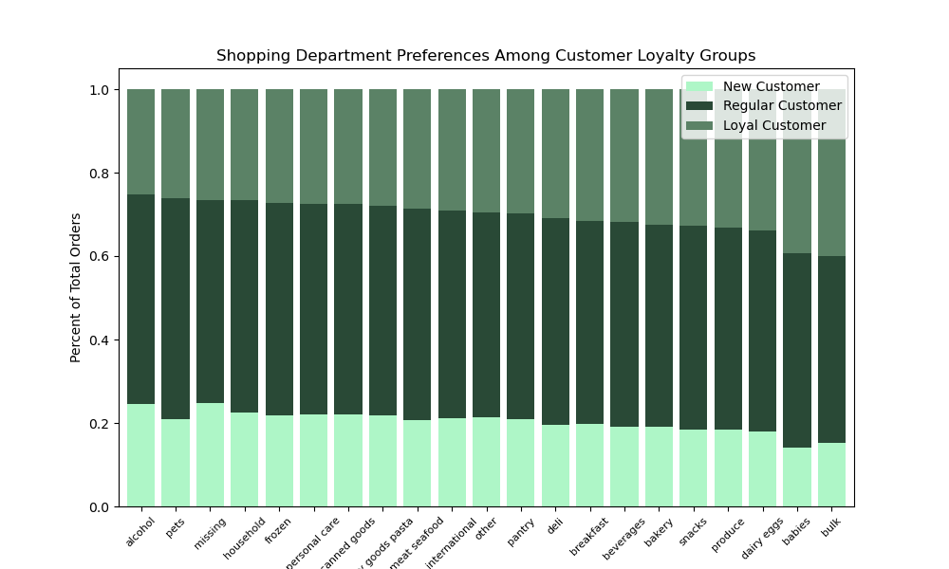

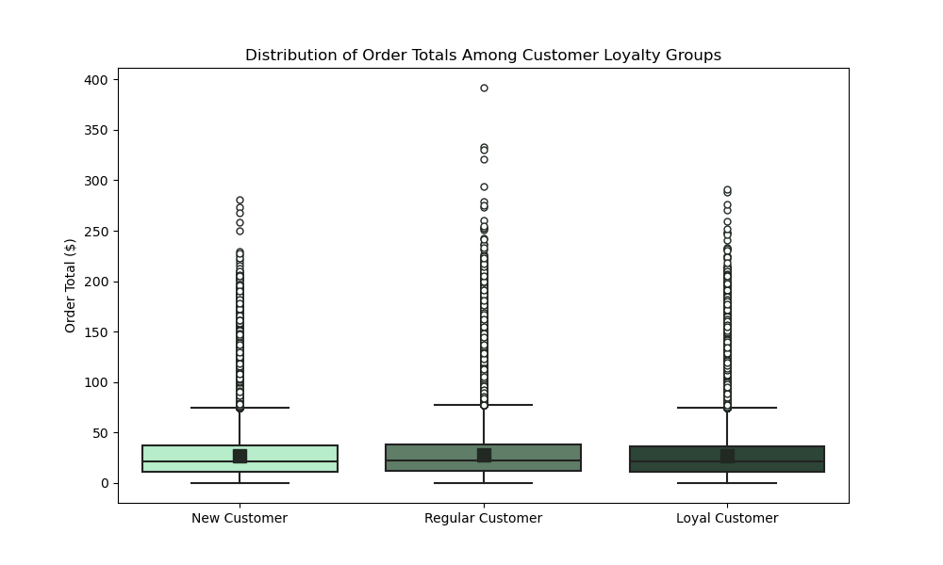

ANSWER
Unsurprisingly, Regular Customers placed the most number of orders (followed by Loyal and then New Customers).
All three loyalty groups spend the same on average per item, and the same total amount.
But Loyal Customers prefer the Bulk and Baby departments. New Customers prefer the Alcohol department, and are more likely to have missing department data. And the Regular Customers prefer the Pet department.

QUESTION #7
Are there differences in ordering habits based on a customer’s region?

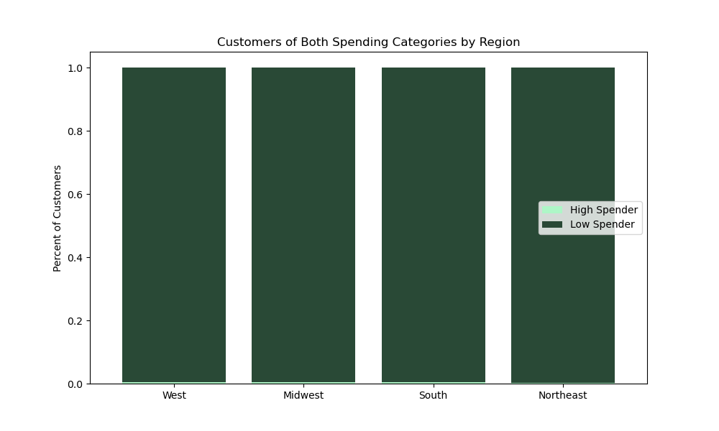
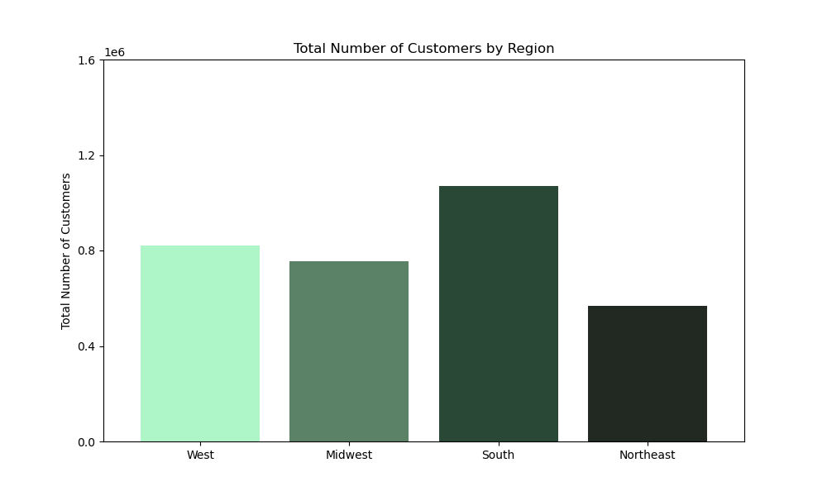
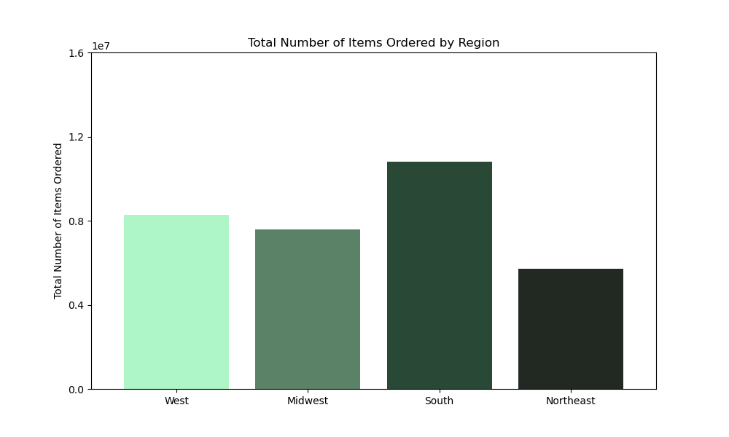

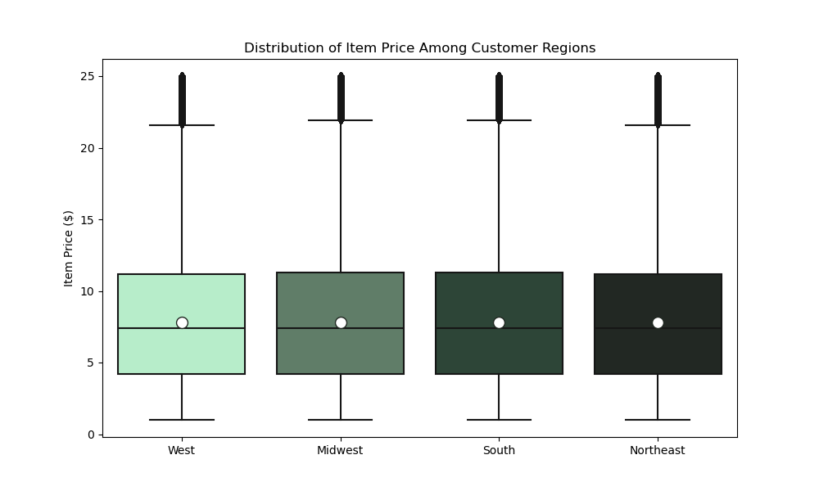

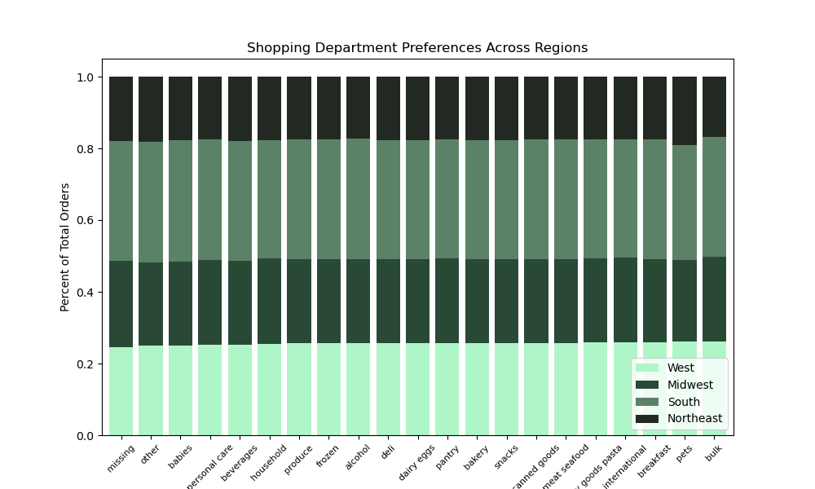
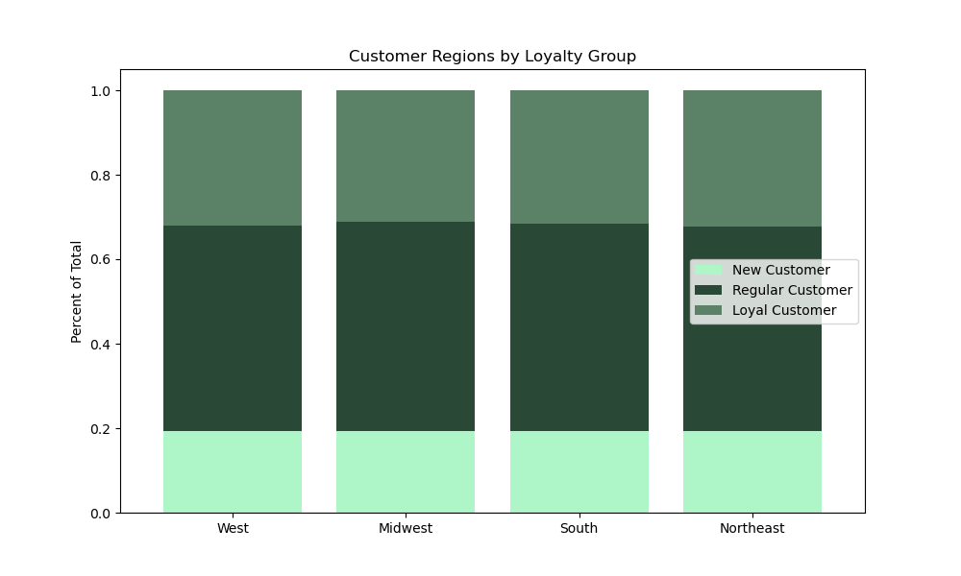

ANSWER
Unfortunately, the only major difference bewteen regions are the number of customers and number of items ordered, which can be attributed to population differences.
Each region has an almost identical makeup of low and high spenders and customers of each loyalty group. They spend the same per item and per order total. And they prefer the same product departments. (The South may prefer the Pet category less, but this is a very minor difference.)

QUESTION #8
Is there a connection between age and family status in terms of ordering habits?

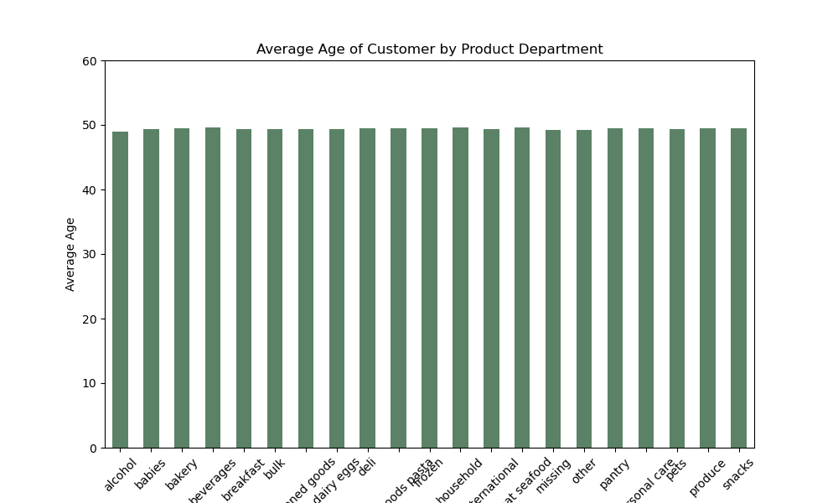
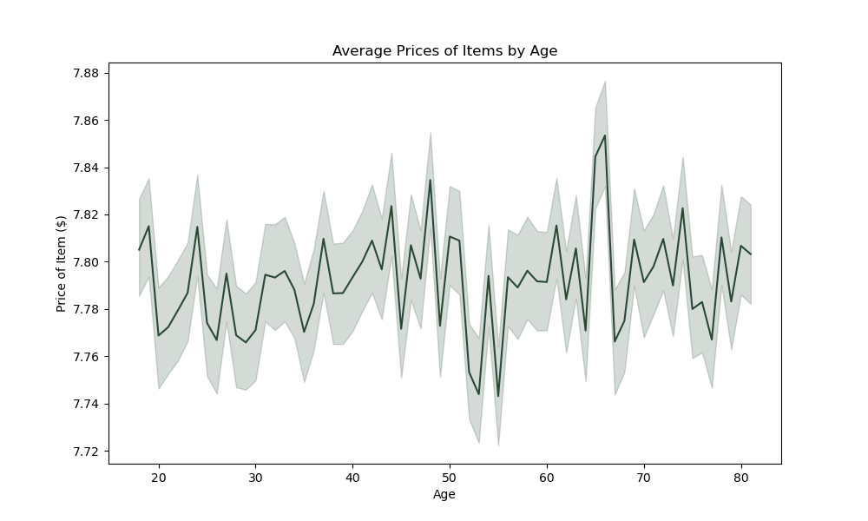
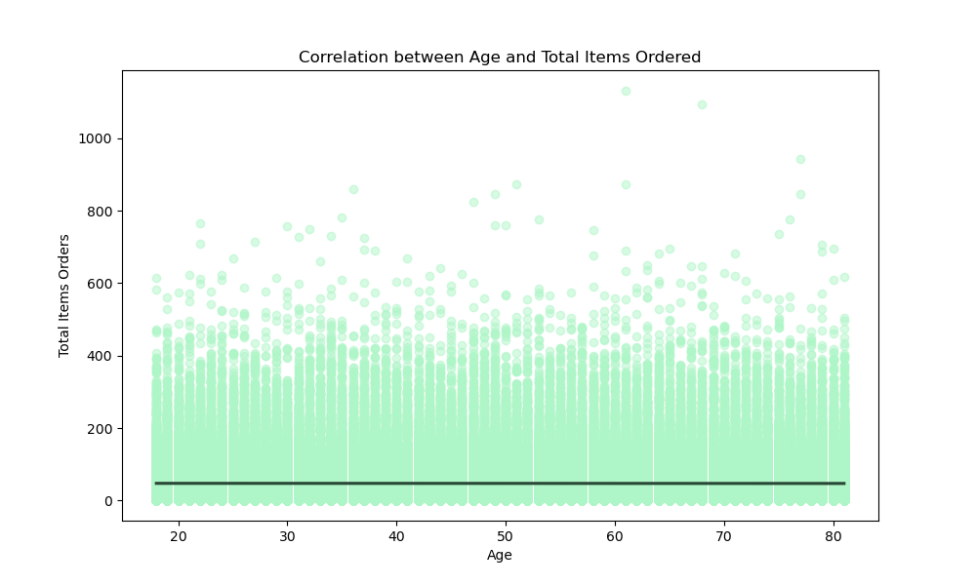

CONNECTING AGE TO ORDERING BEHAVIOR

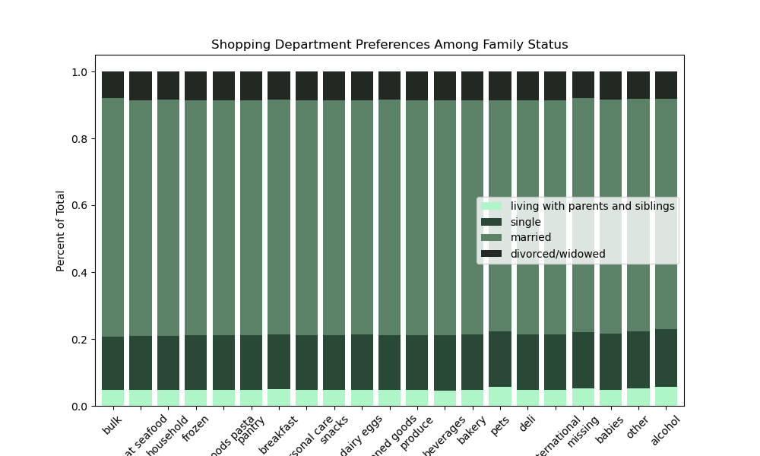

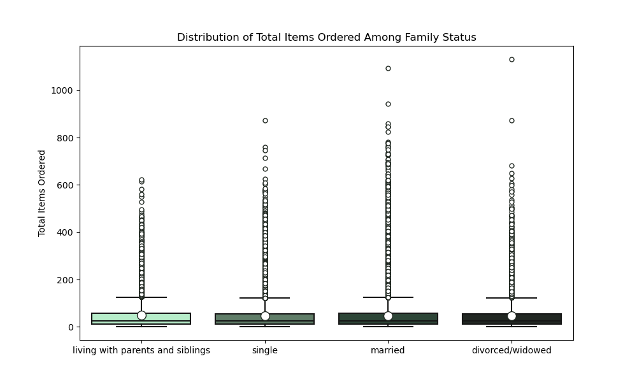

CONNECTING FAMILY STATUS TO ORDERING BEHAVIOR

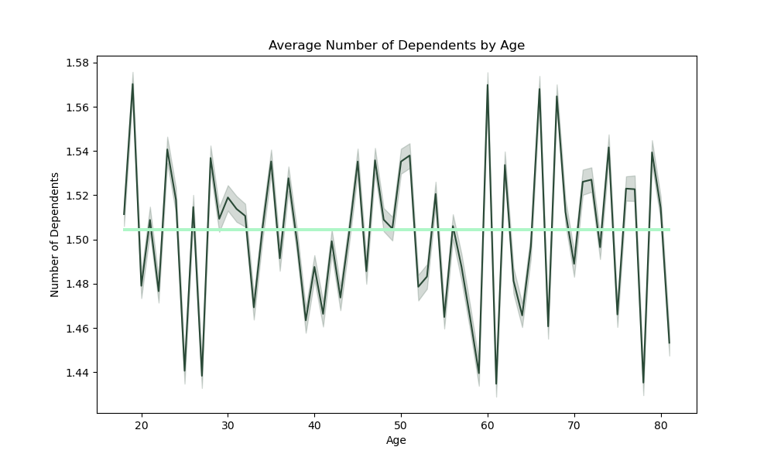
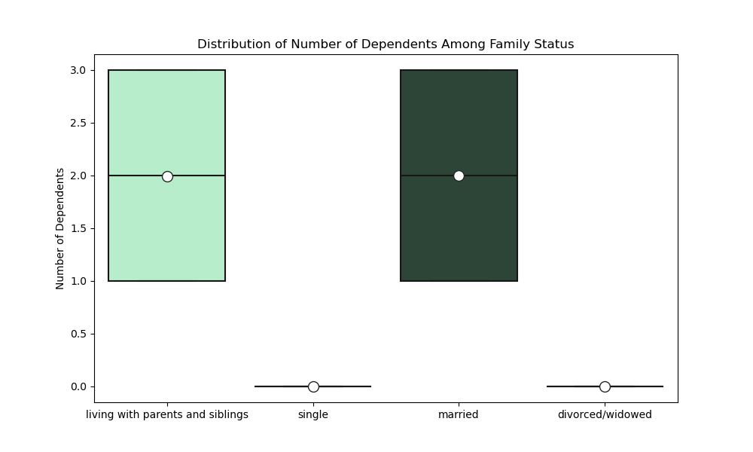
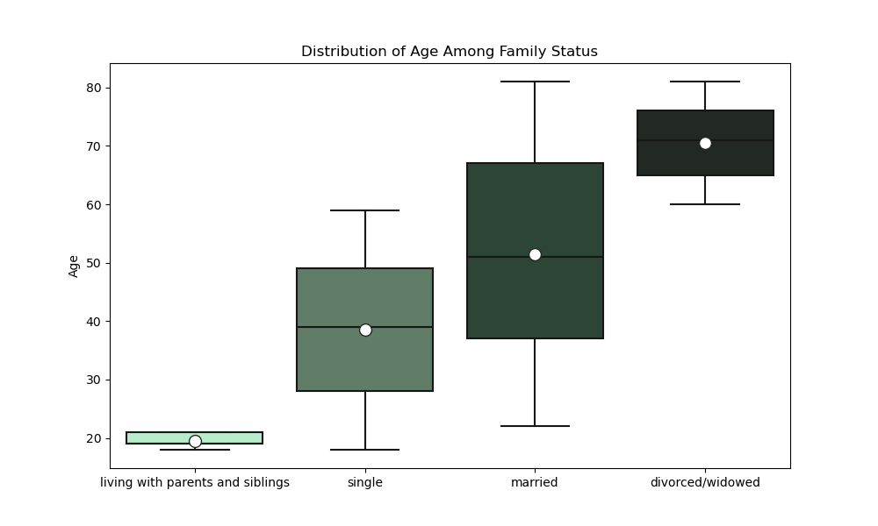
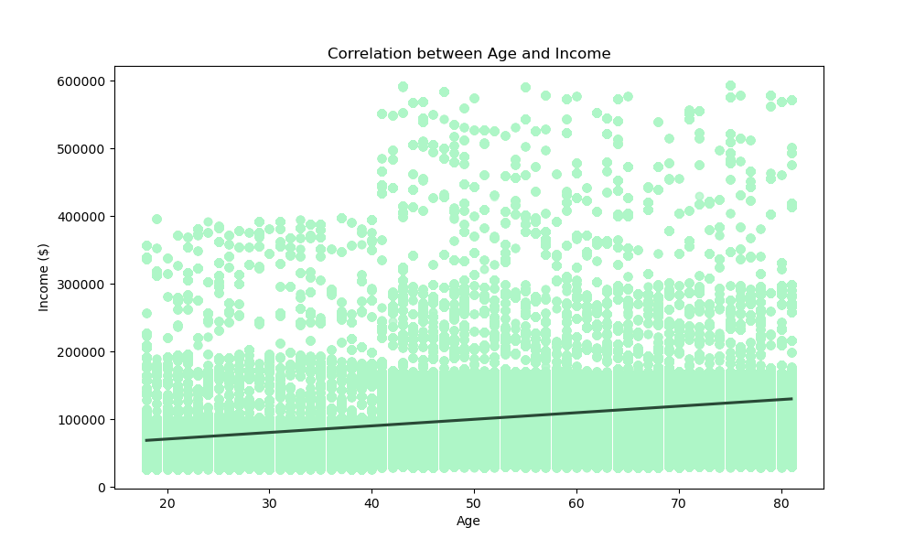

ANSWER
There are more similarities in ordering behaviors between age and family status than there are differences. Age is not correlated with product preference, average product price, or total items ordered. And family status is not strongly correlated with any of these behaviors either.
While age is not correlated to number of dependents, family status is strongly correlated to number of dependents. Married customers and customers living with parents/siblings are the only customers who have dependents. Single and divorced/widowed customers have no dependents.
And though not correlated with ordering behaviors, age and family status are strongly correlated with each other. Customers living with parents/siblings are the youngest, and divorced/widowed customers are the oldest. In addition, age has a very modest positive correlation with income.

QUESTION #9
What different classifications does the demographic information suggest?
Age? Income? Certain types of goods? Family status?

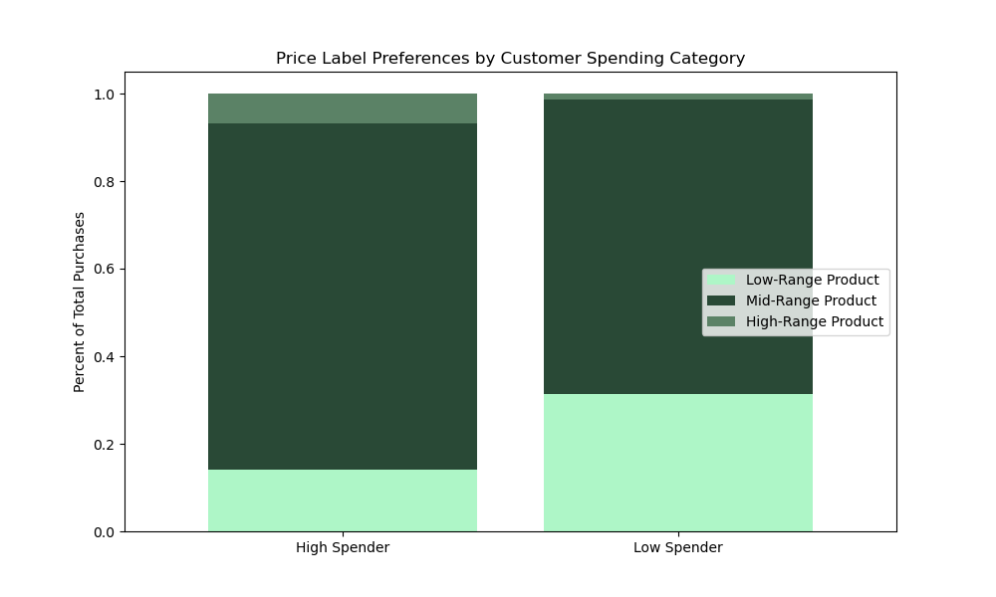

ANSWER
One of the few strongest differences we've seen this far is the preferences for certain price labels based on customer spending category. High Spenders buy a greater portion of the High-Range Products, and Low Spenders buy a greater portion of the Low-Range Products. While this is intuitive, it does suggest that we should be looking at how demographic variables could predict whether a customer would be a High or Low Spender. Age was correlated to family status and income, so we will use those two variables to develop our profiles.
The four profiles we'll be looking at are:
(1) Low-Income, Young Adult; (2) High-Income, Young Adult; (3) Low-Income, Older Adult; and (4) High-Income, Older Adult

QUESTION #10
Considering the price of orders, the frequency of orders, the products customers are ordering, etc., what differences can you find in ordering habits of different customer profiles?

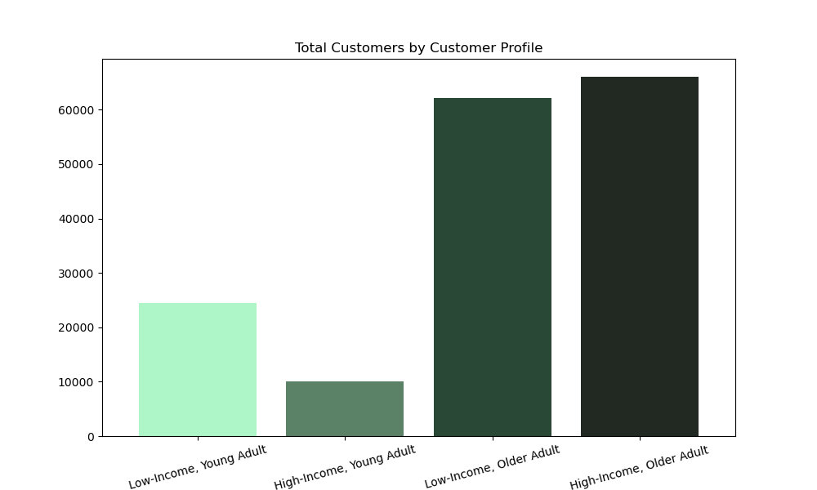
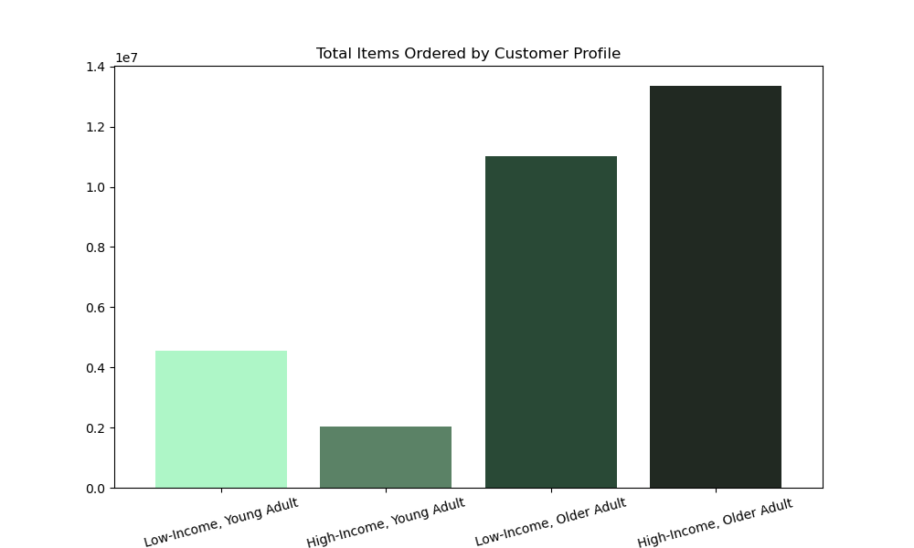
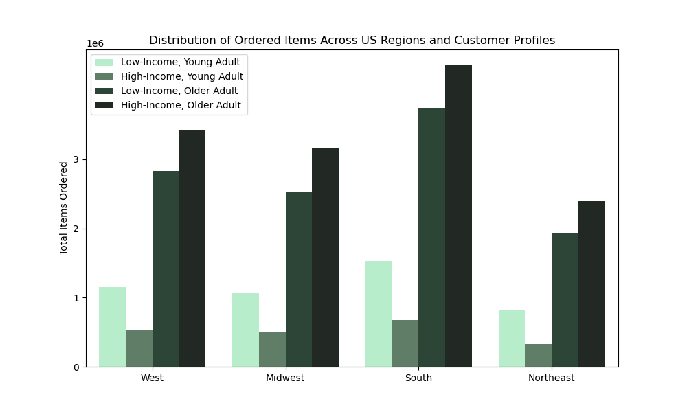
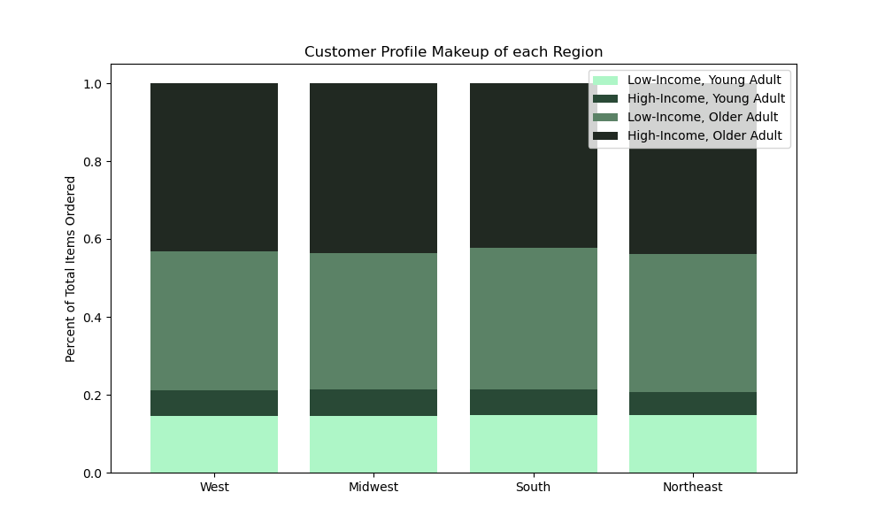

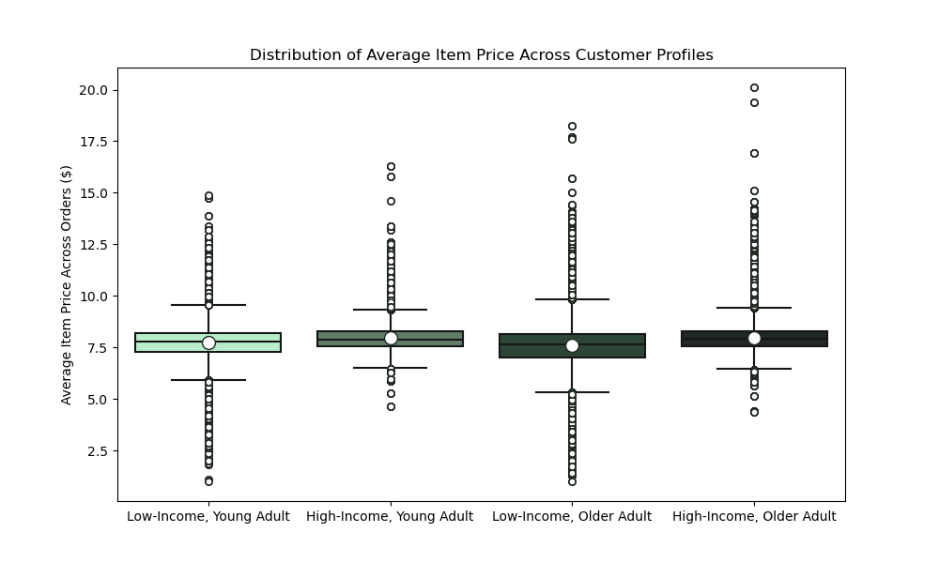
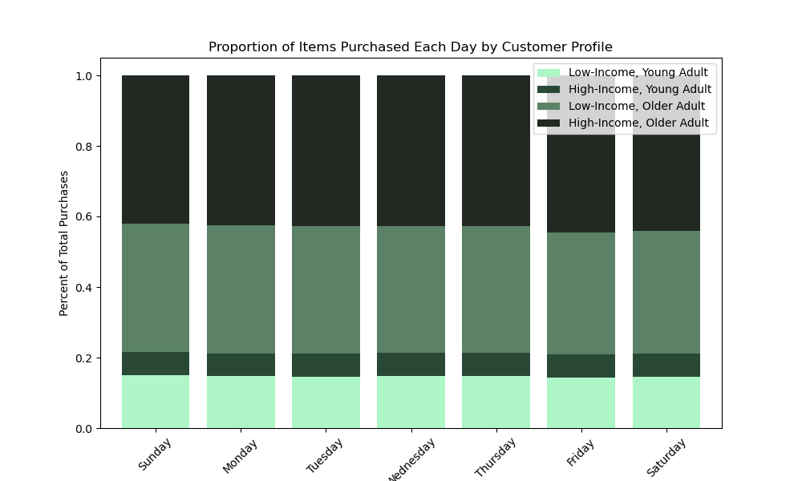
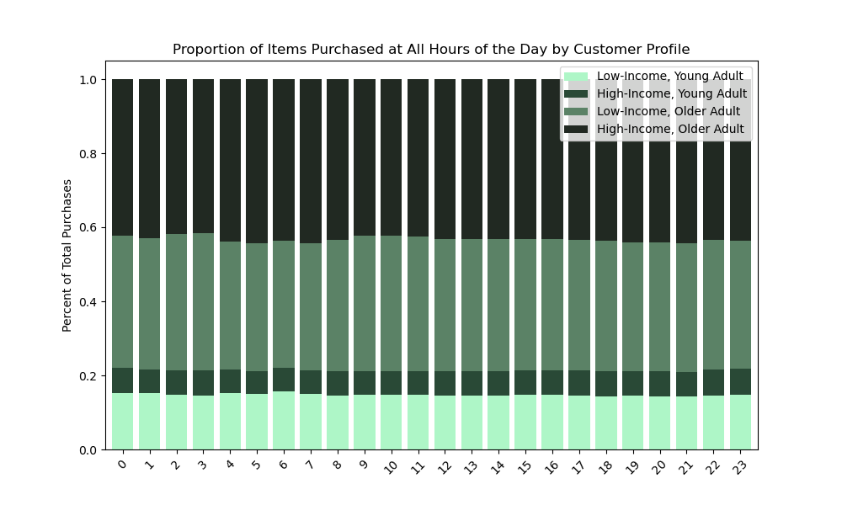
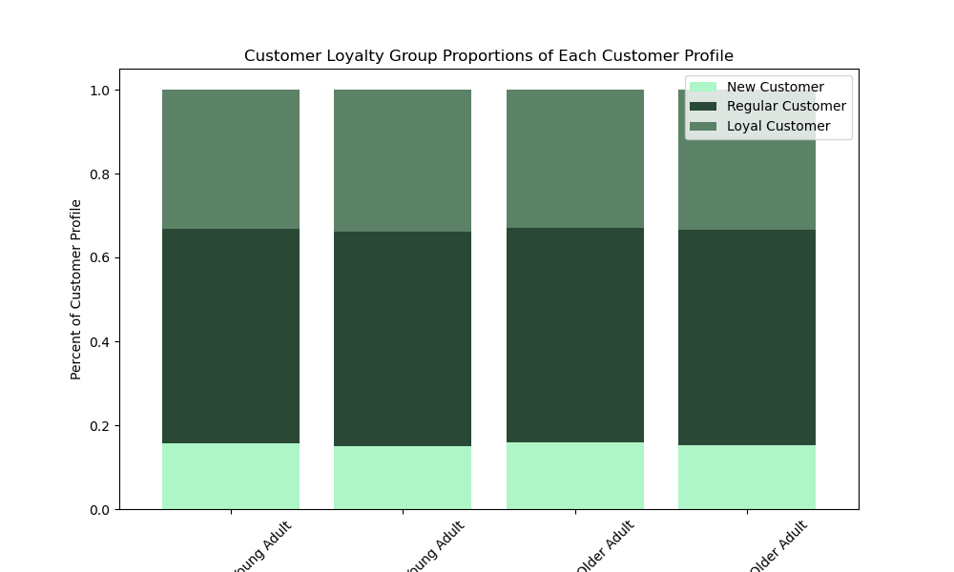


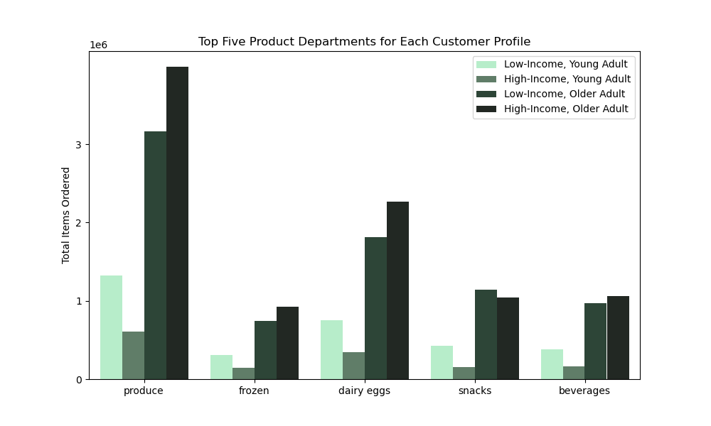
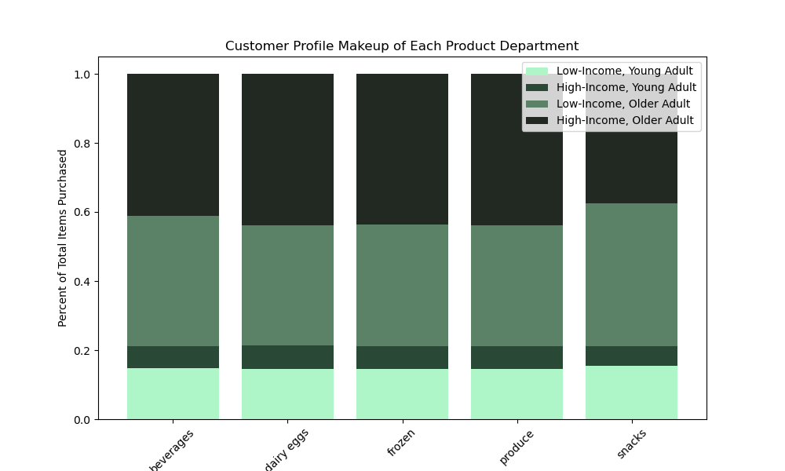

ANSWER
The first row of visualizations demonstrates that there are differences in the number of customers and the frequency of their orders when comparing across regions for the customer profiles. However these differences are in magnitude only. The proportion of items purchased is consistent across regions for each profile.
The second row of visualizations compares the customer profile to various other shopping behavior metrics: average item price, purchase day of the week, purchase hour of the day, and customer loyalty group. Again, there are no significant differences between customer profiles.
The only metric we could see differences was in product department preferences. While all four customer profiles had the same top five departments in terms of number of items ordered, they did not have equivalent purchasing habits. In particular, Low-Income, Older Adults bought more on Snacks and Beverages than proportionally expected. And they even bought more in Snacks than High-Income, Older Adults (the profile that bought the most in every other category).

7. Recommendations
 |  |  |  | Title page

Recommendations

In this tab you should include any recommendations you would made to Instcart in terms of their marketing strategy based on the questions posed in the brief. Every key question has been covered in the Tasks of the Exercises - here you need to add an item - a visualisation or table/crosstable that is showing the answer in the data, acompanied by a comment from you. Please, list the questions below and add the answer underneath.

While at work,
cheap items are bought
When the weekend hits,
expensive items are bought
 | Question | Answer | Recommendation |  | Visualizations
1 | In order to schedule ads when there are FEWER orders, what are the busiest days of the week and hours of the day? | The busiest times of day are between 9am and 4pm. The busiest days of the week are on Saturday and Sunday. Ads should be scheduled on weekday evenings when there are the fewest orders made. | Schedule ads and promotions on weekday evenings when there are the fewest orders made.
2 | In order to inform what products to advertise and when, are there times of the day when people spend the most money? | The average price of items sold are highest in the evenings and early mornings (8pm - 6am), and highest on Friday and Saturday. The average range of prices is fairly stable though, remaining between $7.75 and $7.90 for all hours of the day and all days of the week. | Customers are coming home after a long day (or week) at work, and they aren't as committed to their budget goals as they may be in the mornings on a Monday. Advertise the expensive products during this time.
We offer very few items
this expensive
3 | Because there are so many items with different price tags, how can we simplify the price range groupings? | Above $15, there are very few items. So we can simplify our price range groupings to be: Low-Range Products (between $0 - $5) Mid-Range Products (between $5 - $15) High-Range Products (between $15 - $25) | Most customers are buying products under $15. So segment the product listing to differentiate these Low/Mid-Range products from the more expensive listings.
The Top 5 product departments
4 | In order to which department has the highest frequency of product orders, are there certain types of products that are more popular than others? | The top five performing departments are: (1) Produce, (2) Dairy/Eggs, (3) Snacks, (4) Beverages, (5) Frozen | Our customers have a clear preference to use Instacart to stock up on essential household items. Produce, dairy, eggs, snacks beverages, and frozen goods. The more specialized items from the Alcohol, Baby, and International departments are not what drives the bulk of our orders.
5 | What’s the distribution among users in regards to their brand loyalty? | While there are more Regular Customers than Loyal Customers, and more Loyal Customers than New Customers, the loyalty groups look the same in regards to family status and age | We have loyal customers from all walks of life. Therefore, it's important to maintain an even marketing campaign, since we can't know through family status or age if a customer will be loyal or not.
6 | Are there differences in ordering habits based on a customer’s loyalty status? | Unsurprisingly, Regular Customers placed the most number of orders (followed by Loyal and then New Customers). All three loyalty groups spend the same on average per item, and the same total amount. But Loyal Customers prefer the Bulk and Baby departments. New Customers prefer the Alcohol department, and are more likely to have missing department data. And the Regular Customers prefer the Pet department. | Loyal customers are comfortable using Instacart to purchase baby supplies and to stock up their homes with bulk items. Once a customer has become a Loyal Customer, we should switch our marketing strategy to attract them to the more specialized product departments that make up fewer of our sales.
7 | Are there differences in ordering habits based on a customer’s region? | Unfortunately, the only major difference bewteen regions are the number of customers and number of items ordered, which can be attributed to population differences. Each region has an almost identical makeup of low and high spenders and customers of each loyalty group. They spend the same per item and per order total. And they prefer the same product departments. (The South may prefer the Pet category less, but this is a very minor difference.) | Our customers buy the same things everywhere. While it would be nice to tailor our marketing strategy to be region-specific, the data does not support any significant differences in product preferences or shopping behavior. In the future: we can look at time or day or day of the week as potential differences between regions.
8 | Is there a connection between age and family status in terms of ordering habits? | There are more similarities in ordering behaviors between age and family status than there are differences. Age is not correlated with product preference, average product price, or total items ordered. And family status is not strongly correlated with any of these behaviors either. While age is not correlated to number of dependents, family status is strongly correlated to number of dependents. Married customers and customers living with parents/siblings are the only customers who have dependents. Single and divorced/widowed customers have no dependents. And though not correlated with ordering behaviors, age and family status are strongly correlated with each other. Customers living with parents/siblings are the youngest, and divorced/widowed customers are the oldest. In addition, age has a very modest positive correlation with income. | Neither age nor family status are indicative of shopping behaviors. Once again, the data suggests that most of our customers shop the same way regardless of age, family status, location, and whether they've been using Instacart regularly. The marketing strategy used for one customer is likely going to be just as effective for another customer.
Finally some differences again
9 | What different classifications does the demographic information suggest? Age? Income? Certain types of goods? Family status? | One of the few strongest differences we've seen this far is the preferences for certain price labels based on customer spending category. High Spenders buy a greater portion of the High-Range Products, and Low Spenders buy a greater portion of the Low-Range Products. While this is intuitive, it does suggest that we should be looking at how demographic variables could predict whether a customer would be a High or Low Spender. The four profiles we'll be looking at are: (1) Low-Income, Young Adult; (2) High-Income, Young Adult; (3) Low-Income, Older Adult; and (4) High-Income, Older Adult | We need to predict who the High and Low Spenders are going to be, because there are significant differences in the type of products preferred between these two groups. Since Loyalty Status did not predict spending, a customer's income could. Age is loosely connected to income. And family status is strongly connected to age. Focus on this demographic information when assigning marketing strategies. In the future: another option to try would be to look at number of dependents. Number of dependents perfectly predicts one of two family statuses, and a higher number of dependents also could be correlated to lower income. There is the possibility for more shopping behavior differences.
Each profile spends about the same
10 | Considering the price of orders, the frequency of orders, the products customers are ordering, etc., what differences can you find in ordering habits of different customer profiles? | The first row of visualizations demonstrates that there are differences in the number of customers and the frequency of their orders when comparing across regions for the customer profiles. However these differences are in magnitude only. The proportion of items purchased is consistent across regions for each profile. The second row of visualizations compares the customer profile to various other shopping behavior metrics: average item price, purchase day of the week, purchase hour of the day, and customer loyalty group. Again, there are no significant differences between customer profiles. The only metric we could see differences was in product department preferences. While all four customer profiles had the same top five departments in terms of number of items ordered, they did not have equivalent purchasing habits. In particular, Low-Income, Older Adults bought more on Snacks and Beverages than proportionally expected. And they even bought more in Snacks than High-Income, Older Adults (the profile that bought the most in every other category). | Older adults with less disposable income likely need to prioritize quick eating/eating on the go (rather, than cooking full meals). These could also be customers with children (who eat more snacks). We should target snack ads towards this profile. And taken together with the other recommendations: we should target Low-Income, Older Adults with snack ads on weekday evenings. Encourage them to spend more at times when they are not currently buying products. And on Friday/Saturday evenings, advertise the more expensive snacks. This is when they're already planning on coming onto Instacart, and when they're most likely to spend more money.

