Sheet1
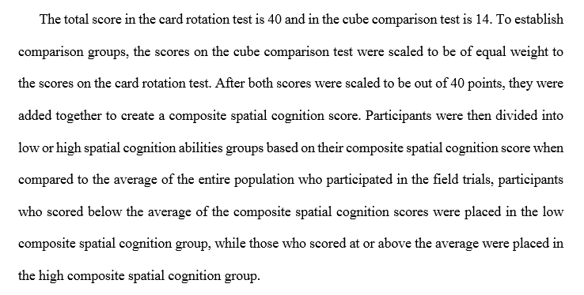
PIN | Info Type | Performance |  |  |  |  | Card Rotation | Cube Comparison | Scale Cube Comparison | Composite Spatial Cognition Score out of 80 | Age | Work Experience | Engineering Drawings Training
 |  | Direct Work % | Indirect Work % | Rework % | # Errors | Total Time (h:m:s) | Score out of 40 | Score out of 14 | To be out of 40
1 | 2D Isometric | 26.51 | 54.22 | 19.28 | 2 | 0:41:30 | 26 | 6 | 17.14 | 43.14 | 26 | 8 | no
8 | 2D Isometric | 34.69 | 62.24 | 3.06 | 2 | 0:48:37 | 33 | 10 | 28.57 | 61.57 | 25 | 5 | yes
12 | 2D Isometric | 54.55 | 40.00 | 5.45 | 2 | 0:27:14 | 35 | 11 | 31.43 | 66.43 | 36 | 10 | yes
18 | 2D Isometric | 61.82 | 38.18 | 0.00 | 0 | 0:27:28 | 40 | 11 | 31.43 | 71.43 | 46 | 26 | yes
24 | 2D Isometric | 65.38 | 28.85 | 5.77 | 1 | 0:26:05 | 39 | 4 | 11.43 | 50.43 | 22 | 4 | no
34 | 2D Isometric | 40.30 | 49.25 | 10.45 | 0 | 0:33:32 | 28 | 2 | 5.71 | 33.71 | 60 | 39 | no
36 | 2D Isometric | 39.19 | 47.30 | 13.51 | 2 | 0:37:00 | 36 | 2 | 5.71 | 41.71 | 32 | 4 | no
42 | 2D Isometric | 58.73 | 33.33 | 7.94 | 0 | 0:31:32 | 35 | 13 | 37.14 | 72.14 | 23 | 7 | yes
46 | 2D Isometric | 53.85 | 35.90 | 10.26 | 0 | 0:38:57 | 32 | 12 | 34.29 | 66.29 | 30 | 11 | yes
54 | 2D Isometric | 29.59 | 53.06 | 17.35 | 4 | 0:48:41 | 27 | 7 | 20.00 | 47.00 | 28 | 4 | yes
60 | 2D Isometric | 39.68 | 47.62 | 12.70 | 3 | 1:11:54 | 23 | 5 | 14.29 | 37.29 | 24 | 1 | no
65 | 2D Isometric | 71.11 | 26.67 | 2.22 | 0 | 0:22:14 | 40 | 14 | 40.00 | 80.00 | 23 | 2 | no
67 | 2D Isometric | 39.66 | 50.86 | 9.48 | 2 | 0:58:08 | 26 | 2 | 5.71 | 31.71 | 25 | 1 | no
71 | 2D Isometric | 39.82 | 46.02 | 14.16 | 2 | 0:56:11 | 15 | -2 | -5.71 | 9.29 | 20 | 2 | no
72 | 2D Isometric | 67.92 | 28.30 | 3.77 | 0 | 0:26:24 | 35 | 10 | 28.57 | 63.57 | 41 | 14 | no
75 | 2D Isometric | 58.11 | 36.49 | 5.41 | 0 | 0:36:57 | 26 | 0 | 0.00 | 26.00 | 38 | 18 | yes
80 | 2D Isometric | 53.85 | 44.62 | 1.54 | 0 | 0:32:22 | 35 | 12 | 34.29 | 69.29 | 36 | 15 | yes
82 | 2D Isometric | 51.52 | 40.40 | 8.08 | 0 | 0:46:27 | 22 | 12 | 34.29 | 56.29 | 45 | 20 | yes
83 | 2D Isometric | 38.60 | 48.25 | 13.16 | 2 | 0:57:00 | 24 | -2 | -5.71 | 18.29 | 53 | 6 | no
85 | 2D Isometric | 40.43 | 45.74 | 13.83 | 2 | 0:42:54 | 27 | 10 | 28.57 | 55.57 | 52 | 30 | no

