Overview
 Portolio Project | Grammy.com Web Analytics

— Your Job
Are you excited to dive into data work for an exciting project at The Recording Academy? You know, the non-profit organization behind the Grammy Awards! In this project, you'll work on real data from both websites owned by The Recording Academy, the non-profit organization behind the famous Grammy Awards. As you just learned, Ray Starck, the VP of Digital Strategy, decided to split the websites into grammy.com and recordingacademy.com to better serve the Recording Academy's various audience needs. Now, you are tasked with examining the effect of splitting up the two websites, and analyzing the data for a better understanding of trends and audience behavior on both sites. Are you ready?!?! Let's do this!

— Your Skills
For this task, you'll engage the following skills: (1) Prepare the data by transforming it. (2) Calculate business KPIs (3) Make recommendations for the organization.

— Ready to Begin? Click the next tab below to explore the data dictionary!

Complete Your Analysis!
About Your Analysis
• All of your answers should be typed or pasted into the grey boxes. • Questions with grey answer boxes expect a specific answer. If you input the correct answer, the question number box will change from blue to green. • Questions with yellow answer boxes are free response questions. There will be no change in the question number boxes (in blue), regardless of answer. • For hints for each question, hover your mouse over the blue hint box to get helpful information!

Now, it's time to analyze!

Part 1: Explore the Data
 | To begin the data exploration you will be looking at the Grammys Data sheet. The data contained there includes all the data provided by The Recording Academy, the organization behind The Grammy Awards. |  | Note!

1a | Create a line chart of the number of daily visitors to the Grammy.com website. See if you can spot the days the Grammy Awards are hosted. Use the Grammys Data sheet for this graph. The horizontal axis should be the date field. |  | Hint!

 | visitors
2/1/2022 | 33209
2/2/2022 | 30511
2/3/2022 | 31502
2/4/2022 | 26863
2/5/2022 | 18014
2/6/2022 | 18287
2/7/2022 | 19907
2/8/2022 | 30850
2/9/2022 | 26454
2/10/2022 | 23368
2/11/2022 | 23197
2/12/2022 | 19978
2/13/2022 | 22796
2/14/2022 | 16559
2/15/2022 | 17184
2/16/2022 | 19998
2/17/2022 | 17966
2/18/2022 | 14732
2/19/2022 | 13174
2/20/2022 | 14536
2/21/2022 | 14081
2/22/2022 | 16266
2/23/2022 | 16775
2/24/2022 | 13671
2/25/2022 | 20104
2/26/2022 | 15521
2/27/2022 | 14265
2/28/2022 | 14589
3/1/2022 | 12707
3/2/2022 | 13615
3/3/2022 | 15084
3/4/2022 | 16010
3/5/2022 | 14263
3/6/2022 | 13775
3/7/2022 | 15400
3/8/2022 | 14808
3/9/2022 | 14241
3/10/2022 | 14840
3/11/2022 | 14701
3/12/2022 | 14572
3/13/2022 | 18949
3/14/2022 | 26073
3/15/2022 | 48971
3/16/2022 | 26864
3/17/2022 | 23775
3/18/2022 | 26065
3/19/2022 | 31396
3/20/2022 | 33350
3/21/2022 | 32206
3/22/2022 | 37508
...

1b | What can you say about the visitors to the website by looking at the graph?

 | There seems to be a spike every single year 2017-2023 about when the Grammy's take place.

 |  |  |  | Place the PivotTable for Task 2a below.
2a | Using the Grammys Data sheet, create a PivotTable to compare the average daily website visitors on days when an award ceremony was held to those when no awards ceremonies were held. |  | Hint!
 |  |  |  | Row Labels | Average of visitors
2b | What can you say about these results? Roughly how many more visitors are on the website for the Grammy Awards ceremony versus a regular day? |  |  | Grammy Awards | 1389590.23
 |  |  |  | Regular Day | 32388.28
 | There are roughly 1357201.95 more people visiting the website when the Grammy Awards ceremony was held versus a regular day. |  |  | Grand Total | 39921.85

3 | February 1st, 2022 marks the transition from when Grammy.com began to only host Grammys content instead of both Recording Academy and Grammys content. Fill in the values in the website_content column in the Grammys Data sheet. This column will have the value "Grammys" if the date occurred on or after 2/1/2022 and the value "Grammys + TRA" otherwise. |  | Hint! |  | 1357201.9538

Part 2: Analyze the Data
 | The Recording Academy is interested in several KPIs (Key Performance Indicators) to determine if the change from one site to two separate sites has improved these KPIs. In the section below you will calculate bounce rate, pages per session, and average time on site KPIs. |  | Note!

 | Calculate the pages_per_session metric by first finding the total pageviews and then dividing that by the total number of sessions. Pages per session is an important measure of how many unique pages a user views before leaving the site -- it's a strong indicator of user engagement.
4a | What is the pages_per_session on the Recording Academy data? | 2.78 | Hint! | better
4b | What is the pages_per_session on the Grammys data? | 2.25 |  | better
4c | What is the pages_per_session on the Grammys + TRA data? | 1.86 |  | prior to split
 | Calculate the bounce_rate metric. You will need to first calculate the total bounced_sessions and divide by the total number of sessions. Bounce rate is an important metric that calculates the percentage of users (aka sessions) that come to your site and never interact with the page and leave. They are said to have "bounced" off your home page. It is a measure of how engaging your home page is with users.
5a | What is the bounce_rate on the Recording Academy data? | 33.7% | Hint! | better
5b | What is the bounce_rate on the Grammys data? | 40.2% |  | better
5c | What is the bounce_rate on the Grammys + TRA data? | 41.6% |  | prior to split
 | Calculate the average_time_on_site metric. To do this, you only need to calculate the average of the avg_session_duration_secs column. Average Time on Site measures how engaging your website experience is for your users. The higher the number, the longer they are staying on your page and engaging with the content.
6a | What is the average_time_on_site on the Recording Academy data? | 128.50 | Hint! | better
6b | What is the average_time_on_site on the Grammys data? | 82.99 |  | worse
6c | What is the average_time_on_site on the Grammys + TRA data? | 102.85 |  | prior to split
Part 3: Device Breakdown
 | Ray and team want to know the percentage of visitors coming from mobile devices (iOS, Android, Tablets). They want to optimize the experience for mobile users but need to understand the percentage of mobile users in order to determine the impact it will have on the site.

7a | In the Grammys Data sheet, use XLOOKUP to populate the missing column in the grammys table. Search for dates within the mobile_visits table, return corresponding mobile_visitors values. If the date is not found, the function should return the numeric value 0. |  | Hint!

7b | What percentage of uses across all dates in the dataset use a mobile device to visit the website? To calculate this value, you will calculate the total number of mobile_visitors and divide by the total number of visitors | 73.7% | Hint!
Part 4: Communicate Findings
8 | Using the work you did in this project, would you recommend that the websites stay separate? Please give a 2-3 paragraph answer using details from the analysis work above explaining why or why not they should stay separate. |  | Hint!

 | Before February 2, 2022, the Grammy and Recording Academy shared a single website. This project examines how website traffic changed before and after their separation. Based on the data, I believe it would be more effective for the two websites to remain separate. My conclusion is supported by key metrics like pages per session, bounce rate, and average time on site. For example, the pages per session metric improved post-split, rising from 1.86 for the combined site to 2.78 for the Recording Academy and 2.25 for the Grammys. Also, both websites' bounce rates increased from 41.6% when they were together. However, while the average time on site improved for the Recording Academy, it decreased for the Grammys. In conclusion, although the average time spent on the sites decreased, we can conclude that due to the metrics of bounce rate and pages per session performing better, the pages should remain separate. This would provide two websites in which the consumer can find the information they need better and faster than one website which is harder to navigate.

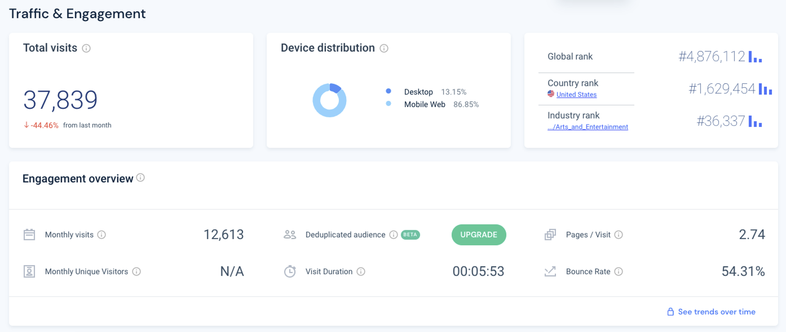
9 | Ray's team is also interested in comparing metrics of the Grammy.com website to that of their main competitor, The American Music Awards (theAMAs.com). On the right you will find a dashboard of the key metrics from The AMAs, use your findings from above to give feedback to Ray and team on which metrics are performing better / worse relative to the competition.

 | Looking at the data from the main competitor AMAs, their metrics are better in the mobile visits, visit duration, and pages per session fields. This would make me wonder what is on their site to drive someone to keep their attention span. However, with their total visits and bounce rate being worse I would argue that Grammy.com is doing better as they have higher traffic and potentially a simpler page to find the content they need faster. I would suggest to ray an interactive page that keeps the attention span of consumers and a more mobile-friendly website to promote mobile visits and visit duration. I also would suggest mobile ads on social media to increase clickability to the mobile website.

 |  |  |  | Row Labels | Sum of visitors
 |  |  |  | 2017 | 8782288
 |  |  |  | 2018 | 10183459
 |  |  |  | 2019 | 15601867
 |  |  |  | 2020 | 17949322
 |  |  |  | 2021 | 18982910
 |  |  |  | 2022 | 12835357
 |  |  |  | 2023 | 9161767
 |  |  |  | Grand Total | 93496970

