Budget
 | Budget

 |  |  |  |  |  |  | Monthly Expenses | Monthly Income
 |  |  |  |  |  |  | $2,372.50 | $3,466.67

 |  |  |  | Spendable: |  | $35.97

 | Calculate spendable using: |  | Daily |  | ☕ Good morning! It's Monday, August 17 there are 14 days left in this month! You have 2 payments still due this month!
 | Daily | Spendable: | $35.97

 |  | Weekly Spendable: | $252.50 |  |  | Monthly Savings:
 |  | Monthly Spendable: | $1,094.17 |  |  | 866.67

 | Income: |  |  |  |  | Credit Card Summary:

Card Balance Tracker:
 | Pay Schedule: |  |  |  |  |  | # of Cards: |  | 3
 | Bi-Weekly |  |  |  |  |  | Monthly Payments: |  | $800.00
 | Net Income: |  | 2000
 | Extra Regular Income: |  | 0
 | Monthly Savings: |  | 20
 | Total Monthly Income: |  | 3466.67

Expenses

 |  | Utilities |  | Due Date |  |  | Utilities |  | Due Date
 | Electric |  | $100.00 | 5 |  | Internet |  | $180.00 | 1
 | rent |  | $1,000.00 | 13

 |  | Daily Living |  | Due Date |  |  | Bills |  | Due Date

 |  | Subscriptions |  | Due Date |  |  | Other Expenses |  | Due Date
 | Netflix |  | $20.00 | 20 |  | Bubble Tea |  | $50.00
 | Hulu |  | $20.00 | 16 |  | Projects |  | $60.00
 | Amazon Cat Litter |  | $30.00 | 23
 |  |  |  |  |  |  | Yearly Expenses | Yearly payment | Breakdown
 |  |  |  |  |  | Bubble Tea |  | $50.00 | $4.17
 |  |  |  |  |  | Projects |  | $1,000.00 | $83.33

 | Saving to buy Test Purchase |  | $25.00
 |  |  |  | Total: |  | $1,572.50

Credit Card Tracker
Credit Card Tracker
Card Balance Tracker:
Total Monthly Payments:
 | $800.00
Highest Balance:
 | Premuim | $1,736.46
Lowest balance:
 | Looking for Freedom | $500.00
Closest to Pay Off:
 | Premuim | 3.6

Card Name | Bank | Card Limit | Annual Fee | Balance | Interest Rate | Interest Only Payment | Monthly Payment | Total Interest Paid | Months to Pay off
Premuim |  | $1,000.00 | $10.00 | $1,736.46 | 14.67% | $21.23 | $500.00 | $48.76 | 3.6
Silvery | Capital Two | $2,000.00 | $100.00 | $1,200.00 | 17.00% | $17.00 | $200.00 | $62.95 | 6.3
Looking for Freedom | Uncover | $5,000.00 | $200.00 | $500.00 | 10.00% | $4.17 | $100.00 | $12.84 | 5.1

Daily Tracker
Daily/Monthly Budget

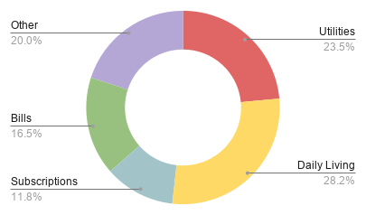

 | Date | Category | Spent | Note
 | 2020-10-11 | Utilities | $100.00 | This is a test
 | 2020-10-12 | Daily Living | $120.00 | This is a test
 | 2020-10-13 | Subscriptions | $50.00 | This is a test
 | 2020-10-14 | Bills | $70.00 | This is a test
 | 2020-10-15 | Other Expenses | $85.00 | This is a test

Savings Goal Calculator
Savings goal Tracker

 |  |  | Date Started Saving | 3/12/21
 |  |  | Beginning Balance | $25.00
 |  |  | Monthly Savings | $866.67

 |  |  | Savings Goal | $5,000.00
 |  |  | Current Balance: | $56,358.33

 | Extra Savings Aadjustments

 | Name | Date: | Amount Adjusted: | Notes:
 | i was good | 2/12/21 | 100 | An example of adding money outside of your usual savings
 | I spent money | 4/20/21 | -100 | An example of removing money

Stonks
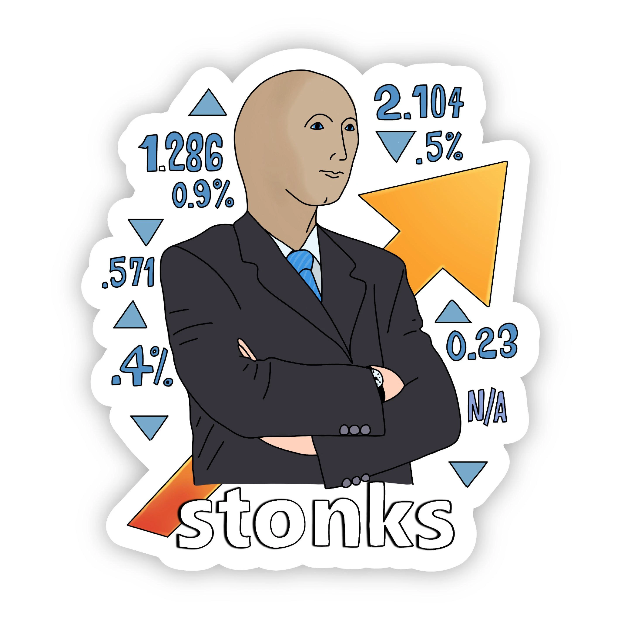
Stonks Tracker

Ticker | Shares Owned | Buy Price | Current price | % change | Current value | $ up/down | Yearly Trend | Today's change
ZM | 4 | $400.00 | $105.96 | -73.51% | $423.84 | -$1,176.16 |  | 0.00%
GME | 1 | $30.00 | $18.66 | -37.80% | $18.66 | -$11.34 |  | 0.00%
GOOGL | 6 | $500.00 | $345.90 | -30.82% | $2,075.40 | -$924.60 |  | 0.00%
PYPL | 2 | $100.00 | $61.66 | -38.34% | $123.32 | -$76.68 |  | 0.00%
MRNA | 6 | $200.00 | $63.32 | -68.34% | $379.92 | -$820.08 |  | 0.00%
CRSP | 10 | $132.00 | $53.55 | -59.43% | $535.50 | -$784.50 |  | 0.00%
NVDA | 8 | $195.00 | $225.16 | 15.47% | $1,801.28 | $241.28 |  | 0.00%

