Template
Your logo here | YOUR COMPANY NAME |  |  |  |  | QuickBooks Budget vs Actual Profit and Loss
 |  |  |  |  |  | For the Year Ended 12/31/2024

Budget vs Actual High Level Overview

CATEGORY |  | 2024 BUDGET | 2024 ACTUAL | $ VARIANCE | % VARIANCE | NOTES
REVENUE |  | $48,077 | $75,833 | $27,756 | 57.73%
COST OF GOODS SOLD |  | $16,675 | $18,056 | -$1,381 | -8.28% | Unexpected increase in materials and labor costs
TOTAL EXPENSES |  | $18,484 | $17,459 | $1,025 | 5.55%
NET PROFIT / LOSS |  | $13,082 | $41,778 | $28,696 | 219.35%

CATEGORY |  | 2024 BUDGET | 2024 ACTUAL | $ VARIANCE | % VARIANCE | NOTES
REVENUE
Sales Revenue |  | $50,829 | $78,234 | $27,405 | 53.92%
Other Revenue |  | $5,485 | $5,523 | $38 | 0.69%
Sales Discounts |  | -$4,672 | -$3,265 | -$1,407 | 30.12%
Sales Returns, allowances and others |  | -$3,565 | -$4,659 | $1,094 | -30.69%
TOTAL REVENUE |  | $48,077 | $75,833 | $27,756 | 57.73%

COST OF GOODS SOLD
Cost of raw materials |  | $9,363 | $2,637 | $6,726 | 71.84%
Cost of parts used |  | $2,710 | $6,253 | -$3,543 | -130.74%
Direct labor costs |  | $7,373 | $6,651 | $722 | 9.79%
Overhead costs |  | $6,967 | $3,589 | $3,378 | 48.49%
Less Sales Returns |  | $7,871 | $3,897 | $3,974 | 50.49%
Less Sales Discounts |  | $7,009 | $4,611 | $2,398 | 34.21%
Less Cost of Goods Sold |  | $1,795 | $9,548 | -$7,753 | -431.92%
TOTAL COST OF GOODS SOLD |  | $16,675 | $18,056 | -$1,381 | -8.28%
GROSS PROFIT/LOSS |  | $31,402 | $57,777 | -$26,375 | -83.99%

EXPENSES
Automobile |  | $1,516 | $1,513 | $3 | 0.20%
Rented Equipment |  | $1,854 | $1,806 | $48 | 2.59%
Insurance |  | $1,798 | $1,197 | $601 | 33.43%
Job expenses |  | $1,049 | $1,004 | $45 | 4.29%
Legal and Professional Fees |  | $1,395 | $1,904 | -$509 | -36.49% | Sudden increase of professional costs by accredited providers
Maintenance and Repair |  | $1,439 | $1,069 | $370 | 25.71%
Meals |  | $1,913 | $1,238 | $675 | 35.28%
Office Expenses |  | $1,349 | $1,197 | $152 | 11.27%
Rent or Lease |  | $1,123 | $1,846 | -$723 | -64.38% | Change in rented space
Utilities |  | $1,489 | $1,063 | $426 | 28.61%
Vehicle Expenses |  | $1,694 | $1,846 | -$152 | -8.97%
Miscellaneous Expenses |  | $1,865 | $1,776 | $89 | 4.77%
TOTAL EXPENSES |  | $18,484 | $17,459 | $1,025 | 5.55%
NET OPERATING INCOME/LOSS |  | $12,918 | $40,318 | -$27,400 | -212.11%

OTHER INCOME
Interest Earned |  | $1,679 | $2,180 | $501 | 29.84%
One-off Income |  | $1,723 | $2,355 | $632 | 36.68%
TOTAL OTHER INCOME |  | $3,402 | $4,535 | $1,133 | 33.30%

OTHER EXPENSES
Work-from-home Expenses |  | $1,521 | $1,732 | -$211 | -13.87%
One-off Expense |  | $1,717 | $1,343 | $374 | 21.78%
TOTAL OTHER EXPENSES |  | $3,238 | $3,075 | $163 | 5.03%
NET OTHER INCOME/LOSS |  | $164 | $1,460 | $1,296 | 790.24%
NET INCOME/LOSS |  | $13,082 | $41,778 | $28,696 | 219.35%

🌀 Learn more about Coefficient
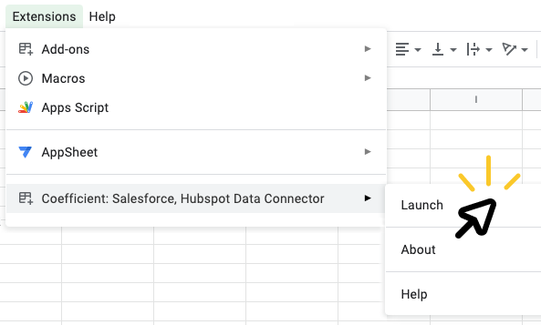
➊ | Install the Coefficient extension |  | ➋ | Launch Coefficient | ➌ | Connect your data!
 |  | 👈 |  | Click “Extensions” > "Coefficient" > "Launch" |  | Click "Import from..." then select the source you'd like to import data from. With a simple selector and prompts along the way, you'll pull your first data import in just 60 seconds.
 | In the popup window, click the "INSTALL" button Click “Continue” to accept permissions

 | 🎥 See how it works

 | ⚠️ If you run into an error, click here

