Table of Contents
Charts Gallery
The Ultimate Guide to Google Sheets Charts is a free resource by Coefficient. Automate your spreadsheets with Coefficient.io

 | 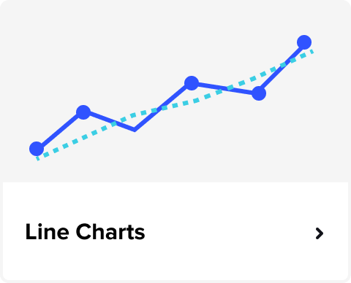 | 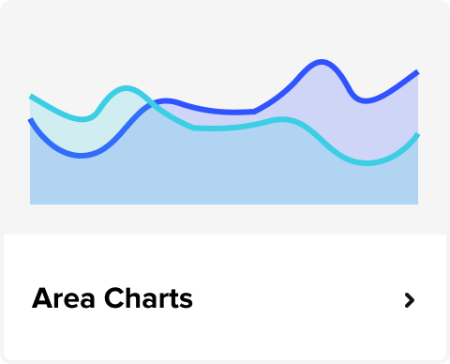

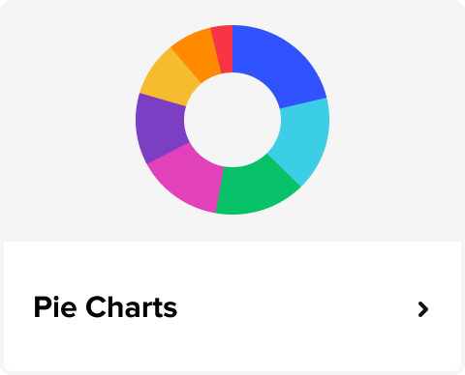 |  | 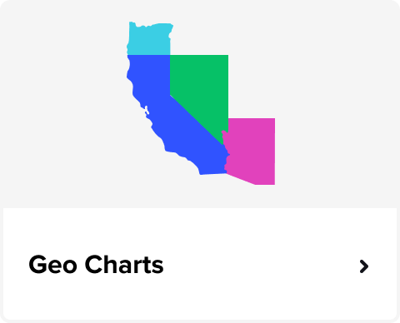

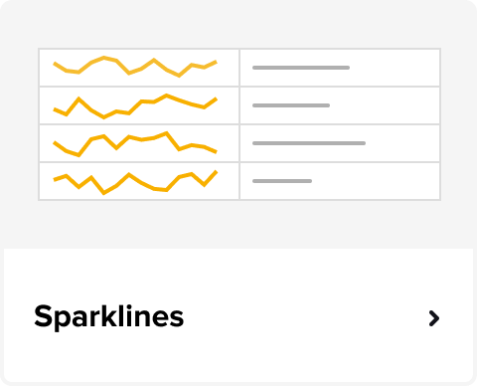 | 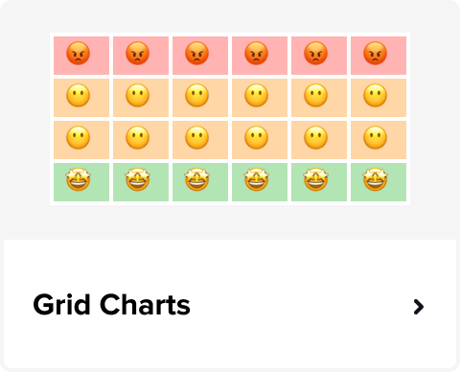 | 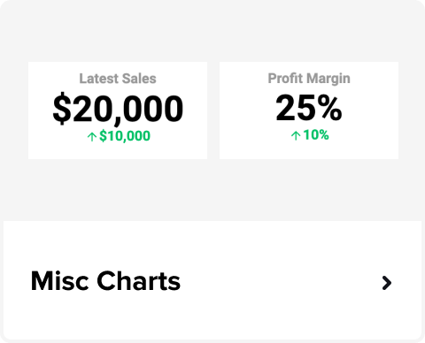

Looking for full dashboards? | Get free Sheets dashboards & templates powered by your live data

Bar and Column Charts
Count by Subscriber Source
Count by Subscriber Source
Bar and Column Charts
 | Simple Column Chart
IN THIS SHEET
Simple column chart |  | Count by Subscriber Source
Simple bar chart |  | Subscriber Source | Count
Simple Stacked Column Chart |  | LinkedIn | 389
Clustered Column Chart |  | Email campaign | 378
Funnel Bar Chart |  | Facebook | 372
Pareto Chart |  | Website | 202
Interactive Column Chart |  | Organic Search | 167
Interactive Clustered Column Chart |  | Tiktok | 107
Interactive bar chart |  | Newsletter | 89
Waterfall chart |  | Reddit | 82
Combo chart (Stacked column and line) |  | Referral | 79
Combo chart (Stacked column and line)
Single stacked bar chart
Clustered Stacked Column Chart
Stacked bar chart
Histogram

Revenue by Department
Revenue by Department
 | Simple Bar Chart
Connect live data, from all your business systems, to power your charts in Sheets!
 |  | Revenue by Department
 |  | Department | Revenue ($)
 |  | Customer Support | $60,000
 |  | Finance | $140,000
 |  | IT | $95,000
 |  | Marketing | $120,000
 |  | Operations | $210,000
 |  | Research & Development | $180,000
 |  | Sales | $250,000

Looking for full dashboards?
Explore our gallery of 100s of free Business Dashboards built in Google Sheets
 | Simple Stacked Column Chart

Monthly Sales
Monthly Sales
 |  | Monthly Sales by Product
 |  | Month | Product A | Product B | Product C
 |  | January | $200 | $28 | $335
 |  | February | $957 | $668 | $510
 |  | March | $493 | $131 | $62
 |  | April | $319 | $846 | $812
 |  | May | $422 | $75 | $109
 |  | June | $733 | $40 | $425
 |  | July | $243 | $192 | $902
 |  | August | $820 | $635 | $314
 |  | September | $550 | $427 | $250
 |  | October | $341 | $858 | $61
 |  | November | $513 | $239 | $86
 |  | December | $542 | $449 | $195

 | Clustered Column Chart
Product Sales Comparison by Quarter
Product Sales Comparison by Quarter
 |  | Product Sales Comparison by Quarter
 |  | Product | Q1 | Q2 | Q3 | Q4
 |  | Nail Adhesive | 173 | 218 | 196 | 199
 |  | Quick-Dry Remover | 166 | 184 | 192 | 216
 |  | Gel Nail Kit | 120 | 108 | 124 | 122
 |  | Nail Serum | 36 | 81 | 125 | 109
 |  | Cuticle Oil Pen | 77 | 85 | 89 | 76

 | Funnel Bar Chart
Email Campaign Funnel
Email Campaign Funnel

 |  | Email Campaign Funnel
 |  | Funnel | Values | %Values | %Helper | Label
 |  | Delivered | 611 | 100.0% | 0.0% | 611
 |  | Opened | 547 | 89.5% | 5.2% | 547 (89.5%)
 |  | Clicked | 348 | 57.0% | 21.5% | 348 (57.0%)
 |  | Replied | 117 | 19.1% | 40.4% | 117 (19.1%)
 |  | Bounced | 29 | 4.7% | 47.6% | 29 (4.7%)
 |  | Opted out | 18 | 2.9% | 48.5% | 18 (2.9%)

Causes of Lost Sales
Causes of Lost Sales
 | Pareto Chart
 |  | Casues of Lost Sales
 |  | Cause of Lost Sales | Frequency | Cumulative %
 |  | High Pricing | 50 | 32%
 |  | Product Out of Stock | 35 | 55%
 |  | Poor Customer Service | 20 | 68%
 |  | Slow Delivery | 15 | 77%
 |  | Lack of Product Features | 10 | 84%
 |  | Complicated Return Policy | 8 | 89%
 |  | Limited Payment Options | 7 | 94%
 |  | Inadequate Marketing | 5 | 97%
 |  | Website Issues | 3 | 99%
 |  | Competitor Offers | 2 | 100%

 | Interactive Column Chart
Sales Amount by Salesperson
Sales Amount by Salesperson
 |  | Sales amount by Salesperson
 |  | Highlight Salesperson: | Sarah Williams

 |  | Salesperson: | Sales | Not highlighted | Highlighted
 |  | Emily Johnson | $45,000 | $45,000
 |  | Michael Smith | $52,500 | $52,500
 |  | Sarah Williams | $48,000 |  | $48,000
 |  | David Brown | $39,500 | $39,500
 |  | Jessica Miller | $60,000 | $60,000
 |  | James Wilson | $55,000 | $55,000
 |  | Olivia Davis | $43,000 | $43,000
 |  | Daniel Martinez | $50,500 | $50,500
 |  | Laura Garcia | $47,000 | $47,000

 | Interactive Clustered Column Chart
Sales Team Members by Quarter
Sales Team Members by Quarter
 |  | Products Sold by Quarter
 |  | Highlight Salesperson: | David Brown

 |  | Salesperson | Q1 | Q2 | Q3 | Q4 | Salesperson | Q1 | Q2 | Q3 | Q4
 |  | Emily Johnson | 1259 | 1657 | 853 | 1143 | David Brown | 1864 | 556 | 814 | 614
 |  | Michael Smith | 1193 | 1244 | 1360 | 1116 | Emily Johnson | 1259 | 1657 | 853 | 1143
 |  | Sarah Williams | 573 | 907 | 758 | 992 | Michael Smith | 1193 | 1244 | 1360 | 1116
 |  | David Brown | 1864 | 556 | 814 | 614 | Sarah Williams | 573 | 907 | 758 | 992
 |  | Jessica Miller | 681 | 1359 | 844 | 2000 | Jessica Miller | 681 | 1359 | 844 | 2000
 |  | James Wilson | 1679 | 724 | 1412 | 1877 | James Wilson | 1679 | 724 | 1412 | 1877
 |  | Olivia Davis | 1057 | 1054 | 738 | 625 | Olivia Davis | 1057 | 1054 | 738 | 625
 |  | Daniel Martinez | 570 | 1892 | 1954 | 831 | Daniel Martinez | 570 | 1892 | 1954 | 831
 |  | Laura Garcia | 1186 | 1723 | 1212 | 787 | Laura Garcia | 1186 | 1723 | 1212 | 787

Budget by Marketing Activity
Budget by Marketing Activity
 | Interactive bar chart
 |  | Budget by Marketing Activity
 |  | Marketing Activity | Budget | Include in chart? | Included Activity | Budget
 |  | Social Media Ads | $15,000.00 | TRUE | Social Media Ads | $15,000
 |  | Content Marketing | $12,000.00 | TRUE | Content Marketing | $12,000
 |  | Email Campaigns | $8,000.00 | FALSE | Search Engine Marketing | $10,000
 |  | Search Engine Marketing | $10,000.00 | TRUE | Event Sponsorships | $9,000
 |  | Influencer Marketing | $7,000.00 | FALSE | Video Production | $11,000
 |  | Event Sponsorships | $9,000.00 | TRUE
 |  | Video Production | $11,000.00 | TRUE

 | Waterfall Chart

 |  | Revenue by Department
 |  | Department | Revenue ($)
 |  | Starting Revenue | $500,000
 |  | Sales Increase | $100,000
 |  | Marketing Campaign | $50,000
 |  | Product Returns | -$20,000
 |  | New Product Launch | $80,000
 |  | Discounts Offered | -$30,000
 |  | Operational Costs | -$70,000
 |  | Customer Acquisition Cost | -$25,000
 |  | Additional Revenue Stream | $40,000

 | Combo chart (Stacked column and line)
CSAT Score by Month
CSAT Score by Month
 |  | CSAT Score by Month
 |  | Month | # Good Reviews | # Bad Reviews | % Good Reviews | $ Bar Reviews
 |  | January | 82 | 20 | 80.4% | -20
 |  | February | 99 | 16 | 86.1% | -16
 |  | March | 94 | 20 | 82.5% | -20
 |  | April | 99 | 30 | 76.7% | -30
 |  | May | 100 | 12 | 89.3% | -12
 |  | June | 81 | 33 | 71.1% | -33
 |  | July | 99 | 5 | 95.2% | -5
 |  | August | 81 | 14 | 85.3% | -14
 |  | September | 93 | 39 | 70.5% | -39
 |  | October | 84 | 8 | 91.3% | -8
 |  | November | 87 | 31 | 73.7% | -31
 |  | December | 96 | 28 | 77.4% | -28

CSAT Score by Department
CSAT Score by Department
 | Combo chart (Stacked column and line)
 |  | CSAT Score by Department
 |  | Department | # High | # Medium | # Low | % High
 |  | Support | 99 | 64 | 22 | 53.5%
 |  | Tech | 93 | 50 | 22 | 56.4%
 |  | Sales | 86 | 35 | 30 | 57.0%
 |  | Billing | 100 | 49 | 23 | 58.1%
 |  | Quality | 98 | 42 | 35 | 56.0%
 |  | Delivery | 84 | 47 | 31 | 51.9%
 |  | Returns | 87 | 65 | 29 | 48.1%
 |  | Accounts | 95 | 64 | 20 | 53.1%
 |  | Onboard | 93 | 38 | 24 | 60.0%
 |  | Marketing | 91 | 69 | 33 | 47.2%

 | Single stacked bar chart
Product Quality Performance
Product Quality Performance
 |  | Product Quality Performance
 |  | Level | Count
 |  | Excellent | 47
 |  | Good | 53
 |  | Average | 32
 |  | Below Average | 12
 |  | Poor | 7
 |  | Excellent Label | 31.1% (47)
 |  | Good Label | 35.1% (53)
 |  | Average Label | 21.2% (32)
 |  | Below Average Label | 7.9% (12)
 |  | Poor Label | 4.6% (7)

Budget vs Actual by Project and Department
Budget vs Actual by Project and Department
 | Clustered Stacked Column Chart
 |  | Budget vs Actual by Project and Department |  |  |  |  |  |  |  |  | Left adjustment | Right adjustment
 |  | Department | Project | Budget | Actual | Department | Project A-Budget | Project B-Budget | Project A-Actual | Project B-Actual |  |  | A-Budget Label | B-Budget Label | A-Actual Label | B-Actual Label
 |  | Tech | Project A | $67,000 | $70,350 | Tech | $67,000 | $69,000 | $70,350 | $67,670 | $2,020 | $0 | $67K | $69K | $70K | $68K
 |  | Tech | Project B | $69,000 | $67,670 | Sales | $93,000 | $53,000 | $98,580 | $48,230 | $810 | $0 | $93K | $53K | $99K | $48K
 |  | Sales | Project A | $93,000 | $98,580 | Billing | $83,000 | $85,000 | $85,490 | $96,900 | $14,390 | $0 | $83K | $85K | $85K | $97K
 |  | Sales | Project B | $53,000 | $48,230 | Quality | $63,000 | $79,000 | $60,480 | $90,060 | $8,540 | $0 | $63K | $79K | $60K | $90K
 |  | Billing | Project A | $83,000 | $85,490 | Support | $62,000 | $70,000 | $61,380 | $68,600 | $0 | $2,020 | $62K | $70K | $61K | $69K
 |  | Billing | Project B | $85,000 | $96,900
 |  | Quality | Project A | $63,000 | $60,480
 |  | Quality | Project B | $79,000 | $90,060
 |  | Support | Project A | $62,000 | $61,380
 |  | Support | Project B | $70,000 | $68,600

Product Prices Comparison by Company
Product Prices Comparison by Company
 | Stacked Bar Chart
 |  | Product Prices Comparison by Company
 |  | Product | Company A | Company B | Helper values
 |  | Wireless Earbuds | $75 | $80 | $76
 |  | Fitness Tracker | $50 | $55 | $100
 |  | Smart Thermostat | $120 | $115 | $30
 |  | Bluetooth Speaker | $40 | $45 | $110
 |  | Electric Toothbrush | $30 | $35 | $120
 |  | Portable Charger | $25 | $20 | $125
 |  | Noise-Canceling Headphones | $150 | $145 | $0
 |  | Home Security Camera | $100 | $95 | $50
 |  | Smart Light Bulb | $20 | $18 | $130
 |  | Laptop Stand | $30 | $25 | $120

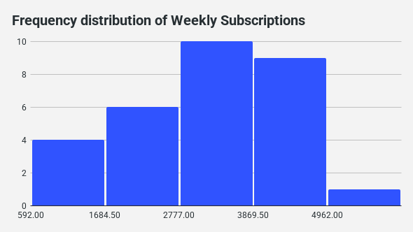
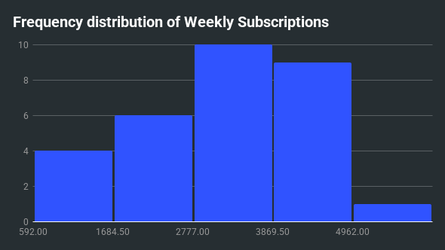
 | Histogram
 |  | Subscription distribution
 |  | Week | Subscriptions
 |  | Week 1 | 4,819
 |  | Week 2 | 2,915
 |  | Week 3 | 1,817
 |  | Week 4 | 2,798
 |  | Week 5 | 2,256
 |  | Week 6 | 2,974
 |  | Week 7 | 2,987
 |  | Week 8 | 4,962
 |  | Week 9 | 2,838
 |  | Week 10 | 4,216
 |  | Week 11 | 2,673
 |  | Week 12 | 2,743
 |  | Week 13 | 3,256
 |  | Week 14 | 4,775
 |  | Week 15 | 4,062
 |  | Week 16 | 3,733
 |  | Week 17 | 592
 |  | Week 18 | 1,695
 |  | Week 19 | 4,909
 |  | Week 20 | 657
 |  | Week 21 | 967
 |  | Week 22 | 3,573
 |  | Week 23 | 4,380
 |  | Week 24 | 3,992
 |  | Week 25 | 4,132
 |  | Week 26 | 2,065
 |  | Week 27 | 807
 |  | Week 28 | 3,575
 |  | Week 29 | 4,531
 |  | Week 30 | 3,508

Line Charts
Monthly Sales
Monthly Sales
Line Charts
 | Single line chart
IN THIS SHEET
Single line chart |  | Basic Monthly Sales
Multi-line chart |  | Month | Monthly Sales ($)
Dual line chart (with ending target label) |  | Jan | $25,000
Single line chart (with quarterly label) |  | Feb | $30,500
Dual line chart (year over year comparison) |  | Mar | $28,700
Dual line chart (with moving average) |  | Apr | $32,100
Single line chart (conversion ratio) |  | May | $35,500
Dynamic single line chart |  | Jun | $38,200
Dynamic multi-line chart |  | Jul | $40,300
Single line chart (with forecast projection) |  | Aug | $45,100
Multi-line chart (contorl with warning limits) |  | Sep | $47,600
Time series chart |  | Oct | $50,700
Line and Area Combo Chart (projections chart) |  | Nov | $53,200
 |  | Dec | $54,355

Connect live data, from all your business systems, to power your charts in Sheets!

 | Multi-line chart
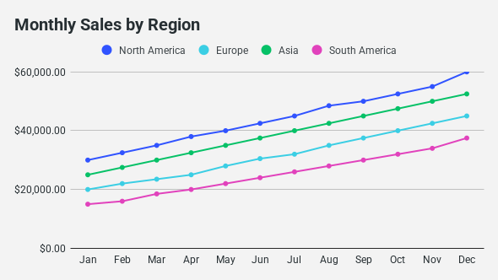
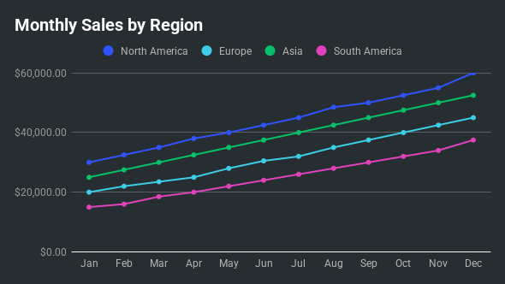
Looking for full dashboards? |  | Monthly Sales ($) by Region
Get free Sheets dashboards & templates powered by your live data |  | Month | North America | Europe | Asia | South America
 |  | Jan | $30,000 | $20,000 | $25,000 | $15,000
 |  | Feb | $32,500 | $22,000 | $27,500 | $16,000
 |  | Mar | $35,000 | $23,500 | $30,000 | $18,500
 |  | Apr | $38,000 | $25,000 | $32,500 | $20,000
 |  | May | $40,000 | $28,000 | $35,000 | $22,000
 |  | Jun | $42,500 | $30,500 | $37,500 | $24,000
 |  | Jul | $45,000 | $32,000 | $40,000 | $26,000
 |  | Aug | $48,500 | $35,000 | $42,500 | $28,000
 |  | Sep | $50,000 | $37,500 | $45,000 | $30,000
 |  | Oct | $52,500 | $40,000 | $47,500 | $32,000
 |  | Nov | $55,000 | $42,500 | $50,000 | $34,000
 |  | Dec | $60,000 | $45,000 | $52,500 | $37,500

 | Dual line chart (with ending Target label)
Sales vs. Target
Sales vs. Target

 |  | Monthly Sales ($) vs. Target Sales ($)
 |  | Month | Monthly Sales ($) | Target Sales ($)
 |  | 2023-01-01 | $26,500 | $22,000
 |  | 2023-02-01 | $27,300 | $25,000
 |  | 2023-03-01 | $22,000 | $28,000
 |  | 2023-04-01 | $32,100 | $31,000
 |  | 2023-05-01 | $34,900 | $34,000
 |  | 2023-06-01 | $38,000 | $37,000
 |  | 2023-07-01 | $38,500 | $40,000
 |  | 2023-08-01 | $47,000 | $43,000
 |  | 2023-09-01 | $51,000 | $46,000
 |  | 2023-10-01 | $55,000 | $49,000
 |  | 2023-11-01 | $53,100 | $52,000
 |  | 2023-12-01 | $60,500 | $55,000 | $55,000

 | Single line chart (with Quarterly label)
Cumulative Sales
Cumulative Sales

 |  | Cumulative Sales ($)
 |  | Month | Cumulative Sales
 |  | Jan | $25,000
 |  | Feb | $55,500
 |  | Mar | $84,200 | $84,200
 |  | Apr | $116,300
 |  | May | $151,800
 |  | Jun | $190,000 | $190,000
 |  | Jul | $230,300
 |  | Aug | $275,400
 |  | Sep | $323,000 | $323,000
 |  | Oct | $373,700
 |  | Nov | $426,900
 |  | Dec | $486,900 | $486,900

 | Dual line chart (Year over year comparison)
Year-over-Year Sales Comparison
Year-over-Year Sales Comparison

 |  | Monthly Sales ($) for Current Year vs. Previous Year
 |  | Month | Sales 2022 | Sales 2023
 |  | Jan | $20,000 | $25,000
 |  | Feb | $22,500 | $30,500
 |  | Mar | $24,000 | $28,700
 |  | Apr | $26,100 | $32,100
 |  | May | $28,500 | $35,500
 |  | Jun | $30,200 | $38,200
 |  | Jul | $32,000 | $40,300
 |  | Aug | $34,500 | $45,100
 |  | Sep | $36,000 | $47,600
 |  | Oct | $38,500 | $50,700
 |  | Nov | $41,000 | $53,200
 |  | Dec | $45,000 | $60,000

 | Dual line chart (with moving average)
Sales with Moving Average
Sales with Moving Average
 |  | Sales with Moving Average
 |  | Month | Monthly Sales | 3-Month Moving Average
 |  | Jan | $25,000
 |  | Feb | $30,500
 |  | Mar | $28,700 | $28,067
 |  | Apr | $32,100 | $30,433
 |  | May | $35,500 | $32,100
 |  | Jun | $38,200 | $35,267
 |  | Jul | $40,300 | $38,000
 |  | Aug | $45,100 | $41,200
 |  | Sep | $47,600 | $44,333
 |  | Oct | $50,700 | $47,800
 |  | Nov | $53,200 | $50,500
 |  | Dec | $49,000 | $50,967

Sales Conversion Ratio
Sales Conversion Ratio
 | Single line chart (with Conversion Ratio)
 |  | Monthly Sales Conversion Ratio (%)
 |  | Month | Leads | Sales | Conversion Ratio (%)
 |  | Jan | 550 | 120 | 21.82%
 |  | Feb | 620 | 140 | 22.58%
 |  | Mar | 680 | 160 | 23.53%
 |  | Apr | 750 | 175 | 23.33%
 |  | May | 720 | 165 | 22.92%
 |  | Jun | 800 | 190 | 23.75%
 |  | Jul | 950 | 210 | 22.11%
 |  | Aug | 1000 | 230 | 23.00%
 |  | Sep | 1100 | 240 | 21.82%
 |  | Oct | 1050 | 250 | 23.81%
 |  | Nov | 1150 | 255 | 22.17%
 |  | Dec | 1200 | 280 | 23.33%

 | Dynamic single line chart
 |  | New Users

 |  | Month | Sales | New Users | Conversion Rate | New Users
 |  | Jan | $25,000 | 1,200 | 4.8% | 1,200
 |  | Feb | $30,500 | 1,400 | 4.6% | 1,400
 |  | Mar | $28,700 | 1,350 | 4.7% | 1,350
 |  | Apr | $32,100 | 1,500 | 4.7% | 1,500
 |  | May | $35,500 | 1,550 | 4.4% | 1,550
 |  | Jun | $38,200 | 1,600 | 4.2% | 1,600
 |  | Jul | $40,300 | 1,700 | 4.2% | 1,700
 |  | Aug | $45,100 | 1,800 | 4.0% | 1,800
 |  | Sep | $47,600 | 1,850 | 3.9% | 1,850
 |  | Oct | $50,700 | 1,900 | 3.7% | 1,900
 |  | Nov | $53,200 | 2,000 | 3.8% | 2,000
 |  | Dec | $60,000 | 2,300 | 3.8% | 2,300

 | Dynamic multi-line chart
Sales
Sales
 |  | Monthly Sales ($) by Sales Rep
 |  | Select Sales Rep
 |  | Emily

 |  | Month | John | Sarah | Michael | Emily | David | Emily
 |  | Jan | $8,000 | $15,500 | $5,200 | $12,300 | $20,000 | $12,300
 |  | Feb | $8,500 | $16,200 | $5,500 | $12,800 | $22,000 | $12,800
 |  | Mar | $9,000 | $17,000 | $5,300 | $13,400 | $23,500 | $13,400
 |  | Apr | $10,200 | $18,200 | $6,100 | $13,900 | $24,800 | $13,900
 |  | May | $10,500 | $19,000 | $6,300 | $14,500 | $25,500 | $14,500
 |  | Jun | $11,000 | $20,000 | $6,000 | $15,000 | $26,200 | $15,000
 |  | Jul | $11,500 | $21,200 | $6,500 | $15,600 | $27,000 | $15,600
 |  | Aug | $12,000 | $22,000 | $6,700 | $16,200 | $28,500 | $16,200
 |  | Sep | $12,500 | $22,500 | $6,400 | $16,800 | $29,000 | $16,800
 |  | Oct | $13,200 | $23,500 | $6,900 | $17,500 | $30,500 | $17,500
 |  | Nov | $14,000 | $24,000 | $7,000 | $18,000 | $31,000 | $18,000
 |  | Dec | $14,500 | $25,000 | $7,200 | $18,500 | $32,000 | $18,500

 | Single Line with forecast projection
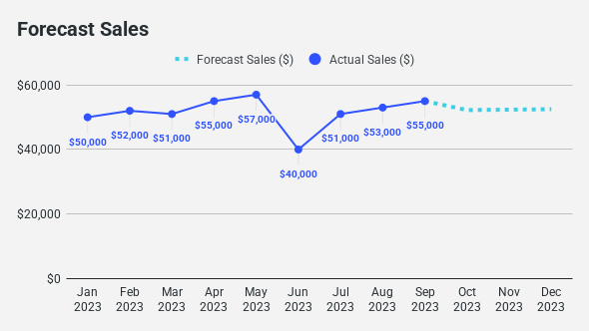
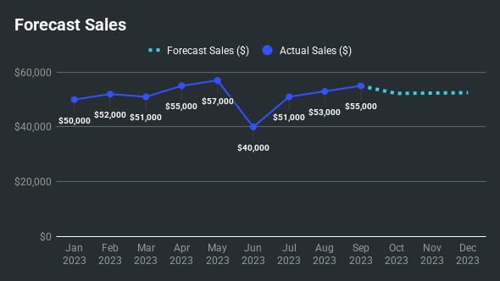

 |  | Monthly Sales with Forecast
 |  | Month | Actual Sales ($) | Forecast Sales ($)
 |  | 2023-01-01 | $50,000
 |  | 2023-02-01 | $52,000
 |  | 2023-03-01 | $51,000
 |  | 2023-04-01 | $55,000
 |  | 2023-05-01 | $57,000
 |  | 2023-06-01 | $40,000
 |  | 2023-07-01 | $51,000
 |  | 2023-08-01 | $53,000
 |  | 2023-09-01 | $55,000 | $55,000
 |  | 2023-10-01 |  | $52,223
 |  | 2023-11-01 |  | $52,359
 |  | 2023-12-01 |  | $52,491

 | Multi-line chart
Control Chart with Warning Limits
Control Chart with Warning Limits

 |  | Control Chart with Warning Limits
 |  | Day | Processing Time (mins) | Upper Control Limit (UCL) | Upper Warning Limit (UWL) | Lower Warning Limit (LWL) | Lower Control Limit (LCL)
 |  | Day 1 | 12 | 17 | 15 | 5 | 3
 |  | Day 2 | 9 | 17 | 15 | 5 | 3
 |  | Day 3 | 11 | 17 | 15 | 5 | 3
 |  | Day 4 | 10 | 17 | 15 | 5 | 3
 |  | Day 5 | 8 | 17 | 15 | 5 | 3
 |  | Day 6 | 13 | 17 | 15 | 5 | 3
 |  | Day 7 | 14 | 17 | 15 | 5 | 3
 |  | Day 8 | 10 | 17 | 15 | 5 | 3
 |  | Day 9 | 9 | 17 | 15 | 5 | 3
 |  | Day 10 | 12 | 17 | 15 | 5 | 3
 |  | Day 11 | 8 | 17 | 15 | 5 | 3
 |  | Day 12 | 7 | 17 | 15 | 5 | 3
 |  | Day 13 | 11 | 17 | 15 | 5 | 3
 |  | Day 14 | 6 | 17 | 15 | 5 | 3

Sales by Week Time series
Sales by Week Time series
 | Time series chart
 |  | Sales by Week Time Series
 |  | Week of | Sales | Label
 |  | 1/1/2023 | $300
 |  | 1/8/2023 | $375
 |  | 1/15/2023 | $383
 |  | 1/22/2023 | $405
 |  | 1/29/2023 | $507 | $507
 |  | 2/5/2023 | $618
 |  | 2/12/2023 | $526
 |  | 2/19/2023 | $589
 |  | 2/26/2023 | $736 | $736
 |  | 3/5/2023 | $647
 |  | 3/12/2023 | $764
 |  | 3/19/2023 | $932
 |  | 3/26/2023 | $997 | $997
 |  | 4/2/2023 | $987
 |  | 4/9/2023 | $1,224
 |  | 4/16/2023 | $980
 |  | 4/23/2023 | $1,205
 |  | 4/30/2023 | $1,301 | $1,301
 |  | 5/7/2023 | $1,275
 |  | 5/14/2023 | $1,441

6-month Profit Projections Chart
 | Line and Area Combo Chart (Projections Chart) |  | ✨Inspired by Ben Collins' Visual Vocabulary Template
 |  | 6-month Profit Projections Chart
 |  | Month | Actual Profit | Projected Profit | Highest Projection | Lowest Projection
 |  | 2025-08-01 | $300
 |  | 2025-09-01 | $339
 |  | 2025-10-01 | $312
 |  | 2025-11-01 | $365
 |  | 2025-12-01 | $339
 |  | 2026-01-01 | $390
 |  | 2026-02-01 | $457
 |  | 2026-03-01 | $420
 |  | 2026-04-01 | $466
 |  | 2026-05-01 | $504
 |  | 2026-06-01 | $458
 |  | 2026-07-01 | $467 | $467 | $491 | $444
 |  | 2026-08-01 |  | $483 | $530 | $435
 |  | 2026-09-01 |  | $510 | $594 | $426
 |  | 2026-10-01 |  | $561 | $701 | $422
 |  | 2026-11-01 |  | $602 | $799 | $405
 |  | 2026-12-01 |  | $660 | $926 | $393
 |  | 2027-01-01 |  | $739 | $1,093 | $385

Area Charts
Monthly Sales Growth
Monthly Sales Growth
Area Charts
 | Simple Area Chart
IN THIS SHEET |  | Monthly Sales Growth
Simple Area Chart |  | Month | Sales Growth | Quarterly Labels
Simple Step Area Chart |  | Jan | $1,200
Layered Area Chart |  | Feb | $1,350
Bar and Step Area Combo Chart |  | Mar | $1,500 | $1,500
Stacked Area Chart |  | Apr | $1,450
Percentage Area Chart |  | May | $1,600
Area and Line Combo Chart |  | Jun | $1,700 | $1,700
Interactive Stacked Area Chart |  | Jul | $1,650
Gradient Area Chart |  | Aug | $1,800
Interactive Stacked Area Chart |  | Sep | $1,900 | $1,900
Stacked Area and Line Combo Chart |  | Oct | $1,950
Difference Area Chart (aka Bivariate Area Chart) |  | Nov | $2,000
Ridgeline Area Chart |  | Dec | $2,100 | $2,100

Connect live data, from all your business systems, to power your charts in Sheets!

 | Simple Step Area Chart
Product Inventory Levels by Month
Product Inventory Levels by Month
Looking for full dashboards? |  | Product Inventory Levels by Month
Get free Sheets dashboards & templates powered by your live data |  | Week | Units
 |  | Week 1 | 1,000
 |  | Week 2 | 800
 |  | Week 3 | 1,200
 |  | Week 4 | 1,500
 |  | Week 5 | 1,100
 |  | Week 6 | 900
 |  | Week 7 | 1,300
 |  | Week 8 | 1,700

Actual vs Projected Sales
Actual vs Projected Sales
 | Clustered Column Chart
 |  | Actual vs Projected Sales
 |  | Month | Actual Sales | Projected Sales
 |  | Jan | $1,633 | $1,150
 |  | Feb | $777 | $1,250
 |  | Mar | $1,512 | $1,350
 |  | Apr | $1,596 | $1,400
Get your live charts sent to Slack or Email every week |  | May | $1,665 | $1,500
 |  | Jun | $1,457 | $1,550
 |  | Jul | $1,485 | $1,650
INSTALL BUTTON |  | Aug | $2,091 | $1,700
 |  | Sep | $1,541 | $1,800
 |  | Oct | $2,461 | $1,850
 |  | Nov | $2,071 | $1,900
 |  | Dec | $2,740 | $2,000

Target vs Actual Expense Chart
Target vs Actual Expense Chart
 | Funnel Bar Chart
 |  | Target vs Actual Expense Chart
 |  | Expense Item | Target | Actual | Below Target | Above Target
 |  | Office Supplies | $1,200 | $1,176 | $1,176
 |  | Travel Expenses | $3,000 | $2,760 | $2,760
 |  | Utilities | $2,500 | $2,650 |  | $2,650
 |  | Marketing | $4,000 | $3,480 | $3,480
 |  | Training & Development | $1,500 | $1,425 | $1,425
 |  | Employee Benefits | $5,000 | $5,400 |  | $5,400
 |  | Equipment Maintenance | $2,200 | $2,024 | $2,024
 |  | IT Services | $3,500 | $3,360 | $3,360
 |  | Rent | $7,000 | $7,630 |  | $7,630
 |  | Miscellaneous | $1,800 | $1,620 | $1,620

Quarterly Product Sales
Quarterly Product Sales
 | Pareto Chart
 |  | Quarterly Product Sales
 |  | Quarter | Product A | Product B | Product C
 |  | Q1 | $61 | $83 | $64
 |  | Q2 | $86 | $66 | $93
 |  | Q3 | $72 | $56 | $92
 |  | Q4 | $90 | $95 | $72

Monthly Revenue Contribution
Monthly Revenue Contribution
 | Interactive Column Chart | Monthly Revenue Contribution
 |  | Month | Values
 |  |  | Electronics | Clothing | Home Goods | Consumables
 |  | Jan | 24% | 24% | 23% | 29%
 |  | Feb | 25% | 27% | 27% | 21%
 |  | Mar | 13% | 27% | 23% | 37%
 |  | Apr | 25% | 23% | 23% | 29%
 |  | May | 20% | 14% | 41% | 25%
 |  | Jun | 27% | 25% | 25% | 24%
 |  | Jul | 34% | 14% | 25% | 27%
 |  | Aug | 26% | 25% | 27% | 22%
 |  | Sep | 26% | 25% | 24% | 24%
 |  | Oct | 24% | 23% | 39% | 14%
 |  | Nov | 23% | 26% | 23% | 29%
 |  | Dec | 26% | 27% | 24% | 23%

Temperature by Hour
Temperature by Hour
 | Interactive Clustered Column Chart
 |  | Temperature by Hour
 |  | Hour | Actual | Minimum | Maximum | Range
 |  | 6:00:00 | 12 | 9 | 21 | 12
 |  | 7:00:00 | 11 | 6 | 23 | 17
 |  | 8:00:00 | 18 | 6 | 20 | 14
 |  | 9:00:00 | 13 | 10 | 20 | 10
 |  | 10:00:00 | 19 | 10 | 22 | 12
 |  | 11:00:00 | 13 | 10 | 20 | 10
 |  | 12:00:00 | 9 | 5 | 23 | 18
 |  | 13:00:00 | 21 | 8 | 23 | 15
 |  | 14:00:00 | 19 | 6 | 20 | 14
 |  | 15:00:00 | 10 | 7 | 20 | 13
 |  | 16:00:00 | 11 | 8 | 20 | 12
 |  | 17:00:00 | 14 | 5 | 23 | 18
 |  | 18:00:00 | 16 | 9 | 22 | 13

Products sold by Month
Products sold by Month
 | Interactive Stacked Area Chart
 |  | Count of products sold by Month
 |  | Check to include: | TRUE | TRUE | TRUE | TRUE
 |  | Month | Phone X | Laptop A | Smartwatch Z | Apple Y | Phone X | Laptop A | Smartwatch Z | Apple Y
 |  | Jan | 95 | 152 | 163 | 92 | 95 | 152 | 163 | 92
 |  | Feb | 75 | 68 | 170 | 153 | 75 | 68 | 170 | 153
 |  | Mar | 85 | 65 | 106 | 69 | 85 | 65 | 106 | 69
 |  | Apr | 144 | 79 | 98 | 51 | 144 | 79 | 98 | 51
 |  | May | 190 | 114 | 112 | 189 | 190 | 114 | 112 | 189
 |  | Jun | 93 | 96 | 107 | 134 | 93 | 96 | 107 | 134
 |  | Jul | 100 | 134 | 179 | 135 | 100 | 134 | 179 | 135
 |  | Aug | 68 | 196 | 140 | 62 | 68 | 196 | 140 | 62
 |  | Sep | 151 | 130 | 85 | 148 | 151 | 130 | 85 | 148
 |  | Oct | 137 | 104 | 167 | 119 | 137 | 104 | 167 | 119
 |  | Nov | 140 | 68 | 69 | 66 | 140 | 68 | 69 | 66
 |  | Dec | 188 | 131 | 106 | 59 | 188 | 131 | 106 | 59

Products sold by Month
Products sold by Month
 | Gradient Area Chart
 |  | Products sold by Month
 |  | Month | Products sold | 1% | 2% | 3% | 4% | 5% | 6% | 7% | 8% | 9% | 10% | 11% | 13% | 14% | 15% | 16% | 17% | 18% | 19% | 20% | 21% | 22% | 23% | 24% | 25% | 26% | 27% | 28% | 29% | 30% | 31% | 32% | 33% | 34% | 35% | 36% | 38% | 39% | 40% | 41% | 42% | 43% | 44% | 45% | 46% | 47% | 48% | 49% | 50% | 51% | 52% | 53% | 54% | 55% | 56% | 57% | 58% | 59% | 60% | 61% | 63% | 64% | 65% | 66% | 67% | 68% | 69% | 70% | 71% | 72% | 73% | 74% | 75% | 76% | 77% | 78% | 79% | 80% | 81% | 82% | 83% | 84% | 85% | 86% | 88% | 89% | 90% | 91% | 92% | 93% | 94% | 95% | 96% | 97% | 98% | 99% | 100% | Min Label | Max Label
 |  | Jan | 64 | 0.86 | 0.86 | 0.86 | 0.86 | 0.86 | 0.86 | 0.86 | 0.86 | 0.86 | 0.86 | 0.86 | 0.86 | 0.86 | 0.86 | 0.86 | 0.86 | 0.86 | 0.86 | 0.86 | 0.86 | 0.86 | 0.86 | 0.86 | 0.86 | 0.86 | 0.86 | 0.86 | 0.86 | 0.86 | 0.86 | 0.86 | 0.86 | 0.86 | 0.86 | 0.86 | 0.86 | 0.86 | 0.86 | 0.86 | 0.86 | 0.86 | 0.86 | 0.86 | 0.86 | 0.86 | 0.86 | 0.86 | 0.86 | 0.86 | 0.86 | 0.86 | 0.86 | 0.86 | 0.86 | 0.86 | 0.86 | 0.86 | 0.86 | 0.86 | 0.86 | 0.86 | 0.86 | 0.86 | 0.86 | 0.86 | 0.86 | 0.86 | 0.86 | 0.86 | 0.86 | 0.86 | 0.86 | 0.86 | 0.86 |  |  |  |  |  |  |  |  |  |  |  |  |  |  |  |  |  |  |  |  |  | 0.00
 |  | Feb | 60 | 0.86 | 0.86 | 0.86 | 0.86 | 0.86 | 0.86 | 0.86 | 0.86 | 0.86 | 0.86 | 0.86 | 0.86 | 0.86 | 0.86 | 0.86 | 0.86 | 0.86 | 0.86 | 0.86 | 0.86 | 0.86 | 0.86 | 0.86 | 0.86 | 0.86 | 0.86 | 0.86 | 0.86 | 0.86 | 0.86 | 0.86 | 0.86 | 0.86 | 0.86 | 0.86 | 0.86 | 0.86 | 0.86 | 0.86 | 0.86 | 0.86 | 0.86 | 0.86 | 0.86 | 0.86 | 0.86 | 0.86 | 0.86 | 0.86 | 0.86 | 0.86 | 0.86 | 0.86 | 0.86 | 0.86 | 0.86 | 0.86 | 0.86 | 0.86 | 0.86 | 0.86 | 0.86 | 0.86 | 0.86 | 0.86 | 0.86 | 0.86 | 0.86 | 0.86 |  |  |  |  |  |  |  |  |  |  |  |  |  |  |  |  |  |  |  |  |  |  |  |  |  |  | 0.00
 |  | Mar | 61 | 0.86 | 0.86 | 0.86 | 0.86 | 0.86 | 0.86 | 0.86 | 0.86 | 0.86 | 0.86 | 0.86 | 0.86 | 0.86 | 0.86 | 0.86 | 0.86 | 0.86 | 0.86 | 0.86 | 0.86 | 0.86 | 0.86 | 0.86 | 0.86 | 0.86 | 0.86 | 0.86 | 0.86 | 0.86 | 0.86 | 0.86 | 0.86 | 0.86 | 0.86 | 0.86 | 0.86 | 0.86 | 0.86 | 0.86 | 0.86 | 0.86 | 0.86 | 0.86 | 0.86 | 0.86 | 0.86 | 0.86 | 0.86 | 0.86 | 0.86 | 0.86 | 0.86 | 0.86 | 0.86 | 0.86 | 0.86 | 0.86 | 0.86 | 0.86 | 0.86 | 0.86 | 0.86 | 0.86 | 0.86 | 0.86 | 0.86 | 0.86 | 0.86 | 0.86 | 0.86 |  |  |  |  |  |  |  |  |  |  |  |  |  |  |  |  |  |  |  |  |  |  |  |  |  | 0.00
 |  | Apr | 53 | 0.86 | 0.86 | 0.86 | 0.86 | 0.86 | 0.86 | 0.86 | 0.86 | 0.86 | 0.86 | 0.86 | 0.86 | 0.86 | 0.86 | 0.86 | 0.86 | 0.86 | 0.86 | 0.86 | 0.86 | 0.86 | 0.86 | 0.86 | 0.86 | 0.86 | 0.86 | 0.86 | 0.86 | 0.86 | 0.86 | 0.86 | 0.86 | 0.86 | 0.86 | 0.86 | 0.86 | 0.86 | 0.86 | 0.86 | 0.86 | 0.86 | 0.86 | 0.86 | 0.86 | 0.86 | 0.86 | 0.86 | 0.86 | 0.86 | 0.86 | 0.86 | 0.86 | 0.86 | 0.86 | 0.86 | 0.86 | 0.86 | 0.86 | 0.86 | 0.86 | 0.86 |  |  |  |  |  |  |  |  |  |  |  |  |  |  |  |  |  |  |  |  |  |  |  |  |  |  |  |  |  |  |  |  |  |  | 0.00
 |  | May | 71 | 0.86 | 0.86 | 0.86 | 0.86 | 0.86 | 0.86 | 0.86 | 0.86 | 0.86 | 0.86 | 0.86 | 0.86 | 0.86 | 0.86 | 0.86 | 0.86 | 0.86 | 0.86 | 0.86 | 0.86 | 0.86 | 0.86 | 0.86 | 0.86 | 0.86 | 0.86 | 0.86 | 0.86 | 0.86 | 0.86 | 0.86 | 0.86 | 0.86 | 0.86 | 0.86 | 0.86 | 0.86 | 0.86 | 0.86 | 0.86 | 0.86 | 0.86 | 0.86 | 0.86 | 0.86 | 0.86 | 0.86 | 0.86 | 0.86 | 0.86 | 0.86 | 0.86 | 0.86 | 0.86 | 0.86 | 0.86 | 0.86 | 0.86 | 0.86 | 0.86 | 0.86 | 0.86 | 0.86 | 0.86 | 0.86 | 0.86 | 0.86 | 0.86 | 0.86 | 0.86 | 0.86 | 0.86 | 0.86 | 0.86 | 0.86 | 0.86 | 0.86 | 0.86 | 0.86 | 0.86 | 0.86 | 0.86 |  |  |  |  |  |  |  |  |  |  |  |  |  | 0.00
 |  | Jun | 83 | 0.86 | 0.86 | 0.86 | 0.86 | 0.86 | 0.86 | 0.86 | 0.86 | 0.86 | 0.86 | 0.86 | 0.86 | 0.86 | 0.86 | 0.86 | 0.86 | 0.86 | 0.86 | 0.86 | 0.86 | 0.86 | 0.86 | 0.86 | 0.86 | 0.86 | 0.86 | 0.86 | 0.86 | 0.86 | 0.86 | 0.86 | 0.86 | 0.86 | 0.86 | 0.86 | 0.86 | 0.86 | 0.86 | 0.86 | 0.86 | 0.86 | 0.86 | 0.86 | 0.86 | 0.86 | 0.86 | 0.86 | 0.86 | 0.86 | 0.86 | 0.86 | 0.86 | 0.86 | 0.86 | 0.86 | 0.86 | 0.86 | 0.86 | 0.86 | 0.86 | 0.86 | 0.86 | 0.86 | 0.86 | 0.86 | 0.86 | 0.86 | 0.86 | 0.86 | 0.86 | 0.86 | 0.86 | 0.86 | 0.86 | 0.86 | 0.86 | 0.86 | 0.86 | 0.86 | 0.86 | 0.86 | 0.86 | 0.86 | 0.86 | 0.86 | 0.86 | 0.86 | 0.86 | 0.86 | 0.86 | 0.86 | 0.86 | 0.86 | 0.86 | 0.86 | 0.00 |  | 83
 |  | Jul | 64 | 0.86 | 0.86 | 0.86 | 0.86 | 0.86 | 0.86 | 0.86 | 0.86 | 0.86 | 0.86 | 0.86 | 0.86 | 0.86 | 0.86 | 0.86 | 0.86 | 0.86 | 0.86 | 0.86 | 0.86 | 0.86 | 0.86 | 0.86 | 0.86 | 0.86 | 0.86 | 0.86 | 0.86 | 0.86 | 0.86 | 0.86 | 0.86 | 0.86 | 0.86 | 0.86 | 0.86 | 0.86 | 0.86 | 0.86 | 0.86 | 0.86 | 0.86 | 0.86 | 0.86 | 0.86 | 0.86 | 0.86 | 0.86 | 0.86 | 0.86 | 0.86 | 0.86 | 0.86 | 0.86 | 0.86 | 0.86 | 0.86 | 0.86 | 0.86 | 0.86 | 0.86 | 0.86 | 0.86 | 0.86 | 0.86 | 0.86 | 0.86 | 0.86 | 0.86 | 0.86 | 0.86 | 0.86 | 0.86 | 0.86 |  |  |  |  |  |  |  |  |  |  |  |  |  |  |  |  |  |  |  |  |  | 0.00
 |  | Aug | 55 | 0.86 | 0.86 | 0.86 | 0.86 | 0.86 | 0.86 | 0.86 | 0.86 | 0.86 | 0.86 | 0.86 | 0.86 | 0.86 | 0.86 | 0.86 | 0.86 | 0.86 | 0.86 | 0.86 | 0.86 | 0.86 | 0.86 | 0.86 | 0.86 | 0.86 | 0.86 | 0.86 | 0.86 | 0.86 | 0.86 | 0.86 | 0.86 | 0.86 | 0.86 | 0.86 | 0.86 | 0.86 | 0.86 | 0.86 | 0.86 | 0.86 | 0.86 | 0.86 | 0.86 | 0.86 | 0.86 | 0.86 | 0.86 | 0.86 | 0.86 | 0.86 | 0.86 | 0.86 | 0.86 | 0.86 | 0.86 | 0.86 | 0.86 | 0.86 | 0.86 | 0.86 | 0.86 | 0.86 |  |  |  |  |  |  |  |  |  |  |  |  |  |  |  |  |  |  |  |  |  |  |  |  |  |  |  |  |  |  |  |  | 0.00
 |  | Sep | 58 | 0.86 | 0.86 | 0.86 | 0.86 | 0.86 | 0.86 | 0.86 | 0.86 | 0.86 | 0.86 | 0.86 | 0.86 | 0.86 | 0.86 | 0.86 | 0.86 | 0.86 | 0.86 | 0.86 | 0.86 | 0.86 | 0.86 | 0.86 | 0.86 | 0.86 | 0.86 | 0.86 | 0.86 | 0.86 | 0.86 | 0.86 | 0.86 | 0.86 | 0.86 | 0.86 | 0.86 | 0.86 | 0.86 | 0.86 | 0.86 | 0.86 | 0.86 | 0.86 | 0.86 | 0.86 | 0.86 | 0.86 | 0.86 | 0.86 | 0.86 | 0.86 | 0.86 | 0.86 | 0.86 | 0.86 | 0.86 | 0.86 | 0.86 | 0.86 | 0.86 | 0.86 | 0.86 | 0.86 | 0.86 | 0.86 | 0.86 | 0.86 |  |  |  |  |  |  |  |  |  |  |  |  |  |  |  |  |  |  |  |  |  |  |  |  |  |  |  |  | 0.00
 |  | Oct | 63 | 0.86 | 0.86 | 0.86 | 0.86 | 0.86 | 0.86 | 0.86 | 0.86 | 0.86 | 0.86 | 0.86 | 0.86 | 0.86 | 0.86 | 0.86 | 0.86 | 0.86 | 0.86 | 0.86 | 0.86 | 0.86 | 0.86 | 0.86 | 0.86 | 0.86 | 0.86 | 0.86 | 0.86 | 0.86 | 0.86 | 0.86 | 0.86 | 0.86 | 0.86 | 0.86 | 0.86 | 0.86 | 0.86 | 0.86 | 0.86 | 0.86 | 0.86 | 0.86 | 0.86 | 0.86 | 0.86 | 0.86 | 0.86 | 0.86 | 0.86 | 0.86 | 0.86 | 0.86 | 0.86 | 0.86 | 0.86 | 0.86 | 0.86 | 0.86 | 0.86 | 0.86 | 0.86 | 0.86 | 0.86 | 0.86 | 0.86 | 0.86 | 0.86 | 0.86 | 0.86 | 0.86 | 0.86 |  |  |  |  |  |  |  |  |  |  |  |  |  |  |  |  |  |  |  |  |  |  |  | 0.00
 |  | Nov | 51 | 0.86 | 0.86 | 0.86 | 0.86 | 0.86 | 0.86 | 0.86 | 0.86 | 0.86 | 0.86 | 0.86 | 0.86 | 0.86 | 0.86 | 0.86 | 0.86 | 0.86 | 0.86 | 0.86 | 0.86 | 0.86 | 0.86 | 0.86 | 0.86 | 0.86 | 0.86 | 0.86 | 0.86 | 0.86 | 0.86 | 0.86 | 0.86 | 0.86 | 0.86 | 0.86 | 0.86 | 0.86 | 0.86 | 0.86 | 0.86 | 0.86 | 0.86 | 0.86 | 0.86 | 0.86 | 0.86 | 0.86 | 0.86 | 0.86 | 0.86 | 0.86 | 0.86 | 0.86 | 0.86 | 0.86 | 0.86 | 0.86 | 0.86 |  |  |  |  |  |  |  |  |  |  |  |  |  |  |  |  |  |  |  |  |  |  |  |  |  |  |  |  |  |  |  |  |  |  |  |  |  | 0.00 | 51
 |  | Dec | 77 | 0.86 | 0.86 | 0.86 | 0.86 | 0.86 | 0.86 | 0.86 | 0.86 | 0.86 | 0.86 | 0.86 | 0.86 | 0.86 | 0.86 | 0.86 | 0.86 | 0.86 | 0.86 | 0.86 | 0.86 | 0.86 | 0.86 | 0.86 | 0.86 | 0.86 | 0.86 | 0.86 | 0.86 | 0.86 | 0.86 | 0.86 | 0.86 | 0.86 | 0.86 | 0.86 | 0.86 | 0.86 | 0.86 | 0.86 | 0.86 | 0.86 | 0.86 | 0.86 | 0.86 | 0.86 | 0.86 | 0.86 | 0.86 | 0.86 | 0.86 | 0.86 | 0.86 | 0.86 | 0.86 | 0.86 | 0.86 | 0.86 | 0.86 | 0.86 | 0.86 | 0.86 | 0.86 | 0.86 | 0.86 | 0.86 | 0.86 | 0.86 | 0.86 | 0.86 | 0.86 | 0.86 | 0.86 | 0.86 | 0.86 | 0.86 | 0.86 | 0.86 | 0.86 | 0.86 | 0.86 | 0.86 | 0.86 | 0.86 | 0.86 | 0.86 | 0.86 | 0.86 | 0.86 | 0.86 |  |  |  |  |  |  | 0.00

 | Dual Gradient Area Chart
Gradient Sales Chart with Negatives
Gradient Sales Chart with Negatives
 |  | Gradient Sales Chart
 |  | Month | Value | x | -100% | -98% | -96% | -94% | -91% | -89% | -87% | -85% | -83% | -81% | -79% | -77% | -74% | -72% | -70% | -68% | -66% | -64% | -62% | -60% | -57% | -55% | -53% | -51% | -49% | -47% | -45% | -43% | -40% | -38% | -36% | -34% | -32% | -30% | -28% | -26% | -23% | -21% | -19% | -17% | -15% | -13% | -11% | -9% | -6% | -4% | -2% | 0% | 2% | 4% | 6% | 9% | 11% | 13% | 15% | 17% | 19% | 21% | 23% | 26% | 28% | 30% | 32% | 34% | 36% | 38% | 40% | 43% | 45% | 47% | 49% | 51% | 53% | 55% | 57% | 60% | 62% | 64% | 66% | 68% | 70% | 72% | 74% | 77% | 79% | 81% | 83% | 85% | 87% | 89% | 91% | 94% | 96% | 98% | 100% | Min Label | Max Label
 |  | Jan | -64 |  | 0.00 | -1.36 | -1.36 | -1.36 | -1.36 | -1.36 | -1.36 | -1.36 | -1.36 | -1.36 | -1.36 | -1.36 | -1.36 | -1.36 | -1.36 | -1.36 | -1.36 | -1.36 | -1.36 | -1.36 | -1.36 | -1.36 | -1.36 | -1.36 | -1.36 | -1.36 | -1.36 | -1.36 | -1.36 | -1.36 | -1.36 | -1.36 | -1.36 | -1.36 | -1.36 | -1.36 | -1.36 | -1.36 | -1.36 | -1.36 | -1.36 | -1.36 | -1.36 | -1.36 | -1.36 | -1.36 | -1.36 | -1.36 |  |  |  |  |  |  |  |  |  |  |  |  |  |  |  |  |  |  |  |  |  |  |  |  |  |  |  |  |  |  |  |  |  |  |  |  |  |  |  |  |  |  |  |  |  |  |  | -64.00
 |  | Feb | -30 |  | 0.00 |  |  |  |  |  |  |  |  |  |  |  |  |  |  |  |  |  |  |  |  |  |  |  |  | -1.36 | -1.36 | -1.36 | -1.36 | -1.36 | -1.36 | -1.36 | -1.36 | -1.36 | -1.36 | -1.36 | -1.36 | -1.36 | -1.36 | -1.36 | -1.36 | -1.36 | -1.36 | -1.36 | -1.36 | -1.36 | -1.36 | -0.04
 |  | Mar | -40 |  | 0.00 |  |  |  |  |  |  |  |  |  |  |  |  |  |  |  |  |  | -1.36 | -1.36 | -1.36 | -1.36 | -1.36 | -1.36 | -1.36 | -1.36 | -1.36 | -1.36 | -1.36 | -1.36 | -1.36 | -1.36 | -1.36 | -1.36 | -1.36 | -1.36 | -1.36 | -1.36 | -1.36 | -1.36 | -1.36 | -1.36 | -1.36 | -1.36 | -1.36 | -1.36 | -1.36 | -0.51
 |  | Apr | -15 |  | 0.00 |  |  |  |  |  |  |  |  |  |  |  |  |  |  |  |  |  |  |  |  |  |  |  |  |  |  |  |  |  |  |  |  |  |  |  | -1.36 | -1.36 | -1.36 | -1.36 | -1.36 | -1.36 | -1.36 | -1.36 | -1.36 | -1.36 | -1.36 | -0.02
 |  | May | 50 |  | 0.00 |  |  |  |  |  |  |  |  |  |  |  |  |  |  |  |  |  |  |  |  |  |  |  |  |  |  |  |  |  |  |  |  |  |  |  |  |  |  |  |  |  |  |  |  |  |  | 0.21 | 1.38 | 1.38 | 1.38 | 1.38 | 1.38 | 1.38 | 1.38 | 1.38 | 1.38 | 1.38 | 1.38 | 1.38 | 1.38 | 1.38 | 1.38 | 1.38 | 1.38 | 1.38 | 1.38 | 1.38 | 1.38 | 1.38 | 1.38 | 1.38 | 1.38 | 1.38 | 1.38 | 1.38 | 1.38 | 1.38 | 1.38 | 1.38 | 1.38 | 1.38 | 1.38 | 1.38
 |  | Jun | -15 |  | 0.00 |  |  |  |  |  |  |  |  |  |  |  |  |  |  |  |  |  |  |  |  |  |  |  |  |  |  |  |  |  |  |  |  |  |  |  | -1.36 | -1.36 | -1.36 | -1.36 | -1.36 | -1.36 | -1.36 | -1.36 | -1.36 | -1.36 | -1.36 | -0.02
 |  | Jul | 19 |  | 0.00 |  |  |  |  |  |  |  |  |  |  |  |  |  |  |  |  |  |  |  |  |  |  |  |  |  |  |  |  |  |  |  |  |  |  |  |  |  |  |  |  |  |  |  |  |  |  | 1.02 | 1.38 | 1.38 | 1.38 | 1.38 | 1.38 | 1.38 | 1.38 | 1.38 | 1.38 | 1.38 | 1.38 | 1.38 | 1.38
 |  | Aug | 33 |  | 0.00 |  |  |  |  |  |  |  |  |  |  |  |  |  |  |  |  |  |  |  |  |  |  |  |  |  |  |  |  |  |  |  |  |  |  |  |  |  |  |  |  |  |  |  |  |  |  | 1.19 | 1.38 | 1.38 | 1.38 | 1.38 | 1.38 | 1.38 | 1.38 | 1.38 | 1.38 | 1.38 | 1.38 | 1.38 | 1.38 | 1.38 | 1.38 | 1.38 | 1.38 | 1.38 | 1.38 | 1.38 | 1.38 | 1.38 | 1.38
 |  | Sep | 15 |  | 0.00 |  |  |  |  |  |  |  |  |  |  |  |  |  |  |  |  |  |  |  |  |  |  |  |  |  |  |  |  |  |  |  |  |  |  |  |  |  |  |  |  |  |  |  |  |  |  | 1.17 | 1.38 | 1.38 | 1.38 | 1.38 | 1.38 | 1.38 | 1.38 | 1.38 | 1.38 | 1.38
 |  | Oct | -20 |  | 0.00 |  |  |  |  |  |  |  |  |  |  |  |  |  |  |  |  |  |  |  |  |  |  |  |  |  |  |  |  |  |  |  |  | -1.36 | -1.36 | -1.36 | -1.36 | -1.36 | -1.36 | -1.36 | -1.36 | -1.36 | -1.36 | -1.36 | -1.36 | -1.36 | -1.36 | -0.94
 |  | Nov | 65 |  | 0.00 |  |  |  |  |  |  |  |  |  |  |  |  |  |  |  |  |  |  |  |  |  |  |  |  |  |  |  |  |  |  |  |  |  |  |  |  |  |  |  |  |  |  |  |  |  |  | 1.38 | 1.38 | 1.38 | 1.38 | 1.38 | 1.38 | 1.38 | 1.38 | 1.38 | 1.38 | 1.38 | 1.38 | 1.38 | 1.38 | 1.38 | 1.38 | 1.38 | 1.38 | 1.38 | 1.38 | 1.38 | 1.38 | 1.38 | 1.38 | 1.38 | 1.38 | 1.38 | 1.38 | 1.38 | 1.38 | 1.38 | 1.38 | 1.38 | 1.38 | 1.38 | 1.38 | 1.38 | 1.38 | 1.38 | 1.38 | 1.38 | 1.38 | 1.38 | 1.38 | 1.38 | 1.38 | 1.38 |  |  | 65.00
 |  | Dec | 55 |  | 0.00 |  |  |  |  |  |  |  |  |  |  |  |  |  |  |  |  |  |  |  |  |  |  |  |  |  |  |  |  |  |  |  |  |  |  |  |  |  |  |  |  |  |  |  |  |  |  | 1.06 | 1.38 | 1.38 | 1.38 | 1.38 | 1.38 | 1.38 | 1.38 | 1.38 | 1.38 | 1.38 | 1.38 | 1.38 | 1.38 | 1.38 | 1.38 | 1.38 | 1.38 | 1.38 | 1.38 | 1.38 | 1.38 | 1.38 | 1.38 | 1.38 | 1.38 | 1.38 | 1.38 | 1.38 | 1.38 | 1.38 | 1.38 | 1.38 | 1.38 | 1.38 | 1.38 | 1.38 | 1.38 | 1.38 | 1.38

Sales to Quota
Sales to Quota
 | Combo chart (Stacked area and line) | Sales to Quota
 |  | Date Start >= | 2024-01-01 | 2024-02-01 | 2024-03-01 | 2024-04-01 | 2024-05-01 | 2024-06-01 | 2024-07-01 | 2024-08-01 | 2024-09-01 | 2024-10-01 | 2024-11-01 | 2024-12-01
 |  | Date End < | 2024-02-01 | 2024-03-01 | 2024-04-01 | 2024-05-01 | 2024-06-01 | 2024-07-01 | 2024-08-01 | 2024-09-01 | 2024-10-01 | 2024-11-01 | 2024-12-01 | 2025-01-01
 |  | Month | Jan | Feb | Mar | Apr | May | Jun | Jul | Aug | Sep | Oct | Nov | Dec
 |  | Closed Won | $211,000 | $246,900 | $187,300 | $0 | $63,000 | $200,000 | $0 | $66,700 | $300,000 | $0 | $0 | $0
 |  | Needs Analysis | $0 | $300,000 | $0 | $200,000 | $0 | $0 | $0 | $0 | $500,000 | $0 | $0 | $0
 |  | Prospecting | $0 | $0 | $0 | $0 | $0 | $0 | $0 | $0 | $0 | $0 | $0 | $500,000
 |  | Negotiation/Review | $0 | $0 | $30,000 | $50,000 | $0 | $0 | $50,000 | $0 | $500,000 | $300,000 | $0 | $0
 |  | Proposal/Price Quote | $400,000 | $0 | $0 | $0 | $0 | $0 | $0 | $500,000 | $0 | $0 | $0 | $0
 |  | Qualification | $0 | $500,000 | $0 | $0 | $600,000 | $0 | $0 | $0 | $0 | $0 | $600,000 | $0

 |  | Target | $5,500,000 | $5,500,000 | $5,500,000 | $5,500,000 | $5,500,000 | $5,500,000 | $5,500,000 | $5,500,000 | $5,500,000 | $5,500,000 | $5,500,000 | $5,500,000

 |  | Cumulative Closed Won | $211,000 | $457,900 | $645,200 | $645,200 | $708,200 | $908,200 | $908,200 | $974,900 | $1,274,900 | $1,274,900 | $1,274,900 | $1,274,900
 |  | Cumulative with Needs Analysis | $211,000 | $757,900 | $945,200 | $1,145,200 | $1,208,200 | $1,408,200 | $1,408,200 | $1,474,900 | $2,274,900 | $2,274,900 | $2,274,900 | $2,274,900
 |  | Cumulative with Prospecting | $211,000 | $757,900 | $945,200 | $1,145,200 | $1,208,200 | $1,408,200 | $1,408,200 | $1,474,900 | $2,274,900 | $2,274,900 | $2,274,900 | $2,774,900
 |  | Cumulative with Negotiation/Review | $211,000 | $757,900 | $975,200 | $1,225,200 | $1,288,200 | $1,488,200 | $1,538,200 | $1,604,900 | $2,904,900 | $3,204,900 | $3,204,900 | $3,704,900
 |  | Cumulative with Proposal/Price Quote | $611,000 | $1,157,900 | $1,375,200 | $1,625,200 | $1,688,200 | $1,888,200 | $1,938,200 | $2,504,900 | $3,804,900 | $4,104,900 | $4,104,900 | $4,604,900
 |  | Cumulative with Qualification | $611,000 | $1,657,900 | $1,875,200 | $2,125,200 | $2,788,200 | $2,988,200 | $3,038,200 | $3,604,900 | $4,904,900 | $5,204,900 | $5,804,900 | $6,304,900
 |  | Today Closed Won % Label |  |  |  |  |  |  |  |  | $1,274.9K (23.2%) Won
 |  | Final Label-Needs Analysis |  |  |  |  |  |  |  |  |  |  |  | $2,274.9K (41.4%) with Needs Analysis
 |  | Final Label-Prospecting |  |  |  |  |  |  |  |  |  |  |  | $2,774.9K (50.5%) with Prospecting
 |  | Final Label-Negotiation/Review |  |  |  |  |  |  |  |  |  |  |  | $3,704.9K (67.4%) with Negotiation/Review
 |  | Final Label-Proposal/Price Quote |  |  |  |  |  |  |  |  |  |  |  | $4,604.9K (83.7%) with Proposal/Price Quote
 |  | Final Label-Qualification |  |  |  |  |  |  |  |  |  |  |  | $6,304.9K (114.6%) with Qualification

 |  | Final Label-Target |  |  |  |  |  |  |  |  |  |  |  | Target $5,500.0K

Product A vs Product B Comparative Analysis
Product A vs Product B Comparative Analysis
 | Difference Area Chart (aka Bivariate Area Chart) | ✨Inspired by Ben Collins' Visual Vocabulary Template
 |  | Product A vs Product B Comparative Analysis |  |  | Max 1 | Max 2 | Min 1 | Min 2
 |  | Date | Product A | Product B
 |  | 1/1/2023 | $1,075 | $695 | 1075.00 |  |  | 695.00
 |  | 1/2/2023 | $1,054 | $695 | 1053.50 |  |  | 695.00
 |  | 1/3/2023 | $1,022 | $688 | 1021.90 |  |  | 688.05
 |  | 1/4/2023 | $1,032 | $674 | 1032.11 |  |  | 674.29
 |  | 1/5/2023 | $1,042 | $661 | 1042.44 |  |  | 660.80
 |  | 1/6/2023 | $1,053 | $661 | 1052.86 |  |  | 660.80
 |  | 1/7/2023 | $1,042 | $648 | 1042.33 |  |  | 647.59
 |  | 1/8/2023 | $1,063 | $635 | 1063.18 |  |  | 634.64
 |  | 1/9/2023 | $1,053 | $628 | 1052.55 |  |  | 628.29
 |  | 1/10/2023 | $1,042 | $635 | 1042.02 |  |  | 634.57
 |  | 1/11/2023 | $1,032 | $622 | 1031.60 |  |  | 621.88
 |  | 1/12/2023 | $1,001 | $641 | 1000.65 |  |  | 640.54
 |  | 1/13/2023 | $991 | $628 | 990.65 |  |  | 627.73
 |  | 1/14/2023 | $981 | $634 | 980.74 |  |  | 634.00
 |  | 1/15/2023 | $981 | $647 | 980.74 |  |  | 646.68
 |  | 1/16/2023 | $951 | $634 | 951.32 |  |  | 633.75
 |  | 1/17/2023 | $961 | $634 | 960.83 |  |  | 633.75
 |  | 1/18/2023 | $970 | $653 | 970.44 |  |  | 652.76
 |  | 1/19/2023 | $961 | $672 | 960.73 |  |  | 672.35
 |  | 1/20/2023 | $961 | $672 | 960.73 |  |  | 672.35
 |  | 1/21/2023 | $942 | $693 | 941.52 |  |  | 692.52
 |  | 1/22/2023 | $923 | $706 | 922.69 |  |  | 706.37
 |  | 1/23/2023 | $923 | $699 | 922.69 |  |  | 699.30
 |  | 1/24/2023 | $904 | $713 | 904.24 |  |  | 713.29
 |  | 1/25/2023 | $877 | $699 | 877.11 |  |  | 699.02
 |  | 1/26/2023 | $851 | $699 | 850.79 |  |  | 699.02
 |  | 1/27/2023 | $859 | $706 | 859.30 |  |  | 706.01
 |  | 1/28/2023 | $859 | $727 | 859.30 |  |  | 727.19
 |  | 1/29/2023 | $859 | $713 | 859.30 |  |  | 712.65
 |  | 1/30/2023 | $834 | $713 | 833.52 |  |  | 712.65
 |  | ✨Inspired by Ben Collins' Visual Vocabulary Template
 | Ridgeline Area Chart | 2-Year Engagement Analysis by Campaign
 |  | Date | Campaign 1 | Campaign 2 | Campaign 3 | Campaign 4 | Campaign 5 | Campaign 1 | Campaign 1 Label | Campaign 1 Helper | Campaign 2 | Campaign 2 Label | Campaign 2 Helper | Campaign 3 | Campaign 3 Label | Campaign 3 Helper | Campaign 4 | Campaign 4 Label | Campaign 4 Helper | Campaign 5 | Campaign 5 Label
 |  | 8/1/2024 | 33 | 19 | 33 | 46 | 88 | 793 | Campaign 1 | 760 | 589 | Campaign 2 | 570 | 413 | Campaign 3 | 380 | 236 | Campaign 4 | 190 | 88 | Campaign 5
 |  | 9/1/2024 | 33 | 11 | 38 | 53 | 180 | 793 |  | 760 | 581 |  | 570 | 418 |  | 380 | 243 |  | 190 | 180
 |  | 10/1/2024 | 49 | 10 | 33 | 82 | 200 | 809 |  | 760 | 580 |  | 570 | 413 |  | 380 | 272 |  | 190 | 200
 |  | 11/1/2024 | 77 | 21 | 20 | 37 | 177 | 837 |  | 760 | 591 |  | 570 | 400 |  | 380 | 227 |  | 190 | 177
 |  | 12/1/2024 | 81 | 30 | 51 | 76 | 215 | 841 |  | 760 | 600 |  | 570 | 431 |  | 380 | 266 |  | 190 | 215
 |  | 1/1/2025 | 114 | 41 | 50 | 56 | 162 | 874 |  | 760 | 611 |  | 570 | 430 |  | 380 | 246 |  | 190 | 162
 |  | 2/1/2025 | 139 | 31 | 76 | 81 | 96 | 899 |  | 760 | 601 |  | 570 | 456 |  | 380 | 271 |  | 190 | 96
 |  | 3/1/2025 | 175 | 22 | 38 | 85 | 75 | 935 |  | 760 | 592 |  | 570 | 418 |  | 380 | 275 |  | 190 | 75
 |  | 4/1/2025 | 131 | 51 | 63 | 190 | 28 | 891 |  | 760 | 621 |  | 570 | 443 |  | 380 | 380 |  | 190 | 28
 |  | 5/1/2025 | 185 | 49 | 60 | 230 | 19 | 945 |  | 760 | 619 |  | 570 | 440 |  | 380 | 420 |  | 190 | 19
 |  | 6/1/2025 | 98 | 81 | 74 | 185 | 10 | 858 |  | 760 | 651 |  | 570 | 454 |  | 380 | 375 |  | 190 | 10
 |  | 7/1/2025 | 130 | 44 | 150 | 156 | 10 | 890 |  | 760 | 614 |  | 570 | 530 |  | 380 | 346 |  | 190 | 10
 |  | 8/1/2025 | 29 | 67 | 171 | 141 | 20 | 789 |  | 760 | 637 |  | 570 | 551 |  | 380 | 331 |  | 190 | 20
 |  | 9/1/2025 | 19 | 61 | 167 | 112 | 28 | 779 |  | 760 | 631 |  | 570 | 547 |  | 380 | 302 |  | 190 | 28
 |  | 10/1/2025 | 10 | 76 | 177 | 81 | 46 | 770 |  | 760 | 646 |  | 570 | 557 |  | 380 | 271 |  | 190 | 46
 |  | 11/1/2025 | 10 | 88 | 210 | 30 | 22 | 770 |  | 760 | 658 |  | 570 | 590 |  | 380 | 220 |  | 190 | 22
 |  | 12/1/2025 | 21 | 99 | 146 | 22 | 30 | 781 |  | 760 | 669 |  | 570 | 526 |  | 380 | 212 |  | 190 | 30
 |  | 1/1/2026 | 31 | 180 | 94 | 10 | 10 | 791 |  | 760 | 750 |  | 570 | 474 |  | 380 | 200 |  | 190 | 10
 |  | 2/1/2026 | 47 | 200 | 78 | 10 | 32 | 807 |  | 760 | 770 |  | 570 | 458 |  | 380 | 200 |  | 190 | 32
 |  | 3/1/2026 | 19 | 190 | 31 | 19 | 22 | 779 |  | 760 | 760 |  | 570 | 411 |  | 380 | 209 |  | 190 | 22
 |  | 4/1/2026 | 30 | 197 | 21 | 33 | 32 | 790 |  | 760 | 767 |  | 570 | 401 |  | 380 | 223 |  | 190 | 32
 |  | 5/1/2026 | 11 | 189 | 10 | 46 | 10 | 771 |  | 760 | 759 |  | 570 | 390 |  | 380 | 236 |  | 190 | 10
 |  | 6/1/2026 | 32 | 73 | 10 | 19 | 33 | 792 |  | 760 | 643 |  | 570 | 390 |  | 380 | 209 |  | 190 | 33
 |  | 7/1/2026 | 20 | 32 | 19 | 29 | 20 | 780 |  | 760 | 602 |  | 570 | 399 |  | 380 | 219 |  | 190 | 20

Pie Charts
Market Share
Market Share
Pie Charts
 | Simple Pie Chart
IN THIS SHEET
Simple Pie Chart
Highlighted Segment Pie Chart
3D Pie Chart |  | Company Market Share
Gauge using Pie Chart |  | Company | Market Share
Interactive Highlight Pie Chart |  | Company A | 45.0%
Exploded Pie Chart |  | Company B | 24.0%
Nested Pie Chart |  | Company C | 20.0%
Donut Pie Chart with Scorecard
Donut Pie Chart
Ridgeline Area Chart

Connect live data, from all your business systems, to power your charts in Sheets!

Revenue Distribution by Region
Revenue Distribution by Region
 | Highlighted Segment Pie Chart
Looking for full dashboards?
Get free Sheets dashboards & templates powered by your live data
 |  | Revenue Distribution by Region
 |  | Company | Revenue | Company | Revenue
 |  | North | 25.0% | West | 40.0%
 |  | South | 20.0% | North | 25.0%
 |  | East | 15.0% | South | 20.0%
 |  | West | 40.0% | East | 15.0%

Product Category Distribution
Product Category Distribution
 | 3D Pie Chart
 |  | Revenue Distribution by Region
 |  | Product Category | Percentage
 |  | Electronics | 35.0%
 |  | Apparel | 25.0%
 |  | Home Goods | 20.0%
 |  | Toys | 20.0%

Efficiency Gauge
Efficiency Gauge
 | Gauge using Pie Chart
 |  | Average Efficincey
 |  | Month | Actual Efficiency (%) | Helper Column | Helper Column | Helper Column
 |  | January | 65.0% | 50% to 90% | 40.0% | 17.5%
 |  | February | 78.0% | 90% to 100% | 10.0% | 0.5%
 |  | March | 75.0% |  | 100.0% | 82.0%
 |  | April | 88.0% | 0% to 19% | 20.0% | 57.5%
 |  | May | 84.0% | 20% to 49% | 30.0%
 |  | June | 98.0%
 |  | July | 75.0%
 |  | August | 85.0%
 |  | September | 89.0%
 |  | October | 90.0%
 |  | November | 94.0%
 |  | December | 99.0%
 |  | Average | 85.0%

Sales by Region
Sales by Region
 | Interactive Highlight Pie Chart
 |  | Sales by Region
 |  | North

 |  | Region | Sales | Region | Sales (Label)
 |  | North | $250 | North | $250
 |  | South | $200 | South
 |  | East | $300 | East
 |  | West | $150 | West
 |  | Central | $500 | Central

Expenses Categories ( Exploded Pie)
Expenses Categories ( Exploded Pie)
 | Exploded Pie Chart
 |  | Expenses Categories
 |  | Category | Expenses
 |  | Salaries | $5,000
 |  | Rent | $2,000
 |  | Utilities | $1,000
 |  | Marketing | $1,500
 |  | Miscellaneous | $500

Revenue Distribution by Product line
Revenue Distribution by Product line
 | Nested Pie Chart
 |  | Revenue distribution by product line and sub-category
 |  | Product Line | Sub-Category | Revenue | Product Line | Revenue
 |  | Electronics | Smartphones | $150,000 | Electronics | $300,000
 |  | Electronics | Laptops | $100,000 | Apparel | $180,000
 |  | Electronics | Tablets | $50,000 | Home Goods | $150,000
 |  | Apparel | Shirts | $80,000 | Toys | $70,000
 |  | Apparel | Pants | $60,000
 |  | Apparel | Shoes | $40,000
 |  | Home Goods | Furniture | $70,000
 |  | Home Goods | Kitchenware | $50,000
 |  | Home Goods | Bedding | $30,000
 |  | Toys | Action Figures | $40,000
 |  | Toys | Board Games | $20,000
 |  | Toys | Puzzles | $10,000

Sales Distribution Across Four Product Categories
Sales Distribution Across Four Product Categories
 | Donut Pie Chart with Scorecard
 |  | Sales Distribution Across Four Product Categories
 |  | Product Category | Sales (USD)
 |  | Electronics | $40,000
 |  | Apparel | $25,000
 |  | Home Goods | $23,000
 |  | Toys | $20,000
 |  | Total | $108,000

Sales Team 1
Sales Team 2
Sales Team 1
Sales Team 2
 | Donut Pie Chart
 |  | Progress Bar
 |  | Team | Status | Progress
 |  | Sales Team 1 | Progress | 70.0%
 |  |  | In-Progress | 30.0%
 |  | Sales Team 2 | Progress | 40.0%
 |  |  | In-Progress | 60.0%
 |  | Sales Team 3 | Progress | 85.0%
 |  |  | In-Progress | 15.0%

Sales Team 3

Sales Team 3

Scatter+Bubble Charts
Company Size (Employees) and ACV (Annual Contract Value)
Company Size (Employees) and ACV (Annual Contract Value)
Scatter+Bubble Charts
 | Simple Scatterplot
IN THIS SHEET
Simple Scatterplot |  | Customer Distribution
Bubble Chart |  | Customer Name | Company Size (Employees) | ACV (Annual Contract Value)
Scatterplot with Trendline |  | Alpha Solutions | 50 | $20,000
Scatterplot with Color-Coded Categories |  | BrightTech Innovations | 200 | $75,000
Bubble Chart with Custom Labels |  | CoreTech Enterprises | 500 | $25,000
Scatterplot with Error Bars |  | Delta Systems | 200 | $50,000
Scatterplot with Data Point Annotations |  | Elevate Software | 350 | $80,000
Scatterplot with Conditional Formatting |  | Future Networks | 450 | $115,000
 |  | GlobalSoft Technologies | 250 | $45,000

Connect live data, from all your business systems, to power your charts in Sheets!

 | Bubble Chart
Company Size (Employees), ACV and CLV
Company Size (Employees), ACV and CLV
Looking for full dashboards?
Get free Sheets dashboards & templates powered by your live data |  | Customer segmentation
 |  | Customer Name | Company Size (Employees) | ACV (Annual Contract Value) | CLV (Customer Lifetime Value)
 |  | Alpha Solutions | 1010 | $180,000 | $90,000
 |  | BrightTech Innovations | 600 | $230,000 | $1,500,000
 |  | CoreTech Enterprises | 120 | $40,000 | $300,000
 |  | Delta Systems | 800 | $250,000 | $2,200,000
 |  | Elevate Software | 1300 | $30,000 | $180,000
 |  | Future Networks | 950 | $400,000 | $3,000,000
 |  | GlobalSoft Technologies | 450 | $120,000 | $950,000
 |  | Horizon IT Services | 1500 | $455,000 | $4,500,000
 |  | Insight Analytics | 300 | $100,000 | $600,000
 |  | Juno Technologies | 150 | $300,000 | $400,000

 | Scatterplot with Trendline
Sales Performance Over Time
Sales Performance Over Time
 |  | Sales Performance Over Time
 |  | Month | Sales Revenue ($)
 |  | January | $15,000
 |  | February | $18,500
 |  | March | $17,000
 |  | April | $22,000
 |  | May | $19,500
 |  | June | $25,000
 |  | July | $23,000
 |  | August | $27,500
 |  | September | $21,000
 |  | October | $26,000
 |  | November | $30,500
 |  | December | $32,000

 | Scatterplot with Color-Coded Categories
Product performance
Product performance
 |  | Product performance
 |  | Launch Date | Product Name | Electronics (Sales) | Apparel (Sales) | Furniture (Sales)
 |  | 1/10/2023 | Alpha Phone | $50,000
 |  | 2/5/2023 | Delta Shoes |  | $40,000
 |  | 3/22/2023 | BrightHeadphones | $30,000
 |  | 4/18/2023 | Elevate Jacket |  | $25,000
 |  | 5/15/2023 | CoreLaptop | $80,000
 |  | 6/1/2023 | FutureDesk |  |  | $60,000
 |  | 7/12/2023 | GlobalChair |  |  | $70,000
 |  | 8/23/2023 | HorizonTablet | $90,000
 |  | 9/5/2023 | InsightSneakers |  | $35,000
 |  | 10/10/2023 | JunoCouch |  |  | $96,500

Marketing campaign effectiveness
Marketing campaign effectiveness
 | Bubble Chart with Custom Labels
 |  | Marketing campaign effectiveness
 |  | Campaign Name | Duration (Days) | ROI (%) | Budget Spent ($)
 |  | Campaign A | 10 | 150 | $5,000
 |  | Campaign B | 20 | 200 | $8,000
 |  | Campaign C | 15 | 100 | $6,000
 |  | Campaign D | 30 | 250 | $15,000
 |  | Campaign E | 25 | 180 | $10,000
 |  | Campaign F | 18 | 130 | $7,500
 |  | Campaign G | 35 | 300 | $20,000
 |  | Campaign H | 40 | 320 | $25,000

Customer Satisfaction Survey Results
Customer Satisfaction Survey Results
 | Scatterplot with Error Bars
 |  | Customer satisfaction survey results
 |  | Survey Date | Satisfaction Score (Average)
 |  | 1/10/2023 | 8
 |  | 2/5/2023 | 7.5
 |  | 3/15/2023 | 8.2
 |  | 4/20/2023 | 8.7
 |  | 5/18/2023 | 7.9
 |  | 6/22/2023 | 8.5
 |  | 7/30/2023 | 8.3
 |  | 8/12/2023 | 7.8

Employee Performance Review
Employee Performance Review
 |  | Customer satisfaction survey results
 | Scatterplot with Data Point Annotations | Review Date | Performance Score | Key Achievement
 |  | 1/15/2023 | 85 | Completed project early
 |  | 3/20/2023 | 90 | Led successful team workshop
 |  | 6/10/2023 | 78 | Surpassed quarterly sales goals
 |  | 8/5/2023 | 92 | Implemented new client onboarding
 |  | 10/1/2023 | 88 | Boosted team productivity by 15%

 | Scatterplot with Conditional Formatting
Project timelines
Project timelines

 |  | Project timelines
 |  | Project Name | Start Date | End Date | Due Date | On Time (End Date) | Overdue (End Date)
 |  | Project A | 1/10/2023 | 2/15/2023 | 2/20/2023 | 2/15/2023
 |  | Project B | 2/1/2023 | 3/10/2023 | 3/5/2023 |  | 3/10/2023
 |  | Project C | 3/15/2023 | 4/20/2023 | 4/25/2023 | 4/20/2023
 |  | Project D | 4/1/2023 | 5/5/2023 | 5/1/2023 |  | 5/5/2023
 |  | Project E | 5/10/2023 | 6/12/2023 | 6/15/2023 | 6/12/2023

Misc Charts
Misc Charts | Simple Scorecard

IN THIS SHEET |  | Simple Scorecard Chart:
Simple Scorecard |  | Month | Total Sales | Profit Margin | Customer Satisfaction (%) |  | Month | Total Sales
Radar Chart with Multiple Metric |  | January | $10,000 | 15% | 82% |  | January | $10,000
Gauge Chart for Sales Target |  | February | $12,000 | 18% | 85% |  | December | $20,000
Candlestick Chart for Stock Prices |  | March | $14,000 | 17% | 88%
Organizational Chart for Company Structure |  | April | $13,500 | 16% | 84% |  | Month | Profit Margin
Tree Map Chart for Market Segmentation |  | May | $15,000 | 19% | 87% |  | January | 15%
Simple Tree Map Chart |  | June | $14,500 | 20% | 90% |  | December | 25%
 |  | July | $16,000 | 21% | 92%
 |  | August | $17,500 | 22% | 93% |  | Month | Customer Satisfaction (%)
 |  | September | $16,800 | 20% | 91% |  | January | 82%
 |  | October | $18,000 | 23% | 94% |  | December | 96%
 |  | November | $19,000 | 24% | 95%
 |  | December | $20,000 | 25% | 96%

Connect live data, from all your business systems, to power your charts in Sheets!

Product Features
Product Features
Looking for full dashboards?
Get free Sheets dashboards & templates powered by your live data | Radar Chart with Multiple Metric
 |  | Comparing product features
 |  | Metric | Product A | Product B | Product C
 |  | Quality | 9 | 8 | 7
Quality
 |  | Price | 3 | 6 | 7
 |  | Durability | 8 | 9 | 7
 |  | Satisfaction | 9 | 8 | 8

Satisfaction
Price

Durability

 | Gauge Chart for Sales Target (with Dropdown Selection)
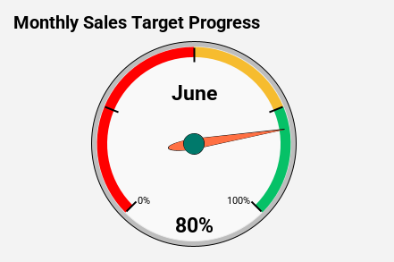
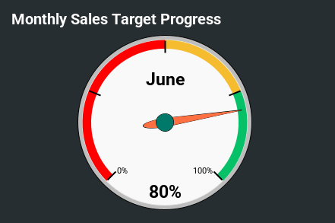
 |  | Monthly Sales Target Progress
 |  | choose Month
 |  | June | 80%

 |  | Month | Sales Target | Actual Sales | Percentage Achieved
 |  | January | $100,000 | $75,000 | 75%
 |  | February | $100,000 | $90,000 | 90%
 |  | March | $100,000 | $60,000 | 60%
 |  | April | $100,000 | $65,000 | 65%
 |  | May | $100,000 | $95,000 | 95%
 |  | June | $100,000 | $80,000 | 80%
 |  | July | $100,000 | $85,000 | 85%
 |  | August | $100,000 | $92,000 | 92%
 |  | September | $100,000 | $70,000 | 70%
 |  | October | $100,000 | $78,000 | 78%
 |  | November | $100,000 | $88,000 | 88%
 |  | December | $100,000 | $100,000 | 100%

Daily Stock Price Movements
Daily Stock Price Movements
 | Candlestick Chart for Stock Prices | Daily Stock Price Movements
 |  | Date | Open | High | Low | Close | Helper
 |  | 2024-10-01 | 150 | 155 | 148 | 153 | Oct 1, 2024
 |  | 2024-10-02 | 153 | 160 | 151 | 158 | Oct 2, 2024
 |  | 2024-10-03 | 158 | 165 | 156 | 163 | Oct 3, 2024
 |  | 2024-10-04 | 163 | 170 | 160 | 168 | Oct 4, 2024
 |  | 2024-10-05 | 168 | 175 | 165 | 172 | Oct 5, 2024
 |  | 2024-10-06 | 172 | 180 | 170 | 177 | Oct 6, 2024
 |  | 2024-10-07 | 177 | 183 | 175 | 182 | Oct 7, 2024
 |  | 2024-10-08 | 182 | 190 | 180 | 188 | Oct 8, 2024
 |  | 2024-10-09 | 188 | 190 | 185 | 186 | Oct 9, 2024
 |  | 2024-10-10 | 186 | 190 | 184 | 188 | Oct 10, 2024
 |  | 2024-10-11 | 188 | 192 | 185 | 190 | Oct 11, 2024
 |  | 2024-10-12 | 190 | 195 | 188 | 194 | Oct 12, 2024
 |  | 2024-10-13 | 194 | 198 | 192 | 196 | Oct 13, 2024
 |  | 2024-10-14 | 196 | 200 | 190 | 192 | Oct 14, 2024
 |  | 2024-10-15 | 192 | 195 | 185 | 188 | Oct 15, 2024
 |  | 2024-10-16 | 188 | 192 | 180 | 184 | Oct 16, 2024
 |  | 2024-10-17 | 184 | 188 | 175 | 178 | Oct 17, 2024
 |  | 2024-10-18 | 178 | 185 | 170 | 176 | Oct 18, 2024
 |  | 2024-10-19 | 176 | 182 | 165 | 172 | Oct 19, 2024
 |  | 2024-10-20 | 172 | 180 | 160 | 168 | Oct 20, 2024
 |  | 2024-10-21 | 168 | 174 | 162 | 170 | Oct 21, 2024
 |  | 2024-10-22 | 170 | 176 | 166 | 174 | Oct 22, 2024
 |  | 2024-10-23 | 174 | 180 | 170 | 178 | Oct 23, 2024
 |  | 2024-10-24 | 178 | 185 | 175 | 182 | Oct 24, 2024
 |  | 2024-10-25 | 182 | 190 | 180 | 188 | Oct 25, 2024
 |  | 2024-10-26 | 188 | 195 | 185 | 193 | Oct 26, 2024
 |  | 2024-10-27 | 193 | 200 | 190 | 198 | Oct 27, 2024
 |  | 2024-10-28 | 198 | 205 | 195 | 202 | Oct 28, 2024
 |  | 2024-10-29 | 202 | 208 | 198 | 205 | Oct 29, 2024
 |  | 2024-10-30 | 205 | 210 | 200 | 208 | Oct 30, 2024

 |  | Organizational Chart for Company Structure
 | Organizational Chart for Company Structure | ID | Parent | Tool Tip
 |  | Sarah Johnson (CEO) |  | CEO of GlobalTech Inc.
 |  | Michael Lee (CFO) | Sarah Johnson (CEO) | Oversees Finance Dept.
 |  | Jennifer Martin (COO) | Sarah Johnson (CEO) | Oversees Operations Dept.
 |  | Anna Rodriguez (CMO) | Sarah Johnson (CEO) | Leads Marketing Dept.
 |  | Alice Williams (CTO) | Sarah Johnson (CEO) | Leads Technology Dept.
 |  | Carol Peterson (CHRO) | Sarah Johnson (CEO) | Heads HR Department
 |  | David Kim (Head of Finance) | Michael Lee (CFO) | Finance Dept. Leader
 |  | Paul Miller (Head of Operations) | Jennifer Martin (COO) | Ops Dept. Leader
 |  | Susan Parker (Head of Marketing) | Anna Rodriguez (CMO) | Marketing Dept. Leader
 |  | James Smith (Head of IT) | Alice Williams (CTO) | IT Dept. Leader
 |  | Laura Green (Head of HR) | Carol Peterson (CHRO) | HR Dept. Leader

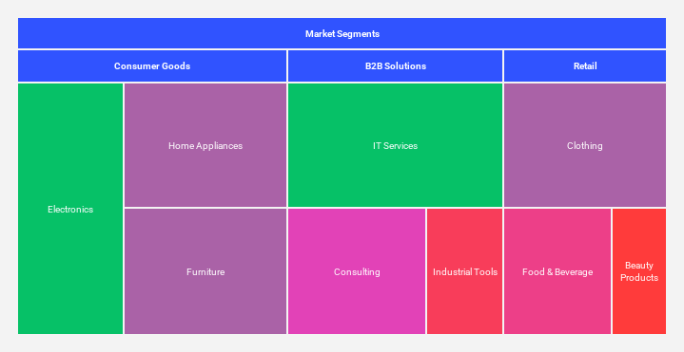
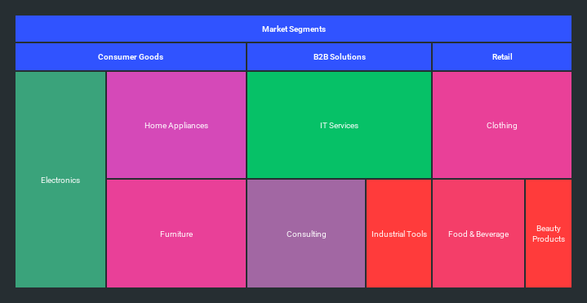
 | Tree Map Chart for Market Segmentation | Market Segments Revenue Contribution
 |  | ID | Parent | Market Size (Units) | Revenue Contribution ($)
 |  | Market Segments |  | 1,200,000 | $26,000,000
 |  | Consumer Goods | Market Segments | 500,000 | $10,000,000
 |  | Electronics | Consumer Goods | 200,000 | $4,500,000
 |  | Home Appliances | Consumer Goods | 150,000 | $3,000,000
 |  | Furniture | Consumer Goods | 150,000 | $2,500,000
 |  | B2B Solutions | Market Segments | 400,000 | $10,000,000
 |  | IT Services | B2B Solutions | 200,000 | $5,000,000
 |  | Consulting | B2B Solutions | 130,000 | $3,500,000
 |  | Industrial Tools | B2B Solutions | 70,000 | $1,500,000
 |  | Retail | Market Segments | 300,000 | $6,000,000
 |  | Clothing | Retail | 150,000 | $2,500,000
 |  | Food & Beverage | Retail | 100,000 | $2,000,000
 |  | Beauty Products | Retail | 50,000 | $1,500,000

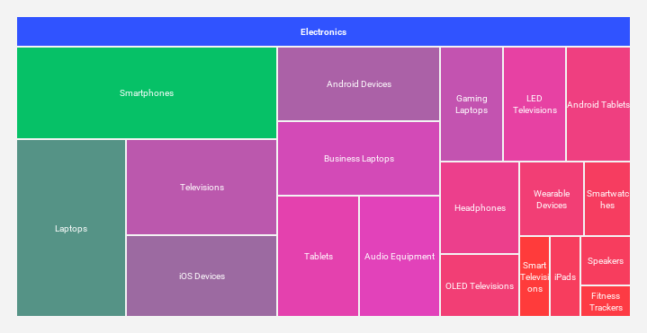
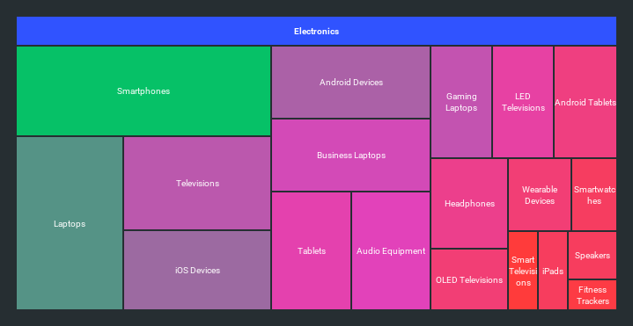
 | Simple Tree Map Chart | Simple Tree Map Chart
 |  | ID | Parent | Market Size (Units) | Revenue
 |  | Electronics |  | 3,400,000 | 116,000,000
 |  | Smartphones | Electronics | 500,000 | $20,000,000
 |  | iOS Devices | Electronics | 250,000 | $10,500,000
 |  | Android Devices | Electronics | 250,000 | $9,500,000
 |  | Laptops | Electronics | 400,000 | $15,000,000
 |  | Gaming Laptops | Electronics | 150,000 | $8,000,000
 |  | Business Laptops | Electronics | 250,000 | $7,000,000
 |  | Televisions | Electronics | 300,000 | $8,500,000
 |  | LED Televisions | Electronics | 150,000 | $5,000,000
 |  | OLED Televisions | Electronics | 100,000 | $3,000,000
 |  | Smart Televisions | Electronics | 50,000 | $500,000
 |  | Tablets | Electronics | 200,000 | $5,500,000
 |  | Android Tablets | Electronics | 150,000 | $3,500,000
 |  | iPads | Electronics | 50,000 | $2,000,000
 |  | Wearable Devices | Electronics | 100,000 | $3,000,000
 |  | Smartwatches | Electronics | 70,000 | $2,100,000
 |  | Fitness Trackers | Electronics | 30,000 | $900,000
 |  | Audio Equipment | Electronics | 200,000 | $6,000,000
 |  | Headphones | Electronics | 150,000 | $4,000,000
 |  | Speakers | Electronics | 50,000 | $2,000,000

🌀 Learn more about Coefficient
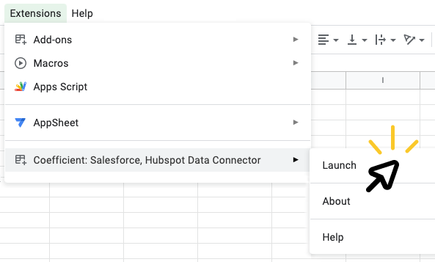
➊ | Install the Coefficient extension |  | ➋ | Launch Coefficient | ➌ | Connect your data!
 |  | 👈 |  | Click “Extensions” > "Coefficient" > "Launch" |  | Click "Import from..." then select the source you'd like to import data from. With a simple selector and prompts along the way, you'll pull your first data import in just 60 seconds.
 | In the popup window, click the "INSTALL" button Click “Continue” to accept permissions

 | 🎥 See how it works

 | ⚠️ If you run into an error, click here

Dashboard Example
Sales Dashboard | Put your logo here

Monthly Sales
Year-over-Year Sales Comparison

Product Sales Comparison by Quarter

Dashboard Example (dark)
Sales Dashboard | Put your logo here

Monthly Sales
Year-over-Year Sales Comparison

Product Sales Comparison by Quarter

