Template
QuickBooks 12-months Rolling Forecast
Input your categories, items and actual values for the trailing twelve months in the Actuals and Forecasts tab. The 12-month rolling forecasts are computed based on a linear regression model.

TTM Actuals and Rolling Forecast by Categories
Breakdown of Expenses

Category | Item | TTM Actuals | Rolling Forecast | $ Increase (Decrease) | % Increase (Decrease)
 |  | (Sep-2025 to Aug-2026) | (Sep-2026 to Aug-2027)
Revenue | Subscription Revenue | $587,500 | $599,001 | $11,501 | 1.96%
Revenue | Setup Fees | $108,500 | $108,773 | $273 | 0.25%
Revenue | Professional Services | $61,400 | $63,032 | $1,632 | 2.66%
Revenue | Partner Integrations | $38,800 | $41,130 | $2,330 | 6.00%
Revenue | Advertising Revenue | $25,500 | $26,462 | $962 | 3.77%
Expenses | Cloud Hosting | $189,700 | $199,190 | $9,490 | 5.00%
Expenses | Salaries and Wages | $910,000 | $919,008 | $9,008 | 0.99%
Expenses | Marketing and Sales | $244,500 | $248,410 | $3,910 | 1.60%
Expenses | Software Licenses | $61,900 | $64,178 | $2,278 | 3.68%
Expenses | Customer Support | $40,000 | $41,426 | $1,426 | 3.57%
Capital Expenditures | Platform Development | $57,100 | $66,047 | $8,947 | 15.67%
Capital Expenditures | IT Hardware | $23,500 | $26,478 | $2,978 | 12.67%
Capital Expenditures | Office Buildout | $32,200 | $33,419 | $1,219 | 3.79%
Capital Expenditures | Custom Integrations | $16,800 | $18,814 | $2,014 | 11.99%
Capital Expenditures | Business Intelligence | $28,100 | $31,080 | $2,980 | 10.61%

🌀 Learn more about Coefficient
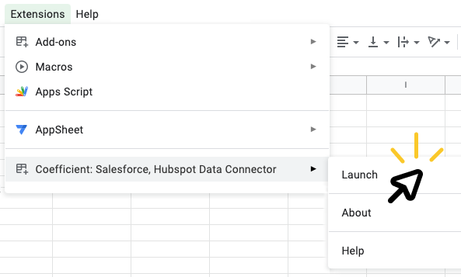
➊ | Install the Coefficient extension |  |  | ➋ | Launch Coefficient |  | ➌ | Connect your data!
 |  | 👈 |  |  | Click "Extensions" > "Coefficient" > "Launch" |  |  | Click "Import from..." then select the source you'd like to import data from. With a simple selector and prompts along the way, you'll pull your first data import in just 60 seconds.
 | In the popup window, click the "INSTALL" button Click “Continue” to accept permissions

 | 🎥 See how it works

 | ⚠️ If you run into an error, click here

OK | Date |  | TRUE |  | Quickbooks Rolling Forecast Template | FALSE

