Sheet1
Experiment | cloud time low (mins) | cloud time high (mins) | time air reaches saturation (mins) | initial RH (calculated) | Kappa 1 | Kappa 2 | N1 (mg-1) | Dm1 (mu m) | lnsig1 | N2 (mg-1) | Dm2 (mu m) | lnsig2 | Model drops | Measured drops | Notes
6 | 14 | 20 | 9 | 0.77360755934 | 0.61 | 1.28 | 308.76, 958.46, 963.48 | 0.181,0.115,0.12 | 0.2,0.51,0.19 | 172.96,214.29,199.6 | 0.206,0.09,0.228 | 0.17,0.6,0.32 | 2272.5505482 | 242.68669183
7 | 18 | 21 | 12 | 0.67855760131 | 0.61 | 1.28 | 1609.2,267.75,540.1 | 0.138,0.08,0.12 | 0.36,0.62,0.15 | 1224.32,291.17,154.13 | 0.21,0.065,0.103 | 0.24,0.46,0.22 | 2458.9618684 | 379.20164663
8 | 15 | 18 | 10 | 0.74690748378 | 0.61 | 1.28 | 2038.32,62.08,545.68 | 0.142,0.03,0.122 | 0.37,0.65,0.17 | 644.48,22.82,165.98 | 0.081,0.034,0.079 | 0.34,0.22,0.19 | 2564.5208385 | 186.222675
9 | 13 | 15 | 9 | 0.77869596407 | 0.61 | 1.28 | 2142.07,60.35,413.32 | 0.14,0.03,0.124 | 0.38,0.65,0.15 | 847.9,63.81,355.54 | 0.084,0.04,0.07 | 0.32,0.25,0.19 | 2693.8051827 | 206.42190577
10 | 13 | 15 | 9 | 0.77477340673 | 0.61 | 1.28 | 1660.26,822.95,347.78 | 0.129,0.112,0.123 | 0.33,0.65,0.14 | 372.21,2130.48,12.48 | 0.057,0.03,0.115 | 0.28,0.5,0.24 | 2449.4828249 | 230.17777163
11 | 17 | 19 | 11 | 0.73587286268 | 0.61 |  | 1832.72,510.55,575.61 | 0.145,0.1,0.123 | 0.35,0.65,0.16 |  |  |  | 2509.3976527 | 156.13633798
12 | 14 | 16 | 10 | 0.75244681091 | 1.28 |  | 507.53,540.11,1044.54 | 0.207,0.094,0.232 | 0.16,0.65,0.32 |  |  |  |  |  | issue with chamber data time-series
13 | 13 | 15 | 10 | 0.75268565251 | 1.28 |  | 107.95,109.49,196.93 | 0.199,0.093,0.221 | 0.16,0.65,0.33 |  |  |  | 470.76719104 | 126.62354567
14 | 15 | 17 | 9 | 0.77310396386 | 1.28 |  | 746.56,479.56,790.25 | 0.208,0.03,0.184 | 0.2,0.65,0.51 |  |  |  | 1677.5507137 | 257.31781971
15 | 10.5 | 13 | 9 | 0.77769949178 | 0.067 |  | 1587.27,22.32,371.03 | 0.14,0.052,0.11 | 0.35,0.24,0.16 |  |  |  | 1345.6287212 | 148.99250673
16 | 10.5 | 13 | 9 | 0.77624010569 | 0.61 |  | 392.88,1293.65,460.82 | 0.107,0.03,0.064 | 0.56,0.44,0.34 |  |  |  | 804.17988771 | 129.68510769
17 | 1.67 | 2 | 1.25 | 0.787813017 | 0.61 |  | 207.05,1318.98,671.94 | 0.135,0.03,0.065 | 0.65,0.48,0.46 |  |  |  | 1703.7358158 | 376.01818029
18 | 9 | 11 | 7 | 0.77611139215 | 0.067 | 1.28 | 1986.99,130.85,294.98 | 0.144,0.108,0.111 | 0.35,0.65,0.15 | 590.88,65.95,31.92 | 0.218,0.057,0.096 | 0.27,0.38,0.18 |  |  | fan off for part
19 | 14 | 16 | 10 | 0.75248218441 | 0.067 | 1.28 | 1381.47,169.2,241.79 | 0.142,0.123,0.109 | 0.33,0.59,0.13 | 966.29,227.01,473.95 | 0.207,0.311,0.106 | 0.2,0.19,0.65 | 1719.6167826 | 247.09868077
28 | 11 | 13 | 7 | 0.84776854359 | 0.61 |  | 1113.93,454.19,428.58 | 0.123,0.102,0.107 | 0.31,0.65,0.16 |  |  |  | 1891.1348361 | 177.04628738

*please note, my humidity calculation assumes that water vapour mixing ratio is conserved between t=0 and the time the air first saturates (i.e. RH=100%). It is different to that shown from the data, so maybe there is a loss term.
*it may be better to put the vapour / total water timeseries in the model directly. I haven't done this

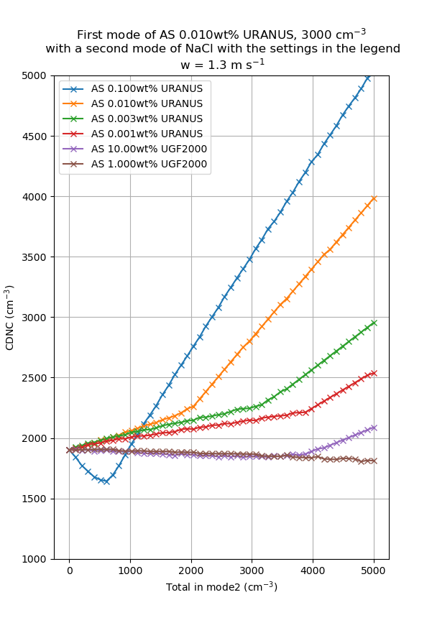
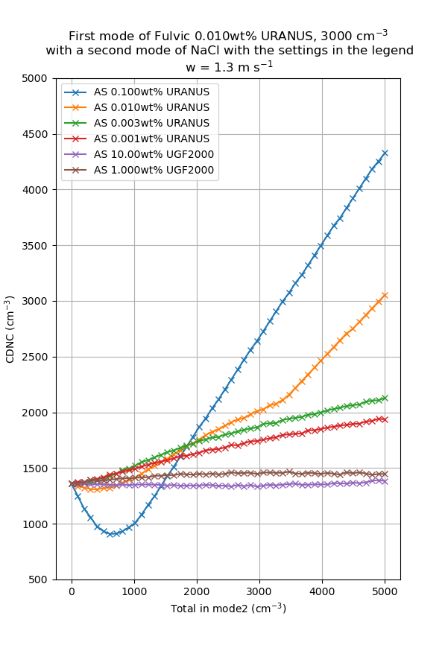

Experiment batches to compare:
[28, 6, 7]: to test the dip in the blue line
[28, 8, 9]: to test the slow increase in the red line
[28, 10]: to test the decrease in the brown line
[28, 11]: Ammonium sulphate at 3000 and 5000/cc
[13,14]: just NaCl on it's own
[16, 17]: AS on it's own - fast and slow expansion
[15, 18, 19]: FA to test dip in blue line - note there is an issue with 18 - fan was off for part of it.

