Sheet1
INIVIDUAL USER

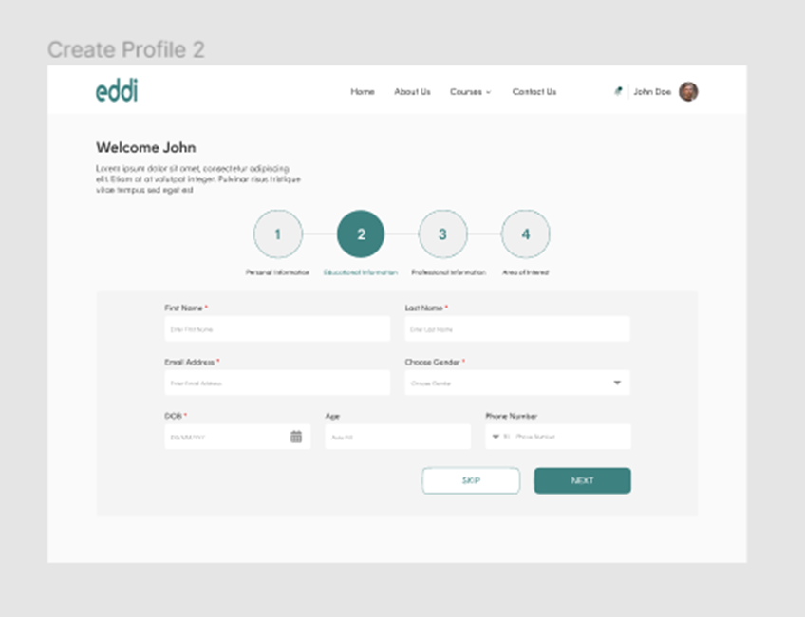
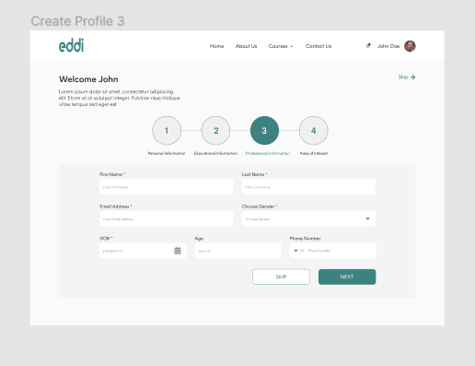

 | Educational information |  |  |  |  |  | Professional information

 |  |  |  |  |  | * | Current professional role |  |  | Additional role
 | * | Highest level of education |  |  |  |  | Free text | (main role) |  | e.g. extra responsibilities
 |  | elementary school
 |  | Grammar school |  |  |  | * | Level of role
 |  | Professional/Occupational training |  |  |  |  | Co-worker |  | * | Future professional role
 |  | College/University | Bachelor | Master | Phd |  | Team leader |  |  | What role/s are you aiming for?
 | * | Educational area | Free text - e.g. Finance |  |  |  | Manager
 |  |  |  |  |  |  | Executive manager |  |  | Additional competences you seek
 |  | Name of College/Univeristy |  |  |  |  |  |  |  | Free text | e.g. to succed with your goals
 |  | (highest degree) |  |  |  | * | Core responsibilities
 |  |  |  |  |  |  | Free text |  |  | Extra curricular competences you have
 |  | Other relevant education 1
 |  | (Free text) |  |  |  |  |  |  |  | Extra curricular competences you want

 |  | Other relevant education 2 |  |  |  |  | * needed to move on to step 4
 |  | (Free text)
 |  | Other relevant education 3
 |  | (Free text)

 |  | Diplomas and certificates
 |  | Free text

 | * Needed to move on to step 3

