F1 Scholarly Literature
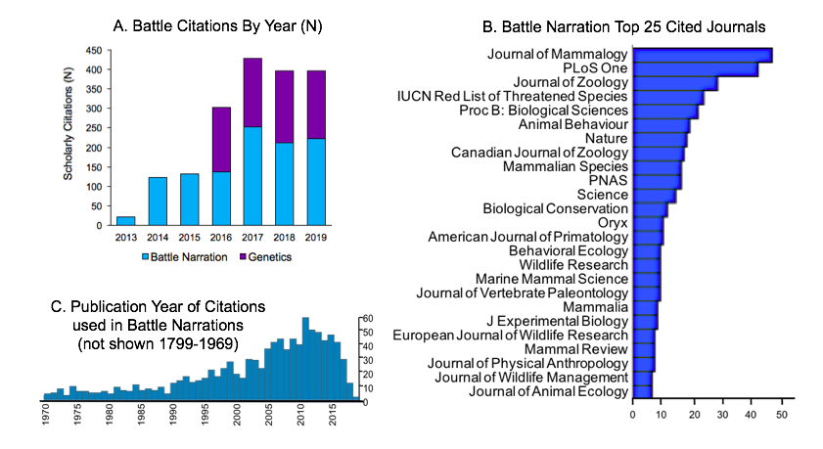

Number of scholarly citations per year
Year | Battle Narration | Genetics/ Phylogeny
2013 | 22
2014 | 123
2015 | 132
2016 | 138 | 164
2017 | 253 | 175
2018 | 211 | 186
2019 | 223 | 173

 |  |  | Publication | Citation Count

 |  |  | Journal of Mammalogy | 45
 |  |  | PLoS ONE | 36
 |  |  | Journal of Zoology | 26
 |  |  | The IUCN Red List of Threatened Species | 20
 |  |  | Proceedings of the Royal Society B: Biological Sciences | 18
 |  |  | Proceedings of the National Academy of Sciences | 18
 |  |  | Canadian Journal of Zoology | 18
 |  |  | Animal Behaviour | 17
 |  |  | Nature | 16
 |  |  | Science | 12
 |  |  | Biological Conservation | 12
 |  |  | Mammalian Species | 10
 |  |  | Journal of Vertebrate Paleontology | 10
 |  |  | American Journal of Primatology | 10
 |  |  | Behavioral Ecology | 9
 |  |  | Mammal Review | 8
 |  |  | Marine Mammal Science | 7
 |  |  | European Journal of Wildlife Research | 7
 |  |  | American Journal of Physical Anthropology | 7
 |  |  | Wildlife Research | 6
 |  |  | The Journal of Wildlife Management | 6
 |  |  | Mammalia | 6
 |  |  | Journal of Experimental Biology | 6
 |  |  | Behavioral Ecology and Sociobiology | 6
 |  |  | Philosophical Transactions of the Royal Society B: Biological Sciences | 6

 |  |  |  | Year | N of citations

 |  |  |  | 1970 | 2
 |  |  |  | 1971 | 5
 |  |  |  | 1972 | 5
 |  |  |  | 1973 | 2
 |  |  |  | 1974 | 6
 |  |  |  | 1975 | 3
 |  |  |  | 1976 | 5
 |  |  |  | 1977 | 3
 |  |  |  | 1978 | 3
 |  |  |  | 1979 | 2
 |  |  |  | 1980 | 4
 |  |  |  | 1981 | 5
 |  |  |  | 1982 | 5
 |  |  |  | 1983 | 4
 |  |  |  | 1984 | 7
 |  |  |  | 1985 | 5
 |  |  |  | 1986 | 7
 |  |  |  | 1987 | 3
 |  |  |  | 1988 | 6
 |  |  |  | 1989 | 3
 |  |  |  | 1990 | 10
 |  |  |  | 1991 | 12
 |  |  |  | 1992 | 14
 |  |  |  | 1993 | 9
 |  |  |  | 1994 | 12
 |  |  |  | 1995 | 15
 |  |  |  | 1996 | 16
 |  |  |  | 1997 | 12
 |  |  |  | 1998 | 20
 |  |  |  | 1999 | 23
 |  |  |  | 2000 | 17
 |  |  |  | 2001 | 14
 |  |  |  | 2002 | 23
 |  |  |  | 2003 | 24
 |  |  |  | 2004 | 19
 |  |  |  | 2005 | 31
 |  |  |  | 2006 | 40
 |  |  |  | 2007 | 39
 |  |  |  | 2008 | 32
 |  |  |  | 2009 | 41
 |  |  |  | 2010 | 35
 |  |  |  | 2011 | 43
 |  |  |  | 2012 | 44
 |  |  |  | 2013 | 42
 |  |  |  | 2014 | 40
 |  |  |  | 2015 | 29
 |  |  |  | 2016 | 35
 |  |  |  | 2017 | 19
 |  |  |  | 2018 | 2

F2 Species Representation
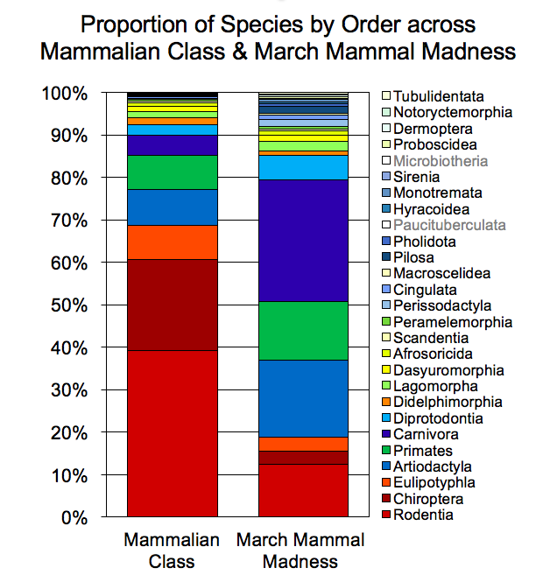
 | Mammalian Class | March Mammal Madness | Fold-difference
Rodentia | 39.29% | 12.46% | 3.15% | 26.83%
Chiroptera | 21.34% | 3.03% | 7.04% | 18.31%
Eulipotyphla | 8.11% | 3.37% | 2.41% | 4.75%
Artiodactyla | 8.48% | 18.18% | 2.14% | -9.70%
Primates | 7.98% | 13.80% | 1.73% | -5.83%
Carnivora | 4.70% | 28.62% | 6.09% | -23.92%
Diprotodontia | 2.39% | 5.72% | 3.34% | -3.34%
Didelphimorphia | 1.71% | 1.01% | 1.69% | 0.70%
Lagomorpha | 1.51% | 2.36% | 1.56% | -0.85%
Dasyuromorphia | 1.20% | 1.35% | 1.12% | -0.15%
Afrosoricida | 0.85% | 1.01% | 1.19% | -0.16%
Scandentia | 0.37% | 0.34% | 1.10% | 0.03%
Peramelemorphia | 0.35% | 0.67% | 1.90% | -0.32%
Perissodactyla | 0.32% | 1.68% | 5.21% | -1.36%
Cingulata | 0.31% | 1.01% | 3.28% | -0.70%
Macroscelidea | 0.31% | 0.34% | 1.09% | -0.03%
Pilosa | 0.15% | 1.68% | 10.93% | -1.53%
Pholidota | 0.12% | 0.67% | 5.47% | -0.55%
Paucituberculata | 0.11% | 0.00% |  | 0.11%
Hyracoidea | 0.08% | 0.34% | 4.37% | -0.26%
Monotremata | 0.08% | 0.67% | 8.75% | -0.60%
Sirenia | 0.08% | 0.34% | 4.37% | -0.26%
Microbiotheria | 0.05% | 0.00% |  | 0.05%
Proboscidea | 0.05% | 0.34% | 7.29% | -0.29%
Dermoptera | 0.03% | 0.34% | 10.93% | -0.31%
Notoryctemorphia | 0.03% | 0.34% | 10.93% | -0.31%
Tubulidentata | 0.02% | 0.34% | 21.87% | -0.32%

IDEALLY there would be color GRADIENTS of red, blue, & yellow/white for the magnitude of fold difference (greens to blues for 1.5fold & higher over-representation, oranges to red for 1.5 fold and higher under-representation, with yellows for about representative: the greater the difference the deeper the color.
The list is reverse ordered bc excel charts, but rodentia would be the lowest part of the stacked columns and Tubulidentata would be the top

F3 Outcome Proportions by Year
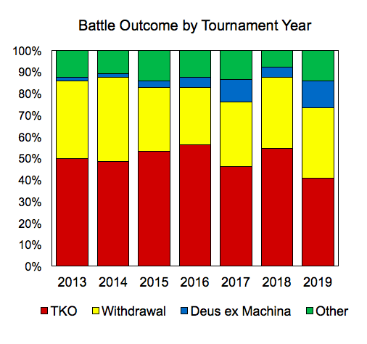

 | 2013 | 2014 | 2015 | 2016 | 2017 | 2018 | 2019
TKO | 50.00 | 48.44 | 53.13 | 56.25 | 46.97 | 54.69 | 40.63
Withdrawal | 35.94 | 39.06 | 29.69 | 26.56 | 30.30 | 32.81 | 32.81
Deus ex Machina | 1.56 | 1.56 | 3.13 | 4.69 | 10.61 | 4.69 | 12.50
Other | 12.50 | 10.94 | 14.06 | 12.50 | 12.12 | 7.81 | 14.06

Underlying Data
 | 2013 | 2014 | 2015 | 2016 | 2017* | 2018 | 2019
TKO | 32 | 31 | 34 | 36 | 31 | 35 | 26
Withdrawal | 23 | 25 | 19 | 17 | 20 | 21 | 21
Deus-ex-Machina | 1 | 1 | 2 | 3 | 7 | 3 | 8
Other | 8 | 7 | 9 | 8 | 8 | 5 | 9
 | 64 | 64 | 64 | 64 | 66 | 64 | 64

 |  |  |  |  | *Wildcard was EXTRA species for greenscreen

 |  |  |  |  |  |  |  | NOTES: Stacked Bar Graph, TKO is RED, Withdrawal is YELLOW, Deus ex Machina is Blue, Other is Green

F5 Geo & RSU Distrib
B. Student Population Distribution: Rural, Suburban, & Urban
 | Rural | Suburban | Urban
K-12 Public School Student Population USA | 0.187 | 0.51 | 0.302
K-12 Student Use March Mammal Madness | 0.22398066578 | 0.57008220507 | 0.20593712915

 | K-12 Public School Student Population USA | K-12 Student Use March Mammal Madness
Rural | 18.7% | 22.4%
Suburban | 51.0% | 57.0%
Urban | 30.2% | 20.6%

March Mammal Madness Details
RURAL | 25857 | 0.22398066578
Suburban | 65812 | 0.57008220507
Urban | 23774 | 0.20593712915

A. Student Population Distribution: Geographic Regions
 | South Atlantic | South Central | Mountain West & Midwest Plains | Great Lakes | Northeast & Mid-Atlantic | Pacific
K-12 Public School Student Population USA | 19.069890539 | 20.318303364 | 14.62726637 | 14.275622949 | 15.568270036 | 16.140646742
K-12 Student Use of March Mammal Madness | 19.140921942 | 15.8 | 16.1 | 19.7 | 15.2 | 14
 | K-12 Public School Student Population USA | K-12 Student Use of March Mammal Madness
South Atlantic | 19.1 | 19.1
South Central | 20.3 | 15.8
Mountain West & Midwest Plains | 14.6 | 16.1
Great Lakes | 14.3 | 19.7
Northeast & Mid-Atlantic | 15.6 | 15.2
Pacific | 16.1 | 14.0

March Mammal Madness Details | N | %
South Central (MS, KY, TN, AL, LA, OK, TX, AR) | 18493 | 15.795317691
South Atlantic (FL, GA, SC, NC, VA, DC, WV, DE, MD) | 22410 | 19.140921942
Mountain West & Midwest Plains (AZ, NM, CO, UT, WY, NV, MT, ID, ND, SD, NE, KS, MN, IA, MO) | 18894 | 16.137821471
Great Lakes (WI, IL, IN, OH, MI) | 23064 | 19.699519128
New England & Northeast & Mid-Atlantic (MA, RI, VT, NH, ME, CT, PA, NY, NJ) | 17769 | 15.176931815
Pacific (OR, WA, CA, HI, AK) | 16449 | 14.049487953

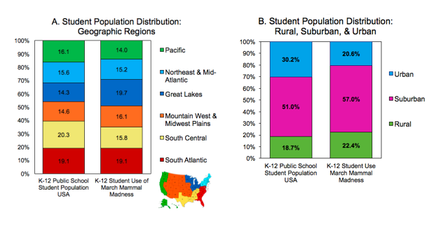

The arrangement should look like this:

The US regional figure comes from https://mapchart.net/usa.html

F6 LibGuide Traffic
 | LibGuide daily pageview traffic harmonized to bracket drop day (some variance in calendar dates by year), limited pre-bracket drop data for 2017

 |  | 2019 | 2018 | 2017
Pre-Tournament Research Phase | -4 | 1446 | 179
 | -3 | 2772 | 596 |  |  | 2017 line in YELLOW, 2018 line in ORANGE, 2019 Line in RED (bc it was ON FIRE! ;-)
 | -2 | 2525 | 486 | 1
 | -1 | 3465 | 1651 | 32
 | 0 | 12580 | 7441 | 1344 | Bracket Drop
 | 1 | 2785 | 5248 | 1573
 | 2 | 4691 | 832 | 1618
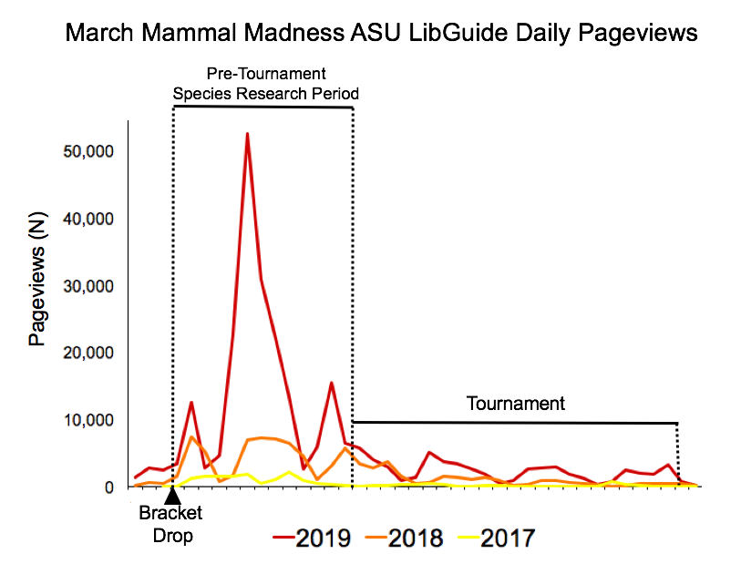
 | 3 | 22548 | 1693 | 1651
 | 4 | 52535 | 7043 | 1895
 | 5 | 30841 | 7291 | 465
 | 6 | 22159 | 7209 | 1062
 | 7 | 13523 | 6557 | 2256
 | 8 | 2736 | 4479 | 1029
 | 9 | 5850 | 1199 | 566
Tournament Phase | 10 | 15540 | 3194 | 402
 | 11 | 6556 | 5784 | 248
 | 12 | 5748 | 3444 | 66
 | 13 | 4013 | 2846 | 168
 | 14 | 2933 | 3778 | 274
 | 15 | 1042 | 1626 | 358
 | 16 | 1379 | 444 | 310
 | 17 | 5146 | 721 | 515
 | 18 | 3685 | 1529 | 360
 | 19 | 3429 | 1502 | 99
 | 20 | 2696 | 1191 | 74
 | 21 | 1942 | 1432 | 162
 | 22 | 509 | 968 | 129
 | 23 | 985 | 209 | 101
 | 24 | 2648 | 329 | 98
 | 25 | 2754 | 1046 | 63
 | 26 | 2921 | 951 | 20
 | 27 | 1887 | 652 | 54
 | 28 | 1337 | 574 | 77
 | 29 | 396 | 311 | 81
 | 30 | 744 | 118 | 810
 | 31 | 2507 | 157 | 431
 | 32 | 2125 | 580 | 169
 | 33 | 1899 | 566 | 57
 | 34 | 3302 | 554 | 53
 | 35 | 773 | 498 | 119
 | 36 | 242 | 180 | 70

F8 Twitter & Blog Engagement
 | Number of Tweets | Twitter Timeline Deliveries |  | Timeline Deliveries
2017 | 39948 | 78923728 | 2017 | 78,923,728
2018 | 40254 | 118046971 | 2018 | 118,046,971
2019 | 45106 | 142582646 | 2019 | 142,582,646

March Mammal Madness Twitter Engagement
 | Number of Tweets | Twitter Timeline Deliveries
2017 | 39948 | 78923728
2018 | 40254 | 118046971
2019 | 45106 | 142582646
 | Blogpost Views
2013 | 30069
2014 | 29063
2015 | 124743
2016 | 82153
2017 | 169890
2018 | 224560
2019 | 272776
Tournament Year | Blogpost Views
2019 | 272776 |  |  |  |  | Blogpost Views
2018 | 224560 |  |  |  | 2013 | 30,069
2017 | 169890 |  |  |  | 2014 | 29,063
2016 | 82153 |  |  |  | 2015 | 124,743
2015 | 124743 |  |  |  | 2016 | 82,153
2014 | 29063 |  |  |  | 2017 | 169,890
2013 | 30069 |  |  |  | 2018 | 224,560
 |  |  |  |  | 2019 | 272,776

Number of Official Tweets per Year
2019 | 1364
2018 | 1404
2017 | 1420
2016 | 1548
2015 | 1402
2014 | 950

