Simpson
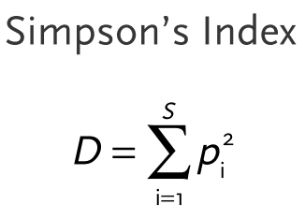
Amostra | Local | Sp1 | Sp2 | Sp3 | Sp4 | Sp5
A | Controle | 2 | 4 | 12 | 0 | 0 | 18 | 100

B | Controle | 0 | 0 | 8 | 0 | 3

