Simpson
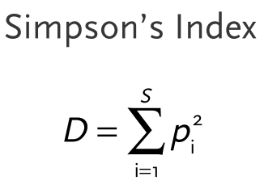
Amostra | Sp1 | Sp2 | Sp3 | Sp4 | Sp5 | S | N | D | 1-D
A | 2 | 4 | 12 | 0 | 0 | 3 | 18
Pi | 0.11111111111 | 0.22222222222 | 0.66666666667 | 0 | 0
Pi^2 | 0.012345679012 | 0.049382716049 | 0.44444444444 | 0 | 0 |  |  | 0.50617283951 | 0.49382716049
B | 0 | 0 | 8 | 0 | 3 | 2 | 11
Pi | 0 | 0 | 0.72727272727 | 0 | 0.27272727273
Pi^2 | 0 | 0 | 0.52892561983 | 0 | 0.074380165289 |  |  | 0.60330578512 | 0.39669421488

Shannon

Amostra | Sp1 | Sp2 | Sp3 | Sp4 | Sp5 | S | N | H'
A | 2 | 4 | 12 | 0 | 0 | 3 | 18
Pi | 0.11111111111 | 0.22222222222 | 0.66666666667 | 0 | 0
Ln(Pi) | -2.1972245773 | -1.5040773968 | -0.40546510811 | 0 | 0
Pi*Ln(Pi) | -0.24413606415 | -0.33423942151 | -0.27031007207 | 0 | 0 |  |  | 0.84868555773
B | 0 | 0 | 8 | 0 | 3 | 2 | 11
Pi | 0 | 0 | 0.72727272727 | 0 | 0.27272727273
Ln(Pi) | 0 | 0 | -0.31845373112 | 0 | -1.2992829841
Pi*Ln(Pi) | 0 | 0 | -0.23160271354 | 0 | -0.35434990476 |  |  | 0.5859526183

