Bugs
ID | Names | Description | Steps to reproduce | Evidence
1 | Stays | The "the fine print" does not redirect to the section in some hotels in the chrome browser, ex: Movich Pereira, Soratama Pereira, Albura Pereira. | Enter the accommodation section. Look for the hotel, select it, click on the link "the fine print". | 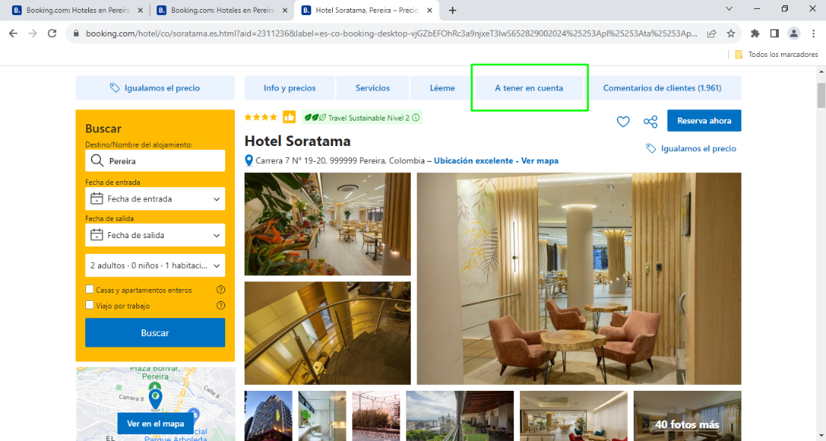
2 | Stays search | Accommodation search engine does not restart when refreshing the page | Enter the accommodation section. Enter search data, click on search, refresh the page. | 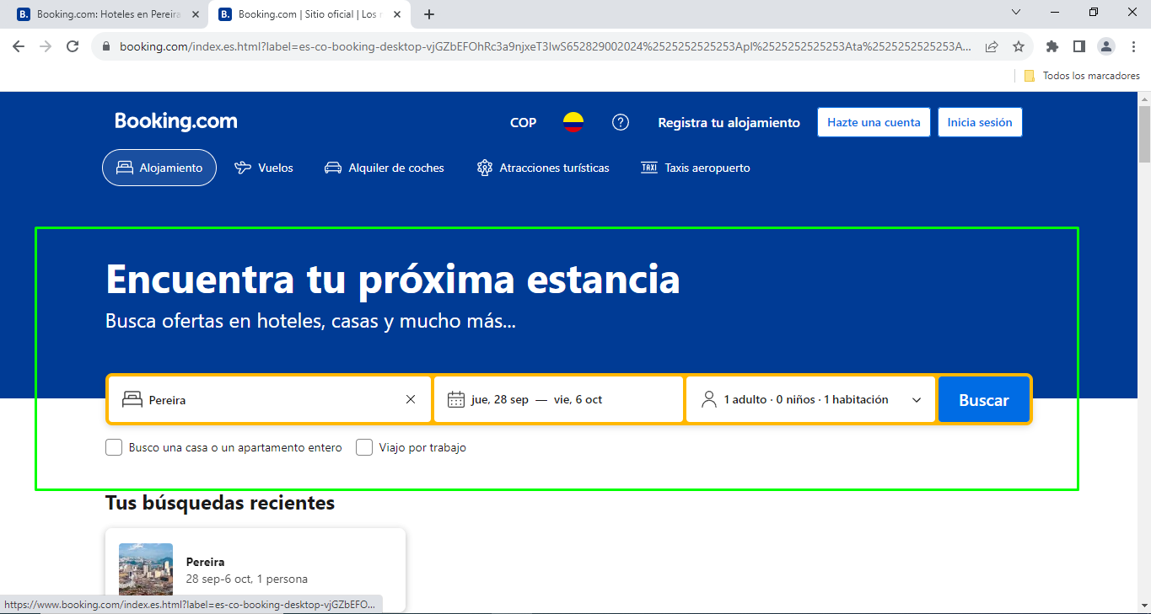
3 | Currency selector | The currency selector disappears in the flights module. | Enter the flights module, search for the currency selector. | 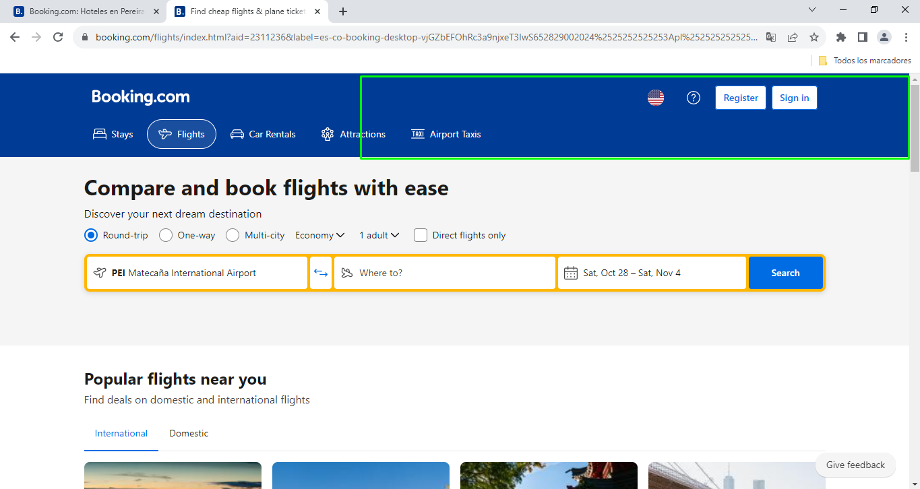
4 | Currency selector | Currency selecteor fails in account management section. | Enter the account management area. Click onthe currency selector, check the currency types. | 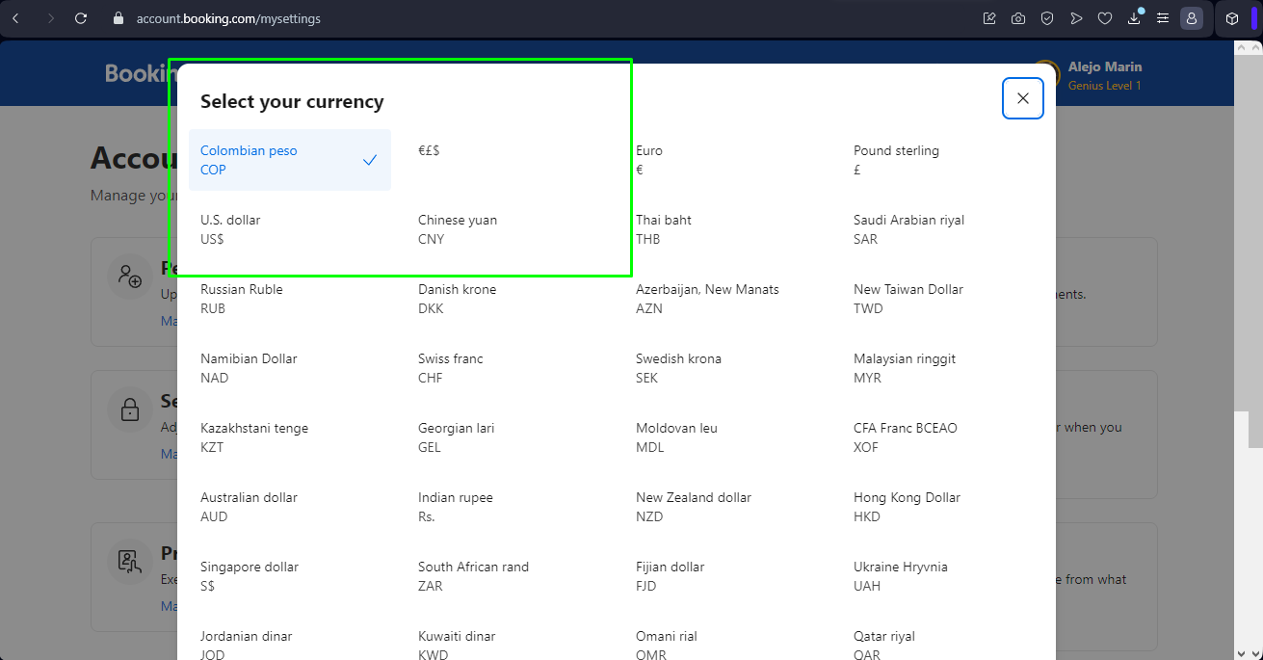
5 | Reward & Wallet | The symbol of the wallet balance remains in euro. | Enter the Reward & Wallet section. Change the currency type. | 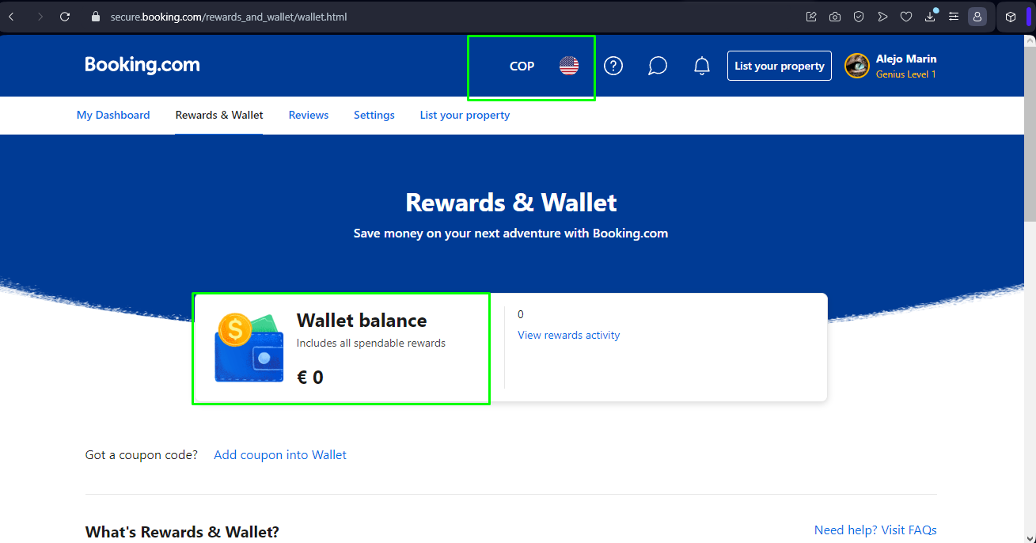
6 | Lenguage selector | When entering the lenguage selector, it is evident that the lenguage: EspañolMX and EspañolAR have the flag of Colombia. | Enter the lenguage selector section. Look at the lenguages EspañolMX and EspañolAR. | 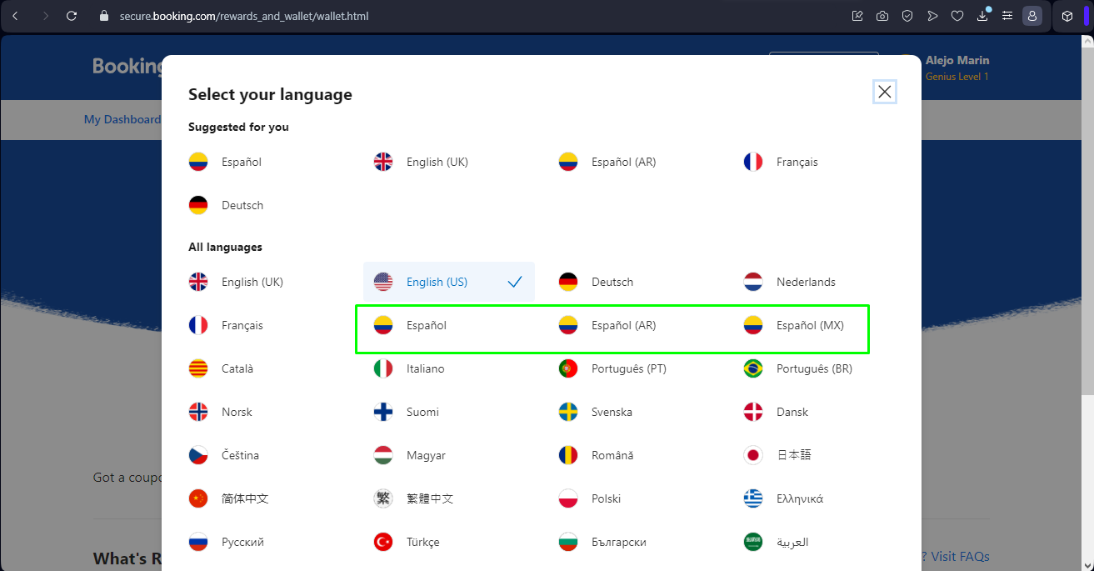
7 | Currency selector | When a currency is selected in the account management section, the selection is not retained when going to another section. | Enter the account management area. Click on the currency selector, select a currency, going to other page, look the currency selector symbol. | 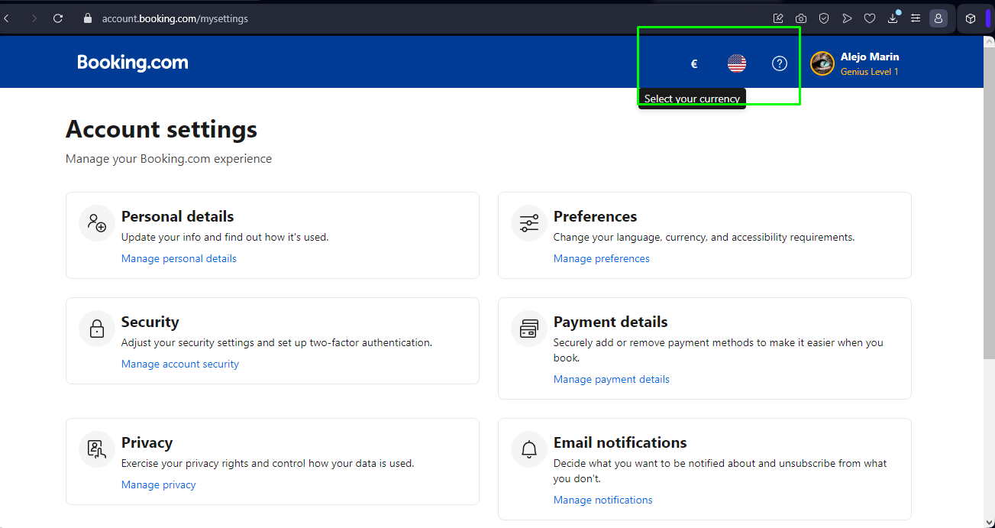 | 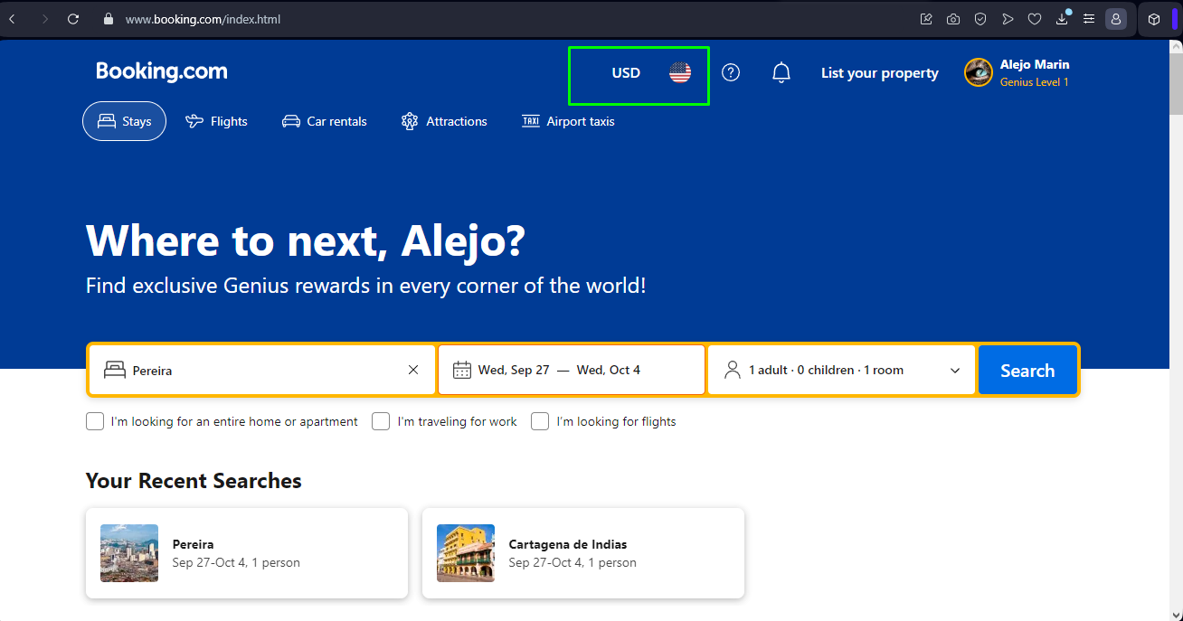
8 | Log off | When log out and return to the page, the name is retained in the greeting | Log off. Click on back, look the greeting. | 