1- AI Skills Workday
2026-02-09
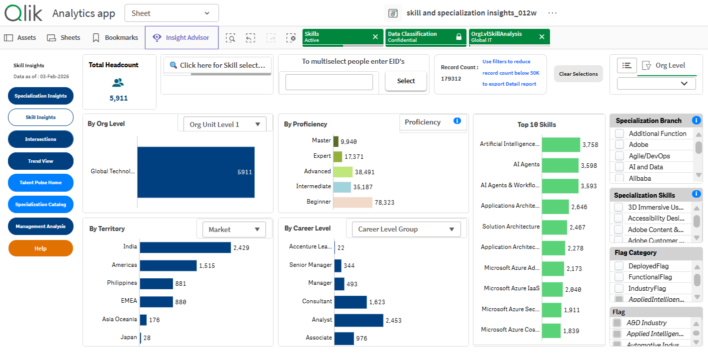

5911 | 3758 | 64%
 | 986 | 17%
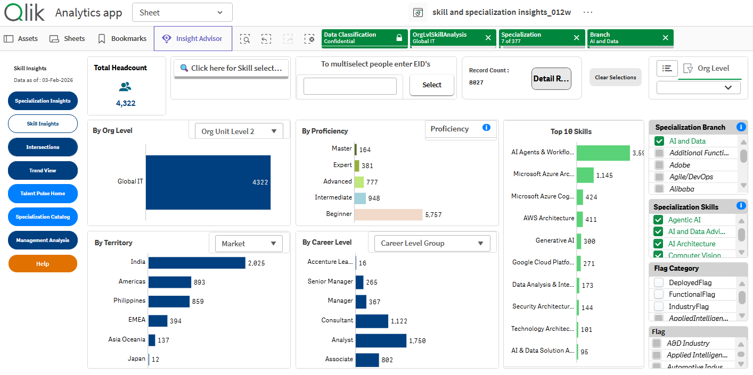

2026-03-04
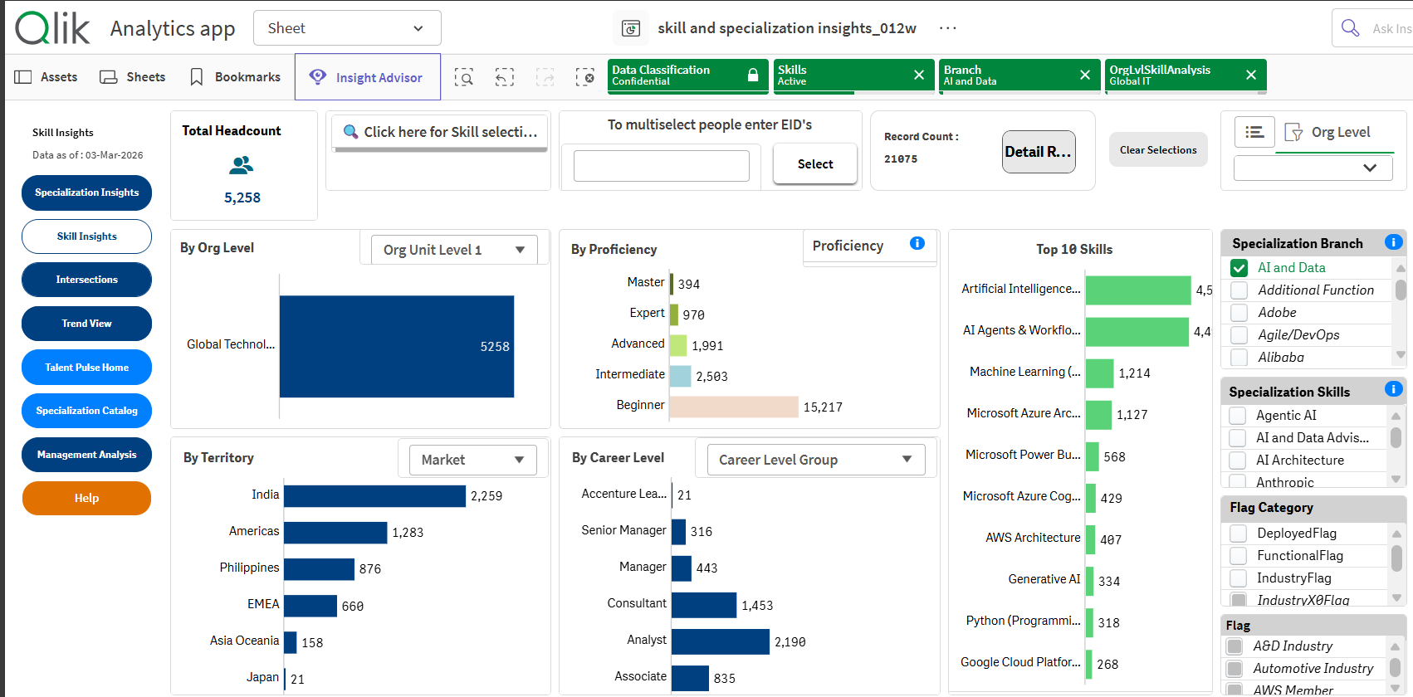

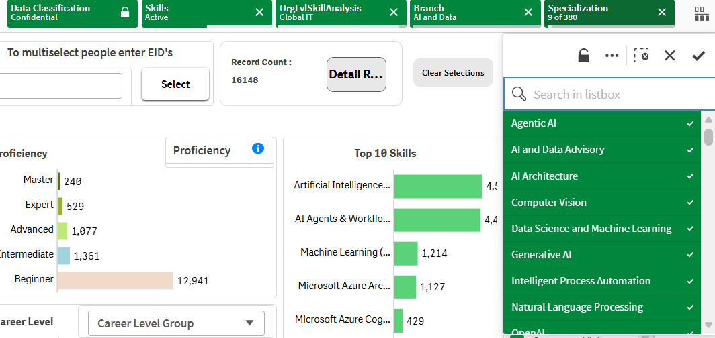
SIN FILTRO AI and DATA Headcount dice
5943

Con FILTRO AI and Data
5258

Con filtros de screenshot de la derecha
5101

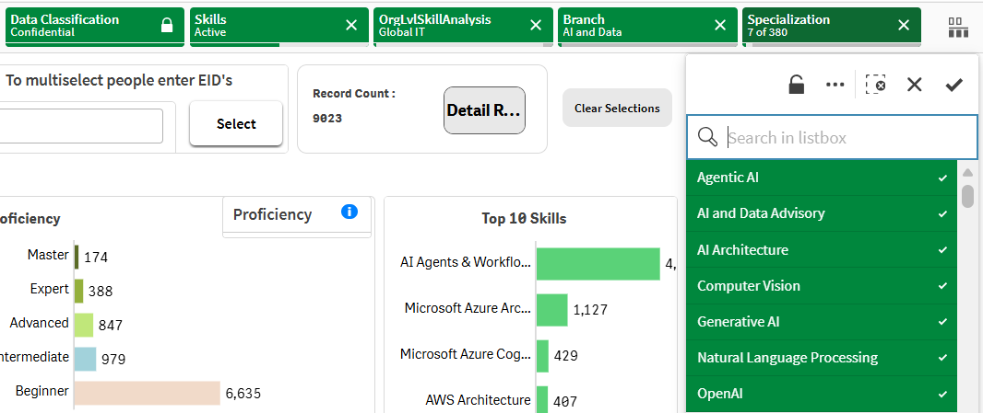
Con filtros de screenshot de la izq
4884

2- AI TQ Courses
2026-02-09 | Filtrado por Org Unit 2: Global IT
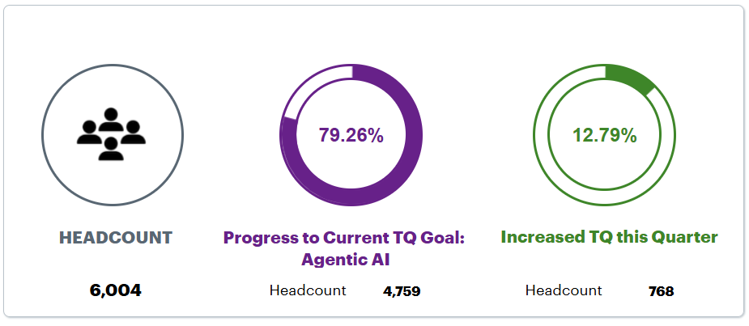
 |  |  | Check other TQ on AI

6004 | 4759 | 79%

2026 Q1 SNAPSHOT
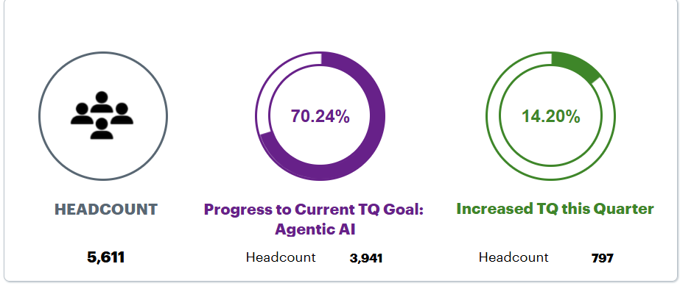 |  |  | Topic Name | Agentic AI Topic ID: tq014 | Quantum Computing Topic ID: tq009 | XR and the Metaverse Topic ID: tq008 | Generative AI Topic ID: tq010 | Sustainability & Technology Topic ID: tq006 | 5G and Edge Computing Topic ID: tq005 | Enterprise Platforms Topic ID: tq004 | Automation Topic ID: tq012 | Blockchain Topic ID: tq013 | Agile & DevOps Topic ID: tq003 | Data Topic ID: tq007 | Cloud Topic ID: tq002 | Security Topic ID: tq011 | AI Topic ID: tq001
 |  |  | Total Headcount | 5,611 | 5,611 | 5,611 | 5,611 | 5,611 | 5,611 | 5,611 | 5,611 | 5,611 | 5,611 | 5,611 | 5,611 | 5,611 | 5,611
 |  |  | Number of people who passed | 3,941 | 4,705 | 4,864 | 4,910 | 4,916 | 4,917 | 4,923 | 4,981 | 5,020 | 5,054 | 5,060 | 5,096 | 5,125 | 5,166
 |  |  | % of people who passed assessment | 70.24% | 83.85% | 86.69% | 87.51% | 87.61% | 87.63% | 87.74% | 88.77% | 89.47% | 90.07% | 90.18% | 90.82% | 91.34% | 92.07%

 |  |  | Completion Index” (promedio ponderado por cursos) Con tu tabla, como el headcount es el mismo en cada topic, podés construir un único % así: AI TQ Completion Index (Q) Index=∑(#passed de topics IA)Ntopics IA×Headcount\text{Index} = \frac{\sum(\#\text{passed de topics IA})}{N_{\text{topics IA}} \times \text{Headcount}}Index=Ntopics IA​×Headcount∑(#passed de topics IA)​ Equivalente a: promedio de los “% passed assessment” de los topics IA seleccionados (porque el denominador es igual para todos). Esto no requiere personas únicas. Con tus 3 de IA (tq014 Agentic, tq010 Generative, tq001 AI): tq014 = 70.24% tq010 = 87.51% tq001 = 92.07% Promedio = 83.27% (mismo número que te daba antes) — y lo rotulás como “promedio de completitud de cursos IA”, no como cobertura. ✅ Ventajas: estable, comparable por Q, simple. ⚠️ Limitación: mide “completitud de evaluaciones”, no “% de personas con skill”. Cómo lo conectás con el OKR: en tu tracker el KR #2 tiene target “70% completion para AI TQ courses”. Entonces podés reportar: [Global IT...t Tracker | Excel], [Global IT...Discussion | Teams] Actual (Q): 83.27% Target: 70% Status: on track

5611 | 3941 | 70%

46085 | Filtrado por Org Unit 2: Global IT
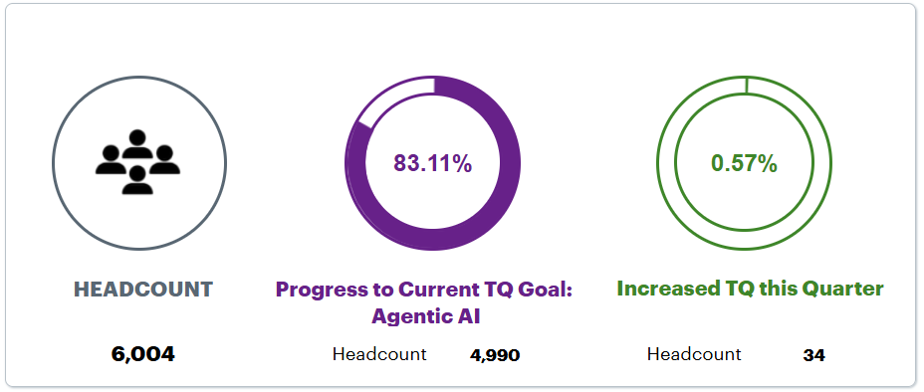

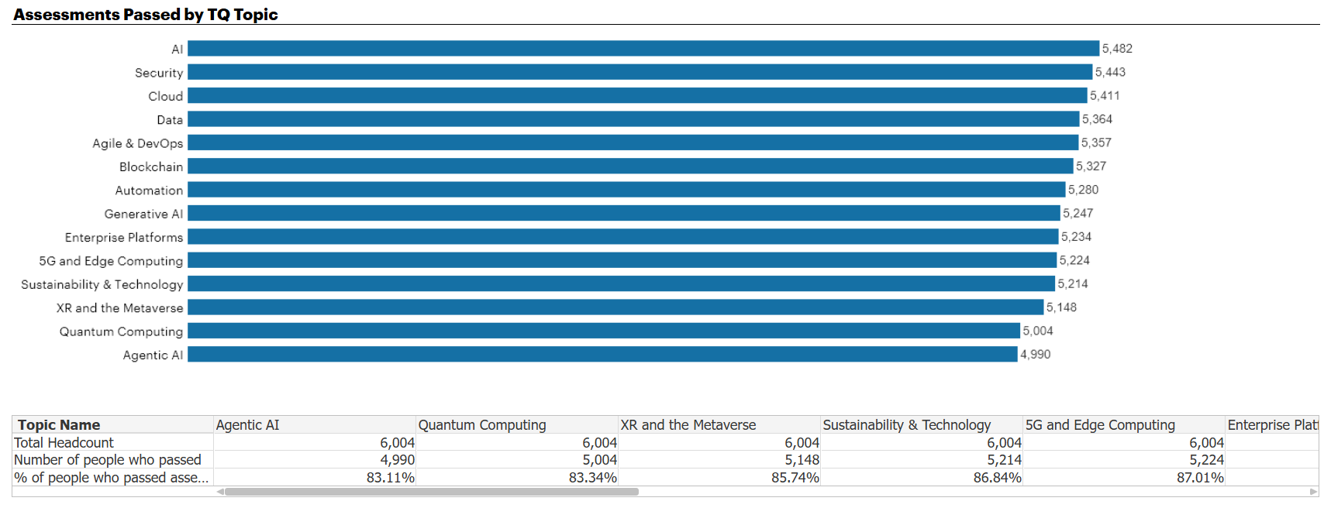

Topic Name | Total Headcount | Number of people who passed | % of people who passed assessment
Agentic AI Topic ID: tq014 | 6,004 | 4,990 | 83.11%
Quantum Computing Topic ID: tq009 | 6,004 | 5,004 | 83.34%
XR and the Metaverse Topic ID: tq008 | 6,004 | 5,148 | 85.74%
Sustainability & Technology Topic ID: tq006 | 6,004 | 5,214 | 86.84%
5G and Edge Computing Topic ID: tq005 | 6,004 | 5,224 | 87.01%
Enterprise Platforms Topic ID: tq004 | 6,004 | 5,234 | 87.18%
Generative AI Topic ID: tq010 | 6,004 | 5,247 | 87.39%
Automation Topic ID: tq012 | 6,004 | 5,280 | 87.94%
Blockchain Topic ID: tq013 | 6,004 | 5,327 | 88.72%
Agile & DevOps Topic ID: tq003 | 6,004 | 5,357 | 89.22%
Data Topic ID: tq007 | 6,004 | 5,364 | 89.34%
Cloud Topic ID: tq002 | 6,004 | 5,411 | 90.12%
Security Topic ID: tq011 | 6,004 | 5,443 | 90.66%
AI Topic ID: tq001 | 6,004 | 5,482 | 91.31%

Para tus 3 topics IA:

Agentic AI (tq014): 4,990 / 6,004 = 83.11%
Generative AI (tq010): 5,247 / 6,004 = 87.39%
AI (tq001): 5,482 / 6,004 = 91.31%

Índice suite IA (promedio / o “aprobaciones vs máximo posible”):

\frac{4990+5247+5482}{3\times 6004} = 0.8727 \Rightarrow \textbf{87.27%}

📌 Resultado Q2 (as‑of hoy): 87.27%

Y esto lo podés comparar directo contra el target del KR2 (70%) que figura en el tracker.
➡️ Status: On track (87.27% > 70%). [GenAI Foun..._12AUG2024 | PowerPoint], [NJX Welco...Functions | Outlook]

5-Engagement events
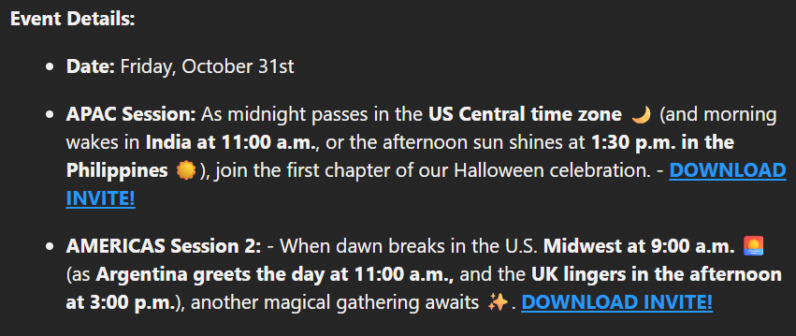
 |  |  |  |  |  | Session 1: September 26, 12:30 a.m. US Central time (11:00 a.m. India, 1:30 p.m. PHL)*
 |  |  |  |  |  | Session 2: September 26, 9:00 a.m. US Central time (11:00 a.m. Argentina, 3:00 p.m. UK)*

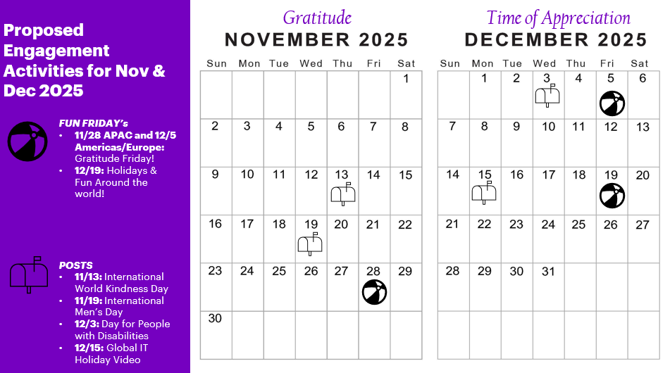
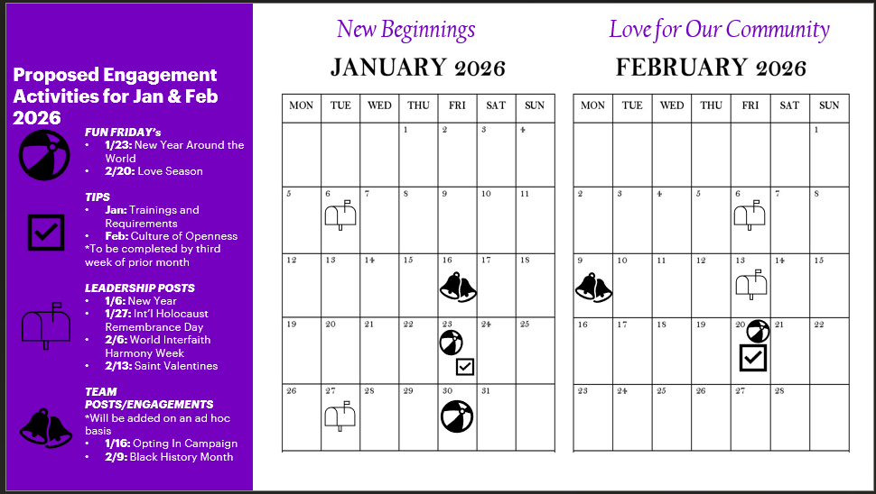

DREW GEDEMER
Metro Location | Date of Event | Type of Event | In-Person or Virtual | Number of Attendees | Quarter
Chicago | 2025-09-11 | Global IT Ask Me Anything Lunch with Tony and Ads | In-Person | 25 | 1
Chicago | 2025-09-18 | Chicago Global IT Tech Talk Food | In-Person | 90 | 1
Virtual | 2025-10-21 | Virtual Tony AMA | Virtual | 19 | 1
Minneapolis | 2025-10-22 | Team Dinner | In-Person | 20 | 1
Chicago | 2025-10-23 | Chicago Global IT - Happy Hour October - 22nd Floor | In-Person | 60 | 1
Chicago | 2025-10-23 | Chicago Global IT - Happy Hour October - 22nd Floor Raffle | In-Person | 3 | 1
Detroit | 2025-10-27 | Detroit Office Lunch / Learning | In-Person | 5 | 1
Virtual | 2025-10-27 | Virtual Tony AMA | Virtual | 20 | 1
Chicago | 2025-10-30 | Chicago Global IT - 3rd Thursday Lunch on 25th floor - fund raise for Covenant House and Leukemia init | In-Person | 80 | 1
Detroit | 2025-11-07 | Detroit Office Lunch / Learning | In-Person | 3 | 1
Denver | 2025-11-13 | In Office Lunch and Networking | In-Person | 6 | 1
Chicago | 2025-11-13 | Global IT Happy Hour November | In-Person | 35 | 1
Chicago | 2025-11-13 | Global IT Happy Hour November - Raffle | In-Person | 3 | 1
Denver | 2025-11-15 | Family Event | In-Person | 15 | 1
Denver | 2025-11-25 | Denver Volunteer Event - Food Bank | In-Person | 6 | 1
Chicago | 2025-12-11 | Global IT Lunch - Christmas | In-Person | 80 | 1
Houston | 2025-12-11 | Holiday Dinner | In-Person | 22 | 1 & 2
Toronto | 2025-12-12 | Holiday Dinner | In-Person | 9 | 2
Atlanta | 2025-12-18 | Holiday Networking/Happy Hour | In-Person | 7 | 2
Chicago | 2026-01-15 | January Tech Talk | In-Person | 50 | 2
Denver | 2026-02-06 | Happy Hour (F1 Racing Bar) | In-Person | 10 | 2
Virtual | 2026-02-24 | Virtual Tony AMA | Virtual |  | 2
Minneapolis | 2026-02-26 | Dinner | In person | 20 | 2

MELODY PETET
Created By | GMC Member(s) | Title | Date of GMC engagement activity | Engagement Behavior Activity Type | Audience description
Petet, Melody D. | Leraris, Anthony M.;#3185 | AMA Lunch to share FY26 Vision and Objectives | 2025-09-11 | In-person event participation | AD/MD deployed to Global IT and out of the Chicago Office. Whenever Tony visits a location where our people are we strive for in person connection events.
Petet, Melody D. | Leraris, Anthony M.;#3185 | Monthly Indianapolis MD and SM Call including ERG, Corporate Citizenship, and account updates. | 2025-09-02 | Online/broadcast event participation | MDs through SMs aligned to the Indianapolis Indiana office. Note that Tony reinstated these as the OMD to specifically increase engagement.
Petet, Melody D. | Leraris, Anthony M.;#3185 | FY26 Kick-off mtg w/ Global IT India Leadership | 2025-09-11 | Online/broadcast event participation | Goal was for Tony to connect in his new role as CIO with the leaders in this geography and give them a sneak preview of our Vision and Objectives for FY26 to help inspire them as they're setting priorities and goals. It was also a way for Tony to meet any new leaders after promotions.
Petet, Melody D. | Leraris, Anthony M.;#3185 | Global IT Ask Me Anything Lunch - Chicago | 2025-09-11 | In-person event participation | While in Chicago to meet with clients Tony held an Ask-me-Anything lunch with ADs and MDs aligned to that office. It was to introduce himself as CIO but also part of his Q1 listening tour. It was an enormous success, and we'll be doing one in every city Tony visits.
Petet, Melody D. | Leraris, Anthony M.;#3185 | FY26 Q1 Office-wide meeting as OMD and CIO | 2025-09-12 | In-person event participation | It was a collaborative session with Avanade and AFS people included. Tony used this both as OMD to be sure a consistent gathering was held for people in the Indy office, but also as the CIO to be part of his Q1 listening tour.
Petet, Melody D. | Leraris, Anthony M.;#3185 | Individual messages to people who were promoted | 2025-09-08 | Email | Tony sent messages to each of the people in Global IT who were just promoted, recognizing their career milestone and his personal pride at their success.
Petet, Melody D. | Leraris, Anthony M.;#3185 | Tony inspired the Global IT Management Committee | 2025-09-10 | Online/broadcast event participation | Tony shared his excitement and enthusiasm for the role, especially as he's been in Global IT for 30 years. It was strongly reciprocated via responses from the group that we're all so happy to have him as CIO and excited for his Vision and Objectives for FY26. Our GIMC is ~30 of our leaders.
Petet, Melody D. | Leraris, Anthony M.;#3185 | Tony made an inspirational announcement to the VE Global IT Community | 2025-09-10 | Viva Engage Activities | Tony shared his excitement and enthusiasm for the role, especially as he's been in Global IT for 30 years. It was strongly reciprocated via notes of celebration. He also shared how excited he is for FY26 and has shaped his Vision and Objectives putting our people first. This is ~8600 members or friends of the Global IT Organization.
Petet, Melody D. | Leraris, Anthony M.;#3185 | As OMD met with Local Chamber of Commerce for Networking on behalf of local ppl | 2025-09-19 | In-person event participation | Tony met with Brian Williams of the Indianapolis Chamber of Commerce. The goal was around sharing accomplishments of local Accenture and networking on behalf of our people out of Indy.
Petet, Melody D. | Leraris, Anthony M.;#3185 | Argentina Location Town Hall Kickoff w/ new CIO | 2025-10-06 | Online/broadcast event participation | Tony made one of his first internal appearances as CIO with our Argentina location. He shared a sneak peek of the Vision and Objectives just recently finalized so as an audience they were included early and with recognition for all their people and everything they do to support Global IT. This was followed by a Viva Engage post acknowledging everyone who took part and that Tony's excited for the role.
Petet, Melody D. | Leraris, Anthony M.;#3185 | Sunday dinner with Surendra, Neeraj B | 2025-10-12 | In-person event participation | India Leadership for Global IT: Social informal dinner connect with Surendra and Neeraj Bhartari while our Global IT ExCo were traveling to India melissa.c.summers; steve.courtney; matthew.lagodzinski; surendra.ss; neeraj.bhartari;
Petet, Melody D. | Leraris, Anthony M.;#3185 | India Global IT Leaders Dinner | 2025-10-13 | In-person event participation | Dinner meet with ExCo and selected India MDs focused on India strategy basis FY26 vision, focus items for week ahead etc. melissa.c.summers; steve.courtney; matthew.lagodzinski; surendra.ss; neeraj.bhartari sakthi.k.kathiresan; bharat.shetty; puneet.g.kumar; ragav.devanathan; neeraj.pathak; rupa.ganesh;
Petet, Melody D. | Leraris, Anthony M.;#3185 | Dinner with Global IT – IMS hosted by Bharat | 2025-10-14 | In-person event participation | Dinner meet with the ISA & NS Leads to familiarize the larger Global IT Landscape and Strategies for FY26 and gets the teams to bond and know the Global IT Leadership and open discussion of the GIT Vision. anthony.m.leraris; melissa.c.summers; steve.courtney; matthew.lagodzinski; bharat.shetty; surendra.ss; dhaneesh.pv; tavarethu.sudharshan; ashahad.hasnain; naveen.bg; vinoo.n.dinakar;
Petet, Melody D. | Leraris, Anthony M.;#3185 | Dinner with Global IT – select MD & ADs hosted by Sakthi | 2025-10-15 | In-person event participation | Dinner Meet with One Global IT India Leaders – This gathering brought together selected MDs and ADs for introductions to new leadership, insights into the broader Global IT landscape and FY26 strategies. The evening fostered team bonding, strengthened connections with Global IT leadership, and encouraged open dialogue around the GIT Vision. melissa.c.summers; matthew.lagodzinski; steve.courtney; sakthi.k.kathiresan; puneet.g.kumar; ragav.devanathan; neeraj.pathak; rupa.ganesh; surya.kumar.ivg; amit.b.goyal; sreedhar.p.seetharam; jooju.ramakrishnan.t; sangeeta.rajan; vandana.bolar; shilpa.a.desai; rekha.rangaiah; femida.eranpurwala; r.x.balasubramaniam; bharat.shetty; dhaneesh.pv; sheena.sarkar; ashok.vira; suchit.malhotra; anurag.a.kohli; bhushan.jagyasi
Petet, Melody D. | Leraris, Anthony M.;#3185 | Townhall with India team | 2025-10-15 | In-person event participation | This is India Team Townhall with Tony & ExCo – Conducted in person for Bangalore team and streamed live across India, this session fostered connection, collaboration, and transparent dialogue around the GIT Vision. Tony shared his FY26 vision and strategic priorities, followed by a fireside chat hosted by Sakthi with Tony and members of the ExCo. anthony.m.leraris; melissa.c.summers; steve.courtney; matthew.lagodzinski; sakthi.k.kathiresan; bharat.shetty; puneet.g.kumar; ragav.devanathan; neeraj.pathak; rupa.ganesh; India HR + Employees
Petet, Melody D. | Leraris, Anthony M.;#3185 | Connect & Lunch with Exe(c)lerate Program participants based in Bangalore | 2025-10-16 | In-person event participation | Exe(c)lerate Connect & Lunch with Bangalore Team – This session brought together Exe(c)lerate Program participants for meaningful engagement, followed by a lunch with Bangalore team members. Participants engaged in a Q&A with Tony and the ExCo, openly exploring topics such as storytelling, communicating effectively with Gen Z, narrative development, interpreting data, etc. Leaders shared their perspectives, making the session insightful and thought-provoking. It fostered meaningful connection, active collaboration, and open exchange of ideas.
Petet, Melody D. | Leraris, Anthony M.;#3185 | Tony AMA in Seattle w/ Global IT ppl | 2025-10-27 | In-person event participation | Seattle Global IT deployed, borrowed and AVA people in person lunch with Tony and Joseph Paradi. Tony makes a point to host AMA lunches when traveling to a given location, when possible and makes sense to do so.
Petet, Melody D. | Leraris, Anthony M.;#3185 | Virtual Ask Me Anything AMA Lunch with Tony Leraris, CIO | 2025-10-21 | Online/broadcast event participation | Tony is hosting AMA sessions, virtual (and in person when possible), to open channels of communication with our people in Global IT.
Petet, Melody D. | Leraris, Anthony M.;#3185 | AAERG group(discussion topic was setting priorities - gave guidance on this) | 2025-11-25 | In-person event participation | Members of the Indianapolis AAERG ERG. Group discussion on setting priorities - gave guidance on this.
Petet, Melody D. | Leraris, Anthony M.;#3185 | Indianapolis AAERG Social Networking Event | 2025-11-25 | In-person event participation | Joined members of the AAERG at a social networking event.
Petet, Melody D. | Leraris, Anthony M.;#3185 | Global IT Dublin Community Connect / Grp Town Hall | 2025-12-16 | Online/broadcast event participation | Tony attended the meeting of Dublin people working in or on behalf of Global IT for their regular meeting, similar to a town hall.
Petet, Melody D. | Leraris, Anthony M.;#3185 | Viva Engage Post Martin Luther King Day | 2026-01-13 | Viva Engage Activities | Tony showed sponsorship for the Indianapolis AAERG upcoming Martin Luther King Day activities in the office.
Petet, Melody D. | Leraris, Anthony M.;#3185 | Personal note for December Promotions via Recognition Platform | 2026-01-21 | Email | All December 1 promotes working on behalf of Global IT.
Petet, Melody D. | Leraris, Anthony M.;#3185 | Recorded a video for use at ATC India Tech Week | 2026-01-19 | Online/broadcast event participation | Colleagues in ATC India attending a training workshop on AI skills.
Petet, Melody D. | Leraris, Anthony M.;#3185 | Indianapolis AAERG - MLK Discussion Circle | 2026-01-19 | In-person event participation | Tony is sponsor of the Indy AAERG and also the office OMD. As such he showed sponsorship and support through his participation.
Petet, Melody D. | Leraris, Anthony M.;#3185 | Hosted the monthly Indianapolis MD and SM Update Call | 2026-02-03 | Online/broadcast event participation | As Indy office OMD, Tony holds monthly sharing / listening sessions with leaders, up and coming, to hear their concern, learn from them top topics, and share a flowdown of key information needed for those attending. While a leadership meeting, there's also personal connection due to the size of the audience and that this is held monthly.
Petet, Melody D. | Leraris, Anthony M.;#3185 | Spread the Love with Indy Pride ERG | 2026-02-11 | In-person event participation | Tony regularly attends local office events, as the OMD and based on his own interests. The event was to bring together PRIDE and others from the Indy office for camaraderie and networking.

