Price vs Volume
Price vs Volume | activity clustered around turning points
Primary view uses two labelled scales; the editable Excel views at right separate unlike units to avoid false comparison

START CLOSE |  |  | END CLOSE | PRICE RETURN | |RETURN| / VOLUME CORR
$4.61 |  |  | $3.86 | -16.3% | 0.619

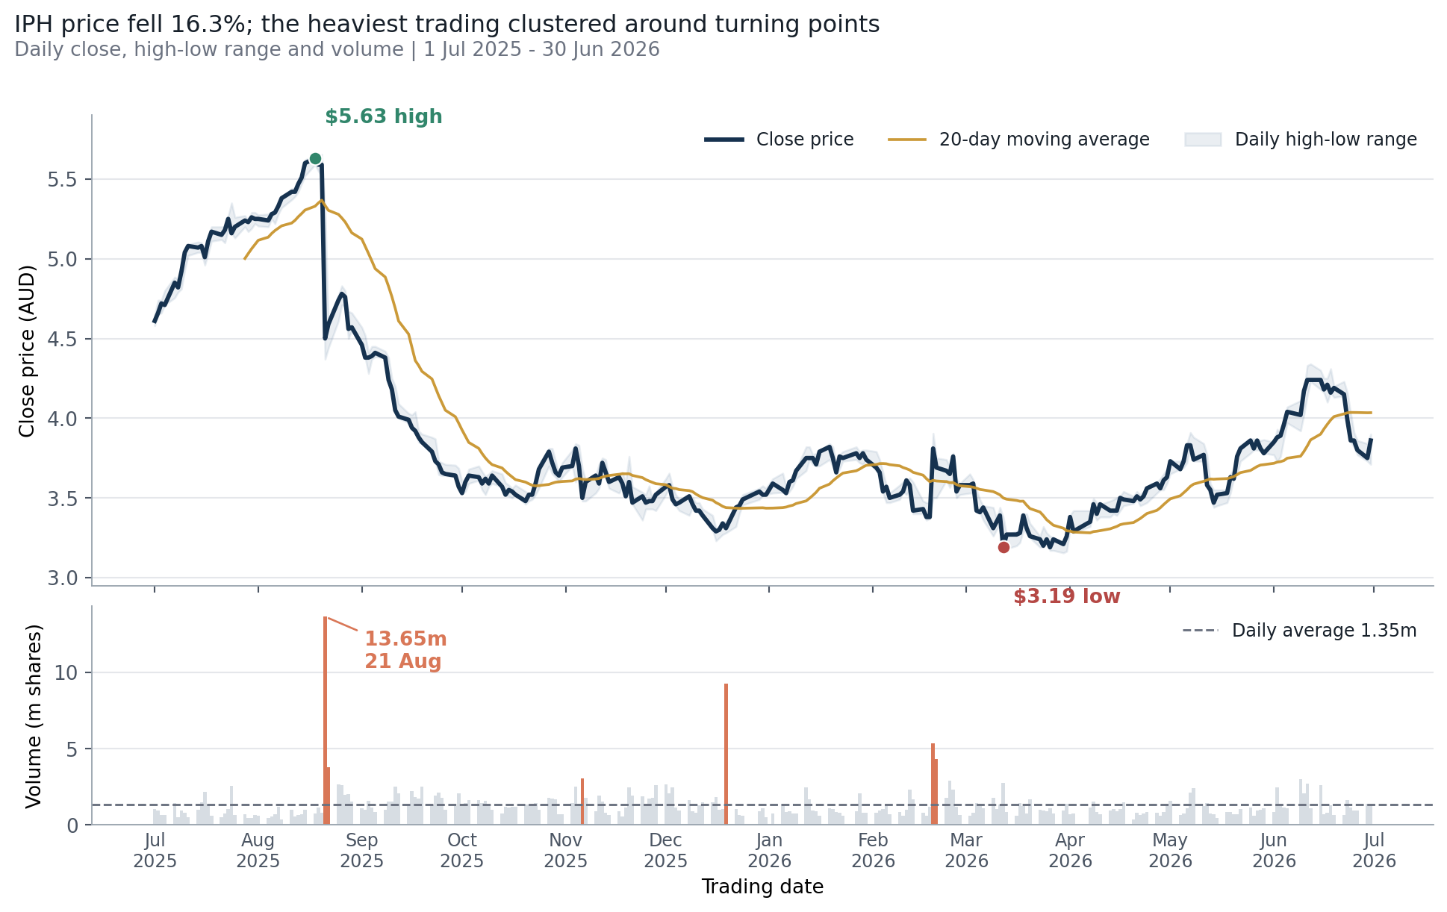
Editable close-price trend

Editable trading-volume view
 | Series 1
Item 1 | 0

Formula-linked support data (editable; scroll right for native Excel chart)
Date | Close | Volume
2025-07-01 | $4.610 | 1,028,917
2025-07-02 | $4.660 | 947,965
2025-07-03 | $4.720 | 645,827
2025-07-04 | $4.710 | 643,053
2025-07-07 | $4.850 | 1,421,493
2025-07-08 | $4.820 | 527,821
2025-07-09 | $4.920 | 959,016
2025-07-10 | $5.040 | 808,326
2025-07-11 | $5.080 | 496,170
2025-07-14 | $5.070 | 1,019,211
2025-07-15 | $5.080 | 1,470,120
2025-07-16 | $5.010 | 2,150,721
2025-07-17 | $5.110 | 1,352,276
2025-07-18 | $5.170 | 626,214
2025-07-21 | $5.150 | 533,234
2025-07-22 | $5.180 | 740,010
2025-07-23 | $5.250 | 1,042,621
2025-07-24 | $5.160 | 2,575,071
2025-07-25 | $5.200 | 677,612
2025-07-28 | $5.240 | 682,358
2025-07-29 | $5.230 | 466,507
2025-07-30 | $5.260 | 438,581
2025-07-31 | $5.250 | 643,722
2025-08-01 | $5.250 | 611,638
2025-08-04 | $5.240 | 476,263
2025-08-05 | $5.280 | 562,654
2025-08-06 | $5.290 | 707,721
2025-08-07 | $5.330 | 1,217,401
2025-08-08 | $5.380 | 386,608
2025-08-11 | $5.420 | 1,001,484
2025-08-12 | $5.420 | 573,931
2025-08-13 | $5.470 | 658,517
2025-08-14 | $5.510 | 684,844
2025-08-15 | $5.600 | 997,776
2025-08-18 | $5.630 | 770,707
2025-08-19 | $5.590 | 1,127,846
2025-08-20 | $5.590 | 807,866
2025-08-21 | $4.500 | 13,650,655
2025-08-22 | $4.590 | 3,764,701
2025-08-25 | $4.740 | 2,653,928
2025-08-26 | $4.780 | 2,593,224
2025-08-27 | $4.760 | 1,965,029
2025-08-28 | $4.560 | 2,029,464
2025-08-29 | $4.570 | 1,548,856
2025-09-01 | $4.460 | 1,120,094
2025-09-02 | $4.380 | 985,640
2025-09-03 | $4.380 | 1,607,755
2025-09-04 | $4.390 | 1,135,885
2025-09-05 | $4.410 | 832,819
2025-09-08 | $4.380 | 988,592
2025-09-09 | $4.240 | 1,554,443
2025-09-10 | $4.180 | 1,511,632
2025-09-11 | $4.050 | 2,521,304
2025-09-12 | $4.010 | 2,069,877
2025-09-15 | $3.990 | 1,405,295
2025-09-16 | $3.940 | 2,222,896
2025-09-17 | $3.920 | 1,836,333
2025-09-18 | $3.880 | 1,747,642
2025-09-19 | $3.850 | 2,507,086
2025-09-22 | $3.790 | 1,301,968
2025-09-23 | $3.730 | 1,951,022
2025-09-24 | $3.710 | 2,119,253
2025-09-25 | $3.660 | 1,775,886
2025-09-26 | $3.650 | 996,901
2025-09-29 | $3.640 | 1,259,831
2025-09-30 | $3.570 | 2,059,271
2025-10-01 | $3.530 | 1,227,684
2025-10-02 | $3.600 | 1,423,827
2025-10-03 | $3.640 | 1,629,040
2025-10-06 | $3.630 | 1,624,550
2025-10-07 | $3.590 | 1,425,783
2025-10-08 | $3.620 | 1,607,306
2025-10-09 | $3.590 | 1,345,892
2025-10-10 | $3.640 | 992,045
2025-10-13 | $3.570 | 739,947
2025-10-14 | $3.520 | 1,188,072
2025-10-15 | $3.550 | 1,121,919
2025-10-16 | $3.540 | 1,208,255
2025-10-17 | $3.520 | 1,205,202
2025-10-20 | $3.480 | 1,361,742
2025-10-21 | $3.520 | 1,340,863
2025-10-22 | $3.520 | 1,393,767
2025-10-23 | $3.590 | 1,434,925
2025-10-24 | $3.680 | 1,006,461
2025-10-27 | $3.790 | 1,774,649
2025-10-28 | $3.720 | 1,734,259
2025-10-29 | $3.660 | 1,693,071
2025-10-30 | $3.640 | 688,436
2025-10-31 | $3.690 | 690,156
2025-11-03 | $3.700 | 1,449,927
2025-11-04 | $3.810 | 2,501,869
2025-11-05 | $3.700 | 1,247,893
2025-11-06 | $3.500 | 3,050,696
2025-11-07 | $3.600 | 1,787,046
2025-11-10 | $3.640 | 910,161
2025-11-11 | $3.590 | 1,926,917
2025-11-12 | $3.720 | 1,550,439
2025-11-13 | $3.660 | 819,908
2025-11-14 | $3.600 | 663,896
2025-11-17 | $3.630 | 900,516
2025-11-18 | $3.590 | 559,946
2025-11-19 | $3.510 | 1,132,758
2025-11-20 | $3.600 | 2,450,940
2025-11-21 | $3.470 | 1,905,312
2025-11-24 | $3.510 | 1,886,972
2025-11-25 | $3.470 | 1,342,117
2025-11-26 | $3.480 | 1,707,647
2025-11-27 | $3.480 | 1,781,545
2025-11-28 | $3.520 | 2,623,553
2025-12-01 | $3.570 | 2,665,565
2025-12-02 | $3.580 | 2,062,431
2025-12-03 | $3.490 | 2,481,273
2025-12-04 | $3.460 | 1,126,356
2025-12-05 | $3.470 | 955,018
2025-12-08 | $3.510 | 1,648,783
2025-12-09 | $3.460 | 884,691
2025-12-10 | $3.420 | 783,634
2025-12-11 | $3.420 | 1,299,184
2025-12-12 | $3.390 | 1,474,618
2025-12-15 | $3.310 | 1,501,277
2025-12-16 | $3.290 | 1,848,979
2025-12-17 | $3.300 | 1,018,689
2025-12-18 | $3.340 | 1,023,705
2025-12-19 | $3.310 | 9,251,452
2025-12-22 | $3.440 | 1,032,870
2025-12-23 | $3.450 | 673,406
2025-12-24 | $3.490 | 594,212
2025-12-29 | $3.540 | 889,143
2025-12-30 | $3.520 | 1,108,925
2025-12-31 | $3.520 | 491,442
2026-01-02 | $3.590 | 735,363
2026-01-05 | $3.550 | 1,370,124
2026-01-06 | $3.530 | 863,767
2026-01-07 | $3.600 | 883,353
2026-01-08 | $3.610 | 770,199
2026-01-09 | $3.670 | 735,411
2026-01-12 | $3.750 | 2,457,995
2026-01-13 | $3.750 | 1,663,870
2026-01-14 | $3.750 | 967,665
2026-01-15 | $3.710 | 877,891
2026-01-16 | $3.790 | 603,135
2026-01-19 | $3.820 | 1,074,317
2026-01-20 | $3.750 | 1,070,425
2026-01-21 | $3.660 | 859,358
2026-01-22 | $3.760 | 807,812
2026-01-23 | $3.750 | 591,833
2026-01-27 | $3.780 | 888,950
2026-01-28 | $3.750 | 2,093,456
2026-01-29 | $3.780 | 796,589
2026-01-30 | $3.740 | 800,294
2026-02-02 | $3.690 | 815,999
2026-02-03 | $3.660 | 968,873
2026-02-04 | $3.540 | 1,060,943
2026-02-05 | $3.570 | 1,263,686
2026-02-06 | $3.500 | 687,637
2026-02-09 | $3.520 | 862,877
2026-02-10 | $3.540 | 603,535
2026-02-11 | $3.610 | 1,010,209
2026-02-12 | $3.580 | 2,328,330
2026-02-13 | $3.420 | 1,683,591
2026-02-16 | $3.430 | 811,108
2026-02-17 | $3.380 | 583,500
2026-02-18 | $3.380 | 1,199,136
2026-02-19 | $3.810 | 5,335,615
2026-02-20 | $3.690 | 4,321,888
2026-02-23 | $3.670 | 1,759,857
2026-02-24 | $3.650 | 2,920,423
2026-02-25 | $3.760 | 2,338,227
2026-02-26 | $3.540 | 1,211,660
2026-02-27 | $3.580 | 663,909
2026-03-02 | $3.580 | 629,587
2026-03-03 | $3.590 | 780,905
2026-03-04 | $3.420 | 1,426,223
2026-03-05 | $3.410 | 1,237,832
2026-03-06 | $3.440 | 1,078,038
2026-03-09 | $3.310 | 1,772,070
2026-03-10 | $3.350 | 1,034,554
2026-03-11 | $3.390 | 1,326,435
2026-03-12 | $3.190 | 2,781,340
2026-03-13 | $3.270 | 851,680
2026-03-16 | $3.270 | 619,675
2026-03-17 | $3.280 | 1,454,140
2026-03-18 | $3.390 | 1,248,949
2026-03-19 | $3.310 | 748,811
2026-03-20 | $3.260 | 1,705,334
2026-03-23 | $3.240 | 978,644
2026-03-24 | $3.200 | 925,654
2026-03-25 | $3.240 | 917,016
2026-03-26 | $3.190 | 1,075,707
2026-03-27 | $3.240 | 774,915
2026-03-30 | $3.210 | 950,904
2026-03-31 | $3.260 | 1,401,047
2026-04-01 | $3.380 | 716,014
2026-04-02 | $3.290 | 777,860
2026-04-07 | $3.350 | 1,162,590
2026-04-08 | $3.460 | 1,555,561
2026-04-09 | $3.400 | 859,248
2026-04-10 | $3.460 | 696,154
2026-04-13 | $3.420 | 945,483
2026-04-14 | $3.420 | 1,065,962
2026-04-15 | $3.420 | 906,042
2026-04-16 | $3.500 | 1,065,458
2026-04-17 | $3.490 | 1,480,334
2026-04-20 | $3.480 | 340,541
2026-04-21 | $3.510 | 809,174
2026-04-22 | $3.490 | 679,977
2026-04-23 | $3.510 | 734,212
2026-04-24 | $3.560 | 828,379
2026-04-27 | $3.590 | 816,812
2026-04-28 | $3.560 | 608,330
2026-04-29 | $3.610 | 860,254
2026-04-30 | $3.630 | 1,385,700
2026-05-01 | $3.730 | 1,572,148
2026-05-04 | $3.680 | 642,080
2026-05-05 | $3.730 | 762,904
2026-05-06 | $3.830 | 1,103,013
2026-05-07 | $3.830 | 2,146,038
2026-05-08 | $3.740 | 2,437,175
2026-05-11 | $3.770 | 1,232,368
2026-05-12 | $3.580 | 1,441,831
2026-05-13 | $3.550 | 761,069
2026-05-14 | $3.470 | 708,092
2026-05-15 | $3.520 | 451,696
2026-05-18 | $3.530 | 838,563
2026-05-19 | $3.630 | 848,113
2026-05-20 | $3.620 | 683,437
2026-05-21 | $3.760 | 717,772
2026-05-22 | $3.810 | 1,029,963
2026-05-25 | $3.860 | 1,149,041
2026-05-26 | $3.810 | 582,980
2026-05-27 | $3.860 | 935,041
2026-05-28 | $3.810 | 1,020,505
2026-05-29 | $3.780 | 1,117,300
2026-06-01 | $3.850 | 842,718
2026-06-02 | $3.880 | 2,471,626
2026-06-03 | $3.890 | 1,377,946
2026-06-04 | $3.960 | 1,137,883
2026-06-05 | $4.040 | 1,100,861
2026-06-09 | $4.020 | 3,002,741
2026-06-10 | $4.170 | 2,083,065
2026-06-11 | $4.240 | 2,700,979
2026-06-12 | $4.240 | 1,119,309
2026-06-15 | $4.240 | 2,602,363
2026-06-16 | $4.180 | 719,818
2026-06-17 | $4.210 | 813,263
2026-06-18 | $4.160 | 1,289,058
2026-06-19 | $4.190 | 675,533
2026-06-22 | $4.150 | 659,353
2026-06-23 | $3.990 | 1,627,687
2026-06-24 | $3.860 | 1,143,685
2026-06-25 | $3.860 | 941,353
2026-06-26 | $3.800 | 965,033
2026-06-29 | $3.750 | 1,394,557
2026-06-30 | $3.860 | 1,295,546

Stock Movement
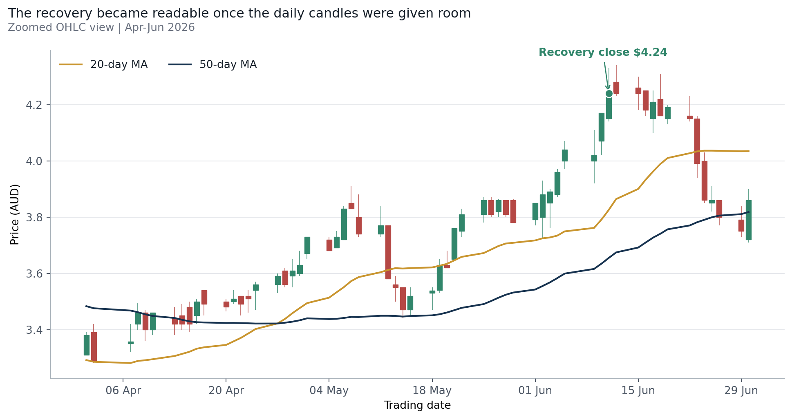
Stock Movement | daily OHLC with trend context
Candlesticks preserve intraday structure; 20-day and 50-day averages reduce noise and expose the April recovery

MAX CLOSE |  |  | MIN CLOSE |  |  | MAX INTRADAY HIGH | MIN INTRADAY LOW
$5.63 |  |  | $3.19 |  |  | $5.655 | $3.155

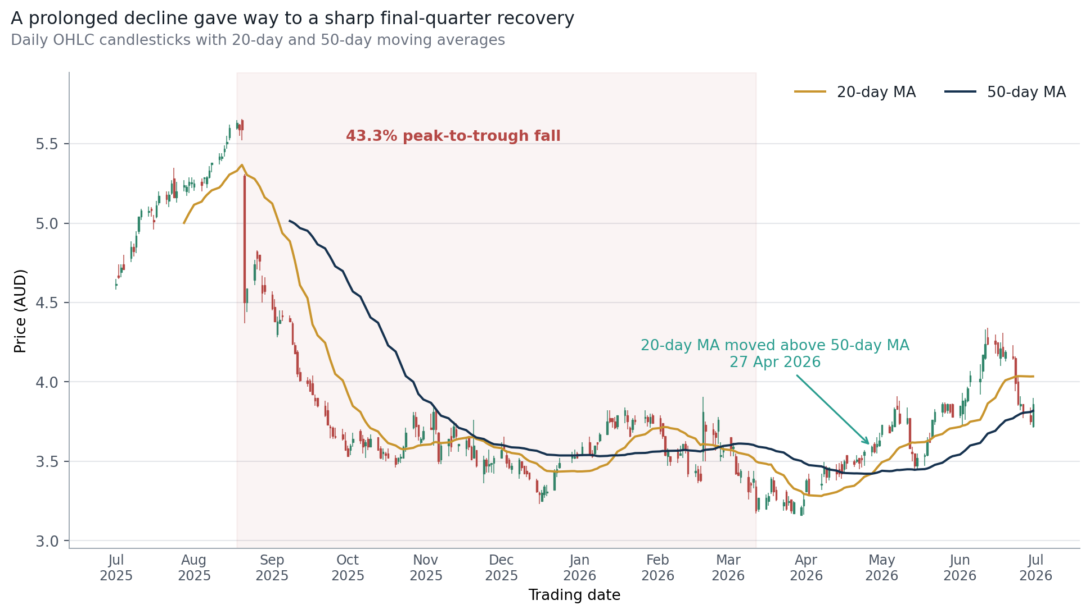
Editable OHLC and moving-average view
 | Open | High | Low | Close | MA20 | MA50
2025-07-01 | $4.610 | $4.650 | $4.580 | $4.610 | $0.000 | $0.000
2025-07-02 | $4.670 | $4.740 | $4.650 | $4.660 | $0.000 | $0.000
2025-07-03 | $4.690 | $4.740 | $4.660 | $4.720 | $0.000 | $0.000
2025-07-04 | $4.740 | $4.800 | $4.710 | $4.710 | $0.000 | $0.000
2025-07-07 | $4.780 | $4.885 | $4.755 | $4.850 | $0.000 | $0.000
2025-07-08 | $4.850 | $4.870 | $4.790 | $4.820 | $0.000 | $0.000
2025-07-09 | $4.850 | $4.950 | $4.810 | $4.920 | $0.000 | $0.000
2025-07-10 | $4.950 | $5.040 | $4.930 | $5.040 | $0.000 | $0.000
2025-07-11 | $5.040 | $5.090 | $5.020 | $5.080 | $0.000 | $0.000
2025-07-14 | $5.070 | $5.105 | $5.040 | $5.070 | $0.000 | $0.000
2025-07-15 | $5.090 | $5.100 | $5.040 | $5.080 | $0.000 | $0.000
2025-07-16 | $5.020 | $5.050 | $4.960 | $5.010 | $0.000 | $0.000
2025-07-17 | $5.040 | $5.140 | $5.030 | $5.110 | $0.000 | $0.000
2025-07-18 | $5.130 | $5.200 | $5.110 | $5.170 | $0.000 | $0.000
2025-07-21 | $5.180 | $5.200 | $5.120 | $5.150 | $0.000 | $0.000
2025-07-22 | $5.140 | $5.200 | $5.100 | $5.180 | $0.000 | $0.000
2025-07-23 | $5.190 | $5.270 | $5.180 | $5.250 | $0.000 | $0.000
2025-07-24 | $5.280 | $5.350 | $5.160 | $5.160 | $0.000 | $0.000
2025-07-25 | $5.160 | $5.260 | $5.130 | $5.200 | $0.000 | $0.000
2025-07-28 | $5.230 | $5.270 | $5.200 | $5.240 | $5.002 | $0.000
2025-07-29 | $5.200 | $5.240 | $5.170 | $5.230 | $5.033 | $0.000
2025-07-30 | $5.240 | $5.290 | $5.190 | $5.260 | $5.063 | $0.000
2025-07-31 | $5.250 | $5.290 | $5.220 | $5.250 | $5.089 | $0.000
2025-08-01 | $5.230 | $5.275 | $5.205 | $5.250 | $5.116 | $0.000
2025-08-04 | $5.260 | $5.280 | $5.200 | $5.240 | $5.135 | $0.000
2025-08-05 | $5.280 | $5.290 | $5.250 | $5.280 | $5.159 | $0.000
2025-08-06 | $5.250 | $5.295 | $5.220 | $5.290 | $5.177 | $0.000
2025-08-07 | $5.290 | $5.360 | $5.280 | $5.330 | $5.192 | $0.000
2025-08-08 | $5.370 | $5.380 | $5.320 | $5.380 | $5.207 | $0.000
2025-08-11 | $5.400 | $5.440 | $5.370 | $5.420 | $5.224 | $0.000
2025-08-12 | $5.410 | $5.440 | $5.390 | $5.420 | $5.241 | $0.000
2025-08-13 | $5.450 | $5.490 | $5.420 | $5.470 | $5.264 | $0.000
2025-08-14 | $5.500 | $5.550 | $5.470 | $5.510 | $5.284 | $0.000
2025-08-15 | $5.540 | $5.620 | $5.520 | $5.600 | $5.306 | $0.000
2025-08-18 | $5.600 | $5.650 | $5.590 | $5.630 | $5.330 | $0.000
2025-08-19 | $5.620 | $5.625 | $5.550 | $5.590 | $5.350 | $0.000
2025-08-20 | $5.650 | $5.655 | $5.520 | $5.590 | $5.367 | $0.000
2025-08-21 | $5.300 | $5.310 | $4.370 | $4.500 | $5.334 | $0.000
2025-08-22 | $4.500 | $4.590 | $4.440 | $4.590 | $5.304 | $0.000
2025-08-25 | $4.640 | $4.770 | $4.610 | $4.740 | $5.279 | $0.000
2025-08-26 | $4.820 | $4.830 | $4.710 | $4.780 | $5.256 | $0.000
2025-08-27 | $4.800 | $4.800 | $4.700 | $4.760 | $5.231 | $0.000
2025-08-28 | $4.610 | $4.670 | $4.500 | $4.560 | $5.197 | $0.000
2025-08-29 | $4.610 | $4.660 | $4.550 | $4.570 | $5.163 | $0.000
2025-09-01 | $4.550 | $4.570 | $4.450 | $4.460 | $5.124 | $0.000
2025-09-02 | $4.470 | $4.520 | $4.380 | $4.380 | $5.079 | $0.000
2025-09-03 | $4.300 | $4.410 | $4.280 | $4.380 | $5.033 | $0.000
2025-09-04 | $4.370 | $4.450 | $4.370 | $4.390 | $4.986 | $0.000
2025-09-05 | $4.420 | $4.450 | $4.385 | $4.410 | $4.938 | $0.000
2025-09-08 | $4.400 | $4.420 | $4.380 | $4.380 | $4.885 | $5.013
...

Formula-linked support data (editable; scroll right for native Excel chart)
Date | Open | High | Low | Close | MA20 | MA50
2025-07-01 | $4.610 | $4.650 | $4.580 | $4.610
2025-07-02 | $4.670 | $4.740 | $4.650 | $4.660
2025-07-03 | $4.690 | $4.740 | $4.660 | $4.720
2025-07-04 | $4.740 | $4.800 | $4.710 | $4.710
2025-07-07 | $4.780 | $4.885 | $4.755 | $4.850
2025-07-08 | $4.850 | $4.870 | $4.790 | $4.820
2025-07-09 | $4.850 | $4.950 | $4.810 | $4.920
2025-07-10 | $4.950 | $5.040 | $4.930 | $5.040
2025-07-11 | $5.040 | $5.090 | $5.020 | $5.080
2025-07-14 | $5.070 | $5.105 | $5.040 | $5.070
2025-07-15 | $5.090 | $5.100 | $5.040 | $5.080
2025-07-16 | $5.020 | $5.050 | $4.960 | $5.010
2025-07-17 | $5.040 | $5.140 | $5.030 | $5.110
2025-07-18 | $5.130 | $5.200 | $5.110 | $5.170
2025-07-21 | $5.180 | $5.200 | $5.120 | $5.150
2025-07-22 | $5.140 | $5.200 | $5.100 | $5.180
2025-07-23 | $5.190 | $5.270 | $5.180 | $5.250
2025-07-24 | $5.280 | $5.350 | $5.160 | $5.160
2025-07-25 | $5.160 | $5.260 | $5.130 | $5.200
2025-07-28 | $5.230 | $5.270 | $5.200 | $5.240 | $5.002
2025-07-29 | $5.200 | $5.240 | $5.170 | $5.230 | $5.033
2025-07-30 | $5.240 | $5.290 | $5.190 | $5.260 | $5.063
2025-07-31 | $5.250 | $5.290 | $5.220 | $5.250 | $5.089
2025-08-01 | $5.230 | $5.275 | $5.205 | $5.250 | $5.116
2025-08-04 | $5.260 | $5.280 | $5.200 | $5.240 | $5.135
2025-08-05 | $5.280 | $5.290 | $5.250 | $5.280 | $5.159
2025-08-06 | $5.250 | $5.295 | $5.220 | $5.290 | $5.177
2025-08-07 | $5.290 | $5.360 | $5.280 | $5.330 | $5.192
2025-08-08 | $5.370 | $5.380 | $5.320 | $5.380 | $5.207
2025-08-11 | $5.400 | $5.440 | $5.370 | $5.420 | $5.224
2025-08-12 | $5.410 | $5.440 | $5.390 | $5.420 | $5.241
2025-08-13 | $5.450 | $5.490 | $5.420 | $5.470 | $5.264
2025-08-14 | $5.500 | $5.550 | $5.470 | $5.510 | $5.284
2025-08-15 | $5.540 | $5.620 | $5.520 | $5.600 | $5.306
2025-08-18 | $5.600 | $5.650 | $5.590 | $5.630 | $5.330
2025-08-19 | $5.620 | $5.625 | $5.550 | $5.590 | $5.350
2025-08-20 | $5.650 | $5.655 | $5.520 | $5.590 | $5.367
2025-08-21 | $5.300 | $5.310 | $4.370 | $4.500 | $5.334
2025-08-22 | $4.500 | $4.590 | $4.440 | $4.590 | $5.304
2025-08-25 | $4.640 | $4.770 | $4.610 | $4.740 | $5.279
2025-08-26 | $4.820 | $4.830 | $4.710 | $4.780 | $5.256
2025-08-27 | $4.800 | $4.800 | $4.700 | $4.760 | $5.231
2025-08-28 | $4.610 | $4.670 | $4.500 | $4.560 | $5.197
2025-08-29 | $4.610 | $4.660 | $4.550 | $4.570 | $5.163
2025-09-01 | $4.550 | $4.570 | $4.450 | $4.460 | $5.124
2025-09-02 | $4.470 | $4.520 | $4.380 | $4.380 | $5.079
2025-09-03 | $4.300 | $4.410 | $4.280 | $4.380 | $5.033
2025-09-04 | $4.370 | $4.450 | $4.370 | $4.390 | $4.986
2025-09-05 | $4.420 | $4.450 | $4.385 | $4.410 | $4.938
2025-09-08 | $4.400 | $4.420 | $4.380 | $4.380 | $4.885 | $5.013
2025-09-09 | $4.370 | $4.380 | $4.230 | $4.240 | $4.826 | $5.006
2025-09-10 | $4.230 | $4.250 | $4.180 | $4.180 | $4.762 | $4.996
2025-09-11 | $4.190 | $4.200 | $4.030 | $4.050 | $4.689 | $4.983
2025-09-12 | $4.060 | $4.090 | $4.000 | $4.010 | $4.610 | $4.969
2025-09-15 | $4.010 | $4.030 | $3.970 | $3.990 | $4.528 | $4.952
2025-09-16 | $4.010 | $4.020 | $3.940 | $3.940 | $4.445 | $4.934
2025-09-17 | $3.990 | $4.040 | $3.920 | $3.920 | $4.362 | $4.914
2025-09-18 | $3.900 | $3.920 | $3.850 | $3.880 | $4.331 | $4.891
2025-09-19 | $3.900 | $3.900 | $3.840 | $3.850 | $4.294 | $4.866
2025-09-22 | $3.850 | $3.880 | $3.780 | $3.790 | $4.246 | $4.841
2025-09-23 | $3.820 | $3.870 | $3.730 | $3.730 | $4.194 | $4.814
2025-09-24 | $3.720 | $3.730 | $3.645 | $3.710 | $4.141 | $4.788
2025-09-25 | $3.710 | $3.720 | $3.640 | $3.660 | $4.096 | $4.759
2025-09-26 | $3.660 | $3.710 | $3.640 | $3.650 | $4.050 | $4.728
2025-09-29 | $3.670 | $3.705 | $3.630 | $3.640 | $4.009 | $4.698
2025-09-30 | $3.630 | $3.685 | $3.570 | $3.570 | $3.968 | $4.666
2025-10-01 | $3.580 | $3.600 | $3.530 | $3.530 | $3.926 | $4.632
2025-10-02 | $3.570 | $3.610 | $3.540 | $3.600 | $3.886 | $4.600
2025-10-03 | $3.620 | $3.680 | $3.590 | $3.640 | $3.848 | $4.569
2025-10-06 | $3.690 | $3.700 | $3.610 | $3.630 | $3.810 | $4.537
2025-10-07 | $3.640 | $3.665 | $3.550 | $3.590 | $3.778 | $4.504
2025-10-08 | $3.600 | $3.635 | $3.520 | $3.620 | $3.750 | $4.471
2025-10-09 | $3.640 | $3.650 | $3.570 | $3.590 | $3.727 | $4.438
2025-10-10 | $3.590 | $3.670 | $3.590 | $3.640 | $3.709 | $4.406
2025-10-13 | $3.650 | $3.650 | $3.570 | $3.570 | $3.688 | $4.373
2025-10-14 | $3.580 | $3.595 | $3.515 | $3.520 | $3.666 | $4.337
2025-10-15 | $3.550 | $3.580 | $3.510 | $3.550 | $3.648 | $4.303
2025-10-16 | $3.550 | $3.560 | $3.500 | $3.540 | $3.631 | $4.267
2025-10-17 | $3.550 | $3.580 | $3.520 | $3.520 | $3.615 | $4.230
2025-10-20 | $3.520 | $3.540 | $3.460 | $3.480 | $3.599 | $4.191
2025-10-21 | $3.500 | $3.525 | $3.480 | $3.520 | $3.589 | $4.153
2025-10-22 | $3.520 | $3.545 | $3.490 | $3.520 | $3.579 | $4.114
2025-10-23 | $3.520 | $3.600 | $3.520 | $3.590 | $3.576 | $4.075
2025-10-24 | $3.590 | $3.710 | $3.560 | $3.680 | $3.577 | $4.037
2025-10-27 | $3.710 | $3.810 | $3.700 | $3.790 | $3.585 | $4.000
2025-10-28 | $3.780 | $3.810 | $3.650 | $3.720 | $3.592 | $3.963
2025-10-29 | $3.730 | $3.730 | $3.630 | $3.660 | $3.599 | $3.924
2025-10-30 | $3.620 | $3.650 | $3.600 | $3.640 | $3.601 | $3.907
2025-10-31 | $3.640 | $3.720 | $3.630 | $3.690 | $3.603 | $3.889
2025-11-03 | $3.710 | $3.800 | $3.700 | $3.700 | $3.606 | $3.868
2025-11-04 | $3.700 | $3.840 | $3.600 | $3.810 | $3.618 | $3.849
2025-11-05 | $3.820 | $3.830 | $3.670 | $3.700 | $3.622 | $3.828
2025-11-06 | $3.680 | $3.685 | $3.480 | $3.500 | $3.617 | $3.806
2025-11-07 | $3.510 | $3.610 | $3.480 | $3.600 | $3.615 | $3.787
2025-11-10 | $3.600 | $3.640 | $3.530 | $3.640 | $3.619 | $3.771
2025-11-11 | $3.660 | $3.710 | $3.560 | $3.590 | $3.622 | $3.755
2025-11-12 | $3.650 | $3.750 | $3.640 | $3.720 | $3.631 | $3.742
2025-11-13 | $3.700 | $3.740 | $3.630 | $3.660 | $3.637 | $3.727
2025-11-14 | $3.600 | $3.605 | $3.560 | $3.600 | $3.640 | $3.711
2025-11-17 | $3.580 | $3.645 | $3.530 | $3.630 | $3.648 | $3.696
2025-11-18 | $3.660 | $3.660 | $3.570 | $3.590 | $3.652 | $3.683
2025-11-19 | $3.590 | $3.600 | $3.510 | $3.510 | $3.651 | $3.669
2025-11-20 | $3.520 | $3.760 | $3.520 | $3.600 | $3.652 | $3.660
2025-11-21 | $3.570 | $3.570 | $3.460 | $3.470 | $3.641 | $3.650
2025-11-24 | $3.420 | $3.535 | $3.360 | $3.510 | $3.627 | $3.640
2025-11-25 | $3.510 | $3.520 | $3.430 | $3.470 | $3.615 | $3.631
2025-11-26 | $3.470 | $3.575 | $3.430 | $3.480 | $3.606 | $3.622
2025-11-27 | $3.480 | $3.490 | $3.430 | $3.480 | $3.598 | $3.614
2025-11-28 | $3.490 | $3.535 | $3.420 | $3.520 | $3.589 | $3.607
2025-12-01 | $3.520 | $3.620 | $3.520 | $3.570 | $3.582 | $3.603
2025-12-02 | $3.600 | $3.655 | $3.570 | $3.580 | $3.571 | $3.600
2025-12-03 | $3.540 | $3.570 | $3.460 | $3.490 | $3.560 | $3.595
2025-12-04 | $3.510 | $3.520 | $3.450 | $3.460 | $3.558 | $3.591
2025-12-05 | $3.450 | $3.490 | $3.420 | $3.470 | $3.552 | $3.588
2025-12-08 | $3.420 | $3.520 | $3.390 | $3.510 | $3.545 | $3.585
2025-12-09 | $3.500 | $3.500 | $3.440 | $3.460 | $3.539 | $3.583
2025-12-10 | $3.470 | $3.470 | $3.420 | $3.420 | $3.524 | $3.581
2025-12-11 | $3.440 | $3.470 | $3.400 | $3.420 | $3.512 | $3.577
2025-12-12 | $3.430 | $3.430 | $3.380 | $3.390 | $3.502 | $3.572
2025-12-15 | $3.380 | $3.390 | $3.300 | $3.310 | $3.485 | $3.566
2025-12-16 | $3.300 | $3.310 | $3.230 | $3.290 | $3.471 | $3.560
2025-12-17 | $3.250 | $3.320 | $3.250 | $3.300 | $3.460 | $3.553
2025-12-18 | $3.290 | $3.350 | $3.270 | $3.340 | $3.447 | $3.548
2025-12-19 | $3.300 | $3.350 | $3.280 | $3.310 | $3.439 | $3.542
2025-12-22 | $3.320 | $3.450 | $3.320 | $3.440 | $3.436 | $3.539
2025-12-23 | $3.430 | $3.475 | $3.400 | $3.450 | $3.435 | $3.538
2025-12-24 | $3.460 | $3.520 | $3.455 | $3.490 | $3.435 | $3.537
2025-12-29 | $3.520 | $3.560 | $3.490 | $3.540 | $3.438 | $3.537
2025-12-30 | $3.520 | $3.575 | $3.515 | $3.520 | $3.438 | $3.537
2025-12-31 | $3.550 | $3.560 | $3.520 | $3.520 | $3.435 | $3.537
2026-01-02 | $3.540 | $3.620 | $3.530 | $3.590 | $3.436 | $3.539
2026-01-05 | $3.620 | $3.655 | $3.535 | $3.550 | $3.439 | $3.539
2026-01-06 | $3.550 | $3.570 | $3.520 | $3.530 | $3.443 | $3.538
2026-01-07 | $3.550 | $3.600 | $3.540 | $3.600 | $3.449 | $3.537
2026-01-08 | $3.620 | $3.620 | $3.570 | $3.610 | $3.454 | $3.533
2026-01-09 | $3.630 | $3.680 | $3.620 | $3.670 | $3.465 | $3.532
2026-01-12 | $3.670 | $3.820 | $3.670 | $3.750 | $3.481 | $3.534
2026-01-13 | $3.770 | $3.820 | $3.740 | $3.750 | $3.498 | $3.536
2026-01-14 | $3.770 | $3.770 | $3.710 | $3.750 | $3.516 | $3.537
2026-01-15 | $3.750 | $3.780 | $3.700 | $3.710 | $3.536 | $3.537
2026-01-16 | $3.720 | $3.790 | $3.700 | $3.790 | $3.561 | $3.537
2026-01-19 | $3.790 | $3.840 | $3.740 | $3.820 | $3.587 | $3.539
2026-01-20 | $3.790 | $3.820 | $3.700 | $3.750 | $3.607 | $3.544
2026-01-21 | $3.710 | $3.720 | $3.650 | $3.660 | $3.625 | $3.546
2026-01-22 | $3.700 | $3.770 | $3.680 | $3.760 | $3.641 | $3.548
2026-01-23 | $3.760 | $3.790 | $3.730 | $3.750 | $3.656 | $3.551
2026-01-27 | $3.770 | $3.820 | $3.740 | $3.780 | $3.670 | $3.552
2026-01-28 | $3.780 | $3.790 | $3.720 | $3.750 | $3.681 | $3.554
2026-01-29 | $3.740 | $3.800 | $3.710 | $3.780 | $3.693 | $3.558
2026-01-30 | $3.790 | $3.800 | $3.740 | $3.740 | $3.704 | $3.560
2026-02-02 | $3.770 | $3.790 | $3.670 | $3.690 | $3.709 | $3.562
2026-02-03 | $3.740 | $3.740 | $3.640 | $3.660 | $3.715 | $3.565
2026-02-04 | $3.660 | $3.660 | $3.530 | $3.540 | $3.716 | $3.564
2026-02-05 | $3.530 | $3.580 | $3.470 | $3.570 | $3.714 | $3.566
2026-02-06 | $3.530 | $3.530 | $3.470 | $3.500 | $3.709 | $3.566
2026-02-09 | $3.560 | $3.580 | $3.490 | $3.520 | $3.701 | $3.567
2026-02-10 | $3.540 | $3.600 | $3.540 | $3.540 | $3.691 | $3.568
2026-02-11 | $3.570 | $3.610 | $3.520 | $3.610 | $3.684 | $3.570
2026-02-12 | $3.610 | $3.625 | $3.550 | $3.580 | $3.675 | $3.572
2026-02-13 | $3.560 | $3.600 | $3.400 | $3.420 | $3.661 | $3.569
2026-02-16 | $3.430 | $3.480 | $3.400 | $3.430 | $3.643 | $3.566
2026-02-17 | $3.450 | $3.470 | $3.360 | $3.380 | $3.621 | $3.563
2026-02-18 | $3.420 | $3.470 | $3.370 | $3.380 | $3.602 | $3.562
2026-02-19 | $3.560 | $3.905 | $3.500 | $3.810 | $3.609 | $3.569
2026-02-20 | $3.730 | $3.750 | $3.500 | $3.690 | $3.606 | $3.572
2026-02-23 | $3.700 | $3.740 | $3.610 | $3.670 | $3.602 | $3.576
2026-02-24 | $3.680 | $3.690 | $3.565 | $3.650 | $3.596 | $3.581
2026-02-25 | $3.690 | $3.780 | $3.610 | $3.760 | $3.596 | $3.588
2026-02-26 | $3.530 | $3.620 | $3.500 | $3.540 | $3.584 | $3.591
2026-02-27 | $3.560 | $3.590 | $3.520 | $3.580 | $3.576 | $3.596
2026-03-02 | $3.650 | $3.650 | $3.530 | $3.580 | $3.571 | $3.602
2026-03-03 | $3.580 | $3.615 | $3.530 | $3.590 | $3.567 | $3.608
2026-03-04 | $3.530 | $3.550 | $3.415 | $3.420 | $3.561 | $3.609
2026-03-05 | $3.430 | $3.490 | $3.410 | $3.410 | $3.553 | $3.611
2026-03-06 | $3.400 | $3.450 | $3.360 | $3.440 | $3.550 | $3.611
2026-03-09 | $3.400 | $3.440 | $3.260 | $3.310 | $3.539 | $3.609
2026-03-10 | $3.360 | $3.370 | $3.300 | $3.350 | $3.530 | $3.606
2026-03-11 | $3.370 | $3.440 | $3.330 | $3.390 | $3.519 | $3.603
2026-03-12 | $3.340 | $3.380 | $3.170 | $3.190 | $3.499 | $3.596
2026-03-13 | $3.200 | $3.270 | $3.180 | $3.270 | $3.492 | $3.591
2026-03-16 | $3.200 | $3.290 | $3.200 | $3.270 | $3.484 | $3.585
2026-03-17 | $3.250 | $3.300 | $3.220 | $3.280 | $3.479 | $3.579
2026-03-18 | $3.310 | $3.400 | $3.295 | $3.390 | $3.479 | $3.577
2026-03-19 | $3.380 | $3.400 | $3.280 | $3.310 | $3.455 | $3.571
2026-03-20 | $3.320 | $3.340 | $3.250 | $3.260 | $3.433 | $3.564
2026-03-23 | $3.220 | $3.260 | $3.190 | $3.240 | $3.412 | $3.555
2026-03-24 | $3.310 | $3.320 | $3.190 | $3.200 | $3.389 | $3.544
2026-03-25 | $3.240 | $3.280 | $3.220 | $3.240 | $3.363 | $3.534
2026-03-26 | $3.260 | $3.260 | $3.170 | $3.190 | $3.346 | $3.523
2026-03-27 | $3.170 | $3.250 | $3.170 | $3.240 | $3.329 | $3.513
2026-03-30 | $3.160 | $3.220 | $3.155 | $3.210 | $3.310 | $3.502
2026-03-31 | $3.220 | $3.290 | $3.165 | $3.260 | $3.294 | $3.491
2026-04-01 | $3.310 | $3.390 | $3.310 | $3.380 | $3.292 | $3.483
2026-04-02 | $3.390 | $3.420 | $3.280 | $3.290 | $3.286 | $3.476
2026-04-07 | $3.350 | $3.420 | $3.320 | $3.350 | $3.281 | $3.468
2026-04-08 | $3.420 | $3.495 | $3.400 | $3.460 | $3.289 | $3.462
2026-04-09 | $3.460 | $3.470 | $3.360 | $3.400 | $3.291 | $3.454
2026-04-10 | $3.400 | $3.460 | $3.380 | $3.460 | $3.295 | $3.448
2026-04-13 | $3.440 | $3.480 | $3.380 | $3.420 | $3.306 | $3.441
2026-04-14 | $3.450 | $3.490 | $3.400 | $3.420 | $3.314 | $3.435
2026-04-15 | $3.480 | $3.500 | $3.390 | $3.420 | $3.321 | $3.429
2026-04-16 | $3.450 | $3.510 | $3.420 | $3.500 | $3.332 | $3.426
2026-04-17 | $3.540 | $3.540 | $3.450 | $3.490 | $3.337 | $3.425
2026-04-20 | $3.500 | $3.510 | $3.465 | $3.480 | $3.346 | $3.423
2026-04-21 | $3.500 | $3.540 | $3.490 | $3.510 | $3.358 | $3.424
2026-04-22 | $3.520 | $3.520 | $3.450 | $3.490 | $3.371 | $3.423
2026-04-23 | $3.520 | $3.540 | $3.460 | $3.510 | $3.386 | $3.422
2026-04-24 | $3.540 | $3.570 | $3.470 | $3.560 | $3.402 | $3.421
2026-04-27 | $3.560 | $3.600 | $3.530 | $3.590 | $3.422 | $3.422
2026-04-28 | $3.610 | $3.620 | $3.550 | $3.560 | $3.438 | $3.424
2026-04-29 | $3.590 | $3.650 | $3.550 | $3.610 | $3.458 | $3.428
2026-04-30 | $3.600 | $3.680 | $3.590 | $3.630 | $3.477 | $3.433
2026-05-01 | $3.670 | $3.730 | $3.650 | $3.730 | $3.494 | $3.440
2026-05-04 | $3.720 | $3.730 | $3.680 | $3.680 | $3.514 | $3.437
2026-05-05 | $3.690 | $3.750 | $3.690 | $3.730 | $3.533 | $3.438
2026-05-06 | $3.720 | $3.840 | $3.720 | $3.830 | $3.551 | $3.441
2026-05-07 | $3.850 | $3.910 | $3.830 | $3.830 | $3.573 | $3.445
2026-05-08 | $3.800 | $3.880 | $3.730 | $3.740 | $3.586 | $3.445
2026-05-11 | $3.740 | $3.840 | $3.730 | $3.770 | $3.604 | $3.449
2026-05-12 | $3.770 | $3.770 | $3.580 | $3.580 | $3.612 | $3.449
2026-05-13 | $3.560 | $3.590 | $3.500 | $3.550 | $3.618 | $3.449
2026-05-14 | $3.550 | $3.550 | $3.440 | $3.470 | $3.617 | $3.446
2026-05-15 | $3.470 | $3.550 | $3.450 | $3.520 | $3.618 | $3.448
2026-05-18 | $3.530 | $3.550 | $3.470 | $3.530 | $3.621 | $3.451
2026-05-19 | $3.540 | $3.650 | $3.530 | $3.630 | $3.627 | $3.454
2026-05-20 | $3.630 | $3.680 | $3.620 | $3.620 | $3.634 | $3.461
2026-05-21 | $3.650 | $3.760 | $3.650 | $3.760 | $3.646 | $3.469
2026-05-22 | $3.750 | $3.830 | $3.730 | $3.810 | $3.659 | $3.477
2026-05-25 | $3.810 | $3.870 | $3.780 | $3.860 | $3.672 | $3.491
2026-05-26 | $3.860 | $3.870 | $3.800 | $3.810 | $3.685 | $3.501
2026-05-27 | $3.820 | $3.865 | $3.800 | $3.860 | $3.697 | $3.513
2026-05-28 | $3.860 | $3.860 | $3.800 | $3.810 | $3.706 | $3.524
2026-05-29 | $3.860 | $3.865 | $3.780 | $3.780 | $3.709 | $3.532
2026-06-01 | $3.790 | $3.850 | $3.770 | $3.850 | $3.717 | $3.542
2026-06-02 | $3.800 | $3.930 | $3.725 | $3.880 | $3.725 | $3.555
2026-06-03 | $3.850 | $3.900 | $3.760 | $3.890 | $3.728 | $3.568
2026-06-04 | $3.880 | $3.970 | $3.870 | $3.960 | $3.734 | $3.583
2026-06-05 | $4.000 | $4.070 | $3.970 | $4.040 | $3.749 | $3.599
2026-06-09 | $4.000 | $4.110 | $3.920 | $4.020 | $3.762 | $3.616
2026-06-10 | $4.070 | $4.170 | $4.020 | $4.170 | $3.791 | $3.634
2026-06-11 | $4.150 | $4.330 | $4.140 | $4.240 | $3.826 | $3.655
2026-06-12 | $4.280 | $4.340 | $4.230 | $4.240 | $3.864 | $3.674
2026-06-15 | $4.260 | $4.300 | $4.180 | $4.240 | $3.900 | $3.692
2026-06-16 | $4.250 | $4.250 | $4.160 | $4.180 | $3.932 | $3.709
2026-06-17 | $4.150 | $4.250 | $4.100 | $4.210 | $3.962 | $3.727
2026-06-18 | $4.220 | $4.310 | $4.160 | $4.160 | $3.988 | $3.741
2026-06-19 | $4.150 | $4.200 | $4.130 | $4.190 | $4.010 | $3.756
2026-06-22 | $4.160 | $4.230 | $4.140 | $4.150 | $4.027 | $3.770
2026-06-23 | $4.150 | $4.160 | $3.940 | $3.990 | $4.034 | $3.782
2026-06-24 | $4.000 | $4.030 | $3.850 | $3.860 | $4.036 | $3.790
2026-06-25 | $3.850 | $3.910 | $3.820 | $3.860 | $4.036 | $3.799
2026-06-26 | $3.860 | $3.860 | $3.770 | $3.800 | $4.036 | $3.805
2026-06-29 | $3.790 | $3.840 | $3.730 | $3.750 | $4.034 | $3.810
2026-06-30 | $3.720 | $3.900 | $3.710 | $3.860 | $4.034 | $3.818

Capital vs Shares
Capital vs Shares | price, not dilution, drove most of the value loss
Actual units remain in the table; the indexed editable chart compares percentage movement from a common 100 base

MARKET CAP CHANGE |  |  | SHARE COUNT CHANGE |  |  | SHARES REDUCED | MAX RECONCILIATION DIFF
-17.6% |  |  | -1.6% |  |  | 4,251,194 | 0.0049543599999

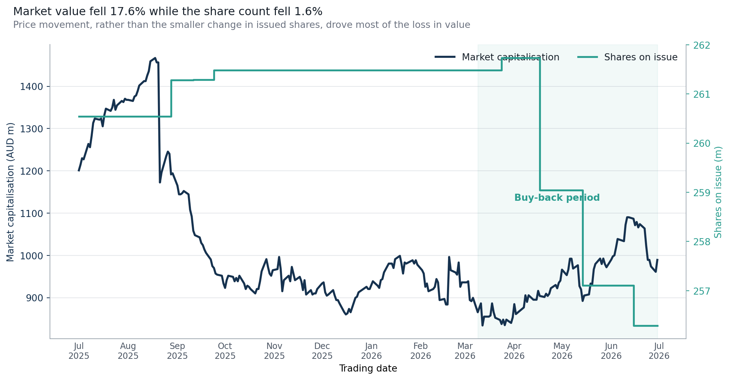
Editable indexed capital comparison
 | Series 1
Item 1 | 0

Formula-linked support data (editable; scroll right for native Excel chart)
Date | Market Cap ($m) | Shares on Issue | Close Index | Shares Index | Market Cap Index
2025-07-01 | $1,201.11 | 260,544,352 | 100.0 | 100.0 | 100.0
2025-07-02 | $1,214.14 | 260,544,352 | 101.1 | 100.0 | 101.1
2025-07-03 | $1,229.77 | 260,544,352 | 102.4 | 100.0 | 102.4
2025-07-04 | $1,227.16 | 260,544,352 | 102.2 | 100.0 | 102.2
2025-07-07 | $1,263.64 | 260,544,352 | 105.2 | 100.0 | 105.2
2025-07-08 | $1,255.82 | 260,544,352 | 104.6 | 100.0 | 104.6
2025-07-09 | $1,281.88 | 260,544,352 | 106.7 | 100.0 | 106.7
2025-07-10 | $1,313.14 | 260,544,352 | 109.3 | 100.0 | 109.3
2025-07-11 | $1,323.57 | 260,544,352 | 110.2 | 100.0 | 110.2
2025-07-14 | $1,320.96 | 260,544,352 | 110.0 | 100.0 | 110.0
2025-07-15 | $1,323.57 | 260,544,352 | 110.2 | 100.0 | 110.2
2025-07-16 | $1,305.33 | 260,544,352 | 108.7 | 100.0 | 108.7
2025-07-17 | $1,331.38 | 260,544,352 | 110.8 | 100.0 | 110.8
2025-07-18 | $1,347.01 | 260,544,352 | 112.1 | 100.0 | 112.1
2025-07-21 | $1,341.80 | 260,544,352 | 111.7 | 100.0 | 111.7
2025-07-22 | $1,349.62 | 260,544,352 | 112.4 | 100.0 | 112.4
2025-07-23 | $1,367.86 | 260,544,352 | 113.9 | 100.0 | 113.9
2025-07-24 | $1,344.41 | 260,544,352 | 111.9 | 100.0 | 111.9
2025-07-25 | $1,354.83 | 260,544,352 | 112.8 | 100.0 | 112.8
2025-07-28 | $1,365.25 | 260,544,352 | 113.7 | 100.0 | 113.7
2025-07-29 | $1,362.65 | 260,544,352 | 113.4 | 100.0 | 113.4
2025-07-30 | $1,370.46 | 260,544,352 | 114.1 | 100.0 | 114.1
2025-07-31 | $1,367.86 | 260,544,352 | 113.9 | 100.0 | 113.9
2025-08-01 | $1,367.86 | 260,544,352 | 113.9 | 100.0 | 113.9
2025-08-04 | $1,365.25 | 260,544,352 | 113.7 | 100.0 | 113.7
2025-08-05 | $1,375.67 | 260,544,352 | 114.5 | 100.0 | 114.5
2025-08-06 | $1,378.28 | 260,544,352 | 114.8 | 100.0 | 114.8
2025-08-07 | $1,388.70 | 260,544,352 | 115.6 | 100.0 | 115.6
2025-08-08 | $1,401.73 | 260,544,352 | 116.7 | 100.0 | 116.7
2025-08-11 | $1,412.15 | 260,544,352 | 117.6 | 100.0 | 117.6
2025-08-12 | $1,412.15 | 260,544,352 | 117.6 | 100.0 | 117.6
2025-08-13 | $1,425.18 | 260,544,352 | 118.7 | 100.0 | 118.7
2025-08-14 | $1,435.60 | 260,544,352 | 119.5 | 100.0 | 119.5
2025-08-15 | $1,459.05 | 260,544,352 | 121.5 | 100.0 | 121.5
2025-08-18 | $1,466.86 | 260,544,352 | 122.1 | 100.0 | 122.1
2025-08-19 | $1,456.44 | 260,544,352 | 121.3 | 100.0 | 121.3
2025-08-20 | $1,456.44 | 260,544,352 | 121.3 | 100.0 | 121.3
2025-08-21 | $1,172.45 | 260,544,352 | 97.6 | 100.0 | 97.6
2025-08-22 | $1,195.90 | 260,544,352 | 99.6 | 100.0 | 99.6
2025-08-25 | $1,234.98 | 260,544,352 | 102.8 | 100.0 | 102.8
2025-08-26 | $1,245.40 | 260,544,352 | 103.7 | 100.0 | 103.7
2025-08-27 | $1,240.19 | 260,544,352 | 103.3 | 100.0 | 103.3
2025-08-28 | $1,191.43 | 261,279,326 | 98.9 | 100.3 | 99.2
2025-08-29 | $1,194.05 | 261,279,326 | 99.1 | 100.3 | 99.4
2025-09-01 | $1,165.31 | 261,279,326 | 96.7 | 100.3 | 97.0
2025-09-02 | $1,144.40 | 261,279,326 | 95.0 | 100.3 | 95.3
2025-09-03 | $1,144.40 | 261,279,326 | 95.0 | 100.3 | 95.3
2025-09-04 | $1,147.02 | 261,279,326 | 95.2 | 100.3 | 95.5
2025-09-05 | $1,152.24 | 261,279,326 | 95.7 | 100.3 | 95.9
2025-09-08 | $1,144.40 | 261,279,326 | 95.0 | 100.3 | 95.3
2025-09-09 | $1,107.82 | 261,279,326 | 92.0 | 100.3 | 92.2
2025-09-10 | $1,092.15 | 261,279,326 | 90.7 | 100.3 | 90.9
2025-09-11 | $1,058.22 | 261,288,160 | 87.9 | 100.3 | 88.1
2025-09-12 | $1,047.77 | 261,288,160 | 87.0 | 100.3 | 87.2
2025-09-15 | $1,042.54 | 261,288,160 | 86.6 | 100.3 | 86.8
2025-09-16 | $1,029.48 | 261,288,160 | 85.5 | 100.3 | 85.7
2025-09-17 | $1,024.25 | 261,288,160 | 85.0 | 100.3 | 85.3
2025-09-18 | $1,013.80 | 261,288,160 | 84.2 | 100.3 | 84.4
2025-09-19 | $1,005.96 | 261,288,160 | 83.5 | 100.3 | 83.8
2025-09-22 | $990.28 | 261,288,160 | 82.2 | 100.3 | 82.4
2025-09-23 | $974.60 | 261,288,160 | 80.9 | 100.3 | 81.1
2025-09-24 | $970.09 | 261,480,659 | 80.5 | 100.4 | 80.8
2025-09-25 | $957.02 | 261,480,659 | 79.4 | 100.4 | 79.7
2025-09-26 | $954.40 | 261,480,659 | 79.2 | 100.4 | 79.5
2025-09-29 | $951.79 | 261,480,659 | 79.0 | 100.4 | 79.2
2025-09-30 | $933.49 | 261,480,659 | 77.4 | 100.4 | 77.7
2025-10-01 | $923.03 | 261,480,659 | 76.6 | 100.4 | 76.8
2025-10-02 | $941.33 | 261,480,659 | 78.1 | 100.4 | 78.4
2025-10-03 | $951.79 | 261,480,659 | 79.0 | 100.4 | 79.2
2025-10-06 | $949.17 | 261,480,659 | 78.7 | 100.4 | 79.0
2025-10-07 | $938.72 | 261,480,659 | 77.9 | 100.4 | 78.2
2025-10-08 | $946.56 | 261,480,659 | 78.5 | 100.4 | 78.8
2025-10-09 | $938.72 | 261,480,659 | 77.9 | 100.4 | 78.2
2025-10-10 | $951.79 | 261,480,659 | 79.0 | 100.4 | 79.2
2025-10-13 | $933.49 | 261,480,659 | 77.4 | 100.4 | 77.7
2025-10-14 | $920.41 | 261,480,659 | 76.4 | 100.4 | 76.6
2025-10-15 | $928.26 | 261,480,659 | 77.0 | 100.4 | 77.3
2025-10-16 | $925.64 | 261,480,659 | 76.8 | 100.4 | 77.1
2025-10-17 | $920.41 | 261,480,659 | 76.4 | 100.4 | 76.6
2025-10-20 | $909.95 | 261,480,659 | 75.5 | 100.4 | 75.8
2025-10-21 | $920.41 | 261,480,659 | 76.4 | 100.4 | 76.6
2025-10-22 | $920.41 | 261,480,659 | 76.4 | 100.4 | 76.6
2025-10-23 | $938.72 | 261,480,659 | 77.9 | 100.4 | 78.2
2025-10-24 | $962.25 | 261,480,659 | 79.8 | 100.4 | 80.1
2025-10-27 | $991.01 | 261,480,659 | 82.2 | 100.4 | 82.5
2025-10-28 | $972.71 | 261,480,659 | 80.7 | 100.4 | 81.0
2025-10-29 | $957.02 | 261,480,659 | 79.4 | 100.4 | 79.7
2025-10-30 | $951.79 | 261,480,659 | 79.0 | 100.4 | 79.2
2025-10-31 | $964.86 | 261,480,659 | 80.0 | 100.4 | 80.3
2025-11-03 | $967.48 | 261,480,659 | 80.3 | 100.4 | 80.5
2025-11-04 | $996.24 | 261,480,659 | 82.6 | 100.4 | 82.9
2025-11-05 | $967.48 | 261,480,659 | 80.3 | 100.4 | 80.5
2025-11-06 | $915.18 | 261,480,659 | 75.9 | 100.4 | 76.2
2025-11-07 | $941.33 | 261,480,659 | 78.1 | 100.4 | 78.4
2025-11-10 | $951.79 | 261,480,659 | 79.0 | 100.4 | 79.2
2025-11-11 | $938.72 | 261,480,659 | 77.9 | 100.4 | 78.2
2025-11-12 | $972.71 | 261,480,659 | 80.7 | 100.4 | 81.0
2025-11-13 | $957.02 | 261,480,659 | 79.4 | 100.4 | 79.7
2025-11-14 | $941.33 | 261,480,659 | 78.1 | 100.4 | 78.4
2025-11-17 | $949.17 | 261,480,659 | 78.7 | 100.4 | 79.0
2025-11-18 | $938.72 | 261,480,659 | 77.9 | 100.4 | 78.2
2025-11-19 | $917.80 | 261,480,659 | 76.1 | 100.4 | 76.4
2025-11-20 | $941.33 | 261,480,659 | 78.1 | 100.4 | 78.4
2025-11-21 | $907.34 | 261,480,659 | 75.3 | 100.4 | 75.5
2025-11-24 | $917.80 | 261,480,659 | 76.1 | 100.4 | 76.4
2025-11-25 | $907.34 | 261,480,659 | 75.3 | 100.4 | 75.5
2025-11-26 | $909.95 | 261,480,659 | 75.5 | 100.4 | 75.8
2025-11-27 | $909.95 | 261,480,659 | 75.5 | 100.4 | 75.8
2025-11-28 | $920.41 | 261,480,659 | 76.4 | 100.4 | 76.6
2025-12-01 | $933.49 | 261,480,659 | 77.4 | 100.4 | 77.7
2025-12-02 | $936.10 | 261,480,659 | 77.7 | 100.4 | 77.9
2025-12-03 | $912.57 | 261,480,659 | 75.7 | 100.4 | 76.0
2025-12-04 | $904.72 | 261,480,659 | 75.1 | 100.4 | 75.3
2025-12-05 | $907.34 | 261,480,659 | 75.3 | 100.4 | 75.5
2025-12-08 | $917.80 | 261,480,659 | 76.1 | 100.4 | 76.4
2025-12-09 | $904.72 | 261,480,659 | 75.1 | 100.4 | 75.3
2025-12-10 | $894.26 | 261,480,659 | 74.2 | 100.4 | 74.5
2025-12-11 | $894.26 | 261,480,659 | 74.2 | 100.4 | 74.5
2025-12-12 | $886.42 | 261,480,659 | 73.5 | 100.4 | 73.8
2025-12-15 | $865.50 | 261,480,659 | 71.8 | 100.4 | 72.1
2025-12-16 | $860.27 | 261,480,659 | 71.4 | 100.4 | 71.6
2025-12-17 | $862.89 | 261,480,659 | 71.6 | 100.4 | 71.8
2025-12-18 | $873.35 | 261,480,659 | 72.5 | 100.4 | 72.7
2025-12-19 | $865.50 | 261,480,659 | 71.8 | 100.4 | 72.1
2025-12-22 | $899.49 | 261,480,659 | 74.6 | 100.4 | 74.9
2025-12-23 | $902.11 | 261,480,659 | 74.8 | 100.4 | 75.1
2025-12-24 | $912.57 | 261,480,659 | 75.7 | 100.4 | 76.0
2025-12-29 | $925.64 | 261,480,659 | 76.8 | 100.4 | 77.1
2025-12-30 | $920.41 | 261,480,659 | 76.4 | 100.4 | 76.6
2025-12-31 | $920.41 | 261,480,659 | 76.4 | 100.4 | 76.6
2026-01-02 | $938.72 | 261,480,659 | 77.9 | 100.4 | 78.2
2026-01-05 | $928.26 | 261,480,659 | 77.0 | 100.4 | 77.3
2026-01-06 | $923.03 | 261,480,659 | 76.6 | 100.4 | 76.8
2026-01-07 | $941.33 | 261,480,659 | 78.1 | 100.4 | 78.4
2026-01-08 | $943.95 | 261,480,659 | 78.3 | 100.4 | 78.6
2026-01-09 | $959.63 | 261,480,659 | 79.6 | 100.4 | 79.9
2026-01-12 | $980.55 | 261,480,659 | 81.3 | 100.4 | 81.6
2026-01-13 | $980.55 | 261,480,659 | 81.3 | 100.4 | 81.6
2026-01-14 | $980.55 | 261,480,659 | 81.3 | 100.4 | 81.6
2026-01-15 | $970.09 | 261,480,659 | 80.5 | 100.4 | 80.8
2026-01-16 | $991.01 | 261,480,659 | 82.2 | 100.4 | 82.5
2026-01-19 | $998.86 | 261,480,659 | 82.9 | 100.4 | 83.2
2026-01-20 | $980.55 | 261,480,659 | 81.3 | 100.4 | 81.6
2026-01-21 | $957.02 | 261,480,659 | 79.4 | 100.4 | 79.7
2026-01-22 | $983.17 | 261,480,659 | 81.6 | 100.4 | 81.9
2026-01-23 | $980.55 | 261,480,659 | 81.3 | 100.4 | 81.6
2026-01-27 | $988.40 | 261,480,659 | 82.0 | 100.4 | 82.3
2026-01-28 | $980.55 | 261,480,659 | 81.3 | 100.4 | 81.6
2026-01-29 | $988.40 | 261,480,659 | 82.0 | 100.4 | 82.3
2026-01-30 | $977.94 | 261,480,659 | 81.1 | 100.4 | 81.4
2026-02-02 | $964.86 | 261,480,659 | 80.0 | 100.4 | 80.3
2026-02-03 | $957.02 | 261,480,659 | 79.4 | 100.4 | 79.7
2026-02-04 | $925.64 | 261,480,659 | 76.8 | 100.4 | 77.1
2026-02-05 | $933.49 | 261,480,659 | 77.4 | 100.4 | 77.7
2026-02-06 | $915.18 | 261,480,659 | 75.9 | 100.4 | 76.2
2026-02-09 | $920.41 | 261,480,659 | 76.4 | 100.4 | 76.6
2026-02-10 | $925.64 | 261,480,659 | 76.8 | 100.4 | 77.1
2026-02-11 | $943.95 | 261,480,659 | 78.3 | 100.4 | 78.6
2026-02-12 | $936.10 | 261,480,659 | 77.7 | 100.4 | 77.9
2026-02-13 | $894.26 | 261,480,659 | 74.2 | 100.4 | 74.5
2026-02-16 | $896.88 | 261,480,659 | 74.4 | 100.4 | 74.7
2026-02-17 | $883.80 | 261,480,659 | 73.3 | 100.4 | 73.6
2026-02-18 | $883.80 | 261,480,659 | 73.3 | 100.4 | 73.6
2026-02-19 | $996.24 | 261,480,659 | 82.6 | 100.4 | 82.9
2026-02-20 | $964.86 | 261,480,659 | 80.0 | 100.4 | 80.3
2026-02-23 | $959.63 | 261,480,659 | 79.6 | 100.4 | 79.9
2026-02-24 | $954.40 | 261,480,659 | 79.2 | 100.4 | 79.5
2026-02-25 | $983.17 | 261,480,659 | 81.6 | 100.4 | 81.9
2026-02-26 | $925.64 | 261,480,659 | 76.8 | 100.4 | 77.1
2026-02-27 | $936.10 | 261,480,659 | 77.7 | 100.4 | 77.9
2026-03-02 | $936.10 | 261,480,659 | 77.7 | 100.4 | 77.9
2026-03-03 | $938.72 | 261,480,659 | 77.9 | 100.4 | 78.2
2026-03-04 | $894.26 | 261,480,659 | 74.2 | 100.4 | 74.5
2026-03-05 | $891.65 | 261,480,659 | 74.0 | 100.4 | 74.2
2026-03-06 | $899.49 | 261,480,659 | 74.6 | 100.4 | 74.9
2026-03-09 | $865.50 | 261,480,659 | 71.8 | 100.4 | 72.1
2026-03-10 | $875.96 | 261,480,659 | 72.7 | 100.4 | 72.9
2026-03-11 | $886.42 | 261,480,659 | 73.5 | 100.4 | 73.8
2026-03-12 | $834.12 | 261,480,659 | 69.2 | 100.4 | 69.4
2026-03-13 | $855.04 | 261,480,659 | 70.9 | 100.4 | 71.2
2026-03-16 | $855.04 | 261,480,659 | 70.9 | 100.4 | 71.2
2026-03-17 | $857.66 | 261,480,659 | 71.1 | 100.4 | 71.4
2026-03-18 | $886.42 | 261,480,659 | 73.5 | 100.4 | 73.8
2026-03-19 | $865.50 | 261,480,659 | 71.8 | 100.4 | 72.1
2026-03-20 | $852.43 | 261,480,659 | 70.7 | 100.4 | 71.0
2026-03-23 | $847.20 | 261,480,659 | 70.3 | 100.4 | 70.5
2026-03-24 | $837.54 | 261,729,709 | 69.4 | 100.5 | 69.7
2026-03-25 | $848.00 | 261,729,709 | 70.3 | 100.5 | 70.6
2026-03-26 | $834.92 | 261,729,709 | 69.2 | 100.5 | 69.5
2026-03-27 | $848.00 | 261,729,709 | 70.3 | 100.5 | 70.6
2026-03-30 | $840.15 | 261,729,709 | 69.6 | 100.5 | 69.9
2026-03-31 | $853.24 | 261,729,709 | 70.7 | 100.5 | 71.0
2026-04-01 | $884.65 | 261,729,709 | 73.3 | 100.5 | 73.7
2026-04-02 | $861.09 | 261,729,709 | 71.4 | 100.5 | 71.7
2026-04-07 | $876.79 | 261,729,709 | 72.7 | 100.5 | 73.0
2026-04-08 | $905.58 | 261,729,709 | 75.1 | 100.5 | 75.4
2026-04-09 | $889.88 | 261,729,709 | 73.8 | 100.5 | 74.1
2026-04-10 | $905.58 | 261,729,709 | 75.1 | 100.5 | 75.4
2026-04-13 | $895.12 | 261,729,709 | 74.2 | 100.5 | 74.5
2026-04-14 | $895.12 | 261,729,709 | 74.2 | 100.5 | 74.5
2026-04-15 | $895.12 | 261,729,709 | 74.2 | 100.5 | 74.5
2026-04-16 | $916.05 | 261,729,709 | 75.9 | 100.5 | 76.3
2026-04-17 | $904.05 | 259,040,928 | 75.7 | 99.4 | 75.3
2026-04-20 | $901.46 | 259,040,928 | 75.5 | 99.4 | 75.1
2026-04-21 | $909.23 | 259,040,928 | 76.1 | 99.4 | 75.7
2026-04-22 | $904.05 | 259,040,928 | 75.7 | 99.4 | 75.3
2026-04-23 | $909.23 | 259,040,928 | 76.1 | 99.4 | 75.7
2026-04-24 | $922.19 | 259,040,928 | 77.2 | 99.4 | 76.8
2026-04-27 | $929.96 | 259,040,928 | 77.9 | 99.4 | 77.4
2026-04-28 | $922.19 | 259,040,928 | 77.2 | 99.4 | 76.8
2026-04-29 | $935.14 | 259,040,928 | 78.3 | 99.4 | 77.9
2026-04-30 | $940.32 | 259,040,928 | 78.7 | 99.4 | 78.3
2026-05-01 | $966.22 | 259,040,928 | 80.9 | 99.4 | 80.4
2026-05-04 | $953.27 | 259,040,928 | 79.8 | 99.4 | 79.4
2026-05-05 | $966.22 | 259,040,928 | 80.9 | 99.4 | 80.4
2026-05-06 | $992.13 | 259,040,928 | 83.1 | 99.4 | 82.6
2026-05-07 | $992.13 | 259,040,928 | 83.1 | 99.4 | 82.6
2026-05-08 | $968.81 | 259,040,928 | 81.1 | 99.4 | 80.7
2026-05-11 | $976.58 | 259,040,928 | 81.8 | 99.4 | 81.3
2026-05-12 | $927.37 | 259,040,928 | 77.7 | 99.4 | 77.2
2026-05-13 | $919.60 | 259,040,928 | 77.0 | 99.4 | 76.6
2026-05-14 | $892.17 | 257,108,828 | 75.3 | 98.7 | 74.3
2026-05-15 | $905.02 | 257,108,828 | 76.4 | 98.7 | 75.3
2026-05-18 | $907.59 | 257,108,828 | 76.6 | 98.7 | 75.6
2026-05-19 | $933.31 | 257,108,828 | 78.7 | 98.7 | 77.7
2026-05-20 | $930.73 | 257,108,828 | 78.5 | 98.7 | 77.5
2026-05-21 | $966.73 | 257,108,828 | 81.6 | 98.7 | 80.5
2026-05-22 | $979.58 | 257,108,828 | 82.6 | 98.7 | 81.6
2026-05-25 | $992.44 | 257,108,828 | 83.7 | 98.7 | 82.6
2026-05-26 | $979.58 | 257,108,828 | 82.6 | 98.7 | 81.6
2026-05-27 | $992.44 | 257,108,828 | 83.7 | 98.7 | 82.6
2026-05-28 | $979.58 | 257,108,828 | 82.6 | 98.7 | 81.6
2026-05-29 | $971.87 | 257,108,828 | 82.0 | 98.7 | 80.9
2026-06-01 | $989.87 | 257,108,828 | 83.5 | 98.7 | 82.4
2026-06-02 | $997.58 | 257,108,828 | 84.2 | 98.7 | 83.1
2026-06-03 | $1,000.15 | 257,108,828 | 84.4 | 98.7 | 83.3
2026-06-04 | $1,018.15 | 257,108,828 | 85.9 | 98.7 | 84.8
2026-06-05 | $1,038.72 | 257,108,828 | 87.6 | 98.7 | 86.5
2026-06-09 | $1,033.58 | 257,108,828 | 87.2 | 98.7 | 86.1
2026-06-10 | $1,072.14 | 257,108,828 | 90.5 | 98.7 | 89.3
2026-06-11 | $1,090.14 | 257,108,828 | 92.0 | 98.7 | 90.8
2026-06-12 | $1,090.14 | 257,108,828 | 92.0 | 98.7 | 90.8
2026-06-15 | $1,086.68 | 256,293,158 | 92.0 | 98.4 | 90.5
2026-06-16 | $1,071.31 | 256,293,158 | 90.7 | 98.4 | 89.2
2026-06-17 | $1,078.99 | 256,293,158 | 91.3 | 98.4 | 89.8
2026-06-18 | $1,066.18 | 256,293,158 | 90.2 | 98.4 | 88.8
2026-06-19 | $1,073.87 | 256,293,158 | 90.9 | 98.4 | 89.4
2026-06-22 | $1,063.62 | 256,293,158 | 90.0 | 98.4 | 88.6
2026-06-23 | $1,022.61 | 256,293,158 | 86.6 | 98.4 | 85.1
2026-06-24 | $989.29 | 256,293,158 | 83.7 | 98.4 | 82.4
2026-06-25 | $989.29 | 256,293,158 | 83.7 | 98.4 | 82.4
2026-06-26 | $973.91 | 256,293,158 | 82.4 | 98.4 | 81.1
2026-06-29 | $961.10 | 256,293,158 | 81.3 | 98.4 | 80.0
2026-06-30 | $989.29 | 256,293,158 | 83.7 | 98.4 | 82.4

Dividend Yield
Dividend Yield | income partly cushioned the price decline
Event yield uses the close on each supplied ex-date; trailing yield uses the supplied 24 Jul 2026 reference price

FY26 DIVIDENDS |  |  | REFERENCE PRICE |  |  | TRAILING YIELD | REFERENCE DATE
$0.385 |  |  | $4.01 |  |  | 9.6% | 2026-07-24

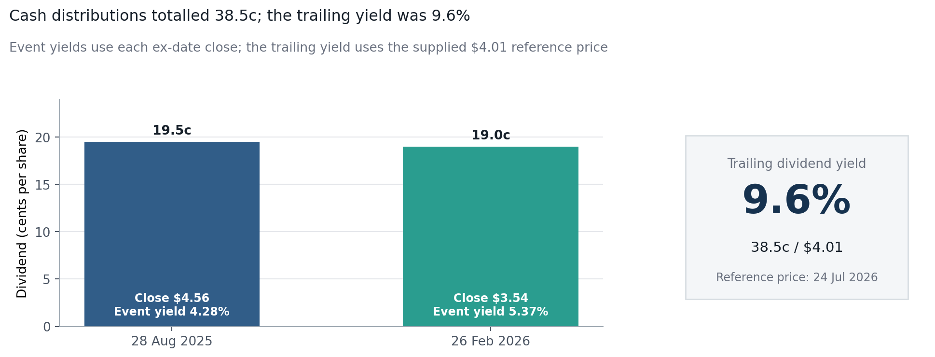
Editable ex-date dividend yields
 | Series 1
Item 1 | 0

Formula-linked support data (editable; scroll right for native Excel chart)
Ex Date | Dividend per Share | Close on Ex-Date | Event Yield | Cumulative Dividend | Trailing Yield at $4.01
2025-08-28 | $0.195 | $4.76 | 4.1% | $0.195 | 4.9%
2026-02-26 | $0.190 | $3.76 | 5.1% | $0.385 | 9.6%

PE Snapshot
P/E Snapshot | valuation evidence is a single observation
The dataset supplies one post-period P/E reading, so it is presented honestly as a snapshot rather than invented as a time series

P/E |  |  | PRICE |  | IMPLIED EPS | EARNINGS YIELD
12.4x |  |  | $4.01 |  | $0.323 | 8.1%

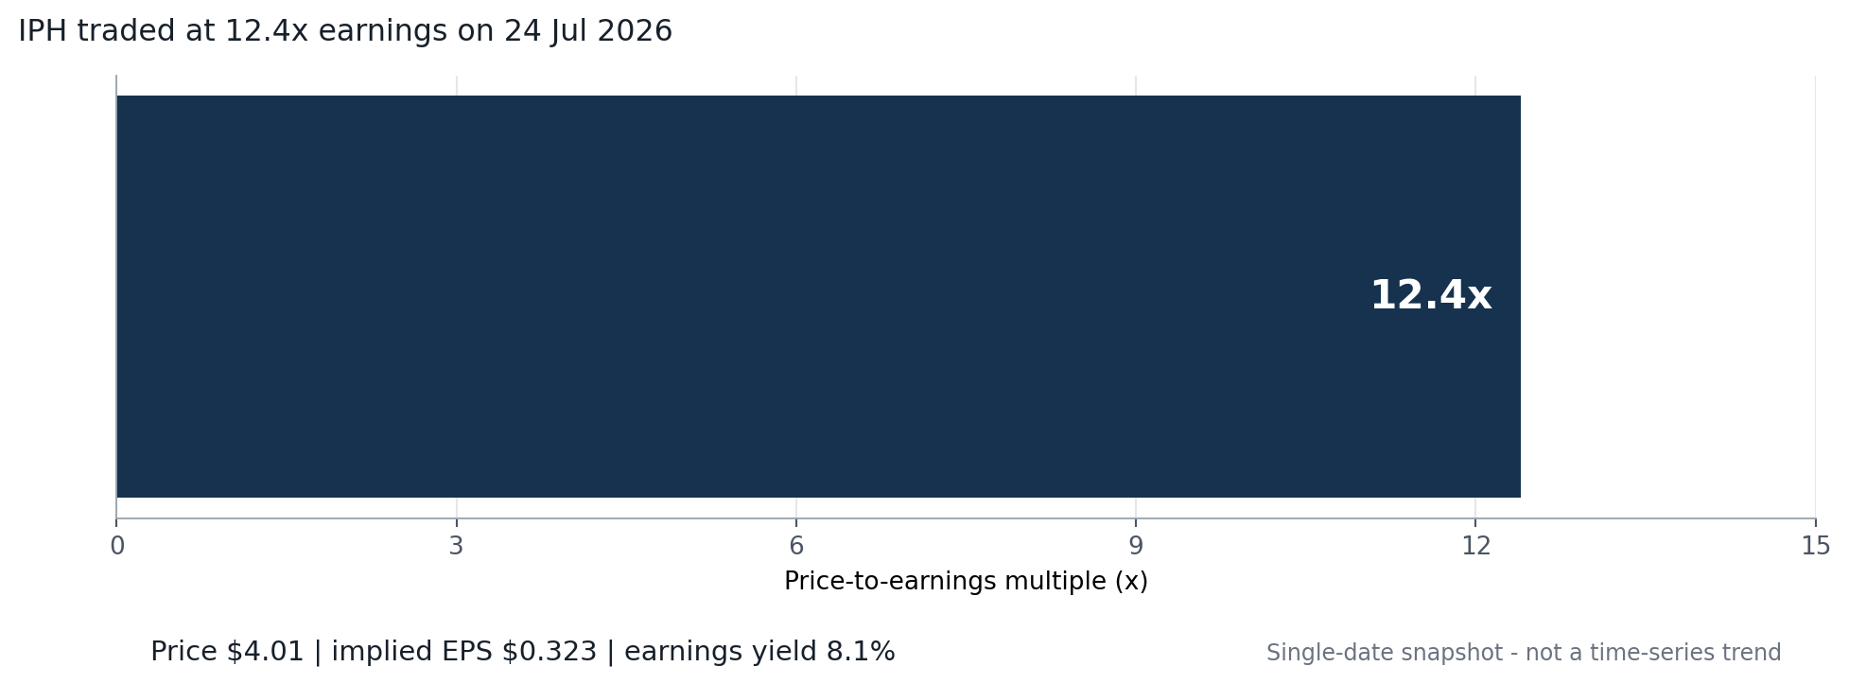
Editable P/E snapshot
 | Series 1
Item 1 | 0

Formula-linked support data (editable; scroll right for native Excel chart)
Observation Date | Price | P/E | Implied EPS | Earnings Yield
2026-07-24 | $4.01 | 12.4x | $0.323 | 8.1%

Yearly Portfolio
Yearly Portfolio | dividends reduced, but did not erase, the loss
A $1,000 investment buys whole shares on 1 Jul 2025 and holds them through 30 Jun 2026; residual cash and dividends remain in cash

SHARES BOUGHT |  |  | RESIDUAL CASH |  |  | DIVIDEND INCOME |  |  | FINAL VALUE / RETURN
216 |  |  | $4.24 |  |  | $83.16 |  |  | $921.16

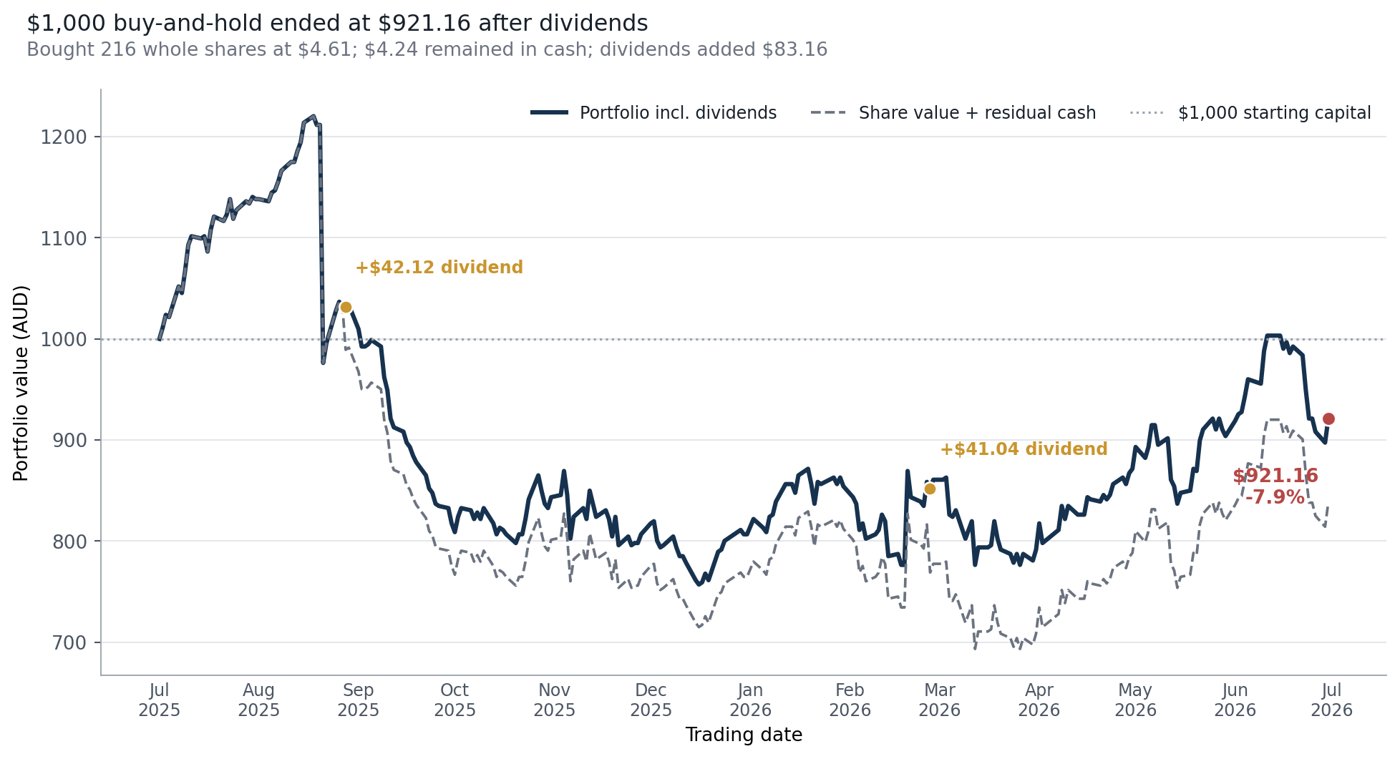
Editable total-return portfolio
 | Series 1
Item 1 | 0

Formula-linked support data (editable; scroll right for native Excel chart)
Date | Close | Dividend per Share | Shares Held | Residual Cash | Share Value | Cumulative Dividends | Portfolio Value | Return
2025-07-01 | $4.610 | $0.000 | 216 | $4.24 | $995.76 | $0.00 | $1,000.00 | 0.0%
2025-07-02 | $4.660 | $0.000 | 216 | $4.24 | $1,006.56 | $0.00 | $1,010.80 | 1.1%
2025-07-03 | $4.720 | $0.000 | 216 | $4.24 | $1,019.52 | $0.00 | $1,023.76 | 2.4%
2025-07-04 | $4.710 | $0.000 | 216 | $4.24 | $1,017.36 | $0.00 | $1,021.60 | 2.2%
2025-07-07 | $4.850 | $0.000 | 216 | $4.24 | $1,047.60 | $0.00 | $1,051.84 | 5.2%
2025-07-08 | $4.820 | $0.000 | 216 | $4.24 | $1,041.12 | $0.00 | $1,045.36 | 4.5%
2025-07-09 | $4.920 | $0.000 | 216 | $4.24 | $1,062.72 | $0.00 | $1,066.96 | 6.7%
2025-07-10 | $5.040 | $0.000 | 216 | $4.24 | $1,088.64 | $0.00 | $1,092.88 | 9.3%
2025-07-11 | $5.080 | $0.000 | 216 | $4.24 | $1,097.28 | $0.00 | $1,101.52 | 10.2%
2025-07-14 | $5.070 | $0.000 | 216 | $4.24 | $1,095.12 | $0.00 | $1,099.36 | 9.9%
2025-07-15 | $5.080 | $0.000 | 216 | $4.24 | $1,097.28 | $0.00 | $1,101.52 | 10.2%
2025-07-16 | $5.010 | $0.000 | 216 | $4.24 | $1,082.16 | $0.00 | $1,086.40 | 8.6%
2025-07-17 | $5.110 | $0.000 | 216 | $4.24 | $1,103.76 | $0.00 | $1,108.00 | 10.8%
2025-07-18 | $5.170 | $0.000 | 216 | $4.24 | $1,116.72 | $0.00 | $1,120.96 | 12.1%
2025-07-21 | $5.150 | $0.000 | 216 | $4.24 | $1,112.40 | $0.00 | $1,116.64 | 11.7%
2025-07-22 | $5.180 | $0.000 | 216 | $4.24 | $1,118.88 | $0.00 | $1,123.12 | 12.3%
2025-07-23 | $5.250 | $0.000 | 216 | $4.24 | $1,134.00 | $0.00 | $1,138.24 | 13.8%
2025-07-24 | $5.160 | $0.000 | 216 | $4.24 | $1,114.56 | $0.00 | $1,118.80 | 11.9%
2025-07-25 | $5.200 | $0.000 | 216 | $4.24 | $1,123.20 | $0.00 | $1,127.44 | 12.7%
2025-07-28 | $5.240 | $0.000 | 216 | $4.24 | $1,131.84 | $0.00 | $1,136.08 | 13.6%
2025-07-29 | $5.230 | $0.000 | 216 | $4.24 | $1,129.68 | $0.00 | $1,133.92 | 13.4%
2025-07-30 | $5.260 | $0.000 | 216 | $4.24 | $1,136.16 | $0.00 | $1,140.40 | 14.0%
2025-07-31 | $5.250 | $0.000 | 216 | $4.24 | $1,134.00 | $0.00 | $1,138.24 | 13.8%
2025-08-01 | $5.250 | $0.000 | 216 | $4.24 | $1,134.00 | $0.00 | $1,138.24 | 13.8%
2025-08-04 | $5.240 | $0.000 | 216 | $4.24 | $1,131.84 | $0.00 | $1,136.08 | 13.6%
2025-08-05 | $5.280 | $0.000 | 216 | $4.24 | $1,140.48 | $0.00 | $1,144.72 | 14.5%
2025-08-06 | $5.290 | $0.000 | 216 | $4.24 | $1,142.64 | $0.00 | $1,146.88 | 14.7%
2025-08-07 | $5.330 | $0.000 | 216 | $4.24 | $1,151.28 | $0.00 | $1,155.52 | 15.6%
2025-08-08 | $5.380 | $0.000 | 216 | $4.24 | $1,162.08 | $0.00 | $1,166.32 | 16.6%
2025-08-11 | $5.420 | $0.000 | 216 | $4.24 | $1,170.72 | $0.00 | $1,174.96 | 17.5%
2025-08-12 | $5.420 | $0.000 | 216 | $4.24 | $1,170.72 | $0.00 | $1,174.96 | 17.5%
2025-08-13 | $5.470 | $0.000 | 216 | $4.24 | $1,181.52 | $0.00 | $1,185.76 | 18.6%
2025-08-14 | $5.510 | $0.000 | 216 | $4.24 | $1,190.16 | $0.00 | $1,194.40 | 19.4%
2025-08-15 | $5.600 | $0.000 | 216 | $4.24 | $1,209.60 | $0.00 | $1,213.84 | 21.4%
2025-08-18 | $5.630 | $0.000 | 216 | $4.24 | $1,216.08 | $0.00 | $1,220.32 | 22.0%
2025-08-19 | $5.590 | $0.000 | 216 | $4.24 | $1,207.44 | $0.00 | $1,211.68 | 21.2%
2025-08-20 | $5.590 | $0.000 | 216 | $4.24 | $1,207.44 | $0.00 | $1,211.68 | 21.2%
2025-08-21 | $4.500 | $0.000 | 216 | $4.24 | $972.00 | $0.00 | $976.24 | -2.4%
2025-08-22 | $4.590 | $0.000 | 216 | $4.24 | $991.44 | $0.00 | $995.68 | -0.4%
2025-08-25 | $4.740 | $0.000 | 216 | $4.24 | $1,023.84 | $0.00 | $1,028.08 | 2.8%
2025-08-26 | $4.780 | $0.000 | 216 | $4.24 | $1,032.48 | $0.00 | $1,036.72 | 3.7%
2025-08-27 | $4.760 | $0.000 | 216 | $4.24 | $1,028.16 | $0.00 | $1,032.40 | 3.2%
2025-08-28 | $4.560 | $0.195 | 216 | $4.24 | $984.96 | $42.12 | $1,031.32 | 3.1%
2025-08-29 | $4.570 | $0.000 | 216 | $4.24 | $987.12 | $42.12 | $1,033.48 | 3.3%
2025-09-01 | $4.460 | $0.000 | 216 | $4.24 | $963.36 | $42.12 | $1,009.72 | 1.0%
2025-09-02 | $4.380 | $0.000 | 216 | $4.24 | $946.08 | $42.12 | $992.44 | -0.8%
2025-09-03 | $4.380 | $0.000 | 216 | $4.24 | $946.08 | $42.12 | $992.44 | -0.8%
2025-09-04 | $4.390 | $0.000 | 216 | $4.24 | $948.24 | $42.12 | $994.60 | -0.5%
2025-09-05 | $4.410 | $0.000 | 216 | $4.24 | $952.56 | $42.12 | $998.92 | -0.1%
2025-09-08 | $4.380 | $0.000 | 216 | $4.24 | $946.08 | $42.12 | $992.44 | -0.8%
2025-09-09 | $4.240 | $0.000 | 216 | $4.24 | $915.84 | $42.12 | $962.20 | -3.8%
2025-09-10 | $4.180 | $0.000 | 216 | $4.24 | $902.88 | $42.12 | $949.24 | -5.1%
2025-09-11 | $4.050 | $0.000 | 216 | $4.24 | $874.80 | $42.12 | $921.16 | -7.9%
2025-09-12 | $4.010 | $0.000 | 216 | $4.24 | $866.16 | $42.12 | $912.52 | -8.7%
2025-09-15 | $3.990 | $0.000 | 216 | $4.24 | $861.84 | $42.12 | $908.20 | -9.2%
2025-09-16 | $3.940 | $0.000 | 216 | $4.24 | $851.04 | $42.12 | $897.40 | -10.3%
2025-09-17 | $3.920 | $0.000 | 216 | $4.24 | $846.72 | $42.12 | $893.08 | -10.7%
2025-09-18 | $3.880 | $0.000 | 216 | $4.24 | $838.08 | $42.12 | $884.44 | -11.6%
2025-09-19 | $3.850 | $0.000 | 216 | $4.24 | $831.60 | $42.12 | $877.96 | -12.2%
2025-09-22 | $3.790 | $0.000 | 216 | $4.24 | $818.64 | $42.12 | $865.00 | -13.5%
2025-09-23 | $3.730 | $0.000 | 216 | $4.24 | $805.68 | $42.12 | $852.04 | -14.8%
2025-09-24 | $3.710 | $0.000 | 216 | $4.24 | $801.36 | $42.12 | $847.72 | -15.2%
2025-09-25 | $3.660 | $0.000 | 216 | $4.24 | $790.56 | $42.12 | $836.92 | -16.3%
2025-09-26 | $3.650 | $0.000 | 216 | $4.24 | $788.40 | $42.12 | $834.76 | -16.5%
2025-09-29 | $3.640 | $0.000 | 216 | $4.24 | $786.24 | $42.12 | $832.60 | -16.7%
2025-09-30 | $3.570 | $0.000 | 216 | $4.24 | $771.12 | $42.12 | $817.48 | -18.3%
2025-10-01 | $3.530 | $0.000 | 216 | $4.24 | $762.48 | $42.12 | $808.84 | -19.1%
2025-10-02 | $3.600 | $0.000 | 216 | $4.24 | $777.60 | $42.12 | $823.96 | -17.6%
2025-10-03 | $3.640 | $0.000 | 216 | $4.24 | $786.24 | $42.12 | $832.60 | -16.7%
2025-10-06 | $3.630 | $0.000 | 216 | $4.24 | $784.08 | $42.12 | $830.44 | -17.0%
2025-10-07 | $3.590 | $0.000 | 216 | $4.24 | $775.44 | $42.12 | $821.80 | -17.8%
2025-10-08 | $3.620 | $0.000 | 216 | $4.24 | $781.92 | $42.12 | $828.28 | -17.2%
2025-10-09 | $3.590 | $0.000 | 216 | $4.24 | $775.44 | $42.12 | $821.80 | -17.8%
2025-10-10 | $3.640 | $0.000 | 216 | $4.24 | $786.24 | $42.12 | $832.60 | -16.7%
2025-10-13 | $3.570 | $0.000 | 216 | $4.24 | $771.12 | $42.12 | $817.48 | -18.3%
2025-10-14 | $3.520 | $0.000 | 216 | $4.24 | $760.32 | $42.12 | $806.68 | -19.3%
2025-10-15 | $3.550 | $0.000 | 216 | $4.24 | $766.80 | $42.12 | $813.16 | -18.7%
2025-10-16 | $3.540 | $0.000 | 216 | $4.24 | $764.64 | $42.12 | $811.00 | -18.9%
2025-10-17 | $3.520 | $0.000 | 216 | $4.24 | $760.32 | $42.12 | $806.68 | -19.3%
2025-10-20 | $3.480 | $0.000 | 216 | $4.24 | $751.68 | $42.12 | $798.04 | -20.2%
2025-10-21 | $3.520 | $0.000 | 216 | $4.24 | $760.32 | $42.12 | $806.68 | -19.3%
2025-10-22 | $3.520 | $0.000 | 216 | $4.24 | $760.32 | $42.12 | $806.68 | -19.3%
2025-10-23 | $3.590 | $0.000 | 216 | $4.24 | $775.44 | $42.12 | $821.80 | -17.8%
2025-10-24 | $3.680 | $0.000 | 216 | $4.24 | $794.88 | $42.12 | $841.24 | -15.9%
2025-10-27 | $3.790 | $0.000 | 216 | $4.24 | $818.64 | $42.12 | $865.00 | -13.5%
2025-10-28 | $3.720 | $0.000 | 216 | $4.24 | $803.52 | $42.12 | $849.88 | -15.0%
2025-10-29 | $3.660 | $0.000 | 216 | $4.24 | $790.56 | $42.12 | $836.92 | -16.3%
2025-10-30 | $3.640 | $0.000 | 216 | $4.24 | $786.24 | $42.12 | $832.60 | -16.7%
2025-10-31 | $3.690 | $0.000 | 216 | $4.24 | $797.04 | $42.12 | $843.40 | -15.7%
2025-11-03 | $3.700 | $0.000 | 216 | $4.24 | $799.20 | $42.12 | $845.56 | -15.4%
2025-11-04 | $3.810 | $0.000 | 216 | $4.24 | $822.96 | $42.12 | $869.32 | -13.1%
2025-11-05 | $3.700 | $0.000 | 216 | $4.24 | $799.20 | $42.12 | $845.56 | -15.4%
2025-11-06 | $3.500 | $0.000 | 216 | $4.24 | $756.00 | $42.12 | $802.36 | -19.8%
2025-11-07 | $3.600 | $0.000 | 216 | $4.24 | $777.60 | $42.12 | $823.96 | -17.6%
2025-11-10 | $3.640 | $0.000 | 216 | $4.24 | $786.24 | $42.12 | $832.60 | -16.7%
2025-11-11 | $3.590 | $0.000 | 216 | $4.24 | $775.44 | $42.12 | $821.80 | -17.8%
2025-11-12 | $3.720 | $0.000 | 216 | $4.24 | $803.52 | $42.12 | $849.88 | -15.0%
2025-11-13 | $3.660 | $0.000 | 216 | $4.24 | $790.56 | $42.12 | $836.92 | -16.3%
2025-11-14 | $3.600 | $0.000 | 216 | $4.24 | $777.60 | $42.12 | $823.96 | -17.6%
2025-11-17 | $3.630 | $0.000 | 216 | $4.24 | $784.08 | $42.12 | $830.44 | -17.0%
2025-11-18 | $3.590 | $0.000 | 216 | $4.24 | $775.44 | $42.12 | $821.80 | -17.8%
2025-11-19 | $3.510 | $0.000 | 216 | $4.24 | $758.16 | $42.12 | $804.52 | -19.5%
2025-11-20 | $3.600 | $0.000 | 216 | $4.24 | $777.60 | $42.12 | $823.96 | -17.6%
2025-11-21 | $3.470 | $0.000 | 216 | $4.24 | $749.52 | $42.12 | $795.88 | -20.4%
2025-11-24 | $3.510 | $0.000 | 216 | $4.24 | $758.16 | $42.12 | $804.52 | -19.5%
2025-11-25 | $3.470 | $0.000 | 216 | $4.24 | $749.52 | $42.12 | $795.88 | -20.4%
2025-11-26 | $3.480 | $0.000 | 216 | $4.24 | $751.68 | $42.12 | $798.04 | -20.2%
2025-11-27 | $3.480 | $0.000 | 216 | $4.24 | $751.68 | $42.12 | $798.04 | -20.2%
2025-11-28 | $3.520 | $0.000 | 216 | $4.24 | $760.32 | $42.12 | $806.68 | -19.3%
2025-12-01 | $3.570 | $0.000 | 216 | $4.24 | $771.12 | $42.12 | $817.48 | -18.3%
2025-12-02 | $3.580 | $0.000 | 216 | $4.24 | $773.28 | $42.12 | $819.64 | -18.0%
2025-12-03 | $3.490 | $0.000 | 216 | $4.24 | $753.84 | $42.12 | $800.20 | -20.0%
2025-12-04 | $3.460 | $0.000 | 216 | $4.24 | $747.36 | $42.12 | $793.72 | -20.6%
2025-12-05 | $3.470 | $0.000 | 216 | $4.24 | $749.52 | $42.12 | $795.88 | -20.4%
2025-12-08 | $3.510 | $0.000 | 216 | $4.24 | $758.16 | $42.12 | $804.52 | -19.5%
2025-12-09 | $3.460 | $0.000 | 216 | $4.24 | $747.36 | $42.12 | $793.72 | -20.6%
2025-12-10 | $3.420 | $0.000 | 216 | $4.24 | $738.72 | $42.12 | $785.08 | -21.5%
2025-12-11 | $3.420 | $0.000 | 216 | $4.24 | $738.72 | $42.12 | $785.08 | -21.5%
2025-12-12 | $3.390 | $0.000 | 216 | $4.24 | $732.24 | $42.12 | $778.60 | -22.1%
2025-12-15 | $3.310 | $0.000 | 216 | $4.24 | $714.96 | $42.12 | $761.32 | -23.9%
2025-12-16 | $3.290 | $0.000 | 216 | $4.24 | $710.64 | $42.12 | $757.00 | -24.3%
2025-12-17 | $3.300 | $0.000 | 216 | $4.24 | $712.80 | $42.12 | $759.16 | -24.1%
2025-12-18 | $3.340 | $0.000 | 216 | $4.24 | $721.44 | $42.12 | $767.80 | -23.2%
2025-12-19 | $3.310 | $0.000 | 216 | $4.24 | $714.96 | $42.12 | $761.32 | -23.9%
2025-12-22 | $3.440 | $0.000 | 216 | $4.24 | $743.04 | $42.12 | $789.40 | -21.1%
2025-12-23 | $3.450 | $0.000 | 216 | $4.24 | $745.20 | $42.12 | $791.56 | -20.8%
2025-12-24 | $3.490 | $0.000 | 216 | $4.24 | $753.84 | $42.12 | $800.20 | -20.0%
2025-12-29 | $3.540 | $0.000 | 216 | $4.24 | $764.64 | $42.12 | $811.00 | -18.9%
2025-12-30 | $3.520 | $0.000 | 216 | $4.24 | $760.32 | $42.12 | $806.68 | -19.3%
2025-12-31 | $3.520 | $0.000 | 216 | $4.24 | $760.32 | $42.12 | $806.68 | -19.3%
2026-01-02 | $3.590 | $0.000 | 216 | $4.24 | $775.44 | $42.12 | $821.80 | -17.8%
2026-01-05 | $3.550 | $0.000 | 216 | $4.24 | $766.80 | $42.12 | $813.16 | -18.7%
2026-01-06 | $3.530 | $0.000 | 216 | $4.24 | $762.48 | $42.12 | $808.84 | -19.1%
2026-01-07 | $3.600 | $0.000 | 216 | $4.24 | $777.60 | $42.12 | $823.96 | -17.6%
2026-01-08 | $3.610 | $0.000 | 216 | $4.24 | $779.76 | $42.12 | $826.12 | -17.4%
2026-01-09 | $3.670 | $0.000 | 216 | $4.24 | $792.72 | $42.12 | $839.08 | -16.1%
2026-01-12 | $3.750 | $0.000 | 216 | $4.24 | $810.00 | $42.12 | $856.36 | -14.4%
2026-01-13 | $3.750 | $0.000 | 216 | $4.24 | $810.00 | $42.12 | $856.36 | -14.4%
2026-01-14 | $3.750 | $0.000 | 216 | $4.24 | $810.00 | $42.12 | $856.36 | -14.4%
2026-01-15 | $3.710 | $0.000 | 216 | $4.24 | $801.36 | $42.12 | $847.72 | -15.2%
2026-01-16 | $3.790 | $0.000 | 216 | $4.24 | $818.64 | $42.12 | $865.00 | -13.5%
2026-01-19 | $3.820 | $0.000 | 216 | $4.24 | $825.12 | $42.12 | $871.48 | -12.9%
2026-01-20 | $3.750 | $0.000 | 216 | $4.24 | $810.00 | $42.12 | $856.36 | -14.4%
2026-01-21 | $3.660 | $0.000 | 216 | $4.24 | $790.56 | $42.12 | $836.92 | -16.3%
2026-01-22 | $3.760 | $0.000 | 216 | $4.24 | $812.16 | $42.12 | $858.52 | -14.1%
2026-01-23 | $3.750 | $0.000 | 216 | $4.24 | $810.00 | $42.12 | $856.36 | -14.4%
2026-01-27 | $3.780 | $0.000 | 216 | $4.24 | $816.48 | $42.12 | $862.84 | -13.7%
2026-01-28 | $3.750 | $0.000 | 216 | $4.24 | $810.00 | $42.12 | $856.36 | -14.4%
2026-01-29 | $3.780 | $0.000 | 216 | $4.24 | $816.48 | $42.12 | $862.84 | -13.7%
2026-01-30 | $3.740 | $0.000 | 216 | $4.24 | $807.84 | $42.12 | $854.20 | -14.6%
2026-02-02 | $3.690 | $0.000 | 216 | $4.24 | $797.04 | $42.12 | $843.40 | -15.7%
2026-02-03 | $3.660 | $0.000 | 216 | $4.24 | $790.56 | $42.12 | $836.92 | -16.3%
2026-02-04 | $3.540 | $0.000 | 216 | $4.24 | $764.64 | $42.12 | $811.00 | -18.9%
2026-02-05 | $3.570 | $0.000 | 216 | $4.24 | $771.12 | $42.12 | $817.48 | -18.3%
2026-02-06 | $3.500 | $0.000 | 216 | $4.24 | $756.00 | $42.12 | $802.36 | -19.8%
2026-02-09 | $3.520 | $0.000 | 216 | $4.24 | $760.32 | $42.12 | $806.68 | -19.3%
2026-02-10 | $3.540 | $0.000 | 216 | $4.24 | $764.64 | $42.12 | $811.00 | -18.9%
2026-02-11 | $3.610 | $0.000 | 216 | $4.24 | $779.76 | $42.12 | $826.12 | -17.4%
2026-02-12 | $3.580 | $0.000 | 216 | $4.24 | $773.28 | $42.12 | $819.64 | -18.0%
2026-02-13 | $3.420 | $0.000 | 216 | $4.24 | $738.72 | $42.12 | $785.08 | -21.5%
2026-02-16 | $3.430 | $0.000 | 216 | $4.24 | $740.88 | $42.12 | $787.24 | -21.3%
2026-02-17 | $3.380 | $0.000 | 216 | $4.24 | $730.08 | $42.12 | $776.44 | -22.4%
2026-02-18 | $3.380 | $0.000 | 216 | $4.24 | $730.08 | $42.12 | $776.44 | -22.4%
2026-02-19 | $3.810 | $0.000 | 216 | $4.24 | $822.96 | $42.12 | $869.32 | -13.1%
2026-02-20 | $3.690 | $0.000 | 216 | $4.24 | $797.04 | $42.12 | $843.40 | -15.7%
2026-02-23 | $3.670 | $0.000 | 216 | $4.24 | $792.72 | $42.12 | $839.08 | -16.1%
2026-02-24 | $3.650 | $0.000 | 216 | $4.24 | $788.40 | $42.12 | $834.76 | -16.5%
2026-02-25 | $3.760 | $0.000 | 216 | $4.24 | $812.16 | $42.12 | $858.52 | -14.1%
2026-02-26 | $3.540 | $0.190 | 216 | $4.24 | $764.64 | $83.16 | $852.04 | -14.8%
2026-02-27 | $3.580 | $0.000 | 216 | $4.24 | $773.28 | $83.16 | $860.68 | -13.9%
2026-03-02 | $3.580 | $0.000 | 216 | $4.24 | $773.28 | $83.16 | $860.68 | -13.9%
2026-03-03 | $3.590 | $0.000 | 216 | $4.24 | $775.44 | $83.16 | $862.84 | -13.7%
2026-03-04 | $3.420 | $0.000 | 216 | $4.24 | $738.72 | $83.16 | $826.12 | -17.4%
2026-03-05 | $3.410 | $0.000 | 216 | $4.24 | $736.56 | $83.16 | $823.96 | -17.6%
2026-03-06 | $3.440 | $0.000 | 216 | $4.24 | $743.04 | $83.16 | $830.44 | -17.0%
2026-03-09 | $3.310 | $0.000 | 216 | $4.24 | $714.96 | $83.16 | $802.36 | -19.8%
2026-03-10 | $3.350 | $0.000 | 216 | $4.24 | $723.60 | $83.16 | $811.00 | -18.9%
2026-03-11 | $3.390 | $0.000 | 216 | $4.24 | $732.24 | $83.16 | $819.64 | -18.0%
2026-03-12 | $3.190 | $0.000 | 216 | $4.24 | $689.04 | $83.16 | $776.44 | -22.4%
2026-03-13 | $3.270 | $0.000 | 216 | $4.24 | $706.32 | $83.16 | $793.72 | -20.6%
2026-03-16 | $3.270 | $0.000 | 216 | $4.24 | $706.32 | $83.16 | $793.72 | -20.6%
2026-03-17 | $3.280 | $0.000 | 216 | $4.24 | $708.48 | $83.16 | $795.88 | -20.4%
2026-03-18 | $3.390 | $0.000 | 216 | $4.24 | $732.24 | $83.16 | $819.64 | -18.0%
2026-03-19 | $3.310 | $0.000 | 216 | $4.24 | $714.96 | $83.16 | $802.36 | -19.8%
2026-03-20 | $3.260 | $0.000 | 216 | $4.24 | $704.16 | $83.16 | $791.56 | -20.8%
2026-03-23 | $3.240 | $0.000 | 216 | $4.24 | $699.84 | $83.16 | $787.24 | -21.3%
2026-03-24 | $3.200 | $0.000 | 216 | $4.24 | $691.20 | $83.16 | $778.60 | -22.1%
2026-03-25 | $3.240 | $0.000 | 216 | $4.24 | $699.84 | $83.16 | $787.24 | -21.3%
2026-03-26 | $3.190 | $0.000 | 216 | $4.24 | $689.04 | $83.16 | $776.44 | -22.4%
2026-03-27 | $3.240 | $0.000 | 216 | $4.24 | $699.84 | $83.16 | $787.24 | -21.3%
2026-03-30 | $3.210 | $0.000 | 216 | $4.24 | $693.36 | $83.16 | $780.76 | -21.9%
2026-03-31 | $3.260 | $0.000 | 216 | $4.24 | $704.16 | $83.16 | $791.56 | -20.8%
2026-04-01 | $3.380 | $0.000 | 216 | $4.24 | $730.08 | $83.16 | $817.48 | -18.3%
2026-04-02 | $3.290 | $0.000 | 216 | $4.24 | $710.64 | $83.16 | $798.04 | -20.2%
2026-04-07 | $3.350 | $0.000 | 216 | $4.24 | $723.60 | $83.16 | $811.00 | -18.9%
2026-04-08 | $3.460 | $0.000 | 216 | $4.24 | $747.36 | $83.16 | $834.76 | -16.5%
2026-04-09 | $3.400 | $0.000 | 216 | $4.24 | $734.40 | $83.16 | $821.80 | -17.8%
2026-04-10 | $3.460 | $0.000 | 216 | $4.24 | $747.36 | $83.16 | $834.76 | -16.5%
2026-04-13 | $3.420 | $0.000 | 216 | $4.24 | $738.72 | $83.16 | $826.12 | -17.4%
2026-04-14 | $3.420 | $0.000 | 216 | $4.24 | $738.72 | $83.16 | $826.12 | -17.4%
2026-04-15 | $3.420 | $0.000 | 216 | $4.24 | $738.72 | $83.16 | $826.12 | -17.4%
2026-04-16 | $3.500 | $0.000 | 216 | $4.24 | $756.00 | $83.16 | $843.40 | -15.7%
2026-04-17 | $3.490 | $0.000 | 216 | $4.24 | $753.84 | $83.16 | $841.24 | -15.9%
2026-04-20 | $3.480 | $0.000 | 216 | $4.24 | $751.68 | $83.16 | $839.08 | -16.1%
2026-04-21 | $3.510 | $0.000 | 216 | $4.24 | $758.16 | $83.16 | $845.56 | -15.4%
2026-04-22 | $3.490 | $0.000 | 216 | $4.24 | $753.84 | $83.16 | $841.24 | -15.9%
2026-04-23 | $3.510 | $0.000 | 216 | $4.24 | $758.16 | $83.16 | $845.56 | -15.4%
2026-04-24 | $3.560 | $0.000 | 216 | $4.24 | $768.96 | $83.16 | $856.36 | -14.4%
2026-04-27 | $3.590 | $0.000 | 216 | $4.24 | $775.44 | $83.16 | $862.84 | -13.7%
2026-04-28 | $3.560 | $0.000 | 216 | $4.24 | $768.96 | $83.16 | $856.36 | -14.4%
2026-04-29 | $3.610 | $0.000 | 216 | $4.24 | $779.76 | $83.16 | $867.16 | -13.3%
2026-04-30 | $3.630 | $0.000 | 216 | $4.24 | $784.08 | $83.16 | $871.48 | -12.9%
2026-05-01 | $3.730 | $0.000 | 216 | $4.24 | $805.68 | $83.16 | $893.08 | -10.7%
2026-05-04 | $3.680 | $0.000 | 216 | $4.24 | $794.88 | $83.16 | $882.28 | -11.8%
2026-05-05 | $3.730 | $0.000 | 216 | $4.24 | $805.68 | $83.16 | $893.08 | -10.7%
2026-05-06 | $3.830 | $0.000 | 216 | $4.24 | $827.28 | $83.16 | $914.68 | -8.5%
2026-05-07 | $3.830 | $0.000 | 216 | $4.24 | $827.28 | $83.16 | $914.68 | -8.5%
2026-05-08 | $3.740 | $0.000 | 216 | $4.24 | $807.84 | $83.16 | $895.24 | -10.5%
2026-05-11 | $3.770 | $0.000 | 216 | $4.24 | $814.32 | $83.16 | $901.72 | -9.8%
2026-05-12 | $3.580 | $0.000 | 216 | $4.24 | $773.28 | $83.16 | $860.68 | -13.9%
2026-05-13 | $3.550 | $0.000 | 216 | $4.24 | $766.80 | $83.16 | $854.20 | -14.6%
2026-05-14 | $3.470 | $0.000 | 216 | $4.24 | $749.52 | $83.16 | $836.92 | -16.3%
2026-05-15 | $3.520 | $0.000 | 216 | $4.24 | $760.32 | $83.16 | $847.72 | -15.2%
2026-05-18 | $3.530 | $0.000 | 216 | $4.24 | $762.48 | $83.16 | $849.88 | -15.0%
2026-05-19 | $3.630 | $0.000 | 216 | $4.24 | $784.08 | $83.16 | $871.48 | -12.9%
2026-05-20 | $3.620 | $0.000 | 216 | $4.24 | $781.92 | $83.16 | $869.32 | -13.1%
2026-05-21 | $3.760 | $0.000 | 216 | $4.24 | $812.16 | $83.16 | $899.56 | -10.0%
2026-05-22 | $3.810 | $0.000 | 216 | $4.24 | $822.96 | $83.16 | $910.36 | -9.0%
2026-05-25 | $3.860 | $0.000 | 216 | $4.24 | $833.76 | $83.16 | $921.16 | -7.9%
2026-05-26 | $3.810 | $0.000 | 216 | $4.24 | $822.96 | $83.16 | $910.36 | -9.0%
2026-05-27 | $3.860 | $0.000 | 216 | $4.24 | $833.76 | $83.16 | $921.16 | -7.9%
2026-05-28 | $3.810 | $0.000 | 216 | $4.24 | $822.96 | $83.16 | $910.36 | -9.0%
2026-05-29 | $3.780 | $0.000 | 216 | $4.24 | $816.48 | $83.16 | $903.88 | -9.6%
2026-06-01 | $3.850 | $0.000 | 216 | $4.24 | $831.60 | $83.16 | $919.00 | -8.1%
2026-06-02 | $3.880 | $0.000 | 216 | $4.24 | $838.08 | $83.16 | $925.48 | -7.5%
2026-06-03 | $3.890 | $0.000 | 216 | $4.24 | $840.24 | $83.16 | $927.64 | -7.2%
2026-06-04 | $3.960 | $0.000 | 216 | $4.24 | $855.36 | $83.16 | $942.76 | -5.7%
2026-06-05 | $4.040 | $0.000 | 216 | $4.24 | $872.64 | $83.16 | $960.04 | -4.0%
2026-06-09 | $4.020 | $0.000 | 216 | $4.24 | $868.32 | $83.16 | $955.72 | -4.4%
2026-06-10 | $4.170 | $0.000 | 216 | $4.24 | $900.72 | $83.16 | $988.12 | -1.2%
2026-06-11 | $4.240 | $0.000 | 216 | $4.24 | $915.84 | $83.16 | $1,003.24 | 0.3%
2026-06-12 | $4.240 | $0.000 | 216 | $4.24 | $915.84 | $83.16 | $1,003.24 | 0.3%
2026-06-15 | $4.240 | $0.000 | 216 | $4.24 | $915.84 | $83.16 | $1,003.24 | 0.3%
2026-06-16 | $4.180 | $0.000 | 216 | $4.24 | $902.88 | $83.16 | $990.28 | -1.0%
2026-06-17 | $4.210 | $0.000 | 216 | $4.24 | $909.36 | $83.16 | $996.76 | -0.3%
2026-06-18 | $4.160 | $0.000 | 216 | $4.24 | $898.56 | $83.16 | $985.96 | -1.4%
2026-06-19 | $4.190 | $0.000 | 216 | $4.24 | $905.04 | $83.16 | $992.44 | -0.8%
2026-06-22 | $4.150 | $0.000 | 216 | $4.24 | $896.40 | $83.16 | $983.80 | -1.6%
2026-06-23 | $3.990 | $0.000 | 216 | $4.24 | $861.84 | $83.16 | $949.24 | -5.1%
2026-06-24 | $3.860 | $0.000 | 216 | $4.24 | $833.76 | $83.16 | $921.16 | -7.9%
2026-06-25 | $3.860 | $0.000 | 216 | $4.24 | $833.76 | $83.16 | $921.16 | -7.9%
2026-06-26 | $3.800 | $0.000 | 216 | $4.24 | $820.80 | $83.16 | $908.20 | -9.2%
2026-06-29 | $3.750 | $0.000 | 216 | $4.24 | $810.00 | $83.16 | $897.40 | -10.3%
2026-06-30 | $3.860 | $0.000 | 216 | $4.24 | $833.76 | $83.16 | $921.16 | -7.9%

Single Trade
Single Trade | best chronological closing-price opportunity
The optimisation buys before it sells, uses whole shares and preserves residual cash; the result is a hindsight upper-bound, not a forecast

BUY |  |  | SELL |  |  | SHARES | FINAL VALUE / RETURN
2026-03-12 |  |  | 2026-06-11 |  |  | 313 | $1,328.65

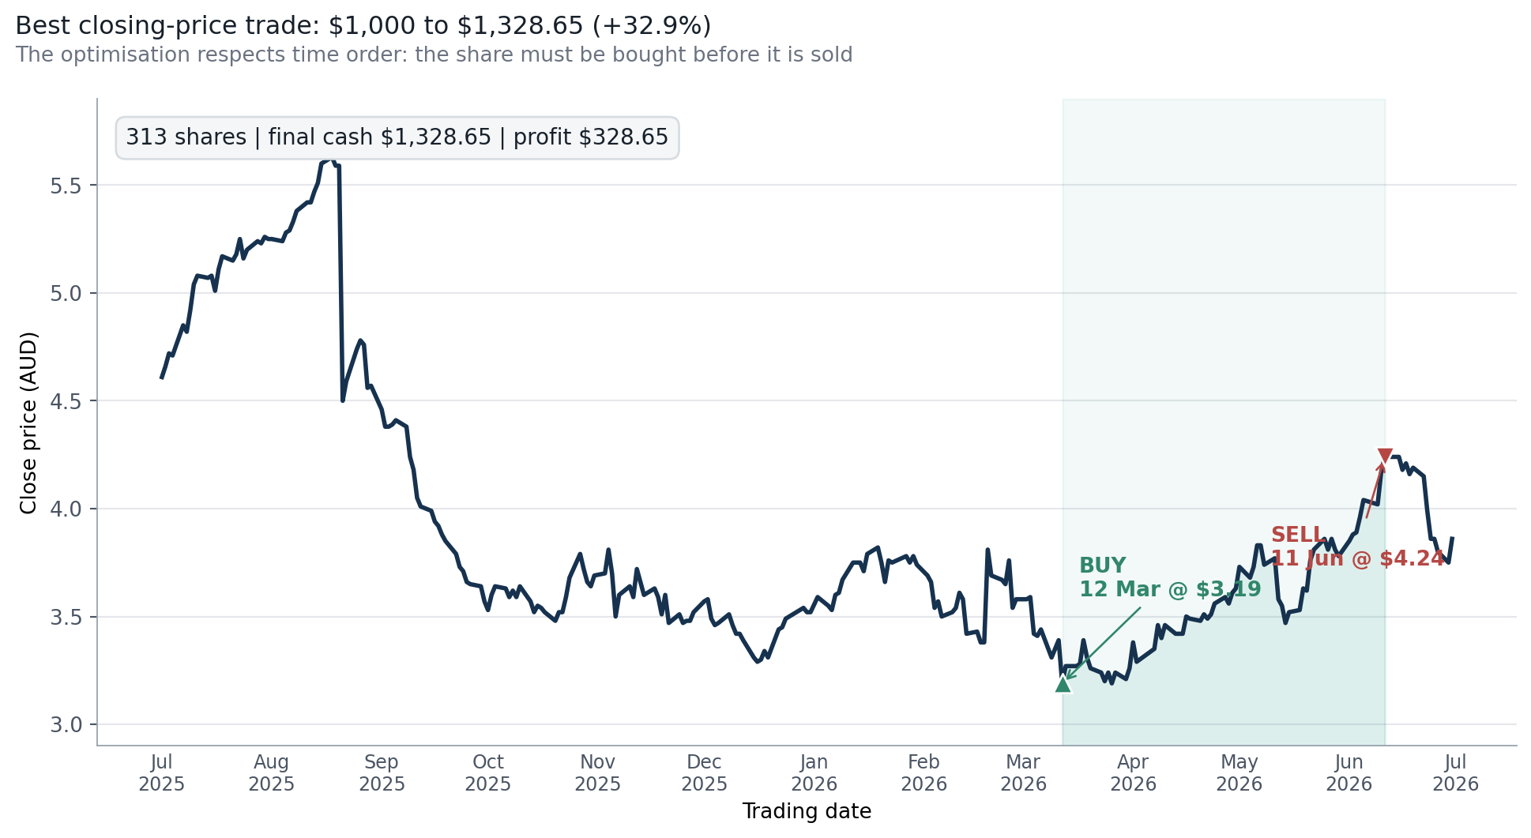
Editable closing-price series
 | Close
2025-07-01 | $4.610
2025-07-02 | $4.660
2025-07-03 | $4.720
2025-07-04 | $4.710
2025-07-07 | $4.850
2025-07-08 | $4.820
2025-07-09 | $4.920
2025-07-10 | $5.040
2025-07-11 | $5.080
2025-07-14 | $5.070
2025-07-15 | $5.080
2025-07-16 | $5.010
2025-07-17 | $5.110
2025-07-18 | $5.170
2025-07-21 | $5.150
2025-07-22 | $5.180
2025-07-23 | $5.250
2025-07-24 | $5.160
2025-07-25 | $5.200
2025-07-28 | $5.240
2025-07-29 | $5.230
2025-07-30 | $5.260
2025-07-31 | $5.250
2025-08-01 | $5.250
2025-08-04 | $5.240
2025-08-05 | $5.280
2025-08-06 | $5.290
2025-08-07 | $5.330
2025-08-08 | $5.380
2025-08-11 | $5.420
2025-08-12 | $5.420
2025-08-13 | $5.470
2025-08-14 | $5.510
2025-08-15 | $5.600
2025-08-18 | $5.630
2025-08-19 | $5.590
2025-08-20 | $5.590
2025-08-21 | $4.500
2025-08-22 | $4.590
2025-08-25 | $4.740
2025-08-26 | $4.780
2025-08-27 | $4.760
2025-08-28 | $4.560
2025-08-29 | $4.570
2025-09-01 | $4.460
2025-09-02 | $4.380
2025-09-03 | $4.380
2025-09-04 | $4.390
2025-09-05 | $4.410
2025-09-08 | $4.380
...

Formula-linked support data (editable; scroll right for native Excel chart)
Date | Close | Buy Marker | Sell Marker | In Trade | Strategy Value | Return on Capital
2025-07-01 | $4.610 |  |  | 0 | $1,000.00 | 0.0%
2025-07-02 | $4.660 |  |  | 0 | $1,000.00 | 0.0%
2025-07-03 | $4.720 |  |  | 0 | $1,000.00 | 0.0%
2025-07-04 | $4.710 |  |  | 0 | $1,000.00 | 0.0%
2025-07-07 | $4.850 |  |  | 0 | $1,000.00 | 0.0%
2025-07-08 | $4.820 |  |  | 0 | $1,000.00 | 0.0%
2025-07-09 | $4.920 |  |  | 0 | $1,000.00 | 0.0%
2025-07-10 | $5.040 |  |  | 0 | $1,000.00 | 0.0%
2025-07-11 | $5.080 |  |  | 0 | $1,000.00 | 0.0%
2025-07-14 | $5.070 |  |  | 0 | $1,000.00 | 0.0%
2025-07-15 | $5.080 |  |  | 0 | $1,000.00 | 0.0%
2025-07-16 | $5.010 |  |  | 0 | $1,000.00 | 0.0%
2025-07-17 | $5.110 |  |  | 0 | $1,000.00 | 0.0%
2025-07-18 | $5.170 |  |  | 0 | $1,000.00 | 0.0%
2025-07-21 | $5.150 |  |  | 0 | $1,000.00 | 0.0%
2025-07-22 | $5.180 |  |  | 0 | $1,000.00 | 0.0%
2025-07-23 | $5.250 |  |  | 0 | $1,000.00 | 0.0%
2025-07-24 | $5.160 |  |  | 0 | $1,000.00 | 0.0%
2025-07-25 | $5.200 |  |  | 0 | $1,000.00 | 0.0%
2025-07-28 | $5.240 |  |  | 0 | $1,000.00 | 0.0%
2025-07-29 | $5.230 |  |  | 0 | $1,000.00 | 0.0%
2025-07-30 | $5.260 |  |  | 0 | $1,000.00 | 0.0%
2025-07-31 | $5.250 |  |  | 0 | $1,000.00 | 0.0%
2025-08-01 | $5.250 |  |  | 0 | $1,000.00 | 0.0%
2025-08-04 | $5.240 |  |  | 0 | $1,000.00 | 0.0%
2025-08-05 | $5.280 |  |  | 0 | $1,000.00 | 0.0%
2025-08-06 | $5.290 |  |  | 0 | $1,000.00 | 0.0%
2025-08-07 | $5.330 |  |  | 0 | $1,000.00 | 0.0%
...

Multiple Trades
...
Final value: $2,392.80 | total return: 139.3% | seven qualifying trades | no fees, tax or slippage

Late-period comparison | Opening Cash | First Exit Value | Final Value | Finding
Hold 12 Mar to 11 Jun | $1,598.08 |  | $2,123.08 | Lower: misses the May pullbacks
12 Mar to 1 Apr; 2 Apr to 11 Jun | $1,598.08 | $1,693.08 | $2,181.38 | Improves on holding, but the first leg gains only 6.0%
Selected three late swings | $1,598.08 | $1,918.08 | $2,392.80 | Highest value under the material-swing rule

Why seven, not 66: unrestricted daily hindsight compounds every rise into 66 trades and $6,626.25. That result is rejected as non-credible. Each selected sale occurs at least five trading session gaps after purchase and follows a price increase of at least 10%. Dividends do not make a trade qualify.
Trade 4 check: the 19 Feb peak occurs after only two trading session gaps and is ineligible. The 25 Feb peak occurs after six gaps and gives an 11.2% price return. It also exits before the 26 Feb dividend. A 0.1% cost on each buy and sell reduces the simulated final value to about $2,360.43.

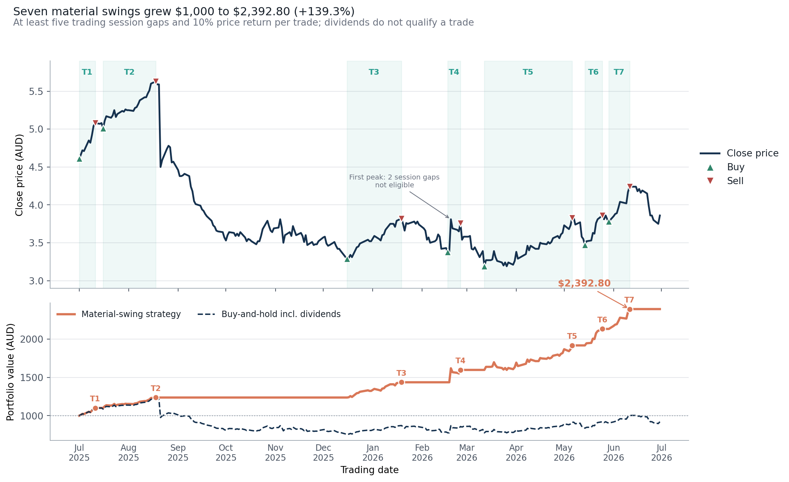
Editable strategy comparison
 | Series 1
Item 1 | 0

Date | Close | Material-Swing Strategy | Buy-and-Hold incl. Dividends
2025-07-01 | $4.610 | $1,000.00 | $1,000.00
2025-07-02 | $4.660 | $1,010.80 | $1,010.80
2025-07-03 | $4.720 | $1,023.76 | $1,023.76
2025-07-04 | $4.710 | $1,021.60 | $1,021.60
...

Trend & Risk
Trend & Risk | recovery did not remove the year's drawdown
Moving averages reduce daily noise; drawdown is measured from the running peak so the risk is visible on a comparable percentage scale

ANNUALISED VOLATILITY |  |  | MAX DRAWDOWN |  |  | SUSTAINED MA CROSS | END CLOSE
36.6% |  |  | -43.3% |  |  | 2026-04-27 | $3.86

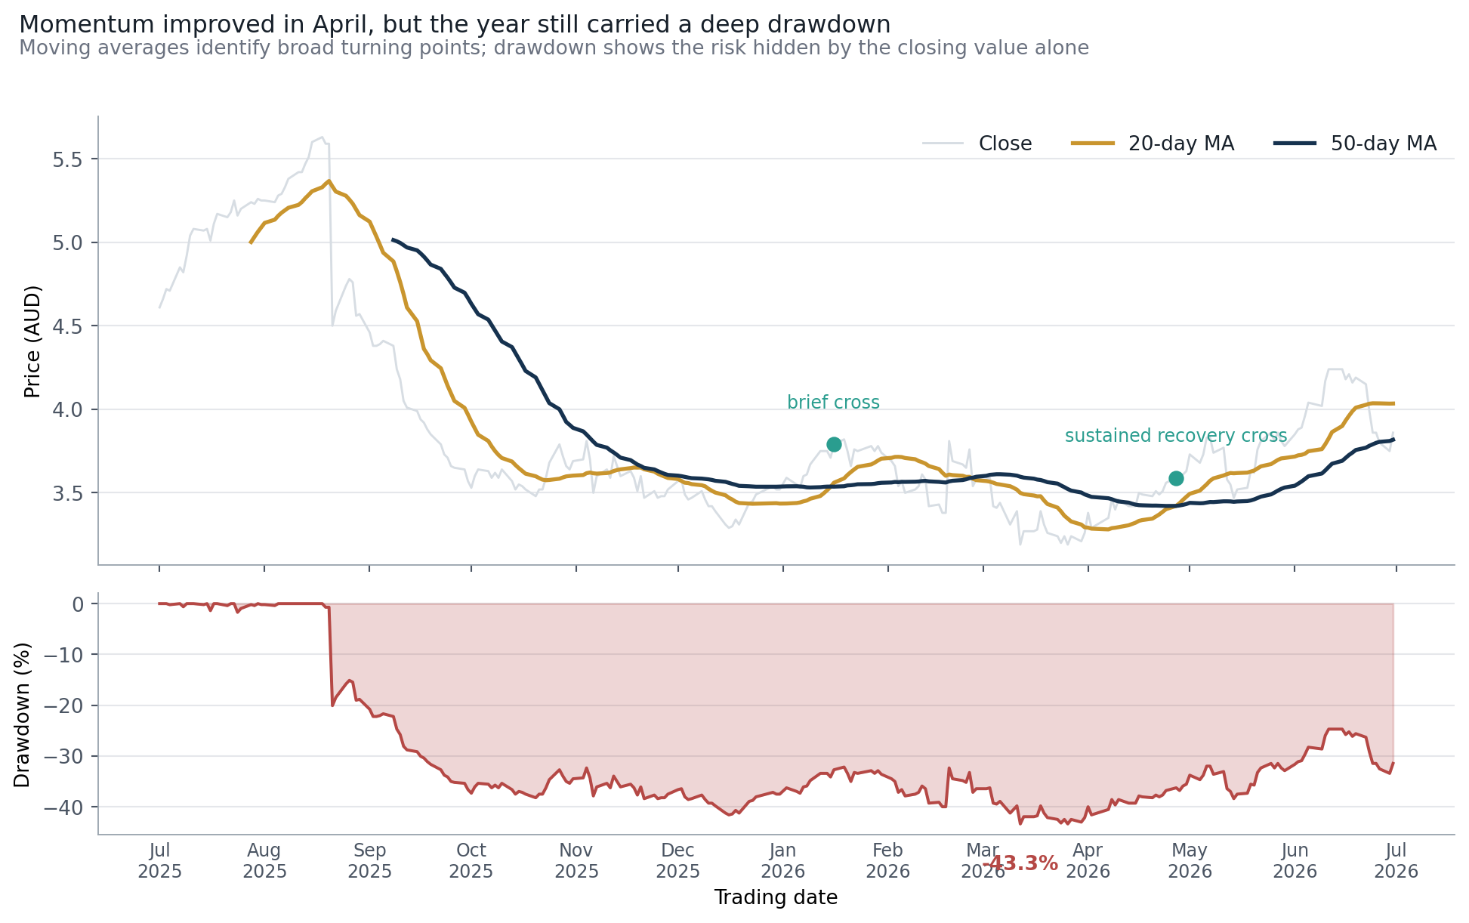
Editable moving-average trend
 | Close | MA20 | MA50
2025-07-01 | $4.610 | $0.000 | $0.000
2025-07-02 | $4.660 | $0.000 | $0.000
2025-07-03 | $4.720 | $0.000 | $0.000
2025-07-04 | $4.710 | $0.000 | $0.000
2025-07-07 | $4.850 | $0.000 | $0.000
2025-07-08 | $4.820 | $0.000 | $0.000
2025-07-09 | $4.920 | $0.000 | $0.000
2025-07-10 | $5.040 | $0.000 | $0.000
2025-07-11 | $5.080 | $0.000 | $0.000
2025-07-14 | $5.070 | $0.000 | $0.000
2025-07-15 | $5.080 | $0.000 | $0.000
2025-07-16 | $5.010 | $0.000 | $0.000
2025-07-17 | $5.110 | $0.000 | $0.000
2025-07-18 | $5.170 | $0.000 | $0.000
2025-07-21 | $5.150 | $0.000 | $0.000
2025-07-22 | $5.180 | $0.000 | $0.000
2025-07-23 | $5.250 | $0.000 | $0.000
2025-07-24 | $5.160 | $0.000 | $0.000
2025-07-25 | $5.200 | $0.000 | $0.000
2025-07-28 | $5.240 | $5.002 | $0.000
2025-07-29 | $5.230 | $5.033 | $0.000
2025-07-30 | $5.260 | $5.063 | $0.000
2025-07-31 | $5.250 | $5.089 | $0.000
2025-08-01 | $5.250 | $5.116 | $0.000
2025-08-04 | $5.240 | $5.135 | $0.000
2025-08-05 | $5.280 | $5.159 | $0.000
2025-08-06 | $5.290 | $5.177 | $0.000
2025-08-07 | $5.330 | $5.192 | $0.000
2025-08-08 | $5.380 | $5.207 | $0.000
2025-08-11 | $5.420 | $5.224 | $0.000
2025-08-12 | $5.420 | $5.241 | $0.000
2025-08-13 | $5.470 | $5.264 | $0.000
2025-08-14 | $5.510 | $5.284 | $0.000
2025-08-15 | $5.600 | $5.306 | $0.000
2025-08-18 | $5.630 | $5.330 | $0.000
2025-08-19 | $5.590 | $5.350 | $0.000
2025-08-20 | $5.590 | $5.367 | $0.000
2025-08-21 | $4.500 | $5.334 | $0.000
2025-08-22 | $4.590 | $5.304 | $0.000
2025-08-25 | $4.740 | $5.279 | $0.000
2025-08-26 | $4.780 | $5.256 | $0.000
2025-08-27 | $4.760 | $5.231 | $0.000
2025-08-28 | $4.560 | $5.197 | $0.000
2025-08-29 | $4.570 | $5.163 | $0.000
2025-09-01 | $4.460 | $5.124 | $0.000
2025-09-02 | $4.380 | $5.079 | $0.000
2025-09-03 | $4.380 | $5.033 | $0.000
2025-09-04 | $4.390 | $4.986 | $0.000
2025-09-05 | $4.410 | $4.938 | $0.000
2025-09-08 | $4.380 | $4.885 | $5.013
...

Formula-linked support data (editable; scroll right for native Excel chart)
Date | Close | MA20 | MA50 | Drawdown | Absolute Return
2025-07-01 | $4.610 |  |  | 0.0%
2025-07-02 | $4.660 |  |  | 0.0% | 1.1%
2025-07-03 | $4.720 |  |  | 0.0% | 1.3%
2025-07-04 | $4.710 |  |  | -0.2% | 0.2%
2025-07-07 | $4.850 |  |  | 0.0% | 3.0%
2025-07-08 | $4.820 |  |  | -0.6% | 0.6%
2025-07-09 | $4.920 |  |  | 0.0% | 2.1%
...

