Data Usage (Mandatory)
No. | Scope | Data Usage Description |  |  |  |  | App Screenshot (If Any) | Screenshots of Selected Data Scopes (App ID Also Required) | Remarks
 |  | Requirement | Scenario | Support for iOS | Client Type | Development Completion Time
1 | Read step data | To read historical step count data for the user's step challenge by day, week, month | Step Challenge retrieves the user's daily step count from Huawei Health and uses it to calculate and display the user's progress in the step challenge. | Not supported | Android mobile app | 2027-01-01 | 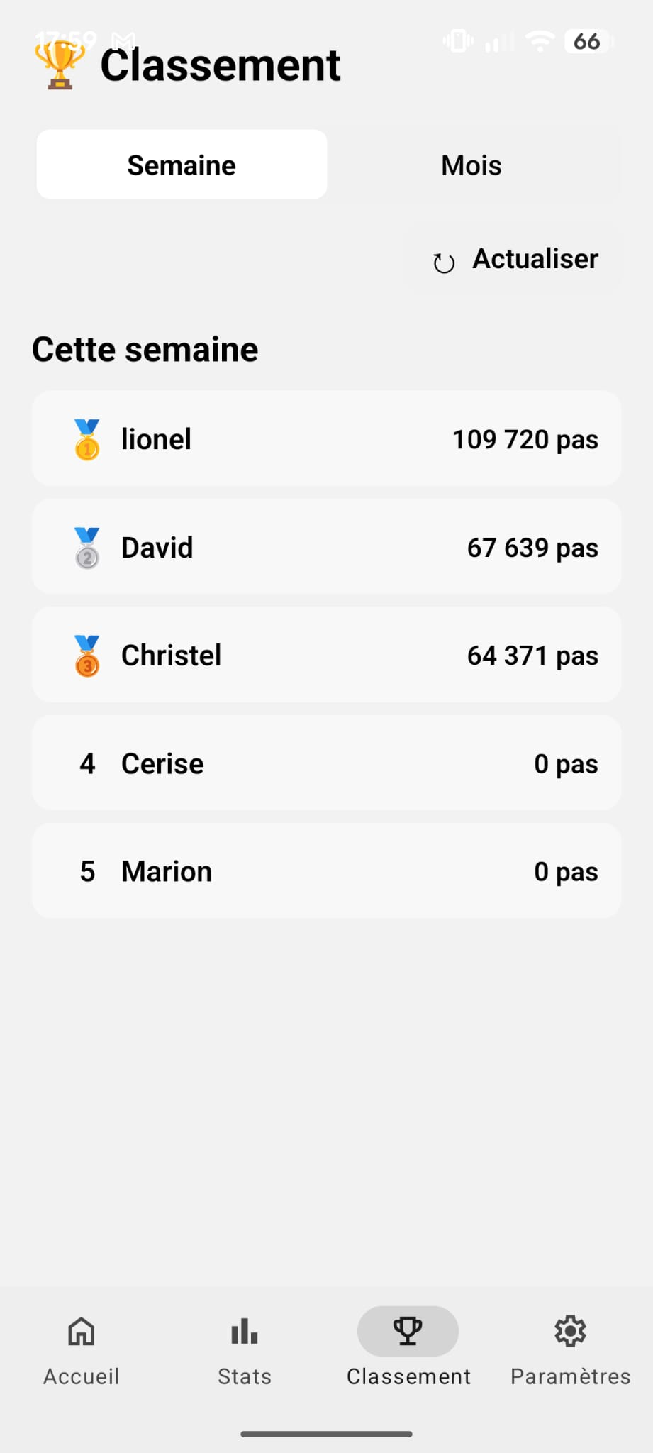 | 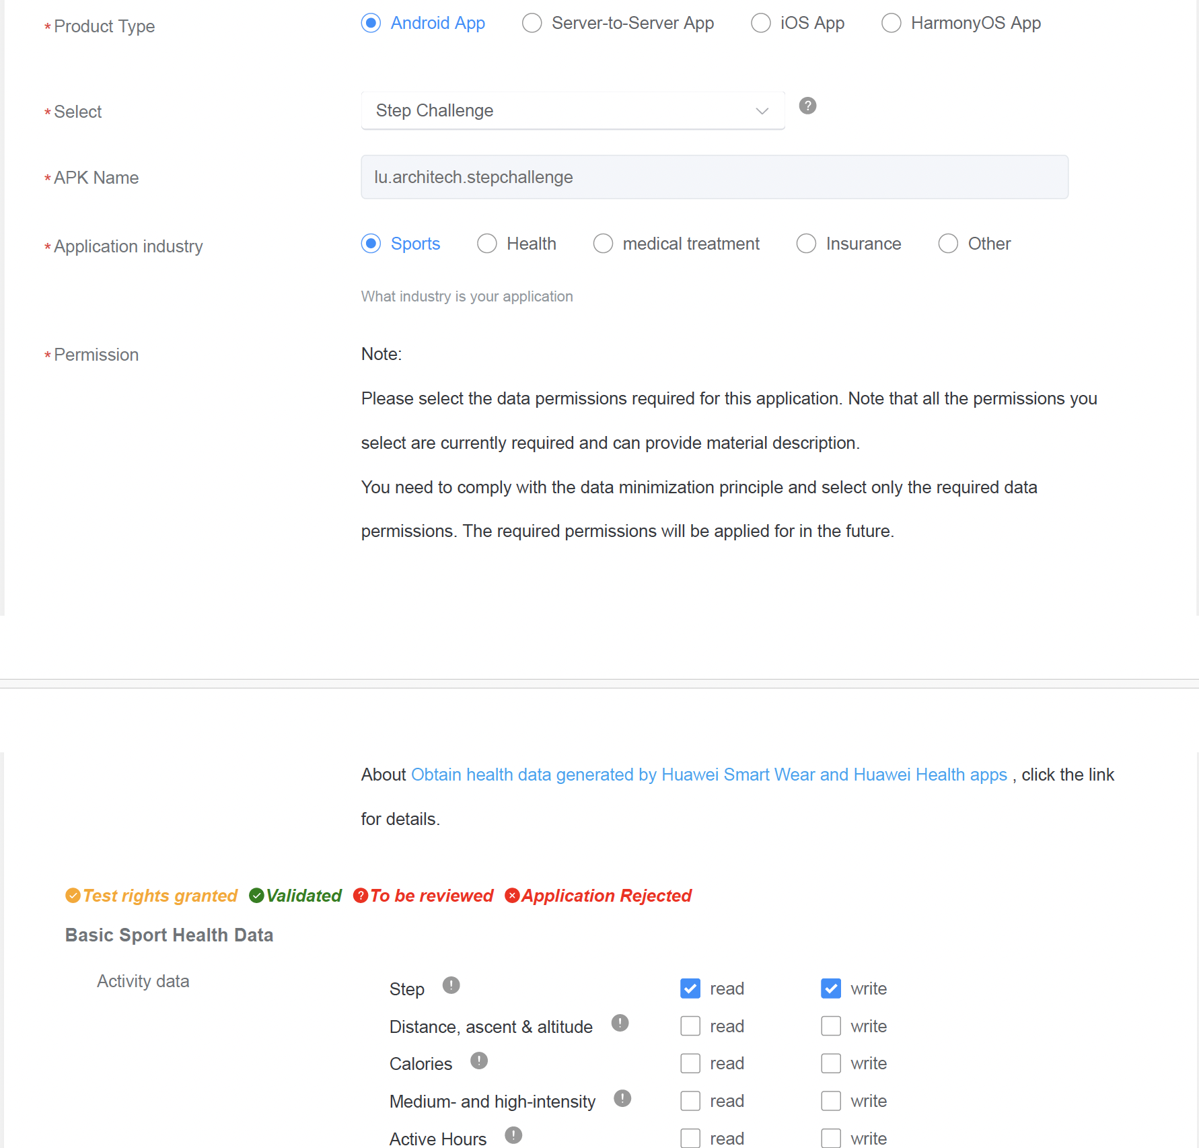 | 1. Provide data scopes to be applied for. Each scope occupies a row. 2. For any changes in the usage scenarios of the data read/write scopes you have applied for, update the application material (Sheet 1: Data Usage) before applying for verification. 3. For annual historical data, usage scenarios must be elaborated. 4. Please verify that you have completed all of the seven sheets before uploading the file. 5. Notes on special data scopes: a. Data synchronization is only available in iOS and Android mobile apps. b. Annual historical data is sensitive data. Its detailed usage scenarios and your reasons for scope application must be elaborated. c. HarmonyOS Connect device information is involved when hardware devices need to connect to the Huawei Health app or when purchasing of customized devices is required.
3 | ...
4 | ...
5 | ...

