bimodal_label
image | evidence_image | task | task_variant | prompt | prompt_answer_only | answer | answer_evidence | answer_type | evidence_type | instance_seed | image_path | data_path
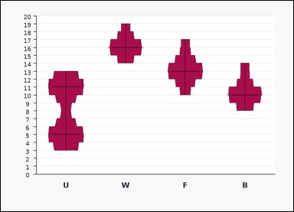 | 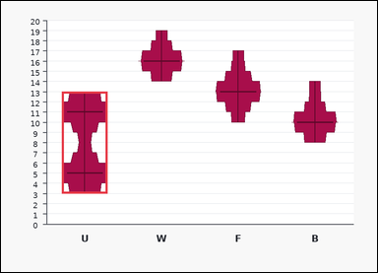 | task_charts_distribution_density_label | bimodal_label | Look at the chart in the image. It shows a set of labeled violin plots. Each violin shows the shape of one value distribution along the vertical axis, and the most prominent peaks indicate the modal values. Read the violin shapes and name the matching label. Which label is bimodal? Return a valid JSON object with keys "evidence" and "answer" in that order. Evidence: set "evidence" to an array containing the two modal values of the bimodal violin in ascending order. Answer: set "answer" to the single uppercase label of the requested violin plot. Example JSON: {"evidence":[6,12],"answer":"M"} | Look at the chart in the image. It shows a set of labeled violin plots. Each violin shows the shape of one value distribution along the vertical axis, and the most prominent peaks indicate the modal values. Read the violin shapes and name the matching label. Which label is bimodal? Return a valid JSON object with key "answer". Answer: set "answer" to the single uppercase label of the requested violin plot. Example JSON: {"answer":"M"} | {"evidence": [5, 11], "answer": "U"} | [5, 11] | option_letter | integer_list | 370763404952176 | task_charts_distribution_density_label/images/bimodal_label/0004.png | task_charts_distribution_density_label/data/bimodal_label/0004.json
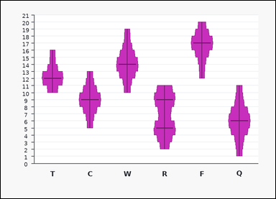 | 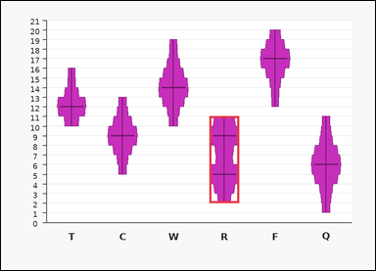 | task_charts_distribution_density_label | bimodal_label | You are given a chart: a set of labeled violin plots. Each violin shows the shape of one value distribution along the vertical axis, and the most prominent peaks indicate the modal values. Determine which labeled violin plot matches the requested property. Which label is bimodal? Return a valid JSON object with keys "evidence" and "answer" in that order. Evidence requirement: set "evidence" to an array containing the two modal values of the bimodal violin in ascending order. Answer format: set "answer" to the single uppercase label of the requested violin plot. Example JSON: {"evidence":[6,12],"answer":"M"} | You are given a chart: a set of labeled violin plots. Each violin shows the shape of one value distribution along the vertical axis, and the most prominent peaks indicate the modal values. Determine which labeled violin plot matches the requested property. Which label is bimodal? Return a valid JSON object with key "answer". Answer rule: set "answer" to the single uppercase label of the requested violin plot. Example JSON: {"answer":"M"} | {"evidence": [5, 9], "answer": "R"} | [5, 9] | option_letter | integer_list | 421718648516243 | task_charts_distribution_density_label/images/bimodal_label/0021.png | task_charts_distribution_density_label/data/bimodal_label/0021.json
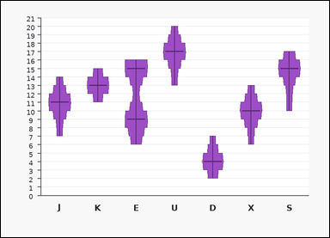 | 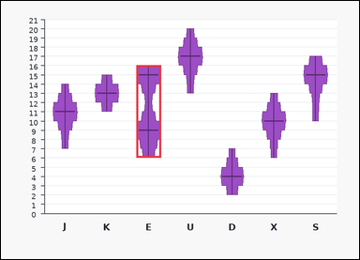 | task_charts_distribution_density_label | bimodal_label | Use the distribution chart in the image. It shows a set of labeled violin plots. Each violin shows the shape of one value distribution along the vertical axis, and the most prominent peaks indicate the modal values. Use the violin plots to identify the correct label. Find the label of the violin plot with two distinct density peaks. Return a valid JSON object with keys "evidence" and "answer" in that order. Evidence field: set "evidence" to an array containing the two modal values of the bimodal violin in ascending order. Answer field: set "answer" to the single uppercase label of the requested violin plot. Example JSON: {"evidence":[6,12],"answer":"M"} | Use the distribution chart in the image. It shows a set of labeled violin plots. Each violin shows the shape of one value distribution along the vertical axis, and the most prominent peaks indicate the modal values. Use the violin plots to identify the correct label. Find the label of the violin plot with two distinct density peaks. Return a valid JSON object with key "answer". Answer field: set "answer" to the single uppercase label of the requested violin plot. Example JSON: {"answer":"M"} | {"evidence": [9, 15], "answer": "E"} | [9, 15] | option_letter | integer_list | 493903641593718 | task_charts_distribution_density_label/images/bimodal_label/0016.png | task_charts_distribution_density_label/data/bimodal_label/0016.json
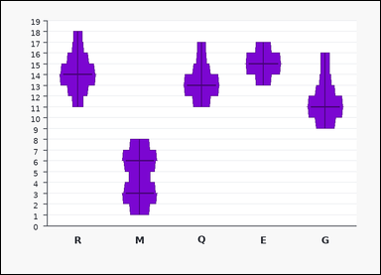 | 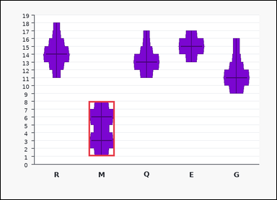 | task_charts_distribution_density_label | bimodal_label | You are given a chart: a set of labeled violin plots. Each violin shows the shape of one value distribution along the vertical axis, and the most prominent peaks indicate the modal values. Use the violin plots to identify the correct label. Which label is bimodal? Return a valid JSON object with keys "evidence" and "answer" in that order. Evidence field: set "evidence" to an array containing the two modal values of the bimodal violin in ascending order. Answer field: set "answer" to the single uppercase label of the requested violin plot. Example JSON: {"evidence":[6,12],"answer":"M"} | You are given a chart: a set of labeled violin plots. Each violin shows the shape of one value distribution along the vertical axis, and the most prominent peaks indicate the modal values. Use the violin plots to identify the correct label. Which label is bimodal? Return a valid JSON object with key "answer". Answer requirement: set "answer" to the single uppercase label of the requested violin plot. Example JSON: {"answer":"M"} | {"evidence": [3, 6], "answer": "M"} | [3, 6] | option_letter | integer_list | 513819180304731 | task_charts_distribution_density_label/images/bimodal_label/0014.png | task_charts_distribution_density_label/data/bimodal_label/0014.json
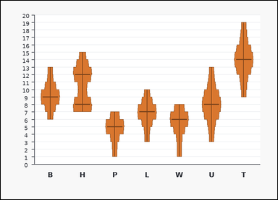 | 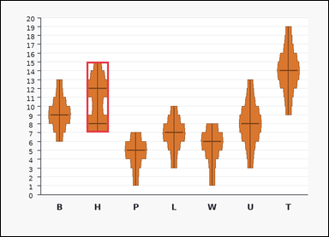 | task_charts_distribution_density_label | bimodal_label | You are given a chart: a set of labeled violin plots. Each violin shows the shape of one value distribution along the vertical axis, and the most prominent peaks indicate the modal values. Read the violin shapes and name the matching label. Find the label of the violin plot with two distinct density peaks. Return a valid JSON object with keys "evidence" and "answer" in that order. Evidence format: set "evidence" to an array containing the two modal values of the bimodal violin in ascending order. Answer requirement: set "answer" to the single uppercase label of the requested violin plot. Example JSON: {"evidence":[6,12],"answer":"M"} | You are given a chart: a set of labeled violin plots. Each violin shows the shape of one value distribution along the vertical axis, and the most prominent peaks indicate the modal values. Read the violin shapes and name the matching label. Find the label of the violin plot with two distinct density peaks. Return a valid JSON object with key "answer". Answer requirement: set "answer" to the single uppercase label of the requested violin plot. Example JSON: {"answer":"M"} | {"evidence": [8, 12], "answer": "H"} | [8, 12] | option_letter | integer_list | 771253798345894 | task_charts_distribution_density_label/images/bimodal_label/0003.png | task_charts_distribution_density_label/data/bimodal_label/0003.json
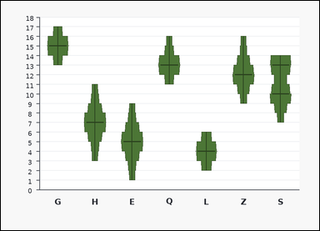 | 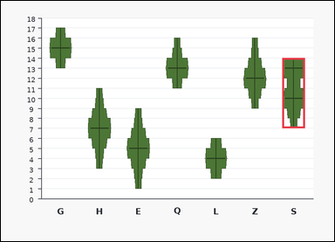 | task_charts_distribution_density_label | bimodal_label | Look at the chart in the image. It shows a set of labeled violin plots. Each violin shows the shape of one value distribution along the vertical axis, and the most prominent peaks indicate the modal values. Use the violin plots to identify the correct label. Find the label of the violin plot with two distinct density peaks. Return a valid JSON object with keys "evidence" and "answer" in that order. Evidence format: set "evidence" to an array containing the two modal values of the bimodal violin in ascending order. Answer requirement: set "answer" to the single uppercase label of the requested violin plot. Example JSON: {"evidence":[6,12],"answer":"M"} | Look at the chart in the image. It shows a set of labeled violin plots. Each violin shows the shape of one value distribution along the vertical axis, and the most prominent peaks indicate the modal values. Use the violin plots to identify the correct label. Find the label of the violin plot with two distinct density peaks. Return a valid JSON object with key "answer". Answer field: set "answer" to the single uppercase label of the requested violin plot. Example JSON: {"answer":"M"} | {"evidence": [10, 13], "answer": "S"} | [10, 13] | option_letter | integer_list | 942041529134226 | task_charts_distribution_density_label/images/bimodal_label/0005.png | task_charts_distribution_density_label/data/bimodal_label/0005.json
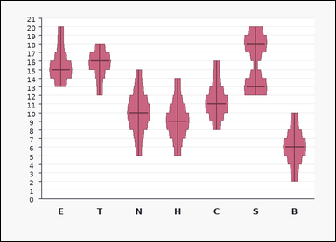 | 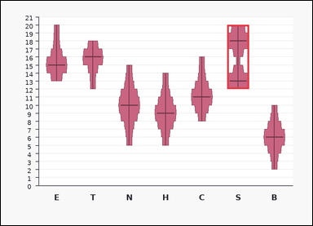 | task_charts_distribution_density_label | bimodal_label | The image shows a set of labeled violin plots. Each violin shows the shape of one value distribution along the vertical axis, and the most prominent peaks indicate the modal values. Use the violin plots to identify the correct label. Identify the violin plot label with two clear peaks. Return a valid JSON object with keys "evidence" and "answer" in that order. Evidence format: set "evidence" to an array containing the two modal values of the bimodal violin in ascending order. Answer requirement: set "answer" to the single uppercase label of the requested violin plot. Example JSON: {"evidence":[6,12],"answer":"M"} | The image shows a set of labeled violin plots. Each violin shows the shape of one value distribution along the vertical axis, and the most prominent peaks indicate the modal values. Use the violin plots to identify the correct label. Identify the violin plot label with two clear peaks. Return a valid JSON object with key "answer". Answer field: set "answer" to the single uppercase label of the requested violin plot. Example JSON: {"answer":"M"} | {"evidence": [13, 18], "answer": "S"} | [13, 18] | option_letter | integer_list | 1.0939279107E+15 | task_charts_distribution_density_label/images/bimodal_label/0007.png | task_charts_distribution_density_label/data/bimodal_label/0007.json
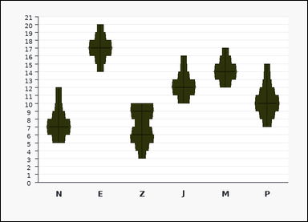 | 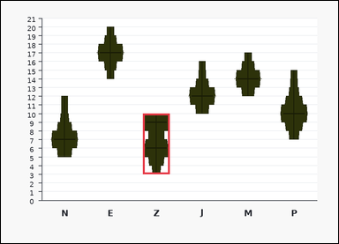 | task_charts_distribution_density_label | bimodal_label | You are given a chart: a set of labeled violin plots. Each violin shows the shape of one value distribution along the vertical axis, and the most prominent peaks indicate the modal values. Read the violin shapes and name the matching label. Identify the violin plot label with two clear peaks. Return a valid JSON object with keys "evidence" and "answer" in that order. Evidence format: set "evidence" to an array containing the two modal values of the bimodal violin in ascending order. Answer requirement: set "answer" to the single uppercase label of the requested violin plot. Example JSON: {"evidence":[6,12],"answer":"M"} | You are given a chart: a set of labeled violin plots. Each violin shows the shape of one value distribution along the vertical axis, and the most prominent peaks indicate the modal values. Read the violin shapes and name the matching label. Identify the violin plot label with two clear peaks. Return a valid JSON object with key "answer". Answer format: set "answer" to the single uppercase label of the requested violin plot. Example JSON: {"answer":"M"} | {"evidence": [6, 9], "answer": "Z"} | [6, 9] | option_letter | integer_list | 2.4958716951E+15 | task_charts_distribution_density_label/images/bimodal_label/0001.png | task_charts_distribution_density_label/data/bimodal_label/0001.json
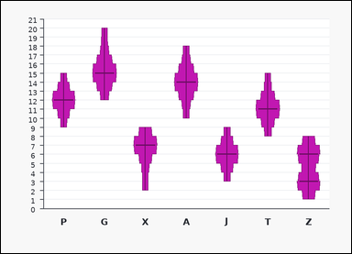 | 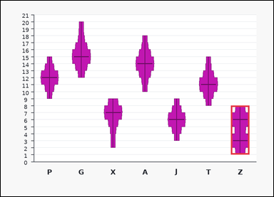 | task_charts_distribution_density_label | bimodal_label | You are given a chart: a set of labeled violin plots. Each violin shows the shape of one value distribution along the vertical axis, and the most prominent peaks indicate the modal values. Answer this question. Determine which labeled violin has two modes. Return a valid JSON object with keys "evidence" and "answer" in that order. Evidence format: set "evidence" to an array containing the two modal values of the bimodal violin in ascending order. Answer requirement: set "answer" to the single uppercase label of the requested violin plot. Example JSON: {"evidence":[6,12],"answer":"M"} | You are given a chart: a set of labeled violin plots. Each violin shows the shape of one value distribution along the vertical axis, and the most prominent peaks indicate the modal values. Answer this question. Determine which labeled violin has two modes. Return a valid JSON object with key "answer". Answer: set "answer" to the single uppercase label of the requested violin plot. Example JSON: {"answer":"M"} | {"evidence": [3, 6], "answer": "Z"} | [3, 6] | option_letter | integer_list | 2.6398389961E+15 | task_charts_distribution_density_label/images/bimodal_label/0024.png | task_charts_distribution_density_label/data/bimodal_label/0024.json
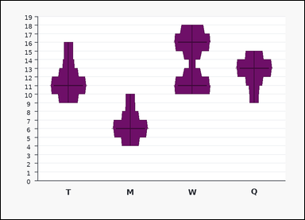 | 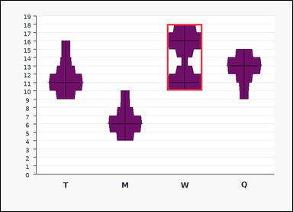 | task_charts_distribution_density_label | bimodal_label | The image shows a set of labeled violin plots. Each violin shows the shape of one value distribution along the vertical axis, and the most prominent peaks indicate the modal values. Use the violin plots to identify the correct label. Find the label of the violin plot with two distinct density peaks. Return a valid JSON object with keys "evidence" and "answer" in that order. Evidence requirement: set "evidence" to an array containing the two modal values of the bimodal violin in ascending order. Answer format: set "answer" to the single uppercase label of the requested violin plot. Example JSON: {"evidence":[6,12],"answer":"M"} | The image shows a set of labeled violin plots. Each violin shows the shape of one value distribution along the vertical axis, and the most prominent peaks indicate the modal values. Use the violin plots to identify the correct label. Find the label of the violin plot with two distinct density peaks. Return a valid JSON object with key "answer". Answer: set "answer" to the single uppercase label of the requested violin plot. Example JSON: {"answer":"M"} | {"evidence": [11, 16], "answer": "W"} | [11, 16] | option_letter | integer_list | 2.8243733778E+15 | task_charts_distribution_density_label/images/bimodal_label/0013.png | task_charts_distribution_density_label/data/bimodal_label/0013.json
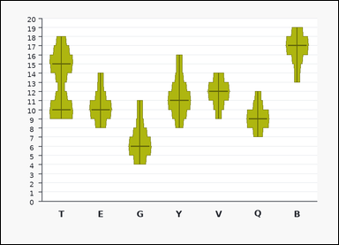 | 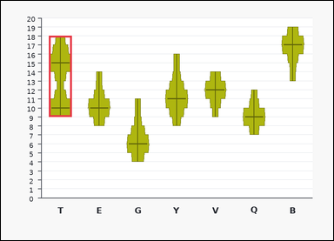 | task_charts_distribution_density_label | bimodal_label | Work from the chart shown in the image: a set of labeled violin plots. Each violin shows the shape of one value distribution along the vertical axis, and the most prominent peaks indicate the modal values. Answer this question. Determine which labeled violin has two modes. Return a valid JSON object with keys "evidence" and "answer" in that order. Evidence requirement: set "evidence" to an array containing the two modal values of the bimodal violin in ascending order. Answer format: set "answer" to the single uppercase label of the requested violin plot. Example JSON: {"evidence":[6,12],"answer":"M"} | Work from the chart shown in the image: a set of labeled violin plots. Each violin shows the shape of one value distribution along the vertical axis, and the most prominent peaks indicate the modal values. Answer this question. Determine which labeled violin has two modes. Return a valid JSON object with key "answer". Answer requirement: set "answer" to the single uppercase label of the requested violin plot. Example JSON: {"answer":"M"} | {"evidence": [10, 15], "answer": "T"} | [10, 15] | option_letter | integer_list | 3.2487308766E+15 | task_charts_distribution_density_label/images/bimodal_label/0010.png | task_charts_distribution_density_label/data/bimodal_label/0010.json
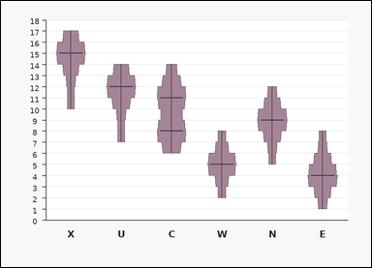 | 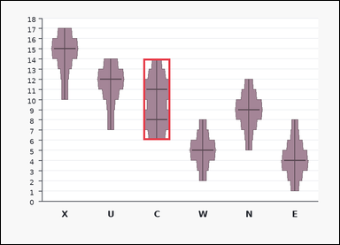 | task_charts_distribution_density_label | bimodal_label | Use the distribution chart in the image. It shows a set of labeled violin plots. Each violin shows the shape of one value distribution along the vertical axis, and the most prominent peaks indicate the modal values. Answer this question. Which label is bimodal? Return a valid JSON object with keys "evidence" and "answer" in that order. Evidence requirement: set "evidence" to an array containing the two modal values of the bimodal violin in ascending order. Answer format: set "answer" to the single uppercase label of the requested violin plot. Example JSON: {"evidence":[6,12],"answer":"M"} | Use the distribution chart in the image. It shows a set of labeled violin plots. Each violin shows the shape of one value distribution along the vertical axis, and the most prominent peaks indicate the modal values. Answer this question. Which label is bimodal? Return a valid JSON object with key "answer". Answer field: set "answer" to the single uppercase label of the requested violin plot. Example JSON: {"answer":"M"} | {"evidence": [8, 11], "answer": "C"} | [8, 11] | option_letter | integer_list | 3.5912995469E+15 | task_charts_distribution_density_label/images/bimodal_label/0018.png | task_charts_distribution_density_label/data/bimodal_label/0018.json
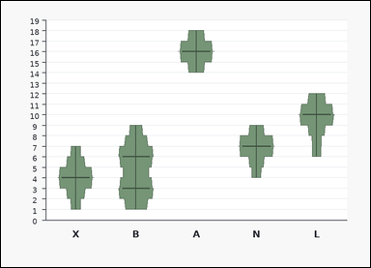 | 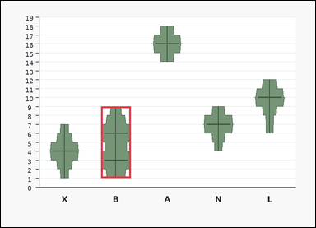 | task_charts_distribution_density_label | bimodal_label | Look at the chart in the image. It shows a set of labeled violin plots. Each violin shows the shape of one value distribution along the vertical axis, and the most prominent peaks indicate the modal values. Answer this question. What label corresponds to the bimodal violin plot? Return a valid JSON object with keys "evidence" and "answer" in that order. Evidence requirement: set "evidence" to an array containing the two modal values of the bimodal violin in ascending order. Answer format: set "answer" to the single uppercase label of the requested violin plot. Example JSON: {"evidence":[6,12],"answer":"M"} | Look at the chart in the image. It shows a set of labeled violin plots. Each violin shows the shape of one value distribution along the vertical axis, and the most prominent peaks indicate the modal values. Answer this question. What label corresponds to the bimodal violin plot? Return a valid JSON object with key "answer". Answer requirement: set "answer" to the single uppercase label of the requested violin plot. Example JSON: {"answer":"M"} | {"evidence": [3, 6], "answer": "B"} | [3, 6] | option_letter | integer_list | 3.7565687164E+15 | task_charts_distribution_density_label/images/bimodal_label/0020.png | task_charts_distribution_density_label/data/bimodal_label/0020.json
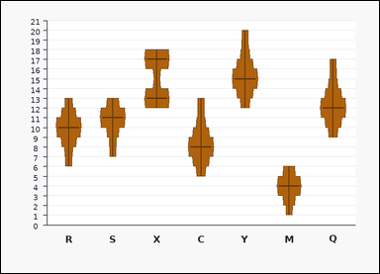 | 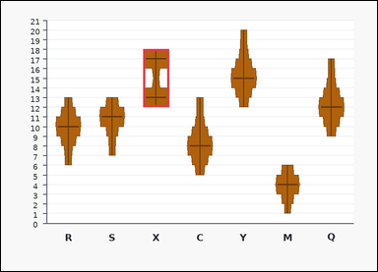 | task_charts_distribution_density_label | bimodal_label | Use the distribution chart in the image. It shows a set of labeled violin plots. Each violin shows the shape of one value distribution along the vertical axis, and the most prominent peaks indicate the modal values. Determine which labeled violin plot matches the requested property. What label corresponds to the bimodal violin plot? Return a valid JSON object with keys "evidence" and "answer" in that order. Evidence format: set "evidence" to an array containing the two modal values of the bimodal violin in ascending order. Answer requirement: set "answer" to the single uppercase label of the requested violin plot. Example JSON: {"evidence":[6,12],"answer":"M"} | Use the distribution chart in the image. It shows a set of labeled violin plots. Each violin shows the shape of one value distribution along the vertical axis, and the most prominent peaks indicate the modal values. Determine which labeled violin plot matches the requested property. What label corresponds to the bimodal violin plot? Return a valid JSON object with key "answer". Answer rule: set "answer" to the single uppercase label of the requested violin plot. Example JSON: {"answer":"M"} | {"evidence": [13, 17], "answer": "X"} | [13, 17] | option_letter | integer_list | 3.8012796605E+15 | task_charts_distribution_density_label/images/bimodal_label/0006.png | task_charts_distribution_density_label/data/bimodal_label/0006.json
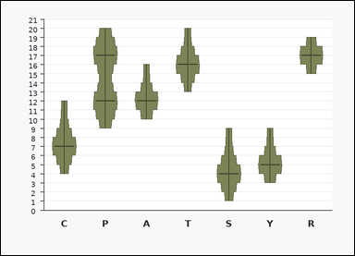 | 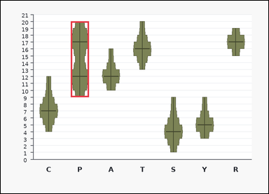 | task_charts_distribution_density_label | bimodal_label | Use the distribution chart in the image. It shows a set of labeled violin plots. Each violin shows the shape of one value distribution along the vertical axis, and the most prominent peaks indicate the modal values. Determine which labeled violin plot matches the requested property. Identify the violin plot label with two clear peaks. Return a valid JSON object with keys "evidence" and "answer" in that order. Evidence field: set "evidence" to an array containing the two modal values of the bimodal violin in ascending order. Answer field: set "answer" to the single uppercase label of the requested violin plot. Example JSON: {"evidence":[6,12],"answer":"M"} | Use the distribution chart in the image. It shows a set of labeled violin plots. Each violin shows the shape of one value distribution along the vertical axis, and the most prominent peaks indicate the modal values. Determine which labeled violin plot matches the requested property. Identify the violin plot label with two clear peaks. Return a valid JSON object with key "answer". Answer requirement: set "answer" to the single uppercase label of the requested violin plot. Example JSON: {"answer":"M"} | {"evidence": [12, 17], "answer": "P"} | [12, 17] | option_letter | integer_list | 3.9036967033E+15 | task_charts_distribution_density_label/images/bimodal_label/0009.png | task_charts_distribution_density_label/data/bimodal_label/0009.json
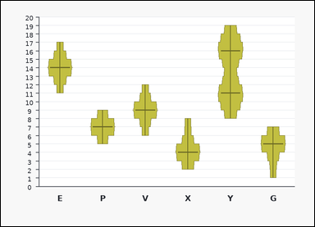 | 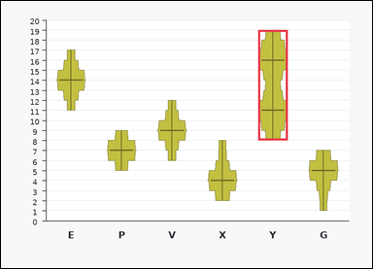 | task_charts_distribution_density_label | bimodal_label | You are given a chart: a set of labeled violin plots. Each violin shows the shape of one value distribution along the vertical axis, and the most prominent peaks indicate the modal values. Determine which labeled violin plot matches the requested property. Which label is bimodal? Return a valid JSON object with keys "evidence" and "answer" in that order. Evidence format: set "evidence" to an array containing the two modal values of the bimodal violin in ascending order. Answer requirement: set "answer" to the single uppercase label of the requested violin plot. Example JSON: {"evidence":[6,12],"answer":"M"} | You are given a chart: a set of labeled violin plots. Each violin shows the shape of one value distribution along the vertical axis, and the most prominent peaks indicate the modal values. Determine which labeled violin plot matches the requested property. Which label is bimodal? Return a valid JSON object with key "answer". Answer: set "answer" to the single uppercase label of the requested violin plot. Example JSON: {"answer":"M"} | {"evidence": [11, 16], "answer": "Y"} | [11, 16] | option_letter | integer_list | 4.1147781069E+15 | task_charts_distribution_density_label/images/bimodal_label/0019.png | task_charts_distribution_density_label/data/bimodal_label/0019.json
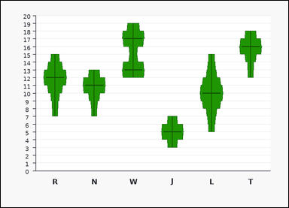 | 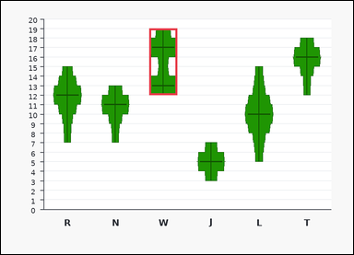 | task_charts_distribution_density_label | bimodal_label | You are given a chart: a set of labeled violin plots. Each violin shows the shape of one value distribution along the vertical axis, and the most prominent peaks indicate the modal values. Determine which labeled violin plot matches the requested property. Find the label of the violin plot with two distinct density peaks. Return a valid JSON object with keys "evidence" and "answer" in that order. Evidence: set "evidence" to an array containing the two modal values of the bimodal violin in ascending order. Answer: set "answer" to the single uppercase label of the requested violin plot. Example JSON: {"evidence":[6,12],"answer":"M"} | You are given a chart: a set of labeled violin plots. Each violin shows the shape of one value distribution along the vertical axis, and the most prominent peaks indicate the modal values. Determine which labeled violin plot matches the requested property. Find the label of the violin plot with two distinct density peaks. Return a valid JSON object with key "answer". Answer format: set "answer" to the single uppercase label of the requested violin plot. Example JSON: {"answer":"M"} | {"evidence": [13, 17], "answer": "W"} | [13, 17] | option_letter | integer_list | 4.1284685474E+15 | task_charts_distribution_density_label/images/bimodal_label/0012.png | task_charts_distribution_density_label/data/bimodal_label/0012.json
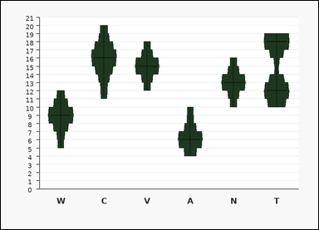 | 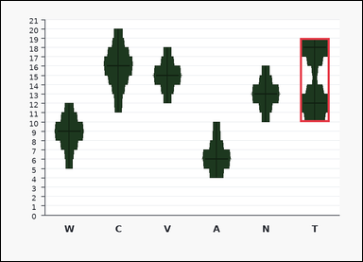 | task_charts_distribution_density_label | bimodal_label | The image shows a set of labeled violin plots. Each violin shows the shape of one value distribution along the vertical axis, and the most prominent peaks indicate the modal values. Determine which labeled violin plot matches the requested property. Find the label of the violin plot with two distinct density peaks. Return a valid JSON object with keys "evidence" and "answer" in that order. Evidence requirement: set "evidence" to an array containing the two modal values of the bimodal violin in ascending order. Answer format: set "answer" to the single uppercase label of the requested violin plot. Example JSON: {"evidence":[6,12],"answer":"M"} | The image shows a set of labeled violin plots. Each violin shows the shape of one value distribution along the vertical axis, and the most prominent peaks indicate the modal values. Determine which labeled violin plot matches the requested property. Find the label of the violin plot with two distinct density peaks. Return a valid JSON object with key "answer". Answer field: set "answer" to the single uppercase label of the requested violin plot. Example JSON: {"answer":"M"} | {"evidence": [12, 18], "answer": "T"} | [12, 18] | option_letter | integer_list | 4.240336056E+15 | task_charts_distribution_density_label/images/bimodal_label/0011.png | task_charts_distribution_density_label/data/bimodal_label/0011.json
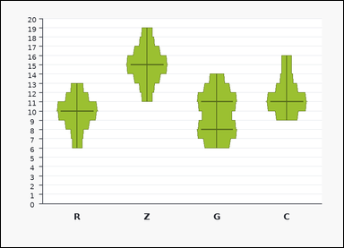 | 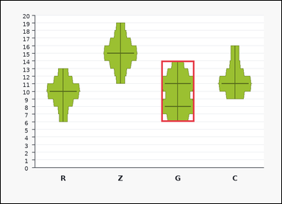 | task_charts_distribution_density_label | bimodal_label | You are given a chart: a set of labeled violin plots. Each violin shows the shape of one value distribution along the vertical axis, and the most prominent peaks indicate the modal values. Read the violin shapes and name the matching label. What label corresponds to the bimodal violin plot? Return a valid JSON object with keys "evidence" and "answer" in that order. Evidence requirement: set "evidence" to an array containing the two modal values of the bimodal violin in ascending order. Answer format: set "answer" to the single uppercase label of the requested violin plot. Example JSON: {"evidence":[6,12],"answer":"M"} | You are given a chart: a set of labeled violin plots. Each violin shows the shape of one value distribution along the vertical axis, and the most prominent peaks indicate the modal values. Read the violin shapes and name the matching label. What label corresponds to the bimodal violin plot? Return a valid JSON object with key "answer". Answer field: set "answer" to the single uppercase label of the requested violin plot. Example JSON: {"answer":"M"} | {"evidence": [8, 11], "answer": "G"} | [8, 11] | option_letter | integer_list | 6.004005636E+15 | task_charts_distribution_density_label/images/bimodal_label/0022.png | task_charts_distribution_density_label/data/bimodal_label/0022.json
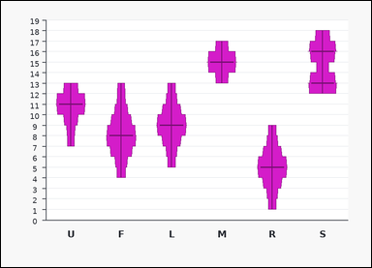 | 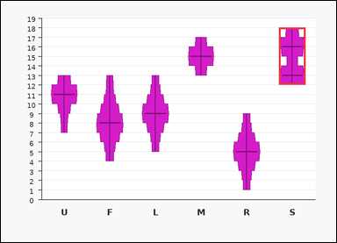 | task_charts_distribution_density_label | bimodal_label | Use the distribution chart in the image. It shows a set of labeled violin plots. Each violin shows the shape of one value distribution along the vertical axis, and the most prominent peaks indicate the modal values. Find the label of the violin plot that satisfies the requested condition. What label corresponds to the bimodal violin plot? Return a valid JSON object with keys "evidence" and "answer" in that order. Evidence: set "evidence" to an array containing the two modal values of the bimodal violin in ascending order. Answer: set "answer" to the single uppercase label of the requested violin plot. Example JSON: {"evidence":[6,12],"answer":"M"} | Use the distribution chart in the image. It shows a set of labeled violin plots. Each violin shows the shape of one value distribution along the vertical axis, and the most prominent peaks indicate the modal values. Find the label of the violin plot that satisfies the requested condition. What label corresponds to the bimodal violin plot? Return a valid JSON object with key "answer". Answer: set "answer" to the single uppercase label of the requested violin plot. Example JSON: {"answer":"M"} | {"evidence": [13, 16], "answer": "S"} | [13, 16] | option_letter | integer_list | 6.5080272029E+15 | task_charts_distribution_density_label/images/bimodal_label/0008.png | task_charts_distribution_density_label/data/bimodal_label/0008.json
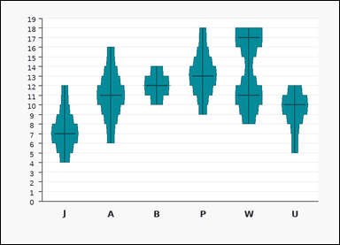 | 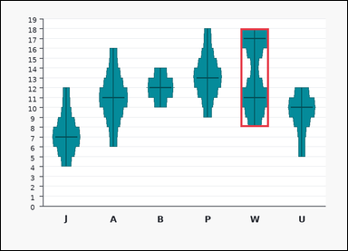 | task_charts_distribution_density_label | bimodal_label | Look at the chart in the image. It shows a set of labeled violin plots. Each violin shows the shape of one value distribution along the vertical axis, and the most prominent peaks indicate the modal values. Find the label of the violin plot that satisfies the requested condition. Find the label of the violin plot with two distinct density peaks. Return a valid JSON object with keys "evidence" and "answer" in that order. Evidence: set "evidence" to an array containing the two modal values of the bimodal violin in ascending order. Answer: set "answer" to the single uppercase label of the requested violin plot. Example JSON: {"evidence":[6,12],"answer":"M"} | Look at the chart in the image. It shows a set of labeled violin plots. Each violin shows the shape of one value distribution along the vertical axis, and the most prominent peaks indicate the modal values. Find the label of the violin plot that satisfies the requested condition. Find the label of the violin plot with two distinct density peaks. Return a valid JSON object with key "answer". Answer field: set "answer" to the single uppercase label of the requested violin plot. Example JSON: {"answer":"M"} | {"evidence": [11, 17], "answer": "W"} | [11, 17] | option_letter | integer_list | 6.5168211723E+15 | task_charts_distribution_density_label/images/bimodal_label/0002.png | task_charts_distribution_density_label/data/bimodal_label/0002.json
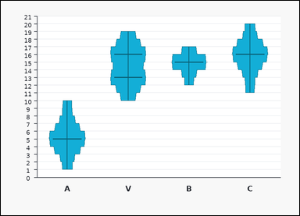 | 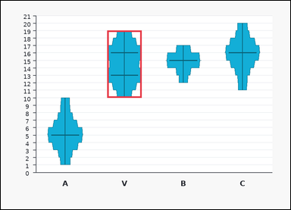 | task_charts_distribution_density_label | bimodal_label | Work from the chart shown in the image: a set of labeled violin plots. Each violin shows the shape of one value distribution along the vertical axis, and the most prominent peaks indicate the modal values. Read the violin shapes and name the matching label. Find the label of the violin plot with two distinct density peaks. Return a valid JSON object with keys "evidence" and "answer" in that order. Evidence requirement: set "evidence" to an array containing the two modal values of the bimodal violin in ascending order. Answer format: set "answer" to the single uppercase label of the requested violin plot. Example JSON: {"evidence":[6,12],"answer":"M"} | Work from the chart shown in the image: a set of labeled violin plots. Each violin shows the shape of one value distribution along the vertical axis, and the most prominent peaks indicate the modal values. Read the violin shapes and name the matching label. Find the label of the violin plot with two distinct density peaks. Return a valid JSON object with key "answer". Answer format: set "answer" to the single uppercase label of the requested violin plot. Example JSON: {"answer":"M"} | {"evidence": [13, 16], "answer": "V"} | [13, 16] | option_letter | integer_list | 7.2740767618E+15 | task_charts_distribution_density_label/images/bimodal_label/0000.png | task_charts_distribution_density_label/data/bimodal_label/0000.json
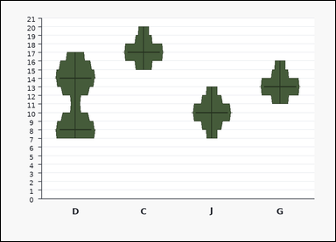 | 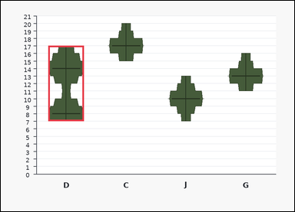 | task_charts_distribution_density_label | bimodal_label | You are given a chart: a set of labeled violin plots. Each violin shows the shape of one value distribution along the vertical axis, and the most prominent peaks indicate the modal values. Read the violin shapes and name the matching label. Which label is bimodal? Return a valid JSON object with keys "evidence" and "answer" in that order. Evidence requirement: set "evidence" to an array containing the two modal values of the bimodal violin in ascending order. Answer format: set "answer" to the single uppercase label of the requested violin plot. Example JSON: {"evidence":[6,12],"answer":"M"} | You are given a chart: a set of labeled violin plots. Each violin shows the shape of one value distribution along the vertical axis, and the most prominent peaks indicate the modal values. Read the violin shapes and name the matching label. Which label is bimodal? Return a valid JSON object with key "answer". Answer field: set "answer" to the single uppercase label of the requested violin plot. Example JSON: {"answer":"M"} | {"evidence": [8, 14], "answer": "D"} | [8, 14] | option_letter | integer_list | 7.9715968323E+15 | task_charts_distribution_density_label/images/bimodal_label/0015.png | task_charts_distribution_density_label/data/bimodal_label/0015.json
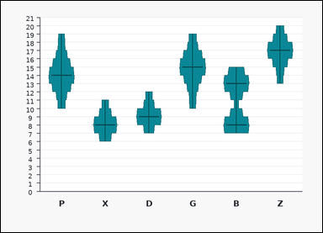 | 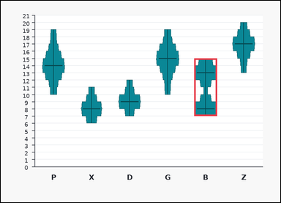 | task_charts_distribution_density_label | bimodal_label | Work from the chart shown in the image: a set of labeled violin plots. Each violin shows the shape of one value distribution along the vertical axis, and the most prominent peaks indicate the modal values. Find the label of the violin plot that satisfies the requested condition. Find the label of the violin plot with two distinct density peaks. Return a valid JSON object with keys "evidence" and "answer" in that order. Evidence field: set "evidence" to an array containing the two modal values of the bimodal violin in ascending order. Answer field: set "answer" to the single uppercase label of the requested violin plot. Example JSON: {"evidence":[6,12],"answer":"M"} | Work from the chart shown in the image: a set of labeled violin plots. Each violin shows the shape of one value distribution along the vertical axis, and the most prominent peaks indicate the modal values. Find the label of the violin plot that satisfies the requested condition. Find the label of the violin plot with two distinct density peaks. Return a valid JSON object with key "answer". Answer rule: set "answer" to the single uppercase label of the requested violin plot. Example JSON: {"answer":"M"} | {"evidence": [8, 13], "answer": "B"} | [8, 13] | option_letter | integer_list | 8.2717593829E+15 | task_charts_distribution_density_label/images/bimodal_label/0017.png | task_charts_distribution_density_label/data/bimodal_label/0017.json
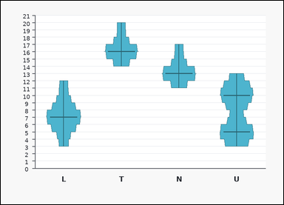 | 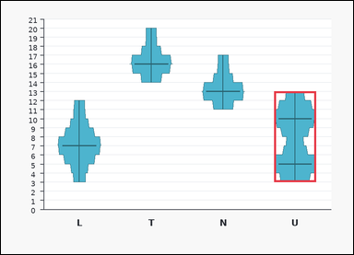 | task_charts_distribution_density_label | bimodal_label | Look at the chart in the image. It shows a set of labeled violin plots. Each violin shows the shape of one value distribution along the vertical axis, and the most prominent peaks indicate the modal values. Answer this question. What label corresponds to the bimodal violin plot? Return a valid JSON object with keys "evidence" and "answer" in that order. Evidence format: set "evidence" to an array containing the two modal values of the bimodal violin in ascending order. Answer requirement: set "answer" to the single uppercase label of the requested violin plot. Example JSON: {"evidence":[6,12],"answer":"M"} | Look at the chart in the image. It shows a set of labeled violin plots. Each violin shows the shape of one value distribution along the vertical axis, and the most prominent peaks indicate the modal values. Answer this question. What label corresponds to the bimodal violin plot? Return a valid JSON object with key "answer". Answer requirement: set "answer" to the single uppercase label of the requested violin plot. Example JSON: {"answer":"M"} | {"evidence": [5, 10], "answer": "U"} | [5, 10] | option_letter | integer_list | 8.5984786049E+15 | task_charts_distribution_density_label/images/bimodal_label/0023.png | task_charts_distribution_density_label/data/bimodal_label/0023.json

highest_mode
image | evidence_image | task | task_variant | prompt | prompt_answer_only | answer | answer_evidence | answer_type | evidence_type | instance_seed | image_path | data_path
 |  | task_charts_distribution_density_label | highest_mode | You are given a chart: a set of labeled violin plots. Each violin shows the shape of one value distribution along the vertical axis, and the most prominent peaks indicate the modal values. Use the violin plots to identify the correct label. What label corresponds to the highest density peak? Return a valid JSON object with keys "evidence" and "answer" in that order. Evidence rule: set "evidence" to an array containing the winning modal value as one integer. Answer rule: set "answer" to the single uppercase label of the requested violin plot. Example JSON: {"evidence":[14],"answer":"Q"} | You are given a chart: a set of labeled violin plots. Each violin shows the shape of one value distribution along the vertical axis, and the most prominent peaks indicate the modal values. Use the violin plots to identify the correct label. What label corresponds to the highest density peak? Return a valid JSON object with key "answer". Answer: set "answer" to the single uppercase label of the requested violin plot. Example JSON: {"answer":"Q"} | {"evidence": [17], "answer": "S"} | [17] | option_letter | integer_list | 202631970426854 | task_charts_distribution_density_label/images/highest_mode/0009.png | task_charts_distribution_density_label/data/highest_mode/0009.json
 |  | task_charts_distribution_density_label | highest_mode | You are given a chart: a set of labeled violin plots. Each violin shows the shape of one value distribution along the vertical axis, and the most prominent peaks indicate the modal values. Determine which labeled violin plot matches the requested property. What label corresponds to the highest density peak? Return a valid JSON object with keys "evidence" and "answer" in that order. Evidence format: set "evidence" to an array containing the winning modal value as one integer. Answer requirement: set "answer" to the single uppercase label of the requested violin plot. Example JSON: {"evidence":[14],"answer":"Q"} | You are given a chart: a set of labeled violin plots. Each violin shows the shape of one value distribution along the vertical axis, and the most prominent peaks indicate the modal values. Determine which labeled violin plot matches the requested property. What label corresponds to the highest density peak? Return a valid JSON object with key "answer". Answer requirement: set "answer" to the single uppercase label of the requested violin plot. Example JSON: {"answer":"Q"} | {"evidence": [16], "answer": "Y"} | [16] | option_letter | integer_list | 1.3608451022E+15 | task_charts_distribution_density_label/images/highest_mode/0020.png | task_charts_distribution_density_label/data/highest_mode/0020.json
 |  | task_charts_distribution_density_label | highest_mode | The image shows a set of labeled violin plots. Each violin shows the shape of one value distribution along the vertical axis, and the most prominent peaks indicate the modal values. Determine which labeled violin plot matches the requested property. Find the label of the violin plot whose density peak is highest on the value axis. Return a valid JSON object with keys "evidence" and "answer" in that order. Evidence format: set "evidence" to an array containing the winning modal value as one integer. Answer requirement: set "answer" to the single uppercase label of the requested violin plot. Example JSON: {"evidence":[14],"answer":"Q"} | The image shows a set of labeled violin plots. Each violin shows the shape of one value distribution along the vertical axis, and the most prominent peaks indicate the modal values. Determine which labeled violin plot matches the requested property. Find the label of the violin plot whose density peak is highest on the value axis. Return a valid JSON object with key "answer". Answer format: set "answer" to the single uppercase label of the requested violin plot. Example JSON: {"answer":"Q"} | {"evidence": [17], "answer": "Q"} | [17] | option_letter | integer_list | 1.3969118421E+15 | task_charts_distribution_density_label/images/highest_mode/0000.png | task_charts_distribution_density_label/data/highest_mode/0000.json
 |  | task_charts_distribution_density_label | highest_mode | The image shows a set of labeled violin plots. Each violin shows the shape of one value distribution along the vertical axis, and the most prominent peaks indicate the modal values. Use the violin plots to identify the correct label. What label corresponds to the highest density peak? Return a valid JSON object with keys "evidence" and "answer" in that order. Evidence format: set "evidence" to an array containing the winning modal value as one integer. Answer requirement: set "answer" to the single uppercase label of the requested violin plot. Example JSON: {"evidence":[14],"answer":"Q"} | The image shows a set of labeled violin plots. Each violin shows the shape of one value distribution along the vertical axis, and the most prominent peaks indicate the modal values. Use the violin plots to identify the correct label. What label corresponds to the highest density peak? Return a valid JSON object with key "answer". Answer field: set "answer" to the single uppercase label of the requested violin plot. Example JSON: {"answer":"Q"} | {"evidence": [17], "answer": "C"} | [17] | option_letter | integer_list | 1.6943159231E+15 | task_charts_distribution_density_label/images/highest_mode/0003.png | task_charts_distribution_density_label/data/highest_mode/0003.json
 |  | task_charts_distribution_density_label | highest_mode | The image shows a set of labeled violin plots. Each violin shows the shape of one value distribution along the vertical axis, and the most prominent peaks indicate the modal values. Determine which labeled violin plot matches the requested property. Find the label of the violin plot whose density peak is highest on the value axis. Return a valid JSON object with keys "evidence" and "answer" in that order. Evidence format: set "evidence" to an array containing the winning modal value as one integer. Answer requirement: set "answer" to the single uppercase label of the requested violin plot. Example JSON: {"evidence":[14],"answer":"Q"} | The image shows a set of labeled violin plots. Each violin shows the shape of one value distribution along the vertical axis, and the most prominent peaks indicate the modal values. Determine which labeled violin plot matches the requested property. Find the label of the violin plot whose density peak is highest on the value axis. Return a valid JSON object with key "answer". Answer rule: set "answer" to the single uppercase label of the requested violin plot. Example JSON: {"answer":"Q"} | {"evidence": [17], "answer": "J"} | [17] | option_letter | integer_list | 1.7856209401E+15 | task_charts_distribution_density_label/images/highest_mode/0008.png | task_charts_distribution_density_label/data/highest_mode/0008.json
 |  | task_charts_distribution_density_label | highest_mode | The image shows a set of labeled violin plots. Each violin shows the shape of one value distribution along the vertical axis, and the most prominent peaks indicate the modal values. Read the violin shapes and name the matching label. What label corresponds to the highest density peak? Return a valid JSON object with keys "evidence" and "answer" in that order. Evidence rule: set "evidence" to an array containing the winning modal value as one integer. Answer rule: set "answer" to the single uppercase label of the requested violin plot. Example JSON: {"evidence":[14],"answer":"Q"} | The image shows a set of labeled violin plots. Each violin shows the shape of one value distribution along the vertical axis, and the most prominent peaks indicate the modal values. Read the violin shapes and name the matching label. What label corresponds to the highest density peak? Return a valid JSON object with key "answer". Answer: set "answer" to the single uppercase label of the requested violin plot. Example JSON: {"answer":"Q"} | {"evidence": [16], "answer": "T"} | [16] | option_letter | integer_list | 2.2803691993E+15 | task_charts_distribution_density_label/images/highest_mode/0021.png | task_charts_distribution_density_label/data/highest_mode/0021.json
 |  | task_charts_distribution_density_label | highest_mode | Work from the chart shown in the image: a set of labeled violin plots. Each violin shows the shape of one value distribution along the vertical axis, and the most prominent peaks indicate the modal values. Answer this question. Determine which labeled violin has the highest modal value. Return a valid JSON object with keys "evidence" and "answer" in that order. Evidence: set "evidence" to an array containing the winning modal value as one integer. Answer: set "answer" to the single uppercase label of the requested violin plot. Example JSON: {"evidence":[14],"answer":"Q"} | Work from the chart shown in the image: a set of labeled violin plots. Each violin shows the shape of one value distribution along the vertical axis, and the most prominent peaks indicate the modal values. Answer this question. Determine which labeled violin has the highest modal value. Return a valid JSON object with key "answer". Answer field: set "answer" to the single uppercase label of the requested violin plot. Example JSON: {"answer":"Q"} | {"evidence": [17], "answer": "H"} | [17] | option_letter | integer_list | 2.4282715582E+15 | task_charts_distribution_density_label/images/highest_mode/0010.png | task_charts_distribution_density_label/data/highest_mode/0010.json
 |  | task_charts_distribution_density_label | highest_mode | You are given a chart: a set of labeled violin plots. Each violin shows the shape of one value distribution along the vertical axis, and the most prominent peaks indicate the modal values. Find the label of the violin plot that satisfies the requested condition. Which label has the highest mode? Return a valid JSON object with keys "evidence" and "answer" in that order. Evidence rule: set "evidence" to an array containing the winning modal value as one integer. Answer rule: set "answer" to the single uppercase label of the requested violin plot. Example JSON: {"evidence":[14],"answer":"Q"} | You are given a chart: a set of labeled violin plots. Each violin shows the shape of one value distribution along the vertical axis, and the most prominent peaks indicate the modal values. Find the label of the violin plot that satisfies the requested condition. Which label has the highest mode? Return a valid JSON object with key "answer". Answer rule: set "answer" to the single uppercase label of the requested violin plot. Example JSON: {"answer":"Q"} | {"evidence": [13], "answer": "S"} | [13] | option_letter | integer_list | 2.5953770096E+15 | task_charts_distribution_density_label/images/highest_mode/0024.png | task_charts_distribution_density_label/data/highest_mode/0024.json
 |  | task_charts_distribution_density_label | highest_mode | Work from the chart shown in the image: a set of labeled violin plots. Each violin shows the shape of one value distribution along the vertical axis, and the most prominent peaks indicate the modal values. Read the violin shapes and name the matching label. What label corresponds to the highest density peak? Return a valid JSON object with keys "evidence" and "answer" in that order. Evidence rule: set "evidence" to an array containing the winning modal value as one integer. Answer rule: set "answer" to the single uppercase label of the requested violin plot. Example JSON: {"evidence":[14],"answer":"Q"} | Work from the chart shown in the image: a set of labeled violin plots. Each violin shows the shape of one value distribution along the vertical axis, and the most prominent peaks indicate the modal values. Read the violin shapes and name the matching label. What label corresponds to the highest density peak? Return a valid JSON object with key "answer". Answer: set "answer" to the single uppercase label of the requested violin plot. Example JSON: {"answer":"Q"} | {"evidence": [16], "answer": "S"} | [16] | option_letter | integer_list | 2.7405269215E+15 | task_charts_distribution_density_label/images/highest_mode/0015.png | task_charts_distribution_density_label/data/highest_mode/0015.json
 |  | task_charts_distribution_density_label | highest_mode | The image shows a set of labeled violin plots. Each violin shows the shape of one value distribution along the vertical axis, and the most prominent peaks indicate the modal values. Determine which labeled violin plot matches the requested property. Determine which labeled violin has the highest modal value. Return a valid JSON object with keys "evidence" and "answer" in that order. Evidence rule: set "evidence" to an array containing the winning modal value as one integer. Answer rule: set "answer" to the single uppercase label of the requested violin plot. Example JSON: {"evidence":[14],"answer":"Q"} | The image shows a set of labeled violin plots. Each violin shows the shape of one value distribution along the vertical axis, and the most prominent peaks indicate the modal values. Determine which labeled violin plot matches the requested property. Determine which labeled violin has the highest modal value. Return a valid JSON object with key "answer". Answer format: set "answer" to the single uppercase label of the requested violin plot. Example JSON: {"answer":"Q"} | {"evidence": [16], "answer": "U"} | [16] | option_letter | integer_list | 3.5709050303E+15 | task_charts_distribution_density_label/images/highest_mode/0002.png | task_charts_distribution_density_label/data/highest_mode/0002.json
 |  | task_charts_distribution_density_label | highest_mode | You are given a chart: a set of labeled violin plots. Each violin shows the shape of one value distribution along the vertical axis, and the most prominent peaks indicate the modal values. Read the violin shapes and name the matching label. Identify the violin plot label with the highest mode. Return a valid JSON object with keys "evidence" and "answer" in that order. Evidence: set "evidence" to an array containing the winning modal value as one integer. Answer: set "answer" to the single uppercase label of the requested violin plot. Example JSON: {"evidence":[14],"answer":"Q"} | You are given a chart: a set of labeled violin plots. Each violin shows the shape of one value distribution along the vertical axis, and the most prominent peaks indicate the modal values. Read the violin shapes and name the matching label. Identify the violin plot label with the highest mode. Return a valid JSON object with key "answer". Answer: set "answer" to the single uppercase label of the requested violin plot. Example JSON: {"answer":"Q"} | {"evidence": [17], "answer": "H"} | [17] | option_letter | integer_list | 3.6310580812E+15 | task_charts_distribution_density_label/images/highest_mode/0006.png | task_charts_distribution_density_label/data/highest_mode/0006.json
 |  | task_charts_distribution_density_label | highest_mode | Use the distribution chart in the image. It shows a set of labeled violin plots. Each violin shows the shape of one value distribution along the vertical axis, and the most prominent peaks indicate the modal values. Read the violin shapes and name the matching label. Identify the violin plot label with the highest mode. Return a valid JSON object with keys "evidence" and "answer" in that order. Evidence field: set "evidence" to an array containing the winning modal value as one integer. Answer field: set "answer" to the single uppercase label of the requested violin plot. Example JSON: {"evidence":[14],"answer":"Q"} | Use the distribution chart in the image. It shows a set of labeled violin plots. Each violin shows the shape of one value distribution along the vertical axis, and the most prominent peaks indicate the modal values. Read the violin shapes and name the matching label. Identify the violin plot label with the highest mode. Return a valid JSON object with key "answer". Answer requirement: set "answer" to the single uppercase label of the requested violin plot. Example JSON: {"answer":"Q"} | {"evidence": [17], "answer": "M"} | [17] | option_letter | integer_list | 4.2722329875E+15 | task_charts_distribution_density_label/images/highest_mode/0018.png | task_charts_distribution_density_label/data/highest_mode/0018.json
 |  | task_charts_distribution_density_label | highest_mode | Use the distribution chart in the image. It shows a set of labeled violin plots. Each violin shows the shape of one value distribution along the vertical axis, and the most prominent peaks indicate the modal values. Use the violin plots to identify the correct label. Find the label of the violin plot whose density peak is highest on the value axis. Return a valid JSON object with keys "evidence" and "answer" in that order. Evidence field: set "evidence" to an array containing the winning modal value as one integer. Answer field: set "answer" to the single uppercase label of the requested violin plot. Example JSON: {"evidence":[14],"answer":"Q"} | Use the distribution chart in the image. It shows a set of labeled violin plots. Each violin shows the shape of one value distribution along the vertical axis, and the most prominent peaks indicate the modal values. Use the violin plots to identify the correct label. Find the label of the violin plot whose density peak is highest on the value axis. Return a valid JSON object with key "answer". Answer format: set "answer" to the single uppercase label of the requested violin plot. Example JSON: {"answer":"Q"} | {"evidence": [12], "answer": "A"} | [12] | option_letter | integer_list | 4.3225415599E+15 | task_charts_distribution_density_label/images/highest_mode/0019.png | task_charts_distribution_density_label/data/highest_mode/0019.json
 |  | task_charts_distribution_density_label | highest_mode | Use the distribution chart in the image. It shows a set of labeled violin plots. Each violin shows the shape of one value distribution along the vertical axis, and the most prominent peaks indicate the modal values. Answer this question. Determine which labeled violin has the highest modal value. Return a valid JSON object with keys "evidence" and "answer" in that order. Evidence format: set "evidence" to an array containing the winning modal value as one integer. Answer requirement: set "answer" to the single uppercase label of the requested violin plot. Example JSON: {"evidence":[14],"answer":"Q"} | Use the distribution chart in the image. It shows a set of labeled violin plots. Each violin shows the shape of one value distribution along the vertical axis, and the most prominent peaks indicate the modal values. Answer this question. Determine which labeled violin has the highest modal value. Return a valid JSON object with key "answer". Answer format: set "answer" to the single uppercase label of the requested violin plot. Example JSON: {"answer":"Q"} | {"evidence": [16], "answer": "S"} | [16] | option_letter | integer_list | 4.7052856296E+15 | task_charts_distribution_density_label/images/highest_mode/0007.png | task_charts_distribution_density_label/data/highest_mode/0007.json
 |  | task_charts_distribution_density_label | highest_mode | Look at the chart in the image. It shows a set of labeled violin plots. Each violin shows the shape of one value distribution along the vertical axis, and the most prominent peaks indicate the modal values. Determine which labeled violin plot matches the requested property. Which label has the highest mode? Return a valid JSON object with keys "evidence" and "answer" in that order. Evidence: set "evidence" to an array containing the winning modal value as one integer. Answer: set "answer" to the single uppercase label of the requested violin plot. Example JSON: {"evidence":[14],"answer":"Q"} | Look at the chart in the image. It shows a set of labeled violin plots. Each violin shows the shape of one value distribution along the vertical axis, and the most prominent peaks indicate the modal values. Determine which labeled violin plot matches the requested property. Which label has the highest mode? Return a valid JSON object with key "answer". Answer format: set "answer" to the single uppercase label of the requested violin plot. Example JSON: {"answer":"Q"} | {"evidence": [16], "answer": "X"} | [16] | option_letter | integer_list | 4.9200773842E+15 | task_charts_distribution_density_label/images/highest_mode/0016.png | task_charts_distribution_density_label/data/highest_mode/0016.json
 |  | task_charts_distribution_density_label | highest_mode | The image shows a set of labeled violin plots. Each violin shows the shape of one value distribution along the vertical axis, and the most prominent peaks indicate the modal values. Find the label of the violin plot that satisfies the requested condition. What label corresponds to the highest density peak? Return a valid JSON object with keys "evidence" and "answer" in that order. Evidence requirement: set "evidence" to an array containing the winning modal value as one integer. Answer format: set "answer" to the single uppercase label of the requested violin plot. Example JSON: {"evidence":[14],"answer":"Q"} | The image shows a set of labeled violin plots. Each violin shows the shape of one value distribution along the vertical axis, and the most prominent peaks indicate the modal values. Find the label of the violin plot that satisfies the requested condition. What label corresponds to the highest density peak? Return a valid JSON object with key "answer". Answer: set "answer" to the single uppercase label of the requested violin plot. Example JSON: {"answer":"Q"} | {"evidence": [14], "answer": "Q"} | [14] | option_letter | integer_list | 4.9398629024E+15 | task_charts_distribution_density_label/images/highest_mode/0004.png | task_charts_distribution_density_label/data/highest_mode/0004.json
 |  | task_charts_distribution_density_label | highest_mode | The image shows a set of labeled violin plots. Each violin shows the shape of one value distribution along the vertical axis, and the most prominent peaks indicate the modal values. Answer this question. Find the label of the violin plot whose density peak is highest on the value axis. Return a valid JSON object with keys "evidence" and "answer" in that order. Evidence format: set "evidence" to an array containing the winning modal value as one integer. Answer requirement: set "answer" to the single uppercase label of the requested violin plot. Example JSON: {"evidence":[14],"answer":"Q"} | The image shows a set of labeled violin plots. Each violin shows the shape of one value distribution along the vertical axis, and the most prominent peaks indicate the modal values. Answer this question. Find the label of the violin plot whose density peak is highest on the value axis. Return a valid JSON object with key "answer". Answer: set "answer" to the single uppercase label of the requested violin plot. Example JSON: {"answer":"Q"} | {"evidence": [12], "answer": "L"} | [12] | option_letter | integer_list | 5.1845863118E+15 | task_charts_distribution_density_label/images/highest_mode/0023.png | task_charts_distribution_density_label/data/highest_mode/0023.json
 |  | task_charts_distribution_density_label | highest_mode | Look at the chart in the image. It shows a set of labeled violin plots. Each violin shows the shape of one value distribution along the vertical axis, and the most prominent peaks indicate the modal values. Determine which labeled violin plot matches the requested property. Find the label of the violin plot whose density peak is highest on the value axis. Return a valid JSON object with keys "evidence" and "answer" in that order. Evidence requirement: set "evidence" to an array containing the winning modal value as one integer. Answer format: set "answer" to the single uppercase label of the requested violin plot. Example JSON: {"evidence":[14],"answer":"Q"} | Look at the chart in the image. It shows a set of labeled violin plots. Each violin shows the shape of one value distribution along the vertical axis, and the most prominent peaks indicate the modal values. Determine which labeled violin plot matches the requested property. Find the label of the violin plot whose density peak is highest on the value axis. Return a valid JSON object with key "answer". Answer requirement: set "answer" to the single uppercase label of the requested violin plot. Example JSON: {"answer":"Q"} | {"evidence": [16], "answer": "R"} | [16] | option_letter | integer_list | 5.2162235803E+15 | task_charts_distribution_density_label/images/highest_mode/0001.png | task_charts_distribution_density_label/data/highest_mode/0001.json
 |  | task_charts_distribution_density_label | highest_mode | The image shows a set of labeled violin plots. Each violin shows the shape of one value distribution along the vertical axis, and the most prominent peaks indicate the modal values. Use the violin plots to identify the correct label. Find the label of the violin plot whose density peak is highest on the value axis. Return a valid JSON object with keys "evidence" and "answer" in that order. Evidence: set "evidence" to an array containing the winning modal value as one integer. Answer: set "answer" to the single uppercase label of the requested violin plot. Example JSON: {"evidence":[14],"answer":"Q"} | The image shows a set of labeled violin plots. Each violin shows the shape of one value distribution along the vertical axis, and the most prominent peaks indicate the modal values. Use the violin plots to identify the correct label. Find the label of the violin plot whose density peak is highest on the value axis. Return a valid JSON object with key "answer". Answer requirement: set "answer" to the single uppercase label of the requested violin plot. Example JSON: {"answer":"Q"} | {"evidence": [15], "answer": "M"} | [15] | option_letter | integer_list | 5.363736727E+15 | task_charts_distribution_density_label/images/highest_mode/0017.png | task_charts_distribution_density_label/data/highest_mode/0017.json
 |  | task_charts_distribution_density_label | highest_mode | The image shows a set of labeled violin plots. Each violin shows the shape of one value distribution along the vertical axis, and the most prominent peaks indicate the modal values. Read the violin shapes and name the matching label. Determine which labeled violin has the highest modal value. Return a valid JSON object with keys "evidence" and "answer" in that order. Evidence rule: set "evidence" to an array containing the winning modal value as one integer. Answer rule: set "answer" to the single uppercase label of the requested violin plot. Example JSON: {"evidence":[14],"answer":"Q"} | The image shows a set of labeled violin plots. Each violin shows the shape of one value distribution along the vertical axis, and the most prominent peaks indicate the modal values. Read the violin shapes and name the matching label. Determine which labeled violin has the highest modal value. Return a valid JSON object with key "answer". Answer field: set "answer" to the single uppercase label of the requested violin plot. Example JSON: {"answer":"Q"} | {"evidence": [15], "answer": "B"} | [15] | option_letter | integer_list | 6.2736615748E+15 | task_charts_distribution_density_label/images/highest_mode/0022.png | task_charts_distribution_density_label/data/highest_mode/0022.json
 |  | task_charts_distribution_density_label | highest_mode | Look at the chart in the image. It shows a set of labeled violin plots. Each violin shows the shape of one value distribution along the vertical axis, and the most prominent peaks indicate the modal values. Find the label of the violin plot that satisfies the requested condition. Find the label of the violin plot whose density peak is highest on the value axis. Return a valid JSON object with keys "evidence" and "answer" in that order. Evidence rule: set "evidence" to an array containing the winning modal value as one integer. Answer rule: set "answer" to the single uppercase label of the requested violin plot. Example JSON: {"evidence":[14],"answer":"Q"} | Look at the chart in the image. It shows a set of labeled violin plots. Each violin shows the shape of one value distribution along the vertical axis, and the most prominent peaks indicate the modal values. Find the label of the violin plot that satisfies the requested condition. Find the label of the violin plot whose density peak is highest on the value axis. Return a valid JSON object with key "answer". Answer requirement: set "answer" to the single uppercase label of the requested violin plot. Example JSON: {"answer":"Q"} | {"evidence": [16], "answer": "Y"} | [16] | option_letter | integer_list | 6.3525632525E+15 | task_charts_distribution_density_label/images/highest_mode/0013.png | task_charts_distribution_density_label/data/highest_mode/0013.json
 |  | task_charts_distribution_density_label | highest_mode | Work from the chart shown in the image: a set of labeled violin plots. Each violin shows the shape of one value distribution along the vertical axis, and the most prominent peaks indicate the modal values. Answer this question. Determine which labeled violin has the highest modal value. Return a valid JSON object with keys "evidence" and "answer" in that order. Evidence: set "evidence" to an array containing the winning modal value as one integer. Answer: set "answer" to the single uppercase label of the requested violin plot. Example JSON: {"evidence":[14],"answer":"Q"} | Work from the chart shown in the image: a set of labeled violin plots. Each violin shows the shape of one value distribution along the vertical axis, and the most prominent peaks indicate the modal values. Answer this question. Determine which labeled violin has the highest modal value. Return a valid JSON object with key "answer". Answer field: set "answer" to the single uppercase label of the requested violin plot. Example JSON: {"answer":"Q"} | {"evidence": [15], "answer": "M"} | [15] | option_letter | integer_list | 7.6229469258E+15 | task_charts_distribution_density_label/images/highest_mode/0005.png | task_charts_distribution_density_label/data/highest_mode/0005.json
 |  | task_charts_distribution_density_label | highest_mode | The image shows a set of labeled violin plots. Each violin shows the shape of one value distribution along the vertical axis, and the most prominent peaks indicate the modal values. Use the violin plots to identify the correct label. What label corresponds to the highest density peak? Return a valid JSON object with keys "evidence" and "answer" in that order. Evidence format: set "evidence" to an array containing the winning modal value as one integer. Answer requirement: set "answer" to the single uppercase label of the requested violin plot. Example JSON: {"evidence":[14],"answer":"Q"} | The image shows a set of labeled violin plots. Each violin shows the shape of one value distribution along the vertical axis, and the most prominent peaks indicate the modal values. Use the violin plots to identify the correct label. What label corresponds to the highest density peak? Return a valid JSON object with key "answer". Answer field: set "answer" to the single uppercase label of the requested violin plot. Example JSON: {"answer":"Q"} | {"evidence": [14], "answer": "X"} | [14] | option_letter | integer_list | 8.4683722348E+15 | task_charts_distribution_density_label/images/highest_mode/0012.png | task_charts_distribution_density_label/data/highest_mode/0012.json
 |  | task_charts_distribution_density_label | highest_mode | You are given a chart: a set of labeled violin plots. Each violin shows the shape of one value distribution along the vertical axis, and the most prominent peaks indicate the modal values. Determine which labeled violin plot matches the requested property. What label corresponds to the highest density peak? Return a valid JSON object with keys "evidence" and "answer" in that order. Evidence format: set "evidence" to an array containing the winning modal value as one integer. Answer requirement: set "answer" to the single uppercase label of the requested violin plot. Example JSON: {"evidence":[14],"answer":"Q"} | You are given a chart: a set of labeled violin plots. Each violin shows the shape of one value distribution along the vertical axis, and the most prominent peaks indicate the modal values. Determine which labeled violin plot matches the requested property. What label corresponds to the highest density peak? Return a valid JSON object with key "answer". Answer: set "answer" to the single uppercase label of the requested violin plot. Example JSON: {"answer":"Q"} | {"evidence": [16], "answer": "A"} | [16] | option_letter | integer_list | 8.536027085E+15 | task_charts_distribution_density_label/images/highest_mode/0014.png | task_charts_distribution_density_label/data/highest_mode/0014.json
 |  | task_charts_distribution_density_label | highest_mode | Work from the chart shown in the image: a set of labeled violin plots. Each violin shows the shape of one value distribution along the vertical axis, and the most prominent peaks indicate the modal values. Use the violin plots to identify the correct label. Determine which labeled violin has the highest modal value. Return a valid JSON object with keys "evidence" and "answer" in that order. Evidence field: set "evidence" to an array containing the winning modal value as one integer. Answer field: set "answer" to the single uppercase label of the requested violin plot. Example JSON: {"evidence":[14],"answer":"Q"} | Work from the chart shown in the image: a set of labeled violin plots. Each violin shows the shape of one value distribution along the vertical axis, and the most prominent peaks indicate the modal values. Use the violin plots to identify the correct label. Determine which labeled violin has the highest modal value. Return a valid JSON object with key "answer". Answer rule: set "answer" to the single uppercase label of the requested violin plot. Example JSON: {"answer":"Q"} | {"evidence": [15], "answer": "R"} | [15] | option_letter | integer_list | 8.9116691225E+15 | task_charts_distribution_density_label/images/highest_mode/0011.png | task_charts_distribution_density_label/data/highest_mode/0011.json

lowest_mode
image | evidence_image | task | task_variant | prompt | prompt_answer_only | answer | answer_evidence | answer_type | evidence_type | instance_seed | image_path | data_path
 |  | task_charts_distribution_density_label | lowest_mode | Use the distribution chart in the image. It shows a set of labeled violin plots. Each violin shows the shape of one value distribution along the vertical axis, and the most prominent peaks indicate the modal values. Read the violin shapes and name the matching label. Identify the violin plot label with the lowest mode. Return a valid JSON object with keys "evidence" and "answer" in that order. Evidence field: set "evidence" to an array containing the winning modal value as one integer. Answer field: set "answer" to the single uppercase label of the requested violin plot. Example JSON: {"evidence":[5],"answer":"B"} | Use the distribution chart in the image. It shows a set of labeled violin plots. Each violin shows the shape of one value distribution along the vertical axis, and the most prominent peaks indicate the modal values. Read the violin shapes and name the matching label. Identify the violin plot label with the lowest mode. Return a valid JSON object with key "answer". Answer requirement: set "answer" to the single uppercase label of the requested violin plot. Example JSON: {"answer":"B"} | {"evidence": [6], "answer": "Q"} | [6] | option_letter | integer_list | 349626695140331 | task_charts_distribution_density_label/images/lowest_mode/0018.png | task_charts_distribution_density_label/data/lowest_mode/0018.json
 |  | task_charts_distribution_density_label | lowest_mode | Use the distribution chart in the image. It shows a set of labeled violin plots. Each violin shows the shape of one value distribution along the vertical axis, and the most prominent peaks indicate the modal values. Answer this question. Determine which labeled violin has the lowest modal value. Return a valid JSON object with keys "evidence" and "answer" in that order. Evidence field: set "evidence" to an array containing the winning modal value as one integer. Answer field: set "answer" to the single uppercase label of the requested violin plot. Example JSON: {"evidence":[5],"answer":"B"} | Use the distribution chart in the image. It shows a set of labeled violin plots. Each violin shows the shape of one value distribution along the vertical axis, and the most prominent peaks indicate the modal values. Answer this question. Determine which labeled violin has the lowest modal value. Return a valid JSON object with key "answer". Answer rule: set "answer" to the single uppercase label of the requested violin plot. Example JSON: {"answer":"B"} | {"evidence": [5], "answer": "F"} | [5] | option_letter | integer_list | 563141561073388 | task_charts_distribution_density_label/images/lowest_mode/0006.png | task_charts_distribution_density_label/data/lowest_mode/0006.json
 |  | task_charts_distribution_density_label | lowest_mode | Look at the chart in the image. It shows a set of labeled violin plots. Each violin shows the shape of one value distribution along the vertical axis, and the most prominent peaks indicate the modal values. Find the label of the violin plot that satisfies the requested condition. Determine which labeled violin has the lowest modal value. Return a valid JSON object with keys "evidence" and "answer" in that order. Evidence format: set "evidence" to an array containing the winning modal value as one integer. Answer requirement: set "answer" to the single uppercase label of the requested violin plot. Example JSON: {"evidence":[5],"answer":"B"} | Look at the chart in the image. It shows a set of labeled violin plots. Each violin shows the shape of one value distribution along the vertical axis, and the most prominent peaks indicate the modal values. Find the label of the violin plot that satisfies the requested condition. Determine which labeled violin has the lowest modal value. Return a valid JSON object with key "answer". Answer: set "answer" to the single uppercase label of the requested violin plot. Example JSON: {"answer":"B"} | {"evidence": [5], "answer": "D"} | [5] | option_letter | integer_list | 688363758903421 | task_charts_distribution_density_label/images/lowest_mode/0023.png | task_charts_distribution_density_label/data/lowest_mode/0023.json
 |  | task_charts_distribution_density_label | lowest_mode | Look at the chart in the image. It shows a set of labeled violin plots. Each violin shows the shape of one value distribution along the vertical axis, and the most prominent peaks indicate the modal values. Determine which labeled violin plot matches the requested property. Find the label of the violin plot whose density peak is lowest on the value axis. Return a valid JSON object with keys "evidence" and "answer" in that order. Evidence requirement: set "evidence" to an array containing the winning modal value as one integer. Answer format: set "answer" to the single uppercase label of the requested violin plot. Example JSON: {"evidence":[5],"answer":"B"} | Look at the chart in the image. It shows a set of labeled violin plots. Each violin shows the shape of one value distribution along the vertical axis, and the most prominent peaks indicate the modal values. Determine which labeled violin plot matches the requested property. Find the label of the violin plot whose density peak is lowest on the value axis. Return a valid JSON object with key "answer". Answer: set "answer" to the single uppercase label of the requested violin plot. Example JSON: {"answer":"B"} | {"evidence": [5], "answer": "N"} | [5] | option_letter | integer_list | 936638333381087 | task_charts_distribution_density_label/images/lowest_mode/0015.png | task_charts_distribution_density_label/data/lowest_mode/0015.json
 |  | task_charts_distribution_density_label | lowest_mode | Look at the chart in the image. It shows a set of labeled violin plots. Each violin shows the shape of one value distribution along the vertical axis, and the most prominent peaks indicate the modal values. Determine which labeled violin plot matches the requested property. Which label has the lowest mode? Return a valid JSON object with keys "evidence" and "answer" in that order. Evidence format: set "evidence" to an array containing the winning modal value as one integer. Answer requirement: set "answer" to the single uppercase label of the requested violin plot. Example JSON: {"evidence":[5],"answer":"B"} | Look at the chart in the image. It shows a set of labeled violin plots. Each violin shows the shape of one value distribution along the vertical axis, and the most prominent peaks indicate the modal values. Determine which labeled violin plot matches the requested property. Which label has the lowest mode? Return a valid JSON object with key "answer". Answer format: set "answer" to the single uppercase label of the requested violin plot. Example JSON: {"answer":"B"} | {"evidence": [4], "answer": "D"} | [4] | option_letter | integer_list | 1.2005240716E+15 | task_charts_distribution_density_label/images/lowest_mode/0009.png | task_charts_distribution_density_label/data/lowest_mode/0009.json
 |  | task_charts_distribution_density_label | lowest_mode | The image shows a set of labeled violin plots. Each violin shows the shape of one value distribution along the vertical axis, and the most prominent peaks indicate the modal values. Determine which labeled violin plot matches the requested property. Identify the violin plot label with the lowest mode. Return a valid JSON object with keys "evidence" and "answer" in that order. Evidence requirement: set "evidence" to an array containing the winning modal value as one integer. Answer format: set "answer" to the single uppercase label of the requested violin plot. Example JSON: {"evidence":[5],"answer":"B"} | The image shows a set of labeled violin plots. Each violin shows the shape of one value distribution along the vertical axis, and the most prominent peaks indicate the modal values. Determine which labeled violin plot matches the requested property. Identify the violin plot label with the lowest mode. Return a valid JSON object with key "answer". Answer rule: set "answer" to the single uppercase label of the requested violin plot. Example JSON: {"answer":"B"} | {"evidence": [6], "answer": "G"} | [6] | option_letter | integer_list | 1.3105802357E+15 | task_charts_distribution_density_label/images/lowest_mode/0007.png | task_charts_distribution_density_label/data/lowest_mode/0007.json
 |  | task_charts_distribution_density_label | lowest_mode | Use the distribution chart in the image. It shows a set of labeled violin plots. Each violin shows the shape of one value distribution along the vertical axis, and the most prominent peaks indicate the modal values. Read the violin shapes and name the matching label. Determine which labeled violin has the lowest modal value. Return a valid JSON object with keys "evidence" and "answer" in that order. Evidence field: set "evidence" to an array containing the winning modal value as one integer. Answer field: set "answer" to the single uppercase label of the requested violin plot. Example JSON: {"evidence":[5],"answer":"B"} | Use the distribution chart in the image. It shows a set of labeled violin plots. Each violin shows the shape of one value distribution along the vertical axis, and the most prominent peaks indicate the modal values. Read the violin shapes and name the matching label. Determine which labeled violin has the lowest modal value. Return a valid JSON object with key "answer". Answer format: set "answer" to the single uppercase label of the requested violin plot. Example JSON: {"answer":"B"} | {"evidence": [6], "answer": "F"} | [6] | option_letter | integer_list | 1.4246215225E+15 | task_charts_distribution_density_label/images/lowest_mode/0001.png | task_charts_distribution_density_label/data/lowest_mode/0001.json
 |  | task_charts_distribution_density_label | lowest_mode | Look at the chart in the image. It shows a set of labeled violin plots. Each violin shows the shape of one value distribution along the vertical axis, and the most prominent peaks indicate the modal values. Read the violin shapes and name the matching label. Which label has the lowest mode? Return a valid JSON object with keys "evidence" and "answer" in that order. Evidence: set "evidence" to an array containing the winning modal value as one integer. Answer: set "answer" to the single uppercase label of the requested violin plot. Example JSON: {"evidence":[5],"answer":"B"} | Look at the chart in the image. It shows a set of labeled violin plots. Each violin shows the shape of one value distribution along the vertical axis, and the most prominent peaks indicate the modal values. Read the violin shapes and name the matching label. Which label has the lowest mode? Return a valid JSON object with key "answer". Answer field: set "answer" to the single uppercase label of the requested violin plot. Example JSON: {"answer":"B"} | {"evidence": [4], "answer": "M"} | [4] | option_letter | integer_list | 1.6358414969E+15 | task_charts_distribution_density_label/images/lowest_mode/0011.png | task_charts_distribution_density_label/data/lowest_mode/0011.json
 |  | task_charts_distribution_density_label | lowest_mode | The image shows a set of labeled violin plots. Each violin shows the shape of one value distribution along the vertical axis, and the most prominent peaks indicate the modal values. Answer this question. Which label has the lowest mode? Return a valid JSON object with keys "evidence" and "answer" in that order. Evidence field: set "evidence" to an array containing the winning modal value as one integer. Answer field: set "answer" to the single uppercase label of the requested violin plot. Example JSON: {"evidence":[5],"answer":"B"} | The image shows a set of labeled violin plots. Each violin shows the shape of one value distribution along the vertical axis, and the most prominent peaks indicate the modal values. Answer this question. Which label has the lowest mode? Return a valid JSON object with key "answer". Answer format: set "answer" to the single uppercase label of the requested violin plot. Example JSON: {"answer":"B"} | {"evidence": [5], "answer": "N"} | [5] | option_letter | integer_list | 1.7909822494E+15 | task_charts_distribution_density_label/images/lowest_mode/0010.png | task_charts_distribution_density_label/data/lowest_mode/0010.json
 |  | task_charts_distribution_density_label | lowest_mode | Look at the chart in the image. It shows a set of labeled violin plots. Each violin shows the shape of one value distribution along the vertical axis, and the most prominent peaks indicate the modal values. Use the violin plots to identify the correct label. Find the label of the violin plot whose density peak is lowest on the value axis. Return a valid JSON object with keys "evidence" and "answer" in that order. Evidence: set "evidence" to an array containing the winning modal value as one integer. Answer: set "answer" to the single uppercase label of the requested violin plot. Example JSON: {"evidence":[5],"answer":"B"} | Look at the chart in the image. It shows a set of labeled violin plots. Each violin shows the shape of one value distribution along the vertical axis, and the most prominent peaks indicate the modal values. Use the violin plots to identify the correct label. Find the label of the violin plot whose density peak is lowest on the value axis. Return a valid JSON object with key "answer". Answer requirement: set "answer" to the single uppercase label of the requested violin plot. Example JSON: {"answer":"B"} | {"evidence": [5], "answer": "U"} | [5] | option_letter | integer_list | 1.7945210334E+15 | task_charts_distribution_density_label/images/lowest_mode/0013.png | task_charts_distribution_density_label/data/lowest_mode/0013.json
 |  | task_charts_distribution_density_label | lowest_mode | Look at the chart in the image. It shows a set of labeled violin plots. Each violin shows the shape of one value distribution along the vertical axis, and the most prominent peaks indicate the modal values. Use the violin plots to identify the correct label. Find the label of the violin plot whose density peak is lowest on the value axis. Return a valid JSON object with keys "evidence" and "answer" in that order. Evidence field: set "evidence" to an array containing the winning modal value as one integer. Answer field: set "answer" to the single uppercase label of the requested violin plot. Example JSON: {"evidence":[5],"answer":"B"} | Look at the chart in the image. It shows a set of labeled violin plots. Each violin shows the shape of one value distribution along the vertical axis, and the most prominent peaks indicate the modal values. Use the violin plots to identify the correct label. Find the label of the violin plot whose density peak is lowest on the value axis. Return a valid JSON object with key "answer". Answer: set "answer" to the single uppercase label of the requested violin plot. Example JSON: {"answer":"B"} | {"evidence": [13], "answer": "G"} | [13] | option_letter | integer_list | 2.9122973119E+15 | task_charts_distribution_density_label/images/lowest_mode/0003.png | task_charts_distribution_density_label/data/lowest_mode/0003.json
 |  | task_charts_distribution_density_label | lowest_mode | Look at the chart in the image. It shows a set of labeled violin plots. Each violin shows the shape of one value distribution along the vertical axis, and the most prominent peaks indicate the modal values. Read the violin shapes and name the matching label. Identify the violin plot label with the lowest mode. Return a valid JSON object with keys "evidence" and "answer" in that order. Evidence field: set "evidence" to an array containing the winning modal value as one integer. Answer field: set "answer" to the single uppercase label of the requested violin plot. Example JSON: {"evidence":[5],"answer":"B"} | Look at the chart in the image. It shows a set of labeled violin plots. Each violin shows the shape of one value distribution along the vertical axis, and the most prominent peaks indicate the modal values. Read the violin shapes and name the matching label. Identify the violin plot label with the lowest mode. Return a valid JSON object with key "answer". Answer: set "answer" to the single uppercase label of the requested violin plot. Example JSON: {"answer":"B"} | {"evidence": [4], "answer": "N"} | [4] | option_letter | integer_list | 3.1236429853E+15 | task_charts_distribution_density_label/images/lowest_mode/0022.png | task_charts_distribution_density_label/data/lowest_mode/0022.json
 |  | task_charts_distribution_density_label | lowest_mode | You are given a chart: a set of labeled violin plots. Each violin shows the shape of one value distribution along the vertical axis, and the most prominent peaks indicate the modal values. Read the violin shapes and name the matching label. Identify the violin plot label with the lowest mode. Return a valid JSON object with keys "evidence" and "answer" in that order. Evidence rule: set "evidence" to an array containing the winning modal value as one integer. Answer rule: set "answer" to the single uppercase label of the requested violin plot. Example JSON: {"evidence":[5],"answer":"B"} | You are given a chart: a set of labeled violin plots. Each violin shows the shape of one value distribution along the vertical axis, and the most prominent peaks indicate the modal values. Read the violin shapes and name the matching label. Identify the violin plot label with the lowest mode. Return a valid JSON object with key "answer". Answer requirement: set "answer" to the single uppercase label of the requested violin plot. Example JSON: {"answer":"B"} | {"evidence": [5], "answer": "R"} | [5] | option_letter | integer_list | 3.2225034465E+15 | task_charts_distribution_density_label/images/lowest_mode/0012.png | task_charts_distribution_density_label/data/lowest_mode/0012.json
 |  | task_charts_distribution_density_label | lowest_mode | The image shows a set of labeled violin plots. Each violin shows the shape of one value distribution along the vertical axis, and the most prominent peaks indicate the modal values. Answer this question. Determine which labeled violin has the lowest modal value. Return a valid JSON object with keys "evidence" and "answer" in that order. Evidence format: set "evidence" to an array containing the winning modal value as one integer. Answer requirement: set "answer" to the single uppercase label of the requested violin plot. Example JSON: {"evidence":[5],"answer":"B"} | The image shows a set of labeled violin plots. Each violin shows the shape of one value distribution along the vertical axis, and the most prominent peaks indicate the modal values. Answer this question. Determine which labeled violin has the lowest modal value. Return a valid JSON object with key "answer". Answer: set "answer" to the single uppercase label of the requested violin plot. Example JSON: {"answer":"B"} | {"evidence": [8], "answer": "V"} | [8] | option_letter | integer_list | 3.8387729189E+15 | task_charts_distribution_density_label/images/lowest_mode/0019.png | task_charts_distribution_density_label/data/lowest_mode/0019.json
 |  | task_charts_distribution_density_label | lowest_mode | Work from the chart shown in the image: a set of labeled violin plots. Each violin shows the shape of one value distribution along the vertical axis, and the most prominent peaks indicate the modal values. Read the violin shapes and name the matching label. Identify the violin plot label with the lowest mode. Return a valid JSON object with keys "evidence" and "answer" in that order. Evidence format: set "evidence" to an array containing the winning modal value as one integer. Answer requirement: set "answer" to the single uppercase label of the requested violin plot. Example JSON: {"evidence":[5],"answer":"B"} | Work from the chart shown in the image: a set of labeled violin plots. Each violin shows the shape of one value distribution along the vertical axis, and the most prominent peaks indicate the modal values. Read the violin shapes and name the matching label. Identify the violin plot label with the lowest mode. Return a valid JSON object with key "answer". Answer: set "answer" to the single uppercase label of the requested violin plot. Example JSON: {"answer":"B"} | {"evidence": [7], "answer": "M"} | [7] | option_letter | integer_list | 4.1305113244E+15 | task_charts_distribution_density_label/images/lowest_mode/0004.png | task_charts_distribution_density_label/data/lowest_mode/0004.json
 |  | task_charts_distribution_density_label | lowest_mode | Look at the chart in the image. It shows a set of labeled violin plots. Each violin shows the shape of one value distribution along the vertical axis, and the most prominent peaks indicate the modal values. Determine which labeled violin plot matches the requested property. Identify the violin plot label with the lowest mode. Return a valid JSON object with keys "evidence" and "answer" in that order. Evidence field: set "evidence" to an array containing the winning modal value as one integer. Answer field: set "answer" to the single uppercase label of the requested violin plot. Example JSON: {"evidence":[5],"answer":"B"} | Look at the chart in the image. It shows a set of labeled violin plots. Each violin shows the shape of one value distribution along the vertical axis, and the most prominent peaks indicate the modal values. Determine which labeled violin plot matches the requested property. Identify the violin plot label with the lowest mode. Return a valid JSON object with key "answer". Answer format: set "answer" to the single uppercase label of the requested violin plot. Example JSON: {"answer":"B"} | {"evidence": [4], "answer": "B"} | [4] | option_letter | integer_list | 4.4731109827E+15 | task_charts_distribution_density_label/images/lowest_mode/0020.png | task_charts_distribution_density_label/data/lowest_mode/0020.json
 |  | task_charts_distribution_density_label | lowest_mode | The image shows a set of labeled violin plots. Each violin shows the shape of one value distribution along the vertical axis, and the most prominent peaks indicate the modal values. Determine which labeled violin plot matches the requested property. What label corresponds to the lowest density peak? Return a valid JSON object with keys "evidence" and "answer" in that order. Evidence: set "evidence" to an array containing the winning modal value as one integer. Answer: set "answer" to the single uppercase label of the requested violin plot. Example JSON: {"evidence":[5],"answer":"B"} | The image shows a set of labeled violin plots. Each violin shows the shape of one value distribution along the vertical axis, and the most prominent peaks indicate the modal values. Determine which labeled violin plot matches the requested property. What label corresponds to the lowest density peak? Return a valid JSON object with key "answer". Answer field: set "answer" to the single uppercase label of the requested violin plot. Example JSON: {"answer":"B"} | {"evidence": [5], "answer": "Y"} | [5] | option_letter | integer_list | 4.8571212321E+15 | task_charts_distribution_density_label/images/lowest_mode/0005.png | task_charts_distribution_density_label/data/lowest_mode/0005.json
 |  | task_charts_distribution_density_label | lowest_mode | You are given a chart: a set of labeled violin plots. Each violin shows the shape of one value distribution along the vertical axis, and the most prominent peaks indicate the modal values. Determine which labeled violin plot matches the requested property. Find the label of the violin plot whose density peak is lowest on the value axis. Return a valid JSON object with keys "evidence" and "answer" in that order. Evidence requirement: set "evidence" to an array containing the winning modal value as one integer. Answer format: set "answer" to the single uppercase label of the requested violin plot. Example JSON: {"evidence":[5],"answer":"B"} | You are given a chart: a set of labeled violin plots. Each violin shows the shape of one value distribution along the vertical axis, and the most prominent peaks indicate the modal values. Determine which labeled violin plot matches the requested property. Find the label of the violin plot whose density peak is lowest on the value axis. Return a valid JSON object with key "answer". Answer field: set "answer" to the single uppercase label of the requested violin plot. Example JSON: {"answer":"B"} | {"evidence": [6], "answer": "B"} | [6] | option_letter | integer_list | 5.4962565204E+15 | task_charts_distribution_density_label/images/lowest_mode/0017.png | task_charts_distribution_density_label/data/lowest_mode/0017.json
 |  | task_charts_distribution_density_label | lowest_mode | The image shows a set of labeled violin plots. Each violin shows the shape of one value distribution along the vertical axis, and the most prominent peaks indicate the modal values. Find the label of the violin plot that satisfies the requested condition. What label corresponds to the lowest density peak? Return a valid JSON object with keys "evidence" and "answer" in that order. Evidence format: set "evidence" to an array containing the winning modal value as one integer. Answer requirement: set "answer" to the single uppercase label of the requested violin plot. Example JSON: {"evidence":[5],"answer":"B"} | The image shows a set of labeled violin plots. Each violin shows the shape of one value distribution along the vertical axis, and the most prominent peaks indicate the modal values. Find the label of the violin plot that satisfies the requested condition. What label corresponds to the lowest density peak? Return a valid JSON object with key "answer". Answer: set "answer" to the single uppercase label of the requested violin plot. Example JSON: {"answer":"B"} | {"evidence": [4], "answer": "K"} | [4] | option_letter | integer_list | 5.8506378933E+15 | task_charts_distribution_density_label/images/lowest_mode/0002.png | task_charts_distribution_density_label/data/lowest_mode/0002.json
 |  | task_charts_distribution_density_label | lowest_mode | The image shows a set of labeled violin plots. Each violin shows the shape of one value distribution along the vertical axis, and the most prominent peaks indicate the modal values. Find the label of the violin plot that satisfies the requested condition. Which label has the lowest mode? Return a valid JSON object with keys "evidence" and "answer" in that order. Evidence field: set "evidence" to an array containing the winning modal value as one integer. Answer field: set "answer" to the single uppercase label of the requested violin plot. Example JSON: {"evidence":[5],"answer":"B"} | The image shows a set of labeled violin plots. Each violin shows the shape of one value distribution along the vertical axis, and the most prominent peaks indicate the modal values. Find the label of the violin plot that satisfies the requested condition. Which label has the lowest mode? Return a valid JSON object with key "answer". Answer: set "answer" to the single uppercase label of the requested violin plot. Example JSON: {"answer":"B"} | {"evidence": [4], "answer": "C"} | [4] | option_letter | integer_list | 6.3824645383E+15 | task_charts_distribution_density_label/images/lowest_mode/0000.png | task_charts_distribution_density_label/data/lowest_mode/0000.json
 |  | task_charts_distribution_density_label | lowest_mode | Use the distribution chart in the image. It shows a set of labeled violin plots. Each violin shows the shape of one value distribution along the vertical axis, and the most prominent peaks indicate the modal values. Read the violin shapes and name the matching label. Which label has the lowest mode? Return a valid JSON object with keys "evidence" and "answer" in that order. Evidence requirement: set "evidence" to an array containing the winning modal value as one integer. Answer format: set "answer" to the single uppercase label of the requested violin plot. Example JSON: {"evidence":[5],"answer":"B"} | Use the distribution chart in the image. It shows a set of labeled violin plots. Each violin shows the shape of one value distribution along the vertical axis, and the most prominent peaks indicate the modal values. Read the violin shapes and name the matching label. Which label has the lowest mode? Return a valid JSON object with key "answer". Answer: set "answer" to the single uppercase label of the requested violin plot. Example JSON: {"answer":"B"} | {"evidence": [4], "answer": "Z"} | [4] | option_letter | integer_list | 6.8973877137E+15 | task_charts_distribution_density_label/images/lowest_mode/0021.png | task_charts_distribution_density_label/data/lowest_mode/0021.json
 |  | task_charts_distribution_density_label | lowest_mode | The image shows a set of labeled violin plots. Each violin shows the shape of one value distribution along the vertical axis, and the most prominent peaks indicate the modal values. Use the violin plots to identify the correct label. What label corresponds to the lowest density peak? Return a valid JSON object with keys "evidence" and "answer" in that order. Evidence: set "evidence" to an array containing the winning modal value as one integer. Answer: set "answer" to the single uppercase label of the requested violin plot. Example JSON: {"evidence":[5],"answer":"B"} | The image shows a set of labeled violin plots. Each violin shows the shape of one value distribution along the vertical axis, and the most prominent peaks indicate the modal values. Use the violin plots to identify the correct label. What label corresponds to the lowest density peak? Return a valid JSON object with key "answer". Answer format: set "answer" to the single uppercase label of the requested violin plot. Example JSON: {"answer":"B"} | {"evidence": [6], "answer": "N"} | [6] | option_letter | integer_list | 7.1330532674E+15 | task_charts_distribution_density_label/images/lowest_mode/0016.png | task_charts_distribution_density_label/data/lowest_mode/0016.json
 |  | task_charts_distribution_density_label | lowest_mode | Use the distribution chart in the image. It shows a set of labeled violin plots. Each violin shows the shape of one value distribution along the vertical axis, and the most prominent peaks indicate the modal values. Find the label of the violin plot that satisfies the requested condition. What label corresponds to the lowest density peak? Return a valid JSON object with keys "evidence" and "answer" in that order. Evidence rule: set "evidence" to an array containing the winning modal value as one integer. Answer rule: set "answer" to the single uppercase label of the requested violin plot. Example JSON: {"evidence":[5],"answer":"B"} | Use the distribution chart in the image. It shows a set of labeled violin plots. Each violin shows the shape of one value distribution along the vertical axis, and the most prominent peaks indicate the modal values. Find the label of the violin plot that satisfies the requested condition. What label corresponds to the lowest density peak? Return a valid JSON object with key "answer". Answer field: set "answer" to the single uppercase label of the requested violin plot. Example JSON: {"answer":"B"} | {"evidence": [9], "answer": "Q"} | [9] | option_letter | integer_list | 7.6629984029E+15 | task_charts_distribution_density_label/images/lowest_mode/0014.png | task_charts_distribution_density_label/data/lowest_mode/0014.json
 |  | task_charts_distribution_density_label | lowest_mode | You are given a chart: a set of labeled violin plots. Each violin shows the shape of one value distribution along the vertical axis, and the most prominent peaks indicate the modal values. Read the violin shapes and name the matching label. Identify the violin plot label with the lowest mode. Return a valid JSON object with keys "evidence" and "answer" in that order. Evidence field: set "evidence" to an array containing the winning modal value as one integer. Answer field: set "answer" to the single uppercase label of the requested violin plot. Example JSON: {"evidence":[5],"answer":"B"} | You are given a chart: a set of labeled violin plots. Each violin shows the shape of one value distribution along the vertical axis, and the most prominent peaks indicate the modal values. Read the violin shapes and name the matching label. Identify the violin plot label with the lowest mode. Return a valid JSON object with key "answer". Answer rule: set "answer" to the single uppercase label of the requested violin plot. Example JSON: {"answer":"B"} | {"evidence": [4], "answer": "E"} | [4] | option_letter | integer_list | 7.7605928904E+15 | task_charts_distribution_density_label/images/lowest_mode/0008.png | task_charts_distribution_density_label/data/lowest_mode/0008.json
 |  | task_charts_distribution_density_label | lowest_mode | Work from the chart shown in the image: a set of labeled violin plots. Each violin shows the shape of one value distribution along the vertical axis, and the most prominent peaks indicate the modal values. Answer this question. What label corresponds to the lowest density peak? Return a valid JSON object with keys "evidence" and "answer" in that order. Evidence requirement: set "evidence" to an array containing the winning modal value as one integer. Answer format: set "answer" to the single uppercase label of the requested violin plot. Example JSON: {"evidence":[5],"answer":"B"} | Work from the chart shown in the image: a set of labeled violin plots. Each violin shows the shape of one value distribution along the vertical axis, and the most prominent peaks indicate the modal values. Answer this question. What label corresponds to the lowest density peak? Return a valid JSON object with key "answer". Answer rule: set "answer" to the single uppercase label of the requested violin plot. Example JSON: {"answer":"B"} | {"evidence": [9], "answer": "F"} | [9] | option_letter | integer_list | 8.4404797751E+15 | task_charts_distribution_density_label/images/lowest_mode/0024.png | task_charts_distribution_density_label/data/lowest_mode/0024.json

