cumulative_count_to_bin
image | evidence_image | task | task_variant | prompt | prompt_answer_only | answer | answer_evidence | answer_type | evidence_type | instance_seed | image_path | data_path
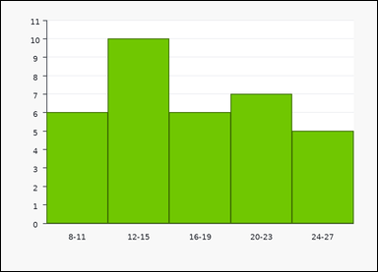 | 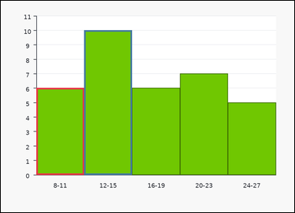 | task_charts_distribution_histogram_count | cumulative_count_to_bin | Work from the chart shown in the image: a histogram with contiguous numeric interval bins on the horizontal axis. Each bar height gives the count for that interval. Answer this question. Find the cumulative histogram count through bin 12-15. Return a valid JSON object with keys "evidence" and "answer" in that order. Evidence requirement: set "evidence" to an array containing the labels of all bins from the first bin through the queried bin. Answer format: set "answer" to the requested count as an integer. Example JSON: {"evidence":["0-2","3-5","6-8"],"answer":18} | Work from the chart shown in the image: a histogram with contiguous numeric interval bins on the horizontal axis. Each bar height gives the count for that interval. Answer this question. Find the cumulative histogram count through bin 12-15. Return a valid JSON object with key "answer". Answer rule: set "answer" to the requested count as an integer. Example JSON: {"answer":18} | {"evidence": ["8-11", "12-15"], "answer": 16} | ["8-11", "12-15"] | integer | label_set | 858800777700072 | task_charts_distribution_histogram_count/images/cumulative_count_to_bin/0001.png | task_charts_distribution_histogram_count/data/cumulative_count_to_bin/0001.json
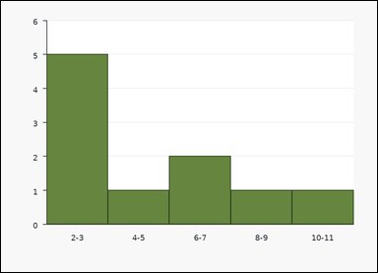 | 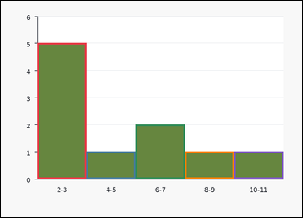 | task_charts_distribution_histogram_count | cumulative_count_to_bin | Work from the chart shown in the image: a histogram with contiguous numeric interval bins on the horizontal axis. Each bar height gives the count for that interval. Use the histogram counts to answer the question. Find the cumulative histogram count through bin 10-11. Return a valid JSON object with keys "evidence" and "answer" in that order. Evidence requirement: set "evidence" to an array containing the labels of all bins from the first bin through the queried bin. Answer format: set "answer" to the requested count as an integer. Example JSON: {"evidence":["0-2","3-5","6-8"],"answer":18} | Work from the chart shown in the image: a histogram with contiguous numeric interval bins on the horizontal axis. Each bar height gives the count for that interval. Use the histogram counts to answer the question. Find the cumulative histogram count through bin 10-11. Return a valid JSON object with key "answer". Answer rule: set "answer" to the requested count as an integer. Example JSON: {"answer":18} | {"evidence": ["2-3", "4-5", "6-7", "8-9", "10-11"], "answer": 10} | ["2-3", "4-5", "6-7", "8-9", "10-11"] | integer | label_set | 886902223144830 | task_charts_distribution_histogram_count/images/cumulative_count_to_bin/0006.png | task_charts_distribution_histogram_count/data/cumulative_count_to_bin/0006.json
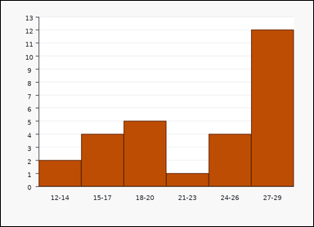 | 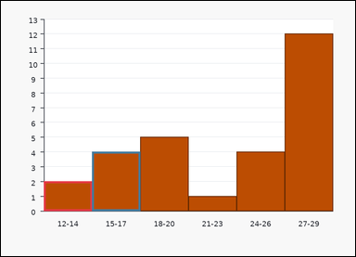 | task_charts_distribution_histogram_count | cumulative_count_to_bin | You are given a chart: a histogram with contiguous numeric interval bins on the horizontal axis. Each bar height gives the count for that interval. Work from the bin counts shown in the histogram. Determine how many items are counted up to and including 15-17. Return a valid JSON object with keys "evidence" and "answer" in that order. Evidence field: set "evidence" to an array containing the labels of all bins from the first bin through the queried bin. Answer field: set "answer" to the requested count as an integer. Example JSON: {"evidence":["0-2","3-5","6-8"],"answer":18} | You are given a chart: a histogram with contiguous numeric interval bins on the horizontal axis. Each bar height gives the count for that interval. Work from the bin counts shown in the histogram. Determine how many items are counted up to and including 15-17. Return a valid JSON object with key "answer". Answer: set "answer" to the requested count as an integer. Example JSON: {"answer":18} | {"evidence": ["12-14", "15-17"], "answer": 6} | ["12-14", "15-17"] | integer | label_set | 1.0328936084E+15 | task_charts_distribution_histogram_count/images/cumulative_count_to_bin/0018.png | task_charts_distribution_histogram_count/data/cumulative_count_to_bin/0018.json
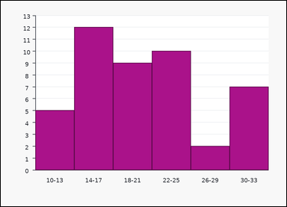 | 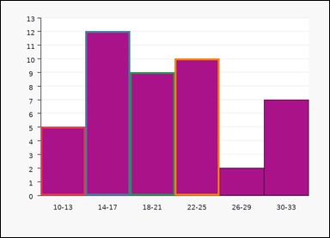 | task_charts_distribution_histogram_count | cumulative_count_to_bin | Look at the chart in the image. It shows a histogram with contiguous numeric interval bins on the horizontal axis. Each bar height gives the count for that interval. Answer this question. Find the cumulative histogram count through bin 22-25. Return a valid JSON object with keys "evidence" and "answer" in that order. Evidence: set "evidence" to an array containing the labels of all bins from the first bin through the queried bin. Answer: set "answer" to the requested count as an integer. Example JSON: {"evidence":["0-2","3-5","6-8"],"answer":18} | Look at the chart in the image. It shows a histogram with contiguous numeric interval bins on the horizontal axis. Each bar height gives the count for that interval. Answer this question. Find the cumulative histogram count through bin 22-25. Return a valid JSON object with key "answer". Answer: set "answer" to the requested count as an integer. Example JSON: {"answer":18} | {"evidence": ["10-13", "14-17", "18-21", "22-25"], "answer": 36} | ["10-13", "14-17", "18-21", "22-25"] | integer | label_set | 1.3800711905E+15 | task_charts_distribution_histogram_count/images/cumulative_count_to_bin/0014.png | task_charts_distribution_histogram_count/data/cumulative_count_to_bin/0014.json
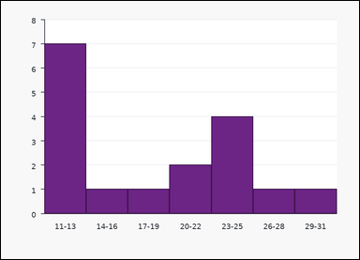 | 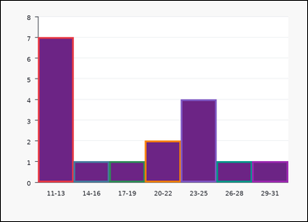 | task_charts_distribution_histogram_count | cumulative_count_to_bin | Work from the chart shown in the image: a histogram with contiguous numeric interval bins on the horizontal axis. Each bar height gives the count for that interval. Answer this question. Compute the cumulative count through bin 29-31. Return a valid JSON object with keys "evidence" and "answer" in that order. Evidence field: set "evidence" to an array containing the labels of all bins from the first bin through the queried bin. Answer field: set "answer" to the requested count as an integer. Example JSON: {"evidence":["0-2","3-5","6-8"],"answer":18} | Work from the chart shown in the image: a histogram with contiguous numeric interval bins on the horizontal axis. Each bar height gives the count for that interval. Answer this question. Compute the cumulative count through bin 29-31. Return a valid JSON object with key "answer". Answer format: set "answer" to the requested count as an integer. Example JSON: {"answer":18} | {"evidence": ["11-13", "14-16", "17-19", "20-22", "23-25", "26-28", "29-31"], "answer": 17} | ["11-13", "14-16", "17-19", "20-22", "23-25", "26-28", "29-31"] | integer | label_set | 1.5423035292E+15 | task_charts_distribution_histogram_count/images/cumulative_count_to_bin/0016.png | task_charts_distribution_histogram_count/data/cumulative_count_to_bin/0016.json
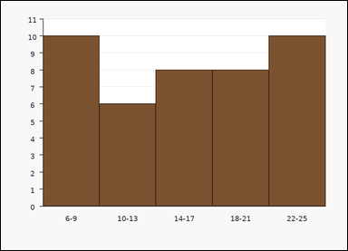 | 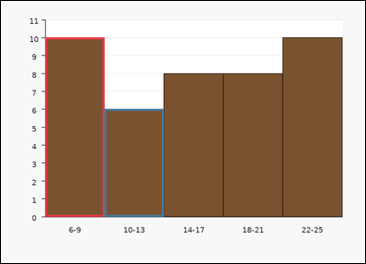 | task_charts_distribution_histogram_count | cumulative_count_to_bin | Use the distribution chart in the image. It shows a histogram with contiguous numeric interval bins on the horizontal axis. Each bar height gives the count for that interval. Use the histogram counts to answer the question. Compute the cumulative count through bin 10-13. Return a valid JSON object with keys "evidence" and "answer" in that order. Evidence requirement: set "evidence" to an array containing the labels of all bins from the first bin through the queried bin. Answer format: set "answer" to the requested count as an integer. Example JSON: {"evidence":["0-2","3-5","6-8"],"answer":18} | Use the distribution chart in the image. It shows a histogram with contiguous numeric interval bins on the horizontal axis. Each bar height gives the count for that interval. Use the histogram counts to answer the question. Compute the cumulative count through bin 10-13. Return a valid JSON object with key "answer". Answer field: set "answer" to the requested count as an integer. Example JSON: {"answer":18} | {"evidence": ["6-9", "10-13"], "answer": 16} | ["6-9", "10-13"] | integer | label_set | 2.1914920796E+15 | task_charts_distribution_histogram_count/images/cumulative_count_to_bin/0009.png | task_charts_distribution_histogram_count/data/cumulative_count_to_bin/0009.json
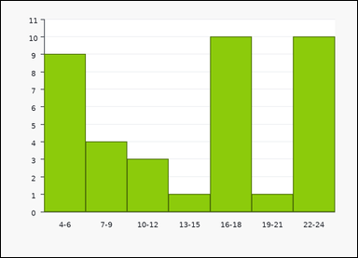 | 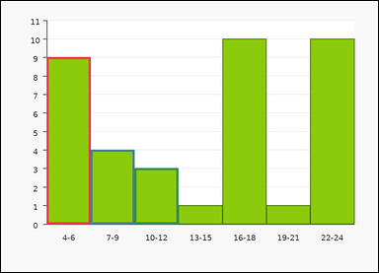 | task_charts_distribution_histogram_count | cumulative_count_to_bin | You are given a chart: a histogram with contiguous numeric interval bins on the horizontal axis. Each bar height gives the count for that interval. Use the histogram counts to answer the question. What is the total count from the first bin through 10-12? Return a valid JSON object with keys "evidence" and "answer" in that order. Evidence rule: set "evidence" to an array containing the labels of all bins from the first bin through the queried bin. Answer rule: set "answer" to the requested count as an integer. Example JSON: {"evidence":["0-2","3-5","6-8"],"answer":18} | You are given a chart: a histogram with contiguous numeric interval bins on the horizontal axis. Each bar height gives the count for that interval. Use the histogram counts to answer the question. What is the total count from the first bin through 10-12? Return a valid JSON object with key "answer". Answer requirement: set "answer" to the requested count as an integer. Example JSON: {"answer":18} | {"evidence": ["4-6", "7-9", "10-12"], "answer": 16} | ["4-6", "7-9", "10-12"] | integer | label_set | 2.3797357862E+15 | task_charts_distribution_histogram_count/images/cumulative_count_to_bin/0012.png | task_charts_distribution_histogram_count/data/cumulative_count_to_bin/0012.json
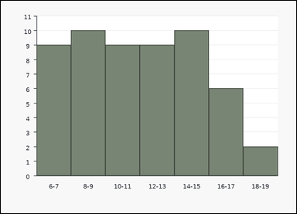 | 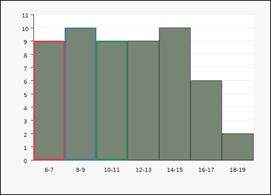 | task_charts_distribution_histogram_count | cumulative_count_to_bin | Work from the chart shown in the image: a histogram with contiguous numeric interval bins on the horizontal axis. Each bar height gives the count for that interval. Read the histogram and compute the requested count. Compute the cumulative count through bin 10-11. Return a valid JSON object with keys "evidence" and "answer" in that order. Evidence field: set "evidence" to an array containing the labels of all bins from the first bin through the queried bin. Answer field: set "answer" to the requested count as an integer. Example JSON: {"evidence":["0-2","3-5","6-8"],"answer":18} | Work from the chart shown in the image: a histogram with contiguous numeric interval bins on the horizontal axis. Each bar height gives the count for that interval. Read the histogram and compute the requested count. Compute the cumulative count through bin 10-11. Return a valid JSON object with key "answer". Answer rule: set "answer" to the requested count as an integer. Example JSON: {"answer":18} | {"evidence": ["6-7", "8-9", "10-11"], "answer": 28} | ["6-7", "8-9", "10-11"] | integer | label_set | 2.6316687105E+15 | task_charts_distribution_histogram_count/images/cumulative_count_to_bin/0010.png | task_charts_distribution_histogram_count/data/cumulative_count_to_bin/0010.json
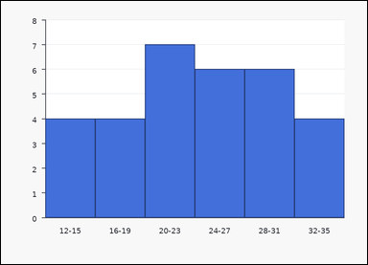 | 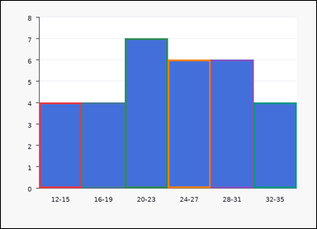 | task_charts_distribution_histogram_count | cumulative_count_to_bin | You are given a chart: a histogram with contiguous numeric interval bins on the horizontal axis. Each bar height gives the count for that interval. Use the histogram counts to answer the question. Compute the cumulative count through bin 32-35. Return a valid JSON object with keys "evidence" and "answer" in that order. Evidence requirement: set "evidence" to an array containing the labels of all bins from the first bin through the queried bin. Answer format: set "answer" to the requested count as an integer. Example JSON: {"evidence":["0-2","3-5","6-8"],"answer":18} | You are given a chart: a histogram with contiguous numeric interval bins on the horizontal axis. Each bar height gives the count for that interval. Use the histogram counts to answer the question. Compute the cumulative count through bin 32-35. Return a valid JSON object with key "answer". Answer format: set "answer" to the requested count as an integer. Example JSON: {"answer":18} | {"evidence": ["12-15", "16-19", "20-23", "24-27", "28-31", "32-35"], "answer": 31} | ["12-15", "16-19", "20-23", "24-27", "28-31", "32-35"] | integer | label_set | 2.7870405589E+15 | task_charts_distribution_histogram_count/images/cumulative_count_to_bin/0002.png | task_charts_distribution_histogram_count/data/cumulative_count_to_bin/0002.json
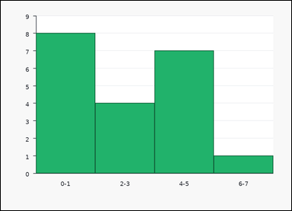 |  | task_charts_distribution_histogram_count | cumulative_count_to_bin | The image shows a histogram with contiguous numeric interval bins on the horizontal axis. Each bar height gives the count for that interval. Read the histogram and compute the requested count. What is the cumulative count up to and including bin 6-7? Return a valid JSON object with keys "evidence" and "answer" in that order. Evidence format: set "evidence" to an array containing the labels of all bins from the first bin through the queried bin. Answer requirement: set "answer" to the requested count as an integer. Example JSON: {"evidence":["0-2","3-5","6-8"],"answer":18} | The image shows a histogram with contiguous numeric interval bins on the horizontal axis. Each bar height gives the count for that interval. Read the histogram and compute the requested count. What is the cumulative count up to and including bin 6-7? Return a valid JSON object with key "answer". Answer field: set "answer" to the requested count as an integer. Example JSON: {"answer":18} | {"evidence": ["0-1", "2-3", "4-5", "6-7"], "answer": 20} | ["0-1", "2-3", "4-5", "6-7"] | integer | label_set | 3.1422574448E+15 | task_charts_distribution_histogram_count/images/cumulative_count_to_bin/0007.png | task_charts_distribution_histogram_count/data/cumulative_count_to_bin/0007.json
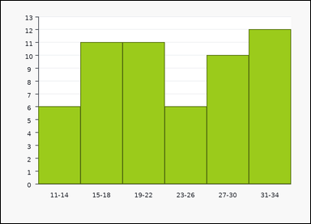 | 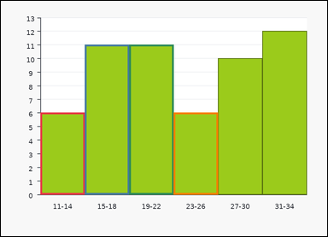 | task_charts_distribution_histogram_count | cumulative_count_to_bin | Use the distribution chart in the image. It shows a histogram with contiguous numeric interval bins on the horizontal axis. Each bar height gives the count for that interval. Read the histogram and compute the requested count. Determine how many items are counted up to and including 23-26. Return a valid JSON object with keys "evidence" and "answer" in that order. Evidence field: set "evidence" to an array containing the labels of all bins from the first bin through the queried bin. Answer field: set "answer" to the requested count as an integer. Example JSON: {"evidence":["0-2","3-5","6-8"],"answer":18} | Use the distribution chart in the image. It shows a histogram with contiguous numeric interval bins on the horizontal axis. Each bar height gives the count for that interval. Read the histogram and compute the requested count. Determine how many items are counted up to and including 23-26. Return a valid JSON object with key "answer". Answer format: set "answer" to the requested count as an integer. Example JSON: {"answer":18} | {"evidence": ["11-14", "15-18", "19-22", "23-26"], "answer": 34} | ["11-14", "15-18", "19-22", "23-26"] | integer | label_set | 3.3026165007E+15 | task_charts_distribution_histogram_count/images/cumulative_count_to_bin/0003.png | task_charts_distribution_histogram_count/data/cumulative_count_to_bin/0003.json
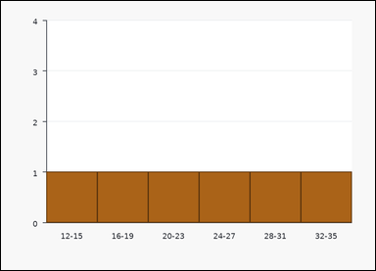 | 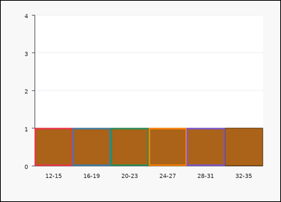 | task_charts_distribution_histogram_count | cumulative_count_to_bin | Use the distribution chart in the image. It shows a histogram with contiguous numeric interval bins on the horizontal axis. Each bar height gives the count for that interval. Answer this question. Compute the cumulative count through bin 28-31. Return a valid JSON object with keys "evidence" and "answer" in that order. Evidence field: set "evidence" to an array containing the labels of all bins from the first bin through the queried bin. Answer field: set "answer" to the requested count as an integer. Example JSON: {"evidence":["0-2","3-5","6-8"],"answer":18} | Use the distribution chart in the image. It shows a histogram with contiguous numeric interval bins on the horizontal axis. Each bar height gives the count for that interval. Answer this question. Compute the cumulative count through bin 28-31. Return a valid JSON object with key "answer". Answer: set "answer" to the requested count as an integer. Example JSON: {"answer":18} | {"evidence": ["12-15", "16-19", "20-23", "24-27", "28-31"], "answer": 5} | ["12-15", "16-19", "20-23", "24-27", "28-31"] | integer | label_set | 3.3805321589E+15 | task_charts_distribution_histogram_count/images/cumulative_count_to_bin/0000.png | task_charts_distribution_histogram_count/data/cumulative_count_to_bin/0000.json
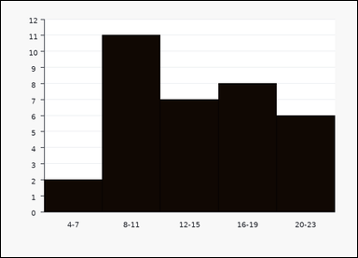 | 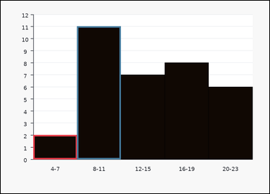 | task_charts_distribution_histogram_count | cumulative_count_to_bin | The image shows a histogram with contiguous numeric interval bins on the horizontal axis. Each bar height gives the count for that interval. Answer this question. Compute the cumulative count through bin 8-11. Return a valid JSON object with keys "evidence" and "answer" in that order. Evidence format: set "evidence" to an array containing the labels of all bins from the first bin through the queried bin. Answer requirement: set "answer" to the requested count as an integer. Example JSON: {"evidence":["0-2","3-5","6-8"],"answer":18} | The image shows a histogram with contiguous numeric interval bins on the horizontal axis. Each bar height gives the count for that interval. Answer this question. Compute the cumulative count through bin 8-11. Return a valid JSON object with key "answer". Answer: set "answer" to the requested count as an integer. Example JSON: {"answer":18} | {"evidence": ["4-7", "8-11"], "answer": 13} | ["4-7", "8-11"] | integer | label_set | 3.3851737664E+15 | task_charts_distribution_histogram_count/images/cumulative_count_to_bin/0019.png | task_charts_distribution_histogram_count/data/cumulative_count_to_bin/0019.json
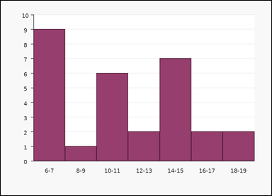 | 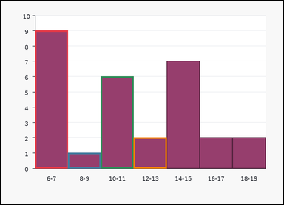 | task_charts_distribution_histogram_count | cumulative_count_to_bin | Use the distribution chart in the image. It shows a histogram with contiguous numeric interval bins on the horizontal axis. Each bar height gives the count for that interval. Determine the requested count from the histogram. What is the total count from the first bin through 12-13? Return a valid JSON object with keys "evidence" and "answer" in that order. Evidence format: set "evidence" to an array containing the labels of all bins from the first bin through the queried bin. Answer requirement: set "answer" to the requested count as an integer. Example JSON: {"evidence":["0-2","3-5","6-8"],"answer":18} | Use the distribution chart in the image. It shows a histogram with contiguous numeric interval bins on the horizontal axis. Each bar height gives the count for that interval. Determine the requested count from the histogram. What is the total count from the first bin through 12-13? Return a valid JSON object with key "answer". Answer rule: set "answer" to the requested count as an integer. Example JSON: {"answer":18} | {"evidence": ["6-7", "8-9", "10-11", "12-13"], "answer": 18} | ["6-7", "8-9", "10-11", "12-13"] | integer | label_set | 3.5822162007E+15 | task_charts_distribution_histogram_count/images/cumulative_count_to_bin/0015.png | task_charts_distribution_histogram_count/data/cumulative_count_to_bin/0015.json
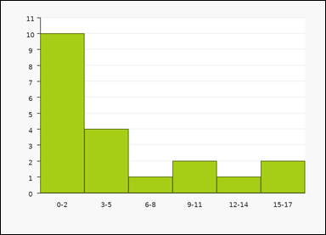 | 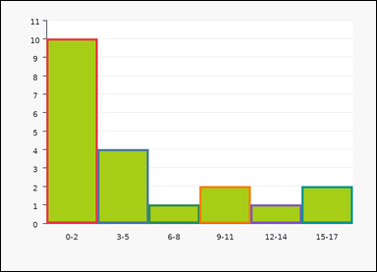 | task_charts_distribution_histogram_count | cumulative_count_to_bin | You are given a chart: a histogram with contiguous numeric interval bins on the horizontal axis. Each bar height gives the count for that interval. Answer this question. Determine how many items are counted up to and including 15-17. Return a valid JSON object with keys "evidence" and "answer" in that order. Evidence format: set "evidence" to an array containing the labels of all bins from the first bin through the queried bin. Answer requirement: set "answer" to the requested count as an integer. Example JSON: {"evidence":["0-2","3-5","6-8"],"answer":18} | You are given a chart: a histogram with contiguous numeric interval bins on the horizontal axis. Each bar height gives the count for that interval. Answer this question. Determine how many items are counted up to and including 15-17. Return a valid JSON object with key "answer". Answer: set "answer" to the requested count as an integer. Example JSON: {"answer":18} | {"evidence": ["0-2", "3-5", "6-8", "9-11", "12-14", "15-17"], "answer": 20} | ["0-2", "3-5", "6-8", "9-11", "12-14", "15-17"] | integer | label_set | 3.7195123935E+15 | task_charts_distribution_histogram_count/images/cumulative_count_to_bin/0005.png | task_charts_distribution_histogram_count/data/cumulative_count_to_bin/0005.json
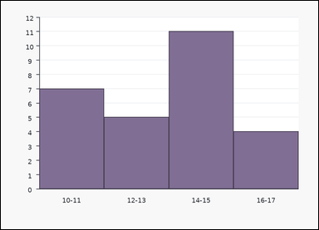 | 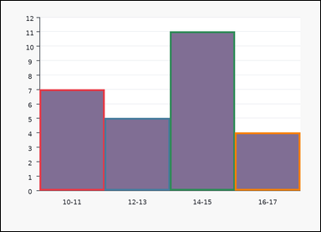 | task_charts_distribution_histogram_count | cumulative_count_to_bin | You are given a chart: a histogram with contiguous numeric interval bins on the horizontal axis. Each bar height gives the count for that interval. Read the histogram and compute the requested count. What is the total count from the first bin through 16-17? Return a valid JSON object with keys "evidence" and "answer" in that order. Evidence field: set "evidence" to an array containing the labels of all bins from the first bin through the queried bin. Answer field: set "answer" to the requested count as an integer. Example JSON: {"evidence":["0-2","3-5","6-8"],"answer":18} | You are given a chart: a histogram with contiguous numeric interval bins on the horizontal axis. Each bar height gives the count for that interval. Read the histogram and compute the requested count. What is the total count from the first bin through 16-17? Return a valid JSON object with key "answer". Answer requirement: set "answer" to the requested count as an integer. Example JSON: {"answer":18} | {"evidence": ["10-11", "12-13", "14-15", "16-17"], "answer": 27} | ["10-11", "12-13", "14-15", "16-17"] | integer | label_set | 4.4667740987E+15 | task_charts_distribution_histogram_count/images/cumulative_count_to_bin/0013.png | task_charts_distribution_histogram_count/data/cumulative_count_to_bin/0013.json
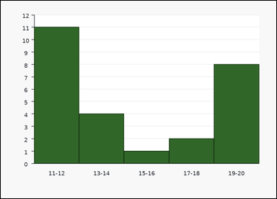 | 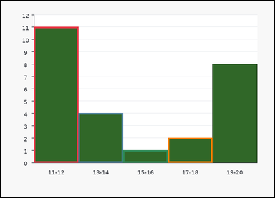 | task_charts_distribution_histogram_count | cumulative_count_to_bin | You are given a chart: a histogram with contiguous numeric interval bins on the horizontal axis. Each bar height gives the count for that interval. Work from the bin counts shown in the histogram. Compute the cumulative count through bin 17-18. Return a valid JSON object with keys "evidence" and "answer" in that order. Evidence: set "evidence" to an array containing the labels of all bins from the first bin through the queried bin. Answer: set "answer" to the requested count as an integer. Example JSON: {"evidence":["0-2","3-5","6-8"],"answer":18} | You are given a chart: a histogram with contiguous numeric interval bins on the horizontal axis. Each bar height gives the count for that interval. Work from the bin counts shown in the histogram. Compute the cumulative count through bin 17-18. Return a valid JSON object with key "answer". Answer requirement: set "answer" to the requested count as an integer. Example JSON: {"answer":18} | {"evidence": ["11-12", "13-14", "15-16", "17-18"], "answer": 18} | ["11-12", "13-14", "15-16", "17-18"] | integer | label_set | 4.6023666704E+15 | task_charts_distribution_histogram_count/images/cumulative_count_to_bin/0017.png | task_charts_distribution_histogram_count/data/cumulative_count_to_bin/0017.json
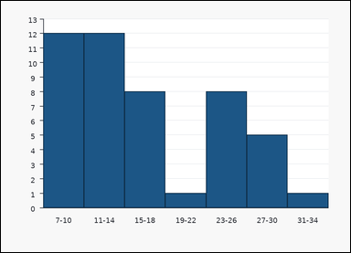 |  | task_charts_distribution_histogram_count | cumulative_count_to_bin | You are given a chart: a histogram with contiguous numeric interval bins on the horizontal axis. Each bar height gives the count for that interval. Answer this question. What is the total count from the first bin through 11-14? Return a valid JSON object with keys "evidence" and "answer" in that order. Evidence requirement: set "evidence" to an array containing the labels of all bins from the first bin through the queried bin. Answer format: set "answer" to the requested count as an integer. Example JSON: {"evidence":["0-2","3-5","6-8"],"answer":18} | You are given a chart: a histogram with contiguous numeric interval bins on the horizontal axis. Each bar height gives the count for that interval. Answer this question. What is the total count from the first bin through 11-14? Return a valid JSON object with key "answer". Answer field: set "answer" to the requested count as an integer. Example JSON: {"answer":18} | {"evidence": ["7-10", "11-14"], "answer": 24} | ["7-10", "11-14"] | integer | label_set | 4.801807457E+15 | task_charts_distribution_histogram_count/images/cumulative_count_to_bin/0021.png | task_charts_distribution_histogram_count/data/cumulative_count_to_bin/0021.json
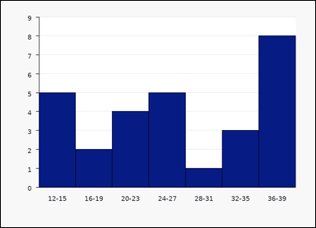 | 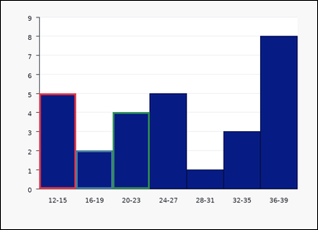 | task_charts_distribution_histogram_count | cumulative_count_to_bin | Look at the chart in the image. It shows a histogram with contiguous numeric interval bins on the horizontal axis. Each bar height gives the count for that interval. Work from the bin counts shown in the histogram. What is the total count from the first bin through 20-23? Return a valid JSON object with keys "evidence" and "answer" in that order. Evidence field: set "evidence" to an array containing the labels of all bins from the first bin through the queried bin. Answer field: set "answer" to the requested count as an integer. Example JSON: {"evidence":["0-2","3-5","6-8"],"answer":18} | Look at the chart in the image. It shows a histogram with contiguous numeric interval bins on the horizontal axis. Each bar height gives the count for that interval. Work from the bin counts shown in the histogram. What is the total count from the first bin through 20-23? Return a valid JSON object with key "answer". Answer requirement: set "answer" to the requested count as an integer. Example JSON: {"answer":18} | {"evidence": ["12-15", "16-19", "20-23"], "answer": 11} | ["12-15", "16-19", "20-23"] | integer | label_set | 6.4742182697E+15 | task_charts_distribution_histogram_count/images/cumulative_count_to_bin/0011.png | task_charts_distribution_histogram_count/data/cumulative_count_to_bin/0011.json
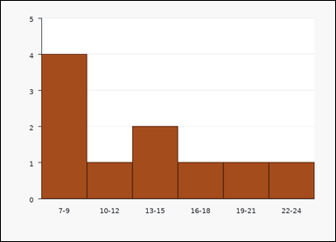 | 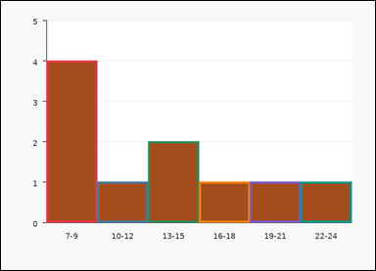 | task_charts_distribution_histogram_count | cumulative_count_to_bin | The image shows a histogram with contiguous numeric interval bins on the horizontal axis. Each bar height gives the count for that interval. Use the histogram counts to answer the question. What is the total count from the first bin through 22-24? Return a valid JSON object with keys "evidence" and "answer" in that order. Evidence rule: set "evidence" to an array containing the labels of all bins from the first bin through the queried bin. Answer rule: set "answer" to the requested count as an integer. Example JSON: {"evidence":["0-2","3-5","6-8"],"answer":18} | The image shows a histogram with contiguous numeric interval bins on the horizontal axis. Each bar height gives the count for that interval. Use the histogram counts to answer the question. What is the total count from the first bin through 22-24? Return a valid JSON object with key "answer". Answer: set "answer" to the requested count as an integer. Example JSON: {"answer":18} | {"evidence": ["7-9", "10-12", "13-15", "16-18", "19-21", "22-24"], "answer": 10} | ["7-9", "10-12", "13-15", "16-18", "19-21", "22-24"] | integer | label_set | 6.6419375761E+15 | task_charts_distribution_histogram_count/images/cumulative_count_to_bin/0020.png | task_charts_distribution_histogram_count/data/cumulative_count_to_bin/0020.json
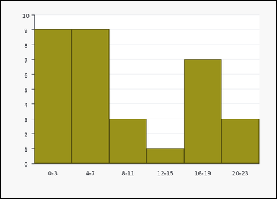 | 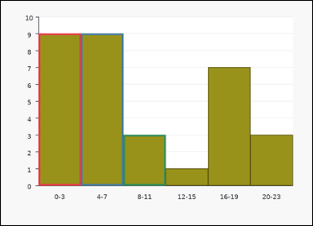 | task_charts_distribution_histogram_count | cumulative_count_to_bin | Look at the chart in the image. It shows a histogram with contiguous numeric interval bins on the horizontal axis. Each bar height gives the count for that interval. Answer this question. What is the total count from the first bin through 8-11? Return a valid JSON object with keys "evidence" and "answer" in that order. Evidence rule: set "evidence" to an array containing the labels of all bins from the first bin through the queried bin. Answer rule: set "answer" to the requested count as an integer. Example JSON: {"evidence":["0-2","3-5","6-8"],"answer":18} | Look at the chart in the image. It shows a histogram with contiguous numeric interval bins on the horizontal axis. Each bar height gives the count for that interval. Answer this question. What is the total count from the first bin through 8-11? Return a valid JSON object with key "answer". Answer field: set "answer" to the requested count as an integer. Example JSON: {"answer":18} | {"evidence": ["0-3", "4-7", "8-11"], "answer": 21} | ["0-3", "4-7", "8-11"] | integer | label_set | 6.7061784733E+15 | task_charts_distribution_histogram_count/images/cumulative_count_to_bin/0023.png | task_charts_distribution_histogram_count/data/cumulative_count_to_bin/0023.json
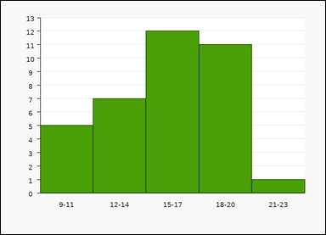 | 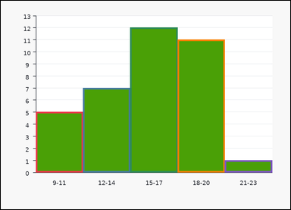 | task_charts_distribution_histogram_count | cumulative_count_to_bin | Use the distribution chart in the image. It shows a histogram with contiguous numeric interval bins on the horizontal axis. Each bar height gives the count for that interval. Determine the requested count from the histogram. Find the cumulative histogram count through bin 21-23. Return a valid JSON object with keys "evidence" and "answer" in that order. Evidence field: set "evidence" to an array containing the labels of all bins from the first bin through the queried bin. Answer field: set "answer" to the requested count as an integer. Example JSON: {"evidence":["0-2","3-5","6-8"],"answer":18} | Use the distribution chart in the image. It shows a histogram with contiguous numeric interval bins on the horizontal axis. Each bar height gives the count for that interval. Determine the requested count from the histogram. Find the cumulative histogram count through bin 21-23. Return a valid JSON object with key "answer". Answer requirement: set "answer" to the requested count as an integer. Example JSON: {"answer":18} | {"evidence": ["9-11", "12-14", "15-17", "18-20", "21-23"], "answer": 36} | ["9-11", "12-14", "15-17", "18-20", "21-23"] | integer | label_set | 6.7376812194E+15 | task_charts_distribution_histogram_count/images/cumulative_count_to_bin/0022.png | task_charts_distribution_histogram_count/data/cumulative_count_to_bin/0022.json
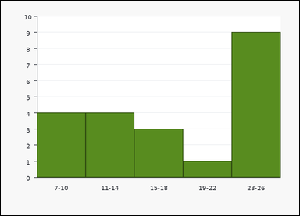 |  | task_charts_distribution_histogram_count | cumulative_count_to_bin | You are given a chart: a histogram with contiguous numeric interval bins on the horizontal axis. Each bar height gives the count for that interval. Determine the requested count from the histogram. What is the total count from the first bin through 19-22? Return a valid JSON object with keys "evidence" and "answer" in that order. Evidence field: set "evidence" to an array containing the labels of all bins from the first bin through the queried bin. Answer field: set "answer" to the requested count as an integer. Example JSON: {"evidence":["0-2","3-5","6-8"],"answer":18} | You are given a chart: a histogram with contiguous numeric interval bins on the horizontal axis. Each bar height gives the count for that interval. Determine the requested count from the histogram. What is the total count from the first bin through 19-22? Return a valid JSON object with key "answer". Answer: set "answer" to the requested count as an integer. Example JSON: {"answer":18} | {"evidence": ["7-10", "11-14", "15-18", "19-22"], "answer": 12} | ["7-10", "11-14", "15-18", "19-22"] | integer | label_set | 7.1911523499E+15 | task_charts_distribution_histogram_count/images/cumulative_count_to_bin/0008.png | task_charts_distribution_histogram_count/data/cumulative_count_to_bin/0008.json
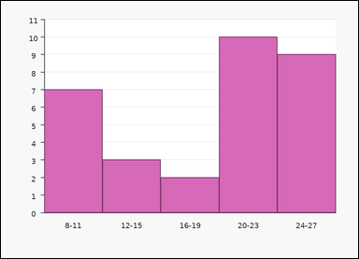 |  | task_charts_distribution_histogram_count | cumulative_count_to_bin | The image shows a histogram with contiguous numeric interval bins on the horizontal axis. Each bar height gives the count for that interval. Read the histogram and compute the requested count. What is the cumulative count up to and including bin 16-19? Return a valid JSON object with keys "evidence" and "answer" in that order. Evidence field: set "evidence" to an array containing the labels of all bins from the first bin through the queried bin. Answer field: set "answer" to the requested count as an integer. Example JSON: {"evidence":["0-2","3-5","6-8"],"answer":18} | The image shows a histogram with contiguous numeric interval bins on the horizontal axis. Each bar height gives the count for that interval. Read the histogram and compute the requested count. What is the cumulative count up to and including bin 16-19? Return a valid JSON object with key "answer". Answer field: set "answer" to the requested count as an integer. Example JSON: {"answer":18} | {"evidence": ["8-11", "12-15", "16-19"], "answer": 12} | ["8-11", "12-15", "16-19"] | integer | label_set | 8.0927923612E+15 | task_charts_distribution_histogram_count/images/cumulative_count_to_bin/0004.png | task_charts_distribution_histogram_count/data/cumulative_count_to_bin/0004.json
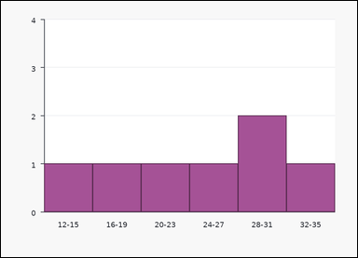 | 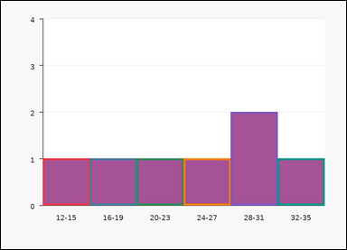 | task_charts_distribution_histogram_count | cumulative_count_to_bin | Use the distribution chart in the image. It shows a histogram with contiguous numeric interval bins on the horizontal axis. Each bar height gives the count for that interval. Determine the requested count from the histogram. Determine how many items are counted up to and including 32-35. Return a valid JSON object with keys "evidence" and "answer" in that order. Evidence rule: set "evidence" to an array containing the labels of all bins from the first bin through the queried bin. Answer rule: set "answer" to the requested count as an integer. Example JSON: {"evidence":["0-2","3-5","6-8"],"answer":18} | Use the distribution chart in the image. It shows a histogram with contiguous numeric interval bins on the horizontal axis. Each bar height gives the count for that interval. Determine the requested count from the histogram. Determine how many items are counted up to and including 32-35. Return a valid JSON object with key "answer". Answer format: set "answer" to the requested count as an integer. Example JSON: {"answer":18} | {"evidence": ["12-15", "16-19", "20-23", "24-27", "28-31", "32-35"], "answer": 7} | ["12-15", "16-19", "20-23", "24-27", "28-31", "32-35"] | integer | label_set | 8.4612445299E+15 | task_charts_distribution_histogram_count/images/cumulative_count_to_bin/0024.png | task_charts_distribution_histogram_count/data/cumulative_count_to_bin/0024.json

interval_mass
image | evidence_image | task | task_variant | prompt | prompt_answer_only | answer | answer_evidence | answer_type | evidence_type | instance_seed | image_path | data_path
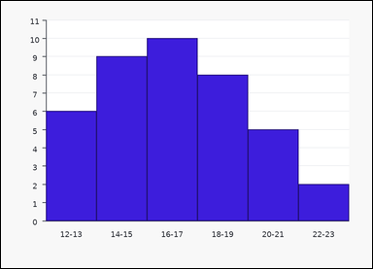 | 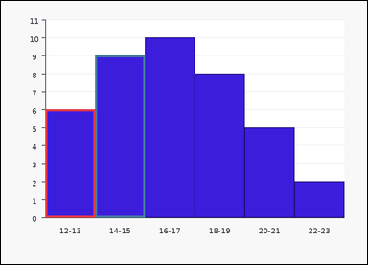 | task_charts_distribution_histogram_count | interval_mass | Work from the chart shown in the image: a histogram with contiguous numeric interval bins on the horizontal axis. Each bar height gives the count for that interval. Answer this question. How many items fall in the interval 12-15? Return a valid JSON object with keys "evidence" and "answer" in that order. Evidence format: set "evidence" to an array containing the labels of all bins included in the queried interval. Answer requirement: set "answer" to the requested count as an integer. Example JSON: {"evidence":["6-8","9-11"],"answer":15} | Work from the chart shown in the image: a histogram with contiguous numeric interval bins on the horizontal axis. Each bar height gives the count for that interval. Answer this question. How many items fall in the interval 12-15? Return a valid JSON object with key "answer". Answer field: set "answer" to the requested count as an integer. Example JSON: {"answer":15} | {"evidence": ["12-13", "14-15"], "answer": 15} | ["12-13", "14-15"] | integer | label_set | 629947904323977 | task_charts_distribution_histogram_count/images/interval_mass/0003.png | task_charts_distribution_histogram_count/data/interval_mass/0003.json
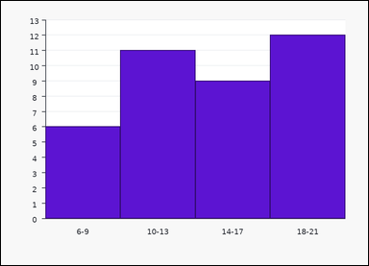 |  | task_charts_distribution_histogram_count | interval_mass | Look at the chart in the image. It shows a histogram with contiguous numeric interval bins on the horizontal axis. Each bar height gives the count for that interval. Determine the requested count from the histogram. Compute the total histogram count inside 10-17. Return a valid JSON object with keys "evidence" and "answer" in that order. Evidence rule: set "evidence" to an array containing the labels of all bins included in the queried interval. Answer rule: set "answer" to the requested count as an integer. Example JSON: {"evidence":["6-8","9-11"],"answer":15} | Look at the chart in the image. It shows a histogram with contiguous numeric interval bins on the horizontal axis. Each bar height gives the count for that interval. Determine the requested count from the histogram. Compute the total histogram count inside 10-17. Return a valid JSON object with key "answer". Answer field: set "answer" to the requested count as an integer. Example JSON: {"answer":15} | {"evidence": ["10-13", "14-17"], "answer": 20} | ["10-13", "14-17"] | integer | label_set | 863396656646253 | task_charts_distribution_histogram_count/images/interval_mass/0019.png | task_charts_distribution_histogram_count/data/interval_mass/0019.json
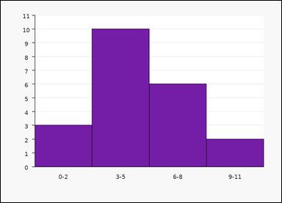 |  | task_charts_distribution_histogram_count | interval_mass | Look at the chart in the image. It shows a histogram with contiguous numeric interval bins on the horizontal axis. Each bar height gives the count for that interval. Work from the bin counts shown in the histogram. What is the count across the interval 3-11? Return a valid JSON object with keys "evidence" and "answer" in that order. Evidence requirement: set "evidence" to an array containing the labels of all bins included in the queried interval. Answer format: set "answer" to the requested count as an integer. Example JSON: {"evidence":["6-8","9-11"],"answer":15} | Look at the chart in the image. It shows a histogram with contiguous numeric interval bins on the horizontal axis. Each bar height gives the count for that interval. Work from the bin counts shown in the histogram. What is the count across the interval 3-11? Return a valid JSON object with key "answer". Answer field: set "answer" to the requested count as an integer. Example JSON: {"answer":15} | {"evidence": ["3-5", "6-8", "9-11"], "answer": 18} | ["3-5", "6-8", "9-11"] | integer | label_set | 922963388246765 | task_charts_distribution_histogram_count/images/interval_mass/0022.png | task_charts_distribution_histogram_count/data/interval_mass/0022.json
 |  | task_charts_distribution_histogram_count | interval_mass | The image shows a histogram with contiguous numeric interval bins on the horizontal axis. Each bar height gives the count for that interval. Answer this question. What is the count across the interval 14-22? Return a valid JSON object with keys "evidence" and "answer" in that order. Evidence: set "evidence" to an array containing the labels of all bins included in the queried interval. Answer: set "answer" to the requested count as an integer. Example JSON: {"evidence":["6-8","9-11"],"answer":15} | The image shows a histogram with contiguous numeric interval bins on the horizontal axis. Each bar height gives the count for that interval. Answer this question. What is the count across the interval 14-22? Return a valid JSON object with key "answer". Answer rule: set "answer" to the requested count as an integer. Example JSON: {"answer":15} | {"evidence": ["14-16", "17-19", "20-22"], "answer": 7} | ["14-16", "17-19", "20-22"] | integer | label_set | 1.3973538343E+15 | task_charts_distribution_histogram_count/images/interval_mass/0005.png | task_charts_distribution_histogram_count/data/interval_mass/0005.json
 |  | task_charts_distribution_histogram_count | interval_mass | Work from the chart shown in the image: a histogram with contiguous numeric interval bins on the horizontal axis. Each bar height gives the count for that interval. Read the histogram and compute the requested count. Find the total count in the interval 15-22. Return a valid JSON object with keys "evidence" and "answer" in that order. Evidence: set "evidence" to an array containing the labels of all bins included in the queried interval. Answer: set "answer" to the requested count as an integer. Example JSON: {"evidence":["6-8","9-11"],"answer":15} | Work from the chart shown in the image: a histogram with contiguous numeric interval bins on the horizontal axis. Each bar height gives the count for that interval. Read the histogram and compute the requested count. Find the total count in the interval 15-22. Return a valid JSON object with key "answer". Answer format: set "answer" to the requested count as an integer. Example JSON: {"answer":15} | {"evidence": ["15-16", "17-18", "19-20", "21-22"], "answer": 11} | ["15-16", "17-18", "19-20", "21-22"] | integer | label_set | 1.3985616415E+15 | task_charts_distribution_histogram_count/images/interval_mass/0012.png | task_charts_distribution_histogram_count/data/interval_mass/0012.json
 |  | task_charts_distribution_histogram_count | interval_mass | Look at the chart in the image. It shows a histogram with contiguous numeric interval bins on the horizontal axis. Each bar height gives the count for that interval. Use the histogram counts to answer the question. Compute the total histogram count inside 8-13. Return a valid JSON object with keys "evidence" and "answer" in that order. Evidence rule: set "evidence" to an array containing the labels of all bins included in the queried interval. Answer rule: set "answer" to the requested count as an integer. Example JSON: {"evidence":["6-8","9-11"],"answer":15} | Look at the chart in the image. It shows a histogram with contiguous numeric interval bins on the horizontal axis. Each bar height gives the count for that interval. Use the histogram counts to answer the question. Compute the total histogram count inside 8-13. Return a valid JSON object with key "answer". Answer: set "answer" to the requested count as an integer. Example JSON: {"answer":15} | {"evidence": ["8-9", "10-11", "12-13"], "answer": 23} | ["8-9", "10-11", "12-13"] | integer | label_set | 1.7347139173E+15 | task_charts_distribution_histogram_count/images/interval_mass/0002.png | task_charts_distribution_histogram_count/data/interval_mass/0002.json
 |  | task_charts_distribution_histogram_count | interval_mass | Work from the chart shown in the image: a histogram with contiguous numeric interval bins on the horizontal axis. Each bar height gives the count for that interval. Read the histogram and compute the requested count. Determine how many items lie in the interval 0-7. Return a valid JSON object with keys "evidence" and "answer" in that order. Evidence format: set "evidence" to an array containing the labels of all bins included in the queried interval. Answer requirement: set "answer" to the requested count as an integer. Example JSON: {"evidence":["6-8","9-11"],"answer":15} | Work from the chart shown in the image: a histogram with contiguous numeric interval bins on the horizontal axis. Each bar height gives the count for that interval. Read the histogram and compute the requested count. Determine how many items lie in the interval 0-7. Return a valid JSON object with key "answer". Answer field: set "answer" to the requested count as an integer. Example JSON: {"answer":15} | {"evidence": ["0-1", "2-3", "4-5", "6-7"], "answer": 17} | ["0-1", "2-3", "4-5", "6-7"] | integer | label_set | 2.2436698493E+15 | task_charts_distribution_histogram_count/images/interval_mass/0023.png | task_charts_distribution_histogram_count/data/interval_mass/0023.json
 |  | task_charts_distribution_histogram_count | interval_mass | The image shows a histogram with contiguous numeric interval bins on the horizontal axis. Each bar height gives the count for that interval. Determine the requested count from the histogram. Determine how many items lie in the interval 14-17. Return a valid JSON object with keys "evidence" and "answer" in that order. Evidence field: set "evidence" to an array containing the labels of all bins included in the queried interval. Answer field: set "answer" to the requested count as an integer. Example JSON: {"evidence":["6-8","9-11"],"answer":15} | The image shows a histogram with contiguous numeric interval bins on the horizontal axis. Each bar height gives the count for that interval. Determine the requested count from the histogram. Determine how many items lie in the interval 14-17. Return a valid JSON object with key "answer". Answer requirement: set "answer" to the requested count as an integer. Example JSON: {"answer":15} | {"evidence": ["14-15", "16-17"], "answer": 12} | ["14-15", "16-17"] | integer | label_set | 2.5894105904E+15 | task_charts_distribution_histogram_count/images/interval_mass/0000.png | task_charts_distribution_histogram_count/data/interval_mass/0000.json
 |  | task_charts_distribution_histogram_count | interval_mass | Work from the chart shown in the image: a histogram with contiguous numeric interval bins on the horizontal axis. Each bar height gives the count for that interval. Work from the bin counts shown in the histogram. Compute the total histogram count inside 7-15. Return a valid JSON object with keys "evidence" and "answer" in that order. Evidence rule: set "evidence" to an array containing the labels of all bins included in the queried interval. Answer rule: set "answer" to the requested count as an integer. Example JSON: {"evidence":["6-8","9-11"],"answer":15} | Work from the chart shown in the image: a histogram with contiguous numeric interval bins on the horizontal axis. Each bar height gives the count for that interval. Work from the bin counts shown in the histogram. Compute the total histogram count inside 7-15. Return a valid JSON object with key "answer". Answer requirement: set "answer" to the requested count as an integer. Example JSON: {"answer":15} | {"evidence": ["7-9", "10-12", "13-15"], "answer": 24} | ["7-9", "10-12", "13-15"] | integer | label_set | 2.6209305909E+15 | task_charts_distribution_histogram_count/images/interval_mass/0006.png | task_charts_distribution_histogram_count/data/interval_mass/0006.json
 |  | task_charts_distribution_histogram_count | interval_mass | You are given a chart: a histogram with contiguous numeric interval bins on the horizontal axis. Each bar height gives the count for that interval. Determine the requested count from the histogram. Compute the total histogram count inside 18-23. Return a valid JSON object with keys "evidence" and "answer" in that order. Evidence field: set "evidence" to an array containing the labels of all bins included in the queried interval. Answer field: set "answer" to the requested count as an integer. Example JSON: {"evidence":["6-8","9-11"],"answer":15} | You are given a chart: a histogram with contiguous numeric interval bins on the horizontal axis. Each bar height gives the count for that interval. Determine the requested count from the histogram. Compute the total histogram count inside 18-23. Return a valid JSON object with key "answer". Answer requirement: set "answer" to the requested count as an integer. Example JSON: {"answer":15} | {"evidence": ["18-20", "21-23"], "answer": 15} | ["18-20", "21-23"] | integer | label_set | 2.9749890279E+15 | task_charts_distribution_histogram_count/images/interval_mass/0001.png | task_charts_distribution_histogram_count/data/interval_mass/0001.json
 |  | task_charts_distribution_histogram_count | interval_mass | Use the distribution chart in the image. It shows a histogram with contiguous numeric interval bins on the horizontal axis. Each bar height gives the count for that interval. Determine the requested count from the histogram. Find the total count in the interval 8-19. Return a valid JSON object with keys "evidence" and "answer" in that order. Evidence: set "evidence" to an array containing the labels of all bins included in the queried interval. Answer: set "answer" to the requested count as an integer. Example JSON: {"evidence":["6-8","9-11"],"answer":15} | Use the distribution chart in the image. It shows a histogram with contiguous numeric interval bins on the horizontal axis. Each bar height gives the count for that interval. Determine the requested count from the histogram. Find the total count in the interval 8-19. Return a valid JSON object with key "answer". Answer field: set "answer" to the requested count as an integer. Example JSON: {"answer":15} | {"evidence": ["8-11", "12-15", "16-19"], "answer": 11} | ["8-11", "12-15", "16-19"] | integer | label_set | 3.2345995912E+15 | task_charts_distribution_histogram_count/images/interval_mass/0007.png | task_charts_distribution_histogram_count/data/interval_mass/0007.json
 |  | task_charts_distribution_histogram_count | interval_mass | The image shows a histogram with contiguous numeric interval bins on the horizontal axis. Each bar height gives the count for that interval. Use the histogram counts to answer the question. How many items fall in the interval 8-11? Return a valid JSON object with keys "evidence" and "answer" in that order. Evidence field: set "evidence" to an array containing the labels of all bins included in the queried interval. Answer field: set "answer" to the requested count as an integer. Example JSON: {"evidence":["6-8","9-11"],"answer":15} | The image shows a histogram with contiguous numeric interval bins on the horizontal axis. Each bar height gives the count for that interval. Use the histogram counts to answer the question. How many items fall in the interval 8-11? Return a valid JSON object with key "answer". Answer format: set "answer" to the requested count as an integer. Example JSON: {"answer":15} | {"evidence": ["8-9", "10-11"], "answer": 16} | ["8-9", "10-11"] | integer | label_set | 3.4684585543E+15 | task_charts_distribution_histogram_count/images/interval_mass/0017.png | task_charts_distribution_histogram_count/data/interval_mass/0017.json
 |  | task_charts_distribution_histogram_count | interval_mass | Look at the chart in the image. It shows a histogram with contiguous numeric interval bins on the horizontal axis. Each bar height gives the count for that interval. Work from the bin counts shown in the histogram. How many items fall in the interval 6-11? Return a valid JSON object with keys "evidence" and "answer" in that order. Evidence requirement: set "evidence" to an array containing the labels of all bins included in the queried interval. Answer format: set "answer" to the requested count as an integer. Example JSON: {"evidence":["6-8","9-11"],"answer":15} | Look at the chart in the image. It shows a histogram with contiguous numeric interval bins on the horizontal axis. Each bar height gives the count for that interval. Work from the bin counts shown in the histogram. How many items fall in the interval 6-11? Return a valid JSON object with key "answer". Answer field: set "answer" to the requested count as an integer. Example JSON: {"answer":15} | {"evidence": ["6-7", "8-9", "10-11"], "answer": 22} | ["6-7", "8-9", "10-11"] | integer | label_set | 4.0567896536E+15 | task_charts_distribution_histogram_count/images/interval_mass/0020.png | task_charts_distribution_histogram_count/data/interval_mass/0020.json
 |  | task_charts_distribution_histogram_count | interval_mass | You are given a chart: a histogram with contiguous numeric interval bins on the horizontal axis. Each bar height gives the count for that interval. Determine the requested count from the histogram. What is the count across the interval 9-16? Return a valid JSON object with keys "evidence" and "answer" in that order. Evidence rule: set "evidence" to an array containing the labels of all bins included in the queried interval. Answer rule: set "answer" to the requested count as an integer. Example JSON: {"evidence":["6-8","9-11"],"answer":15} | You are given a chart: a histogram with contiguous numeric interval bins on the horizontal axis. Each bar height gives the count for that interval. Determine the requested count from the histogram. What is the count across the interval 9-16? Return a valid JSON object with key "answer". Answer rule: set "answer" to the requested count as an integer. Example JSON: {"answer":15} | {"evidence": ["9-10", "11-12", "13-14", "15-16"], "answer": 7} | ["9-10", "11-12", "13-14", "15-16"] | integer | label_set | 5.134262544E+15 | task_charts_distribution_histogram_count/images/interval_mass/0015.png | task_charts_distribution_histogram_count/data/interval_mass/0015.json
 |  | task_charts_distribution_histogram_count | interval_mass | The image shows a histogram with contiguous numeric interval bins on the horizontal axis. Each bar height gives the count for that interval. Read the histogram and compute the requested count. Determine how many items lie in the interval 11-22. Return a valid JSON object with keys "evidence" and "answer" in that order. Evidence format: set "evidence" to an array containing the labels of all bins included in the queried interval. Answer requirement: set "answer" to the requested count as an integer. Example JSON: {"evidence":["6-8","9-11"],"answer":15} | The image shows a histogram with contiguous numeric interval bins on the horizontal axis. Each bar height gives the count for that interval. Read the histogram and compute the requested count. Determine how many items lie in the interval 11-22. Return a valid JSON object with key "answer". Answer field: set "answer" to the requested count as an integer. Example JSON: {"answer":15} | {"evidence": ["11-13", "14-16", "17-19", "20-22"], "answer": 5} | ["11-13", "14-16", "17-19", "20-22"] | integer | label_set | 5.5176482712E+15 | task_charts_distribution_histogram_count/images/interval_mass/0024.png | task_charts_distribution_histogram_count/data/interval_mass/0024.json
 |  | task_charts_distribution_histogram_count | interval_mass | The image shows a histogram with contiguous numeric interval bins on the horizontal axis. Each bar height gives the count for that interval. Work from the bin counts shown in the histogram. How many items fall in the interval 10-15? Return a valid JSON object with keys "evidence" and "answer" in that order. Evidence: set "evidence" to an array containing the labels of all bins included in the queried interval. Answer: set "answer" to the requested count as an integer. Example JSON: {"evidence":["6-8","9-11"],"answer":15} | The image shows a histogram with contiguous numeric interval bins on the horizontal axis. Each bar height gives the count for that interval. Work from the bin counts shown in the histogram. How many items fall in the interval 10-15? Return a valid JSON object with key "answer". Answer rule: set "answer" to the requested count as an integer. Example JSON: {"answer":15} | {"evidence": ["10-12", "13-15"], "answer": 20} | ["10-12", "13-15"] | integer | label_set | 6.3130388411E+15 | task_charts_distribution_histogram_count/images/interval_mass/0009.png | task_charts_distribution_histogram_count/data/interval_mass/0009.json
 |  | task_charts_distribution_histogram_count | interval_mass | The image shows a histogram with contiguous numeric interval bins on the horizontal axis. Each bar height gives the count for that interval. Read the histogram and compute the requested count. Find the total count in the interval 12-15. Return a valid JSON object with keys "evidence" and "answer" in that order. Evidence field: set "evidence" to an array containing the labels of all bins included in the queried interval. Answer field: set "answer" to the requested count as an integer. Example JSON: {"evidence":["6-8","9-11"],"answer":15} | The image shows a histogram with contiguous numeric interval bins on the horizontal axis. Each bar height gives the count for that interval. Read the histogram and compute the requested count. Find the total count in the interval 12-15. Return a valid JSON object with key "answer". Answer format: set "answer" to the requested count as an integer. Example JSON: {"answer":15} | {"evidence": ["12-13", "14-15"], "answer": 18} | ["12-13", "14-15"] | integer | label_set | 6.3435089053E+15 | task_charts_distribution_histogram_count/images/interval_mass/0018.png | task_charts_distribution_histogram_count/data/interval_mass/0018.json
 |  | task_charts_distribution_histogram_count | interval_mass | You are given a chart: a histogram with contiguous numeric interval bins on the horizontal axis. Each bar height gives the count for that interval. Work from the bin counts shown in the histogram. What is the count across the interval 10-15? Return a valid JSON object with keys "evidence" and "answer" in that order. Evidence: set "evidence" to an array containing the labels of all bins included in the queried interval. Answer: set "answer" to the requested count as an integer. Example JSON: {"evidence":["6-8","9-11"],"answer":15} | You are given a chart: a histogram with contiguous numeric interval bins on the horizontal axis. Each bar height gives the count for that interval. Work from the bin counts shown in the histogram. What is the count across the interval 10-15? Return a valid JSON object with key "answer". Answer rule: set "answer" to the requested count as an integer. Example JSON: {"answer":15} | {"evidence": ["10-11", "12-13", "14-15"], "answer": 20} | ["10-11", "12-13", "14-15"] | integer | label_set | 6.3840574954E+15 | task_charts_distribution_histogram_count/images/interval_mass/0008.png | task_charts_distribution_histogram_count/data/interval_mass/0008.json
 |  | task_charts_distribution_histogram_count | interval_mass | Use the distribution chart in the image. It shows a histogram with contiguous numeric interval bins on the horizontal axis. Each bar height gives the count for that interval. Determine the requested count from the histogram. Compute the total histogram count inside 11-14. Return a valid JSON object with keys "evidence" and "answer" in that order. Evidence: set "evidence" to an array containing the labels of all bins included in the queried interval. Answer: set "answer" to the requested count as an integer. Example JSON: {"evidence":["6-8","9-11"],"answer":15} | Use the distribution chart in the image. It shows a histogram with contiguous numeric interval bins on the horizontal axis. Each bar height gives the count for that interval. Determine the requested count from the histogram. Compute the total histogram count inside 11-14. Return a valid JSON object with key "answer". Answer requirement: set "answer" to the requested count as an integer. Example JSON: {"answer":15} | {"evidence": ["11-12", "13-14"], "answer": 12} | ["11-12", "13-14"] | integer | label_set | 6.4758297206E+15 | task_charts_distribution_histogram_count/images/interval_mass/0014.png | task_charts_distribution_histogram_count/data/interval_mass/0014.json
 |  | task_charts_distribution_histogram_count | interval_mass | The image shows a histogram with contiguous numeric interval bins on the horizontal axis. Each bar height gives the count for that interval. Determine the requested count from the histogram. What is the count across the interval 6-11? Return a valid JSON object with keys "evidence" and "answer" in that order. Evidence: set "evidence" to an array containing the labels of all bins included in the queried interval. Answer: set "answer" to the requested count as an integer. Example JSON: {"evidence":["6-8","9-11"],"answer":15} | The image shows a histogram with contiguous numeric interval bins on the horizontal axis. Each bar height gives the count for that interval. Determine the requested count from the histogram. What is the count across the interval 6-11? Return a valid JSON object with key "answer". Answer field: set "answer" to the requested count as an integer. Example JSON: {"answer":15} | {"evidence": ["6-8", "9-11"], "answer": 24} | ["6-8", "9-11"] | integer | label_set | 7.862509527E+15 | task_charts_distribution_histogram_count/images/interval_mass/0013.png | task_charts_distribution_histogram_count/data/interval_mass/0013.json
 |  | task_charts_distribution_histogram_count | interval_mass | Work from the chart shown in the image: a histogram with contiguous numeric interval bins on the horizontal axis. Each bar height gives the count for that interval. Work from the bin counts shown in the histogram. How many items fall in the interval 10-18? Return a valid JSON object with keys "evidence" and "answer" in that order. Evidence field: set "evidence" to an array containing the labels of all bins included in the queried interval. Answer field: set "answer" to the requested count as an integer. Example JSON: {"evidence":["6-8","9-11"],"answer":15} | Work from the chart shown in the image: a histogram with contiguous numeric interval bins on the horizontal axis. Each bar height gives the count for that interval. Work from the bin counts shown in the histogram. How many items fall in the interval 10-18? Return a valid JSON object with key "answer". Answer field: set "answer" to the requested count as an integer. Example JSON: {"answer":15} | {"evidence": ["10-12", "13-15", "16-18"], "answer": 11} | ["10-12", "13-15", "16-18"] | integer | label_set | 7.8668497179E+15 | task_charts_distribution_histogram_count/images/interval_mass/0016.png | task_charts_distribution_histogram_count/data/interval_mass/0016.json
 |  | task_charts_distribution_histogram_count | interval_mass | Work from the chart shown in the image: a histogram with contiguous numeric interval bins on the horizontal axis. Each bar height gives the count for that interval. Answer this question. How many items fall in the interval 1-12? Return a valid JSON object with keys "evidence" and "answer" in that order. Evidence format: set "evidence" to an array containing the labels of all bins included in the queried interval. Answer requirement: set "answer" to the requested count as an integer. Example JSON: {"evidence":["6-8","9-11"],"answer":15} | Work from the chart shown in the image: a histogram with contiguous numeric interval bins on the horizontal axis. Each bar height gives the count for that interval. Answer this question. How many items fall in the interval 1-12? Return a valid JSON object with key "answer". Answer: set "answer" to the requested count as an integer. Example JSON: {"answer":15} | {"evidence": ["1-4", "5-8", "9-12"], "answer": 12} | ["1-4", "5-8", "9-12"] | integer | label_set | 7.8979203532E+15 | task_charts_distribution_histogram_count/images/interval_mass/0011.png | task_charts_distribution_histogram_count/data/interval_mass/0011.json
 |  | task_charts_distribution_histogram_count | interval_mass | You are given a chart: a histogram with contiguous numeric interval bins on the horizontal axis. Each bar height gives the count for that interval. Read the histogram and compute the requested count. Determine how many items lie in the interval 1-9. Return a valid JSON object with keys "evidence" and "answer" in that order. Evidence field: set "evidence" to an array containing the labels of all bins included in the queried interval. Answer field: set "answer" to the requested count as an integer. Example JSON: {"evidence":["6-8","9-11"],"answer":15} | You are given a chart: a histogram with contiguous numeric interval bins on the horizontal axis. Each bar height gives the count for that interval. Read the histogram and compute the requested count. Determine how many items lie in the interval 1-9. Return a valid JSON object with key "answer". Answer rule: set "answer" to the requested count as an integer. Example JSON: {"answer":15} | {"evidence": ["1-3", "4-6", "7-9"], "answer": 24} | ["1-3", "4-6", "7-9"] | integer | label_set | 8.2328637178E+15 | task_charts_distribution_histogram_count/images/interval_mass/0004.png | task_charts_distribution_histogram_count/data/interval_mass/0004.json
 |  | task_charts_distribution_histogram_count | interval_mass | Work from the chart shown in the image: a histogram with contiguous numeric interval bins on the horizontal axis. Each bar height gives the count for that interval. Use the histogram counts to answer the question. How many items fall in the interval 15-18? Return a valid JSON object with keys "evidence" and "answer" in that order. Evidence requirement: set "evidence" to an array containing the labels of all bins included in the queried interval. Answer format: set "answer" to the requested count as an integer. Example JSON: {"evidence":["6-8","9-11"],"answer":15} | Work from the chart shown in the image: a histogram with contiguous numeric interval bins on the horizontal axis. Each bar height gives the count for that interval. Use the histogram counts to answer the question. How many items fall in the interval 15-18? Return a valid JSON object with key "answer". Answer: set "answer" to the requested count as an integer. Example JSON: {"answer":15} | {"evidence": ["15-16", "17-18"], "answer": 17} | ["15-16", "17-18"] | integer | label_set | 8.2911632229E+15 | task_charts_distribution_histogram_count/images/interval_mass/0010.png | task_charts_distribution_histogram_count/data/interval_mass/0010.json
 |  | task_charts_distribution_histogram_count | interval_mass | Look at the chart in the image. It shows a histogram with contiguous numeric interval bins on the horizontal axis. Each bar height gives the count for that interval. Read the histogram and compute the requested count. Find the total count in the interval 20-31. Return a valid JSON object with keys "evidence" and "answer" in that order. Evidence field: set "evidence" to an array containing the labels of all bins included in the queried interval. Answer field: set "answer" to the requested count as an integer. Example JSON: {"evidence":["6-8","9-11"],"answer":15} | Look at the chart in the image. It shows a histogram with contiguous numeric interval bins on the horizontal axis. Each bar height gives the count for that interval. Read the histogram and compute the requested count. Find the total count in the interval 20-31. Return a valid JSON object with key "answer". Answer rule: set "answer" to the requested count as an integer. Example JSON: {"answer":15} | {"evidence": ["20-22", "23-25", "26-28", "29-31"], "answer": 22} | ["20-22", "23-25", "26-28", "29-31"] | integer | label_set | 8.3782995115E+15 | task_charts_distribution_histogram_count/images/interval_mass/0021.png | task_charts_distribution_histogram_count/data/interval_mass/0021.json

modal_bin_count
image | evidence_image | task | task_variant | prompt | prompt_answer_only | answer | answer_evidence | answer_type | evidence_type | instance_seed | image_path | data_path
 |  | task_charts_distribution_histogram_count | modal_bin_count | Work from the chart shown in the image: a histogram with contiguous numeric interval bins on the horizontal axis. Each bar height gives the count for that interval. Read the histogram and compute the requested count. Identify the count of the unique maximum-count bin. Return a valid JSON object with keys "evidence" and "answer" in that order. Evidence: set "evidence" to an array containing the label of the unique highest-count bin. Answer: set "answer" to the requested count as an integer. Example JSON: {"evidence":["6-8"],"answer":9} | Work from the chart shown in the image: a histogram with contiguous numeric interval bins on the horizontal axis. Each bar height gives the count for that interval. Read the histogram and compute the requested count. Identify the count of the unique maximum-count bin. Return a valid JSON object with key "answer". Answer requirement: set "answer" to the requested count as an integer. Example JSON: {"answer":9} | {"evidence": ["7-9"], "answer": 5} | ["7-9"] | integer | label_set | 224791159168886 | task_charts_distribution_histogram_count/images/modal_bin_count/0020.png | task_charts_distribution_histogram_count/data/modal_bin_count/0020.json
 |  | task_charts_distribution_histogram_count | modal_bin_count | Look at the chart in the image. It shows a histogram with contiguous numeric interval bins on the horizontal axis. Each bar height gives the count for that interval. Use the histogram counts to answer the question. What is the count of the highest bin? Return a valid JSON object with keys "evidence" and "answer" in that order. Evidence: set "evidence" to an array containing the label of the unique highest-count bin. Answer: set "answer" to the requested count as an integer. Example JSON: {"evidence":["6-8"],"answer":9} | Look at the chart in the image. It shows a histogram with contiguous numeric interval bins on the horizontal axis. Each bar height gives the count for that interval. Use the histogram counts to answer the question. What is the count of the highest bin? Return a valid JSON object with key "answer". Answer format: set "answer" to the requested count as an integer. Example JSON: {"answer":9} | {"evidence": ["18-20"], "answer": 7} | ["18-20"] | integer | label_set | 237713742318039 | task_charts_distribution_histogram_count/images/modal_bin_count/0017.png | task_charts_distribution_histogram_count/data/modal_bin_count/0017.json
 |  | task_charts_distribution_histogram_count | modal_bin_count | Look at the chart in the image. It shows a histogram with contiguous numeric interval bins on the horizontal axis. Each bar height gives the count for that interval. Work from the bin counts shown in the histogram. Identify the count of the unique maximum-count bin. Return a valid JSON object with keys "evidence" and "answer" in that order. Evidence field: set "evidence" to an array containing the label of the unique highest-count bin. Answer field: set "answer" to the requested count as an integer. Example JSON: {"evidence":["6-8"],"answer":9} | Look at the chart in the image. It shows a histogram with contiguous numeric interval bins on the horizontal axis. Each bar height gives the count for that interval. Work from the bin counts shown in the histogram. Identify the count of the unique maximum-count bin. Return a valid JSON object with key "answer". Answer: set "answer" to the requested count as an integer. Example JSON: {"answer":9} | {"evidence": ["8-9"], "answer": 12} | ["8-9"] | integer | label_set | 793886121372555 | task_charts_distribution_histogram_count/images/modal_bin_count/0009.png | task_charts_distribution_histogram_count/data/modal_bin_count/0009.json
 |  | task_charts_distribution_histogram_count | modal_bin_count | The image shows a histogram with contiguous numeric interval bins on the horizontal axis. Each bar height gives the count for that interval. Answer this question. Determine the largest bin count shown in the histogram. Return a valid JSON object with keys "evidence" and "answer" in that order. Evidence rule: set "evidence" to an array containing the label of the unique highest-count bin. Answer rule: set "answer" to the requested count as an integer. Example JSON: {"evidence":["6-8"],"answer":9} | The image shows a histogram with contiguous numeric interval bins on the horizontal axis. Each bar height gives the count for that interval. Answer this question. Determine the largest bin count shown in the histogram. Return a valid JSON object with key "answer". Answer rule: set "answer" to the requested count as an integer. Example JSON: {"answer":9} | {"evidence": ["6-8"], "answer": 12} | ["6-8"] | integer | label_set | 931668688233629 | task_charts_distribution_histogram_count/images/modal_bin_count/0000.png | task_charts_distribution_histogram_count/data/modal_bin_count/0000.json
 |  | task_charts_distribution_histogram_count | modal_bin_count | Look at the chart in the image. It shows a histogram with contiguous numeric interval bins on the horizontal axis. Each bar height gives the count for that interval. Use the histogram counts to answer the question. What is the count of the highest bin? Return a valid JSON object with keys "evidence" and "answer" in that order. Evidence rule: set "evidence" to an array containing the label of the unique highest-count bin. Answer rule: set "answer" to the requested count as an integer. Example JSON: {"evidence":["6-8"],"answer":9} | Look at the chart in the image. It shows a histogram with contiguous numeric interval bins on the horizontal axis. Each bar height gives the count for that interval. Use the histogram counts to answer the question. What is the count of the highest bin? Return a valid JSON object with key "answer". Answer rule: set "answer" to the requested count as an integer. Example JSON: {"answer":9} | {"evidence": ["4-5"], "answer": 6} | ["4-5"] | integer | label_set | 1.2580414034E+15 | task_charts_distribution_histogram_count/images/modal_bin_count/0006.png | task_charts_distribution_histogram_count/data/modal_bin_count/0006.json
 |  | task_charts_distribution_histogram_count | modal_bin_count | Use the distribution chart in the image. It shows a histogram with contiguous numeric interval bins on the horizontal axis. Each bar height gives the count for that interval. Determine the requested count from the histogram. What is the count of the highest bin? Return a valid JSON object with keys "evidence" and "answer" in that order. Evidence requirement: set "evidence" to an array containing the label of the unique highest-count bin. Answer format: set "answer" to the requested count as an integer. Example JSON: {"evidence":["6-8"],"answer":9} | Use the distribution chart in the image. It shows a histogram with contiguous numeric interval bins on the horizontal axis. Each bar height gives the count for that interval. Determine the requested count from the histogram. What is the count of the highest bin? Return a valid JSON object with key "answer". Answer: set "answer" to the requested count as an integer. Example JSON: {"answer":9} | {"evidence": ["15-17"], "answer": 7} | ["15-17"] | integer | label_set | 1.4144284398E+15 | task_charts_distribution_histogram_count/images/modal_bin_count/0007.png | task_charts_distribution_histogram_count/data/modal_bin_count/0007.json
 |  | task_charts_distribution_histogram_count | modal_bin_count | Use the distribution chart in the image. It shows a histogram with contiguous numeric interval bins on the horizontal axis. Each bar height gives the count for that interval. Determine the requested count from the histogram. Find the count of the tallest histogram bin. Return a valid JSON object with keys "evidence" and "answer" in that order. Evidence: set "evidence" to an array containing the label of the unique highest-count bin. Answer: set "answer" to the requested count as an integer. Example JSON: {"evidence":["6-8"],"answer":9} | Use the distribution chart in the image. It shows a histogram with contiguous numeric interval bins on the horizontal axis. Each bar height gives the count for that interval. Determine the requested count from the histogram. Find the count of the tallest histogram bin. Return a valid JSON object with key "answer". Answer: set "answer" to the requested count as an integer. Example JSON: {"answer":9} | {"evidence": ["20-23"], "answer": 5} | ["20-23"] | integer | label_set | 1.4985125003E+15 | task_charts_distribution_histogram_count/images/modal_bin_count/0016.png | task_charts_distribution_histogram_count/data/modal_bin_count/0016.json
 |  | task_charts_distribution_histogram_count | modal_bin_count | The image shows a histogram with contiguous numeric interval bins on the horizontal axis. Each bar height gives the count for that interval. Use the histogram counts to answer the question. Find the count of the tallest histogram bin. Return a valid JSON object with keys "evidence" and "answer" in that order. Evidence field: set "evidence" to an array containing the label of the unique highest-count bin. Answer field: set "answer" to the requested count as an integer. Example JSON: {"evidence":["6-8"],"answer":9} | The image shows a histogram with contiguous numeric interval bins on the horizontal axis. Each bar height gives the count for that interval. Use the histogram counts to answer the question. Find the count of the tallest histogram bin. Return a valid JSON object with key "answer". Answer field: set "answer" to the requested count as an integer. Example JSON: {"answer":9} | {"evidence": ["30-32"], "answer": 11} | ["30-32"] | integer | label_set | 2.5130105372E+15 | task_charts_distribution_histogram_count/images/modal_bin_count/0023.png | task_charts_distribution_histogram_count/data/modal_bin_count/0023.json
 |  | task_charts_distribution_histogram_count | modal_bin_count | The image shows a histogram with contiguous numeric interval bins on the horizontal axis. Each bar height gives the count for that interval. Use the histogram counts to answer the question. Identify the count of the unique maximum-count bin. Return a valid JSON object with keys "evidence" and "answer" in that order. Evidence: set "evidence" to an array containing the label of the unique highest-count bin. Answer: set "answer" to the requested count as an integer. Example JSON: {"evidence":["6-8"],"answer":9} | The image shows a histogram with contiguous numeric interval bins on the horizontal axis. Each bar height gives the count for that interval. Use the histogram counts to answer the question. Identify the count of the unique maximum-count bin. Return a valid JSON object with key "answer". Answer field: set "answer" to the requested count as an integer. Example JSON: {"answer":9} | {"evidence": ["31-34"], "answer": 8} | ["31-34"] | integer | label_set | 2.6755073365E+15 | task_charts_distribution_histogram_count/images/modal_bin_count/0001.png | task_charts_distribution_histogram_count/data/modal_bin_count/0001.json
 |  | task_charts_distribution_histogram_count | modal_bin_count | The image shows a histogram with contiguous numeric interval bins on the horizontal axis. Each bar height gives the count for that interval. Work from the bin counts shown in the histogram. What is the count of the highest bin? Return a valid JSON object with keys "evidence" and "answer" in that order. Evidence format: set "evidence" to an array containing the label of the unique highest-count bin. Answer requirement: set "answer" to the requested count as an integer. Example JSON: {"evidence":["6-8"],"answer":9} | The image shows a histogram with contiguous numeric interval bins on the horizontal axis. Each bar height gives the count for that interval. Work from the bin counts shown in the histogram. What is the count of the highest bin? Return a valid JSON object with key "answer". Answer field: set "answer" to the requested count as an integer. Example JSON: {"answer":9} | {"evidence": ["21-23"], "answer": 12} | ["21-23"] | integer | label_set | 3.0240546179E+15 | task_charts_distribution_histogram_count/images/modal_bin_count/0014.png | task_charts_distribution_histogram_count/data/modal_bin_count/0014.json
 |  | task_charts_distribution_histogram_count | modal_bin_count | Work from the chart shown in the image: a histogram with contiguous numeric interval bins on the horizontal axis. Each bar height gives the count for that interval. Use the histogram counts to answer the question. Determine the largest bin count shown in the histogram. Return a valid JSON object with keys "evidence" and "answer" in that order. Evidence format: set "evidence" to an array containing the label of the unique highest-count bin. Answer requirement: set "answer" to the requested count as an integer. Example JSON: {"evidence":["6-8"],"answer":9} | Work from the chart shown in the image: a histogram with contiguous numeric interval bins on the horizontal axis. Each bar height gives the count for that interval. Use the histogram counts to answer the question. Determine the largest bin count shown in the histogram. Return a valid JSON object with key "answer". Answer rule: set "answer" to the requested count as an integer. Example JSON: {"answer":9} | {"evidence": ["25-27"], "answer": 10} | ["25-27"] | integer | label_set | 3.3496300982E+15 | task_charts_distribution_histogram_count/images/modal_bin_count/0015.png | task_charts_distribution_histogram_count/data/modal_bin_count/0015.json
 |  | task_charts_distribution_histogram_count | modal_bin_count | You are given a chart: a histogram with contiguous numeric interval bins on the horizontal axis. Each bar height gives the count for that interval. Determine the requested count from the histogram. What is the count of the highest bin? Return a valid JSON object with keys "evidence" and "answer" in that order. Evidence rule: set "evidence" to an array containing the label of the unique highest-count bin. Answer rule: set "answer" to the requested count as an integer. Example JSON: {"evidence":["6-8"],"answer":9} | You are given a chart: a histogram with contiguous numeric interval bins on the horizontal axis. Each bar height gives the count for that interval. Determine the requested count from the histogram. What is the count of the highest bin? Return a valid JSON object with key "answer". Answer format: set "answer" to the requested count as an integer. Example JSON: {"answer":9} | {"evidence": ["7-10"], "answer": 6} | ["7-10"] | integer | label_set | 3.5295062445E+15 | task_charts_distribution_histogram_count/images/modal_bin_count/0003.png | task_charts_distribution_histogram_count/data/modal_bin_count/0003.json
 |  | task_charts_distribution_histogram_count | modal_bin_count | Work from the chart shown in the image: a histogram with contiguous numeric interval bins on the horizontal axis. Each bar height gives the count for that interval. Use the histogram counts to answer the question. Find the count of the tallest histogram bin. Return a valid JSON object with keys "evidence" and "answer" in that order. Evidence format: set "evidence" to an array containing the label of the unique highest-count bin. Answer requirement: set "answer" to the requested count as an integer. Example JSON: {"evidence":["6-8"],"answer":9} | Work from the chart shown in the image: a histogram with contiguous numeric interval bins on the horizontal axis. Each bar height gives the count for that interval. Use the histogram counts to answer the question. Find the count of the tallest histogram bin. Return a valid JSON object with key "answer". Answer: set "answer" to the requested count as an integer. Example JSON: {"answer":9} | {"evidence": ["18-21"], "answer": 9} | ["18-21"] | integer | label_set | 3.7648224396E+15 | task_charts_distribution_histogram_count/images/modal_bin_count/0008.png | task_charts_distribution_histogram_count/data/modal_bin_count/0008.json
 |  | task_charts_distribution_histogram_count | modal_bin_count | Look at the chart in the image. It shows a histogram with contiguous numeric interval bins on the horizontal axis. Each bar height gives the count for that interval. Use the histogram counts to answer the question. Determine the largest bin count shown in the histogram. Return a valid JSON object with keys "evidence" and "answer" in that order. Evidence: set "evidence" to an array containing the label of the unique highest-count bin. Answer: set "answer" to the requested count as an integer. Example JSON: {"evidence":["6-8"],"answer":9} | Look at the chart in the image. It shows a histogram with contiguous numeric interval bins on the horizontal axis. Each bar height gives the count for that interval. Use the histogram counts to answer the question. Determine the largest bin count shown in the histogram. Return a valid JSON object with key "answer". Answer rule: set "answer" to the requested count as an integer. Example JSON: {"answer":9} | {"evidence": ["20-23"], "answer": 4} | ["20-23"] | integer | label_set | 4.1596994636E+15 | task_charts_distribution_histogram_count/images/modal_bin_count/0010.png | task_charts_distribution_histogram_count/data/modal_bin_count/0010.json
 |  | task_charts_distribution_histogram_count | modal_bin_count | The image shows a histogram with contiguous numeric interval bins on the horizontal axis. Each bar height gives the count for that interval. Answer this question. Determine the largest bin count shown in the histogram. Return a valid JSON object with keys "evidence" and "answer" in that order. Evidence format: set "evidence" to an array containing the label of the unique highest-count bin. Answer requirement: set "answer" to the requested count as an integer. Example JSON: {"evidence":["6-8"],"answer":9} | The image shows a histogram with contiguous numeric interval bins on the horizontal axis. Each bar height gives the count for that interval. Answer this question. Determine the largest bin count shown in the histogram. Return a valid JSON object with key "answer". Answer requirement: set "answer" to the requested count as an integer. Example JSON: {"answer":9} | {"evidence": ["21-24"], "answer": 5} | ["21-24"] | integer | label_set | 4.3685169852E+15 | task_charts_distribution_histogram_count/images/modal_bin_count/0011.png | task_charts_distribution_histogram_count/data/modal_bin_count/0011.json
 |  | task_charts_distribution_histogram_count | modal_bin_count | Use the distribution chart in the image. It shows a histogram with contiguous numeric interval bins on the horizontal axis. Each bar height gives the count for that interval. Answer this question. What count does the highest histogram bin have? Return a valid JSON object with keys "evidence" and "answer" in that order. Evidence requirement: set "evidence" to an array containing the label of the unique highest-count bin. Answer format: set "answer" to the requested count as an integer. Example JSON: {"evidence":["6-8"],"answer":9} | Use the distribution chart in the image. It shows a histogram with contiguous numeric interval bins on the horizontal axis. Each bar height gives the count for that interval. Answer this question. What count does the highest histogram bin have? Return a valid JSON object with key "answer". Answer requirement: set "answer" to the requested count as an integer. Example JSON: {"answer":9} | {"evidence": ["14-17"], "answer": 10} | ["14-17"] | integer | label_set | 4.7624222308E+15 | task_charts_distribution_histogram_count/images/modal_bin_count/0024.png | task_charts_distribution_histogram_count/data/modal_bin_count/0024.json
 |  | task_charts_distribution_histogram_count | modal_bin_count | Work from the chart shown in the image: a histogram with contiguous numeric interval bins on the horizontal axis. Each bar height gives the count for that interval. Read the histogram and compute the requested count. Determine the largest bin count shown in the histogram. Return a valid JSON object with keys "evidence" and "answer" in that order. Evidence rule: set "evidence" to an array containing the label of the unique highest-count bin. Answer rule: set "answer" to the requested count as an integer. Example JSON: {"evidence":["6-8"],"answer":9} | Work from the chart shown in the image: a histogram with contiguous numeric interval bins on the horizontal axis. Each bar height gives the count for that interval. Read the histogram and compute the requested count. Determine the largest bin count shown in the histogram. Return a valid JSON object with key "answer". Answer field: set "answer" to the requested count as an integer. Example JSON: {"answer":9} | {"evidence": ["16-17"], "answer": 10} | ["16-17"] | integer | label_set | 5.769574635E+15 | task_charts_distribution_histogram_count/images/modal_bin_count/0022.png | task_charts_distribution_histogram_count/data/modal_bin_count/0022.json
 |  | task_charts_distribution_histogram_count | modal_bin_count | Use the distribution chart in the image. It shows a histogram with contiguous numeric interval bins on the horizontal axis. Each bar height gives the count for that interval. Work from the bin counts shown in the histogram. What count does the highest histogram bin have? Return a valid JSON object with keys "evidence" and "answer" in that order. Evidence rule: set "evidence" to an array containing the label of the unique highest-count bin. Answer rule: set "answer" to the requested count as an integer. Example JSON: {"evidence":["6-8"],"answer":9} | Use the distribution chart in the image. It shows a histogram with contiguous numeric interval bins on the horizontal axis. Each bar height gives the count for that interval. Work from the bin counts shown in the histogram. What count does the highest histogram bin have? Return a valid JSON object with key "answer". Answer requirement: set "answer" to the requested count as an integer. Example JSON: {"answer":9} | {"evidence": ["13-16"], "answer": 7} | ["13-16"] | integer | label_set | 5.8643175345E+15 | task_charts_distribution_histogram_count/images/modal_bin_count/0002.png | task_charts_distribution_histogram_count/data/modal_bin_count/0002.json
 |  | task_charts_distribution_histogram_count | modal_bin_count | Work from the chart shown in the image: a histogram with contiguous numeric interval bins on the horizontal axis. Each bar height gives the count for that interval. Work from the bin counts shown in the histogram. What count does the highest histogram bin have? Return a valid JSON object with keys "evidence" and "answer" in that order. Evidence requirement: set "evidence" to an array containing the label of the unique highest-count bin. Answer format: set "answer" to the requested count as an integer. Example JSON: {"evidence":["6-8"],"answer":9} | Work from the chart shown in the image: a histogram with contiguous numeric interval bins on the horizontal axis. Each bar height gives the count for that interval. Work from the bin counts shown in the histogram. What count does the highest histogram bin have? Return a valid JSON object with key "answer". Answer: set "answer" to the requested count as an integer. Example JSON: {"answer":9} | {"evidence": ["16-19"], "answer": 12} | ["16-19"] | integer | label_set | 5.9474665629E+15 | task_charts_distribution_histogram_count/images/modal_bin_count/0012.png | task_charts_distribution_histogram_count/data/modal_bin_count/0012.json
 |  | task_charts_distribution_histogram_count | modal_bin_count | The image shows a histogram with contiguous numeric interval bins on the horizontal axis. Each bar height gives the count for that interval. Determine the requested count from the histogram. What is the count of the highest bin? Return a valid JSON object with keys "evidence" and "answer" in that order. Evidence requirement: set "evidence" to an array containing the label of the unique highest-count bin. Answer format: set "answer" to the requested count as an integer. Example JSON: {"evidence":["6-8"],"answer":9} | The image shows a histogram with contiguous numeric interval bins on the horizontal axis. Each bar height gives the count for that interval. Determine the requested count from the histogram. What is the count of the highest bin? Return a valid JSON object with key "answer". Answer requirement: set "answer" to the requested count as an integer. Example JSON: {"answer":9} | {"evidence": ["15-17"], "answer": 9} | ["15-17"] | integer | label_set | 6.3071810227E+15 | task_charts_distribution_histogram_count/images/modal_bin_count/0019.png | task_charts_distribution_histogram_count/data/modal_bin_count/0019.json
 |  | task_charts_distribution_histogram_count | modal_bin_count | You are given a chart: a histogram with contiguous numeric interval bins on the horizontal axis. Each bar height gives the count for that interval. Use the histogram counts to answer the question. Determine the largest bin count shown in the histogram. Return a valid JSON object with keys "evidence" and "answer" in that order. Evidence rule: set "evidence" to an array containing the label of the unique highest-count bin. Answer rule: set "answer" to the requested count as an integer. Example JSON: {"evidence":["6-8"],"answer":9} | You are given a chart: a histogram with contiguous numeric interval bins on the horizontal axis. Each bar height gives the count for that interval. Use the histogram counts to answer the question. Determine the largest bin count shown in the histogram. Return a valid JSON object with key "answer". Answer format: set "answer" to the requested count as an integer. Example JSON: {"answer":9} | {"evidence": ["12-13"], "answer": 12} | ["12-13"] | integer | label_set | 6.3726771312E+15 | task_charts_distribution_histogram_count/images/modal_bin_count/0018.png | task_charts_distribution_histogram_count/data/modal_bin_count/0018.json
 |  | task_charts_distribution_histogram_count | modal_bin_count | Look at the chart in the image. It shows a histogram with contiguous numeric interval bins on the horizontal axis. Each bar height gives the count for that interval. Use the histogram counts to answer the question. What count does the highest histogram bin have? Return a valid JSON object with keys "evidence" and "answer" in that order. Evidence: set "evidence" to an array containing the label of the unique highest-count bin. Answer: set "answer" to the requested count as an integer. Example JSON: {"evidence":["6-8"],"answer":9} | Look at the chart in the image. It shows a histogram with contiguous numeric interval bins on the horizontal axis. Each bar height gives the count for that interval. Use the histogram counts to answer the question. What count does the highest histogram bin have? Return a valid JSON object with key "answer". Answer field: set "answer" to the requested count as an integer. Example JSON: {"answer":9} | {"evidence": ["11-12"], "answer": 5} | ["11-12"] | integer | label_set | 6.4776686213E+15 | task_charts_distribution_histogram_count/images/modal_bin_count/0013.png | task_charts_distribution_histogram_count/data/modal_bin_count/0013.json
 |  | task_charts_distribution_histogram_count | modal_bin_count | Work from the chart shown in the image: a histogram with contiguous numeric interval bins on the horizontal axis. Each bar height gives the count for that interval. Read the histogram and compute the requested count. What count does the highest histogram bin have? Return a valid JSON object with keys "evidence" and "answer" in that order. Evidence requirement: set "evidence" to an array containing the label of the unique highest-count bin. Answer format: set "answer" to the requested count as an integer. Example JSON: {"evidence":["6-8"],"answer":9} | Work from the chart shown in the image: a histogram with contiguous numeric interval bins on the horizontal axis. Each bar height gives the count for that interval. Read the histogram and compute the requested count. What count does the highest histogram bin have? Return a valid JSON object with key "answer". Answer format: set "answer" to the requested count as an integer. Example JSON: {"answer":9} | {"evidence": ["15-17"], "answer": 8} | ["15-17"] | integer | label_set | 6.538277712E+15 | task_charts_distribution_histogram_count/images/modal_bin_count/0004.png | task_charts_distribution_histogram_count/data/modal_bin_count/0004.json
 |  | task_charts_distribution_histogram_count | modal_bin_count | Work from the chart shown in the image: a histogram with contiguous numeric interval bins on the horizontal axis. Each bar height gives the count for that interval. Answer this question. What count does the highest histogram bin have? Return a valid JSON object with keys "evidence" and "answer" in that order. Evidence format: set "evidence" to an array containing the label of the unique highest-count bin. Answer requirement: set "answer" to the requested count as an integer. Example JSON: {"evidence":["6-8"],"answer":9} | Work from the chart shown in the image: a histogram with contiguous numeric interval bins on the horizontal axis. Each bar height gives the count for that interval. Answer this question. What count does the highest histogram bin have? Return a valid JSON object with key "answer". Answer field: set "answer" to the requested count as an integer. Example JSON: {"answer":9} | {"evidence": ["3-5"], "answer": 5} | ["3-5"] | integer | label_set | 7.5953049747E+15 | task_charts_distribution_histogram_count/images/modal_bin_count/0005.png | task_charts_distribution_histogram_count/data/modal_bin_count/0005.json
 |  | task_charts_distribution_histogram_count | modal_bin_count | Use the distribution chart in the image. It shows a histogram with contiguous numeric interval bins on the horizontal axis. Each bar height gives the count for that interval. Read the histogram and compute the requested count. What count does the highest histogram bin have? Return a valid JSON object with keys "evidence" and "answer" in that order. Evidence requirement: set "evidence" to an array containing the label of the unique highest-count bin. Answer format: set "answer" to the requested count as an integer. Example JSON: {"evidence":["6-8"],"answer":9} | Use the distribution chart in the image. It shows a histogram with contiguous numeric interval bins on the horizontal axis. Each bar height gives the count for that interval. Read the histogram and compute the requested count. What count does the highest histogram bin have? Return a valid JSON object with key "answer". Answer: set "answer" to the requested count as an integer. Example JSON: {"answer":9} | {"evidence": ["14-16"], "answer": 8} | ["14-16"] | integer | label_set | 8.2148263419E+15 | task_charts_distribution_histogram_count/images/modal_bin_count/0021.png | task_charts_distribution_histogram_count/data/modal_bin_count/0021.json

