difference_two_abs
image | evidence_image | task | task_variant | prompt | prompt_answer_only | answer | answer_evidence | answer_type | evidence_type | instance_seed | image_path | data_path
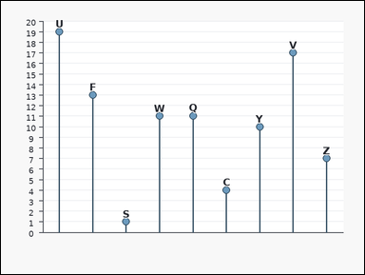 | 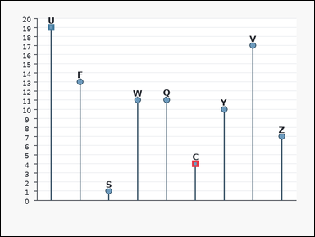 | task_charts_readout_subset_value | difference_two_abs | Use the labeled chart in the image. It shows a labeled lollipop chart. Each label marks one plotted point, and the relevant values are the points' y-values on the vertical axis. Use the chart values for the specified labels and answer the question. What is the positive difference between the values of labels C and U? Return a valid JSON object with keys "evidence" and "answer" in that order. Evidence: set "evidence" to an array [v1, v2] containing the two queried values in the same label order as the question. Answer: set "answer" to the requested integer value. Example JSON: {"evidence":[14,9],"answer":5} | Use the labeled chart in the image. It shows a labeled lollipop chart. Each label marks one plotted point, and the relevant values are the points' y-values on the vertical axis. Use the chart values for the specified labels and answer the question. What is the positive difference between the values of labels C and U? Return a valid JSON object with key "answer". Answer format: set "answer" to the requested integer value. Example JSON: {"answer":5} | {"evidence": [4, 19], "answer": 15} | [4, 19] | integer | integer_list | 354972202080848 | task_charts_readout_subset_value/images/difference_two_abs/0024.png | task_charts_readout_subset_value/data/difference_two_abs/0024.json
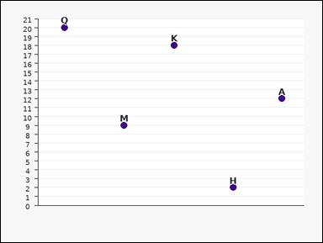 | 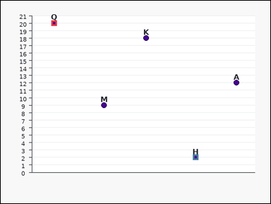 | task_charts_readout_subset_value | difference_two_abs | Look at the chart in the image. It shows a labeled scatter plot. Each label marks one plotted point, and the relevant values are the points' y-values on the vertical axis. Use the chart values for the specified labels and answer the question. What is the positive difference between the values of labels Q and H? Return a valid JSON object with keys "evidence" and "answer" in that order. Evidence: set "evidence" to an array [v1, v2] containing the two queried values in the same label order as the question. Answer: set "answer" to the requested integer value. Example JSON: {"evidence":[14,9],"answer":5} | Look at the chart in the image. It shows a labeled scatter plot. Each label marks one plotted point, and the relevant values are the points' y-values on the vertical axis. Use the chart values for the specified labels and answer the question. What is the positive difference between the values of labels Q and H? Return a valid JSON object with key "answer". Answer: set "answer" to the requested integer value. Example JSON: {"answer":5} | {"evidence": [20, 2], "answer": 18} | [20, 2] | integer | integer_list | 425336072902699 | task_charts_readout_subset_value/images/difference_two_abs/0022.png | task_charts_readout_subset_value/data/difference_two_abs/0022.json
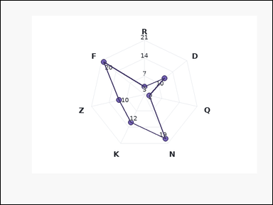 | 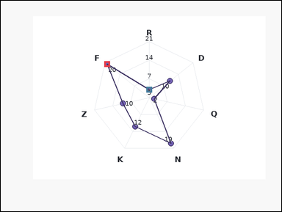 | task_charts_readout_subset_value | difference_two_abs | The image shows a labeled radar chart with one spoke per label. Each label marks one plotted point on the radar polygon, and the relevant values are the printed values near those points. Determine the requested value from the two specified chart labels. For labels F and R, what is the absolute difference between their values? Return a valid JSON object with keys "evidence" and "answer" in that order. Evidence format: set "evidence" to an array [v1, v2] containing the two queried values in the same label order as the question. Answer requirement: set "answer" to the requested integer value. Example JSON: {"evidence":[14,9],"answer":5} | The image shows a labeled radar chart with one spoke per label. Each label marks one plotted point on the radar polygon, and the relevant values are the printed values near those points. Determine the requested value from the two specified chart labels. For labels F and R, what is the absolute difference between their values? Return a valid JSON object with key "answer". Answer format: set "answer" to the requested integer value. Example JSON: {"answer":5} | {"evidence": [20, 3], "answer": 17} | [20, 3] | integer | integer_list | 656236106836304 | task_charts_readout_subset_value/images/difference_two_abs/0017.png | task_charts_readout_subset_value/data/difference_two_abs/0017.json
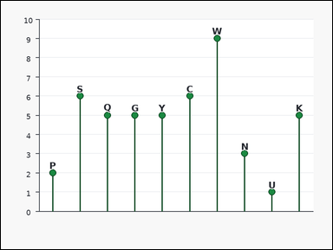 | 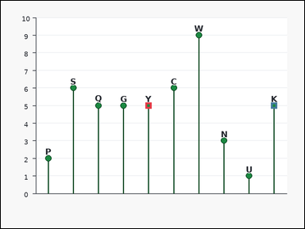 | task_charts_readout_subset_value | difference_two_abs | You are given a labeled chart: a labeled lollipop chart. Each label marks one plotted point, and the relevant values are the points' y-values on the vertical axis. Use the labeled chart values for the named labels to answer the question. Using labels Y and K, what is the absolute difference of their chart values? Return a valid JSON object with keys "evidence" and "answer" in that order. Evidence format: set "evidence" to an array [v1, v2] containing the two queried values in the same label order as the question. Answer requirement: set "answer" to the requested integer value. Example JSON: {"evidence":[14,9],"answer":5} | You are given a labeled chart: a labeled lollipop chart. Each label marks one plotted point, and the relevant values are the points' y-values on the vertical axis. Use the labeled chart values for the named labels to answer the question. Using labels Y and K, what is the absolute difference of their chart values? Return a valid JSON object with key "answer". Answer field: set "answer" to the requested integer value. Example JSON: {"answer":5} | {"evidence": [5, 5], "answer": 0} | [5, 5] | integer | integer_list | 712753630233498 | task_charts_readout_subset_value/images/difference_two_abs/0000.png | task_charts_readout_subset_value/data/difference_two_abs/0000.json
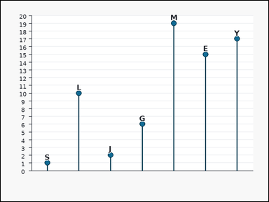 | 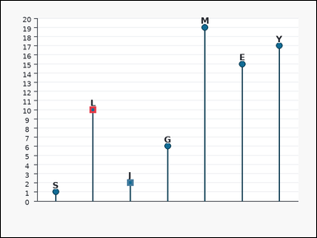 | task_charts_readout_subset_value | difference_two_abs | Use the labeled chart in the image. It shows a labeled lollipop chart. Each label marks one plotted point, and the relevant values are the points' y-values on the vertical axis. Use the chart values for the specified labels and answer the question. For labels L and J, what is the absolute difference between their values? Return a valid JSON object with keys "evidence" and "answer" in that order. Evidence rule: set "evidence" to an array [v1, v2] containing the two queried values in the same label order as the question. Answer rule: set "answer" to the requested integer value. Example JSON: {"evidence":[14,9],"answer":5} | Use the labeled chart in the image. It shows a labeled lollipop chart. Each label marks one plotted point, and the relevant values are the points' y-values on the vertical axis. Use the chart values for the specified labels and answer the question. For labels L and J, what is the absolute difference between their values? Return a valid JSON object with key "answer". Answer format: set "answer" to the requested integer value. Example JSON: {"answer":5} | {"evidence": [10, 2], "answer": 8} | [10, 2] | integer | integer_list | 763897844872869 | task_charts_readout_subset_value/images/difference_two_abs/0007.png | task_charts_readout_subset_value/data/difference_two_abs/0007.json
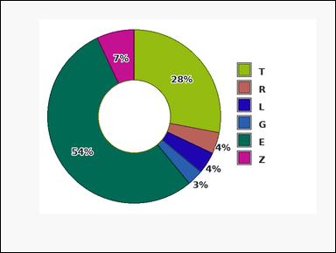 | 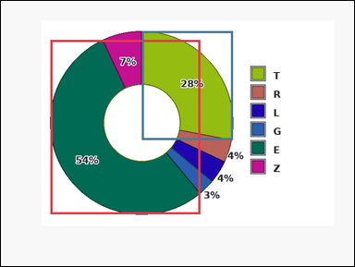 | task_charts_readout_subset_value | difference_two_abs | The image shows a donut chart with differently colored slices. A legend on the right maps each slice color to its label, and the relevant values are the percentages printed on the slices. Use the labeled chart values for the named labels to answer the question. Find the absolute value of the difference between labels E and T. Return a valid JSON object with keys "evidence" and "answer" in that order. Evidence rule: set "evidence" to an array [v1, v2] containing the two queried values in the same label order as the question. Answer rule: set "answer" to the requested integer value. Example JSON: {"evidence":[14,9],"answer":5} | The image shows a donut chart with differently colored slices. A legend on the right maps each slice color to its label, and the relevant values are the percentages printed on the slices. Use the labeled chart values for the named labels to answer the question. Find the absolute value of the difference between labels E and T. Return a valid JSON object with key "answer". Answer rule: set "answer" to the requested integer value. Example JSON: {"answer":5} | {"evidence": [54, 28], "answer": 26} | [54, 28] | integer | integer_list | 1.8212201618E+15 | task_charts_readout_subset_value/images/difference_two_abs/0021.png | task_charts_readout_subset_value/data/difference_two_abs/0021.json
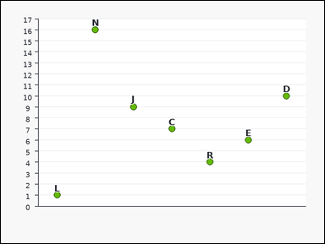 | 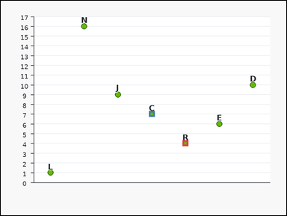 | task_charts_readout_subset_value | difference_two_abs | The image shows a labeled dot plot. Each label marks one plotted point, and the relevant values are the points' y-values on the vertical axis. Use the labeled chart values for the named labels to answer the question. For labels R and C, what is the absolute difference between their values? Return a valid JSON object with keys "evidence" and "answer" in that order. Evidence format: set "evidence" to an array [v1, v2] containing the two queried values in the same label order as the question. Answer requirement: set "answer" to the requested integer value. Example JSON: {"evidence":[14,9],"answer":5} | The image shows a labeled dot plot. Each label marks one plotted point, and the relevant values are the points' y-values on the vertical axis. Use the labeled chart values for the named labels to answer the question. For labels R and C, what is the absolute difference between their values? Return a valid JSON object with key "answer". Answer: set "answer" to the requested integer value. Example JSON: {"answer":5} | {"evidence": [4, 7], "answer": 3} | [4, 7] | integer | integer_list | 2.605206642E+15 | task_charts_readout_subset_value/images/difference_two_abs/0018.png | task_charts_readout_subset_value/data/difference_two_abs/0018.json
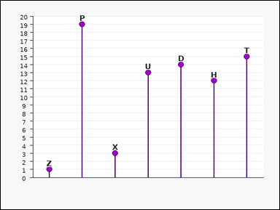 | 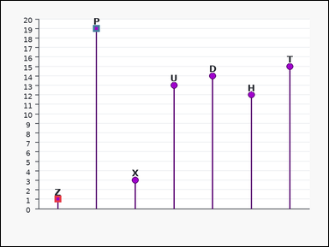 | task_charts_readout_subset_value | difference_two_abs | Work from the labeled chart shown in the image: a labeled lollipop chart. Each label marks one plotted point, and the relevant values are the points' y-values on the vertical axis. Use the chart values for the specified labels and answer the question. For labels Z and P, what is the absolute difference between their values? Return a valid JSON object with keys "evidence" and "answer" in that order. Evidence field: set "evidence" to an array [v1, v2] containing the two queried values in the same label order as the question. Answer field: set "answer" to the requested integer value. Example JSON: {"evidence":[14,9],"answer":5} | Work from the labeled chart shown in the image: a labeled lollipop chart. Each label marks one plotted point, and the relevant values are the points' y-values on the vertical axis. Use the chart values for the specified labels and answer the question. For labels Z and P, what is the absolute difference between their values? Return a valid JSON object with key "answer". Answer field: set "answer" to the requested integer value. Example JSON: {"answer":5} | {"evidence": [1, 19], "answer": 18} | [1, 19] | integer | integer_list | 2.6443143949E+15 | task_charts_readout_subset_value/images/difference_two_abs/0014.png | task_charts_readout_subset_value/data/difference_two_abs/0014.json
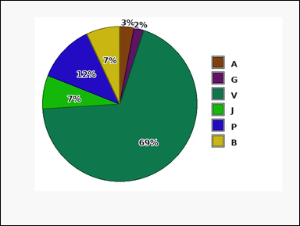 | 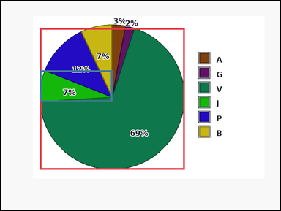 | task_charts_readout_subset_value | difference_two_abs | The image shows a pie chart with differently colored slices. A legend on the right maps each slice color to its label, and the relevant values are the percentages printed on the slices. Read the requested values directly from the chart and answer the question. What absolute difference do you get from the values of labels V and J? Return a valid JSON object with keys "evidence" and "answer" in that order. Evidence format: set "evidence" to an array [v1, v2] containing the two queried values in the same label order as the question. Answer requirement: set "answer" to the requested integer value. Example JSON: {"evidence":[14,9],"answer":5} | The image shows a pie chart with differently colored slices. A legend on the right maps each slice color to its label, and the relevant values are the percentages printed on the slices. Read the requested values directly from the chart and answer the question. What absolute difference do you get from the values of labels V and J? Return a valid JSON object with key "answer". Answer field: set "answer" to the requested integer value. Example JSON: {"answer":5} | {"evidence": [69, 7], "answer": 62} | [69, 7] | integer | integer_list | 3.1405720612E+15 | task_charts_readout_subset_value/images/difference_two_abs/0016.png | task_charts_readout_subset_value/data/difference_two_abs/0016.json
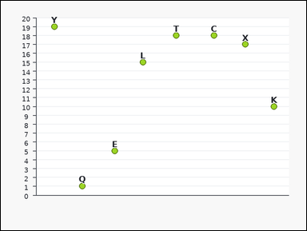 | 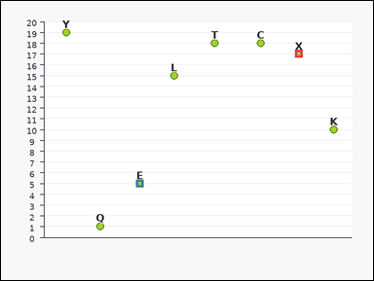 | task_charts_readout_subset_value | difference_two_abs | The image shows a labeled scatter plot. Each label marks one plotted point, and the relevant values are the points' y-values on the vertical axis. Read the values of the requested labels from the chart and compute the answer. For labels X and E, what is the absolute difference between their values? Return a valid JSON object with keys "evidence" and "answer" in that order. Evidence rule: set "evidence" to an array [v1, v2] containing the two queried values in the same label order as the question. Answer rule: set "answer" to the requested integer value. Example JSON: {"evidence":[14,9],"answer":5} | The image shows a labeled scatter plot. Each label marks one plotted point, and the relevant values are the points' y-values on the vertical axis. Read the values of the requested labels from the chart and compute the answer. For labels X and E, what is the absolute difference between their values? Return a valid JSON object with key "answer". Answer: set "answer" to the requested integer value. Example JSON: {"answer":5} | {"evidence": [17, 5], "answer": 12} | [17, 5] | integer | integer_list | 3.2517885533E+15 | task_charts_readout_subset_value/images/difference_two_abs/0001.png | task_charts_readout_subset_value/data/difference_two_abs/0001.json
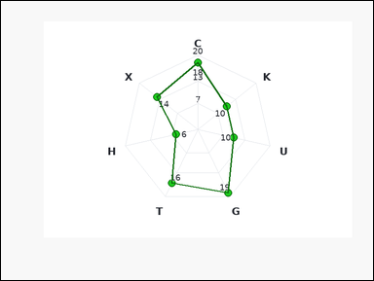 | 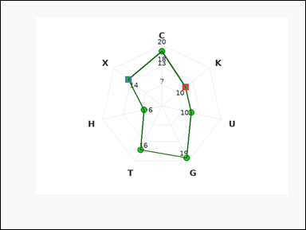 | task_charts_readout_subset_value | difference_two_abs | Use the labeled chart in the image. It shows a labeled radar chart with one spoke per label. Each label marks one plotted point on the radar polygon, and the relevant values are the printed values near those points. Read the requested values directly from the chart and answer the question. Using labels K and X, what is the absolute difference of their chart values? Return a valid JSON object with keys "evidence" and "answer" in that order. Evidence format: set "evidence" to an array [v1, v2] containing the two queried values in the same label order as the question. Answer requirement: set "answer" to the requested integer value. Example JSON: {"evidence":[14,9],"answer":5} | Use the labeled chart in the image. It shows a labeled radar chart with one spoke per label. Each label marks one plotted point on the radar polygon, and the relevant values are the printed values near those points. Read the requested values directly from the chart and answer the question. Using labels K and X, what is the absolute difference of their chart values? Return a valid JSON object with key "answer". Answer rule: set "answer" to the requested integer value. Example JSON: {"answer":5} | {"evidence": [10, 14], "answer": 4} | [10, 14] | integer | integer_list | 3.300619162E+15 | task_charts_readout_subset_value/images/difference_two_abs/0006.png | task_charts_readout_subset_value/data/difference_two_abs/0006.json
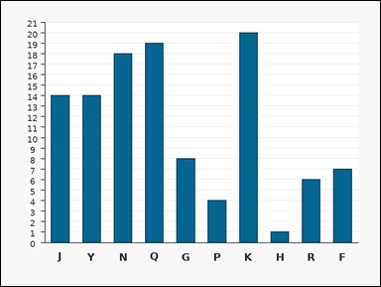 |  | task_charts_readout_subset_value | difference_two_abs | You are given a labeled chart: a labeled bar chart. Each bar's numeric height can be read from the vertical axis. Read the requested values directly from the chart and answer the question. For labels P and N, what is the absolute difference between their values? Return a valid JSON object with keys "evidence" and "answer" in that order. Evidence format: set "evidence" to an array [v1, v2] containing the two queried values in the same label order as the question. Answer requirement: set "answer" to the requested integer value. Example JSON: {"evidence":[14,9],"answer":5} | You are given a labeled chart: a labeled bar chart. Each bar's numeric height can be read from the vertical axis. Read the requested values directly from the chart and answer the question. For labels P and N, what is the absolute difference between their values? Return a valid JSON object with key "answer". Answer: set "answer" to the requested integer value. Example JSON: {"answer":5} | {"evidence": [4, 18], "answer": 14} | [4, 18] | integer | integer_list | 3.3253687958E+15 | task_charts_readout_subset_value/images/difference_two_abs/0019.png | task_charts_readout_subset_value/data/difference_two_abs/0019.json
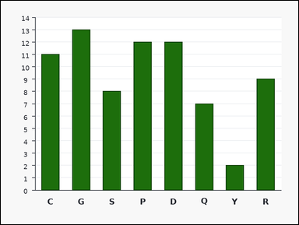 |  | task_charts_readout_subset_value | difference_two_abs | You are given a labeled chart: a labeled bar chart. Each bar's numeric height can be read from the vertical axis. Use the labeled chart values for the named labels to answer the question. What is the positive difference between the values of labels P and Q? Return a valid JSON object with keys "evidence" and "answer" in that order. Evidence field: set "evidence" to an array [v1, v2] containing the two queried values in the same label order as the question. Answer field: set "answer" to the requested integer value. Example JSON: {"evidence":[14,9],"answer":5} | You are given a labeled chart: a labeled bar chart. Each bar's numeric height can be read from the vertical axis. Use the labeled chart values for the named labels to answer the question. What is the positive difference between the values of labels P and Q? Return a valid JSON object with key "answer". Answer rule: set "answer" to the requested integer value. Example JSON: {"answer":5} | {"evidence": [12, 7], "answer": 5} | [12, 7] | integer | integer_list | 4.561377921E+15 | task_charts_readout_subset_value/images/difference_two_abs/0008.png | task_charts_readout_subset_value/data/difference_two_abs/0008.json
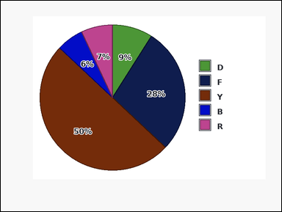 | 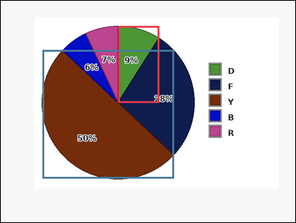 | task_charts_readout_subset_value | difference_two_abs | The image shows a pie chart with differently colored slices. A legend on the right maps each slice color to its label, and the relevant values are the percentages printed on the slices. Read the values of the requested labels from the chart and compute the answer. What absolute difference do you get from the values of labels D and Y? Return a valid JSON object with keys "evidence" and "answer" in that order. Evidence format: set "evidence" to an array [v1, v2] containing the two queried values in the same label order as the question. Answer requirement: set "answer" to the requested integer value. Example JSON: {"evidence":[14,9],"answer":5} | The image shows a pie chart with differently colored slices. A legend on the right maps each slice color to its label, and the relevant values are the percentages printed on the slices. Read the values of the requested labels from the chart and compute the answer. What absolute difference do you get from the values of labels D and Y? Return a valid JSON object with key "answer". Answer requirement: set "answer" to the requested integer value. Example JSON: {"answer":5} | {"evidence": [9, 50], "answer": 41} | [9, 50] | integer | integer_list | 5.0728965591E+15 | task_charts_readout_subset_value/images/difference_two_abs/0010.png | task_charts_readout_subset_value/data/difference_two_abs/0010.json
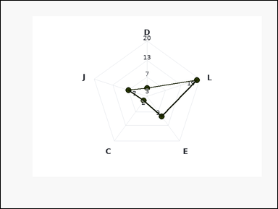 | 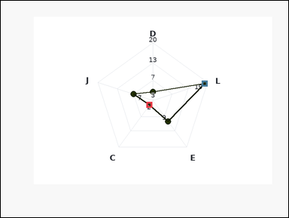 | task_charts_readout_subset_value | difference_two_abs | Look at the chart in the image. It shows a labeled radar chart with one spoke per label. Each label marks one plotted point on the radar polygon, and the relevant values are the printed values near those points. Use the labeled chart values for the named labels to answer the question. What is the positive difference between the values of labels C and L? Return a valid JSON object with keys "evidence" and "answer" in that order. Evidence rule: set "evidence" to an array [v1, v2] containing the two queried values in the same label order as the question. Answer rule: set "answer" to the requested integer value. Example JSON: {"evidence":[14,9],"answer":5} | Look at the chart in the image. It shows a labeled radar chart with one spoke per label. Each label marks one plotted point on the radar polygon, and the relevant values are the printed values near those points. Use the labeled chart values for the named labels to answer the question. What is the positive difference between the values of labels C and L? Return a valid JSON object with key "answer". Answer field: set "answer" to the requested integer value. Example JSON: {"answer":5} | {"evidence": [2, 19], "answer": 17} | [2, 19] | integer | integer_list | 5.1116142977E+15 | task_charts_readout_subset_value/images/difference_two_abs/0015.png | task_charts_readout_subset_value/data/difference_two_abs/0015.json
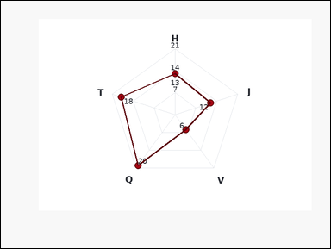 | 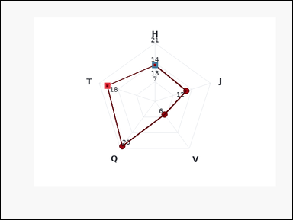 | task_charts_readout_subset_value | difference_two_abs | The image shows a labeled radar chart with one spoke per label. Each label marks one plotted point on the radar polygon, and the relevant values are the printed values near those points. Use the labeled chart values for the named labels to answer the question. What is the positive difference between the values of labels T and H? Return a valid JSON object with keys "evidence" and "answer" in that order. Evidence: set "evidence" to an array [v1, v2] containing the two queried values in the same label order as the question. Answer: set "answer" to the requested integer value. Example JSON: {"evidence":[14,9],"answer":5} | The image shows a labeled radar chart with one spoke per label. Each label marks one plotted point on the radar polygon, and the relevant values are the printed values near those points. Use the labeled chart values for the named labels to answer the question. What is the positive difference between the values of labels T and H? Return a valid JSON object with key "answer". Answer requirement: set "answer" to the requested integer value. Example JSON: {"answer":5} | {"evidence": [18, 13], "answer": 5} | [18, 13] | integer | integer_list | 5.1590014613E+15 | task_charts_readout_subset_value/images/difference_two_abs/0020.png | task_charts_readout_subset_value/data/difference_two_abs/0020.json
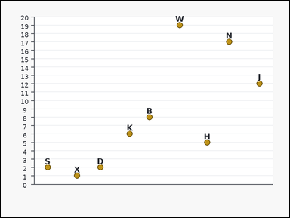 | 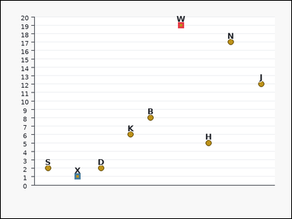 | task_charts_readout_subset_value | difference_two_abs | You are given a labeled chart: a labeled scatter plot. Each label marks one plotted point, and the relevant values are the points' y-values on the vertical axis. Use the labeled chart values for the named labels to answer the question. What is the positive difference between the values of labels W and X? Return a valid JSON object with keys "evidence" and "answer" in that order. Evidence format: set "evidence" to an array [v1, v2] containing the two queried values in the same label order as the question. Answer requirement: set "answer" to the requested integer value. Example JSON: {"evidence":[14,9],"answer":5} | You are given a labeled chart: a labeled scatter plot. Each label marks one plotted point, and the relevant values are the points' y-values on the vertical axis. Use the labeled chart values for the named labels to answer the question. What is the positive difference between the values of labels W and X? Return a valid JSON object with key "answer". Answer rule: set "answer" to the requested integer value. Example JSON: {"answer":5} | {"evidence": [19, 1], "answer": 18} | [19, 1] | integer | integer_list | 5.2623231656E+15 | task_charts_readout_subset_value/images/difference_two_abs/0003.png | task_charts_readout_subset_value/data/difference_two_abs/0003.json
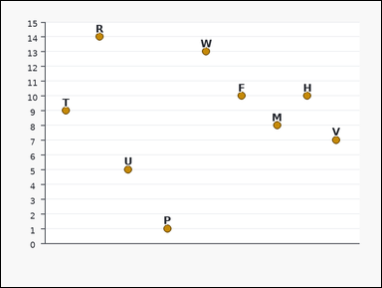 | 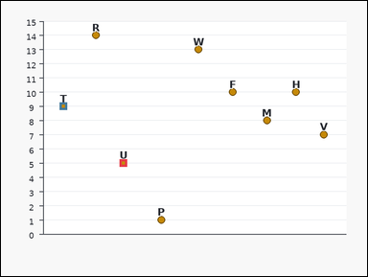 | task_charts_readout_subset_value | difference_two_abs | The image shows a labeled scatter plot. Each label marks one plotted point, and the relevant values are the points' y-values on the vertical axis. Determine the requested value from the two specified chart labels. Using labels U and T, what is the absolute difference of their chart values? Return a valid JSON object with keys "evidence" and "answer" in that order. Evidence rule: set "evidence" to an array [v1, v2] containing the two queried values in the same label order as the question. Answer rule: set "answer" to the requested integer value. Example JSON: {"evidence":[14,9],"answer":5} | The image shows a labeled scatter plot. Each label marks one plotted point, and the relevant values are the points' y-values on the vertical axis. Determine the requested value from the two specified chart labels. Using labels U and T, what is the absolute difference of their chart values? Return a valid JSON object with key "answer". Answer field: set "answer" to the requested integer value. Example JSON: {"answer":5} | {"evidence": [5, 9], "answer": 4} | [5, 9] | integer | integer_list | 5.3707885216E+15 | task_charts_readout_subset_value/images/difference_two_abs/0002.png | task_charts_readout_subset_value/data/difference_two_abs/0002.json
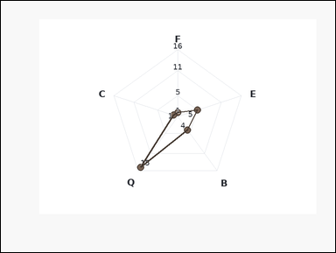 | 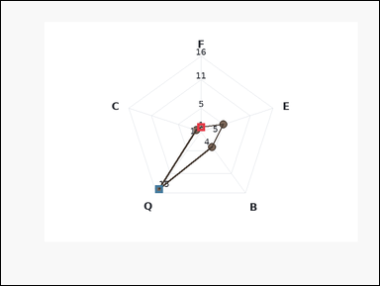 | task_charts_readout_subset_value | difference_two_abs | Look at the chart in the image. It shows a labeled radar chart with one spoke per label. Each label marks one plotted point on the radar polygon, and the relevant values are the printed values near those points. Use the chart values for the specified labels and answer the question. For labels F and Q, what is the absolute difference between their values? Return a valid JSON object with keys "evidence" and "answer" in that order. Evidence format: set "evidence" to an array [v1, v2] containing the two queried values in the same label order as the question. Answer requirement: set "answer" to the requested integer value. Example JSON: {"evidence":[14,9],"answer":5} | Look at the chart in the image. It shows a labeled radar chart with one spoke per label. Each label marks one plotted point on the radar polygon, and the relevant values are the printed values near those points. Use the chart values for the specified labels and answer the question. For labels F and Q, what is the absolute difference between their values? Return a valid JSON object with key "answer". Answer field: set "answer" to the requested integer value. Example JSON: {"answer":5} | {"evidence": [1, 15], "answer": 14} | [1, 15] | integer | integer_list | 5.8947686234E+15 | task_charts_readout_subset_value/images/difference_two_abs/0004.png | task_charts_readout_subset_value/data/difference_two_abs/0004.json
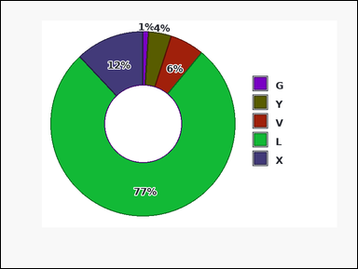 | 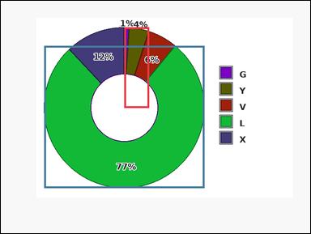 | task_charts_readout_subset_value | difference_two_abs | You are given a labeled chart: a donut chart with differently colored slices. A legend on the right maps each slice color to its label, and the relevant values are the percentages printed on the slices. Read the requested values directly from the chart and answer the question. Find the absolute value of the difference between labels Y and L. Return a valid JSON object with keys "evidence" and "answer" in that order. Evidence: set "evidence" to an array [v1, v2] containing the two queried values in the same label order as the question. Answer: set "answer" to the requested integer value. Example JSON: {"evidence":[14,9],"answer":5} | You are given a labeled chart: a donut chart with differently colored slices. A legend on the right maps each slice color to its label, and the relevant values are the percentages printed on the slices. Read the requested values directly from the chart and answer the question. Find the absolute value of the difference between labels Y and L. Return a valid JSON object with key "answer". Answer rule: set "answer" to the requested integer value. Example JSON: {"answer":5} | {"evidence": [4, 77], "answer": 73} | [4, 77] | integer | integer_list | 5.9316349091E+15 | task_charts_readout_subset_value/images/difference_two_abs/0009.png | task_charts_readout_subset_value/data/difference_two_abs/0009.json
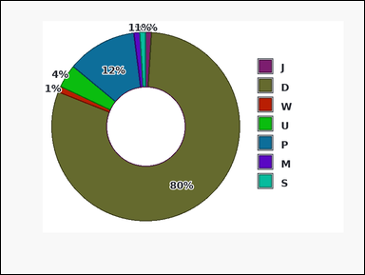 | 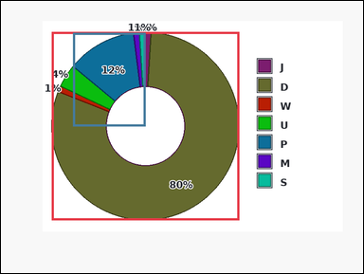 | task_charts_readout_subset_value | difference_two_abs | You are given a labeled chart: a donut chart with differently colored slices. A legend on the right maps each slice color to its label, and the relevant values are the percentages printed on the slices. Read the values of the requested labels from the chart and compute the answer. Find the absolute value of the difference between labels D and P. Return a valid JSON object with keys "evidence" and "answer" in that order. Evidence requirement: set "evidence" to an array [v1, v2] containing the two queried values in the same label order as the question. Answer format: set "answer" to the requested integer value. Example JSON: {"evidence":[14,9],"answer":5} | You are given a labeled chart: a donut chart with differently colored slices. A legend on the right maps each slice color to its label, and the relevant values are the percentages printed on the slices. Read the values of the requested labels from the chart and compute the answer. Find the absolute value of the difference between labels D and P. Return a valid JSON object with key "answer". Answer requirement: set "answer" to the requested integer value. Example JSON: {"answer":5} | {"evidence": [80, 12], "answer": 68} | [80, 12] | integer | integer_list | 6.1700589496E+15 | task_charts_readout_subset_value/images/difference_two_abs/0012.png | task_charts_readout_subset_value/data/difference_two_abs/0012.json
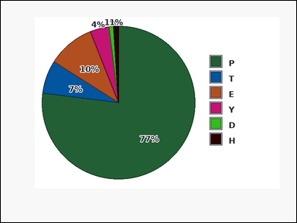 | 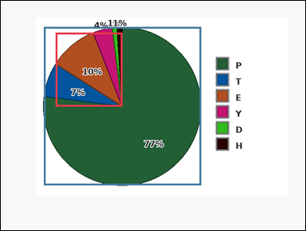 | task_charts_readout_subset_value | difference_two_abs | Look at the chart in the image. It shows a pie chart with differently colored slices. A legend on the right maps each slice color to its label, and the relevant values are the percentages printed on the slices. Read the values of the requested labels from the chart and compute the answer. What is the positive difference between the values of labels E and P? Return a valid JSON object with keys "evidence" and "answer" in that order. Evidence field: set "evidence" to an array [v1, v2] containing the two queried values in the same label order as the question. Answer field: set "answer" to the requested integer value. Example JSON: {"evidence":[14,9],"answer":5} | Look at the chart in the image. It shows a pie chart with differently colored slices. A legend on the right maps each slice color to its label, and the relevant values are the percentages printed on the slices. Read the values of the requested labels from the chart and compute the answer. What is the positive difference between the values of labels E and P? Return a valid JSON object with key "answer". Answer: set "answer" to the requested integer value. Example JSON: {"answer":5} | {"evidence": [10, 77], "answer": 67} | [10, 77] | integer | integer_list | 6.348607317E+15 | task_charts_readout_subset_value/images/difference_two_abs/0023.png | task_charts_readout_subset_value/data/difference_two_abs/0023.json
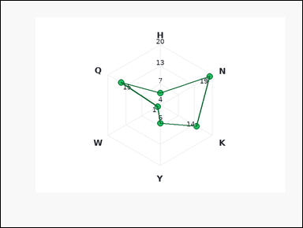 | 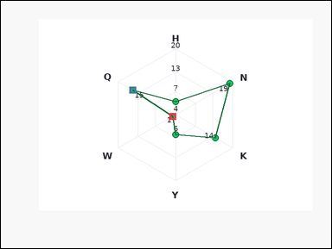 | task_charts_readout_subset_value | difference_two_abs | Use the labeled chart in the image. It shows a labeled radar chart with one spoke per label. Each label marks one plotted point on the radar polygon, and the relevant values are the printed values near those points. Use the chart values for the specified labels and answer the question. Find the absolute value of the difference between labels W and Q. Return a valid JSON object with keys "evidence" and "answer" in that order. Evidence field: set "evidence" to an array [v1, v2] containing the two queried values in the same label order as the question. Answer field: set "answer" to the requested integer value. Example JSON: {"evidence":[14,9],"answer":5} | Use the labeled chart in the image. It shows a labeled radar chart with one spoke per label. Each label marks one plotted point on the radar polygon, and the relevant values are the printed values near those points. Use the chart values for the specified labels and answer the question. Find the absolute value of the difference between labels W and Q. Return a valid JSON object with key "answer". Answer rule: set "answer" to the requested integer value. Example JSON: {"answer":5} | {"evidence": [1, 15], "answer": 14} | [1, 15] | integer | integer_list | 6.7357287848E+15 | task_charts_readout_subset_value/images/difference_two_abs/0013.png | task_charts_readout_subset_value/data/difference_two_abs/0013.json
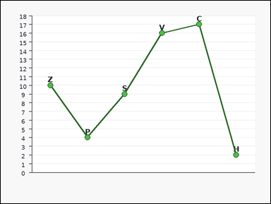 | 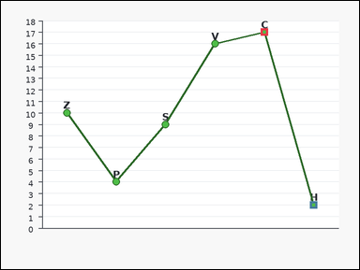 | task_charts_readout_subset_value | difference_two_abs | Use the labeled chart in the image. It shows a labeled line chart with visible point markers. Each label marks one plotted point, and the relevant values are the points' y-values on the vertical axis. Read the requested values directly from the chart and answer the question. What absolute difference do you get from the values of labels C and H? Return a valid JSON object with keys "evidence" and "answer" in that order. Evidence requirement: set "evidence" to an array [v1, v2] containing the two queried values in the same label order as the question. Answer format: set "answer" to the requested integer value. Example JSON: {"evidence":[14,9],"answer":5} | Use the labeled chart in the image. It shows a labeled line chart with visible point markers. Each label marks one plotted point, and the relevant values are the points' y-values on the vertical axis. Read the requested values directly from the chart and answer the question. What absolute difference do you get from the values of labels C and H? Return a valid JSON object with key "answer". Answer: set "answer" to the requested integer value. Example JSON: {"answer":5} | {"evidence": [17, 2], "answer": 15} | [17, 2] | integer | integer_list | 7.4044510188E+15 | task_charts_readout_subset_value/images/difference_two_abs/0011.png | task_charts_readout_subset_value/data/difference_two_abs/0011.json
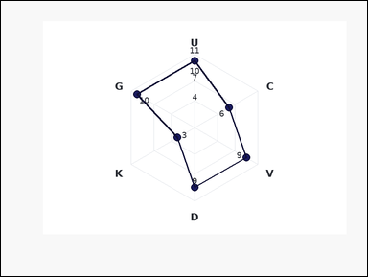 | 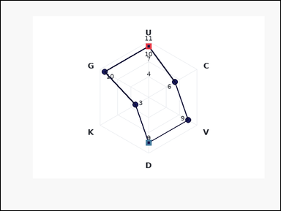 | task_charts_readout_subset_value | difference_two_abs | Look at the chart in the image. It shows a labeled radar chart with one spoke per label. Each label marks one plotted point on the radar polygon, and the relevant values are the printed values near those points. Read the requested values directly from the chart and answer the question. Find the absolute value of the difference between labels U and D. Return a valid JSON object with keys "evidence" and "answer" in that order. Evidence requirement: set "evidence" to an array [v1, v2] containing the two queried values in the same label order as the question. Answer format: set "answer" to the requested integer value. Example JSON: {"evidence":[14,9],"answer":5} | Look at the chart in the image. It shows a labeled radar chart with one spoke per label. Each label marks one plotted point on the radar polygon, and the relevant values are the printed values near those points. Read the requested values directly from the chart and answer the question. Find the absolute value of the difference between labels U and D. Return a valid JSON object with key "answer". Answer field: set "answer" to the requested integer value. Example JSON: {"answer":5} | {"evidence": [10, 9], "answer": 1} | [10, 9] | integer | integer_list | 8.1280597814E+15 | task_charts_readout_subset_value/images/difference_two_abs/0005.png | task_charts_readout_subset_value/data/difference_two_abs/0005.json

max_two
image | evidence_image | task | task_variant | prompt | prompt_answer_only | answer | answer_evidence | answer_type | evidence_type | instance_seed | image_path | data_path
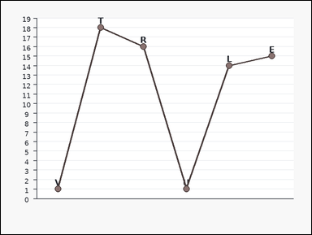 | 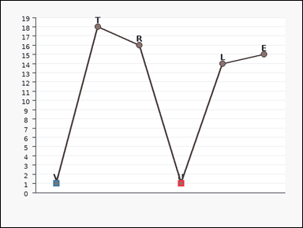 | task_charts_readout_subset_value | max_two | The image shows a labeled line chart with visible point markers. Each label marks one plotted point, and the relevant values are the points' y-values on the vertical axis. Use the labeled chart values for the named labels to answer the question. Using labels U and V, what is the larger value? Return a valid JSON object with keys "evidence" and "answer" in that order. Evidence format: set "evidence" to an array [v1, v2] containing the two queried values in the same label order as the question. Answer requirement: set "answer" to the requested integer value. Example JSON: {"evidence":[6,13],"answer":13} | The image shows a labeled line chart with visible point markers. Each label marks one plotted point, and the relevant values are the points' y-values on the vertical axis. Use the labeled chart values for the named labels to answer the question. Using labels U and V, what is the larger value? Return a valid JSON object with key "answer". Answer rule: set "answer" to the requested integer value. Example JSON: {"answer":13} | {"evidence": [1, 1], "answer": 1} | [1, 1] | integer | integer_list | 125814340043546 | task_charts_readout_subset_value/images/max_two/0022.png | task_charts_readout_subset_value/data/max_two/0022.json
 |  | task_charts_readout_subset_value | max_two | Work from the labeled chart shown in the image: a labeled dot plot. Each label marks one plotted point, and the relevant values are the points' y-values on the vertical axis. Read the requested values directly from the chart and answer the question. For labels C and T, what is the larger of their two values? Return a valid JSON object with keys "evidence" and "answer" in that order. Evidence rule: set "evidence" to an array [v1, v2] containing the two queried values in the same label order as the question. Answer rule: set "answer" to the requested integer value. Example JSON: {"evidence":[6,13],"answer":13} | Work from the labeled chart shown in the image: a labeled dot plot. Each label marks one plotted point, and the relevant values are the points' y-values on the vertical axis. Read the requested values directly from the chart and answer the question. For labels C and T, what is the larger of their two values? Return a valid JSON object with key "answer". Answer format: set "answer" to the requested integer value. Example JSON: {"answer":13} | {"evidence": [6, 4], "answer": 6} | [6, 4] | integer | integer_list | 240604651353687 | task_charts_readout_subset_value/images/max_two/0003.png | task_charts_readout_subset_value/data/max_two/0003.json
 |  | task_charts_readout_subset_value | max_two | Use the labeled chart in the image. It shows a labeled dot plot. Each label marks one plotted point, and the relevant values are the points' y-values on the vertical axis. Read the values of the requested labels from the chart and compute the answer. For labels F and D, what is the larger of their two values? Return a valid JSON object with keys "evidence" and "answer" in that order. Evidence field: set "evidence" to an array [v1, v2] containing the two queried values in the same label order as the question. Answer field: set "answer" to the requested integer value. Example JSON: {"evidence":[6,13],"answer":13} | Use the labeled chart in the image. It shows a labeled dot plot. Each label marks one plotted point, and the relevant values are the points' y-values on the vertical axis. Read the values of the requested labels from the chart and compute the answer. For labels F and D, what is the larger of their two values? Return a valid JSON object with key "answer". Answer rule: set "answer" to the requested integer value. Example JSON: {"answer":13} | {"evidence": [17, 20], "answer": 20} | [17, 20] | integer | integer_list | 786512579238356 | task_charts_readout_subset_value/images/max_two/0019.png | task_charts_readout_subset_value/data/max_two/0019.json
 |  | task_charts_readout_subset_value | max_two | The image shows a donut chart with differently colored slices. A legend on the right maps each slice color to its label, and the relevant values are the percentages printed on the slices. Use the chart values for the specified labels and answer the question. What is the maximum of the values for labels S and K? Return a valid JSON object with keys "evidence" and "answer" in that order. Evidence rule: set "evidence" to an array [v1, v2] containing the two queried values in the same label order as the question. Answer rule: set "answer" to the requested integer value. Example JSON: {"evidence":[6,13],"answer":13} | The image shows a donut chart with differently colored slices. A legend on the right maps each slice color to its label, and the relevant values are the percentages printed on the slices. Use the chart values for the specified labels and answer the question. What is the maximum of the values for labels S and K? Return a valid JSON object with key "answer". Answer: set "answer" to the requested integer value. Example JSON: {"answer":13} | {"evidence": [24, 72], "answer": 72} | [24, 72] | integer | integer_list | 816170711454145 | task_charts_readout_subset_value/images/max_two/0006.png | task_charts_readout_subset_value/data/max_two/0006.json
 |  | task_charts_readout_subset_value | max_two | The image shows a labeled area chart with visible point markers. Each label marks one plotted point, and the relevant values are the points' y-values on the vertical axis. Read the requested values directly from the chart and answer the question. What is the maximum of the values for labels F and J? Return a valid JSON object with keys "evidence" and "answer" in that order. Evidence: set "evidence" to an array [v1, v2] containing the two queried values in the same label order as the question. Answer: set "answer" to the requested integer value. Example JSON: {"evidence":[6,13],"answer":13} | The image shows a labeled area chart with visible point markers. Each label marks one plotted point, and the relevant values are the points' y-values on the vertical axis. Read the requested values directly from the chart and answer the question. What is the maximum of the values for labels F and J? Return a valid JSON object with key "answer". Answer field: set "answer" to the requested integer value. Example JSON: {"answer":13} | {"evidence": [18, 4], "answer": 18} | [18, 4] | integer | integer_list | 1.2080941542E+15 | task_charts_readout_subset_value/images/max_two/0001.png | task_charts_readout_subset_value/data/max_two/0001.json
 |  | task_charts_readout_subset_value | max_two | You are given a labeled chart: a labeled bar chart. Each bar's numeric height can be read from the vertical axis. Read the values of the requested labels from the chart and compute the answer. Find the higher of the two chart values for labels A and H. Return a valid JSON object with keys "evidence" and "answer" in that order. Evidence rule: set "evidence" to an array [v1, v2] containing the two queried values in the same label order as the question. Answer rule: set "answer" to the requested integer value. Example JSON: {"evidence":[6,13],"answer":13} | You are given a labeled chart: a labeled bar chart. Each bar's numeric height can be read from the vertical axis. Read the values of the requested labels from the chart and compute the answer. Find the higher of the two chart values for labels A and H. Return a valid JSON object with key "answer". Answer format: set "answer" to the requested integer value. Example JSON: {"answer":13} | {"evidence": [1, 9], "answer": 9} | [1, 9] | integer | integer_list | 1.2904423119E+15 | task_charts_readout_subset_value/images/max_two/0009.png | task_charts_readout_subset_value/data/max_two/0009.json
 |  | task_charts_readout_subset_value | max_two | You are given a labeled chart: a labeled radar chart with one spoke per label. Each label marks one plotted point on the radar polygon, and the relevant values are the printed values near those points. Use the chart values for the specified labels and answer the question. For labels N and Q, what is the larger of their two values? Return a valid JSON object with keys "evidence" and "answer" in that order. Evidence rule: set "evidence" to an array [v1, v2] containing the two queried values in the same label order as the question. Answer rule: set "answer" to the requested integer value. Example JSON: {"evidence":[6,13],"answer":13} | You are given a labeled chart: a labeled radar chart with one spoke per label. Each label marks one plotted point on the radar polygon, and the relevant values are the printed values near those points. Use the chart values for the specified labels and answer the question. For labels N and Q, what is the larger of their two values? Return a valid JSON object with key "answer". Answer: set "answer" to the requested integer value. Example JSON: {"answer":13} | {"evidence": [11, 8], "answer": 11} | [11, 8] | integer | integer_list | 1.4676859607E+15 | task_charts_readout_subset_value/images/max_two/0014.png | task_charts_readout_subset_value/data/max_two/0014.json
 |  | task_charts_readout_subset_value | max_two | You are given a labeled chart: a labeled scatter plot. Each label marks one plotted point, and the relevant values are the points' y-values on the vertical axis. Read the values of the requested labels from the chart and compute the answer. Find the higher of the two chart values for labels Q and Z. Return a valid JSON object with keys "evidence" and "answer" in that order. Evidence field: set "evidence" to an array [v1, v2] containing the two queried values in the same label order as the question. Answer field: set "answer" to the requested integer value. Example JSON: {"evidence":[6,13],"answer":13} | You are given a labeled chart: a labeled scatter plot. Each label marks one plotted point, and the relevant values are the points' y-values on the vertical axis. Read the values of the requested labels from the chart and compute the answer. Find the higher of the two chart values for labels Q and Z. Return a valid JSON object with key "answer". Answer: set "answer" to the requested integer value. Example JSON: {"answer":13} | {"evidence": [2, 13], "answer": 13} | [2, 13] | integer | integer_list | 1.7757761359E+15 | task_charts_readout_subset_value/images/max_two/0007.png | task_charts_readout_subset_value/data/max_two/0007.json
 |  | task_charts_readout_subset_value | max_two | Work from the labeled chart shown in the image: a labeled lollipop chart. Each label marks one plotted point, and the relevant values are the points' y-values on the vertical axis. Read the requested values directly from the chart and answer the question. Using labels L and V, what is the larger value? Return a valid JSON object with keys "evidence" and "answer" in that order. Evidence requirement: set "evidence" to an array [v1, v2] containing the two queried values in the same label order as the question. Answer format: set "answer" to the requested integer value. Example JSON: {"evidence":[6,13],"answer":13} | Work from the labeled chart shown in the image: a labeled lollipop chart. Each label marks one plotted point, and the relevant values are the points' y-values on the vertical axis. Read the requested values directly from the chart and answer the question. Using labels L and V, what is the larger value? Return a valid JSON object with key "answer". Answer rule: set "answer" to the requested integer value. Example JSON: {"answer":13} | {"evidence": [14, 10], "answer": 14} | [14, 10] | integer | integer_list | 2.2247330508E+15 | task_charts_readout_subset_value/images/max_two/0017.png | task_charts_readout_subset_value/data/max_two/0017.json
 |  | task_charts_readout_subset_value | max_two | Use the labeled chart in the image. It shows a pie chart with differently colored slices. A legend on the right maps each slice color to its label, and the relevant values are the percentages printed on the slices. Determine the requested value from the two specified chart labels. Between labels Z and R, what is the greater value? Return a valid JSON object with keys "evidence" and "answer" in that order. Evidence: set "evidence" to an array [v1, v2] containing the two queried values in the same label order as the question. Answer: set "answer" to the requested integer value. Example JSON: {"evidence":[6,13],"answer":13} | Use the labeled chart in the image. It shows a pie chart with differently colored slices. A legend on the right maps each slice color to its label, and the relevant values are the percentages printed on the slices. Determine the requested value from the two specified chart labels. Between labels Z and R, what is the greater value? Return a valid JSON object with key "answer". Answer rule: set "answer" to the requested integer value. Example JSON: {"answer":13} | {"evidence": [18, 12], "answer": 18} | [18, 12] | integer | integer_list | 2.4441843796E+15 | task_charts_readout_subset_value/images/max_two/0013.png | task_charts_readout_subset_value/data/max_two/0013.json
 |  | task_charts_readout_subset_value | max_two | You are given a labeled chart: a labeled horizontal bar chart. Each bar's numeric length can be read from the horizontal axis. Read the values of the requested labels from the chart and compute the answer. Between labels J and G, what is the greater value? Return a valid JSON object with keys "evidence" and "answer" in that order. Evidence rule: set "evidence" to an array [v1, v2] containing the two queried values in the same label order as the question. Answer rule: set "answer" to the requested integer value. Example JSON: {"evidence":[6,13],"answer":13} | You are given a labeled chart: a labeled horizontal bar chart. Each bar's numeric length can be read from the horizontal axis. Read the values of the requested labels from the chart and compute the answer. Between labels J and G, what is the greater value? Return a valid JSON object with key "answer". Answer field: set "answer" to the requested integer value. Example JSON: {"answer":13} | {"evidence": [4, 17], "answer": 17} | [4, 17] | integer | integer_list | 3.7285726623E+15 | task_charts_readout_subset_value/images/max_two/0012.png | task_charts_readout_subset_value/data/max_two/0012.json
 |  | task_charts_readout_subset_value | max_two | Use the labeled chart in the image. It shows a donut chart with differently colored slices. A legend on the right maps each slice color to its label, and the relevant values are the percentages printed on the slices. Read the values of the requested labels from the chart and compute the answer. What is the maximum of the values for labels J and M? Return a valid JSON object with keys "evidence" and "answer" in that order. Evidence requirement: set "evidence" to an array [v1, v2] containing the two queried values in the same label order as the question. Answer format: set "answer" to the requested integer value. Example JSON: {"evidence":[6,13],"answer":13} | Use the labeled chart in the image. It shows a donut chart with differently colored slices. A legend on the right maps each slice color to its label, and the relevant values are the percentages printed on the slices. Read the values of the requested labels from the chart and compute the answer. What is the maximum of the values for labels J and M? Return a valid JSON object with key "answer". Answer field: set "answer" to the requested integer value. Example JSON: {"answer":13} | {"evidence": [10, 31], "answer": 31} | [10, 31] | integer | integer_list | 3.7995405337E+15 | task_charts_readout_subset_value/images/max_two/0016.png | task_charts_readout_subset_value/data/max_two/0016.json
 |  | task_charts_readout_subset_value | max_two | Work from the labeled chart shown in the image: a labeled radar chart with one spoke per label. Each label marks one plotted point on the radar polygon, and the relevant values are the printed values near those points. Use the labeled chart values for the named labels to answer the question. Using labels A and D, what is the larger value? Return a valid JSON object with keys "evidence" and "answer" in that order. Evidence field: set "evidence" to an array [v1, v2] containing the two queried values in the same label order as the question. Answer field: set "answer" to the requested integer value. Example JSON: {"evidence":[6,13],"answer":13} | Work from the labeled chart shown in the image: a labeled radar chart with one spoke per label. Each label marks one plotted point on the radar polygon, and the relevant values are the printed values near those points. Use the labeled chart values for the named labels to answer the question. Using labels A and D, what is the larger value? Return a valid JSON object with key "answer". Answer field: set "answer" to the requested integer value. Example JSON: {"answer":13} | {"evidence": [17, 12], "answer": 17} | [17, 12] | integer | integer_list | 3.9241438765E+15 | task_charts_readout_subset_value/images/max_two/0010.png | task_charts_readout_subset_value/data/max_two/0010.json
 |  | task_charts_readout_subset_value | max_two | The image shows a labeled radar chart with one spoke per label. Each label marks one plotted point on the radar polygon, and the relevant values are the printed values near those points. Use the chart values for the specified labels and answer the question. For labels R and J, what is the larger of their two values? Return a valid JSON object with keys "evidence" and "answer" in that order. Evidence requirement: set "evidence" to an array [v1, v2] containing the two queried values in the same label order as the question. Answer format: set "answer" to the requested integer value. Example JSON: {"evidence":[6,13],"answer":13} | The image shows a labeled radar chart with one spoke per label. Each label marks one plotted point on the radar polygon, and the relevant values are the printed values near those points. Use the chart values for the specified labels and answer the question. For labels R and J, what is the larger of their two values? Return a valid JSON object with key "answer". Answer: set "answer" to the requested integer value. Example JSON: {"answer":13} | {"evidence": [2, 3], "answer": 3} | [2, 3] | integer | integer_list | 4.0413830423E+15 | task_charts_readout_subset_value/images/max_two/0002.png | task_charts_readout_subset_value/data/max_two/0002.json
 |  | task_charts_readout_subset_value | max_two | The image shows a pie chart with differently colored slices. A legend on the right maps each slice color to its label, and the relevant values are the percentages printed on the slices. Read the requested values directly from the chart and answer the question. Using labels N and P, what is the larger value? Return a valid JSON object with keys "evidence" and "answer" in that order. Evidence rule: set "evidence" to an array [v1, v2] containing the two queried values in the same label order as the question. Answer rule: set "answer" to the requested integer value. Example JSON: {"evidence":[6,13],"answer":13} | The image shows a pie chart with differently colored slices. A legend on the right maps each slice color to its label, and the relevant values are the percentages printed on the slices. Read the requested values directly from the chart and answer the question. Using labels N and P, what is the larger value? Return a valid JSON object with key "answer". Answer: set "answer" to the requested integer value. Example JSON: {"answer":13} | {"evidence": [91, 3], "answer": 91} | [91, 3] | integer | integer_list | 4.2036920089E+15 | task_charts_readout_subset_value/images/max_two/0008.png | task_charts_readout_subset_value/data/max_two/0008.json
 |  | task_charts_readout_subset_value | max_two | Use the labeled chart in the image. It shows a labeled line chart with visible point markers. Each label marks one plotted point, and the relevant values are the points' y-values on the vertical axis. Use the chart values for the specified labels and answer the question. Find the higher of the two chart values for labels Y and N. Return a valid JSON object with keys "evidence" and "answer" in that order. Evidence rule: set "evidence" to an array [v1, v2] containing the two queried values in the same label order as the question. Answer rule: set "answer" to the requested integer value. Example JSON: {"evidence":[6,13],"answer":13} | Use the labeled chart in the image. It shows a labeled line chart with visible point markers. Each label marks one plotted point, and the relevant values are the points' y-values on the vertical axis. Use the chart values for the specified labels and answer the question. Find the higher of the two chart values for labels Y and N. Return a valid JSON object with key "answer". Answer requirement: set "answer" to the requested integer value. Example JSON: {"answer":13} | {"evidence": [11, 7], "answer": 11} | [11, 7] | integer | integer_list | 4.3789614626E+15 | task_charts_readout_subset_value/images/max_two/0021.png | task_charts_readout_subset_value/data/max_two/0021.json
 |  | task_charts_readout_subset_value | max_two | The image shows a labeled line chart with visible point markers. Each label marks one plotted point, and the relevant values are the points' y-values on the vertical axis. Determine the requested value from the two specified chart labels. Find the higher of the two chart values for labels N and T. Return a valid JSON object with keys "evidence" and "answer" in that order. Evidence requirement: set "evidence" to an array [v1, v2] containing the two queried values in the same label order as the question. Answer format: set "answer" to the requested integer value. Example JSON: {"evidence":[6,13],"answer":13} | The image shows a labeled line chart with visible point markers. Each label marks one plotted point, and the relevant values are the points' y-values on the vertical axis. Determine the requested value from the two specified chart labels. Find the higher of the two chart values for labels N and T. Return a valid JSON object with key "answer". Answer rule: set "answer" to the requested integer value. Example JSON: {"answer":13} | {"evidence": [1, 3], "answer": 3} | [1, 3] | integer | integer_list | 4.573092455E+15 | task_charts_readout_subset_value/images/max_two/0011.png | task_charts_readout_subset_value/data/max_two/0011.json
 |  | task_charts_readout_subset_value | max_two | Work from the labeled chart shown in the image: a pie chart with differently colored slices. A legend on the right maps each slice color to its label, and the relevant values are the percentages printed on the slices. Determine the requested value from the two specified chart labels. Between labels L and K, what is the greater value? Return a valid JSON object with keys "evidence" and "answer" in that order. Evidence requirement: set "evidence" to an array [v1, v2] containing the two queried values in the same label order as the question. Answer format: set "answer" to the requested integer value. Example JSON: {"evidence":[6,13],"answer":13} | Work from the labeled chart shown in the image: a pie chart with differently colored slices. A legend on the right maps each slice color to its label, and the relevant values are the percentages printed on the slices. Determine the requested value from the two specified chart labels. Between labels L and K, what is the greater value? Return a valid JSON object with key "answer". Answer rule: set "answer" to the requested integer value. Example JSON: {"answer":13} | {"evidence": [28, 12], "answer": 28} | [28, 12] | integer | integer_list | 4.8304130859E+15 | task_charts_readout_subset_value/images/max_two/0018.png | task_charts_readout_subset_value/data/max_two/0018.json
 |  | task_charts_readout_subset_value | max_two | The image shows a labeled scatter plot. Each label marks one plotted point, and the relevant values are the points' y-values on the vertical axis. Use the labeled chart values for the named labels to answer the question. What is the maximum of the values for labels N and L? Return a valid JSON object with keys "evidence" and "answer" in that order. Evidence: set "evidence" to an array [v1, v2] containing the two queried values in the same label order as the question. Answer: set "answer" to the requested integer value. Example JSON: {"evidence":[6,13],"answer":13} | The image shows a labeled scatter plot. Each label marks one plotted point, and the relevant values are the points' y-values on the vertical axis. Use the labeled chart values for the named labels to answer the question. What is the maximum of the values for labels N and L? Return a valid JSON object with key "answer". Answer: set "answer" to the requested integer value. Example JSON: {"answer":13} | {"evidence": [5, 13], "answer": 13} | [5, 13] | integer | integer_list | 7.0526281025E+15 | task_charts_readout_subset_value/images/max_two/0024.png | task_charts_readout_subset_value/data/max_two/0024.json
 |  | task_charts_readout_subset_value | max_two | You are given a labeled chart: a labeled scatter plot. Each label marks one plotted point, and the relevant values are the points' y-values on the vertical axis. Read the values of the requested labels from the chart and compute the answer. Using labels L and E, what is the larger value? Return a valid JSON object with keys "evidence" and "answer" in that order. Evidence format: set "evidence" to an array [v1, v2] containing the two queried values in the same label order as the question. Answer requirement: set "answer" to the requested integer value. Example JSON: {"evidence":[6,13],"answer":13} | You are given a labeled chart: a labeled scatter plot. Each label marks one plotted point, and the relevant values are the points' y-values on the vertical axis. Read the values of the requested labels from the chart and compute the answer. Using labels L and E, what is the larger value? Return a valid JSON object with key "answer". Answer format: set "answer" to the requested integer value. Example JSON: {"answer":13} | {"evidence": [7, 4], "answer": 7} | [7, 4] | integer | integer_list | 7.2610189826E+15 | task_charts_readout_subset_value/images/max_two/0000.png | task_charts_readout_subset_value/data/max_two/0000.json
 |  | task_charts_readout_subset_value | max_two | The image shows a labeled radar chart with one spoke per label. Each label marks one plotted point on the radar polygon, and the relevant values are the printed values near those points. Determine the requested value from the two specified chart labels. For labels N and M, what is the larger of their two values? Return a valid JSON object with keys "evidence" and "answer" in that order. Evidence requirement: set "evidence" to an array [v1, v2] containing the two queried values in the same label order as the question. Answer format: set "answer" to the requested integer value. Example JSON: {"evidence":[6,13],"answer":13} | The image shows a labeled radar chart with one spoke per label. Each label marks one plotted point on the radar polygon, and the relevant values are the printed values near those points. Determine the requested value from the two specified chart labels. For labels N and M, what is the larger of their two values? Return a valid JSON object with key "answer". Answer rule: set "answer" to the requested integer value. Example JSON: {"answer":13} | {"evidence": [1, 8], "answer": 8} | [1, 8] | integer | integer_list | 7.5034030992E+15 | task_charts_readout_subset_value/images/max_two/0015.png | task_charts_readout_subset_value/data/max_two/0015.json
 |  | task_charts_readout_subset_value | max_two | The image shows a labeled line chart with visible point markers. Each label marks one plotted point, and the relevant values are the points' y-values on the vertical axis. Read the values of the requested labels from the chart and compute the answer. Find the higher of the two chart values for labels D and W. Return a valid JSON object with keys "evidence" and "answer" in that order. Evidence field: set "evidence" to an array [v1, v2] containing the two queried values in the same label order as the question. Answer field: set "answer" to the requested integer value. Example JSON: {"evidence":[6,13],"answer":13} | The image shows a labeled line chart with visible point markers. Each label marks one plotted point, and the relevant values are the points' y-values on the vertical axis. Read the values of the requested labels from the chart and compute the answer. Find the higher of the two chart values for labels D and W. Return a valid JSON object with key "answer". Answer format: set "answer" to the requested integer value. Example JSON: {"answer":13} | {"evidence": [2, 10], "answer": 10} | [2, 10] | integer | integer_list | 7.6092146576E+15 | task_charts_readout_subset_value/images/max_two/0004.png | task_charts_readout_subset_value/data/max_two/0004.json
 |  | task_charts_readout_subset_value | max_two | You are given a labeled chart: a labeled scatter plot. Each label marks one plotted point, and the relevant values are the points' y-values on the vertical axis. Read the values of the requested labels from the chart and compute the answer. Using labels D and C, what is the larger value? Return a valid JSON object with keys "evidence" and "answer" in that order. Evidence field: set "evidence" to an array [v1, v2] containing the two queried values in the same label order as the question. Answer field: set "answer" to the requested integer value. Example JSON: {"evidence":[6,13],"answer":13} | You are given a labeled chart: a labeled scatter plot. Each label marks one plotted point, and the relevant values are the points' y-values on the vertical axis. Read the values of the requested labels from the chart and compute the answer. Using labels D and C, what is the larger value? Return a valid JSON object with key "answer". Answer format: set "answer" to the requested integer value. Example JSON: {"answer":13} | {"evidence": [11, 4], "answer": 11} | [11, 4] | integer | integer_list | 8.1345295082E+15 | task_charts_readout_subset_value/images/max_two/0023.png | task_charts_readout_subset_value/data/max_two/0023.json
 |  | task_charts_readout_subset_value | max_two | Use the labeled chart in the image. It shows a labeled line chart with visible point markers. Each label marks one plotted point, and the relevant values are the points' y-values on the vertical axis. Use the labeled chart values for the named labels to answer the question. Find the higher of the two chart values for labels M and K. Return a valid JSON object with keys "evidence" and "answer" in that order. Evidence requirement: set "evidence" to an array [v1, v2] containing the two queried values in the same label order as the question. Answer format: set "answer" to the requested integer value. Example JSON: {"evidence":[6,13],"answer":13} | Use the labeled chart in the image. It shows a labeled line chart with visible point markers. Each label marks one plotted point, and the relevant values are the points' y-values on the vertical axis. Use the labeled chart values for the named labels to answer the question. Find the higher of the two chart values for labels M and K. Return a valid JSON object with key "answer". Answer rule: set "answer" to the requested integer value. Example JSON: {"answer":13} | {"evidence": [5, 4], "answer": 5} | [5, 4] | integer | integer_list | 8.2803140817E+15 | task_charts_readout_subset_value/images/max_two/0020.png | task_charts_readout_subset_value/data/max_two/0020.json
 |  | task_charts_readout_subset_value | max_two | Use the labeled chart in the image. It shows a labeled line chart with visible point markers. Each label marks one plotted point, and the relevant values are the points' y-values on the vertical axis. Use the chart values for the specified labels and answer the question. Using labels K and V, what is the larger value? Return a valid JSON object with keys "evidence" and "answer" in that order. Evidence field: set "evidence" to an array [v1, v2] containing the two queried values in the same label order as the question. Answer field: set "answer" to the requested integer value. Example JSON: {"evidence":[6,13],"answer":13} | Use the labeled chart in the image. It shows a labeled line chart with visible point markers. Each label marks one plotted point, and the relevant values are the points' y-values on the vertical axis. Use the chart values for the specified labels and answer the question. Using labels K and V, what is the larger value? Return a valid JSON object with key "answer". Answer field: set "answer" to the requested integer value. Example JSON: {"answer":13} | {"evidence": [9, 15], "answer": 15} | [9, 15] | integer | integer_list | 8.3155073669E+15 | task_charts_readout_subset_value/images/max_two/0005.png | task_charts_readout_subset_value/data/max_two/0005.json

mean_two
image | evidence_image | task | task_variant | prompt | prompt_answer_only | answer | answer_evidence | answer_type | evidence_type | instance_seed | image_path | data_path
 |  | task_charts_readout_subset_value | mean_two | Use the labeled chart in the image. It shows a labeled scatter plot. Each label marks one plotted point, and the relevant values are the points' y-values on the vertical axis. Use the chart values for the specified labels and answer the question. What mean value do you get from labels N and H? Return a valid JSON object with keys "evidence" and "answer" in that order. Evidence requirement: set "evidence" to an array [v1, v2] containing the two queried values in the same label order as the question. Answer format: set "answer" to the requested integer value. Example JSON: {"evidence":[6,10],"answer":8} | Use the labeled chart in the image. It shows a labeled scatter plot. Each label marks one plotted point, and the relevant values are the points' y-values on the vertical axis. Use the chart values for the specified labels and answer the question. What mean value do you get from labels N and H? Return a valid JSON object with key "answer". Answer requirement: set "answer" to the requested integer value. Example JSON: {"answer":8} | {"evidence": [15, 17], "answer": 16} | [15, 17] | integer | integer_list | 431572712270238 | task_charts_readout_subset_value/images/mean_two/0007.png | task_charts_readout_subset_value/data/mean_two/0007.json
 |  | task_charts_readout_subset_value | mean_two | You are given a labeled chart: a labeled radar chart with one spoke per label. Each label marks one plotted point on the radar polygon, and the relevant values are the printed values near those points. Use the labeled chart values for the named labels to answer the question. What is the average value of labels T and N? Return a valid JSON object with keys "evidence" and "answer" in that order. Evidence requirement: set "evidence" to an array [v1, v2] containing the two queried values in the same label order as the question. Answer format: set "answer" to the requested integer value. Example JSON: {"evidence":[6,10],"answer":8} | You are given a labeled chart: a labeled radar chart with one spoke per label. Each label marks one plotted point on the radar polygon, and the relevant values are the printed values near those points. Use the labeled chart values for the named labels to answer the question. What is the average value of labels T and N? Return a valid JSON object with key "answer". Answer rule: set "answer" to the requested integer value. Example JSON: {"answer":8} | {"evidence": [1, 13], "answer": 7} | [1, 13] | integer | integer_list | 466833045874550 | task_charts_readout_subset_value/images/mean_two/0016.png | task_charts_readout_subset_value/data/mean_two/0016.json
 |  | task_charts_readout_subset_value | mean_two | Look at the chart in the image. It shows a pie chart with differently colored slices. A legend on the right maps each slice color to its label, and the relevant values are the percentages printed on the slices. Use the labeled chart values for the named labels to answer the question. Using labels H and L, what average do their values have? Return a valid JSON object with keys "evidence" and "answer" in that order. Evidence requirement: set "evidence" to an array [v1, v2] containing the two queried values in the same label order as the question. Answer format: set "answer" to the requested integer value. Example JSON: {"evidence":[6,10],"answer":8} | Look at the chart in the image. It shows a pie chart with differently colored slices. A legend on the right maps each slice color to its label, and the relevant values are the percentages printed on the slices. Use the labeled chart values for the named labels to answer the question. Using labels H and L, what average do their values have? Return a valid JSON object with key "answer". Answer format: set "answer" to the requested integer value. Example JSON: {"answer":8} | {"evidence": [39, 31], "answer": 35} | [39, 31] | integer | integer_list | 469497680265861 | task_charts_readout_subset_value/images/mean_two/0024.png | task_charts_readout_subset_value/data/mean_two/0024.json
 |  | task_charts_readout_subset_value | mean_two | Work from the labeled chart shown in the image: a donut chart with differently colored slices. A legend on the right maps each slice color to its label, and the relevant values are the percentages printed on the slices. Read the requested values directly from the chart and answer the question. Using labels J and W, what average do their values have? Return a valid JSON object with keys "evidence" and "answer" in that order. Evidence requirement: set "evidence" to an array [v1, v2] containing the two queried values in the same label order as the question. Answer format: set "answer" to the requested integer value. Example JSON: {"evidence":[6,10],"answer":8} | Work from the labeled chart shown in the image: a donut chart with differently colored slices. A legend on the right maps each slice color to its label, and the relevant values are the percentages printed on the slices. Read the requested values directly from the chart and answer the question. Using labels J and W, what average do their values have? Return a valid JSON object with key "answer". Answer rule: set "answer" to the requested integer value. Example JSON: {"answer":8} | {"evidence": [38, 28], "answer": 33} | [38, 28] | integer | integer_list | 840264176578581 | task_charts_readout_subset_value/images/mean_two/0019.png | task_charts_readout_subset_value/data/mean_two/0019.json
 |  | task_charts_readout_subset_value | mean_two | Work from the labeled chart shown in the image: a labeled scatter plot. Each label marks one plotted point, and the relevant values are the points' y-values on the vertical axis. Use the labeled chart values for the named labels to answer the question. For labels C and Q, what is the mean of their values? Return a valid JSON object with keys "evidence" and "answer" in that order. Evidence format: set "evidence" to an array [v1, v2] containing the two queried values in the same label order as the question. Answer requirement: set "answer" to the requested integer value. Example JSON: {"evidence":[6,10],"answer":8} | Work from the labeled chart shown in the image: a labeled scatter plot. Each label marks one plotted point, and the relevant values are the points' y-values on the vertical axis. Use the labeled chart values for the named labels to answer the question. For labels C and Q, what is the mean of their values? Return a valid JSON object with key "answer". Answer rule: set "answer" to the requested integer value. Example JSON: {"answer":8} | {"evidence": [9, 5], "answer": 7} | [9, 5] | integer | integer_list | 1.3513262756E+15 | task_charts_readout_subset_value/images/mean_two/0013.png | task_charts_readout_subset_value/data/mean_two/0013.json
 |  | task_charts_readout_subset_value | mean_two | The image shows a labeled lollipop chart. Each label marks one plotted point, and the relevant values are the points' y-values on the vertical axis. Use the chart values for the specified labels and answer the question. Using labels C and P, what average do their values have? Return a valid JSON object with keys "evidence" and "answer" in that order. Evidence requirement: set "evidence" to an array [v1, v2] containing the two queried values in the same label order as the question. Answer format: set "answer" to the requested integer value. Example JSON: {"evidence":[6,10],"answer":8} | The image shows a labeled lollipop chart. Each label marks one plotted point, and the relevant values are the points' y-values on the vertical axis. Use the chart values for the specified labels and answer the question. Using labels C and P, what average do their values have? Return a valid JSON object with key "answer". Answer format: set "answer" to the requested integer value. Example JSON: {"answer":8} | {"evidence": [2, 2], "answer": 2} | [2, 2] | integer | integer_list | 1.7438854705E+15 | task_charts_readout_subset_value/images/mean_two/0001.png | task_charts_readout_subset_value/data/mean_two/0001.json
 |  | task_charts_readout_subset_value | mean_two | The image shows a labeled line chart with visible point markers. Each label marks one plotted point, and the relevant values are the points' y-values on the vertical axis. Use the labeled chart values for the named labels to answer the question. What mean value do you get from labels U and F? Return a valid JSON object with keys "evidence" and "answer" in that order. Evidence field: set "evidence" to an array [v1, v2] containing the two queried values in the same label order as the question. Answer field: set "answer" to the requested integer value. Example JSON: {"evidence":[6,10],"answer":8} | The image shows a labeled line chart with visible point markers. Each label marks one plotted point, and the relevant values are the points' y-values on the vertical axis. Use the labeled chart values for the named labels to answer the question. What mean value do you get from labels U and F? Return a valid JSON object with key "answer". Answer requirement: set "answer" to the requested integer value. Example JSON: {"answer":8} | {"evidence": [17, 9], "answer": 13} | [17, 9] | integer | integer_list | 2.1904813445E+15 | task_charts_readout_subset_value/images/mean_two/0010.png | task_charts_readout_subset_value/data/mean_two/0010.json
 |  | task_charts_readout_subset_value | mean_two | Use the labeled chart in the image. It shows a pie chart with differently colored slices. A legend on the right maps each slice color to its label, and the relevant values are the percentages printed on the slices. Read the values of the requested labels from the chart and compute the answer. What is the average value of labels H and U? Return a valid JSON object with keys "evidence" and "answer" in that order. Evidence format: set "evidence" to an array [v1, v2] containing the two queried values in the same label order as the question. Answer requirement: set "answer" to the requested integer value. Example JSON: {"evidence":[6,10],"answer":8} | Use the labeled chart in the image. It shows a pie chart with differently colored slices. A legend on the right maps each slice color to its label, and the relevant values are the percentages printed on the slices. Read the values of the requested labels from the chart and compute the answer. What is the average value of labels H and U? Return a valid JSON object with key "answer". Answer rule: set "answer" to the requested integer value. Example JSON: {"answer":8} | {"evidence": [33, 13], "answer": 23} | [33, 13] | integer | integer_list | 3.1858406714E+15 | task_charts_readout_subset_value/images/mean_two/0002.png | task_charts_readout_subset_value/data/mean_two/0002.json
 |  | task_charts_readout_subset_value | mean_two | Look at the chart in the image. It shows a labeled line chart with visible point markers. Each label marks one plotted point, and the relevant values are the points' y-values on the vertical axis. Use the chart values for the specified labels and answer the question. Find the arithmetic mean of the chart values for labels F and A. Return a valid JSON object with keys "evidence" and "answer" in that order. Evidence field: set "evidence" to an array [v1, v2] containing the two queried values in the same label order as the question. Answer field: set "answer" to the requested integer value. Example JSON: {"evidence":[6,10],"answer":8} | Look at the chart in the image. It shows a labeled line chart with visible point markers. Each label marks one plotted point, and the relevant values are the points' y-values on the vertical axis. Use the chart values for the specified labels and answer the question. Find the arithmetic mean of the chart values for labels F and A. Return a valid JSON object with key "answer". Answer: set "answer" to the requested integer value. Example JSON: {"answer":8} | {"evidence": [15, 17], "answer": 16} | [15, 17] | integer | integer_list | 4.5727908737E+15 | task_charts_readout_subset_value/images/mean_two/0000.png | task_charts_readout_subset_value/data/mean_two/0000.json
 |  | task_charts_readout_subset_value | mean_two | Use the labeled chart in the image. It shows a labeled horizontal bar chart. Each bar's numeric length can be read from the horizontal axis. Read the values of the requested labels from the chart and compute the answer. For labels W and K, what is the mean of their values? Return a valid JSON object with keys "evidence" and "answer" in that order. Evidence requirement: set "evidence" to an array [v1, v2] containing the two queried values in the same label order as the question. Answer format: set "answer" to the requested integer value. Example JSON: {"evidence":[6,10],"answer":8} | Use the labeled chart in the image. It shows a labeled horizontal bar chart. Each bar's numeric length can be read from the horizontal axis. Read the values of the requested labels from the chart and compute the answer. For labels W and K, what is the mean of their values? Return a valid JSON object with key "answer". Answer field: set "answer" to the requested integer value. Example JSON: {"answer":8} | {"evidence": [6, 4], "answer": 5} | [6, 4] | integer | integer_list | 4.7133310335E+15 | task_charts_readout_subset_value/images/mean_two/0018.png | task_charts_readout_subset_value/data/mean_two/0018.json
 |  | task_charts_readout_subset_value | mean_two | Work from the labeled chart shown in the image: a labeled radar chart with one spoke per label. Each label marks one plotted point on the radar polygon, and the relevant values are the printed values near those points. Use the chart values for the specified labels and answer the question. What is the average value of labels G and T? Return a valid JSON object with keys "evidence" and "answer" in that order. Evidence format: set "evidence" to an array [v1, v2] containing the two queried values in the same label order as the question. Answer requirement: set "answer" to the requested integer value. Example JSON: {"evidence":[6,10],"answer":8} | Work from the labeled chart shown in the image: a labeled radar chart with one spoke per label. Each label marks one plotted point on the radar polygon, and the relevant values are the printed values near those points. Use the chart values for the specified labels and answer the question. What is the average value of labels G and T? Return a valid JSON object with key "answer". Answer rule: set "answer" to the requested integer value. Example JSON: {"answer":8} | {"evidence": [1, 9], "answer": 5} | [1, 9] | integer | integer_list | 4.9617183736E+15 | task_charts_readout_subset_value/images/mean_two/0017.png | task_charts_readout_subset_value/data/mean_two/0017.json
 |  | task_charts_readout_subset_value | mean_two | The image shows a labeled lollipop chart. Each label marks one plotted point, and the relevant values are the points' y-values on the vertical axis. Use the labeled chart values for the named labels to answer the question. For labels J and N, what is the mean of their values? Return a valid JSON object with keys "evidence" and "answer" in that order. Evidence format: set "evidence" to an array [v1, v2] containing the two queried values in the same label order as the question. Answer requirement: set "answer" to the requested integer value. Example JSON: {"evidence":[6,10],"answer":8} | The image shows a labeled lollipop chart. Each label marks one plotted point, and the relevant values are the points' y-values on the vertical axis. Use the labeled chart values for the named labels to answer the question. For labels J and N, what is the mean of their values? Return a valid JSON object with key "answer". Answer rule: set "answer" to the requested integer value. Example JSON: {"answer":8} | {"evidence": [3, 1], "answer": 2} | [3, 1] | integer | integer_list | 5.0518304355E+15 | task_charts_readout_subset_value/images/mean_two/0011.png | task_charts_readout_subset_value/data/mean_two/0011.json
 |  | task_charts_readout_subset_value | mean_two | Look at the chart in the image. It shows a labeled dot plot. Each label marks one plotted point, and the relevant values are the points' y-values on the vertical axis. Determine the requested value from the two specified chart labels. Using labels V and F, what average do their values have? Return a valid JSON object with keys "evidence" and "answer" in that order. Evidence format: set "evidence" to an array [v1, v2] containing the two queried values in the same label order as the question. Answer requirement: set "answer" to the requested integer value. Example JSON: {"evidence":[6,10],"answer":8} | Look at the chart in the image. It shows a labeled dot plot. Each label marks one plotted point, and the relevant values are the points' y-values on the vertical axis. Determine the requested value from the two specified chart labels. Using labels V and F, what average do their values have? Return a valid JSON object with key "answer". Answer format: set "answer" to the requested integer value. Example JSON: {"answer":8} | {"evidence": [9, 1], "answer": 5} | [9, 1] | integer | integer_list | 5.0883665167E+15 | task_charts_readout_subset_value/images/mean_two/0003.png | task_charts_readout_subset_value/data/mean_two/0003.json
 |  | task_charts_readout_subset_value | mean_two | Use the labeled chart in the image. It shows a pie chart with differently colored slices. A legend on the right maps each slice color to its label, and the relevant values are the percentages printed on the slices. Use the labeled chart values for the named labels to answer the question. Using labels B and T, what average do their values have? Return a valid JSON object with keys "evidence" and "answer" in that order. Evidence rule: set "evidence" to an array [v1, v2] containing the two queried values in the same label order as the question. Answer rule: set "answer" to the requested integer value. Example JSON: {"evidence":[6,10],"answer":8} | Use the labeled chart in the image. It shows a pie chart with differently colored slices. A legend on the right maps each slice color to its label, and the relevant values are the percentages printed on the slices. Use the labeled chart values for the named labels to answer the question. Using labels B and T, what average do their values have? Return a valid JSON object with key "answer". Answer requirement: set "answer" to the requested integer value. Example JSON: {"answer":8} | {"evidence": [5, 1], "answer": 3} | [5, 1] | integer | integer_list | 5.0916939614E+15 | task_charts_readout_subset_value/images/mean_two/0005.png | task_charts_readout_subset_value/data/mean_two/0005.json
 |  | task_charts_readout_subset_value | mean_two | Use the labeled chart in the image. It shows a labeled dot plot. Each label marks one plotted point, and the relevant values are the points' y-values on the vertical axis. Read the requested values directly from the chart and answer the question. For labels J and F, what is the mean of their values? Return a valid JSON object with keys "evidence" and "answer" in that order. Evidence: set "evidence" to an array [v1, v2] containing the two queried values in the same label order as the question. Answer: set "answer" to the requested integer value. Example JSON: {"evidence":[6,10],"answer":8} | Use the labeled chart in the image. It shows a labeled dot plot. Each label marks one plotted point, and the relevant values are the points' y-values on the vertical axis. Read the requested values directly from the chart and answer the question. For labels J and F, what is the mean of their values? Return a valid JSON object with key "answer". Answer: set "answer" to the requested integer value. Example JSON: {"answer":8} | {"evidence": [8, 16], "answer": 12} | [8, 16] | integer | integer_list | 5.1138997262E+15 | task_charts_readout_subset_value/images/mean_two/0023.png | task_charts_readout_subset_value/data/mean_two/0023.json
 |  | task_charts_readout_subset_value | mean_two | Use the labeled chart in the image. It shows a labeled radar chart with one spoke per label. Each label marks one plotted point on the radar polygon, and the relevant values are the printed values near those points. Read the values of the requested labels from the chart and compute the answer. For labels F and N, what is the mean of their values? Return a valid JSON object with keys "evidence" and "answer" in that order. Evidence format: set "evidence" to an array [v1, v2] containing the two queried values in the same label order as the question. Answer requirement: set "answer" to the requested integer value. Example JSON: {"evidence":[6,10],"answer":8} | Use the labeled chart in the image. It shows a labeled radar chart with one spoke per label. Each label marks one plotted point on the radar polygon, and the relevant values are the printed values near those points. Read the values of the requested labels from the chart and compute the answer. For labels F and N, what is the mean of their values? Return a valid JSON object with key "answer". Answer format: set "answer" to the requested integer value. Example JSON: {"answer":8} | {"evidence": [1, 17], "answer": 9} | [1, 17] | integer | integer_list | 5.1520013837E+15 | task_charts_readout_subset_value/images/mean_two/0004.png | task_charts_readout_subset_value/data/mean_two/0004.json
 |  | task_charts_readout_subset_value | mean_two | Use the labeled chart in the image. It shows a labeled lollipop chart. Each label marks one plotted point, and the relevant values are the points' y-values on the vertical axis. Use the labeled chart values for the named labels to answer the question. Using labels B and T, what average do their values have? Return a valid JSON object with keys "evidence" and "answer" in that order. Evidence requirement: set "evidence" to an array [v1, v2] containing the two queried values in the same label order as the question. Answer format: set "answer" to the requested integer value. Example JSON: {"evidence":[6,10],"answer":8} | Use the labeled chart in the image. It shows a labeled lollipop chart. Each label marks one plotted point, and the relevant values are the points' y-values on the vertical axis. Use the labeled chart values for the named labels to answer the question. Using labels B and T, what average do their values have? Return a valid JSON object with key "answer". Answer: set "answer" to the requested integer value. Example JSON: {"answer":8} | {"evidence": [10, 2], "answer": 6} | [10, 2] | integer | integer_list | 5.3838872173E+15 | task_charts_readout_subset_value/images/mean_two/0012.png | task_charts_readout_subset_value/data/mean_two/0012.json
 |  | task_charts_readout_subset_value | mean_two | Work from the labeled chart shown in the image: a labeled line chart with visible point markers. Each label marks one plotted point, and the relevant values are the points' y-values on the vertical axis. Use the chart values for the specified labels and answer the question. What is the average value of labels B and Z? Return a valid JSON object with keys "evidence" and "answer" in that order. Evidence requirement: set "evidence" to an array [v1, v2] containing the two queried values in the same label order as the question. Answer format: set "answer" to the requested integer value. Example JSON: {"evidence":[6,10],"answer":8} | Work from the labeled chart shown in the image: a labeled line chart with visible point markers. Each label marks one plotted point, and the relevant values are the points' y-values on the vertical axis. Use the chart values for the specified labels and answer the question. What is the average value of labels B and Z? Return a valid JSON object with key "answer". Answer rule: set "answer" to the requested integer value. Example JSON: {"answer":8} | {"evidence": [16, 20], "answer": 18} | [16, 20] | integer | integer_list | 5.7879943797E+15 | task_charts_readout_subset_value/images/mean_two/0022.png | task_charts_readout_subset_value/data/mean_two/0022.json
 |  | task_charts_readout_subset_value | mean_two | Use the labeled chart in the image. It shows a donut chart with differently colored slices. A legend on the right maps each slice color to its label, and the relevant values are the percentages printed on the slices. Read the requested values directly from the chart and answer the question. What mean value do you get from labels A and J? Return a valid JSON object with keys "evidence" and "answer" in that order. Evidence requirement: set "evidence" to an array [v1, v2] containing the two queried values in the same label order as the question. Answer format: set "answer" to the requested integer value. Example JSON: {"evidence":[6,10],"answer":8} | Use the labeled chart in the image. It shows a donut chart with differently colored slices. A legend on the right maps each slice color to its label, and the relevant values are the percentages printed on the slices. Read the requested values directly from the chart and answer the question. What mean value do you get from labels A and J? Return a valid JSON object with key "answer". Answer field: set "answer" to the requested integer value. Example JSON: {"answer":8} | {"evidence": [8, 42], "answer": 25} | [8, 42] | integer | integer_list | 5.8505493925E+15 | task_charts_readout_subset_value/images/mean_two/0015.png | task_charts_readout_subset_value/data/mean_two/0015.json
 |  | task_charts_readout_subset_value | mean_two | Work from the labeled chart shown in the image: a labeled bar chart. Each bar's numeric height can be read from the vertical axis. Determine the requested value from the two specified chart labels. What mean value do you get from labels L and M? Return a valid JSON object with keys "evidence" and "answer" in that order. Evidence field: set "evidence" to an array [v1, v2] containing the two queried values in the same label order as the question. Answer field: set "answer" to the requested integer value. Example JSON: {"evidence":[6,10],"answer":8} | Work from the labeled chart shown in the image: a labeled bar chart. Each bar's numeric height can be read from the vertical axis. Determine the requested value from the two specified chart labels. What mean value do you get from labels L and M? Return a valid JSON object with key "answer". Answer format: set "answer" to the requested integer value. Example JSON: {"answer":8} | {"evidence": [5, 3], "answer": 4} | [5, 3] | integer | integer_list | 5.9429513937E+15 | task_charts_readout_subset_value/images/mean_two/0008.png | task_charts_readout_subset_value/data/mean_two/0008.json
 |  | task_charts_readout_subset_value | mean_two | The image shows a donut chart with differently colored slices. A legend on the right maps each slice color to its label, and the relevant values are the percentages printed on the slices. Determine the requested value from the two specified chart labels. What is the average value of labels F and D? Return a valid JSON object with keys "evidence" and "answer" in that order. Evidence rule: set "evidence" to an array [v1, v2] containing the two queried values in the same label order as the question. Answer rule: set "answer" to the requested integer value. Example JSON: {"evidence":[6,10],"answer":8} | The image shows a donut chart with differently colored slices. A legend on the right maps each slice color to its label, and the relevant values are the percentages printed on the slices. Determine the requested value from the two specified chart labels. What is the average value of labels F and D? Return a valid JSON object with key "answer". Answer field: set "answer" to the requested integer value. Example JSON: {"answer":8} | {"evidence": [8, 30], "answer": 19} | [8, 30] | integer | integer_list | 6.1668168375E+15 | task_charts_readout_subset_value/images/mean_two/0020.png | task_charts_readout_subset_value/data/mean_two/0020.json
 |  | task_charts_readout_subset_value | mean_two | The image shows a labeled scatter plot. Each label marks one plotted point, and the relevant values are the points' y-values on the vertical axis. Use the labeled chart values for the named labels to answer the question. Find the arithmetic mean of the chart values for labels V and P. Return a valid JSON object with keys "evidence" and "answer" in that order. Evidence format: set "evidence" to an array [v1, v2] containing the two queried values in the same label order as the question. Answer requirement: set "answer" to the requested integer value. Example JSON: {"evidence":[6,10],"answer":8} | The image shows a labeled scatter plot. Each label marks one plotted point, and the relevant values are the points' y-values on the vertical axis. Use the labeled chart values for the named labels to answer the question. Find the arithmetic mean of the chart values for labels V and P. Return a valid JSON object with key "answer". Answer rule: set "answer" to the requested integer value. Example JSON: {"answer":8} | {"evidence": [16, 18], "answer": 17} | [16, 18] | integer | integer_list | 6.7869743654E+15 | task_charts_readout_subset_value/images/mean_two/0009.png | task_charts_readout_subset_value/data/mean_two/0009.json
 |  | task_charts_readout_subset_value | mean_two | Use the labeled chart in the image. It shows a donut chart with differently colored slices. A legend on the right maps each slice color to its label, and the relevant values are the percentages printed on the slices. Read the requested values directly from the chart and answer the question. What mean value do you get from labels V and F? Return a valid JSON object with keys "evidence" and "answer" in that order. Evidence field: set "evidence" to an array [v1, v2] containing the two queried values in the same label order as the question. Answer field: set "answer" to the requested integer value. Example JSON: {"evidence":[6,10],"answer":8} | Use the labeled chart in the image. It shows a donut chart with differently colored slices. A legend on the right maps each slice color to its label, and the relevant values are the percentages printed on the slices. Read the requested values directly from the chart and answer the question. What mean value do you get from labels V and F? Return a valid JSON object with key "answer". Answer rule: set "answer" to the requested integer value. Example JSON: {"answer":8} | {"evidence": [22, 10], "answer": 16} | [22, 10] | integer | integer_list | 7.5782938387E+15 | task_charts_readout_subset_value/images/mean_two/0014.png | task_charts_readout_subset_value/data/mean_two/0014.json
 |  | task_charts_readout_subset_value | mean_two | Look at the chart in the image. It shows a labeled area chart with visible point markers. Each label marks one plotted point, and the relevant values are the points' y-values on the vertical axis. Determine the requested value from the two specified chart labels. Find the arithmetic mean of the chart values for labels Z and E. Return a valid JSON object with keys "evidence" and "answer" in that order. Evidence rule: set "evidence" to an array [v1, v2] containing the two queried values in the same label order as the question. Answer rule: set "answer" to the requested integer value. Example JSON: {"evidence":[6,10],"answer":8} | Look at the chart in the image. It shows a labeled area chart with visible point markers. Each label marks one plotted point, and the relevant values are the points' y-values on the vertical axis. Determine the requested value from the two specified chart labels. Find the arithmetic mean of the chart values for labels Z and E. Return a valid JSON object with key "answer". Answer field: set "answer" to the requested integer value. Example JSON: {"answer":8} | {"evidence": [18, 16], "answer": 17} | [18, 16] | integer | integer_list | 7.7365816305E+15 | task_charts_readout_subset_value/images/mean_two/0021.png | task_charts_readout_subset_value/data/mean_two/0021.json
 |  | task_charts_readout_subset_value | mean_two | Use the labeled chart in the image. It shows a labeled area chart with visible point markers. Each label marks one plotted point, and the relevant values are the points' y-values on the vertical axis. Read the requested values directly from the chart and answer the question. What is the average value of labels L and U? Return a valid JSON object with keys "evidence" and "answer" in that order. Evidence rule: set "evidence" to an array [v1, v2] containing the two queried values in the same label order as the question. Answer rule: set "answer" to the requested integer value. Example JSON: {"evidence":[6,10],"answer":8} | Use the labeled chart in the image. It shows a labeled area chart with visible point markers. Each label marks one plotted point, and the relevant values are the points' y-values on the vertical axis. Read the requested values directly from the chart and answer the question. What is the average value of labels L and U? Return a valid JSON object with key "answer". Answer: set "answer" to the requested integer value. Example JSON: {"answer":8} | {"evidence": [3, 3], "answer": 3} | [3, 3] | integer | integer_list | 8.242876572E+15 | task_charts_readout_subset_value/images/mean_two/0006.png | task_charts_readout_subset_value/data/mean_two/0006.json

min_two
image | evidence_image | task | task_variant | prompt | prompt_answer_only | answer | answer_evidence | answer_type | evidence_type | instance_seed | image_path | data_path
 |  | task_charts_readout_subset_value | min_two | Look at the chart in the image. It shows a labeled area chart with visible point markers. Each label marks one plotted point, and the relevant values are the points' y-values on the vertical axis. Use the chart values for the specified labels and answer the question. Using labels S and Z, what is the smaller value? Return a valid JSON object with keys "evidence" and "answer" in that order. Evidence requirement: set "evidence" to an array [v1, v2] containing the two queried values in the same label order as the question. Answer format: set "answer" to the requested integer value. Example JSON: {"evidence":[6,13],"answer":6} | Look at the chart in the image. It shows a labeled area chart with visible point markers. Each label marks one plotted point, and the relevant values are the points' y-values on the vertical axis. Use the chart values for the specified labels and answer the question. Using labels S and Z, what is the smaller value? Return a valid JSON object with key "answer". Answer requirement: set "answer" to the requested integer value. Example JSON: {"answer":6} | {"evidence": [16, 15], "answer": 15} | [16, 15] | integer | integer_list | 322631011465457 | task_charts_readout_subset_value/images/min_two/0013.png | task_charts_readout_subset_value/data/min_two/0013.json
 |  | task_charts_readout_subset_value | min_two | You are given a labeled chart: a labeled scatter plot. Each label marks one plotted point, and the relevant values are the points' y-values on the vertical axis. Read the values of the requested labels from the chart and compute the answer. Between labels L and X, what is the lesser value? Return a valid JSON object with keys "evidence" and "answer" in that order. Evidence field: set "evidence" to an array [v1, v2] containing the two queried values in the same label order as the question. Answer field: set "answer" to the requested integer value. Example JSON: {"evidence":[6,13],"answer":6} | You are given a labeled chart: a labeled scatter plot. Each label marks one plotted point, and the relevant values are the points' y-values on the vertical axis. Read the values of the requested labels from the chart and compute the answer. Between labels L and X, what is the lesser value? Return a valid JSON object with key "answer". Answer format: set "answer" to the requested integer value. Example JSON: {"answer":6} | {"evidence": [20, 20], "answer": 20} | [20, 20] | integer | integer_list | 698932268784639 | task_charts_readout_subset_value/images/min_two/0008.png | task_charts_readout_subset_value/data/min_two/0008.json
 |  | task_charts_readout_subset_value | min_two | Work from the labeled chart shown in the image: a donut chart with differently colored slices. A legend on the right maps each slice color to its label, and the relevant values are the percentages printed on the slices. Read the values of the requested labels from the chart and compute the answer. Between labels R and Q, what is the lesser value? Return a valid JSON object with keys "evidence" and "answer" in that order. Evidence field: set "evidence" to an array [v1, v2] containing the two queried values in the same label order as the question. Answer field: set "answer" to the requested integer value. Example JSON: {"evidence":[6,13],"answer":6} | Work from the labeled chart shown in the image: a donut chart with differently colored slices. A legend on the right maps each slice color to its label, and the relevant values are the percentages printed on the slices. Read the values of the requested labels from the chart and compute the answer. Between labels R and Q, what is the lesser value? Return a valid JSON object with key "answer". Answer field: set "answer" to the requested integer value. Example JSON: {"answer":6} | {"evidence": [10, 35], "answer": 10} | [10, 35] | integer | integer_list | 729453432072897 | task_charts_readout_subset_value/images/min_two/0002.png | task_charts_readout_subset_value/data/min_two/0002.json
 |  | task_charts_readout_subset_value | min_two | Use the labeled chart in the image. It shows a labeled radar chart with one spoke per label. Each label marks one plotted point on the radar polygon, and the relevant values are the printed values near those points. Read the requested values directly from the chart and answer the question. Using labels H and D, what is the smaller value? Return a valid JSON object with keys "evidence" and "answer" in that order. Evidence field: set "evidence" to an array [v1, v2] containing the two queried values in the same label order as the question. Answer field: set "answer" to the requested integer value. Example JSON: {"evidence":[6,13],"answer":6} | Use the labeled chart in the image. It shows a labeled radar chart with one spoke per label. Each label marks one plotted point on the radar polygon, and the relevant values are the printed values near those points. Read the requested values directly from the chart and answer the question. Using labels H and D, what is the smaller value? Return a valid JSON object with key "answer". Answer field: set "answer" to the requested integer value. Example JSON: {"answer":6} | {"evidence": [13, 11], "answer": 11} | [13, 11] | integer | integer_list | 1.2774963847E+15 | task_charts_readout_subset_value/images/min_two/0012.png | task_charts_readout_subset_value/data/min_two/0012.json
 |  | task_charts_readout_subset_value | min_two | The image shows a labeled radar chart with one spoke per label. Each label marks one plotted point on the radar polygon, and the relevant values are the printed values near those points. Use the labeled chart values for the named labels to answer the question. Between labels A and S, what is the lesser value? Return a valid JSON object with keys "evidence" and "answer" in that order. Evidence format: set "evidence" to an array [v1, v2] containing the two queried values in the same label order as the question. Answer requirement: set "answer" to the requested integer value. Example JSON: {"evidence":[6,13],"answer":6} | The image shows a labeled radar chart with one spoke per label. Each label marks one plotted point on the radar polygon, and the relevant values are the printed values near those points. Use the labeled chart values for the named labels to answer the question. Between labels A and S, what is the lesser value? Return a valid JSON object with key "answer". Answer rule: set "answer" to the requested integer value. Example JSON: {"answer":6} | {"evidence": [11, 17], "answer": 11} | [11, 17] | integer | integer_list | 2.6629412987E+15 | task_charts_readout_subset_value/images/min_two/0014.png | task_charts_readout_subset_value/data/min_two/0014.json
 |  | task_charts_readout_subset_value | min_two | Use the labeled chart in the image. It shows a labeled area chart with visible point markers. Each label marks one plotted point, and the relevant values are the points' y-values on the vertical axis. Read the requested values directly from the chart and answer the question. What is the minimum of the values for labels R and N? Return a valid JSON object with keys "evidence" and "answer" in that order. Evidence: set "evidence" to an array [v1, v2] containing the two queried values in the same label order as the question. Answer: set "answer" to the requested integer value. Example JSON: {"evidence":[6,13],"answer":6} | Use the labeled chart in the image. It shows a labeled area chart with visible point markers. Each label marks one plotted point, and the relevant values are the points' y-values on the vertical axis. Read the requested values directly from the chart and answer the question. What is the minimum of the values for labels R and N? Return a valid JSON object with key "answer". Answer rule: set "answer" to the requested integer value. Example JSON: {"answer":6} | {"evidence": [9, 19], "answer": 9} | [9, 19] | integer | integer_list | 2.6793762334E+15 | task_charts_readout_subset_value/images/min_two/0015.png | task_charts_readout_subset_value/data/min_two/0015.json
 |  | task_charts_readout_subset_value | min_two | Use the labeled chart in the image. It shows a labeled radar chart with one spoke per label. Each label marks one plotted point on the radar polygon, and the relevant values are the printed values near those points. Use the labeled chart values for the named labels to answer the question. Between labels B and K, what is the lesser value? Return a valid JSON object with keys "evidence" and "answer" in that order. Evidence field: set "evidence" to an array [v1, v2] containing the two queried values in the same label order as the question. Answer field: set "answer" to the requested integer value. Example JSON: {"evidence":[6,13],"answer":6} | Use the labeled chart in the image. It shows a labeled radar chart with one spoke per label. Each label marks one plotted point on the radar polygon, and the relevant values are the printed values near those points. Use the labeled chart values for the named labels to answer the question. Between labels B and K, what is the lesser value? Return a valid JSON object with key "answer". Answer requirement: set "answer" to the requested integer value. Example JSON: {"answer":6} | {"evidence": [12, 8], "answer": 8} | [12, 8] | integer | integer_list | 2.7398105399E+15 | task_charts_readout_subset_value/images/min_two/0017.png | task_charts_readout_subset_value/data/min_two/0017.json
 |  | task_charts_readout_subset_value | min_two | Use the labeled chart in the image. It shows a labeled scatter plot. Each label marks one plotted point, and the relevant values are the points' y-values on the vertical axis. Read the values of the requested labels from the chart and compute the answer. For labels Q and J, what is the smaller of their two values? Return a valid JSON object with keys "evidence" and "answer" in that order. Evidence format: set "evidence" to an array [v1, v2] containing the two queried values in the same label order as the question. Answer requirement: set "answer" to the requested integer value. Example JSON: {"evidence":[6,13],"answer":6} | Use the labeled chart in the image. It shows a labeled scatter plot. Each label marks one plotted point, and the relevant values are the points' y-values on the vertical axis. Read the values of the requested labels from the chart and compute the answer. For labels Q and J, what is the smaller of their two values? Return a valid JSON object with key "answer". Answer requirement: set "answer" to the requested integer value. Example JSON: {"answer":6} | {"evidence": [3, 3], "answer": 3} | [3, 3] | integer | integer_list | 3.1649251202E+15 | task_charts_readout_subset_value/images/min_two/0022.png | task_charts_readout_subset_value/data/min_two/0022.json
 |  | task_charts_readout_subset_value | min_two | Look at the chart in the image. It shows a labeled radar chart with one spoke per label. Each label marks one plotted point on the radar polygon, and the relevant values are the printed values near those points. Use the chart values for the specified labels and answer the question. What is the minimum of the values for labels B and J? Return a valid JSON object with keys "evidence" and "answer" in that order. Evidence rule: set "evidence" to an array [v1, v2] containing the two queried values in the same label order as the question. Answer rule: set "answer" to the requested integer value. Example JSON: {"evidence":[6,13],"answer":6} | Look at the chart in the image. It shows a labeled radar chart with one spoke per label. Each label marks one plotted point on the radar polygon, and the relevant values are the printed values near those points. Use the chart values for the specified labels and answer the question. What is the minimum of the values for labels B and J? Return a valid JSON object with key "answer". Answer format: set "answer" to the requested integer value. Example JSON: {"answer":6} | {"evidence": [19, 12], "answer": 12} | [19, 12] | integer | integer_list | 3.2558472836E+15 | task_charts_readout_subset_value/images/min_two/0009.png | task_charts_readout_subset_value/data/min_two/0009.json
 |  | task_charts_readout_subset_value | min_two | Look at the chart in the image. It shows a donut chart with differently colored slices. A legend on the right maps each slice color to its label, and the relevant values are the percentages printed on the slices. Use the labeled chart values for the named labels to answer the question. For labels R and L, what is the smaller of their two values? Return a valid JSON object with keys "evidence" and "answer" in that order. Evidence format: set "evidence" to an array [v1, v2] containing the two queried values in the same label order as the question. Answer requirement: set "answer" to the requested integer value. Example JSON: {"evidence":[6,13],"answer":6} | Look at the chart in the image. It shows a donut chart with differently colored slices. A legend on the right maps each slice color to its label, and the relevant values are the percentages printed on the slices. Use the labeled chart values for the named labels to answer the question. For labels R and L, what is the smaller of their two values? Return a valid JSON object with key "answer". Answer: set "answer" to the requested integer value. Example JSON: {"answer":6} | {"evidence": [28, 37], "answer": 28} | [28, 37] | integer | integer_list | 3.3676220557E+15 | task_charts_readout_subset_value/images/min_two/0020.png | task_charts_readout_subset_value/data/min_two/0020.json
 |  | task_charts_readout_subset_value | min_two | You are given a labeled chart: a labeled horizontal bar chart. Each bar's numeric length can be read from the horizontal axis. Use the labeled chart values for the named labels to answer the question. Find the lower of the two chart values for labels J and B. Return a valid JSON object with keys "evidence" and "answer" in that order. Evidence field: set "evidence" to an array [v1, v2] containing the two queried values in the same label order as the question. Answer field: set "answer" to the requested integer value. Example JSON: {"evidence":[6,13],"answer":6} | You are given a labeled chart: a labeled horizontal bar chart. Each bar's numeric length can be read from the horizontal axis. Use the labeled chart values for the named labels to answer the question. Find the lower of the two chart values for labels J and B. Return a valid JSON object with key "answer". Answer: set "answer" to the requested integer value. Example JSON: {"answer":6} | {"evidence": [4, 4], "answer": 4} | [4, 4] | integer | integer_list | 4.0622450826E+15 | task_charts_readout_subset_value/images/min_two/0007.png | task_charts_readout_subset_value/data/min_two/0007.json
 |  | task_charts_readout_subset_value | min_two | You are given a labeled chart: a labeled lollipop chart. Each label marks one plotted point, and the relevant values are the points' y-values on the vertical axis. Read the requested values directly from the chart and answer the question. What is the minimum of the values for labels K and H? Return a valid JSON object with keys "evidence" and "answer" in that order. Evidence requirement: set "evidence" to an array [v1, v2] containing the two queried values in the same label order as the question. Answer format: set "answer" to the requested integer value. Example JSON: {"evidence":[6,13],"answer":6} | You are given a labeled chart: a labeled lollipop chart. Each label marks one plotted point, and the relevant values are the points' y-values on the vertical axis. Read the requested values directly from the chart and answer the question. What is the minimum of the values for labels K and H? Return a valid JSON object with key "answer". Answer field: set "answer" to the requested integer value. Example JSON: {"answer":6} | {"evidence": [16, 4], "answer": 4} | [16, 4] | integer | integer_list | 4.2041359357E+15 | task_charts_readout_subset_value/images/min_two/0011.png | task_charts_readout_subset_value/data/min_two/0011.json
 |  | task_charts_readout_subset_value | min_two | Work from the labeled chart shown in the image: a labeled lollipop chart. Each label marks one plotted point, and the relevant values are the points' y-values on the vertical axis. Use the chart values for the specified labels and answer the question. Using labels K and N, what is the smaller value? Return a valid JSON object with keys "evidence" and "answer" in that order. Evidence field: set "evidence" to an array [v1, v2] containing the two queried values in the same label order as the question. Answer field: set "answer" to the requested integer value. Example JSON: {"evidence":[6,13],"answer":6} | Work from the labeled chart shown in the image: a labeled lollipop chart. Each label marks one plotted point, and the relevant values are the points' y-values on the vertical axis. Use the chart values for the specified labels and answer the question. Using labels K and N, what is the smaller value? Return a valid JSON object with key "answer". Answer requirement: set "answer" to the requested integer value. Example JSON: {"answer":6} | {"evidence": [9, 19], "answer": 9} | [9, 19] | integer | integer_list | 4.6316461582E+15 | task_charts_readout_subset_value/images/min_two/0021.png | task_charts_readout_subset_value/data/min_two/0021.json
 |  | task_charts_readout_subset_value | min_two | Use the labeled chart in the image. It shows a labeled lollipop chart. Each label marks one plotted point, and the relevant values are the points' y-values on the vertical axis. Read the requested values directly from the chart and answer the question. What is the minimum of the values for labels P and U? Return a valid JSON object with keys "evidence" and "answer" in that order. Evidence rule: set "evidence" to an array [v1, v2] containing the two queried values in the same label order as the question. Answer rule: set "answer" to the requested integer value. Example JSON: {"evidence":[6,13],"answer":6} | Use the labeled chart in the image. It shows a labeled lollipop chart. Each label marks one plotted point, and the relevant values are the points' y-values on the vertical axis. Read the requested values directly from the chart and answer the question. What is the minimum of the values for labels P and U? Return a valid JSON object with key "answer". Answer format: set "answer" to the requested integer value. Example JSON: {"answer":6} | {"evidence": [18, 20], "answer": 18} | [18, 20] | integer | integer_list | 4.823365363E+15 | task_charts_readout_subset_value/images/min_two/0000.png | task_charts_readout_subset_value/data/min_two/0000.json
 |  | task_charts_readout_subset_value | min_two | Use the labeled chart in the image. It shows a labeled bar chart. Each bar's numeric height can be read from the vertical axis. Read the values of the requested labels from the chart and compute the answer. What is the minimum of the values for labels F and M? Return a valid JSON object with keys "evidence" and "answer" in that order. Evidence rule: set "evidence" to an array [v1, v2] containing the two queried values in the same label order as the question. Answer rule: set "answer" to the requested integer value. Example JSON: {"evidence":[6,13],"answer":6} | Use the labeled chart in the image. It shows a labeled bar chart. Each bar's numeric height can be read from the vertical axis. Read the values of the requested labels from the chart and compute the answer. What is the minimum of the values for labels F and M? Return a valid JSON object with key "answer". Answer rule: set "answer" to the requested integer value. Example JSON: {"answer":6} | {"evidence": [19, 19], "answer": 19} | [19, 19] | integer | integer_list | 4.8395202061E+15 | task_charts_readout_subset_value/images/min_two/0010.png | task_charts_readout_subset_value/data/min_two/0010.json
 |  | task_charts_readout_subset_value | min_two | Work from the labeled chart shown in the image: a labeled scatter plot. Each label marks one plotted point, and the relevant values are the points' y-values on the vertical axis. Use the labeled chart values for the named labels to answer the question. Find the lower of the two chart values for labels U and K. Return a valid JSON object with keys "evidence" and "answer" in that order. Evidence field: set "evidence" to an array [v1, v2] containing the two queried values in the same label order as the question. Answer field: set "answer" to the requested integer value. Example JSON: {"evidence":[6,13],"answer":6} | Work from the labeled chart shown in the image: a labeled scatter plot. Each label marks one plotted point, and the relevant values are the points' y-values on the vertical axis. Use the labeled chart values for the named labels to answer the question. Find the lower of the two chart values for labels U and K. Return a valid JSON object with key "answer". Answer: set "answer" to the requested integer value. Example JSON: {"answer":6} | {"evidence": [5, 13], "answer": 5} | [5, 13] | integer | integer_list | 5.5209358093E+15 | task_charts_readout_subset_value/images/min_two/0016.png | task_charts_readout_subset_value/data/min_two/0016.json
 |  | task_charts_readout_subset_value | min_two | Look at the chart in the image. It shows a labeled scatter plot. Each label marks one plotted point, and the relevant values are the points' y-values on the vertical axis. Read the requested values directly from the chart and answer the question. Using labels U and E, what is the smaller value? Return a valid JSON object with keys "evidence" and "answer" in that order. Evidence format: set "evidence" to an array [v1, v2] containing the two queried values in the same label order as the question. Answer requirement: set "answer" to the requested integer value. Example JSON: {"evidence":[6,13],"answer":6} | Look at the chart in the image. It shows a labeled scatter plot. Each label marks one plotted point, and the relevant values are the points' y-values on the vertical axis. Read the requested values directly from the chart and answer the question. Using labels U and E, what is the smaller value? Return a valid JSON object with key "answer". Answer format: set "answer" to the requested integer value. Example JSON: {"answer":6} | {"evidence": [19, 12], "answer": 12} | [19, 12] | integer | integer_list | 5.7250480783E+15 | task_charts_readout_subset_value/images/min_two/0019.png | task_charts_readout_subset_value/data/min_two/0019.json
 |  | task_charts_readout_subset_value | min_two | Work from the labeled chart shown in the image: a labeled bar chart. Each bar's numeric height can be read from the vertical axis. Use the labeled chart values for the named labels to answer the question. Find the lower of the two chart values for labels S and H. Return a valid JSON object with keys "evidence" and "answer" in that order. Evidence field: set "evidence" to an array [v1, v2] containing the two queried values in the same label order as the question. Answer field: set "answer" to the requested integer value. Example JSON: {"evidence":[6,13],"answer":6} | Work from the labeled chart shown in the image: a labeled bar chart. Each bar's numeric height can be read from the vertical axis. Use the labeled chart values for the named labels to answer the question. Find the lower of the two chart values for labels S and H. Return a valid JSON object with key "answer". Answer field: set "answer" to the requested integer value. Example JSON: {"answer":6} | {"evidence": [12, 4], "answer": 4} | [12, 4] | integer | integer_list | 6.5561461487E+15 | task_charts_readout_subset_value/images/min_two/0024.png | task_charts_readout_subset_value/data/min_two/0024.json
 |  | task_charts_readout_subset_value | min_two | You are given a labeled chart: a labeled radar chart with one spoke per label. Each label marks one plotted point on the radar polygon, and the relevant values are the printed values near those points. Determine the requested value from the two specified chart labels. Using labels T and R, what is the smaller value? Return a valid JSON object with keys "evidence" and "answer" in that order. Evidence format: set "evidence" to an array [v1, v2] containing the two queried values in the same label order as the question. Answer requirement: set "answer" to the requested integer value. Example JSON: {"evidence":[6,13],"answer":6} | You are given a labeled chart: a labeled radar chart with one spoke per label. Each label marks one plotted point on the radar polygon, and the relevant values are the printed values near those points. Determine the requested value from the two specified chart labels. Using labels T and R, what is the smaller value? Return a valid JSON object with key "answer". Answer requirement: set "answer" to the requested integer value. Example JSON: {"answer":6} | {"evidence": [13, 5], "answer": 5} | [13, 5] | integer | integer_list | 6.8374542541E+15 | task_charts_readout_subset_value/images/min_two/0005.png | task_charts_readout_subset_value/data/min_two/0005.json
 |  | task_charts_readout_subset_value | min_two | You are given a labeled chart: a labeled bar chart. Each bar's numeric height can be read from the vertical axis. Use the chart values for the specified labels and answer the question. What is the minimum of the values for labels E and C? Return a valid JSON object with keys "evidence" and "answer" in that order. Evidence field: set "evidence" to an array [v1, v2] containing the two queried values in the same label order as the question. Answer field: set "answer" to the requested integer value. Example JSON: {"evidence":[6,13],"answer":6} | You are given a labeled chart: a labeled bar chart. Each bar's numeric height can be read from the vertical axis. Use the chart values for the specified labels and answer the question. What is the minimum of the values for labels E and C? Return a valid JSON object with key "answer". Answer format: set "answer" to the requested integer value. Example JSON: {"answer":6} | {"evidence": [14, 13], "answer": 13} | [14, 13] | integer | integer_list | 6.8585417667E+15 | task_charts_readout_subset_value/images/min_two/0001.png | task_charts_readout_subset_value/data/min_two/0001.json
 |  | task_charts_readout_subset_value | min_two | You are given a labeled chart: a labeled line chart with visible point markers. Each label marks one plotted point, and the relevant values are the points' y-values on the vertical axis. Use the labeled chart values for the named labels to answer the question. What is the minimum of the values for labels K and L? Return a valid JSON object with keys "evidence" and "answer" in that order. Evidence format: set "evidence" to an array [v1, v2] containing the two queried values in the same label order as the question. Answer requirement: set "answer" to the requested integer value. Example JSON: {"evidence":[6,13],"answer":6} | You are given a labeled chart: a labeled line chart with visible point markers. Each label marks one plotted point, and the relevant values are the points' y-values on the vertical axis. Use the labeled chart values for the named labels to answer the question. What is the minimum of the values for labels K and L? Return a valid JSON object with key "answer". Answer: set "answer" to the requested integer value. Example JSON: {"answer":6} | {"evidence": [15, 20], "answer": 15} | [15, 20] | integer | integer_list | 7.0358177871E+15 | task_charts_readout_subset_value/images/min_two/0003.png | task_charts_readout_subset_value/data/min_two/0003.json
 |  | task_charts_readout_subset_value | min_two | Look at the chart in the image. It shows a labeled horizontal bar chart. Each bar's numeric length can be read from the horizontal axis. Read the requested values directly from the chart and answer the question. Find the lower of the two chart values for labels D and H. Return a valid JSON object with keys "evidence" and "answer" in that order. Evidence rule: set "evidence" to an array [v1, v2] containing the two queried values in the same label order as the question. Answer rule: set "answer" to the requested integer value. Example JSON: {"evidence":[6,13],"answer":6} | Look at the chart in the image. It shows a labeled horizontal bar chart. Each bar's numeric length can be read from the horizontal axis. Read the requested values directly from the chart and answer the question. Find the lower of the two chart values for labels D and H. Return a valid JSON object with key "answer". Answer format: set "answer" to the requested integer value. Example JSON: {"answer":6} | {"evidence": [19, 8], "answer": 8} | [19, 8] | integer | integer_list | 7.3775021517E+15 | task_charts_readout_subset_value/images/min_two/0018.png | task_charts_readout_subset_value/data/min_two/0018.json
 |  | task_charts_readout_subset_value | min_two | Look at the chart in the image. It shows a labeled scatter plot. Each label marks one plotted point, and the relevant values are the points' y-values on the vertical axis. Read the requested values directly from the chart and answer the question. Find the lower of the two chart values for labels N and S. Return a valid JSON object with keys "evidence" and "answer" in that order. Evidence: set "evidence" to an array [v1, v2] containing the two queried values in the same label order as the question. Answer: set "answer" to the requested integer value. Example JSON: {"evidence":[6,13],"answer":6} | Look at the chart in the image. It shows a labeled scatter plot. Each label marks one plotted point, and the relevant values are the points' y-values on the vertical axis. Read the requested values directly from the chart and answer the question. Find the lower of the two chart values for labels N and S. Return a valid JSON object with key "answer". Answer rule: set "answer" to the requested integer value. Example JSON: {"answer":6} | {"evidence": [19, 11], "answer": 11} | [19, 11] | integer | integer_list | 7.7071288369E+15 | task_charts_readout_subset_value/images/min_two/0023.png | task_charts_readout_subset_value/data/min_two/0023.json
 |  | task_charts_readout_subset_value | min_two | You are given a labeled chart: a pie chart with differently colored slices. A legend on the right maps each slice color to its label, and the relevant values are the percentages printed on the slices. Use the labeled chart values for the named labels to answer the question. Between labels M and T, what is the lesser value? Return a valid JSON object with keys "evidence" and "answer" in that order. Evidence field: set "evidence" to an array [v1, v2] containing the two queried values in the same label order as the question. Answer field: set "answer" to the requested integer value. Example JSON: {"evidence":[6,13],"answer":6} | You are given a labeled chart: a pie chart with differently colored slices. A legend on the right maps each slice color to its label, and the relevant values are the percentages printed on the slices. Use the labeled chart values for the named labels to answer the question. Between labels M and T, what is the lesser value? Return a valid JSON object with key "answer". Answer: set "answer" to the requested integer value. Example JSON: {"answer":6} | {"evidence": [51, 40], "answer": 40} | [51, 40] | integer | integer_list | 8.3006770005E+15 | task_charts_readout_subset_value/images/min_two/0004.png | task_charts_readout_subset_value/data/min_two/0004.json
 |  | task_charts_readout_subset_value | min_two | The image shows a labeled radar chart with one spoke per label. Each label marks one plotted point on the radar polygon, and the relevant values are the printed values near those points. Read the values of the requested labels from the chart and compute the answer. Find the lower of the two chart values for labels Z and U. Return a valid JSON object with keys "evidence" and "answer" in that order. Evidence format: set "evidence" to an array [v1, v2] containing the two queried values in the same label order as the question. Answer requirement: set "answer" to the requested integer value. Example JSON: {"evidence":[6,13],"answer":6} | The image shows a labeled radar chart with one spoke per label. Each label marks one plotted point on the radar polygon, and the relevant values are the printed values near those points. Read the values of the requested labels from the chart and compute the answer. Find the lower of the two chart values for labels Z and U. Return a valid JSON object with key "answer". Answer requirement: set "answer" to the requested integer value. Example JSON: {"answer":6} | {"evidence": [11, 12], "answer": 11} | [11, 12] | integer | integer_list | 8.5228992892E+15 | task_charts_readout_subset_value/images/min_two/0006.png | task_charts_readout_subset_value/data/min_two/0006.json

sum_two
image | evidence_image | task | task_variant | prompt | prompt_answer_only | answer | answer_evidence | answer_type | evidence_type | instance_seed | image_path | data_path
 |  | task_charts_readout_subset_value | sum_two | Look at the chart in the image. It shows a pie chart with differently colored slices. A legend on the right maps each slice color to its label, and the relevant values are the percentages printed on the slices. Read the values of the requested labels from the chart and compute the answer. For labels Z and J, what is the sum of their values? Return a valid JSON object with keys "evidence" and "answer" in that order. Evidence field: set "evidence" to an array [v1, v2] containing the two queried values in the same label order as the question. Answer field: set "answer" to the requested integer value. Example JSON: {"evidence":[7,11],"answer":18} | Look at the chart in the image. It shows a pie chart with differently colored slices. A legend on the right maps each slice color to its label, and the relevant values are the percentages printed on the slices. Read the values of the requested labels from the chart and compute the answer. For labels Z and J, what is the sum of their values? Return a valid JSON object with key "answer". Answer: set "answer" to the requested integer value. Example JSON: {"answer":18} | {"evidence": [19, 24], "answer": 43} | [19, 24] | integer | integer_list | 672890502154518 | task_charts_readout_subset_value/images/sum_two/0018.png | task_charts_readout_subset_value/data/sum_two/0018.json
 |  | task_charts_readout_subset_value | sum_two | Look at the chart in the image. It shows a labeled radar chart with one spoke per label. Each label marks one plotted point on the radar polygon, and the relevant values are the printed values near those points. Use the chart values for the specified labels and answer the question. What is the total of the values shown for labels T and S? Return a valid JSON object with keys "evidence" and "answer" in that order. Evidence: set "evidence" to an array [v1, v2] containing the two queried values in the same label order as the question. Answer: set "answer" to the requested integer value. Example JSON: {"evidence":[7,11],"answer":18} | Look at the chart in the image. It shows a labeled radar chart with one spoke per label. Each label marks one plotted point on the radar polygon, and the relevant values are the printed values near those points. Use the chart values for the specified labels and answer the question. What is the total of the values shown for labels T and S? Return a valid JSON object with key "answer". Answer requirement: set "answer" to the requested integer value. Example JSON: {"answer":18} | {"evidence": [2, 10], "answer": 12} | [2, 10] | integer | integer_list | 1.033528959E+15 | task_charts_readout_subset_value/images/sum_two/0003.png | task_charts_readout_subset_value/data/sum_two/0003.json
 |  | task_charts_readout_subset_value | sum_two | The image shows a labeled area chart with visible point markers. Each label marks one plotted point, and the relevant values are the points' y-values on the vertical axis. Use the labeled chart values for the named labels to answer the question. What is the total of the values shown for labels U and S? Return a valid JSON object with keys "evidence" and "answer" in that order. Evidence format: set "evidence" to an array [v1, v2] containing the two queried values in the same label order as the question. Answer requirement: set "answer" to the requested integer value. Example JSON: {"evidence":[7,11],"answer":18} | The image shows a labeled area chart with visible point markers. Each label marks one plotted point, and the relevant values are the points' y-values on the vertical axis. Use the labeled chart values for the named labels to answer the question. What is the total of the values shown for labels U and S? Return a valid JSON object with key "answer". Answer: set "answer" to the requested integer value. Example JSON: {"answer":18} | {"evidence": [7, 11], "answer": 18} | [7, 11] | integer | integer_list | 1.5449284056E+15 | task_charts_readout_subset_value/images/sum_two/0016.png | task_charts_readout_subset_value/data/sum_two/0016.json
 |  | task_charts_readout_subset_value | sum_two | Use the labeled chart in the image. It shows a labeled lollipop chart. Each label marks one plotted point, and the relevant values are the points' y-values on the vertical axis. Use the chart values for the specified labels and answer the question. Find the sum of the chart values for labels R and N. Return a valid JSON object with keys "evidence" and "answer" in that order. Evidence field: set "evidence" to an array [v1, v2] containing the two queried values in the same label order as the question. Answer field: set "answer" to the requested integer value. Example JSON: {"evidence":[7,11],"answer":18} | Use the labeled chart in the image. It shows a labeled lollipop chart. Each label marks one plotted point, and the relevant values are the points' y-values on the vertical axis. Use the chart values for the specified labels and answer the question. Find the sum of the chart values for labels R and N. Return a valid JSON object with key "answer". Answer rule: set "answer" to the requested integer value. Example JSON: {"answer":18} | {"evidence": [2, 4], "answer": 6} | [2, 4] | integer | integer_list | 1.7164297285E+15 | task_charts_readout_subset_value/images/sum_two/0009.png | task_charts_readout_subset_value/data/sum_two/0009.json
 |  | task_charts_readout_subset_value | sum_two | Use the labeled chart in the image. It shows a labeled radar chart with one spoke per label. Each label marks one plotted point on the radar polygon, and the relevant values are the printed values near those points. Determine the requested value from the two specified chart labels. For labels A and M, what is the sum of their values? Return a valid JSON object with keys "evidence" and "answer" in that order. Evidence: set "evidence" to an array [v1, v2] containing the two queried values in the same label order as the question. Answer: set "answer" to the requested integer value. Example JSON: {"evidence":[7,11],"answer":18} | Use the labeled chart in the image. It shows a labeled radar chart with one spoke per label. Each label marks one plotted point on the radar polygon, and the relevant values are the printed values near those points. Determine the requested value from the two specified chart labels. For labels A and M, what is the sum of their values? Return a valid JSON object with key "answer". Answer format: set "answer" to the requested integer value. Example JSON: {"answer":18} | {"evidence": [1, 5], "answer": 6} | [1, 5] | integer | integer_list | 2.1866357115E+15 | task_charts_readout_subset_value/images/sum_two/0006.png | task_charts_readout_subset_value/data/sum_two/0006.json
 |  | task_charts_readout_subset_value | sum_two | Work from the labeled chart shown in the image: a labeled line chart with visible point markers. Each label marks one plotted point, and the relevant values are the points' y-values on the vertical axis. Read the requested values directly from the chart and answer the question. What is the total of the values shown for labels P and Q? Return a valid JSON object with keys "evidence" and "answer" in that order. Evidence format: set "evidence" to an array [v1, v2] containing the two queried values in the same label order as the question. Answer requirement: set "answer" to the requested integer value. Example JSON: {"evidence":[7,11],"answer":18} | Work from the labeled chart shown in the image: a labeled line chart with visible point markers. Each label marks one plotted point, and the relevant values are the points' y-values on the vertical axis. Read the requested values directly from the chart and answer the question. What is the total of the values shown for labels P and Q? Return a valid JSON object with key "answer". Answer: set "answer" to the requested integer value. Example JSON: {"answer":18} | {"evidence": [1, 12], "answer": 13} | [1, 12] | integer | integer_list | 2.2019470013E+15 | task_charts_readout_subset_value/images/sum_two/0007.png | task_charts_readout_subset_value/data/sum_two/0007.json
 |  | task_charts_readout_subset_value | sum_two | Look at the chart in the image. It shows a labeled radar chart with one spoke per label. Each label marks one plotted point on the radar polygon, and the relevant values are the printed values near those points. Use the labeled chart values for the named labels to answer the question. What is the total of the values shown for labels Y and D? Return a valid JSON object with keys "evidence" and "answer" in that order. Evidence requirement: set "evidence" to an array [v1, v2] containing the two queried values in the same label order as the question. Answer format: set "answer" to the requested integer value. Example JSON: {"evidence":[7,11],"answer":18} | Look at the chart in the image. It shows a labeled radar chart with one spoke per label. Each label marks one plotted point on the radar polygon, and the relevant values are the printed values near those points. Use the labeled chart values for the named labels to answer the question. What is the total of the values shown for labels Y and D? Return a valid JSON object with key "answer". Answer requirement: set "answer" to the requested integer value. Example JSON: {"answer":18} | {"evidence": [20, 20], "answer": 40} | [20, 20] | integer | integer_list | 2.2136778204E+15 | task_charts_readout_subset_value/images/sum_two/0022.png | task_charts_readout_subset_value/data/sum_two/0022.json
 |  | task_charts_readout_subset_value | sum_two | Look at the chart in the image. It shows a labeled bar chart. Each bar's numeric height can be read from the vertical axis. Use the chart values for the specified labels and answer the question. Find the sum of the chart values for labels F and S. Return a valid JSON object with keys "evidence" and "answer" in that order. Evidence format: set "evidence" to an array [v1, v2] containing the two queried values in the same label order as the question. Answer requirement: set "answer" to the requested integer value. Example JSON: {"evidence":[7,11],"answer":18} | Look at the chart in the image. It shows a labeled bar chart. Each bar's numeric height can be read from the vertical axis. Use the chart values for the specified labels and answer the question. Find the sum of the chart values for labels F and S. Return a valid JSON object with key "answer". Answer: set "answer" to the requested integer value. Example JSON: {"answer":18} | {"evidence": [4, 3], "answer": 7} | [4, 3] | integer | integer_list | 2.2594862524E+15 | task_charts_readout_subset_value/images/sum_two/0014.png | task_charts_readout_subset_value/data/sum_two/0014.json
 |  | task_charts_readout_subset_value | sum_two | Work from the labeled chart shown in the image: a labeled dot plot. Each label marks one plotted point, and the relevant values are the points' y-values on the vertical axis. Use the chart values for the specified labels and answer the question. For labels U and B, what is the sum of their values? Return a valid JSON object with keys "evidence" and "answer" in that order. Evidence field: set "evidence" to an array [v1, v2] containing the two queried values in the same label order as the question. Answer field: set "answer" to the requested integer value. Example JSON: {"evidence":[7,11],"answer":18} | Work from the labeled chart shown in the image: a labeled dot plot. Each label marks one plotted point, and the relevant values are the points' y-values on the vertical axis. Use the chart values for the specified labels and answer the question. For labels U and B, what is the sum of their values? Return a valid JSON object with key "answer". Answer rule: set "answer" to the requested integer value. Example JSON: {"answer":18} | {"evidence": [20, 20], "answer": 40} | [20, 20] | integer | integer_list | 2.445408612E+15 | task_charts_readout_subset_value/images/sum_two/0013.png | task_charts_readout_subset_value/data/sum_two/0013.json
 |  | task_charts_readout_subset_value | sum_two | The image shows a labeled lollipop chart. Each label marks one plotted point, and the relevant values are the points' y-values on the vertical axis. Use the chart values for the specified labels and answer the question. Add the values of labels N and S. What total do you get? Return a valid JSON object with keys "evidence" and "answer" in that order. Evidence rule: set "evidence" to an array [v1, v2] containing the two queried values in the same label order as the question. Answer rule: set "answer" to the requested integer value. Example JSON: {"evidence":[7,11],"answer":18} | The image shows a labeled lollipop chart. Each label marks one plotted point, and the relevant values are the points' y-values on the vertical axis. Use the chart values for the specified labels and answer the question. Add the values of labels N and S. What total do you get? Return a valid JSON object with key "answer". Answer requirement: set "answer" to the requested integer value. Example JSON: {"answer":18} | {"evidence": [13, 11], "answer": 24} | [13, 11] | integer | integer_list | 2.4948764579E+15 | task_charts_readout_subset_value/images/sum_two/0023.png | task_charts_readout_subset_value/data/sum_two/0023.json
 |  | task_charts_readout_subset_value | sum_two | The image shows a labeled line chart with visible point markers. Each label marks one plotted point, and the relevant values are the points' y-values on the vertical axis. Read the requested values directly from the chart and answer the question. Using labels Z and H, what value do you get when you add them? Return a valid JSON object with keys "evidence" and "answer" in that order. Evidence: set "evidence" to an array [v1, v2] containing the two queried values in the same label order as the question. Answer: set "answer" to the requested integer value. Example JSON: {"evidence":[7,11],"answer":18} | The image shows a labeled line chart with visible point markers. Each label marks one plotted point, and the relevant values are the points' y-values on the vertical axis. Read the requested values directly from the chart and answer the question. Using labels Z and H, what value do you get when you add them? Return a valid JSON object with key "answer". Answer requirement: set "answer" to the requested integer value. Example JSON: {"answer":18} | {"evidence": [20, 6], "answer": 26} | [20, 6] | integer | integer_list | 2.5309862381E+15 | task_charts_readout_subset_value/images/sum_two/0008.png | task_charts_readout_subset_value/data/sum_two/0008.json
 |  | task_charts_readout_subset_value | sum_two | Look at the chart in the image. It shows a donut chart with differently colored slices. A legend on the right maps each slice color to its label, and the relevant values are the percentages printed on the slices. Read the values of the requested labels from the chart and compute the answer. Using labels F and T, what value do you get when you add them? Return a valid JSON object with keys "evidence" and "answer" in that order. Evidence format: set "evidence" to an array [v1, v2] containing the two queried values in the same label order as the question. Answer requirement: set "answer" to the requested integer value. Example JSON: {"evidence":[7,11],"answer":18} | Look at the chart in the image. It shows a donut chart with differently colored slices. A legend on the right maps each slice color to its label, and the relevant values are the percentages printed on the slices. Read the values of the requested labels from the chart and compute the answer. Using labels F and T, what value do you get when you add them? Return a valid JSON object with key "answer". Answer rule: set "answer" to the requested integer value. Example JSON: {"answer":18} | {"evidence": [42, 12], "answer": 54} | [42, 12] | integer | integer_list | 3.9049121159E+15 | task_charts_readout_subset_value/images/sum_two/0004.png | task_charts_readout_subset_value/data/sum_two/0004.json
 |  | task_charts_readout_subset_value | sum_two | Work from the labeled chart shown in the image: a labeled scatter plot. Each label marks one plotted point, and the relevant values are the points' y-values on the vertical axis. Use the labeled chart values for the named labels to answer the question. What is the total of the values shown for labels C and U? Return a valid JSON object with keys "evidence" and "answer" in that order. Evidence requirement: set "evidence" to an array [v1, v2] containing the two queried values in the same label order as the question. Answer format: set "answer" to the requested integer value. Example JSON: {"evidence":[7,11],"answer":18} | Work from the labeled chart shown in the image: a labeled scatter plot. Each label marks one plotted point, and the relevant values are the points' y-values on the vertical axis. Use the labeled chart values for the named labels to answer the question. What is the total of the values shown for labels C and U? Return a valid JSON object with key "answer". Answer format: set "answer" to the requested integer value. Example JSON: {"answer":18} | {"evidence": [19, 19], "answer": 38} | [19, 19] | integer | integer_list | 3.9464541634E+15 | task_charts_readout_subset_value/images/sum_two/0002.png | task_charts_readout_subset_value/data/sum_two/0002.json
 |  | task_charts_readout_subset_value | sum_two | You are given a labeled chart: a labeled radar chart with one spoke per label. Each label marks one plotted point on the radar polygon, and the relevant values are the printed values near those points. Read the requested values directly from the chart and answer the question. Find the sum of the chart values for labels L and E. Return a valid JSON object with keys "evidence" and "answer" in that order. Evidence: set "evidence" to an array [v1, v2] containing the two queried values in the same label order as the question. Answer: set "answer" to the requested integer value. Example JSON: {"evidence":[7,11],"answer":18} | You are given a labeled chart: a labeled radar chart with one spoke per label. Each label marks one plotted point on the radar polygon, and the relevant values are the printed values near those points. Read the requested values directly from the chart and answer the question. Find the sum of the chart values for labels L and E. Return a valid JSON object with key "answer". Answer: set "answer" to the requested integer value. Example JSON: {"answer":18} | {"evidence": [4, 5], "answer": 9} | [4, 5] | integer | integer_list | 5.1364898129E+15 | task_charts_readout_subset_value/images/sum_two/0019.png | task_charts_readout_subset_value/data/sum_two/0019.json
 |  | task_charts_readout_subset_value | sum_two | Use the labeled chart in the image. It shows a labeled bar chart. Each bar's numeric height can be read from the vertical axis. Determine the requested value from the two specified chart labels. Add the values of labels A and C. What total do you get? Return a valid JSON object with keys "evidence" and "answer" in that order. Evidence field: set "evidence" to an array [v1, v2] containing the two queried values in the same label order as the question. Answer field: set "answer" to the requested integer value. Example JSON: {"evidence":[7,11],"answer":18} | Use the labeled chart in the image. It shows a labeled bar chart. Each bar's numeric height can be read from the vertical axis. Determine the requested value from the two specified chart labels. Add the values of labels A and C. What total do you get? Return a valid JSON object with key "answer". Answer requirement: set "answer" to the requested integer value. Example JSON: {"answer":18} | {"evidence": [1, 2], "answer": 3} | [1, 2] | integer | integer_list | 5.1780732582E+15 | task_charts_readout_subset_value/images/sum_two/0024.png | task_charts_readout_subset_value/data/sum_two/0024.json
 |  | task_charts_readout_subset_value | sum_two | Look at the chart in the image. It shows a labeled radar chart with one spoke per label. Each label marks one plotted point on the radar polygon, and the relevant values are the printed values near those points. Determine the requested value from the two specified chart labels. For labels P and M, what is the sum of their values? Return a valid JSON object with keys "evidence" and "answer" in that order. Evidence requirement: set "evidence" to an array [v1, v2] containing the two queried values in the same label order as the question. Answer format: set "answer" to the requested integer value. Example JSON: {"evidence":[7,11],"answer":18} | Look at the chart in the image. It shows a labeled radar chart with one spoke per label. Each label marks one plotted point on the radar polygon, and the relevant values are the printed values near those points. Determine the requested value from the two specified chart labels. For labels P and M, what is the sum of their values? Return a valid JSON object with key "answer". Answer requirement: set "answer" to the requested integer value. Example JSON: {"answer":18} | {"evidence": [9, 1], "answer": 10} | [9, 1] | integer | integer_list | 5.3816290209E+15 | task_charts_readout_subset_value/images/sum_two/0000.png | task_charts_readout_subset_value/data/sum_two/0000.json
 |  | task_charts_readout_subset_value | sum_two | Look at the chart in the image. It shows a donut chart with differently colored slices. A legend on the right maps each slice color to its label, and the relevant values are the percentages printed on the slices. Use the chart values for the specified labels and answer the question. Using labels H and P, what value do you get when you add them? Return a valid JSON object with keys "evidence" and "answer" in that order. Evidence field: set "evidence" to an array [v1, v2] containing the two queried values in the same label order as the question. Answer field: set "answer" to the requested integer value. Example JSON: {"evidence":[7,11],"answer":18} | Look at the chart in the image. It shows a donut chart with differently colored slices. A legend on the right maps each slice color to its label, and the relevant values are the percentages printed on the slices. Use the chart values for the specified labels and answer the question. Using labels H and P, what value do you get when you add them? Return a valid JSON object with key "answer". Answer rule: set "answer" to the requested integer value. Example JSON: {"answer":18} | {"evidence": [18, 19], "answer": 37} | [18, 19] | integer | integer_list | 5.7436274581E+15 | task_charts_readout_subset_value/images/sum_two/0021.png | task_charts_readout_subset_value/data/sum_two/0021.json
 |  | task_charts_readout_subset_value | sum_two | You are given a labeled chart: a labeled line chart with visible point markers. Each label marks one plotted point, and the relevant values are the points' y-values on the vertical axis. Read the requested values directly from the chart and answer the question. What is the total of the values shown for labels A and J? Return a valid JSON object with keys "evidence" and "answer" in that order. Evidence field: set "evidence" to an array [v1, v2] containing the two queried values in the same label order as the question. Answer field: set "answer" to the requested integer value. Example JSON: {"evidence":[7,11],"answer":18} | You are given a labeled chart: a labeled line chart with visible point markers. Each label marks one plotted point, and the relevant values are the points' y-values on the vertical axis. Read the requested values directly from the chart and answer the question. What is the total of the values shown for labels A and J? Return a valid JSON object with key "answer". Answer rule: set "answer" to the requested integer value. Example JSON: {"answer":18} | {"evidence": [11, 14], "answer": 25} | [11, 14] | integer | integer_list | 6.2260737057E+15 | task_charts_readout_subset_value/images/sum_two/0015.png | task_charts_readout_subset_value/data/sum_two/0015.json
 |  | task_charts_readout_subset_value | sum_two | Work from the labeled chart shown in the image: a labeled bar chart. Each bar's numeric height can be read from the vertical axis. Read the values of the requested labels from the chart and compute the answer. For labels N and D, what is the sum of their values? Return a valid JSON object with keys "evidence" and "answer" in that order. Evidence rule: set "evidence" to an array [v1, v2] containing the two queried values in the same label order as the question. Answer rule: set "answer" to the requested integer value. Example JSON: {"evidence":[7,11],"answer":18} | Work from the labeled chart shown in the image: a labeled bar chart. Each bar's numeric height can be read from the vertical axis. Read the values of the requested labels from the chart and compute the answer. For labels N and D, what is the sum of their values? Return a valid JSON object with key "answer". Answer field: set "answer" to the requested integer value. Example JSON: {"answer":18} | {"evidence": [6, 4], "answer": 10} | [6, 4] | integer | integer_list | 6.5924849877E+15 | task_charts_readout_subset_value/images/sum_two/0011.png | task_charts_readout_subset_value/data/sum_two/0011.json
 |  | task_charts_readout_subset_value | sum_two | Look at the chart in the image. It shows a labeled radar chart with one spoke per label. Each label marks one plotted point on the radar polygon, and the relevant values are the printed values near those points. Read the requested values directly from the chart and answer the question. What is the total of the values shown for labels R and H? Return a valid JSON object with keys "evidence" and "answer" in that order. Evidence field: set "evidence" to an array [v1, v2] containing the two queried values in the same label order as the question. Answer field: set "answer" to the requested integer value. Example JSON: {"evidence":[7,11],"answer":18} | Look at the chart in the image. It shows a labeled radar chart with one spoke per label. Each label marks one plotted point on the radar polygon, and the relevant values are the printed values near those points. Read the requested values directly from the chart and answer the question. What is the total of the values shown for labels R and H? Return a valid JSON object with key "answer". Answer field: set "answer" to the requested integer value. Example JSON: {"answer":18} | {"evidence": [2, 4], "answer": 6} | [2, 4] | integer | integer_list | 6.8338221426E+15 | task_charts_readout_subset_value/images/sum_two/0017.png | task_charts_readout_subset_value/data/sum_two/0017.json
 |  | task_charts_readout_subset_value | sum_two | The image shows a labeled line chart with visible point markers. Each label marks one plotted point, and the relevant values are the points' y-values on the vertical axis. Read the requested values directly from the chart and answer the question. Using labels W and T, what value do you get when you add them? Return a valid JSON object with keys "evidence" and "answer" in that order. Evidence format: set "evidence" to an array [v1, v2] containing the two queried values in the same label order as the question. Answer requirement: set "answer" to the requested integer value. Example JSON: {"evidence":[7,11],"answer":18} | The image shows a labeled line chart with visible point markers. Each label marks one plotted point, and the relevant values are the points' y-values on the vertical axis. Read the requested values directly from the chart and answer the question. Using labels W and T, what value do you get when you add them? Return a valid JSON object with key "answer". Answer field: set "answer" to the requested integer value. Example JSON: {"answer":18} | {"evidence": [12, 15], "answer": 27} | [12, 15] | integer | integer_list | 7.4665086168E+15 | task_charts_readout_subset_value/images/sum_two/0012.png | task_charts_readout_subset_value/data/sum_two/0012.json
 |  | task_charts_readout_subset_value | sum_two | Work from the labeled chart shown in the image: a donut chart with differently colored slices. A legend on the right maps each slice color to its label, and the relevant values are the percentages printed on the slices. Use the labeled chart values for the named labels to answer the question. For labels R and U, what is the sum of their values? Return a valid JSON object with keys "evidence" and "answer" in that order. Evidence rule: set "evidence" to an array [v1, v2] containing the two queried values in the same label order as the question. Answer rule: set "answer" to the requested integer value. Example JSON: {"evidence":[7,11],"answer":18} | Work from the labeled chart shown in the image: a donut chart with differently colored slices. A legend on the right maps each slice color to its label, and the relevant values are the percentages printed on the slices. Use the labeled chart values for the named labels to answer the question. For labels R and U, what is the sum of their values? Return a valid JSON object with key "answer". Answer rule: set "answer" to the requested integer value. Example JSON: {"answer":18} | {"evidence": [3, 9], "answer": 12} | [3, 9] | integer | integer_list | 7.672970979E+15 | task_charts_readout_subset_value/images/sum_two/0001.png | task_charts_readout_subset_value/data/sum_two/0001.json
 |  | task_charts_readout_subset_value | sum_two | The image shows a labeled scatter plot. Each label marks one plotted point, and the relevant values are the points' y-values on the vertical axis. Read the requested values directly from the chart and answer the question. What is the total of the values shown for labels M and A? Return a valid JSON object with keys "evidence" and "answer" in that order. Evidence rule: set "evidence" to an array [v1, v2] containing the two queried values in the same label order as the question. Answer rule: set "answer" to the requested integer value. Example JSON: {"evidence":[7,11],"answer":18} | The image shows a labeled scatter plot. Each label marks one plotted point, and the relevant values are the points' y-values on the vertical axis. Read the requested values directly from the chart and answer the question. What is the total of the values shown for labels M and A? Return a valid JSON object with key "answer". Answer field: set "answer" to the requested integer value. Example JSON: {"answer":18} | {"evidence": [8, 5], "answer": 13} | [8, 5] | integer | integer_list | 8.4844403589E+15 | task_charts_readout_subset_value/images/sum_two/0020.png | task_charts_readout_subset_value/data/sum_two/0020.json
 |  | task_charts_readout_subset_value | sum_two | Look at the chart in the image. It shows a labeled area chart with visible point markers. Each label marks one plotted point, and the relevant values are the points' y-values on the vertical axis. Use the chart values for the specified labels and answer the question. Using labels Y and G, what value do you get when you add them? Return a valid JSON object with keys "evidence" and "answer" in that order. Evidence: set "evidence" to an array [v1, v2] containing the two queried values in the same label order as the question. Answer: set "answer" to the requested integer value. Example JSON: {"evidence":[7,11],"answer":18} | Look at the chart in the image. It shows a labeled area chart with visible point markers. Each label marks one plotted point, and the relevant values are the points' y-values on the vertical axis. Use the chart values for the specified labels and answer the question. Using labels Y and G, what value do you get when you add them? Return a valid JSON object with key "answer". Answer format: set "answer" to the requested integer value. Example JSON: {"answer":18} | {"evidence": [1, 9], "answer": 10} | [1, 9] | integer | integer_list | 8.5060570843E+15 | task_charts_readout_subset_value/images/sum_two/0010.png | task_charts_readout_subset_value/data/sum_two/0010.json
 |  | task_charts_readout_subset_value | sum_two | You are given a labeled chart: a labeled bar chart. Each bar's numeric height can be read from the vertical axis. Use the labeled chart values for the named labels to answer the question. For labels Q and R, what is the sum of their values? Return a valid JSON object with keys "evidence" and "answer" in that order. Evidence format: set "evidence" to an array [v1, v2] containing the two queried values in the same label order as the question. Answer requirement: set "answer" to the requested integer value. Example JSON: {"evidence":[7,11],"answer":18} | You are given a labeled chart: a labeled bar chart. Each bar's numeric height can be read from the vertical axis. Use the labeled chart values for the named labels to answer the question. For labels Q and R, what is the sum of their values? Return a valid JSON object with key "answer". Answer requirement: set "answer" to the requested integer value. Example JSON: {"answer":18} | {"evidence": [5, 13], "answer": 18} | [5, 13] | integer | integer_list | 8.8895939078E+15 | task_charts_readout_subset_value/images/sum_two/0005.png | task_charts_readout_subset_value/data/sum_two/0005.json

