sum_pair_unknown
image | evidence_image | task | task_variant | prompt | prompt_answer_only | answer | answer_evidence | answer_type | evidence_type | instance_seed | image_path | data_path
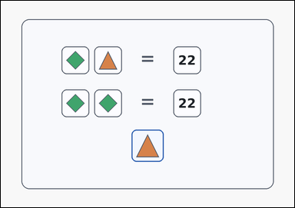 | 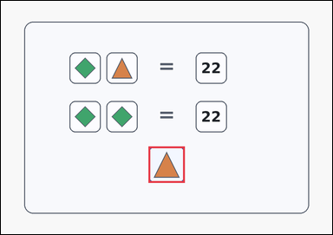 | task_puzzles_arithmetic_balance_value | sum_pair_unknown | Work from the equality-style arithmetic puzzle shown in the image: a card-style arithmetic equality puzzle with stacked panels of boxed symbols and numbers separated by an explicit equals sign, plus one highlighted query box below the panels. Infer the value represented by the symbol in the highlighted query box. What is the value of the symbol in the highlighted query box? Return a valid JSON object with keys "evidence" and "answer" in that order. Evidence format: set "evidence" to an array containing exactly one bounding box [x1, y1, x2, y2] for the highlighted query box. Answer requirement: set "answer" to the exact integer value requested by the puzzle. Example JSON: {"evidence":[[456,508,568,620]],"answer":7} | Work from the equality-style arithmetic puzzle shown in the image: a card-style arithmetic equality puzzle with stacked panels of boxed symbols and numbers separated by an explicit equals sign, plus one highlighted query box below the panels. Infer the value represented by the symbol in the highlighted query box. What is the value of the symbol in the highlighted query box? Return a valid JSON object with key "answer". Answer rule: set "answer" to the exact integer value requested by the puzzle. Example JSON: {"answer":7} | {"evidence": [[456.0, 449.0, 568.0, 561.0]], "answer": 11} | [[456.0, 449.0, 568.0, 561.0]] | integer | bbox_set | 525284702663733 | puzzles/task_puzzles_arithmetic_balance_value/images/sum_pair_unknown/0006.png | puzzles/task_puzzles_arithmetic_balance_value/data/sum_pair_unknown/0006.json
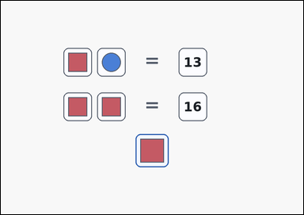 | 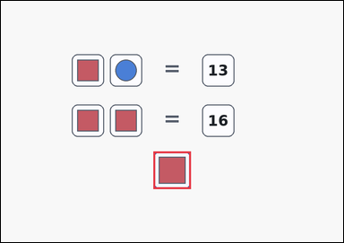 | task_puzzles_arithmetic_balance_value | sum_pair_unknown | Look at the equality puzzle in the image: an arithmetic equality puzzle with stacked panels of boxed symbols and numbers separated by an explicit equals sign, plus one highlighted query box below the panels. Read the equality puzzle and determine the number that matches the highlighted query box. What is the value of the symbol in the highlighted query box? Return a valid JSON object with keys "evidence" and "answer" in that order. Evidence format: set "evidence" to an array containing exactly one bounding box [x1, y1, x2, y2] for the highlighted query box. Answer requirement: set "answer" to the exact integer value requested by the puzzle. Example JSON: {"evidence":[[456,508,568,620]],"answer":7} | Look at the equality puzzle in the image: an arithmetic equality puzzle with stacked panels of boxed symbols and numbers separated by an explicit equals sign, plus one highlighted query box below the panels. Read the equality puzzle and determine the number that matches the highlighted query box. What is the value of the symbol in the highlighted query box? Return a valid JSON object with key "answer". Answer rule: set "answer" to the exact integer value requested by the puzzle. Example JSON: {"answer":7} | {"evidence": [[456.0, 449.0, 568.0, 561.0]], "answer": 8} | [[456.0, 449.0, 568.0, 561.0]] | integer | bbox_set | 547886079255715 | puzzles/task_puzzles_arithmetic_balance_value/images/sum_pair_unknown/0012.png | puzzles/task_puzzles_arithmetic_balance_value/data/sum_pair_unknown/0012.json
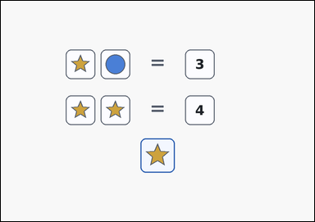 | 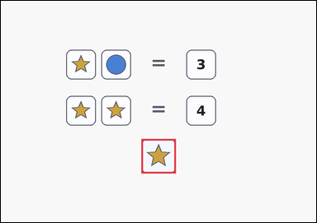 | task_puzzles_arithmetic_balance_value | sum_pair_unknown | Work from the equality-style arithmetic puzzle shown in the image: an arithmetic equality puzzle with stacked panels of boxed symbols and numbers separated by an explicit equals sign, plus one highlighted query box below the panels. Use the equality panels to determine the value of the highlighted query symbol. What number belongs to the symbol in the highlighted query box? Return a valid JSON object with keys "evidence" and "answer" in that order. Evidence rule: set "evidence" to an array containing exactly one bounding box [x1, y1, x2, y2] for the highlighted query box. Answer rule: set "answer" to the exact integer value requested by the puzzle. Example JSON: {"evidence":[[456,508,568,620]],"answer":7} | Work from the equality-style arithmetic puzzle shown in the image: an arithmetic equality puzzle with stacked panels of boxed symbols and numbers separated by an explicit equals sign, plus one highlighted query box below the panels. Use the equality panels to determine the value of the highlighted query symbol. What number belongs to the symbol in the highlighted query box? Return a valid JSON object with key "answer". Answer field: set "answer" to the exact integer value requested by the puzzle. Example JSON: {"answer":7} | {"evidence": [[456.0, 449.0, 568.0, 561.0]], "answer": 2} | [[456.0, 449.0, 568.0, 561.0]] | integer | bbox_set | 745516695579168 | puzzles/task_puzzles_arithmetic_balance_value/images/sum_pair_unknown/0009.png | puzzles/task_puzzles_arithmetic_balance_value/data/sum_pair_unknown/0009.json
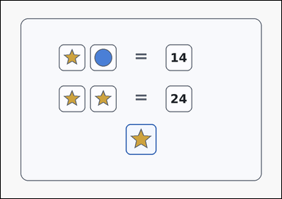 | 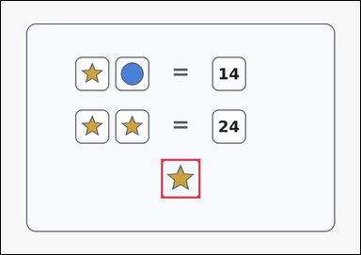 | task_puzzles_arithmetic_balance_value | sum_pair_unknown | Use the stacked equality panels in the image: a card-style arithmetic equality puzzle with stacked panels of boxed symbols and numbers separated by an explicit equals sign, plus one highlighted query box below the panels. Infer the value represented by the symbol in the highlighted query box. Which integer matches the highlighted query box? Return a valid JSON object with keys "evidence" and "answer" in that order. Evidence rule: set "evidence" to an array containing exactly one bounding box [x1, y1, x2, y2] for the highlighted query box. Answer rule: set "answer" to the exact integer value requested by the puzzle. Example JSON: {"evidence":[[456,508,568,620]],"answer":7} | Use the stacked equality panels in the image: a card-style arithmetic equality puzzle with stacked panels of boxed symbols and numbers separated by an explicit equals sign, plus one highlighted query box below the panels. Infer the value represented by the symbol in the highlighted query box. Which integer matches the highlighted query box? Return a valid JSON object with key "answer". Answer requirement: set "answer" to the exact integer value requested by the puzzle. Example JSON: {"answer":7} | {"evidence": [[456.0, 449.0, 568.0, 561.0]], "answer": 12} | [[456.0, 449.0, 568.0, 561.0]] | integer | bbox_set | 1.877509742E+15 | puzzles/task_puzzles_arithmetic_balance_value/images/sum_pair_unknown/0011.png | puzzles/task_puzzles_arithmetic_balance_value/data/sum_pair_unknown/0011.json
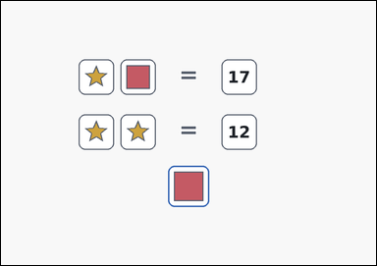 | 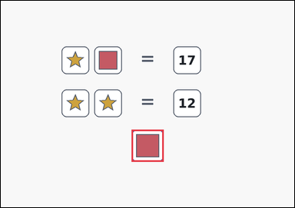 | task_puzzles_arithmetic_balance_value | sum_pair_unknown | Look at the equality puzzle in the image: an outline-style arithmetic equality puzzle with stacked panels of boxed symbols and numbers separated by an explicit equals sign, plus one highlighted query box below the panels. Use the equality panels to determine the value of the highlighted query symbol. Which integer matches the highlighted query box? Return a valid JSON object with keys "evidence" and "answer" in that order. Evidence format: set "evidence" to an array containing exactly one bounding box [x1, y1, x2, y2] for the highlighted query box. Answer requirement: set "answer" to the exact integer value requested by the puzzle. Example JSON: {"evidence":[[456,508,568,620]],"answer":7} | Look at the equality puzzle in the image: an outline-style arithmetic equality puzzle with stacked panels of boxed symbols and numbers separated by an explicit equals sign, plus one highlighted query box below the panels. Use the equality panels to determine the value of the highlighted query symbol. Which integer matches the highlighted query box? Return a valid JSON object with key "answer". Answer rule: set "answer" to the exact integer value requested by the puzzle. Example JSON: {"answer":7} | {"evidence": [[456.0, 449.0, 568.0, 561.0]], "answer": 11} | [[456.0, 449.0, 568.0, 561.0]] | integer | bbox_set | 2.2583967002E+15 | puzzles/task_puzzles_arithmetic_balance_value/images/sum_pair_unknown/0002.png | puzzles/task_puzzles_arithmetic_balance_value/data/sum_pair_unknown/0002.json
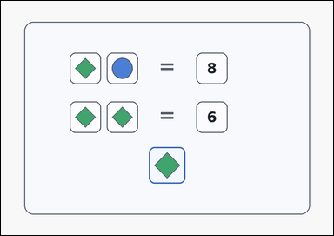 | 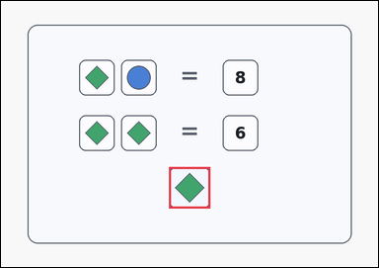 | task_puzzles_arithmetic_balance_value | sum_pair_unknown | You are given a card-style arithmetic equality puzzle with stacked panels of boxed symbols and numbers separated by an explicit equals sign, plus one highlighted query box below the panels. Read the equality puzzle and determine the number that matches the highlighted query box. Use the shown equalities to solve the highlighted query symbol. Return a valid JSON object with keys "evidence" and "answer" in that order. Evidence format: set "evidence" to an array containing exactly one bounding box [x1, y1, x2, y2] for the highlighted query box. Answer requirement: set "answer" to the exact integer value requested by the puzzle. Example JSON: {"evidence":[[456,508,568,620]],"answer":7} | You are given a card-style arithmetic equality puzzle with stacked panels of boxed symbols and numbers separated by an explicit equals sign, plus one highlighted query box below the panels. Read the equality puzzle and determine the number that matches the highlighted query box. Use the shown equalities to solve the highlighted query symbol. Return a valid JSON object with key "answer". Answer field: set "answer" to the exact integer value requested by the puzzle. Example JSON: {"answer":7} | {"evidence": [[456.0, 449.0, 568.0, 561.0]], "answer": 3} | [[456.0, 449.0, 568.0, 561.0]] | integer | bbox_set | 2.8106288948E+15 | puzzles/task_puzzles_arithmetic_balance_value/images/sum_pair_unknown/0024.png | puzzles/task_puzzles_arithmetic_balance_value/data/sum_pair_unknown/0024.json
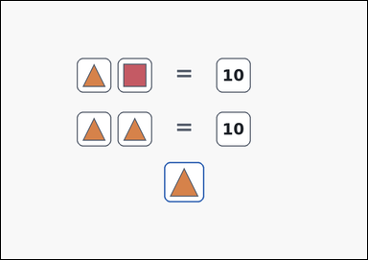 | 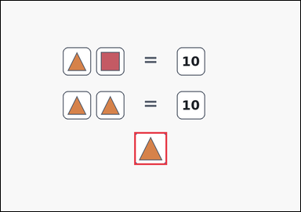 | task_puzzles_arithmetic_balance_value | sum_pair_unknown | Work from the equality-style arithmetic puzzle shown in the image: an outline-style arithmetic equality puzzle with stacked panels of boxed symbols and numbers separated by an explicit equals sign, plus one highlighted query box below the panels. Read the equality puzzle and determine the number that matches the highlighted query box. Use the shown equalities to solve the highlighted query symbol. Return a valid JSON object with keys "evidence" and "answer" in that order. Evidence: set "evidence" to an array containing exactly one bounding box [x1, y1, x2, y2] for the highlighted query box. Answer: set "answer" to the exact integer value requested by the puzzle. Example JSON: {"evidence":[[456,508,568,620]],"answer":7} | Work from the equality-style arithmetic puzzle shown in the image: an outline-style arithmetic equality puzzle with stacked panels of boxed symbols and numbers separated by an explicit equals sign, plus one highlighted query box below the panels. Read the equality puzzle and determine the number that matches the highlighted query box. Use the shown equalities to solve the highlighted query symbol. Return a valid JSON object with key "answer". Answer field: set "answer" to the exact integer value requested by the puzzle. Example JSON: {"answer":7} | {"evidence": [[456.0, 449.0, 568.0, 561.0]], "answer": 5} | [[456.0, 449.0, 568.0, 561.0]] | integer | bbox_set | 3.0923550256E+15 | puzzles/task_puzzles_arithmetic_balance_value/images/sum_pair_unknown/0017.png | puzzles/task_puzzles_arithmetic_balance_value/data/sum_pair_unknown/0017.json
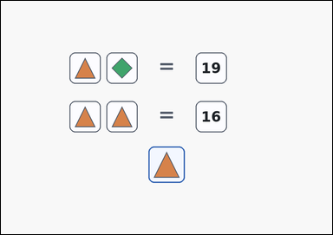 | 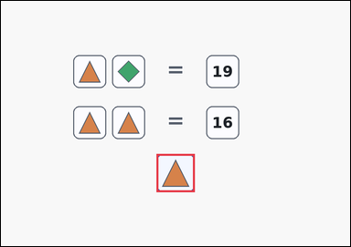 | task_puzzles_arithmetic_balance_value | sum_pair_unknown | Look at the equality puzzle in the image: an arithmetic equality puzzle with stacked panels of boxed symbols and numbers separated by an explicit equals sign, plus one highlighted query box below the panels. Infer the value represented by the symbol in the highlighted query box. Use the shown equalities to solve the highlighted query symbol. Return a valid JSON object with keys "evidence" and "answer" in that order. Evidence: set "evidence" to an array containing exactly one bounding box [x1, y1, x2, y2] for the highlighted query box. Answer: set "answer" to the exact integer value requested by the puzzle. Example JSON: {"evidence":[[456,508,568,620]],"answer":7} | Look at the equality puzzle in the image: an arithmetic equality puzzle with stacked panels of boxed symbols and numbers separated by an explicit equals sign, plus one highlighted query box below the panels. Infer the value represented by the symbol in the highlighted query box. Use the shown equalities to solve the highlighted query symbol. Return a valid JSON object with key "answer". Answer requirement: set "answer" to the exact integer value requested by the puzzle. Example JSON: {"answer":7} | {"evidence": [[456.0, 449.0, 568.0, 561.0]], "answer": 8} | [[456.0, 449.0, 568.0, 561.0]] | integer | bbox_set | 3.2009377029E+15 | puzzles/task_puzzles_arithmetic_balance_value/images/sum_pair_unknown/0015.png | puzzles/task_puzzles_arithmetic_balance_value/data/sum_pair_unknown/0015.json
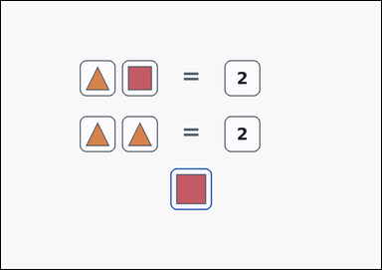 | 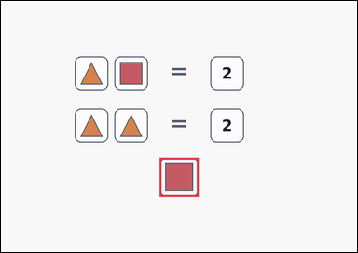 | task_puzzles_arithmetic_balance_value | sum_pair_unknown | You are given an arithmetic equality puzzle with stacked panels of boxed symbols and numbers separated by an explicit equals sign, plus one highlighted query box below the panels. Work from the shown equalities to find the value of the highlighted symbol. Which integer matches the highlighted query box? Return a valid JSON object with keys "evidence" and "answer" in that order. Evidence rule: set "evidence" to an array containing exactly one bounding box [x1, y1, x2, y2] for the highlighted query box. Answer rule: set "answer" to the exact integer value requested by the puzzle. Example JSON: {"evidence":[[456,508,568,620]],"answer":7} | You are given an arithmetic equality puzzle with stacked panels of boxed symbols and numbers separated by an explicit equals sign, plus one highlighted query box below the panels. Work from the shown equalities to find the value of the highlighted symbol. Which integer matches the highlighted query box? Return a valid JSON object with key "answer". Answer format: set "answer" to the exact integer value requested by the puzzle. Example JSON: {"answer":7} | {"evidence": [[456.0, 449.0, 568.0, 561.0]], "answer": 1} | [[456.0, 449.0, 568.0, 561.0]] | integer | bbox_set | 3.2590430264E+15 | puzzles/task_puzzles_arithmetic_balance_value/images/sum_pair_unknown/0005.png | puzzles/task_puzzles_arithmetic_balance_value/data/sum_pair_unknown/0005.json
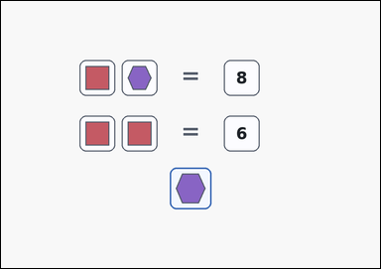 | 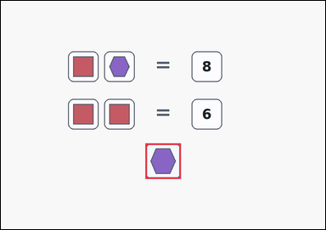 | task_puzzles_arithmetic_balance_value | sum_pair_unknown | Work from the equality-style arithmetic puzzle shown in the image: an arithmetic equality puzzle with stacked panels of boxed symbols and numbers separated by an explicit equals sign, plus one highlighted query box below the panels. Use the equality panels to determine the value of the highlighted query symbol. Determine the value represented by the highlighted query symbol. Return a valid JSON object with keys "evidence" and "answer" in that order. Evidence: set "evidence" to an array containing exactly one bounding box [x1, y1, x2, y2] for the highlighted query box. Answer: set "answer" to the exact integer value requested by the puzzle. Example JSON: {"evidence":[[456,508,568,620]],"answer":7} | Work from the equality-style arithmetic puzzle shown in the image: an arithmetic equality puzzle with stacked panels of boxed symbols and numbers separated by an explicit equals sign, plus one highlighted query box below the panels. Use the equality panels to determine the value of the highlighted query symbol. Determine the value represented by the highlighted query symbol. Return a valid JSON object with key "answer". Answer requirement: set "answer" to the exact integer value requested by the puzzle. Example JSON: {"answer":7} | {"evidence": [[456.0, 449.0, 568.0, 561.0]], "answer": 5} | [[456.0, 449.0, 568.0, 561.0]] | integer | bbox_set | 3.488166351E+15 | puzzles/task_puzzles_arithmetic_balance_value/images/sum_pair_unknown/0018.png | puzzles/task_puzzles_arithmetic_balance_value/data/sum_pair_unknown/0018.json
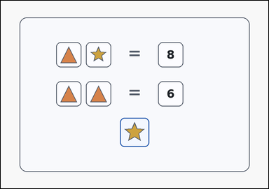 | 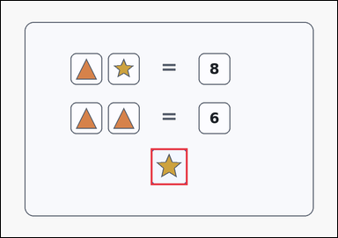 | task_puzzles_arithmetic_balance_value | sum_pair_unknown | Work from the equality-style arithmetic puzzle shown in the image: a card-style arithmetic equality puzzle with stacked panels of boxed symbols and numbers separated by an explicit equals sign, plus one highlighted query box below the panels. Read the equality puzzle and determine the number that matches the highlighted query box. Which integer matches the highlighted query box? Return a valid JSON object with keys "evidence" and "answer" in that order. Evidence format: set "evidence" to an array containing exactly one bounding box [x1, y1, x2, y2] for the highlighted query box. Answer requirement: set "answer" to the exact integer value requested by the puzzle. Example JSON: {"evidence":[[456,508,568,620]],"answer":7} | Work from the equality-style arithmetic puzzle shown in the image: a card-style arithmetic equality puzzle with stacked panels of boxed symbols and numbers separated by an explicit equals sign, plus one highlighted query box below the panels. Read the equality puzzle and determine the number that matches the highlighted query box. Which integer matches the highlighted query box? Return a valid JSON object with key "answer". Answer: set "answer" to the exact integer value requested by the puzzle. Example JSON: {"answer":7} | {"evidence": [[456.0, 449.0, 568.0, 561.0]], "answer": 5} | [[456.0, 449.0, 568.0, 561.0]] | integer | bbox_set | 4.1377566318E+15 | puzzles/task_puzzles_arithmetic_balance_value/images/sum_pair_unknown/0023.png | puzzles/task_puzzles_arithmetic_balance_value/data/sum_pair_unknown/0023.json
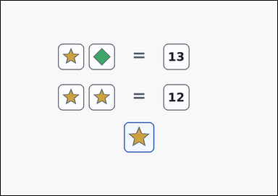 | 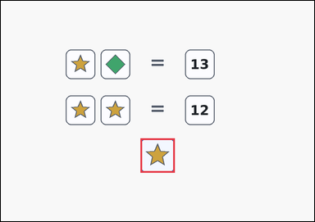 | task_puzzles_arithmetic_balance_value | sum_pair_unknown | Use the stacked equality panels in the image: an arithmetic equality puzzle with stacked panels of boxed symbols and numbers separated by an explicit equals sign, plus one highlighted query box below the panels. Use the equality panels to determine the value of the highlighted query symbol. Determine the value represented by the highlighted query symbol. Return a valid JSON object with keys "evidence" and "answer" in that order. Evidence rule: set "evidence" to an array containing exactly one bounding box [x1, y1, x2, y2] for the highlighted query box. Answer rule: set "answer" to the exact integer value requested by the puzzle. Example JSON: {"evidence":[[456,508,568,620]],"answer":7} | Use the stacked equality panels in the image: an arithmetic equality puzzle with stacked panels of boxed symbols and numbers separated by an explicit equals sign, plus one highlighted query box below the panels. Use the equality panels to determine the value of the highlighted query symbol. Determine the value represented by the highlighted query symbol. Return a valid JSON object with key "answer". Answer format: set "answer" to the exact integer value requested by the puzzle. Example JSON: {"answer":7} | {"evidence": [[456.0, 449.0, 568.0, 561.0]], "answer": 6} | [[456.0, 449.0, 568.0, 561.0]] | integer | bbox_set | 4.7015931895E+15 | puzzles/task_puzzles_arithmetic_balance_value/images/sum_pair_unknown/0013.png | puzzles/task_puzzles_arithmetic_balance_value/data/sum_pair_unknown/0013.json
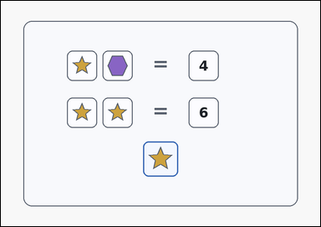 | 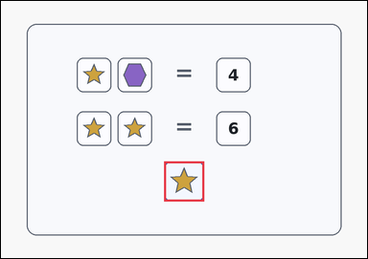 | task_puzzles_arithmetic_balance_value | sum_pair_unknown | You are given a card-style arithmetic equality puzzle with stacked panels of boxed symbols and numbers separated by an explicit equals sign, plus one highlighted query box below the panels. Infer the value represented by the symbol in the highlighted query box. Which integer matches the highlighted query box? Return a valid JSON object with keys "evidence" and "answer" in that order. Evidence rule: set "evidence" to an array containing exactly one bounding box [x1, y1, x2, y2] for the highlighted query box. Answer rule: set "answer" to the exact integer value requested by the puzzle. Example JSON: {"evidence":[[456,508,568,620]],"answer":7} | You are given a card-style arithmetic equality puzzle with stacked panels of boxed symbols and numbers separated by an explicit equals sign, plus one highlighted query box below the panels. Infer the value represented by the symbol in the highlighted query box. Which integer matches the highlighted query box? Return a valid JSON object with key "answer". Answer format: set "answer" to the exact integer value requested by the puzzle. Example JSON: {"answer":7} | {"evidence": [[456.0, 449.0, 568.0, 561.0]], "answer": 3} | [[456.0, 449.0, 568.0, 561.0]] | integer | bbox_set | 4.7325735579E+15 | puzzles/task_puzzles_arithmetic_balance_value/images/sum_pair_unknown/0014.png | puzzles/task_puzzles_arithmetic_balance_value/data/sum_pair_unknown/0014.json
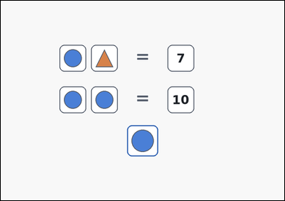 | 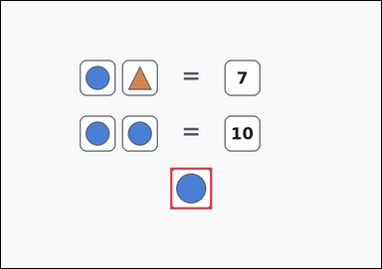 | task_puzzles_arithmetic_balance_value | sum_pair_unknown | Work from the equality-style arithmetic puzzle shown in the image: an outline-style arithmetic equality puzzle with stacked panels of boxed symbols and numbers separated by an explicit equals sign, plus one highlighted query box below the panels. Use the equality panels to determine the value of the highlighted query symbol. What is the value of the symbol in the highlighted query box? Return a valid JSON object with keys "evidence" and "answer" in that order. Evidence field: set "evidence" to an array containing exactly one bounding box [x1, y1, x2, y2] for the highlighted query box. Answer field: set "answer" to the exact integer value requested by the puzzle. Example JSON: {"evidence":[[456,508,568,620]],"answer":7} | Work from the equality-style arithmetic puzzle shown in the image: an outline-style arithmetic equality puzzle with stacked panels of boxed symbols and numbers separated by an explicit equals sign, plus one highlighted query box below the panels. Use the equality panels to determine the value of the highlighted query symbol. What is the value of the symbol in the highlighted query box? Return a valid JSON object with key "answer". Answer requirement: set "answer" to the exact integer value requested by the puzzle. Example JSON: {"answer":7} | {"evidence": [[456.0, 449.0, 568.0, 561.0]], "answer": 5} | [[456.0, 449.0, 568.0, 561.0]] | integer | bbox_set | 4.8320556076E+15 | puzzles/task_puzzles_arithmetic_balance_value/images/sum_pair_unknown/0016.png | puzzles/task_puzzles_arithmetic_balance_value/data/sum_pair_unknown/0016.json
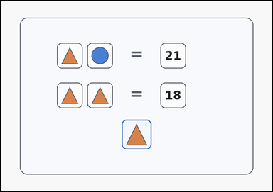 | 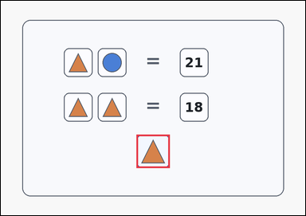 | task_puzzles_arithmetic_balance_value | sum_pair_unknown | The image shows a card-style arithmetic equality puzzle with stacked panels of boxed symbols and numbers separated by an explicit equals sign, plus one highlighted query box below the panels. Read the equality puzzle and determine the number that matches the highlighted query box. What is the value of the symbol in the highlighted query box? Return a valid JSON object with keys "evidence" and "answer" in that order. Evidence requirement: set "evidence" to an array containing exactly one bounding box [x1, y1, x2, y2] for the highlighted query box. Answer format: set "answer" to the exact integer value requested by the puzzle. Example JSON: {"evidence":[[456,508,568,620]],"answer":7} | The image shows a card-style arithmetic equality puzzle with stacked panels of boxed symbols and numbers separated by an explicit equals sign, plus one highlighted query box below the panels. Read the equality puzzle and determine the number that matches the highlighted query box. What is the value of the symbol in the highlighted query box? Return a valid JSON object with key "answer". Answer requirement: set "answer" to the exact integer value requested by the puzzle. Example JSON: {"answer":7} | {"evidence": [[456.0, 449.0, 568.0, 561.0]], "answer": 9} | [[456.0, 449.0, 568.0, 561.0]] | integer | bbox_set | 5.4884029498E+15 | puzzles/task_puzzles_arithmetic_balance_value/images/sum_pair_unknown/0007.png | puzzles/task_puzzles_arithmetic_balance_value/data/sum_pair_unknown/0007.json
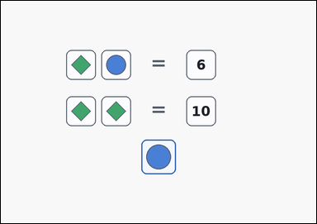 | 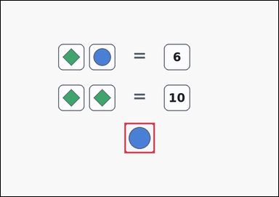 | task_puzzles_arithmetic_balance_value | sum_pair_unknown | Use the stacked equality panels in the image: an arithmetic equality puzzle with stacked panels of boxed symbols and numbers separated by an explicit equals sign, plus one highlighted query box below the panels. Read the equality puzzle and determine the number that matches the highlighted query box. Use the shown equalities to solve the highlighted query symbol. Return a valid JSON object with keys "evidence" and "answer" in that order. Evidence field: set "evidence" to an array containing exactly one bounding box [x1, y1, x2, y2] for the highlighted query box. Answer field: set "answer" to the exact integer value requested by the puzzle. Example JSON: {"evidence":[[456,508,568,620]],"answer":7} | Use the stacked equality panels in the image: an arithmetic equality puzzle with stacked panels of boxed symbols and numbers separated by an explicit equals sign, plus one highlighted query box below the panels. Read the equality puzzle and determine the number that matches the highlighted query box. Use the shown equalities to solve the highlighted query symbol. Return a valid JSON object with key "answer". Answer field: set "answer" to the exact integer value requested by the puzzle. Example JSON: {"answer":7} | {"evidence": [[456.0, 449.0, 568.0, 561.0]], "answer": 1} | [[456.0, 449.0, 568.0, 561.0]] | integer | bbox_set | 5.5627328063E+15 | puzzles/task_puzzles_arithmetic_balance_value/images/sum_pair_unknown/0003.png | puzzles/task_puzzles_arithmetic_balance_value/data/sum_pair_unknown/0003.json
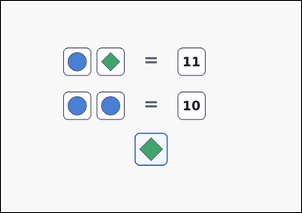 | 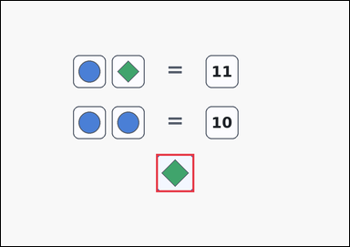 | task_puzzles_arithmetic_balance_value | sum_pair_unknown | Look at the equality puzzle in the image: an arithmetic equality puzzle with stacked panels of boxed symbols and numbers separated by an explicit equals sign, plus one highlighted query box below the panels. Solve the equality puzzle and report the integer value of the highlighted query box. Determine the value represented by the highlighted query symbol. Return a valid JSON object with keys "evidence" and "answer" in that order. Evidence requirement: set "evidence" to an array containing exactly one bounding box [x1, y1, x2, y2] for the highlighted query box. Answer format: set "answer" to the exact integer value requested by the puzzle. Example JSON: {"evidence":[[456,508,568,620]],"answer":7} | Look at the equality puzzle in the image: an arithmetic equality puzzle with stacked panels of boxed symbols and numbers separated by an explicit equals sign, plus one highlighted query box below the panels. Solve the equality puzzle and report the integer value of the highlighted query box. Determine the value represented by the highlighted query symbol. Return a valid JSON object with key "answer". Answer format: set "answer" to the exact integer value requested by the puzzle. Example JSON: {"answer":7} | {"evidence": [[456.0, 449.0, 568.0, 561.0]], "answer": 6} | [[456.0, 449.0, 568.0, 561.0]] | integer | bbox_set | 5.9297155618E+15 | puzzles/task_puzzles_arithmetic_balance_value/images/sum_pair_unknown/0008.png | puzzles/task_puzzles_arithmetic_balance_value/data/sum_pair_unknown/0008.json
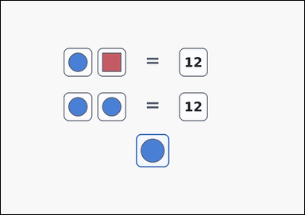 | 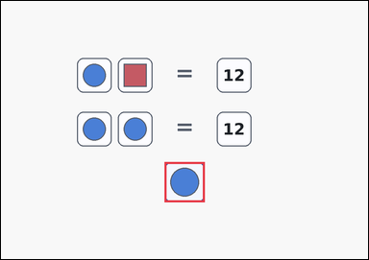 | task_puzzles_arithmetic_balance_value | sum_pair_unknown | The image shows an arithmetic equality puzzle with stacked panels of boxed symbols and numbers separated by an explicit equals sign, plus one highlighted query box below the panels. Solve the equality puzzle and report the integer value of the highlighted query box. What number belongs to the symbol in the highlighted query box? Return a valid JSON object with keys "evidence" and "answer" in that order. Evidence rule: set "evidence" to an array containing exactly one bounding box [x1, y1, x2, y2] for the highlighted query box. Answer rule: set "answer" to the exact integer value requested by the puzzle. Example JSON: {"evidence":[[456,508,568,620]],"answer":7} | The image shows an arithmetic equality puzzle with stacked panels of boxed symbols and numbers separated by an explicit equals sign, plus one highlighted query box below the panels. Solve the equality puzzle and report the integer value of the highlighted query box. What number belongs to the symbol in the highlighted query box? Return a valid JSON object with key "answer". Answer format: set "answer" to the exact integer value requested by the puzzle. Example JSON: {"answer":7} | {"evidence": [[456.0, 449.0, 568.0, 561.0]], "answer": 6} | [[456.0, 449.0, 568.0, 561.0]] | integer | bbox_set | 5.9656731496E+15 | puzzles/task_puzzles_arithmetic_balance_value/images/sum_pair_unknown/0001.png | puzzles/task_puzzles_arithmetic_balance_value/data/sum_pair_unknown/0001.json
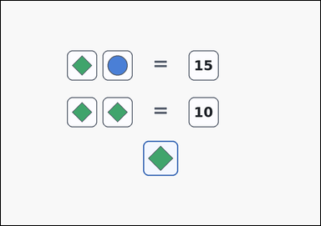 | 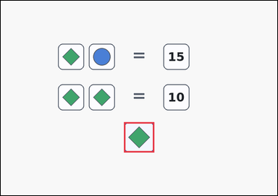 | task_puzzles_arithmetic_balance_value | sum_pair_unknown | Work from the equality-style arithmetic puzzle shown in the image: an arithmetic equality puzzle with stacked panels of boxed symbols and numbers separated by an explicit equals sign, plus one highlighted query box below the panels. Read the equality puzzle and determine the number that matches the highlighted query box. What number belongs to the symbol in the highlighted query box? Return a valid JSON object with keys "evidence" and "answer" in that order. Evidence format: set "evidence" to an array containing exactly one bounding box [x1, y1, x2, y2] for the highlighted query box. Answer requirement: set "answer" to the exact integer value requested by the puzzle. Example JSON: {"evidence":[[456,508,568,620]],"answer":7} | Work from the equality-style arithmetic puzzle shown in the image: an arithmetic equality puzzle with stacked panels of boxed symbols and numbers separated by an explicit equals sign, plus one highlighted query box below the panels. Read the equality puzzle and determine the number that matches the highlighted query box. What number belongs to the symbol in the highlighted query box? Return a valid JSON object with key "answer". Answer field: set "answer" to the exact integer value requested by the puzzle. Example JSON: {"answer":7} | {"evidence": [[456.0, 449.0, 568.0, 561.0]], "answer": 5} | [[456.0, 449.0, 568.0, 561.0]] | integer | bbox_set | 6.0521148861E+15 | puzzles/task_puzzles_arithmetic_balance_value/images/sum_pair_unknown/0010.png | puzzles/task_puzzles_arithmetic_balance_value/data/sum_pair_unknown/0010.json
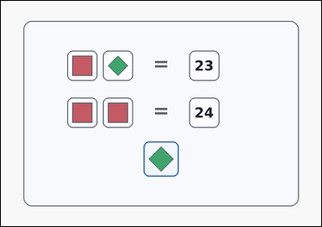 | 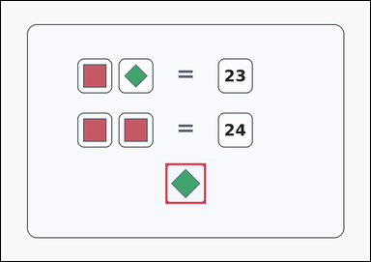 | task_puzzles_arithmetic_balance_value | sum_pair_unknown | The image shows a card-style arithmetic equality puzzle with stacked panels of boxed symbols and numbers separated by an explicit equals sign, plus one highlighted query box below the panels. Infer the value represented by the symbol in the highlighted query box. What number belongs to the symbol in the highlighted query box? Return a valid JSON object with keys "evidence" and "answer" in that order. Evidence field: set "evidence" to an array containing exactly one bounding box [x1, y1, x2, y2] for the highlighted query box. Answer field: set "answer" to the exact integer value requested by the puzzle. Example JSON: {"evidence":[[456,508,568,620]],"answer":7} | The image shows a card-style arithmetic equality puzzle with stacked panels of boxed symbols and numbers separated by an explicit equals sign, plus one highlighted query box below the panels. Infer the value represented by the symbol in the highlighted query box. What number belongs to the symbol in the highlighted query box? Return a valid JSON object with key "answer". Answer rule: set "answer" to the exact integer value requested by the puzzle. Example JSON: {"answer":7} | {"evidence": [[456.0, 449.0, 568.0, 561.0]], "answer": 11} | [[456.0, 449.0, 568.0, 561.0]] | integer | bbox_set | 6.1629908622E+15 | puzzles/task_puzzles_arithmetic_balance_value/images/sum_pair_unknown/0000.png | puzzles/task_puzzles_arithmetic_balance_value/data/sum_pair_unknown/0000.json
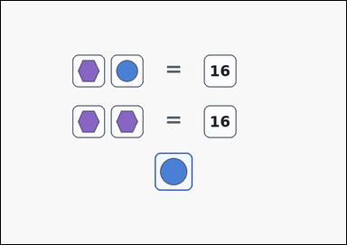 | 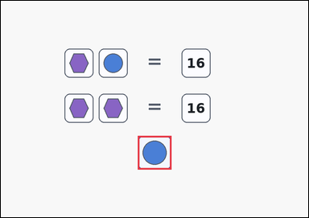 | task_puzzles_arithmetic_balance_value | sum_pair_unknown | The image shows an arithmetic equality puzzle with stacked panels of boxed symbols and numbers separated by an explicit equals sign, plus one highlighted query box below the panels. Work from the shown equalities to find the value of the highlighted symbol. Determine the value represented by the highlighted query symbol. Return a valid JSON object with keys "evidence" and "answer" in that order. Evidence field: set "evidence" to an array containing exactly one bounding box [x1, y1, x2, y2] for the highlighted query box. Answer field: set "answer" to the exact integer value requested by the puzzle. Example JSON: {"evidence":[[456,508,568,620]],"answer":7} | The image shows an arithmetic equality puzzle with stacked panels of boxed symbols and numbers separated by an explicit equals sign, plus one highlighted query box below the panels. Work from the shown equalities to find the value of the highlighted symbol. Determine the value represented by the highlighted query symbol. Return a valid JSON object with key "answer". Answer format: set "answer" to the exact integer value requested by the puzzle. Example JSON: {"answer":7} | {"evidence": [[456.0, 449.0, 568.0, 561.0]], "answer": 8} | [[456.0, 449.0, 568.0, 561.0]] | integer | bbox_set | 6.724299249E+15 | puzzles/task_puzzles_arithmetic_balance_value/images/sum_pair_unknown/0019.png | puzzles/task_puzzles_arithmetic_balance_value/data/sum_pair_unknown/0019.json
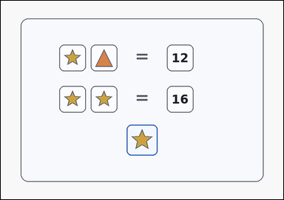 | 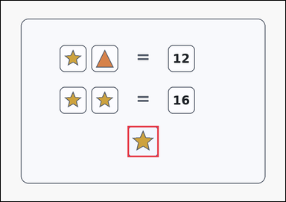 | task_puzzles_arithmetic_balance_value | sum_pair_unknown | Look at the equality puzzle in the image: a card-style arithmetic equality puzzle with stacked panels of boxed symbols and numbers separated by an explicit equals sign, plus one highlighted query box below the panels. Read the equality puzzle and determine the number that matches the highlighted query box. Which integer matches the highlighted query box? Return a valid JSON object with keys "evidence" and "answer" in that order. Evidence requirement: set "evidence" to an array containing exactly one bounding box [x1, y1, x2, y2] for the highlighted query box. Answer format: set "answer" to the exact integer value requested by the puzzle. Example JSON: {"evidence":[[456,508,568,620]],"answer":7} | Look at the equality puzzle in the image: a card-style arithmetic equality puzzle with stacked panels of boxed symbols and numbers separated by an explicit equals sign, plus one highlighted query box below the panels. Read the equality puzzle and determine the number that matches the highlighted query box. Which integer matches the highlighted query box? Return a valid JSON object with key "answer". Answer rule: set "answer" to the exact integer value requested by the puzzle. Example JSON: {"answer":7} | {"evidence": [[456.0, 449.0, 568.0, 561.0]], "answer": 8} | [[456.0, 449.0, 568.0, 561.0]] | integer | bbox_set | 6.8324121164E+15 | puzzles/task_puzzles_arithmetic_balance_value/images/sum_pair_unknown/0020.png | puzzles/task_puzzles_arithmetic_balance_value/data/sum_pair_unknown/0020.json
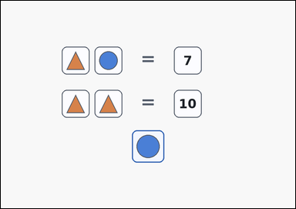 | 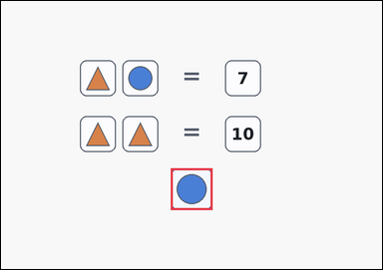 | task_puzzles_arithmetic_balance_value | sum_pair_unknown | Work from the equality-style arithmetic puzzle shown in the image: an arithmetic equality puzzle with stacked panels of boxed symbols and numbers separated by an explicit equals sign, plus one highlighted query box below the panels. Infer the value represented by the symbol in the highlighted query box. Determine the value represented by the highlighted query symbol. Return a valid JSON object with keys "evidence" and "answer" in that order. Evidence requirement: set "evidence" to an array containing exactly one bounding box [x1, y1, x2, y2] for the highlighted query box. Answer format: set "answer" to the exact integer value requested by the puzzle. Example JSON: {"evidence":[[456,508,568,620]],"answer":7} | Work from the equality-style arithmetic puzzle shown in the image: an arithmetic equality puzzle with stacked panels of boxed symbols and numbers separated by an explicit equals sign, plus one highlighted query box below the panels. Infer the value represented by the symbol in the highlighted query box. Determine the value represented by the highlighted query symbol. Return a valid JSON object with key "answer". Answer: set "answer" to the exact integer value requested by the puzzle. Example JSON: {"answer":7} | {"evidence": [[456.0, 449.0, 568.0, 561.0]], "answer": 2} | [[456.0, 449.0, 568.0, 561.0]] | integer | bbox_set | 7.6768233031E+15 | puzzles/task_puzzles_arithmetic_balance_value/images/sum_pair_unknown/0021.png | puzzles/task_puzzles_arithmetic_balance_value/data/sum_pair_unknown/0021.json
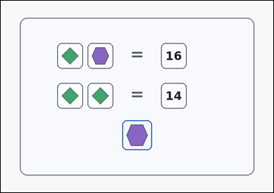 | 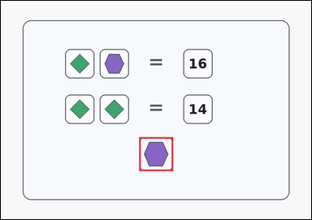 | task_puzzles_arithmetic_balance_value | sum_pair_unknown | Use the stacked equality panels in the image: a card-style arithmetic equality puzzle with stacked panels of boxed symbols and numbers separated by an explicit equals sign, plus one highlighted query box below the panels. Read the equality puzzle and determine the number that matches the highlighted query box. Use the shown equalities to solve the highlighted query symbol. Return a valid JSON object with keys "evidence" and "answer" in that order. Evidence rule: set "evidence" to an array containing exactly one bounding box [x1, y1, x2, y2] for the highlighted query box. Answer rule: set "answer" to the exact integer value requested by the puzzle. Example JSON: {"evidence":[[456,508,568,620]],"answer":7} | Use the stacked equality panels in the image: a card-style arithmetic equality puzzle with stacked panels of boxed symbols and numbers separated by an explicit equals sign, plus one highlighted query box below the panels. Read the equality puzzle and determine the number that matches the highlighted query box. Use the shown equalities to solve the highlighted query symbol. Return a valid JSON object with key "answer". Answer requirement: set "answer" to the exact integer value requested by the puzzle. Example JSON: {"answer":7} | {"evidence": [[456.0, 449.0, 568.0, 561.0]], "answer": 9} | [[456.0, 449.0, 568.0, 561.0]] | integer | bbox_set | 7.7075544196E+15 | puzzles/task_puzzles_arithmetic_balance_value/images/sum_pair_unknown/0004.png | puzzles/task_puzzles_arithmetic_balance_value/data/sum_pair_unknown/0004.json
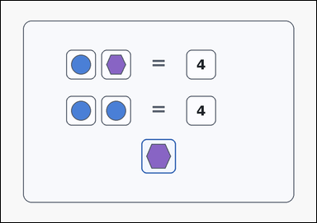 | 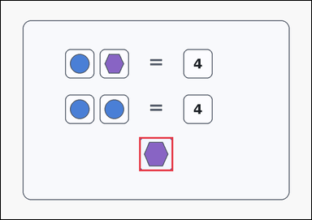 | task_puzzles_arithmetic_balance_value | sum_pair_unknown | Use the stacked equality panels in the image: a card-style arithmetic equality puzzle with stacked panels of boxed symbols and numbers separated by an explicit equals sign, plus one highlighted query box below the panels. Read the equality puzzle and determine the number that matches the highlighted query box. What is the value of the symbol in the highlighted query box? Return a valid JSON object with keys "evidence" and "answer" in that order. Evidence format: set "evidence" to an array containing exactly one bounding box [x1, y1, x2, y2] for the highlighted query box. Answer requirement: set "answer" to the exact integer value requested by the puzzle. Example JSON: {"evidence":[[456,508,568,620]],"answer":7} | Use the stacked equality panels in the image: a card-style arithmetic equality puzzle with stacked panels of boxed symbols and numbers separated by an explicit equals sign, plus one highlighted query box below the panels. Read the equality puzzle and determine the number that matches the highlighted query box. What is the value of the symbol in the highlighted query box? Return a valid JSON object with key "answer". Answer field: set "answer" to the exact integer value requested by the puzzle. Example JSON: {"answer":7} | {"evidence": [[456.0, 449.0, 568.0, 561.0]], "answer": 2} | [[456.0, 449.0, 568.0, 561.0]] | integer | bbox_set | 8.6491309288E+15 | puzzles/task_puzzles_arithmetic_balance_value/images/sum_pair_unknown/0022.png | puzzles/task_puzzles_arithmetic_balance_value/data/sum_pair_unknown/0022.json

three_panel_chain_unknown
image | evidence_image | task | task_variant | prompt | prompt_answer_only | answer | answer_evidence | answer_type | evidence_type | instance_seed | image_path | data_path
 |  | task_puzzles_arithmetic_balance_value | three_panel_chain_unknown | You are given an outline-style arithmetic equality puzzle with stacked panels of boxed symbols and numbers separated by an explicit equals sign, plus one highlighted query box below the panels. Infer the value represented by the symbol in the highlighted query box. Use all three equality panels to determine the highlighted query value. Return a valid JSON object with keys "evidence" and "answer" in that order. Evidence requirement: set "evidence" to an array containing exactly one bounding box [x1, y1, x2, y2] for the highlighted query box. Answer format: set "answer" to the exact integer value requested by the puzzle. Example JSON: {"evidence":[[456,508,568,620]],"answer":5} | You are given an outline-style arithmetic equality puzzle with stacked panels of boxed symbols and numbers separated by an explicit equals sign, plus one highlighted query box below the panels. Infer the value represented by the symbol in the highlighted query box. Use all three equality panels to determine the highlighted query value. Return a valid JSON object with key "answer". Answer rule: set "answer" to the exact integer value requested by the puzzle. Example JSON: {"answer":5} | {"evidence": [[456.0, 524.0, 568.0, 636.0]], "answer": 4} | [[456.0, 524.0, 568.0, 636.0]] | integer | bbox_set | 369268140786492 | puzzles/task_puzzles_arithmetic_balance_value/images/three_panel_chain_unknown/0004.png | puzzles/task_puzzles_arithmetic_balance_value/data/three_panel_chain_unknown/0004.json
 |  | task_puzzles_arithmetic_balance_value | three_panel_chain_unknown | You are given a card-style arithmetic equality puzzle with stacked panels of boxed symbols and numbers separated by an explicit equals sign, plus one highlighted query box below the panels. Work from the shown equalities to find the value of the highlighted symbol. Use all three equality panels to determine the highlighted query value. Return a valid JSON object with keys "evidence" and "answer" in that order. Evidence field: set "evidence" to an array containing exactly one bounding box [x1, y1, x2, y2] for the highlighted query box. Answer field: set "answer" to the exact integer value requested by the puzzle. Example JSON: {"evidence":[[456,508,568,620]],"answer":5} | You are given a card-style arithmetic equality puzzle with stacked panels of boxed symbols and numbers separated by an explicit equals sign, plus one highlighted query box below the panels. Work from the shown equalities to find the value of the highlighted symbol. Use all three equality panels to determine the highlighted query value. Return a valid JSON object with key "answer". Answer requirement: set "answer" to the exact integer value requested by the puzzle. Example JSON: {"answer":5} | {"evidence": [[456.0, 524.0, 568.0, 636.0]], "answer": 10} | [[456.0, 524.0, 568.0, 636.0]] | integer | bbox_set | 558101019268714 | puzzles/task_puzzles_arithmetic_balance_value/images/three_panel_chain_unknown/0000.png | puzzles/task_puzzles_arithmetic_balance_value/data/three_panel_chain_unknown/0000.json
 |  | task_puzzles_arithmetic_balance_value | three_panel_chain_unknown | Look at the equality puzzle in the image: a card-style arithmetic equality puzzle with stacked panels of boxed symbols and numbers separated by an explicit equals sign, plus one highlighted query box below the panels. Use the equality panels to determine the value of the highlighted query symbol. Solve the full equality chain and report the highlighted query value. Return a valid JSON object with keys "evidence" and "answer" in that order. Evidence rule: set "evidence" to an array containing exactly one bounding box [x1, y1, x2, y2] for the highlighted query box. Answer rule: set "answer" to the exact integer value requested by the puzzle. Example JSON: {"evidence":[[456,508,568,620]],"answer":5} | Look at the equality puzzle in the image: a card-style arithmetic equality puzzle with stacked panels of boxed symbols and numbers separated by an explicit equals sign, plus one highlighted query box below the panels. Use the equality panels to determine the value of the highlighted query symbol. Solve the full equality chain and report the highlighted query value. Return a valid JSON object with key "answer". Answer format: set "answer" to the exact integer value requested by the puzzle. Example JSON: {"answer":5} | {"evidence": [[456.0, 524.0, 568.0, 636.0]], "answer": 2} | [[456.0, 524.0, 568.0, 636.0]] | integer | bbox_set | 558362693912520 | puzzles/task_puzzles_arithmetic_balance_value/images/three_panel_chain_unknown/0002.png | puzzles/task_puzzles_arithmetic_balance_value/data/three_panel_chain_unknown/0002.json
 |  | task_puzzles_arithmetic_balance_value | three_panel_chain_unknown | The image shows a card-style arithmetic equality puzzle with stacked panels of boxed symbols and numbers separated by an explicit equals sign, plus one highlighted query box below the panels. Use the equality panels to determine the value of the highlighted query symbol. What is the value of the symbol in the highlighted query box? Return a valid JSON object with keys "evidence" and "answer" in that order. Evidence requirement: set "evidence" to an array containing exactly one bounding box [x1, y1, x2, y2] for the highlighted query box. Answer format: set "answer" to the exact integer value requested by the puzzle. Example JSON: {"evidence":[[456,508,568,620]],"answer":5} | The image shows a card-style arithmetic equality puzzle with stacked panels of boxed symbols and numbers separated by an explicit equals sign, plus one highlighted query box below the panels. Use the equality panels to determine the value of the highlighted query symbol. What is the value of the symbol in the highlighted query box? Return a valid JSON object with key "answer". Answer format: set "answer" to the exact integer value requested by the puzzle. Example JSON: {"answer":5} | {"evidence": [[456.0, 524.0, 568.0, 636.0]], "answer": 7} | [[456.0, 524.0, 568.0, 636.0]] | integer | bbox_set | 619604916591474 | puzzles/task_puzzles_arithmetic_balance_value/images/three_panel_chain_unknown/0005.png | puzzles/task_puzzles_arithmetic_balance_value/data/three_panel_chain_unknown/0005.json
 |  | task_puzzles_arithmetic_balance_value | three_panel_chain_unknown | Look at the equality puzzle in the image: an outline-style arithmetic equality puzzle with stacked panels of boxed symbols and numbers separated by an explicit equals sign, plus one highlighted query box below the panels. Solve the equality puzzle and report the integer value of the highlighted query box. What number matches the highlighted query box? Return a valid JSON object with keys "evidence" and "answer" in that order. Evidence rule: set "evidence" to an array containing exactly one bounding box [x1, y1, x2, y2] for the highlighted query box. Answer rule: set "answer" to the exact integer value requested by the puzzle. Example JSON: {"evidence":[[456,508,568,620]],"answer":5} | Look at the equality puzzle in the image: an outline-style arithmetic equality puzzle with stacked panels of boxed symbols and numbers separated by an explicit equals sign, plus one highlighted query box below the panels. Solve the equality puzzle and report the integer value of the highlighted query box. What number matches the highlighted query box? Return a valid JSON object with key "answer". Answer: set "answer" to the exact integer value requested by the puzzle. Example JSON: {"answer":5} | {"evidence": [[456.0, 524.0, 568.0, 636.0]], "answer": 9} | [[456.0, 524.0, 568.0, 636.0]] | integer | bbox_set | 1.2130103344E+15 | puzzles/task_puzzles_arithmetic_balance_value/images/three_panel_chain_unknown/0011.png | puzzles/task_puzzles_arithmetic_balance_value/data/three_panel_chain_unknown/0011.json
 |  | task_puzzles_arithmetic_balance_value | three_panel_chain_unknown | Work from the equality-style arithmetic puzzle shown in the image: a card-style arithmetic equality puzzle with stacked panels of boxed symbols and numbers separated by an explicit equals sign, plus one highlighted query box below the panels. Solve the equality puzzle and report the integer value of the highlighted query box. Solve the full equality chain and report the highlighted query value. Return a valid JSON object with keys "evidence" and "answer" in that order. Evidence: set "evidence" to an array containing exactly one bounding box [x1, y1, x2, y2] for the highlighted query box. Answer: set "answer" to the exact integer value requested by the puzzle. Example JSON: {"evidence":[[456,508,568,620]],"answer":5} | Work from the equality-style arithmetic puzzle shown in the image: a card-style arithmetic equality puzzle with stacked panels of boxed symbols and numbers separated by an explicit equals sign, plus one highlighted query box below the panels. Solve the equality puzzle and report the integer value of the highlighted query box. Solve the full equality chain and report the highlighted query value. Return a valid JSON object with key "answer". Answer rule: set "answer" to the exact integer value requested by the puzzle. Example JSON: {"answer":5} | {"evidence": [[456.0, 524.0, 568.0, 636.0]], "answer": 7} | [[456.0, 524.0, 568.0, 636.0]] | integer | bbox_set | 1.3225674424E+15 | puzzles/task_puzzles_arithmetic_balance_value/images/three_panel_chain_unknown/0007.png | puzzles/task_puzzles_arithmetic_balance_value/data/three_panel_chain_unknown/0007.json
 |  | task_puzzles_arithmetic_balance_value | three_panel_chain_unknown | Use the stacked equality panels in the image: an arithmetic equality puzzle with stacked panels of boxed symbols and numbers separated by an explicit equals sign, plus one highlighted query box below the panels. Work from the shown equalities to find the value of the highlighted symbol. What is the value of the symbol in the highlighted query box? Return a valid JSON object with keys "evidence" and "answer" in that order. Evidence: set "evidence" to an array containing exactly one bounding box [x1, y1, x2, y2] for the highlighted query box. Answer: set "answer" to the exact integer value requested by the puzzle. Example JSON: {"evidence":[[456,508,568,620]],"answer":5} | Use the stacked equality panels in the image: an arithmetic equality puzzle with stacked panels of boxed symbols and numbers separated by an explicit equals sign, plus one highlighted query box below the panels. Work from the shown equalities to find the value of the highlighted symbol. What is the value of the symbol in the highlighted query box? Return a valid JSON object with key "answer". Answer: set "answer" to the exact integer value requested by the puzzle. Example JSON: {"answer":5} | {"evidence": [[456.0, 524.0, 568.0, 636.0]], "answer": 14} | [[456.0, 524.0, 568.0, 636.0]] | integer | bbox_set | 1.7622634656E+15 | puzzles/task_puzzles_arithmetic_balance_value/images/three_panel_chain_unknown/0013.png | puzzles/task_puzzles_arithmetic_balance_value/data/three_panel_chain_unknown/0013.json
 |  | task_puzzles_arithmetic_balance_value | three_panel_chain_unknown | Work from the equality-style arithmetic puzzle shown in the image: an arithmetic equality puzzle with stacked panels of boxed symbols and numbers separated by an explicit equals sign, plus one highlighted query box below the panels. Work from the shown equalities to find the value of the highlighted symbol. What is the value of the symbol in the highlighted query box? Return a valid JSON object with keys "evidence" and "answer" in that order. Evidence requirement: set "evidence" to an array containing exactly one bounding box [x1, y1, x2, y2] for the highlighted query box. Answer format: set "answer" to the exact integer value requested by the puzzle. Example JSON: {"evidence":[[456,508,568,620]],"answer":5} | Work from the equality-style arithmetic puzzle shown in the image: an arithmetic equality puzzle with stacked panels of boxed symbols and numbers separated by an explicit equals sign, plus one highlighted query box below the panels. Work from the shown equalities to find the value of the highlighted symbol. What is the value of the symbol in the highlighted query box? Return a valid JSON object with key "answer". Answer format: set "answer" to the exact integer value requested by the puzzle. Example JSON: {"answer":5} | {"evidence": [[456.0, 524.0, 568.0, 636.0]], "answer": 6} | [[456.0, 524.0, 568.0, 636.0]] | integer | bbox_set | 2.4279358456E+15 | puzzles/task_puzzles_arithmetic_balance_value/images/three_panel_chain_unknown/0015.png | puzzles/task_puzzles_arithmetic_balance_value/data/three_panel_chain_unknown/0015.json
 |  | task_puzzles_arithmetic_balance_value | three_panel_chain_unknown | Use the stacked equality panels in the image: a card-style arithmetic equality puzzle with stacked panels of boxed symbols and numbers separated by an explicit equals sign, plus one highlighted query box below the panels. Infer the value represented by the symbol in the highlighted query box. Use all three equality panels to determine the highlighted query value. Return a valid JSON object with keys "evidence" and "answer" in that order. Evidence: set "evidence" to an array containing exactly one bounding box [x1, y1, x2, y2] for the highlighted query box. Answer: set "answer" to the exact integer value requested by the puzzle. Example JSON: {"evidence":[[456,508,568,620]],"answer":5} | Use the stacked equality panels in the image: a card-style arithmetic equality puzzle with stacked panels of boxed symbols and numbers separated by an explicit equals sign, plus one highlighted query box below the panels. Infer the value represented by the symbol in the highlighted query box. Use all three equality panels to determine the highlighted query value. Return a valid JSON object with key "answer". Answer requirement: set "answer" to the exact integer value requested by the puzzle. Example JSON: {"answer":5} | {"evidence": [[456.0, 524.0, 568.0, 636.0]], "answer": 16} | [[456.0, 524.0, 568.0, 636.0]] | integer | bbox_set | 2.6137454966E+15 | puzzles/task_puzzles_arithmetic_balance_value/images/three_panel_chain_unknown/0010.png | puzzles/task_puzzles_arithmetic_balance_value/data/three_panel_chain_unknown/0010.json
 |  | task_puzzles_arithmetic_balance_value | three_panel_chain_unknown | The image shows an arithmetic equality puzzle with stacked panels of boxed symbols and numbers separated by an explicit equals sign, plus one highlighted query box below the panels. Infer the value represented by the symbol in the highlighted query box. What number matches the highlighted query box? Return a valid JSON object with keys "evidence" and "answer" in that order. Evidence requirement: set "evidence" to an array containing exactly one bounding box [x1, y1, x2, y2] for the highlighted query box. Answer format: set "answer" to the exact integer value requested by the puzzle. Example JSON: {"evidence":[[456,508,568,620]],"answer":5} | The image shows an arithmetic equality puzzle with stacked panels of boxed symbols and numbers separated by an explicit equals sign, plus one highlighted query box below the panels. Infer the value represented by the symbol in the highlighted query box. What number matches the highlighted query box? Return a valid JSON object with key "answer". Answer field: set "answer" to the exact integer value requested by the puzzle. Example JSON: {"answer":5} | {"evidence": [[456.0, 524.0, 568.0, 636.0]], "answer": 7} | [[456.0, 524.0, 568.0, 636.0]] | integer | bbox_set | 2.6255534122E+15 | puzzles/task_puzzles_arithmetic_balance_value/images/three_panel_chain_unknown/0014.png | puzzles/task_puzzles_arithmetic_balance_value/data/three_panel_chain_unknown/0014.json
 |  | task_puzzles_arithmetic_balance_value | three_panel_chain_unknown | The image shows a card-style arithmetic equality puzzle with stacked panels of boxed symbols and numbers separated by an explicit equals sign, plus one highlighted query box below the panels. Use the equality panels to determine the value of the highlighted query symbol. What number matches the highlighted query box? Return a valid JSON object with keys "evidence" and "answer" in that order. Evidence field: set "evidence" to an array containing exactly one bounding box [x1, y1, x2, y2] for the highlighted query box. Answer field: set "answer" to the exact integer value requested by the puzzle. Example JSON: {"evidence":[[456,508,568,620]],"answer":5} | The image shows a card-style arithmetic equality puzzle with stacked panels of boxed symbols and numbers separated by an explicit equals sign, plus one highlighted query box below the panels. Use the equality panels to determine the value of the highlighted query symbol. What number matches the highlighted query box? Return a valid JSON object with key "answer". Answer rule: set "answer" to the exact integer value requested by the puzzle. Example JSON: {"answer":5} | {"evidence": [[456.0, 524.0, 568.0, 636.0]], "answer": 12} | [[456.0, 524.0, 568.0, 636.0]] | integer | bbox_set | 2.6877695891E+15 | puzzles/task_puzzles_arithmetic_balance_value/images/three_panel_chain_unknown/0022.png | puzzles/task_puzzles_arithmetic_balance_value/data/three_panel_chain_unknown/0022.json
 |  | task_puzzles_arithmetic_balance_value | three_panel_chain_unknown | Work from the equality-style arithmetic puzzle shown in the image: an arithmetic equality puzzle with stacked panels of boxed symbols and numbers separated by an explicit equals sign, plus one highlighted query box below the panels. Work from the shown equalities to find the value of the highlighted symbol. What number matches the highlighted query box? Return a valid JSON object with keys "evidence" and "answer" in that order. Evidence field: set "evidence" to an array containing exactly one bounding box [x1, y1, x2, y2] for the highlighted query box. Answer field: set "answer" to the exact integer value requested by the puzzle. Example JSON: {"evidence":[[456,508,568,620]],"answer":5} | Work from the equality-style arithmetic puzzle shown in the image: an arithmetic equality puzzle with stacked panels of boxed symbols and numbers separated by an explicit equals sign, plus one highlighted query box below the panels. Work from the shown equalities to find the value of the highlighted symbol. What number matches the highlighted query box? Return a valid JSON object with key "answer". Answer rule: set "answer" to the exact integer value requested by the puzzle. Example JSON: {"answer":5} | {"evidence": [[456.0, 524.0, 568.0, 636.0]], "answer": 14} | [[456.0, 524.0, 568.0, 636.0]] | integer | bbox_set | 3.0027604427E+15 | puzzles/task_puzzles_arithmetic_balance_value/images/three_panel_chain_unknown/0020.png | puzzles/task_puzzles_arithmetic_balance_value/data/three_panel_chain_unknown/0020.json
 |  | task_puzzles_arithmetic_balance_value | three_panel_chain_unknown | Work from the equality-style arithmetic puzzle shown in the image: an outline-style arithmetic equality puzzle with stacked panels of boxed symbols and numbers separated by an explicit equals sign, plus one highlighted query box below the panels. Use the equality panels to determine the value of the highlighted query symbol. Solve the full equality chain and report the highlighted query value. Return a valid JSON object with keys "evidence" and "answer" in that order. Evidence field: set "evidence" to an array containing exactly one bounding box [x1, y1, x2, y2] for the highlighted query box. Answer field: set "answer" to the exact integer value requested by the puzzle. Example JSON: {"evidence":[[456,508,568,620]],"answer":5} | Work from the equality-style arithmetic puzzle shown in the image: an outline-style arithmetic equality puzzle with stacked panels of boxed symbols and numbers separated by an explicit equals sign, plus one highlighted query box below the panels. Use the equality panels to determine the value of the highlighted query symbol. Solve the full equality chain and report the highlighted query value. Return a valid JSON object with key "answer". Answer format: set "answer" to the exact integer value requested by the puzzle. Example JSON: {"answer":5} | {"evidence": [[456.0, 524.0, 568.0, 636.0]], "answer": 18} | [[456.0, 524.0, 568.0, 636.0]] | integer | bbox_set | 3.0395337694E+15 | puzzles/task_puzzles_arithmetic_balance_value/images/three_panel_chain_unknown/0012.png | puzzles/task_puzzles_arithmetic_balance_value/data/three_panel_chain_unknown/0012.json
 |  | task_puzzles_arithmetic_balance_value | three_panel_chain_unknown | Use the stacked equality panels in the image: a card-style arithmetic equality puzzle with stacked panels of boxed symbols and numbers separated by an explicit equals sign, plus one highlighted query box below the panels. Solve the equality puzzle and report the integer value of the highlighted query box. Use all three equality panels to determine the highlighted query value. Return a valid JSON object with keys "evidence" and "answer" in that order. Evidence: set "evidence" to an array containing exactly one bounding box [x1, y1, x2, y2] for the highlighted query box. Answer: set "answer" to the exact integer value requested by the puzzle. Example JSON: {"evidence":[[456,508,568,620]],"answer":5} | Use the stacked equality panels in the image: a card-style arithmetic equality puzzle with stacked panels of boxed symbols and numbers separated by an explicit equals sign, plus one highlighted query box below the panels. Solve the equality puzzle and report the integer value of the highlighted query box. Use all three equality panels to determine the highlighted query value. Return a valid JSON object with key "answer". Answer rule: set "answer" to the exact integer value requested by the puzzle. Example JSON: {"answer":5} | {"evidence": [[456.0, 524.0, 568.0, 636.0]], "answer": 10} | [[456.0, 524.0, 568.0, 636.0]] | integer | bbox_set | 4.5450250332E+15 | puzzles/task_puzzles_arithmetic_balance_value/images/three_panel_chain_unknown/0023.png | puzzles/task_puzzles_arithmetic_balance_value/data/three_panel_chain_unknown/0023.json
 |  | task_puzzles_arithmetic_balance_value | three_panel_chain_unknown | Look at the equality puzzle in the image: a card-style arithmetic equality puzzle with stacked panels of boxed symbols and numbers separated by an explicit equals sign, plus one highlighted query box below the panels. Read the equality puzzle and determine the number that matches the highlighted query box. What number matches the highlighted query box? Return a valid JSON object with keys "evidence" and "answer" in that order. Evidence rule: set "evidence" to an array containing exactly one bounding box [x1, y1, x2, y2] for the highlighted query box. Answer rule: set "answer" to the exact integer value requested by the puzzle. Example JSON: {"evidence":[[456,508,568,620]],"answer":5} | Look at the equality puzzle in the image: a card-style arithmetic equality puzzle with stacked panels of boxed symbols and numbers separated by an explicit equals sign, plus one highlighted query box below the panels. Read the equality puzzle and determine the number that matches the highlighted query box. What number matches the highlighted query box? Return a valid JSON object with key "answer". Answer rule: set "answer" to the exact integer value requested by the puzzle. Example JSON: {"answer":5} | {"evidence": [[456.0, 524.0, 568.0, 636.0]], "answer": 10} | [[456.0, 524.0, 568.0, 636.0]] | integer | bbox_set | 5.1213574639E+15 | puzzles/task_puzzles_arithmetic_balance_value/images/three_panel_chain_unknown/0019.png | puzzles/task_puzzles_arithmetic_balance_value/data/three_panel_chain_unknown/0019.json
 |  | task_puzzles_arithmetic_balance_value | three_panel_chain_unknown | Work from the equality-style arithmetic puzzle shown in the image: an outline-style arithmetic equality puzzle with stacked panels of boxed symbols and numbers separated by an explicit equals sign, plus one highlighted query box below the panels. Infer the value represented by the symbol in the highlighted query box. What number matches the highlighted query box? Return a valid JSON object with keys "evidence" and "answer" in that order. Evidence requirement: set "evidence" to an array containing exactly one bounding box [x1, y1, x2, y2] for the highlighted query box. Answer format: set "answer" to the exact integer value requested by the puzzle. Example JSON: {"evidence":[[456,508,568,620]],"answer":5} | Work from the equality-style arithmetic puzzle shown in the image: an outline-style arithmetic equality puzzle with stacked panels of boxed symbols and numbers separated by an explicit equals sign, plus one highlighted query box below the panels. Infer the value represented by the symbol in the highlighted query box. What number matches the highlighted query box? Return a valid JSON object with key "answer". Answer requirement: set "answer" to the exact integer value requested by the puzzle. Example JSON: {"answer":5} | {"evidence": [[456.0, 524.0, 568.0, 636.0]], "answer": 8} | [[456.0, 524.0, 568.0, 636.0]] | integer | bbox_set | 5.1548922672E+15 | puzzles/task_puzzles_arithmetic_balance_value/images/three_panel_chain_unknown/0018.png | puzzles/task_puzzles_arithmetic_balance_value/data/three_panel_chain_unknown/0018.json
 |  | task_puzzles_arithmetic_balance_value | three_panel_chain_unknown | You are given a card-style arithmetic equality puzzle with stacked panels of boxed symbols and numbers separated by an explicit equals sign, plus one highlighted query box below the panels. Solve the equality puzzle and report the integer value of the highlighted query box. What is the value of the symbol in the highlighted query box? Return a valid JSON object with keys "evidence" and "answer" in that order. Evidence: set "evidence" to an array containing exactly one bounding box [x1, y1, x2, y2] for the highlighted query box. Answer: set "answer" to the exact integer value requested by the puzzle. Example JSON: {"evidence":[[456,508,568,620]],"answer":5} | You are given a card-style arithmetic equality puzzle with stacked panels of boxed symbols and numbers separated by an explicit equals sign, plus one highlighted query box below the panels. Solve the equality puzzle and report the integer value of the highlighted query box. What is the value of the symbol in the highlighted query box? Return a valid JSON object with key "answer". Answer field: set "answer" to the exact integer value requested by the puzzle. Example JSON: {"answer":5} | {"evidence": [[456.0, 524.0, 568.0, 636.0]], "answer": 9} | [[456.0, 524.0, 568.0, 636.0]] | integer | bbox_set | 5.3018802364E+15 | puzzles/task_puzzles_arithmetic_balance_value/images/three_panel_chain_unknown/0017.png | puzzles/task_puzzles_arithmetic_balance_value/data/three_panel_chain_unknown/0017.json
 |  | task_puzzles_arithmetic_balance_value | three_panel_chain_unknown | Look at the equality puzzle in the image: a card-style arithmetic equality puzzle with stacked panels of boxed symbols and numbers separated by an explicit equals sign, plus one highlighted query box below the panels. Read the equality puzzle and determine the number that matches the highlighted query box. Use all three equality panels to determine the highlighted query value. Return a valid JSON object with keys "evidence" and "answer" in that order. Evidence format: set "evidence" to an array containing exactly one bounding box [x1, y1, x2, y2] for the highlighted query box. Answer requirement: set "answer" to the exact integer value requested by the puzzle. Example JSON: {"evidence":[[456,508,568,620]],"answer":5} | Look at the equality puzzle in the image: a card-style arithmetic equality puzzle with stacked panels of boxed symbols and numbers separated by an explicit equals sign, plus one highlighted query box below the panels. Read the equality puzzle and determine the number that matches the highlighted query box. Use all three equality panels to determine the highlighted query value. Return a valid JSON object with key "answer". Answer requirement: set "answer" to the exact integer value requested by the puzzle. Example JSON: {"answer":5} | {"evidence": [[456.0, 524.0, 568.0, 636.0]], "answer": 2} | [[456.0, 524.0, 568.0, 636.0]] | integer | bbox_set | 5.994827552E+15 | puzzles/task_puzzles_arithmetic_balance_value/images/three_panel_chain_unknown/0024.png | puzzles/task_puzzles_arithmetic_balance_value/data/three_panel_chain_unknown/0024.json
 |  | task_puzzles_arithmetic_balance_value | three_panel_chain_unknown | The image shows an outline-style arithmetic equality puzzle with stacked panels of boxed symbols and numbers separated by an explicit equals sign, plus one highlighted query box below the panels. Use the equality panels to determine the value of the highlighted query symbol. Solve the full equality chain and report the highlighted query value. Return a valid JSON object with keys "evidence" and "answer" in that order. Evidence format: set "evidence" to an array containing exactly one bounding box [x1, y1, x2, y2] for the highlighted query box. Answer requirement: set "answer" to the exact integer value requested by the puzzle. Example JSON: {"evidence":[[456,508,568,620]],"answer":5} | The image shows an outline-style arithmetic equality puzzle with stacked panels of boxed symbols and numbers separated by an explicit equals sign, plus one highlighted query box below the panels. Use the equality panels to determine the value of the highlighted query symbol. Solve the full equality chain and report the highlighted query value. Return a valid JSON object with key "answer". Answer: set "answer" to the exact integer value requested by the puzzle. Example JSON: {"answer":5} | {"evidence": [[456.0, 524.0, 568.0, 636.0]], "answer": 7} | [[456.0, 524.0, 568.0, 636.0]] | integer | bbox_set | 6.6288983622E+15 | puzzles/task_puzzles_arithmetic_balance_value/images/three_panel_chain_unknown/0006.png | puzzles/task_puzzles_arithmetic_balance_value/data/three_panel_chain_unknown/0006.json
 |  | task_puzzles_arithmetic_balance_value | three_panel_chain_unknown | You are given a card-style arithmetic equality puzzle with stacked panels of boxed symbols and numbers separated by an explicit equals sign, plus one highlighted query box below the panels. Solve the equality puzzle and report the integer value of the highlighted query box. Use all three equality panels to determine the highlighted query value. Return a valid JSON object with keys "evidence" and "answer" in that order. Evidence: set "evidence" to an array containing exactly one bounding box [x1, y1, x2, y2] for the highlighted query box. Answer: set "answer" to the exact integer value requested by the puzzle. Example JSON: {"evidence":[[456,508,568,620]],"answer":5} | You are given a card-style arithmetic equality puzzle with stacked panels of boxed symbols and numbers separated by an explicit equals sign, plus one highlighted query box below the panels. Solve the equality puzzle and report the integer value of the highlighted query box. Use all three equality panels to determine the highlighted query value. Return a valid JSON object with key "answer". Answer format: set "answer" to the exact integer value requested by the puzzle. Example JSON: {"answer":5} | {"evidence": [[456.0, 524.0, 568.0, 636.0]], "answer": 5} | [[456.0, 524.0, 568.0, 636.0]] | integer | bbox_set | 6.9586988054E+15 | puzzles/task_puzzles_arithmetic_balance_value/images/three_panel_chain_unknown/0016.png | puzzles/task_puzzles_arithmetic_balance_value/data/three_panel_chain_unknown/0016.json
 |  | task_puzzles_arithmetic_balance_value | three_panel_chain_unknown | Look at the equality puzzle in the image: an outline-style arithmetic equality puzzle with stacked panels of boxed symbols and numbers separated by an explicit equals sign, plus one highlighted query box below the panels. Solve the equality puzzle and report the integer value of the highlighted query box. Determine the integer represented by the highlighted query symbol. Return a valid JSON object with keys "evidence" and "answer" in that order. Evidence requirement: set "evidence" to an array containing exactly one bounding box [x1, y1, x2, y2] for the highlighted query box. Answer format: set "answer" to the exact integer value requested by the puzzle. Example JSON: {"evidence":[[456,508,568,620]],"answer":5} | Look at the equality puzzle in the image: an outline-style arithmetic equality puzzle with stacked panels of boxed symbols and numbers separated by an explicit equals sign, plus one highlighted query box below the panels. Solve the equality puzzle and report the integer value of the highlighted query box. Determine the integer represented by the highlighted query symbol. Return a valid JSON object with key "answer". Answer rule: set "answer" to the exact integer value requested by the puzzle. Example JSON: {"answer":5} | {"evidence": [[456.0, 524.0, 568.0, 636.0]], "answer": 12} | [[456.0, 524.0, 568.0, 636.0]] | integer | bbox_set | 7.9247379389E+15 | puzzles/task_puzzles_arithmetic_balance_value/images/three_panel_chain_unknown/0008.png | puzzles/task_puzzles_arithmetic_balance_value/data/three_panel_chain_unknown/0008.json
 |  | task_puzzles_arithmetic_balance_value | three_panel_chain_unknown | Use the stacked equality panels in the image: an outline-style arithmetic equality puzzle with stacked panels of boxed symbols and numbers separated by an explicit equals sign, plus one highlighted query box below the panels. Solve the equality puzzle and report the integer value of the highlighted query box. What number matches the highlighted query box? Return a valid JSON object with keys "evidence" and "answer" in that order. Evidence requirement: set "evidence" to an array containing exactly one bounding box [x1, y1, x2, y2] for the highlighted query box. Answer format: set "answer" to the exact integer value requested by the puzzle. Example JSON: {"evidence":[[456,508,568,620]],"answer":5} | Use the stacked equality panels in the image: an outline-style arithmetic equality puzzle with stacked panels of boxed symbols and numbers separated by an explicit equals sign, plus one highlighted query box below the panels. Solve the equality puzzle and report the integer value of the highlighted query box. What number matches the highlighted query box? Return a valid JSON object with key "answer". Answer format: set "answer" to the exact integer value requested by the puzzle. Example JSON: {"answer":5} | {"evidence": [[456.0, 524.0, 568.0, 636.0]], "answer": 8} | [[456.0, 524.0, 568.0, 636.0]] | integer | bbox_set | 7.9249875889E+15 | puzzles/task_puzzles_arithmetic_balance_value/images/three_panel_chain_unknown/0003.png | puzzles/task_puzzles_arithmetic_balance_value/data/three_panel_chain_unknown/0003.json
 |  | task_puzzles_arithmetic_balance_value | three_panel_chain_unknown | Look at the equality puzzle in the image: a card-style arithmetic equality puzzle with stacked panels of boxed symbols and numbers separated by an explicit equals sign, plus one highlighted query box below the panels. Work from the shown equalities to find the value of the highlighted symbol. What number matches the highlighted query box? Return a valid JSON object with keys "evidence" and "answer" in that order. Evidence requirement: set "evidence" to an array containing exactly one bounding box [x1, y1, x2, y2] for the highlighted query box. Answer format: set "answer" to the exact integer value requested by the puzzle. Example JSON: {"evidence":[[456,508,568,620]],"answer":5} | Look at the equality puzzle in the image: a card-style arithmetic equality puzzle with stacked panels of boxed symbols and numbers separated by an explicit equals sign, plus one highlighted query box below the panels. Work from the shown equalities to find the value of the highlighted symbol. What number matches the highlighted query box? Return a valid JSON object with key "answer". Answer requirement: set "answer" to the exact integer value requested by the puzzle. Example JSON: {"answer":5} | {"evidence": [[456.0, 524.0, 568.0, 636.0]], "answer": 10} | [[456.0, 524.0, 568.0, 636.0]] | integer | bbox_set | 7.9862016733E+15 | puzzles/task_puzzles_arithmetic_balance_value/images/three_panel_chain_unknown/0021.png | puzzles/task_puzzles_arithmetic_balance_value/data/three_panel_chain_unknown/0021.json
 |  | task_puzzles_arithmetic_balance_value | three_panel_chain_unknown | You are given an outline-style arithmetic equality puzzle with stacked panels of boxed symbols and numbers separated by an explicit equals sign, plus one highlighted query box below the panels. Infer the value represented by the symbol in the highlighted query box. Use all three equality panels to determine the highlighted query value. Return a valid JSON object with keys "evidence" and "answer" in that order. Evidence field: set "evidence" to an array containing exactly one bounding box [x1, y1, x2, y2] for the highlighted query box. Answer field: set "answer" to the exact integer value requested by the puzzle. Example JSON: {"evidence":[[456,508,568,620]],"answer":5} | You are given an outline-style arithmetic equality puzzle with stacked panels of boxed symbols and numbers separated by an explicit equals sign, plus one highlighted query box below the panels. Infer the value represented by the symbol in the highlighted query box. Use all three equality panels to determine the highlighted query value. Return a valid JSON object with key "answer". Answer rule: set "answer" to the exact integer value requested by the puzzle. Example JSON: {"answer":5} | {"evidence": [[456.0, 524.0, 568.0, 636.0]], "answer": 5} | [[456.0, 524.0, 568.0, 636.0]] | integer | bbox_set | 8.5849528106E+15 | puzzles/task_puzzles_arithmetic_balance_value/images/three_panel_chain_unknown/0001.png | puzzles/task_puzzles_arithmetic_balance_value/data/three_panel_chain_unknown/0001.json
 |  | task_puzzles_arithmetic_balance_value | three_panel_chain_unknown | The image shows a card-style arithmetic equality puzzle with stacked panels of boxed symbols and numbers separated by an explicit equals sign, plus one highlighted query box below the panels. Work from the shown equalities to find the value of the highlighted symbol. Use all three equality panels to determine the highlighted query value. Return a valid JSON object with keys "evidence" and "answer" in that order. Evidence format: set "evidence" to an array containing exactly one bounding box [x1, y1, x2, y2] for the highlighted query box. Answer requirement: set "answer" to the exact integer value requested by the puzzle. Example JSON: {"evidence":[[456,508,568,620]],"answer":5} | The image shows a card-style arithmetic equality puzzle with stacked panels of boxed symbols and numbers separated by an explicit equals sign, plus one highlighted query box below the panels. Work from the shown equalities to find the value of the highlighted symbol. Use all three equality panels to determine the highlighted query value. Return a valid JSON object with key "answer". Answer field: set "answer" to the exact integer value requested by the puzzle. Example JSON: {"answer":5} | {"evidence": [[456.0, 524.0, 568.0, 636.0]], "answer": 20} | [[456.0, 524.0, 568.0, 636.0]] | integer | bbox_set | 8.6976119514E+15 | puzzles/task_puzzles_arithmetic_balance_value/images/three_panel_chain_unknown/0009.png | puzzles/task_puzzles_arithmetic_balance_value/data/three_panel_chain_unknown/0009.json

two_panel_chain_unknown
image | evidence_image | task | task_variant | prompt | prompt_answer_only | answer | answer_evidence | answer_type | evidence_type | instance_seed | image_path | data_path
 |  | task_puzzles_arithmetic_balance_value | two_panel_chain_unknown | You are given a card-style arithmetic equality puzzle with stacked panels of boxed symbols and numbers separated by an explicit equals sign, plus one highlighted query box below the panels. Use the equality panels to determine the value of the highlighted query symbol. What number matches the highlighted query box? Return a valid JSON object with keys "evidence" and "answer" in that order. Evidence rule: set "evidence" to an array containing exactly one bounding box [x1, y1, x2, y2] for the highlighted query box. Answer rule: set "answer" to the exact integer value requested by the puzzle. Example JSON: {"evidence":[[456,508,568,620]],"answer":8} | You are given a card-style arithmetic equality puzzle with stacked panels of boxed symbols and numbers separated by an explicit equals sign, plus one highlighted query box below the panels. Use the equality panels to determine the value of the highlighted query symbol. What number matches the highlighted query box? Return a valid JSON object with key "answer". Answer: set "answer" to the exact integer value requested by the puzzle. Example JSON: {"answer":8} | {"evidence": [[456.0, 449.0, 568.0, 561.0]], "answer": 12} | [[456.0, 449.0, 568.0, 561.0]] | integer | bbox_set | 336641671736037 | puzzles/task_puzzles_arithmetic_balance_value/images/two_panel_chain_unknown/0012.png | puzzles/task_puzzles_arithmetic_balance_value/data/two_panel_chain_unknown/0012.json
 |  | task_puzzles_arithmetic_balance_value | two_panel_chain_unknown | You are given a card-style arithmetic equality puzzle with stacked panels of boxed symbols and numbers separated by an explicit equals sign, plus one highlighted query box below the panels. Use the equality panels to determine the value of the highlighted query symbol. What number matches the highlighted query box? Return a valid JSON object with keys "evidence" and "answer" in that order. Evidence rule: set "evidence" to an array containing exactly one bounding box [x1, y1, x2, y2] for the highlighted query box. Answer rule: set "answer" to the exact integer value requested by the puzzle. Example JSON: {"evidence":[[456,508,568,620]],"answer":8} | You are given a card-style arithmetic equality puzzle with stacked panels of boxed symbols and numbers separated by an explicit equals sign, plus one highlighted query box below the panels. Use the equality panels to determine the value of the highlighted query symbol. What number matches the highlighted query box? Return a valid JSON object with key "answer". Answer field: set "answer" to the exact integer value requested by the puzzle. Example JSON: {"answer":8} | {"evidence": [[456.0, 449.0, 568.0, 561.0]], "answer": 16} | [[456.0, 449.0, 568.0, 561.0]] | integer | bbox_set | 765386348420589 | puzzles/task_puzzles_arithmetic_balance_value/images/two_panel_chain_unknown/0008.png | puzzles/task_puzzles_arithmetic_balance_value/data/two_panel_chain_unknown/0008.json
 |  | task_puzzles_arithmetic_balance_value | two_panel_chain_unknown | Use the stacked equality panels in the image: an arithmetic equality puzzle with stacked panels of boxed symbols and numbers separated by an explicit equals sign, plus one highlighted query box below the panels. Use the equality panels to determine the value of the highlighted query symbol. Solve the equality chain and report the highlighted query value. Return a valid JSON object with keys "evidence" and "answer" in that order. Evidence: set "evidence" to an array containing exactly one bounding box [x1, y1, x2, y2] for the highlighted query box. Answer: set "answer" to the exact integer value requested by the puzzle. Example JSON: {"evidence":[[456,508,568,620]],"answer":8} | Use the stacked equality panels in the image: an arithmetic equality puzzle with stacked panels of boxed symbols and numbers separated by an explicit equals sign, plus one highlighted query box below the panels. Use the equality panels to determine the value of the highlighted query symbol. Solve the equality chain and report the highlighted query value. Return a valid JSON object with key "answer". Answer field: set "answer" to the exact integer value requested by the puzzle. Example JSON: {"answer":8} | {"evidence": [[456.0, 449.0, 568.0, 561.0]], "answer": 14} | [[456.0, 449.0, 568.0, 561.0]] | integer | bbox_set | 933537889443781 | puzzles/task_puzzles_arithmetic_balance_value/images/two_panel_chain_unknown/0004.png | puzzles/task_puzzles_arithmetic_balance_value/data/two_panel_chain_unknown/0004.json
 |  | task_puzzles_arithmetic_balance_value | two_panel_chain_unknown | Look at the equality puzzle in the image: a card-style arithmetic equality puzzle with stacked panels of boxed symbols and numbers separated by an explicit equals sign, plus one highlighted query box below the panels. Use the equality panels to determine the value of the highlighted query symbol. What is the value of the symbol in the highlighted query box? Return a valid JSON object with keys "evidence" and "answer" in that order. Evidence format: set "evidence" to an array containing exactly one bounding box [x1, y1, x2, y2] for the highlighted query box. Answer requirement: set "answer" to the exact integer value requested by the puzzle. Example JSON: {"evidence":[[456,508,568,620]],"answer":8} | Look at the equality puzzle in the image: a card-style arithmetic equality puzzle with stacked panels of boxed symbols and numbers separated by an explicit equals sign, plus one highlighted query box below the panels. Use the equality panels to determine the value of the highlighted query symbol. What is the value of the symbol in the highlighted query box? Return a valid JSON object with key "answer". Answer: set "answer" to the exact integer value requested by the puzzle. Example JSON: {"answer":8} | {"evidence": [[456.0, 449.0, 568.0, 561.0]], "answer": 6} | [[456.0, 449.0, 568.0, 561.0]] | integer | bbox_set | 960253014369935 | puzzles/task_puzzles_arithmetic_balance_value/images/two_panel_chain_unknown/0023.png | puzzles/task_puzzles_arithmetic_balance_value/data/two_panel_chain_unknown/0023.json
 |  | task_puzzles_arithmetic_balance_value | two_panel_chain_unknown | The image shows an outline-style arithmetic equality puzzle with stacked panels of boxed symbols and numbers separated by an explicit equals sign, plus one highlighted query box below the panels. Infer the value represented by the symbol in the highlighted query box. What number matches the highlighted query box? Return a valid JSON object with keys "evidence" and "answer" in that order. Evidence format: set "evidence" to an array containing exactly one bounding box [x1, y1, x2, y2] for the highlighted query box. Answer requirement: set "answer" to the exact integer value requested by the puzzle. Example JSON: {"evidence":[[456,508,568,620]],"answer":8} | The image shows an outline-style arithmetic equality puzzle with stacked panels of boxed symbols and numbers separated by an explicit equals sign, plus one highlighted query box below the panels. Infer the value represented by the symbol in the highlighted query box. What number matches the highlighted query box? Return a valid JSON object with key "answer". Answer rule: set "answer" to the exact integer value requested by the puzzle. Example JSON: {"answer":8} | {"evidence": [[456.0, 449.0, 568.0, 561.0]], "answer": 4} | [[456.0, 449.0, 568.0, 561.0]] | integer | bbox_set | 966819927356554 | puzzles/task_puzzles_arithmetic_balance_value/images/two_panel_chain_unknown/0002.png | puzzles/task_puzzles_arithmetic_balance_value/data/two_panel_chain_unknown/0002.json
 |  | task_puzzles_arithmetic_balance_value | two_panel_chain_unknown | The image shows an outline-style arithmetic equality puzzle with stacked panels of boxed symbols and numbers separated by an explicit equals sign, plus one highlighted query box below the panels. Use the equality panels to determine the value of the highlighted query symbol. What number matches the highlighted query box? Return a valid JSON object with keys "evidence" and "answer" in that order. Evidence format: set "evidence" to an array containing exactly one bounding box [x1, y1, x2, y2] for the highlighted query box. Answer requirement: set "answer" to the exact integer value requested by the puzzle. Example JSON: {"evidence":[[456,508,568,620]],"answer":8} | The image shows an outline-style arithmetic equality puzzle with stacked panels of boxed symbols and numbers separated by an explicit equals sign, plus one highlighted query box below the panels. Use the equality panels to determine the value of the highlighted query symbol. What number matches the highlighted query box? Return a valid JSON object with key "answer". Answer requirement: set "answer" to the exact integer value requested by the puzzle. Example JSON: {"answer":8} | {"evidence": [[456.0, 449.0, 568.0, 561.0]], "answer": 1} | [[456.0, 449.0, 568.0, 561.0]] | integer | bbox_set | 1.1686451208E+15 | puzzles/task_puzzles_arithmetic_balance_value/images/two_panel_chain_unknown/0015.png | puzzles/task_puzzles_arithmetic_balance_value/data/two_panel_chain_unknown/0015.json
 |  | task_puzzles_arithmetic_balance_value | two_panel_chain_unknown | Use the stacked equality panels in the image: a card-style arithmetic equality puzzle with stacked panels of boxed symbols and numbers separated by an explicit equals sign, plus one highlighted query box below the panels. Work from the shown equalities to find the value of the highlighted symbol. Solve the equality chain and report the highlighted query value. Return a valid JSON object with keys "evidence" and "answer" in that order. Evidence rule: set "evidence" to an array containing exactly one bounding box [x1, y1, x2, y2] for the highlighted query box. Answer rule: set "answer" to the exact integer value requested by the puzzle. Example JSON: {"evidence":[[456,508,568,620]],"answer":8} | Use the stacked equality panels in the image: a card-style arithmetic equality puzzle with stacked panels of boxed symbols and numbers separated by an explicit equals sign, plus one highlighted query box below the panels. Work from the shown equalities to find the value of the highlighted symbol. Solve the equality chain and report the highlighted query value. Return a valid JSON object with key "answer". Answer field: set "answer" to the exact integer value requested by the puzzle. Example JSON: {"answer":8} | {"evidence": [[456.0, 449.0, 568.0, 561.0]], "answer": 3} | [[456.0, 449.0, 568.0, 561.0]] | integer | bbox_set | 1.3562213169E+15 | puzzles/task_puzzles_arithmetic_balance_value/images/two_panel_chain_unknown/0019.png | puzzles/task_puzzles_arithmetic_balance_value/data/two_panel_chain_unknown/0019.json
 |  | task_puzzles_arithmetic_balance_value | two_panel_chain_unknown | Look at the equality puzzle in the image: an outline-style arithmetic equality puzzle with stacked panels of boxed symbols and numbers separated by an explicit equals sign, plus one highlighted query box below the panels. Work from the shown equalities to find the value of the highlighted symbol. What number matches the highlighted query box? Return a valid JSON object with keys "evidence" and "answer" in that order. Evidence rule: set "evidence" to an array containing exactly one bounding box [x1, y1, x2, y2] for the highlighted query box. Answer rule: set "answer" to the exact integer value requested by the puzzle. Example JSON: {"evidence":[[456,508,568,620]],"answer":8} | Look at the equality puzzle in the image: an outline-style arithmetic equality puzzle with stacked panels of boxed symbols and numbers separated by an explicit equals sign, plus one highlighted query box below the panels. Work from the shown equalities to find the value of the highlighted symbol. What number matches the highlighted query box? Return a valid JSON object with key "answer". Answer rule: set "answer" to the exact integer value requested by the puzzle. Example JSON: {"answer":8} | {"evidence": [[456.0, 449.0, 568.0, 561.0]], "answer": 4} | [[456.0, 449.0, 568.0, 561.0]] | integer | bbox_set | 1.5198872227E+15 | puzzles/task_puzzles_arithmetic_balance_value/images/two_panel_chain_unknown/0011.png | puzzles/task_puzzles_arithmetic_balance_value/data/two_panel_chain_unknown/0011.json
 |  | task_puzzles_arithmetic_balance_value | two_panel_chain_unknown | Use the stacked equality panels in the image: an arithmetic equality puzzle with stacked panels of boxed symbols and numbers separated by an explicit equals sign, plus one highlighted query box below the panels. Solve the equality puzzle and report the integer value of the highlighted query box. What number matches the highlighted query box? Return a valid JSON object with keys "evidence" and "answer" in that order. Evidence field: set "evidence" to an array containing exactly one bounding box [x1, y1, x2, y2] for the highlighted query box. Answer field: set "answer" to the exact integer value requested by the puzzle. Example JSON: {"evidence":[[456,508,568,620]],"answer":8} | Use the stacked equality panels in the image: an arithmetic equality puzzle with stacked panels of boxed symbols and numbers separated by an explicit equals sign, plus one highlighted query box below the panels. Solve the equality puzzle and report the integer value of the highlighted query box. What number matches the highlighted query box? Return a valid JSON object with key "answer". Answer field: set "answer" to the exact integer value requested by the puzzle. Example JSON: {"answer":8} | {"evidence": [[456.0, 449.0, 568.0, 561.0]], "answer": 4} | [[456.0, 449.0, 568.0, 561.0]] | integer | bbox_set | 2.7072495859E+15 | puzzles/task_puzzles_arithmetic_balance_value/images/two_panel_chain_unknown/0001.png | puzzles/task_puzzles_arithmetic_balance_value/data/two_panel_chain_unknown/0001.json
 |  | task_puzzles_arithmetic_balance_value | two_panel_chain_unknown | Look at the equality puzzle in the image: an outline-style arithmetic equality puzzle with stacked panels of boxed symbols and numbers separated by an explicit equals sign, plus one highlighted query box below the panels. Solve the equality puzzle and report the integer value of the highlighted query box. What number matches the highlighted query box? Return a valid JSON object with keys "evidence" and "answer" in that order. Evidence requirement: set "evidence" to an array containing exactly one bounding box [x1, y1, x2, y2] for the highlighted query box. Answer format: set "answer" to the exact integer value requested by the puzzle. Example JSON: {"evidence":[[456,508,568,620]],"answer":8} | Look at the equality puzzle in the image: an outline-style arithmetic equality puzzle with stacked panels of boxed symbols and numbers separated by an explicit equals sign, plus one highlighted query box below the panels. Solve the equality puzzle and report the integer value of the highlighted query box. What number matches the highlighted query box? Return a valid JSON object with key "answer". Answer: set "answer" to the exact integer value requested by the puzzle. Example JSON: {"answer":8} | {"evidence": [[456.0, 449.0, 568.0, 561.0]], "answer": 4} | [[456.0, 449.0, 568.0, 561.0]] | integer | bbox_set | 2.9598516951E+15 | puzzles/task_puzzles_arithmetic_balance_value/images/two_panel_chain_unknown/0022.png | puzzles/task_puzzles_arithmetic_balance_value/data/two_panel_chain_unknown/0022.json
 |  | task_puzzles_arithmetic_balance_value | two_panel_chain_unknown | Use the stacked equality panels in the image: an arithmetic equality puzzle with stacked panels of boxed symbols and numbers separated by an explicit equals sign, plus one highlighted query box below the panels. Use the equality panels to determine the value of the highlighted query symbol. What is the value of the symbol in the highlighted query box? Return a valid JSON object with keys "evidence" and "answer" in that order. Evidence format: set "evidence" to an array containing exactly one bounding box [x1, y1, x2, y2] for the highlighted query box. Answer requirement: set "answer" to the exact integer value requested by the puzzle. Example JSON: {"evidence":[[456,508,568,620]],"answer":8} | Use the stacked equality panels in the image: an arithmetic equality puzzle with stacked panels of boxed symbols and numbers separated by an explicit equals sign, plus one highlighted query box below the panels. Use the equality panels to determine the value of the highlighted query symbol. What is the value of the symbol in the highlighted query box? Return a valid JSON object with key "answer". Answer format: set "answer" to the exact integer value requested by the puzzle. Example JSON: {"answer":8} | {"evidence": [[456.0, 449.0, 568.0, 561.0]], "answer": 10} | [[456.0, 449.0, 568.0, 561.0]] | integer | bbox_set | 3.2383478718E+15 | puzzles/task_puzzles_arithmetic_balance_value/images/two_panel_chain_unknown/0003.png | puzzles/task_puzzles_arithmetic_balance_value/data/two_panel_chain_unknown/0003.json
 |  | task_puzzles_arithmetic_balance_value | two_panel_chain_unknown | Work from the equality-style arithmetic puzzle shown in the image: a card-style arithmetic equality puzzle with stacked panels of boxed symbols and numbers separated by an explicit equals sign, plus one highlighted query box below the panels. Use the equality panels to determine the value of the highlighted query symbol. What is the value of the symbol in the highlighted query box? Return a valid JSON object with keys "evidence" and "answer" in that order. Evidence format: set "evidence" to an array containing exactly one bounding box [x1, y1, x2, y2] for the highlighted query box. Answer requirement: set "answer" to the exact integer value requested by the puzzle. Example JSON: {"evidence":[[456,508,568,620]],"answer":8} | Work from the equality-style arithmetic puzzle shown in the image: a card-style arithmetic equality puzzle with stacked panels of boxed symbols and numbers separated by an explicit equals sign, plus one highlighted query box below the panels. Use the equality panels to determine the value of the highlighted query symbol. What is the value of the symbol in the highlighted query box? Return a valid JSON object with key "answer". Answer requirement: set "answer" to the exact integer value requested by the puzzle. Example JSON: {"answer":8} | {"evidence": [[456.0, 449.0, 568.0, 561.0]], "answer": 18} | [[456.0, 449.0, 568.0, 561.0]] | integer | bbox_set | 3.2559943509E+15 | puzzles/task_puzzles_arithmetic_balance_value/images/two_panel_chain_unknown/0009.png | puzzles/task_puzzles_arithmetic_balance_value/data/two_panel_chain_unknown/0009.json
 |  | task_puzzles_arithmetic_balance_value | two_panel_chain_unknown | Look at the equality puzzle in the image: an outline-style arithmetic equality puzzle with stacked panels of boxed symbols and numbers separated by an explicit equals sign, plus one highlighted query box below the panels. Use the equality panels to determine the value of the highlighted query symbol. What number matches the highlighted query box? Return a valid JSON object with keys "evidence" and "answer" in that order. Evidence format: set "evidence" to an array containing exactly one bounding box [x1, y1, x2, y2] for the highlighted query box. Answer requirement: set "answer" to the exact integer value requested by the puzzle. Example JSON: {"evidence":[[456,508,568,620]],"answer":8} | Look at the equality puzzle in the image: an outline-style arithmetic equality puzzle with stacked panels of boxed symbols and numbers separated by an explicit equals sign, plus one highlighted query box below the panels. Use the equality panels to determine the value of the highlighted query symbol. What number matches the highlighted query box? Return a valid JSON object with key "answer". Answer field: set "answer" to the exact integer value requested by the puzzle. Example JSON: {"answer":8} | {"evidence": [[456.0, 449.0, 568.0, 561.0]], "answer": 10} | [[456.0, 449.0, 568.0, 561.0]] | integer | bbox_set | 3.3672183072E+15 | puzzles/task_puzzles_arithmetic_balance_value/images/two_panel_chain_unknown/0013.png | puzzles/task_puzzles_arithmetic_balance_value/data/two_panel_chain_unknown/0013.json
 |  | task_puzzles_arithmetic_balance_value | two_panel_chain_unknown | Look at the equality puzzle in the image: an arithmetic equality puzzle with stacked panels of boxed symbols and numbers separated by an explicit equals sign, plus one highlighted query box below the panels. Solve the equality puzzle and report the integer value of the highlighted query box. Determine the integer represented by the highlighted query symbol. Return a valid JSON object with keys "evidence" and "answer" in that order. Evidence field: set "evidence" to an array containing exactly one bounding box [x1, y1, x2, y2] for the highlighted query box. Answer field: set "answer" to the exact integer value requested by the puzzle. Example JSON: {"evidence":[[456,508,568,620]],"answer":8} | Look at the equality puzzle in the image: an arithmetic equality puzzle with stacked panels of boxed symbols and numbers separated by an explicit equals sign, plus one highlighted query box below the panels. Solve the equality puzzle and report the integer value of the highlighted query box. Determine the integer represented by the highlighted query symbol. Return a valid JSON object with key "answer". Answer: set "answer" to the exact integer value requested by the puzzle. Example JSON: {"answer":8} | {"evidence": [[456.0, 449.0, 568.0, 561.0]], "answer": 12} | [[456.0, 449.0, 568.0, 561.0]] | integer | bbox_set | 3.5201124692E+15 | puzzles/task_puzzles_arithmetic_balance_value/images/two_panel_chain_unknown/0018.png | puzzles/task_puzzles_arithmetic_balance_value/data/two_panel_chain_unknown/0018.json
 |  | task_puzzles_arithmetic_balance_value | two_panel_chain_unknown | Use the stacked equality panels in the image: a card-style arithmetic equality puzzle with stacked panels of boxed symbols and numbers separated by an explicit equals sign, plus one highlighted query box below the panels. Use the equality panels to determine the value of the highlighted query symbol. Use the two equality panels to determine the highlighted query value. Return a valid JSON object with keys "evidence" and "answer" in that order. Evidence format: set "evidence" to an array containing exactly one bounding box [x1, y1, x2, y2] for the highlighted query box. Answer requirement: set "answer" to the exact integer value requested by the puzzle. Example JSON: {"evidence":[[456,508,568,620]],"answer":8} | Use the stacked equality panels in the image: a card-style arithmetic equality puzzle with stacked panels of boxed symbols and numbers separated by an explicit equals sign, plus one highlighted query box below the panels. Use the equality panels to determine the value of the highlighted query symbol. Use the two equality panels to determine the highlighted query value. Return a valid JSON object with key "answer". Answer field: set "answer" to the exact integer value requested by the puzzle. Example JSON: {"answer":8} | {"evidence": [[456.0, 449.0, 568.0, 561.0]], "answer": 16} | [[456.0, 449.0, 568.0, 561.0]] | integer | bbox_set | 3.8209729958E+15 | puzzles/task_puzzles_arithmetic_balance_value/images/two_panel_chain_unknown/0010.png | puzzles/task_puzzles_arithmetic_balance_value/data/two_panel_chain_unknown/0010.json
 |  | task_puzzles_arithmetic_balance_value | two_panel_chain_unknown | The image shows a card-style arithmetic equality puzzle with stacked panels of boxed symbols and numbers separated by an explicit equals sign, plus one highlighted query box below the panels. Work from the shown equalities to find the value of the highlighted symbol. Determine the integer represented by the highlighted query symbol. Return a valid JSON object with keys "evidence" and "answer" in that order. Evidence rule: set "evidence" to an array containing exactly one bounding box [x1, y1, x2, y2] for the highlighted query box. Answer rule: set "answer" to the exact integer value requested by the puzzle. Example JSON: {"evidence":[[456,508,568,620]],"answer":8} | The image shows a card-style arithmetic equality puzzle with stacked panels of boxed symbols and numbers separated by an explicit equals sign, plus one highlighted query box below the panels. Work from the shown equalities to find the value of the highlighted symbol. Determine the integer represented by the highlighted query symbol. Return a valid JSON object with key "answer". Answer format: set "answer" to the exact integer value requested by the puzzle. Example JSON: {"answer":8} | {"evidence": [[456.0, 449.0, 568.0, 561.0]], "answer": 2} | [[456.0, 449.0, 568.0, 561.0]] | integer | bbox_set | 4.5631943193E+15 | puzzles/task_puzzles_arithmetic_balance_value/images/two_panel_chain_unknown/0007.png | puzzles/task_puzzles_arithmetic_balance_value/data/two_panel_chain_unknown/0007.json
 |  | task_puzzles_arithmetic_balance_value | two_panel_chain_unknown | Work from the equality-style arithmetic puzzle shown in the image: an arithmetic equality puzzle with stacked panels of boxed symbols and numbers separated by an explicit equals sign, plus one highlighted query box below the panels. Use the equality panels to determine the value of the highlighted query symbol. What is the value of the symbol in the highlighted query box? Return a valid JSON object with keys "evidence" and "answer" in that order. Evidence format: set "evidence" to an array containing exactly one bounding box [x1, y1, x2, y2] for the highlighted query box. Answer requirement: set "answer" to the exact integer value requested by the puzzle. Example JSON: {"evidence":[[456,508,568,620]],"answer":8} | Work from the equality-style arithmetic puzzle shown in the image: an arithmetic equality puzzle with stacked panels of boxed symbols and numbers separated by an explicit equals sign, plus one highlighted query box below the panels. Use the equality panels to determine the value of the highlighted query symbol. What is the value of the symbol in the highlighted query box? Return a valid JSON object with key "answer". Answer requirement: set "answer" to the exact integer value requested by the puzzle. Example JSON: {"answer":8} | {"evidence": [[456.0, 449.0, 568.0, 561.0]], "answer": 10} | [[456.0, 449.0, 568.0, 561.0]] | integer | bbox_set | 4.5662139149E+15 | puzzles/task_puzzles_arithmetic_balance_value/images/two_panel_chain_unknown/0017.png | puzzles/task_puzzles_arithmetic_balance_value/data/two_panel_chain_unknown/0017.json
 |  | task_puzzles_arithmetic_balance_value | two_panel_chain_unknown | Work from the equality-style arithmetic puzzle shown in the image: an outline-style arithmetic equality puzzle with stacked panels of boxed symbols and numbers separated by an explicit equals sign, plus one highlighted query box below the panels. Infer the value represented by the symbol in the highlighted query box. Use the two equality panels to determine the highlighted query value. Return a valid JSON object with keys "evidence" and "answer" in that order. Evidence: set "evidence" to an array containing exactly one bounding box [x1, y1, x2, y2] for the highlighted query box. Answer: set "answer" to the exact integer value requested by the puzzle. Example JSON: {"evidence":[[456,508,568,620]],"answer":8} | Work from the equality-style arithmetic puzzle shown in the image: an outline-style arithmetic equality puzzle with stacked panels of boxed symbols and numbers separated by an explicit equals sign, plus one highlighted query box below the panels. Infer the value represented by the symbol in the highlighted query box. Use the two equality panels to determine the highlighted query value. Return a valid JSON object with key "answer". Answer field: set "answer" to the exact integer value requested by the puzzle. Example JSON: {"answer":8} | {"evidence": [[456.0, 449.0, 568.0, 561.0]], "answer": 6} | [[456.0, 449.0, 568.0, 561.0]] | integer | bbox_set | 4.6729096271E+15 | puzzles/task_puzzles_arithmetic_balance_value/images/two_panel_chain_unknown/0005.png | puzzles/task_puzzles_arithmetic_balance_value/data/two_panel_chain_unknown/0005.json
 |  | task_puzzles_arithmetic_balance_value | two_panel_chain_unknown | Look at the equality puzzle in the image: a card-style arithmetic equality puzzle with stacked panels of boxed symbols and numbers separated by an explicit equals sign, plus one highlighted query box below the panels. Work from the shown equalities to find the value of the highlighted symbol. Solve the equality chain and report the highlighted query value. Return a valid JSON object with keys "evidence" and "answer" in that order. Evidence rule: set "evidence" to an array containing exactly one bounding box [x1, y1, x2, y2] for the highlighted query box. Answer rule: set "answer" to the exact integer value requested by the puzzle. Example JSON: {"evidence":[[456,508,568,620]],"answer":8} | Look at the equality puzzle in the image: a card-style arithmetic equality puzzle with stacked panels of boxed symbols and numbers separated by an explicit equals sign, plus one highlighted query box below the panels. Work from the shown equalities to find the value of the highlighted symbol. Solve the equality chain and report the highlighted query value. Return a valid JSON object with key "answer". Answer field: set "answer" to the exact integer value requested by the puzzle. Example JSON: {"answer":8} | {"evidence": [[456.0, 449.0, 568.0, 561.0]], "answer": 6} | [[456.0, 449.0, 568.0, 561.0]] | integer | bbox_set | 5.6973649969E+15 | puzzles/task_puzzles_arithmetic_balance_value/images/two_panel_chain_unknown/0021.png | puzzles/task_puzzles_arithmetic_balance_value/data/two_panel_chain_unknown/0021.json
 |  | task_puzzles_arithmetic_balance_value | two_panel_chain_unknown | Look at the equality puzzle in the image: an outline-style arithmetic equality puzzle with stacked panels of boxed symbols and numbers separated by an explicit equals sign, plus one highlighted query box below the panels. Work from the shown equalities to find the value of the highlighted symbol. What is the value of the symbol in the highlighted query box? Return a valid JSON object with keys "evidence" and "answer" in that order. Evidence rule: set "evidence" to an array containing exactly one bounding box [x1, y1, x2, y2] for the highlighted query box. Answer rule: set "answer" to the exact integer value requested by the puzzle. Example JSON: {"evidence":[[456,508,568,620]],"answer":8} | Look at the equality puzzle in the image: an outline-style arithmetic equality puzzle with stacked panels of boxed symbols and numbers separated by an explicit equals sign, plus one highlighted query box below the panels. Work from the shown equalities to find the value of the highlighted symbol. What is the value of the symbol in the highlighted query box? Return a valid JSON object with key "answer". Answer rule: set "answer" to the exact integer value requested by the puzzle. Example JSON: {"answer":8} | {"evidence": [[456.0, 449.0, 568.0, 561.0]], "answer": 6} | [[456.0, 449.0, 568.0, 561.0]] | integer | bbox_set | 5.8019894425E+15 | puzzles/task_puzzles_arithmetic_balance_value/images/two_panel_chain_unknown/0020.png | puzzles/task_puzzles_arithmetic_balance_value/data/two_panel_chain_unknown/0020.json
 |  | task_puzzles_arithmetic_balance_value | two_panel_chain_unknown | Look at the equality puzzle in the image: an outline-style arithmetic equality puzzle with stacked panels of boxed symbols and numbers separated by an explicit equals sign, plus one highlighted query box below the panels. Infer the value represented by the symbol in the highlighted query box. Solve the equality chain and report the highlighted query value. Return a valid JSON object with keys "evidence" and "answer" in that order. Evidence format: set "evidence" to an array containing exactly one bounding box [x1, y1, x2, y2] for the highlighted query box. Answer requirement: set "answer" to the exact integer value requested by the puzzle. Example JSON: {"evidence":[[456,508,568,620]],"answer":8} | Look at the equality puzzle in the image: an outline-style arithmetic equality puzzle with stacked panels of boxed symbols and numbers separated by an explicit equals sign, plus one highlighted query box below the panels. Infer the value represented by the symbol in the highlighted query box. Solve the equality chain and report the highlighted query value. Return a valid JSON object with key "answer". Answer format: set "answer" to the exact integer value requested by the puzzle. Example JSON: {"answer":8} | {"evidence": [[456.0, 449.0, 568.0, 561.0]], "answer": 10} | [[456.0, 449.0, 568.0, 561.0]] | integer | bbox_set | 5.9215603994E+15 | puzzles/task_puzzles_arithmetic_balance_value/images/two_panel_chain_unknown/0000.png | puzzles/task_puzzles_arithmetic_balance_value/data/two_panel_chain_unknown/0000.json
 |  | task_puzzles_arithmetic_balance_value | two_panel_chain_unknown | Use the stacked equality panels in the image: an arithmetic equality puzzle with stacked panels of boxed symbols and numbers separated by an explicit equals sign, plus one highlighted query box below the panels. Solve the equality puzzle and report the integer value of the highlighted query box. Solve the equality chain and report the highlighted query value. Return a valid JSON object with keys "evidence" and "answer" in that order. Evidence format: set "evidence" to an array containing exactly one bounding box [x1, y1, x2, y2] for the highlighted query box. Answer requirement: set "answer" to the exact integer value requested by the puzzle. Example JSON: {"evidence":[[456,508,568,620]],"answer":8} | Use the stacked equality panels in the image: an arithmetic equality puzzle with stacked panels of boxed symbols and numbers separated by an explicit equals sign, plus one highlighted query box below the panels. Solve the equality puzzle and report the integer value of the highlighted query box. Solve the equality chain and report the highlighted query value. Return a valid JSON object with key "answer". Answer requirement: set "answer" to the exact integer value requested by the puzzle. Example JSON: {"answer":8} | {"evidence": [[456.0, 449.0, 568.0, 561.0]], "answer": 12} | [[456.0, 449.0, 568.0, 561.0]] | integer | bbox_set | 6.0758126697E+15 | puzzles/task_puzzles_arithmetic_balance_value/images/two_panel_chain_unknown/0016.png | puzzles/task_puzzles_arithmetic_balance_value/data/two_panel_chain_unknown/0016.json
 |  | task_puzzles_arithmetic_balance_value | two_panel_chain_unknown | Work from the equality-style arithmetic puzzle shown in the image: an arithmetic equality puzzle with stacked panels of boxed symbols and numbers separated by an explicit equals sign, plus one highlighted query box below the panels. Infer the value represented by the symbol in the highlighted query box. Determine the integer represented by the highlighted query symbol. Return a valid JSON object with keys "evidence" and "answer" in that order. Evidence format: set "evidence" to an array containing exactly one bounding box [x1, y1, x2, y2] for the highlighted query box. Answer requirement: set "answer" to the exact integer value requested by the puzzle. Example JSON: {"evidence":[[456,508,568,620]],"answer":8} | Work from the equality-style arithmetic puzzle shown in the image: an arithmetic equality puzzle with stacked panels of boxed symbols and numbers separated by an explicit equals sign, plus one highlighted query box below the panels. Infer the value represented by the symbol in the highlighted query box. Determine the integer represented by the highlighted query symbol. Return a valid JSON object with key "answer". Answer: set "answer" to the exact integer value requested by the puzzle. Example JSON: {"answer":8} | {"evidence": [[456.0, 449.0, 568.0, 561.0]], "answer": 1} | [[456.0, 449.0, 568.0, 561.0]] | integer | bbox_set | 6.773425877E+15 | puzzles/task_puzzles_arithmetic_balance_value/images/two_panel_chain_unknown/0024.png | puzzles/task_puzzles_arithmetic_balance_value/data/two_panel_chain_unknown/0024.json
 |  | task_puzzles_arithmetic_balance_value | two_panel_chain_unknown | Look at the equality puzzle in the image: a card-style arithmetic equality puzzle with stacked panels of boxed symbols and numbers separated by an explicit equals sign, plus one highlighted query box below the panels. Use the equality panels to determine the value of the highlighted query symbol. Use the two equality panels to determine the highlighted query value. Return a valid JSON object with keys "evidence" and "answer" in that order. Evidence rule: set "evidence" to an array containing exactly one bounding box [x1, y1, x2, y2] for the highlighted query box. Answer rule: set "answer" to the exact integer value requested by the puzzle. Example JSON: {"evidence":[[456,508,568,620]],"answer":8} | Look at the equality puzzle in the image: a card-style arithmetic equality puzzle with stacked panels of boxed symbols and numbers separated by an explicit equals sign, plus one highlighted query box below the panels. Use the equality panels to determine the value of the highlighted query symbol. Use the two equality panels to determine the highlighted query value. Return a valid JSON object with key "answer". Answer rule: set "answer" to the exact integer value requested by the puzzle. Example JSON: {"answer":8} | {"evidence": [[456.0, 449.0, 568.0, 561.0]], "answer": 14} | [[456.0, 449.0, 568.0, 561.0]] | integer | bbox_set | 7.282991865E+15 | puzzles/task_puzzles_arithmetic_balance_value/images/two_panel_chain_unknown/0006.png | puzzles/task_puzzles_arithmetic_balance_value/data/two_panel_chain_unknown/0006.json
 |  | task_puzzles_arithmetic_balance_value | two_panel_chain_unknown | Work from the equality-style arithmetic puzzle shown in the image: a card-style arithmetic equality puzzle with stacked panels of boxed symbols and numbers separated by an explicit equals sign, plus one highlighted query box below the panels. Infer the value represented by the symbol in the highlighted query box. What is the value of the symbol in the highlighted query box? Return a valid JSON object with keys "evidence" and "answer" in that order. Evidence requirement: set "evidence" to an array containing exactly one bounding box [x1, y1, x2, y2] for the highlighted query box. Answer format: set "answer" to the exact integer value requested by the puzzle. Example JSON: {"evidence":[[456,508,568,620]],"answer":8} | Work from the equality-style arithmetic puzzle shown in the image: a card-style arithmetic equality puzzle with stacked panels of boxed symbols and numbers separated by an explicit equals sign, plus one highlighted query box below the panels. Infer the value represented by the symbol in the highlighted query box. What is the value of the symbol in the highlighted query box? Return a valid JSON object with key "answer". Answer format: set "answer" to the exact integer value requested by the puzzle. Example JSON: {"answer":8} | {"evidence": [[456.0, 449.0, 568.0, 561.0]], "answer": 4} | [[456.0, 449.0, 568.0, 561.0]] | integer | bbox_set | 8.2958636705E+15 | puzzles/task_puzzles_arithmetic_balance_value/images/two_panel_chain_unknown/0014.png | puzzles/task_puzzles_arithmetic_balance_value/data/two_panel_chain_unknown/0014.json

