difference_rule_missing
image | evidence_image | task | task_variant | prompt | prompt_answer_only | answer | answer_evidence | answer_type | evidence_type | instance_seed | image_path | data_path
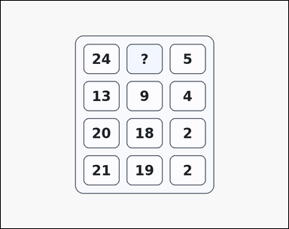 | 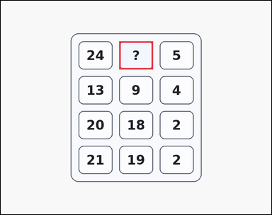 | task_puzzles_arithmetic_grid_value | difference_rule_missing | The image shows a card-style arithmetic puzzle grid with 3 columns and 3 to 5 rows of boxed integers, where one cell shows a question mark instead of a number. Work from the arithmetic rule repeated across rows to find the missing number. Determine the value that belongs in the question-mark cell. Return a valid JSON object with keys "evidence" and "answer" in that order. Evidence format: set "evidence" to an array containing exactly one bounding box [x1, y1, x2, y2] for the question-mark grid cell. Answer requirement: set "answer" to the exact integer value requested by the puzzle. Example JSON: {"evidence":[[420,250,540,350]],"answer":6} | The image shows a card-style arithmetic puzzle grid with 3 columns and 3 to 5 rows of boxed integers, where one cell shows a question mark instead of a number. Work from the arithmetic rule repeated across rows to find the missing number. Determine the value that belongs in the question-mark cell. Return a valid JSON object with key "answer". Answer requirement: set "answer" to the exact integer value requested by the puzzle. Example JSON: {"answer":6} | {"evidence": [[420.0, 144.0, 540.0, 244.0]], "answer": 19} | [[420.0, 144.0, 540.0, 244.0]] | integer | bbox_set | 37125808579783 | task_puzzles_arithmetic_grid_value/images/difference_rule_missing/0013.png | task_puzzles_arithmetic_grid_value/data/difference_rule_missing/0013.json
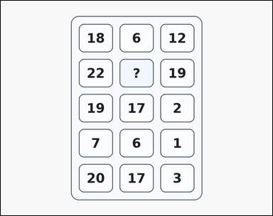 | 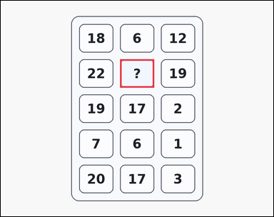 | task_puzzles_arithmetic_grid_value | difference_rule_missing | Work from the arithmetic number grid shown in the image: a card-style arithmetic puzzle grid with 3 columns and 3 to 5 rows of boxed integers, where one cell shows a question mark instead of a number. Use the repeated row rule to determine the missing number. Determine the value that belongs in the question-mark cell. Return a valid JSON object with keys "evidence" and "answer" in that order. Evidence requirement: set "evidence" to an array containing exactly one bounding box [x1, y1, x2, y2] for the question-mark grid cell. Answer format: set "answer" to the exact integer value requested by the puzzle. Example JSON: {"evidence":[[420,250,540,350]],"answer":6} | Work from the arithmetic number grid shown in the image: a card-style arithmetic puzzle grid with 3 columns and 3 to 5 rows of boxed integers, where one cell shows a question mark instead of a number. Use the repeated row rule to determine the missing number. Determine the value that belongs in the question-mark cell. Return a valid JSON object with key "answer". Answer requirement: set "answer" to the exact integer value requested by the puzzle. Example JSON: {"answer":6} | {"evidence": [[420.0, 206.0, 540.0, 306.0]], "answer": 3} | [[420.0, 206.0, 540.0, 306.0]] | integer | bbox_set | 561384256667613 | task_puzzles_arithmetic_grid_value/images/difference_rule_missing/0009.png | task_puzzles_arithmetic_grid_value/data/difference_rule_missing/0009.json
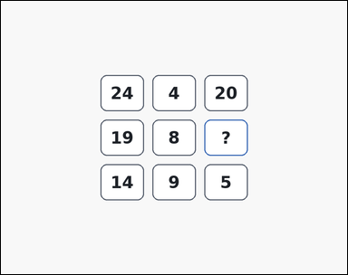 | 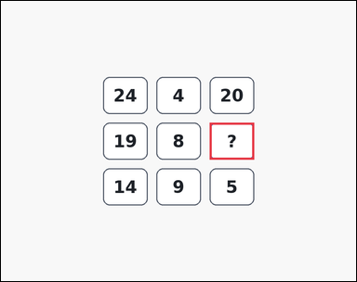 | task_puzzles_arithmetic_grid_value | difference_rule_missing | Work from the arithmetic number grid shown in the image: an outline-style arithmetic puzzle grid with 3 columns and 3 to 5 rows of boxed integers, where one cell shows a question mark instead of a number. Read the number grid and infer the value of the question-mark cell. What number should replace the question mark? Return a valid JSON object with keys "evidence" and "answer" in that order. Evidence field: set "evidence" to an array containing exactly one bounding box [x1, y1, x2, y2] for the question-mark grid cell. Answer field: set "answer" to the exact integer value requested by the puzzle. Example JSON: {"evidence":[[420,250,540,350]],"answer":6} | Work from the arithmetic number grid shown in the image: an outline-style arithmetic puzzle grid with 3 columns and 3 to 5 rows of boxed integers, where one cell shows a question mark instead of a number. Read the number grid and infer the value of the question-mark cell. What number should replace the question mark? Return a valid JSON object with key "answer". Answer requirement: set "answer" to the exact integer value requested by the puzzle. Example JSON: {"answer":6} | {"evidence": [[564.0, 330.0, 684.0, 430.0]], "answer": 11} | [[564.0, 330.0, 684.0, 430.0]] | integer | bbox_set | 788921655544065 | task_puzzles_arithmetic_grid_value/images/difference_rule_missing/0021.png | task_puzzles_arithmetic_grid_value/data/difference_rule_missing/0021.json
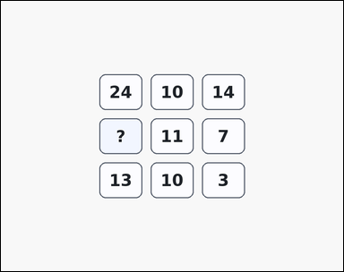 | 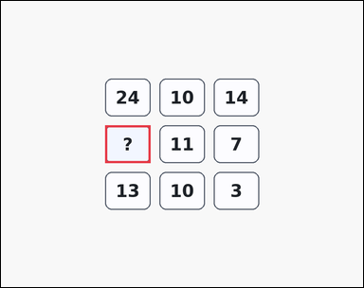 | task_puzzles_arithmetic_grid_value | difference_rule_missing | The image shows an arithmetic puzzle grid with 3 columns and 3 to 5 rows of boxed integers, where one cell shows a question mark instead of a number. Read the number grid and infer the value of the question-mark cell. What integer completes the question-mark grid cell? Return a valid JSON object with keys "evidence" and "answer" in that order. Evidence: set "evidence" to an array containing exactly one bounding box [x1, y1, x2, y2] for the question-mark grid cell. Answer: set "answer" to the exact integer value requested by the puzzle. Example JSON: {"evidence":[[420,250,540,350]],"answer":6} | The image shows an arithmetic puzzle grid with 3 columns and 3 to 5 rows of boxed integers, where one cell shows a question mark instead of a number. Read the number grid and infer the value of the question-mark cell. What integer completes the question-mark grid cell? Return a valid JSON object with key "answer". Answer requirement: set "answer" to the exact integer value requested by the puzzle. Example JSON: {"answer":6} | {"evidence": [[276.0, 330.0, 396.0, 430.0]], "answer": 18} | [[276.0, 330.0, 396.0, 430.0]] | integer | bbox_set | 1.2350923362E+15 | task_puzzles_arithmetic_grid_value/images/difference_rule_missing/0006.png | task_puzzles_arithmetic_grid_value/data/difference_rule_missing/0006.json
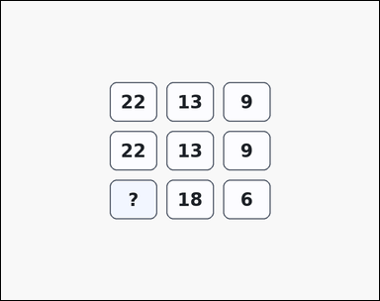 | 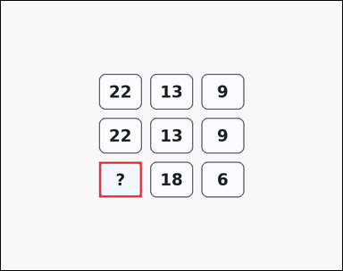 | task_puzzles_arithmetic_grid_value | difference_rule_missing | You are given an arithmetic puzzle grid with 3 columns and 3 to 5 rows of boxed integers, where one cell shows a question mark instead of a number. Work from the arithmetic rule repeated across rows to find the missing number. Solve the repeated row rule and report the missing integer. Return a valid JSON object with keys "evidence" and "answer" in that order. Evidence field: set "evidence" to an array containing exactly one bounding box [x1, y1, x2, y2] for the question-mark grid cell. Answer field: set "answer" to the exact integer value requested by the puzzle. Example JSON: {"evidence":[[420,250,540,350]],"answer":6} | You are given an arithmetic puzzle grid with 3 columns and 3 to 5 rows of boxed integers, where one cell shows a question mark instead of a number. Work from the arithmetic rule repeated across rows to find the missing number. Solve the repeated row rule and report the missing integer. Return a valid JSON object with key "answer". Answer field: set "answer" to the exact integer value requested by the puzzle. Example JSON: {"answer":6} | {"evidence": [[276.0, 454.0, 396.0, 554.0]], "answer": 24} | [[276.0, 454.0, 396.0, 554.0]] | integer | bbox_set | 1.424090869E+15 | task_puzzles_arithmetic_grid_value/images/difference_rule_missing/0000.png | task_puzzles_arithmetic_grid_value/data/difference_rule_missing/0000.json
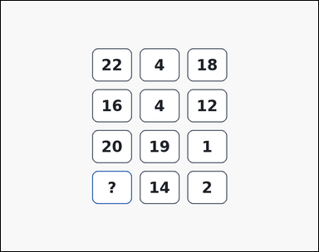 | 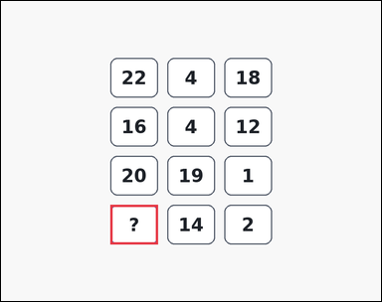 | task_puzzles_arithmetic_grid_value | difference_rule_missing | Work from the arithmetic number grid shown in the image: an outline-style arithmetic puzzle grid with 3 columns and 3 to 5 rows of boxed integers, where one cell shows a question mark instead of a number. Solve the arithmetic grid puzzle and report the missing integer. Determine the value that belongs in the question-mark cell. Return a valid JSON object with keys "evidence" and "answer" in that order. Evidence field: set "evidence" to an array containing exactly one bounding box [x1, y1, x2, y2] for the question-mark grid cell. Answer field: set "answer" to the exact integer value requested by the puzzle. Example JSON: {"evidence":[[420,250,540,350]],"answer":6} | Work from the arithmetic number grid shown in the image: an outline-style arithmetic puzzle grid with 3 columns and 3 to 5 rows of boxed integers, where one cell shows a question mark instead of a number. Solve the arithmetic grid puzzle and report the missing integer. Determine the value that belongs in the question-mark cell. Return a valid JSON object with key "answer". Answer requirement: set "answer" to the exact integer value requested by the puzzle. Example JSON: {"answer":6} | {"evidence": [[276.0, 516.0, 396.0, 616.0]], "answer": 16} | [[276.0, 516.0, 396.0, 616.0]] | integer | bbox_set | 2.0496656208E+15 | task_puzzles_arithmetic_grid_value/images/difference_rule_missing/0017.png | task_puzzles_arithmetic_grid_value/data/difference_rule_missing/0017.json
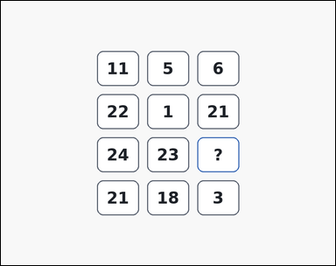 | 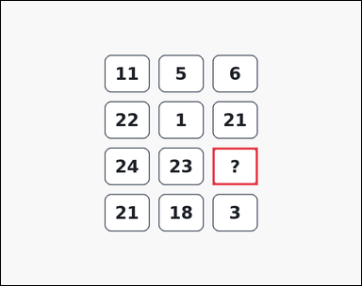 | task_puzzles_arithmetic_grid_value | difference_rule_missing | Work from the arithmetic number grid shown in the image: an outline-style arithmetic puzzle grid with 3 columns and 3 to 5 rows of boxed integers, where one cell shows a question mark instead of a number. Solve the arithmetic grid puzzle and report the missing integer. Find the missing number in the arithmetic grid. Return a valid JSON object with keys "evidence" and "answer" in that order. Evidence format: set "evidence" to an array containing exactly one bounding box [x1, y1, x2, y2] for the question-mark grid cell. Answer requirement: set "answer" to the exact integer value requested by the puzzle. Example JSON: {"evidence":[[420,250,540,350]],"answer":6} | Work from the arithmetic number grid shown in the image: an outline-style arithmetic puzzle grid with 3 columns and 3 to 5 rows of boxed integers, where one cell shows a question mark instead of a number. Solve the arithmetic grid puzzle and report the missing integer. Find the missing number in the arithmetic grid. Return a valid JSON object with key "answer". Answer: set "answer" to the exact integer value requested by the puzzle. Example JSON: {"answer":6} | {"evidence": [[564.0, 392.0, 684.0, 492.0]], "answer": 1} | [[564.0, 392.0, 684.0, 492.0]] | integer | bbox_set | 2.6210350397E+15 | task_puzzles_arithmetic_grid_value/images/difference_rule_missing/0024.png | task_puzzles_arithmetic_grid_value/data/difference_rule_missing/0024.json
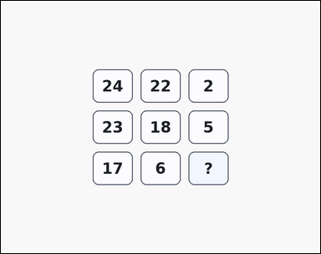 | 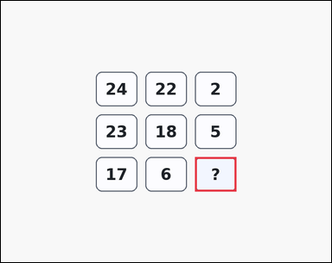 | task_puzzles_arithmetic_grid_value | difference_rule_missing | Look at the arithmetic grid puzzle in the image: an arithmetic puzzle grid with 3 columns and 3 to 5 rows of boxed integers, where one cell shows a question mark instead of a number. Work from the arithmetic rule repeated across rows to find the missing number. What number should replace the question mark? Return a valid JSON object with keys "evidence" and "answer" in that order. Evidence format: set "evidence" to an array containing exactly one bounding box [x1, y1, x2, y2] for the question-mark grid cell. Answer requirement: set "answer" to the exact integer value requested by the puzzle. Example JSON: {"evidence":[[420,250,540,350]],"answer":6} | Look at the arithmetic grid puzzle in the image: an arithmetic puzzle grid with 3 columns and 3 to 5 rows of boxed integers, where one cell shows a question mark instead of a number. Work from the arithmetic rule repeated across rows to find the missing number. What number should replace the question mark? Return a valid JSON object with key "answer". Answer format: set "answer" to the exact integer value requested by the puzzle. Example JSON: {"answer":6} | {"evidence": [[564.0, 454.0, 684.0, 554.0]], "answer": 11} | [[564.0, 454.0, 684.0, 554.0]] | integer | bbox_set | 2.8248763576E+15 | task_puzzles_arithmetic_grid_value/images/difference_rule_missing/0014.png | task_puzzles_arithmetic_grid_value/data/difference_rule_missing/0014.json
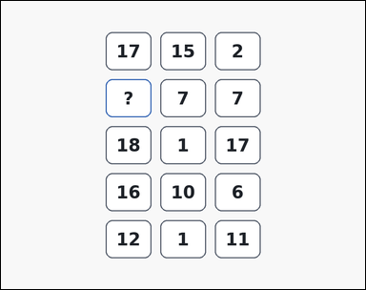 | 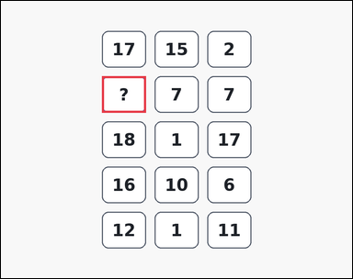 | task_puzzles_arithmetic_grid_value | difference_rule_missing | Use the arithmetic puzzle grid in the image: an outline-style arithmetic puzzle grid with 3 columns and 3 to 5 rows of boxed integers, where one cell shows a question mark instead of a number. Use the visible rows to solve for the question-mark grid cell. Determine the value that belongs in the question-mark cell. Return a valid JSON object with keys "evidence" and "answer" in that order. Evidence field: set "evidence" to an array containing exactly one bounding box [x1, y1, x2, y2] for the question-mark grid cell. Answer field: set "answer" to the exact integer value requested by the puzzle. Example JSON: {"evidence":[[420,250,540,350]],"answer":6} | Use the arithmetic puzzle grid in the image: an outline-style arithmetic puzzle grid with 3 columns and 3 to 5 rows of boxed integers, where one cell shows a question mark instead of a number. Use the visible rows to solve for the question-mark grid cell. Determine the value that belongs in the question-mark cell. Return a valid JSON object with key "answer". Answer requirement: set "answer" to the exact integer value requested by the puzzle. Example JSON: {"answer":6} | {"evidence": [[276.0, 206.0, 396.0, 306.0]], "answer": 14} | [[276.0, 206.0, 396.0, 306.0]] | integer | bbox_set | 3.0054560188E+15 | task_puzzles_arithmetic_grid_value/images/difference_rule_missing/0012.png | task_puzzles_arithmetic_grid_value/data/difference_rule_missing/0012.json
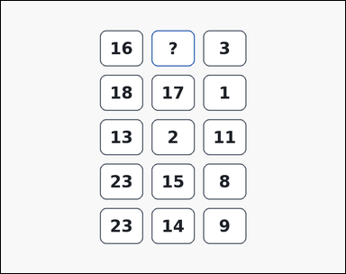 | 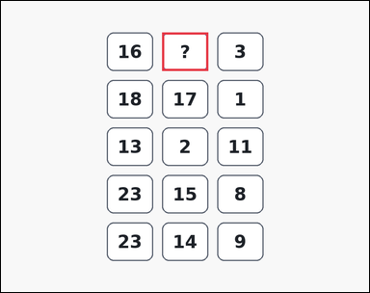 | task_puzzles_arithmetic_grid_value | difference_rule_missing | The image shows an outline-style arithmetic puzzle grid with 3 columns and 3 to 5 rows of boxed integers, where one cell shows a question mark instead of a number. Use the visible rows to solve for the question-mark grid cell. Determine the value that belongs in the question-mark cell. Return a valid JSON object with keys "evidence" and "answer" in that order. Evidence: set "evidence" to an array containing exactly one bounding box [x1, y1, x2, y2] for the question-mark grid cell. Answer: set "answer" to the exact integer value requested by the puzzle. Example JSON: {"evidence":[[420,250,540,350]],"answer":6} | The image shows an outline-style arithmetic puzzle grid with 3 columns and 3 to 5 rows of boxed integers, where one cell shows a question mark instead of a number. Use the visible rows to solve for the question-mark grid cell. Determine the value that belongs in the question-mark cell. Return a valid JSON object with key "answer". Answer format: set "answer" to the exact integer value requested by the puzzle. Example JSON: {"answer":6} | {"evidence": [[420.0, 82.0, 540.0, 182.0]], "answer": 13} | [[420.0, 82.0, 540.0, 182.0]] | integer | bbox_set | 3.1165058269E+15 | task_puzzles_arithmetic_grid_value/images/difference_rule_missing/0001.png | task_puzzles_arithmetic_grid_value/data/difference_rule_missing/0001.json
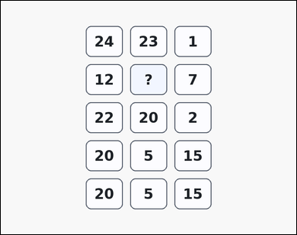 | 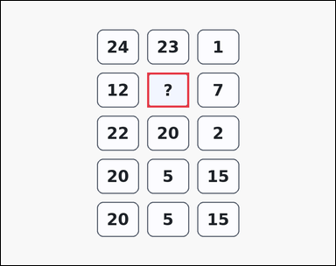 | task_puzzles_arithmetic_grid_value | difference_rule_missing | The image shows an arithmetic puzzle grid with 3 columns and 3 to 5 rows of boxed integers, where one cell shows a question mark instead of a number. Use the repeated row rule to determine the missing number. Find the missing number in the arithmetic grid. Return a valid JSON object with keys "evidence" and "answer" in that order. Evidence: set "evidence" to an array containing exactly one bounding box [x1, y1, x2, y2] for the question-mark grid cell. Answer: set "answer" to the exact integer value requested by the puzzle. Example JSON: {"evidence":[[420,250,540,350]],"answer":6} | The image shows an arithmetic puzzle grid with 3 columns and 3 to 5 rows of boxed integers, where one cell shows a question mark instead of a number. Use the repeated row rule to determine the missing number. Find the missing number in the arithmetic grid. Return a valid JSON object with key "answer". Answer: set "answer" to the exact integer value requested by the puzzle. Example JSON: {"answer":6} | {"evidence": [[420.0, 206.0, 540.0, 306.0]], "answer": 5} | [[420.0, 206.0, 540.0, 306.0]] | integer | bbox_set | 3.2839222936E+15 | task_puzzles_arithmetic_grid_value/images/difference_rule_missing/0002.png | task_puzzles_arithmetic_grid_value/data/difference_rule_missing/0002.json
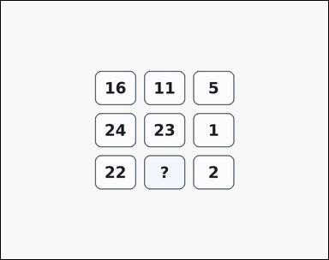 | 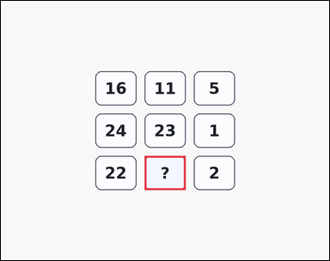 | task_puzzles_arithmetic_grid_value | difference_rule_missing | Look at the arithmetic grid puzzle in the image: an arithmetic puzzle grid with 3 columns and 3 to 5 rows of boxed integers, where one cell shows a question mark instead of a number. Use the visible rows to solve for the question-mark grid cell. Solve the repeated row rule and report the missing integer. Return a valid JSON object with keys "evidence" and "answer" in that order. Evidence rule: set "evidence" to an array containing exactly one bounding box [x1, y1, x2, y2] for the question-mark grid cell. Answer rule: set "answer" to the exact integer value requested by the puzzle. Example JSON: {"evidence":[[420,250,540,350]],"answer":6} | Look at the arithmetic grid puzzle in the image: an arithmetic puzzle grid with 3 columns and 3 to 5 rows of boxed integers, where one cell shows a question mark instead of a number. Use the visible rows to solve for the question-mark grid cell. Solve the repeated row rule and report the missing integer. Return a valid JSON object with key "answer". Answer format: set "answer" to the exact integer value requested by the puzzle. Example JSON: {"answer":6} | {"evidence": [[420.0, 454.0, 540.0, 554.0]], "answer": 20} | [[420.0, 454.0, 540.0, 554.0]] | integer | bbox_set | 5.0159651487E+15 | task_puzzles_arithmetic_grid_value/images/difference_rule_missing/0008.png | task_puzzles_arithmetic_grid_value/data/difference_rule_missing/0008.json
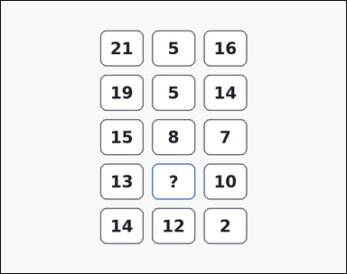 | 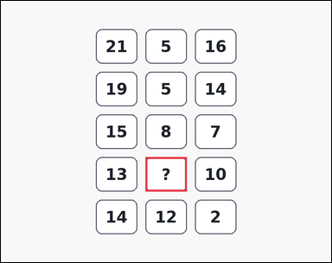 | task_puzzles_arithmetic_grid_value | difference_rule_missing | You are given an outline-style arithmetic puzzle grid with 3 columns and 3 to 5 rows of boxed integers, where one cell shows a question mark instead of a number. Work from the arithmetic rule repeated across rows to find the missing number. What integer completes the question-mark grid cell? Return a valid JSON object with keys "evidence" and "answer" in that order. Evidence requirement: set "evidence" to an array containing exactly one bounding box [x1, y1, x2, y2] for the question-mark grid cell. Answer format: set "answer" to the exact integer value requested by the puzzle. Example JSON: {"evidence":[[420,250,540,350]],"answer":6} | You are given an outline-style arithmetic puzzle grid with 3 columns and 3 to 5 rows of boxed integers, where one cell shows a question mark instead of a number. Work from the arithmetic rule repeated across rows to find the missing number. What integer completes the question-mark grid cell? Return a valid JSON object with key "answer". Answer: set "answer" to the exact integer value requested by the puzzle. Example JSON: {"answer":6} | {"evidence": [[420.0, 454.0, 540.0, 554.0]], "answer": 3} | [[420.0, 454.0, 540.0, 554.0]] | integer | bbox_set | 5.1947197609E+15 | task_puzzles_arithmetic_grid_value/images/difference_rule_missing/0007.png | task_puzzles_arithmetic_grid_value/data/difference_rule_missing/0007.json
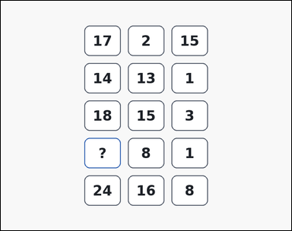 | 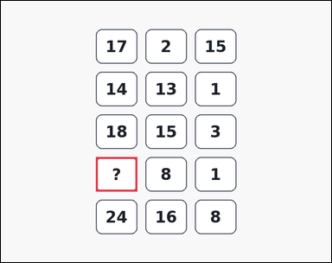 | task_puzzles_arithmetic_grid_value | difference_rule_missing | Work from the arithmetic number grid shown in the image: an outline-style arithmetic puzzle grid with 3 columns and 3 to 5 rows of boxed integers, where one cell shows a question mark instead of a number. Use the visible rows to solve for the question-mark grid cell. Find the missing number in the arithmetic grid. Return a valid JSON object with keys "evidence" and "answer" in that order. Evidence requirement: set "evidence" to an array containing exactly one bounding box [x1, y1, x2, y2] for the question-mark grid cell. Answer format: set "answer" to the exact integer value requested by the puzzle. Example JSON: {"evidence":[[420,250,540,350]],"answer":6} | Work from the arithmetic number grid shown in the image: an outline-style arithmetic puzzle grid with 3 columns and 3 to 5 rows of boxed integers, where one cell shows a question mark instead of a number. Use the visible rows to solve for the question-mark grid cell. Find the missing number in the arithmetic grid. Return a valid JSON object with key "answer". Answer requirement: set "answer" to the exact integer value requested by the puzzle. Example JSON: {"answer":6} | {"evidence": [[276.0, 454.0, 396.0, 554.0]], "answer": 9} | [[276.0, 454.0, 396.0, 554.0]] | integer | bbox_set | 5.4316795854E+15 | task_puzzles_arithmetic_grid_value/images/difference_rule_missing/0019.png | task_puzzles_arithmetic_grid_value/data/difference_rule_missing/0019.json
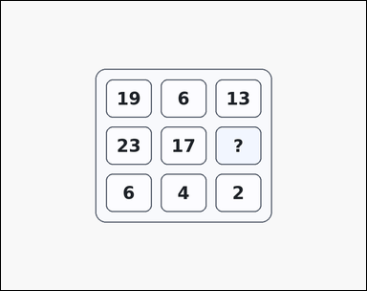 | 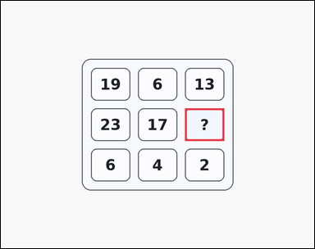 | task_puzzles_arithmetic_grid_value | difference_rule_missing | You are given a card-style arithmetic puzzle grid with 3 columns and 3 to 5 rows of boxed integers, where one cell shows a question mark instead of a number. Work from the arithmetic rule repeated across rows to find the missing number. What number should replace the question mark? Return a valid JSON object with keys "evidence" and "answer" in that order. Evidence requirement: set "evidence" to an array containing exactly one bounding box [x1, y1, x2, y2] for the question-mark grid cell. Answer format: set "answer" to the exact integer value requested by the puzzle. Example JSON: {"evidence":[[420,250,540,350]],"answer":6} | You are given a card-style arithmetic puzzle grid with 3 columns and 3 to 5 rows of boxed integers, where one cell shows a question mark instead of a number. Work from the arithmetic rule repeated across rows to find the missing number. What number should replace the question mark? Return a valid JSON object with key "answer". Answer: set "answer" to the exact integer value requested by the puzzle. Example JSON: {"answer":6} | {"evidence": [[564.0, 330.0, 684.0, 430.0]], "answer": 6} | [[564.0, 330.0, 684.0, 430.0]] | integer | bbox_set | 5.549375648E+15 | task_puzzles_arithmetic_grid_value/images/difference_rule_missing/0015.png | task_puzzles_arithmetic_grid_value/data/difference_rule_missing/0015.json
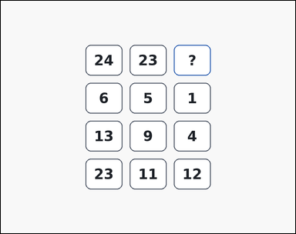 | 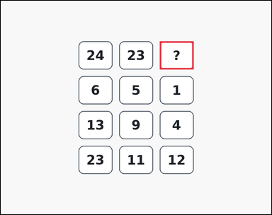 | task_puzzles_arithmetic_grid_value | difference_rule_missing | The image shows an outline-style arithmetic puzzle grid with 3 columns and 3 to 5 rows of boxed integers, where one cell shows a question mark instead of a number. Read the number grid and infer the value of the question-mark cell. What number should replace the question mark? Return a valid JSON object with keys "evidence" and "answer" in that order. Evidence: set "evidence" to an array containing exactly one bounding box [x1, y1, x2, y2] for the question-mark grid cell. Answer: set "answer" to the exact integer value requested by the puzzle. Example JSON: {"evidence":[[420,250,540,350]],"answer":6} | The image shows an outline-style arithmetic puzzle grid with 3 columns and 3 to 5 rows of boxed integers, where one cell shows a question mark instead of a number. Read the number grid and infer the value of the question-mark cell. What number should replace the question mark? Return a valid JSON object with key "answer". Answer: set "answer" to the exact integer value requested by the puzzle. Example JSON: {"answer":6} | {"evidence": [[564.0, 144.0, 684.0, 244.0]], "answer": 1} | [[564.0, 144.0, 684.0, 244.0]] | integer | bbox_set | 5.7040913393E+15 | task_puzzles_arithmetic_grid_value/images/difference_rule_missing/0023.png | task_puzzles_arithmetic_grid_value/data/difference_rule_missing/0023.json
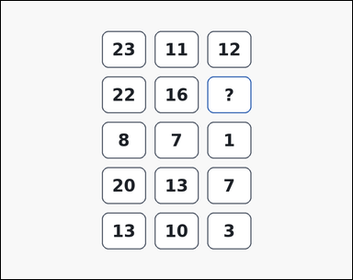 | 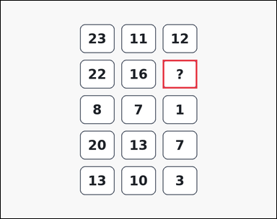 | task_puzzles_arithmetic_grid_value | difference_rule_missing | Look at the arithmetic grid puzzle in the image: an outline-style arithmetic puzzle grid with 3 columns and 3 to 5 rows of boxed integers, where one cell shows a question mark instead of a number. Work from the arithmetic rule repeated across rows to find the missing number. Find the missing number in the arithmetic grid. Return a valid JSON object with keys "evidence" and "answer" in that order. Evidence: set "evidence" to an array containing exactly one bounding box [x1, y1, x2, y2] for the question-mark grid cell. Answer: set "answer" to the exact integer value requested by the puzzle. Example JSON: {"evidence":[[420,250,540,350]],"answer":6} | Look at the arithmetic grid puzzle in the image: an outline-style arithmetic puzzle grid with 3 columns and 3 to 5 rows of boxed integers, where one cell shows a question mark instead of a number. Work from the arithmetic rule repeated across rows to find the missing number. Find the missing number in the arithmetic grid. Return a valid JSON object with key "answer". Answer rule: set "answer" to the exact integer value requested by the puzzle. Example JSON: {"answer":6} | {"evidence": [[564.0, 206.0, 684.0, 306.0]], "answer": 6} | [[564.0, 206.0, 684.0, 306.0]] | integer | bbox_set | 5.7998546689E+15 | task_puzzles_arithmetic_grid_value/images/difference_rule_missing/0011.png | task_puzzles_arithmetic_grid_value/data/difference_rule_missing/0011.json
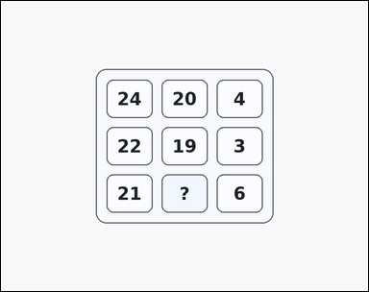 | 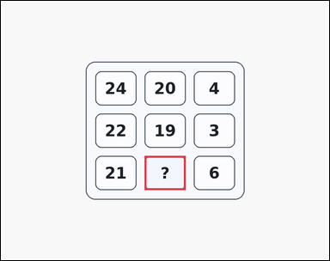 | task_puzzles_arithmetic_grid_value | difference_rule_missing | Look at the arithmetic grid puzzle in the image: a card-style arithmetic puzzle grid with 3 columns and 3 to 5 rows of boxed integers, where one cell shows a question mark instead of a number. Work from the arithmetic rule repeated across rows to find the missing number. Determine the value that belongs in the question-mark cell. Return a valid JSON object with keys "evidence" and "answer" in that order. Evidence: set "evidence" to an array containing exactly one bounding box [x1, y1, x2, y2] for the question-mark grid cell. Answer: set "answer" to the exact integer value requested by the puzzle. Example JSON: {"evidence":[[420,250,540,350]],"answer":6} | Look at the arithmetic grid puzzle in the image: a card-style arithmetic puzzle grid with 3 columns and 3 to 5 rows of boxed integers, where one cell shows a question mark instead of a number. Work from the arithmetic rule repeated across rows to find the missing number. Determine the value that belongs in the question-mark cell. Return a valid JSON object with key "answer". Answer rule: set "answer" to the exact integer value requested by the puzzle. Example JSON: {"answer":6} | {"evidence": [[420.0, 454.0, 540.0, 554.0]], "answer": 15} | [[420.0, 454.0, 540.0, 554.0]] | integer | bbox_set | 6.2788795752E+15 | task_puzzles_arithmetic_grid_value/images/difference_rule_missing/0016.png | task_puzzles_arithmetic_grid_value/data/difference_rule_missing/0016.json
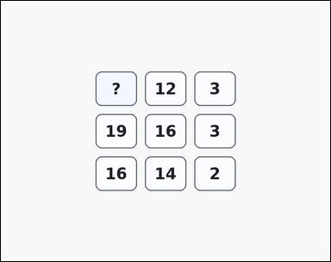 | 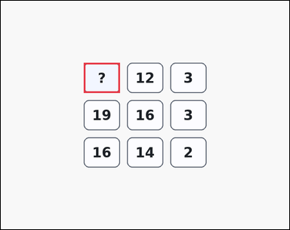 | task_puzzles_arithmetic_grid_value | difference_rule_missing | Work from the arithmetic number grid shown in the image: an arithmetic puzzle grid with 3 columns and 3 to 5 rows of boxed integers, where one cell shows a question mark instead of a number. Use the repeated row rule to determine the missing number. Determine the value that belongs in the question-mark cell. Return a valid JSON object with keys "evidence" and "answer" in that order. Evidence requirement: set "evidence" to an array containing exactly one bounding box [x1, y1, x2, y2] for the question-mark grid cell. Answer format: set "answer" to the exact integer value requested by the puzzle. Example JSON: {"evidence":[[420,250,540,350]],"answer":6} | Work from the arithmetic number grid shown in the image: an arithmetic puzzle grid with 3 columns and 3 to 5 rows of boxed integers, where one cell shows a question mark instead of a number. Use the repeated row rule to determine the missing number. Determine the value that belongs in the question-mark cell. Return a valid JSON object with key "answer". Answer rule: set "answer" to the exact integer value requested by the puzzle. Example JSON: {"answer":6} | {"evidence": [[276.0, 206.0, 396.0, 306.0]], "answer": 15} | [[276.0, 206.0, 396.0, 306.0]] | integer | bbox_set | 6.4738258061E+15 | task_puzzles_arithmetic_grid_value/images/difference_rule_missing/0018.png | task_puzzles_arithmetic_grid_value/data/difference_rule_missing/0018.json
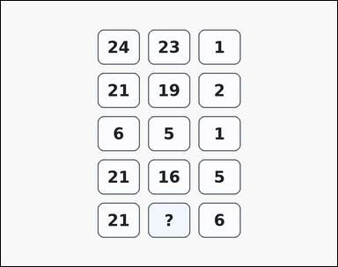 | 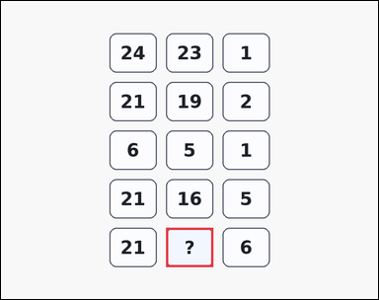 | task_puzzles_arithmetic_grid_value | difference_rule_missing | You are given an arithmetic puzzle grid with 3 columns and 3 to 5 rows of boxed integers, where one cell shows a question mark instead of a number. Read the number grid and infer the value of the question-mark cell. Solve the repeated row rule and report the missing integer. Return a valid JSON object with keys "evidence" and "answer" in that order. Evidence rule: set "evidence" to an array containing exactly one bounding box [x1, y1, x2, y2] for the question-mark grid cell. Answer rule: set "answer" to the exact integer value requested by the puzzle. Example JSON: {"evidence":[[420,250,540,350]],"answer":6} | You are given an arithmetic puzzle grid with 3 columns and 3 to 5 rows of boxed integers, where one cell shows a question mark instead of a number. Read the number grid and infer the value of the question-mark cell. Solve the repeated row rule and report the missing integer. Return a valid JSON object with key "answer". Answer rule: set "answer" to the exact integer value requested by the puzzle. Example JSON: {"answer":6} | {"evidence": [[420.0, 578.0, 540.0, 678.0]], "answer": 15} | [[420.0, 578.0, 540.0, 678.0]] | integer | bbox_set | 7.0562777656E+15 | task_puzzles_arithmetic_grid_value/images/difference_rule_missing/0010.png | task_puzzles_arithmetic_grid_value/data/difference_rule_missing/0010.json
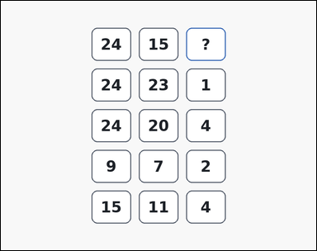 | 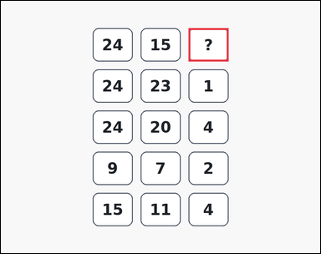 | task_puzzles_arithmetic_grid_value | difference_rule_missing | The image shows an outline-style arithmetic puzzle grid with 3 columns and 3 to 5 rows of boxed integers, where one cell shows a question mark instead of a number. Solve the arithmetic grid puzzle and report the missing integer. What number should replace the question mark? Return a valid JSON object with keys "evidence" and "answer" in that order. Evidence field: set "evidence" to an array containing exactly one bounding box [x1, y1, x2, y2] for the question-mark grid cell. Answer field: set "answer" to the exact integer value requested by the puzzle. Example JSON: {"evidence":[[420,250,540,350]],"answer":6} | The image shows an outline-style arithmetic puzzle grid with 3 columns and 3 to 5 rows of boxed integers, where one cell shows a question mark instead of a number. Solve the arithmetic grid puzzle and report the missing integer. What number should replace the question mark? Return a valid JSON object with key "answer". Answer format: set "answer" to the exact integer value requested by the puzzle. Example JSON: {"answer":6} | {"evidence": [[564.0, 82.0, 684.0, 182.0]], "answer": 9} | [[564.0, 82.0, 684.0, 182.0]] | integer | bbox_set | 7.3623916055E+15 | task_puzzles_arithmetic_grid_value/images/difference_rule_missing/0020.png | task_puzzles_arithmetic_grid_value/data/difference_rule_missing/0020.json
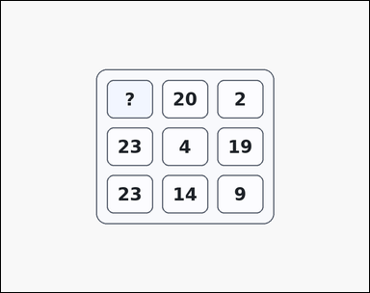 | 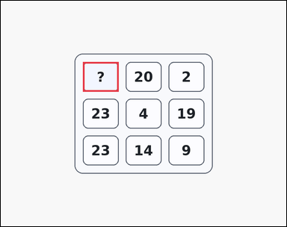 | task_puzzles_arithmetic_grid_value | difference_rule_missing | Look at the arithmetic grid puzzle in the image: a card-style arithmetic puzzle grid with 3 columns and 3 to 5 rows of boxed integers, where one cell shows a question mark instead of a number. Read the number grid and infer the value of the question-mark cell. What integer completes the question-mark grid cell? Return a valid JSON object with keys "evidence" and "answer" in that order. Evidence rule: set "evidence" to an array containing exactly one bounding box [x1, y1, x2, y2] for the question-mark grid cell. Answer rule: set "answer" to the exact integer value requested by the puzzle. Example JSON: {"evidence":[[420,250,540,350]],"answer":6} | Look at the arithmetic grid puzzle in the image: a card-style arithmetic puzzle grid with 3 columns and 3 to 5 rows of boxed integers, where one cell shows a question mark instead of a number. Read the number grid and infer the value of the question-mark cell. What integer completes the question-mark grid cell? Return a valid JSON object with key "answer". Answer rule: set "answer" to the exact integer value requested by the puzzle. Example JSON: {"answer":6} | {"evidence": [[276.0, 206.0, 396.0, 306.0]], "answer": 22} | [[276.0, 206.0, 396.0, 306.0]] | integer | bbox_set | 8.2738731874E+15 | task_puzzles_arithmetic_grid_value/images/difference_rule_missing/0004.png | task_puzzles_arithmetic_grid_value/data/difference_rule_missing/0004.json
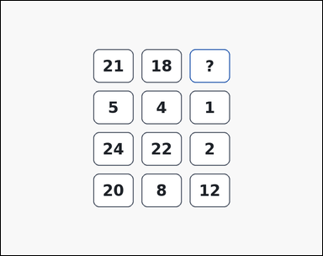 | 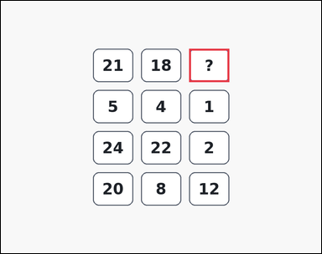 | task_puzzles_arithmetic_grid_value | difference_rule_missing | Use the arithmetic puzzle grid in the image: an outline-style arithmetic puzzle grid with 3 columns and 3 to 5 rows of boxed integers, where one cell shows a question mark instead of a number. Work from the arithmetic rule repeated across rows to find the missing number. Determine the value that belongs in the question-mark cell. Return a valid JSON object with keys "evidence" and "answer" in that order. Evidence: set "evidence" to an array containing exactly one bounding box [x1, y1, x2, y2] for the question-mark grid cell. Answer: set "answer" to the exact integer value requested by the puzzle. Example JSON: {"evidence":[[420,250,540,350]],"answer":6} | Use the arithmetic puzzle grid in the image: an outline-style arithmetic puzzle grid with 3 columns and 3 to 5 rows of boxed integers, where one cell shows a question mark instead of a number. Work from the arithmetic rule repeated across rows to find the missing number. Determine the value that belongs in the question-mark cell. Return a valid JSON object with key "answer". Answer rule: set "answer" to the exact integer value requested by the puzzle. Example JSON: {"answer":6} | {"evidence": [[564.0, 144.0, 684.0, 244.0]], "answer": 3} | [[564.0, 144.0, 684.0, 244.0]] | integer | bbox_set | 8.4941820652E+15 | task_puzzles_arithmetic_grid_value/images/difference_rule_missing/0022.png | task_puzzles_arithmetic_grid_value/data/difference_rule_missing/0022.json
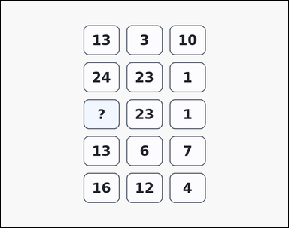 | 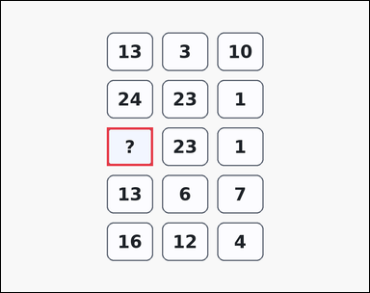 | task_puzzles_arithmetic_grid_value | difference_rule_missing | Look at the arithmetic grid puzzle in the image: an arithmetic puzzle grid with 3 columns and 3 to 5 rows of boxed integers, where one cell shows a question mark instead of a number. Use the visible rows to solve for the question-mark grid cell. Solve the repeated row rule and report the missing integer. Return a valid JSON object with keys "evidence" and "answer" in that order. Evidence format: set "evidence" to an array containing exactly one bounding box [x1, y1, x2, y2] for the question-mark grid cell. Answer requirement: set "answer" to the exact integer value requested by the puzzle. Example JSON: {"evidence":[[420,250,540,350]],"answer":6} | Look at the arithmetic grid puzzle in the image: an arithmetic puzzle grid with 3 columns and 3 to 5 rows of boxed integers, where one cell shows a question mark instead of a number. Use the visible rows to solve for the question-mark grid cell. Solve the repeated row rule and report the missing integer. Return a valid JSON object with key "answer". Answer format: set "answer" to the exact integer value requested by the puzzle. Example JSON: {"answer":6} | {"evidence": [[276.0, 330.0, 396.0, 430.0]], "answer": 24} | [[276.0, 330.0, 396.0, 430.0]] | integer | bbox_set | 8.7373366679E+15 | task_puzzles_arithmetic_grid_value/images/difference_rule_missing/0003.png | task_puzzles_arithmetic_grid_value/data/difference_rule_missing/0003.json
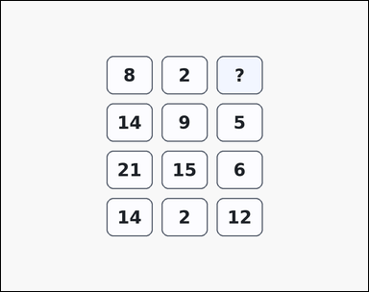 | 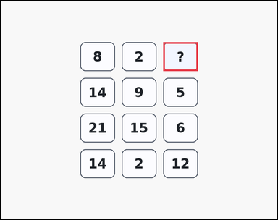 | task_puzzles_arithmetic_grid_value | difference_rule_missing | Look at the arithmetic grid puzzle in the image: an arithmetic puzzle grid with 3 columns and 3 to 5 rows of boxed integers, where one cell shows a question mark instead of a number. Solve the arithmetic grid puzzle and report the missing integer. Find the missing number in the arithmetic grid. Return a valid JSON object with keys "evidence" and "answer" in that order. Evidence requirement: set "evidence" to an array containing exactly one bounding box [x1, y1, x2, y2] for the question-mark grid cell. Answer format: set "answer" to the exact integer value requested by the puzzle. Example JSON: {"evidence":[[420,250,540,350]],"answer":6} | Look at the arithmetic grid puzzle in the image: an arithmetic puzzle grid with 3 columns and 3 to 5 rows of boxed integers, where one cell shows a question mark instead of a number. Solve the arithmetic grid puzzle and report the missing integer. Find the missing number in the arithmetic grid. Return a valid JSON object with key "answer". Answer field: set "answer" to the exact integer value requested by the puzzle. Example JSON: {"answer":6} | {"evidence": [[564.0, 144.0, 684.0, 244.0]], "answer": 6} | [[564.0, 144.0, 684.0, 244.0]] | integer | bbox_set | 8.9614300892E+15 | task_puzzles_arithmetic_grid_value/images/difference_rule_missing/0005.png | task_puzzles_arithmetic_grid_value/data/difference_rule_missing/0005.json

product_rule_missing
image | evidence_image | task | task_variant | prompt | prompt_answer_only | answer | answer_evidence | answer_type | evidence_type | instance_seed | image_path | data_path
 |  | task_puzzles_arithmetic_grid_value | product_rule_missing | Look at the arithmetic grid puzzle in the image: a card-style arithmetic puzzle grid with 3 columns and 3 to 5 rows of boxed integers, where one cell shows a question mark instead of a number. Read the number grid and infer the value of the question-mark cell. What number should replace the question mark? Return a valid JSON object with keys "evidence" and "answer" in that order. Evidence field: set "evidence" to an array containing exactly one bounding box [x1, y1, x2, y2] for the question-mark grid cell. Answer field: set "answer" to the exact integer value requested by the puzzle. Example JSON: {"evidence":[[420,250,540,350]],"answer":8} | Look at the arithmetic grid puzzle in the image: a card-style arithmetic puzzle grid with 3 columns and 3 to 5 rows of boxed integers, where one cell shows a question mark instead of a number. Read the number grid and infer the value of the question-mark cell. What number should replace the question mark? Return a valid JSON object with key "answer". Answer format: set "answer" to the exact integer value requested by the puzzle. Example JSON: {"answer":8} | {"evidence": [[420.0, 82.0, 540.0, 182.0]], "answer": 2} | [[420.0, 82.0, 540.0, 182.0]] | integer | bbox_set | 231551026633990 | task_puzzles_arithmetic_grid_value/images/product_rule_missing/0004.png | task_puzzles_arithmetic_grid_value/data/product_rule_missing/0004.json
 |  | task_puzzles_arithmetic_grid_value | product_rule_missing | Work from the arithmetic number grid shown in the image: a card-style arithmetic puzzle grid with 3 columns and 3 to 5 rows of boxed integers, where one cell shows a question mark instead of a number. Use the repeated row rule to determine the missing number. Find the missing number in the arithmetic grid. Return a valid JSON object with keys "evidence" and "answer" in that order. Evidence format: set "evidence" to an array containing exactly one bounding box [x1, y1, x2, y2] for the question-mark grid cell. Answer requirement: set "answer" to the exact integer value requested by the puzzle. Example JSON: {"evidence":[[420,250,540,350]],"answer":8} | Work from the arithmetic number grid shown in the image: a card-style arithmetic puzzle grid with 3 columns and 3 to 5 rows of boxed integers, where one cell shows a question mark instead of a number. Use the repeated row rule to determine the missing number. Find the missing number in the arithmetic grid. Return a valid JSON object with key "answer". Answer requirement: set "answer" to the exact integer value requested by the puzzle. Example JSON: {"answer":8} | {"evidence": [[564.0, 330.0, 684.0, 430.0]], "answer": 21} | [[564.0, 330.0, 684.0, 430.0]] | integer | bbox_set | 354210566355604 | task_puzzles_arithmetic_grid_value/images/product_rule_missing/0001.png | task_puzzles_arithmetic_grid_value/data/product_rule_missing/0001.json
 |  | task_puzzles_arithmetic_grid_value | product_rule_missing | You are given a card-style arithmetic puzzle grid with 3 columns and 3 to 5 rows of boxed integers, where one cell shows a question mark instead of a number. Use the repeated row rule to determine the missing number. What number should replace the question mark? Return a valid JSON object with keys "evidence" and "answer" in that order. Evidence field: set "evidence" to an array containing exactly one bounding box [x1, y1, x2, y2] for the question-mark grid cell. Answer field: set "answer" to the exact integer value requested by the puzzle. Example JSON: {"evidence":[[420,250,540,350]],"answer":8} | You are given a card-style arithmetic puzzle grid with 3 columns and 3 to 5 rows of boxed integers, where one cell shows a question mark instead of a number. Use the repeated row rule to determine the missing number. What number should replace the question mark? Return a valid JSON object with key "answer". Answer requirement: set "answer" to the exact integer value requested by the puzzle. Example JSON: {"answer":8} | {"evidence": [[420.0, 206.0, 540.0, 306.0]], "answer": 2} | [[420.0, 206.0, 540.0, 306.0]] | integer | bbox_set | 1.8848843646E+15 | task_puzzles_arithmetic_grid_value/images/product_rule_missing/0012.png | task_puzzles_arithmetic_grid_value/data/product_rule_missing/0012.json
 |  | task_puzzles_arithmetic_grid_value | product_rule_missing | Look at the arithmetic grid puzzle in the image: a card-style arithmetic puzzle grid with 3 columns and 3 to 5 rows of boxed integers, where one cell shows a question mark instead of a number. Solve the arithmetic grid puzzle and report the missing integer. What number should replace the question mark? Return a valid JSON object with keys "evidence" and "answer" in that order. Evidence requirement: set "evidence" to an array containing exactly one bounding box [x1, y1, x2, y2] for the question-mark grid cell. Answer format: set "answer" to the exact integer value requested by the puzzle. Example JSON: {"evidence":[[420,250,540,350]],"answer":8} | Look at the arithmetic grid puzzle in the image: a card-style arithmetic puzzle grid with 3 columns and 3 to 5 rows of boxed integers, where one cell shows a question mark instead of a number. Solve the arithmetic grid puzzle and report the missing integer. What number should replace the question mark? Return a valid JSON object with key "answer". Answer requirement: set "answer" to the exact integer value requested by the puzzle. Example JSON: {"answer":8} | {"evidence": [[564.0, 330.0, 684.0, 430.0]], "answer": 20} | [[564.0, 330.0, 684.0, 430.0]] | integer | bbox_set | 2.0357128912E+15 | task_puzzles_arithmetic_grid_value/images/product_rule_missing/0002.png | task_puzzles_arithmetic_grid_value/data/product_rule_missing/0002.json
 |  | task_puzzles_arithmetic_grid_value | product_rule_missing | Work from the arithmetic number grid shown in the image: an outline-style arithmetic puzzle grid with 3 columns and 3 to 5 rows of boxed integers, where one cell shows a question mark instead of a number. Use the repeated row rule to determine the missing number. Find the missing number in the arithmetic grid. Return a valid JSON object with keys "evidence" and "answer" in that order. Evidence format: set "evidence" to an array containing exactly one bounding box [x1, y1, x2, y2] for the question-mark grid cell. Answer requirement: set "answer" to the exact integer value requested by the puzzle. Example JSON: {"evidence":[[420,250,540,350]],"answer":8} | Work from the arithmetic number grid shown in the image: an outline-style arithmetic puzzle grid with 3 columns and 3 to 5 rows of boxed integers, where one cell shows a question mark instead of a number. Use the repeated row rule to determine the missing number. Find the missing number in the arithmetic grid. Return a valid JSON object with key "answer". Answer field: set "answer" to the exact integer value requested by the puzzle. Example JSON: {"answer":8} | {"evidence": [[420.0, 454.0, 540.0, 554.0]], "answer": 2} | [[420.0, 454.0, 540.0, 554.0]] | integer | bbox_set | 2.1898524645E+15 | task_puzzles_arithmetic_grid_value/images/product_rule_missing/0024.png | task_puzzles_arithmetic_grid_value/data/product_rule_missing/0024.json
 |  | task_puzzles_arithmetic_grid_value | product_rule_missing | Work from the arithmetic number grid shown in the image: a card-style arithmetic puzzle grid with 3 columns and 3 to 5 rows of boxed integers, where one cell shows a question mark instead of a number. Solve the arithmetic grid puzzle and report the missing integer. What number should replace the question mark? Return a valid JSON object with keys "evidence" and "answer" in that order. Evidence field: set "evidence" to an array containing exactly one bounding box [x1, y1, x2, y2] for the question-mark grid cell. Answer field: set "answer" to the exact integer value requested by the puzzle. Example JSON: {"evidence":[[420,250,540,350]],"answer":8} | Work from the arithmetic number grid shown in the image: a card-style arithmetic puzzle grid with 3 columns and 3 to 5 rows of boxed integers, where one cell shows a question mark instead of a number. Solve the arithmetic grid puzzle and report the missing integer. What number should replace the question mark? Return a valid JSON object with key "answer". Answer format: set "answer" to the exact integer value requested by the puzzle. Example JSON: {"answer":8} | {"evidence": [[420.0, 206.0, 540.0, 306.0]], "answer": 8} | [[420.0, 206.0, 540.0, 306.0]] | integer | bbox_set | 2.3808036969E+15 | task_puzzles_arithmetic_grid_value/images/product_rule_missing/0022.png | task_puzzles_arithmetic_grid_value/data/product_rule_missing/0022.json
 |  | task_puzzles_arithmetic_grid_value | product_rule_missing | Work from the arithmetic number grid shown in the image: a card-style arithmetic puzzle grid with 3 columns and 3 to 5 rows of boxed integers, where one cell shows a question mark instead of a number. Use the repeated row rule to determine the missing number. What integer completes the question-mark grid cell? Return a valid JSON object with keys "evidence" and "answer" in that order. Evidence format: set "evidence" to an array containing exactly one bounding box [x1, y1, x2, y2] for the question-mark grid cell. Answer requirement: set "answer" to the exact integer value requested by the puzzle. Example JSON: {"evidence":[[420,250,540,350]],"answer":8} | Work from the arithmetic number grid shown in the image: a card-style arithmetic puzzle grid with 3 columns and 3 to 5 rows of boxed integers, where one cell shows a question mark instead of a number. Use the repeated row rule to determine the missing number. What integer completes the question-mark grid cell? Return a valid JSON object with key "answer". Answer format: set "answer" to the exact integer value requested by the puzzle. Example JSON: {"answer":8} | {"evidence": [[420.0, 392.0, 540.0, 492.0]], "answer": 2} | [[420.0, 392.0, 540.0, 492.0]] | integer | bbox_set | 2.7107488758E+15 | task_puzzles_arithmetic_grid_value/images/product_rule_missing/0018.png | task_puzzles_arithmetic_grid_value/data/product_rule_missing/0018.json
 |  | task_puzzles_arithmetic_grid_value | product_rule_missing | You are given an arithmetic puzzle grid with 3 columns and 3 to 5 rows of boxed integers, where one cell shows a question mark instead of a number. Use the visible rows to solve for the question-mark grid cell. What number should replace the question mark? Return a valid JSON object with keys "evidence" and "answer" in that order. Evidence: set "evidence" to an array containing exactly one bounding box [x1, y1, x2, y2] for the question-mark grid cell. Answer: set "answer" to the exact integer value requested by the puzzle. Example JSON: {"evidence":[[420,250,540,350]],"answer":8} | You are given an arithmetic puzzle grid with 3 columns and 3 to 5 rows of boxed integers, where one cell shows a question mark instead of a number. Use the visible rows to solve for the question-mark grid cell. What number should replace the question mark? Return a valid JSON object with key "answer". Answer format: set "answer" to the exact integer value requested by the puzzle. Example JSON: {"answer":8} | {"evidence": [[564.0, 206.0, 684.0, 306.0]], "answer": 22} | [[564.0, 206.0, 684.0, 306.0]] | integer | bbox_set | 2.9402548388E+15 | task_puzzles_arithmetic_grid_value/images/product_rule_missing/0021.png | task_puzzles_arithmetic_grid_value/data/product_rule_missing/0021.json
 |  | task_puzzles_arithmetic_grid_value | product_rule_missing | You are given an outline-style arithmetic puzzle grid with 3 columns and 3 to 5 rows of boxed integers, where one cell shows a question mark instead of a number. Work from the arithmetic rule repeated across rows to find the missing number. What number should replace the question mark? Return a valid JSON object with keys "evidence" and "answer" in that order. Evidence requirement: set "evidence" to an array containing exactly one bounding box [x1, y1, x2, y2] for the question-mark grid cell. Answer format: set "answer" to the exact integer value requested by the puzzle. Example JSON: {"evidence":[[420,250,540,350]],"answer":8} | You are given an outline-style arithmetic puzzle grid with 3 columns and 3 to 5 rows of boxed integers, where one cell shows a question mark instead of a number. Work from the arithmetic rule repeated across rows to find the missing number. What number should replace the question mark? Return a valid JSON object with key "answer". Answer rule: set "answer" to the exact integer value requested by the puzzle. Example JSON: {"answer":8} | {"evidence": [[276.0, 330.0, 396.0, 430.0]], "answer": 9} | [[276.0, 330.0, 396.0, 430.0]] | integer | bbox_set | 3.5821483684E+15 | task_puzzles_arithmetic_grid_value/images/product_rule_missing/0007.png | task_puzzles_arithmetic_grid_value/data/product_rule_missing/0007.json
 |  | task_puzzles_arithmetic_grid_value | product_rule_missing | Work from the arithmetic number grid shown in the image: an arithmetic puzzle grid with 3 columns and 3 to 5 rows of boxed integers, where one cell shows a question mark instead of a number. Solve the arithmetic grid puzzle and report the missing integer. Solve the repeated row rule and report the missing integer. Return a valid JSON object with keys "evidence" and "answer" in that order. Evidence: set "evidence" to an array containing exactly one bounding box [x1, y1, x2, y2] for the question-mark grid cell. Answer: set "answer" to the exact integer value requested by the puzzle. Example JSON: {"evidence":[[420,250,540,350]],"answer":8} | Work from the arithmetic number grid shown in the image: an arithmetic puzzle grid with 3 columns and 3 to 5 rows of boxed integers, where one cell shows a question mark instead of a number. Solve the arithmetic grid puzzle and report the missing integer. Solve the repeated row rule and report the missing integer. Return a valid JSON object with key "answer". Answer field: set "answer" to the exact integer value requested by the puzzle. Example JSON: {"answer":8} | {"evidence": [[564.0, 268.0, 684.0, 368.0]], "answer": 20} | [[564.0, 268.0, 684.0, 368.0]] | integer | bbox_set | 3.7069653517E+15 | task_puzzles_arithmetic_grid_value/images/product_rule_missing/0010.png | task_puzzles_arithmetic_grid_value/data/product_rule_missing/0010.json
 |  | task_puzzles_arithmetic_grid_value | product_rule_missing | Work from the arithmetic number grid shown in the image: an outline-style arithmetic puzzle grid with 3 columns and 3 to 5 rows of boxed integers, where one cell shows a question mark instead of a number. Read the number grid and infer the value of the question-mark cell. Find the missing number in the arithmetic grid. Return a valid JSON object with keys "evidence" and "answer" in that order. Evidence rule: set "evidence" to an array containing exactly one bounding box [x1, y1, x2, y2] for the question-mark grid cell. Answer rule: set "answer" to the exact integer value requested by the puzzle. Example JSON: {"evidence":[[420,250,540,350]],"answer":8} | Work from the arithmetic number grid shown in the image: an outline-style arithmetic puzzle grid with 3 columns and 3 to 5 rows of boxed integers, where one cell shows a question mark instead of a number. Read the number grid and infer the value of the question-mark cell. Find the missing number in the arithmetic grid. Return a valid JSON object with key "answer". Answer requirement: set "answer" to the exact integer value requested by the puzzle. Example JSON: {"answer":8} | {"evidence": [[276.0, 268.0, 396.0, 368.0]], "answer": 5} | [[276.0, 268.0, 396.0, 368.0]] | integer | bbox_set | 4.1623419513E+15 | task_puzzles_arithmetic_grid_value/images/product_rule_missing/0008.png | task_puzzles_arithmetic_grid_value/data/product_rule_missing/0008.json
 |  | task_puzzles_arithmetic_grid_value | product_rule_missing | Look at the arithmetic grid puzzle in the image: an outline-style arithmetic puzzle grid with 3 columns and 3 to 5 rows of boxed integers, where one cell shows a question mark instead of a number. Solve the arithmetic grid puzzle and report the missing integer. Find the missing number in the arithmetic grid. Return a valid JSON object with keys "evidence" and "answer" in that order. Evidence field: set "evidence" to an array containing exactly one bounding box [x1, y1, x2, y2] for the question-mark grid cell. Answer field: set "answer" to the exact integer value requested by the puzzle. Example JSON: {"evidence":[[420,250,540,350]],"answer":8} | Look at the arithmetic grid puzzle in the image: an outline-style arithmetic puzzle grid with 3 columns and 3 to 5 rows of boxed integers, where one cell shows a question mark instead of a number. Solve the arithmetic grid puzzle and report the missing integer. Find the missing number in the arithmetic grid. Return a valid JSON object with key "answer". Answer requirement: set "answer" to the exact integer value requested by the puzzle. Example JSON: {"answer":8} | {"evidence": [[276.0, 454.0, 396.0, 554.0]], "answer": 9} | [[276.0, 454.0, 396.0, 554.0]] | integer | bbox_set | 4.5171670756E+15 | task_puzzles_arithmetic_grid_value/images/product_rule_missing/0003.png | task_puzzles_arithmetic_grid_value/data/product_rule_missing/0003.json
 |  | task_puzzles_arithmetic_grid_value | product_rule_missing | You are given an outline-style arithmetic puzzle grid with 3 columns and 3 to 5 rows of boxed integers, where one cell shows a question mark instead of a number. Solve the arithmetic grid puzzle and report the missing integer. Solve the repeated row rule and report the missing integer. Return a valid JSON object with keys "evidence" and "answer" in that order. Evidence rule: set "evidence" to an array containing exactly one bounding box [x1, y1, x2, y2] for the question-mark grid cell. Answer rule: set "answer" to the exact integer value requested by the puzzle. Example JSON: {"evidence":[[420,250,540,350]],"answer":8} | You are given an outline-style arithmetic puzzle grid with 3 columns and 3 to 5 rows of boxed integers, where one cell shows a question mark instead of a number. Solve the arithmetic grid puzzle and report the missing integer. Solve the repeated row rule and report the missing integer. Return a valid JSON object with key "answer". Answer field: set "answer" to the exact integer value requested by the puzzle. Example JSON: {"answer":8} | {"evidence": [[276.0, 454.0, 396.0, 554.0]], "answer": 6} | [[276.0, 454.0, 396.0, 554.0]] | integer | bbox_set | 5.2182703284E+15 | task_puzzles_arithmetic_grid_value/images/product_rule_missing/0014.png | task_puzzles_arithmetic_grid_value/data/product_rule_missing/0014.json
 |  | task_puzzles_arithmetic_grid_value | product_rule_missing | Look at the arithmetic grid puzzle in the image: a card-style arithmetic puzzle grid with 3 columns and 3 to 5 rows of boxed integers, where one cell shows a question mark instead of a number. Use the visible rows to solve for the question-mark grid cell. What number should replace the question mark? Return a valid JSON object with keys "evidence" and "answer" in that order. Evidence rule: set "evidence" to an array containing exactly one bounding box [x1, y1, x2, y2] for the question-mark grid cell. Answer rule: set "answer" to the exact integer value requested by the puzzle. Example JSON: {"evidence":[[420,250,540,350]],"answer":8} | Look at the arithmetic grid puzzle in the image: a card-style arithmetic puzzle grid with 3 columns and 3 to 5 rows of boxed integers, where one cell shows a question mark instead of a number. Use the visible rows to solve for the question-mark grid cell. What number should replace the question mark? Return a valid JSON object with key "answer". Answer rule: set "answer" to the exact integer value requested by the puzzle. Example JSON: {"answer":8} | {"evidence": [[420.0, 206.0, 540.0, 306.0]], "answer": 2} | [[420.0, 206.0, 540.0, 306.0]] | integer | bbox_set | 5.5682487304E+15 | task_puzzles_arithmetic_grid_value/images/product_rule_missing/0009.png | task_puzzles_arithmetic_grid_value/data/product_rule_missing/0009.json
 |  | task_puzzles_arithmetic_grid_value | product_rule_missing | Work from the arithmetic number grid shown in the image: an arithmetic puzzle grid with 3 columns and 3 to 5 rows of boxed integers, where one cell shows a question mark instead of a number. Solve the arithmetic grid puzzle and report the missing integer. What number should replace the question mark? Return a valid JSON object with keys "evidence" and "answer" in that order. Evidence rule: set "evidence" to an array containing exactly one bounding box [x1, y1, x2, y2] for the question-mark grid cell. Answer rule: set "answer" to the exact integer value requested by the puzzle. Example JSON: {"evidence":[[420,250,540,350]],"answer":8} | Work from the arithmetic number grid shown in the image: an arithmetic puzzle grid with 3 columns and 3 to 5 rows of boxed integers, where one cell shows a question mark instead of a number. Solve the arithmetic grid puzzle and report the missing integer. What number should replace the question mark? Return a valid JSON object with key "answer". Answer format: set "answer" to the exact integer value requested by the puzzle. Example JSON: {"answer":8} | {"evidence": [[420.0, 330.0, 540.0, 430.0]], "answer": 2} | [[420.0, 330.0, 540.0, 430.0]] | integer | bbox_set | 5.8254539618E+15 | task_puzzles_arithmetic_grid_value/images/product_rule_missing/0019.png | task_puzzles_arithmetic_grid_value/data/product_rule_missing/0019.json
 |  | task_puzzles_arithmetic_grid_value | product_rule_missing | Use the arithmetic puzzle grid in the image: an arithmetic puzzle grid with 3 columns and 3 to 5 rows of boxed integers, where one cell shows a question mark instead of a number. Read the number grid and infer the value of the question-mark cell. What integer completes the question-mark grid cell? Return a valid JSON object with keys "evidence" and "answer" in that order. Evidence rule: set "evidence" to an array containing exactly one bounding box [x1, y1, x2, y2] for the question-mark grid cell. Answer rule: set "answer" to the exact integer value requested by the puzzle. Example JSON: {"evidence":[[420,250,540,350]],"answer":8} | Use the arithmetic puzzle grid in the image: an arithmetic puzzle grid with 3 columns and 3 to 5 rows of boxed integers, where one cell shows a question mark instead of a number. Read the number grid and infer the value of the question-mark cell. What integer completes the question-mark grid cell? Return a valid JSON object with key "answer". Answer: set "answer" to the exact integer value requested by the puzzle. Example JSON: {"answer":8} | {"evidence": [[276.0, 330.0, 396.0, 430.0]], "answer": 12} | [[276.0, 330.0, 396.0, 430.0]] | integer | bbox_set | 6.9429305265E+15 | task_puzzles_arithmetic_grid_value/images/product_rule_missing/0016.png | task_puzzles_arithmetic_grid_value/data/product_rule_missing/0016.json
 |  | task_puzzles_arithmetic_grid_value | product_rule_missing | The image shows an outline-style arithmetic puzzle grid with 3 columns and 3 to 5 rows of boxed integers, where one cell shows a question mark instead of a number. Use the repeated row rule to determine the missing number. What integer completes the question-mark grid cell? Return a valid JSON object with keys "evidence" and "answer" in that order. Evidence format: set "evidence" to an array containing exactly one bounding box [x1, y1, x2, y2] for the question-mark grid cell. Answer requirement: set "answer" to the exact integer value requested by the puzzle. Example JSON: {"evidence":[[420,250,540,350]],"answer":8} | The image shows an outline-style arithmetic puzzle grid with 3 columns and 3 to 5 rows of boxed integers, where one cell shows a question mark instead of a number. Use the repeated row rule to determine the missing number. What integer completes the question-mark grid cell? Return a valid JSON object with key "answer". Answer field: set "answer" to the exact integer value requested by the puzzle. Example JSON: {"answer":8} | {"evidence": [[276.0, 206.0, 396.0, 306.0]], "answer": 10} | [[276.0, 206.0, 396.0, 306.0]] | integer | bbox_set | 6.9799716668E+15 | task_puzzles_arithmetic_grid_value/images/product_rule_missing/0013.png | task_puzzles_arithmetic_grid_value/data/product_rule_missing/0013.json
 |  | task_puzzles_arithmetic_grid_value | product_rule_missing | Use the arithmetic puzzle grid in the image: an outline-style arithmetic puzzle grid with 3 columns and 3 to 5 rows of boxed integers, where one cell shows a question mark instead of a number. Use the repeated row rule to determine the missing number. Find the missing number in the arithmetic grid. Return a valid JSON object with keys "evidence" and "answer" in that order. Evidence rule: set "evidence" to an array containing exactly one bounding box [x1, y1, x2, y2] for the question-mark grid cell. Answer rule: set "answer" to the exact integer value requested by the puzzle. Example JSON: {"evidence":[[420,250,540,350]],"answer":8} | Use the arithmetic puzzle grid in the image: an outline-style arithmetic puzzle grid with 3 columns and 3 to 5 rows of boxed integers, where one cell shows a question mark instead of a number. Use the repeated row rule to determine the missing number. Find the missing number in the arithmetic grid. Return a valid JSON object with key "answer". Answer field: set "answer" to the exact integer value requested by the puzzle. Example JSON: {"answer":8} | {"evidence": [[276.0, 330.0, 396.0, 430.0]], "answer": 12} | [[276.0, 330.0, 396.0, 430.0]] | integer | bbox_set | 7.3633569097E+15 | task_puzzles_arithmetic_grid_value/images/product_rule_missing/0005.png | task_puzzles_arithmetic_grid_value/data/product_rule_missing/0005.json
 |  | task_puzzles_arithmetic_grid_value | product_rule_missing | You are given a card-style arithmetic puzzle grid with 3 columns and 3 to 5 rows of boxed integers, where one cell shows a question mark instead of a number. Work from the arithmetic rule repeated across rows to find the missing number. Determine the value that belongs in the question-mark cell. Return a valid JSON object with keys "evidence" and "answer" in that order. Evidence format: set "evidence" to an array containing exactly one bounding box [x1, y1, x2, y2] for the question-mark grid cell. Answer requirement: set "answer" to the exact integer value requested by the puzzle. Example JSON: {"evidence":[[420,250,540,350]],"answer":8} | You are given a card-style arithmetic puzzle grid with 3 columns and 3 to 5 rows of boxed integers, where one cell shows a question mark instead of a number. Work from the arithmetic rule repeated across rows to find the missing number. Determine the value that belongs in the question-mark cell. Return a valid JSON object with key "answer". Answer format: set "answer" to the exact integer value requested by the puzzle. Example JSON: {"answer":8} | {"evidence": [[564.0, 454.0, 684.0, 554.0]], "answer": 18} | [[564.0, 454.0, 684.0, 554.0]] | integer | bbox_set | 7.5971955391E+15 | task_puzzles_arithmetic_grid_value/images/product_rule_missing/0000.png | task_puzzles_arithmetic_grid_value/data/product_rule_missing/0000.json
 |  | task_puzzles_arithmetic_grid_value | product_rule_missing | Work from the arithmetic number grid shown in the image: an outline-style arithmetic puzzle grid with 3 columns and 3 to 5 rows of boxed integers, where one cell shows a question mark instead of a number. Read the number grid and infer the value of the question-mark cell. What number should replace the question mark? Return a valid JSON object with keys "evidence" and "answer" in that order. Evidence rule: set "evidence" to an array containing exactly one bounding box [x1, y1, x2, y2] for the question-mark grid cell. Answer rule: set "answer" to the exact integer value requested by the puzzle. Example JSON: {"evidence":[[420,250,540,350]],"answer":8} | Work from the arithmetic number grid shown in the image: an outline-style arithmetic puzzle grid with 3 columns and 3 to 5 rows of boxed integers, where one cell shows a question mark instead of a number. Read the number grid and infer the value of the question-mark cell. What number should replace the question mark? Return a valid JSON object with key "answer". Answer format: set "answer" to the exact integer value requested by the puzzle. Example JSON: {"answer":8} | {"evidence": [[276.0, 392.0, 396.0, 492.0]], "answer": 4} | [[276.0, 392.0, 396.0, 492.0]] | integer | bbox_set | 7.8340627775E+15 | task_puzzles_arithmetic_grid_value/images/product_rule_missing/0015.png | task_puzzles_arithmetic_grid_value/data/product_rule_missing/0015.json
 |  | task_puzzles_arithmetic_grid_value | product_rule_missing | The image shows a card-style arithmetic puzzle grid with 3 columns and 3 to 5 rows of boxed integers, where one cell shows a question mark instead of a number. Solve the arithmetic grid puzzle and report the missing integer. What integer completes the question-mark grid cell? Return a valid JSON object with keys "evidence" and "answer" in that order. Evidence field: set "evidence" to an array containing exactly one bounding box [x1, y1, x2, y2] for the question-mark grid cell. Answer field: set "answer" to the exact integer value requested by the puzzle. Example JSON: {"evidence":[[420,250,540,350]],"answer":8} | The image shows a card-style arithmetic puzzle grid with 3 columns and 3 to 5 rows of boxed integers, where one cell shows a question mark instead of a number. Solve the arithmetic grid puzzle and report the missing integer. What integer completes the question-mark grid cell? Return a valid JSON object with key "answer". Answer format: set "answer" to the exact integer value requested by the puzzle. Example JSON: {"answer":8} | {"evidence": [[276.0, 206.0, 396.0, 306.0]], "answer": 2} | [[276.0, 206.0, 396.0, 306.0]] | integer | bbox_set | 8.0130449059E+15 | task_puzzles_arithmetic_grid_value/images/product_rule_missing/0011.png | task_puzzles_arithmetic_grid_value/data/product_rule_missing/0011.json
 |  | task_puzzles_arithmetic_grid_value | product_rule_missing | Use the arithmetic puzzle grid in the image: a card-style arithmetic puzzle grid with 3 columns and 3 to 5 rows of boxed integers, where one cell shows a question mark instead of a number. Use the repeated row rule to determine the missing number. Determine the value that belongs in the question-mark cell. Return a valid JSON object with keys "evidence" and "answer" in that order. Evidence format: set "evidence" to an array containing exactly one bounding box [x1, y1, x2, y2] for the question-mark grid cell. Answer requirement: set "answer" to the exact integer value requested by the puzzle. Example JSON: {"evidence":[[420,250,540,350]],"answer":8} | Use the arithmetic puzzle grid in the image: a card-style arithmetic puzzle grid with 3 columns and 3 to 5 rows of boxed integers, where one cell shows a question mark instead of a number. Use the repeated row rule to determine the missing number. Determine the value that belongs in the question-mark cell. Return a valid JSON object with key "answer". Answer format: set "answer" to the exact integer value requested by the puzzle. Example JSON: {"answer":8} | {"evidence": [[420.0, 578.0, 540.0, 678.0]], "answer": 5} | [[420.0, 578.0, 540.0, 678.0]] | integer | bbox_set | 8.0537376159E+15 | task_puzzles_arithmetic_grid_value/images/product_rule_missing/0020.png | task_puzzles_arithmetic_grid_value/data/product_rule_missing/0020.json
 |  | task_puzzles_arithmetic_grid_value | product_rule_missing | Use the arithmetic puzzle grid in the image: an outline-style arithmetic puzzle grid with 3 columns and 3 to 5 rows of boxed integers, where one cell shows a question mark instead of a number. Solve the arithmetic grid puzzle and report the missing integer. Determine the value that belongs in the question-mark cell. Return a valid JSON object with keys "evidence" and "answer" in that order. Evidence requirement: set "evidence" to an array containing exactly one bounding box [x1, y1, x2, y2] for the question-mark grid cell. Answer format: set "answer" to the exact integer value requested by the puzzle. Example JSON: {"evidence":[[420,250,540,350]],"answer":8} | Use the arithmetic puzzle grid in the image: an outline-style arithmetic puzzle grid with 3 columns and 3 to 5 rows of boxed integers, where one cell shows a question mark instead of a number. Solve the arithmetic grid puzzle and report the missing integer. Determine the value that belongs in the question-mark cell. Return a valid JSON object with key "answer". Answer rule: set "answer" to the exact integer value requested by the puzzle. Example JSON: {"answer":8} | {"evidence": [[420.0, 330.0, 540.0, 430.0]], "answer": 3} | [[420.0, 330.0, 540.0, 430.0]] | integer | bbox_set | 8.5604960847E+15 | task_puzzles_arithmetic_grid_value/images/product_rule_missing/0017.png | task_puzzles_arithmetic_grid_value/data/product_rule_missing/0017.json
 |  | task_puzzles_arithmetic_grid_value | product_rule_missing | Work from the arithmetic number grid shown in the image: an outline-style arithmetic puzzle grid with 3 columns and 3 to 5 rows of boxed integers, where one cell shows a question mark instead of a number. Work from the arithmetic rule repeated across rows to find the missing number. Determine the value that belongs in the question-mark cell. Return a valid JSON object with keys "evidence" and "answer" in that order. Evidence: set "evidence" to an array containing exactly one bounding box [x1, y1, x2, y2] for the question-mark grid cell. Answer: set "answer" to the exact integer value requested by the puzzle. Example JSON: {"evidence":[[420,250,540,350]],"answer":8} | Work from the arithmetic number grid shown in the image: an outline-style arithmetic puzzle grid with 3 columns and 3 to 5 rows of boxed integers, where one cell shows a question mark instead of a number. Work from the arithmetic rule repeated across rows to find the missing number. Determine the value that belongs in the question-mark cell. Return a valid JSON object with key "answer". Answer rule: set "answer" to the exact integer value requested by the puzzle. Example JSON: {"answer":8} | {"evidence": [[564.0, 454.0, 684.0, 554.0]], "answer": 10} | [[564.0, 454.0, 684.0, 554.0]] | integer | bbox_set | 8.5934307412E+15 | task_puzzles_arithmetic_grid_value/images/product_rule_missing/0023.png | task_puzzles_arithmetic_grid_value/data/product_rule_missing/0023.json
 |  | task_puzzles_arithmetic_grid_value | product_rule_missing | Look at the arithmetic grid puzzle in the image: an outline-style arithmetic puzzle grid with 3 columns and 3 to 5 rows of boxed integers, where one cell shows a question mark instead of a number. Read the number grid and infer the value of the question-mark cell. What number should replace the question mark? Return a valid JSON object with keys "evidence" and "answer" in that order. Evidence rule: set "evidence" to an array containing exactly one bounding box [x1, y1, x2, y2] for the question-mark grid cell. Answer rule: set "answer" to the exact integer value requested by the puzzle. Example JSON: {"evidence":[[420,250,540,350]],"answer":8} | Look at the arithmetic grid puzzle in the image: an outline-style arithmetic puzzle grid with 3 columns and 3 to 5 rows of boxed integers, where one cell shows a question mark instead of a number. Read the number grid and infer the value of the question-mark cell. What number should replace the question mark? Return a valid JSON object with key "answer". Answer format: set "answer" to the exact integer value requested by the puzzle. Example JSON: {"answer":8} | {"evidence": [[276.0, 268.0, 396.0, 368.0]], "answer": 6} | [[276.0, 268.0, 396.0, 368.0]] | integer | bbox_set | 8.9924296948E+15 | task_puzzles_arithmetic_grid_value/images/product_rule_missing/0006.png | task_puzzles_arithmetic_grid_value/data/product_rule_missing/0006.json

sum_rule_missing
image | evidence_image | task | task_variant | prompt | prompt_answer_only | answer | answer_evidence | answer_type | evidence_type | instance_seed | image_path | data_path
 |  | task_puzzles_arithmetic_grid_value | sum_rule_missing | Work from the arithmetic number grid shown in the image: a card-style arithmetic puzzle grid with 3 columns and 3 to 5 rows of boxed integers, where one cell shows a question mark instead of a number. Use the visible rows to solve for the question-mark grid cell. Determine the value that belongs in the question-mark cell. Return a valid JSON object with keys "evidence" and "answer" in that order. Evidence rule: set "evidence" to an array containing exactly one bounding box [x1, y1, x2, y2] for the question-mark grid cell. Answer rule: set "answer" to the exact integer value requested by the puzzle. Example JSON: {"evidence":[[420,250,540,350]],"answer":7} | Work from the arithmetic number grid shown in the image: a card-style arithmetic puzzle grid with 3 columns and 3 to 5 rows of boxed integers, where one cell shows a question mark instead of a number. Use the visible rows to solve for the question-mark grid cell. Determine the value that belongs in the question-mark cell. Return a valid JSON object with key "answer". Answer: set "answer" to the exact integer value requested by the puzzle. Example JSON: {"answer":7} | {"evidence": [[420.0, 82.0, 540.0, 182.0]], "answer": 3} | [[420.0, 82.0, 540.0, 182.0]] | integer | bbox_set | 490363739178462 | task_puzzles_arithmetic_grid_value/images/sum_rule_missing/0015.png | task_puzzles_arithmetic_grid_value/data/sum_rule_missing/0015.json
 |  | task_puzzles_arithmetic_grid_value | sum_rule_missing | You are given an outline-style arithmetic puzzle grid with 3 columns and 3 to 5 rows of boxed integers, where one cell shows a question mark instead of a number. Read the number grid and infer the value of the question-mark cell. What integer completes the question-mark grid cell? Return a valid JSON object with keys "evidence" and "answer" in that order. Evidence format: set "evidence" to an array containing exactly one bounding box [x1, y1, x2, y2] for the question-mark grid cell. Answer requirement: set "answer" to the exact integer value requested by the puzzle. Example JSON: {"evidence":[[420,250,540,350]],"answer":7} | You are given an outline-style arithmetic puzzle grid with 3 columns and 3 to 5 rows of boxed integers, where one cell shows a question mark instead of a number. Read the number grid and infer the value of the question-mark cell. What integer completes the question-mark grid cell? Return a valid JSON object with key "answer". Answer requirement: set "answer" to the exact integer value requested by the puzzle. Example JSON: {"answer":7} | {"evidence": [[276.0, 82.0, 396.0, 182.0]], "answer": 5} | [[276.0, 82.0, 396.0, 182.0]] | integer | bbox_set | 539771132417753 | task_puzzles_arithmetic_grid_value/images/sum_rule_missing/0024.png | task_puzzles_arithmetic_grid_value/data/sum_rule_missing/0024.json
 |  | task_puzzles_arithmetic_grid_value | sum_rule_missing | You are given a card-style arithmetic puzzle grid with 3 columns and 3 to 5 rows of boxed integers, where one cell shows a question mark instead of a number. Solve the arithmetic grid puzzle and report the missing integer. What integer completes the question-mark grid cell? Return a valid JSON object with keys "evidence" and "answer" in that order. Evidence field: set "evidence" to an array containing exactly one bounding box [x1, y1, x2, y2] for the question-mark grid cell. Answer field: set "answer" to the exact integer value requested by the puzzle. Example JSON: {"evidence":[[420,250,540,350]],"answer":7} | You are given a card-style arithmetic puzzle grid with 3 columns and 3 to 5 rows of boxed integers, where one cell shows a question mark instead of a number. Solve the arithmetic grid puzzle and report the missing integer. What integer completes the question-mark grid cell? Return a valid JSON object with key "answer". Answer rule: set "answer" to the exact integer value requested by the puzzle. Example JSON: {"answer":7} | {"evidence": [[420.0, 516.0, 540.0, 616.0]], "answer": 2} | [[420.0, 516.0, 540.0, 616.0]] | integer | bbox_set | 846429320371294 | task_puzzles_arithmetic_grid_value/images/sum_rule_missing/0001.png | task_puzzles_arithmetic_grid_value/data/sum_rule_missing/0001.json
 |  | task_puzzles_arithmetic_grid_value | sum_rule_missing | The image shows an arithmetic puzzle grid with 3 columns and 3 to 5 rows of boxed integers, where one cell shows a question mark instead of a number. Use the visible rows to solve for the question-mark grid cell. What integer completes the question-mark grid cell? Return a valid JSON object with keys "evidence" and "answer" in that order. Evidence requirement: set "evidence" to an array containing exactly one bounding box [x1, y1, x2, y2] for the question-mark grid cell. Answer format: set "answer" to the exact integer value requested by the puzzle. Example JSON: {"evidence":[[420,250,540,350]],"answer":7} | The image shows an arithmetic puzzle grid with 3 columns and 3 to 5 rows of boxed integers, where one cell shows a question mark instead of a number. Use the visible rows to solve for the question-mark grid cell. What integer completes the question-mark grid cell? Return a valid JSON object with key "answer". Answer: set "answer" to the exact integer value requested by the puzzle. Example JSON: {"answer":7} | {"evidence": [[564.0, 516.0, 684.0, 616.0]], "answer": 11} | [[564.0, 516.0, 684.0, 616.0]] | integer | bbox_set | 1.094591483E+15 | task_puzzles_arithmetic_grid_value/images/sum_rule_missing/0021.png | task_puzzles_arithmetic_grid_value/data/sum_rule_missing/0021.json
 |  | task_puzzles_arithmetic_grid_value | sum_rule_missing | Look at the arithmetic grid puzzle in the image: an arithmetic puzzle grid with 3 columns and 3 to 5 rows of boxed integers, where one cell shows a question mark instead of a number. Use the visible rows to solve for the question-mark grid cell. Solve the repeated row rule and report the missing integer. Return a valid JSON object with keys "evidence" and "answer" in that order. Evidence format: set "evidence" to an array containing exactly one bounding box [x1, y1, x2, y2] for the question-mark grid cell. Answer requirement: set "answer" to the exact integer value requested by the puzzle. Example JSON: {"evidence":[[420,250,540,350]],"answer":7} | Look at the arithmetic grid puzzle in the image: an arithmetic puzzle grid with 3 columns and 3 to 5 rows of boxed integers, where one cell shows a question mark instead of a number. Use the visible rows to solve for the question-mark grid cell. Solve the repeated row rule and report the missing integer. Return a valid JSON object with key "answer". Answer requirement: set "answer" to the exact integer value requested by the puzzle. Example JSON: {"answer":7} | {"evidence": [[420.0, 454.0, 540.0, 554.0]], "answer": 14} | [[420.0, 454.0, 540.0, 554.0]] | integer | bbox_set | 2.2141284733E+15 | task_puzzles_arithmetic_grid_value/images/sum_rule_missing/0008.png | task_puzzles_arithmetic_grid_value/data/sum_rule_missing/0008.json
 |  | task_puzzles_arithmetic_grid_value | sum_rule_missing | Use the arithmetic puzzle grid in the image: an arithmetic puzzle grid with 3 columns and 3 to 5 rows of boxed integers, where one cell shows a question mark instead of a number. Read the number grid and infer the value of the question-mark cell. Find the missing number in the arithmetic grid. Return a valid JSON object with keys "evidence" and "answer" in that order. Evidence field: set "evidence" to an array containing exactly one bounding box [x1, y1, x2, y2] for the question-mark grid cell. Answer field: set "answer" to the exact integer value requested by the puzzle. Example JSON: {"evidence":[[420,250,540,350]],"answer":7} | Use the arithmetic puzzle grid in the image: an arithmetic puzzle grid with 3 columns and 3 to 5 rows of boxed integers, where one cell shows a question mark instead of a number. Read the number grid and infer the value of the question-mark cell. Find the missing number in the arithmetic grid. Return a valid JSON object with key "answer". Answer field: set "answer" to the exact integer value requested by the puzzle. Example JSON: {"answer":7} | {"evidence": [[276.0, 82.0, 396.0, 182.0]], "answer": 11} | [[276.0, 82.0, 396.0, 182.0]] | integer | bbox_set | 2.3631752585E+15 | task_puzzles_arithmetic_grid_value/images/sum_rule_missing/0002.png | task_puzzles_arithmetic_grid_value/data/sum_rule_missing/0002.json
 |  | task_puzzles_arithmetic_grid_value | sum_rule_missing | Use the arithmetic puzzle grid in the image: an arithmetic puzzle grid with 3 columns and 3 to 5 rows of boxed integers, where one cell shows a question mark instead of a number. Solve the arithmetic grid puzzle and report the missing integer. What number should replace the question mark? Return a valid JSON object with keys "evidence" and "answer" in that order. Evidence requirement: set "evidence" to an array containing exactly one bounding box [x1, y1, x2, y2] for the question-mark grid cell. Answer format: set "answer" to the exact integer value requested by the puzzle. Example JSON: {"evidence":[[420,250,540,350]],"answer":7} | Use the arithmetic puzzle grid in the image: an arithmetic puzzle grid with 3 columns and 3 to 5 rows of boxed integers, where one cell shows a question mark instead of a number. Solve the arithmetic grid puzzle and report the missing integer. What number should replace the question mark? Return a valid JSON object with key "answer". Answer field: set "answer" to the exact integer value requested by the puzzle. Example JSON: {"answer":7} | {"evidence": [[276.0, 330.0, 396.0, 430.0]], "answer": 11} | [[276.0, 330.0, 396.0, 430.0]] | integer | bbox_set | 2.4585441917E+15 | task_puzzles_arithmetic_grid_value/images/sum_rule_missing/0016.png | task_puzzles_arithmetic_grid_value/data/sum_rule_missing/0016.json
 |  | task_puzzles_arithmetic_grid_value | sum_rule_missing | The image shows a card-style arithmetic puzzle grid with 3 columns and 3 to 5 rows of boxed integers, where one cell shows a question mark instead of a number. Work from the arithmetic rule repeated across rows to find the missing number. What number should replace the question mark? Return a valid JSON object with keys "evidence" and "answer" in that order. Evidence field: set "evidence" to an array containing exactly one bounding box [x1, y1, x2, y2] for the question-mark grid cell. Answer field: set "answer" to the exact integer value requested by the puzzle. Example JSON: {"evidence":[[420,250,540,350]],"answer":7} | The image shows a card-style arithmetic puzzle grid with 3 columns and 3 to 5 rows of boxed integers, where one cell shows a question mark instead of a number. Work from the arithmetic rule repeated across rows to find the missing number. What number should replace the question mark? Return a valid JSON object with key "answer". Answer rule: set "answer" to the exact integer value requested by the puzzle. Example JSON: {"answer":7} | {"evidence": [[564.0, 454.0, 684.0, 554.0]], "answer": 18} | [[564.0, 454.0, 684.0, 554.0]] | integer | bbox_set | 2.7734275674E+15 | task_puzzles_arithmetic_grid_value/images/sum_rule_missing/0004.png | task_puzzles_arithmetic_grid_value/data/sum_rule_missing/0004.json
 |  | task_puzzles_arithmetic_grid_value | sum_rule_missing | Look at the arithmetic grid puzzle in the image: an outline-style arithmetic puzzle grid with 3 columns and 3 to 5 rows of boxed integers, where one cell shows a question mark instead of a number. Read the number grid and infer the value of the question-mark cell. Determine the value that belongs in the question-mark cell. Return a valid JSON object with keys "evidence" and "answer" in that order. Evidence field: set "evidence" to an array containing exactly one bounding box [x1, y1, x2, y2] for the question-mark grid cell. Answer field: set "answer" to the exact integer value requested by the puzzle. Example JSON: {"evidence":[[420,250,540,350]],"answer":7} | Look at the arithmetic grid puzzle in the image: an outline-style arithmetic puzzle grid with 3 columns and 3 to 5 rows of boxed integers, where one cell shows a question mark instead of a number. Read the number grid and infer the value of the question-mark cell. Determine the value that belongs in the question-mark cell. Return a valid JSON object with key "answer". Answer requirement: set "answer" to the exact integer value requested by the puzzle. Example JSON: {"answer":7} | {"evidence": [[564.0, 144.0, 684.0, 244.0]], "answer": 19} | [[564.0, 144.0, 684.0, 244.0]] | integer | bbox_set | 2.83891838E+15 | task_puzzles_arithmetic_grid_value/images/sum_rule_missing/0023.png | task_puzzles_arithmetic_grid_value/data/sum_rule_missing/0023.json
 |  | task_puzzles_arithmetic_grid_value | sum_rule_missing | Use the arithmetic puzzle grid in the image: an outline-style arithmetic puzzle grid with 3 columns and 3 to 5 rows of boxed integers, where one cell shows a question mark instead of a number. Work from the arithmetic rule repeated across rows to find the missing number. Find the missing number in the arithmetic grid. Return a valid JSON object with keys "evidence" and "answer" in that order. Evidence format: set "evidence" to an array containing exactly one bounding box [x1, y1, x2, y2] for the question-mark grid cell. Answer requirement: set "answer" to the exact integer value requested by the puzzle. Example JSON: {"evidence":[[420,250,540,350]],"answer":7} | Use the arithmetic puzzle grid in the image: an outline-style arithmetic puzzle grid with 3 columns and 3 to 5 rows of boxed integers, where one cell shows a question mark instead of a number. Work from the arithmetic rule repeated across rows to find the missing number. Find the missing number in the arithmetic grid. Return a valid JSON object with key "answer". Answer requirement: set "answer" to the exact integer value requested by the puzzle. Example JSON: {"answer":7} | {"evidence": [[564.0, 578.0, 684.0, 678.0]], "answer": 23} | [[564.0, 578.0, 684.0, 678.0]] | integer | bbox_set | 3.1822908247E+15 | task_puzzles_arithmetic_grid_value/images/sum_rule_missing/0019.png | task_puzzles_arithmetic_grid_value/data/sum_rule_missing/0019.json
 |  | task_puzzles_arithmetic_grid_value | sum_rule_missing | Use the arithmetic puzzle grid in the image: an outline-style arithmetic puzzle grid with 3 columns and 3 to 5 rows of boxed integers, where one cell shows a question mark instead of a number. Work from the arithmetic rule repeated across rows to find the missing number. Find the missing number in the arithmetic grid. Return a valid JSON object with keys "evidence" and "answer" in that order. Evidence rule: set "evidence" to an array containing exactly one bounding box [x1, y1, x2, y2] for the question-mark grid cell. Answer rule: set "answer" to the exact integer value requested by the puzzle. Example JSON: {"evidence":[[420,250,540,350]],"answer":7} | Use the arithmetic puzzle grid in the image: an outline-style arithmetic puzzle grid with 3 columns and 3 to 5 rows of boxed integers, where one cell shows a question mark instead of a number. Work from the arithmetic rule repeated across rows to find the missing number. Find the missing number in the arithmetic grid. Return a valid JSON object with key "answer". Answer rule: set "answer" to the exact integer value requested by the puzzle. Example JSON: {"answer":7} | {"evidence": [[420.0, 206.0, 540.0, 306.0]], "answer": 4} | [[420.0, 206.0, 540.0, 306.0]] | integer | bbox_set | 3.236573177E+15 | task_puzzles_arithmetic_grid_value/images/sum_rule_missing/0007.png | task_puzzles_arithmetic_grid_value/data/sum_rule_missing/0007.json
 |  | task_puzzles_arithmetic_grid_value | sum_rule_missing | Look at the arithmetic grid puzzle in the image: an outline-style arithmetic puzzle grid with 3 columns and 3 to 5 rows of boxed integers, where one cell shows a question mark instead of a number. Use the repeated row rule to determine the missing number. Find the missing number in the arithmetic grid. Return a valid JSON object with keys "evidence" and "answer" in that order. Evidence format: set "evidence" to an array containing exactly one bounding box [x1, y1, x2, y2] for the question-mark grid cell. Answer requirement: set "answer" to the exact integer value requested by the puzzle. Example JSON: {"evidence":[[420,250,540,350]],"answer":7} | Look at the arithmetic grid puzzle in the image: an outline-style arithmetic puzzle grid with 3 columns and 3 to 5 rows of boxed integers, where one cell shows a question mark instead of a number. Use the repeated row rule to determine the missing number. Find the missing number in the arithmetic grid. Return a valid JSON object with key "answer". Answer rule: set "answer" to the exact integer value requested by the puzzle. Example JSON: {"answer":7} | {"evidence": [[420.0, 454.0, 540.0, 554.0]], "answer": 1} | [[420.0, 454.0, 540.0, 554.0]] | integer | bbox_set | 3.9761037366E+15 | task_puzzles_arithmetic_grid_value/images/sum_rule_missing/0006.png | task_puzzles_arithmetic_grid_value/data/sum_rule_missing/0006.json
 |  | task_puzzles_arithmetic_grid_value | sum_rule_missing | You are given an outline-style arithmetic puzzle grid with 3 columns and 3 to 5 rows of boxed integers, where one cell shows a question mark instead of a number. Use the repeated row rule to determine the missing number. Determine the value that belongs in the question-mark cell. Return a valid JSON object with keys "evidence" and "answer" in that order. Evidence: set "evidence" to an array containing exactly one bounding box [x1, y1, x2, y2] for the question-mark grid cell. Answer: set "answer" to the exact integer value requested by the puzzle. Example JSON: {"evidence":[[420,250,540,350]],"answer":7} | You are given an outline-style arithmetic puzzle grid with 3 columns and 3 to 5 rows of boxed integers, where one cell shows a question mark instead of a number. Use the repeated row rule to determine the missing number. Determine the value that belongs in the question-mark cell. Return a valid JSON object with key "answer". Answer field: set "answer" to the exact integer value requested by the puzzle. Example JSON: {"answer":7} | {"evidence": [[564.0, 392.0, 684.0, 492.0]], "answer": 21} | [[564.0, 392.0, 684.0, 492.0]] | integer | bbox_set | 4.1221745097E+15 | task_puzzles_arithmetic_grid_value/images/sum_rule_missing/0005.png | task_puzzles_arithmetic_grid_value/data/sum_rule_missing/0005.json
 |  | task_puzzles_arithmetic_grid_value | sum_rule_missing | Work from the arithmetic number grid shown in the image: a card-style arithmetic puzzle grid with 3 columns and 3 to 5 rows of boxed integers, where one cell shows a question mark instead of a number. Use the visible rows to solve for the question-mark grid cell. Determine the value that belongs in the question-mark cell. Return a valid JSON object with keys "evidence" and "answer" in that order. Evidence field: set "evidence" to an array containing exactly one bounding box [x1, y1, x2, y2] for the question-mark grid cell. Answer field: set "answer" to the exact integer value requested by the puzzle. Example JSON: {"evidence":[[420,250,540,350]],"answer":7} | Work from the arithmetic number grid shown in the image: a card-style arithmetic puzzle grid with 3 columns and 3 to 5 rows of boxed integers, where one cell shows a question mark instead of a number. Use the visible rows to solve for the question-mark grid cell. Determine the value that belongs in the question-mark cell. Return a valid JSON object with key "answer". Answer format: set "answer" to the exact integer value requested by the puzzle. Example JSON: {"answer":7} | {"evidence": [[420.0, 454.0, 540.0, 554.0]], "answer": 5} | [[420.0, 454.0, 540.0, 554.0]] | integer | bbox_set | 4.888588356E+15 | task_puzzles_arithmetic_grid_value/images/sum_rule_missing/0013.png | task_puzzles_arithmetic_grid_value/data/sum_rule_missing/0013.json
 |  | task_puzzles_arithmetic_grid_value | sum_rule_missing | You are given an outline-style arithmetic puzzle grid with 3 columns and 3 to 5 rows of boxed integers, where one cell shows a question mark instead of a number. Use the visible rows to solve for the question-mark grid cell. Find the missing number in the arithmetic grid. Return a valid JSON object with keys "evidence" and "answer" in that order. Evidence requirement: set "evidence" to an array containing exactly one bounding box [x1, y1, x2, y2] for the question-mark grid cell. Answer format: set "answer" to the exact integer value requested by the puzzle. Example JSON: {"evidence":[[420,250,540,350]],"answer":7} | You are given an outline-style arithmetic puzzle grid with 3 columns and 3 to 5 rows of boxed integers, where one cell shows a question mark instead of a number. Use the visible rows to solve for the question-mark grid cell. Find the missing number in the arithmetic grid. Return a valid JSON object with key "answer". Answer: set "answer" to the exact integer value requested by the puzzle. Example JSON: {"answer":7} | {"evidence": [[276.0, 268.0, 396.0, 368.0]], "answer": 5} | [[276.0, 268.0, 396.0, 368.0]] | integer | bbox_set | 5.4502250618E+15 | task_puzzles_arithmetic_grid_value/images/sum_rule_missing/0012.png | task_puzzles_arithmetic_grid_value/data/sum_rule_missing/0012.json
 |  | task_puzzles_arithmetic_grid_value | sum_rule_missing | Look at the arithmetic grid puzzle in the image: a card-style arithmetic puzzle grid with 3 columns and 3 to 5 rows of boxed integers, where one cell shows a question mark instead of a number. Use the repeated row rule to determine the missing number. Determine the value that belongs in the question-mark cell. Return a valid JSON object with keys "evidence" and "answer" in that order. Evidence format: set "evidence" to an array containing exactly one bounding box [x1, y1, x2, y2] for the question-mark grid cell. Answer requirement: set "answer" to the exact integer value requested by the puzzle. Example JSON: {"evidence":[[420,250,540,350]],"answer":7} | Look at the arithmetic grid puzzle in the image: a card-style arithmetic puzzle grid with 3 columns and 3 to 5 rows of boxed integers, where one cell shows a question mark instead of a number. Use the repeated row rule to determine the missing number. Determine the value that belongs in the question-mark cell. Return a valid JSON object with key "answer". Answer format: set "answer" to the exact integer value requested by the puzzle. Example JSON: {"answer":7} | {"evidence": [[276.0, 206.0, 396.0, 306.0]], "answer": 13} | [[276.0, 206.0, 396.0, 306.0]] | integer | bbox_set | 6.0369004181E+15 | task_puzzles_arithmetic_grid_value/images/sum_rule_missing/0018.png | task_puzzles_arithmetic_grid_value/data/sum_rule_missing/0018.json
 |  | task_puzzles_arithmetic_grid_value | sum_rule_missing | Use the arithmetic puzzle grid in the image: an outline-style arithmetic puzzle grid with 3 columns and 3 to 5 rows of boxed integers, where one cell shows a question mark instead of a number. Use the repeated row rule to determine the missing number. What number should replace the question mark? Return a valid JSON object with keys "evidence" and "answer" in that order. Evidence requirement: set "evidence" to an array containing exactly one bounding box [x1, y1, x2, y2] for the question-mark grid cell. Answer format: set "answer" to the exact integer value requested by the puzzle. Example JSON: {"evidence":[[420,250,540,350]],"answer":7} | Use the arithmetic puzzle grid in the image: an outline-style arithmetic puzzle grid with 3 columns and 3 to 5 rows of boxed integers, where one cell shows a question mark instead of a number. Use the repeated row rule to determine the missing number. What number should replace the question mark? Return a valid JSON object with key "answer". Answer format: set "answer" to the exact integer value requested by the puzzle. Example JSON: {"answer":7} | {"evidence": [[420.0, 454.0, 540.0, 554.0]], "answer": 9} | [[420.0, 454.0, 540.0, 554.0]] | integer | bbox_set | 6.411444178E+15 | task_puzzles_arithmetic_grid_value/images/sum_rule_missing/0020.png | task_puzzles_arithmetic_grid_value/data/sum_rule_missing/0020.json
 |  | task_puzzles_arithmetic_grid_value | sum_rule_missing | The image shows a card-style arithmetic puzzle grid with 3 columns and 3 to 5 rows of boxed integers, where one cell shows a question mark instead of a number. Work from the arithmetic rule repeated across rows to find the missing number. What number should replace the question mark? Return a valid JSON object with keys "evidence" and "answer" in that order. Evidence rule: set "evidence" to an array containing exactly one bounding box [x1, y1, x2, y2] for the question-mark grid cell. Answer rule: set "answer" to the exact integer value requested by the puzzle. Example JSON: {"evidence":[[420,250,540,350]],"answer":7} | The image shows a card-style arithmetic puzzle grid with 3 columns and 3 to 5 rows of boxed integers, where one cell shows a question mark instead of a number. Work from the arithmetic rule repeated across rows to find the missing number. What number should replace the question mark? Return a valid JSON object with key "answer". Answer requirement: set "answer" to the exact integer value requested by the puzzle. Example JSON: {"answer":7} | {"evidence": [[420.0, 268.0, 540.0, 368.0]], "answer": 2} | [[420.0, 268.0, 540.0, 368.0]] | integer | bbox_set | 6.4951207061E+15 | task_puzzles_arithmetic_grid_value/images/sum_rule_missing/0003.png | task_puzzles_arithmetic_grid_value/data/sum_rule_missing/0003.json
 |  | task_puzzles_arithmetic_grid_value | sum_rule_missing | Work from the arithmetic number grid shown in the image: an arithmetic puzzle grid with 3 columns and 3 to 5 rows of boxed integers, where one cell shows a question mark instead of a number. Use the repeated row rule to determine the missing number. What integer completes the question-mark grid cell? Return a valid JSON object with keys "evidence" and "answer" in that order. Evidence field: set "evidence" to an array containing exactly one bounding box [x1, y1, x2, y2] for the question-mark grid cell. Answer field: set "answer" to the exact integer value requested by the puzzle. Example JSON: {"evidence":[[420,250,540,350]],"answer":7} | Work from the arithmetic number grid shown in the image: an arithmetic puzzle grid with 3 columns and 3 to 5 rows of boxed integers, where one cell shows a question mark instead of a number. Use the repeated row rule to determine the missing number. What integer completes the question-mark grid cell? Return a valid JSON object with key "answer". Answer field: set "answer" to the exact integer value requested by the puzzle. Example JSON: {"answer":7} | {"evidence": [[276.0, 578.0, 396.0, 678.0]], "answer": 19} | [[276.0, 578.0, 396.0, 678.0]] | integer | bbox_set | 7.5728544559E+15 | task_puzzles_arithmetic_grid_value/images/sum_rule_missing/0009.png | task_puzzles_arithmetic_grid_value/data/sum_rule_missing/0009.json
 |  | task_puzzles_arithmetic_grid_value | sum_rule_missing | Look at the arithmetic grid puzzle in the image: an arithmetic puzzle grid with 3 columns and 3 to 5 rows of boxed integers, where one cell shows a question mark instead of a number. Use the repeated row rule to determine the missing number. Determine the value that belongs in the question-mark cell. Return a valid JSON object with keys "evidence" and "answer" in that order. Evidence field: set "evidence" to an array containing exactly one bounding box [x1, y1, x2, y2] for the question-mark grid cell. Answer field: set "answer" to the exact integer value requested by the puzzle. Example JSON: {"evidence":[[420,250,540,350]],"answer":7} | Look at the arithmetic grid puzzle in the image: an arithmetic puzzle grid with 3 columns and 3 to 5 rows of boxed integers, where one cell shows a question mark instead of a number. Use the repeated row rule to determine the missing number. Determine the value that belongs in the question-mark cell. Return a valid JSON object with key "answer". Answer rule: set "answer" to the exact integer value requested by the puzzle. Example JSON: {"answer":7} | {"evidence": [[420.0, 516.0, 540.0, 616.0]], "answer": 4} | [[420.0, 516.0, 540.0, 616.0]] | integer | bbox_set | 7.9552389968E+15 | task_puzzles_arithmetic_grid_value/images/sum_rule_missing/0010.png | task_puzzles_arithmetic_grid_value/data/sum_rule_missing/0010.json
 |  | task_puzzles_arithmetic_grid_value | sum_rule_missing | Use the arithmetic puzzle grid in the image: an outline-style arithmetic puzzle grid with 3 columns and 3 to 5 rows of boxed integers, where one cell shows a question mark instead of a number. Use the repeated row rule to determine the missing number. Solve the repeated row rule and report the missing integer. Return a valid JSON object with keys "evidence" and "answer" in that order. Evidence rule: set "evidence" to an array containing exactly one bounding box [x1, y1, x2, y2] for the question-mark grid cell. Answer rule: set "answer" to the exact integer value requested by the puzzle. Example JSON: {"evidence":[[420,250,540,350]],"answer":7} | Use the arithmetic puzzle grid in the image: an outline-style arithmetic puzzle grid with 3 columns and 3 to 5 rows of boxed integers, where one cell shows a question mark instead of a number. Use the repeated row rule to determine the missing number. Solve the repeated row rule and report the missing integer. Return a valid JSON object with key "answer". Answer requirement: set "answer" to the exact integer value requested by the puzzle. Example JSON: {"answer":7} | {"evidence": [[420.0, 206.0, 540.0, 306.0]], "answer": 1} | [[420.0, 206.0, 540.0, 306.0]] | integer | bbox_set | 7.9790875184E+15 | task_puzzles_arithmetic_grid_value/images/sum_rule_missing/0022.png | task_puzzles_arithmetic_grid_value/data/sum_rule_missing/0022.json
 |  | task_puzzles_arithmetic_grid_value | sum_rule_missing | You are given a card-style arithmetic puzzle grid with 3 columns and 3 to 5 rows of boxed integers, where one cell shows a question mark instead of a number. Solve the arithmetic grid puzzle and report the missing integer. What number should replace the question mark? Return a valid JSON object with keys "evidence" and "answer" in that order. Evidence: set "evidence" to an array containing exactly one bounding box [x1, y1, x2, y2] for the question-mark grid cell. Answer: set "answer" to the exact integer value requested by the puzzle. Example JSON: {"evidence":[[420,250,540,350]],"answer":7} | You are given a card-style arithmetic puzzle grid with 3 columns and 3 to 5 rows of boxed integers, where one cell shows a question mark instead of a number. Solve the arithmetic grid puzzle and report the missing integer. What number should replace the question mark? Return a valid JSON object with key "answer". Answer rule: set "answer" to the exact integer value requested by the puzzle. Example JSON: {"answer":7} | {"evidence": [[564.0, 330.0, 684.0, 430.0]], "answer": 5} | [[564.0, 330.0, 684.0, 430.0]] | integer | bbox_set | 8.0169362838E+15 | task_puzzles_arithmetic_grid_value/images/sum_rule_missing/0014.png | task_puzzles_arithmetic_grid_value/data/sum_rule_missing/0014.json
 |  | task_puzzles_arithmetic_grid_value | sum_rule_missing | Work from the arithmetic number grid shown in the image: a card-style arithmetic puzzle grid with 3 columns and 3 to 5 rows of boxed integers, where one cell shows a question mark instead of a number. Solve the arithmetic grid puzzle and report the missing integer. Determine the value that belongs in the question-mark cell. Return a valid JSON object with keys "evidence" and "answer" in that order. Evidence: set "evidence" to an array containing exactly one bounding box [x1, y1, x2, y2] for the question-mark grid cell. Answer: set "answer" to the exact integer value requested by the puzzle. Example JSON: {"evidence":[[420,250,540,350]],"answer":7} | Work from the arithmetic number grid shown in the image: a card-style arithmetic puzzle grid with 3 columns and 3 to 5 rows of boxed integers, where one cell shows a question mark instead of a number. Solve the arithmetic grid puzzle and report the missing integer. Determine the value that belongs in the question-mark cell. Return a valid JSON object with key "answer". Answer: set "answer" to the exact integer value requested by the puzzle. Example JSON: {"answer":7} | {"evidence": [[564.0, 268.0, 684.0, 368.0]], "answer": 24} | [[564.0, 268.0, 684.0, 368.0]] | integer | bbox_set | 8.8501842211E+15 | task_puzzles_arithmetic_grid_value/images/sum_rule_missing/0000.png | task_puzzles_arithmetic_grid_value/data/sum_rule_missing/0000.json
 |  | task_puzzles_arithmetic_grid_value | sum_rule_missing | Look at the arithmetic grid puzzle in the image: an arithmetic puzzle grid with 3 columns and 3 to 5 rows of boxed integers, where one cell shows a question mark instead of a number. Work from the arithmetic rule repeated across rows to find the missing number. Find the missing number in the arithmetic grid. Return a valid JSON object with keys "evidence" and "answer" in that order. Evidence: set "evidence" to an array containing exactly one bounding box [x1, y1, x2, y2] for the question-mark grid cell. Answer: set "answer" to the exact integer value requested by the puzzle. Example JSON: {"evidence":[[420,250,540,350]],"answer":7} | Look at the arithmetic grid puzzle in the image: an arithmetic puzzle grid with 3 columns and 3 to 5 rows of boxed integers, where one cell shows a question mark instead of a number. Work from the arithmetic rule repeated across rows to find the missing number. Find the missing number in the arithmetic grid. Return a valid JSON object with key "answer". Answer requirement: set "answer" to the exact integer value requested by the puzzle. Example JSON: {"answer":7} | {"evidence": [[276.0, 206.0, 396.0, 306.0]], "answer": 19} | [[276.0, 206.0, 396.0, 306.0]] | integer | bbox_set | 8.8651171309E+15 | task_puzzles_arithmetic_grid_value/images/sum_rule_missing/0017.png | task_puzzles_arithmetic_grid_value/data/sum_rule_missing/0017.json
 |  | task_puzzles_arithmetic_grid_value | sum_rule_missing | Work from the arithmetic number grid shown in the image: a card-style arithmetic puzzle grid with 3 columns and 3 to 5 rows of boxed integers, where one cell shows a question mark instead of a number. Use the visible rows to solve for the question-mark grid cell. Solve the repeated row rule and report the missing integer. Return a valid JSON object with keys "evidence" and "answer" in that order. Evidence field: set "evidence" to an array containing exactly one bounding box [x1, y1, x2, y2] for the question-mark grid cell. Answer field: set "answer" to the exact integer value requested by the puzzle. Example JSON: {"evidence":[[420,250,540,350]],"answer":7} | Work from the arithmetic number grid shown in the image: a card-style arithmetic puzzle grid with 3 columns and 3 to 5 rows of boxed integers, where one cell shows a question mark instead of a number. Use the visible rows to solve for the question-mark grid cell. Solve the repeated row rule and report the missing integer. Return a valid JSON object with key "answer". Answer requirement: set "answer" to the exact integer value requested by the puzzle. Example JSON: {"answer":7} | {"evidence": [[276.0, 206.0, 396.0, 306.0]], "answer": 22} | [[276.0, 206.0, 396.0, 306.0]] | integer | bbox_set | 8.8907631506E+15 | task_puzzles_arithmetic_grid_value/images/sum_rule_missing/0011.png | task_puzzles_arithmetic_grid_value/data/sum_rule_missing/0011.json

