kth_highest_in_column
image | evidence_image | task | task_variant | prompt | prompt_answer_only | answer | answer_evidence | answer_type | evidence_type | instance_seed | image_path | data_path
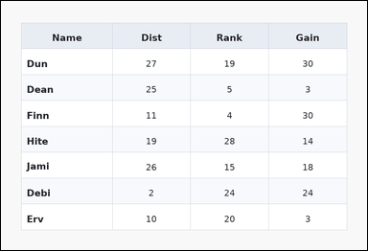 | 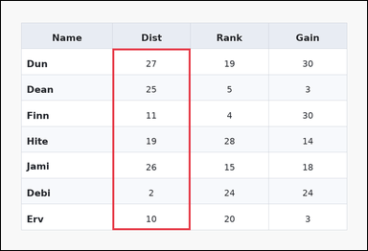 | task_tables_ranking_label | kth_highest_in_column | You are given a table: a zebra-striped table with one Name column, several numeric columns, alternating row shading, and a shaded header row. Use the table values to identify the row at the requested order statistic. Identify the row whose Dist value ranks 2nd from the top. Return a valid JSON object with keys "evidence" and "answer" in that order. Evidence format: set "evidence" to an array containing exactly one bounding box [x1, y1, x2, y2] for the supporting queried-column region. Answer requirement: set "answer" to the exact row-name string from the table. Example JSON: {"evidence":[[260,180,372,520]],"answer":"Ava"} | You are given a table: a zebra-striped table with one Name column, several numeric columns, alternating row shading, and a shaded header row. Use the table values to identify the row at the requested order statistic. Identify the row whose Dist value ranks 2nd from the top. Return a valid JSON object with key "answer". Answer format: set "answer" to the exact row-name string from the table. Example JSON: {"answer":"Ava"} | {"evidence": [[286.08, 122.5, 486.72, 588.0]], "answer": "Jami"} | [[286.08, 122.5, 486.72, 588.0]] | string | bbox_set | 159725457815540 | task_tables_ranking_label/images/kth_highest_in_column/0007.png | task_tables_ranking_label/data/kth_highest_in_column/0007.json
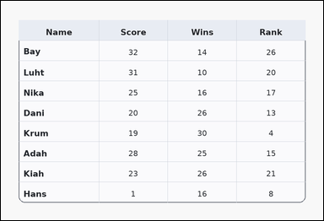 | 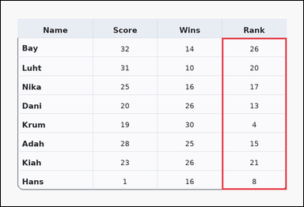 | task_tables_ranking_label | kth_highest_in_column | Use the table in the image. It shows a card-style table with one Name column, several numeric columns, a rounded outer frame, and a shaded header row. Find the row name whose value has the requested ranking in the named column. Find the row label with the 3rd largest value in the Rank column. Return a valid JSON object with keys "evidence" and "answer" in that order. Evidence field: set "evidence" to an array containing exactly one bounding box [x1, y1, x2, y2] for the supporting queried-column region. Answer field: set "answer" to the exact row-name string from the table. Example JSON: {"evidence":[[260,180,372,520]],"answer":"Ava"} | Use the table in the image. It shows a card-style table with one Name column, several numeric columns, a rounded outer frame, and a shaded header row. Find the row name whose value has the requested ranking in the named column. Find the row label with the 3rd largest value in the Rank column. Return a valid JSON object with key "answer". Answer rule: set "answer" to the exact row-name string from the table. Example JSON: {"answer":"Ava"} | {"evidence": [[687.36, 115.111, 888.0, 588.0]], "answer": "Luht"} | [[687.36, 115.111, 888.0, 588.0]] | string | bbox_set | 343133212369849 | task_tables_ranking_label/images/kth_highest_in_column/0016.png | task_tables_ranking_label/data/kth_highest_in_column/0016.json
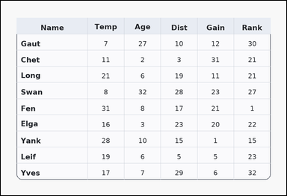 | 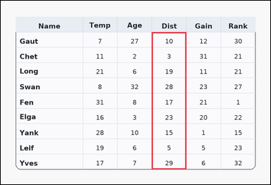 | task_tables_ranking_label | kth_highest_in_column | The image shows a card-style table with one Name column, several numeric columns, a rounded outer frame, and a shaded header row. Answer this question. Find the row label with the 4th largest value in the Dist column. Return a valid JSON object with keys "evidence" and "answer" in that order. Evidence requirement: set "evidence" to an array containing exactly one bounding box [x1, y1, x2, y2] for the supporting queried-column region. Answer format: set "answer" to the exact row-name string from the table. Example JSON: {"evidence":[[260,180,372,520]],"answer":"Ava"} | The image shows a card-style table with one Name column, several numeric columns, a rounded outer frame, and a shaded header row. Answer this question. Find the row label with the 4th largest value in the Dist column. Return a valid JSON object with key "answer". Answer requirement: set "answer" to the exact row-name string from the table. Example JSON: {"answer":"Ava"} | {"evidence": [[526.848, 109.2, 647.232, 588.0]], "answer": "Long"} | [[526.848, 109.2, 647.232, 588.0]] | string | bbox_set | 379270329150452 | task_tables_ranking_label/images/kth_highest_in_column/0023.png | task_tables_ranking_label/data/kth_highest_in_column/0023.json
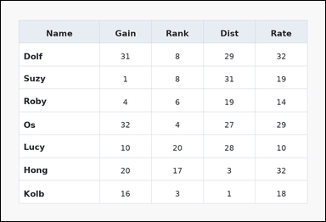 | 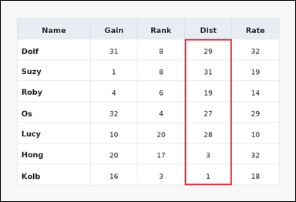 | task_tables_ranking_label | kth_highest_in_column | The image shows a spreadsheet-style table with one Name column, several numeric columns, full grid lines, and a shaded header row. Use the table values to identify the row at the requested order statistic. Determine which row is 3rd when the Dist values are ordered from highest to lowest. Return a valid JSON object with keys "evidence" and "answer" in that order. Evidence: set "evidence" to an array containing exactly one bounding box [x1, y1, x2, y2] for the supporting queried-column region. Answer: set "answer" to the exact row-name string from the table. Example JSON: {"evidence":[[260,180,372,520]],"answer":"Ava"} | The image shows a spreadsheet-style table with one Name column, several numeric columns, full grid lines, and a shaded header row. Use the table values to identify the row at the requested order statistic. Determine which row is 3rd when the Dist values are ordered from highest to lowest. Return a valid JSON object with key "answer". Answer format: set "answer" to the exact row-name string from the table. Example JSON: {"answer":"Ava"} | {"evidence": [[587.04, 122.5, 737.52, 588.0]], "answer": "Lucy"} | [[587.04, 122.5, 737.52, 588.0]] | string | bbox_set | 1.2423607155E+15 | task_tables_ranking_label/images/kth_highest_in_column/0004.png | task_tables_ranking_label/data/kth_highest_in_column/0004.json
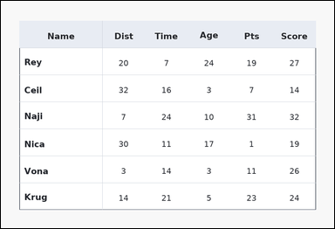 | 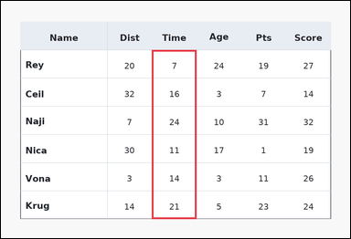 | task_tables_ranking_label | kth_highest_in_column | The image shows a ledger-style table with one Name column, several numeric columns, strong horizontal rules, and minimal vertical separators. Use the table values to identify the row at the requested order statistic. Determine which row is 2nd when the Time values are ordered from highest to lowest. Return a valid JSON object with keys "evidence" and "answer" in that order. Evidence field: set "evidence" to an array containing exactly one bounding box [x1, y1, x2, y2] for the supporting queried-column region. Answer field: set "answer" to the exact row-name string from the table. Example JSON: {"evidence":[[260,180,372,520]],"answer":"Ava"} | The image shows a ledger-style table with one Name column, several numeric columns, strong horizontal rules, and minimal vertical separators. Use the table values to identify the row at the requested order statistic. Determine which row is 2nd when the Time values are ordered from highest to lowest. Return a valid JSON object with key "answer". Answer: set "answer" to the exact row-name string from the table. Example JSON: {"answer":"Ava"} | {"evidence": [[406.464, 132.0, 526.848, 588.0]], "answer": "Krug"} | [[406.464, 132.0, 526.848, 588.0]] | string | bbox_set | 1.4314429023E+15 | task_tables_ranking_label/images/kth_highest_in_column/0021.png | task_tables_ranking_label/data/kth_highest_in_column/0021.json
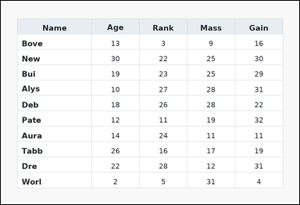 | 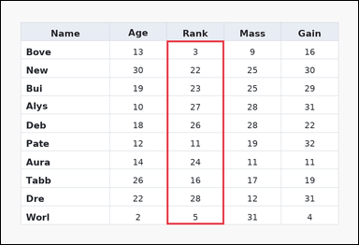 | task_tables_ranking_label | kth_highest_in_column | The image shows a spreadsheet-style table with one Name column, several numeric columns, full grid lines, and a shaded header row. Find the row name whose value has the requested ranking in the named column. Which row has the 4th highest value in the Rank column? Return a valid JSON object with keys "evidence" and "answer" in that order. Evidence: set "evidence" to an array containing exactly one bounding box [x1, y1, x2, y2] for the supporting queried-column region. Answer: set "answer" to the exact row-name string from the table. Example JSON: {"evidence":[[260,180,372,520]],"answer":"Ava"} | The image shows a spreadsheet-style table with one Name column, several numeric columns, full grid lines, and a shaded header row. Find the row name whose value has the requested ranking in the named column. Which row has the 4th highest value in the Rank column? Return a valid JSON object with key "answer". Answer format: set "answer" to the exact row-name string from the table. Example JSON: {"answer":"Ava"} | {"evidence": [[436.56, 104.364, 587.04, 588.0]], "answer": "Aura"} | [[436.56, 104.364, 587.04, 588.0]] | string | bbox_set | 1.9336485686E+15 | task_tables_ranking_label/images/kth_highest_in_column/0009.png | task_tables_ranking_label/data/kth_highest_in_column/0009.json
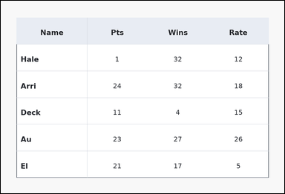 | 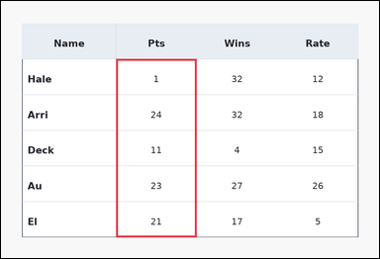 | task_tables_ranking_label | kth_highest_in_column | You are given a table: a ledger-style table with one Name column, several numeric columns, strong horizontal rules, and minimal vertical separators. Determine which row label has the requested rank in the named numeric column. Which row has the 4th highest value in the Pts column? Return a valid JSON object with keys "evidence" and "answer" in that order. Evidence: set "evidence" to an array containing exactly one bounding box [x1, y1, x2, y2] for the supporting queried-column region. Answer: set "answer" to the exact row-name string from the table. Example JSON: {"evidence":[[260,180,372,520]],"answer":"Ava"} | You are given a table: a ledger-style table with one Name column, several numeric columns, strong horizontal rules, and minimal vertical separators. Determine which row label has the requested rank in the named numeric column. Which row has the 4th highest value in the Pts column? Return a valid JSON object with key "answer". Answer field: set "answer" to the exact row-name string from the table. Example JSON: {"answer":"Ava"} | {"evidence": [[286.08, 144.667, 486.72, 588.0]], "answer": "Deck"} | [[286.08, 144.667, 486.72, 588.0]] | string | bbox_set | 2.0595865539E+15 | task_tables_ranking_label/images/kth_highest_in_column/0024.png | task_tables_ranking_label/data/kth_highest_in_column/0024.json
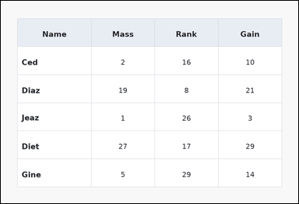 | 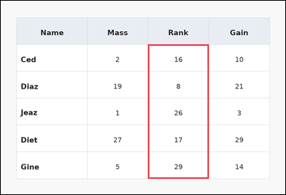 | task_tables_ranking_label | kth_highest_in_column | Use the table in the image. It shows a spreadsheet-style table with one Name column, several numeric columns, full grid lines, and a shaded header row. Answer this question. Determine which row is 4th when the Rank values are ordered from highest to lowest. Return a valid JSON object with keys "evidence" and "answer" in that order. Evidence requirement: set "evidence" to an array containing exactly one bounding box [x1, y1, x2, y2] for the supporting queried-column region. Answer format: set "answer" to the exact row-name string from the table. Example JSON: {"evidence":[[260,180,372,520]],"answer":"Ava"} | Use the table in the image. It shows a spreadsheet-style table with one Name column, several numeric columns, full grid lines, and a shaded header row. Answer this question. Determine which row is 4th when the Rank values are ordered from highest to lowest. Return a valid JSON object with key "answer". Answer format: set "answer" to the exact row-name string from the table. Example JSON: {"answer":"Ava"} | {"evidence": [[486.72, 144.667, 687.36, 588.0]], "answer": "Ced"} | [[486.72, 144.667, 687.36, 588.0]] | string | bbox_set | 2.3550806928E+15 | task_tables_ranking_label/images/kth_highest_in_column/0010.png | task_tables_ranking_label/data/kth_highest_in_column/0010.json
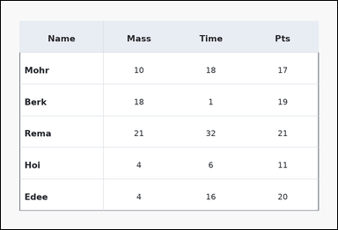 | 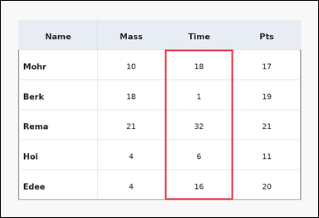 | task_tables_ranking_label | kth_highest_in_column | Use the table in the image. It shows a ledger-style table with one Name column, several numeric columns, strong horizontal rules, and minimal vertical separators. Determine which row label has the requested rank in the named numeric column. Determine which row is 3rd when the Time values are ordered from highest to lowest. Return a valid JSON object with keys "evidence" and "answer" in that order. Evidence format: set "evidence" to an array containing exactly one bounding box [x1, y1, x2, y2] for the supporting queried-column region. Answer requirement: set "answer" to the exact row-name string from the table. Example JSON: {"evidence":[[260,180,372,520]],"answer":"Ava"} | Use the table in the image. It shows a ledger-style table with one Name column, several numeric columns, strong horizontal rules, and minimal vertical separators. Determine which row label has the requested rank in the named numeric column. Determine which row is 3rd when the Time values are ordered from highest to lowest. Return a valid JSON object with key "answer". Answer requirement: set "answer" to the exact row-name string from the table. Example JSON: {"answer":"Ava"} | {"evidence": [[486.72, 144.667, 687.36, 588.0]], "answer": "Edee"} | [[486.72, 144.667, 687.36, 588.0]] | string | bbox_set | 2.610306958E+15 | task_tables_ranking_label/images/kth_highest_in_column/0022.png | task_tables_ranking_label/data/kth_highest_in_column/0022.json
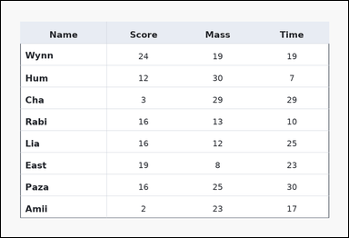 | 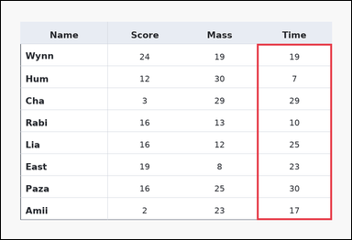 | task_tables_ranking_label | kth_highest_in_column | Look at the table in the image. It shows a ledger-style table with one Name column, several numeric columns, strong horizontal rules, and minimal vertical separators. Read the table and report the row with the requested column rank. What row name corresponds to the 2nd highest value in Time? Return a valid JSON object with keys "evidence" and "answer" in that order. Evidence rule: set "evidence" to an array containing exactly one bounding box [x1, y1, x2, y2] for the supporting queried-column region. Answer rule: set "answer" to the exact row-name string from the table. Example JSON: {"evidence":[[260,180,372,520]],"answer":"Ava"} | Look at the table in the image. It shows a ledger-style table with one Name column, several numeric columns, strong horizontal rules, and minimal vertical separators. Read the table and report the row with the requested column rank. What row name corresponds to the 2nd highest value in Time? Return a valid JSON object with key "answer". Answer: set "answer" to the exact row-name string from the table. Example JSON: {"answer":"Ava"} | {"evidence": [[687.36, 115.111, 888.0, 588.0]], "answer": "Cha"} | [[687.36, 115.111, 888.0, 588.0]] | string | bbox_set | 2.6541441049E+15 | task_tables_ranking_label/images/kth_highest_in_column/0006.png | task_tables_ranking_label/data/kth_highest_in_column/0006.json
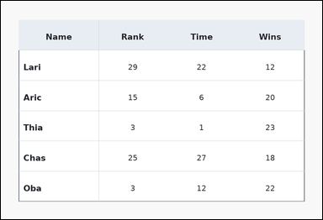 | 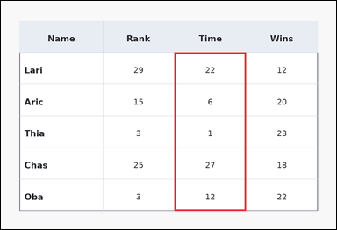 | task_tables_ranking_label | kth_highest_in_column | You are given a table: a ledger-style table with one Name column, several numeric columns, strong horizontal rules, and minimal vertical separators. Find the row name whose value has the requested ranking in the named column. Which row has the 2nd highest value in the Time column? Return a valid JSON object with keys "evidence" and "answer" in that order. Evidence field: set "evidence" to an array containing exactly one bounding box [x1, y1, x2, y2] for the supporting queried-column region. Answer field: set "answer" to the exact row-name string from the table. Example JSON: {"evidence":[[260,180,372,520]],"answer":"Ava"} | You are given a table: a ledger-style table with one Name column, several numeric columns, strong horizontal rules, and minimal vertical separators. Find the row name whose value has the requested ranking in the named column. Which row has the 2nd highest value in the Time column? Return a valid JSON object with key "answer". Answer format: set "answer" to the exact row-name string from the table. Example JSON: {"answer":"Ava"} | {"evidence": [[486.72, 144.667, 687.36, 588.0]], "answer": "Lari"} | [[486.72, 144.667, 687.36, 588.0]] | string | bbox_set | 3.3875639758E+15 | task_tables_ranking_label/images/kth_highest_in_column/0003.png | task_tables_ranking_label/data/kth_highest_in_column/0003.json
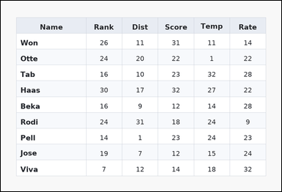 | 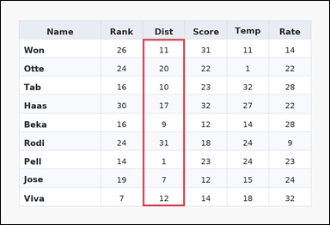 | task_tables_ranking_label | kth_highest_in_column | Look at the table in the image. It shows a zebra-striped table with one Name column, several numeric columns, alternating row shading, and a shaded header row. Read the table and report the row with the requested column rank. Which row has the 3rd highest value in the Dist column? Return a valid JSON object with keys "evidence" and "answer" in that order. Evidence: set "evidence" to an array containing exactly one bounding box [x1, y1, x2, y2] for the supporting queried-column region. Answer: set "answer" to the exact row-name string from the table. Example JSON: {"evidence":[[260,180,372,520]],"answer":"Ava"} | Look at the table in the image. It shows a zebra-striped table with one Name column, several numeric columns, alternating row shading, and a shaded header row. Read the table and report the row with the requested column rank. Which row has the 3rd highest value in the Dist column? Return a valid JSON object with key "answer". Answer rule: set "answer" to the exact row-name string from the table. Example JSON: {"answer":"Ava"} | {"evidence": [[406.464, 109.2, 526.848, 588.0]], "answer": "Haas"} | [[406.464, 109.2, 526.848, 588.0]] | string | bbox_set | 4.0648562951E+15 | task_tables_ranking_label/images/kth_highest_in_column/0017.png | task_tables_ranking_label/data/kth_highest_in_column/0017.json
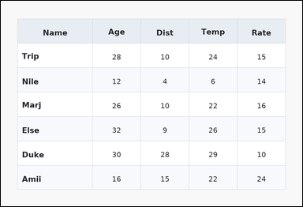 | 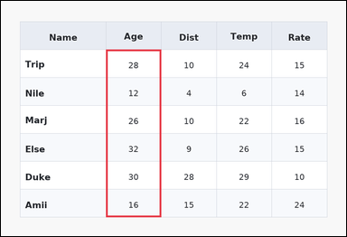 | task_tables_ranking_label | kth_highest_in_column | Look at the table in the image. It shows a zebra-striped table with one Name column, several numeric columns, alternating row shading, and a shaded header row. Determine which row label has the requested rank in the named numeric column. Determine which row is 3rd when the Age values are ordered from highest to lowest. Return a valid JSON object with keys "evidence" and "answer" in that order. Evidence requirement: set "evidence" to an array containing exactly one bounding box [x1, y1, x2, y2] for the supporting queried-column region. Answer format: set "answer" to the exact row-name string from the table. Example JSON: {"evidence":[[260,180,372,520]],"answer":"Ava"} | Look at the table in the image. It shows a zebra-striped table with one Name column, several numeric columns, alternating row shading, and a shaded header row. Determine which row label has the requested rank in the named numeric column. Determine which row is 3rd when the Age values are ordered from highest to lowest. Return a valid JSON object with key "answer". Answer rule: set "answer" to the exact row-name string from the table. Example JSON: {"answer":"Ava"} | {"evidence": [[286.08, 132.0, 436.56, 588.0]], "answer": "Trip"} | [[286.08, 132.0, 436.56, 588.0]] | string | bbox_set | 4.1805793332E+15 | task_tables_ranking_label/images/kth_highest_in_column/0000.png | task_tables_ranking_label/data/kth_highest_in_column/0000.json
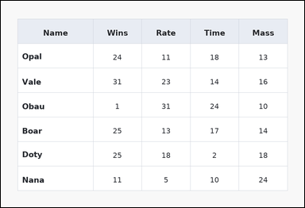 | 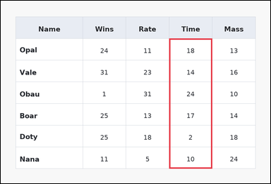 | task_tables_ranking_label | kth_highest_in_column | Use the table in the image. It shows a spreadsheet-style table with one Name column, several numeric columns, full grid lines, and a shaded header row. Answer this question. What row name corresponds to the 4th highest value in Time? Return a valid JSON object with keys "evidence" and "answer" in that order. Evidence: set "evidence" to an array containing exactly one bounding box [x1, y1, x2, y2] for the supporting queried-column region. Answer: set "answer" to the exact row-name string from the table. Example JSON: {"evidence":[[260,180,372,520]],"answer":"Ava"} | Use the table in the image. It shows a spreadsheet-style table with one Name column, several numeric columns, full grid lines, and a shaded header row. Answer this question. What row name corresponds to the 4th highest value in Time? Return a valid JSON object with key "answer". Answer requirement: set "answer" to the exact row-name string from the table. Example JSON: {"answer":"Ava"} | {"evidence": [[587.04, 132.0, 737.52, 588.0]], "answer": "Vale"} | [[587.04, 132.0, 737.52, 588.0]] | string | bbox_set | 4.2730922557E+15 | task_tables_ranking_label/images/kth_highest_in_column/0012.png | task_tables_ranking_label/data/kth_highest_in_column/0012.json
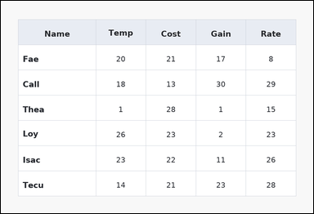 | 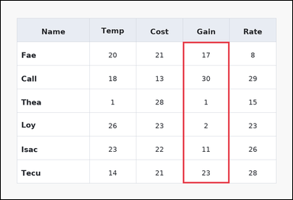 | task_tables_ranking_label | kth_highest_in_column | You are given a table: a spreadsheet-style table with one Name column, several numeric columns, full grid lines, and a shaded header row. Use the table values to identify the row at the requested order statistic. Determine which row is 3rd when the Gain values are ordered from highest to lowest. Return a valid JSON object with keys "evidence" and "answer" in that order. Evidence rule: set "evidence" to an array containing exactly one bounding box [x1, y1, x2, y2] for the supporting queried-column region. Answer rule: set "answer" to the exact row-name string from the table. Example JSON: {"evidence":[[260,180,372,520]],"answer":"Ava"} | You are given a table: a spreadsheet-style table with one Name column, several numeric columns, full grid lines, and a shaded header row. Use the table values to identify the row at the requested order statistic. Determine which row is 3rd when the Gain values are ordered from highest to lowest. Return a valid JSON object with key "answer". Answer format: set "answer" to the exact row-name string from the table. Example JSON: {"answer":"Ava"} | {"evidence": [[587.04, 132.0, 737.52, 588.0]], "answer": "Fae"} | [[587.04, 132.0, 737.52, 588.0]] | string | bbox_set | 4.6310170759E+15 | task_tables_ranking_label/images/kth_highest_in_column/0018.png | task_tables_ranking_label/data/kth_highest_in_column/0018.json
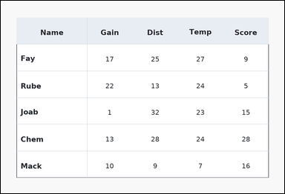 | 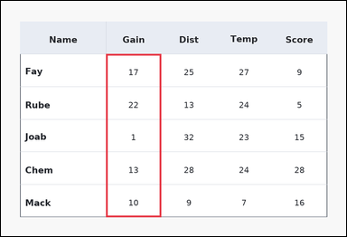 | task_tables_ranking_label | kth_highest_in_column | You are given a table: a ledger-style table with one Name column, several numeric columns, strong horizontal rules, and minimal vertical separators. Find the row name whose value has the requested ranking in the named column. What row name corresponds to the 4th highest value in Gain? Return a valid JSON object with keys "evidence" and "answer" in that order. Evidence rule: set "evidence" to an array containing exactly one bounding box [x1, y1, x2, y2] for the supporting queried-column region. Answer rule: set "answer" to the exact row-name string from the table. Example JSON: {"evidence":[[260,180,372,520]],"answer":"Ava"} | You are given a table: a ledger-style table with one Name column, several numeric columns, strong horizontal rules, and minimal vertical separators. Find the row name whose value has the requested ranking in the named column. What row name corresponds to the 4th highest value in Gain? Return a valid JSON object with key "answer". Answer field: set "answer" to the exact row-name string from the table. Example JSON: {"answer":"Ava"} | {"evidence": [[286.08, 144.667, 436.56, 588.0]], "answer": "Mack"} | [[286.08, 144.667, 436.56, 588.0]] | string | bbox_set | 5.1251647623E+15 | task_tables_ranking_label/images/kth_highest_in_column/0005.png | task_tables_ranking_label/data/kth_highest_in_column/0005.json
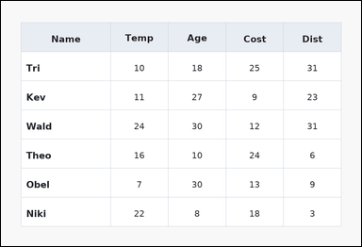 | 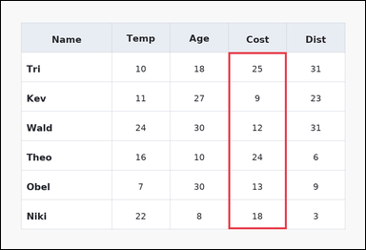 | task_tables_ranking_label | kth_highest_in_column | You are given a table: a spreadsheet-style table with one Name column, several numeric columns, full grid lines, and a shaded header row. Find the row name whose value has the requested ranking in the named column. Which row has the 3rd highest value in the Cost column? Return a valid JSON object with keys "evidence" and "answer" in that order. Evidence: set "evidence" to an array containing exactly one bounding box [x1, y1, x2, y2] for the supporting queried-column region. Answer: set "answer" to the exact row-name string from the table. Example JSON: {"evidence":[[260,180,372,520]],"answer":"Ava"} | You are given a table: a spreadsheet-style table with one Name column, several numeric columns, full grid lines, and a shaded header row. Find the row name whose value has the requested ranking in the named column. Which row has the 3rd highest value in the Cost column? Return a valid JSON object with key "answer". Answer format: set "answer" to the exact row-name string from the table. Example JSON: {"answer":"Ava"} | {"evidence": [[587.04, 132.0, 737.52, 588.0]], "answer": "Niki"} | [[587.04, 132.0, 737.52, 588.0]] | string | bbox_set | 5.1842752513E+15 | task_tables_ranking_label/images/kth_highest_in_column/0014.png | task_tables_ranking_label/data/kth_highest_in_column/0014.json
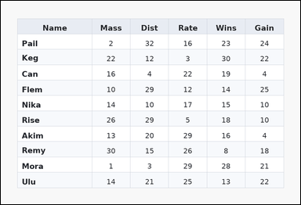 | 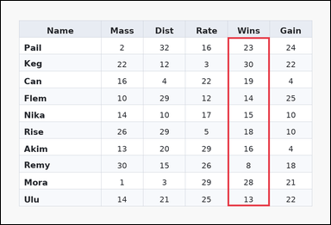 | task_tables_ranking_label | kth_highest_in_column | Look at the table in the image. It shows a zebra-striped table with one Name column, several numeric columns, alternating row shading, and a shaded header row. Answer this question. Determine which row is 3rd when the Wins values are ordered from highest to lowest. Return a valid JSON object with keys "evidence" and "answer" in that order. Evidence field: set "evidence" to an array containing exactly one bounding box [x1, y1, x2, y2] for the supporting queried-column region. Answer field: set "answer" to the exact row-name string from the table. Example JSON: {"evidence":[[260,180,372,520]],"answer":"Ava"} | Look at the table in the image. It shows a zebra-striped table with one Name column, several numeric columns, alternating row shading, and a shaded header row. Answer this question. Determine which row is 3rd when the Wins values are ordered from highest to lowest. Return a valid JSON object with key "answer". Answer format: set "answer" to the exact row-name string from the table. Example JSON: {"answer":"Ava"} | {"evidence": [[647.232, 104.364, 767.616, 588.0]], "answer": "Pail"} | [[647.232, 104.364, 767.616, 588.0]] | string | bbox_set | 5.5614664733E+15 | task_tables_ranking_label/images/kth_highest_in_column/0001.png | task_tables_ranking_label/data/kth_highest_in_column/0001.json
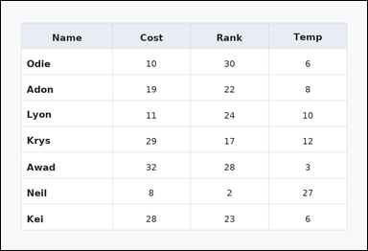 | 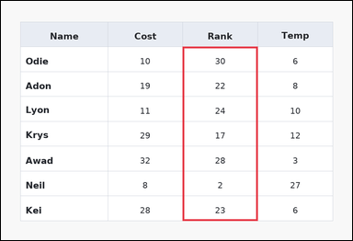 | task_tables_ranking_label | kth_highest_in_column | Work from the styled table shown in the image: a spreadsheet-style table with one Name column, several numeric columns, full grid lines, and a shaded header row. Determine which row label has the requested rank in the named numeric column. Determine which row is 3rd when the Rank values are ordered from highest to lowest. Return a valid JSON object with keys "evidence" and "answer" in that order. Evidence rule: set "evidence" to an array containing exactly one bounding box [x1, y1, x2, y2] for the supporting queried-column region. Answer rule: set "answer" to the exact row-name string from the table. Example JSON: {"evidence":[[260,180,372,520]],"answer":"Ava"} | Work from the styled table shown in the image: a spreadsheet-style table with one Name column, several numeric columns, full grid lines, and a shaded header row. Determine which row label has the requested rank in the named numeric column. Determine which row is 3rd when the Rank values are ordered from highest to lowest. Return a valid JSON object with key "answer". Answer field: set "answer" to the exact row-name string from the table. Example JSON: {"answer":"Ava"} | {"evidence": [[486.72, 122.5, 687.36, 588.0]], "answer": "Lyon"} | [[486.72, 122.5, 687.36, 588.0]] | string | bbox_set | 5.7823513637E+15 | task_tables_ranking_label/images/kth_highest_in_column/0019.png | task_tables_ranking_label/data/kth_highest_in_column/0019.json
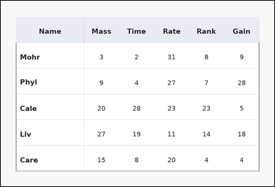 | 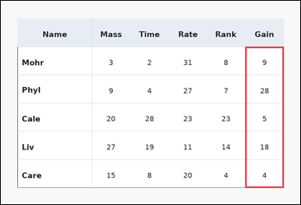 | task_tables_ranking_label | kth_highest_in_column | Use the table in the image. It shows a ledger-style table with one Name column, several numeric columns, strong horizontal rules, and minimal vertical separators. Use the table values to identify the row at the requested order statistic. Find the row label with the 2nd largest value in the Gain column. Return a valid JSON object with keys "evidence" and "answer" in that order. Evidence field: set "evidence" to an array containing exactly one bounding box [x1, y1, x2, y2] for the supporting queried-column region. Answer field: set "answer" to the exact row-name string from the table. Example JSON: {"evidence":[[260,180,372,520]],"answer":"Ava"} | Use the table in the image. It shows a ledger-style table with one Name column, several numeric columns, strong horizontal rules, and minimal vertical separators. Use the table values to identify the row at the requested order statistic. Find the row label with the 2nd largest value in the Gain column. Return a valid JSON object with key "answer". Answer field: set "answer" to the exact row-name string from the table. Example JSON: {"answer":"Ava"} | {"evidence": [[767.616, 144.667, 888.0, 588.0]], "answer": "Liv"} | [[767.616, 144.667, 888.0, 588.0]] | string | bbox_set | 6.5561028371E+15 | task_tables_ranking_label/images/kth_highest_in_column/0008.png | task_tables_ranking_label/data/kth_highest_in_column/0008.json
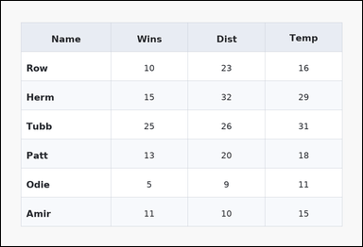 | 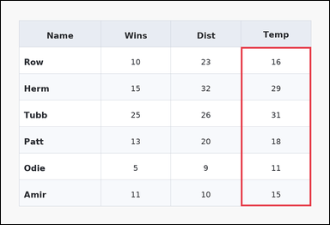 | task_tables_ranking_label | kth_highest_in_column | Look at the table in the image. It shows a zebra-striped table with one Name column, several numeric columns, alternating row shading, and a shaded header row. Answer this question. What row name corresponds to the 2nd highest value in Temp? Return a valid JSON object with keys "evidence" and "answer" in that order. Evidence requirement: set "evidence" to an array containing exactly one bounding box [x1, y1, x2, y2] for the supporting queried-column region. Answer format: set "answer" to the exact row-name string from the table. Example JSON: {"evidence":[[260,180,372,520]],"answer":"Ava"} | Look at the table in the image. It shows a zebra-striped table with one Name column, several numeric columns, alternating row shading, and a shaded header row. Answer this question. What row name corresponds to the 2nd highest value in Temp? Return a valid JSON object with key "answer". Answer format: set "answer" to the exact row-name string from the table. Example JSON: {"answer":"Ava"} | {"evidence": [[687.36, 132.0, 888.0, 588.0]], "answer": "Herm"} | [[687.36, 132.0, 888.0, 588.0]] | string | bbox_set | 7.4248383968E+15 | task_tables_ranking_label/images/kth_highest_in_column/0020.png | task_tables_ranking_label/data/kth_highest_in_column/0020.json
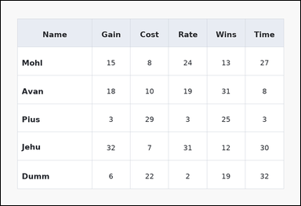 | 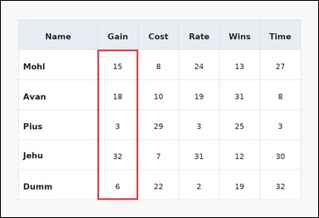 | task_tables_ranking_label | kth_highest_in_column | Work from the styled table shown in the image: a spreadsheet-style table with one Name column, several numeric columns, full grid lines, and a shaded header row. Determine which row label has the requested rank in the named numeric column. Find the row label with the 3rd largest value in the Gain column. Return a valid JSON object with keys "evidence" and "answer" in that order. Evidence rule: set "evidence" to an array containing exactly one bounding box [x1, y1, x2, y2] for the supporting queried-column region. Answer rule: set "answer" to the exact row-name string from the table. Example JSON: {"evidence":[[260,180,372,520]],"answer":"Ava"} | Work from the styled table shown in the image: a spreadsheet-style table with one Name column, several numeric columns, full grid lines, and a shaded header row. Determine which row label has the requested rank in the named numeric column. Find the row label with the 3rd largest value in the Gain column. Return a valid JSON object with key "answer". Answer field: set "answer" to the exact row-name string from the table. Example JSON: {"answer":"Ava"} | {"evidence": [[286.08, 144.667, 406.464, 588.0]], "answer": "Mohl"} | [[286.08, 144.667, 406.464, 588.0]] | string | bbox_set | 7.6019496866E+15 | task_tables_ranking_label/images/kth_highest_in_column/0015.png | task_tables_ranking_label/data/kth_highest_in_column/0015.json
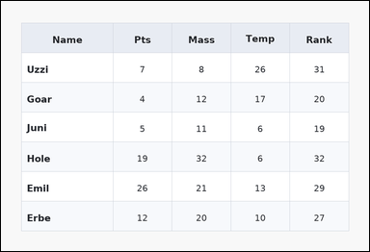 | 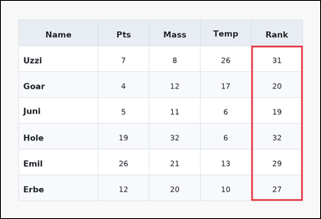 | task_tables_ranking_label | kth_highest_in_column | You are given a table: a zebra-striped table with one Name column, several numeric columns, alternating row shading, and a shaded header row. Determine which row label has the requested rank in the named numeric column. Identify the row whose Rank value ranks 3rd from the top. Return a valid JSON object with keys "evidence" and "answer" in that order. Evidence field: set "evidence" to an array containing exactly one bounding box [x1, y1, x2, y2] for the supporting queried-column region. Answer field: set "answer" to the exact row-name string from the table. Example JSON: {"evidence":[[260,180,372,520]],"answer":"Ava"} | You are given a table: a zebra-striped table with one Name column, several numeric columns, alternating row shading, and a shaded header row. Determine which row label has the requested rank in the named numeric column. Identify the row whose Rank value ranks 3rd from the top. Return a valid JSON object with key "answer". Answer: set "answer" to the exact row-name string from the table. Example JSON: {"answer":"Ava"} | {"evidence": [[737.52, 132.0, 888.0, 588.0]], "answer": "Emil"} | [[737.52, 132.0, 888.0, 588.0]] | string | bbox_set | 7.6199556161E+15 | task_tables_ranking_label/images/kth_highest_in_column/0013.png | task_tables_ranking_label/data/kth_highest_in_column/0013.json
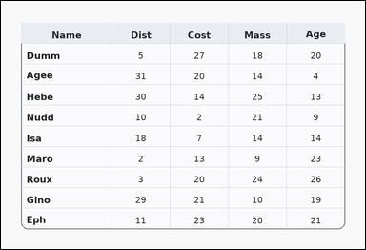 | 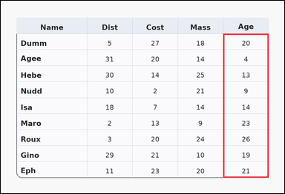 | task_tables_ranking_label | kth_highest_in_column | Work from the styled table shown in the image: a card-style table with one Name column, several numeric columns, a rounded outer frame, and a shaded header row. Read the table and report the row with the requested column rank. Find the row label with the 2nd largest value in the Age column. Return a valid JSON object with keys "evidence" and "answer" in that order. Evidence requirement: set "evidence" to an array containing exactly one bounding box [x1, y1, x2, y2] for the supporting queried-column region. Answer format: set "answer" to the exact row-name string from the table. Example JSON: {"evidence":[[260,180,372,520]],"answer":"Ava"} | Work from the styled table shown in the image: a card-style table with one Name column, several numeric columns, a rounded outer frame, and a shaded header row. Read the table and report the row with the requested column rank. Find the row label with the 2nd largest value in the Age column. Return a valid JSON object with key "answer". Answer format: set "answer" to the exact row-name string from the table. Example JSON: {"answer":"Ava"} | {"evidence": [[737.52, 109.2, 888.0, 588.0]], "answer": "Maro"} | [[737.52, 109.2, 888.0, 588.0]] | string | bbox_set | 7.8166412719E+15 | task_tables_ranking_label/images/kth_highest_in_column/0011.png | task_tables_ranking_label/data/kth_highest_in_column/0011.json
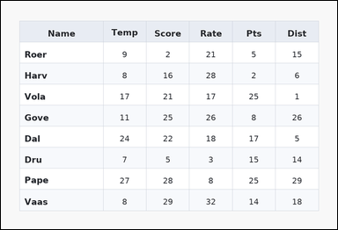 | 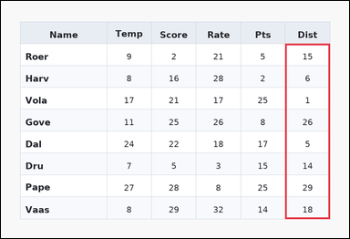 | task_tables_ranking_label | kth_highest_in_column | Look at the table in the image. It shows a zebra-striped table with one Name column, several numeric columns, alternating row shading, and a shaded header row. Answer this question. What row name corresponds to the 2nd highest value in Dist? Return a valid JSON object with keys "evidence" and "answer" in that order. Evidence: set "evidence" to an array containing exactly one bounding box [x1, y1, x2, y2] for the supporting queried-column region. Answer: set "answer" to the exact row-name string from the table. Example JSON: {"evidence":[[260,180,372,520]],"answer":"Ava"} | Look at the table in the image. It shows a zebra-striped table with one Name column, several numeric columns, alternating row shading, and a shaded header row. Answer this question. What row name corresponds to the 2nd highest value in Dist? Return a valid JSON object with key "answer". Answer format: set "answer" to the exact row-name string from the table. Example JSON: {"answer":"Ava"} | {"evidence": [[767.616, 115.111, 888.0, 588.0]], "answer": "Gove"} | [[767.616, 115.111, 888.0, 588.0]] | string | bbox_set | 8.8857518165E+15 | task_tables_ranking_label/images/kth_highest_in_column/0002.png | task_tables_ranking_label/data/kth_highest_in_column/0002.json

kth_lowest_in_column
image | evidence_image | task | task_variant | prompt | prompt_answer_only | answer | answer_evidence | answer_type | evidence_type | instance_seed | image_path | data_path
 |  | task_tables_ranking_label | kth_lowest_in_column | The image shows a zebra-striped table with one Name column, several numeric columns, alternating row shading, and a shaded header row. Use the table values to identify the row at the requested order statistic. Which row has the 2nd lowest value in the Gain column? Return a valid JSON object with keys "evidence" and "answer" in that order. Evidence requirement: set "evidence" to an array containing exactly one bounding box [x1, y1, x2, y2] for the supporting queried-column region. Answer format: set "answer" to the exact row-name string from the table. Example JSON: {"evidence":[[260,180,372,520]],"answer":"Milo"} | The image shows a zebra-striped table with one Name column, several numeric columns, alternating row shading, and a shaded header row. Use the table values to identify the row at the requested order statistic. Which row has the 2nd lowest value in the Gain column? Return a valid JSON object with key "answer". Answer requirement: set "answer" to the exact row-name string from the table. Example JSON: {"answer":"Milo"} | {"evidence": [[286.08, 109.2, 436.56, 588.0]], "answer": "Vola"} | [[286.08, 109.2, 436.56, 588.0]] | string | bbox_set | 262645734887935 | task_tables_ranking_label/images/kth_lowest_in_column/0009.png | task_tables_ranking_label/data/kth_lowest_in_column/0009.json
 |  | task_tables_ranking_label | kth_lowest_in_column | Use the table in the image. It shows a card-style table with one Name column, several numeric columns, a rounded outer frame, and a shaded header row. Find the row name whose value has the requested ranking in the named column. Find the row label with the 4th smallest value in the Rate column. Return a valid JSON object with keys "evidence" and "answer" in that order. Evidence rule: set "evidence" to an array containing exactly one bounding box [x1, y1, x2, y2] for the supporting queried-column region. Answer rule: set "answer" to the exact row-name string from the table. Example JSON: {"evidence":[[260,180,372,520]],"answer":"Milo"} | Use the table in the image. It shows a card-style table with one Name column, several numeric columns, a rounded outer frame, and a shaded header row. Find the row name whose value has the requested ranking in the named column. Find the row label with the 4th smallest value in the Rate column. Return a valid JSON object with key "answer". Answer: set "answer" to the exact row-name string from the table. Example JSON: {"answer":"Milo"} | {"evidence": [[687.36, 132.0, 888.0, 588.0]], "answer": "Sell"} | [[687.36, 132.0, 888.0, 588.0]] | string | bbox_set | 471940635320370 | task_tables_ranking_label/images/kth_lowest_in_column/0021.png | task_tables_ranking_label/data/kth_lowest_in_column/0021.json
 |  | task_tables_ranking_label | kth_lowest_in_column | The image shows a card-style table with one Name column, several numeric columns, a rounded outer frame, and a shaded header row. Read the table and report the row with the requested column rank. Determine which row is 2nd when the Time values are ordered from lowest to highest. Return a valid JSON object with keys "evidence" and "answer" in that order. Evidence field: set "evidence" to an array containing exactly one bounding box [x1, y1, x2, y2] for the supporting queried-column region. Answer field: set "answer" to the exact row-name string from the table. Example JSON: {"evidence":[[260,180,372,520]],"answer":"Milo"} | The image shows a card-style table with one Name column, several numeric columns, a rounded outer frame, and a shaded header row. Read the table and report the row with the requested column rank. Determine which row is 2nd when the Time values are ordered from lowest to highest. Return a valid JSON object with key "answer". Answer field: set "answer" to the exact row-name string from the table. Example JSON: {"answer":"Milo"} | {"evidence": [[436.56, 109.2, 587.04, 588.0]], "answer": "Dave"} | [[436.56, 109.2, 587.04, 588.0]] | string | bbox_set | 1.1050577115E+15 | task_tables_ranking_label/images/kth_lowest_in_column/0016.png | task_tables_ranking_label/data/kth_lowest_in_column/0016.json
 |  | task_tables_ranking_label | kth_lowest_in_column | Work from the styled table shown in the image: a zebra-striped table with one Name column, several numeric columns, alternating row shading, and a shaded header row. Read the table and report the row with the requested column rank. Determine which row is 2nd when the Wins values are ordered from lowest to highest. Return a valid JSON object with keys "evidence" and "answer" in that order. Evidence format: set "evidence" to an array containing exactly one bounding box [x1, y1, x2, y2] for the supporting queried-column region. Answer requirement: set "answer" to the exact row-name string from the table. Example JSON: {"evidence":[[260,180,372,520]],"answer":"Milo"} | Work from the styled table shown in the image: a zebra-striped table with one Name column, several numeric columns, alternating row shading, and a shaded header row. Read the table and report the row with the requested column rank. Determine which row is 2nd when the Wins values are ordered from lowest to highest. Return a valid JSON object with key "answer". Answer field: set "answer" to the exact row-name string from the table. Example JSON: {"answer":"Milo"} | {"evidence": [[647.232, 144.667, 767.616, 588.0]], "answer": "Mar"} | [[647.232, 144.667, 767.616, 588.0]] | string | bbox_set | 1.8629975728E+15 | task_tables_ranking_label/images/kth_lowest_in_column/0005.png | task_tables_ranking_label/data/kth_lowest_in_column/0005.json
 |  | task_tables_ranking_label | kth_lowest_in_column | You are given a table: a ledger-style table with one Name column, several numeric columns, strong horizontal rules, and minimal vertical separators. Use the table values to identify the row at the requested order statistic. Find the row label with the 2nd smallest value in the Mass column. Return a valid JSON object with keys "evidence" and "answer" in that order. Evidence field: set "evidence" to an array containing exactly one bounding box [x1, y1, x2, y2] for the supporting queried-column region. Answer field: set "answer" to the exact row-name string from the table. Example JSON: {"evidence":[[260,180,372,520]],"answer":"Milo"} | You are given a table: a ledger-style table with one Name column, several numeric columns, strong horizontal rules, and minimal vertical separators. Use the table values to identify the row at the requested order statistic. Find the row label with the 2nd smallest value in the Mass column. Return a valid JSON object with key "answer". Answer requirement: set "answer" to the exact row-name string from the table. Example JSON: {"answer":"Milo"} | {"evidence": [[737.52, 109.2, 888.0, 588.0]], "answer": "Gula"} | [[737.52, 109.2, 888.0, 588.0]] | string | bbox_set | 2.3012775005E+15 | task_tables_ranking_label/images/kth_lowest_in_column/0008.png | task_tables_ranking_label/data/kth_lowest_in_column/0008.json
 |  | task_tables_ranking_label | kth_lowest_in_column | The image shows a spreadsheet-style table with one Name column, several numeric columns, full grid lines, and a shaded header row. Read the table and report the row with the requested column rank. Which row has the 3rd lowest value in the Pts column? Return a valid JSON object with keys "evidence" and "answer" in that order. Evidence field: set "evidence" to an array containing exactly one bounding box [x1, y1, x2, y2] for the supporting queried-column region. Answer field: set "answer" to the exact row-name string from the table. Example JSON: {"evidence":[[260,180,372,520]],"answer":"Milo"} | The image shows a spreadsheet-style table with one Name column, several numeric columns, full grid lines, and a shaded header row. Read the table and report the row with the requested column rank. Which row has the 3rd lowest value in the Pts column? Return a valid JSON object with key "answer". Answer field: set "answer" to the exact row-name string from the table. Example JSON: {"answer":"Milo"} | {"evidence": [[286.08, 132.0, 486.72, 588.0]], "answer": "Gula"} | [[286.08, 132.0, 486.72, 588.0]] | string | bbox_set | 2.5468966499E+15 | task_tables_ranking_label/images/kth_lowest_in_column/0024.png | task_tables_ranking_label/data/kth_lowest_in_column/0024.json
 |  | task_tables_ranking_label | kth_lowest_in_column | The image shows a spreadsheet-style table with one Name column, several numeric columns, full grid lines, and a shaded header row. Use the table values to identify the row at the requested order statistic. Determine which row is 2nd when the Rate values are ordered from lowest to highest. Return a valid JSON object with keys "evidence" and "answer" in that order. Evidence field: set "evidence" to an array containing exactly one bounding box [x1, y1, x2, y2] for the supporting queried-column region. Answer field: set "answer" to the exact row-name string from the table. Example JSON: {"evidence":[[260,180,372,520]],"answer":"Milo"} | The image shows a spreadsheet-style table with one Name column, several numeric columns, full grid lines, and a shaded header row. Use the table values to identify the row at the requested order statistic. Determine which row is 2nd when the Rate values are ordered from lowest to highest. Return a valid JSON object with key "answer". Answer field: set "answer" to the exact row-name string from the table. Example JSON: {"answer":"Milo"} | {"evidence": [[486.72, 109.2, 687.36, 588.0]], "answer": "Rust"} | [[486.72, 109.2, 687.36, 588.0]] | string | bbox_set | 3.612396011E+15 | task_tables_ranking_label/images/kth_lowest_in_column/0011.png | task_tables_ranking_label/data/kth_lowest_in_column/0011.json
 |  | task_tables_ranking_label | kth_lowest_in_column | Look at the table in the image. It shows a spreadsheet-style table with one Name column, several numeric columns, full grid lines, and a shaded header row. Find the row name whose value has the requested ranking in the named column. Find the row label with the 4th smallest value in the Gain column. Return a valid JSON object with keys "evidence" and "answer" in that order. Evidence field: set "evidence" to an array containing exactly one bounding box [x1, y1, x2, y2] for the supporting queried-column region. Answer field: set "answer" to the exact row-name string from the table. Example JSON: {"evidence":[[260,180,372,520]],"answer":"Milo"} | Look at the table in the image. It shows a spreadsheet-style table with one Name column, several numeric columns, full grid lines, and a shaded header row. Find the row name whose value has the requested ranking in the named column. Find the row label with the 4th smallest value in the Gain column. Return a valid JSON object with key "answer". Answer requirement: set "answer" to the exact row-name string from the table. Example JSON: {"answer":"Milo"} | {"evidence": [[286.08, 115.111, 406.464, 588.0]], "answer": "Behl"} | [[286.08, 115.111, 406.464, 588.0]] | string | bbox_set | 3.8740534545E+15 | task_tables_ranking_label/images/kth_lowest_in_column/0001.png | task_tables_ranking_label/data/kth_lowest_in_column/0001.json
 |  | task_tables_ranking_label | kth_lowest_in_column | You are given a table: a ledger-style table with one Name column, several numeric columns, strong horizontal rules, and minimal vertical separators. Determine which row label has the requested rank in the named numeric column. Identify the row whose Mass value ranks 3rd from the bottom. Return a valid JSON object with keys "evidence" and "answer" in that order. Evidence rule: set "evidence" to an array containing exactly one bounding box [x1, y1, x2, y2] for the supporting queried-column region. Answer rule: set "answer" to the exact row-name string from the table. Example JSON: {"evidence":[[260,180,372,520]],"answer":"Milo"} | You are given a table: a ledger-style table with one Name column, several numeric columns, strong horizontal rules, and minimal vertical separators. Determine which row label has the requested rank in the named numeric column. Identify the row whose Mass value ranks 3rd from the bottom. Return a valid JSON object with key "answer". Answer format: set "answer" to the exact row-name string from the table. Example JSON: {"answer":"Milo"} | {"evidence": [[737.52, 109.2, 888.0, 588.0]], "answer": "Bush"} | [[737.52, 109.2, 888.0, 588.0]] | string | bbox_set | 4.0962269054E+15 | task_tables_ranking_label/images/kth_lowest_in_column/0014.png | task_tables_ranking_label/data/kth_lowest_in_column/0014.json
 |  | task_tables_ranking_label | kth_lowest_in_column | Look at the table in the image. It shows a spreadsheet-style table with one Name column, several numeric columns, full grid lines, and a shaded header row. Answer this question. Determine which row is 4th when the Pts values are ordered from lowest to highest. Return a valid JSON object with keys "evidence" and "answer" in that order. Evidence requirement: set "evidence" to an array containing exactly one bounding box [x1, y1, x2, y2] for the supporting queried-column region. Answer format: set "answer" to the exact row-name string from the table. Example JSON: {"evidence":[[260,180,372,520]],"answer":"Milo"} | Look at the table in the image. It shows a spreadsheet-style table with one Name column, several numeric columns, full grid lines, and a shaded header row. Answer this question. Determine which row is 4th when the Pts values are ordered from lowest to highest. Return a valid JSON object with key "answer". Answer rule: set "answer" to the exact row-name string from the table. Example JSON: {"answer":"Milo"} | {"evidence": [[647.232, 122.5, 767.616, 588.0]], "answer": "Ier"} | [[647.232, 122.5, 767.616, 588.0]] | string | bbox_set | 4.4036308843E+15 | task_tables_ranking_label/images/kth_lowest_in_column/0019.png | task_tables_ranking_label/data/kth_lowest_in_column/0019.json
 |  | task_tables_ranking_label | kth_lowest_in_column | Use the table in the image. It shows a card-style table with one Name column, several numeric columns, a rounded outer frame, and a shaded header row. Use the table values to identify the row at the requested order statistic. Identify the row whose Time value ranks 3rd from the bottom. Return a valid JSON object with keys "evidence" and "answer" in that order. Evidence rule: set "evidence" to an array containing exactly one bounding box [x1, y1, x2, y2] for the supporting queried-column region. Answer rule: set "answer" to the exact row-name string from the table. Example JSON: {"evidence":[[260,180,372,520]],"answer":"Milo"} | Use the table in the image. It shows a card-style table with one Name column, several numeric columns, a rounded outer frame, and a shaded header row. Use the table values to identify the row at the requested order statistic. Identify the row whose Time value ranks 3rd from the bottom. Return a valid JSON object with key "answer". Answer: set "answer" to the exact row-name string from the table. Example JSON: {"answer":"Milo"} | {"evidence": [[767.616, 122.5, 888.0, 588.0]], "answer": "Kare"} | [[767.616, 122.5, 888.0, 588.0]] | string | bbox_set | 4.4145258133E+15 | task_tables_ranking_label/images/kth_lowest_in_column/0006.png | task_tables_ranking_label/data/kth_lowest_in_column/0006.json
 |  | task_tables_ranking_label | kth_lowest_in_column | Look at the table in the image. It shows a zebra-striped table with one Name column, several numeric columns, alternating row shading, and a shaded header row. Answer this question. Which row has the 4th lowest value in the Dist column? Return a valid JSON object with keys "evidence" and "answer" in that order. Evidence: set "evidence" to an array containing exactly one bounding box [x1, y1, x2, y2] for the supporting queried-column region. Answer: set "answer" to the exact row-name string from the table. Example JSON: {"evidence":[[260,180,372,520]],"answer":"Milo"} | Look at the table in the image. It shows a zebra-striped table with one Name column, several numeric columns, alternating row shading, and a shaded header row. Answer this question. Which row has the 4th lowest value in the Dist column? Return a valid JSON object with key "answer". Answer format: set "answer" to the exact row-name string from the table. Example JSON: {"answer":"Milo"} | {"evidence": [[286.08, 144.667, 486.72, 588.0]], "answer": "Vinn"} | [[286.08, 144.667, 486.72, 588.0]] | string | bbox_set | 4.5849713319E+15 | task_tables_ranking_label/images/kth_lowest_in_column/0004.png | task_tables_ranking_label/data/kth_lowest_in_column/0004.json
 |  | task_tables_ranking_label | kth_lowest_in_column | The image shows a card-style table with one Name column, several numeric columns, a rounded outer frame, and a shaded header row. Determine which row label has the requested rank in the named numeric column. Which row has the 4th lowest value in the Dist column? Return a valid JSON object with keys "evidence" and "answer" in that order. Evidence: set "evidence" to an array containing exactly one bounding box [x1, y1, x2, y2] for the supporting queried-column region. Answer: set "answer" to the exact row-name string from the table. Example JSON: {"evidence":[[260,180,372,520]],"answer":"Milo"} | The image shows a card-style table with one Name column, several numeric columns, a rounded outer frame, and a shaded header row. Determine which row label has the requested rank in the named numeric column. Which row has the 4th lowest value in the Dist column? Return a valid JSON object with key "answer". Answer field: set "answer" to the exact row-name string from the table. Example JSON: {"answer":"Milo"} | {"evidence": [[587.04, 132.0, 737.52, 588.0]], "answer": "Chad"} | [[587.04, 132.0, 737.52, 588.0]] | string | bbox_set | 5.2317694777E+15 | task_tables_ranking_label/images/kth_lowest_in_column/0022.png | task_tables_ranking_label/data/kth_lowest_in_column/0022.json
 |  | task_tables_ranking_label | kth_lowest_in_column | Look at the table in the image. It shows a card-style table with one Name column, several numeric columns, a rounded outer frame, and a shaded header row. Use the table values to identify the row at the requested order statistic. Which row has the 2nd lowest value in the Score column? Return a valid JSON object with keys "evidence" and "answer" in that order. Evidence format: set "evidence" to an array containing exactly one bounding box [x1, y1, x2, y2] for the supporting queried-column region. Answer requirement: set "answer" to the exact row-name string from the table. Example JSON: {"evidence":[[260,180,372,520]],"answer":"Milo"} | Look at the table in the image. It shows a card-style table with one Name column, several numeric columns, a rounded outer frame, and a shaded header row. Use the table values to identify the row at the requested order statistic. Which row has the 2nd lowest value in the Score column? Return a valid JSON object with key "answer". Answer rule: set "answer" to the exact row-name string from the table. Example JSON: {"answer":"Milo"} | {"evidence": [[406.464, 109.2, 526.848, 588.0]], "answer": "Cade"} | [[406.464, 109.2, 526.848, 588.0]] | string | bbox_set | 6.4266670563E+15 | task_tables_ranking_label/images/kth_lowest_in_column/0010.png | task_tables_ranking_label/data/kth_lowest_in_column/0010.json
 |  | task_tables_ranking_label | kth_lowest_in_column | The image shows a spreadsheet-style table with one Name column, several numeric columns, full grid lines, and a shaded header row. Use the table values to identify the row at the requested order statistic. Which row has the 4th lowest value in the Cost column? Return a valid JSON object with keys "evidence" and "answer" in that order. Evidence rule: set "evidence" to an array containing exactly one bounding box [x1, y1, x2, y2] for the supporting queried-column region. Answer rule: set "answer" to the exact row-name string from the table. Example JSON: {"evidence":[[260,180,372,520]],"answer":"Milo"} | The image shows a spreadsheet-style table with one Name column, several numeric columns, full grid lines, and a shaded header row. Use the table values to identify the row at the requested order statistic. Which row has the 4th lowest value in the Cost column? Return a valid JSON object with key "answer". Answer rule: set "answer" to the exact row-name string from the table. Example JSON: {"answer":"Milo"} | {"evidence": [[767.616, 104.364, 888.0, 588.0]], "answer": "Dong"} | [[767.616, 104.364, 888.0, 588.0]] | string | bbox_set | 6.782237964E+15 | task_tables_ranking_label/images/kth_lowest_in_column/0015.png | task_tables_ranking_label/data/kth_lowest_in_column/0015.json
 |  | task_tables_ranking_label | kth_lowest_in_column | The image shows a ledger-style table with one Name column, several numeric columns, strong horizontal rules, and minimal vertical separators. Find the row name whose value has the requested ranking in the named column. Find the row label with the 2nd smallest value in the Wins column. Return a valid JSON object with keys "evidence" and "answer" in that order. Evidence field: set "evidence" to an array containing exactly one bounding box [x1, y1, x2, y2] for the supporting queried-column region. Answer field: set "answer" to the exact row-name string from the table. Example JSON: {"evidence":[[260,180,372,520]],"answer":"Milo"} | The image shows a ledger-style table with one Name column, several numeric columns, strong horizontal rules, and minimal vertical separators. Find the row name whose value has the requested ranking in the named column. Find the row label with the 2nd smallest value in the Wins column. Return a valid JSON object with key "answer". Answer requirement: set "answer" to the exact row-name string from the table. Example JSON: {"answer":"Milo"} | {"evidence": [[286.08, 132.0, 436.56, 588.0]], "answer": "Juli"} | [[286.08, 132.0, 436.56, 588.0]] | string | bbox_set | 6.8356045015E+15 | task_tables_ranking_label/images/kth_lowest_in_column/0002.png | task_tables_ranking_label/data/kth_lowest_in_column/0002.json
 |  | task_tables_ranking_label | kth_lowest_in_column | The image shows a zebra-striped table with one Name column, several numeric columns, alternating row shading, and a shaded header row. Use the table values to identify the row at the requested order statistic. Find the row label with the 4th smallest value in the Mass column. Return a valid JSON object with keys "evidence" and "answer" in that order. Evidence requirement: set "evidence" to an array containing exactly one bounding box [x1, y1, x2, y2] for the supporting queried-column region. Answer format: set "answer" to the exact row-name string from the table. Example JSON: {"evidence":[[260,180,372,520]],"answer":"Milo"} | The image shows a zebra-striped table with one Name column, several numeric columns, alternating row shading, and a shaded header row. Use the table values to identify the row at the requested order statistic. Find the row label with the 4th smallest value in the Mass column. Return a valid JSON object with key "answer". Answer: set "answer" to the exact row-name string from the table. Example JSON: {"answer":"Milo"} | {"evidence": [[767.616, 122.5, 888.0, 588.0]], "answer": "Sula"} | [[767.616, 122.5, 888.0, 588.0]] | string | bbox_set | 7.4310783341E+15 | task_tables_ranking_label/images/kth_lowest_in_column/0017.png | task_tables_ranking_label/data/kth_lowest_in_column/0017.json
 |  | task_tables_ranking_label | kth_lowest_in_column | Use the table in the image. It shows a spreadsheet-style table with one Name column, several numeric columns, full grid lines, and a shaded header row. Read the table and report the row with the requested column rank. Determine which row is 3rd when the Gain values are ordered from lowest to highest. Return a valid JSON object with keys "evidence" and "answer" in that order. Evidence field: set "evidence" to an array containing exactly one bounding box [x1, y1, x2, y2] for the supporting queried-column region. Answer field: set "answer" to the exact row-name string from the table. Example JSON: {"evidence":[[260,180,372,520]],"answer":"Milo"} | Use the table in the image. It shows a spreadsheet-style table with one Name column, several numeric columns, full grid lines, and a shaded header row. Read the table and report the row with the requested column rank. Determine which row is 3rd when the Gain values are ordered from lowest to highest. Return a valid JSON object with key "answer". Answer format: set "answer" to the exact row-name string from the table. Example JSON: {"answer":"Milo"} | {"evidence": [[486.72, 115.111, 687.36, 588.0]], "answer": "Arly"} | [[486.72, 115.111, 687.36, 588.0]] | string | bbox_set | 7.5800526244E+15 | task_tables_ranking_label/images/kth_lowest_in_column/0018.png | task_tables_ranking_label/data/kth_lowest_in_column/0018.json
 |  | task_tables_ranking_label | kth_lowest_in_column | You are given a table: a card-style table with one Name column, several numeric columns, a rounded outer frame, and a shaded header row. Determine which row label has the requested rank in the named numeric column. Identify the row whose Score value ranks 3rd from the bottom. Return a valid JSON object with keys "evidence" and "answer" in that order. Evidence field: set "evidence" to an array containing exactly one bounding box [x1, y1, x2, y2] for the supporting queried-column region. Answer field: set "answer" to the exact row-name string from the table. Example JSON: {"evidence":[[260,180,372,520]],"answer":"Milo"} | You are given a table: a card-style table with one Name column, several numeric columns, a rounded outer frame, and a shaded header row. Determine which row label has the requested rank in the named numeric column. Identify the row whose Score value ranks 3rd from the bottom. Return a valid JSON object with key "answer". Answer field: set "answer" to the exact row-name string from the table. Example JSON: {"answer":"Milo"} | {"evidence": [[286.08, 144.667, 436.56, 588.0]], "answer": "Luna"} | [[286.08, 144.667, 436.56, 588.0]] | string | bbox_set | 7.6274914138E+15 | task_tables_ranking_label/images/kth_lowest_in_column/0007.png | task_tables_ranking_label/data/kth_lowest_in_column/0007.json
 |  | task_tables_ranking_label | kth_lowest_in_column | The image shows a card-style table with one Name column, several numeric columns, a rounded outer frame, and a shaded header row. Determine which row label has the requested rank in the named numeric column. Identify the row whose Rate value ranks 4th from the bottom. Return a valid JSON object with keys "evidence" and "answer" in that order. Evidence format: set "evidence" to an array containing exactly one bounding box [x1, y1, x2, y2] for the supporting queried-column region. Answer requirement: set "answer" to the exact row-name string from the table. Example JSON: {"evidence":[[260,180,372,520]],"answer":"Milo"} | The image shows a card-style table with one Name column, several numeric columns, a rounded outer frame, and a shaded header row. Determine which row label has the requested rank in the named numeric column. Identify the row whose Rate value ranks 4th from the bottom. Return a valid JSON object with key "answer". Answer field: set "answer" to the exact row-name string from the table. Example JSON: {"answer":"Milo"} | {"evidence": [[687.36, 132.0, 888.0, 588.0]], "answer": "Azal"} | [[687.36, 132.0, 888.0, 588.0]] | string | bbox_set | 7.7903323211E+15 | task_tables_ranking_label/images/kth_lowest_in_column/0003.png | task_tables_ranking_label/data/kth_lowest_in_column/0003.json
 |  | task_tables_ranking_label | kth_lowest_in_column | You are given a table: a card-style table with one Name column, several numeric columns, a rounded outer frame, and a shaded header row. Read the table and report the row with the requested column rank. Determine which row is 2nd when the Rate values are ordered from lowest to highest. Return a valid JSON object with keys "evidence" and "answer" in that order. Evidence: set "evidence" to an array containing exactly one bounding box [x1, y1, x2, y2] for the supporting queried-column region. Answer: set "answer" to the exact row-name string from the table. Example JSON: {"evidence":[[260,180,372,520]],"answer":"Milo"} | You are given a table: a card-style table with one Name column, several numeric columns, a rounded outer frame, and a shaded header row. Read the table and report the row with the requested column rank. Determine which row is 2nd when the Rate values are ordered from lowest to highest. Return a valid JSON object with key "answer". Answer field: set "answer" to the exact row-name string from the table. Example JSON: {"answer":"Milo"} | {"evidence": [[286.08, 122.5, 486.72, 588.0]], "answer": "Gena"} | [[286.08, 122.5, 486.72, 588.0]] | string | bbox_set | 8.1733376987E+15 | task_tables_ranking_label/images/kth_lowest_in_column/0000.png | task_tables_ranking_label/data/kth_lowest_in_column/0000.json
 |  | task_tables_ranking_label | kth_lowest_in_column | Work from the styled table shown in the image: a ledger-style table with one Name column, several numeric columns, strong horizontal rules, and minimal vertical separators. Determine which row label has the requested rank in the named numeric column. Which row has the 2nd lowest value in the Dist column? Return a valid JSON object with keys "evidence" and "answer" in that order. Evidence format: set "evidence" to an array containing exactly one bounding box [x1, y1, x2, y2] for the supporting queried-column region. Answer requirement: set "answer" to the exact row-name string from the table. Example JSON: {"evidence":[[260,180,372,520]],"answer":"Milo"} | Work from the styled table shown in the image: a ledger-style table with one Name column, several numeric columns, strong horizontal rules, and minimal vertical separators. Determine which row label has the requested rank in the named numeric column. Which row has the 2nd lowest value in the Dist column? Return a valid JSON object with key "answer". Answer format: set "answer" to the exact row-name string from the table. Example JSON: {"answer":"Milo"} | {"evidence": [[737.52, 132.0, 888.0, 588.0]], "answer": "Un"} | [[737.52, 132.0, 888.0, 588.0]] | string | bbox_set | 8.659149774E+15 | task_tables_ranking_label/images/kth_lowest_in_column/0013.png | task_tables_ranking_label/data/kth_lowest_in_column/0013.json
 |  | task_tables_ranking_label | kth_lowest_in_column | The image shows a card-style table with one Name column, several numeric columns, a rounded outer frame, and a shaded header row. Determine which row label has the requested rank in the named numeric column. Find the row label with the 2nd smallest value in the Dist column. Return a valid JSON object with keys "evidence" and "answer" in that order. Evidence requirement: set "evidence" to an array containing exactly one bounding box [x1, y1, x2, y2] for the supporting queried-column region. Answer format: set "answer" to the exact row-name string from the table. Example JSON: {"evidence":[[260,180,372,520]],"answer":"Milo"} | The image shows a card-style table with one Name column, several numeric columns, a rounded outer frame, and a shaded header row. Determine which row label has the requested rank in the named numeric column. Find the row label with the 2nd smallest value in the Dist column. Return a valid JSON object with key "answer". Answer requirement: set "answer" to the exact row-name string from the table. Example JSON: {"answer":"Milo"} | {"evidence": [[486.72, 122.5, 687.36, 588.0]], "answer": "Lenz"} | [[486.72, 122.5, 687.36, 588.0]] | string | bbox_set | 8.6871310485E+15 | task_tables_ranking_label/images/kth_lowest_in_column/0012.png | task_tables_ranking_label/data/kth_lowest_in_column/0012.json
 |  | task_tables_ranking_label | kth_lowest_in_column | Work from the styled table shown in the image: a zebra-striped table with one Name column, several numeric columns, alternating row shading, and a shaded header row. Read the table and report the row with the requested column rank. Determine which row is 3rd when the Age values are ordered from lowest to highest. Return a valid JSON object with keys "evidence" and "answer" in that order. Evidence field: set "evidence" to an array containing exactly one bounding box [x1, y1, x2, y2] for the supporting queried-column region. Answer field: set "answer" to the exact row-name string from the table. Example JSON: {"evidence":[[260,180,372,520]],"answer":"Milo"} | Work from the styled table shown in the image: a zebra-striped table with one Name column, several numeric columns, alternating row shading, and a shaded header row. Read the table and report the row with the requested column rank. Determine which row is 3rd when the Age values are ordered from lowest to highest. Return a valid JSON object with key "answer". Answer: set "answer" to the exact row-name string from the table. Example JSON: {"answer":"Milo"} | {"evidence": [[286.08, 104.364, 486.72, 588.0]], "answer": "Aret"} | [[286.08, 104.364, 486.72, 588.0]] | string | bbox_set | 8.8928096338E+15 | task_tables_ranking_label/images/kth_lowest_in_column/0020.png | task_tables_ranking_label/data/kth_lowest_in_column/0020.json
 |  | task_tables_ranking_label | kth_lowest_in_column | Use the table in the image. It shows a zebra-striped table with one Name column, several numeric columns, alternating row shading, and a shaded header row. Read the table and report the row with the requested column rank. What row name corresponds to the 3rd lowest value in Cost? Return a valid JSON object with keys "evidence" and "answer" in that order. Evidence field: set "evidence" to an array containing exactly one bounding box [x1, y1, x2, y2] for the supporting queried-column region. Answer field: set "answer" to the exact row-name string from the table. Example JSON: {"evidence":[[260,180,372,520]],"answer":"Milo"} | Use the table in the image. It shows a zebra-striped table with one Name column, several numeric columns, alternating row shading, and a shaded header row. Read the table and report the row with the requested column rank. What row name corresponds to the 3rd lowest value in Cost? Return a valid JSON object with key "answer". Answer: set "answer" to the exact row-name string from the table. Example JSON: {"answer":"Milo"} | {"evidence": [[526.848, 104.364, 647.232, 588.0]], "answer": "Lamp"} | [[526.848, 104.364, 647.232, 588.0]] | string | bbox_set | 8.9429849566E+15 | task_tables_ranking_label/images/kth_lowest_in_column/0023.png | task_tables_ranking_label/data/kth_lowest_in_column/0023.json

