argmax_transfer
image | evidence_image | task | task_variant | prompt | prompt_answer_only | answer | answer_evidence | answer_type | evidence_type | instance_seed | image_path | data_path
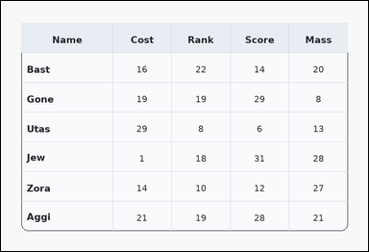 | 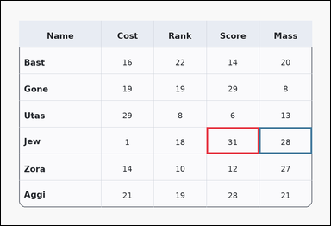 | task_tables_relation_extremum_transfer_value | argmax_transfer | Work from the styled table shown in the image: a card-style table with one Name column, several numeric columns, a rounded outer frame, and a shaded header row. Read the table, identify the extremum row, and return the corresponding target-column value. Look for the maximum Score row and report its Mass value. Return a valid JSON object with keys "evidence" and "answer" in that order. Evidence: set "evidence" to an array containing exactly two bounding boxes [x1, y1, x2, y2] with the decisive source extremum cell first and the transferred target value cell second. Answer: set "answer" to the exact integer value from the transferred target cell. Example JSON: {"evidence":[[260,180,372,236],[374,180,486,236]],"answer":19} | Work from the styled table shown in the image: a card-style table with one Name column, several numeric columns, a rounded outer frame, and a shaded header row. Read the table, identify the extremum row, and return the corresponding target-column value. Look for the maximum Score row and report its Mass value. Return a valid JSON object with key "answer". Answer requirement: set "answer" to the exact integer value from the transferred target cell. Example JSON: {"answer":19} | {"evidence": [[587.04, 360.0, 737.52, 436.0], [737.52, 360.0, 888.0, 436.0]], "answer": 28} | [[587.04, 360.0, 737.52, 436.0], [737.52, 360.0, 888.0, 436.0]] | integer | bbox_set | 351933200659377 | task_tables_relation_extremum_transfer_value/images/argmax_transfer/0023.png | task_tables_relation_extremum_transfer_value/data/argmax_transfer/0023.json
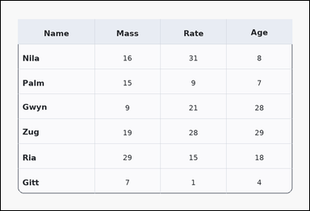 | 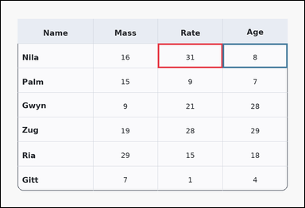 | task_tables_relation_extremum_transfer_value | argmax_transfer | The image shows a card-style table with one Name column, several numeric columns, a rounded outer frame, and a shaded header row. Read the table, identify the extremum row, and return the corresponding target-column value. Look for the maximum Rate row and report its Age value. Return a valid JSON object with keys "evidence" and "answer" in that order. Evidence field: set "evidence" to an array containing exactly two bounding boxes [x1, y1, x2, y2] with the decisive source extremum cell first and the transferred target value cell second. Answer field: set "answer" to the exact integer value from the transferred target cell. Example JSON: {"evidence":[[260,180,372,236],[374,180,486,236]],"answer":19} | The image shows a card-style table with one Name column, several numeric columns, a rounded outer frame, and a shaded header row. Read the table, identify the extremum row, and return the corresponding target-column value. Look for the maximum Rate row and report its Age value. Return a valid JSON object with key "answer". Answer: set "answer" to the exact integer value from the transferred target cell. Example JSON: {"answer":19} | {"evidence": [[486.72, 132.0, 687.36, 208.0], [687.36, 132.0, 888.0, 208.0]], "answer": 8} | [[486.72, 132.0, 687.36, 208.0], [687.36, 132.0, 888.0, 208.0]] | integer | bbox_set | 460940523106368 | task_tables_relation_extremum_transfer_value/images/argmax_transfer/0000.png | task_tables_relation_extremum_transfer_value/data/argmax_transfer/0000.json
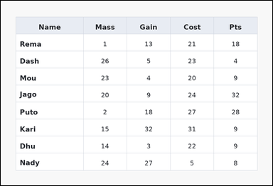 | 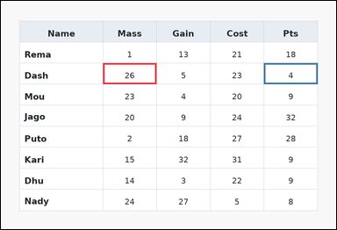 | task_tables_relation_extremum_transfer_value | argmax_transfer | You are given a table: a spreadsheet-style table with one Name column, several numeric columns, full grid lines, and a shaded header row. Find the row that wins the requested source-column extremum, then read the requested target-column value from that same row. Find the row with the maximum Mass entry. What is its Pts value? Return a valid JSON object with keys "evidence" and "answer" in that order. Evidence field: set "evidence" to an array containing exactly two bounding boxes [x1, y1, x2, y2] with the decisive source extremum cell first and the transferred target value cell second. Answer field: set "answer" to the exact integer value from the transferred target cell. Example JSON: {"evidence":[[260,180,372,236],[374,180,486,236]],"answer":19} | You are given a table: a spreadsheet-style table with one Name column, several numeric columns, full grid lines, and a shaded header row. Find the row that wins the requested source-column extremum, then read the requested target-column value from that same row. Find the row with the maximum Mass entry. What is its Pts value? Return a valid JSON object with key "answer". Answer: set "answer" to the exact integer value from the transferred target cell. Example JSON: {"answer":19} | {"evidence": [[286.08, 174.222, 436.56, 233.333], [737.52, 174.222, 888.0, 233.333]], "answer": 4} | [[286.08, 174.222, 436.56, 233.333], [737.52, 174.222, 888.0, 233.333]] | integer | bbox_set | 1.8894183553E+15 | task_tables_relation_extremum_transfer_value/images/argmax_transfer/0007.png | task_tables_relation_extremum_transfer_value/data/argmax_transfer/0007.json
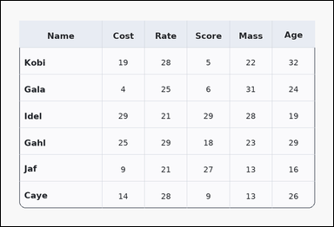 | 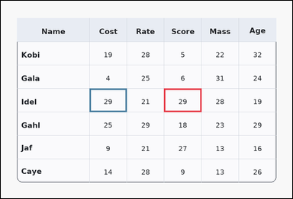 | task_tables_relation_extremum_transfer_value | argmax_transfer | Look at the table in the image. It shows a card-style table with one Name column, several numeric columns, a rounded outer frame, and a shaded header row. Answer this question. Determine the Cost value from the row whose Score value is largest. Return a valid JSON object with keys "evidence" and "answer" in that order. Evidence requirement: set "evidence" to an array containing exactly two bounding boxes [x1, y1, x2, y2] with the decisive source extremum cell first and the transferred target value cell second. Answer format: set "answer" to the exact integer value from the transferred target cell. Example JSON: {"evidence":[[260,180,372,236],[374,180,486,236]],"answer":19} | Look at the table in the image. It shows a card-style table with one Name column, several numeric columns, a rounded outer frame, and a shaded header row. Answer this question. Determine the Cost value from the row whose Score value is largest. Return a valid JSON object with key "answer". Answer requirement: set "answer" to the exact integer value from the transferred target cell. Example JSON: {"answer":19} | {"evidence": [[526.848, 284.0, 647.232, 360.0], [286.08, 284.0, 406.464, 360.0]], "answer": 29} | [[526.848, 284.0, 647.232, 360.0], [286.08, 284.0, 406.464, 360.0]] | integer | bbox_set | 2.4115376623E+15 | task_tables_relation_extremum_transfer_value/images/argmax_transfer/0004.png | task_tables_relation_extremum_transfer_value/data/argmax_transfer/0004.json
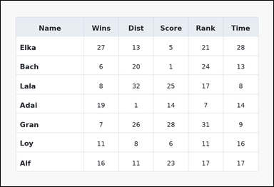 | 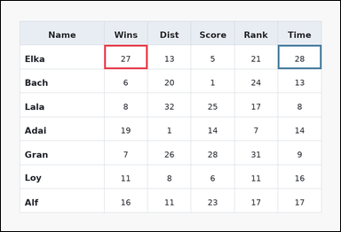 | task_tables_relation_extremum_transfer_value | argmax_transfer | You are given a table: a spreadsheet-style table with one Name column, several numeric columns, full grid lines, and a shaded header row. Read the table, identify the extremum row, and return the corresponding target-column value. Find the row with the maximum Wins entry. What is its Time value? Return a valid JSON object with keys "evidence" and "answer" in that order. Evidence rule: set "evidence" to an array containing exactly two bounding boxes [x1, y1, x2, y2] with the decisive source extremum cell first and the transferred target value cell second. Answer rule: set "answer" to the exact integer value from the transferred target cell. Example JSON: {"evidence":[[260,180,372,236],[374,180,486,236]],"answer":19} | You are given a table: a spreadsheet-style table with one Name column, several numeric columns, full grid lines, and a shaded header row. Read the table, identify the extremum row, and return the corresponding target-column value. Find the row with the maximum Wins entry. What is its Time value? Return a valid JSON object with key "answer". Answer requirement: set "answer" to the exact integer value from the transferred target cell. Example JSON: {"answer":19} | {"evidence": [[286.08, 122.5, 406.464, 189.0], [767.616, 122.5, 888.0, 189.0]], "answer": 28} | [[286.08, 122.5, 406.464, 189.0], [767.616, 122.5, 888.0, 189.0]] | integer | bbox_set | 3.1013386793E+15 | task_tables_relation_extremum_transfer_value/images/argmax_transfer/0021.png | task_tables_relation_extremum_transfer_value/data/argmax_transfer/0021.json
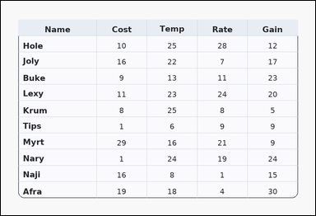 | 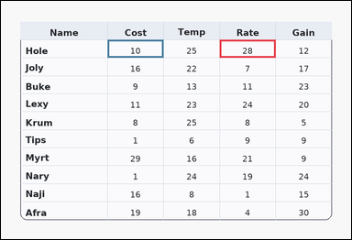 | task_tables_relation_extremum_transfer_value | argmax_transfer | You are given a table: a card-style table with one Name column, several numeric columns, a rounded outer frame, and a shaded header row. Use the source column to identify the winning row and transfer to the named target column. Determine the Cost value from the row whose Rate value is largest. Return a valid JSON object with keys "evidence" and "answer" in that order. Evidence requirement: set "evidence" to an array containing exactly two bounding boxes [x1, y1, x2, y2] with the decisive source extremum cell first and the transferred target value cell second. Answer format: set "answer" to the exact integer value from the transferred target cell. Example JSON: {"evidence":[[260,180,372,236],[374,180,486,236]],"answer":19} | You are given a table: a card-style table with one Name column, several numeric columns, a rounded outer frame, and a shaded header row. Use the source column to identify the winning row and transfer to the named target column. Determine the Cost value from the row whose Rate value is largest. Return a valid JSON object with key "answer". Answer: set "answer" to the exact integer value from the transferred target cell. Example JSON: {"answer":19} | {"evidence": [[587.04, 104.364, 737.52, 152.727], [286.08, 104.364, 436.56, 152.727]], "answer": 10} | [[587.04, 104.364, 737.52, 152.727], [286.08, 104.364, 436.56, 152.727]] | integer | bbox_set | 3.2338600324E+15 | task_tables_relation_extremum_transfer_value/images/argmax_transfer/0011.png | task_tables_relation_extremum_transfer_value/data/argmax_transfer/0011.json
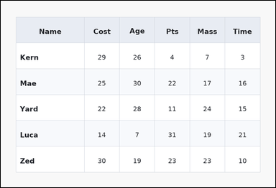 | 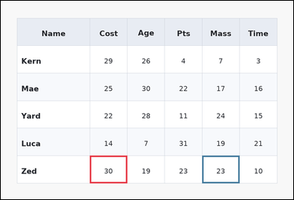 | task_tables_relation_extremum_transfer_value | argmax_transfer | Look at the table in the image. It shows a zebra-striped table with one Name column, several numeric columns, alternating row shading, and a shaded header row. Determine the source-column extremum row and report its value in the requested target column. Determine the Mass value from the row whose Cost value is largest. Return a valid JSON object with keys "evidence" and "answer" in that order. Evidence: set "evidence" to an array containing exactly two bounding boxes [x1, y1, x2, y2] with the decisive source extremum cell first and the transferred target value cell second. Answer: set "answer" to the exact integer value from the transferred target cell. Example JSON: {"evidence":[[260,180,372,236],[374,180,486,236]],"answer":19} | Look at the table in the image. It shows a zebra-striped table with one Name column, several numeric columns, alternating row shading, and a shaded header row. Determine the source-column extremum row and report its value in the requested target column. Determine the Mass value from the row whose Cost value is largest. Return a valid JSON object with key "answer". Answer format: set "answer" to the exact integer value from the transferred target cell. Example JSON: {"answer":19} | {"evidence": [[286.08, 499.333, 406.464, 588.0], [647.232, 499.333, 767.616, 588.0]], "answer": 23} | [[286.08, 499.333, 406.464, 588.0], [647.232, 499.333, 767.616, 588.0]] | integer | bbox_set | 3.736368555E+15 | task_tables_relation_extremum_transfer_value/images/argmax_transfer/0015.png | task_tables_relation_extremum_transfer_value/data/argmax_transfer/0015.json
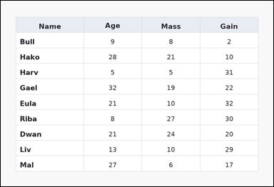 | 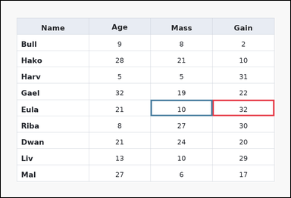 | task_tables_relation_extremum_transfer_value | argmax_transfer | Use the table in the image. It shows a spreadsheet-style table with one Name column, several numeric columns, full grid lines, and a shaded header row. Find the row that wins the requested source-column extremum, then read the requested target-column value from that same row. Determine the Mass value from the row whose Gain value is largest. Return a valid JSON object with keys "evidence" and "answer" in that order. Evidence requirement: set "evidence" to an array containing exactly two bounding boxes [x1, y1, x2, y2] with the decisive source extremum cell first and the transferred target value cell second. Answer format: set "answer" to the exact integer value from the transferred target cell. Example JSON: {"evidence":[[260,180,372,236],[374,180,486,236]],"answer":19} | Use the table in the image. It shows a spreadsheet-style table with one Name column, several numeric columns, full grid lines, and a shaded header row. Find the row that wins the requested source-column extremum, then read the requested target-column value from that same row. Determine the Mass value from the row whose Gain value is largest. Return a valid JSON object with key "answer". Answer format: set "answer" to the exact integer value from the transferred target cell. Example JSON: {"answer":19} | {"evidence": [[687.36, 322.0, 888.0, 375.2], [486.72, 322.0, 687.36, 375.2]], "answer": 10} | [[687.36, 322.0, 888.0, 375.2], [486.72, 322.0, 687.36, 375.2]] | integer | bbox_set | 3.7908696087E+15 | task_tables_relation_extremum_transfer_value/images/argmax_transfer/0022.png | task_tables_relation_extremum_transfer_value/data/argmax_transfer/0022.json
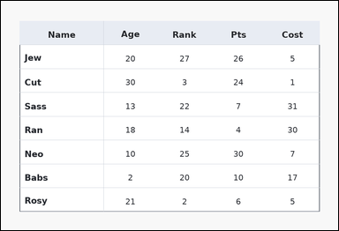 | 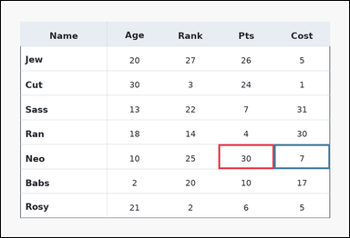 | task_tables_relation_extremum_transfer_value | argmax_transfer | Work from the styled table shown in the image: a ledger-style table with one Name column, several numeric columns, strong horizontal rules, and minimal vertical separators. Use the source column to identify the winning row and transfer to the named target column. Determine the Cost value from the row whose Pts value is largest. Return a valid JSON object with keys "evidence" and "answer" in that order. Evidence format: set "evidence" to an array containing exactly two bounding boxes [x1, y1, x2, y2] with the decisive source extremum cell first and the transferred target value cell second. Answer requirement: set "answer" to the exact integer value from the transferred target cell. Example JSON: {"evidence":[[260,180,372,236],[374,180,486,236]],"answer":19} | Work from the styled table shown in the image: a ledger-style table with one Name column, several numeric columns, strong horizontal rules, and minimal vertical separators. Use the source column to identify the winning row and transfer to the named target column. Determine the Cost value from the row whose Pts value is largest. Return a valid JSON object with key "answer". Answer format: set "answer" to the exact integer value from the transferred target cell. Example JSON: {"answer":19} | {"evidence": [[587.04, 388.5, 737.52, 455.0], [737.52, 388.5, 888.0, 455.0]], "answer": 7} | [[587.04, 388.5, 737.52, 455.0], [737.52, 388.5, 888.0, 455.0]] | integer | bbox_set | 3.8833890477E+15 | task_tables_relation_extremum_transfer_value/images/argmax_transfer/0013.png | task_tables_relation_extremum_transfer_value/data/argmax_transfer/0013.json
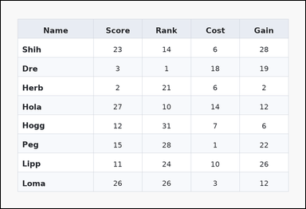 | 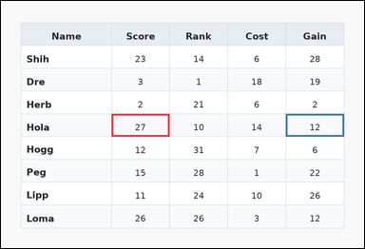 | task_tables_relation_extremum_transfer_value | argmax_transfer | Work from the styled table shown in the image: a zebra-striped table with one Name column, several numeric columns, alternating row shading, and a shaded header row. Use the source column to identify the winning row and transfer to the named target column. What is the Gain value for the row with the highest value in the Score column? Return a valid JSON object with keys "evidence" and "answer" in that order. Evidence format: set "evidence" to an array containing exactly two bounding boxes [x1, y1, x2, y2] with the decisive source extremum cell first and the transferred target value cell second. Answer requirement: set "answer" to the exact integer value from the transferred target cell. Example JSON: {"evidence":[[260,180,372,236],[374,180,486,236]],"answer":19} | Work from the styled table shown in the image: a zebra-striped table with one Name column, several numeric columns, alternating row shading, and a shaded header row. Use the source column to identify the winning row and transfer to the named target column. What is the Gain value for the row with the highest value in the Score column? Return a valid JSON object with key "answer". Answer rule: set "answer" to the exact integer value from the transferred target cell. Example JSON: {"answer":19} | {"evidence": [[286.08, 292.444, 436.56, 351.556], [737.52, 292.444, 888.0, 351.556]], "answer": 12} | [[286.08, 292.444, 436.56, 351.556], [737.52, 292.444, 888.0, 351.556]] | integer | bbox_set | 4.0306341988E+15 | task_tables_relation_extremum_transfer_value/images/argmax_transfer/0016.png | task_tables_relation_extremum_transfer_value/data/argmax_transfer/0016.json
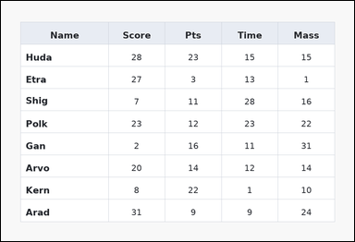 | 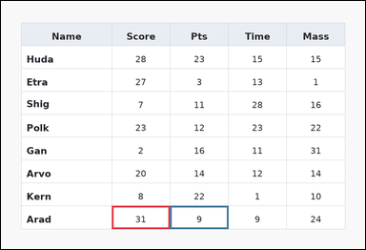 | task_tables_relation_extremum_transfer_value | argmax_transfer | You are given a table: a spreadsheet-style table with one Name column, several numeric columns, full grid lines, and a shaded header row. Find the row that wins the requested source-column extremum, then read the requested target-column value from that same row. Look for the maximum Score row and report its Pts value. Return a valid JSON object with keys "evidence" and "answer" in that order. Evidence field: set "evidence" to an array containing exactly two bounding boxes [x1, y1, x2, y2] with the decisive source extremum cell first and the transferred target value cell second. Answer field: set "answer" to the exact integer value from the transferred target cell. Example JSON: {"evidence":[[260,180,372,236],[374,180,486,236]],"answer":19} | You are given a table: a spreadsheet-style table with one Name column, several numeric columns, full grid lines, and a shaded header row. Find the row that wins the requested source-column extremum, then read the requested target-column value from that same row. Look for the maximum Score row and report its Pts value. Return a valid JSON object with key "answer". Answer format: set "answer" to the exact integer value from the transferred target cell. Example JSON: {"answer":19} | {"evidence": [[286.08, 528.889, 436.56, 588.0], [436.56, 528.889, 587.04, 588.0]], "answer": 9} | [[286.08, 528.889, 436.56, 588.0], [436.56, 528.889, 587.04, 588.0]] | integer | bbox_set | 4.2850819312E+15 | task_tables_relation_extremum_transfer_value/images/argmax_transfer/0005.png | task_tables_relation_extremum_transfer_value/data/argmax_transfer/0005.json
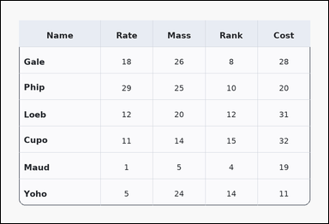 | 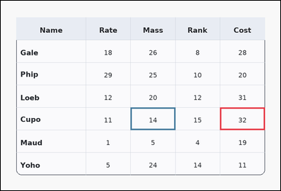 | task_tables_relation_extremum_transfer_value | argmax_transfer | The image shows a card-style table with one Name column, several numeric columns, a rounded outer frame, and a shaded header row. Find the row that wins the requested source-column extremum, then read the requested target-column value from that same row. What is the Mass value for the row with the highest value in the Cost column? Return a valid JSON object with keys "evidence" and "answer" in that order. Evidence format: set "evidence" to an array containing exactly two bounding boxes [x1, y1, x2, y2] with the decisive source extremum cell first and the transferred target value cell second. Answer requirement: set "answer" to the exact integer value from the transferred target cell. Example JSON: {"evidence":[[260,180,372,236],[374,180,486,236]],"answer":19} | The image shows a card-style table with one Name column, several numeric columns, a rounded outer frame, and a shaded header row. Find the row that wins the requested source-column extremum, then read the requested target-column value from that same row. What is the Mass value for the row with the highest value in the Cost column? Return a valid JSON object with key "answer". Answer requirement: set "answer" to the exact integer value from the transferred target cell. Example JSON: {"answer":19} | {"evidence": [[737.52, 360.0, 888.0, 436.0], [436.56, 360.0, 587.04, 436.0]], "answer": 14} | [[737.52, 360.0, 888.0, 436.0], [436.56, 360.0, 587.04, 436.0]] | integer | bbox_set | 5.4709822532E+15 | task_tables_relation_extremum_transfer_value/images/argmax_transfer/0017.png | task_tables_relation_extremum_transfer_value/data/argmax_transfer/0017.json
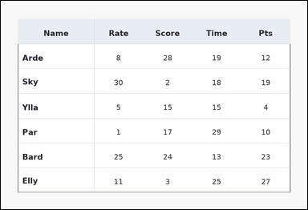 | 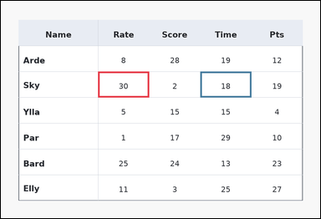 | task_tables_relation_extremum_transfer_value | argmax_transfer | You are given a table: a ledger-style table with one Name column, several numeric columns, strong horizontal rules, and minimal vertical separators. Determine the source-column extremum row and report its value in the requested target column. Determine the Time value from the row whose Rate value is largest. Return a valid JSON object with keys "evidence" and "answer" in that order. Evidence requirement: set "evidence" to an array containing exactly two bounding boxes [x1, y1, x2, y2] with the decisive source extremum cell first and the transferred target value cell second. Answer format: set "answer" to the exact integer value from the transferred target cell. Example JSON: {"evidence":[[260,180,372,236],[374,180,486,236]],"answer":19} | You are given a table: a ledger-style table with one Name column, several numeric columns, strong horizontal rules, and minimal vertical separators. Determine the source-column extremum row and report its value in the requested target column. Determine the Time value from the row whose Rate value is largest. Return a valid JSON object with key "answer". Answer format: set "answer" to the exact integer value from the transferred target cell. Example JSON: {"answer":19} | {"evidence": [[286.08, 208.0, 436.56, 284.0], [587.04, 208.0, 737.52, 284.0]], "answer": 18} | [[286.08, 208.0, 436.56, 284.0], [587.04, 208.0, 737.52, 284.0]] | integer | bbox_set | 5.5214084767E+15 | task_tables_relation_extremum_transfer_value/images/argmax_transfer/0024.png | task_tables_relation_extremum_transfer_value/data/argmax_transfer/0024.json
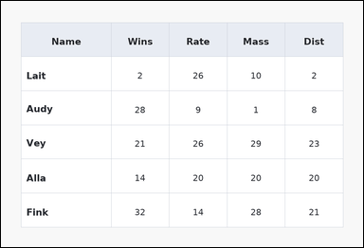 | 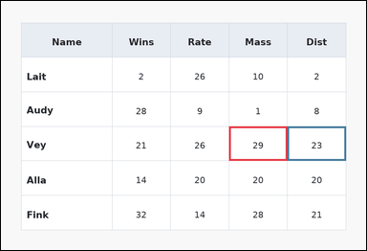 | task_tables_relation_extremum_transfer_value | argmax_transfer | Use the table in the image. It shows a spreadsheet-style table with one Name column, several numeric columns, full grid lines, and a shaded header row. Find the row that wins the requested source-column extremum, then read the requested target-column value from that same row. Determine the Dist value from the row whose Mass value is largest. Return a valid JSON object with keys "evidence" and "answer" in that order. Evidence requirement: set "evidence" to an array containing exactly two bounding boxes [x1, y1, x2, y2] with the decisive source extremum cell first and the transferred target value cell second. Answer format: set "answer" to the exact integer value from the transferred target cell. Example JSON: {"evidence":[[260,180,372,236],[374,180,486,236]],"answer":19} | Use the table in the image. It shows a spreadsheet-style table with one Name column, several numeric columns, full grid lines, and a shaded header row. Find the row that wins the requested source-column extremum, then read the requested target-column value from that same row. Determine the Dist value from the row whose Mass value is largest. Return a valid JSON object with key "answer". Answer rule: set "answer" to the exact integer value from the transferred target cell. Example JSON: {"answer":19} | {"evidence": [[587.04, 322.0, 737.52, 410.667], [737.52, 322.0, 888.0, 410.667]], "answer": 23} | [[587.04, 322.0, 737.52, 410.667], [737.52, 322.0, 888.0, 410.667]] | integer | bbox_set | 5.6373120054E+15 | task_tables_relation_extremum_transfer_value/images/argmax_transfer/0010.png | task_tables_relation_extremum_transfer_value/data/argmax_transfer/0010.json
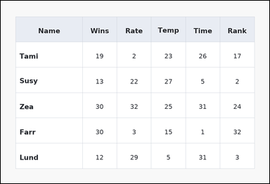 | 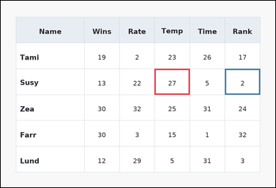 | task_tables_relation_extremum_transfer_value | argmax_transfer | Look at the table in the image. It shows a spreadsheet-style table with one Name column, several numeric columns, full grid lines, and a shaded header row. Determine the source-column extremum row and report its value in the requested target column. Look for the maximum Temp row and report its Rank value. Return a valid JSON object with keys "evidence" and "answer" in that order. Evidence: set "evidence" to an array containing exactly two bounding boxes [x1, y1, x2, y2] with the decisive source extremum cell first and the transferred target value cell second. Answer: set "answer" to the exact integer value from the transferred target cell. Example JSON: {"evidence":[[260,180,372,236],[374,180,486,236]],"answer":19} | Look at the table in the image. It shows a spreadsheet-style table with one Name column, several numeric columns, full grid lines, and a shaded header row. Determine the source-column extremum row and report its value in the requested target column. Look for the maximum Temp row and report its Rank value. Return a valid JSON object with key "answer". Answer rule: set "answer" to the exact integer value from the transferred target cell. Example JSON: {"answer":19} | {"evidence": [[526.848, 233.333, 647.232, 322.0], [767.616, 233.333, 888.0, 322.0]], "answer": 2} | [[526.848, 233.333, 647.232, 322.0], [767.616, 233.333, 888.0, 322.0]] | integer | bbox_set | 5.7274728912E+15 | task_tables_relation_extremum_transfer_value/images/argmax_transfer/0001.png | task_tables_relation_extremum_transfer_value/data/argmax_transfer/0001.json
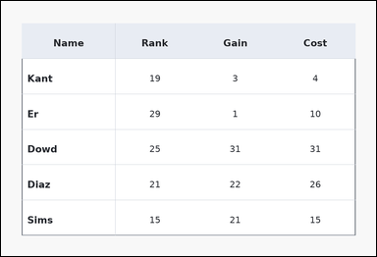 | 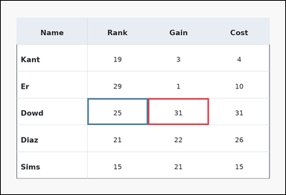 | task_tables_relation_extremum_transfer_value | argmax_transfer | The image shows a ledger-style table with one Name column, several numeric columns, strong horizontal rules, and minimal vertical separators. Find the row that wins the requested source-column extremum, then read the requested target-column value from that same row. Look for the maximum Gain row and report its Rank value. Return a valid JSON object with keys "evidence" and "answer" in that order. Evidence format: set "evidence" to an array containing exactly two bounding boxes [x1, y1, x2, y2] with the decisive source extremum cell first and the transferred target value cell second. Answer requirement: set "answer" to the exact integer value from the transferred target cell. Example JSON: {"evidence":[[260,180,372,236],[374,180,486,236]],"answer":19} | The image shows a ledger-style table with one Name column, several numeric columns, strong horizontal rules, and minimal vertical separators. Find the row that wins the requested source-column extremum, then read the requested target-column value from that same row. Look for the maximum Gain row and report its Rank value. Return a valid JSON object with key "answer". Answer requirement: set "answer" to the exact integer value from the transferred target cell. Example JSON: {"answer":19} | {"evidence": [[486.72, 322.0, 687.36, 410.667], [286.08, 322.0, 486.72, 410.667]], "answer": 25} | [[486.72, 322.0, 687.36, 410.667], [286.08, 322.0, 486.72, 410.667]] | integer | bbox_set | 5.8869552937E+15 | task_tables_relation_extremum_transfer_value/images/argmax_transfer/0002.png | task_tables_relation_extremum_transfer_value/data/argmax_transfer/0002.json
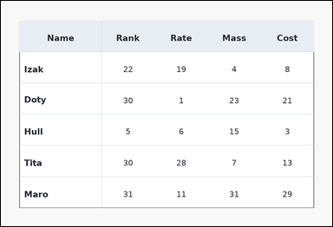 | 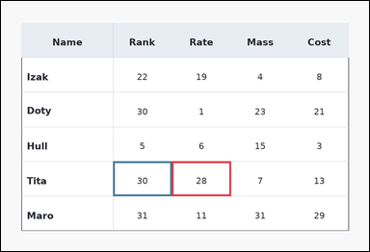 | task_tables_relation_extremum_transfer_value | argmax_transfer | You are given a table: a ledger-style table with one Name column, several numeric columns, strong horizontal rules, and minimal vertical separators. Read the table, identify the extremum row, and return the corresponding target-column value. Which value appears in Rank for the row that has the highest Rate value? Return a valid JSON object with keys "evidence" and "answer" in that order. Evidence: set "evidence" to an array containing exactly two bounding boxes [x1, y1, x2, y2] with the decisive source extremum cell first and the transferred target value cell second. Answer: set "answer" to the exact integer value from the transferred target cell. Example JSON: {"evidence":[[260,180,372,236],[374,180,486,236]],"answer":19} | You are given a table: a ledger-style table with one Name column, several numeric columns, strong horizontal rules, and minimal vertical separators. Read the table, identify the extremum row, and return the corresponding target-column value. Which value appears in Rank for the row that has the highest Rate value? Return a valid JSON object with key "answer". Answer rule: set "answer" to the exact integer value from the transferred target cell. Example JSON: {"answer":19} | {"evidence": [[436.56, 410.667, 587.04, 499.333], [286.08, 410.667, 436.56, 499.333]], "answer": 30} | [[436.56, 410.667, 587.04, 499.333], [286.08, 410.667, 436.56, 499.333]] | integer | bbox_set | 5.9569307658E+15 | task_tables_relation_extremum_transfer_value/images/argmax_transfer/0008.png | task_tables_relation_extremum_transfer_value/data/argmax_transfer/0008.json
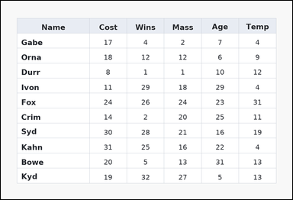 | 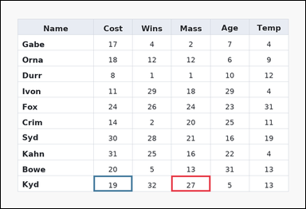 | task_tables_relation_extremum_transfer_value | argmax_transfer | Use the table in the image. It shows a spreadsheet-style table with one Name column, several numeric columns, full grid lines, and a shaded header row. Find the row that wins the requested source-column extremum, then read the requested target-column value from that same row. Determine the Cost value from the row whose Mass value is largest. Return a valid JSON object with keys "evidence" and "answer" in that order. Evidence rule: set "evidence" to an array containing exactly two bounding boxes [x1, y1, x2, y2] with the decisive source extremum cell first and the transferred target value cell second. Answer rule: set "answer" to the exact integer value from the transferred target cell. Example JSON: {"evidence":[[260,180,372,236],[374,180,486,236]],"answer":19} | Use the table in the image. It shows a spreadsheet-style table with one Name column, several numeric columns, full grid lines, and a shaded header row. Find the row that wins the requested source-column extremum, then read the requested target-column value from that same row. Determine the Cost value from the row whose Mass value is largest. Return a valid JSON object with key "answer". Answer field: set "answer" to the exact integer value from the transferred target cell. Example JSON: {"answer":19} | {"evidence": [[526.848, 539.636, 647.232, 588.0], [286.08, 539.636, 406.464, 588.0]], "answer": 19} | [[526.848, 539.636, 647.232, 588.0], [286.08, 539.636, 406.464, 588.0]] | integer | bbox_set | 6.0812575945E+15 | task_tables_relation_extremum_transfer_value/images/argmax_transfer/0003.png | task_tables_relation_extremum_transfer_value/data/argmax_transfer/0003.json
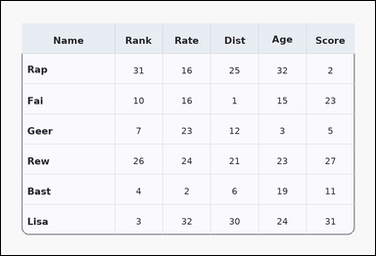 | 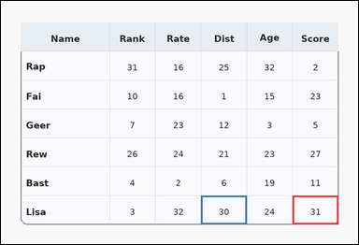 | task_tables_relation_extremum_transfer_value | argmax_transfer | Look at the table in the image. It shows a card-style table with one Name column, several numeric columns, a rounded outer frame, and a shaded header row. Use the source column to identify the winning row and transfer to the named target column. Which value appears in Dist for the row that has the highest Score value? Return a valid JSON object with keys "evidence" and "answer" in that order. Evidence field: set "evidence" to an array containing exactly two bounding boxes [x1, y1, x2, y2] with the decisive source extremum cell first and the transferred target value cell second. Answer field: set "answer" to the exact integer value from the transferred target cell. Example JSON: {"evidence":[[260,180,372,236],[374,180,486,236]],"answer":19} | Look at the table in the image. It shows a card-style table with one Name column, several numeric columns, a rounded outer frame, and a shaded header row. Use the source column to identify the winning row and transfer to the named target column. Which value appears in Dist for the row that has the highest Score value? Return a valid JSON object with key "answer". Answer rule: set "answer" to the exact integer value from the transferred target cell. Example JSON: {"answer":19} | {"evidence": [[767.616, 512.0, 888.0, 588.0], [526.848, 512.0, 647.232, 588.0]], "answer": 30} | [[767.616, 512.0, 888.0, 588.0], [526.848, 512.0, 647.232, 588.0]] | integer | bbox_set | 6.4134455044E+15 | task_tables_relation_extremum_transfer_value/images/argmax_transfer/0014.png | task_tables_relation_extremum_transfer_value/data/argmax_transfer/0014.json
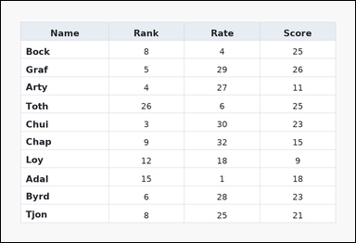 | 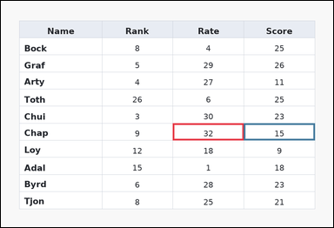 | task_tables_relation_extremum_transfer_value | argmax_transfer | Work from the styled table shown in the image: a spreadsheet-style table with one Name column, several numeric columns, full grid lines, and a shaded header row. Answer this question. Find the row with the maximum Rate entry. What is its Score value? Return a valid JSON object with keys "evidence" and "answer" in that order. Evidence requirement: set "evidence" to an array containing exactly two bounding boxes [x1, y1, x2, y2] with the decisive source extremum cell first and the transferred target value cell second. Answer format: set "answer" to the exact integer value from the transferred target cell. Example JSON: {"evidence":[[260,180,372,236],[374,180,486,236]],"answer":19} | Work from the styled table shown in the image: a spreadsheet-style table with one Name column, several numeric columns, full grid lines, and a shaded header row. Answer this question. Find the row with the maximum Rate entry. What is its Score value? Return a valid JSON object with key "answer". Answer requirement: set "answer" to the exact integer value from the transferred target cell. Example JSON: {"answer":19} | {"evidence": [[486.72, 346.182, 687.36, 394.545], [687.36, 346.182, 888.0, 394.545]], "answer": 15} | [[486.72, 346.182, 687.36, 394.545], [687.36, 346.182, 888.0, 394.545]] | integer | bbox_set | 6.4308746123E+15 | task_tables_relation_extremum_transfer_value/images/argmax_transfer/0006.png | task_tables_relation_extremum_transfer_value/data/argmax_transfer/0006.json
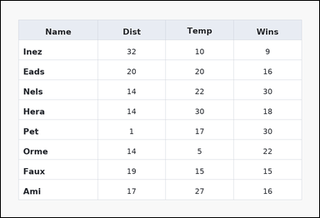 | 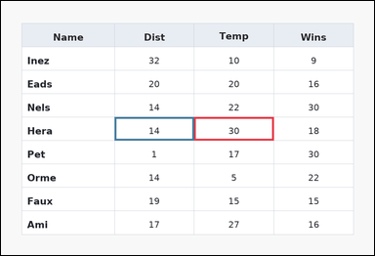 | task_tables_relation_extremum_transfer_value | argmax_transfer | You are given a table: a spreadsheet-style table with one Name column, several numeric columns, full grid lines, and a shaded header row. Find the row that wins the requested source-column extremum, then read the requested target-column value from that same row. Determine the Dist value from the row whose Temp value is largest. Return a valid JSON object with keys "evidence" and "answer" in that order. Evidence format: set "evidence" to an array containing exactly two bounding boxes [x1, y1, x2, y2] with the decisive source extremum cell first and the transferred target value cell second. Answer requirement: set "answer" to the exact integer value from the transferred target cell. Example JSON: {"evidence":[[260,180,372,236],[374,180,486,236]],"answer":19} | You are given a table: a spreadsheet-style table with one Name column, several numeric columns, full grid lines, and a shaded header row. Find the row that wins the requested source-column extremum, then read the requested target-column value from that same row. Determine the Dist value from the row whose Temp value is largest. Return a valid JSON object with key "answer". Answer field: set "answer" to the exact integer value from the transferred target cell. Example JSON: {"answer":19} | {"evidence": [[486.72, 292.444, 687.36, 351.556], [286.08, 292.444, 486.72, 351.556]], "answer": 14} | [[486.72, 292.444, 687.36, 351.556], [286.08, 292.444, 486.72, 351.556]] | integer | bbox_set | 6.7963148057E+15 | task_tables_relation_extremum_transfer_value/images/argmax_transfer/0018.png | task_tables_relation_extremum_transfer_value/data/argmax_transfer/0018.json
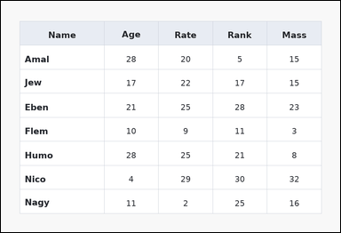 | 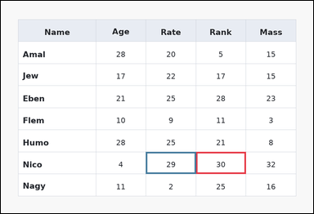 | task_tables_relation_extremum_transfer_value | argmax_transfer | Look at the table in the image. It shows a spreadsheet-style table with one Name column, several numeric columns, full grid lines, and a shaded header row. Find the row that wins the requested source-column extremum, then read the requested target-column value from that same row. Which value appears in Rate for the row that has the highest Rank value? Return a valid JSON object with keys "evidence" and "answer" in that order. Evidence field: set "evidence" to an array containing exactly two bounding boxes [x1, y1, x2, y2] with the decisive source extremum cell first and the transferred target value cell second. Answer field: set "answer" to the exact integer value from the transferred target cell. Example JSON: {"evidence":[[260,180,372,236],[374,180,486,236]],"answer":19} | Look at the table in the image. It shows a spreadsheet-style table with one Name column, several numeric columns, full grid lines, and a shaded header row. Find the row that wins the requested source-column extremum, then read the requested target-column value from that same row. Which value appears in Rate for the row that has the highest Rank value? Return a valid JSON object with key "answer". Answer requirement: set "answer" to the exact integer value from the transferred target cell. Example JSON: {"answer":19} | {"evidence": [[587.04, 455.0, 737.52, 521.5], [436.56, 455.0, 587.04, 521.5]], "answer": 29} | [[587.04, 455.0, 737.52, 521.5], [436.56, 455.0, 587.04, 521.5]] | integer | bbox_set | 7.4458823853E+15 | task_tables_relation_extremum_transfer_value/images/argmax_transfer/0012.png | task_tables_relation_extremum_transfer_value/data/argmax_transfer/0012.json
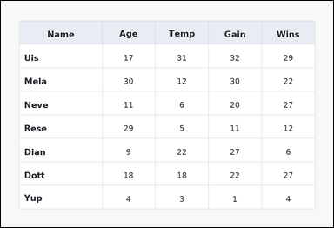 | 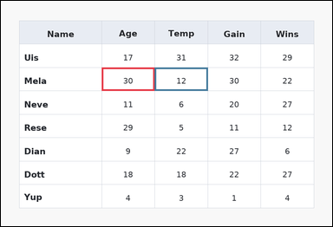 | task_tables_relation_extremum_transfer_value | argmax_transfer | Use the table in the image. It shows a spreadsheet-style table with one Name column, several numeric columns, full grid lines, and a shaded header row. Use the source column to identify the winning row and transfer to the named target column. What is the Temp value for the row with the highest value in the Age column? Return a valid JSON object with keys "evidence" and "answer" in that order. Evidence: set "evidence" to an array containing exactly two bounding boxes [x1, y1, x2, y2] with the decisive source extremum cell first and the transferred target value cell second. Answer: set "answer" to the exact integer value from the transferred target cell. Example JSON: {"evidence":[[260,180,372,236],[374,180,486,236]],"answer":19} | Use the table in the image. It shows a spreadsheet-style table with one Name column, several numeric columns, full grid lines, and a shaded header row. Use the source column to identify the winning row and transfer to the named target column. What is the Temp value for the row with the highest value in the Age column? Return a valid JSON object with key "answer". Answer rule: set "answer" to the exact integer value from the transferred target cell. Example JSON: {"answer":19} | {"evidence": [[286.08, 189.0, 436.56, 255.5], [436.56, 189.0, 587.04, 255.5]], "answer": 12} | [[286.08, 189.0, 436.56, 255.5], [436.56, 189.0, 587.04, 255.5]] | integer | bbox_set | 8.0739509276E+15 | task_tables_relation_extremum_transfer_value/images/argmax_transfer/0020.png | task_tables_relation_extremum_transfer_value/data/argmax_transfer/0020.json
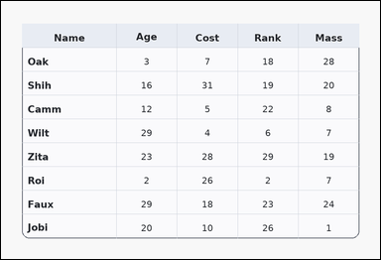 | 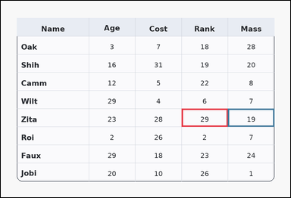 | task_tables_relation_extremum_transfer_value | argmax_transfer | The image shows a card-style table with one Name column, several numeric columns, a rounded outer frame, and a shaded header row. Use the source column to identify the winning row and transfer to the named target column. What is the Mass value for the row with the highest value in the Rank column? Return a valid JSON object with keys "evidence" and "answer" in that order. Evidence rule: set "evidence" to an array containing exactly two bounding boxes [x1, y1, x2, y2] with the decisive source extremum cell first and the transferred target value cell second. Answer rule: set "answer" to the exact integer value from the transferred target cell. Example JSON: {"evidence":[[260,180,372,236],[374,180,486,236]],"answer":19} | The image shows a card-style table with one Name column, several numeric columns, a rounded outer frame, and a shaded header row. Use the source column to identify the winning row and transfer to the named target column. What is the Mass value for the row with the highest value in the Rank column? Return a valid JSON object with key "answer". Answer: set "answer" to the exact integer value from the transferred target cell. Example JSON: {"answer":19} | {"evidence": [[587.04, 351.556, 737.52, 410.667], [737.52, 351.556, 888.0, 410.667]], "answer": 19} | [[587.04, 351.556, 737.52, 410.667], [737.52, 351.556, 888.0, 410.667]] | integer | bbox_set | 8.3516790442E+15 | task_tables_relation_extremum_transfer_value/images/argmax_transfer/0019.png | task_tables_relation_extremum_transfer_value/data/argmax_transfer/0019.json
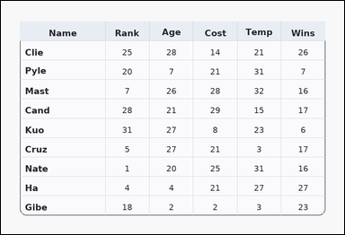 | 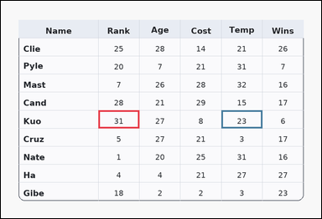 | task_tables_relation_extremum_transfer_value | argmax_transfer | Look at the table in the image. It shows a card-style table with one Name column, several numeric columns, a rounded outer frame, and a shaded header row. Use the source column to identify the winning row and transfer to the named target column. Determine the Temp value from the row whose Rank value is largest. Return a valid JSON object with keys "evidence" and "answer" in that order. Evidence requirement: set "evidence" to an array containing exactly two bounding boxes [x1, y1, x2, y2] with the decisive source extremum cell first and the transferred target value cell second. Answer format: set "answer" to the exact integer value from the transferred target cell. Example JSON: {"evidence":[[260,180,372,236],[374,180,486,236]],"answer":19} | Look at the table in the image. It shows a card-style table with one Name column, several numeric columns, a rounded outer frame, and a shaded header row. Use the source column to identify the winning row and transfer to the named target column. Determine the Temp value from the row whose Rank value is largest. Return a valid JSON object with key "answer". Answer rule: set "answer" to the exact integer value from the transferred target cell. Example JSON: {"answer":19} | {"evidence": [[286.08, 322.0, 406.464, 375.2], [647.232, 322.0, 767.616, 375.2]], "answer": 23} | [[286.08, 322.0, 406.464, 375.2], [647.232, 322.0, 767.616, 375.2]] | integer | bbox_set | 8.6234070901E+15 | task_tables_relation_extremum_transfer_value/images/argmax_transfer/0009.png | task_tables_relation_extremum_transfer_value/data/argmax_transfer/0009.json

argmin_transfer
image | evidence_image | task | task_variant | prompt | prompt_answer_only | answer | answer_evidence | answer_type | evidence_type | instance_seed | image_path | data_path
 |  | task_tables_relation_extremum_transfer_value | argmin_transfer | Look at the table in the image. It shows a ledger-style table with one Name column, several numeric columns, strong horizontal rules, and minimal vertical separators. Answer this question. Look for the minimum Time row and report its Rank value. Return a valid JSON object with keys "evidence" and "answer" in that order. Evidence: set "evidence" to an array containing exactly two bounding boxes [x1, y1, x2, y2] with the decisive source extremum cell first and the transferred target value cell second. Answer: set "answer" to the exact integer value from the transferred target cell. Example JSON: {"evidence":[[260,180,372,236],[374,180,486,236]],"answer":7} | Look at the table in the image. It shows a ledger-style table with one Name column, several numeric columns, strong horizontal rules, and minimal vertical separators. Answer this question. Look for the minimum Time row and report its Rank value. Return a valid JSON object with key "answer". Answer field: set "answer" to the exact integer value from the transferred target cell. Example JSON: {"answer":7} | {"evidence": [[486.72, 534.8, 687.36, 588.0], [687.36, 534.8, 888.0, 588.0]], "answer": 8} | [[486.72, 534.8, 687.36, 588.0], [687.36, 534.8, 888.0, 588.0]] | integer | bbox_set | 92400903670612 | task_tables_relation_extremum_transfer_value/images/argmin_transfer/0017.png | task_tables_relation_extremum_transfer_value/data/argmin_transfer/0017.json
 |  | task_tables_relation_extremum_transfer_value | argmin_transfer | Use the table in the image. It shows a spreadsheet-style table with one Name column, several numeric columns, full grid lines, and a shaded header row. Find the row that wins the requested source-column extremum, then read the requested target-column value from that same row. Determine the Cost value from the row whose Gain value is smallest. Return a valid JSON object with keys "evidence" and "answer" in that order. Evidence requirement: set "evidence" to an array containing exactly two bounding boxes [x1, y1, x2, y2] with the decisive source extremum cell first and the transferred target value cell second. Answer format: set "answer" to the exact integer value from the transferred target cell. Example JSON: {"evidence":[[260,180,372,236],[374,180,486,236]],"answer":7} | Use the table in the image. It shows a spreadsheet-style table with one Name column, several numeric columns, full grid lines, and a shaded header row. Find the row that wins the requested source-column extremum, then read the requested target-column value from that same row. Determine the Cost value from the row whose Gain value is smallest. Return a valid JSON object with key "answer". Answer rule: set "answer" to the exact integer value from the transferred target cell. Example JSON: {"answer":7} | {"evidence": [[526.848, 351.556, 647.232, 410.667], [286.08, 351.556, 406.464, 410.667]], "answer": 14} | [[526.848, 351.556, 647.232, 410.667], [286.08, 351.556, 406.464, 410.667]] | integer | bbox_set | 2.2082406766E+15 | task_tables_relation_extremum_transfer_value/images/argmin_transfer/0003.png | task_tables_relation_extremum_transfer_value/data/argmin_transfer/0003.json
 |  | task_tables_relation_extremum_transfer_value | argmin_transfer | Look at the table in the image. It shows a ledger-style table with one Name column, several numeric columns, strong horizontal rules, and minimal vertical separators. Read the table, identify the extremum row, and return the corresponding target-column value. Determine the Pts value from the row whose Age value is smallest. Return a valid JSON object with keys "evidence" and "answer" in that order. Evidence: set "evidence" to an array containing exactly two bounding boxes [x1, y1, x2, y2] with the decisive source extremum cell first and the transferred target value cell second. Answer: set "answer" to the exact integer value from the transferred target cell. Example JSON: {"evidence":[[260,180,372,236],[374,180,486,236]],"answer":7} | Look at the table in the image. It shows a ledger-style table with one Name column, several numeric columns, strong horizontal rules, and minimal vertical separators. Read the table, identify the extremum row, and return the corresponding target-column value. Determine the Pts value from the row whose Age value is smallest. Return a valid JSON object with key "answer". Answer format: set "answer" to the exact integer value from the transferred target cell. Example JSON: {"answer":7} | {"evidence": [[436.56, 233.333, 587.04, 322.0], [286.08, 233.333, 436.56, 322.0]], "answer": 3} | [[436.56, 233.333, 587.04, 322.0], [286.08, 233.333, 436.56, 322.0]] | integer | bbox_set | 2.2462201211E+15 | task_tables_relation_extremum_transfer_value/images/argmin_transfer/0004.png | task_tables_relation_extremum_transfer_value/data/argmin_transfer/0004.json
 |  | task_tables_relation_extremum_transfer_value | argmin_transfer | The image shows a ledger-style table with one Name column, several numeric columns, strong horizontal rules, and minimal vertical separators. Find the row that wins the requested source-column extremum, then read the requested target-column value from that same row. Find the row with the minimum Gain entry. What is its Age value? Return a valid JSON object with keys "evidence" and "answer" in that order. Evidence format: set "evidence" to an array containing exactly two bounding boxes [x1, y1, x2, y2] with the decisive source extremum cell first and the transferred target value cell second. Answer requirement: set "answer" to the exact integer value from the transferred target cell. Example JSON: {"evidence":[[260,180,372,236],[374,180,486,236]],"answer":7} | The image shows a ledger-style table with one Name column, several numeric columns, strong horizontal rules, and minimal vertical separators. Find the row that wins the requested source-column extremum, then read the requested target-column value from that same row. Find the row with the minimum Gain entry. What is its Age value? Return a valid JSON object with key "answer". Answer requirement: set "answer" to the exact integer value from the transferred target cell. Example JSON: {"answer":7} | {"evidence": [[436.56, 322.0, 587.04, 410.667], [286.08, 322.0, 436.56, 410.667]], "answer": 14} | [[436.56, 322.0, 587.04, 410.667], [286.08, 322.0, 436.56, 410.667]] | integer | bbox_set | 2.7524906778E+15 | task_tables_relation_extremum_transfer_value/images/argmin_transfer/0000.png | task_tables_relation_extremum_transfer_value/data/argmin_transfer/0000.json
 |  | task_tables_relation_extremum_transfer_value | argmin_transfer | Look at the table in the image. It shows a ledger-style table with one Name column, several numeric columns, strong horizontal rules, and minimal vertical separators. Determine the source-column extremum row and report its value in the requested target column. Find the row with the minimum Rate entry. What is its Score value? Return a valid JSON object with keys "evidence" and "answer" in that order. Evidence: set "evidence" to an array containing exactly two bounding boxes [x1, y1, x2, y2] with the decisive source extremum cell first and the transferred target value cell second. Answer: set "answer" to the exact integer value from the transferred target cell. Example JSON: {"evidence":[[260,180,372,236],[374,180,486,236]],"answer":7} | Look at the table in the image. It shows a ledger-style table with one Name column, several numeric columns, strong horizontal rules, and minimal vertical separators. Determine the source-column extremum row and report its value in the requested target column. Find the row with the minimum Rate entry. What is its Score value? Return a valid JSON object with key "answer". Answer requirement: set "answer" to the exact integer value from the transferred target cell. Example JSON: {"answer":7} | {"evidence": [[687.36, 428.4, 888.0, 481.6], [286.08, 428.4, 486.72, 481.6]], "answer": 10} | [[687.36, 428.4, 888.0, 481.6], [286.08, 428.4, 486.72, 481.6]] | integer | bbox_set | 3.4718600576E+15 | task_tables_relation_extremum_transfer_value/images/argmin_transfer/0023.png | task_tables_relation_extremum_transfer_value/data/argmin_transfer/0023.json
 |  | task_tables_relation_extremum_transfer_value | argmin_transfer | Use the table in the image. It shows a spreadsheet-style table with one Name column, several numeric columns, full grid lines, and a shaded header row. Answer this question. Look for the minimum Mass row and report its Dist value. Return a valid JSON object with keys "evidence" and "answer" in that order. Evidence rule: set "evidence" to an array containing exactly two bounding boxes [x1, y1, x2, y2] with the decisive source extremum cell first and the transferred target value cell second. Answer rule: set "answer" to the exact integer value from the transferred target cell. Example JSON: {"evidence":[[260,180,372,236],[374,180,486,236]],"answer":7} | Use the table in the image. It shows a spreadsheet-style table with one Name column, several numeric columns, full grid lines, and a shaded header row. Answer this question. Look for the minimum Mass row and report its Dist value. Return a valid JSON object with key "answer". Answer: set "answer" to the exact integer value from the transferred target cell. Example JSON: {"answer":7} | {"evidence": [[587.04, 208.0, 737.52, 284.0], [286.08, 208.0, 436.56, 284.0]], "answer": 17} | [[587.04, 208.0, 737.52, 284.0], [286.08, 208.0, 436.56, 284.0]] | integer | bbox_set | 3.7391882284E+15 | task_tables_relation_extremum_transfer_value/images/argmin_transfer/0007.png | task_tables_relation_extremum_transfer_value/data/argmin_transfer/0007.json
 |  | task_tables_relation_extremum_transfer_value | argmin_transfer | The image shows a ledger-style table with one Name column, several numeric columns, strong horizontal rules, and minimal vertical separators. Answer this question. Determine the Dist value from the row whose Wins value is smallest. Return a valid JSON object with keys "evidence" and "answer" in that order. Evidence field: set "evidence" to an array containing exactly two bounding boxes [x1, y1, x2, y2] with the decisive source extremum cell first and the transferred target value cell second. Answer field: set "answer" to the exact integer value from the transferred target cell. Example JSON: {"evidence":[[260,180,372,236],[374,180,486,236]],"answer":7} | The image shows a ledger-style table with one Name column, several numeric columns, strong horizontal rules, and minimal vertical separators. Answer this question. Determine the Dist value from the row whose Wins value is smallest. Return a valid JSON object with key "answer". Answer field: set "answer" to the exact integer value from the transferred target cell. Example JSON: {"answer":7} | {"evidence": [[286.08, 208.0, 436.56, 284.0], [587.04, 208.0, 737.52, 284.0]], "answer": 30} | [[286.08, 208.0, 436.56, 284.0], [587.04, 208.0, 737.52, 284.0]] | integer | bbox_set | 3.9606615571E+15 | task_tables_relation_extremum_transfer_value/images/argmin_transfer/0005.png | task_tables_relation_extremum_transfer_value/data/argmin_transfer/0005.json
 |  | task_tables_relation_extremum_transfer_value | argmin_transfer | Use the table in the image. It shows a ledger-style table with one Name column, several numeric columns, strong horizontal rules, and minimal vertical separators. Read the table, identify the extremum row, and return the corresponding target-column value. What is the Score value for the row with the lowest value in the Age column? Return a valid JSON object with keys "evidence" and "answer" in that order. Evidence requirement: set "evidence" to an array containing exactly two bounding boxes [x1, y1, x2, y2] with the decisive source extremum cell first and the transferred target value cell second. Answer format: set "answer" to the exact integer value from the transferred target cell. Example JSON: {"evidence":[[260,180,372,236],[374,180,486,236]],"answer":7} | Use the table in the image. It shows a ledger-style table with one Name column, several numeric columns, strong horizontal rules, and minimal vertical separators. Read the table, identify the extremum row, and return the corresponding target-column value. What is the Score value for the row with the lowest value in the Age column? Return a valid JSON object with key "answer". Answer: set "answer" to the exact integer value from the transferred target cell. Example JSON: {"answer":7} | {"evidence": [[286.08, 499.333, 486.72, 588.0], [486.72, 499.333, 687.36, 588.0]], "answer": 19} | [[286.08, 499.333, 486.72, 588.0], [486.72, 499.333, 687.36, 588.0]] | integer | bbox_set | 3.9979261037E+15 | task_tables_relation_extremum_transfer_value/images/argmin_transfer/0001.png | task_tables_relation_extremum_transfer_value/data/argmin_transfer/0001.json
 |  | task_tables_relation_extremum_transfer_value | argmin_transfer | Work from the styled table shown in the image: a zebra-striped table with one Name column, several numeric columns, alternating row shading, and a shaded header row. Answer this question. Look for the minimum Wins row and report its Temp value. Return a valid JSON object with keys "evidence" and "answer" in that order. Evidence format: set "evidence" to an array containing exactly two bounding boxes [x1, y1, x2, y2] with the decisive source extremum cell first and the transferred target value cell second. Answer requirement: set "answer" to the exact integer value from the transferred target cell. Example JSON: {"evidence":[[260,180,372,236],[374,180,486,236]],"answer":7} | Work from the styled table shown in the image: a zebra-striped table with one Name column, several numeric columns, alternating row shading, and a shaded header row. Answer this question. Look for the minimum Wins row and report its Temp value. Return a valid JSON object with key "answer". Answer: set "answer" to the exact integer value from the transferred target cell. Example JSON: {"answer":7} | {"evidence": [[737.52, 249.455, 888.0, 297.818], [587.04, 249.455, 737.52, 297.818]], "answer": 11} | [[737.52, 249.455, 888.0, 297.818], [587.04, 249.455, 737.52, 297.818]] | integer | bbox_set | 4.1378539549E+15 | task_tables_relation_extremum_transfer_value/images/argmin_transfer/0014.png | task_tables_relation_extremum_transfer_value/data/argmin_transfer/0014.json
 |  | task_tables_relation_extremum_transfer_value | argmin_transfer | Work from the styled table shown in the image: a card-style table with one Name column, several numeric columns, a rounded outer frame, and a shaded header row. Answer this question. What is the Gain value for the row with the lowest value in the Temp column? Return a valid JSON object with keys "evidence" and "answer" in that order. Evidence requirement: set "evidence" to an array containing exactly two bounding boxes [x1, y1, x2, y2] with the decisive source extremum cell first and the transferred target value cell second. Answer format: set "answer" to the exact integer value from the transferred target cell. Example JSON: {"evidence":[[260,180,372,236],[374,180,486,236]],"answer":7} | Work from the styled table shown in the image: a card-style table with one Name column, several numeric columns, a rounded outer frame, and a shaded header row. Answer this question. What is the Gain value for the row with the lowest value in the Temp column? Return a valid JSON object with key "answer". Answer field: set "answer" to the exact integer value from the transferred target cell. Example JSON: {"answer":7} | {"evidence": [[286.08, 208.0, 406.464, 284.0], [767.616, 208.0, 888.0, 284.0]], "answer": 21} | [[286.08, 208.0, 406.464, 284.0], [767.616, 208.0, 888.0, 284.0]] | integer | bbox_set | 4.3444970573E+15 | task_tables_relation_extremum_transfer_value/images/argmin_transfer/0021.png | task_tables_relation_extremum_transfer_value/data/argmin_transfer/0021.json
 |  | task_tables_relation_extremum_transfer_value | argmin_transfer | Work from the styled table shown in the image: a ledger-style table with one Name column, several numeric columns, strong horizontal rules, and minimal vertical separators. Determine the source-column extremum row and report its value in the requested target column. Which value appears in Dist for the row that has the lowest Cost value? Return a valid JSON object with keys "evidence" and "answer" in that order. Evidence rule: set "evidence" to an array containing exactly two bounding boxes [x1, y1, x2, y2] with the decisive source extremum cell first and the transferred target value cell second. Answer rule: set "answer" to the exact integer value from the transferred target cell. Example JSON: {"evidence":[[260,180,372,236],[374,180,486,236]],"answer":7} | Work from the styled table shown in the image: a ledger-style table with one Name column, several numeric columns, strong horizontal rules, and minimal vertical separators. Determine the source-column extremum row and report its value in the requested target column. Which value appears in Dist for the row that has the lowest Cost value? Return a valid JSON object with key "answer". Answer: set "answer" to the exact integer value from the transferred target cell. Example JSON: {"answer":7} | {"evidence": [[737.52, 233.333, 888.0, 322.0], [286.08, 233.333, 436.56, 322.0]], "answer": 5} | [[737.52, 233.333, 888.0, 322.0], [286.08, 233.333, 436.56, 322.0]] | integer | bbox_set | 4.4983297933E+15 | task_tables_relation_extremum_transfer_value/images/argmin_transfer/0019.png | task_tables_relation_extremum_transfer_value/data/argmin_transfer/0019.json
 |  | task_tables_relation_extremum_transfer_value | argmin_transfer | The image shows a ledger-style table with one Name column, several numeric columns, strong horizontal rules, and minimal vertical separators. Find the row that wins the requested source-column extremum, then read the requested target-column value from that same row. Find the row with the minimum Gain entry. What is its Pts value? Return a valid JSON object with keys "evidence" and "answer" in that order. Evidence requirement: set "evidence" to an array containing exactly two bounding boxes [x1, y1, x2, y2] with the decisive source extremum cell first and the transferred target value cell second. Answer format: set "answer" to the exact integer value from the transferred target cell. Example JSON: {"evidence":[[260,180,372,236],[374,180,486,236]],"answer":7} | The image shows a ledger-style table with one Name column, several numeric columns, strong horizontal rules, and minimal vertical separators. Find the row that wins the requested source-column extremum, then read the requested target-column value from that same row. Find the row with the minimum Gain entry. What is its Pts value? Return a valid JSON object with key "answer". Answer requirement: set "answer" to the exact integer value from the transferred target cell. Example JSON: {"answer":7} | {"evidence": [[286.08, 115.111, 486.72, 174.222], [687.36, 115.111, 888.0, 174.222]], "answer": 32} | [[286.08, 115.111, 486.72, 174.222], [687.36, 115.111, 888.0, 174.222]] | integer | bbox_set | 4.6626537804E+15 | task_tables_relation_extremum_transfer_value/images/argmin_transfer/0012.png | task_tables_relation_extremum_transfer_value/data/argmin_transfer/0012.json
 |  | task_tables_relation_extremum_transfer_value | argmin_transfer | The image shows a card-style table with one Name column, several numeric columns, a rounded outer frame, and a shaded header row. Use the source column to identify the winning row and transfer to the named target column. Look for the minimum Age row and report its Cost value. Return a valid JSON object with keys "evidence" and "answer" in that order. Evidence format: set "evidence" to an array containing exactly two bounding boxes [x1, y1, x2, y2] with the decisive source extremum cell first and the transferred target value cell second. Answer requirement: set "answer" to the exact integer value from the transferred target cell. Example JSON: {"evidence":[[260,180,372,236],[374,180,486,236]],"answer":7} | The image shows a card-style table with one Name column, several numeric columns, a rounded outer frame, and a shaded header row. Use the source column to identify the winning row and transfer to the named target column. Look for the minimum Age row and report its Cost value. Return a valid JSON object with key "answer". Answer rule: set "answer" to the exact integer value from the transferred target cell. Example JSON: {"answer":7} | {"evidence": [[526.848, 410.667, 647.232, 499.333], [767.616, 410.667, 888.0, 499.333]], "answer": 20} | [[526.848, 410.667, 647.232, 499.333], [767.616, 410.667, 888.0, 499.333]] | integer | bbox_set | 5.1017016739E+15 | task_tables_relation_extremum_transfer_value/images/argmin_transfer/0010.png | task_tables_relation_extremum_transfer_value/data/argmin_transfer/0010.json
 |  | task_tables_relation_extremum_transfer_value | argmin_transfer | You are given a table: a card-style table with one Name column, several numeric columns, a rounded outer frame, and a shaded header row. Find the row that wins the requested source-column extremum, then read the requested target-column value from that same row. Find the row with the minimum Wins entry. What is its Cost value? Return a valid JSON object with keys "evidence" and "answer" in that order. Evidence rule: set "evidence" to an array containing exactly two bounding boxes [x1, y1, x2, y2] with the decisive source extremum cell first and the transferred target value cell second. Answer rule: set "answer" to the exact integer value from the transferred target cell. Example JSON: {"evidence":[[260,180,372,236],[374,180,486,236]],"answer":7} | You are given a table: a card-style table with one Name column, several numeric columns, a rounded outer frame, and a shaded header row. Find the row that wins the requested source-column extremum, then read the requested target-column value from that same row. Find the row with the minimum Wins entry. What is its Cost value? Return a valid JSON object with key "answer". Answer rule: set "answer" to the exact integer value from the transferred target cell. Example JSON: {"answer":7} | {"evidence": [[286.08, 436.0, 406.464, 512.0], [647.232, 436.0, 767.616, 512.0]], "answer": 11} | [[286.08, 436.0, 406.464, 512.0], [647.232, 436.0, 767.616, 512.0]] | integer | bbox_set | 5.2479472586E+15 | task_tables_relation_extremum_transfer_value/images/argmin_transfer/0006.png | task_tables_relation_extremum_transfer_value/data/argmin_transfer/0006.json
 |  | task_tables_relation_extremum_transfer_value | argmin_transfer | Look at the table in the image. It shows a card-style table with one Name column, several numeric columns, a rounded outer frame, and a shaded header row. Use the source column to identify the winning row and transfer to the named target column. Look for the minimum Gain row and report its Rank value. Return a valid JSON object with keys "evidence" and "answer" in that order. Evidence format: set "evidence" to an array containing exactly two bounding boxes [x1, y1, x2, y2] with the decisive source extremum cell first and the transferred target value cell second. Answer requirement: set "answer" to the exact integer value from the transferred target cell. Example JSON: {"evidence":[[260,180,372,236],[374,180,486,236]],"answer":7} | Look at the table in the image. It shows a card-style table with one Name column, several numeric columns, a rounded outer frame, and a shaded header row. Use the source column to identify the winning row and transfer to the named target column. Look for the minimum Gain row and report its Rank value. Return a valid JSON object with key "answer". Answer field: set "answer" to the exact integer value from the transferred target cell. Example JSON: {"answer":7} | {"evidence": [[587.04, 360.0, 737.52, 436.0], [286.08, 360.0, 436.56, 436.0]], "answer": 24} | [[587.04, 360.0, 737.52, 436.0], [286.08, 360.0, 436.56, 436.0]] | integer | bbox_set | 5.2930790992E+15 | task_tables_relation_extremum_transfer_value/images/argmin_transfer/0016.png | task_tables_relation_extremum_transfer_value/data/argmin_transfer/0016.json
 |  | task_tables_relation_extremum_transfer_value | argmin_transfer | Look at the table in the image. It shows a spreadsheet-style table with one Name column, several numeric columns, full grid lines, and a shaded header row. Use the source column to identify the winning row and transfer to the named target column. Which value appears in Gain for the row that has the lowest Time value? Return a valid JSON object with keys "evidence" and "answer" in that order. Evidence requirement: set "evidence" to an array containing exactly two bounding boxes [x1, y1, x2, y2] with the decisive source extremum cell first and the transferred target value cell second. Answer format: set "answer" to the exact integer value from the transferred target cell. Example JSON: {"evidence":[[260,180,372,236],[374,180,486,236]],"answer":7} | Look at the table in the image. It shows a spreadsheet-style table with one Name column, several numeric columns, full grid lines, and a shaded header row. Use the source column to identify the winning row and transfer to the named target column. Which value appears in Gain for the row that has the lowest Time value? Return a valid JSON object with key "answer". Answer: set "answer" to the exact integer value from the transferred target cell. Example JSON: {"answer":7} | {"evidence": [[647.232, 109.2, 767.616, 162.4], [286.08, 109.2, 406.464, 162.4]], "answer": 22} | [[647.232, 109.2, 767.616, 162.4], [286.08, 109.2, 406.464, 162.4]] | integer | bbox_set | 5.740551807E+15 | task_tables_relation_extremum_transfer_value/images/argmin_transfer/0011.png | task_tables_relation_extremum_transfer_value/data/argmin_transfer/0011.json
 |  | task_tables_relation_extremum_transfer_value | argmin_transfer | Work from the styled table shown in the image: a spreadsheet-style table with one Name column, several numeric columns, full grid lines, and a shaded header row. Find the row that wins the requested source-column extremum, then read the requested target-column value from that same row. Determine the Gain value from the row whose Rate value is smallest. Return a valid JSON object with keys "evidence" and "answer" in that order. Evidence: set "evidence" to an array containing exactly two bounding boxes [x1, y1, x2, y2] with the decisive source extremum cell first and the transferred target value cell second. Answer: set "answer" to the exact integer value from the transferred target cell. Example JSON: {"evidence":[[260,180,372,236],[374,180,486,236]],"answer":7} | Work from the styled table shown in the image: a spreadsheet-style table with one Name column, several numeric columns, full grid lines, and a shaded header row. Find the row that wins the requested source-column extremum, then read the requested target-column value from that same row. Determine the Gain value from the row whose Rate value is smallest. Return a valid JSON object with key "answer". Answer requirement: set "answer" to the exact integer value from the transferred target cell. Example JSON: {"answer":7} | {"evidence": [[436.56, 144.667, 587.04, 233.333], [286.08, 144.667, 436.56, 233.333]], "answer": 31} | [[436.56, 144.667, 587.04, 233.333], [286.08, 144.667, 436.56, 233.333]] | integer | bbox_set | 6.0487901379E+15 | task_tables_relation_extremum_transfer_value/images/argmin_transfer/0002.png | task_tables_relation_extremum_transfer_value/data/argmin_transfer/0002.json
 |  | task_tables_relation_extremum_transfer_value | argmin_transfer | Look at the table in the image. It shows a ledger-style table with one Name column, several numeric columns, strong horizontal rules, and minimal vertical separators. Find the row that wins the requested source-column extremum, then read the requested target-column value from that same row. Find the row with the minimum Rank entry. What is its Gain value? Return a valid JSON object with keys "evidence" and "answer" in that order. Evidence format: set "evidence" to an array containing exactly two bounding boxes [x1, y1, x2, y2] with the decisive source extremum cell first and the transferred target value cell second. Answer requirement: set "answer" to the exact integer value from the transferred target cell. Example JSON: {"evidence":[[260,180,372,236],[374,180,486,236]],"answer":7} | Look at the table in the image. It shows a ledger-style table with one Name column, several numeric columns, strong horizontal rules, and minimal vertical separators. Find the row that wins the requested source-column extremum, then read the requested target-column value from that same row. Find the row with the minimum Rank entry. What is its Gain value? Return a valid JSON object with key "answer". Answer requirement: set "answer" to the exact integer value from the transferred target cell. Example JSON: {"answer":7} | {"evidence": [[587.04, 512.0, 737.52, 588.0], [286.08, 512.0, 436.56, 588.0]], "answer": 23} | [[587.04, 512.0, 737.52, 588.0], [286.08, 512.0, 436.56, 588.0]] | integer | bbox_set | 6.3491685482E+15 | task_tables_relation_extremum_transfer_value/images/argmin_transfer/0024.png | task_tables_relation_extremum_transfer_value/data/argmin_transfer/0024.json
 |  | task_tables_relation_extremum_transfer_value | argmin_transfer | Use the table in the image. It shows a spreadsheet-style table with one Name column, several numeric columns, full grid lines, and a shaded header row. Use the source column to identify the winning row and transfer to the named target column. Which value appears in Gain for the row that has the lowest Wins value? Return a valid JSON object with keys "evidence" and "answer" in that order. Evidence requirement: set "evidence" to an array containing exactly two bounding boxes [x1, y1, x2, y2] with the decisive source extremum cell first and the transferred target value cell second. Answer format: set "answer" to the exact integer value from the transferred target cell. Example JSON: {"evidence":[[260,180,372,236],[374,180,486,236]],"answer":7} | Use the table in the image. It shows a spreadsheet-style table with one Name column, several numeric columns, full grid lines, and a shaded header row. Use the source column to identify the winning row and transfer to the named target column. Which value appears in Gain for the row that has the lowest Wins value? Return a valid JSON object with key "answer". Answer format: set "answer" to the exact integer value from the transferred target cell. Example JSON: {"answer":7} | {"evidence": [[737.52, 208.0, 888.0, 284.0], [587.04, 208.0, 737.52, 284.0]], "answer": 15} | [[737.52, 208.0, 888.0, 284.0], [587.04, 208.0, 737.52, 284.0]] | integer | bbox_set | 6.3716279523E+15 | task_tables_relation_extremum_transfer_value/images/argmin_transfer/0009.png | task_tables_relation_extremum_transfer_value/data/argmin_transfer/0009.json
 |  | task_tables_relation_extremum_transfer_value | argmin_transfer | The image shows a zebra-striped table with one Name column, several numeric columns, alternating row shading, and a shaded header row. Read the table, identify the extremum row, and return the corresponding target-column value. Find the row with the minimum Dist entry. What is its Gain value? Return a valid JSON object with keys "evidence" and "answer" in that order. Evidence rule: set "evidence" to an array containing exactly two bounding boxes [x1, y1, x2, y2] with the decisive source extremum cell first and the transferred target value cell second. Answer rule: set "answer" to the exact integer value from the transferred target cell. Example JSON: {"evidence":[[260,180,372,236],[374,180,486,236]],"answer":7} | The image shows a zebra-striped table with one Name column, several numeric columns, alternating row shading, and a shaded header row. Read the table, identify the extremum row, and return the corresponding target-column value. Find the row with the minimum Dist entry. What is its Gain value? Return a valid JSON object with key "answer". Answer requirement: set "answer" to the exact integer value from the transferred target cell. Example JSON: {"answer":7} | {"evidence": [[286.08, 174.222, 436.56, 233.333], [436.56, 174.222, 587.04, 233.333]], "answer": 28} | [[286.08, 174.222, 436.56, 233.333], [436.56, 174.222, 587.04, 233.333]] | integer | bbox_set | 6.4672647432E+15 | task_tables_relation_extremum_transfer_value/images/argmin_transfer/0018.png | task_tables_relation_extremum_transfer_value/data/argmin_transfer/0018.json
 |  | task_tables_relation_extremum_transfer_value | argmin_transfer | Use the table in the image. It shows a spreadsheet-style table with one Name column, several numeric columns, full grid lines, and a shaded header row. Determine the source-column extremum row and report its value in the requested target column. Look for the minimum Rank row and report its Score value. Return a valid JSON object with keys "evidence" and "answer" in that order. Evidence field: set "evidence" to an array containing exactly two bounding boxes [x1, y1, x2, y2] with the decisive source extremum cell first and the transferred target value cell second. Answer field: set "answer" to the exact integer value from the transferred target cell. Example JSON: {"evidence":[[260,180,372,236],[374,180,486,236]],"answer":7} | Use the table in the image. It shows a spreadsheet-style table with one Name column, several numeric columns, full grid lines, and a shaded header row. Determine the source-column extremum row and report its value in the requested target column. Look for the minimum Rank row and report its Score value. Return a valid JSON object with key "answer". Answer requirement: set "answer" to the exact integer value from the transferred target cell. Example JSON: {"answer":7} | {"evidence": [[687.36, 104.364, 888.0, 152.727], [486.72, 104.364, 687.36, 152.727]], "answer": 22} | [[687.36, 104.364, 888.0, 152.727], [486.72, 104.364, 687.36, 152.727]] | integer | bbox_set | 6.9262428753E+15 | task_tables_relation_extremum_transfer_value/images/argmin_transfer/0022.png | task_tables_relation_extremum_transfer_value/data/argmin_transfer/0022.json
 |  | task_tables_relation_extremum_transfer_value | argmin_transfer | The image shows a ledger-style table with one Name column, several numeric columns, strong horizontal rules, and minimal vertical separators. Find the row that wins the requested source-column extremum, then read the requested target-column value from that same row. What is the Temp value for the row with the lowest value in the Dist column? Return a valid JSON object with keys "evidence" and "answer" in that order. Evidence format: set "evidence" to an array containing exactly two bounding boxes [x1, y1, x2, y2] with the decisive source extremum cell first and the transferred target value cell second. Answer requirement: set "answer" to the exact integer value from the transferred target cell. Example JSON: {"evidence":[[260,180,372,236],[374,180,486,236]],"answer":7} | The image shows a ledger-style table with one Name column, several numeric columns, strong horizontal rules, and minimal vertical separators. Find the row that wins the requested source-column extremum, then read the requested target-column value from that same row. What is the Temp value for the row with the lowest value in the Dist column? Return a valid JSON object with key "answer". Answer requirement: set "answer" to the exact integer value from the transferred target cell. Example JSON: {"answer":7} | {"evidence": [[737.52, 410.667, 888.0, 469.778], [286.08, 410.667, 436.56, 469.778]], "answer": 32} | [[737.52, 410.667, 888.0, 469.778], [286.08, 410.667, 436.56, 469.778]] | integer | bbox_set | 7.2013922599E+15 | task_tables_relation_extremum_transfer_value/images/argmin_transfer/0020.png | task_tables_relation_extremum_transfer_value/data/argmin_transfer/0020.json
 |  | task_tables_relation_extremum_transfer_value | argmin_transfer | Work from the styled table shown in the image: a ledger-style table with one Name column, several numeric columns, strong horizontal rules, and minimal vertical separators. Use the source column to identify the winning row and transfer to the named target column. What is the Wins value for the row with the lowest value in the Mass column? Return a valid JSON object with keys "evidence" and "answer" in that order. Evidence field: set "evidence" to an array containing exactly two bounding boxes [x1, y1, x2, y2] with the decisive source extremum cell first and the transferred target value cell second. Answer field: set "answer" to the exact integer value from the transferred target cell. Example JSON: {"evidence":[[260,180,372,236],[374,180,486,236]],"answer":7} | Work from the styled table shown in the image: a ledger-style table with one Name column, several numeric columns, strong horizontal rules, and minimal vertical separators. Use the source column to identify the winning row and transfer to the named target column. What is the Wins value for the row with the lowest value in the Mass column? Return a valid JSON object with key "answer". Answer: set "answer" to the exact integer value from the transferred target cell. Example JSON: {"answer":7} | {"evidence": [[647.232, 268.8, 767.616, 322.0], [767.616, 268.8, 888.0, 322.0]], "answer": 1} | [[647.232, 268.8, 767.616, 322.0], [767.616, 268.8, 888.0, 322.0]] | integer | bbox_set | 7.8801233571E+15 | task_tables_relation_extremum_transfer_value/images/argmin_transfer/0015.png | task_tables_relation_extremum_transfer_value/data/argmin_transfer/0015.json
 |  | task_tables_relation_extremum_transfer_value | argmin_transfer | Work from the styled table shown in the image: a ledger-style table with one Name column, several numeric columns, strong horizontal rules, and minimal vertical separators. Determine the source-column extremum row and report its value in the requested target column. Determine the Wins value from the row whose Pts value is smallest. Return a valid JSON object with keys "evidence" and "answer" in that order. Evidence format: set "evidence" to an array containing exactly two bounding boxes [x1, y1, x2, y2] with the decisive source extremum cell first and the transferred target value cell second. Answer requirement: set "answer" to the exact integer value from the transferred target cell. Example JSON: {"evidence":[[260,180,372,236],[374,180,486,236]],"answer":7} | Work from the styled table shown in the image: a ledger-style table with one Name column, several numeric columns, strong horizontal rules, and minimal vertical separators. Determine the source-column extremum row and report its value in the requested target column. Determine the Wins value from the row whose Pts value is smallest. Return a valid JSON object with key "answer". Answer: set "answer" to the exact integer value from the transferred target cell. Example JSON: {"answer":7} | {"evidence": [[767.616, 152.727, 888.0, 201.091], [647.232, 152.727, 767.616, 201.091]], "answer": 3} | [[767.616, 152.727, 888.0, 201.091], [647.232, 152.727, 767.616, 201.091]] | integer | bbox_set | 8.7061631633E+15 | task_tables_relation_extremum_transfer_value/images/argmin_transfer/0008.png | task_tables_relation_extremum_transfer_value/data/argmin_transfer/0008.json
 |  | task_tables_relation_extremum_transfer_value | argmin_transfer | You are given a table: a zebra-striped table with one Name column, several numeric columns, alternating row shading, and a shaded header row. Use the source column to identify the winning row and transfer to the named target column. Determine the Rate value from the row whose Temp value is smallest. Return a valid JSON object with keys "evidence" and "answer" in that order. Evidence field: set "evidence" to an array containing exactly two bounding boxes [x1, y1, x2, y2] with the decisive source extremum cell first and the transferred target value cell second. Answer field: set "answer" to the exact integer value from the transferred target cell. Example JSON: {"evidence":[[260,180,372,236],[374,180,486,236]],"answer":7} | You are given a table: a zebra-striped table with one Name column, several numeric columns, alternating row shading, and a shaded header row. Use the source column to identify the winning row and transfer to the named target column. Determine the Rate value from the row whose Temp value is smallest. Return a valid JSON object with key "answer". Answer: set "answer" to the exact integer value from the transferred target cell. Example JSON: {"answer":7} | {"evidence": [[486.72, 174.222, 687.36, 233.333], [687.36, 174.222, 888.0, 233.333]], "answer": 18} | [[486.72, 174.222, 687.36, 233.333], [687.36, 174.222, 888.0, 233.333]] | integer | bbox_set | 8.7774305785E+15 | task_tables_relation_extremum_transfer_value/images/argmin_transfer/0013.png | task_tables_relation_extremum_transfer_value/data/argmin_transfer/0013.json

