higher_of_two_rows
image | evidence_image | task | task_variant | prompt | prompt_answer_only | answer | answer_evidence | answer_type | evidence_type | instance_seed | image_path | data_path
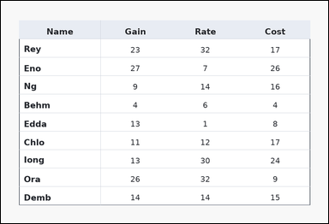 | 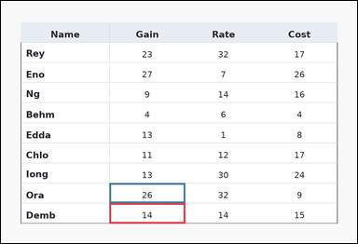 | task_tables_relation_row_compare_label | higher_of_two_rows | Use the table in the image. It shows a ledger-style table with one Name column, several numeric columns, strong horizontal rules, and minimal vertical separators. Find which of the two specified rows has the requested value relation in the named column. Compare the Gain entries for rows Demb and Ora. Which row has the higher value? Return a valid JSON object with keys "evidence" and "answer" in that order. Evidence: set "evidence" to an array containing exactly two bounding boxes [x1, y1, x2, y2] in the same order as the two compared value cells in the prompt. Answer: set "answer" to the row label with the requested higher or lower value. Example JSON: {"evidence":[[260,180,372,236],[260,238,372,294]],"answer":"Ava"} | Use the table in the image. It shows a ledger-style table with one Name column, several numeric columns, strong horizontal rules, and minimal vertical separators. Find which of the two specified rows has the requested value relation in the named column. Compare the Gain entries for rows Demb and Ora. Which row has the higher value? Return a valid JSON object with key "answer". Answer rule: set "answer" to the row label with the requested higher or lower value. Example JSON: {"answer":"Ava"} | {"evidence": [[286.08, 534.8, 486.72, 588.0], [286.08, 481.6, 486.72, 534.8]], "answer": "Ora"} | [[286.08, 534.8, 486.72, 588.0], [286.08, 481.6, 486.72, 534.8]] | string | bbox_set | 269356002365440 | task_tables_relation_row_compare_label/images/higher_of_two_rows/0010.png | task_tables_relation_row_compare_label/data/higher_of_two_rows/0010.json
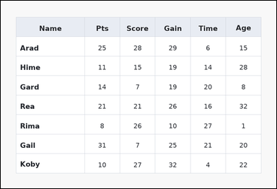 | 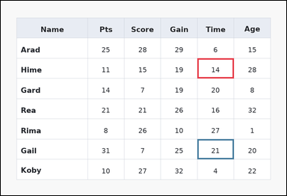 | task_tables_relation_row_compare_label | higher_of_two_rows | You are given a table: a spreadsheet-style table with one Name column, several numeric columns, full grid lines, and a shaded header row. Use the table values to decide which named row wins the comparison. In the Time column, which row is larger: Hime or Gail? Return a valid JSON object with keys "evidence" and "answer" in that order. Evidence requirement: set "evidence" to an array containing exactly two bounding boxes [x1, y1, x2, y2] in the same order as the two compared value cells in the prompt. Answer format: set "answer" to the row label with the requested higher or lower value. Example JSON: {"evidence":[[260,180,372,236],[260,238,372,294]],"answer":"Ava"} | You are given a table: a spreadsheet-style table with one Name column, several numeric columns, full grid lines, and a shaded header row. Use the table values to decide which named row wins the comparison. In the Time column, which row is larger: Hime or Gail? Return a valid JSON object with key "answer". Answer format: set "answer" to the row label with the requested higher or lower value. Example JSON: {"answer":"Ava"} | {"evidence": [[647.232, 189.0, 767.616, 255.5], [647.232, 455.0, 767.616, 521.5]], "answer": "Gail"} | [[647.232, 189.0, 767.616, 255.5], [647.232, 455.0, 767.616, 521.5]] | string | bbox_set | 1.3400299194E+15 | task_tables_relation_row_compare_label/images/higher_of_two_rows/0000.png | task_tables_relation_row_compare_label/data/higher_of_two_rows/0000.json
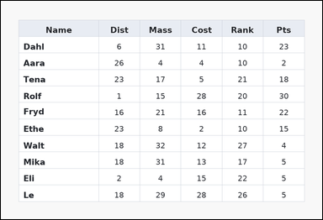 | 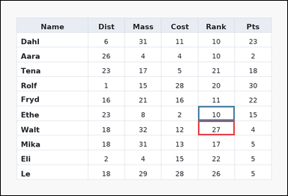 | task_tables_relation_row_compare_label | higher_of_two_rows | Work from the styled table shown in the image: a spreadsheet-style table with one Name column, several numeric columns, full grid lines, and a shaded header row. Read the table and report which named row satisfies the requested comparison. Look at the Rank column for rows Walt and Ethe. Which row is larger? Return a valid JSON object with keys "evidence" and "answer" in that order. Evidence: set "evidence" to an array containing exactly two bounding boxes [x1, y1, x2, y2] in the same order as the two compared value cells in the prompt. Answer: set "answer" to the row label with the requested higher or lower value. Example JSON: {"evidence":[[260,180,372,236],[260,238,372,294]],"answer":"Ava"} | Work from the styled table shown in the image: a spreadsheet-style table with one Name column, several numeric columns, full grid lines, and a shaded header row. Read the table and report which named row satisfies the requested comparison. Look at the Rank column for rows Walt and Ethe. Which row is larger? Return a valid JSON object with key "answer". Answer field: set "answer" to the row label with the requested higher or lower value. Example JSON: {"answer":"Ava"} | {"evidence": [[647.232, 394.545, 767.616, 442.909], [647.232, 346.182, 767.616, 394.545]], "answer": "Walt"} | [[647.232, 394.545, 767.616, 442.909], [647.232, 346.182, 767.616, 394.545]] | string | bbox_set | 1.6606391478E+15 | task_tables_relation_row_compare_label/images/higher_of_two_rows/0024.png | task_tables_relation_row_compare_label/data/higher_of_two_rows/0024.json
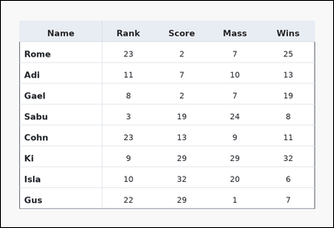 | 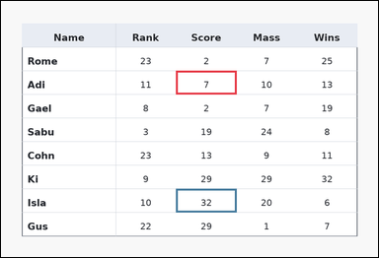 | task_tables_relation_row_compare_label | higher_of_two_rows | Look at the table in the image. It shows a ledger-style table with one Name column, several numeric columns, strong horizontal rules, and minimal vertical separators. Find which of the two specified rows has the requested value relation in the named column. Look at the Score column for rows Adi and Isla. Which row is larger? Return a valid JSON object with keys "evidence" and "answer" in that order. Evidence rule: set "evidence" to an array containing exactly two bounding boxes [x1, y1, x2, y2] in the same order as the two compared value cells in the prompt. Answer rule: set "answer" to the row label with the requested higher or lower value. Example JSON: {"evidence":[[260,180,372,236],[260,238,372,294]],"answer":"Ava"} | Look at the table in the image. It shows a ledger-style table with one Name column, several numeric columns, strong horizontal rules, and minimal vertical separators. Find which of the two specified rows has the requested value relation in the named column. Look at the Score column for rows Adi and Isla. Which row is larger? Return a valid JSON object with key "answer". Answer requirement: set "answer" to the row label with the requested higher or lower value. Example JSON: {"answer":"Ava"} | {"evidence": [[436.56, 174.222, 587.04, 233.333], [436.56, 469.778, 587.04, 528.889]], "answer": "Isla"} | [[436.56, 174.222, 587.04, 233.333], [436.56, 469.778, 587.04, 528.889]] | string | bbox_set | 1.8317752856E+15 | task_tables_relation_row_compare_label/images/higher_of_two_rows/0023.png | task_tables_relation_row_compare_label/data/higher_of_two_rows/0023.json
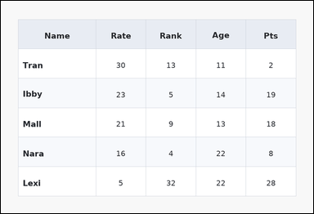 | 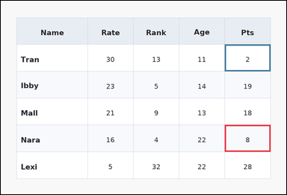 | task_tables_relation_row_compare_label | higher_of_two_rows | The image shows a zebra-striped table with one Name column, several numeric columns, alternating row shading, and a shaded header row. Find which of the two specified rows has the requested value relation in the named column. Look at the Pts column for rows Nara and Tran. Which row is larger? Return a valid JSON object with keys "evidence" and "answer" in that order. Evidence format: set "evidence" to an array containing exactly two bounding boxes [x1, y1, x2, y2] in the same order as the two compared value cells in the prompt. Answer requirement: set "answer" to the row label with the requested higher or lower value. Example JSON: {"evidence":[[260,180,372,236],[260,238,372,294]],"answer":"Ava"} | The image shows a zebra-striped table with one Name column, several numeric columns, alternating row shading, and a shaded header row. Find which of the two specified rows has the requested value relation in the named column. Look at the Pts column for rows Nara and Tran. Which row is larger? Return a valid JSON object with key "answer". Answer: set "answer" to the row label with the requested higher or lower value. Example JSON: {"answer":"Ava"} | {"evidence": [[737.52, 410.667, 888.0, 499.333], [737.52, 144.667, 888.0, 233.333]], "answer": "Nara"} | [[737.52, 410.667, 888.0, 499.333], [737.52, 144.667, 888.0, 233.333]] | string | bbox_set | 1.926563013E+15 | task_tables_relation_row_compare_label/images/higher_of_two_rows/0019.png | task_tables_relation_row_compare_label/data/higher_of_two_rows/0019.json
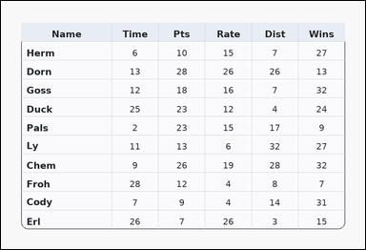 | 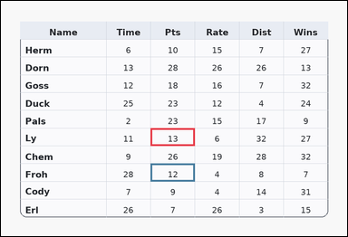 | task_tables_relation_row_compare_label | higher_of_two_rows | Look at the table in the image. It shows a card-style table with one Name column, several numeric columns, a rounded outer frame, and a shaded header row. Compare the two named rows in the requested numeric column. Compare the Pts entries for rows Ly and Froh. Which row has the higher value? Return a valid JSON object with keys "evidence" and "answer" in that order. Evidence rule: set "evidence" to an array containing exactly two bounding boxes [x1, y1, x2, y2] in the same order as the two compared value cells in the prompt. Answer rule: set "answer" to the row label with the requested higher or lower value. Example JSON: {"evidence":[[260,180,372,236],[260,238,372,294]],"answer":"Ava"} | Look at the table in the image. It shows a card-style table with one Name column, several numeric columns, a rounded outer frame, and a shaded header row. Compare the two named rows in the requested numeric column. Compare the Pts entries for rows Ly and Froh. Which row has the higher value? Return a valid JSON object with key "answer". Answer field: set "answer" to the row label with the requested higher or lower value. Example JSON: {"answer":"Ava"} | {"evidence": [[406.464, 346.182, 526.848, 394.545], [406.464, 442.909, 526.848, 491.273]], "answer": "Ly"} | [[406.464, 346.182, 526.848, 394.545], [406.464, 442.909, 526.848, 491.273]] | string | bbox_set | 1.9421709676E+15 | task_tables_relation_row_compare_label/images/higher_of_two_rows/0022.png | task_tables_relation_row_compare_label/data/higher_of_two_rows/0022.json
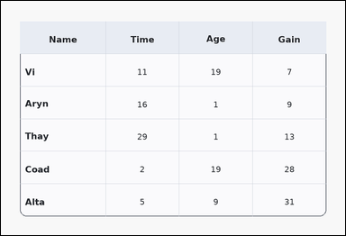 | 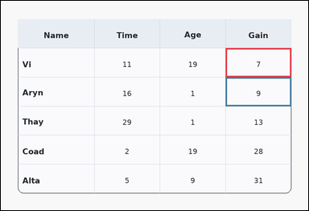 | task_tables_relation_row_compare_label | higher_of_two_rows | You are given a table: a card-style table with one Name column, several numeric columns, a rounded outer frame, and a shaded header row. Use the table values to decide which named row wins the comparison. In the Gain column, which row is larger: Vi or Aryn? Return a valid JSON object with keys "evidence" and "answer" in that order. Evidence requirement: set "evidence" to an array containing exactly two bounding boxes [x1, y1, x2, y2] in the same order as the two compared value cells in the prompt. Answer format: set "answer" to the row label with the requested higher or lower value. Example JSON: {"evidence":[[260,180,372,236],[260,238,372,294]],"answer":"Ava"} | You are given a table: a card-style table with one Name column, several numeric columns, a rounded outer frame, and a shaded header row. Use the table values to decide which named row wins the comparison. In the Gain column, which row is larger: Vi or Aryn? Return a valid JSON object with key "answer". Answer rule: set "answer" to the row label with the requested higher or lower value. Example JSON: {"answer":"Ava"} | {"evidence": [[687.36, 144.667, 888.0, 233.333], [687.36, 233.333, 888.0, 322.0]], "answer": "Aryn"} | [[687.36, 144.667, 888.0, 233.333], [687.36, 233.333, 888.0, 322.0]] | string | bbox_set | 2.1561050168E+15 | task_tables_relation_row_compare_label/images/higher_of_two_rows/0017.png | task_tables_relation_row_compare_label/data/higher_of_two_rows/0017.json
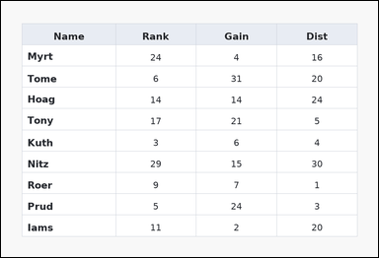 | 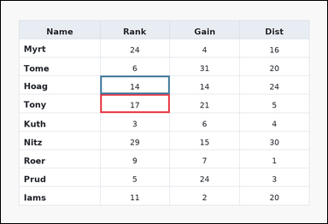 | task_tables_relation_row_compare_label | higher_of_two_rows | You are given a table: a spreadsheet-style table with one Name column, several numeric columns, full grid lines, and a shaded header row. Answer this question. Look at the Rank column for rows Tony and Hoag. Which row is larger? Return a valid JSON object with keys "evidence" and "answer" in that order. Evidence requirement: set "evidence" to an array containing exactly two bounding boxes [x1, y1, x2, y2] in the same order as the two compared value cells in the prompt. Answer format: set "answer" to the row label with the requested higher or lower value. Example JSON: {"evidence":[[260,180,372,236],[260,238,372,294]],"answer":"Ava"} | You are given a table: a spreadsheet-style table with one Name column, several numeric columns, full grid lines, and a shaded header row. Answer this question. Look at the Rank column for rows Tony and Hoag. Which row is larger? Return a valid JSON object with key "answer". Answer format: set "answer" to the row label with the requested higher or lower value. Example JSON: {"answer":"Ava"} | {"evidence": [[286.08, 268.8, 486.72, 322.0], [286.08, 215.6, 486.72, 268.8]], "answer": "Tony"} | [[286.08, 268.8, 486.72, 322.0], [286.08, 215.6, 486.72, 268.8]] | string | bbox_set | 2.4768685598E+15 | task_tables_relation_row_compare_label/images/higher_of_two_rows/0015.png | task_tables_relation_row_compare_label/data/higher_of_two_rows/0015.json
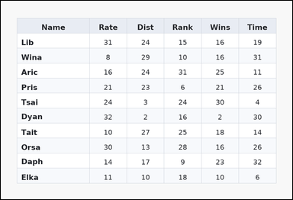 | 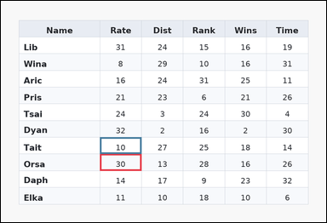 | task_tables_relation_row_compare_label | higher_of_two_rows | Work from the styled table shown in the image: a zebra-striped table with one Name column, several numeric columns, alternating row shading, and a shaded header row. Read the table and report which named row satisfies the requested comparison. Between rows Orsa and Tait, which has the higher value in the Rate column? Return a valid JSON object with keys "evidence" and "answer" in that order. Evidence requirement: set "evidence" to an array containing exactly two bounding boxes [x1, y1, x2, y2] in the same order as the two compared value cells in the prompt. Answer format: set "answer" to the row label with the requested higher or lower value. Example JSON: {"evidence":[[260,180,372,236],[260,238,372,294]],"answer":"Ava"} | Work from the styled table shown in the image: a zebra-striped table with one Name column, several numeric columns, alternating row shading, and a shaded header row. Read the table and report which named row satisfies the requested comparison. Between rows Orsa and Tait, which has the higher value in the Rate column? Return a valid JSON object with key "answer". Answer field: set "answer" to the row label with the requested higher or lower value. Example JSON: {"answer":"Ava"} | {"evidence": [[286.08, 442.909, 406.464, 491.273], [286.08, 394.545, 406.464, 442.909]], "answer": "Orsa"} | [[286.08, 442.909, 406.464, 491.273], [286.08, 394.545, 406.464, 442.909]] | string | bbox_set | 2.4835085796E+15 | task_tables_relation_row_compare_label/images/higher_of_two_rows/0006.png | task_tables_relation_row_compare_label/data/higher_of_two_rows/0006.json
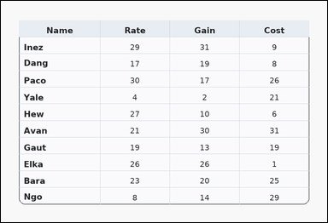 | 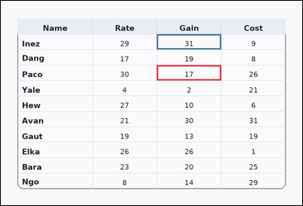 | task_tables_relation_row_compare_label | higher_of_two_rows | Use the table in the image. It shows a card-style table with one Name column, several numeric columns, a rounded outer frame, and a shaded header row. Compare the two named rows in the requested numeric column. In the Gain column, which row is larger: Paco or Inez? Return a valid JSON object with keys "evidence" and "answer" in that order. Evidence requirement: set "evidence" to an array containing exactly two bounding boxes [x1, y1, x2, y2] in the same order as the two compared value cells in the prompt. Answer format: set "answer" to the row label with the requested higher or lower value. Example JSON: {"evidence":[[260,180,372,236],[260,238,372,294]],"answer":"Ava"} | Use the table in the image. It shows a card-style table with one Name column, several numeric columns, a rounded outer frame, and a shaded header row. Compare the two named rows in the requested numeric column. In the Gain column, which row is larger: Paco or Inez? Return a valid JSON object with key "answer". Answer: set "answer" to the row label with the requested higher or lower value. Example JSON: {"answer":"Ava"} | {"evidence": [[486.72, 201.091, 687.36, 249.455], [486.72, 104.364, 687.36, 152.727]], "answer": "Inez"} | [[486.72, 201.091, 687.36, 249.455], [486.72, 104.364, 687.36, 152.727]] | string | bbox_set | 2.5594295887E+15 | task_tables_relation_row_compare_label/images/higher_of_two_rows/0011.png | task_tables_relation_row_compare_label/data/higher_of_two_rows/0011.json
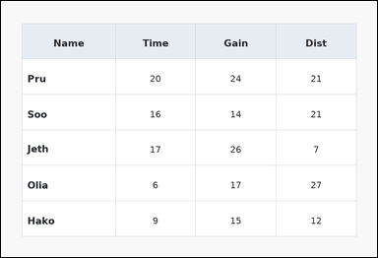 | 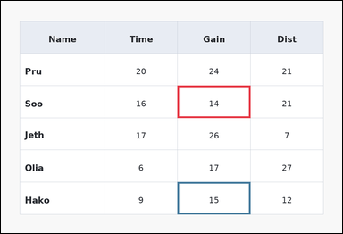 | task_tables_relation_row_compare_label | higher_of_two_rows | Use the table in the image. It shows a spreadsheet-style table with one Name column, several numeric columns, full grid lines, and a shaded header row. Find which of the two specified rows has the requested value relation in the named column. Look at the Gain column for rows Soo and Hako. Which row is larger? Return a valid JSON object with keys "evidence" and "answer" in that order. Evidence field: set "evidence" to an array containing exactly two bounding boxes [x1, y1, x2, y2] in the same order as the two compared value cells in the prompt. Answer field: set "answer" to the row label with the requested higher or lower value. Example JSON: {"evidence":[[260,180,372,236],[260,238,372,294]],"answer":"Ava"} | Use the table in the image. It shows a spreadsheet-style table with one Name column, several numeric columns, full grid lines, and a shaded header row. Find which of the two specified rows has the requested value relation in the named column. Look at the Gain column for rows Soo and Hako. Which row is larger? Return a valid JSON object with key "answer". Answer format: set "answer" to the row label with the requested higher or lower value. Example JSON: {"answer":"Ava"} | {"evidence": [[486.72, 233.333, 687.36, 322.0], [486.72, 499.333, 687.36, 588.0]], "answer": "Hako"} | [[486.72, 233.333, 687.36, 322.0], [486.72, 499.333, 687.36, 588.0]] | string | bbox_set | 2.801296397E+15 | task_tables_relation_row_compare_label/images/higher_of_two_rows/0018.png | task_tables_relation_row_compare_label/data/higher_of_two_rows/0018.json
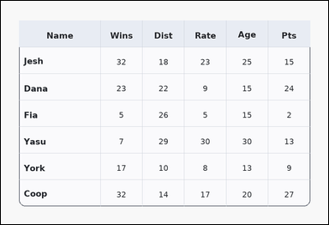 | 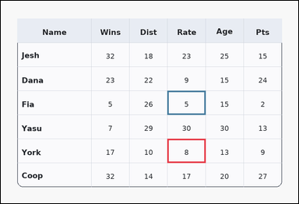 | task_tables_relation_row_compare_label | higher_of_two_rows | You are given a table: a card-style table with one Name column, several numeric columns, a rounded outer frame, and a shaded header row. Compare the two named rows in the requested numeric column. Compare the Rate entries for rows York and Fia. Which row has the higher value? Return a valid JSON object with keys "evidence" and "answer" in that order. Evidence field: set "evidence" to an array containing exactly two bounding boxes [x1, y1, x2, y2] in the same order as the two compared value cells in the prompt. Answer field: set "answer" to the row label with the requested higher or lower value. Example JSON: {"evidence":[[260,180,372,236],[260,238,372,294]],"answer":"Ava"} | You are given a table: a card-style table with one Name column, several numeric columns, a rounded outer frame, and a shaded header row. Compare the two named rows in the requested numeric column. Compare the Rate entries for rows York and Fia. Which row has the higher value? Return a valid JSON object with key "answer". Answer rule: set "answer" to the row label with the requested higher or lower value. Example JSON: {"answer":"Ava"} | {"evidence": [[526.848, 436.0, 647.232, 512.0], [526.848, 284.0, 647.232, 360.0]], "answer": "York"} | [[526.848, 436.0, 647.232, 512.0], [526.848, 284.0, 647.232, 360.0]] | string | bbox_set | 3.8816643084E+15 | task_tables_relation_row_compare_label/images/higher_of_two_rows/0001.png | task_tables_relation_row_compare_label/data/higher_of_two_rows/0001.json
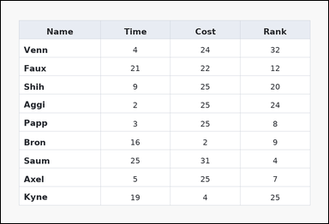 | 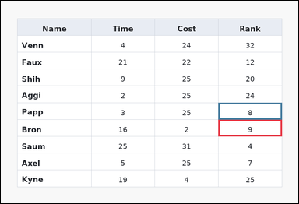 | task_tables_relation_row_compare_label | higher_of_two_rows | Look at the table in the image. It shows a spreadsheet-style table with one Name column, several numeric columns, full grid lines, and a shaded header row. Find which of the two specified rows has the requested value relation in the named column. Compare the Rank entries for rows Bron and Papp. Which row has the higher value? Return a valid JSON object with keys "evidence" and "answer" in that order. Evidence rule: set "evidence" to an array containing exactly two bounding boxes [x1, y1, x2, y2] in the same order as the two compared value cells in the prompt. Answer rule: set "answer" to the row label with the requested higher or lower value. Example JSON: {"evidence":[[260,180,372,236],[260,238,372,294]],"answer":"Ava"} | Look at the table in the image. It shows a spreadsheet-style table with one Name column, several numeric columns, full grid lines, and a shaded header row. Find which of the two specified rows has the requested value relation in the named column. Compare the Rank entries for rows Bron and Papp. Which row has the higher value? Return a valid JSON object with key "answer". Answer requirement: set "answer" to the row label with the requested higher or lower value. Example JSON: {"answer":"Ava"} | {"evidence": [[687.36, 375.2, 888.0, 428.4], [687.36, 322.0, 888.0, 375.2]], "answer": "Bron"} | [[687.36, 375.2, 888.0, 428.4], [687.36, 322.0, 888.0, 375.2]] | string | bbox_set | 5.1585375561E+15 | task_tables_relation_row_compare_label/images/higher_of_two_rows/0008.png | task_tables_relation_row_compare_label/data/higher_of_two_rows/0008.json
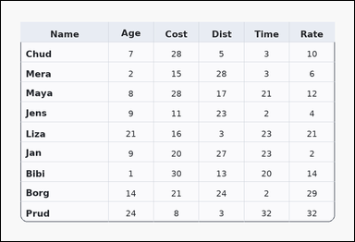 | 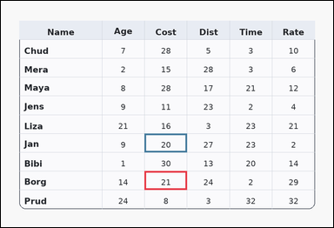 | task_tables_relation_row_compare_label | higher_of_two_rows | Look at the table in the image. It shows a card-style table with one Name column, several numeric columns, a rounded outer frame, and a shaded header row. Read the table and report which named row satisfies the requested comparison. Look at the Cost column for rows Borg and Jan. Which row is larger? Return a valid JSON object with keys "evidence" and "answer" in that order. Evidence: set "evidence" to an array containing exactly two bounding boxes [x1, y1, x2, y2] in the same order as the two compared value cells in the prompt. Answer: set "answer" to the row label with the requested higher or lower value. Example JSON: {"evidence":[[260,180,372,236],[260,238,372,294]],"answer":"Ava"} | Look at the table in the image. It shows a card-style table with one Name column, several numeric columns, a rounded outer frame, and a shaded header row. Read the table and report which named row satisfies the requested comparison. Look at the Cost column for rows Borg and Jan. Which row is larger? Return a valid JSON object with key "answer". Answer requirement: set "answer" to the row label with the requested higher or lower value. Example JSON: {"answer":"Ava"} | {"evidence": [[406.464, 481.6, 526.848, 534.8], [406.464, 375.2, 526.848, 428.4]], "answer": "Borg"} | [[406.464, 481.6, 526.848, 534.8], [406.464, 375.2, 526.848, 428.4]] | string | bbox_set | 5.2755381387E+15 | task_tables_relation_row_compare_label/images/higher_of_two_rows/0021.png | task_tables_relation_row_compare_label/data/higher_of_two_rows/0021.json
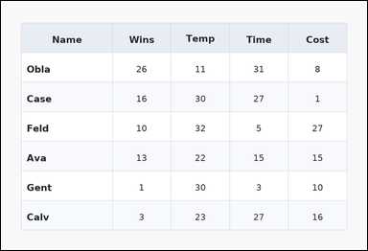 | 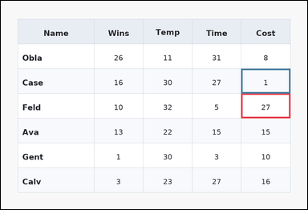 | task_tables_relation_row_compare_label | higher_of_two_rows | The image shows a zebra-striped table with one Name column, several numeric columns, alternating row shading, and a shaded header row. Compare the two named rows in the requested numeric column. In the Cost column, which row is larger: Feld or Case? Return a valid JSON object with keys "evidence" and "answer" in that order. Evidence format: set "evidence" to an array containing exactly two bounding boxes [x1, y1, x2, y2] in the same order as the two compared value cells in the prompt. Answer requirement: set "answer" to the row label with the requested higher or lower value. Example JSON: {"evidence":[[260,180,372,236],[260,238,372,294]],"answer":"Ava"} | The image shows a zebra-striped table with one Name column, several numeric columns, alternating row shading, and a shaded header row. Compare the two named rows in the requested numeric column. In the Cost column, which row is larger: Feld or Case? Return a valid JSON object with key "answer". Answer format: set "answer" to the row label with the requested higher or lower value. Example JSON: {"answer":"Ava"} | {"evidence": [[737.52, 284.0, 888.0, 360.0], [737.52, 208.0, 888.0, 284.0]], "answer": "Feld"} | [[737.52, 284.0, 888.0, 360.0], [737.52, 208.0, 888.0, 284.0]] | string | bbox_set | 5.2903192684E+15 | task_tables_relation_row_compare_label/images/higher_of_two_rows/0016.png | task_tables_relation_row_compare_label/data/higher_of_two_rows/0016.json
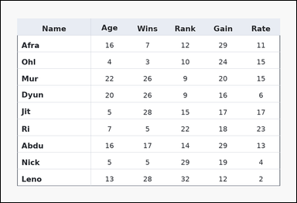 | 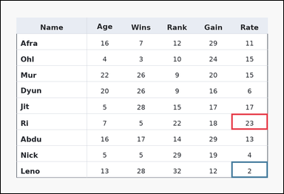 | task_tables_relation_row_compare_label | higher_of_two_rows | You are given a table: a ledger-style table with one Name column, several numeric columns, strong horizontal rules, and minimal vertical separators. Answer this question. Which row, Ri or Leno, has the greater value in the Rate column? Return a valid JSON object with keys "evidence" and "answer" in that order. Evidence: set "evidence" to an array containing exactly two bounding boxes [x1, y1, x2, y2] in the same order as the two compared value cells in the prompt. Answer: set "answer" to the row label with the requested higher or lower value. Example JSON: {"evidence":[[260,180,372,236],[260,238,372,294]],"answer":"Ava"} | You are given a table: a ledger-style table with one Name column, several numeric columns, strong horizontal rules, and minimal vertical separators. Answer this question. Which row, Ri or Leno, has the greater value in the Rate column? Return a valid JSON object with key "answer". Answer: set "answer" to the row label with the requested higher or lower value. Example JSON: {"answer":"Ava"} | {"evidence": [[767.616, 375.2, 888.0, 428.4], [767.616, 534.8, 888.0, 588.0]], "answer": "Ri"} | [[767.616, 375.2, 888.0, 428.4], [767.616, 534.8, 888.0, 588.0]] | string | bbox_set | 5.3439652494E+15 | task_tables_relation_row_compare_label/images/higher_of_two_rows/0014.png | task_tables_relation_row_compare_label/data/higher_of_two_rows/0014.json
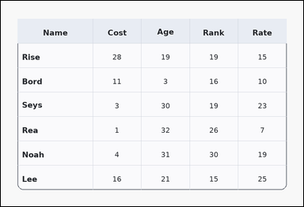 | 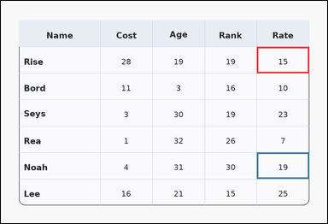 | task_tables_relation_row_compare_label | higher_of_two_rows | Look at the table in the image. It shows a card-style table with one Name column, several numeric columns, a rounded outer frame, and a shaded header row. Read the table and report which named row satisfies the requested comparison. Compare the Rate entries for rows Rise and Noah. Which row has the higher value? Return a valid JSON object with keys "evidence" and "answer" in that order. Evidence rule: set "evidence" to an array containing exactly two bounding boxes [x1, y1, x2, y2] in the same order as the two compared value cells in the prompt. Answer rule: set "answer" to the row label with the requested higher or lower value. Example JSON: {"evidence":[[260,180,372,236],[260,238,372,294]],"answer":"Ava"} | Look at the table in the image. It shows a card-style table with one Name column, several numeric columns, a rounded outer frame, and a shaded header row. Read the table and report which named row satisfies the requested comparison. Compare the Rate entries for rows Rise and Noah. Which row has the higher value? Return a valid JSON object with key "answer". Answer rule: set "answer" to the row label with the requested higher or lower value. Example JSON: {"answer":"Ava"} | {"evidence": [[737.52, 132.0, 888.0, 208.0], [737.52, 436.0, 888.0, 512.0]], "answer": "Noah"} | [[737.52, 132.0, 888.0, 208.0], [737.52, 436.0, 888.0, 512.0]] | string | bbox_set | 5.9505248691E+15 | task_tables_relation_row_compare_label/images/higher_of_two_rows/0007.png | task_tables_relation_row_compare_label/data/higher_of_two_rows/0007.json
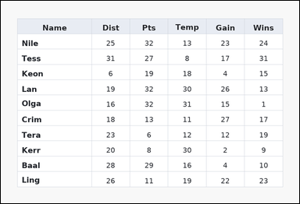 | 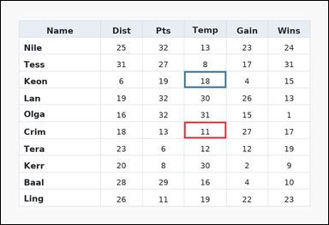 | task_tables_relation_row_compare_label | higher_of_two_rows | Work from the styled table shown in the image: a spreadsheet-style table with one Name column, several numeric columns, full grid lines, and a shaded header row. Answer this question. In the Temp column, which row is larger: Crim or Keon? Return a valid JSON object with keys "evidence" and "answer" in that order. Evidence format: set "evidence" to an array containing exactly two bounding boxes [x1, y1, x2, y2] in the same order as the two compared value cells in the prompt. Answer requirement: set "answer" to the row label with the requested higher or lower value. Example JSON: {"evidence":[[260,180,372,236],[260,238,372,294]],"answer":"Ava"} | Work from the styled table shown in the image: a spreadsheet-style table with one Name column, several numeric columns, full grid lines, and a shaded header row. Answer this question. In the Temp column, which row is larger: Crim or Keon? Return a valid JSON object with key "answer". Answer: set "answer" to the row label with the requested higher or lower value. Example JSON: {"answer":"Ava"} | {"evidence": [[526.848, 346.182, 647.232, 394.545], [526.848, 201.091, 647.232, 249.455]], "answer": "Keon"} | [[526.848, 346.182, 647.232, 394.545], [526.848, 201.091, 647.232, 249.455]] | string | bbox_set | 6.3286802403E+15 | task_tables_relation_row_compare_label/images/higher_of_two_rows/0004.png | task_tables_relation_row_compare_label/data/higher_of_two_rows/0004.json
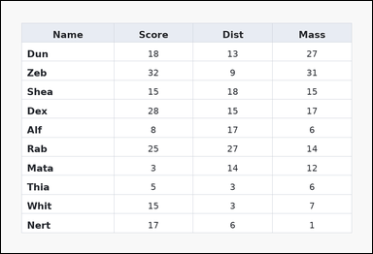 | 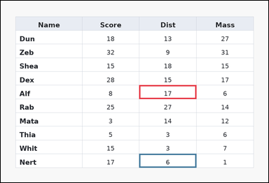 | task_tables_relation_row_compare_label | higher_of_two_rows | Use the table in the image. It shows a spreadsheet-style table with one Name column, several numeric columns, full grid lines, and a shaded header row. Find which of the two specified rows has the requested value relation in the named column. Compare the Dist entries for rows Alf and Nert. Which row has the higher value? Return a valid JSON object with keys "evidence" and "answer" in that order. Evidence format: set "evidence" to an array containing exactly two bounding boxes [x1, y1, x2, y2] in the same order as the two compared value cells in the prompt. Answer requirement: set "answer" to the row label with the requested higher or lower value. Example JSON: {"evidence":[[260,180,372,236],[260,238,372,294]],"answer":"Ava"} | Use the table in the image. It shows a spreadsheet-style table with one Name column, several numeric columns, full grid lines, and a shaded header row. Find which of the two specified rows has the requested value relation in the named column. Compare the Dist entries for rows Alf and Nert. Which row has the higher value? Return a valid JSON object with key "answer". Answer field: set "answer" to the row label with the requested higher or lower value. Example JSON: {"answer":"Ava"} | {"evidence": [[486.72, 297.818, 687.36, 346.182], [486.72, 539.636, 687.36, 588.0]], "answer": "Alf"} | [[486.72, 297.818, 687.36, 346.182], [486.72, 539.636, 687.36, 588.0]] | string | bbox_set | 7.07106974E+15 | task_tables_relation_row_compare_label/images/higher_of_two_rows/0020.png | task_tables_relation_row_compare_label/data/higher_of_two_rows/0020.json
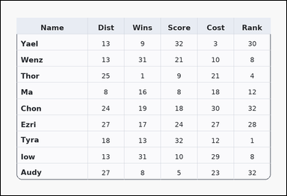 | 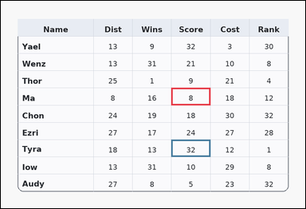 | task_tables_relation_row_compare_label | higher_of_two_rows | Look at the table in the image. It shows a card-style table with one Name column, several numeric columns, a rounded outer frame, and a shaded header row. Read the table and report which named row satisfies the requested comparison. Compare the Score entries for rows Ma and Tyra. Which row has the higher value? Return a valid JSON object with keys "evidence" and "answer" in that order. Evidence: set "evidence" to an array containing exactly two bounding boxes [x1, y1, x2, y2] in the same order as the two compared value cells in the prompt. Answer: set "answer" to the row label with the requested higher or lower value. Example JSON: {"evidence":[[260,180,372,236],[260,238,372,294]],"answer":"Ava"} | Look at the table in the image. It shows a card-style table with one Name column, several numeric columns, a rounded outer frame, and a shaded header row. Read the table and report which named row satisfies the requested comparison. Compare the Score entries for rows Ma and Tyra. Which row has the higher value? Return a valid JSON object with key "answer". Answer format: set "answer" to the row label with the requested higher or lower value. Example JSON: {"answer":"Ava"} | {"evidence": [[526.848, 268.8, 647.232, 322.0], [526.848, 428.4, 647.232, 481.6]], "answer": "Tyra"} | [[526.848, 268.8, 647.232, 322.0], [526.848, 428.4, 647.232, 481.6]] | string | bbox_set | 7.3127712953E+15 | task_tables_relation_row_compare_label/images/higher_of_two_rows/0003.png | task_tables_relation_row_compare_label/data/higher_of_two_rows/0003.json
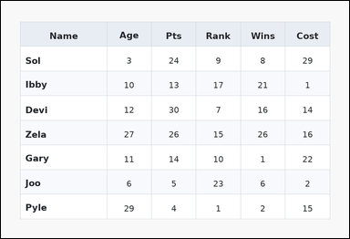 | 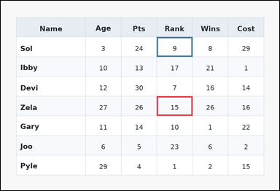 | task_tables_relation_row_compare_label | higher_of_two_rows | The image shows a zebra-striped table with one Name column, several numeric columns, alternating row shading, and a shaded header row. Use the table values to decide which named row wins the comparison. Look at the Rank column for rows Zela and Sol. Which row is larger? Return a valid JSON object with keys "evidence" and "answer" in that order. Evidence rule: set "evidence" to an array containing exactly two bounding boxes [x1, y1, x2, y2] in the same order as the two compared value cells in the prompt. Answer rule: set "answer" to the row label with the requested higher or lower value. Example JSON: {"evidence":[[260,180,372,236],[260,238,372,294]],"answer":"Ava"} | The image shows a zebra-striped table with one Name column, several numeric columns, alternating row shading, and a shaded header row. Use the table values to decide which named row wins the comparison. Look at the Rank column for rows Zela and Sol. Which row is larger? Return a valid JSON object with key "answer". Answer format: set "answer" to the row label with the requested higher or lower value. Example JSON: {"answer":"Ava"} | {"evidence": [[526.848, 322.0, 647.232, 388.5], [526.848, 122.5, 647.232, 189.0]], "answer": "Zela"} | [[526.848, 322.0, 647.232, 388.5], [526.848, 122.5, 647.232, 189.0]] | string | bbox_set | 8.0749157746E+15 | task_tables_relation_row_compare_label/images/higher_of_two_rows/0002.png | task_tables_relation_row_compare_label/data/higher_of_two_rows/0002.json
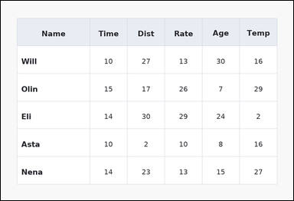 | 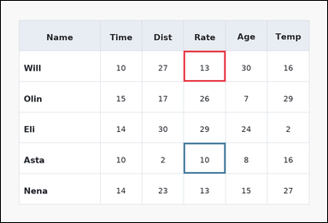 | task_tables_relation_row_compare_label | higher_of_two_rows | The image shows a spreadsheet-style table with one Name column, several numeric columns, full grid lines, and a shaded header row. Use the table values to decide which named row wins the comparison. In the Rate column, which row is larger: Will or Asta? Return a valid JSON object with keys "evidence" and "answer" in that order. Evidence format: set "evidence" to an array containing exactly two bounding boxes [x1, y1, x2, y2] in the same order as the two compared value cells in the prompt. Answer requirement: set "answer" to the row label with the requested higher or lower value. Example JSON: {"evidence":[[260,180,372,236],[260,238,372,294]],"answer":"Ava"} | The image shows a spreadsheet-style table with one Name column, several numeric columns, full grid lines, and a shaded header row. Use the table values to decide which named row wins the comparison. In the Rate column, which row is larger: Will or Asta? Return a valid JSON object with key "answer". Answer rule: set "answer" to the row label with the requested higher or lower value. Example JSON: {"answer":"Ava"} | {"evidence": [[526.848, 144.667, 647.232, 233.333], [526.848, 410.667, 647.232, 499.333]], "answer": "Will"} | [[526.848, 144.667, 647.232, 233.333], [526.848, 410.667, 647.232, 499.333]] | string | bbox_set | 8.2603988256E+15 | task_tables_relation_row_compare_label/images/higher_of_two_rows/0009.png | task_tables_relation_row_compare_label/data/higher_of_two_rows/0009.json
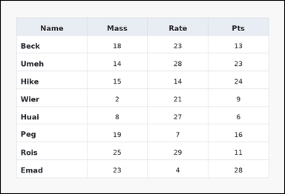 | 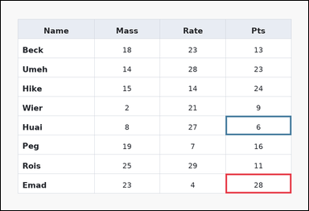 | task_tables_relation_row_compare_label | higher_of_two_rows | Use the table in the image. It shows a spreadsheet-style table with one Name column, several numeric columns, full grid lines, and a shaded header row. Find which of the two specified rows has the requested value relation in the named column. Compare the Pts entries for rows Emad and Huai. Which row has the higher value? Return a valid JSON object with keys "evidence" and "answer" in that order. Evidence field: set "evidence" to an array containing exactly two bounding boxes [x1, y1, x2, y2] in the same order as the two compared value cells in the prompt. Answer field: set "answer" to the row label with the requested higher or lower value. Example JSON: {"evidence":[[260,180,372,236],[260,238,372,294]],"answer":"Ava"} | Use the table in the image. It shows a spreadsheet-style table with one Name column, several numeric columns, full grid lines, and a shaded header row. Find which of the two specified rows has the requested value relation in the named column. Compare the Pts entries for rows Emad and Huai. Which row has the higher value? Return a valid JSON object with key "answer". Answer: set "answer" to the row label with the requested higher or lower value. Example JSON: {"answer":"Ava"} | {"evidence": [[687.36, 528.889, 888.0, 588.0], [687.36, 351.556, 888.0, 410.667]], "answer": "Emad"} | [[687.36, 528.889, 888.0, 588.0], [687.36, 351.556, 888.0, 410.667]] | string | bbox_set | 8.4208685818E+15 | task_tables_relation_row_compare_label/images/higher_of_two_rows/0005.png | task_tables_relation_row_compare_label/data/higher_of_two_rows/0005.json
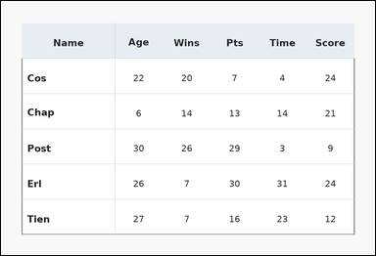 | 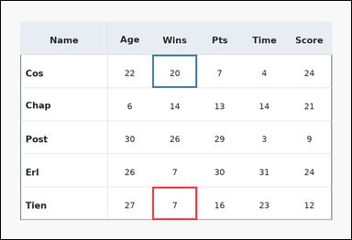 | task_tables_relation_row_compare_label | higher_of_two_rows | Work from the styled table shown in the image: a ledger-style table with one Name column, several numeric columns, strong horizontal rules, and minimal vertical separators. Find which of the two specified rows has the requested value relation in the named column. Which row, Tien or Cos, has the greater value in the Wins column? Return a valid JSON object with keys "evidence" and "answer" in that order. Evidence field: set "evidence" to an array containing exactly two bounding boxes [x1, y1, x2, y2] in the same order as the two compared value cells in the prompt. Answer field: set "answer" to the row label with the requested higher or lower value. Example JSON: {"evidence":[[260,180,372,236],[260,238,372,294]],"answer":"Ava"} | Work from the styled table shown in the image: a ledger-style table with one Name column, several numeric columns, strong horizontal rules, and minimal vertical separators. Find which of the two specified rows has the requested value relation in the named column. Which row, Tien or Cos, has the greater value in the Wins column? Return a valid JSON object with key "answer". Answer requirement: set "answer" to the row label with the requested higher or lower value. Example JSON: {"answer":"Ava"} | {"evidence": [[406.464, 499.333, 526.848, 588.0], [406.464, 144.667, 526.848, 233.333]], "answer": "Cos"} | [[406.464, 499.333, 526.848, 588.0], [406.464, 144.667, 526.848, 233.333]] | string | bbox_set | 8.4287176514E+15 | task_tables_relation_row_compare_label/images/higher_of_two_rows/0013.png | task_tables_relation_row_compare_label/data/higher_of_two_rows/0013.json
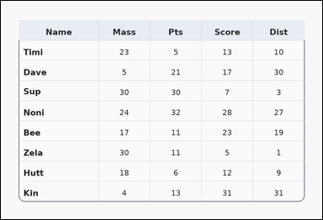 | 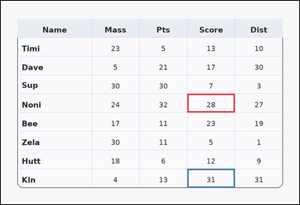 | task_tables_relation_row_compare_label | higher_of_two_rows | The image shows a card-style table with one Name column, several numeric columns, a rounded outer frame, and a shaded header row. Use the table values to decide which named row wins the comparison. In the Score column, which row is larger: Noni or Kin? Return a valid JSON object with keys "evidence" and "answer" in that order. Evidence rule: set "evidence" to an array containing exactly two bounding boxes [x1, y1, x2, y2] in the same order as the two compared value cells in the prompt. Answer rule: set "answer" to the row label with the requested higher or lower value. Example JSON: {"evidence":[[260,180,372,236],[260,238,372,294]],"answer":"Ava"} | The image shows a card-style table with one Name column, several numeric columns, a rounded outer frame, and a shaded header row. Use the table values to decide which named row wins the comparison. In the Score column, which row is larger: Noni or Kin? Return a valid JSON object with key "answer". Answer: set "answer" to the row label with the requested higher or lower value. Example JSON: {"answer":"Ava"} | {"evidence": [[587.04, 292.444, 737.52, 351.556], [587.04, 528.889, 737.52, 588.0]], "answer": "Kin"} | [[587.04, 292.444, 737.52, 351.556], [587.04, 528.889, 737.52, 588.0]] | string | bbox_set | 8.7083187131E+15 | task_tables_relation_row_compare_label/images/higher_of_two_rows/0012.png | task_tables_relation_row_compare_label/data/higher_of_two_rows/0012.json

lower_of_two_rows
image | evidence_image | task | task_variant | prompt | prompt_answer_only | answer | answer_evidence | answer_type | evidence_type | instance_seed | image_path | data_path
 |  | task_tables_relation_row_compare_label | lower_of_two_rows | Work from the styled table shown in the image: a zebra-striped table with one Name column, several numeric columns, alternating row shading, and a shaded header row. Find which of the two specified rows has the requested value relation in the named column. Between rows Tory and Uird, which has the lower value in the Rate column? Return a valid JSON object with keys "evidence" and "answer" in that order. Evidence requirement: set "evidence" to an array containing exactly two bounding boxes [x1, y1, x2, y2] in the same order as the two compared value cells in the prompt. Answer format: set "answer" to the row label with the requested higher or lower value. Example JSON: {"evidence":[[260,180,372,236],[260,238,372,294]],"answer":"Milo"} | Work from the styled table shown in the image: a zebra-striped table with one Name column, several numeric columns, alternating row shading, and a shaded header row. Find which of the two specified rows has the requested value relation in the named column. Between rows Tory and Uird, which has the lower value in the Rate column? Return a valid JSON object with key "answer". Answer requirement: set "answer" to the row label with the requested higher or lower value. Example JSON: {"answer":"Milo"} | {"evidence": [[286.08, 442.909, 436.56, 491.273], [286.08, 539.636, 436.56, 588.0]], "answer": "Tory"} | [[286.08, 442.909, 436.56, 491.273], [286.08, 539.636, 436.56, 588.0]] | string | bbox_set | 137230575694384 | task_tables_relation_row_compare_label/images/lower_of_two_rows/0013.png | task_tables_relation_row_compare_label/data/lower_of_two_rows/0013.json
 |  | task_tables_relation_row_compare_label | lower_of_two_rows | Use the table in the image. It shows a zebra-striped table with one Name column, several numeric columns, alternating row shading, and a shaded header row. Use the table values to decide which named row wins the comparison. Look at the Score column for rows Saba and Darb. Which row is smaller? Return a valid JSON object with keys "evidence" and "answer" in that order. Evidence format: set "evidence" to an array containing exactly two bounding boxes [x1, y1, x2, y2] in the same order as the two compared value cells in the prompt. Answer requirement: set "answer" to the row label with the requested higher or lower value. Example JSON: {"evidence":[[260,180,372,236],[260,238,372,294]],"answer":"Milo"} | Use the table in the image. It shows a zebra-striped table with one Name column, several numeric columns, alternating row shading, and a shaded header row. Use the table values to decide which named row wins the comparison. Look at the Score column for rows Saba and Darb. Which row is smaller? Return a valid JSON object with key "answer". Answer requirement: set "answer" to the row label with the requested higher or lower value. Example JSON: {"answer":"Milo"} | {"evidence": [[737.52, 528.889, 888.0, 588.0], [737.52, 292.444, 888.0, 351.556]], "answer": "Darb"} | [[737.52, 528.889, 888.0, 588.0], [737.52, 292.444, 888.0, 351.556]] | string | bbox_set | 295710198618759 | task_tables_relation_row_compare_label/images/lower_of_two_rows/0001.png | task_tables_relation_row_compare_label/data/lower_of_two_rows/0001.json
 |  | task_tables_relation_row_compare_label | lower_of_two_rows | Look at the table in the image. It shows a spreadsheet-style table with one Name column, several numeric columns, full grid lines, and a shaded header row. Use the table values to decide which named row wins the comparison. Between rows Jeff and Jody, which has the lower value in the Gain column? Return a valid JSON object with keys "evidence" and "answer" in that order. Evidence rule: set "evidence" to an array containing exactly two bounding boxes [x1, y1, x2, y2] in the same order as the two compared value cells in the prompt. Answer rule: set "answer" to the row label with the requested higher or lower value. Example JSON: {"evidence":[[260,180,372,236],[260,238,372,294]],"answer":"Milo"} | Look at the table in the image. It shows a spreadsheet-style table with one Name column, several numeric columns, full grid lines, and a shaded header row. Use the table values to decide which named row wins the comparison. Between rows Jeff and Jody, which has the lower value in the Gain column? Return a valid JSON object with key "answer". Answer requirement: set "answer" to the row label with the requested higher or lower value. Example JSON: {"answer":"Milo"} | {"evidence": [[587.04, 208.0, 737.52, 284.0], [587.04, 360.0, 737.52, 436.0]], "answer": "Jody"} | [[587.04, 208.0, 737.52, 284.0], [587.04, 360.0, 737.52, 436.0]] | string | bbox_set | 1.0134220732E+15 | task_tables_relation_row_compare_label/images/lower_of_two_rows/0009.png | task_tables_relation_row_compare_label/data/lower_of_two_rows/0009.json
 |  | task_tables_relation_row_compare_label | lower_of_two_rows | The image shows a ledger-style table with one Name column, several numeric columns, strong horizontal rules, and minimal vertical separators. Use the table values to decide which named row wins the comparison. Look at the Gain column for rows Kyle and Zurn. Which row is smaller? Return a valid JSON object with keys "evidence" and "answer" in that order. Evidence requirement: set "evidence" to an array containing exactly two bounding boxes [x1, y1, x2, y2] in the same order as the two compared value cells in the prompt. Answer format: set "answer" to the row label with the requested higher or lower value. Example JSON: {"evidence":[[260,180,372,236],[260,238,372,294]],"answer":"Milo"} | The image shows a ledger-style table with one Name column, several numeric columns, strong horizontal rules, and minimal vertical separators. Use the table values to decide which named row wins the comparison. Look at the Gain column for rows Kyle and Zurn. Which row is smaller? Return a valid JSON object with key "answer". Answer: set "answer" to the row label with the requested higher or lower value. Example JSON: {"answer":"Milo"} | {"evidence": [[687.36, 297.818, 888.0, 346.182], [687.36, 491.273, 888.0, 539.636]], "answer": "Zurn"} | [[687.36, 297.818, 888.0, 346.182], [687.36, 491.273, 888.0, 539.636]] | string | bbox_set | 1.0623359185E+15 | task_tables_relation_row_compare_label/images/lower_of_two_rows/0011.png | task_tables_relation_row_compare_label/data/lower_of_two_rows/0011.json
 |  | task_tables_relation_row_compare_label | lower_of_two_rows | Use the table in the image. It shows a spreadsheet-style table with one Name column, several numeric columns, full grid lines, and a shaded header row. Compare the two named rows in the requested numeric column. Between rows Chi and Pugh, which has the lower value in the Temp column? Return a valid JSON object with keys "evidence" and "answer" in that order. Evidence requirement: set "evidence" to an array containing exactly two bounding boxes [x1, y1, x2, y2] in the same order as the two compared value cells in the prompt. Answer format: set "answer" to the row label with the requested higher or lower value. Example JSON: {"evidence":[[260,180,372,236],[260,238,372,294]],"answer":"Milo"} | Use the table in the image. It shows a spreadsheet-style table with one Name column, several numeric columns, full grid lines, and a shaded header row. Compare the two named rows in the requested numeric column. Between rows Chi and Pugh, which has the lower value in the Temp column? Return a valid JSON object with key "answer". Answer: set "answer" to the row label with the requested higher or lower value. Example JSON: {"answer":"Milo"} | {"evidence": [[737.52, 201.091, 888.0, 249.455], [737.52, 152.727, 888.0, 201.091]], "answer": "Chi"} | [[737.52, 201.091, 888.0, 249.455], [737.52, 152.727, 888.0, 201.091]] | string | bbox_set | 1.0783804766E+15 | task_tables_relation_row_compare_label/images/lower_of_two_rows/0010.png | task_tables_relation_row_compare_label/data/lower_of_two_rows/0010.json
 |  | task_tables_relation_row_compare_label | lower_of_two_rows | Use the table in the image. It shows a card-style table with one Name column, several numeric columns, a rounded outer frame, and a shaded header row. Answer this question. Look at the Pts column for rows Tina and Ivy. Which row is smaller? Return a valid JSON object with keys "evidence" and "answer" in that order. Evidence: set "evidence" to an array containing exactly two bounding boxes [x1, y1, x2, y2] in the same order as the two compared value cells in the prompt. Answer: set "answer" to the row label with the requested higher or lower value. Example JSON: {"evidence":[[260,180,372,236],[260,238,372,294]],"answer":"Milo"} | Use the table in the image. It shows a card-style table with one Name column, several numeric columns, a rounded outer frame, and a shaded header row. Answer this question. Look at the Pts column for rows Tina and Ivy. Which row is smaller? Return a valid JSON object with key "answer". Answer requirement: set "answer" to the row label with the requested higher or lower value. Example JSON: {"answer":"Milo"} | {"evidence": [[767.616, 284.0, 888.0, 360.0], [767.616, 436.0, 888.0, 512.0]], "answer": "Ivy"} | [[767.616, 284.0, 888.0, 360.0], [767.616, 436.0, 888.0, 512.0]] | string | bbox_set | 1.6543396314E+15 | task_tables_relation_row_compare_label/images/lower_of_two_rows/0019.png | task_tables_relation_row_compare_label/data/lower_of_two_rows/0019.json
 |  | task_tables_relation_row_compare_label | lower_of_two_rows | Work from the styled table shown in the image: a spreadsheet-style table with one Name column, several numeric columns, full grid lines, and a shaded header row. Use the table values to decide which named row wins the comparison. In the Cost column, which row is smaller: Nedi or Eoin? Return a valid JSON object with keys "evidence" and "answer" in that order. Evidence requirement: set "evidence" to an array containing exactly two bounding boxes [x1, y1, x2, y2] in the same order as the two compared value cells in the prompt. Answer format: set "answer" to the row label with the requested higher or lower value. Example JSON: {"evidence":[[260,180,372,236],[260,238,372,294]],"answer":"Milo"} | Work from the styled table shown in the image: a spreadsheet-style table with one Name column, several numeric columns, full grid lines, and a shaded header row. Use the table values to decide which named row wins the comparison. In the Cost column, which row is smaller: Nedi or Eoin? Return a valid JSON object with key "answer". Answer rule: set "answer" to the row label with the requested higher or lower value. Example JSON: {"answer":"Milo"} | {"evidence": [[436.56, 292.444, 587.04, 351.556], [436.56, 528.889, 587.04, 588.0]], "answer": "Nedi"} | [[436.56, 292.444, 587.04, 351.556], [436.56, 528.889, 587.04, 588.0]] | string | bbox_set | 1.655293386E+15 | task_tables_relation_row_compare_label/images/lower_of_two_rows/0008.png | task_tables_relation_row_compare_label/data/lower_of_two_rows/0008.json
 |  | task_tables_relation_row_compare_label | lower_of_two_rows | Look at the table in the image. It shows a zebra-striped table with one Name column, several numeric columns, alternating row shading, and a shaded header row. Compare the two named rows in the requested numeric column. Compare the Score entries for rows Ling and Chun. Which row has the lower value? Return a valid JSON object with keys "evidence" and "answer" in that order. Evidence requirement: set "evidence" to an array containing exactly two bounding boxes [x1, y1, x2, y2] in the same order as the two compared value cells in the prompt. Answer format: set "answer" to the row label with the requested higher or lower value. Example JSON: {"evidence":[[260,180,372,236],[260,238,372,294]],"answer":"Milo"} | Look at the table in the image. It shows a zebra-striped table with one Name column, several numeric columns, alternating row shading, and a shaded header row. Compare the two named rows in the requested numeric column. Compare the Score entries for rows Ling and Chun. Which row has the lower value? Return a valid JSON object with key "answer". Answer rule: set "answer" to the row label with the requested higher or lower value. Example JSON: {"answer":"Milo"} | {"evidence": [[687.36, 322.0, 888.0, 410.667], [687.36, 144.667, 888.0, 233.333]], "answer": "Ling"} | [[687.36, 322.0, 888.0, 410.667], [687.36, 144.667, 888.0, 233.333]] | string | bbox_set | 3.0075115735E+15 | task_tables_relation_row_compare_label/images/lower_of_two_rows/0021.png | task_tables_relation_row_compare_label/data/lower_of_two_rows/0021.json
 |  | task_tables_relation_row_compare_label | lower_of_two_rows | You are given a table: a card-style table with one Name column, several numeric columns, a rounded outer frame, and a shaded header row. Read the table and report which named row satisfies the requested comparison. Compare the Temp entries for rows Eve and Coco. Which row has the lower value? Return a valid JSON object with keys "evidence" and "answer" in that order. Evidence requirement: set "evidence" to an array containing exactly two bounding boxes [x1, y1, x2, y2] in the same order as the two compared value cells in the prompt. Answer format: set "answer" to the row label with the requested higher or lower value. Example JSON: {"evidence":[[260,180,372,236],[260,238,372,294]],"answer":"Milo"} | You are given a table: a card-style table with one Name column, several numeric columns, a rounded outer frame, and a shaded header row. Read the table and report which named row satisfies the requested comparison. Compare the Temp entries for rows Eve and Coco. Which row has the lower value? Return a valid JSON object with key "answer". Answer field: set "answer" to the row label with the requested higher or lower value. Example JSON: {"answer":"Milo"} | {"evidence": [[767.616, 233.333, 888.0, 322.0], [767.616, 322.0, 888.0, 410.667]], "answer": "Coco"} | [[767.616, 233.333, 888.0, 322.0], [767.616, 322.0, 888.0, 410.667]] | string | bbox_set | 3.0907210717E+15 | task_tables_relation_row_compare_label/images/lower_of_two_rows/0018.png | task_tables_relation_row_compare_label/data/lower_of_two_rows/0018.json
 |  | task_tables_relation_row_compare_label | lower_of_two_rows | Use the table in the image. It shows a ledger-style table with one Name column, several numeric columns, strong horizontal rules, and minimal vertical separators. Use the table values to decide which named row wins the comparison. Compare the Time entries for rows Ful and Ver. Which row has the lower value? Return a valid JSON object with keys "evidence" and "answer" in that order. Evidence requirement: set "evidence" to an array containing exactly two bounding boxes [x1, y1, x2, y2] in the same order as the two compared value cells in the prompt. Answer format: set "answer" to the row label with the requested higher or lower value. Example JSON: {"evidence":[[260,180,372,236],[260,238,372,294]],"answer":"Milo"} | Use the table in the image. It shows a ledger-style table with one Name column, several numeric columns, strong horizontal rules, and minimal vertical separators. Use the table values to decide which named row wins the comparison. Compare the Time entries for rows Ful and Ver. Which row has the lower value? Return a valid JSON object with key "answer". Answer requirement: set "answer" to the row label with the requested higher or lower value. Example JSON: {"answer":"Milo"} | {"evidence": [[767.616, 375.2, 888.0, 428.4], [767.616, 481.6, 888.0, 534.8]], "answer": "Ver"} | [[767.616, 375.2, 888.0, 428.4], [767.616, 481.6, 888.0, 534.8]] | string | bbox_set | 3.1954337174E+15 | task_tables_relation_row_compare_label/images/lower_of_two_rows/0012.png | task_tables_relation_row_compare_label/data/lower_of_two_rows/0012.json
 |  | task_tables_relation_row_compare_label | lower_of_two_rows | Use the table in the image. It shows a card-style table with one Name column, several numeric columns, a rounded outer frame, and a shaded header row. Compare the two named rows in the requested numeric column. Between rows Nina and Rosa, which has the lower value in the Wins column? Return a valid JSON object with keys "evidence" and "answer" in that order. Evidence: set "evidence" to an array containing exactly two bounding boxes [x1, y1, x2, y2] in the same order as the two compared value cells in the prompt. Answer: set "answer" to the row label with the requested higher or lower value. Example JSON: {"evidence":[[260,180,372,236],[260,238,372,294]],"answer":"Milo"} | Use the table in the image. It shows a card-style table with one Name column, several numeric columns, a rounded outer frame, and a shaded header row. Compare the two named rows in the requested numeric column. Between rows Nina and Rosa, which has the lower value in the Wins column? Return a valid JSON object with key "answer". Answer rule: set "answer" to the row label with the requested higher or lower value. Example JSON: {"answer":"Milo"} | {"evidence": [[587.04, 539.636, 737.52, 588.0], [587.04, 442.909, 737.52, 491.273]], "answer": "Nina"} | [[587.04, 539.636, 737.52, 588.0], [587.04, 442.909, 737.52, 491.273]] | string | bbox_set | 3.2374682937E+15 | task_tables_relation_row_compare_label/images/lower_of_two_rows/0022.png | task_tables_relation_row_compare_label/data/lower_of_two_rows/0022.json
 |  | task_tables_relation_row_compare_label | lower_of_two_rows | Look at the table in the image. It shows a ledger-style table with one Name column, several numeric columns, strong horizontal rules, and minimal vertical separators. Read the table and report which named row satisfies the requested comparison. Which row, Ogg or Aryn, has the smaller value in the Rank column? Return a valid JSON object with keys "evidence" and "answer" in that order. Evidence rule: set "evidence" to an array containing exactly two bounding boxes [x1, y1, x2, y2] in the same order as the two compared value cells in the prompt. Answer rule: set "answer" to the row label with the requested higher or lower value. Example JSON: {"evidence":[[260,180,372,236],[260,238,372,294]],"answer":"Milo"} | Look at the table in the image. It shows a ledger-style table with one Name column, several numeric columns, strong horizontal rules, and minimal vertical separators. Read the table and report which named row satisfies the requested comparison. Which row, Ogg or Aryn, has the smaller value in the Rank column? Return a valid JSON object with key "answer". Answer field: set "answer" to the row label with the requested higher or lower value. Example JSON: {"answer":"Milo"} | {"evidence": [[486.72, 512.0, 687.36, 588.0], [486.72, 284.0, 687.36, 360.0]], "answer": "Ogg"} | [[486.72, 512.0, 687.36, 588.0], [486.72, 284.0, 687.36, 360.0]] | string | bbox_set | 3.430447221E+15 | task_tables_relation_row_compare_label/images/lower_of_two_rows/0014.png | task_tables_relation_row_compare_label/data/lower_of_two_rows/0014.json
 |  | task_tables_relation_row_compare_label | lower_of_two_rows | The image shows a card-style table with one Name column, several numeric columns, a rounded outer frame, and a shaded header row. Answer this question. In the Temp column, which row is smaller: Erb or Ilka? Return a valid JSON object with keys "evidence" and "answer" in that order. Evidence field: set "evidence" to an array containing exactly two bounding boxes [x1, y1, x2, y2] in the same order as the two compared value cells in the prompt. Answer field: set "answer" to the row label with the requested higher or lower value. Example JSON: {"evidence":[[260,180,372,236],[260,238,372,294]],"answer":"Milo"} | The image shows a card-style table with one Name column, several numeric columns, a rounded outer frame, and a shaded header row. Answer this question. In the Temp column, which row is smaller: Erb or Ilka? Return a valid JSON object with key "answer". Answer rule: set "answer" to the row label with the requested higher or lower value. Example JSON: {"answer":"Milo"} | {"evidence": [[647.232, 512.0, 767.616, 588.0], [647.232, 208.0, 767.616, 284.0]], "answer": "Erb"} | [[647.232, 512.0, 767.616, 588.0], [647.232, 208.0, 767.616, 284.0]] | string | bbox_set | 3.634208656E+15 | task_tables_relation_row_compare_label/images/lower_of_two_rows/0005.png | task_tables_relation_row_compare_label/data/lower_of_two_rows/0005.json
 |  | task_tables_relation_row_compare_label | lower_of_two_rows | Use the table in the image. It shows a ledger-style table with one Name column, several numeric columns, strong horizontal rules, and minimal vertical separators. Find which of the two specified rows has the requested value relation in the named column. Which row, Tham or Kyd, has the smaller value in the Temp column? Return a valid JSON object with keys "evidence" and "answer" in that order. Evidence rule: set "evidence" to an array containing exactly two bounding boxes [x1, y1, x2, y2] in the same order as the two compared value cells in the prompt. Answer rule: set "answer" to the row label with the requested higher or lower value. Example JSON: {"evidence":[[260,180,372,236],[260,238,372,294]],"answer":"Milo"} | Use the table in the image. It shows a ledger-style table with one Name column, several numeric columns, strong horizontal rules, and minimal vertical separators. Find which of the two specified rows has the requested value relation in the named column. Which row, Tham or Kyd, has the smaller value in the Temp column? Return a valid JSON object with key "answer". Answer requirement: set "answer" to the row label with the requested higher or lower value. Example JSON: {"answer":"Milo"} | {"evidence": [[737.52, 455.0, 888.0, 521.5], [737.52, 122.5, 888.0, 189.0]], "answer": "Tham"} | [[737.52, 455.0, 888.0, 521.5], [737.52, 122.5, 888.0, 189.0]] | string | bbox_set | 4.0003249523E+15 | task_tables_relation_row_compare_label/images/lower_of_two_rows/0023.png | task_tables_relation_row_compare_label/data/lower_of_two_rows/0023.json
 |  | task_tables_relation_row_compare_label | lower_of_two_rows | Look at the table in the image. It shows a ledger-style table with one Name column, several numeric columns, strong horizontal rules, and minimal vertical separators. Answer this question. Compare the Time entries for rows Peti and Mika. Which row has the lower value? Return a valid JSON object with keys "evidence" and "answer" in that order. Evidence rule: set "evidence" to an array containing exactly two bounding boxes [x1, y1, x2, y2] in the same order as the two compared value cells in the prompt. Answer rule: set "answer" to the row label with the requested higher or lower value. Example JSON: {"evidence":[[260,180,372,236],[260,238,372,294]],"answer":"Milo"} | Look at the table in the image. It shows a ledger-style table with one Name column, several numeric columns, strong horizontal rules, and minimal vertical separators. Answer this question. Compare the Time entries for rows Peti and Mika. Which row has the lower value? Return a valid JSON object with key "answer". Answer: set "answer" to the row label with the requested higher or lower value. Example JSON: {"answer":"Milo"} | {"evidence": [[286.08, 249.455, 436.56, 297.818], [286.08, 491.273, 436.56, 539.636]], "answer": "Mika"} | [[286.08, 249.455, 436.56, 297.818], [286.08, 491.273, 436.56, 539.636]] | string | bbox_set | 5.0302090011E+15 | task_tables_relation_row_compare_label/images/lower_of_two_rows/0003.png | task_tables_relation_row_compare_label/data/lower_of_two_rows/0003.json
 |  | task_tables_relation_row_compare_label | lower_of_two_rows | Use the table in the image. It shows a ledger-style table with one Name column, several numeric columns, strong horizontal rules, and minimal vertical separators. Answer this question. Which row, Chic or Wit, has the smaller value in the Time column? Return a valid JSON object with keys "evidence" and "answer" in that order. Evidence rule: set "evidence" to an array containing exactly two bounding boxes [x1, y1, x2, y2] in the same order as the two compared value cells in the prompt. Answer rule: set "answer" to the row label with the requested higher or lower value. Example JSON: {"evidence":[[260,180,372,236],[260,238,372,294]],"answer":"Milo"} | Use the table in the image. It shows a ledger-style table with one Name column, several numeric columns, strong horizontal rules, and minimal vertical separators. Answer this question. Which row, Chic or Wit, has the smaller value in the Time column? Return a valid JSON object with key "answer". Answer requirement: set "answer" to the row label with the requested higher or lower value. Example JSON: {"answer":"Milo"} | {"evidence": [[286.08, 410.667, 406.464, 469.778], [286.08, 528.889, 406.464, 588.0]], "answer": "Wit"} | [[286.08, 410.667, 406.464, 469.778], [286.08, 528.889, 406.464, 588.0]] | string | bbox_set | 5.0579917294E+15 | task_tables_relation_row_compare_label/images/lower_of_two_rows/0000.png | task_tables_relation_row_compare_label/data/lower_of_two_rows/0000.json
 |  | task_tables_relation_row_compare_label | lower_of_two_rows | You are given a table: a ledger-style table with one Name column, several numeric columns, strong horizontal rules, and minimal vertical separators. Use the table values to decide which named row wins the comparison. Look at the Rate column for rows Hebe and Herv. Which row is smaller? Return a valid JSON object with keys "evidence" and "answer" in that order. Evidence field: set "evidence" to an array containing exactly two bounding boxes [x1, y1, x2, y2] in the same order as the two compared value cells in the prompt. Answer field: set "answer" to the row label with the requested higher or lower value. Example JSON: {"evidence":[[260,180,372,236],[260,238,372,294]],"answer":"Milo"} | You are given a table: a ledger-style table with one Name column, several numeric columns, strong horizontal rules, and minimal vertical separators. Use the table values to decide which named row wins the comparison. Look at the Rate column for rows Hebe and Herv. Which row is smaller? Return a valid JSON object with key "answer". Answer: set "answer" to the row label with the requested higher or lower value. Example JSON: {"answer":"Milo"} | {"evidence": [[436.56, 521.5, 587.04, 588.0], [436.56, 255.5, 587.04, 322.0]], "answer": "Hebe"} | [[436.56, 521.5, 587.04, 588.0], [436.56, 255.5, 587.04, 322.0]] | string | bbox_set | 5.2028472246E+15 | task_tables_relation_row_compare_label/images/lower_of_two_rows/0007.png | task_tables_relation_row_compare_label/data/lower_of_two_rows/0007.json
 |  | task_tables_relation_row_compare_label | lower_of_two_rows | The image shows a spreadsheet-style table with one Name column, several numeric columns, full grid lines, and a shaded header row. Compare the two named rows in the requested numeric column. Between rows Aba and Foss, which has the lower value in the Mass column? Return a valid JSON object with keys "evidence" and "answer" in that order. Evidence format: set "evidence" to an array containing exactly two bounding boxes [x1, y1, x2, y2] in the same order as the two compared value cells in the prompt. Answer requirement: set "answer" to the row label with the requested higher or lower value. Example JSON: {"evidence":[[260,180,372,236],[260,238,372,294]],"answer":"Milo"} | The image shows a spreadsheet-style table with one Name column, several numeric columns, full grid lines, and a shaded header row. Compare the two named rows in the requested numeric column. Between rows Aba and Foss, which has the lower value in the Mass column? Return a valid JSON object with key "answer". Answer format: set "answer" to the row label with the requested higher or lower value. Example JSON: {"answer":"Milo"} | {"evidence": [[687.36, 174.222, 888.0, 233.333], [687.36, 528.889, 888.0, 588.0]], "answer": "Aba"} | [[687.36, 174.222, 888.0, 233.333], [687.36, 528.889, 888.0, 588.0]] | string | bbox_set | 5.4652308301E+15 | task_tables_relation_row_compare_label/images/lower_of_two_rows/0020.png | task_tables_relation_row_compare_label/data/lower_of_two_rows/0020.json
 |  | task_tables_relation_row_compare_label | lower_of_two_rows | The image shows a ledger-style table with one Name column, several numeric columns, strong horizontal rules, and minimal vertical separators. Answer this question. Between rows Farr and Axel, which has the lower value in the Score column? Return a valid JSON object with keys "evidence" and "answer" in that order. Evidence rule: set "evidence" to an array containing exactly two bounding boxes [x1, y1, x2, y2] in the same order as the two compared value cells in the prompt. Answer rule: set "answer" to the row label with the requested higher or lower value. Example JSON: {"evidence":[[260,180,372,236],[260,238,372,294]],"answer":"Milo"} | The image shows a ledger-style table with one Name column, several numeric columns, strong horizontal rules, and minimal vertical separators. Answer this question. Between rows Farr and Axel, which has the lower value in the Score column? Return a valid JSON object with key "answer". Answer: set "answer" to the row label with the requested higher or lower value. Example JSON: {"answer":"Milo"} | {"evidence": [[436.56, 375.2, 587.04, 428.4], [436.56, 322.0, 587.04, 375.2]], "answer": "Axel"} | [[436.56, 375.2, 587.04, 428.4], [436.56, 322.0, 587.04, 375.2]] | string | bbox_set | 5.474079393E+15 | task_tables_relation_row_compare_label/images/lower_of_two_rows/0004.png | task_tables_relation_row_compare_label/data/lower_of_two_rows/0004.json
 |  | task_tables_relation_row_compare_label | lower_of_two_rows | Look at the table in the image. It shows a card-style table with one Name column, several numeric columns, a rounded outer frame, and a shaded header row. Use the table values to decide which named row wins the comparison. Between rows Karp and Flem, which has the lower value in the Rank column? Return a valid JSON object with keys "evidence" and "answer" in that order. Evidence format: set "evidence" to an array containing exactly two bounding boxes [x1, y1, x2, y2] in the same order as the two compared value cells in the prompt. Answer requirement: set "answer" to the row label with the requested higher or lower value. Example JSON: {"evidence":[[260,180,372,236],[260,238,372,294]],"answer":"Milo"} | Look at the table in the image. It shows a card-style table with one Name column, several numeric columns, a rounded outer frame, and a shaded header row. Use the table values to decide which named row wins the comparison. Between rows Karp and Flem, which has the lower value in the Rank column? Return a valid JSON object with key "answer". Answer field: set "answer" to the row label with the requested higher or lower value. Example JSON: {"answer":"Milo"} | {"evidence": [[767.616, 284.0, 888.0, 360.0], [767.616, 436.0, 888.0, 512.0]], "answer": "Flem"} | [[767.616, 284.0, 888.0, 360.0], [767.616, 436.0, 888.0, 512.0]] | string | bbox_set | 5.5620110152E+15 | task_tables_relation_row_compare_label/images/lower_of_two_rows/0006.png | task_tables_relation_row_compare_label/data/lower_of_two_rows/0006.json
 |  | task_tables_relation_row_compare_label | lower_of_two_rows | Look at the table in the image. It shows a ledger-style table with one Name column, several numeric columns, strong horizontal rules, and minimal vertical separators. Read the table and report which named row satisfies the requested comparison. Compare the Rate entries for rows Si and Leon. Which row has the lower value? Return a valid JSON object with keys "evidence" and "answer" in that order. Evidence requirement: set "evidence" to an array containing exactly two bounding boxes [x1, y1, x2, y2] in the same order as the two compared value cells in the prompt. Answer format: set "answer" to the row label with the requested higher or lower value. Example JSON: {"evidence":[[260,180,372,236],[260,238,372,294]],"answer":"Milo"} | Look at the table in the image. It shows a ledger-style table with one Name column, several numeric columns, strong horizontal rules, and minimal vertical separators. Read the table and report which named row satisfies the requested comparison. Compare the Rate entries for rows Si and Leon. Which row has the lower value? Return a valid JSON object with key "answer". Answer requirement: set "answer" to the row label with the requested higher or lower value. Example JSON: {"answer":"Milo"} | {"evidence": [[286.08, 255.5, 486.72, 322.0], [286.08, 122.5, 486.72, 189.0]], "answer": "Si"} | [[286.08, 255.5, 486.72, 322.0], [286.08, 122.5, 486.72, 189.0]] | string | bbox_set | 6.3479382369E+15 | task_tables_relation_row_compare_label/images/lower_of_two_rows/0024.png | task_tables_relation_row_compare_label/data/lower_of_two_rows/0024.json
 |  | task_tables_relation_row_compare_label | lower_of_two_rows | Look at the table in the image. It shows a zebra-striped table with one Name column, several numeric columns, alternating row shading, and a shaded header row. Compare the two named rows in the requested numeric column. Which row, Phyl or Hew, has the smaller value in the Rate column? Return a valid JSON object with keys "evidence" and "answer" in that order. Evidence: set "evidence" to an array containing exactly two bounding boxes [x1, y1, x2, y2] in the same order as the two compared value cells in the prompt. Answer: set "answer" to the row label with the requested higher or lower value. Example JSON: {"evidence":[[260,180,372,236],[260,238,372,294]],"answer":"Milo"} | Look at the table in the image. It shows a zebra-striped table with one Name column, several numeric columns, alternating row shading, and a shaded header row. Compare the two named rows in the requested numeric column. Which row, Phyl or Hew, has the smaller value in the Rate column? Return a valid JSON object with key "answer". Answer rule: set "answer" to the row label with the requested higher or lower value. Example JSON: {"answer":"Milo"} | {"evidence": [[486.72, 122.5, 687.36, 189.0], [486.72, 255.5, 687.36, 322.0]], "answer": "Hew"} | [[486.72, 122.5, 687.36, 189.0], [486.72, 255.5, 687.36, 322.0]] | string | bbox_set | 6.7692397744E+15 | task_tables_relation_row_compare_label/images/lower_of_two_rows/0002.png | task_tables_relation_row_compare_label/data/lower_of_two_rows/0002.json
 |  | task_tables_relation_row_compare_label | lower_of_two_rows | Look at the table in the image. It shows a ledger-style table with one Name column, several numeric columns, strong horizontal rules, and minimal vertical separators. Use the table values to decide which named row wins the comparison. Look at the Rank column for rows Ute and Drue. Which row is smaller? Return a valid JSON object with keys "evidence" and "answer" in that order. Evidence rule: set "evidence" to an array containing exactly two bounding boxes [x1, y1, x2, y2] in the same order as the two compared value cells in the prompt. Answer rule: set "answer" to the row label with the requested higher or lower value. Example JSON: {"evidence":[[260,180,372,236],[260,238,372,294]],"answer":"Milo"} | Look at the table in the image. It shows a ledger-style table with one Name column, several numeric columns, strong horizontal rules, and minimal vertical separators. Use the table values to decide which named row wins the comparison. Look at the Rank column for rows Ute and Drue. Which row is smaller? Return a valid JSON object with key "answer". Answer field: set "answer" to the row label with the requested higher or lower value. Example JSON: {"answer":"Milo"} | {"evidence": [[406.464, 255.5, 526.848, 322.0], [406.464, 388.5, 526.848, 455.0]], "answer": "Drue"} | [[406.464, 255.5, 526.848, 322.0], [406.464, 388.5, 526.848, 455.0]] | string | bbox_set | 6.9779180492E+15 | task_tables_relation_row_compare_label/images/lower_of_two_rows/0015.png | task_tables_relation_row_compare_label/data/lower_of_two_rows/0015.json
 |  | task_tables_relation_row_compare_label | lower_of_two_rows | Work from the styled table shown in the image: a card-style table with one Name column, several numeric columns, a rounded outer frame, and a shaded header row. Read the table and report which named row satisfies the requested comparison. Compare the Mass entries for rows Gitt and Mini. Which row has the lower value? Return a valid JSON object with keys "evidence" and "answer" in that order. Evidence field: set "evidence" to an array containing exactly two bounding boxes [x1, y1, x2, y2] in the same order as the two compared value cells in the prompt. Answer field: set "answer" to the row label with the requested higher or lower value. Example JSON: {"evidence":[[260,180,372,236],[260,238,372,294]],"answer":"Milo"} | Work from the styled table shown in the image: a card-style table with one Name column, several numeric columns, a rounded outer frame, and a shaded header row. Read the table and report which named row satisfies the requested comparison. Compare the Mass entries for rows Gitt and Mini. Which row has the lower value? Return a valid JSON object with key "answer". Answer rule: set "answer" to the row label with the requested higher or lower value. Example JSON: {"answer":"Milo"} | {"evidence": [[286.08, 297.818, 406.464, 346.182], [286.08, 249.455, 406.464, 297.818]], "answer": "Mini"} | [[286.08, 297.818, 406.464, 346.182], [286.08, 249.455, 406.464, 297.818]] | string | bbox_set | 7.0076687293E+15 | task_tables_relation_row_compare_label/images/lower_of_two_rows/0017.png | task_tables_relation_row_compare_label/data/lower_of_two_rows/0017.json
 |  | task_tables_relation_row_compare_label | lower_of_two_rows | Use the table in the image. It shows a ledger-style table with one Name column, several numeric columns, strong horizontal rules, and minimal vertical separators. Find which of the two specified rows has the requested value relation in the named column. Between rows Dyl and Jaco, which has the lower value in the Gain column? Return a valid JSON object with keys "evidence" and "answer" in that order. Evidence: set "evidence" to an array containing exactly two bounding boxes [x1, y1, x2, y2] in the same order as the two compared value cells in the prompt. Answer: set "answer" to the row label with the requested higher or lower value. Example JSON: {"evidence":[[260,180,372,236],[260,238,372,294]],"answer":"Milo"} | Use the table in the image. It shows a ledger-style table with one Name column, several numeric columns, strong horizontal rules, and minimal vertical separators. Find which of the two specified rows has the requested value relation in the named column. Between rows Dyl and Jaco, which has the lower value in the Gain column? Return a valid JSON object with key "answer". Answer: set "answer" to the row label with the requested higher or lower value. Example JSON: {"answer":"Milo"} | {"evidence": [[647.232, 351.556, 767.616, 410.667], [647.232, 292.444, 767.616, 351.556]], "answer": "Jaco"} | [[647.232, 351.556, 767.616, 410.667], [647.232, 292.444, 767.616, 351.556]] | string | bbox_set | 7.1855457599E+15 | task_tables_relation_row_compare_label/images/lower_of_two_rows/0016.png | task_tables_relation_row_compare_label/data/lower_of_two_rows/0016.json

