largest_component_size
image | evidence_image | task | task_variant | prompt | prompt_answer_only | answer | answer_evidence | answer_type | evidence_type | instance_seed | image_path | data_path
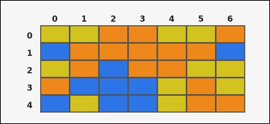 |  | task_tile_count_largest_component_size | largest_component_size | Work from the labeled rectangular tile board in the image. It has 5 rows and 7 columns with visible row and column indices. Using 4-neighbor connectivity, what is the size of the largest connected group of blue [#2D75E6] tiles? Return a valid JSON object with keys "evidence" and "answer" in that order. Evidence field: set "evidence" to the row-major list of [row, col] coordinates for the tiles in that largest query-color component. Answer field: set "answer" to the size of the largest 4-neighbor connected component formed by the query-color tiles as an integer. Example JSON: {"evidence":[[0,0],[0,1],[1,1],[1,2]],"answer":4} | Work from the labeled rectangular tile board in the image. It has 5 rows and 7 columns with visible row and column indices. Using 4-neighbor connectivity, what is the size of the largest connected group of blue [#2D75E6] tiles? Return a valid JSON object with key "answer". Answer format: set "answer" to the size of the largest 4-neighbor connected component formed by the query-color tiles as an integer. Example JSON: {"answer":4} | {"evidence": [[2, 2], [3, 1], [3, 2], [3, 3], [4, 2], [4, 3]], "answer": 6} | [[2, 2], [3, 1], [3, 2], [3, 3], [4, 2], [4, 3]] | integer | grid_point_set | 1.1880318779E+15 | task_tile_count_largest_component_size/images/default/0011.png | task_tile_count_largest_component_size/data/default/0011.json
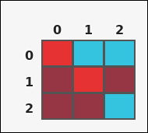 | 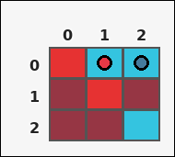 | task_tile_count_largest_component_size | largest_component_size | Look at the rectangular tile board with 3 rows and 3 columns. The board uses row labels on the left and column labels on the top. Count the tiles in the largest 4-neighbor connected component formed by cyan [#34C4E0]. Return a valid JSON object with keys "evidence" and "answer" in that order. Evidence format: set "evidence" to the row-major list of [row, col] coordinates for the tiles in that largest query-color component. Answer requirement: set "answer" to the size of the largest 4-neighbor connected component formed by the query-color tiles as an integer. Example JSON: {"evidence":[[0,0],[0,1],[1,1],[1,2]],"answer":4} | Look at the rectangular tile board with 3 rows and 3 columns. The board uses row labels on the left and column labels on the top. Count the tiles in the largest 4-neighbor connected component formed by cyan [#34C4E0]. Return a valid JSON object with key "answer". Answer requirement: set "answer" to the size of the largest 4-neighbor connected component formed by the query-color tiles as an integer. Example JSON: {"answer":4} | {"evidence": [[0, 1], [0, 2]], "answer": 2} | [[0, 1], [0, 2]] | integer | grid_point_set | 1.5919427233E+15 | task_tile_count_largest_component_size/images/default/0020.png | task_tile_count_largest_component_size/data/default/0020.json
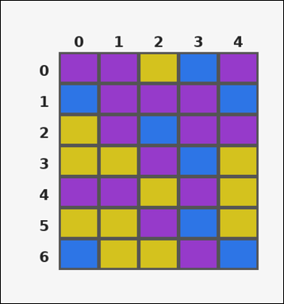 |  | task_tile_count_largest_component_size | largest_component_size | You are given one rectangular tile board on a 7 by 5 grid. Read rows from the left labels and columns from the top labels. What is the size of the largest 4-neighbor connected component of purple [#963ACA]? Return a valid JSON object with keys "evidence" and "answer" in that order. Evidence: set "evidence" to the row-major list of [row, col] coordinates for the tiles in that largest query-color component. Answer: set "answer" to the size of the largest 4-neighbor connected component formed by the query-color tiles as an integer. Example JSON: {"evidence":[[0,0],[0,1],[1,1],[1,2]],"answer":4} | You are given one rectangular tile board on a 7 by 5 grid. Read rows from the left labels and columns from the top labels. What is the size of the largest 4-neighbor connected component of purple [#963ACA]? Return a valid JSON object with key "answer". Answer: set "answer" to the size of the largest 4-neighbor connected component formed by the query-color tiles as an integer. Example JSON: {"answer":4} | {"evidence": [[0, 0], [0, 1], [1, 1], [1, 2], [1, 3], [2, 1], [2, 3], [2, 4]], "answer": 8} | [[0, 0], [0, 1], [1, 1], [1, 2], [1, 3], [2, 1], [2, 3], [2, 4]] | integer | grid_point_set | 1.9496883544E+15 | task_tile_count_largest_component_size/images/default/0005.png | task_tile_count_largest_component_size/data/default/0005.json
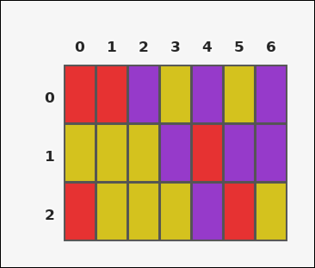 |  | task_tile_count_largest_component_size | largest_component_size | Look at the rectangular tile board with 3 rows and 7 columns. The board uses row labels on the left and column labels on the top. Using 4-neighbor connectivity, what is the size of the largest connected group of purple [#963ACA] tiles? Return a valid JSON object with keys "evidence" and "answer" in that order. Evidence rule: set "evidence" to the row-major list of [row, col] coordinates for the tiles in that largest query-color component. Answer rule: set "answer" to the size of the largest 4-neighbor connected component formed by the query-color tiles as an integer. Example JSON: {"evidence":[[0,0],[0,1],[1,1],[1,2]],"answer":4} | Look at the rectangular tile board with 3 rows and 7 columns. The board uses row labels on the left and column labels on the top. Using 4-neighbor connectivity, what is the size of the largest connected group of purple [#963ACA] tiles? Return a valid JSON object with key "answer". Answer field: set "answer" to the size of the largest 4-neighbor connected component formed by the query-color tiles as an integer. Example JSON: {"answer":4} | {"evidence": [[0, 6], [1, 5], [1, 6]], "answer": 3} | [[0, 6], [1, 5], [1, 6]] | integer | grid_point_set | 2.2054376746E+15 | task_tile_count_largest_component_size/images/default/0000.png | task_tile_count_largest_component_size/data/default/0000.json
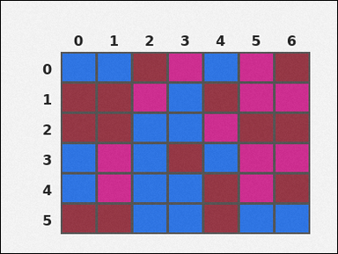 | 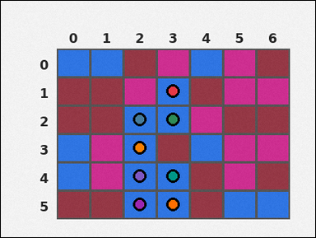 | task_tile_count_largest_component_size | largest_component_size | Work from the labeled rectangular tile board in the image. It has 6 rows and 7 columns with visible row and column indices. What is the size of the largest 4-neighbor connected component of blue [#2D75E6]? Return a valid JSON object with keys "evidence" and "answer" in that order. Evidence rule: set "evidence" to the row-major list of [row, col] coordinates for the tiles in that largest query-color component. Answer rule: set "answer" to the size of the largest 4-neighbor connected component formed by the query-color tiles as an integer. Example JSON: {"evidence":[[0,0],[0,1],[1,1],[1,2]],"answer":4} | Work from the labeled rectangular tile board in the image. It has 6 rows and 7 columns with visible row and column indices. What is the size of the largest 4-neighbor connected component of blue [#2D75E6]? Return a valid JSON object with key "answer". Answer field: set "answer" to the size of the largest 4-neighbor connected component formed by the query-color tiles as an integer. Example JSON: {"answer":4} | {"evidence": [[1, 3], [2, 2], [2, 3], [3, 2], [4, 2], [4, 3], [5, 2], [5, 3]], "answer": 8} | [[1, 3], [2, 2], [2, 3], [3, 2], [4, 2], [4, 3], [5, 2], [5, 3]] | integer | grid_point_set | 2.3388518229E+15 | task_tile_count_largest_component_size/images/default/0007.png | task_tile_count_largest_component_size/data/default/0007.json
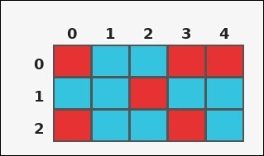 | 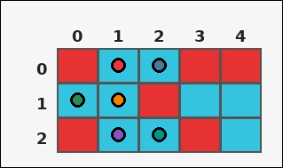 | task_tile_count_largest_component_size | largest_component_size | The image shows one rectangular tile board with 3 rows and 5 columns. Row labels are on the left and column labels are on the top. Find the number of tiles in the largest 4-neighbor connected component made by the cyan [#34C4E0] tiles. Return a valid JSON object with keys "evidence" and "answer" in that order. Evidence requirement: set "evidence" to the row-major list of [row, col] coordinates for the tiles in that largest query-color component. Answer format: set "answer" to the size of the largest 4-neighbor connected component formed by the query-color tiles as an integer. Example JSON: {"evidence":[[0,0],[0,1],[1,1],[1,2]],"answer":4} | The image shows one rectangular tile board with 3 rows and 5 columns. Row labels are on the left and column labels are on the top. Find the number of tiles in the largest 4-neighbor connected component made by the cyan [#34C4E0] tiles. Return a valid JSON object with key "answer". Answer requirement: set "answer" to the size of the largest 4-neighbor connected component formed by the query-color tiles as an integer. Example JSON: {"answer":4} | {"evidence": [[0, 1], [0, 2], [1, 0], [1, 1], [2, 1], [2, 2]], "answer": 6} | [[0, 1], [0, 2], [1, 0], [1, 1], [2, 1], [2, 2]] | integer | grid_point_set | 2.8299200585E+15 | task_tile_count_largest_component_size/images/default/0006.png | task_tile_count_largest_component_size/data/default/0006.json
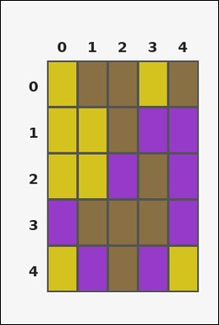 | 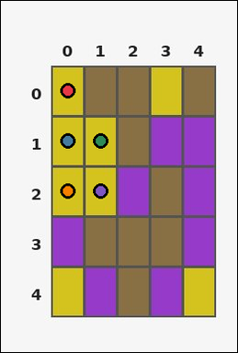 | task_tile_count_largest_component_size | largest_component_size | Look at the rectangular tile board with 5 rows and 5 columns. The board uses row labels on the left and column labels on the top. Find the number of tiles in the largest 4-neighbor connected component made by the yellow [#D4C21E] tiles. Return a valid JSON object with keys "evidence" and "answer" in that order. Evidence format: set "evidence" to the row-major list of [row, col] coordinates for the tiles in that largest query-color component. Answer requirement: set "answer" to the size of the largest 4-neighbor connected component formed by the query-color tiles as an integer. Example JSON: {"evidence":[[0,0],[0,1],[1,1],[1,2]],"answer":4} | Look at the rectangular tile board with 5 rows and 5 columns. The board uses row labels on the left and column labels on the top. Find the number of tiles in the largest 4-neighbor connected component made by the yellow [#D4C21E] tiles. Return a valid JSON object with key "answer". Answer rule: set "answer" to the size of the largest 4-neighbor connected component formed by the query-color tiles as an integer. Example JSON: {"answer":4} | {"evidence": [[0, 0], [1, 0], [1, 1], [2, 0], [2, 1]], "answer": 5} | [[0, 0], [1, 0], [1, 1], [2, 0], [2, 1]] | integer | grid_point_set | 2.932025251E+15 | task_tile_count_largest_component_size/images/default/0014.png | task_tile_count_largest_component_size/data/default/0014.json
 |  | task_tile_count_largest_component_size | largest_component_size | Work from the labeled rectangular tile board in the image. It has 7 rows and 3 columns with visible row and column indices. What is the size of the largest 4-neighbor connected component of green [#37B94B]? Return a valid JSON object with keys "evidence" and "answer" in that order. Evidence format: set "evidence" to the row-major list of [row, col] coordinates for the tiles in that largest query-color component. Answer requirement: set "answer" to the size of the largest 4-neighbor connected component formed by the query-color tiles as an integer. Example JSON: {"evidence":[[0,0],[0,1],[1,1],[1,2]],"answer":4} | Work from the labeled rectangular tile board in the image. It has 7 rows and 3 columns with visible row and column indices. What is the size of the largest 4-neighbor connected component of green [#37B94B]? Return a valid JSON object with key "answer". Answer requirement: set "answer" to the size of the largest 4-neighbor connected component formed by the query-color tiles as an integer. Example JSON: {"answer":4} | {"evidence": [[0, 0], [0, 1], [0, 2], [1, 0], [1, 1], [1, 2], [2, 2]], "answer": 7} | [[0, 0], [0, 1], [0, 2], [1, 0], [1, 1], [1, 2], [2, 2]] | integer | grid_point_set | 3.2881664463E+15 | task_tile_count_largest_component_size/images/default/0016.png | task_tile_count_largest_component_size/data/default/0016.json
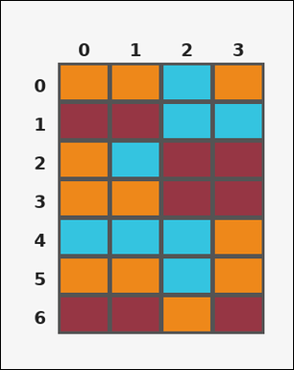 |  | task_tile_count_largest_component_size | largest_component_size | You are given one rectangular tile board on a 7 by 4 grid. Read rows from the left labels and columns from the top labels. Count the tiles in the largest 4-neighbor connected component formed by orange [#EE881A]. Return a valid JSON object with keys "evidence" and "answer" in that order. Evidence rule: set "evidence" to the row-major list of [row, col] coordinates for the tiles in that largest query-color component. Answer rule: set "answer" to the size of the largest 4-neighbor connected component formed by the query-color tiles as an integer. Example JSON: {"evidence":[[0,0],[0,1],[1,1],[1,2]],"answer":4} | You are given one rectangular tile board on a 7 by 4 grid. Read rows from the left labels and columns from the top labels. Count the tiles in the largest 4-neighbor connected component formed by orange [#EE881A]. Return a valid JSON object with key "answer". Answer field: set "answer" to the size of the largest 4-neighbor connected component formed by the query-color tiles as an integer. Example JSON: {"answer":4} | {"evidence": [[2, 0], [3, 0], [3, 1]], "answer": 3} | [[2, 0], [3, 0], [3, 1]] | integer | grid_point_set | 3.310515984E+15 | task_tile_count_largest_component_size/images/default/0004.png | task_tile_count_largest_component_size/data/default/0004.json
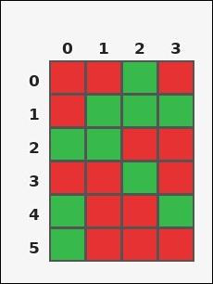 | 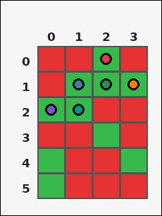 | task_tile_count_largest_component_size | largest_component_size | Work from the labeled rectangular tile board in the image. It has 6 rows and 4 columns with visible row and column indices. Using 4-neighbor connectivity, what is the size of the largest connected group of green [#37B94B] tiles? Return a valid JSON object with keys "evidence" and "answer" in that order. Evidence rule: set "evidence" to the row-major list of [row, col] coordinates for the tiles in that largest query-color component. Answer rule: set "answer" to the size of the largest 4-neighbor connected component formed by the query-color tiles as an integer. Example JSON: {"evidence":[[0,0],[0,1],[1,1],[1,2]],"answer":4} | Work from the labeled rectangular tile board in the image. It has 6 rows and 4 columns with visible row and column indices. Using 4-neighbor connectivity, what is the size of the largest connected group of green [#37B94B] tiles? Return a valid JSON object with key "answer". Answer: set "answer" to the size of the largest 4-neighbor connected component formed by the query-color tiles as an integer. Example JSON: {"answer":4} | {"evidence": [[0, 2], [1, 1], [1, 2], [1, 3], [2, 0], [2, 1]], "answer": 6} | [[0, 2], [1, 1], [1, 2], [1, 3], [2, 0], [2, 1]] | integer | grid_point_set | 3.3185604228E+15 | task_tile_count_largest_component_size/images/default/0003.png | task_tile_count_largest_component_size/data/default/0003.json
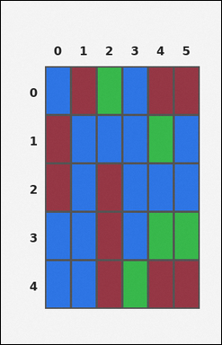 | 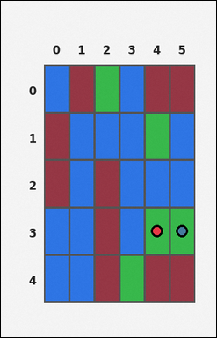 | task_tile_count_largest_component_size | largest_component_size | Use the single rectangular tile board in the image. It has 5 rows and 6 columns, with rows labeled on the left and columns labeled on the top. Count the tiles in the largest 4-neighbor connected component formed by green [#37B94B]. Return a valid JSON object with keys "evidence" and "answer" in that order. Evidence rule: set "evidence" to the row-major list of [row, col] coordinates for the tiles in that largest query-color component. Answer rule: set "answer" to the size of the largest 4-neighbor connected component formed by the query-color tiles as an integer. Example JSON: {"evidence":[[0,0],[0,1],[1,1],[1,2]],"answer":4} | Use the single rectangular tile board in the image. It has 5 rows and 6 columns, with rows labeled on the left and columns labeled on the top. Count the tiles in the largest 4-neighbor connected component formed by green [#37B94B]. Return a valid JSON object with key "answer". Answer requirement: set "answer" to the size of the largest 4-neighbor connected component formed by the query-color tiles as an integer. Example JSON: {"answer":4} | {"evidence": [[3, 4], [3, 5]], "answer": 2} | [[3, 4], [3, 5]] | integer | grid_point_set | 3.9528048855E+15 | task_tile_count_largest_component_size/images/default/0001.png | task_tile_count_largest_component_size/data/default/0001.json
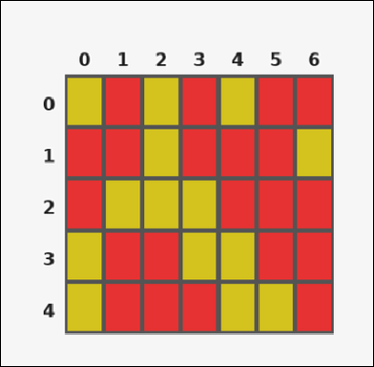 | 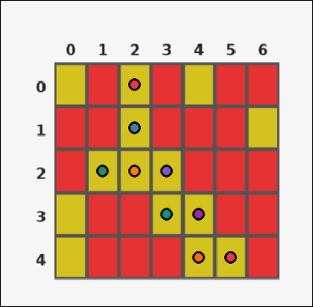 | task_tile_count_largest_component_size | largest_component_size | Use the single rectangular tile board in the image. It has 5 rows and 7 columns, with rows labeled on the left and columns labeled on the top. Find the number of tiles in the largest 4-neighbor connected component made by the yellow [#D4C21E] tiles. Return a valid JSON object with keys "evidence" and "answer" in that order. Evidence field: set "evidence" to the row-major list of [row, col] coordinates for the tiles in that largest query-color component. Answer field: set "answer" to the size of the largest 4-neighbor connected component formed by the query-color tiles as an integer. Example JSON: {"evidence":[[0,0],[0,1],[1,1],[1,2]],"answer":4} | Use the single rectangular tile board in the image. It has 5 rows and 7 columns, with rows labeled on the left and columns labeled on the top. Find the number of tiles in the largest 4-neighbor connected component made by the yellow [#D4C21E] tiles. Return a valid JSON object with key "answer". Answer rule: set "answer" to the size of the largest 4-neighbor connected component formed by the query-color tiles as an integer. Example JSON: {"answer":4} | {"evidence": [[0, 2], [1, 2], [2, 1], [2, 2], [2, 3], [3, 3], [3, 4], [4, 4], [4, 5]], "answer": 9} | [[0, 2], [1, 2], [2, 1], [2, 2], [2, 3], [3, 3], [3, 4], [4, 4], [4, 5]] | integer | grid_point_set | 3.9536983428E+15 | task_tile_count_largest_component_size/images/default/0017.png | task_tile_count_largest_component_size/data/default/0017.json
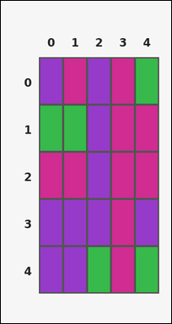 | 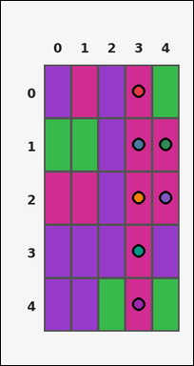 | task_tile_count_largest_component_size | largest_component_size | Use the single rectangular tile board in the image. It has 5 rows and 5 columns, with rows labeled on the left and columns labeled on the top. Count the tiles in the largest 4-neighbor connected component formed by magenta [#D02C91]. Return a valid JSON object with keys "evidence" and "answer" in that order. Evidence rule: set "evidence" to the row-major list of [row, col] coordinates for the tiles in that largest query-color component. Answer rule: set "answer" to the size of the largest 4-neighbor connected component formed by the query-color tiles as an integer. Example JSON: {"evidence":[[0,0],[0,1],[1,1],[1,2]],"answer":4} | Use the single rectangular tile board in the image. It has 5 rows and 5 columns, with rows labeled on the left and columns labeled on the top. Count the tiles in the largest 4-neighbor connected component formed by magenta [#D02C91]. Return a valid JSON object with key "answer". Answer format: set "answer" to the size of the largest 4-neighbor connected component formed by the query-color tiles as an integer. Example JSON: {"answer":4} | {"evidence": [[0, 3], [1, 3], [1, 4], [2, 3], [2, 4], [3, 3], [4, 3]], "answer": 7} | [[0, 3], [1, 3], [1, 4], [2, 3], [2, 4], [3, 3], [4, 3]] | integer | grid_point_set | 4.4888015332E+15 | task_tile_count_largest_component_size/images/default/0009.png | task_tile_count_largest_component_size/data/default/0009.json
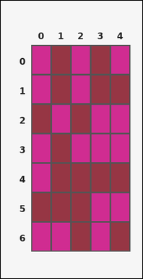 | 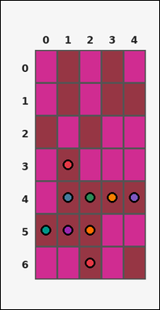 | task_tile_count_largest_component_size | largest_component_size | The image shows one rectangular tile board with 7 rows and 5 columns. Row labels are on the left and column labels are on the top. Using 4-neighbor connectivity, what is the size of the largest connected group of maroon [#963644] tiles? Return a valid JSON object with keys "evidence" and "answer" in that order. Evidence requirement: set "evidence" to the row-major list of [row, col] coordinates for the tiles in that largest query-color component. Answer format: set "answer" to the size of the largest 4-neighbor connected component formed by the query-color tiles as an integer. Example JSON: {"evidence":[[0,0],[0,1],[1,1],[1,2]],"answer":4} | The image shows one rectangular tile board with 7 rows and 5 columns. Row labels are on the left and column labels are on the top. Using 4-neighbor connectivity, what is the size of the largest connected group of maroon [#963644] tiles? Return a valid JSON object with key "answer". Answer: set "answer" to the size of the largest 4-neighbor connected component formed by the query-color tiles as an integer. Example JSON: {"answer":4} | {"evidence": [[3, 1], [4, 1], [4, 2], [4, 3], [4, 4], [5, 0], [5, 1], [5, 2], [6, 2]], "answer": 9} | [[3, 1], [4, 1], [4, 2], [4, 3], [4, 4], [5, 0], [5, 1], [5, 2], [6, 2]] | integer | grid_point_set | 4.5017384669E+15 | task_tile_count_largest_component_size/images/default/0010.png | task_tile_count_largest_component_size/data/default/0010.json
 |  | task_tile_count_largest_component_size | largest_component_size | Use the single rectangular tile board in the image. It has 7 rows and 4 columns, with rows labeled on the left and columns labeled on the top. What is the size of the largest 4-neighbor connected component of maroon [#963644]? Return a valid JSON object with keys "evidence" and "answer" in that order. Evidence format: set "evidence" to the row-major list of [row, col] coordinates for the tiles in that largest query-color component. Answer requirement: set "answer" to the size of the largest 4-neighbor connected component formed by the query-color tiles as an integer. Example JSON: {"evidence":[[0,0],[0,1],[1,1],[1,2]],"answer":4} | Use the single rectangular tile board in the image. It has 7 rows and 4 columns, with rows labeled on the left and columns labeled on the top. What is the size of the largest 4-neighbor connected component of maroon [#963644]? Return a valid JSON object with key "answer". Answer format: set "answer" to the size of the largest 4-neighbor connected component formed by the query-color tiles as an integer. Example JSON: {"answer":4} | {"evidence": [[3, 1], [3, 2], [4, 2], [4, 3], [5, 3], [6, 2], [6, 3]], "answer": 7} | [[3, 1], [3, 2], [4, 2], [4, 3], [5, 3], [6, 2], [6, 3]] | integer | grid_point_set | 5.7699959351E+15 | task_tile_count_largest_component_size/images/default/0024.png | task_tile_count_largest_component_size/data/default/0024.json
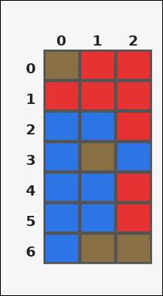 | 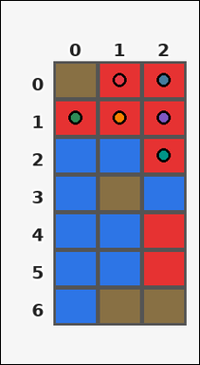 | task_tile_count_largest_component_size | largest_component_size | Look at the rectangular tile board with 7 rows and 3 columns. The board uses row labels on the left and column labels on the top. Find the number of tiles in the largest 4-neighbor connected component made by the red [#E63232] tiles. Return a valid JSON object with keys "evidence" and "answer" in that order. Evidence rule: set "evidence" to the row-major list of [row, col] coordinates for the tiles in that largest query-color component. Answer rule: set "answer" to the size of the largest 4-neighbor connected component formed by the query-color tiles as an integer. Example JSON: {"evidence":[[0,0],[0,1],[1,1],[1,2]],"answer":4} | Look at the rectangular tile board with 7 rows and 3 columns. The board uses row labels on the left and column labels on the top. Find the number of tiles in the largest 4-neighbor connected component made by the red [#E63232] tiles. Return a valid JSON object with key "answer". Answer field: set "answer" to the size of the largest 4-neighbor connected component formed by the query-color tiles as an integer. Example JSON: {"answer":4} | {"evidence": [[0, 1], [0, 2], [1, 0], [1, 1], [1, 2], [2, 2]], "answer": 6} | [[0, 1], [0, 2], [1, 0], [1, 1], [1, 2], [2, 2]] | integer | grid_point_set | 6.4941332788E+15 | task_tile_count_largest_component_size/images/default/0019.png | task_tile_count_largest_component_size/data/default/0019.json
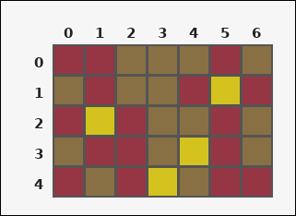 | 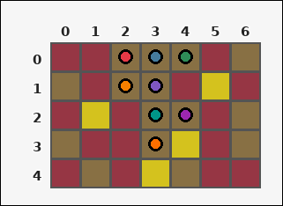 | task_tile_count_largest_component_size | largest_component_size | Use the single rectangular tile board in the image. It has 5 rows and 7 columns, with rows labeled on the left and columns labeled on the top. Count the tiles in the largest 4-neighbor connected component formed by brown [#887044]. Return a valid JSON object with keys "evidence" and "answer" in that order. Evidence field: set "evidence" to the row-major list of [row, col] coordinates for the tiles in that largest query-color component. Answer field: set "answer" to the size of the largest 4-neighbor connected component formed by the query-color tiles as an integer. Example JSON: {"evidence":[[0,0],[0,1],[1,1],[1,2]],"answer":4} | Use the single rectangular tile board in the image. It has 5 rows and 7 columns, with rows labeled on the left and columns labeled on the top. Count the tiles in the largest 4-neighbor connected component formed by brown [#887044]. Return a valid JSON object with key "answer". Answer format: set "answer" to the size of the largest 4-neighbor connected component formed by the query-color tiles as an integer. Example JSON: {"answer":4} | {"evidence": [[0, 2], [0, 3], [0, 4], [1, 2], [1, 3], [2, 3], [2, 4], [3, 3]], "answer": 8} | [[0, 2], [0, 3], [0, 4], [1, 2], [1, 3], [2, 3], [2, 4], [3, 3]] | integer | grid_point_set | 6.5890823782E+15 | task_tile_count_largest_component_size/images/default/0013.png | task_tile_count_largest_component_size/data/default/0013.json
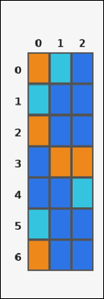 | 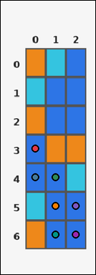 | task_tile_count_largest_component_size | largest_component_size | Use the single rectangular tile board in the image. It has 7 rows and 3 columns, with rows labeled on the left and columns labeled on the top. Using 4-neighbor connectivity, what is the size of the largest connected group of blue [#2D75E6] tiles? Return a valid JSON object with keys "evidence" and "answer" in that order. Evidence rule: set "evidence" to the row-major list of [row, col] coordinates for the tiles in that largest query-color component. Answer rule: set "answer" to the size of the largest 4-neighbor connected component formed by the query-color tiles as an integer. Example JSON: {"evidence":[[0,0],[0,1],[1,1],[1,2]],"answer":4} | Use the single rectangular tile board in the image. It has 7 rows and 3 columns, with rows labeled on the left and columns labeled on the top. Using 4-neighbor connectivity, what is the size of the largest connected group of blue [#2D75E6] tiles? Return a valid JSON object with key "answer". Answer format: set "answer" to the size of the largest 4-neighbor connected component formed by the query-color tiles as an integer. Example JSON: {"answer":4} | {"evidence": [[3, 0], [4, 0], [4, 1], [5, 1], [5, 2], [6, 1], [6, 2]], "answer": 7} | [[3, 0], [4, 0], [4, 1], [5, 1], [5, 2], [6, 1], [6, 2]] | integer | grid_point_set | 7.6007421679E+15 | task_tile_count_largest_component_size/images/default/0008.png | task_tile_count_largest_component_size/data/default/0008.json
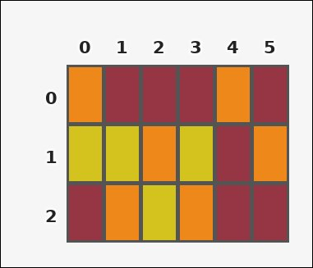 |  | task_tile_count_largest_component_size | largest_component_size | Work from the labeled rectangular tile board in the image. It has 3 rows and 6 columns with visible row and column indices. Count the tiles in the largest 4-neighbor connected component formed by yellow [#D4C21E]. Return a valid JSON object with keys "evidence" and "answer" in that order. Evidence format: set "evidence" to the row-major list of [row, col] coordinates for the tiles in that largest query-color component. Answer requirement: set "answer" to the size of the largest 4-neighbor connected component formed by the query-color tiles as an integer. Example JSON: {"evidence":[[0,0],[0,1],[1,1],[1,2]],"answer":4} | Work from the labeled rectangular tile board in the image. It has 3 rows and 6 columns with visible row and column indices. Count the tiles in the largest 4-neighbor connected component formed by yellow [#D4C21E]. Return a valid JSON object with key "answer". Answer requirement: set "answer" to the size of the largest 4-neighbor connected component formed by the query-color tiles as an integer. Example JSON: {"answer":4} | {"evidence": [[1, 0], [1, 1]], "answer": 2} | [[1, 0], [1, 1]] | integer | grid_point_set | 7.648989312E+15 | task_tile_count_largest_component_size/images/default/0015.png | task_tile_count_largest_component_size/data/default/0015.json
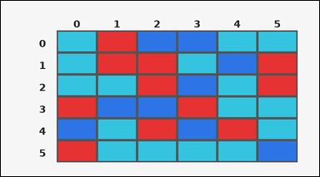 |  | task_tile_count_largest_component_size | largest_component_size | The image shows one rectangular tile board with 6 rows and 6 columns. Row labels are on the left and column labels are on the top. Determine how many tiles are in the largest 4-neighbor connected group of cyan [#34C4E0]. Return a valid JSON object with keys "evidence" and "answer" in that order. Evidence format: set "evidence" to the row-major list of [row, col] coordinates for the tiles in that largest query-color component. Answer requirement: set "answer" to the size of the largest 4-neighbor connected component formed by the query-color tiles as an integer. Example JSON: {"evidence":[[0,0],[0,1],[1,1],[1,2]],"answer":4} | The image shows one rectangular tile board with 6 rows and 6 columns. Row labels are on the left and column labels are on the top. Determine how many tiles are in the largest 4-neighbor connected group of cyan [#34C4E0]. Return a valid JSON object with key "answer". Answer field: set "answer" to the size of the largest 4-neighbor connected component formed by the query-color tiles as an integer. Example JSON: {"answer":4} | {"evidence": [[4, 1], [5, 1], [5, 2], [5, 3], [5, 4]], "answer": 5} | [[4, 1], [5, 1], [5, 2], [5, 3], [5, 4]] | integer | grid_point_set | 7.6504784915E+15 | task_tile_count_largest_component_size/images/default/0022.png | task_tile_count_largest_component_size/data/default/0022.json
 |  | task_tile_count_largest_component_size | largest_component_size | Work from the labeled rectangular tile board in the image. It has 6 rows and 3 columns with visible row and column indices. Using 4-neighbor connectivity, what is the size of the largest connected group of cyan [#34C4E0] tiles? Return a valid JSON object with keys "evidence" and "answer" in that order. Evidence rule: set "evidence" to the row-major list of [row, col] coordinates for the tiles in that largest query-color component. Answer rule: set "answer" to the size of the largest 4-neighbor connected component formed by the query-color tiles as an integer. Example JSON: {"evidence":[[0,0],[0,1],[1,1],[1,2]],"answer":4} | Work from the labeled rectangular tile board in the image. It has 6 rows and 3 columns with visible row and column indices. Using 4-neighbor connectivity, what is the size of the largest connected group of cyan [#34C4E0] tiles? Return a valid JSON object with key "answer". Answer rule: set "answer" to the size of the largest 4-neighbor connected component formed by the query-color tiles as an integer. Example JSON: {"answer":4} | {"evidence": [[0, 0], [0, 1], [0, 2], [1, 0], [2, 0]], "answer": 5} | [[0, 0], [0, 1], [0, 2], [1, 0], [2, 0]] | integer | grid_point_set | 7.7147357973E+15 | task_tile_count_largest_component_size/images/default/0002.png | task_tile_count_largest_component_size/data/default/0002.json
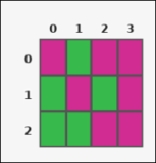 | 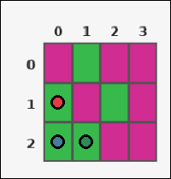 | task_tile_count_largest_component_size | largest_component_size | Look at the rectangular tile board with 3 rows and 4 columns. The board uses row labels on the left and column labels on the top. Count the tiles in the largest 4-neighbor connected component formed by green [#37B94B]. Return a valid JSON object with keys "evidence" and "answer" in that order. Evidence format: set "evidence" to the row-major list of [row, col] coordinates for the tiles in that largest query-color component. Answer requirement: set "answer" to the size of the largest 4-neighbor connected component formed by the query-color tiles as an integer. Example JSON: {"evidence":[[0,0],[0,1],[1,1],[1,2]],"answer":4} | Look at the rectangular tile board with 3 rows and 4 columns. The board uses row labels on the left and column labels on the top. Count the tiles in the largest 4-neighbor connected component formed by green [#37B94B]. Return a valid JSON object with key "answer". Answer format: set "answer" to the size of the largest 4-neighbor connected component formed by the query-color tiles as an integer. Example JSON: {"answer":4} | {"evidence": [[1, 0], [2, 0], [2, 1]], "answer": 3} | [[1, 0], [2, 0], [2, 1]] | integer | grid_point_set | 7.7210864539E+15 | task_tile_count_largest_component_size/images/default/0012.png | task_tile_count_largest_component_size/data/default/0012.json
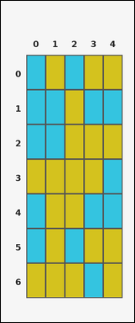 |  | task_tile_count_largest_component_size | largest_component_size | Work from the labeled rectangular tile board in the image. It has 7 rows and 5 columns with visible row and column indices. Count the tiles in the largest 4-neighbor connected component formed by cyan [#34C4E0]. Return a valid JSON object with keys "evidence" and "answer" in that order. Evidence: set "evidence" to the row-major list of [row, col] coordinates for the tiles in that largest query-color component. Answer: set "answer" to the size of the largest 4-neighbor connected component formed by the query-color tiles as an integer. Example JSON: {"evidence":[[0,0],[0,1],[1,1],[1,2]],"answer":4} | Work from the labeled rectangular tile board in the image. It has 7 rows and 5 columns with visible row and column indices. Count the tiles in the largest 4-neighbor connected component formed by cyan [#34C4E0]. Return a valid JSON object with key "answer". Answer format: set "answer" to the size of the largest 4-neighbor connected component formed by the query-color tiles as an integer. Example JSON: {"answer":4} | {"evidence": [[0, 0], [1, 0], [1, 1], [2, 0], [2, 1]], "answer": 5} | [[0, 0], [1, 0], [1, 1], [2, 0], [2, 1]] | integer | grid_point_set | 8.648235072E+15 | task_tile_count_largest_component_size/images/default/0018.png | task_tile_count_largest_component_size/data/default/0018.json
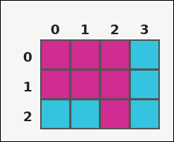 | 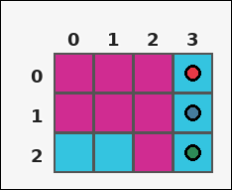 | task_tile_count_largest_component_size | largest_component_size | Look at the rectangular tile board with 3 rows and 4 columns. The board uses row labels on the left and column labels on the top. Determine how many tiles are in the largest 4-neighbor connected group of cyan [#34C4E0]. Return a valid JSON object with keys "evidence" and "answer" in that order. Evidence format: set "evidence" to the row-major list of [row, col] coordinates for the tiles in that largest query-color component. Answer requirement: set "answer" to the size of the largest 4-neighbor connected component formed by the query-color tiles as an integer. Example JSON: {"evidence":[[0,0],[0,1],[1,1],[1,2]],"answer":4} | Look at the rectangular tile board with 3 rows and 4 columns. The board uses row labels on the left and column labels on the top. Determine how many tiles are in the largest 4-neighbor connected group of cyan [#34C4E0]. Return a valid JSON object with key "answer". Answer rule: set "answer" to the size of the largest 4-neighbor connected component formed by the query-color tiles as an integer. Example JSON: {"answer":4} | {"evidence": [[0, 3], [1, 3], [2, 3]], "answer": 3} | [[0, 3], [1, 3], [2, 3]] | integer | grid_point_set | 8.7634463721E+15 | task_tile_count_largest_component_size/images/default/0021.png | task_tile_count_largest_component_size/data/default/0021.json
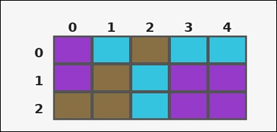 | 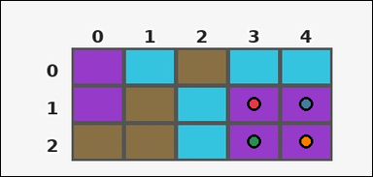 | task_tile_count_largest_component_size | largest_component_size | Look at the rectangular tile board with 3 rows and 5 columns. The board uses row labels on the left and column labels on the top. Find the number of tiles in the largest 4-neighbor connected component made by the purple [#963ACA] tiles. Return a valid JSON object with keys "evidence" and "answer" in that order. Evidence rule: set "evidence" to the row-major list of [row, col] coordinates for the tiles in that largest query-color component. Answer rule: set "answer" to the size of the largest 4-neighbor connected component formed by the query-color tiles as an integer. Example JSON: {"evidence":[[0,0],[0,1],[1,1],[1,2]],"answer":4} | Look at the rectangular tile board with 3 rows and 5 columns. The board uses row labels on the left and column labels on the top. Find the number of tiles in the largest 4-neighbor connected component made by the purple [#963ACA] tiles. Return a valid JSON object with key "answer". Answer: set "answer" to the size of the largest 4-neighbor connected component formed by the query-color tiles as an integer. Example JSON: {"answer":4} | {"evidence": [[1, 3], [1, 4], [2, 3], [2, 4]], "answer": 4} | [[1, 3], [1, 4], [2, 3], [2, 4]] | integer | grid_point_set | 8.9053518369E+15 | task_tile_count_largest_component_size/images/default/0023.png | task_tile_count_largest_component_size/data/default/0023.json

