shortest_path
image | evidence_image | task | task_variant | prompt | prompt_answer_only | answer | answer_evidence | answer_type | evidence_type | instance_seed | image_path | data_path
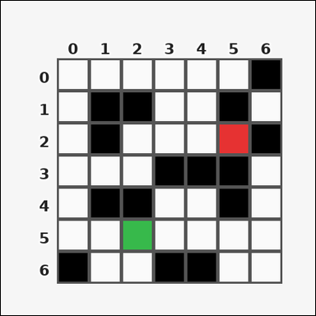 | 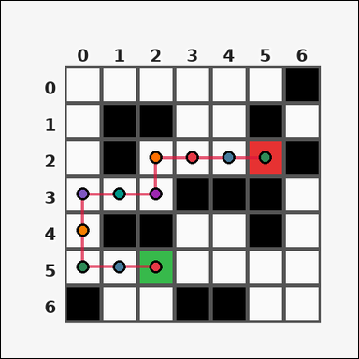 | task_tile_path_shortest_path | shortest_path | Use the single rectangular tile board in the image. It has 7 rows and 7 columns, with rows labeled on the left and columns labeled on the top. With black [#000000] tiles blocked and no diagonal movement allowed, compute the shortest-path step count from green [#37B94B] to red [#E63232]. Return a valid JSON object with keys "evidence" and "answer" in that order. Evidence field: set "evidence" to the ordered list of [row, col] coordinates along one shortest path from the start tile to the goal tile, inclusive. Answer field: set "answer" to the shortest path length as an integer. Example JSON: {"evidence":[[0,0],[0,1],[1,1],[1,2]],"answer":3} | Use the single rectangular tile board in the image. It has 7 rows and 7 columns, with rows labeled on the left and columns labeled on the top. With black [#000000] tiles blocked and no diagonal movement allowed, compute the shortest-path step count from green [#37B94B] to red [#E63232]. Return a valid JSON object with key "answer". Answer rule: set "answer" to the shortest path length as an integer. Example JSON: {"answer":3} | {"evidence": [[5, 2], [5, 1], [5, 0], [4, 0], [3, 0], [3, 1], [3, 2], [2, 2], [2, 3], [2, 4], [2, 5]], "answer": 10} | [[5, 2], [5, 1], [5, 0], [4, 0], [3, 0], [3, 1], [3, 2], [2, 2], [2, 3], [2, 4], [2, 5]] | integer | grid_point_path | 188290793352393 | task_tile_path_shortest_path/images/default/0012.png | task_tile_path_shortest_path/data/default/0012.json
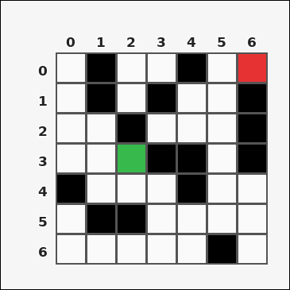 | 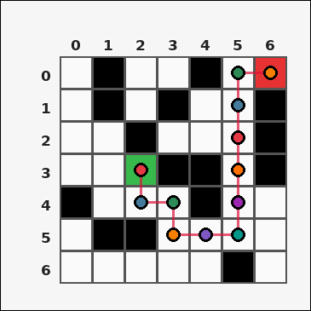 | task_tile_path_shortest_path | shortest_path | The image shows one rectangular tile board with 7 rows and 7 columns. Row labels are on the left and column labels are on the top. With black [#000000] tiles blocked and no diagonal movement allowed, compute the shortest-path step count from green [#37B94B] to red [#E63232]. Return a valid JSON object with keys "evidence" and "answer" in that order. Evidence rule: set "evidence" to the ordered list of [row, col] coordinates along one shortest path from the start tile to the goal tile, inclusive. Answer rule: set "answer" to the shortest path length as an integer. Example JSON: {"evidence":[[0,0],[0,1],[1,1],[1,2]],"answer":3} | The image shows one rectangular tile board with 7 rows and 7 columns. Row labels are on the left and column labels are on the top. With black [#000000] tiles blocked and no diagonal movement allowed, compute the shortest-path step count from green [#37B94B] to red [#E63232]. Return a valid JSON object with key "answer". Answer format: set "answer" to the shortest path length as an integer. Example JSON: {"answer":3} | {"evidence": [[3, 2], [4, 2], [4, 3], [5, 3], [5, 4], [5, 5], [4, 5], [3, 5], [2, 5], [1, 5], [0, 5], [0, 6]], "answer": 11} | [[3, 2], [4, 2], [4, 3], [5, 3], [5, 4], [5, 5], [4, 5], [3, 5], [2, 5], [1, 5], [0, 5], [0, 6]] | integer | grid_point_path | 489345848722348 | task_tile_path_shortest_path/images/default/0015.png | task_tile_path_shortest_path/data/default/0015.json
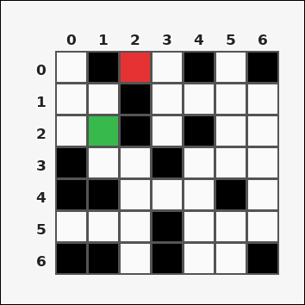 | 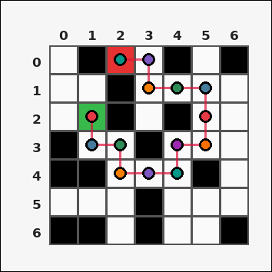 | task_tile_path_shortest_path | shortest_path | Look at the rectangular tile board with 7 rows and 7 columns. The board uses row labels on the left and column labels on the top. With black [#000000] tiles blocked and no diagonal movement allowed, compute the shortest-path step count from green [#37B94B] to red [#E63232]. Return a valid JSON object with keys "evidence" and "answer" in that order. Evidence requirement: set "evidence" to the ordered list of [row, col] coordinates along one shortest path from the start tile to the goal tile, inclusive. Answer format: set "answer" to the shortest path length as an integer. Example JSON: {"evidence":[[0,0],[0,1],[1,1],[1,2]],"answer":3} | Look at the rectangular tile board with 7 rows and 7 columns. The board uses row labels on the left and column labels on the top. With black [#000000] tiles blocked and no diagonal movement allowed, compute the shortest-path step count from green [#37B94B] to red [#E63232]. Return a valid JSON object with key "answer". Answer rule: set "answer" to the shortest path length as an integer. Example JSON: {"answer":3} | {"evidence": [[2, 1], [3, 1], [3, 2], [4, 2], [4, 3], [4, 4], [3, 4], [3, 5], [2, 5], [1, 5], [1, 4], [1, 3], [0, 3], [0, 2]], "answer": 13} | [[2, 1], [3, 1], [3, 2], [4, 2], [4, 3], [4, 4], [3, 4], [3, 5], [2, 5], [1, 5], [1, 4], [1, 3], [0, 3], [0, 2]] | integer | grid_point_path | 643219407021892 | task_tile_path_shortest_path/images/default/0010.png | task_tile_path_shortest_path/data/default/0010.json
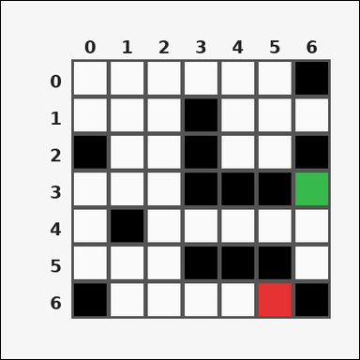 | 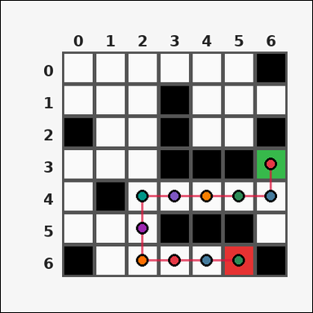 | task_tile_path_shortest_path | shortest_path | Use the single rectangular tile board in the image. It has 7 rows and 7 columns, with rows labeled on the left and columns labeled on the top. Find the shortest valid path length in steps from the green [#37B94B] start tile to the red [#E63232] goal tile, moving only through tiles that are not black [#000000] with 4-neighbor movement. Return a valid JSON object with keys "evidence" and "answer" in that order. Evidence: set "evidence" to the ordered list of [row, col] coordinates along one shortest path from the start tile to the goal tile, inclusive. Answer: set "answer" to the shortest path length as an integer. Example JSON: {"evidence":[[0,0],[0,1],[1,1],[1,2]],"answer":3} | Use the single rectangular tile board in the image. It has 7 rows and 7 columns, with rows labeled on the left and columns labeled on the top. Find the shortest valid path length in steps from the green [#37B94B] start tile to the red [#E63232] goal tile, moving only through tiles that are not black [#000000] with 4-neighbor movement. Return a valid JSON object with key "answer". Answer requirement: set "answer" to the shortest path length as an integer. Example JSON: {"answer":3} | {"evidence": [[3, 6], [4, 6], [4, 5], [4, 4], [4, 3], [4, 2], [5, 2], [6, 2], [6, 3], [6, 4], [6, 5]], "answer": 10} | [[3, 6], [4, 6], [4, 5], [4, 4], [4, 3], [4, 2], [5, 2], [6, 2], [6, 3], [6, 4], [6, 5]] | integer | grid_point_path | 648672346858821 | task_tile_path_shortest_path/images/default/0011.png | task_tile_path_shortest_path/data/default/0011.json
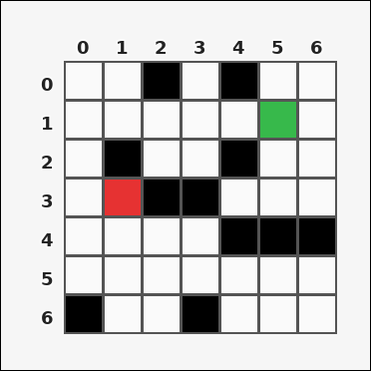 | 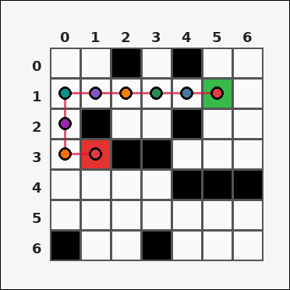 | task_tile_path_shortest_path | shortest_path | Use the single rectangular tile board in the image. It has 7 rows and 7 columns, with rows labeled on the left and columns labeled on the top. Treat the black [#000000] tiles as blocked. The start tile is green [#37B94B] and the goal tile is red [#E63232]. Determine the shortest path length in steps using 4-neighbor movement. Return a valid JSON object with keys "evidence" and "answer" in that order. Evidence: set "evidence" to the ordered list of [row, col] coordinates along one shortest path from the start tile to the goal tile, inclusive. Answer: set "answer" to the shortest path length as an integer. Example JSON: {"evidence":[[0,0],[0,1],[1,1],[1,2]],"answer":3} | Use the single rectangular tile board in the image. It has 7 rows and 7 columns, with rows labeled on the left and columns labeled on the top. Treat the black [#000000] tiles as blocked. The start tile is green [#37B94B] and the goal tile is red [#E63232]. Determine the shortest path length in steps using 4-neighbor movement. Return a valid JSON object with key "answer". Answer field: set "answer" to the shortest path length as an integer. Example JSON: {"answer":3} | {"evidence": [[1, 5], [1, 4], [1, 3], [1, 2], [1, 1], [1, 0], [2, 0], [3, 0], [3, 1]], "answer": 8} | [[1, 5], [1, 4], [1, 3], [1, 2], [1, 1], [1, 0], [2, 0], [3, 0], [3, 1]] | integer | grid_point_path | 1.0168894879E+15 | task_tile_path_shortest_path/images/default/0009.png | task_tile_path_shortest_path/data/default/0009.json
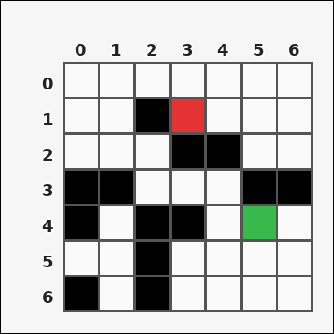 | 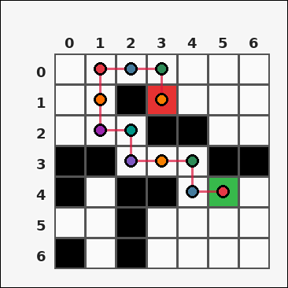 | task_tile_path_shortest_path | shortest_path | You are given one rectangular tile board on a 7 by 7 grid. Read rows from the left labels and columns from the top labels. Treat the black [#000000] tiles as blocked. The start tile is green [#37B94B] and the goal tile is red [#E63232]. Determine the shortest path length in steps using 4-neighbor movement. Return a valid JSON object with keys "evidence" and "answer" in that order. Evidence requirement: set "evidence" to the ordered list of [row, col] coordinates along one shortest path from the start tile to the goal tile, inclusive. Answer format: set "answer" to the shortest path length as an integer. Example JSON: {"evidence":[[0,0],[0,1],[1,1],[1,2]],"answer":3} | You are given one rectangular tile board on a 7 by 7 grid. Read rows from the left labels and columns from the top labels. Treat the black [#000000] tiles as blocked. The start tile is green [#37B94B] and the goal tile is red [#E63232]. Determine the shortest path length in steps using 4-neighbor movement. Return a valid JSON object with key "answer". Answer format: set "answer" to the shortest path length as an integer. Example JSON: {"answer":3} | {"evidence": [[4, 5], [4, 4], [3, 4], [3, 3], [3, 2], [2, 2], [2, 1], [1, 1], [0, 1], [0, 2], [0, 3], [1, 3]], "answer": 11} | [[4, 5], [4, 4], [3, 4], [3, 3], [3, 2], [2, 2], [2, 1], [1, 1], [0, 1], [0, 2], [0, 3], [1, 3]] | integer | grid_point_path | 1.7363379369E+15 | task_tile_path_shortest_path/images/default/0005.png | task_tile_path_shortest_path/data/default/0005.json
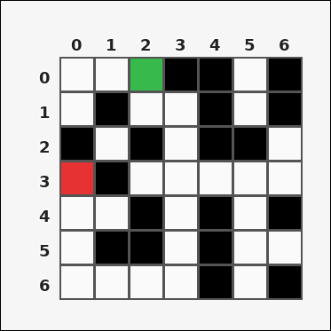 | 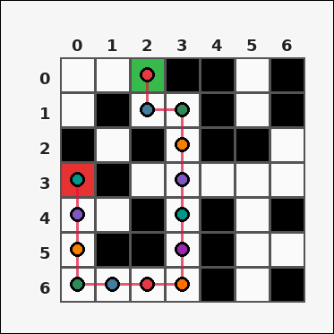 | task_tile_path_shortest_path | shortest_path | Use the single rectangular tile board in the image. It has 7 rows and 7 columns, with rows labeled on the left and columns labeled on the top. With black [#000000] tiles blocked and no diagonal movement allowed, compute the shortest-path step count from green [#37B94B] to red [#E63232]. Return a valid JSON object with keys "evidence" and "answer" in that order. Evidence field: set "evidence" to the ordered list of [row, col] coordinates along one shortest path from the start tile to the goal tile, inclusive. Answer field: set "answer" to the shortest path length as an integer. Example JSON: {"evidence":[[0,0],[0,1],[1,1],[1,2]],"answer":3} | Use the single rectangular tile board in the image. It has 7 rows and 7 columns, with rows labeled on the left and columns labeled on the top. With black [#000000] tiles blocked and no diagonal movement allowed, compute the shortest-path step count from green [#37B94B] to red [#E63232]. Return a valid JSON object with key "answer". Answer requirement: set "answer" to the shortest path length as an integer. Example JSON: {"answer":3} | {"evidence": [[0, 2], [1, 2], [1, 3], [2, 3], [3, 3], [4, 3], [5, 3], [6, 3], [6, 2], [6, 1], [6, 0], [5, 0], [4, 0], [3, 0]], "answer": 13} | [[0, 2], [1, 2], [1, 3], [2, 3], [3, 3], [4, 3], [5, 3], [6, 3], [6, 2], [6, 1], [6, 0], [5, 0], [4, 0], [3, 0]] | integer | grid_point_path | 2.2880038118E+15 | task_tile_path_shortest_path/images/default/0024.png | task_tile_path_shortest_path/data/default/0024.json
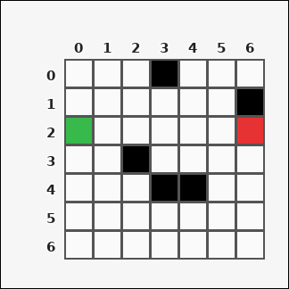 | 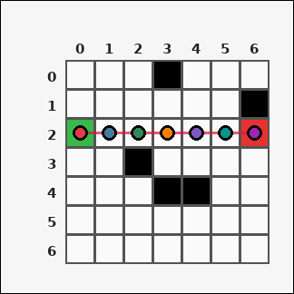 | task_tile_path_shortest_path | shortest_path | Use the single rectangular tile board in the image. It has 7 rows and 7 columns, with rows labeled on the left and columns labeled on the top. With black [#000000] tiles blocked and no diagonal movement allowed, compute the shortest-path step count from green [#37B94B] to red [#E63232]. Return a valid JSON object with keys "evidence" and "answer" in that order. Evidence rule: set "evidence" to the ordered list of [row, col] coordinates along one shortest path from the start tile to the goal tile, inclusive. Answer rule: set "answer" to the shortest path length as an integer. Example JSON: {"evidence":[[0,0],[0,1],[1,1],[1,2]],"answer":3} | Use the single rectangular tile board in the image. It has 7 rows and 7 columns, with rows labeled on the left and columns labeled on the top. With black [#000000] tiles blocked and no diagonal movement allowed, compute the shortest-path step count from green [#37B94B] to red [#E63232]. Return a valid JSON object with key "answer". Answer: set "answer" to the shortest path length as an integer. Example JSON: {"answer":3} | {"evidence": [[2, 0], [2, 1], [2, 2], [2, 3], [2, 4], [2, 5], [2, 6]], "answer": 6} | [[2, 0], [2, 1], [2, 2], [2, 3], [2, 4], [2, 5], [2, 6]] | integer | grid_point_path | 2.6274846607E+15 | task_tile_path_shortest_path/images/default/0008.png | task_tile_path_shortest_path/data/default/0008.json
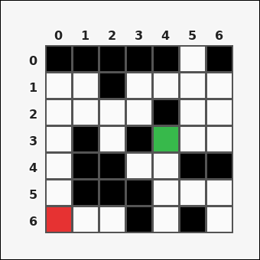 | 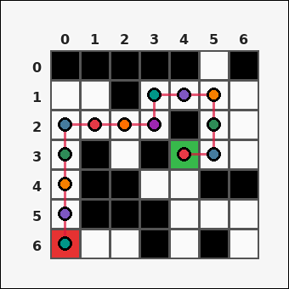 | task_tile_path_shortest_path | shortest_path | Use the single rectangular tile board in the image. It has 7 rows and 7 columns, with rows labeled on the left and columns labeled on the top. With black [#000000] tiles blocked and no diagonal movement allowed, compute the shortest-path step count from green [#37B94B] to red [#E63232]. Return a valid JSON object with keys "evidence" and "answer" in that order. Evidence: set "evidence" to the ordered list of [row, col] coordinates along one shortest path from the start tile to the goal tile, inclusive. Answer: set "answer" to the shortest path length as an integer. Example JSON: {"evidence":[[0,0],[0,1],[1,1],[1,2]],"answer":3} | Use the single rectangular tile board in the image. It has 7 rows and 7 columns, with rows labeled on the left and columns labeled on the top. With black [#000000] tiles blocked and no diagonal movement allowed, compute the shortest-path step count from green [#37B94B] to red [#E63232]. Return a valid JSON object with key "answer". Answer rule: set "answer" to the shortest path length as an integer. Example JSON: {"answer":3} | {"evidence": [[3, 4], [3, 5], [2, 5], [1, 5], [1, 4], [1, 3], [2, 3], [2, 2], [2, 1], [2, 0], [3, 0], [4, 0], [5, 0], [6, 0]], "answer": 13} | [[3, 4], [3, 5], [2, 5], [1, 5], [1, 4], [1, 3], [2, 3], [2, 2], [2, 1], [2, 0], [3, 0], [4, 0], [5, 0], [6, 0]] | integer | grid_point_path | 3.123044429E+15 | task_tile_path_shortest_path/images/default/0016.png | task_tile_path_shortest_path/data/default/0016.json
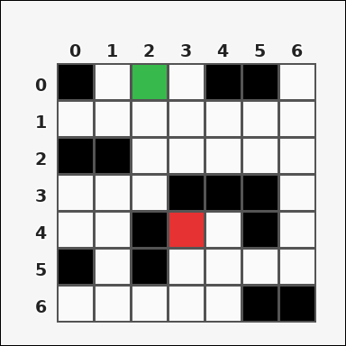 | 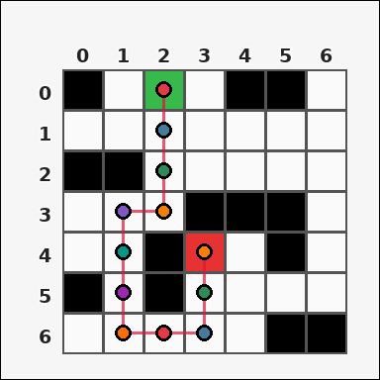 | task_tile_path_shortest_path | shortest_path | Work from the labeled rectangular tile board in the image. It has 7 rows and 7 columns with visible row and column indices. With black [#000000] tiles blocked and no diagonal movement allowed, compute the shortest-path step count from green [#37B94B] to red [#E63232]. Return a valid JSON object with keys "evidence" and "answer" in that order. Evidence format: set "evidence" to the ordered list of [row, col] coordinates along one shortest path from the start tile to the goal tile, inclusive. Answer requirement: set "answer" to the shortest path length as an integer. Example JSON: {"evidence":[[0,0],[0,1],[1,1],[1,2]],"answer":3} | Work from the labeled rectangular tile board in the image. It has 7 rows and 7 columns with visible row and column indices. With black [#000000] tiles blocked and no diagonal movement allowed, compute the shortest-path step count from green [#37B94B] to red [#E63232]. Return a valid JSON object with key "answer". Answer: set "answer" to the shortest path length as an integer. Example JSON: {"answer":3} | {"evidence": [[0, 2], [1, 2], [2, 2], [3, 2], [3, 1], [4, 1], [5, 1], [6, 1], [6, 2], [6, 3], [5, 3], [4, 3]], "answer": 11} | [[0, 2], [1, 2], [2, 2], [3, 2], [3, 1], [4, 1], [5, 1], [6, 1], [6, 2], [6, 3], [5, 3], [4, 3]] | integer | grid_point_path | 3.3137237899E+15 | task_tile_path_shortest_path/images/default/0004.png | task_tile_path_shortest_path/data/default/0004.json
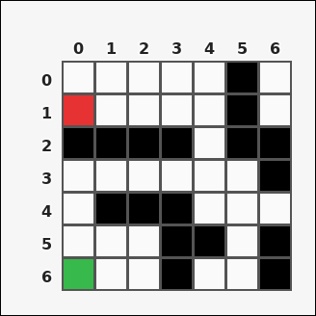 | 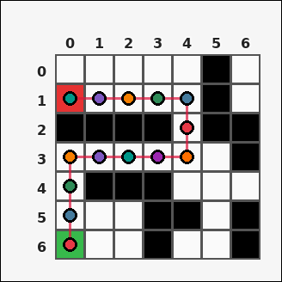 | task_tile_path_shortest_path | shortest_path | Use the single rectangular tile board in the image. It has 7 rows and 7 columns, with rows labeled on the left and columns labeled on the top. Obstacle tiles are black [#000000]. The start tile is green [#37B94B], and the goal tile is red [#E63232]. Using 4-neighbor moves through non-obstacle tiles, find the shortest path length in steps. Return a valid JSON object with keys "evidence" and "answer" in that order. Evidence field: set "evidence" to the ordered list of [row, col] coordinates along one shortest path from the start tile to the goal tile, inclusive. Answer field: set "answer" to the shortest path length as an integer. Example JSON: {"evidence":[[0,0],[0,1],[1,1],[1,2]],"answer":3} | Use the single rectangular tile board in the image. It has 7 rows and 7 columns, with rows labeled on the left and columns labeled on the top. Obstacle tiles are black [#000000]. The start tile is green [#37B94B], and the goal tile is red [#E63232]. Using 4-neighbor moves through non-obstacle tiles, find the shortest path length in steps. Return a valid JSON object with key "answer". Answer format: set "answer" to the shortest path length as an integer. Example JSON: {"answer":3} | {"evidence": [[6, 0], [5, 0], [4, 0], [3, 0], [3, 1], [3, 2], [3, 3], [3, 4], [2, 4], [1, 4], [1, 3], [1, 2], [1, 1], [1, 0]], "answer": 13} | [[6, 0], [5, 0], [4, 0], [3, 0], [3, 1], [3, 2], [3, 3], [3, 4], [2, 4], [1, 4], [1, 3], [1, 2], [1, 1], [1, 0]] | integer | grid_point_path | 4.1326961996E+15 | task_tile_path_shortest_path/images/default/0007.png | task_tile_path_shortest_path/data/default/0007.json
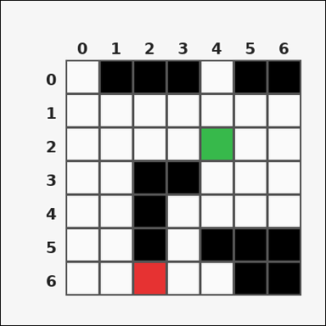 | 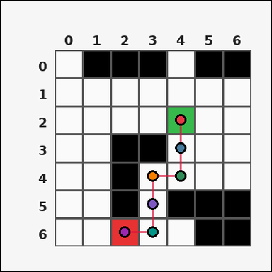 | task_tile_path_shortest_path | shortest_path | Look at the rectangular tile board with 7 rows and 7 columns. The board uses row labels on the left and column labels on the top. Treat the black [#000000] tiles as blocked. The start tile is green [#37B94B] and the goal tile is red [#E63232]. Determine the shortest path length in steps using 4-neighbor movement. Return a valid JSON object with keys "evidence" and "answer" in that order. Evidence format: set "evidence" to the ordered list of [row, col] coordinates along one shortest path from the start tile to the goal tile, inclusive. Answer requirement: set "answer" to the shortest path length as an integer. Example JSON: {"evidence":[[0,0],[0,1],[1,1],[1,2]],"answer":3} | Look at the rectangular tile board with 7 rows and 7 columns. The board uses row labels on the left and column labels on the top. Treat the black [#000000] tiles as blocked. The start tile is green [#37B94B] and the goal tile is red [#E63232]. Determine the shortest path length in steps using 4-neighbor movement. Return a valid JSON object with key "answer". Answer rule: set "answer" to the shortest path length as an integer. Example JSON: {"answer":3} | {"evidence": [[2, 4], [3, 4], [4, 4], [4, 3], [5, 3], [6, 3], [6, 2]], "answer": 6} | [[2, 4], [3, 4], [4, 4], [4, 3], [5, 3], [6, 3], [6, 2]] | integer | grid_point_path | 4.3841537262E+15 | task_tile_path_shortest_path/images/default/0013.png | task_tile_path_shortest_path/data/default/0013.json
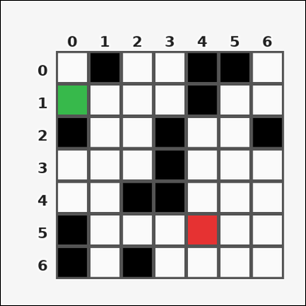 | 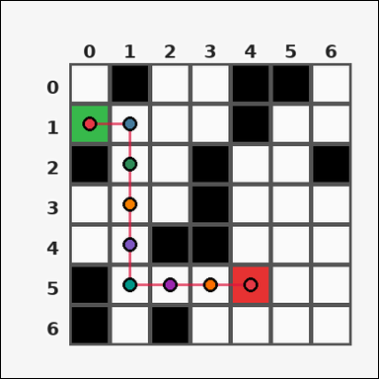 | task_tile_path_shortest_path | shortest_path | Look at the rectangular tile board with 7 rows and 7 columns. The board uses row labels on the left and column labels on the top. Treat the black [#000000] tiles as blocked. The start tile is green [#37B94B] and the goal tile is red [#E63232]. Determine the shortest path length in steps using 4-neighbor movement. Return a valid JSON object with keys "evidence" and "answer" in that order. Evidence rule: set "evidence" to the ordered list of [row, col] coordinates along one shortest path from the start tile to the goal tile, inclusive. Answer rule: set "answer" to the shortest path length as an integer. Example JSON: {"evidence":[[0,0],[0,1],[1,1],[1,2]],"answer":3} | Look at the rectangular tile board with 7 rows and 7 columns. The board uses row labels on the left and column labels on the top. Treat the black [#000000] tiles as blocked. The start tile is green [#37B94B] and the goal tile is red [#E63232]. Determine the shortest path length in steps using 4-neighbor movement. Return a valid JSON object with key "answer". Answer requirement: set "answer" to the shortest path length as an integer. Example JSON: {"answer":3} | {"evidence": [[1, 0], [1, 1], [2, 1], [3, 1], [4, 1], [5, 1], [5, 2], [5, 3], [5, 4]], "answer": 8} | [[1, 0], [1, 1], [2, 1], [3, 1], [4, 1], [5, 1], [5, 2], [5, 3], [5, 4]] | integer | grid_point_path | 4.8483395685E+15 | task_tile_path_shortest_path/images/default/0001.png | task_tile_path_shortest_path/data/default/0001.json
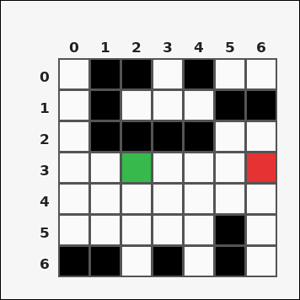 | 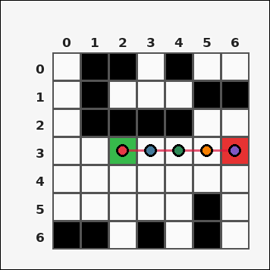 | task_tile_path_shortest_path | shortest_path | Look at the rectangular tile board with 7 rows and 7 columns. The board uses row labels on the left and column labels on the top. Obstacle tiles are black [#000000]. The start tile is green [#37B94B], and the goal tile is red [#E63232]. Using 4-neighbor moves through non-obstacle tiles, find the shortest path length in steps. Return a valid JSON object with keys "evidence" and "answer" in that order. Evidence field: set "evidence" to the ordered list of [row, col] coordinates along one shortest path from the start tile to the goal tile, inclusive. Answer field: set "answer" to the shortest path length as an integer. Example JSON: {"evidence":[[0,0],[0,1],[1,1],[1,2]],"answer":3} | Look at the rectangular tile board with 7 rows and 7 columns. The board uses row labels on the left and column labels on the top. Obstacle tiles are black [#000000]. The start tile is green [#37B94B], and the goal tile is red [#E63232]. Using 4-neighbor moves through non-obstacle tiles, find the shortest path length in steps. Return a valid JSON object with key "answer". Answer: set "answer" to the shortest path length as an integer. Example JSON: {"answer":3} | {"evidence": [[3, 2], [3, 3], [3, 4], [3, 5], [3, 6]], "answer": 4} | [[3, 2], [3, 3], [3, 4], [3, 5], [3, 6]] | integer | grid_point_path | 5.1060664556E+15 | task_tile_path_shortest_path/images/default/0023.png | task_tile_path_shortest_path/data/default/0023.json
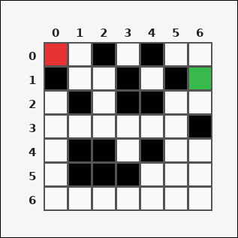 | 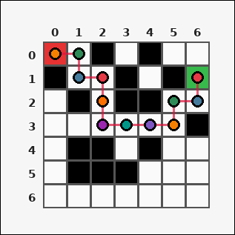 | task_tile_path_shortest_path | shortest_path | Use the single rectangular tile board in the image. It has 7 rows and 7 columns, with rows labeled on the left and columns labeled on the top. Treat the black [#000000] tiles as blocked. The start tile is green [#37B94B] and the goal tile is red [#E63232]. Determine the shortest path length in steps using 4-neighbor movement. Return a valid JSON object with keys "evidence" and "answer" in that order. Evidence rule: set "evidence" to the ordered list of [row, col] coordinates along one shortest path from the start tile to the goal tile, inclusive. Answer rule: set "answer" to the shortest path length as an integer. Example JSON: {"evidence":[[0,0],[0,1],[1,1],[1,2]],"answer":3} | Use the single rectangular tile board in the image. It has 7 rows and 7 columns, with rows labeled on the left and columns labeled on the top. Treat the black [#000000] tiles as blocked. The start tile is green [#37B94B] and the goal tile is red [#E63232]. Determine the shortest path length in steps using 4-neighbor movement. Return a valid JSON object with key "answer". Answer: set "answer" to the shortest path length as an integer. Example JSON: {"answer":3} | {"evidence": [[1, 6], [2, 6], [2, 5], [3, 5], [3, 4], [3, 3], [3, 2], [2, 2], [1, 2], [1, 1], [0, 1], [0, 0]], "answer": 11} | [[1, 6], [2, 6], [2, 5], [3, 5], [3, 4], [3, 3], [3, 2], [2, 2], [1, 2], [1, 1], [0, 1], [0, 0]] | integer | grid_point_path | 5.1992750873E+15 | task_tile_path_shortest_path/images/default/0019.png | task_tile_path_shortest_path/data/default/0019.json
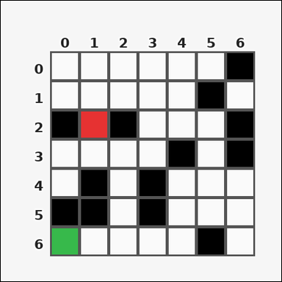 |  | task_tile_path_shortest_path | shortest_path | Look at the rectangular tile board with 7 rows and 7 columns. The board uses row labels on the left and column labels on the top. Using up/down/left/right moves through tiles that are not black [#000000], find the shortest-path length in steps from green [#37B94B] to red [#E63232]. Return a valid JSON object with keys "evidence" and "answer" in that order. Evidence: set "evidence" to the ordered list of [row, col] coordinates along one shortest path from the start tile to the goal tile, inclusive. Answer: set "answer" to the shortest path length as an integer. Example JSON: {"evidence":[[0,0],[0,1],[1,1],[1,2]],"answer":3} | Look at the rectangular tile board with 7 rows and 7 columns. The board uses row labels on the left and column labels on the top. Using up/down/left/right moves through tiles that are not black [#000000], find the shortest-path length in steps from green [#37B94B] to red [#E63232]. Return a valid JSON object with key "answer". Answer field: set "answer" to the shortest path length as an integer. Example JSON: {"answer":3} | {"evidence": [[6, 0], [6, 1], [6, 2], [5, 2], [4, 2], [3, 2], [3, 1], [2, 1]], "answer": 7} | [[6, 0], [6, 1], [6, 2], [5, 2], [4, 2], [3, 2], [3, 1], [2, 1]] | integer | grid_point_path | 5.7240616686E+15 | task_tile_path_shortest_path/images/default/0022.png | task_tile_path_shortest_path/data/default/0022.json
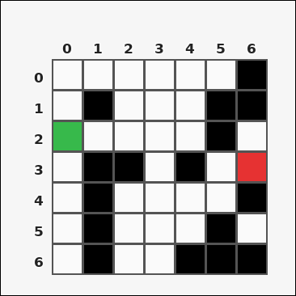 | 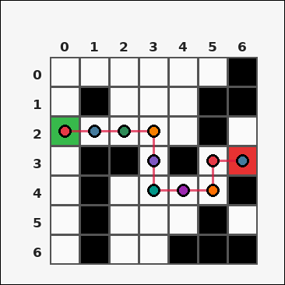 | task_tile_path_shortest_path | shortest_path | Use the single rectangular tile board in the image. It has 7 rows and 7 columns, with rows labeled on the left and columns labeled on the top. Using up/down/left/right moves through tiles that are not black [#000000], find the shortest-path length in steps from green [#37B94B] to red [#E63232]. Return a valid JSON object with keys "evidence" and "answer" in that order. Evidence requirement: set "evidence" to the ordered list of [row, col] coordinates along one shortest path from the start tile to the goal tile, inclusive. Answer format: set "answer" to the shortest path length as an integer. Example JSON: {"evidence":[[0,0],[0,1],[1,1],[1,2]],"answer":3} | Use the single rectangular tile board in the image. It has 7 rows and 7 columns, with rows labeled on the left and columns labeled on the top. Using up/down/left/right moves through tiles that are not black [#000000], find the shortest-path length in steps from green [#37B94B] to red [#E63232]. Return a valid JSON object with key "answer". Answer: set "answer" to the shortest path length as an integer. Example JSON: {"answer":3} | {"evidence": [[2, 0], [2, 1], [2, 2], [2, 3], [3, 3], [4, 3], [4, 4], [4, 5], [3, 5], [3, 6]], "answer": 9} | [[2, 0], [2, 1], [2, 2], [2, 3], [3, 3], [4, 3], [4, 4], [4, 5], [3, 5], [3, 6]] | integer | grid_point_path | 6.2019073305E+15 | task_tile_path_shortest_path/images/default/0002.png | task_tile_path_shortest_path/data/default/0002.json
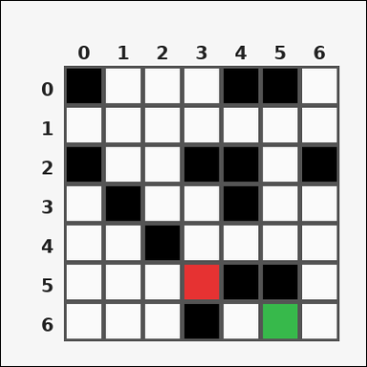 | 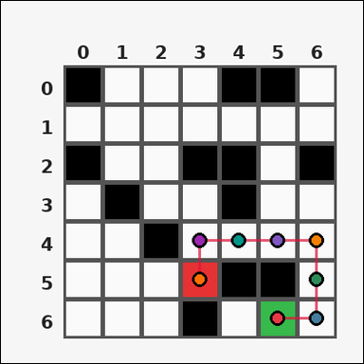 | task_tile_path_shortest_path | shortest_path | You are given one rectangular tile board on a 7 by 7 grid. Read rows from the left labels and columns from the top labels. Obstacle tiles are black [#000000]. The start tile is green [#37B94B], and the goal tile is red [#E63232]. Using 4-neighbor moves through non-obstacle tiles, find the shortest path length in steps. Return a valid JSON object with keys "evidence" and "answer" in that order. Evidence format: set "evidence" to the ordered list of [row, col] coordinates along one shortest path from the start tile to the goal tile, inclusive. Answer requirement: set "answer" to the shortest path length as an integer. Example JSON: {"evidence":[[0,0],[0,1],[1,1],[1,2]],"answer":3} | You are given one rectangular tile board on a 7 by 7 grid. Read rows from the left labels and columns from the top labels. Obstacle tiles are black [#000000]. The start tile is green [#37B94B], and the goal tile is red [#E63232]. Using 4-neighbor moves through non-obstacle tiles, find the shortest path length in steps. Return a valid JSON object with key "answer". Answer rule: set "answer" to the shortest path length as an integer. Example JSON: {"answer":3} | {"evidence": [[6, 5], [6, 6], [5, 6], [4, 6], [4, 5], [4, 4], [4, 3], [5, 3]], "answer": 7} | [[6, 5], [6, 6], [5, 6], [4, 6], [4, 5], [4, 4], [4, 3], [5, 3]] | integer | grid_point_path | 6.4398674764E+15 | task_tile_path_shortest_path/images/default/0014.png | task_tile_path_shortest_path/data/default/0014.json
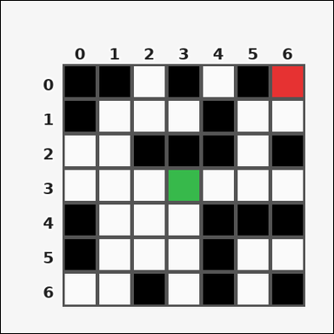 | 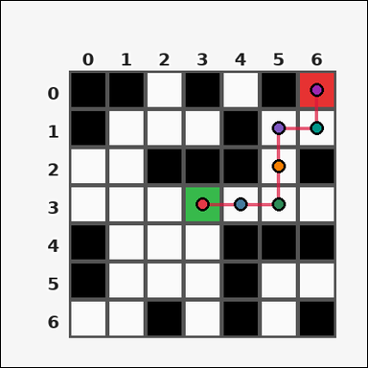 | task_tile_path_shortest_path | shortest_path | Use the single rectangular tile board in the image. It has 7 rows and 7 columns, with rows labeled on the left and columns labeled on the top. Find the shortest valid path length in steps from the green [#37B94B] start tile to the red [#E63232] goal tile, moving only through tiles that are not black [#000000] with 4-neighbor movement. Return a valid JSON object with keys "evidence" and "answer" in that order. Evidence rule: set "evidence" to the ordered list of [row, col] coordinates along one shortest path from the start tile to the goal tile, inclusive. Answer rule: set "answer" to the shortest path length as an integer. Example JSON: {"evidence":[[0,0],[0,1],[1,1],[1,2]],"answer":3} | Use the single rectangular tile board in the image. It has 7 rows and 7 columns, with rows labeled on the left and columns labeled on the top. Find the shortest valid path length in steps from the green [#37B94B] start tile to the red [#E63232] goal tile, moving only through tiles that are not black [#000000] with 4-neighbor movement. Return a valid JSON object with key "answer". Answer field: set "answer" to the shortest path length as an integer. Example JSON: {"answer":3} | {"evidence": [[3, 3], [3, 4], [3, 5], [2, 5], [1, 5], [1, 6], [0, 6]], "answer": 6} | [[3, 3], [3, 4], [3, 5], [2, 5], [1, 5], [1, 6], [0, 6]] | integer | grid_point_path | 6.4480487409E+15 | task_tile_path_shortest_path/images/default/0000.png | task_tile_path_shortest_path/data/default/0000.json
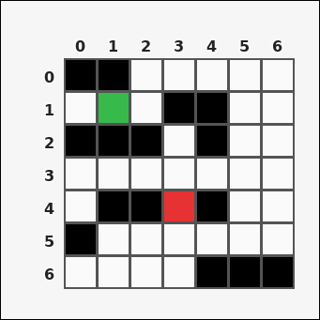 | 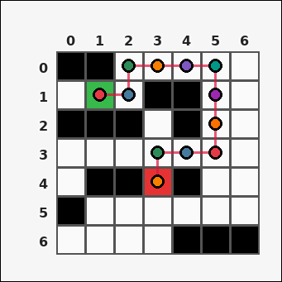 | task_tile_path_shortest_path | shortest_path | You are given one rectangular tile board on a 7 by 7 grid. Read rows from the left labels and columns from the top labels. Using up/down/left/right moves through tiles that are not black [#000000], find the shortest-path length in steps from green [#37B94B] to red [#E63232]. Return a valid JSON object with keys "evidence" and "answer" in that order. Evidence requirement: set "evidence" to the ordered list of [row, col] coordinates along one shortest path from the start tile to the goal tile, inclusive. Answer format: set "answer" to the shortest path length as an integer. Example JSON: {"evidence":[[0,0],[0,1],[1,1],[1,2]],"answer":3} | You are given one rectangular tile board on a 7 by 7 grid. Read rows from the left labels and columns from the top labels. Using up/down/left/right moves through tiles that are not black [#000000], find the shortest-path length in steps from green [#37B94B] to red [#E63232]. Return a valid JSON object with key "answer". Answer: set "answer" to the shortest path length as an integer. Example JSON: {"answer":3} | {"evidence": [[1, 1], [1, 2], [0, 2], [0, 3], [0, 4], [0, 5], [1, 5], [2, 5], [3, 5], [3, 4], [3, 3], [4, 3]], "answer": 11} | [[1, 1], [1, 2], [0, 2], [0, 3], [0, 4], [0, 5], [1, 5], [2, 5], [3, 5], [3, 4], [3, 3], [4, 3]] | integer | grid_point_path | 6.6157577164E+15 | task_tile_path_shortest_path/images/default/0018.png | task_tile_path_shortest_path/data/default/0018.json
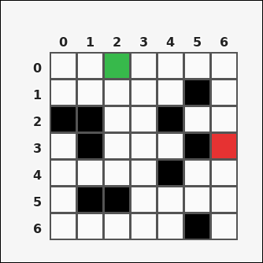 | 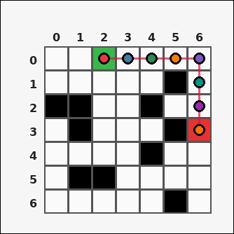 | task_tile_path_shortest_path | shortest_path | Work from the labeled rectangular tile board in the image. It has 7 rows and 7 columns with visible row and column indices. With black [#000000] tiles blocked and no diagonal movement allowed, compute the shortest-path step count from green [#37B94B] to red [#E63232]. Return a valid JSON object with keys "evidence" and "answer" in that order. Evidence field: set "evidence" to the ordered list of [row, col] coordinates along one shortest path from the start tile to the goal tile, inclusive. Answer field: set "answer" to the shortest path length as an integer. Example JSON: {"evidence":[[0,0],[0,1],[1,1],[1,2]],"answer":3} | Work from the labeled rectangular tile board in the image. It has 7 rows and 7 columns with visible row and column indices. With black [#000000] tiles blocked and no diagonal movement allowed, compute the shortest-path step count from green [#37B94B] to red [#E63232]. Return a valid JSON object with key "answer". Answer rule: set "answer" to the shortest path length as an integer. Example JSON: {"answer":3} | {"evidence": [[0, 2], [0, 3], [0, 4], [0, 5], [0, 6], [1, 6], [2, 6], [3, 6]], "answer": 7} | [[0, 2], [0, 3], [0, 4], [0, 5], [0, 6], [1, 6], [2, 6], [3, 6]] | integer | grid_point_path | 7.0326024184E+15 | task_tile_path_shortest_path/images/default/0021.png | task_tile_path_shortest_path/data/default/0021.json
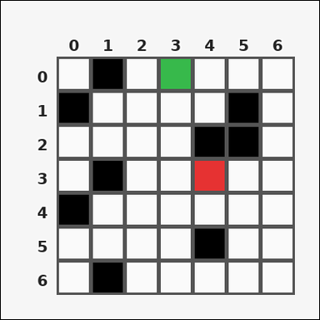 | 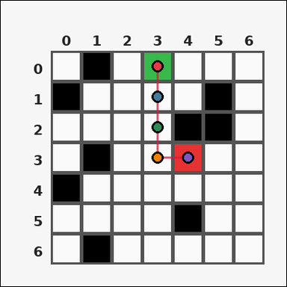 | task_tile_path_shortest_path | shortest_path | The image shows one rectangular tile board with 7 rows and 7 columns. Row labels are on the left and column labels are on the top. Obstacle tiles are black [#000000]. The start tile is green [#37B94B], and the goal tile is red [#E63232]. Using 4-neighbor moves through non-obstacle tiles, find the shortest path length in steps. Return a valid JSON object with keys "evidence" and "answer" in that order. Evidence format: set "evidence" to the ordered list of [row, col] coordinates along one shortest path from the start tile to the goal tile, inclusive. Answer requirement: set "answer" to the shortest path length as an integer. Example JSON: {"evidence":[[0,0],[0,1],[1,1],[1,2]],"answer":3} | The image shows one rectangular tile board with 7 rows and 7 columns. Row labels are on the left and column labels are on the top. Obstacle tiles are black [#000000]. The start tile is green [#37B94B], and the goal tile is red [#E63232]. Using 4-neighbor moves through non-obstacle tiles, find the shortest path length in steps. Return a valid JSON object with key "answer". Answer requirement: set "answer" to the shortest path length as an integer. Example JSON: {"answer":3} | {"evidence": [[0, 3], [1, 3], [2, 3], [3, 3], [3, 4]], "answer": 4} | [[0, 3], [1, 3], [2, 3], [3, 3], [3, 4]] | integer | grid_point_path | 7.2370110313E+15 | task_tile_path_shortest_path/images/default/0017.png | task_tile_path_shortest_path/data/default/0017.json
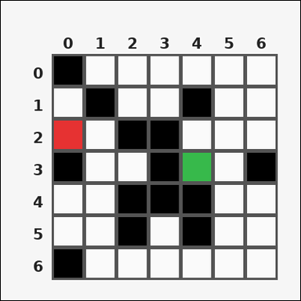 | 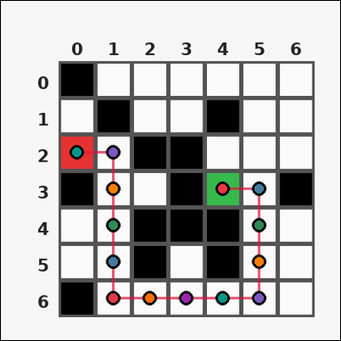 | task_tile_path_shortest_path | shortest_path | Work from the labeled rectangular tile board in the image. It has 7 rows and 7 columns with visible row and column indices. Treat the black [#000000] tiles as blocked. The start tile is green [#37B94B] and the goal tile is red [#E63232]. Determine the shortest path length in steps using 4-neighbor movement. Return a valid JSON object with keys "evidence" and "answer" in that order. Evidence rule: set "evidence" to the ordered list of [row, col] coordinates along one shortest path from the start tile to the goal tile, inclusive. Answer rule: set "answer" to the shortest path length as an integer. Example JSON: {"evidence":[[0,0],[0,1],[1,1],[1,2]],"answer":3} | Work from the labeled rectangular tile board in the image. It has 7 rows and 7 columns with visible row and column indices. Treat the black [#000000] tiles as blocked. The start tile is green [#37B94B] and the goal tile is red [#E63232]. Determine the shortest path length in steps using 4-neighbor movement. Return a valid JSON object with key "answer". Answer rule: set "answer" to the shortest path length as an integer. Example JSON: {"answer":3} | {"evidence": [[3, 4], [3, 5], [4, 5], [5, 5], [6, 5], [6, 4], [6, 3], [6, 2], [6, 1], [5, 1], [4, 1], [3, 1], [2, 1], [2, 0]], "answer": 13} | [[3, 4], [3, 5], [4, 5], [5, 5], [6, 5], [6, 4], [6, 3], [6, 2], [6, 1], [5, 1], [4, 1], [3, 1], [2, 1], [2, 0]] | integer | grid_point_path | 7.6001947304E+15 | task_tile_path_shortest_path/images/default/0003.png | task_tile_path_shortest_path/data/default/0003.json
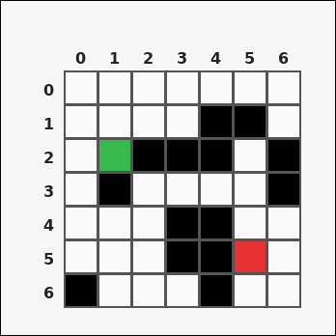 | 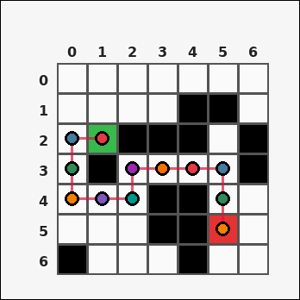 | task_tile_path_shortest_path | shortest_path | Look at the rectangular tile board with 7 rows and 7 columns. The board uses row labels on the left and column labels on the top. Find the shortest valid path length in steps from the green [#37B94B] start tile to the red [#E63232] goal tile, moving only through tiles that are not black [#000000] with 4-neighbor movement. Return a valid JSON object with keys "evidence" and "answer" in that order. Evidence requirement: set "evidence" to the ordered list of [row, col] coordinates along one shortest path from the start tile to the goal tile, inclusive. Answer format: set "answer" to the shortest path length as an integer. Example JSON: {"evidence":[[0,0],[0,1],[1,1],[1,2]],"answer":3} | Look at the rectangular tile board with 7 rows and 7 columns. The board uses row labels on the left and column labels on the top. Find the shortest valid path length in steps from the green [#37B94B] start tile to the red [#E63232] goal tile, moving only through tiles that are not black [#000000] with 4-neighbor movement. Return a valid JSON object with key "answer". Answer requirement: set "answer" to the shortest path length as an integer. Example JSON: {"answer":3} | {"evidence": [[2, 1], [2, 0], [3, 0], [4, 0], [4, 1], [4, 2], [3, 2], [3, 3], [3, 4], [3, 5], [4, 5], [5, 5]], "answer": 11} | [[2, 1], [2, 0], [3, 0], [4, 0], [4, 1], [4, 2], [3, 2], [3, 3], [3, 4], [3, 5], [4, 5], [5, 5]] | integer | grid_point_path | 7.7625662437E+15 | task_tile_path_shortest_path/images/default/0006.png | task_tile_path_shortest_path/data/default/0006.json
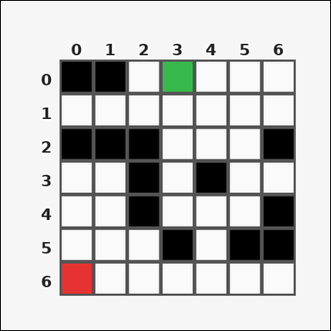 | 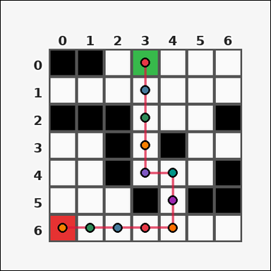 | task_tile_path_shortest_path | shortest_path | The image shows one rectangular tile board with 7 rows and 7 columns. Row labels are on the left and column labels are on the top. Using up/down/left/right moves through tiles that are not black [#000000], find the shortest-path length in steps from green [#37B94B] to red [#E63232]. Return a valid JSON object with keys "evidence" and "answer" in that order. Evidence field: set "evidence" to the ordered list of [row, col] coordinates along one shortest path from the start tile to the goal tile, inclusive. Answer field: set "answer" to the shortest path length as an integer. Example JSON: {"evidence":[[0,0],[0,1],[1,1],[1,2]],"answer":3} | The image shows one rectangular tile board with 7 rows and 7 columns. Row labels are on the left and column labels are on the top. Using up/down/left/right moves through tiles that are not black [#000000], find the shortest-path length in steps from green [#37B94B] to red [#E63232]. Return a valid JSON object with key "answer". Answer format: set "answer" to the shortest path length as an integer. Example JSON: {"answer":3} | {"evidence": [[0, 3], [1, 3], [2, 3], [3, 3], [4, 3], [4, 4], [5, 4], [6, 4], [6, 3], [6, 2], [6, 1], [6, 0]], "answer": 11} | [[0, 3], [1, 3], [2, 3], [3, 3], [4, 3], [4, 4], [5, 4], [6, 4], [6, 3], [6, 2], [6, 1], [6, 0]] | integer | grid_point_path | 7.8020552394E+15 | task_tile_path_shortest_path/images/default/0020.png | task_tile_path_shortest_path/data/default/0020.json

