region_size
image | evidence_image | task | task_variant | prompt | prompt_answer_only | answer | answer_evidence | answer_type | evidence_type | instance_seed | image_path | data_path
 |  | task_tile_reachability_region_size | region_size | Use the single rectangular tile board in the image. It has 7 rows and 3 columns, with rows labeled on the left and columns labeled on the top. Blocked tiles are black [#000000], and the start tile is blue [#2D75E6]. What is the size of the reachable region from the start using 4-neighbor moves through non-obstacle tiles? Return a valid JSON object with keys "evidence" and "answer" in that order. Evidence: set "evidence" to the row-major list of [row, col] coordinates for every reachable tile, including the start tile. Answer: set "answer" to the size of the reachable region, including the start tile, as an integer. Example JSON: {"evidence":[[0,0],[0,1],[1,1],[2,1]],"answer":4} | Use the single rectangular tile board in the image. It has 7 rows and 3 columns, with rows labeled on the left and columns labeled on the top. Blocked tiles are black [#000000], and the start tile is blue [#2D75E6]. What is the size of the reachable region from the start using 4-neighbor moves through non-obstacle tiles? Return a valid JSON object with key "answer". Answer format: set "answer" to the size of the reachable region, including the start tile, as an integer. Example JSON: {"answer":4} | {"evidence": [[0, 0], [0, 1], [0, 2], [1, 0], [1, 1], [1, 2], [2, 0], [2, 1], [2, 2], [3, 0], [3, 2]], "answer": 11} | [[0, 0], [0, 1], [0, 2], [1, 0], [1, 1], [1, 2], [2, 0], [2, 1], [2, 2], [3, 0], [3, 2]] | integer | grid_point_set | 295029222416455 | task_tile_reachability_region_size/images/default/0011.png | task_tile_reachability_region_size/data/default/0011.json
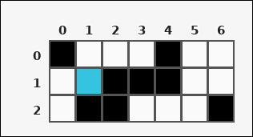 | 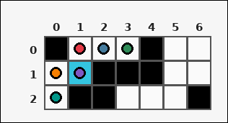 | task_tile_reachability_region_size | region_size | Use the single rectangular tile board in the image. It has 3 rows and 7 columns, with rows labeled on the left and columns labeled on the top. Obstacles are black [#000000] tiles, and the start tile is cyan [#34C4E0]. Using 4-neighbor moves through non-obstacle tiles, what is the size of the reachable region from the start? Return a valid JSON object with keys "evidence" and "answer" in that order. Evidence rule: set "evidence" to the row-major list of [row, col] coordinates for every reachable tile, including the start tile. Answer rule: set "answer" to the size of the reachable region, including the start tile, as an integer. Example JSON: {"evidence":[[0,0],[0,1],[1,1],[2,1]],"answer":4} | Use the single rectangular tile board in the image. It has 3 rows and 7 columns, with rows labeled on the left and columns labeled on the top. Obstacles are black [#000000] tiles, and the start tile is cyan [#34C4E0]. Using 4-neighbor moves through non-obstacle tiles, what is the size of the reachable region from the start? Return a valid JSON object with key "answer". Answer field: set "answer" to the size of the reachable region, including the start tile, as an integer. Example JSON: {"answer":4} | {"evidence": [[0, 1], [0, 2], [0, 3], [1, 0], [1, 1], [2, 0]], "answer": 6} | [[0, 1], [0, 2], [0, 3], [1, 0], [1, 1], [2, 0]] | integer | grid_point_set | 701370325229115 | task_tile_reachability_region_size/images/default/0024.png | task_tile_reachability_region_size/data/default/0024.json
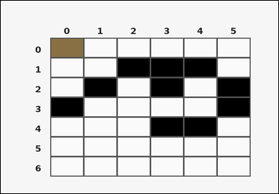 | 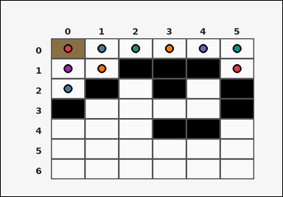 | task_tile_reachability_region_size | region_size | You are given one rectangular tile board on a 7 by 6 grid. Read rows from the left labels and columns from the top labels. The board uses black [#000000] tiles for obstacles and brown [#887044] for the start tile. Using 4-neighbor moves through non-obstacle tiles, find the size of the reachable region from the start. Return a valid JSON object with keys "evidence" and "answer" in that order. Evidence rule: set "evidence" to the row-major list of [row, col] coordinates for every reachable tile, including the start tile. Answer rule: set "answer" to the size of the reachable region, including the start tile, as an integer. Example JSON: {"evidence":[[0,0],[0,1],[1,1],[2,1]],"answer":4} | You are given one rectangular tile board on a 7 by 6 grid. Read rows from the left labels and columns from the top labels. The board uses black [#000000] tiles for obstacles and brown [#887044] for the start tile. Using 4-neighbor moves through non-obstacle tiles, find the size of the reachable region from the start. Return a valid JSON object with key "answer". Answer field: set "answer" to the size of the reachable region, including the start tile, as an integer. Example JSON: {"answer":4} | {"evidence": [[0, 0], [0, 1], [0, 2], [0, 3], [0, 4], [0, 5], [1, 0], [1, 1], [1, 5], [2, 0]], "answer": 10} | [[0, 0], [0, 1], [0, 2], [0, 3], [0, 4], [0, 5], [1, 0], [1, 1], [1, 5], [2, 0]] | integer | grid_point_set | 720326826479564 | task_tile_reachability_region_size/images/default/0022.png | task_tile_reachability_region_size/data/default/0022.json
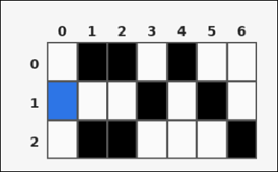 | 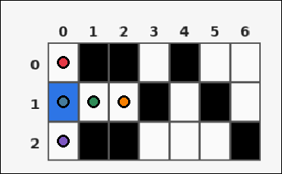 | task_tile_reachability_region_size | region_size | Work from the labeled rectangular tile board in the image. It has 3 rows and 7 columns with visible row and column indices. Treat the black [#000000] tiles as obstacles. The start tile is blue [#2D75E6]. With 4-neighbor movement through non-obstacle tiles, what is the reachable region size from the start? Return a valid JSON object with keys "evidence" and "answer" in that order. Evidence rule: set "evidence" to the row-major list of [row, col] coordinates for every reachable tile, including the start tile. Answer rule: set "answer" to the size of the reachable region, including the start tile, as an integer. Example JSON: {"evidence":[[0,0],[0,1],[1,1],[2,1]],"answer":4} | Work from the labeled rectangular tile board in the image. It has 3 rows and 7 columns with visible row and column indices. Treat the black [#000000] tiles as obstacles. The start tile is blue [#2D75E6]. With 4-neighbor movement through non-obstacle tiles, what is the reachable region size from the start? Return a valid JSON object with key "answer". Answer requirement: set "answer" to the size of the reachable region, including the start tile, as an integer. Example JSON: {"answer":4} | {"evidence": [[0, 0], [1, 0], [1, 1], [1, 2], [2, 0]], "answer": 5} | [[0, 0], [1, 0], [1, 1], [1, 2], [2, 0]] | integer | grid_point_set | 855795423150636 | task_tile_reachability_region_size/images/default/0014.png | task_tile_reachability_region_size/data/default/0014.json
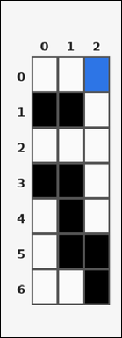 | 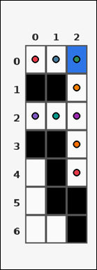 | task_tile_reachability_region_size | region_size | Look at the rectangular tile board with 7 rows and 3 columns. The board uses row labels on the left and column labels on the top. Blocked tiles are black [#000000], and the start tile is blue [#2D75E6]. What is the size of the reachable region from the start using 4-neighbor moves through non-obstacle tiles? Return a valid JSON object with keys "evidence" and "answer" in that order. Evidence field: set "evidence" to the row-major list of [row, col] coordinates for every reachable tile, including the start tile. Answer field: set "answer" to the size of the reachable region, including the start tile, as an integer. Example JSON: {"evidence":[[0,0],[0,1],[1,1],[2,1]],"answer":4} | Look at the rectangular tile board with 7 rows and 3 columns. The board uses row labels on the left and column labels on the top. Blocked tiles are black [#000000], and the start tile is blue [#2D75E6]. What is the size of the reachable region from the start using 4-neighbor moves through non-obstacle tiles? Return a valid JSON object with key "answer". Answer format: set "answer" to the size of the reachable region, including the start tile, as an integer. Example JSON: {"answer":4} | {"evidence": [[0, 0], [0, 1], [0, 2], [1, 2], [2, 0], [2, 1], [2, 2], [3, 2], [4, 2]], "answer": 9} | [[0, 0], [0, 1], [0, 2], [1, 2], [2, 0], [2, 1], [2, 2], [3, 2], [4, 2]] | integer | grid_point_set | 1.2287095208E+15 | task_tile_reachability_region_size/images/default/0005.png | task_tile_reachability_region_size/data/default/0005.json
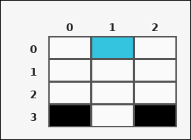 | 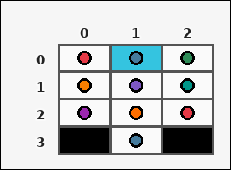 | task_tile_reachability_region_size | region_size | The image shows one rectangular tile board with 4 rows and 3 columns. Row labels are on the left and column labels are on the top. Obstacles are black [#000000] tiles, and the start tile is cyan [#34C4E0]. Using 4-neighbor moves through non-obstacle tiles, what is the size of the reachable region from the start? Return a valid JSON object with keys "evidence" and "answer" in that order. Evidence: set "evidence" to the row-major list of [row, col] coordinates for every reachable tile, including the start tile. Answer: set "answer" to the size of the reachable region, including the start tile, as an integer. Example JSON: {"evidence":[[0,0],[0,1],[1,1],[2,1]],"answer":4} | The image shows one rectangular tile board with 4 rows and 3 columns. Row labels are on the left and column labels are on the top. Obstacles are black [#000000] tiles, and the start tile is cyan [#34C4E0]. Using 4-neighbor moves through non-obstacle tiles, what is the size of the reachable region from the start? Return a valid JSON object with key "answer". Answer requirement: set "answer" to the size of the reachable region, including the start tile, as an integer. Example JSON: {"answer":4} | {"evidence": [[0, 0], [0, 1], [0, 2], [1, 0], [1, 1], [1, 2], [2, 0], [2, 1], [2, 2], [3, 1]], "answer": 10} | [[0, 0], [0, 1], [0, 2], [1, 0], [1, 1], [1, 2], [2, 0], [2, 1], [2, 2], [3, 1]] | integer | grid_point_set | 1.6244986488E+15 | task_tile_reachability_region_size/images/default/0012.png | task_tile_reachability_region_size/data/default/0012.json
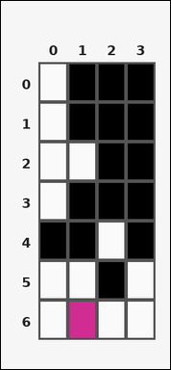 | 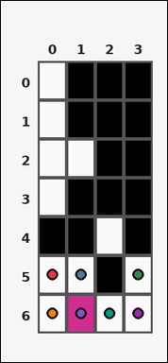 | task_tile_reachability_region_size | region_size | You are given one rectangular tile board on a 7 by 4 grid. Read rows from the left labels and columns from the top labels. Obstacles are black [#000000] tiles, and the start tile is magenta [#D02C91]. Using 4-neighbor moves through non-obstacle tiles, what is the size of the reachable region from the start? Return a valid JSON object with keys "evidence" and "answer" in that order. Evidence: set "evidence" to the row-major list of [row, col] coordinates for every reachable tile, including the start tile. Answer: set "answer" to the size of the reachable region, including the start tile, as an integer. Example JSON: {"evidence":[[0,0],[0,1],[1,1],[2,1]],"answer":4} | You are given one rectangular tile board on a 7 by 4 grid. Read rows from the left labels and columns from the top labels. Obstacles are black [#000000] tiles, and the start tile is magenta [#D02C91]. Using 4-neighbor moves through non-obstacle tiles, what is the size of the reachable region from the start? Return a valid JSON object with key "answer". Answer format: set "answer" to the size of the reachable region, including the start tile, as an integer. Example JSON: {"answer":4} | {"evidence": [[5, 0], [5, 1], [5, 3], [6, 0], [6, 1], [6, 2], [6, 3]], "answer": 7} | [[5, 0], [5, 1], [5, 3], [6, 0], [6, 1], [6, 2], [6, 3]] | integer | grid_point_set | 1.8258476348E+15 | task_tile_reachability_region_size/images/default/0020.png | task_tile_reachability_region_size/data/default/0020.json
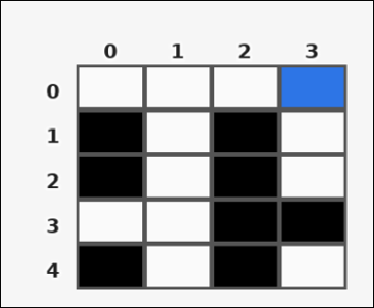 | 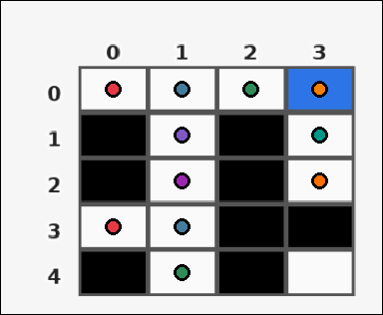 | task_tile_reachability_region_size | region_size | You are given one rectangular tile board on a 5 by 4 grid. Read rows from the left labels and columns from the top labels. Blocked tiles are black [#000000], and the start tile is blue [#2D75E6]. What is the size of the reachable region from the start using 4-neighbor moves through non-obstacle tiles? Return a valid JSON object with keys "evidence" and "answer" in that order. Evidence requirement: set "evidence" to the row-major list of [row, col] coordinates for every reachable tile, including the start tile. Answer format: set "answer" to the size of the reachable region, including the start tile, as an integer. Example JSON: {"evidence":[[0,0],[0,1],[1,1],[2,1]],"answer":4} | You are given one rectangular tile board on a 5 by 4 grid. Read rows from the left labels and columns from the top labels. Blocked tiles are black [#000000], and the start tile is blue [#2D75E6]. What is the size of the reachable region from the start using 4-neighbor moves through non-obstacle tiles? Return a valid JSON object with key "answer". Answer field: set "answer" to the size of the reachable region, including the start tile, as an integer. Example JSON: {"answer":4} | {"evidence": [[0, 0], [0, 1], [0, 2], [0, 3], [1, 1], [1, 3], [2, 1], [2, 3], [3, 0], [3, 1], [4, 1]], "answer": 11} | [[0, 0], [0, 1], [0, 2], [0, 3], [1, 1], [1, 3], [2, 1], [2, 3], [3, 0], [3, 1], [4, 1]] | integer | grid_point_set | 2.2375987541E+15 | task_tile_reachability_region_size/images/default/0001.png | task_tile_reachability_region_size/data/default/0001.json
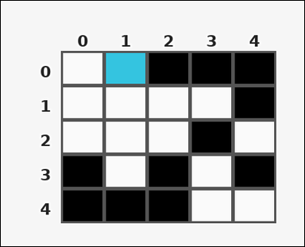 | 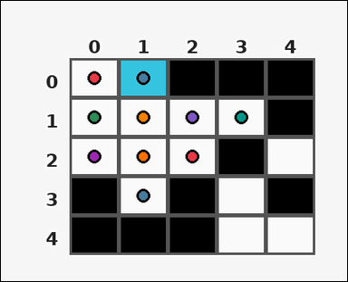 | task_tile_reachability_region_size | region_size | Look at the rectangular tile board with 5 rows and 5 columns. The board uses row labels on the left and column labels on the top. The board uses black [#000000] tiles for obstacles and cyan [#34C4E0] for the start tile. Using 4-neighbor moves through non-obstacle tiles, find the size of the reachable region from the start. Return a valid JSON object with keys "evidence" and "answer" in that order. Evidence: set "evidence" to the row-major list of [row, col] coordinates for every reachable tile, including the start tile. Answer: set "answer" to the size of the reachable region, including the start tile, as an integer. Example JSON: {"evidence":[[0,0],[0,1],[1,1],[2,1]],"answer":4} | Look at the rectangular tile board with 5 rows and 5 columns. The board uses row labels on the left and column labels on the top. The board uses black [#000000] tiles for obstacles and cyan [#34C4E0] for the start tile. Using 4-neighbor moves through non-obstacle tiles, find the size of the reachable region from the start. Return a valid JSON object with key "answer". Answer rule: set "answer" to the size of the reachable region, including the start tile, as an integer. Example JSON: {"answer":4} | {"evidence": [[0, 0], [0, 1], [1, 0], [1, 1], [1, 2], [1, 3], [2, 0], [2, 1], [2, 2], [3, 1]], "answer": 10} | [[0, 0], [0, 1], [1, 0], [1, 1], [1, 2], [1, 3], [2, 0], [2, 1], [2, 2], [3, 1]] | integer | grid_point_set | 2.9826341015E+15 | task_tile_reachability_region_size/images/default/0007.png | task_tile_reachability_region_size/data/default/0007.json
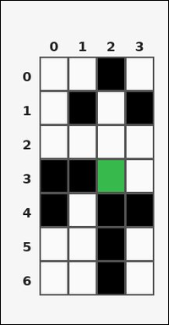 | 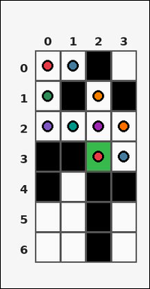 | task_tile_reachability_region_size | region_size | You are given one rectangular tile board on a 7 by 4 grid. Read rows from the left labels and columns from the top labels. The board uses black [#000000] tiles for obstacles and green [#37B94B] for the start tile. Using 4-neighbor moves through non-obstacle tiles, find the size of the reachable region from the start. Return a valid JSON object with keys "evidence" and "answer" in that order. Evidence format: set "evidence" to the row-major list of [row, col] coordinates for every reachable tile, including the start tile. Answer requirement: set "answer" to the size of the reachable region, including the start tile, as an integer. Example JSON: {"evidence":[[0,0],[0,1],[1,1],[2,1]],"answer":4} | You are given one rectangular tile board on a 7 by 4 grid. Read rows from the left labels and columns from the top labels. The board uses black [#000000] tiles for obstacles and green [#37B94B] for the start tile. Using 4-neighbor moves through non-obstacle tiles, find the size of the reachable region from the start. Return a valid JSON object with key "answer". Answer field: set "answer" to the size of the reachable region, including the start tile, as an integer. Example JSON: {"answer":4} | {"evidence": [[0, 0], [0, 1], [1, 0], [1, 2], [2, 0], [2, 1], [2, 2], [2, 3], [3, 2], [3, 3]], "answer": 10} | [[0, 0], [0, 1], [1, 0], [1, 2], [2, 0], [2, 1], [2, 2], [2, 3], [3, 2], [3, 3]] | integer | grid_point_set | 3.5738102369E+15 | task_tile_reachability_region_size/images/default/0013.png | task_tile_reachability_region_size/data/default/0013.json
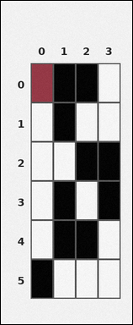 | 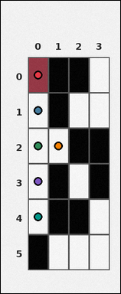 | task_tile_reachability_region_size | region_size | Look at the rectangular tile board with 6 rows and 4 columns. The board uses row labels on the left and column labels on the top. Obstacles are black [#000000] tiles, and the start tile is maroon [#963644]. Using 4-neighbor moves through non-obstacle tiles, what is the size of the reachable region from the start? Return a valid JSON object with keys "evidence" and "answer" in that order. Evidence requirement: set "evidence" to the row-major list of [row, col] coordinates for every reachable tile, including the start tile. Answer format: set "answer" to the size of the reachable region, including the start tile, as an integer. Example JSON: {"evidence":[[0,0],[0,1],[1,1],[2,1]],"answer":4} | Look at the rectangular tile board with 6 rows and 4 columns. The board uses row labels on the left and column labels on the top. Obstacles are black [#000000] tiles, and the start tile is maroon [#963644]. Using 4-neighbor moves through non-obstacle tiles, what is the size of the reachable region from the start? Return a valid JSON object with key "answer". Answer: set "answer" to the size of the reachable region, including the start tile, as an integer. Example JSON: {"answer":4} | {"evidence": [[0, 0], [1, 0], [2, 0], [2, 1], [3, 0], [4, 0]], "answer": 6} | [[0, 0], [1, 0], [2, 0], [2, 1], [3, 0], [4, 0]] | integer | grid_point_set | 3.7347436834E+15 | task_tile_reachability_region_size/images/default/0003.png | task_tile_reachability_region_size/data/default/0003.json
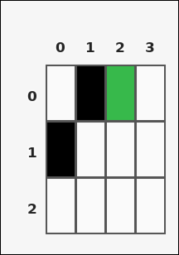 | 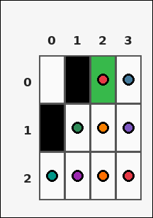 | task_tile_reachability_region_size | region_size | The image shows one rectangular tile board with 3 rows and 4 columns. Row labels are on the left and column labels are on the top. The black [#000000] tiles are blocked, and the green [#37B94B] tile marks the start. Using 4-neighbor moves through non-obstacle tiles, determine the size of the reachable region from the start. Return a valid JSON object with keys "evidence" and "answer" in that order. Evidence requirement: set "evidence" to the row-major list of [row, col] coordinates for every reachable tile, including the start tile. Answer format: set "answer" to the size of the reachable region, including the start tile, as an integer. Example JSON: {"evidence":[[0,0],[0,1],[1,1],[2,1]],"answer":4} | The image shows one rectangular tile board with 3 rows and 4 columns. Row labels are on the left and column labels are on the top. The black [#000000] tiles are blocked, and the green [#37B94B] tile marks the start. Using 4-neighbor moves through non-obstacle tiles, determine the size of the reachable region from the start. Return a valid JSON object with key "answer". Answer requirement: set "answer" to the size of the reachable region, including the start tile, as an integer. Example JSON: {"answer":4} | {"evidence": [[0, 2], [0, 3], [1, 1], [1, 2], [1, 3], [2, 0], [2, 1], [2, 2], [2, 3]], "answer": 9} | [[0, 2], [0, 3], [1, 1], [1, 2], [1, 3], [2, 0], [2, 1], [2, 2], [2, 3]] | integer | grid_point_set | 5.4848622295E+15 | task_tile_reachability_region_size/images/default/0017.png | task_tile_reachability_region_size/data/default/0017.json
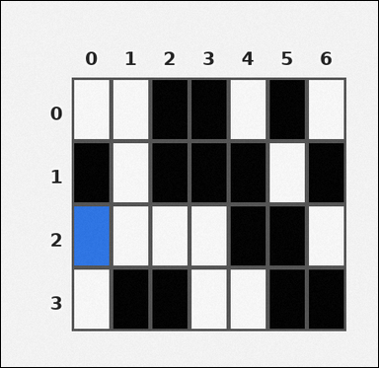 | 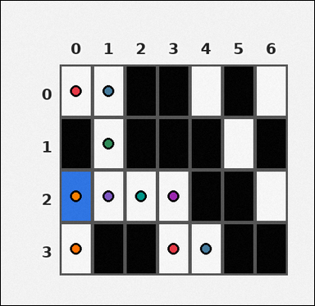 | task_tile_reachability_region_size | region_size | Use the single rectangular tile board in the image. It has 4 rows and 7 columns, with rows labeled on the left and columns labeled on the top. The black [#000000] tiles are blocked, and the blue [#2D75E6] tile marks the start. Using 4-neighbor moves through non-obstacle tiles, determine the size of the reachable region from the start. Return a valid JSON object with keys "evidence" and "answer" in that order. Evidence format: set "evidence" to the row-major list of [row, col] coordinates for every reachable tile, including the start tile. Answer requirement: set "answer" to the size of the reachable region, including the start tile, as an integer. Example JSON: {"evidence":[[0,0],[0,1],[1,1],[2,1]],"answer":4} | Use the single rectangular tile board in the image. It has 4 rows and 7 columns, with rows labeled on the left and columns labeled on the top. The black [#000000] tiles are blocked, and the blue [#2D75E6] tile marks the start. Using 4-neighbor moves through non-obstacle tiles, determine the size of the reachable region from the start. Return a valid JSON object with key "answer". Answer: set "answer" to the size of the reachable region, including the start tile, as an integer. Example JSON: {"answer":4} | {"evidence": [[0, 0], [0, 1], [1, 1], [2, 0], [2, 1], [2, 2], [2, 3], [3, 0], [3, 3], [3, 4]], "answer": 10} | [[0, 0], [0, 1], [1, 1], [2, 0], [2, 1], [2, 2], [2, 3], [3, 0], [3, 3], [3, 4]] | integer | grid_point_set | 5.4865547428E+15 | task_tile_reachability_region_size/images/default/0018.png | task_tile_reachability_region_size/data/default/0018.json
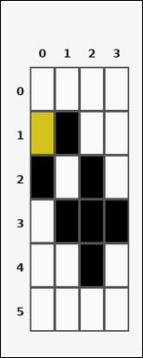 |  | task_tile_reachability_region_size | region_size | You are given one rectangular tile board on a 6 by 4 grid. Read rows from the left labels and columns from the top labels. Obstacles are black [#000000] tiles, and the start tile is yellow [#D4C21E]. Using 4-neighbor moves through non-obstacle tiles, what is the size of the reachable region from the start? Return a valid JSON object with keys "evidence" and "answer" in that order. Evidence: set "evidence" to the row-major list of [row, col] coordinates for every reachable tile, including the start tile. Answer: set "answer" to the size of the reachable region, including the start tile, as an integer. Example JSON: {"evidence":[[0,0],[0,1],[1,1],[2,1]],"answer":4} | You are given one rectangular tile board on a 6 by 4 grid. Read rows from the left labels and columns from the top labels. Obstacles are black [#000000] tiles, and the start tile is yellow [#D4C21E]. Using 4-neighbor moves through non-obstacle tiles, what is the size of the reachable region from the start? Return a valid JSON object with key "answer". Answer requirement: set "answer" to the size of the reachable region, including the start tile, as an integer. Example JSON: {"answer":4} | {"evidence": [[0, 0], [0, 1], [0, 2], [0, 3], [1, 0], [1, 2], [1, 3], [2, 3]], "answer": 8} | [[0, 0], [0, 1], [0, 2], [0, 3], [1, 0], [1, 2], [1, 3], [2, 3]] | integer | grid_point_set | 5.7725672587E+15 | task_tile_reachability_region_size/images/default/0008.png | task_tile_reachability_region_size/data/default/0008.json
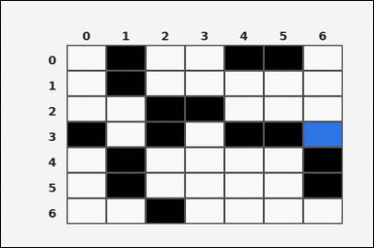 |  | task_tile_reachability_region_size | region_size | You are given one rectangular tile board on a 7 by 7 grid. Read rows from the left labels and columns from the top labels. The board uses black [#000000] tiles for obstacles and blue [#2D75E6] for the start tile. Using 4-neighbor moves through non-obstacle tiles, find the size of the reachable region from the start. Return a valid JSON object with keys "evidence" and "answer" in that order. Evidence rule: set "evidence" to the row-major list of [row, col] coordinates for every reachable tile, including the start tile. Answer rule: set "answer" to the size of the reachable region, including the start tile, as an integer. Example JSON: {"evidence":[[0,0],[0,1],[1,1],[2,1]],"answer":4} | You are given one rectangular tile board on a 7 by 7 grid. Read rows from the left labels and columns from the top labels. The board uses black [#000000] tiles for obstacles and blue [#2D75E6] for the start tile. Using 4-neighbor moves through non-obstacle tiles, find the size of the reachable region from the start. Return a valid JSON object with key "answer". Answer: set "answer" to the size of the reachable region, including the start tile, as an integer. Example JSON: {"answer":4} | {"evidence": [[0, 2], [0, 3], [0, 6], [1, 2], [1, 3], [1, 4], [1, 5], [1, 6], [2, 4], [2, 5], [2, 6], [3, 6]], "answer": 12} | [[0, 2], [0, 3], [0, 6], [1, 2], [1, 3], [1, 4], [1, 5], [1, 6], [2, 4], [2, 5], [2, 6], [3, 6]] | integer | grid_point_set | 5.8151255136E+15 | task_tile_reachability_region_size/images/default/0009.png | task_tile_reachability_region_size/data/default/0009.json
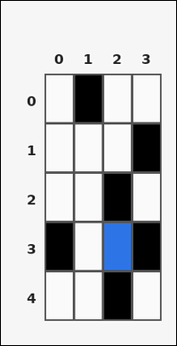 | 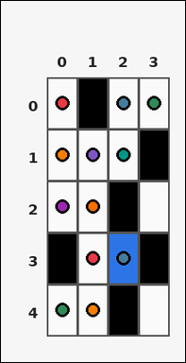 | task_tile_reachability_region_size | region_size | You are given one rectangular tile board on a 5 by 4 grid. Read rows from the left labels and columns from the top labels. The black [#000000] tiles are blocked, and the blue [#2D75E6] tile marks the start. Using 4-neighbor moves through non-obstacle tiles, determine the size of the reachable region from the start. Return a valid JSON object with keys "evidence" and "answer" in that order. Evidence rule: set "evidence" to the row-major list of [row, col] coordinates for every reachable tile, including the start tile. Answer rule: set "answer" to the size of the reachable region, including the start tile, as an integer. Example JSON: {"evidence":[[0,0],[0,1],[1,1],[2,1]],"answer":4} | You are given one rectangular tile board on a 5 by 4 grid. Read rows from the left labels and columns from the top labels. The black [#000000] tiles are blocked, and the blue [#2D75E6] tile marks the start. Using 4-neighbor moves through non-obstacle tiles, determine the size of the reachable region from the start. Return a valid JSON object with key "answer". Answer field: set "answer" to the size of the reachable region, including the start tile, as an integer. Example JSON: {"answer":4} | {"evidence": [[0, 0], [0, 2], [0, 3], [1, 0], [1, 1], [1, 2], [2, 0], [2, 1], [3, 1], [3, 2], [4, 0], [4, 1]], "answer": 12} | [[0, 0], [0, 2], [0, 3], [1, 0], [1, 1], [1, 2], [2, 0], [2, 1], [3, 1], [3, 2], [4, 0], [4, 1]] | integer | grid_point_set | 5.8711236712E+15 | task_tile_reachability_region_size/images/default/0021.png | task_tile_reachability_region_size/data/default/0021.json
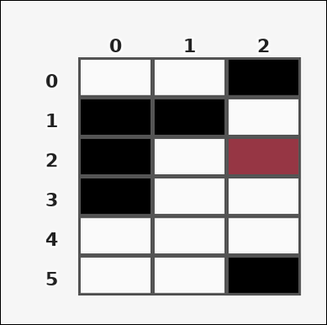 | 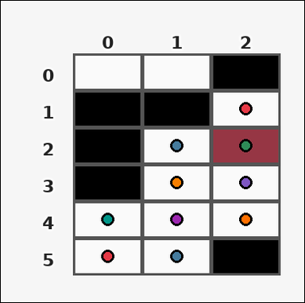 | task_tile_reachability_region_size | region_size | Look at the rectangular tile board with 6 rows and 3 columns. The board uses row labels on the left and column labels on the top. The black [#000000] tiles are blocked, and the maroon [#963644] tile marks the start. Using 4-neighbor moves through non-obstacle tiles, determine the size of the reachable region from the start. Return a valid JSON object with keys "evidence" and "answer" in that order. Evidence format: set "evidence" to the row-major list of [row, col] coordinates for every reachable tile, including the start tile. Answer requirement: set "answer" to the size of the reachable region, including the start tile, as an integer. Example JSON: {"evidence":[[0,0],[0,1],[1,1],[2,1]],"answer":4} | Look at the rectangular tile board with 6 rows and 3 columns. The board uses row labels on the left and column labels on the top. The black [#000000] tiles are blocked, and the maroon [#963644] tile marks the start. Using 4-neighbor moves through non-obstacle tiles, determine the size of the reachable region from the start. Return a valid JSON object with key "answer". Answer requirement: set "answer" to the size of the reachable region, including the start tile, as an integer. Example JSON: {"answer":4} | {"evidence": [[1, 2], [2, 1], [2, 2], [3, 1], [3, 2], [4, 0], [4, 1], [4, 2], [5, 0], [5, 1]], "answer": 10} | [[1, 2], [2, 1], [2, 2], [3, 1], [3, 2], [4, 0], [4, 1], [4, 2], [5, 0], [5, 1]] | integer | grid_point_set | 5.9447688379E+15 | task_tile_reachability_region_size/images/default/0010.png | task_tile_reachability_region_size/data/default/0010.json
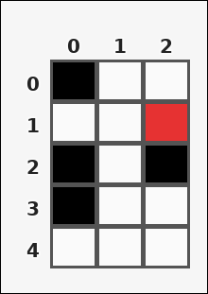 | 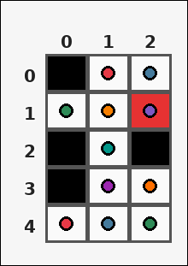 | task_tile_reachability_region_size | region_size | You are given one rectangular tile board on a 5 by 3 grid. Read rows from the left labels and columns from the top labels. The board uses black [#000000] tiles for obstacles and red [#E63232] for the start tile. Using 4-neighbor moves through non-obstacle tiles, find the size of the reachable region from the start. Return a valid JSON object with keys "evidence" and "answer" in that order. Evidence field: set "evidence" to the row-major list of [row, col] coordinates for every reachable tile, including the start tile. Answer field: set "answer" to the size of the reachable region, including the start tile, as an integer. Example JSON: {"evidence":[[0,0],[0,1],[1,1],[2,1]],"answer":4} | You are given one rectangular tile board on a 5 by 3 grid. Read rows from the left labels and columns from the top labels. The board uses black [#000000] tiles for obstacles and red [#E63232] for the start tile. Using 4-neighbor moves through non-obstacle tiles, find the size of the reachable region from the start. Return a valid JSON object with key "answer". Answer requirement: set "answer" to the size of the reachable region, including the start tile, as an integer. Example JSON: {"answer":4} | {"evidence": [[0, 1], [0, 2], [1, 0], [1, 1], [1, 2], [2, 1], [3, 1], [3, 2], [4, 0], [4, 1], [4, 2]], "answer": 11} | [[0, 1], [0, 2], [1, 0], [1, 1], [1, 2], [2, 1], [3, 1], [3, 2], [4, 0], [4, 1], [4, 2]] | integer | grid_point_set | 6.1285011446E+15 | task_tile_reachability_region_size/images/default/0002.png | task_tile_reachability_region_size/data/default/0002.json
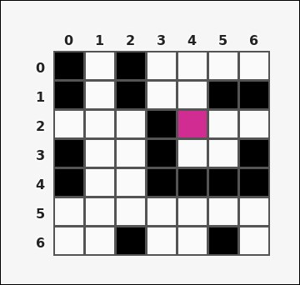 | 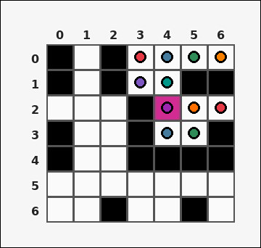 | task_tile_reachability_region_size | region_size | You are given one rectangular tile board on a 7 by 7 grid. Read rows from the left labels and columns from the top labels. Blocked tiles are black [#000000], and the start tile is magenta [#D02C91]. What is the size of the reachable region from the start using 4-neighbor moves through non-obstacle tiles? Return a valid JSON object with keys "evidence" and "answer" in that order. Evidence rule: set "evidence" to the row-major list of [row, col] coordinates for every reachable tile, including the start tile. Answer rule: set "answer" to the size of the reachable region, including the start tile, as an integer. Example JSON: {"evidence":[[0,0],[0,1],[1,1],[2,1]],"answer":4} | You are given one rectangular tile board on a 7 by 7 grid. Read rows from the left labels and columns from the top labels. Blocked tiles are black [#000000], and the start tile is magenta [#D02C91]. What is the size of the reachable region from the start using 4-neighbor moves through non-obstacle tiles? Return a valid JSON object with key "answer". Answer requirement: set "answer" to the size of the reachable region, including the start tile, as an integer. Example JSON: {"answer":4} | {"evidence": [[0, 3], [0, 4], [0, 5], [0, 6], [1, 3], [1, 4], [2, 4], [2, 5], [2, 6], [3, 4], [3, 5]], "answer": 11} | [[0, 3], [0, 4], [0, 5], [0, 6], [1, 3], [1, 4], [2, 4], [2, 5], [2, 6], [3, 4], [3, 5]] | integer | grid_point_set | 6.5179543966E+15 | task_tile_reachability_region_size/images/default/0016.png | task_tile_reachability_region_size/data/default/0016.json
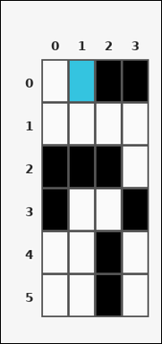 | 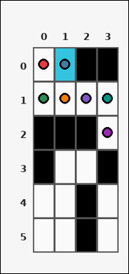 | task_tile_reachability_region_size | region_size | You are given one rectangular tile board on a 6 by 4 grid. Read rows from the left labels and columns from the top labels. Blocked tiles are black [#000000], and the start tile is cyan [#34C4E0]. What is the size of the reachable region from the start using 4-neighbor moves through non-obstacle tiles? Return a valid JSON object with keys "evidence" and "answer" in that order. Evidence field: set "evidence" to the row-major list of [row, col] coordinates for every reachable tile, including the start tile. Answer field: set "answer" to the size of the reachable region, including the start tile, as an integer. Example JSON: {"evidence":[[0,0],[0,1],[1,1],[2,1]],"answer":4} | You are given one rectangular tile board on a 6 by 4 grid. Read rows from the left labels and columns from the top labels. Blocked tiles are black [#000000], and the start tile is cyan [#34C4E0]. What is the size of the reachable region from the start using 4-neighbor moves through non-obstacle tiles? Return a valid JSON object with key "answer". Answer requirement: set "answer" to the size of the reachable region, including the start tile, as an integer. Example JSON: {"answer":4} | {"evidence": [[0, 0], [0, 1], [1, 0], [1, 1], [1, 2], [1, 3], [2, 3]], "answer": 7} | [[0, 0], [0, 1], [1, 0], [1, 1], [1, 2], [1, 3], [2, 3]] | integer | grid_point_set | 7.0703596575E+15 | task_tile_reachability_region_size/images/default/0023.png | task_tile_reachability_region_size/data/default/0023.json
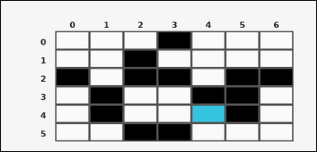 |  | task_tile_reachability_region_size | region_size | Look at the rectangular tile board with 6 rows and 7 columns. The board uses row labels on the left and column labels on the top. Blocked tiles are black [#000000], and the start tile is cyan [#34C4E0]. What is the size of the reachable region from the start using 4-neighbor moves through non-obstacle tiles? Return a valid JSON object with keys "evidence" and "answer" in that order. Evidence field: set "evidence" to the row-major list of [row, col] coordinates for every reachable tile, including the start tile. Answer field: set "answer" to the size of the reachable region, including the start tile, as an integer. Example JSON: {"evidence":[[0,0],[0,1],[1,1],[2,1]],"answer":4} | Look at the rectangular tile board with 6 rows and 7 columns. The board uses row labels on the left and column labels on the top. Blocked tiles are black [#000000], and the start tile is cyan [#34C4E0]. What is the size of the reachable region from the start using 4-neighbor moves through non-obstacle tiles? Return a valid JSON object with key "answer". Answer format: set "answer" to the size of the reachable region, including the start tile, as an integer. Example JSON: {"answer":4} | {"evidence": [[3, 2], [3, 3], [3, 6], [4, 2], [4, 3], [4, 4], [4, 6], [5, 4], [5, 5], [5, 6]], "answer": 10} | [[3, 2], [3, 3], [3, 6], [4, 2], [4, 3], [4, 4], [4, 6], [5, 4], [5, 5], [5, 6]] | integer | grid_point_set | 7.1054251107E+15 | task_tile_reachability_region_size/images/default/0004.png | task_tile_reachability_region_size/data/default/0004.json
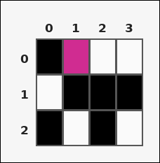 | 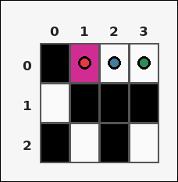 | task_tile_reachability_region_size | region_size | Look at the rectangular tile board with 3 rows and 4 columns. The board uses row labels on the left and column labels on the top. Treat the black [#000000] tiles as obstacles. The start tile is magenta [#D02C91]. With 4-neighbor movement through non-obstacle tiles, what is the reachable region size from the start? Return a valid JSON object with keys "evidence" and "answer" in that order. Evidence rule: set "evidence" to the row-major list of [row, col] coordinates for every reachable tile, including the start tile. Answer rule: set "answer" to the size of the reachable region, including the start tile, as an integer. Example JSON: {"evidence":[[0,0],[0,1],[1,1],[2,1]],"answer":4} | Look at the rectangular tile board with 3 rows and 4 columns. The board uses row labels on the left and column labels on the top. Treat the black [#000000] tiles as obstacles. The start tile is magenta [#D02C91]. With 4-neighbor movement through non-obstacle tiles, what is the reachable region size from the start? Return a valid JSON object with key "answer". Answer format: set "answer" to the size of the reachable region, including the start tile, as an integer. Example JSON: {"answer":4} | {"evidence": [[0, 1], [0, 2], [0, 3]], "answer": 3} | [[0, 1], [0, 2], [0, 3]] | integer | grid_point_set | 7.2955992149E+15 | task_tile_reachability_region_size/images/default/0019.png | task_tile_reachability_region_size/data/default/0019.json
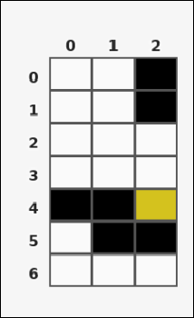 | 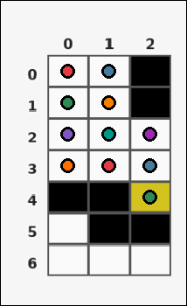 | task_tile_reachability_region_size | region_size | Use the single rectangular tile board in the image. It has 7 rows and 3 columns, with rows labeled on the left and columns labeled on the top. Treat the black [#000000] tiles as obstacles. The start tile is yellow [#D4C21E]. With 4-neighbor movement through non-obstacle tiles, what is the reachable region size from the start? Return a valid JSON object with keys "evidence" and "answer" in that order. Evidence field: set "evidence" to the row-major list of [row, col] coordinates for every reachable tile, including the start tile. Answer field: set "answer" to the size of the reachable region, including the start tile, as an integer. Example JSON: {"evidence":[[0,0],[0,1],[1,1],[2,1]],"answer":4} | Use the single rectangular tile board in the image. It has 7 rows and 3 columns, with rows labeled on the left and columns labeled on the top. Treat the black [#000000] tiles as obstacles. The start tile is yellow [#D4C21E]. With 4-neighbor movement through non-obstacle tiles, what is the reachable region size from the start? Return a valid JSON object with key "answer". Answer requirement: set "answer" to the size of the reachable region, including the start tile, as an integer. Example JSON: {"answer":4} | {"evidence": [[0, 0], [0, 1], [1, 0], [1, 1], [2, 0], [2, 1], [2, 2], [3, 0], [3, 1], [3, 2], [4, 2]], "answer": 11} | [[0, 0], [0, 1], [1, 0], [1, 1], [2, 0], [2, 1], [2, 2], [3, 0], [3, 1], [3, 2], [4, 2]] | integer | grid_point_set | 7.3247734141E+15 | task_tile_reachability_region_size/images/default/0015.png | task_tile_reachability_region_size/data/default/0015.json
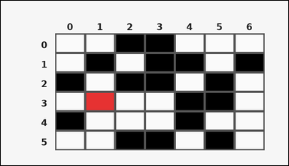 | 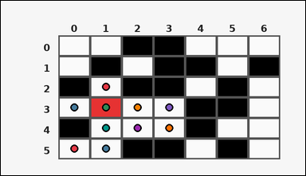 | task_tile_reachability_region_size | region_size | You are given one rectangular tile board on a 6 by 7 grid. Read rows from the left labels and columns from the top labels. The black [#000000] tiles are blocked, and the red [#E63232] tile marks the start. Using 4-neighbor moves through non-obstacle tiles, determine the size of the reachable region from the start. Return a valid JSON object with keys "evidence" and "answer" in that order. Evidence requirement: set "evidence" to the row-major list of [row, col] coordinates for every reachable tile, including the start tile. Answer format: set "answer" to the size of the reachable region, including the start tile, as an integer. Example JSON: {"evidence":[[0,0],[0,1],[1,1],[2,1]],"answer":4} | You are given one rectangular tile board on a 6 by 7 grid. Read rows from the left labels and columns from the top labels. The black [#000000] tiles are blocked, and the red [#E63232] tile marks the start. Using 4-neighbor moves through non-obstacle tiles, determine the size of the reachable region from the start. Return a valid JSON object with key "answer". Answer rule: set "answer" to the size of the reachable region, including the start tile, as an integer. Example JSON: {"answer":4} | {"evidence": [[2, 1], [3, 0], [3, 1], [3, 2], [3, 3], [4, 1], [4, 2], [4, 3], [5, 0], [5, 1]], "answer": 10} | [[2, 1], [3, 0], [3, 1], [3, 2], [3, 3], [4, 1], [4, 2], [4, 3], [5, 0], [5, 1]] | integer | grid_point_set | 8.5542623363E+15 | task_tile_reachability_region_size/images/default/0006.png | task_tile_reachability_region_size/data/default/0006.json
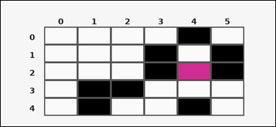 |  | task_tile_reachability_region_size | region_size | You are given one rectangular tile board on a 5 by 6 grid. Read rows from the left labels and columns from the top labels. Blocked tiles are black [#000000], and the start tile is magenta [#D02C91]. What is the size of the reachable region from the start using 4-neighbor moves through non-obstacle tiles? Return a valid JSON object with keys "evidence" and "answer" in that order. Evidence rule: set "evidence" to the row-major list of [row, col] coordinates for every reachable tile, including the start tile. Answer rule: set "answer" to the size of the reachable region, including the start tile, as an integer. Example JSON: {"evidence":[[0,0],[0,1],[1,1],[2,1]],"answer":4} | You are given one rectangular tile board on a 5 by 6 grid. Read rows from the left labels and columns from the top labels. Blocked tiles are black [#000000], and the start tile is magenta [#D02C91]. What is the size of the reachable region from the start using 4-neighbor moves through non-obstacle tiles? Return a valid JSON object with key "answer". Answer format: set "answer" to the size of the reachable region, including the start tile, as an integer. Example JSON: {"answer":4} | {"evidence": [[1, 4], [2, 4], [3, 3], [3, 4], [3, 5], [4, 2], [4, 3], [4, 5]], "answer": 8} | [[1, 4], [2, 4], [3, 3], [3, 4], [3, 5], [4, 2], [4, 3], [4, 5]] | integer | grid_point_set | 8.8333359402E+15 | task_tile_reachability_region_size/images/default/0000.png | task_tile_reachability_region_size/data/default/0000.json

