min_distance
image | evidence_image | task | task_variant | prompt | prompt_answer_only | answer | answer_evidence | answer_type | evidence_type | instance_seed | image_path | data_path
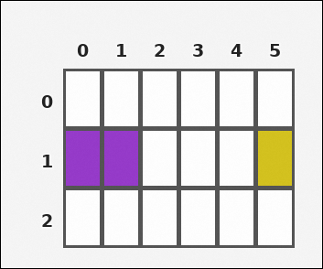 | 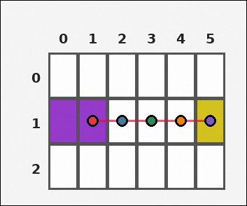 | task_tile_relation_min_distance | min_distance | Look at the rectangular tile board with 3 rows and 6 columns. The board uses row labels on the left and column labels on the top. Determine the minimum orthogonal step distance from any purple [#963ACA] tile to any yellow [#D4C21E] tile on the white [#FFFFFF] board. Return a valid JSON object with keys "evidence" and "answer" in that order. Evidence: set "evidence" to the ordered list of [row, col] coordinates for one unique shortest path between the closest queried-color tiles, including both endpoints. Answer: set "answer" to the minimum number of orthogonal steps between the two queried colors as an integer. Example JSON: {"evidence":[[1,1],[1,2],[1,3]],"answer":2} | Look at the rectangular tile board with 3 rows and 6 columns. The board uses row labels on the left and column labels on the top. Determine the minimum orthogonal step distance from any purple [#963ACA] tile to any yellow [#D4C21E] tile on the white [#FFFFFF] board. Return a valid JSON object with key "answer". Answer requirement: set "answer" to the minimum number of orthogonal steps between the two queried colors as an integer. Example JSON: {"answer":2} | {"evidence": [[1, 1], [1, 2], [1, 3], [1, 4], [1, 5]], "answer": 4} | [[1, 1], [1, 2], [1, 3], [1, 4], [1, 5]] | integer | grid_point_path | 201496900436923 | task_tile_relation_min_distance/images/default/0008.png | task_tile_relation_min_distance/data/default/0008.json
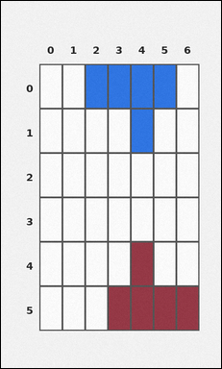 | 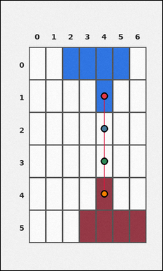 | task_tile_relation_min_distance | min_distance | Look at the rectangular tile board with 6 rows and 7 columns. The board uses row labels on the left and column labels on the top. On the white [#FFFFFF] board, what is the minimum number of orthogonal steps between any blue [#2D75E6] tile and any maroon [#963644] tile? Return a valid JSON object with keys "evidence" and "answer" in that order. Evidence format: set "evidence" to the ordered list of [row, col] coordinates for one unique shortest path between the closest queried-color tiles, including both endpoints. Answer requirement: set "answer" to the minimum number of orthogonal steps between the two queried colors as an integer. Example JSON: {"evidence":[[1,1],[1,2],[1,3]],"answer":2} | Look at the rectangular tile board with 6 rows and 7 columns. The board uses row labels on the left and column labels on the top. On the white [#FFFFFF] board, what is the minimum number of orthogonal steps between any blue [#2D75E6] tile and any maroon [#963644] tile? Return a valid JSON object with key "answer". Answer format: set "answer" to the minimum number of orthogonal steps between the two queried colors as an integer. Example JSON: {"answer":2} | {"evidence": [[1, 4], [2, 4], [3, 4], [4, 4]], "answer": 3} | [[1, 4], [2, 4], [3, 4], [4, 4]] | integer | grid_point_path | 770548832170797 | task_tile_relation_min_distance/images/default/0005.png | task_tile_relation_min_distance/data/default/0005.json
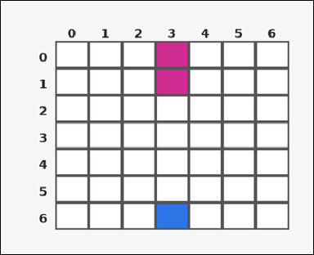 | 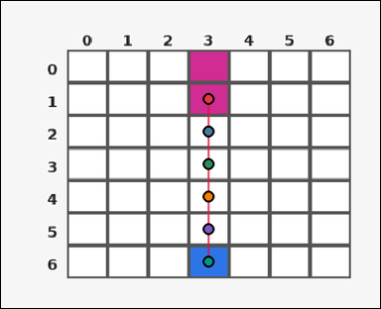 | task_tile_relation_min_distance | min_distance | Work from the labeled rectangular tile board in the image. It has 7 rows and 7 columns with visible row and column indices. Determine the minimum orthogonal step distance from any magenta [#D02C91] tile to any blue [#2D75E6] tile on the white [#FFFFFF] board. Return a valid JSON object with keys "evidence" and "answer" in that order. Evidence format: set "evidence" to the ordered list of [row, col] coordinates for one unique shortest path between the closest queried-color tiles, including both endpoints. Answer requirement: set "answer" to the minimum number of orthogonal steps between the two queried colors as an integer. Example JSON: {"evidence":[[1,1],[1,2],[1,3]],"answer":2} | Work from the labeled rectangular tile board in the image. It has 7 rows and 7 columns with visible row and column indices. Determine the minimum orthogonal step distance from any magenta [#D02C91] tile to any blue [#2D75E6] tile on the white [#FFFFFF] board. Return a valid JSON object with key "answer". Answer field: set "answer" to the minimum number of orthogonal steps between the two queried colors as an integer. Example JSON: {"answer":2} | {"evidence": [[1, 3], [2, 3], [3, 3], [4, 3], [5, 3], [6, 3]], "answer": 5} | [[1, 3], [2, 3], [3, 3], [4, 3], [5, 3], [6, 3]] | integer | grid_point_path | 1.1118701474E+15 | task_tile_relation_min_distance/images/default/0009.png | task_tile_relation_min_distance/data/default/0009.json
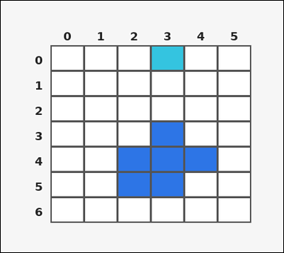 | 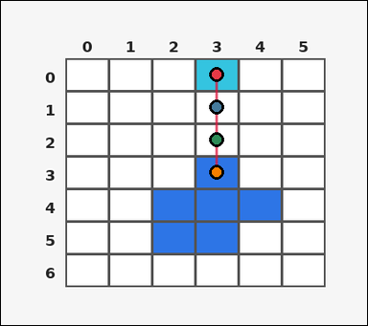 | task_tile_relation_min_distance | min_distance | Look at the rectangular tile board with 7 rows and 6 columns. The board uses row labels on the left and column labels on the top. Find the minimum orthogonal tile distance between the cyan [#34C4E0] component and the blue [#2D75E6] component on the white [#FFFFFF] board. Return a valid JSON object with keys "evidence" and "answer" in that order. Evidence field: set "evidence" to the ordered list of [row, col] coordinates for one unique shortest path between the closest queried-color tiles, including both endpoints. Answer field: set "answer" to the minimum number of orthogonal steps between the two queried colors as an integer. Example JSON: {"evidence":[[1,1],[1,2],[1,3]],"answer":2} | Look at the rectangular tile board with 7 rows and 6 columns. The board uses row labels on the left and column labels on the top. Find the minimum orthogonal tile distance between the cyan [#34C4E0] component and the blue [#2D75E6] component on the white [#FFFFFF] board. Return a valid JSON object with key "answer". Answer rule: set "answer" to the minimum number of orthogonal steps between the two queried colors as an integer. Example JSON: {"answer":2} | {"evidence": [[0, 3], [1, 3], [2, 3], [3, 3]], "answer": 3} | [[0, 3], [1, 3], [2, 3], [3, 3]] | integer | grid_point_path | 1.177540007E+15 | task_tile_relation_min_distance/images/default/0011.png | task_tile_relation_min_distance/data/default/0011.json
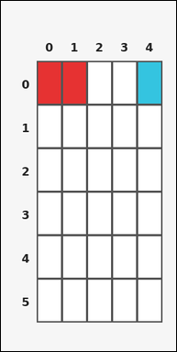 |  | task_tile_relation_min_distance | min_distance | Use the single rectangular tile board in the image. It has 6 rows and 5 columns, with rows labeled on the left and columns labeled on the top. Determine the minimum orthogonal step distance from any red [#E63232] tile to any cyan [#34C4E0] tile on the white [#FFFFFF] board. Return a valid JSON object with keys "evidence" and "answer" in that order. Evidence requirement: set "evidence" to the ordered list of [row, col] coordinates for one unique shortest path between the closest queried-color tiles, including both endpoints. Answer format: set "answer" to the minimum number of orthogonal steps between the two queried colors as an integer. Example JSON: {"evidence":[[1,1],[1,2],[1,3]],"answer":2} | Use the single rectangular tile board in the image. It has 6 rows and 5 columns, with rows labeled on the left and columns labeled on the top. Determine the minimum orthogonal step distance from any red [#E63232] tile to any cyan [#34C4E0] tile on the white [#FFFFFF] board. Return a valid JSON object with key "answer". Answer: set "answer" to the minimum number of orthogonal steps between the two queried colors as an integer. Example JSON: {"answer":2} | {"evidence": [[0, 1], [0, 2], [0, 3], [0, 4]], "answer": 3} | [[0, 1], [0, 2], [0, 3], [0, 4]] | integer | grid_point_path | 1.2995790548E+15 | task_tile_relation_min_distance/images/default/0007.png | task_tile_relation_min_distance/data/default/0007.json
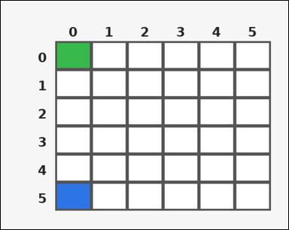 | 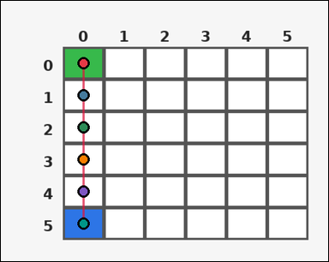 | task_tile_relation_min_distance | min_distance | Use the single rectangular tile board in the image. It has 6 rows and 6 columns, with rows labeled on the left and columns labeled on the top. Count the smallest 4-neighbor step distance between the green [#37B94B] region and the blue [#2D75E6] region on the white [#FFFFFF] board. Return a valid JSON object with keys "evidence" and "answer" in that order. Evidence rule: set "evidence" to the ordered list of [row, col] coordinates for one unique shortest path between the closest queried-color tiles, including both endpoints. Answer rule: set "answer" to the minimum number of orthogonal steps between the two queried colors as an integer. Example JSON: {"evidence":[[1,1],[1,2],[1,3]],"answer":2} | Use the single rectangular tile board in the image. It has 6 rows and 6 columns, with rows labeled on the left and columns labeled on the top. Count the smallest 4-neighbor step distance between the green [#37B94B] region and the blue [#2D75E6] region on the white [#FFFFFF] board. Return a valid JSON object with key "answer". Answer rule: set "answer" to the minimum number of orthogonal steps between the two queried colors as an integer. Example JSON: {"answer":2} | {"evidence": [[0, 0], [1, 0], [2, 0], [3, 0], [4, 0], [5, 0]], "answer": 5} | [[0, 0], [1, 0], [2, 0], [3, 0], [4, 0], [5, 0]] | integer | grid_point_path | 1.3868522161E+15 | task_tile_relation_min_distance/images/default/0012.png | task_tile_relation_min_distance/data/default/0012.json
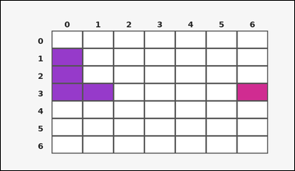 | 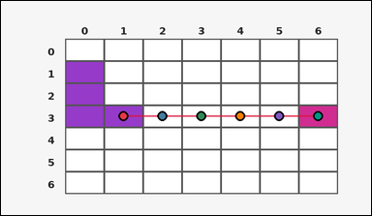 | task_tile_relation_min_distance | min_distance | Look at the rectangular tile board with 7 rows and 7 columns. The board uses row labels on the left and column labels on the top. On the white [#FFFFFF] board, what is the minimum number of orthogonal steps between any purple [#963ACA] tile and any magenta [#D02C91] tile? Return a valid JSON object with keys "evidence" and "answer" in that order. Evidence: set "evidence" to the ordered list of [row, col] coordinates for one unique shortest path between the closest queried-color tiles, including both endpoints. Answer: set "answer" to the minimum number of orthogonal steps between the two queried colors as an integer. Example JSON: {"evidence":[[1,1],[1,2],[1,3]],"answer":2} | Look at the rectangular tile board with 7 rows and 7 columns. The board uses row labels on the left and column labels on the top. On the white [#FFFFFF] board, what is the minimum number of orthogonal steps between any purple [#963ACA] tile and any magenta [#D02C91] tile? Return a valid JSON object with key "answer". Answer: set "answer" to the minimum number of orthogonal steps between the two queried colors as an integer. Example JSON: {"answer":2} | {"evidence": [[3, 1], [3, 2], [3, 3], [3, 4], [3, 5], [3, 6]], "answer": 5} | [[3, 1], [3, 2], [3, 3], [3, 4], [3, 5], [3, 6]] | integer | grid_point_path | 1.4749863003E+15 | task_tile_relation_min_distance/images/default/0024.png | task_tile_relation_min_distance/data/default/0024.json
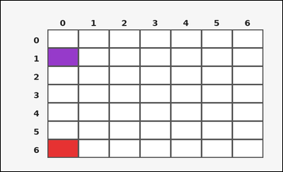 | 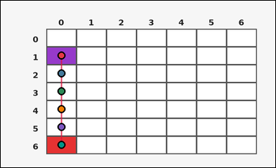 | task_tile_relation_min_distance | min_distance | Look at the rectangular tile board with 7 rows and 7 columns. The board uses row labels on the left and column labels on the top. Count the smallest 4-neighbor step distance between the purple [#963ACA] region and the red [#E63232] region on the white [#FFFFFF] board. Return a valid JSON object with keys "evidence" and "answer" in that order. Evidence field: set "evidence" to the ordered list of [row, col] coordinates for one unique shortest path between the closest queried-color tiles, including both endpoints. Answer field: set "answer" to the minimum number of orthogonal steps between the two queried colors as an integer. Example JSON: {"evidence":[[1,1],[1,2],[1,3]],"answer":2} | Look at the rectangular tile board with 7 rows and 7 columns. The board uses row labels on the left and column labels on the top. Count the smallest 4-neighbor step distance between the purple [#963ACA] region and the red [#E63232] region on the white [#FFFFFF] board. Return a valid JSON object with key "answer". Answer format: set "answer" to the minimum number of orthogonal steps between the two queried colors as an integer. Example JSON: {"answer":2} | {"evidence": [[1, 0], [2, 0], [3, 0], [4, 0], [5, 0], [6, 0]], "answer": 5} | [[1, 0], [2, 0], [3, 0], [4, 0], [5, 0], [6, 0]] | integer | grid_point_path | 1.7459271031E+15 | task_tile_relation_min_distance/images/default/0022.png | task_tile_relation_min_distance/data/default/0022.json
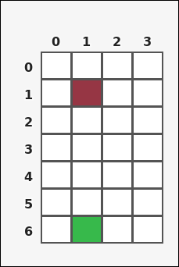 | 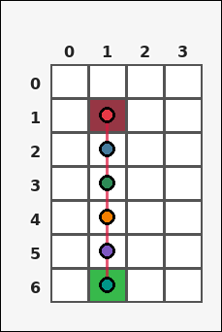 | task_tile_relation_min_distance | min_distance | You are given one rectangular tile board on a 7 by 4 grid. Read rows from the left labels and columns from the top labels. On the white [#FFFFFF] board, what is the minimum number of orthogonal steps between any maroon [#963644] tile and any green [#37B94B] tile? Return a valid JSON object with keys "evidence" and "answer" in that order. Evidence requirement: set "evidence" to the ordered list of [row, col] coordinates for one unique shortest path between the closest queried-color tiles, including both endpoints. Answer format: set "answer" to the minimum number of orthogonal steps between the two queried colors as an integer. Example JSON: {"evidence":[[1,1],[1,2],[1,3]],"answer":2} | You are given one rectangular tile board on a 7 by 4 grid. Read rows from the left labels and columns from the top labels. On the white [#FFFFFF] board, what is the minimum number of orthogonal steps between any maroon [#963644] tile and any green [#37B94B] tile? Return a valid JSON object with key "answer". Answer format: set "answer" to the minimum number of orthogonal steps between the two queried colors as an integer. Example JSON: {"answer":2} | {"evidence": [[1, 1], [2, 1], [3, 1], [4, 1], [5, 1], [6, 1]], "answer": 5} | [[1, 1], [2, 1], [3, 1], [4, 1], [5, 1], [6, 1]] | integer | grid_point_path | 1.8669303427E+15 | task_tile_relation_min_distance/images/default/0001.png | task_tile_relation_min_distance/data/default/0001.json
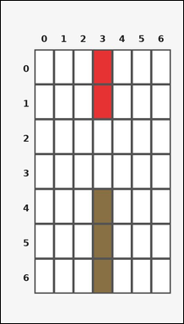 | 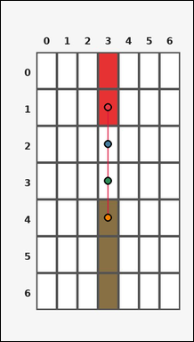 | task_tile_relation_min_distance | min_distance | Look at the rectangular tile board with 7 rows and 7 columns. The board uses row labels on the left and column labels on the top. On the white [#FFFFFF] board, what is the minimum number of orthogonal steps between any red [#E63232] tile and any brown [#887044] tile? Return a valid JSON object with keys "evidence" and "answer" in that order. Evidence requirement: set "evidence" to the ordered list of [row, col] coordinates for one unique shortest path between the closest queried-color tiles, including both endpoints. Answer format: set "answer" to the minimum number of orthogonal steps between the two queried colors as an integer. Example JSON: {"evidence":[[1,1],[1,2],[1,3]],"answer":2} | Look at the rectangular tile board with 7 rows and 7 columns. The board uses row labels on the left and column labels on the top. On the white [#FFFFFF] board, what is the minimum number of orthogonal steps between any red [#E63232] tile and any brown [#887044] tile? Return a valid JSON object with key "answer". Answer field: set "answer" to the minimum number of orthogonal steps between the two queried colors as an integer. Example JSON: {"answer":2} | {"evidence": [[1, 3], [2, 3], [3, 3], [4, 3]], "answer": 3} | [[1, 3], [2, 3], [3, 3], [4, 3]] | integer | grid_point_path | 2.2765051085E+15 | task_tile_relation_min_distance/images/default/0016.png | task_tile_relation_min_distance/data/default/0016.json
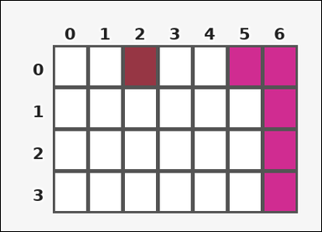 | 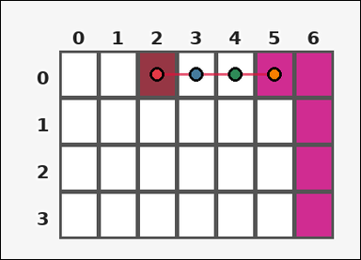 | task_tile_relation_min_distance | min_distance | The image shows one rectangular tile board with 4 rows and 7 columns. Row labels are on the left and column labels are on the top. Determine the minimum orthogonal step distance from any maroon [#963644] tile to any magenta [#D02C91] tile on the white [#FFFFFF] board. Return a valid JSON object with keys "evidence" and "answer" in that order. Evidence field: set "evidence" to the ordered list of [row, col] coordinates for one unique shortest path between the closest queried-color tiles, including both endpoints. Answer field: set "answer" to the minimum number of orthogonal steps between the two queried colors as an integer. Example JSON: {"evidence":[[1,1],[1,2],[1,3]],"answer":2} | The image shows one rectangular tile board with 4 rows and 7 columns. Row labels are on the left and column labels are on the top. Determine the minimum orthogonal step distance from any maroon [#963644] tile to any magenta [#D02C91] tile on the white [#FFFFFF] board. Return a valid JSON object with key "answer". Answer requirement: set "answer" to the minimum number of orthogonal steps between the two queried colors as an integer. Example JSON: {"answer":2} | {"evidence": [[0, 2], [0, 3], [0, 4], [0, 5]], "answer": 3} | [[0, 2], [0, 3], [0, 4], [0, 5]] | integer | grid_point_path | 3.8178756669E+15 | task_tile_relation_min_distance/images/default/0017.png | task_tile_relation_min_distance/data/default/0017.json
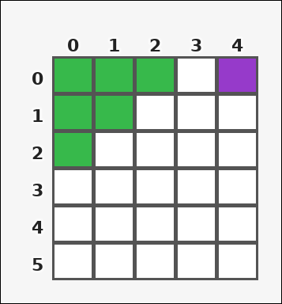 |  | task_tile_relation_min_distance | min_distance | The image shows one rectangular tile board with 6 rows and 5 columns. Row labels are on the left and column labels are on the top. Using 4-neighbor movement only, what is the fewest number of steps needed to go from a green [#37B94B] tile to a purple [#963ACA] tile on the white [#FFFFFF] board? Return a valid JSON object with keys "evidence" and "answer" in that order. Evidence: set "evidence" to the ordered list of [row, col] coordinates for one unique shortest path between the closest queried-color tiles, including both endpoints. Answer: set "answer" to the minimum number of orthogonal steps between the two queried colors as an integer. Example JSON: {"evidence":[[1,1],[1,2],[1,3]],"answer":2} | The image shows one rectangular tile board with 6 rows and 5 columns. Row labels are on the left and column labels are on the top. Using 4-neighbor movement only, what is the fewest number of steps needed to go from a green [#37B94B] tile to a purple [#963ACA] tile on the white [#FFFFFF] board? Return a valid JSON object with key "answer". Answer requirement: set "answer" to the minimum number of orthogonal steps between the two queried colors as an integer. Example JSON: {"answer":2} | {"evidence": [[0, 2], [0, 3], [0, 4]], "answer": 2} | [[0, 2], [0, 3], [0, 4]] | integer | grid_point_path | 4.246848553E+15 | task_tile_relation_min_distance/images/default/0003.png | task_tile_relation_min_distance/data/default/0003.json
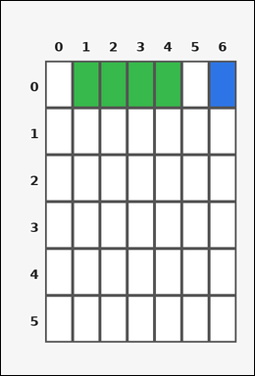 | 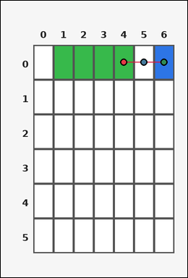 | task_tile_relation_min_distance | min_distance | Work from the labeled rectangular tile board in the image. It has 6 rows and 7 columns with visible row and column indices. Determine the minimum orthogonal step distance from any green [#37B94B] tile to any blue [#2D75E6] tile on the white [#FFFFFF] board. Return a valid JSON object with keys "evidence" and "answer" in that order. Evidence rule: set "evidence" to the ordered list of [row, col] coordinates for one unique shortest path between the closest queried-color tiles, including both endpoints. Answer rule: set "answer" to the minimum number of orthogonal steps between the two queried colors as an integer. Example JSON: {"evidence":[[1,1],[1,2],[1,3]],"answer":2} | Work from the labeled rectangular tile board in the image. It has 6 rows and 7 columns with visible row and column indices. Determine the minimum orthogonal step distance from any green [#37B94B] tile to any blue [#2D75E6] tile on the white [#FFFFFF] board. Return a valid JSON object with key "answer". Answer rule: set "answer" to the minimum number of orthogonal steps between the two queried colors as an integer. Example JSON: {"answer":2} | {"evidence": [[0, 4], [0, 5], [0, 6]], "answer": 2} | [[0, 4], [0, 5], [0, 6]] | integer | grid_point_path | 5.3010268483E+15 | task_tile_relation_min_distance/images/default/0006.png | task_tile_relation_min_distance/data/default/0006.json
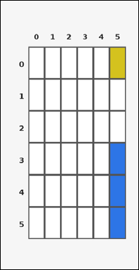 |  | task_tile_relation_min_distance | min_distance | Use the single rectangular tile board in the image. It has 6 rows and 6 columns, with rows labeled on the left and columns labeled on the top. On the white [#FFFFFF] board, what is the minimum number of orthogonal steps between any yellow [#D4C21E] tile and any blue [#2D75E6] tile? Return a valid JSON object with keys "evidence" and "answer" in that order. Evidence format: set "evidence" to the ordered list of [row, col] coordinates for one unique shortest path between the closest queried-color tiles, including both endpoints. Answer requirement: set "answer" to the minimum number of orthogonal steps between the two queried colors as an integer. Example JSON: {"evidence":[[1,1],[1,2],[1,3]],"answer":2} | Use the single rectangular tile board in the image. It has 6 rows and 6 columns, with rows labeled on the left and columns labeled on the top. On the white [#FFFFFF] board, what is the minimum number of orthogonal steps between any yellow [#D4C21E] tile and any blue [#2D75E6] tile? Return a valid JSON object with key "answer". Answer: set "answer" to the minimum number of orthogonal steps between the two queried colors as an integer. Example JSON: {"answer":2} | {"evidence": [[0, 5], [1, 5], [2, 5], [3, 5]], "answer": 3} | [[0, 5], [1, 5], [2, 5], [3, 5]] | integer | grid_point_path | 5.5672241427E+15 | task_tile_relation_min_distance/images/default/0000.png | task_tile_relation_min_distance/data/default/0000.json
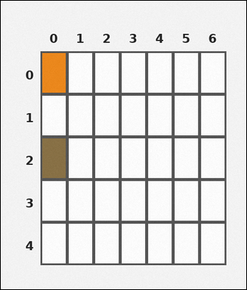 | 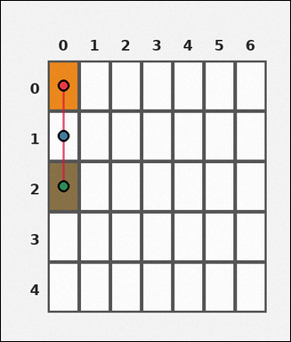 | task_tile_relation_min_distance | min_distance | The image shows one rectangular tile board with 5 rows and 7 columns. Row labels are on the left and column labels are on the top. Determine the minimum orthogonal step distance from any orange [#EE881A] tile to any brown [#887044] tile on the white [#FFFFFF] board. Return a valid JSON object with keys "evidence" and "answer" in that order. Evidence requirement: set "evidence" to the ordered list of [row, col] coordinates for one unique shortest path between the closest queried-color tiles, including both endpoints. Answer format: set "answer" to the minimum number of orthogonal steps between the two queried colors as an integer. Example JSON: {"evidence":[[1,1],[1,2],[1,3]],"answer":2} | The image shows one rectangular tile board with 5 rows and 7 columns. Row labels are on the left and column labels are on the top. Determine the minimum orthogonal step distance from any orange [#EE881A] tile to any brown [#887044] tile on the white [#FFFFFF] board. Return a valid JSON object with key "answer". Answer format: set "answer" to the minimum number of orthogonal steps between the two queried colors as an integer. Example JSON: {"answer":2} | {"evidence": [[0, 0], [1, 0], [2, 0]], "answer": 2} | [[0, 0], [1, 0], [2, 0]] | integer | grid_point_path | 5.576154584E+15 | task_tile_relation_min_distance/images/default/0002.png | task_tile_relation_min_distance/data/default/0002.json
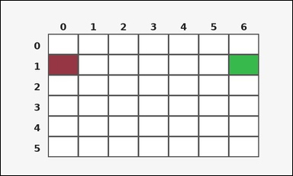 | 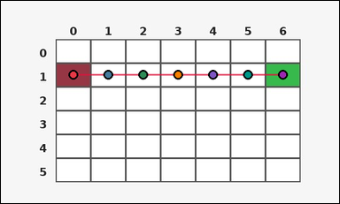 | task_tile_relation_min_distance | min_distance | Use the single rectangular tile board in the image. It has 6 rows and 7 columns, with rows labeled on the left and columns labeled on the top. Find the minimum orthogonal tile distance between the maroon [#963644] component and the green [#37B94B] component on the white [#FFFFFF] board. Return a valid JSON object with keys "evidence" and "answer" in that order. Evidence requirement: set "evidence" to the ordered list of [row, col] coordinates for one unique shortest path between the closest queried-color tiles, including both endpoints. Answer format: set "answer" to the minimum number of orthogonal steps between the two queried colors as an integer. Example JSON: {"evidence":[[1,1],[1,2],[1,3]],"answer":2} | Use the single rectangular tile board in the image. It has 6 rows and 7 columns, with rows labeled on the left and columns labeled on the top. Find the minimum orthogonal tile distance between the maroon [#963644] component and the green [#37B94B] component on the white [#FFFFFF] board. Return a valid JSON object with key "answer". Answer requirement: set "answer" to the minimum number of orthogonal steps between the two queried colors as an integer. Example JSON: {"answer":2} | {"evidence": [[1, 0], [1, 1], [1, 2], [1, 3], [1, 4], [1, 5], [1, 6]], "answer": 6} | [[1, 0], [1, 1], [1, 2], [1, 3], [1, 4], [1, 5], [1, 6]] | integer | grid_point_path | 5.7083001639E+15 | task_tile_relation_min_distance/images/default/0015.png | task_tile_relation_min_distance/data/default/0015.json
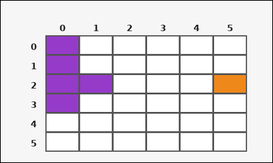 | 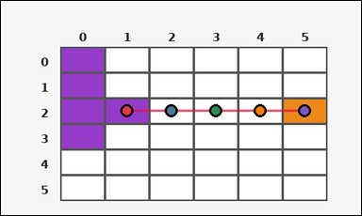 | task_tile_relation_min_distance | min_distance | Use the single rectangular tile board in the image. It has 6 rows and 6 columns, with rows labeled on the left and columns labeled on the top. Find the minimum orthogonal tile distance between the purple [#963ACA] component and the orange [#EE881A] component on the white [#FFFFFF] board. Return a valid JSON object with keys "evidence" and "answer" in that order. Evidence format: set "evidence" to the ordered list of [row, col] coordinates for one unique shortest path between the closest queried-color tiles, including both endpoints. Answer requirement: set "answer" to the minimum number of orthogonal steps between the two queried colors as an integer. Example JSON: {"evidence":[[1,1],[1,2],[1,3]],"answer":2} | Use the single rectangular tile board in the image. It has 6 rows and 6 columns, with rows labeled on the left and columns labeled on the top. Find the minimum orthogonal tile distance between the purple [#963ACA] component and the orange [#EE881A] component on the white [#FFFFFF] board. Return a valid JSON object with key "answer". Answer format: set "answer" to the minimum number of orthogonal steps between the two queried colors as an integer. Example JSON: {"answer":2} | {"evidence": [[2, 1], [2, 2], [2, 3], [2, 4], [2, 5]], "answer": 4} | [[2, 1], [2, 2], [2, 3], [2, 4], [2, 5]] | integer | grid_point_path | 5.8356525161E+15 | task_tile_relation_min_distance/images/default/0021.png | task_tile_relation_min_distance/data/default/0021.json
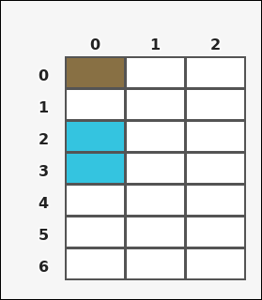 |  | task_tile_relation_min_distance | min_distance | The image shows one rectangular tile board with 7 rows and 3 columns. Row labels are on the left and column labels are on the top. Count the smallest 4-neighbor step distance between the brown [#887044] region and the cyan [#34C4E0] region on the white [#FFFFFF] board. Return a valid JSON object with keys "evidence" and "answer" in that order. Evidence requirement: set "evidence" to the ordered list of [row, col] coordinates for one unique shortest path between the closest queried-color tiles, including both endpoints. Answer format: set "answer" to the minimum number of orthogonal steps between the two queried colors as an integer. Example JSON: {"evidence":[[1,1],[1,2],[1,3]],"answer":2} | The image shows one rectangular tile board with 7 rows and 3 columns. Row labels are on the left and column labels are on the top. Count the smallest 4-neighbor step distance between the brown [#887044] region and the cyan [#34C4E0] region on the white [#FFFFFF] board. Return a valid JSON object with key "answer". Answer requirement: set "answer" to the minimum number of orthogonal steps between the two queried colors as an integer. Example JSON: {"answer":2} | {"evidence": [[0, 0], [1, 0], [2, 0]], "answer": 2} | [[0, 0], [1, 0], [2, 0]] | integer | grid_point_path | 6.0528940642E+15 | task_tile_relation_min_distance/images/default/0020.png | task_tile_relation_min_distance/data/default/0020.json
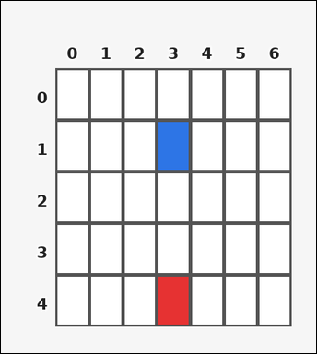 | 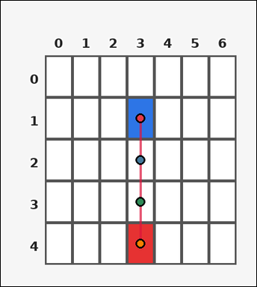 | task_tile_relation_min_distance | min_distance | Look at the rectangular tile board with 5 rows and 7 columns. The board uses row labels on the left and column labels on the top. Using 4-neighbor movement only, what is the fewest number of steps needed to go from a blue [#2D75E6] tile to a red [#E63232] tile on the white [#FFFFFF] board? Return a valid JSON object with keys "evidence" and "answer" in that order. Evidence: set "evidence" to the ordered list of [row, col] coordinates for one unique shortest path between the closest queried-color tiles, including both endpoints. Answer: set "answer" to the minimum number of orthogonal steps between the two queried colors as an integer. Example JSON: {"evidence":[[1,1],[1,2],[1,3]],"answer":2} | Look at the rectangular tile board with 5 rows and 7 columns. The board uses row labels on the left and column labels on the top. Using 4-neighbor movement only, what is the fewest number of steps needed to go from a blue [#2D75E6] tile to a red [#E63232] tile on the white [#FFFFFF] board? Return a valid JSON object with key "answer". Answer requirement: set "answer" to the minimum number of orthogonal steps between the two queried colors as an integer. Example JSON: {"answer":2} | {"evidence": [[1, 3], [2, 3], [3, 3], [4, 3]], "answer": 3} | [[1, 3], [2, 3], [3, 3], [4, 3]] | integer | grid_point_path | 6.0738726375E+15 | task_tile_relation_min_distance/images/default/0018.png | task_tile_relation_min_distance/data/default/0018.json
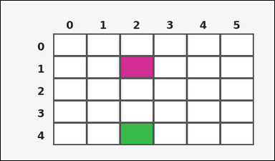 | 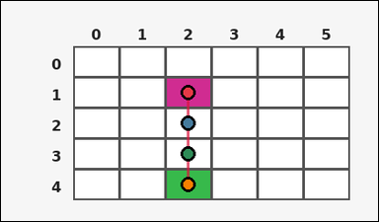 | task_tile_relation_min_distance | min_distance | You are given one rectangular tile board on a 5 by 6 grid. Read rows from the left labels and columns from the top labels. Using 4-neighbor movement only, what is the fewest number of steps needed to go from a magenta [#D02C91] tile to a green [#37B94B] tile on the white [#FFFFFF] board? Return a valid JSON object with keys "evidence" and "answer" in that order. Evidence field: set "evidence" to the ordered list of [row, col] coordinates for one unique shortest path between the closest queried-color tiles, including both endpoints. Answer field: set "answer" to the minimum number of orthogonal steps between the two queried colors as an integer. Example JSON: {"evidence":[[1,1],[1,2],[1,3]],"answer":2} | You are given one rectangular tile board on a 5 by 6 grid. Read rows from the left labels and columns from the top labels. Using 4-neighbor movement only, what is the fewest number of steps needed to go from a magenta [#D02C91] tile to a green [#37B94B] tile on the white [#FFFFFF] board? Return a valid JSON object with key "answer". Answer rule: set "answer" to the minimum number of orthogonal steps between the two queried colors as an integer. Example JSON: {"answer":2} | {"evidence": [[1, 2], [2, 2], [3, 2], [4, 2]], "answer": 3} | [[1, 2], [2, 2], [3, 2], [4, 2]] | integer | grid_point_path | 6.3048370528E+15 | task_tile_relation_min_distance/images/default/0013.png | task_tile_relation_min_distance/data/default/0013.json
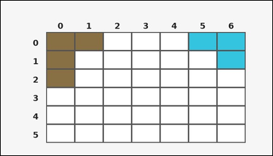 | 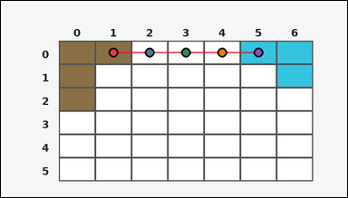 | task_tile_relation_min_distance | min_distance | Use the single rectangular tile board in the image. It has 6 rows and 7 columns, with rows labeled on the left and columns labeled on the top. Using 4-neighbor movement only, what is the fewest number of steps needed to go from a brown [#887044] tile to a cyan [#34C4E0] tile on the white [#FFFFFF] board? Return a valid JSON object with keys "evidence" and "answer" in that order. Evidence requirement: set "evidence" to the ordered list of [row, col] coordinates for one unique shortest path between the closest queried-color tiles, including both endpoints. Answer format: set "answer" to the minimum number of orthogonal steps between the two queried colors as an integer. Example JSON: {"evidence":[[1,1],[1,2],[1,3]],"answer":2} | Use the single rectangular tile board in the image. It has 6 rows and 7 columns, with rows labeled on the left and columns labeled on the top. Using 4-neighbor movement only, what is the fewest number of steps needed to go from a brown [#887044] tile to a cyan [#34C4E0] tile on the white [#FFFFFF] board? Return a valid JSON object with key "answer". Answer: set "answer" to the minimum number of orthogonal steps between the two queried colors as an integer. Example JSON: {"answer":2} | {"evidence": [[0, 1], [0, 2], [0, 3], [0, 4], [0, 5]], "answer": 4} | [[0, 1], [0, 2], [0, 3], [0, 4], [0, 5]] | integer | grid_point_path | 6.3883376601E+15 | task_tile_relation_min_distance/images/default/0014.png | task_tile_relation_min_distance/data/default/0014.json
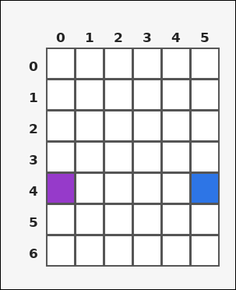 | 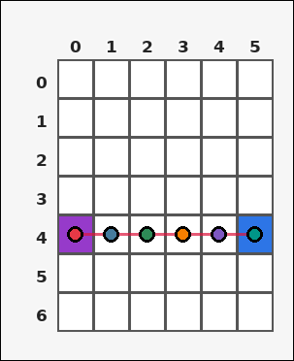 | task_tile_relation_min_distance | min_distance | You are given one rectangular tile board on a 7 by 6 grid. Read rows from the left labels and columns from the top labels. On the white [#FFFFFF] board, what is the minimum number of orthogonal steps between any purple [#963ACA] tile and any blue [#2D75E6] tile? Return a valid JSON object with keys "evidence" and "answer" in that order. Evidence format: set "evidence" to the ordered list of [row, col] coordinates for one unique shortest path between the closest queried-color tiles, including both endpoints. Answer requirement: set "answer" to the minimum number of orthogonal steps between the two queried colors as an integer. Example JSON: {"evidence":[[1,1],[1,2],[1,3]],"answer":2} | You are given one rectangular tile board on a 7 by 6 grid. Read rows from the left labels and columns from the top labels. On the white [#FFFFFF] board, what is the minimum number of orthogonal steps between any purple [#963ACA] tile and any blue [#2D75E6] tile? Return a valid JSON object with key "answer". Answer format: set "answer" to the minimum number of orthogonal steps between the two queried colors as an integer. Example JSON: {"answer":2} | {"evidence": [[4, 0], [4, 1], [4, 2], [4, 3], [4, 4], [4, 5]], "answer": 5} | [[4, 0], [4, 1], [4, 2], [4, 3], [4, 4], [4, 5]] | integer | grid_point_path | 6.519462556E+15 | task_tile_relation_min_distance/images/default/0023.png | task_tile_relation_min_distance/data/default/0023.json
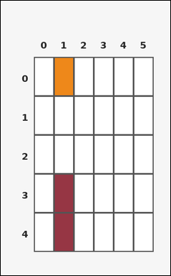 | 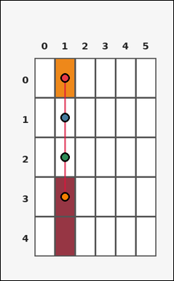 | task_tile_relation_min_distance | min_distance | Use the single rectangular tile board in the image. It has 5 rows and 6 columns, with rows labeled on the left and columns labeled on the top. Find the minimum orthogonal tile distance between the orange [#EE881A] component and the maroon [#963644] component on the white [#FFFFFF] board. Return a valid JSON object with keys "evidence" and "answer" in that order. Evidence field: set "evidence" to the ordered list of [row, col] coordinates for one unique shortest path between the closest queried-color tiles, including both endpoints. Answer field: set "answer" to the minimum number of orthogonal steps between the two queried colors as an integer. Example JSON: {"evidence":[[1,1],[1,2],[1,3]],"answer":2} | Use the single rectangular tile board in the image. It has 5 rows and 6 columns, with rows labeled on the left and columns labeled on the top. Find the minimum orthogonal tile distance between the orange [#EE881A] component and the maroon [#963644] component on the white [#FFFFFF] board. Return a valid JSON object with key "answer". Answer format: set "answer" to the minimum number of orthogonal steps between the two queried colors as an integer. Example JSON: {"answer":2} | {"evidence": [[0, 1], [1, 1], [2, 1], [3, 1]], "answer": 3} | [[0, 1], [1, 1], [2, 1], [3, 1]] | integer | grid_point_path | 8.3669811909E+15 | task_tile_relation_min_distance/images/default/0004.png | task_tile_relation_min_distance/data/default/0004.json
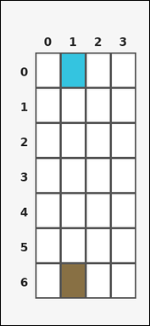 | 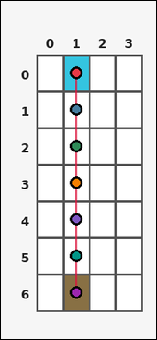 | task_tile_relation_min_distance | min_distance | Use the single rectangular tile board in the image. It has 7 rows and 4 columns, with rows labeled on the left and columns labeled on the top. Find the minimum orthogonal tile distance between the cyan [#34C4E0] component and the brown [#887044] component on the white [#FFFFFF] board. Return a valid JSON object with keys "evidence" and "answer" in that order. Evidence field: set "evidence" to the ordered list of [row, col] coordinates for one unique shortest path between the closest queried-color tiles, including both endpoints. Answer field: set "answer" to the minimum number of orthogonal steps between the two queried colors as an integer. Example JSON: {"evidence":[[1,1],[1,2],[1,3]],"answer":2} | Use the single rectangular tile board in the image. It has 7 rows and 4 columns, with rows labeled on the left and columns labeled on the top. Find the minimum orthogonal tile distance between the cyan [#34C4E0] component and the brown [#887044] component on the white [#FFFFFF] board. Return a valid JSON object with key "answer". Answer requirement: set "answer" to the minimum number of orthogonal steps between the two queried colors as an integer. Example JSON: {"answer":2} | {"evidence": [[0, 1], [1, 1], [2, 1], [3, 1], [4, 1], [5, 1], [6, 1]], "answer": 6} | [[0, 1], [1, 1], [2, 1], [3, 1], [4, 1], [5, 1], [6, 1]] | integer | grid_point_path | 8.4314906161E+15 | task_tile_relation_min_distance/images/default/0010.png | task_tile_relation_min_distance/data/default/0010.json
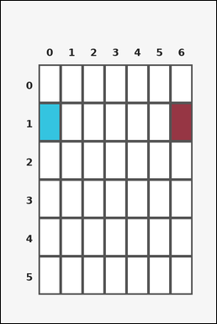 | 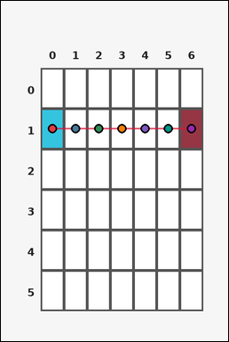 | task_tile_relation_min_distance | min_distance | The image shows one rectangular tile board with 6 rows and 7 columns. Row labels are on the left and column labels are on the top. Determine the minimum orthogonal step distance from any cyan [#34C4E0] tile to any maroon [#963644] tile on the white [#FFFFFF] board. Return a valid JSON object with keys "evidence" and "answer" in that order. Evidence rule: set "evidence" to the ordered list of [row, col] coordinates for one unique shortest path between the closest queried-color tiles, including both endpoints. Answer rule: set "answer" to the minimum number of orthogonal steps between the two queried colors as an integer. Example JSON: {"evidence":[[1,1],[1,2],[1,3]],"answer":2} | The image shows one rectangular tile board with 6 rows and 7 columns. Row labels are on the left and column labels are on the top. Determine the minimum orthogonal step distance from any cyan [#34C4E0] tile to any maroon [#963644] tile on the white [#FFFFFF] board. Return a valid JSON object with key "answer". Answer format: set "answer" to the minimum number of orthogonal steps between the two queried colors as an integer. Example JSON: {"answer":2} | {"evidence": [[1, 0], [1, 1], [1, 2], [1, 3], [1, 4], [1, 5], [1, 6]], "answer": 6} | [[1, 0], [1, 1], [1, 2], [1, 3], [1, 4], [1, 5], [1, 6]] | integer | grid_point_path | 8.8581563353E+15 | task_tile_relation_min_distance/images/default/0019.png | task_tile_relation_min_distance/data/default/0019.json

