operand_unknown
image | evidence_image | task | task_variant | prompt | prompt_answer_only | answer | answer_evidence | answer_type | evidence_type | instance_seed | image_path | data_path
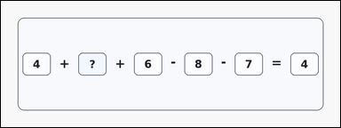 | 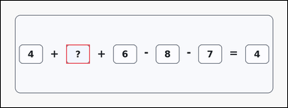 | task_puzzles_arithmetic_equation_value | operand_unknown | Work from the arithmetic puzzle shown in the image: a card-style arithmetic puzzle with 2 to 5 boxed values on the left, arithmetic operators between them, an equals sign, and one boxed result on the right. Use the boxed numbers and operators to solve for the question-mark slot. What number should replace the question mark? Return a valid JSON object with keys "evidence" and "answer" in that order. Evidence: set "evidence" to an array containing exactly one bounding box [x1, y1, x2, y2] for the question-mark operand slot. Answer: set "answer" to the exact integer that belongs in the question-mark slot. Example JSON: {"evidence":[[120,180,240,276]],"answer":5} | Work from the arithmetic puzzle shown in the image: a card-style arithmetic puzzle with 2 to 5 boxed values on the left, arithmetic operators between them, an equals sign, and one boxed result on the right. Use the boxed numbers and operators to solve for the question-mark slot. What number should replace the question mark? Return a valid JSON object with key "answer". Answer requirement: set "answer" to the exact integer that belongs in the question-mark slot. Example JSON: {"answer":5} | {"evidence": [[332.0, 222.0, 452.0, 318.0]], "answer": 9} | [[332.0, 222.0, 452.0, 318.0]] | integer | bbox_set | 742372943407047 | task_puzzles_arithmetic_equation_value/images/operand_unknown/0008.png | task_puzzles_arithmetic_equation_value/data/operand_unknown/0008.json
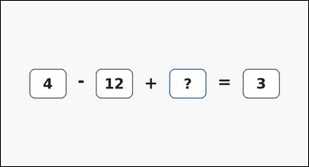 | 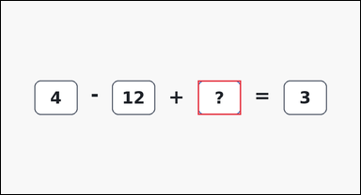 | task_puzzles_arithmetic_equation_value | operand_unknown | Look at the arithmetic puzzle in the image: an outline-style arithmetic puzzle with 2 to 5 boxed values on the left, arithmetic operators between them, an equals sign, and one boxed result on the right. Work from the shown arithmetic expression to find the missing number. What integer completes the left side of the equation when placed in the question-mark box? Return a valid JSON object with keys "evidence" and "answer" in that order. Evidence format: set "evidence" to an array containing exactly one bounding box [x1, y1, x2, y2] for the question-mark operand slot. Answer requirement: set "answer" to the exact integer that belongs in the question-mark slot. Example JSON: {"evidence":[[120,180,240,276]],"answer":5} | Look at the arithmetic puzzle in the image: an outline-style arithmetic puzzle with 2 to 5 boxed values on the left, arithmetic operators between them, an equals sign, and one boxed result on the right. Work from the shown arithmetic expression to find the missing number. What integer completes the left side of the equation when placed in the question-mark box? Return a valid JSON object with key "answer". Answer rule: set "answer" to the exact integer that belongs in the question-mark slot. Example JSON: {"answer":5} | {"evidence": [[548.0, 222.0, 668.0, 318.0]], "answer": 11} | [[548.0, 222.0, 668.0, 318.0]] | integer | bbox_set | 774994925995034 | task_puzzles_arithmetic_equation_value/images/operand_unknown/0022.png | task_puzzles_arithmetic_equation_value/data/operand_unknown/0022.json
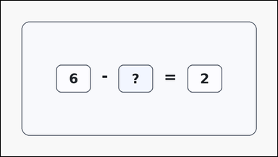 | 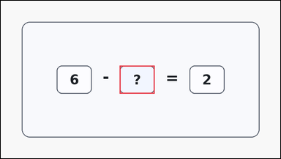 | task_puzzles_arithmetic_equation_value | operand_unknown | The image shows a card-style arithmetic puzzle with 2 to 5 boxed values on the left, arithmetic operators between them, an equals sign, and one boxed result on the right. Use standard arithmetic to determine the missing number. What integer completes the left side of the equation when placed in the question-mark box? Return a valid JSON object with keys "evidence" and "answer" in that order. Evidence: set "evidence" to an array containing exactly one bounding box [x1, y1, x2, y2] for the question-mark operand slot. Answer: set "answer" to the exact integer that belongs in the question-mark slot. Example JSON: {"evidence":[[120,180,240,276]],"answer":5} | The image shows a card-style arithmetic puzzle with 2 to 5 boxed values on the left, arithmetic operators between them, an equals sign, and one boxed result on the right. Use standard arithmetic to determine the missing number. What integer completes the left side of the equation when placed in the question-mark box? Return a valid JSON object with key "answer". Answer rule: set "answer" to the exact integer that belongs in the question-mark slot. Example JSON: {"answer":5} | {"evidence": [[408.5, 222.0, 528.5, 318.0]], "answer": 4} | [[408.5, 222.0, 528.5, 318.0]] | integer | bbox_set | 1.479515404E+15 | task_puzzles_arithmetic_equation_value/images/operand_unknown/0019.png | task_puzzles_arithmetic_equation_value/data/operand_unknown/0019.json
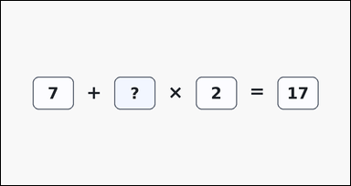 | 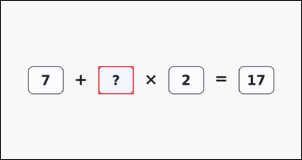 | task_puzzles_arithmetic_equation_value | operand_unknown | The image shows a clean arithmetic puzzle with 2 to 5 boxed values on the left, arithmetic operators between them, an equals sign, and one boxed result on the right. Use the boxed numbers and operators to solve for the question-mark slot. Find the missing left-side value in the boxed equation. Return a valid JSON object with keys "evidence" and "answer" in that order. Evidence: set "evidence" to an array containing exactly one bounding box [x1, y1, x2, y2] for the question-mark operand slot. Answer: set "answer" to the exact integer that belongs in the question-mark slot. Example JSON: {"evidence":[[120,180,240,276]],"answer":5} | The image shows a clean arithmetic puzzle with 2 to 5 boxed values on the left, arithmetic operators between them, an equals sign, and one boxed result on the right. Use the boxed numbers and operators to solve for the question-mark slot. Find the missing left-side value in the boxed equation. Return a valid JSON object with key "answer". Answer requirement: set "answer" to the exact integer that belongs in the question-mark slot. Example JSON: {"answer":5} | {"evidence": [[332.0, 222.0, 452.0, 318.0]], "answer": 5} | [[332.0, 222.0, 452.0, 318.0]] | integer | bbox_set | 2.0181620053E+15 | task_puzzles_arithmetic_equation_value/images/operand_unknown/0021.png | task_puzzles_arithmetic_equation_value/data/operand_unknown/0021.json
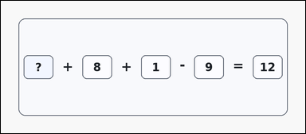 | 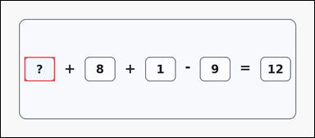 | task_puzzles_arithmetic_equation_value | operand_unknown | Look at the arithmetic puzzle in the image: a card-style arithmetic puzzle with 2 to 5 boxed values on the left, arithmetic operators between them, an equals sign, and one boxed result on the right. Read the boxed expression and infer the missing value. What integer completes the left side of the equation when placed in the question-mark box? Return a valid JSON object with keys "evidence" and "answer" in that order. Evidence rule: set "evidence" to an array containing exactly one bounding box [x1, y1, x2, y2] for the question-mark operand slot. Answer rule: set "answer" to the exact integer that belongs in the question-mark slot. Example JSON: {"evidence":[[120,180,240,276]],"answer":5} | Look at the arithmetic puzzle in the image: a card-style arithmetic puzzle with 2 to 5 boxed values on the left, arithmetic operators between them, an equals sign, and one boxed result on the right. Read the boxed expression and infer the missing value. What integer completes the left side of the equation when placed in the question-mark box? Return a valid JSON object with key "answer". Answer: set "answer" to the exact integer that belongs in the question-mark slot. Example JSON: {"answer":5} | {"evidence": [[93.0, 222.0, 213.0, 318.0]], "answer": 12} | [[93.0, 222.0, 213.0, 318.0]] | integer | bbox_set | 2.1210769943E+15 | task_puzzles_arithmetic_equation_value/images/operand_unknown/0002.png | task_puzzles_arithmetic_equation_value/data/operand_unknown/0002.json
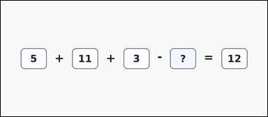 | 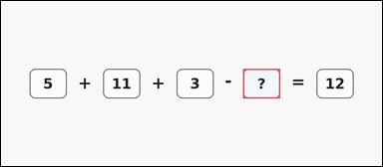 | task_puzzles_arithmetic_equation_value | operand_unknown | Work from the arithmetic puzzle shown in the image: a clean arithmetic puzzle with 2 to 5 boxed values on the left, arithmetic operators between them, an equals sign, and one boxed result on the right. Read the boxed expression and infer the missing value. What number should replace the question mark? Return a valid JSON object with keys "evidence" and "answer" in that order. Evidence rule: set "evidence" to an array containing exactly one bounding box [x1, y1, x2, y2] for the question-mark operand slot. Answer rule: set "answer" to the exact integer that belongs in the question-mark slot. Example JSON: {"evidence":[[120,180,240,276]],"answer":5} | Work from the arithmetic puzzle shown in the image: a clean arithmetic puzzle with 2 to 5 boxed values on the left, arithmetic operators between them, an equals sign, and one boxed result on the right. Read the boxed expression and infer the missing value. What number should replace the question mark? Return a valid JSON object with key "answer". Answer format: set "answer" to the exact integer that belongs in the question-mark slot. Example JSON: {"answer":5} | {"evidence": [[787.0, 222.0, 907.0, 318.0]], "answer": 7} | [[787.0, 222.0, 907.0, 318.0]] | integer | bbox_set | 2.1932176592E+15 | task_puzzles_arithmetic_equation_value/images/operand_unknown/0005.png | task_puzzles_arithmetic_equation_value/data/operand_unknown/0005.json
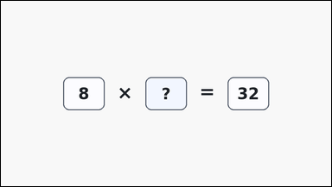 | 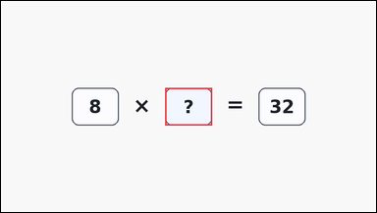 | task_puzzles_arithmetic_equation_value | operand_unknown | The image shows a clean arithmetic puzzle with 2 to 5 boxed values on the left, arithmetic operators between them, an equals sign, and one boxed result on the right. Use the boxed numbers and operators to solve for the question-mark slot. What integer completes the left side of the equation when placed in the question-mark box? Return a valid JSON object with keys "evidence" and "answer" in that order. Evidence field: set "evidence" to an array containing exactly one bounding box [x1, y1, x2, y2] for the question-mark operand slot. Answer field: set "answer" to the exact integer that belongs in the question-mark slot. Example JSON: {"evidence":[[120,180,240,276]],"answer":5} | The image shows a clean arithmetic puzzle with 2 to 5 boxed values on the left, arithmetic operators between them, an equals sign, and one boxed result on the right. Use the boxed numbers and operators to solve for the question-mark slot. What integer completes the left side of the equation when placed in the question-mark box? Return a valid JSON object with key "answer". Answer rule: set "answer" to the exact integer that belongs in the question-mark slot. Example JSON: {"answer":5} | {"evidence": [[420.0, 222.0, 540.0, 318.0]], "answer": 4} | [[420.0, 222.0, 540.0, 318.0]] | integer | bbox_set | 2.4011032595E+15 | task_puzzles_arithmetic_equation_value/images/operand_unknown/0004.png | task_puzzles_arithmetic_equation_value/data/operand_unknown/0004.json
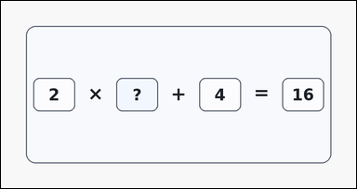 | 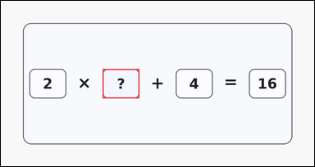 | task_puzzles_arithmetic_equation_value | operand_unknown | Work from the arithmetic puzzle shown in the image: a card-style arithmetic puzzle with 2 to 5 boxed values on the left, arithmetic operators between them, an equals sign, and one boxed result on the right. Solve the one-row arithmetic puzzle and report the missing integer. Solve the equation and report the missing operand. Return a valid JSON object with keys "evidence" and "answer" in that order. Evidence format: set "evidence" to an array containing exactly one bounding box [x1, y1, x2, y2] for the question-mark operand slot. Answer requirement: set "answer" to the exact integer that belongs in the question-mark slot. Example JSON: {"evidence":[[120,180,240,276]],"answer":5} | Work from the arithmetic puzzle shown in the image: a card-style arithmetic puzzle with 2 to 5 boxed values on the left, arithmetic operators between them, an equals sign, and one boxed result on the right. Solve the one-row arithmetic puzzle and report the missing integer. Solve the equation and report the missing operand. Return a valid JSON object with key "answer". Answer field: set "answer" to the exact integer that belongs in the question-mark slot. Example JSON: {"answer":5} | {"evidence": [[332.0, 222.0, 452.0, 318.0]], "answer": 6} | [[332.0, 222.0, 452.0, 318.0]] | integer | bbox_set | 3.6422195302E+15 | task_puzzles_arithmetic_equation_value/images/operand_unknown/0020.png | task_puzzles_arithmetic_equation_value/data/operand_unknown/0020.json
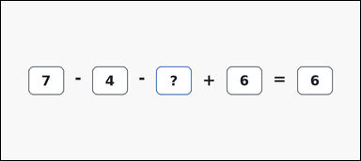 | 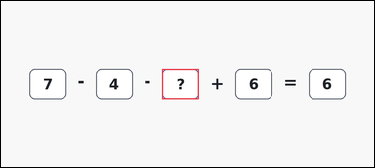 | task_puzzles_arithmetic_equation_value | operand_unknown | The image shows an outline-style arithmetic puzzle with 2 to 5 boxed values on the left, arithmetic operators between them, an equals sign, and one boxed result on the right. Use the boxed numbers and operators to solve for the question-mark slot. Determine the operand that belongs in the question-mark box. Return a valid JSON object with keys "evidence" and "answer" in that order. Evidence format: set "evidence" to an array containing exactly one bounding box [x1, y1, x2, y2] for the question-mark operand slot. Answer requirement: set "answer" to the exact integer that belongs in the question-mark slot. Example JSON: {"evidence":[[120,180,240,276]],"answer":5} | The image shows an outline-style arithmetic puzzle with 2 to 5 boxed values on the left, arithmetic operators between them, an equals sign, and one boxed result on the right. Use the boxed numbers and operators to solve for the question-mark slot. Determine the operand that belongs in the question-mark box. Return a valid JSON object with key "answer". Answer rule: set "answer" to the exact integer that belongs in the question-mark slot. Example JSON: {"answer":5} | {"evidence": [[525.0, 222.0, 645.0, 318.0]], "answer": 3} | [[525.0, 222.0, 645.0, 318.0]] | integer | bbox_set | 3.8432935599E+15 | task_puzzles_arithmetic_equation_value/images/operand_unknown/0006.png | task_puzzles_arithmetic_equation_value/data/operand_unknown/0006.json
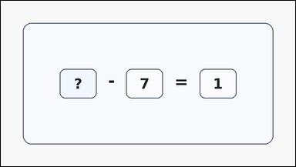 | 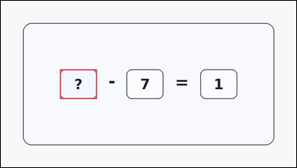 | task_puzzles_arithmetic_equation_value | operand_unknown | You are given a card-style arithmetic puzzle with 2 to 5 boxed values on the left, arithmetic operators between them, an equals sign, and one boxed result on the right. Use standard arithmetic to determine the missing number. What integer completes the left side of the equation when placed in the question-mark box? Return a valid JSON object with keys "evidence" and "answer" in that order. Evidence requirement: set "evidence" to an array containing exactly one bounding box [x1, y1, x2, y2] for the question-mark operand slot. Answer format: set "answer" to the exact integer that belongs in the question-mark slot. Example JSON: {"evidence":[[120,180,240,276]],"answer":5} | You are given a card-style arithmetic puzzle with 2 to 5 boxed values on the left, arithmetic operators between them, an equals sign, and one boxed result on the right. Use standard arithmetic to determine the missing number. What integer completes the left side of the equation when placed in the question-mark box? Return a valid JSON object with key "answer". Answer format: set "answer" to the exact integer that belongs in the question-mark slot. Example JSON: {"answer":5} | {"evidence": [[192.5, 222.0, 312.5, 318.0]], "answer": 8} | [[192.5, 222.0, 312.5, 318.0]] | integer | bbox_set | 4.0324287522E+15 | task_puzzles_arithmetic_equation_value/images/operand_unknown/0013.png | task_puzzles_arithmetic_equation_value/data/operand_unknown/0013.json
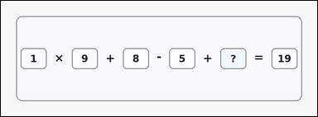 | 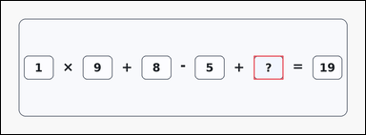 | task_puzzles_arithmetic_equation_value | operand_unknown | Use the boxed-number arithmetic puzzle in the image: a card-style arithmetic puzzle with 2 to 5 boxed values on the left, arithmetic operators between them, an equals sign, and one boxed result on the right. Work from the shown arithmetic expression to find the missing number. What integer completes the left side of the equation when placed in the question-mark box? Return a valid JSON object with keys "evidence" and "answer" in that order. Evidence format: set "evidence" to an array containing exactly one bounding box [x1, y1, x2, y2] for the question-mark operand slot. Answer requirement: set "answer" to the exact integer that belongs in the question-mark slot. Example JSON: {"evidence":[[120,180,240,276]],"answer":5} | Use the boxed-number arithmetic puzzle in the image: a card-style arithmetic puzzle with 2 to 5 boxed values on the left, arithmetic operators between them, an equals sign, and one boxed result on the right. Work from the shown arithmetic expression to find the missing number. What integer completes the left side of the equation when placed in the question-mark box? Return a valid JSON object with key "answer". Answer requirement: set "answer" to the exact integer that belongs in the question-mark slot. Example JSON: {"answer":5} | {"evidence": [[1026.0, 222.0, 1146.0, 318.0]], "answer": 7} | [[1026.0, 222.0, 1146.0, 318.0]] | integer | bbox_set | 4.3253663194E+15 | task_puzzles_arithmetic_equation_value/images/operand_unknown/0007.png | task_puzzles_arithmetic_equation_value/data/operand_unknown/0007.json
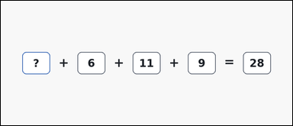 | 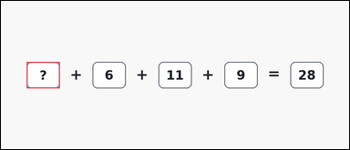 | task_puzzles_arithmetic_equation_value | operand_unknown | You are given an outline-style arithmetic puzzle with 2 to 5 boxed values on the left, arithmetic operators between them, an equals sign, and one boxed result on the right. Work from the shown arithmetic expression to find the missing number. What number should replace the question mark? Return a valid JSON object with keys "evidence" and "answer" in that order. Evidence requirement: set "evidence" to an array containing exactly one bounding box [x1, y1, x2, y2] for the question-mark operand slot. Answer format: set "answer" to the exact integer that belongs in the question-mark slot. Example JSON: {"evidence":[[120,180,240,276]],"answer":5} | You are given an outline-style arithmetic puzzle with 2 to 5 boxed values on the left, arithmetic operators between them, an equals sign, and one boxed result on the right. Work from the shown arithmetic expression to find the missing number. What number should replace the question mark? Return a valid JSON object with key "answer". Answer format: set "answer" to the exact integer that belongs in the question-mark slot. Example JSON: {"answer":5} | {"evidence": [[93.0, 222.0, 213.0, 318.0]], "answer": 2} | [[93.0, 222.0, 213.0, 318.0]] | integer | bbox_set | 4.8559174835E+15 | task_puzzles_arithmetic_equation_value/images/operand_unknown/0003.png | task_puzzles_arithmetic_equation_value/data/operand_unknown/0003.json
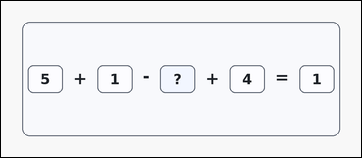 | 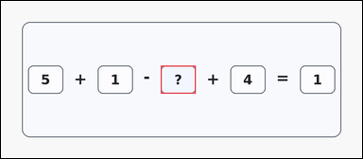 | task_puzzles_arithmetic_equation_value | operand_unknown | Work from the arithmetic puzzle shown in the image: a card-style arithmetic puzzle with 2 to 5 boxed values on the left, arithmetic operators between them, an equals sign, and one boxed result on the right. Work from the shown arithmetic expression to find the missing number. Determine the operand that belongs in the question-mark box. Return a valid JSON object with keys "evidence" and "answer" in that order. Evidence format: set "evidence" to an array containing exactly one bounding box [x1, y1, x2, y2] for the question-mark operand slot. Answer requirement: set "answer" to the exact integer that belongs in the question-mark slot. Example JSON: {"evidence":[[120,180,240,276]],"answer":5} | Work from the arithmetic puzzle shown in the image: a card-style arithmetic puzzle with 2 to 5 boxed values on the left, arithmetic operators between them, an equals sign, and one boxed result on the right. Work from the shown arithmetic expression to find the missing number. Determine the operand that belongs in the question-mark box. Return a valid JSON object with key "answer". Answer: set "answer" to the exact integer that belongs in the question-mark slot. Example JSON: {"answer":5} | {"evidence": [[548.0, 222.0, 668.0, 318.0]], "answer": 9} | [[548.0, 222.0, 668.0, 318.0]] | integer | bbox_set | 5.3001081055E+15 | task_puzzles_arithmetic_equation_value/images/operand_unknown/0018.png | task_puzzles_arithmetic_equation_value/data/operand_unknown/0018.json
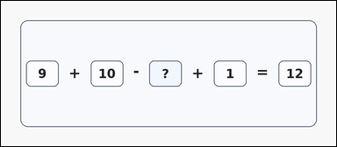 | 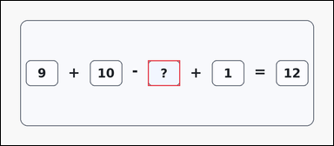 | task_puzzles_arithmetic_equation_value | operand_unknown | The image shows a card-style arithmetic puzzle with 2 to 5 boxed values on the left, arithmetic operators between them, an equals sign, and one boxed result on the right. Use the boxed numbers and operators to solve for the question-mark slot. Find the missing left-side value in the boxed equation. Return a valid JSON object with keys "evidence" and "answer" in that order. Evidence field: set "evidence" to an array containing exactly one bounding box [x1, y1, x2, y2] for the question-mark operand slot. Answer field: set "answer" to the exact integer that belongs in the question-mark slot. Example JSON: {"evidence":[[120,180,240,276]],"answer":5} | The image shows a card-style arithmetic puzzle with 2 to 5 boxed values on the left, arithmetic operators between them, an equals sign, and one boxed result on the right. Use the boxed numbers and operators to solve for the question-mark slot. Find the missing left-side value in the boxed equation. Return a valid JSON object with key "answer". Answer rule: set "answer" to the exact integer that belongs in the question-mark slot. Example JSON: {"answer":5} | {"evidence": [[548.0, 222.0, 668.0, 318.0]], "answer": 8} | [[548.0, 222.0, 668.0, 318.0]] | integer | bbox_set | 5.4324807314E+15 | task_puzzles_arithmetic_equation_value/images/operand_unknown/0024.png | task_puzzles_arithmetic_equation_value/data/operand_unknown/0024.json
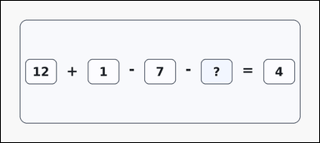 | 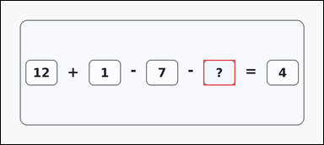 | task_puzzles_arithmetic_equation_value | operand_unknown | Look at the arithmetic puzzle in the image: a card-style arithmetic puzzle with 2 to 5 boxed values on the left, arithmetic operators between them, an equals sign, and one boxed result on the right. Solve the one-row arithmetic puzzle and report the missing integer. Find the missing left-side value in the boxed equation. Return a valid JSON object with keys "evidence" and "answer" in that order. Evidence rule: set "evidence" to an array containing exactly one bounding box [x1, y1, x2, y2] for the question-mark operand slot. Answer rule: set "answer" to the exact integer that belongs in the question-mark slot. Example JSON: {"evidence":[[120,180,240,276]],"answer":5} | Look at the arithmetic puzzle in the image: a card-style arithmetic puzzle with 2 to 5 boxed values on the left, arithmetic operators between them, an equals sign, and one boxed result on the right. Solve the one-row arithmetic puzzle and report the missing integer. Find the missing left-side value in the boxed equation. Return a valid JSON object with key "answer". Answer rule: set "answer" to the exact integer that belongs in the question-mark slot. Example JSON: {"answer":5} | {"evidence": [[764.0, 222.0, 884.0, 318.0]], "answer": 2} | [[764.0, 222.0, 884.0, 318.0]] | integer | bbox_set | 5.9003235329E+15 | task_puzzles_arithmetic_equation_value/images/operand_unknown/0017.png | task_puzzles_arithmetic_equation_value/data/operand_unknown/0017.json
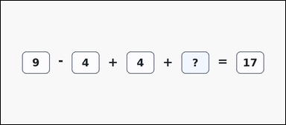 | 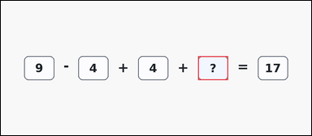 | task_puzzles_arithmetic_equation_value | operand_unknown | Use the boxed-number arithmetic puzzle in the image: a clean arithmetic puzzle with 2 to 5 boxed values on the left, arithmetic operators between them, an equals sign, and one boxed result on the right. Work from the shown arithmetic expression to find the missing number. What number should replace the question mark? Return a valid JSON object with keys "evidence" and "answer" in that order. Evidence format: set "evidence" to an array containing exactly one bounding box [x1, y1, x2, y2] for the question-mark operand slot. Answer requirement: set "answer" to the exact integer that belongs in the question-mark slot. Example JSON: {"evidence":[[120,180,240,276]],"answer":5} | Use the boxed-number arithmetic puzzle in the image: a clean arithmetic puzzle with 2 to 5 boxed values on the left, arithmetic operators between them, an equals sign, and one boxed result on the right. Work from the shown arithmetic expression to find the missing number. What number should replace the question mark? Return a valid JSON object with key "answer". Answer: set "answer" to the exact integer that belongs in the question-mark slot. Example JSON: {"answer":5} | {"evidence": [[787.0, 222.0, 907.0, 318.0]], "answer": 8} | [[787.0, 222.0, 907.0, 318.0]] | integer | bbox_set | 5.9177609202E+15 | task_puzzles_arithmetic_equation_value/images/operand_unknown/0010.png | task_puzzles_arithmetic_equation_value/data/operand_unknown/0010.json
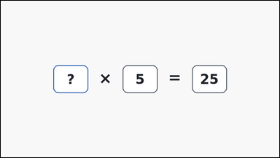 | 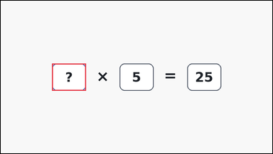 | task_puzzles_arithmetic_equation_value | operand_unknown | Look at the arithmetic puzzle in the image: an outline-style arithmetic puzzle with 2 to 5 boxed values on the left, arithmetic operators between them, an equals sign, and one boxed result on the right. Solve the one-row arithmetic puzzle and report the missing integer. What number should replace the question mark? Return a valid JSON object with keys "evidence" and "answer" in that order. Evidence requirement: set "evidence" to an array containing exactly one bounding box [x1, y1, x2, y2] for the question-mark operand slot. Answer format: set "answer" to the exact integer that belongs in the question-mark slot. Example JSON: {"evidence":[[120,180,240,276]],"answer":5} | Look at the arithmetic puzzle in the image: an outline-style arithmetic puzzle with 2 to 5 boxed values on the left, arithmetic operators between them, an equals sign, and one boxed result on the right. Solve the one-row arithmetic puzzle and report the missing integer. What number should replace the question mark? Return a valid JSON object with key "answer". Answer: set "answer" to the exact integer that belongs in the question-mark slot. Example JSON: {"answer":5} | {"evidence": [[181.0, 222.0, 301.0, 318.0]], "answer": 5} | [[181.0, 222.0, 301.0, 318.0]] | integer | bbox_set | 6.0516272021E+15 | task_puzzles_arithmetic_equation_value/images/operand_unknown/0012.png | task_puzzles_arithmetic_equation_value/data/operand_unknown/0012.json
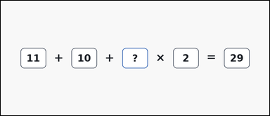 | 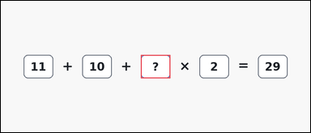 | task_puzzles_arithmetic_equation_value | operand_unknown | You are given an outline-style arithmetic puzzle with 2 to 5 boxed values on the left, arithmetic operators between them, an equals sign, and one boxed result on the right. Use the boxed numbers and operators to solve for the question-mark slot. Find the missing left-side value in the boxed equation. Return a valid JSON object with keys "evidence" and "answer" in that order. Evidence rule: set "evidence" to an array containing exactly one bounding box [x1, y1, x2, y2] for the question-mark operand slot. Answer rule: set "answer" to the exact integer that belongs in the question-mark slot. Example JSON: {"evidence":[[120,180,240,276]],"answer":5} | You are given an outline-style arithmetic puzzle with 2 to 5 boxed values on the left, arithmetic operators between them, an equals sign, and one boxed result on the right. Use the boxed numbers and operators to solve for the question-mark slot. Find the missing left-side value in the boxed equation. Return a valid JSON object with key "answer". Answer requirement: set "answer" to the exact integer that belongs in the question-mark slot. Example JSON: {"answer":5} | {"evidence": [[571.0, 222.0, 691.0, 318.0]], "answer": 4} | [[571.0, 222.0, 691.0, 318.0]] | integer | bbox_set | 6.717584473E+15 | task_puzzles_arithmetic_equation_value/images/operand_unknown/0016.png | task_puzzles_arithmetic_equation_value/data/operand_unknown/0016.json
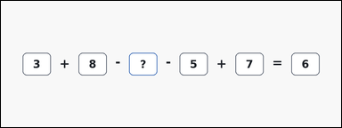 | 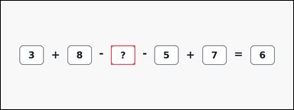 | task_puzzles_arithmetic_equation_value | operand_unknown | You are given an outline-style arithmetic puzzle with 2 to 5 boxed values on the left, arithmetic operators between them, an equals sign, and one boxed result on the right. Use standard arithmetic to determine the missing number. What number should replace the question mark? Return a valid JSON object with keys "evidence" and "answer" in that order. Evidence rule: set "evidence" to an array containing exactly one bounding box [x1, y1, x2, y2] for the question-mark operand slot. Answer rule: set "answer" to the exact integer that belongs in the question-mark slot. Example JSON: {"evidence":[[120,180,240,276]],"answer":5} | You are given an outline-style arithmetic puzzle with 2 to 5 boxed values on the left, arithmetic operators between them, an equals sign, and one boxed result on the right. Use standard arithmetic to determine the missing number. What number should replace the question mark? Return a valid JSON object with key "answer". Answer: set "answer" to the exact integer that belongs in the question-mark slot. Example JSON: {"answer":5} | {"evidence": [[548.0, 222.0, 668.0, 318.0]], "answer": 7} | [[548.0, 222.0, 668.0, 318.0]] | integer | bbox_set | 7.1887180799E+15 | task_puzzles_arithmetic_equation_value/images/operand_unknown/0001.png | task_puzzles_arithmetic_equation_value/data/operand_unknown/0001.json
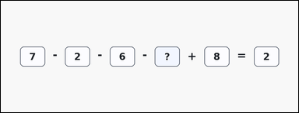 | 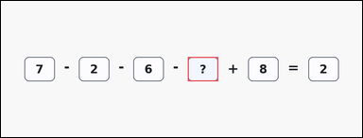 | task_puzzles_arithmetic_equation_value | operand_unknown | Use the boxed-number arithmetic puzzle in the image: a clean arithmetic puzzle with 2 to 5 boxed values on the left, arithmetic operators between them, an equals sign, and one boxed result on the right. Use standard arithmetic to determine the missing number. Determine the operand that belongs in the question-mark box. Return a valid JSON object with keys "evidence" and "answer" in that order. Evidence requirement: set "evidence" to an array containing exactly one bounding box [x1, y1, x2, y2] for the question-mark operand slot. Answer format: set "answer" to the exact integer that belongs in the question-mark slot. Example JSON: {"evidence":[[120,180,240,276]],"answer":5} | Use the boxed-number arithmetic puzzle in the image: a clean arithmetic puzzle with 2 to 5 boxed values on the left, arithmetic operators between them, an equals sign, and one boxed result on the right. Use standard arithmetic to determine the missing number. Determine the operand that belongs in the question-mark box. Return a valid JSON object with key "answer". Answer format: set "answer" to the exact integer that belongs in the question-mark slot. Example JSON: {"answer":5} | {"evidence": [[741.0, 222.0, 861.0, 318.0]], "answer": 5} | [[741.0, 222.0, 861.0, 318.0]] | integer | bbox_set | 7.325767835E+15 | task_puzzles_arithmetic_equation_value/images/operand_unknown/0009.png | task_puzzles_arithmetic_equation_value/data/operand_unknown/0009.json
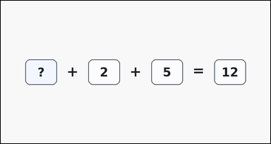 | 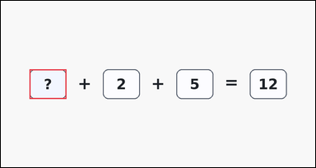 | task_puzzles_arithmetic_equation_value | operand_unknown | Work from the arithmetic puzzle shown in the image: a clean arithmetic puzzle with 2 to 5 boxed values on the left, arithmetic operators between them, an equals sign, and one boxed result on the right. Work from the shown arithmetic expression to find the missing number. Find the missing left-side value in the boxed equation. Return a valid JSON object with keys "evidence" and "answer" in that order. Evidence format: set "evidence" to an array containing exactly one bounding box [x1, y1, x2, y2] for the question-mark operand slot. Answer requirement: set "answer" to the exact integer that belongs in the question-mark slot. Example JSON: {"evidence":[[120,180,240,276]],"answer":5} | Work from the arithmetic puzzle shown in the image: a clean arithmetic puzzle with 2 to 5 boxed values on the left, arithmetic operators between them, an equals sign, and one boxed result on the right. Work from the shown arithmetic expression to find the missing number. Find the missing left-side value in the boxed equation. Return a valid JSON object with key "answer". Answer format: set "answer" to the exact integer that belongs in the question-mark slot. Example JSON: {"answer":5} | {"evidence": [[93.0, 222.0, 213.0, 318.0]], "answer": 5} | [[93.0, 222.0, 213.0, 318.0]] | integer | bbox_set | 7.4855389379E+15 | task_puzzles_arithmetic_equation_value/images/operand_unknown/0015.png | task_puzzles_arithmetic_equation_value/data/operand_unknown/0015.json
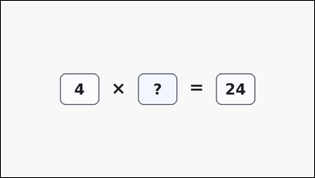 | 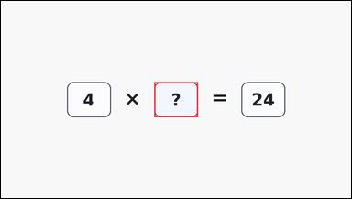 | task_puzzles_arithmetic_equation_value | operand_unknown | Use the boxed-number arithmetic puzzle in the image: a clean arithmetic puzzle with 2 to 5 boxed values on the left, arithmetic operators between them, an equals sign, and one boxed result on the right. Use standard arithmetic to determine the missing number. Find the missing left-side value in the boxed equation. Return a valid JSON object with keys "evidence" and "answer" in that order. Evidence rule: set "evidence" to an array containing exactly one bounding box [x1, y1, x2, y2] for the question-mark operand slot. Answer rule: set "answer" to the exact integer that belongs in the question-mark slot. Example JSON: {"evidence":[[120,180,240,276]],"answer":5} | Use the boxed-number arithmetic puzzle in the image: a clean arithmetic puzzle with 2 to 5 boxed values on the left, arithmetic operators between them, an equals sign, and one boxed result on the right. Use standard arithmetic to determine the missing number. Find the missing left-side value in the boxed equation. Return a valid JSON object with key "answer". Answer format: set "answer" to the exact integer that belongs in the question-mark slot. Example JSON: {"answer":5} | {"evidence": [[420.0, 222.0, 540.0, 318.0]], "answer": 6} | [[420.0, 222.0, 540.0, 318.0]] | integer | bbox_set | 8.3193454169E+15 | task_puzzles_arithmetic_equation_value/images/operand_unknown/0011.png | task_puzzles_arithmetic_equation_value/data/operand_unknown/0011.json
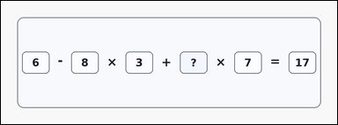 | 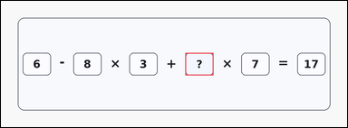 | task_puzzles_arithmetic_equation_value | operand_unknown | Use the boxed-number arithmetic puzzle in the image: a card-style arithmetic puzzle with 2 to 5 boxed values on the left, arithmetic operators between them, an equals sign, and one boxed result on the right. Work from the shown arithmetic expression to find the missing number. What integer completes the left side of the equation when placed in the question-mark box? Return a valid JSON object with keys "evidence" and "answer" in that order. Evidence requirement: set "evidence" to an array containing exactly one bounding box [x1, y1, x2, y2] for the question-mark operand slot. Answer format: set "answer" to the exact integer that belongs in the question-mark slot. Example JSON: {"evidence":[[120,180,240,276]],"answer":5} | Use the boxed-number arithmetic puzzle in the image: a card-style arithmetic puzzle with 2 to 5 boxed values on the left, arithmetic operators between them, an equals sign, and one boxed result on the right. Work from the shown arithmetic expression to find the missing number. What integer completes the left side of the equation when placed in the question-mark box? Return a valid JSON object with key "answer". Answer format: set "answer" to the exact integer that belongs in the question-mark slot. Example JSON: {"answer":5} | {"evidence": [[787.0, 222.0, 907.0, 318.0]], "answer": 5} | [[787.0, 222.0, 907.0, 318.0]] | integer | bbox_set | 8.3234621489E+15 | task_puzzles_arithmetic_equation_value/images/operand_unknown/0023.png | task_puzzles_arithmetic_equation_value/data/operand_unknown/0023.json
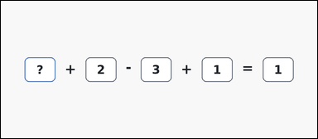 | 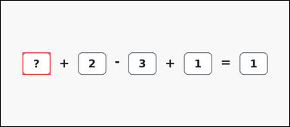 | task_puzzles_arithmetic_equation_value | operand_unknown | You are given an outline-style arithmetic puzzle with 2 to 5 boxed values on the left, arithmetic operators between them, an equals sign, and one boxed result on the right. Work from the shown arithmetic expression to find the missing number. Determine the operand that belongs in the question-mark box. Return a valid JSON object with keys "evidence" and "answer" in that order. Evidence: set "evidence" to an array containing exactly one bounding box [x1, y1, x2, y2] for the question-mark operand slot. Answer: set "answer" to the exact integer that belongs in the question-mark slot. Example JSON: {"evidence":[[120,180,240,276]],"answer":5} | You are given an outline-style arithmetic puzzle with 2 to 5 boxed values on the left, arithmetic operators between them, an equals sign, and one boxed result on the right. Work from the shown arithmetic expression to find the missing number. Determine the operand that belongs in the question-mark box. Return a valid JSON object with key "answer". Answer: set "answer" to the exact integer that belongs in the question-mark slot. Example JSON: {"answer":5} | {"evidence": [[93.0, 222.0, 213.0, 318.0]], "answer": 1} | [[93.0, 222.0, 213.0, 318.0]] | integer | bbox_set | 8.582936589E+15 | task_puzzles_arithmetic_equation_value/images/operand_unknown/0014.png | task_puzzles_arithmetic_equation_value/data/operand_unknown/0014.json
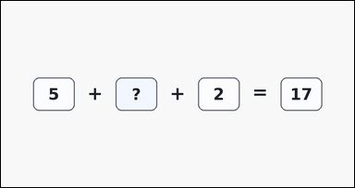 | 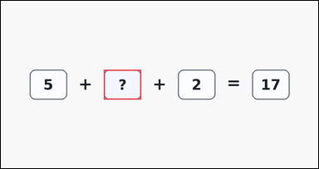 | task_puzzles_arithmetic_equation_value | operand_unknown | The image shows a clean arithmetic puzzle with 2 to 5 boxed values on the left, arithmetic operators between them, an equals sign, and one boxed result on the right. Read the boxed expression and infer the missing value. What number should replace the question mark? Return a valid JSON object with keys "evidence" and "answer" in that order. Evidence: set "evidence" to an array containing exactly one bounding box [x1, y1, x2, y2] for the question-mark operand slot. Answer: set "answer" to the exact integer that belongs in the question-mark slot. Example JSON: {"evidence":[[120,180,240,276]],"answer":5} | The image shows a clean arithmetic puzzle with 2 to 5 boxed values on the left, arithmetic operators between them, an equals sign, and one boxed result on the right. Read the boxed expression and infer the missing value. What number should replace the question mark? Return a valid JSON object with key "answer". Answer format: set "answer" to the exact integer that belongs in the question-mark slot. Example JSON: {"answer":5} | {"evidence": [[332.0, 222.0, 452.0, 318.0]], "answer": 10} | [[332.0, 222.0, 452.0, 318.0]] | integer | bbox_set | 8.7620858553E+15 | task_puzzles_arithmetic_equation_value/images/operand_unknown/0000.png | task_puzzles_arithmetic_equation_value/data/operand_unknown/0000.json

result_unknown
image | evidence_image | task | task_variant | prompt | prompt_answer_only | answer | answer_evidence | answer_type | evidence_type | instance_seed | image_path | data_path
 |  | task_puzzles_arithmetic_equation_value | result_unknown | The image shows an outline-style arithmetic puzzle with 2 to 5 boxed values on the left, arithmetic operators between them, an equals sign, and one boxed result on the right. Use the boxed numbers and operators to solve for the question-mark slot. What number should replace the question mark? Return a valid JSON object with keys "evidence" and "answer" in that order. Evidence requirement: set "evidence" to an array containing exactly one bounding box [x1, y1, x2, y2] for the question-mark result slot. Answer format: set "answer" to the exact integer that belongs in the question-mark slot. Example JSON: {"evidence":[[680,180,800,276]],"answer":14} | The image shows an outline-style arithmetic puzzle with 2 to 5 boxed values on the left, arithmetic operators between them, an equals sign, and one boxed result on the right. Use the boxed numbers and operators to solve for the question-mark slot. What number should replace the question mark? Return a valid JSON object with key "answer". Answer field: set "answer" to the exact integer that belongs in the question-mark slot. Example JSON: {"answer":14} | {"evidence": [[659.0, 222.0, 779.0, 318.0]], "answer": 11} | [[659.0, 222.0, 779.0, 318.0]] | integer | bbox_set | 137777055932992 | task_puzzles_arithmetic_equation_value/images/result_unknown/0006.png | task_puzzles_arithmetic_equation_value/data/result_unknown/0006.json
 |  | task_puzzles_arithmetic_equation_value | result_unknown | Look at the arithmetic puzzle in the image: an outline-style arithmetic puzzle with 2 to 5 boxed values on the left, arithmetic operators between them, an equals sign, and one boxed result on the right. Solve the one-row arithmetic puzzle and report the missing integer. What integer completes the equation on the right side? Return a valid JSON object with keys "evidence" and "answer" in that order. Evidence: set "evidence" to an array containing exactly one bounding box [x1, y1, x2, y2] for the question-mark result slot. Answer: set "answer" to the exact integer that belongs in the question-mark slot. Example JSON: {"evidence":[[680,180,800,276]],"answer":14} | Look at the arithmetic puzzle in the image: an outline-style arithmetic puzzle with 2 to 5 boxed values on the left, arithmetic operators between them, an equals sign, and one boxed result on the right. Solve the one-row arithmetic puzzle and report the missing integer. What integer completes the equation on the right side? Return a valid JSON object with key "answer". Answer: set "answer" to the exact integer that belongs in the question-mark slot. Example JSON: {"answer":14} | {"evidence": [[1026.0, 222.0, 1146.0, 318.0]], "answer": 1} | [[1026.0, 222.0, 1146.0, 318.0]] | integer | bbox_set | 142219849475767 | task_puzzles_arithmetic_equation_value/images/result_unknown/0022.png | task_puzzles_arithmetic_equation_value/data/result_unknown/0022.json
 |  | task_puzzles_arithmetic_equation_value | result_unknown | You are given a clean arithmetic puzzle with 2 to 5 boxed values on the left, arithmetic operators between them, an equals sign, and one boxed result on the right. Work from the shown arithmetic expression to find the missing number. Find the missing result in the boxed equation. Return a valid JSON object with keys "evidence" and "answer" in that order. Evidence rule: set "evidence" to an array containing exactly one bounding box [x1, y1, x2, y2] for the question-mark result slot. Answer rule: set "answer" to the exact integer that belongs in the question-mark slot. Example JSON: {"evidence":[[680,180,800,276]],"answer":14} | You are given a clean arithmetic puzzle with 2 to 5 boxed values on the left, arithmetic operators between them, an equals sign, and one boxed result on the right. Work from the shown arithmetic expression to find the missing number. Find the missing result in the boxed equation. Return a valid JSON object with key "answer". Answer rule: set "answer" to the exact integer that belongs in the question-mark slot. Example JSON: {"answer":14} | {"evidence": [[787.0, 222.0, 907.0, 318.0]], "answer": 1} | [[787.0, 222.0, 907.0, 318.0]] | integer | bbox_set | 1.4324874842E+15 | task_puzzles_arithmetic_equation_value/images/result_unknown/0014.png | task_puzzles_arithmetic_equation_value/data/result_unknown/0014.json
 |  | task_puzzles_arithmetic_equation_value | result_unknown | Work from the arithmetic puzzle shown in the image: a clean arithmetic puzzle with 2 to 5 boxed values on the left, arithmetic operators between them, an equals sign, and one boxed result on the right. Use the boxed numbers and operators to solve for the question-mark slot. What number should replace the question mark? Return a valid JSON object with keys "evidence" and "answer" in that order. Evidence field: set "evidence" to an array containing exactly one bounding box [x1, y1, x2, y2] for the question-mark result slot. Answer field: set "answer" to the exact integer that belongs in the question-mark slot. Example JSON: {"evidence":[[680,180,800,276]],"answer":14} | Work from the arithmetic puzzle shown in the image: a clean arithmetic puzzle with 2 to 5 boxed values on the left, arithmetic operators between them, an equals sign, and one boxed result on the right. Use the boxed numbers and operators to solve for the question-mark slot. What number should replace the question mark? Return a valid JSON object with key "answer". Answer format: set "answer" to the exact integer that belongs in the question-mark slot. Example JSON: {"answer":14} | {"evidence": [[647.5, 222.0, 767.5, 318.0]], "answer": 2} | [[647.5, 222.0, 767.5, 318.0]] | integer | bbox_set | 1.8062881414E+15 | task_puzzles_arithmetic_equation_value/images/result_unknown/0005.png | task_puzzles_arithmetic_equation_value/data/result_unknown/0005.json
 |  | task_puzzles_arithmetic_equation_value | result_unknown | Use the boxed-number arithmetic puzzle in the image: a clean arithmetic puzzle with 2 to 5 boxed values on the left, arithmetic operators between them, an equals sign, and one boxed result on the right. Read the boxed expression and infer the missing value. Solve the arithmetic puzzle. What is the missing result? Return a valid JSON object with keys "evidence" and "answer" in that order. Evidence requirement: set "evidence" to an array containing exactly one bounding box [x1, y1, x2, y2] for the question-mark result slot. Answer format: set "answer" to the exact integer that belongs in the question-mark slot. Example JSON: {"evidence":[[680,180,800,276]],"answer":14} | Use the boxed-number arithmetic puzzle in the image: a clean arithmetic puzzle with 2 to 5 boxed values on the left, arithmetic operators between them, an equals sign, and one boxed result on the right. Read the boxed expression and infer the missing value. Solve the arithmetic puzzle. What is the missing result? Return a valid JSON object with key "answer". Answer requirement: set "answer" to the exact integer that belongs in the question-mark slot. Example JSON: {"answer":14} | {"evidence": [[810.0, 222.0, 930.0, 318.0]], "answer": 8} | [[810.0, 222.0, 930.0, 318.0]] | integer | bbox_set | 2.9912219422E+15 | task_puzzles_arithmetic_equation_value/images/result_unknown/0017.png | task_puzzles_arithmetic_equation_value/data/result_unknown/0017.json
 |  | task_puzzles_arithmetic_equation_value | result_unknown | The image shows an outline-style arithmetic puzzle with 2 to 5 boxed values on the left, arithmetic operators between them, an equals sign, and one boxed result on the right. Use the boxed numbers and operators to solve for the question-mark slot. Determine the value that belongs in the question-mark result box. Return a valid JSON object with keys "evidence" and "answer" in that order. Evidence format: set "evidence" to an array containing exactly one bounding box [x1, y1, x2, y2] for the question-mark result slot. Answer requirement: set "answer" to the exact integer that belongs in the question-mark slot. Example JSON: {"evidence":[[680,180,800,276]],"answer":14} | The image shows an outline-style arithmetic puzzle with 2 to 5 boxed values on the left, arithmetic operators between them, an equals sign, and one boxed result on the right. Use the boxed numbers and operators to solve for the question-mark slot. Determine the value that belongs in the question-mark result box. Return a valid JSON object with key "answer". Answer rule: set "answer" to the exact integer that belongs in the question-mark slot. Example JSON: {"answer":14} | {"evidence": [[659.0, 222.0, 779.0, 318.0]], "answer": 17} | [[659.0, 222.0, 779.0, 318.0]] | integer | bbox_set | 3.0626447773E+15 | task_puzzles_arithmetic_equation_value/images/result_unknown/0007.png | task_puzzles_arithmetic_equation_value/data/result_unknown/0007.json
 |  | task_puzzles_arithmetic_equation_value | result_unknown | The image shows an outline-style arithmetic puzzle with 2 to 5 boxed values on the left, arithmetic operators between them, an equals sign, and one boxed result on the right. Solve the one-row arithmetic puzzle and report the missing integer. What number should replace the question mark? Return a valid JSON object with keys "evidence" and "answer" in that order. Evidence field: set "evidence" to an array containing exactly one bounding box [x1, y1, x2, y2] for the question-mark result slot. Answer field: set "answer" to the exact integer that belongs in the question-mark slot. Example JSON: {"evidence":[[680,180,800,276]],"answer":14} | The image shows an outline-style arithmetic puzzle with 2 to 5 boxed values on the left, arithmetic operators between them, an equals sign, and one boxed result on the right. Solve the one-row arithmetic puzzle and report the missing integer. What number should replace the question mark? Return a valid JSON object with key "answer". Answer rule: set "answer" to the exact integer that belongs in the question-mark slot. Example JSON: {"answer":14} | {"evidence": [[1242.0, 222.0, 1362.0, 318.0]], "answer": 7} | [[1242.0, 222.0, 1362.0, 318.0]] | integer | bbox_set | 3.2126645899E+15 | task_puzzles_arithmetic_equation_value/images/result_unknown/0010.png | task_puzzles_arithmetic_equation_value/data/result_unknown/0010.json
 |  | task_puzzles_arithmetic_equation_value | result_unknown | Work from the arithmetic puzzle shown in the image: a card-style arithmetic puzzle with 2 to 5 boxed values on the left, arithmetic operators between them, an equals sign, and one boxed result on the right. Read the boxed expression and infer the missing value. What number should replace the question mark? Return a valid JSON object with keys "evidence" and "answer" in that order. Evidence rule: set "evidence" to an array containing exactly one bounding box [x1, y1, x2, y2] for the question-mark result slot. Answer rule: set "answer" to the exact integer that belongs in the question-mark slot. Example JSON: {"evidence":[[680,180,800,276]],"answer":14} | Work from the arithmetic puzzle shown in the image: a card-style arithmetic puzzle with 2 to 5 boxed values on the left, arithmetic operators between them, an equals sign, and one boxed result on the right. Read the boxed expression and infer the missing value. What number should replace the question mark? Return a valid JSON object with key "answer". Answer: set "answer" to the exact integer that belongs in the question-mark slot. Example JSON: {"answer":14} | {"evidence": [[647.5, 222.0, 767.5, 318.0]], "answer": 6} | [[647.5, 222.0, 767.5, 318.0]] | integer | bbox_set | 3.822997448E+15 | task_puzzles_arithmetic_equation_value/images/result_unknown/0013.png | task_puzzles_arithmetic_equation_value/data/result_unknown/0013.json
 |  | task_puzzles_arithmetic_equation_value | result_unknown | Work from the arithmetic puzzle shown in the image: a card-style arithmetic puzzle with 2 to 5 boxed values on the left, arithmetic operators between them, an equals sign, and one boxed result on the right. Read the boxed expression and infer the missing value. What integer completes the equation on the right side? Return a valid JSON object with keys "evidence" and "answer" in that order. Evidence format: set "evidence" to an array containing exactly one bounding box [x1, y1, x2, y2] for the question-mark result slot. Answer requirement: set "answer" to the exact integer that belongs in the question-mark slot. Example JSON: {"evidence":[[680,180,800,276]],"answer":14} | Work from the arithmetic puzzle shown in the image: a card-style arithmetic puzzle with 2 to 5 boxed values on the left, arithmetic operators between them, an equals sign, and one boxed result on the right. Read the boxed expression and infer the missing value. What integer completes the equation on the right side? Return a valid JSON object with key "answer". Answer field: set "answer" to the exact integer that belongs in the question-mark slot. Example JSON: {"answer":14} | {"evidence": [[659.0, 222.0, 779.0, 318.0]], "answer": 22} | [[659.0, 222.0, 779.0, 318.0]] | integer | bbox_set | 3.8655224062E+15 | task_puzzles_arithmetic_equation_value/images/result_unknown/0008.png | task_puzzles_arithmetic_equation_value/data/result_unknown/0008.json
 |  | task_puzzles_arithmetic_equation_value | result_unknown | You are given an outline-style arithmetic puzzle with 2 to 5 boxed values on the left, arithmetic operators between them, an equals sign, and one boxed result on the right. Use standard arithmetic to determine the missing number. What number should replace the question mark? Return a valid JSON object with keys "evidence" and "answer" in that order. Evidence field: set "evidence" to an array containing exactly one bounding box [x1, y1, x2, y2] for the question-mark result slot. Answer field: set "answer" to the exact integer that belongs in the question-mark slot. Example JSON: {"evidence":[[680,180,800,276]],"answer":14} | You are given an outline-style arithmetic puzzle with 2 to 5 boxed values on the left, arithmetic operators between them, an equals sign, and one boxed result on the right. Use standard arithmetic to determine the missing number. What number should replace the question mark? Return a valid JSON object with key "answer". Answer: set "answer" to the exact integer that belongs in the question-mark slot. Example JSON: {"answer":14} | {"evidence": [[1265.0, 222.0, 1385.0, 318.0]], "answer": 12} | [[1265.0, 222.0, 1385.0, 318.0]] | integer | bbox_set | 4.310544298E+15 | task_puzzles_arithmetic_equation_value/images/result_unknown/0001.png | task_puzzles_arithmetic_equation_value/data/result_unknown/0001.json
 |  | task_puzzles_arithmetic_equation_value | result_unknown | The image shows an outline-style arithmetic puzzle with 2 to 5 boxed values on the left, arithmetic operators between them, an equals sign, and one boxed result on the right. Solve the one-row arithmetic puzzle and report the missing integer. Solve the arithmetic puzzle. What is the missing result? Return a valid JSON object with keys "evidence" and "answer" in that order. Evidence requirement: set "evidence" to an array containing exactly one bounding box [x1, y1, x2, y2] for the question-mark result slot. Answer format: set "answer" to the exact integer that belongs in the question-mark slot. Example JSON: {"evidence":[[680,180,800,276]],"answer":14} | The image shows an outline-style arithmetic puzzle with 2 to 5 boxed values on the left, arithmetic operators between them, an equals sign, and one boxed result on the right. Solve the one-row arithmetic puzzle and report the missing integer. Solve the arithmetic puzzle. What is the missing result? Return a valid JSON object with key "answer". Answer: set "answer" to the exact integer that belongs in the question-mark slot. Example JSON: {"answer":14} | {"evidence": [[1003.0, 222.0, 1123.0, 318.0]], "answer": 7} | [[1003.0, 222.0, 1123.0, 318.0]] | integer | bbox_set | 5.2944986717E+15 | task_puzzles_arithmetic_equation_value/images/result_unknown/0018.png | task_puzzles_arithmetic_equation_value/data/result_unknown/0018.json
 |  | task_puzzles_arithmetic_equation_value | result_unknown | Look at the arithmetic puzzle in the image: a card-style arithmetic puzzle with 2 to 5 boxed values on the left, arithmetic operators between them, an equals sign, and one boxed result on the right. Read the boxed expression and infer the missing value. Determine the value that belongs in the question-mark result box. Return a valid JSON object with keys "evidence" and "answer" in that order. Evidence field: set "evidence" to an array containing exactly one bounding box [x1, y1, x2, y2] for the question-mark result slot. Answer field: set "answer" to the exact integer that belongs in the question-mark slot. Example JSON: {"evidence":[[680,180,800,276]],"answer":14} | Look at the arithmetic puzzle in the image: a card-style arithmetic puzzle with 2 to 5 boxed values on the left, arithmetic operators between them, an equals sign, and one boxed result on the right. Read the boxed expression and infer the missing value. Determine the value that belongs in the question-mark result box. Return a valid JSON object with key "answer". Answer requirement: set "answer" to the exact integer that belongs in the question-mark slot. Example JSON: {"answer":14} | {"evidence": [[1003.0, 222.0, 1123.0, 318.0]], "answer": 4} | [[1003.0, 222.0, 1123.0, 318.0]] | integer | bbox_set | 5.7323336981E+15 | task_puzzles_arithmetic_equation_value/images/result_unknown/0004.png | task_puzzles_arithmetic_equation_value/data/result_unknown/0004.json
 |  | task_puzzles_arithmetic_equation_value | result_unknown | Look at the arithmetic puzzle in the image: a clean arithmetic puzzle with 2 to 5 boxed values on the left, arithmetic operators between them, an equals sign, and one boxed result on the right. Use the boxed numbers and operators to solve for the question-mark slot. What integer completes the equation on the right side? Return a valid JSON object with keys "evidence" and "answer" in that order. Evidence format: set "evidence" to an array containing exactly one bounding box [x1, y1, x2, y2] for the question-mark result slot. Answer requirement: set "answer" to the exact integer that belongs in the question-mark slot. Example JSON: {"evidence":[[680,180,800,276]],"answer":14} | Look at the arithmetic puzzle in the image: a clean arithmetic puzzle with 2 to 5 boxed values on the left, arithmetic operators between them, an equals sign, and one boxed result on the right. Use the boxed numbers and operators to solve for the question-mark slot. What integer completes the equation on the right side? Return a valid JSON object with key "answer". Answer format: set "answer" to the exact integer that belongs in the question-mark slot. Example JSON: {"answer":14} | {"evidence": [[787.0, 222.0, 907.0, 318.0]], "answer": 6} | [[787.0, 222.0, 907.0, 318.0]] | integer | bbox_set | 5.801420064E+15 | task_puzzles_arithmetic_equation_value/images/result_unknown/0000.png | task_puzzles_arithmetic_equation_value/data/result_unknown/0000.json
 |  | task_puzzles_arithmetic_equation_value | result_unknown | Look at the arithmetic puzzle in the image: a card-style arithmetic puzzle with 2 to 5 boxed values on the left, arithmetic operators between them, an equals sign, and one boxed result on the right. Solve the one-row arithmetic puzzle and report the missing integer. Find the missing result in the boxed equation. Return a valid JSON object with keys "evidence" and "answer" in that order. Evidence rule: set "evidence" to an array containing exactly one bounding box [x1, y1, x2, y2] for the question-mark result slot. Answer rule: set "answer" to the exact integer that belongs in the question-mark slot. Example JSON: {"evidence":[[680,180,800,276]],"answer":14} | Look at the arithmetic puzzle in the image: a card-style arithmetic puzzle with 2 to 5 boxed values on the left, arithmetic operators between them, an equals sign, and one boxed result on the right. Solve the one-row arithmetic puzzle and report the missing integer. Find the missing result in the boxed equation. Return a valid JSON object with key "answer". Answer requirement: set "answer" to the exact integer that belongs in the question-mark slot. Example JSON: {"answer":14} | {"evidence": [[1265.0, 222.0, 1385.0, 318.0]], "answer": 4} | [[1265.0, 222.0, 1385.0, 318.0]] | integer | bbox_set | 5.8150724857E+15 | task_puzzles_arithmetic_equation_value/images/result_unknown/0023.png | task_puzzles_arithmetic_equation_value/data/result_unknown/0023.json
 |  | task_puzzles_arithmetic_equation_value | result_unknown | Use the boxed-number arithmetic puzzle in the image: a clean arithmetic puzzle with 2 to 5 boxed values on the left, arithmetic operators between them, an equals sign, and one boxed result on the right. Use standard arithmetic to determine the missing number. Determine the value that belongs in the question-mark result box. Return a valid JSON object with keys "evidence" and "answer" in that order. Evidence field: set "evidence" to an array containing exactly one bounding box [x1, y1, x2, y2] for the question-mark result slot. Answer field: set "answer" to the exact integer that belongs in the question-mark slot. Example JSON: {"evidence":[[680,180,800,276]],"answer":14} | Use the boxed-number arithmetic puzzle in the image: a clean arithmetic puzzle with 2 to 5 boxed values on the left, arithmetic operators between them, an equals sign, and one boxed result on the right. Use standard arithmetic to determine the missing number. Determine the value that belongs in the question-mark result box. Return a valid JSON object with key "answer". Answer field: set "answer" to the exact integer that belongs in the question-mark slot. Example JSON: {"answer":14} | {"evidence": [[1265.0, 222.0, 1385.0, 318.0]], "answer": 15} | [[1265.0, 222.0, 1385.0, 318.0]] | integer | bbox_set | 6.169419123E+15 | task_puzzles_arithmetic_equation_value/images/result_unknown/0009.png | task_puzzles_arithmetic_equation_value/data/result_unknown/0009.json
 |  | task_puzzles_arithmetic_equation_value | result_unknown | Work from the arithmetic puzzle shown in the image: a clean arithmetic puzzle with 2 to 5 boxed values on the left, arithmetic operators between them, an equals sign, and one boxed result on the right. Use standard arithmetic to determine the missing number. What integer completes the equation on the right side? Return a valid JSON object with keys "evidence" and "answer" in that order. Evidence: set "evidence" to an array containing exactly one bounding box [x1, y1, x2, y2] for the question-mark result slot. Answer: set "answer" to the exact integer that belongs in the question-mark slot. Example JSON: {"evidence":[[680,180,800,276]],"answer":14} | Work from the arithmetic puzzle shown in the image: a clean arithmetic puzzle with 2 to 5 boxed values on the left, arithmetic operators between them, an equals sign, and one boxed result on the right. Use standard arithmetic to determine the missing number. What integer completes the equation on the right side? Return a valid JSON object with key "answer". Answer format: set "answer" to the exact integer that belongs in the question-mark slot. Example JSON: {"answer":14} | {"evidence": [[659.0, 222.0, 779.0, 318.0]], "answer": 11} | [[659.0, 222.0, 779.0, 318.0]] | integer | bbox_set | 6.2575369972E+15 | task_puzzles_arithmetic_equation_value/images/result_unknown/0003.png | task_puzzles_arithmetic_equation_value/data/result_unknown/0003.json
 |  | task_puzzles_arithmetic_equation_value | result_unknown | Look at the arithmetic puzzle in the image: an outline-style arithmetic puzzle with 2 to 5 boxed values on the left, arithmetic operators between them, an equals sign, and one boxed result on the right. Use standard arithmetic to determine the missing number. Solve the arithmetic puzzle. What is the missing result? Return a valid JSON object with keys "evidence" and "answer" in that order. Evidence requirement: set "evidence" to an array containing exactly one bounding box [x1, y1, x2, y2] for the question-mark result slot. Answer format: set "answer" to the exact integer that belongs in the question-mark slot. Example JSON: {"evidence":[[680,180,800,276]],"answer":14} | Look at the arithmetic puzzle in the image: an outline-style arithmetic puzzle with 2 to 5 boxed values on the left, arithmetic operators between them, an equals sign, and one boxed result on the right. Use standard arithmetic to determine the missing number. Solve the arithmetic puzzle. What is the missing result? Return a valid JSON object with key "answer". Answer field: set "answer" to the exact integer that belongs in the question-mark slot. Example JSON: {"answer":14} | {"evidence": [[659.0, 222.0, 779.0, 318.0]], "answer": 17} | [[659.0, 222.0, 779.0, 318.0]] | integer | bbox_set | 6.3594233676E+15 | task_puzzles_arithmetic_equation_value/images/result_unknown/0021.png | task_puzzles_arithmetic_equation_value/data/result_unknown/0021.json
 |  | task_puzzles_arithmetic_equation_value | result_unknown | The image shows a clean arithmetic puzzle with 2 to 5 boxed values on the left, arithmetic operators between them, an equals sign, and one boxed result on the right. Read the boxed expression and infer the missing value. Solve the arithmetic puzzle. What is the missing result? Return a valid JSON object with keys "evidence" and "answer" in that order. Evidence rule: set "evidence" to an array containing exactly one bounding box [x1, y1, x2, y2] for the question-mark result slot. Answer rule: set "answer" to the exact integer that belongs in the question-mark slot. Example JSON: {"evidence":[[680,180,800,276]],"answer":14} | The image shows a clean arithmetic puzzle with 2 to 5 boxed values on the left, arithmetic operators between them, an equals sign, and one boxed result on the right. Read the boxed expression and infer the missing value. Solve the arithmetic puzzle. What is the missing result? Return a valid JSON object with key "answer". Answer requirement: set "answer" to the exact integer that belongs in the question-mark slot. Example JSON: {"answer":14} | {"evidence": [[1026.0, 222.0, 1146.0, 318.0]], "answer": 18} | [[1026.0, 222.0, 1146.0, 318.0]] | integer | bbox_set | 7.2416350986E+15 | task_puzzles_arithmetic_equation_value/images/result_unknown/0012.png | task_puzzles_arithmetic_equation_value/data/result_unknown/0012.json
 |  | task_puzzles_arithmetic_equation_value | result_unknown | Work from the arithmetic puzzle shown in the image: a clean arithmetic puzzle with 2 to 5 boxed values on the left, arithmetic operators between them, an equals sign, and one boxed result on the right. Read the boxed expression and infer the missing value. What number should replace the question mark? Return a valid JSON object with keys "evidence" and "answer" in that order. Evidence requirement: set "evidence" to an array containing exactly one bounding box [x1, y1, x2, y2] for the question-mark result slot. Answer format: set "answer" to the exact integer that belongs in the question-mark slot. Example JSON: {"evidence":[[680,180,800,276]],"answer":14} | Work from the arithmetic puzzle shown in the image: a clean arithmetic puzzle with 2 to 5 boxed values on the left, arithmetic operators between them, an equals sign, and one boxed result on the right. Read the boxed expression and infer the missing value. What number should replace the question mark? Return a valid JSON object with key "answer". Answer: set "answer" to the exact integer that belongs in the question-mark slot. Example JSON: {"answer":14} | {"evidence": [[1026.0, 222.0, 1146.0, 318.0]], "answer": 12} | [[1026.0, 222.0, 1146.0, 318.0]] | integer | bbox_set | 7.4186797988E+15 | task_puzzles_arithmetic_equation_value/images/result_unknown/0020.png | task_puzzles_arithmetic_equation_value/data/result_unknown/0020.json
 |  | task_puzzles_arithmetic_equation_value | result_unknown | You are given a card-style arithmetic puzzle with 2 to 5 boxed values on the left, arithmetic operators between them, an equals sign, and one boxed result on the right. Read the boxed expression and infer the missing value. Find the missing result in the boxed equation. Return a valid JSON object with keys "evidence" and "answer" in that order. Evidence requirement: set "evidence" to an array containing exactly one bounding box [x1, y1, x2, y2] for the question-mark result slot. Answer format: set "answer" to the exact integer that belongs in the question-mark slot. Example JSON: {"evidence":[[680,180,800,276]],"answer":14} | You are given a card-style arithmetic puzzle with 2 to 5 boxed values on the left, arithmetic operators between them, an equals sign, and one boxed result on the right. Read the boxed expression and infer the missing value. Find the missing result in the boxed equation. Return a valid JSON object with key "answer". Answer field: set "answer" to the exact integer that belongs in the question-mark slot. Example JSON: {"answer":14} | {"evidence": [[787.0, 222.0, 907.0, 318.0]], "answer": 15} | [[787.0, 222.0, 907.0, 318.0]] | integer | bbox_set | 7.9877025326E+15 | task_puzzles_arithmetic_equation_value/images/result_unknown/0024.png | task_puzzles_arithmetic_equation_value/data/result_unknown/0024.json
 |  | task_puzzles_arithmetic_equation_value | result_unknown | Work from the arithmetic puzzle shown in the image: a clean arithmetic puzzle with 2 to 5 boxed values on the left, arithmetic operators between them, an equals sign, and one boxed result on the right. Work from the shown arithmetic expression to find the missing number. Solve the arithmetic puzzle. What is the missing result? Return a valid JSON object with keys "evidence" and "answer" in that order. Evidence requirement: set "evidence" to an array containing exactly one bounding box [x1, y1, x2, y2] for the question-mark result slot. Answer format: set "answer" to the exact integer that belongs in the question-mark slot. Example JSON: {"evidence":[[680,180,800,276]],"answer":14} | Work from the arithmetic puzzle shown in the image: a clean arithmetic puzzle with 2 to 5 boxed values on the left, arithmetic operators between them, an equals sign, and one boxed result on the right. Work from the shown arithmetic expression to find the missing number. Solve the arithmetic puzzle. What is the missing result? Return a valid JSON object with key "answer". Answer field: set "answer" to the exact integer that belongs in the question-mark slot. Example JSON: {"answer":14} | {"evidence": [[1003.0, 222.0, 1123.0, 318.0]], "answer": 3} | [[1003.0, 222.0, 1123.0, 318.0]] | integer | bbox_set | 8.0003760537E+15 | task_puzzles_arithmetic_equation_value/images/result_unknown/0016.png | task_puzzles_arithmetic_equation_value/data/result_unknown/0016.json
 |  | task_puzzles_arithmetic_equation_value | result_unknown | The image shows a clean arithmetic puzzle with 2 to 5 boxed values on the left, arithmetic operators between them, an equals sign, and one boxed result on the right. Read the boxed expression and infer the missing value. Find the missing result in the boxed equation. Return a valid JSON object with keys "evidence" and "answer" in that order. Evidence requirement: set "evidence" to an array containing exactly one bounding box [x1, y1, x2, y2] for the question-mark result slot. Answer format: set "answer" to the exact integer that belongs in the question-mark slot. Example JSON: {"evidence":[[680,180,800,276]],"answer":14} | The image shows a clean arithmetic puzzle with 2 to 5 boxed values on the left, arithmetic operators between them, an equals sign, and one boxed result on the right. Read the boxed expression and infer the missing value. Find the missing result in the boxed equation. Return a valid JSON object with key "answer". Answer requirement: set "answer" to the exact integer that belongs in the question-mark slot. Example JSON: {"answer":14} | {"evidence": [[659.0, 222.0, 779.0, 318.0]], "answer": 17} | [[659.0, 222.0, 779.0, 318.0]] | integer | bbox_set | 8.1226346251E+15 | task_puzzles_arithmetic_equation_value/images/result_unknown/0015.png | task_puzzles_arithmetic_equation_value/data/result_unknown/0015.json
 |  | task_puzzles_arithmetic_equation_value | result_unknown | Work from the arithmetic puzzle shown in the image: an outline-style arithmetic puzzle with 2 to 5 boxed values on the left, arithmetic operators between them, an equals sign, and one boxed result on the right. Use standard arithmetic to determine the missing number. Solve the arithmetic puzzle. What is the missing result? Return a valid JSON object with keys "evidence" and "answer" in that order. Evidence rule: set "evidence" to an array containing exactly one bounding box [x1, y1, x2, y2] for the question-mark result slot. Answer rule: set "answer" to the exact integer that belongs in the question-mark slot. Example JSON: {"evidence":[[680,180,800,276]],"answer":14} | Work from the arithmetic puzzle shown in the image: an outline-style arithmetic puzzle with 2 to 5 boxed values on the left, arithmetic operators between them, an equals sign, and one boxed result on the right. Use standard arithmetic to determine the missing number. Solve the arithmetic puzzle. What is the missing result? Return a valid JSON object with key "answer". Answer format: set "answer" to the exact integer that belongs in the question-mark slot. Example JSON: {"answer":14} | {"evidence": [[1242.0, 222.0, 1362.0, 318.0]], "answer": 17} | [[1242.0, 222.0, 1362.0, 318.0]] | integer | bbox_set | 8.5791483115E+15 | task_puzzles_arithmetic_equation_value/images/result_unknown/0011.png | task_puzzles_arithmetic_equation_value/data/result_unknown/0011.json
 |  | task_puzzles_arithmetic_equation_value | result_unknown | Use the boxed-number arithmetic puzzle in the image: an outline-style arithmetic puzzle with 2 to 5 boxed values on the left, arithmetic operators between them, an equals sign, and one boxed result on the right. Use the boxed numbers and operators to solve for the question-mark slot. Find the missing result in the boxed equation. Return a valid JSON object with keys "evidence" and "answer" in that order. Evidence format: set "evidence" to an array containing exactly one bounding box [x1, y1, x2, y2] for the question-mark result slot. Answer requirement: set "answer" to the exact integer that belongs in the question-mark slot. Example JSON: {"evidence":[[680,180,800,276]],"answer":14} | Use the boxed-number arithmetic puzzle in the image: an outline-style arithmetic puzzle with 2 to 5 boxed values on the left, arithmetic operators between them, an equals sign, and one boxed result on the right. Use the boxed numbers and operators to solve for the question-mark slot. Find the missing result in the boxed equation. Return a valid JSON object with key "answer". Answer format: set "answer" to the exact integer that belongs in the question-mark slot. Example JSON: {"answer":14} | {"evidence": [[1026.0, 222.0, 1146.0, 318.0]], "answer": 10} | [[1026.0, 222.0, 1146.0, 318.0]] | integer | bbox_set | 8.778639084E+15 | task_puzzles_arithmetic_equation_value/images/result_unknown/0002.png | task_puzzles_arithmetic_equation_value/data/result_unknown/0002.json
 |  | task_puzzles_arithmetic_equation_value | result_unknown | The image shows an outline-style arithmetic puzzle with 2 to 5 boxed values on the left, arithmetic operators between them, an equals sign, and one boxed result on the right. Work from the shown arithmetic expression to find the missing number. What integer completes the equation on the right side? Return a valid JSON object with keys "evidence" and "answer" in that order. Evidence format: set "evidence" to an array containing exactly one bounding box [x1, y1, x2, y2] for the question-mark result slot. Answer requirement: set "answer" to the exact integer that belongs in the question-mark slot. Example JSON: {"evidence":[[680,180,800,276]],"answer":14} | The image shows an outline-style arithmetic puzzle with 2 to 5 boxed values on the left, arithmetic operators between them, an equals sign, and one boxed result on the right. Work from the shown arithmetic expression to find the missing number. What integer completes the equation on the right side? Return a valid JSON object with key "answer". Answer format: set "answer" to the exact integer that belongs in the question-mark slot. Example JSON: {"answer":14} | {"evidence": [[810.0, 222.0, 930.0, 318.0]], "answer": 13} | [[810.0, 222.0, 930.0, 318.0]] | integer | bbox_set | 8.9654904869E+15 | task_puzzles_arithmetic_equation_value/images/result_unknown/0019.png | task_puzzles_arithmetic_equation_value/data/result_unknown/0019.json

