double_fold_single_hole
image | evidence_image | task | task_variant | prompt | prompt_answer_only | answer | answer_evidence | answer_type | evidence_type | instance_seed | image_path | data_path
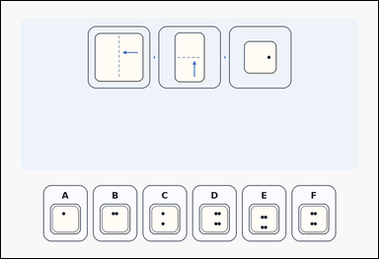 | 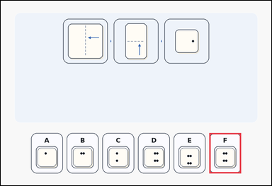 | task_puzzles_spatial_fold_hole_label | double_fold_single_hole | Look at the folded-paper puzzle in the image: a folded-paper hole-punch puzzle with three fold steps above six labeled unfolded-paper options. Determine which labeled option is correct after the paper is unfolded. Select the labeled option that matches the unfolded paper. Answer with the option letter. Return a valid JSON object with keys "evidence" and "answer" in that order. Evidence format: set "evidence" to an array containing exactly one bounding box [x1, y1, x2, y2] for the correct option panel. Answer requirement: set "answer" to the exact option letter of the correct image option. Example JSON: {"evidence":[[665,616,813,804]],"answer":"D"} | Look at the folded-paper puzzle in the image: a folded-paper hole-punch puzzle with three fold steps above six labeled unfolded-paper options. Determine which labeled option is correct after the paper is unfolded. Select the labeled option that matches the unfolded paper. Answer with the option letter. Return a valid JSON object with key "answer". Answer rule: set "answer" to the exact option letter of the correct image option. Example JSON: {"answer":"D"} | {"evidence": [[971.0, 616.0, 1119.0, 804.0]], "answer": "F"} | [[971.0, 616.0, 1119.0, 804.0]] | option_letter | bbox_set | 92437073203211 | puzzles/task_puzzles_spatial_fold_hole_label/images/double_fold_single_hole/0005.png | puzzles/task_puzzles_spatial_fold_hole_label/data/double_fold_single_hole/0005.json
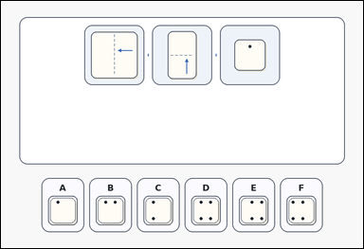 | 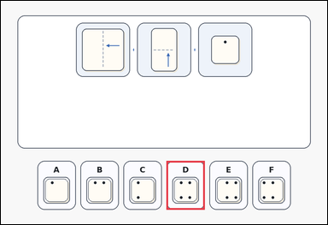 | task_puzzles_spatial_fold_hole_label | double_fold_single_hole | Look at the folded-paper puzzle in the image: an outline-style folded-paper hole-punch puzzle with three fold steps above six labeled unfolded-paper options. Find the labeled option that shows the unfolded paper. Which option shows the paper after it is unfolded? Answer with the option letter. Return a valid JSON object with keys "evidence" and "answer" in that order. Evidence: set "evidence" to an array containing exactly one bounding box [x1, y1, x2, y2] for the correct option panel. Answer: set "answer" to the exact option letter of the correct image option. Example JSON: {"evidence":[[665,616,813,804]],"answer":"D"} | Look at the folded-paper puzzle in the image: an outline-style folded-paper hole-punch puzzle with three fold steps above six labeled unfolded-paper options. Find the labeled option that shows the unfolded paper. Which option shows the paper after it is unfolded? Answer with the option letter. Return a valid JSON object with key "answer". Answer field: set "answer" to the exact option letter of the correct image option. Example JSON: {"answer":"D"} | {"evidence": [[639.0, 616.0, 787.0, 804.0]], "answer": "D"} | [[639.0, 616.0, 787.0, 804.0]] | option_letter | bbox_set | 236281112026347 | puzzles/task_puzzles_spatial_fold_hole_label/images/double_fold_single_hole/0015.png | puzzles/task_puzzles_spatial_fold_hole_label/data/double_fold_single_hole/0015.json
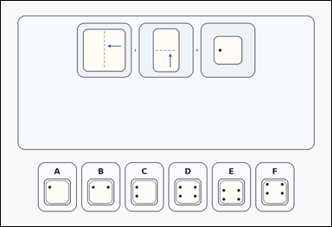 | 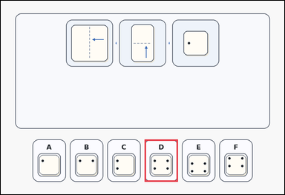 | task_puzzles_spatial_fold_hole_label | double_fold_single_hole | The image shows a card-style folded-paper hole-punch puzzle with three fold steps above six labeled unfolded-paper options. Determine which labeled option is correct after the paper is unfolded. Which labeled option is the correct unfolded result? Answer with the option letter. Return a valid JSON object with keys "evidence" and "answer" in that order. Evidence field: set "evidence" to an array containing exactly one bounding box [x1, y1, x2, y2] for the correct option panel. Answer field: set "answer" to the exact option letter of the correct image option. Example JSON: {"evidence":[[665,616,813,804]],"answer":"D"} | The image shows a card-style folded-paper hole-punch puzzle with three fold steps above six labeled unfolded-paper options. Determine which labeled option is correct after the paper is unfolded. Which labeled option is the correct unfolded result? Answer with the option letter. Return a valid JSON object with key "answer". Answer: set "answer" to the exact option letter of the correct image option. Example JSON: {"answer":"D"} | {"evidence": [[639.0, 616.0, 787.0, 804.0]], "answer": "D"} | [[639.0, 616.0, 787.0, 804.0]] | option_letter | bbox_set | 391993714501923 | puzzles/task_puzzles_spatial_fold_hole_label/images/double_fold_single_hole/0017.png | puzzles/task_puzzles_spatial_fold_hole_label/data/double_fold_single_hole/0017.json
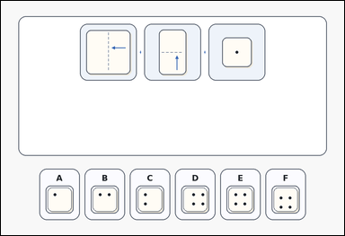 | 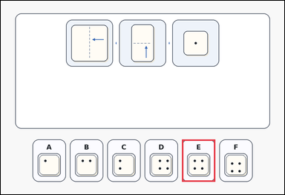 | task_puzzles_spatial_fold_hole_label | double_fold_single_hole | Work from the fold-and-hole puzzle shown in the image: an outline-style folded-paper hole-punch puzzle with three fold steps above six labeled unfolded-paper options. Use the fold steps to identify the correct image option. Choose the option that shows the unfolded paper after both folds are reversed. Answer with the option letter. Return a valid JSON object with keys "evidence" and "answer" in that order. Evidence: set "evidence" to an array containing exactly one bounding box [x1, y1, x2, y2] for the correct option panel. Answer: set "answer" to the exact option letter of the correct image option. Example JSON: {"evidence":[[665,616,813,804]],"answer":"D"} | Work from the fold-and-hole puzzle shown in the image: an outline-style folded-paper hole-punch puzzle with three fold steps above six labeled unfolded-paper options. Use the fold steps to identify the correct image option. Choose the option that shows the unfolded paper after both folds are reversed. Answer with the option letter. Return a valid JSON object with key "answer". Answer rule: set "answer" to the exact option letter of the correct image option. Example JSON: {"answer":"D"} | {"evidence": [[805.0, 616.0, 953.0, 804.0]], "answer": "E"} | [[805.0, 616.0, 953.0, 804.0]] | option_letter | bbox_set | 411392893252297 | puzzles/task_puzzles_spatial_fold_hole_label/images/double_fold_single_hole/0011.png | puzzles/task_puzzles_spatial_fold_hole_label/data/double_fold_single_hole/0011.json
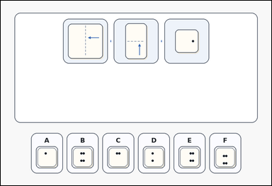 | 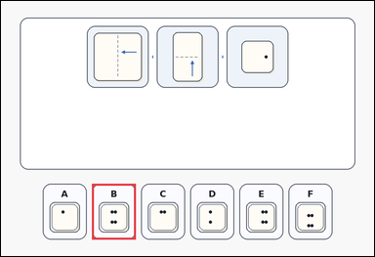 | task_puzzles_spatial_fold_hole_label | double_fold_single_hole | Work from the fold-and-hole puzzle shown in the image: an outline-style folded-paper hole-punch puzzle with three fold steps above six labeled unfolded-paper options. Work from the fold diagram and choose the correct option. Select the labeled option that matches the unfolded paper. Answer with the option letter. Return a valid JSON object with keys "evidence" and "answer" in that order. Evidence: set "evidence" to an array containing exactly one bounding box [x1, y1, x2, y2] for the correct option panel. Answer: set "answer" to the exact option letter of the correct image option. Example JSON: {"evidence":[[665,616,813,804]],"answer":"D"} | Work from the fold-and-hole puzzle shown in the image: an outline-style folded-paper hole-punch puzzle with three fold steps above six labeled unfolded-paper options. Work from the fold diagram and choose the correct option. Select the labeled option that matches the unfolded paper. Answer with the option letter. Return a valid JSON object with key "answer". Answer field: set "answer" to the exact option letter of the correct image option. Example JSON: {"answer":"D"} | {"evidence": [[307.0, 616.0, 455.0, 804.0]], "answer": "B"} | [[307.0, 616.0, 455.0, 804.0]] | option_letter | bbox_set | 501085449923802 | puzzles/task_puzzles_spatial_fold_hole_label/images/double_fold_single_hole/0019.png | puzzles/task_puzzles_spatial_fold_hole_label/data/double_fold_single_hole/0019.json
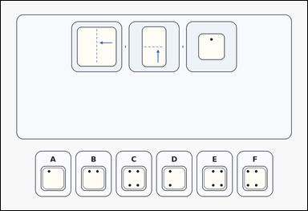 | 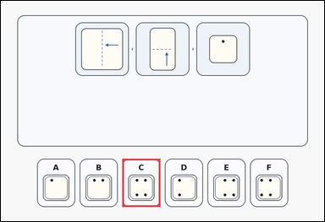 | task_puzzles_spatial_fold_hole_label | double_fold_single_hole | Use the folded-paper diagram and labeled options in the image: a card-style folded-paper hole-punch puzzle with three fold steps above six labeled unfolded-paper options. Find the labeled option that shows the unfolded paper. Which option gives the correct unfolded hole pattern? Answer with the option letter. Return a valid JSON object with keys "evidence" and "answer" in that order. Evidence rule: set "evidence" to an array containing exactly one bounding box [x1, y1, x2, y2] for the correct option panel. Answer rule: set "answer" to the exact option letter of the correct image option. Example JSON: {"evidence":[[665,616,813,804]],"answer":"D"} | Use the folded-paper diagram and labeled options in the image: a card-style folded-paper hole-punch puzzle with three fold steps above six labeled unfolded-paper options. Find the labeled option that shows the unfolded paper. Which option gives the correct unfolded hole pattern? Answer with the option letter. Return a valid JSON object with key "answer". Answer requirement: set "answer" to the exact option letter of the correct image option. Example JSON: {"answer":"D"} | {"evidence": [[473.0, 616.0, 621.0, 804.0]], "answer": "C"} | [[473.0, 616.0, 621.0, 804.0]] | option_letter | bbox_set | 1.6981602664E+15 | puzzles/task_puzzles_spatial_fold_hole_label/images/double_fold_single_hole/0024.png | puzzles/task_puzzles_spatial_fold_hole_label/data/double_fold_single_hole/0024.json
 |  | task_puzzles_spatial_fold_hole_label | double_fold_single_hole | Use the folded-paper diagram and labeled options in the image: a card-style folded-paper hole-punch puzzle with three fold steps above six labeled unfolded-paper options. Work from the fold diagram and choose the correct option. Choose the option that shows the unfolded paper after both folds are reversed. Answer with the option letter. Return a valid JSON object with keys "evidence" and "answer" in that order. Evidence requirement: set "evidence" to an array containing exactly one bounding box [x1, y1, x2, y2] for the correct option panel. Answer format: set "answer" to the exact option letter of the correct image option. Example JSON: {"evidence":[[665,616,813,804]],"answer":"D"} | Use the folded-paper diagram and labeled options in the image: a card-style folded-paper hole-punch puzzle with three fold steps above six labeled unfolded-paper options. Work from the fold diagram and choose the correct option. Choose the option that shows the unfolded paper after both folds are reversed. Answer with the option letter. Return a valid JSON object with key "answer". Answer: set "answer" to the exact option letter of the correct image option. Example JSON: {"answer":"D"} | {"evidence": [[473.0, 616.0, 621.0, 804.0]], "answer": "C"} | [[473.0, 616.0, 621.0, 804.0]] | option_letter | bbox_set | 2.0096673305E+15 | puzzles/task_puzzles_spatial_fold_hole_label/images/double_fold_single_hole/0021.png | puzzles/task_puzzles_spatial_fold_hole_label/data/double_fold_single_hole/0021.json
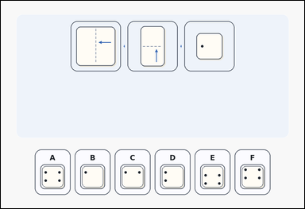 | 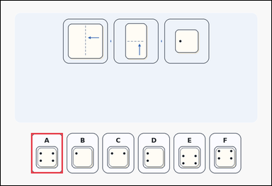 | task_puzzles_spatial_fold_hole_label | double_fold_single_hole | Look at the folded-paper puzzle in the image: a folded-paper hole-punch puzzle with three fold steps above six labeled unfolded-paper options. Work from the fold diagram and choose the correct option. Which option shows the paper after it is unfolded? Answer with the option letter. Return a valid JSON object with keys "evidence" and "answer" in that order. Evidence field: set "evidence" to an array containing exactly one bounding box [x1, y1, x2, y2] for the correct option panel. Answer field: set "answer" to the exact option letter of the correct image option. Example JSON: {"evidence":[[665,616,813,804]],"answer":"D"} | Look at the folded-paper puzzle in the image: a folded-paper hole-punch puzzle with three fold steps above six labeled unfolded-paper options. Work from the fold diagram and choose the correct option. Which option shows the paper after it is unfolded? Answer with the option letter. Return a valid JSON object with key "answer". Answer: set "answer" to the exact option letter of the correct image option. Example JSON: {"answer":"D"} | {"evidence": [[141.0, 616.0, 289.0, 804.0]], "answer": "A"} | [[141.0, 616.0, 289.0, 804.0]] | option_letter | bbox_set | 2.3952308634E+15 | puzzles/task_puzzles_spatial_fold_hole_label/images/double_fold_single_hole/0007.png | puzzles/task_puzzles_spatial_fold_hole_label/data/double_fold_single_hole/0007.json
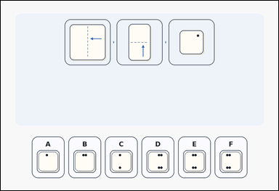 | 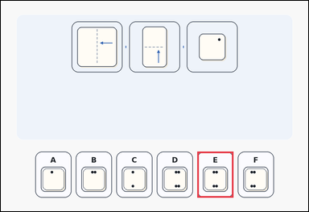 | task_puzzles_spatial_fold_hole_label | double_fold_single_hole | Use the folded-paper diagram and labeled options in the image: a folded-paper hole-punch puzzle with three fold steps above six labeled unfolded-paper options. Use the fold steps to identify the correct image option. Which option gives the correct unfolded hole pattern? Answer with the option letter. Return a valid JSON object with keys "evidence" and "answer" in that order. Evidence requirement: set "evidence" to an array containing exactly one bounding box [x1, y1, x2, y2] for the correct option panel. Answer format: set "answer" to the exact option letter of the correct image option. Example JSON: {"evidence":[[665,616,813,804]],"answer":"D"} | Use the folded-paper diagram and labeled options in the image: a folded-paper hole-punch puzzle with three fold steps above six labeled unfolded-paper options. Use the fold steps to identify the correct image option. Which option gives the correct unfolded hole pattern? Answer with the option letter. Return a valid JSON object with key "answer". Answer rule: set "answer" to the exact option letter of the correct image option. Example JSON: {"answer":"D"} | {"evidence": [[805.0, 616.0, 953.0, 804.0]], "answer": "E"} | [[805.0, 616.0, 953.0, 804.0]] | option_letter | bbox_set | 3.0017618562E+15 | puzzles/task_puzzles_spatial_fold_hole_label/images/double_fold_single_hole/0009.png | puzzles/task_puzzles_spatial_fold_hole_label/data/double_fold_single_hole/0009.json
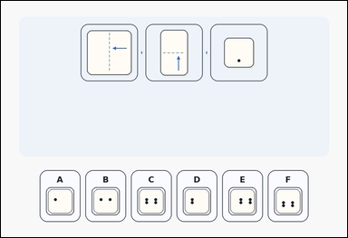 | 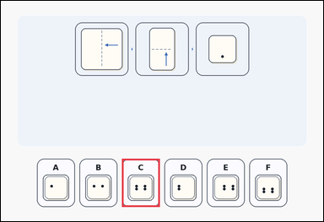 | task_puzzles_spatial_fold_hole_label | double_fold_single_hole | Use the folded-paper diagram and labeled options in the image: a folded-paper hole-punch puzzle with three fold steps above six labeled unfolded-paper options. Use the fold steps to identify the correct image option. Which option shows the paper after it is unfolded? Answer with the option letter. Return a valid JSON object with keys "evidence" and "answer" in that order. Evidence: set "evidence" to an array containing exactly one bounding box [x1, y1, x2, y2] for the correct option panel. Answer: set "answer" to the exact option letter of the correct image option. Example JSON: {"evidence":[[665,616,813,804]],"answer":"D"} | Use the folded-paper diagram and labeled options in the image: a folded-paper hole-punch puzzle with three fold steps above six labeled unfolded-paper options. Use the fold steps to identify the correct image option. Which option shows the paper after it is unfolded? Answer with the option letter. Return a valid JSON object with key "answer". Answer format: set "answer" to the exact option letter of the correct image option. Example JSON: {"answer":"D"} | {"evidence": [[473.0, 616.0, 621.0, 804.0]], "answer": "C"} | [[473.0, 616.0, 621.0, 804.0]] | option_letter | bbox_set | 3.7648193528E+15 | puzzles/task_puzzles_spatial_fold_hole_label/images/double_fold_single_hole/0010.png | puzzles/task_puzzles_spatial_fold_hole_label/data/double_fold_single_hole/0010.json
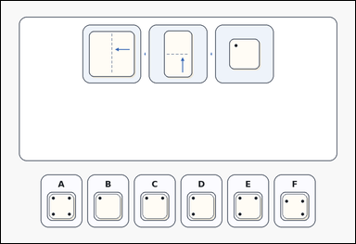 | 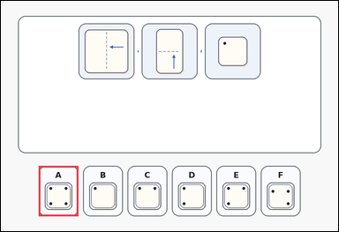 | task_puzzles_spatial_fold_hole_label | double_fold_single_hole | Look at the folded-paper puzzle in the image: an outline-style folded-paper hole-punch puzzle with three fold steps above six labeled unfolded-paper options. Find the labeled option that shows the unfolded paper. Choose the option that shows the unfolded paper after both folds are reversed. Answer with the option letter. Return a valid JSON object with keys "evidence" and "answer" in that order. Evidence requirement: set "evidence" to an array containing exactly one bounding box [x1, y1, x2, y2] for the correct option panel. Answer format: set "answer" to the exact option letter of the correct image option. Example JSON: {"evidence":[[665,616,813,804]],"answer":"D"} | Look at the folded-paper puzzle in the image: an outline-style folded-paper hole-punch puzzle with three fold steps above six labeled unfolded-paper options. Find the labeled option that shows the unfolded paper. Choose the option that shows the unfolded paper after both folds are reversed. Answer with the option letter. Return a valid JSON object with key "answer". Answer requirement: set "answer" to the exact option letter of the correct image option. Example JSON: {"answer":"D"} | {"evidence": [[141.0, 616.0, 289.0, 804.0]], "answer": "A"} | [[141.0, 616.0, 289.0, 804.0]] | option_letter | bbox_set | 3.7760443695E+15 | puzzles/task_puzzles_spatial_fold_hole_label/images/double_fold_single_hole/0004.png | puzzles/task_puzzles_spatial_fold_hole_label/data/double_fold_single_hole/0004.json
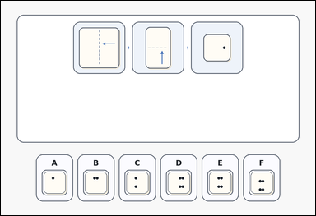 |  | task_puzzles_spatial_fold_hole_label | double_fold_single_hole | Look at the folded-paper puzzle in the image: an outline-style folded-paper hole-punch puzzle with three fold steps above six labeled unfolded-paper options. Determine which labeled option is correct after the paper is unfolded. Which option shows the paper after it is unfolded? Answer with the option letter. Return a valid JSON object with keys "evidence" and "answer" in that order. Evidence requirement: set "evidence" to an array containing exactly one bounding box [x1, y1, x2, y2] for the correct option panel. Answer format: set "answer" to the exact option letter of the correct image option. Example JSON: {"evidence":[[665,616,813,804]],"answer":"D"} | Look at the folded-paper puzzle in the image: an outline-style folded-paper hole-punch puzzle with three fold steps above six labeled unfolded-paper options. Determine which labeled option is correct after the paper is unfolded. Which option shows the paper after it is unfolded? Answer with the option letter. Return a valid JSON object with key "answer". Answer rule: set "answer" to the exact option letter of the correct image option. Example JSON: {"answer":"D"} | {"evidence": [[805.0, 616.0, 953.0, 804.0]], "answer": "E"} | [[805.0, 616.0, 953.0, 804.0]] | option_letter | bbox_set | 4.2762033378E+15 | puzzles/task_puzzles_spatial_fold_hole_label/images/double_fold_single_hole/0008.png | puzzles/task_puzzles_spatial_fold_hole_label/data/double_fold_single_hole/0008.json
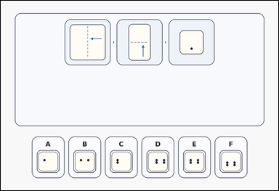 | 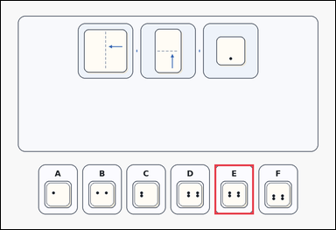 | task_puzzles_spatial_fold_hole_label | double_fold_single_hole | You are given a card-style folded-paper hole-punch puzzle with three fold steps above six labeled unfolded-paper options. Find the labeled option that shows the unfolded paper. Select the labeled option that matches the unfolded paper. Answer with the option letter. Return a valid JSON object with keys "evidence" and "answer" in that order. Evidence rule: set "evidence" to an array containing exactly one bounding box [x1, y1, x2, y2] for the correct option panel. Answer rule: set "answer" to the exact option letter of the correct image option. Example JSON: {"evidence":[[665,616,813,804]],"answer":"D"} | You are given a card-style folded-paper hole-punch puzzle with three fold steps above six labeled unfolded-paper options. Find the labeled option that shows the unfolded paper. Select the labeled option that matches the unfolded paper. Answer with the option letter. Return a valid JSON object with key "answer". Answer format: set "answer" to the exact option letter of the correct image option. Example JSON: {"answer":"D"} | {"evidence": [[805.0, 616.0, 953.0, 804.0]], "answer": "E"} | [[805.0, 616.0, 953.0, 804.0]] | option_letter | bbox_set | 4.3372103163E+15 | puzzles/task_puzzles_spatial_fold_hole_label/images/double_fold_single_hole/0012.png | puzzles/task_puzzles_spatial_fold_hole_label/data/double_fold_single_hole/0012.json
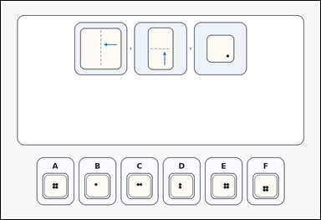 | 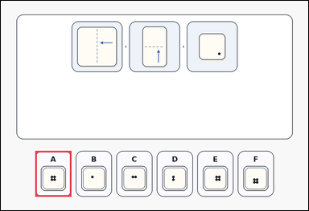 | task_puzzles_spatial_fold_hole_label | double_fold_single_hole | Look at the folded-paper puzzle in the image: an outline-style folded-paper hole-punch puzzle with three fold steps above six labeled unfolded-paper options. Work from the fold diagram and choose the correct option. Which option shows the paper after it is unfolded? Answer with the option letter. Return a valid JSON object with keys "evidence" and "answer" in that order. Evidence rule: set "evidence" to an array containing exactly one bounding box [x1, y1, x2, y2] for the correct option panel. Answer rule: set "answer" to the exact option letter of the correct image option. Example JSON: {"evidence":[[665,616,813,804]],"answer":"D"} | Look at the folded-paper puzzle in the image: an outline-style folded-paper hole-punch puzzle with three fold steps above six labeled unfolded-paper options. Work from the fold diagram and choose the correct option. Which option shows the paper after it is unfolded? Answer with the option letter. Return a valid JSON object with key "answer". Answer: set "answer" to the exact option letter of the correct image option. Example JSON: {"answer":"D"} | {"evidence": [[141.0, 616.0, 289.0, 804.0]], "answer": "A"} | [[141.0, 616.0, 289.0, 804.0]] | option_letter | bbox_set | 4.4880421077E+15 | puzzles/task_puzzles_spatial_fold_hole_label/images/double_fold_single_hole/0018.png | puzzles/task_puzzles_spatial_fold_hole_label/data/double_fold_single_hole/0018.json
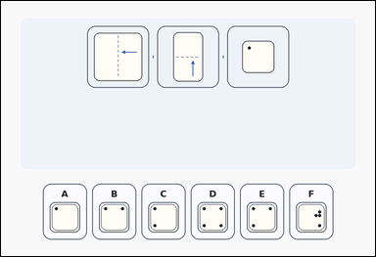 | 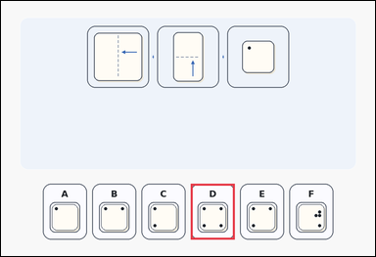 | task_puzzles_spatial_fold_hole_label | double_fold_single_hole | Work from the fold-and-hole puzzle shown in the image: a folded-paper hole-punch puzzle with three fold steps above six labeled unfolded-paper options. Determine which labeled option is correct after the paper is unfolded. Select the labeled option that matches the unfolded paper. Answer with the option letter. Return a valid JSON object with keys "evidence" and "answer" in that order. Evidence field: set "evidence" to an array containing exactly one bounding box [x1, y1, x2, y2] for the correct option panel. Answer field: set "answer" to the exact option letter of the correct image option. Example JSON: {"evidence":[[665,616,813,804]],"answer":"D"} | Work from the fold-and-hole puzzle shown in the image: a folded-paper hole-punch puzzle with three fold steps above six labeled unfolded-paper options. Determine which labeled option is correct after the paper is unfolded. Select the labeled option that matches the unfolded paper. Answer with the option letter. Return a valid JSON object with key "answer". Answer format: set "answer" to the exact option letter of the correct image option. Example JSON: {"answer":"D"} | {"evidence": [[639.0, 616.0, 787.0, 804.0]], "answer": "D"} | [[639.0, 616.0, 787.0, 804.0]] | option_letter | bbox_set | 4.6892330407E+15 | puzzles/task_puzzles_spatial_fold_hole_label/images/double_fold_single_hole/0001.png | puzzles/task_puzzles_spatial_fold_hole_label/data/double_fold_single_hole/0001.json
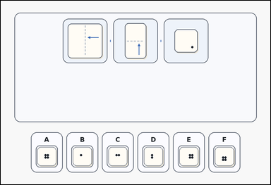 | 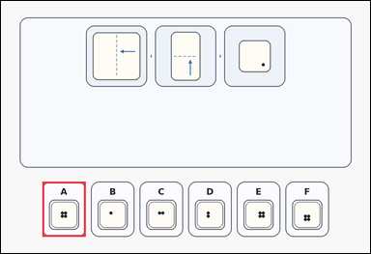 | task_puzzles_spatial_fold_hole_label | double_fold_single_hole | Use the folded-paper diagram and labeled options in the image: a card-style folded-paper hole-punch puzzle with three fold steps above six labeled unfolded-paper options. Find the labeled option that shows the unfolded paper. Select the labeled option that matches the unfolded paper. Answer with the option letter. Return a valid JSON object with keys "evidence" and "answer" in that order. Evidence: set "evidence" to an array containing exactly one bounding box [x1, y1, x2, y2] for the correct option panel. Answer: set "answer" to the exact option letter of the correct image option. Example JSON: {"evidence":[[665,616,813,804]],"answer":"D"} | Use the folded-paper diagram and labeled options in the image: a card-style folded-paper hole-punch puzzle with three fold steps above six labeled unfolded-paper options. Find the labeled option that shows the unfolded paper. Select the labeled option that matches the unfolded paper. Answer with the option letter. Return a valid JSON object with key "answer". Answer rule: set "answer" to the exact option letter of the correct image option. Example JSON: {"answer":"D"} | {"evidence": [[141.0, 616.0, 289.0, 804.0]], "answer": "A"} | [[141.0, 616.0, 289.0, 804.0]] | option_letter | bbox_set | 5.0599024161E+15 | puzzles/task_puzzles_spatial_fold_hole_label/images/double_fold_single_hole/0000.png | puzzles/task_puzzles_spatial_fold_hole_label/data/double_fold_single_hole/0000.json
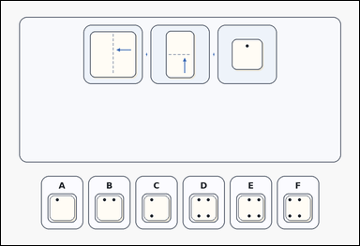 |  | task_puzzles_spatial_fold_hole_label | double_fold_single_hole | Use the folded-paper diagram and labeled options in the image: a card-style folded-paper hole-punch puzzle with three fold steps above six labeled unfolded-paper options. Determine which labeled option is correct after the paper is unfolded. Which option shows the paper after it is unfolded? Answer with the option letter. Return a valid JSON object with keys "evidence" and "answer" in that order. Evidence rule: set "evidence" to an array containing exactly one bounding box [x1, y1, x2, y2] for the correct option panel. Answer rule: set "answer" to the exact option letter of the correct image option. Example JSON: {"evidence":[[665,616,813,804]],"answer":"D"} | Use the folded-paper diagram and labeled options in the image: a card-style folded-paper hole-punch puzzle with three fold steps above six labeled unfolded-paper options. Determine which labeled option is correct after the paper is unfolded. Which option shows the paper after it is unfolded? Answer with the option letter. Return a valid JSON object with key "answer". Answer format: set "answer" to the exact option letter of the correct image option. Example JSON: {"answer":"D"} | {"evidence": [[639.0, 616.0, 787.0, 804.0]], "answer": "D"} | [[639.0, 616.0, 787.0, 804.0]] | option_letter | bbox_set | 5.4144916594E+15 | puzzles/task_puzzles_spatial_fold_hole_label/images/double_fold_single_hole/0022.png | puzzles/task_puzzles_spatial_fold_hole_label/data/double_fold_single_hole/0022.json
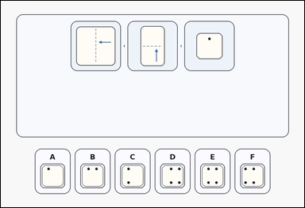 | 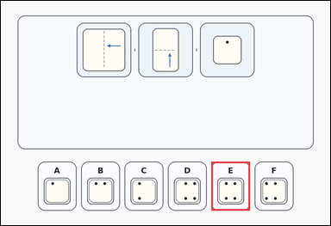 | task_puzzles_spatial_fold_hole_label | double_fold_single_hole | You are given a card-style folded-paper hole-punch puzzle with three fold steps above six labeled unfolded-paper options. Find the labeled option that shows the unfolded paper. Which option shows the paper after it is unfolded? Answer with the option letter. Return a valid JSON object with keys "evidence" and "answer" in that order. Evidence: set "evidence" to an array containing exactly one bounding box [x1, y1, x2, y2] for the correct option panel. Answer: set "answer" to the exact option letter of the correct image option. Example JSON: {"evidence":[[665,616,813,804]],"answer":"D"} | You are given a card-style folded-paper hole-punch puzzle with three fold steps above six labeled unfolded-paper options. Find the labeled option that shows the unfolded paper. Which option shows the paper after it is unfolded? Answer with the option letter. Return a valid JSON object with key "answer". Answer: set "answer" to the exact option letter of the correct image option. Example JSON: {"answer":"D"} | {"evidence": [[805.0, 616.0, 953.0, 804.0]], "answer": "E"} | [[805.0, 616.0, 953.0, 804.0]] | option_letter | bbox_set | 5.5415625732E+15 | puzzles/task_puzzles_spatial_fold_hole_label/images/double_fold_single_hole/0013.png | puzzles/task_puzzles_spatial_fold_hole_label/data/double_fold_single_hole/0013.json
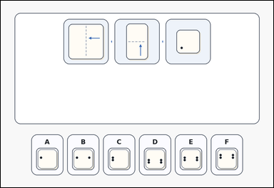 | 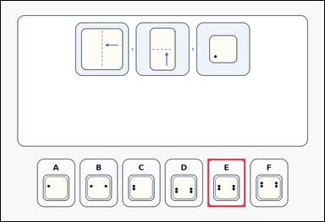 | task_puzzles_spatial_fold_hole_label | double_fold_single_hole | Work from the fold-and-hole puzzle shown in the image: an outline-style folded-paper hole-punch puzzle with three fold steps above six labeled unfolded-paper options. Choose the correct unfolded-paper option. Which option shows the paper after it is unfolded? Answer with the option letter. Return a valid JSON object with keys "evidence" and "answer" in that order. Evidence requirement: set "evidence" to an array containing exactly one bounding box [x1, y1, x2, y2] for the correct option panel. Answer format: set "answer" to the exact option letter of the correct image option. Example JSON: {"evidence":[[665,616,813,804]],"answer":"D"} | Work from the fold-and-hole puzzle shown in the image: an outline-style folded-paper hole-punch puzzle with three fold steps above six labeled unfolded-paper options. Choose the correct unfolded-paper option. Which option shows the paper after it is unfolded? Answer with the option letter. Return a valid JSON object with key "answer". Answer field: set "answer" to the exact option letter of the correct image option. Example JSON: {"answer":"D"} | {"evidence": [[805.0, 616.0, 953.0, 804.0]], "answer": "E"} | [[805.0, 616.0, 953.0, 804.0]] | option_letter | bbox_set | 5.7081315143E+15 | puzzles/task_puzzles_spatial_fold_hole_label/images/double_fold_single_hole/0006.png | puzzles/task_puzzles_spatial_fold_hole_label/data/double_fold_single_hole/0006.json
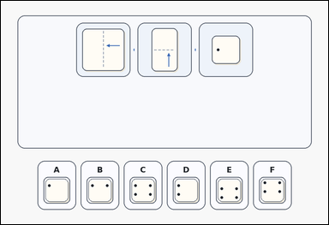 | 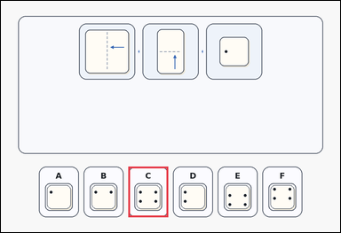 | task_puzzles_spatial_fold_hole_label | double_fold_single_hole | Look at the folded-paper puzzle in the image: a card-style folded-paper hole-punch puzzle with three fold steps above six labeled unfolded-paper options. Determine which labeled option is correct after the paper is unfolded. Choose the option that shows the unfolded paper after both folds are reversed. Answer with the option letter. Return a valid JSON object with keys "evidence" and "answer" in that order. Evidence rule: set "evidence" to an array containing exactly one bounding box [x1, y1, x2, y2] for the correct option panel. Answer rule: set "answer" to the exact option letter of the correct image option. Example JSON: {"evidence":[[665,616,813,804]],"answer":"D"} | Look at the folded-paper puzzle in the image: a card-style folded-paper hole-punch puzzle with three fold steps above six labeled unfolded-paper options. Determine which labeled option is correct after the paper is unfolded. Choose the option that shows the unfolded paper after both folds are reversed. Answer with the option letter. Return a valid JSON object with key "answer". Answer field: set "answer" to the exact option letter of the correct image option. Example JSON: {"answer":"D"} | {"evidence": [[473.0, 616.0, 621.0, 804.0]], "answer": "C"} | [[473.0, 616.0, 621.0, 804.0]] | option_letter | bbox_set | 6.4552289702E+15 | puzzles/task_puzzles_spatial_fold_hole_label/images/double_fold_single_hole/0016.png | puzzles/task_puzzles_spatial_fold_hole_label/data/double_fold_single_hole/0016.json
 |  | task_puzzles_spatial_fold_hole_label | double_fold_single_hole | The image shows a card-style folded-paper hole-punch puzzle with three fold steps above six labeled unfolded-paper options. Work from the fold diagram and choose the correct option. Choose the option that shows the unfolded paper after both folds are reversed. Answer with the option letter. Return a valid JSON object with keys "evidence" and "answer" in that order. Evidence requirement: set "evidence" to an array containing exactly one bounding box [x1, y1, x2, y2] for the correct option panel. Answer format: set "answer" to the exact option letter of the correct image option. Example JSON: {"evidence":[[665,616,813,804]],"answer":"D"} | The image shows a card-style folded-paper hole-punch puzzle with three fold steps above six labeled unfolded-paper options. Work from the fold diagram and choose the correct option. Choose the option that shows the unfolded paper after both folds are reversed. Answer with the option letter. Return a valid JSON object with key "answer". Answer: set "answer" to the exact option letter of the correct image option. Example JSON: {"answer":"D"} | {"evidence": [[473.0, 616.0, 621.0, 804.0]], "answer": "C"} | [[473.0, 616.0, 621.0, 804.0]] | option_letter | bbox_set | 6.5080547135E+15 | puzzles/task_puzzles_spatial_fold_hole_label/images/double_fold_single_hole/0014.png | puzzles/task_puzzles_spatial_fold_hole_label/data/double_fold_single_hole/0014.json
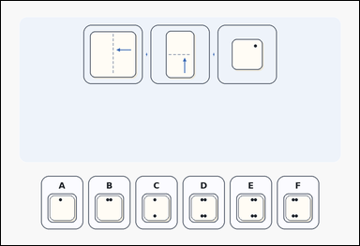 | 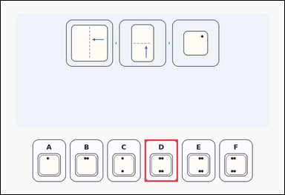 | task_puzzles_spatial_fold_hole_label | double_fold_single_hole | Look at the folded-paper puzzle in the image: a folded-paper hole-punch puzzle with three fold steps above six labeled unfolded-paper options. Choose the correct unfolded-paper option. Which option gives the correct unfolded hole pattern? Answer with the option letter. Return a valid JSON object with keys "evidence" and "answer" in that order. Evidence rule: set "evidence" to an array containing exactly one bounding box [x1, y1, x2, y2] for the correct option panel. Answer rule: set "answer" to the exact option letter of the correct image option. Example JSON: {"evidence":[[665,616,813,804]],"answer":"D"} | Look at the folded-paper puzzle in the image: a folded-paper hole-punch puzzle with three fold steps above six labeled unfolded-paper options. Choose the correct unfolded-paper option. Which option gives the correct unfolded hole pattern? Answer with the option letter. Return a valid JSON object with key "answer". Answer field: set "answer" to the exact option letter of the correct image option. Example JSON: {"answer":"D"} | {"evidence": [[639.0, 616.0, 787.0, 804.0]], "answer": "D"} | [[639.0, 616.0, 787.0, 804.0]] | option_letter | bbox_set | 6.6187942338E+15 | puzzles/task_puzzles_spatial_fold_hole_label/images/double_fold_single_hole/0023.png | puzzles/task_puzzles_spatial_fold_hole_label/data/double_fold_single_hole/0023.json
 |  | task_puzzles_spatial_fold_hole_label | double_fold_single_hole | The image shows an outline-style folded-paper hole-punch puzzle with three fold steps above six labeled unfolded-paper options. Determine which labeled option is correct after the paper is unfolded. Choose the option that shows the unfolded paper after both folds are reversed. Answer with the option letter. Return a valid JSON object with keys "evidence" and "answer" in that order. Evidence format: set "evidence" to an array containing exactly one bounding box [x1, y1, x2, y2] for the correct option panel. Answer requirement: set "answer" to the exact option letter of the correct image option. Example JSON: {"evidence":[[665,616,813,804]],"answer":"D"} | The image shows an outline-style folded-paper hole-punch puzzle with three fold steps above six labeled unfolded-paper options. Determine which labeled option is correct after the paper is unfolded. Choose the option that shows the unfolded paper after both folds are reversed. Answer with the option letter. Return a valid JSON object with key "answer". Answer requirement: set "answer" to the exact option letter of the correct image option. Example JSON: {"answer":"D"} | {"evidence": [[141.0, 616.0, 289.0, 804.0]], "answer": "A"} | [[141.0, 616.0, 289.0, 804.0]] | option_letter | bbox_set | 7.1484866467E+15 | puzzles/task_puzzles_spatial_fold_hole_label/images/double_fold_single_hole/0002.png | puzzles/task_puzzles_spatial_fold_hole_label/data/double_fold_single_hole/0002.json
 |  | task_puzzles_spatial_fold_hole_label | double_fold_single_hole | Work from the fold-and-hole puzzle shown in the image: a folded-paper hole-punch puzzle with three fold steps above six labeled unfolded-paper options. Use the fold steps to identify the correct image option. Which option gives the correct unfolded hole pattern? Answer with the option letter. Return a valid JSON object with keys "evidence" and "answer" in that order. Evidence: set "evidence" to an array containing exactly one bounding box [x1, y1, x2, y2] for the correct option panel. Answer: set "answer" to the exact option letter of the correct image option. Example JSON: {"evidence":[[665,616,813,804]],"answer":"D"} | Work from the fold-and-hole puzzle shown in the image: a folded-paper hole-punch puzzle with three fold steps above six labeled unfolded-paper options. Use the fold steps to identify the correct image option. Which option gives the correct unfolded hole pattern? Answer with the option letter. Return a valid JSON object with key "answer". Answer: set "answer" to the exact option letter of the correct image option. Example JSON: {"answer":"D"} | {"evidence": [[141.0, 616.0, 289.0, 804.0]], "answer": "A"} | [[141.0, 616.0, 289.0, 804.0]] | option_letter | bbox_set | 7.3910002644E+15 | puzzles/task_puzzles_spatial_fold_hole_label/images/double_fold_single_hole/0003.png | puzzles/task_puzzles_spatial_fold_hole_label/data/double_fold_single_hole/0003.json
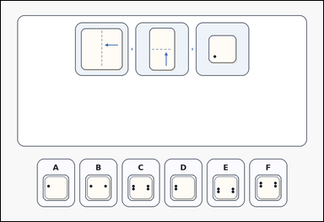 | 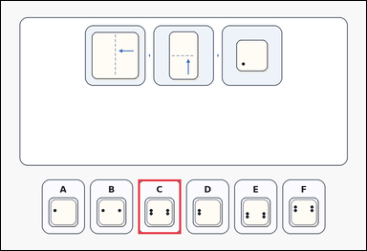 | task_puzzles_spatial_fold_hole_label | double_fold_single_hole | The image shows an outline-style folded-paper hole-punch puzzle with three fold steps above six labeled unfolded-paper options. Determine which labeled option is correct after the paper is unfolded. Choose the option that shows the unfolded paper after both folds are reversed. Answer with the option letter. Return a valid JSON object with keys "evidence" and "answer" in that order. Evidence requirement: set "evidence" to an array containing exactly one bounding box [x1, y1, x2, y2] for the correct option panel. Answer format: set "answer" to the exact option letter of the correct image option. Example JSON: {"evidence":[[665,616,813,804]],"answer":"D"} | The image shows an outline-style folded-paper hole-punch puzzle with three fold steps above six labeled unfolded-paper options. Determine which labeled option is correct after the paper is unfolded. Choose the option that shows the unfolded paper after both folds are reversed. Answer with the option letter. Return a valid JSON object with key "answer". Answer requirement: set "answer" to the exact option letter of the correct image option. Example JSON: {"answer":"D"} | {"evidence": [[473.0, 616.0, 621.0, 804.0]], "answer": "C"} | [[473.0, 616.0, 621.0, 804.0]] | option_letter | bbox_set | 7.5053286508E+15 | puzzles/task_puzzles_spatial_fold_hole_label/images/double_fold_single_hole/0020.png | puzzles/task_puzzles_spatial_fold_hole_label/data/double_fold_single_hole/0020.json

single_fold_single_hole
image | evidence_image | task | task_variant | prompt | prompt_answer_only | answer | answer_evidence | answer_type | evidence_type | instance_seed | image_path | data_path
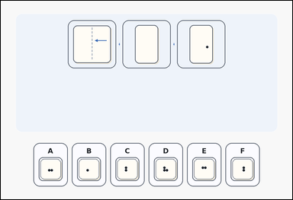 | 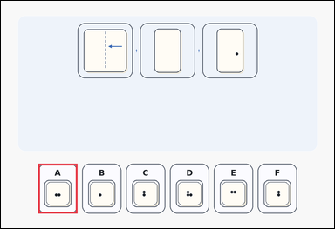 | task_puzzles_spatial_fold_hole_label | single_fold_single_hole | Work from the fold-and-hole puzzle shown in the image: a folded-paper hole-punch puzzle with three fold steps above six labeled unfolded-paper options. Work from the fold diagram and choose the correct option. Which option shows the paper after it is unfolded? Answer with the option letter. Return a valid JSON object with keys "evidence" and "answer" in that order. Evidence rule: set "evidence" to an array containing exactly one bounding box [x1, y1, x2, y2] for the correct option panel. Answer rule: set "answer" to the exact option letter of the correct image option. Example JSON: {"evidence":[[333,616,481,804]],"answer":"B"} | Work from the fold-and-hole puzzle shown in the image: a folded-paper hole-punch puzzle with three fold steps above six labeled unfolded-paper options. Work from the fold diagram and choose the correct option. Which option shows the paper after it is unfolded? Answer with the option letter. Return a valid JSON object with key "answer". Answer field: set "answer" to the exact option letter of the correct image option. Example JSON: {"answer":"B"} | {"evidence": [[141.0, 616.0, 289.0, 804.0]], "answer": "A"} | [[141.0, 616.0, 289.0, 804.0]] | option_letter | bbox_set | 466795353649278 | puzzles/task_puzzles_spatial_fold_hole_label/images/single_fold_single_hole/0011.png | puzzles/task_puzzles_spatial_fold_hole_label/data/single_fold_single_hole/0011.json
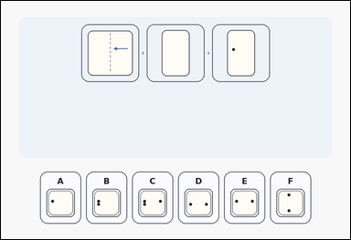 | 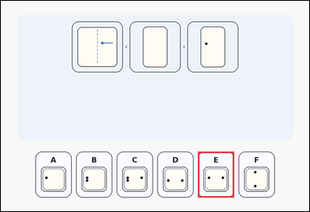 | task_puzzles_spatial_fold_hole_label | single_fold_single_hole | You are given a folded-paper hole-punch puzzle with three fold steps above six labeled unfolded-paper options. Determine which labeled option is correct after the paper is unfolded. Choose the option that shows the unfolded paper after the fold and punch. Answer with the option letter. Return a valid JSON object with keys "evidence" and "answer" in that order. Evidence rule: set "evidence" to an array containing exactly one bounding box [x1, y1, x2, y2] for the correct option panel. Answer rule: set "answer" to the exact option letter of the correct image option. Example JSON: {"evidence":[[333,616,481,804]],"answer":"B"} | You are given a folded-paper hole-punch puzzle with three fold steps above six labeled unfolded-paper options. Determine which labeled option is correct after the paper is unfolded. Choose the option that shows the unfolded paper after the fold and punch. Answer with the option letter. Return a valid JSON object with key "answer". Answer: set "answer" to the exact option letter of the correct image option. Example JSON: {"answer":"B"} | {"evidence": [[805.0, 616.0, 953.0, 804.0]], "answer": "E"} | [[805.0, 616.0, 953.0, 804.0]] | option_letter | bbox_set | 567960214286402 | puzzles/task_puzzles_spatial_fold_hole_label/images/single_fold_single_hole/0013.png | puzzles/task_puzzles_spatial_fold_hole_label/data/single_fold_single_hole/0013.json
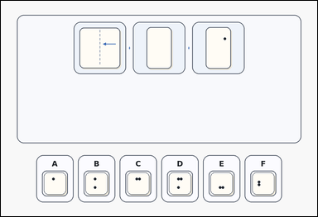 | 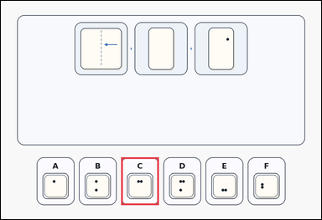 | task_puzzles_spatial_fold_hole_label | single_fold_single_hole | The image shows a card-style folded-paper hole-punch puzzle with three fold steps above six labeled unfolded-paper options. Find the labeled option that shows the unfolded paper. Which option gives the correct unfolded hole pattern? Answer with the option letter. Return a valid JSON object with keys "evidence" and "answer" in that order. Evidence: set "evidence" to an array containing exactly one bounding box [x1, y1, x2, y2] for the correct option panel. Answer: set "answer" to the exact option letter of the correct image option. Example JSON: {"evidence":[[333,616,481,804]],"answer":"B"} | The image shows a card-style folded-paper hole-punch puzzle with three fold steps above six labeled unfolded-paper options. Find the labeled option that shows the unfolded paper. Which option gives the correct unfolded hole pattern? Answer with the option letter. Return a valid JSON object with key "answer". Answer: set "answer" to the exact option letter of the correct image option. Example JSON: {"answer":"B"} | {"evidence": [[473.0, 616.0, 621.0, 804.0]], "answer": "C"} | [[473.0, 616.0, 621.0, 804.0]] | option_letter | bbox_set | 576096183932150 | puzzles/task_puzzles_spatial_fold_hole_label/images/single_fold_single_hole/0022.png | puzzles/task_puzzles_spatial_fold_hole_label/data/single_fold_single_hole/0022.json
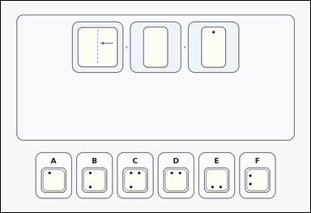 | 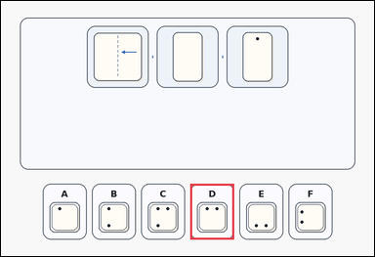 | task_puzzles_spatial_fold_hole_label | single_fold_single_hole | The image shows a card-style folded-paper hole-punch puzzle with three fold steps above six labeled unfolded-paper options. Use the fold steps to identify the correct image option. Select the labeled option that matches the unfolded paper. Answer with the option letter. Return a valid JSON object with keys "evidence" and "answer" in that order. Evidence field: set "evidence" to an array containing exactly one bounding box [x1, y1, x2, y2] for the correct option panel. Answer field: set "answer" to the exact option letter of the correct image option. Example JSON: {"evidence":[[333,616,481,804]],"answer":"B"} | The image shows a card-style folded-paper hole-punch puzzle with three fold steps above six labeled unfolded-paper options. Use the fold steps to identify the correct image option. Select the labeled option that matches the unfolded paper. Answer with the option letter. Return a valid JSON object with key "answer". Answer format: set "answer" to the exact option letter of the correct image option. Example JSON: {"answer":"B"} | {"evidence": [[639.0, 616.0, 787.0, 804.0]], "answer": "D"} | [[639.0, 616.0, 787.0, 804.0]] | option_letter | bbox_set | 982906623833145 | puzzles/task_puzzles_spatial_fold_hole_label/images/single_fold_single_hole/0001.png | puzzles/task_puzzles_spatial_fold_hole_label/data/single_fold_single_hole/0001.json
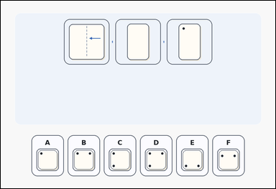 | 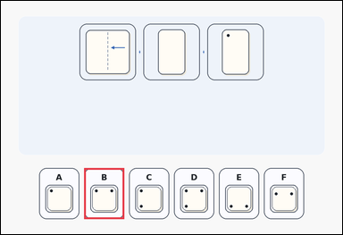 | task_puzzles_spatial_fold_hole_label | single_fold_single_hole | Work from the fold-and-hole puzzle shown in the image: a folded-paper hole-punch puzzle with three fold steps above six labeled unfolded-paper options. Choose the correct unfolded-paper option. Select the labeled option that matches the unfolded paper. Answer with the option letter. Return a valid JSON object with keys "evidence" and "answer" in that order. Evidence format: set "evidence" to an array containing exactly one bounding box [x1, y1, x2, y2] for the correct option panel. Answer requirement: set "answer" to the exact option letter of the correct image option. Example JSON: {"evidence":[[333,616,481,804]],"answer":"B"} | Work from the fold-and-hole puzzle shown in the image: a folded-paper hole-punch puzzle with three fold steps above six labeled unfolded-paper options. Choose the correct unfolded-paper option. Select the labeled option that matches the unfolded paper. Answer with the option letter. Return a valid JSON object with key "answer". Answer field: set "answer" to the exact option letter of the correct image option. Example JSON: {"answer":"B"} | {"evidence": [[307.0, 616.0, 455.0, 804.0]], "answer": "B"} | [[307.0, 616.0, 455.0, 804.0]] | option_letter | bbox_set | 1.0527399749E+15 | puzzles/task_puzzles_spatial_fold_hole_label/images/single_fold_single_hole/0003.png | puzzles/task_puzzles_spatial_fold_hole_label/data/single_fold_single_hole/0003.json
 |  | task_puzzles_spatial_fold_hole_label | single_fold_single_hole | You are given an outline-style folded-paper hole-punch puzzle with three fold steps above six labeled unfolded-paper options. Work from the fold diagram and choose the correct option. Which option shows the paper after it is unfolded? Answer with the option letter. Return a valid JSON object with keys "evidence" and "answer" in that order. Evidence requirement: set "evidence" to an array containing exactly one bounding box [x1, y1, x2, y2] for the correct option panel. Answer format: set "answer" to the exact option letter of the correct image option. Example JSON: {"evidence":[[333,616,481,804]],"answer":"B"} | You are given an outline-style folded-paper hole-punch puzzle with three fold steps above six labeled unfolded-paper options. Work from the fold diagram and choose the correct option. Which option shows the paper after it is unfolded? Answer with the option letter. Return a valid JSON object with key "answer". Answer requirement: set "answer" to the exact option letter of the correct image option. Example JSON: {"answer":"B"} | {"evidence": [[639.0, 616.0, 787.0, 804.0]], "answer": "D"} | [[639.0, 616.0, 787.0, 804.0]] | option_letter | bbox_set | 1.3538093658E+15 | puzzles/task_puzzles_spatial_fold_hole_label/images/single_fold_single_hole/0012.png | puzzles/task_puzzles_spatial_fold_hole_label/data/single_fold_single_hole/0012.json
 |  | task_puzzles_spatial_fold_hole_label | single_fold_single_hole | The image shows a folded-paper hole-punch puzzle with three fold steps above six labeled unfolded-paper options. Determine which labeled option is correct after the paper is unfolded. Which option gives the correct unfolded hole pattern? Answer with the option letter. Return a valid JSON object with keys "evidence" and "answer" in that order. Evidence format: set "evidence" to an array containing exactly one bounding box [x1, y1, x2, y2] for the correct option panel. Answer requirement: set "answer" to the exact option letter of the correct image option. Example JSON: {"evidence":[[333,616,481,804]],"answer":"B"} | The image shows a folded-paper hole-punch puzzle with three fold steps above six labeled unfolded-paper options. Determine which labeled option is correct after the paper is unfolded. Which option gives the correct unfolded hole pattern? Answer with the option letter. Return a valid JSON object with key "answer". Answer rule: set "answer" to the exact option letter of the correct image option. Example JSON: {"answer":"B"} | {"evidence": [[639.0, 616.0, 787.0, 804.0]], "answer": "D"} | [[639.0, 616.0, 787.0, 804.0]] | option_letter | bbox_set | 1.5045926389E+15 | puzzles/task_puzzles_spatial_fold_hole_label/images/single_fold_single_hole/0014.png | puzzles/task_puzzles_spatial_fold_hole_label/data/single_fold_single_hole/0014.json
 |  | task_puzzles_spatial_fold_hole_label | single_fold_single_hole | Look at the folded-paper puzzle in the image: an outline-style folded-paper hole-punch puzzle with three fold steps above six labeled unfolded-paper options. Work from the fold diagram and choose the correct option. Choose the option that shows the unfolded paper after the fold and punch. Answer with the option letter. Return a valid JSON object with keys "evidence" and "answer" in that order. Evidence field: set "evidence" to an array containing exactly one bounding box [x1, y1, x2, y2] for the correct option panel. Answer field: set "answer" to the exact option letter of the correct image option. Example JSON: {"evidence":[[333,616,481,804]],"answer":"B"} | Look at the folded-paper puzzle in the image: an outline-style folded-paper hole-punch puzzle with three fold steps above six labeled unfolded-paper options. Work from the fold diagram and choose the correct option. Choose the option that shows the unfolded paper after the fold and punch. Answer with the option letter. Return a valid JSON object with key "answer". Answer format: set "answer" to the exact option letter of the correct image option. Example JSON: {"answer":"B"} | {"evidence": [[971.0, 616.0, 1119.0, 804.0]], "answer": "F"} | [[971.0, 616.0, 1119.0, 804.0]] | option_letter | bbox_set | 1.5188555637E+15 | puzzles/task_puzzles_spatial_fold_hole_label/images/single_fold_single_hole/0024.png | puzzles/task_puzzles_spatial_fold_hole_label/data/single_fold_single_hole/0024.json
 |  | task_puzzles_spatial_fold_hole_label | single_fold_single_hole | Use the folded-paper diagram and labeled options in the image: a card-style folded-paper hole-punch puzzle with three fold steps above six labeled unfolded-paper options. Work from the fold diagram and choose the correct option. Which option gives the correct unfolded hole pattern? Answer with the option letter. Return a valid JSON object with keys "evidence" and "answer" in that order. Evidence field: set "evidence" to an array containing exactly one bounding box [x1, y1, x2, y2] for the correct option panel. Answer field: set "answer" to the exact option letter of the correct image option. Example JSON: {"evidence":[[333,616,481,804]],"answer":"B"} | Use the folded-paper diagram and labeled options in the image: a card-style folded-paper hole-punch puzzle with three fold steps above six labeled unfolded-paper options. Work from the fold diagram and choose the correct option. Which option gives the correct unfolded hole pattern? Answer with the option letter. Return a valid JSON object with key "answer". Answer: set "answer" to the exact option letter of the correct image option. Example JSON: {"answer":"B"} | {"evidence": [[971.0, 616.0, 1119.0, 804.0]], "answer": "F"} | [[971.0, 616.0, 1119.0, 804.0]] | option_letter | bbox_set | 1.6837832501E+15 | puzzles/task_puzzles_spatial_fold_hole_label/images/single_fold_single_hole/0018.png | puzzles/task_puzzles_spatial_fold_hole_label/data/single_fold_single_hole/0018.json
 |  | task_puzzles_spatial_fold_hole_label | single_fold_single_hole | You are given a folded-paper hole-punch puzzle with three fold steps above six labeled unfolded-paper options. Find the labeled option that shows the unfolded paper. Which labeled option is the correct unfolded result? Answer with the option letter. Return a valid JSON object with keys "evidence" and "answer" in that order. Evidence rule: set "evidence" to an array containing exactly one bounding box [x1, y1, x2, y2] for the correct option panel. Answer rule: set "answer" to the exact option letter of the correct image option. Example JSON: {"evidence":[[333,616,481,804]],"answer":"B"} | You are given a folded-paper hole-punch puzzle with three fold steps above six labeled unfolded-paper options. Find the labeled option that shows the unfolded paper. Which labeled option is the correct unfolded result? Answer with the option letter. Return a valid JSON object with key "answer". Answer format: set "answer" to the exact option letter of the correct image option. Example JSON: {"answer":"B"} | {"evidence": [[307.0, 616.0, 455.0, 804.0]], "answer": "B"} | [[307.0, 616.0, 455.0, 804.0]] | option_letter | bbox_set | 2.0993884679E+15 | puzzles/task_puzzles_spatial_fold_hole_label/images/single_fold_single_hole/0002.png | puzzles/task_puzzles_spatial_fold_hole_label/data/single_fold_single_hole/0002.json
 |  | task_puzzles_spatial_fold_hole_label | single_fold_single_hole | Look at the folded-paper puzzle in the image: an outline-style folded-paper hole-punch puzzle with three fold steps above six labeled unfolded-paper options. Use the fold steps to identify the correct image option. Choose the option that shows the unfolded paper after the fold and punch. Answer with the option letter. Return a valid JSON object with keys "evidence" and "answer" in that order. Evidence field: set "evidence" to an array containing exactly one bounding box [x1, y1, x2, y2] for the correct option panel. Answer field: set "answer" to the exact option letter of the correct image option. Example JSON: {"evidence":[[333,616,481,804]],"answer":"B"} | Look at the folded-paper puzzle in the image: an outline-style folded-paper hole-punch puzzle with three fold steps above six labeled unfolded-paper options. Use the fold steps to identify the correct image option. Choose the option that shows the unfolded paper after the fold and punch. Answer with the option letter. Return a valid JSON object with key "answer". Answer field: set "answer" to the exact option letter of the correct image option. Example JSON: {"answer":"B"} | {"evidence": [[639.0, 616.0, 787.0, 804.0]], "answer": "D"} | [[639.0, 616.0, 787.0, 804.0]] | option_letter | bbox_set | 3.2472079839E+15 | puzzles/task_puzzles_spatial_fold_hole_label/images/single_fold_single_hole/0016.png | puzzles/task_puzzles_spatial_fold_hole_label/data/single_fold_single_hole/0016.json
 |  | task_puzzles_spatial_fold_hole_label | single_fold_single_hole | The image shows a card-style folded-paper hole-punch puzzle with three fold steps above six labeled unfolded-paper options. Choose the correct unfolded-paper option. Which option shows the paper after it is unfolded? Answer with the option letter. Return a valid JSON object with keys "evidence" and "answer" in that order. Evidence rule: set "evidence" to an array containing exactly one bounding box [x1, y1, x2, y2] for the correct option panel. Answer rule: set "answer" to the exact option letter of the correct image option. Example JSON: {"evidence":[[333,616,481,804]],"answer":"B"} | The image shows a card-style folded-paper hole-punch puzzle with three fold steps above six labeled unfolded-paper options. Choose the correct unfolded-paper option. Which option shows the paper after it is unfolded? Answer with the option letter. Return a valid JSON object with key "answer". Answer field: set "answer" to the exact option letter of the correct image option. Example JSON: {"answer":"B"} | {"evidence": [[141.0, 616.0, 289.0, 804.0]], "answer": "A"} | [[141.0, 616.0, 289.0, 804.0]] | option_letter | bbox_set | 3.3582549881E+15 | puzzles/task_puzzles_spatial_fold_hole_label/images/single_fold_single_hole/0021.png | puzzles/task_puzzles_spatial_fold_hole_label/data/single_fold_single_hole/0021.json
 |  | task_puzzles_spatial_fold_hole_label | single_fold_single_hole | The image shows a folded-paper hole-punch puzzle with three fold steps above six labeled unfolded-paper options. Find the labeled option that shows the unfolded paper. Choose the option that shows the unfolded paper after the fold and punch. Answer with the option letter. Return a valid JSON object with keys "evidence" and "answer" in that order. Evidence field: set "evidence" to an array containing exactly one bounding box [x1, y1, x2, y2] for the correct option panel. Answer field: set "answer" to the exact option letter of the correct image option. Example JSON: {"evidence":[[333,616,481,804]],"answer":"B"} | The image shows a folded-paper hole-punch puzzle with three fold steps above six labeled unfolded-paper options. Find the labeled option that shows the unfolded paper. Choose the option that shows the unfolded paper after the fold and punch. Answer with the option letter. Return a valid JSON object with key "answer". Answer: set "answer" to the exact option letter of the correct image option. Example JSON: {"answer":"B"} | {"evidence": [[971.0, 616.0, 1119.0, 804.0]], "answer": "F"} | [[971.0, 616.0, 1119.0, 804.0]] | option_letter | bbox_set | 3.7792533272E+15 | puzzles/task_puzzles_spatial_fold_hole_label/images/single_fold_single_hole/0004.png | puzzles/task_puzzles_spatial_fold_hole_label/data/single_fold_single_hole/0004.json
 |  | task_puzzles_spatial_fold_hole_label | single_fold_single_hole | Work from the fold-and-hole puzzle shown in the image: a card-style folded-paper hole-punch puzzle with three fold steps above six labeled unfolded-paper options. Choose the correct unfolded-paper option. Which labeled option is the correct unfolded result? Answer with the option letter. Return a valid JSON object with keys "evidence" and "answer" in that order. Evidence: set "evidence" to an array containing exactly one bounding box [x1, y1, x2, y2] for the correct option panel. Answer: set "answer" to the exact option letter of the correct image option. Example JSON: {"evidence":[[333,616,481,804]],"answer":"B"} | Work from the fold-and-hole puzzle shown in the image: a card-style folded-paper hole-punch puzzle with three fold steps above six labeled unfolded-paper options. Choose the correct unfolded-paper option. Which labeled option is the correct unfolded result? Answer with the option letter. Return a valid JSON object with key "answer". Answer requirement: set "answer" to the exact option letter of the correct image option. Example JSON: {"answer":"B"} | {"evidence": [[805.0, 616.0, 953.0, 804.0]], "answer": "E"} | [[805.0, 616.0, 953.0, 804.0]] | option_letter | bbox_set | 3.9211457675E+15 | puzzles/task_puzzles_spatial_fold_hole_label/images/single_fold_single_hole/0020.png | puzzles/task_puzzles_spatial_fold_hole_label/data/single_fold_single_hole/0020.json
 |  | task_puzzles_spatial_fold_hole_label | single_fold_single_hole | Look at the folded-paper puzzle in the image: a card-style folded-paper hole-punch puzzle with three fold steps above six labeled unfolded-paper options. Choose the correct unfolded-paper option. Select the labeled option that matches the unfolded paper. Answer with the option letter. Return a valid JSON object with keys "evidence" and "answer" in that order. Evidence requirement: set "evidence" to an array containing exactly one bounding box [x1, y1, x2, y2] for the correct option panel. Answer format: set "answer" to the exact option letter of the correct image option. Example JSON: {"evidence":[[333,616,481,804]],"answer":"B"} | Look at the folded-paper puzzle in the image: a card-style folded-paper hole-punch puzzle with three fold steps above six labeled unfolded-paper options. Choose the correct unfolded-paper option. Select the labeled option that matches the unfolded paper. Answer with the option letter. Return a valid JSON object with key "answer". Answer format: set "answer" to the exact option letter of the correct image option. Example JSON: {"answer":"B"} | {"evidence": [[307.0, 616.0, 455.0, 804.0]], "answer": "B"} | [[307.0, 616.0, 455.0, 804.0]] | option_letter | bbox_set | 4.148161386E+15 | puzzles/task_puzzles_spatial_fold_hole_label/images/single_fold_single_hole/0007.png | puzzles/task_puzzles_spatial_fold_hole_label/data/single_fold_single_hole/0007.json
 |  | task_puzzles_spatial_fold_hole_label | single_fold_single_hole | You are given a folded-paper hole-punch puzzle with three fold steps above six labeled unfolded-paper options. Use the fold steps to identify the correct image option. Select the labeled option that matches the unfolded paper. Answer with the option letter. Return a valid JSON object with keys "evidence" and "answer" in that order. Evidence: set "evidence" to an array containing exactly one bounding box [x1, y1, x2, y2] for the correct option panel. Answer: set "answer" to the exact option letter of the correct image option. Example JSON: {"evidence":[[333,616,481,804]],"answer":"B"} | You are given a folded-paper hole-punch puzzle with three fold steps above six labeled unfolded-paper options. Use the fold steps to identify the correct image option. Select the labeled option that matches the unfolded paper. Answer with the option letter. Return a valid JSON object with key "answer". Answer requirement: set "answer" to the exact option letter of the correct image option. Example JSON: {"answer":"B"} | {"evidence": [[971.0, 616.0, 1119.0, 804.0]], "answer": "F"} | [[971.0, 616.0, 1119.0, 804.0]] | option_letter | bbox_set | 4.4505726278E+15 | puzzles/task_puzzles_spatial_fold_hole_label/images/single_fold_single_hole/0008.png | puzzles/task_puzzles_spatial_fold_hole_label/data/single_fold_single_hole/0008.json
 |  | task_puzzles_spatial_fold_hole_label | single_fold_single_hole | The image shows a card-style folded-paper hole-punch puzzle with three fold steps above six labeled unfolded-paper options. Find the labeled option that shows the unfolded paper. Which option gives the correct unfolded hole pattern? Answer with the option letter. Return a valid JSON object with keys "evidence" and "answer" in that order. Evidence: set "evidence" to an array containing exactly one bounding box [x1, y1, x2, y2] for the correct option panel. Answer: set "answer" to the exact option letter of the correct image option. Example JSON: {"evidence":[[333,616,481,804]],"answer":"B"} | The image shows a card-style folded-paper hole-punch puzzle with three fold steps above six labeled unfolded-paper options. Find the labeled option that shows the unfolded paper. Which option gives the correct unfolded hole pattern? Answer with the option letter. Return a valid JSON object with key "answer". Answer: set "answer" to the exact option letter of the correct image option. Example JSON: {"answer":"B"} | {"evidence": [[307.0, 616.0, 455.0, 804.0]], "answer": "B"} | [[307.0, 616.0, 455.0, 804.0]] | option_letter | bbox_set | 4.4938706235E+15 | puzzles/task_puzzles_spatial_fold_hole_label/images/single_fold_single_hole/0015.png | puzzles/task_puzzles_spatial_fold_hole_label/data/single_fold_single_hole/0015.json
 |  | task_puzzles_spatial_fold_hole_label | single_fold_single_hole | Look at the folded-paper puzzle in the image: an outline-style folded-paper hole-punch puzzle with three fold steps above six labeled unfolded-paper options. Work from the fold diagram and choose the correct option. Which option gives the correct unfolded hole pattern? Answer with the option letter. Return a valid JSON object with keys "evidence" and "answer" in that order. Evidence requirement: set "evidence" to an array containing exactly one bounding box [x1, y1, x2, y2] for the correct option panel. Answer format: set "answer" to the exact option letter of the correct image option. Example JSON: {"evidence":[[333,616,481,804]],"answer":"B"} | Look at the folded-paper puzzle in the image: an outline-style folded-paper hole-punch puzzle with three fold steps above six labeled unfolded-paper options. Work from the fold diagram and choose the correct option. Which option gives the correct unfolded hole pattern? Answer with the option letter. Return a valid JSON object with key "answer". Answer format: set "answer" to the exact option letter of the correct image option. Example JSON: {"answer":"B"} | {"evidence": [[639.0, 616.0, 787.0, 804.0]], "answer": "D"} | [[639.0, 616.0, 787.0, 804.0]] | option_letter | bbox_set | 4.6354545696E+15 | puzzles/task_puzzles_spatial_fold_hole_label/images/single_fold_single_hole/0000.png | puzzles/task_puzzles_spatial_fold_hole_label/data/single_fold_single_hole/0000.json
 |  | task_puzzles_spatial_fold_hole_label | single_fold_single_hole | Work from the fold-and-hole puzzle shown in the image: a card-style folded-paper hole-punch puzzle with three fold steps above six labeled unfolded-paper options. Choose the correct unfolded-paper option. Which labeled option is the correct unfolded result? Answer with the option letter. Return a valid JSON object with keys "evidence" and "answer" in that order. Evidence format: set "evidence" to an array containing exactly one bounding box [x1, y1, x2, y2] for the correct option panel. Answer requirement: set "answer" to the exact option letter of the correct image option. Example JSON: {"evidence":[[333,616,481,804]],"answer":"B"} | Work from the fold-and-hole puzzle shown in the image: a card-style folded-paper hole-punch puzzle with three fold steps above six labeled unfolded-paper options. Choose the correct unfolded-paper option. Which labeled option is the correct unfolded result? Answer with the option letter. Return a valid JSON object with key "answer". Answer rule: set "answer" to the exact option letter of the correct image option. Example JSON: {"answer":"B"} | {"evidence": [[639.0, 616.0, 787.0, 804.0]], "answer": "D"} | [[639.0, 616.0, 787.0, 804.0]] | option_letter | bbox_set | 5.0581199623E+15 | puzzles/task_puzzles_spatial_fold_hole_label/images/single_fold_single_hole/0006.png | puzzles/task_puzzles_spatial_fold_hole_label/data/single_fold_single_hole/0006.json
 |  | task_puzzles_spatial_fold_hole_label | single_fold_single_hole | Look at the folded-paper puzzle in the image: a folded-paper hole-punch puzzle with three fold steps above six labeled unfolded-paper options. Find the labeled option that shows the unfolded paper. Which option gives the correct unfolded hole pattern? Answer with the option letter. Return a valid JSON object with keys "evidence" and "answer" in that order. Evidence format: set "evidence" to an array containing exactly one bounding box [x1, y1, x2, y2] for the correct option panel. Answer requirement: set "answer" to the exact option letter of the correct image option. Example JSON: {"evidence":[[333,616,481,804]],"answer":"B"} | Look at the folded-paper puzzle in the image: a folded-paper hole-punch puzzle with three fold steps above six labeled unfolded-paper options. Find the labeled option that shows the unfolded paper. Which option gives the correct unfolded hole pattern? Answer with the option letter. Return a valid JSON object with key "answer". Answer rule: set "answer" to the exact option letter of the correct image option. Example JSON: {"answer":"B"} | {"evidence": [[971.0, 616.0, 1119.0, 804.0]], "answer": "F"} | [[971.0, 616.0, 1119.0, 804.0]] | option_letter | bbox_set | 5.1477733505E+15 | puzzles/task_puzzles_spatial_fold_hole_label/images/single_fold_single_hole/0017.png | puzzles/task_puzzles_spatial_fold_hole_label/data/single_fold_single_hole/0017.json
 |  | task_puzzles_spatial_fold_hole_label | single_fold_single_hole | Use the folded-paper diagram and labeled options in the image: an outline-style folded-paper hole-punch puzzle with three fold steps above six labeled unfolded-paper options. Determine which labeled option is correct after the paper is unfolded. Which option gives the correct unfolded hole pattern? Answer with the option letter. Return a valid JSON object with keys "evidence" and "answer" in that order. Evidence: set "evidence" to an array containing exactly one bounding box [x1, y1, x2, y2] for the correct option panel. Answer: set "answer" to the exact option letter of the correct image option. Example JSON: {"evidence":[[333,616,481,804]],"answer":"B"} | Use the folded-paper diagram and labeled options in the image: an outline-style folded-paper hole-punch puzzle with three fold steps above six labeled unfolded-paper options. Determine which labeled option is correct after the paper is unfolded. Which option gives the correct unfolded hole pattern? Answer with the option letter. Return a valid JSON object with key "answer". Answer requirement: set "answer" to the exact option letter of the correct image option. Example JSON: {"answer":"B"} | {"evidence": [[971.0, 616.0, 1119.0, 804.0]], "answer": "F"} | [[971.0, 616.0, 1119.0, 804.0]] | option_letter | bbox_set | 5.7994118009E+15 | puzzles/task_puzzles_spatial_fold_hole_label/images/single_fold_single_hole/0005.png | puzzles/task_puzzles_spatial_fold_hole_label/data/single_fold_single_hole/0005.json
 |  | task_puzzles_spatial_fold_hole_label | single_fold_single_hole | The image shows a folded-paper hole-punch puzzle with three fold steps above six labeled unfolded-paper options. Find the labeled option that shows the unfolded paper. Which option gives the correct unfolded hole pattern? Answer with the option letter. Return a valid JSON object with keys "evidence" and "answer" in that order. Evidence requirement: set "evidence" to an array containing exactly one bounding box [x1, y1, x2, y2] for the correct option panel. Answer format: set "answer" to the exact option letter of the correct image option. Example JSON: {"evidence":[[333,616,481,804]],"answer":"B"} | The image shows a folded-paper hole-punch puzzle with three fold steps above six labeled unfolded-paper options. Find the labeled option that shows the unfolded paper. Which option gives the correct unfolded hole pattern? Answer with the option letter. Return a valid JSON object with key "answer". Answer requirement: set "answer" to the exact option letter of the correct image option. Example JSON: {"answer":"B"} | {"evidence": [[805.0, 616.0, 953.0, 804.0]], "answer": "E"} | [[805.0, 616.0, 953.0, 804.0]] | option_letter | bbox_set | 7.0365245671E+15 | puzzles/task_puzzles_spatial_fold_hole_label/images/single_fold_single_hole/0010.png | puzzles/task_puzzles_spatial_fold_hole_label/data/single_fold_single_hole/0010.json
 |  | task_puzzles_spatial_fold_hole_label | single_fold_single_hole | Work from the fold-and-hole puzzle shown in the image: a card-style folded-paper hole-punch puzzle with three fold steps above six labeled unfolded-paper options. Find the labeled option that shows the unfolded paper. Which option shows the paper after it is unfolded? Answer with the option letter. Return a valid JSON object with keys "evidence" and "answer" in that order. Evidence field: set "evidence" to an array containing exactly one bounding box [x1, y1, x2, y2] for the correct option panel. Answer field: set "answer" to the exact option letter of the correct image option. Example JSON: {"evidence":[[333,616,481,804]],"answer":"B"} | Work from the fold-and-hole puzzle shown in the image: a card-style folded-paper hole-punch puzzle with three fold steps above six labeled unfolded-paper options. Find the labeled option that shows the unfolded paper. Which option shows the paper after it is unfolded? Answer with the option letter. Return a valid JSON object with key "answer". Answer: set "answer" to the exact option letter of the correct image option. Example JSON: {"answer":"B"} | {"evidence": [[141.0, 616.0, 289.0, 804.0]], "answer": "A"} | [[141.0, 616.0, 289.0, 804.0]] | option_letter | bbox_set | 7.3960477947E+15 | puzzles/task_puzzles_spatial_fold_hole_label/images/single_fold_single_hole/0023.png | puzzles/task_puzzles_spatial_fold_hole_label/data/single_fold_single_hole/0023.json
 |  | task_puzzles_spatial_fold_hole_label | single_fold_single_hole | You are given a card-style folded-paper hole-punch puzzle with three fold steps above six labeled unfolded-paper options. Determine which labeled option is correct after the paper is unfolded. Which labeled option is the correct unfolded result? Answer with the option letter. Return a valid JSON object with keys "evidence" and "answer" in that order. Evidence requirement: set "evidence" to an array containing exactly one bounding box [x1, y1, x2, y2] for the correct option panel. Answer format: set "answer" to the exact option letter of the correct image option. Example JSON: {"evidence":[[333,616,481,804]],"answer":"B"} | You are given a card-style folded-paper hole-punch puzzle with three fold steps above six labeled unfolded-paper options. Determine which labeled option is correct after the paper is unfolded. Which labeled option is the correct unfolded result? Answer with the option letter. Return a valid JSON object with key "answer". Answer rule: set "answer" to the exact option letter of the correct image option. Example JSON: {"answer":"B"} | {"evidence": [[971.0, 616.0, 1119.0, 804.0]], "answer": "F"} | [[971.0, 616.0, 1119.0, 804.0]] | option_letter | bbox_set | 8.447544271E+15 | puzzles/task_puzzles_spatial_fold_hole_label/images/single_fold_single_hole/0009.png | puzzles/task_puzzles_spatial_fold_hole_label/data/single_fold_single_hole/0009.json
 |  | task_puzzles_spatial_fold_hole_label | single_fold_single_hole | Work from the fold-and-hole puzzle shown in the image: an outline-style folded-paper hole-punch puzzle with three fold steps above six labeled unfolded-paper options. Work from the fold diagram and choose the correct option. Which option shows the paper after it is unfolded? Answer with the option letter. Return a valid JSON object with keys "evidence" and "answer" in that order. Evidence requirement: set "evidence" to an array containing exactly one bounding box [x1, y1, x2, y2] for the correct option panel. Answer format: set "answer" to the exact option letter of the correct image option. Example JSON: {"evidence":[[333,616,481,804]],"answer":"B"} | Work from the fold-and-hole puzzle shown in the image: an outline-style folded-paper hole-punch puzzle with three fold steps above six labeled unfolded-paper options. Work from the fold diagram and choose the correct option. Which option shows the paper after it is unfolded? Answer with the option letter. Return a valid JSON object with key "answer". Answer rule: set "answer" to the exact option letter of the correct image option. Example JSON: {"answer":"B"} | {"evidence": [[971.0, 616.0, 1119.0, 804.0]], "answer": "F"} | [[971.0, 616.0, 1119.0, 804.0]] | option_letter | bbox_set | 8.7067382459E+15 | puzzles/task_puzzles_spatial_fold_hole_label/images/single_fold_single_hole/0019.png | puzzles/task_puzzles_spatial_fold_hole_label/data/single_fold_single_hole/0019.json

single_fold_two_holes
image | evidence_image | task | task_variant | prompt | prompt_answer_only | answer | answer_evidence | answer_type | evidence_type | instance_seed | image_path | data_path
 |  | task_puzzles_spatial_fold_hole_label | single_fold_two_holes | Look at the folded-paper puzzle in the image: a card-style folded-paper hole-punch puzzle with three fold steps above six labeled unfolded-paper options. Determine which labeled option is correct after the paper is unfolded. Select the labeled option that matches the unfolded paper. Answer with the option letter. Return a valid JSON object with keys "evidence" and "answer" in that order. Evidence: set "evidence" to an array containing exactly one bounding box [x1, y1, x2, y2] for the correct option panel. Answer: set "answer" to the exact option letter of the correct image option. Example JSON: {"evidence":[[499,616,647,804]],"answer":"C"} | Look at the folded-paper puzzle in the image: a card-style folded-paper hole-punch puzzle with three fold steps above six labeled unfolded-paper options. Determine which labeled option is correct after the paper is unfolded. Select the labeled option that matches the unfolded paper. Answer with the option letter. Return a valid JSON object with key "answer". Answer: set "answer" to the exact option letter of the correct image option. Example JSON: {"answer":"C"} | {"evidence": [[639.0, 616.0, 787.0, 804.0]], "answer": "D"} | [[639.0, 616.0, 787.0, 804.0]] | option_letter | bbox_set | 118556512006093 | puzzles/task_puzzles_spatial_fold_hole_label/images/single_fold_two_holes/0003.png | puzzles/task_puzzles_spatial_fold_hole_label/data/single_fold_two_holes/0003.json
 |  | task_puzzles_spatial_fold_hole_label | single_fold_two_holes | Use the folded-paper diagram and labeled options in the image: a folded-paper hole-punch puzzle with three fold steps above six labeled unfolded-paper options. Find the labeled option that shows the unfolded paper. Which labeled option is the correct unfolded result? Answer with the option letter. Return a valid JSON object with keys "evidence" and "answer" in that order. Evidence field: set "evidence" to an array containing exactly one bounding box [x1, y1, x2, y2] for the correct option panel. Answer field: set "answer" to the exact option letter of the correct image option. Example JSON: {"evidence":[[499,616,647,804]],"answer":"C"} | Use the folded-paper diagram and labeled options in the image: a folded-paper hole-punch puzzle with three fold steps above six labeled unfolded-paper options. Find the labeled option that shows the unfolded paper. Which labeled option is the correct unfolded result? Answer with the option letter. Return a valid JSON object with key "answer". Answer: set "answer" to the exact option letter of the correct image option. Example JSON: {"answer":"C"} | {"evidence": [[805.0, 616.0, 953.0, 804.0]], "answer": "E"} | [[805.0, 616.0, 953.0, 804.0]] | option_letter | bbox_set | 747227640582045 | puzzles/task_puzzles_spatial_fold_hole_label/images/single_fold_two_holes/0010.png | puzzles/task_puzzles_spatial_fold_hole_label/data/single_fold_two_holes/0010.json
 |  | task_puzzles_spatial_fold_hole_label | single_fold_two_holes | Look at the folded-paper puzzle in the image: an outline-style folded-paper hole-punch puzzle with three fold steps above six labeled unfolded-paper options. Find the labeled option that shows the unfolded paper. Which option gives the correct unfolded hole pattern? Answer with the option letter. Return a valid JSON object with keys "evidence" and "answer" in that order. Evidence field: set "evidence" to an array containing exactly one bounding box [x1, y1, x2, y2] for the correct option panel. Answer field: set "answer" to the exact option letter of the correct image option. Example JSON: {"evidence":[[499,616,647,804]],"answer":"C"} | Look at the folded-paper puzzle in the image: an outline-style folded-paper hole-punch puzzle with three fold steps above six labeled unfolded-paper options. Find the labeled option that shows the unfolded paper. Which option gives the correct unfolded hole pattern? Answer with the option letter. Return a valid JSON object with key "answer". Answer field: set "answer" to the exact option letter of the correct image option. Example JSON: {"answer":"C"} | {"evidence": [[141.0, 616.0, 289.0, 804.0]], "answer": "A"} | [[141.0, 616.0, 289.0, 804.0]] | option_letter | bbox_set | 1.4767312518E+15 | puzzles/task_puzzles_spatial_fold_hole_label/images/single_fold_two_holes/0021.png | puzzles/task_puzzles_spatial_fold_hole_label/data/single_fold_two_holes/0021.json
 |  | task_puzzles_spatial_fold_hole_label | single_fold_two_holes | Work from the fold-and-hole puzzle shown in the image: a folded-paper hole-punch puzzle with three fold steps above six labeled unfolded-paper options. Use the fold steps to identify the correct image option. Which option shows the paper after it is unfolded? Answer with the option letter. Return a valid JSON object with keys "evidence" and "answer" in that order. Evidence: set "evidence" to an array containing exactly one bounding box [x1, y1, x2, y2] for the correct option panel. Answer: set "answer" to the exact option letter of the correct image option. Example JSON: {"evidence":[[499,616,647,804]],"answer":"C"} | Work from the fold-and-hole puzzle shown in the image: a folded-paper hole-punch puzzle with three fold steps above six labeled unfolded-paper options. Use the fold steps to identify the correct image option. Which option shows the paper after it is unfolded? Answer with the option letter. Return a valid JSON object with key "answer". Answer: set "answer" to the exact option letter of the correct image option. Example JSON: {"answer":"C"} | {"evidence": [[971.0, 616.0, 1119.0, 804.0]], "answer": "F"} | [[971.0, 616.0, 1119.0, 804.0]] | option_letter | bbox_set | 1.9017411082E+15 | puzzles/task_puzzles_spatial_fold_hole_label/images/single_fold_two_holes/0000.png | puzzles/task_puzzles_spatial_fold_hole_label/data/single_fold_two_holes/0000.json
 |  | task_puzzles_spatial_fold_hole_label | single_fold_two_holes | Work from the fold-and-hole puzzle shown in the image: a card-style folded-paper hole-punch puzzle with three fold steps above six labeled unfolded-paper options. Determine which labeled option is correct after the paper is unfolded. Choose the option that shows the unfolded paper after the fold and punches. Answer with the option letter. Return a valid JSON object with keys "evidence" and "answer" in that order. Evidence field: set "evidence" to an array containing exactly one bounding box [x1, y1, x2, y2] for the correct option panel. Answer field: set "answer" to the exact option letter of the correct image option. Example JSON: {"evidence":[[499,616,647,804]],"answer":"C"} | Work from the fold-and-hole puzzle shown in the image: a card-style folded-paper hole-punch puzzle with three fold steps above six labeled unfolded-paper options. Determine which labeled option is correct after the paper is unfolded. Choose the option that shows the unfolded paper after the fold and punches. Answer with the option letter. Return a valid JSON object with key "answer". Answer format: set "answer" to the exact option letter of the correct image option. Example JSON: {"answer":"C"} | {"evidence": [[639.0, 616.0, 787.0, 804.0]], "answer": "D"} | [[639.0, 616.0, 787.0, 804.0]] | option_letter | bbox_set | 2.1912596476E+15 | puzzles/task_puzzles_spatial_fold_hole_label/images/single_fold_two_holes/0013.png | puzzles/task_puzzles_spatial_fold_hole_label/data/single_fold_two_holes/0013.json
 |  | task_puzzles_spatial_fold_hole_label | single_fold_two_holes | Use the folded-paper diagram and labeled options in the image: an outline-style folded-paper hole-punch puzzle with three fold steps above six labeled unfolded-paper options. Use the fold steps to identify the correct image option. Which option shows the paper after it is unfolded? Answer with the option letter. Return a valid JSON object with keys "evidence" and "answer" in that order. Evidence rule: set "evidence" to an array containing exactly one bounding box [x1, y1, x2, y2] for the correct option panel. Answer rule: set "answer" to the exact option letter of the correct image option. Example JSON: {"evidence":[[499,616,647,804]],"answer":"C"} | Use the folded-paper diagram and labeled options in the image: an outline-style folded-paper hole-punch puzzle with three fold steps above six labeled unfolded-paper options. Use the fold steps to identify the correct image option. Which option shows the paper after it is unfolded? Answer with the option letter. Return a valid JSON object with key "answer". Answer field: set "answer" to the exact option letter of the correct image option. Example JSON: {"answer":"C"} | {"evidence": [[805.0, 616.0, 953.0, 804.0]], "answer": "E"} | [[805.0, 616.0, 953.0, 804.0]] | option_letter | bbox_set | 3.0378964E+15 | puzzles/task_puzzles_spatial_fold_hole_label/images/single_fold_two_holes/0008.png | puzzles/task_puzzles_spatial_fold_hole_label/data/single_fold_two_holes/0008.json
 |  | task_puzzles_spatial_fold_hole_label | single_fold_two_holes | Work from the fold-and-hole puzzle shown in the image: an outline-style folded-paper hole-punch puzzle with three fold steps above six labeled unfolded-paper options. Choose the correct unfolded-paper option. Which labeled option is the correct unfolded result? Answer with the option letter. Return a valid JSON object with keys "evidence" and "answer" in that order. Evidence field: set "evidence" to an array containing exactly one bounding box [x1, y1, x2, y2] for the correct option panel. Answer field: set "answer" to the exact option letter of the correct image option. Example JSON: {"evidence":[[499,616,647,804]],"answer":"C"} | Work from the fold-and-hole puzzle shown in the image: an outline-style folded-paper hole-punch puzzle with three fold steps above six labeled unfolded-paper options. Choose the correct unfolded-paper option. Which labeled option is the correct unfolded result? Answer with the option letter. Return a valid JSON object with key "answer". Answer requirement: set "answer" to the exact option letter of the correct image option. Example JSON: {"answer":"C"} | {"evidence": [[473.0, 616.0, 621.0, 804.0]], "answer": "C"} | [[473.0, 616.0, 621.0, 804.0]] | option_letter | bbox_set | 3.2186121206E+15 | puzzles/task_puzzles_spatial_fold_hole_label/images/single_fold_two_holes/0002.png | puzzles/task_puzzles_spatial_fold_hole_label/data/single_fold_two_holes/0002.json
 |  | task_puzzles_spatial_fold_hole_label | single_fold_two_holes | Work from the fold-and-hole puzzle shown in the image: a folded-paper hole-punch puzzle with three fold steps above six labeled unfolded-paper options. Find the labeled option that shows the unfolded paper. Which option gives the correct unfolded hole pattern? Answer with the option letter. Return a valid JSON object with keys "evidence" and "answer" in that order. Evidence: set "evidence" to an array containing exactly one bounding box [x1, y1, x2, y2] for the correct option panel. Answer: set "answer" to the exact option letter of the correct image option. Example JSON: {"evidence":[[499,616,647,804]],"answer":"C"} | Work from the fold-and-hole puzzle shown in the image: a folded-paper hole-punch puzzle with three fold steps above six labeled unfolded-paper options. Find the labeled option that shows the unfolded paper. Which option gives the correct unfolded hole pattern? Answer with the option letter. Return a valid JSON object with key "answer". Answer requirement: set "answer" to the exact option letter of the correct image option. Example JSON: {"answer":"C"} | {"evidence": [[805.0, 616.0, 953.0, 804.0]], "answer": "E"} | [[805.0, 616.0, 953.0, 804.0]] | option_letter | bbox_set | 3.5316363253E+15 | puzzles/task_puzzles_spatial_fold_hole_label/images/single_fold_two_holes/0011.png | puzzles/task_puzzles_spatial_fold_hole_label/data/single_fold_two_holes/0011.json
 |  | task_puzzles_spatial_fold_hole_label | single_fold_two_holes | The image shows a card-style folded-paper hole-punch puzzle with three fold steps above six labeled unfolded-paper options. Find the labeled option that shows the unfolded paper. Which labeled option is the correct unfolded result? Answer with the option letter. Return a valid JSON object with keys "evidence" and "answer" in that order. Evidence requirement: set "evidence" to an array containing exactly one bounding box [x1, y1, x2, y2] for the correct option panel. Answer format: set "answer" to the exact option letter of the correct image option. Example JSON: {"evidence":[[499,616,647,804]],"answer":"C"} | The image shows a card-style folded-paper hole-punch puzzle with three fold steps above six labeled unfolded-paper options. Find the labeled option that shows the unfolded paper. Which labeled option is the correct unfolded result? Answer with the option letter. Return a valid JSON object with key "answer". Answer rule: set "answer" to the exact option letter of the correct image option. Example JSON: {"answer":"C"} | {"evidence": [[639.0, 616.0, 787.0, 804.0]], "answer": "D"} | [[639.0, 616.0, 787.0, 804.0]] | option_letter | bbox_set | 3.8363120634E+15 | puzzles/task_puzzles_spatial_fold_hole_label/images/single_fold_two_holes/0014.png | puzzles/task_puzzles_spatial_fold_hole_label/data/single_fold_two_holes/0014.json
 |  | task_puzzles_spatial_fold_hole_label | single_fold_two_holes | You are given an outline-style folded-paper hole-punch puzzle with three fold steps above six labeled unfolded-paper options. Work from the fold diagram and choose the correct option. Select the labeled option that matches the unfolded paper. Answer with the option letter. Return a valid JSON object with keys "evidence" and "answer" in that order. Evidence format: set "evidence" to an array containing exactly one bounding box [x1, y1, x2, y2] for the correct option panel. Answer requirement: set "answer" to the exact option letter of the correct image option. Example JSON: {"evidence":[[499,616,647,804]],"answer":"C"} | You are given an outline-style folded-paper hole-punch puzzle with three fold steps above six labeled unfolded-paper options. Work from the fold diagram and choose the correct option. Select the labeled option that matches the unfolded paper. Answer with the option letter. Return a valid JSON object with key "answer". Answer requirement: set "answer" to the exact option letter of the correct image option. Example JSON: {"answer":"C"} | {"evidence": [[307.0, 616.0, 455.0, 804.0]], "answer": "B"} | [[307.0, 616.0, 455.0, 804.0]] | option_letter | bbox_set | 4.3739842111E+15 | puzzles/task_puzzles_spatial_fold_hole_label/images/single_fold_two_holes/0001.png | puzzles/task_puzzles_spatial_fold_hole_label/data/single_fold_two_holes/0001.json
 |  | task_puzzles_spatial_fold_hole_label | single_fold_two_holes | Work from the fold-and-hole puzzle shown in the image: an outline-style folded-paper hole-punch puzzle with three fold steps above six labeled unfolded-paper options. Choose the correct unfolded-paper option. Choose the option that shows the unfolded paper after the fold and punches. Answer with the option letter. Return a valid JSON object with keys "evidence" and "answer" in that order. Evidence requirement: set "evidence" to an array containing exactly one bounding box [x1, y1, x2, y2] for the correct option panel. Answer format: set "answer" to the exact option letter of the correct image option. Example JSON: {"evidence":[[499,616,647,804]],"answer":"C"} | Work from the fold-and-hole puzzle shown in the image: an outline-style folded-paper hole-punch puzzle with three fold steps above six labeled unfolded-paper options. Choose the correct unfolded-paper option. Choose the option that shows the unfolded paper after the fold and punches. Answer with the option letter. Return a valid JSON object with key "answer". Answer rule: set "answer" to the exact option letter of the correct image option. Example JSON: {"answer":"C"} | {"evidence": [[473.0, 616.0, 621.0, 804.0]], "answer": "C"} | [[473.0, 616.0, 621.0, 804.0]] | option_letter | bbox_set | 4.5687177747E+15 | puzzles/task_puzzles_spatial_fold_hole_label/images/single_fold_two_holes/0006.png | puzzles/task_puzzles_spatial_fold_hole_label/data/single_fold_two_holes/0006.json
 |  | task_puzzles_spatial_fold_hole_label | single_fold_two_holes | You are given a card-style folded-paper hole-punch puzzle with three fold steps above six labeled unfolded-paper options. Work from the fold diagram and choose the correct option. Which option gives the correct unfolded hole pattern? Answer with the option letter. Return a valid JSON object with keys "evidence" and "answer" in that order. Evidence format: set "evidence" to an array containing exactly one bounding box [x1, y1, x2, y2] for the correct option panel. Answer requirement: set "answer" to the exact option letter of the correct image option. Example JSON: {"evidence":[[499,616,647,804]],"answer":"C"} | You are given a card-style folded-paper hole-punch puzzle with three fold steps above six labeled unfolded-paper options. Work from the fold diagram and choose the correct option. Which option gives the correct unfolded hole pattern? Answer with the option letter. Return a valid JSON object with key "answer". Answer field: set "answer" to the exact option letter of the correct image option. Example JSON: {"answer":"C"} | {"evidence": [[307.0, 616.0, 455.0, 804.0]], "answer": "B"} | [[307.0, 616.0, 455.0, 804.0]] | option_letter | bbox_set | 5.5398618846E+15 | puzzles/task_puzzles_spatial_fold_hole_label/images/single_fold_two_holes/0005.png | puzzles/task_puzzles_spatial_fold_hole_label/data/single_fold_two_holes/0005.json
 |  | task_puzzles_spatial_fold_hole_label | single_fold_two_holes | Look at the folded-paper puzzle in the image: a card-style folded-paper hole-punch puzzle with three fold steps above six labeled unfolded-paper options. Use the fold steps to identify the correct image option. Which option shows the paper after it is unfolded? Answer with the option letter. Return a valid JSON object with keys "evidence" and "answer" in that order. Evidence field: set "evidence" to an array containing exactly one bounding box [x1, y1, x2, y2] for the correct option panel. Answer field: set "answer" to the exact option letter of the correct image option. Example JSON: {"evidence":[[499,616,647,804]],"answer":"C"} | Look at the folded-paper puzzle in the image: a card-style folded-paper hole-punch puzzle with three fold steps above six labeled unfolded-paper options. Use the fold steps to identify the correct image option. Which option shows the paper after it is unfolded? Answer with the option letter. Return a valid JSON object with key "answer". Answer requirement: set "answer" to the exact option letter of the correct image option. Example JSON: {"answer":"C"} | {"evidence": [[473.0, 616.0, 621.0, 804.0]], "answer": "C"} | [[473.0, 616.0, 621.0, 804.0]] | option_letter | bbox_set | 6.1454849483E+15 | puzzles/task_puzzles_spatial_fold_hole_label/images/single_fold_two_holes/0017.png | puzzles/task_puzzles_spatial_fold_hole_label/data/single_fold_two_holes/0017.json
 |  | task_puzzles_spatial_fold_hole_label | single_fold_two_holes | Work from the fold-and-hole puzzle shown in the image: a card-style folded-paper hole-punch puzzle with three fold steps above six labeled unfolded-paper options. Determine which labeled option is correct after the paper is unfolded. Select the labeled option that matches the unfolded paper. Answer with the option letter. Return a valid JSON object with keys "evidence" and "answer" in that order. Evidence: set "evidence" to an array containing exactly one bounding box [x1, y1, x2, y2] for the correct option panel. Answer: set "answer" to the exact option letter of the correct image option. Example JSON: {"evidence":[[499,616,647,804]],"answer":"C"} | Work from the fold-and-hole puzzle shown in the image: a card-style folded-paper hole-punch puzzle with three fold steps above six labeled unfolded-paper options. Determine which labeled option is correct after the paper is unfolded. Select the labeled option that matches the unfolded paper. Answer with the option letter. Return a valid JSON object with key "answer". Answer requirement: set "answer" to the exact option letter of the correct image option. Example JSON: {"answer":"C"} | {"evidence": [[473.0, 616.0, 621.0, 804.0]], "answer": "C"} | [[473.0, 616.0, 621.0, 804.0]] | option_letter | bbox_set | 6.4840823807E+15 | puzzles/task_puzzles_spatial_fold_hole_label/images/single_fold_two_holes/0019.png | puzzles/task_puzzles_spatial_fold_hole_label/data/single_fold_two_holes/0019.json
 |  | task_puzzles_spatial_fold_hole_label | single_fold_two_holes | The image shows a folded-paper hole-punch puzzle with three fold steps above six labeled unfolded-paper options. Determine which labeled option is correct after the paper is unfolded. Select the labeled option that matches the unfolded paper. Answer with the option letter. Return a valid JSON object with keys "evidence" and "answer" in that order. Evidence: set "evidence" to an array containing exactly one bounding box [x1, y1, x2, y2] for the correct option panel. Answer: set "answer" to the exact option letter of the correct image option. Example JSON: {"evidence":[[499,616,647,804]],"answer":"C"} | The image shows a folded-paper hole-punch puzzle with three fold steps above six labeled unfolded-paper options. Determine which labeled option is correct after the paper is unfolded. Select the labeled option that matches the unfolded paper. Answer with the option letter. Return a valid JSON object with key "answer". Answer requirement: set "answer" to the exact option letter of the correct image option. Example JSON: {"answer":"C"} | {"evidence": [[141.0, 616.0, 289.0, 804.0]], "answer": "A"} | [[141.0, 616.0, 289.0, 804.0]] | option_letter | bbox_set | 6.9413515362E+15 | puzzles/task_puzzles_spatial_fold_hole_label/images/single_fold_two_holes/0022.png | puzzles/task_puzzles_spatial_fold_hole_label/data/single_fold_two_holes/0022.json
 |  | task_puzzles_spatial_fold_hole_label | single_fold_two_holes | Use the folded-paper diagram and labeled options in the image: a card-style folded-paper hole-punch puzzle with three fold steps above six labeled unfolded-paper options. Work from the fold diagram and choose the correct option. Select the labeled option that matches the unfolded paper. Answer with the option letter. Return a valid JSON object with keys "evidence" and "answer" in that order. Evidence requirement: set "evidence" to an array containing exactly one bounding box [x1, y1, x2, y2] for the correct option panel. Answer format: set "answer" to the exact option letter of the correct image option. Example JSON: {"evidence":[[499,616,647,804]],"answer":"C"} | Use the folded-paper diagram and labeled options in the image: a card-style folded-paper hole-punch puzzle with three fold steps above six labeled unfolded-paper options. Work from the fold diagram and choose the correct option. Select the labeled option that matches the unfolded paper. Answer with the option letter. Return a valid JSON object with key "answer". Answer: set "answer" to the exact option letter of the correct image option. Example JSON: {"answer":"C"} | {"evidence": [[805.0, 616.0, 953.0, 804.0]], "answer": "E"} | [[805.0, 616.0, 953.0, 804.0]] | option_letter | bbox_set | 7.4482914986E+15 | puzzles/task_puzzles_spatial_fold_hole_label/images/single_fold_two_holes/0004.png | puzzles/task_puzzles_spatial_fold_hole_label/data/single_fold_two_holes/0004.json
 |  | task_puzzles_spatial_fold_hole_label | single_fold_two_holes | You are given a card-style folded-paper hole-punch puzzle with three fold steps above six labeled unfolded-paper options. Find the labeled option that shows the unfolded paper. Which option shows the paper after it is unfolded? Answer with the option letter. Return a valid JSON object with keys "evidence" and "answer" in that order. Evidence format: set "evidence" to an array containing exactly one bounding box [x1, y1, x2, y2] for the correct option panel. Answer requirement: set "answer" to the exact option letter of the correct image option. Example JSON: {"evidence":[[499,616,647,804]],"answer":"C"} | You are given a card-style folded-paper hole-punch puzzle with three fold steps above six labeled unfolded-paper options. Find the labeled option that shows the unfolded paper. Which option shows the paper after it is unfolded? Answer with the option letter. Return a valid JSON object with key "answer". Answer: set "answer" to the exact option letter of the correct image option. Example JSON: {"answer":"C"} | {"evidence": [[805.0, 616.0, 953.0, 804.0]], "answer": "E"} | [[805.0, 616.0, 953.0, 804.0]] | option_letter | bbox_set | 7.5154095425E+15 | puzzles/task_puzzles_spatial_fold_hole_label/images/single_fold_two_holes/0016.png | puzzles/task_puzzles_spatial_fold_hole_label/data/single_fold_two_holes/0016.json
 |  | task_puzzles_spatial_fold_hole_label | single_fold_two_holes | Look at the folded-paper puzzle in the image: a card-style folded-paper hole-punch puzzle with three fold steps above six labeled unfolded-paper options. Determine which labeled option is correct after the paper is unfolded. Which option shows the paper after it is unfolded? Answer with the option letter. Return a valid JSON object with keys "evidence" and "answer" in that order. Evidence rule: set "evidence" to an array containing exactly one bounding box [x1, y1, x2, y2] for the correct option panel. Answer rule: set "answer" to the exact option letter of the correct image option. Example JSON: {"evidence":[[499,616,647,804]],"answer":"C"} | Look at the folded-paper puzzle in the image: a card-style folded-paper hole-punch puzzle with three fold steps above six labeled unfolded-paper options. Determine which labeled option is correct after the paper is unfolded. Which option shows the paper after it is unfolded? Answer with the option letter. Return a valid JSON object with key "answer". Answer field: set "answer" to the exact option letter of the correct image option. Example JSON: {"answer":"C"} | {"evidence": [[141.0, 616.0, 289.0, 804.0]], "answer": "A"} | [[141.0, 616.0, 289.0, 804.0]] | option_letter | bbox_set | 7.5648857554E+15 | puzzles/task_puzzles_spatial_fold_hole_label/images/single_fold_two_holes/0023.png | puzzles/task_puzzles_spatial_fold_hole_label/data/single_fold_two_holes/0023.json
 |  | task_puzzles_spatial_fold_hole_label | single_fold_two_holes | You are given an outline-style folded-paper hole-punch puzzle with three fold steps above six labeled unfolded-paper options. Determine which labeled option is correct after the paper is unfolded. Select the labeled option that matches the unfolded paper. Answer with the option letter. Return a valid JSON object with keys "evidence" and "answer" in that order. Evidence field: set "evidence" to an array containing exactly one bounding box [x1, y1, x2, y2] for the correct option panel. Answer field: set "answer" to the exact option letter of the correct image option. Example JSON: {"evidence":[[499,616,647,804]],"answer":"C"} | You are given an outline-style folded-paper hole-punch puzzle with three fold steps above six labeled unfolded-paper options. Determine which labeled option is correct after the paper is unfolded. Select the labeled option that matches the unfolded paper. Answer with the option letter. Return a valid JSON object with key "answer". Answer requirement: set "answer" to the exact option letter of the correct image option. Example JSON: {"answer":"C"} | {"evidence": [[473.0, 616.0, 621.0, 804.0]], "answer": "C"} | [[473.0, 616.0, 621.0, 804.0]] | option_letter | bbox_set | 7.7685857238E+15 | puzzles/task_puzzles_spatial_fold_hole_label/images/single_fold_two_holes/0018.png | puzzles/task_puzzles_spatial_fold_hole_label/data/single_fold_two_holes/0018.json
 |  | task_puzzles_spatial_fold_hole_label | single_fold_two_holes | Work from the fold-and-hole puzzle shown in the image: an outline-style folded-paper hole-punch puzzle with three fold steps above six labeled unfolded-paper options. Determine which labeled option is correct after the paper is unfolded. Which option shows the paper after it is unfolded? Answer with the option letter. Return a valid JSON object with keys "evidence" and "answer" in that order. Evidence: set "evidence" to an array containing exactly one bounding box [x1, y1, x2, y2] for the correct option panel. Answer: set "answer" to the exact option letter of the correct image option. Example JSON: {"evidence":[[499,616,647,804]],"answer":"C"} | Work from the fold-and-hole puzzle shown in the image: an outline-style folded-paper hole-punch puzzle with three fold steps above six labeled unfolded-paper options. Determine which labeled option is correct after the paper is unfolded. Which option shows the paper after it is unfolded? Answer with the option letter. Return a valid JSON object with key "answer". Answer format: set "answer" to the exact option letter of the correct image option. Example JSON: {"answer":"C"} | {"evidence": [[141.0, 616.0, 289.0, 804.0]], "answer": "A"} | [[141.0, 616.0, 289.0, 804.0]] | option_letter | bbox_set | 7.877718333E+15 | puzzles/task_puzzles_spatial_fold_hole_label/images/single_fold_two_holes/0012.png | puzzles/task_puzzles_spatial_fold_hole_label/data/single_fold_two_holes/0012.json
 |  | task_puzzles_spatial_fold_hole_label | single_fold_two_holes | The image shows a card-style folded-paper hole-punch puzzle with three fold steps above six labeled unfolded-paper options. Use the fold steps to identify the correct image option. Choose the option that shows the unfolded paper after the fold and punches. Answer with the option letter. Return a valid JSON object with keys "evidence" and "answer" in that order. Evidence rule: set "evidence" to an array containing exactly one bounding box [x1, y1, x2, y2] for the correct option panel. Answer rule: set "answer" to the exact option letter of the correct image option. Example JSON: {"evidence":[[499,616,647,804]],"answer":"C"} | The image shows a card-style folded-paper hole-punch puzzle with three fold steps above six labeled unfolded-paper options. Use the fold steps to identify the correct image option. Choose the option that shows the unfolded paper after the fold and punches. Answer with the option letter. Return a valid JSON object with key "answer". Answer rule: set "answer" to the exact option letter of the correct image option. Example JSON: {"answer":"C"} | {"evidence": [[473.0, 616.0, 621.0, 804.0]], "answer": "C"} | [[473.0, 616.0, 621.0, 804.0]] | option_letter | bbox_set | 8.0643337453E+15 | puzzles/task_puzzles_spatial_fold_hole_label/images/single_fold_two_holes/0009.png | puzzles/task_puzzles_spatial_fold_hole_label/data/single_fold_two_holes/0009.json
 |  | task_puzzles_spatial_fold_hole_label | single_fold_two_holes | Work from the fold-and-hole puzzle shown in the image: an outline-style folded-paper hole-punch puzzle with three fold steps above six labeled unfolded-paper options. Use the fold steps to identify the correct image option. Which labeled option is the correct unfolded result? Answer with the option letter. Return a valid JSON object with keys "evidence" and "answer" in that order. Evidence format: set "evidence" to an array containing exactly one bounding box [x1, y1, x2, y2] for the correct option panel. Answer requirement: set "answer" to the exact option letter of the correct image option. Example JSON: {"evidence":[[499,616,647,804]],"answer":"C"} | Work from the fold-and-hole puzzle shown in the image: an outline-style folded-paper hole-punch puzzle with three fold steps above six labeled unfolded-paper options. Use the fold steps to identify the correct image option. Which labeled option is the correct unfolded result? Answer with the option letter. Return a valid JSON object with key "answer". Answer rule: set "answer" to the exact option letter of the correct image option. Example JSON: {"answer":"C"} | {"evidence": [[805.0, 616.0, 953.0, 804.0]], "answer": "E"} | [[805.0, 616.0, 953.0, 804.0]] | option_letter | bbox_set | 8.1133708227E+15 | puzzles/task_puzzles_spatial_fold_hole_label/images/single_fold_two_holes/0020.png | puzzles/task_puzzles_spatial_fold_hole_label/data/single_fold_two_holes/0020.json
 |  | task_puzzles_spatial_fold_hole_label | single_fold_two_holes | You are given a card-style folded-paper hole-punch puzzle with three fold steps above six labeled unfolded-paper options. Use the fold steps to identify the correct image option. Choose the option that shows the unfolded paper after the fold and punches. Answer with the option letter. Return a valid JSON object with keys "evidence" and "answer" in that order. Evidence requirement: set "evidence" to an array containing exactly one bounding box [x1, y1, x2, y2] for the correct option panel. Answer format: set "answer" to the exact option letter of the correct image option. Example JSON: {"evidence":[[499,616,647,804]],"answer":"C"} | You are given a card-style folded-paper hole-punch puzzle with three fold steps above six labeled unfolded-paper options. Use the fold steps to identify the correct image option. Choose the option that shows the unfolded paper after the fold and punches. Answer with the option letter. Return a valid JSON object with key "answer". Answer: set "answer" to the exact option letter of the correct image option. Example JSON: {"answer":"C"} | {"evidence": [[141.0, 616.0, 289.0, 804.0]], "answer": "A"} | [[141.0, 616.0, 289.0, 804.0]] | option_letter | bbox_set | 8.4962952325E+15 | puzzles/task_puzzles_spatial_fold_hole_label/images/single_fold_two_holes/0024.png | puzzles/task_puzzles_spatial_fold_hole_label/data/single_fold_two_holes/0024.json
 |  | task_puzzles_spatial_fold_hole_label | single_fold_two_holes | Use the folded-paper diagram and labeled options in the image: a folded-paper hole-punch puzzle with three fold steps above six labeled unfolded-paper options. Choose the correct unfolded-paper option. Which labeled option is the correct unfolded result? Answer with the option letter. Return a valid JSON object with keys "evidence" and "answer" in that order. Evidence rule: set "evidence" to an array containing exactly one bounding box [x1, y1, x2, y2] for the correct option panel. Answer rule: set "answer" to the exact option letter of the correct image option. Example JSON: {"evidence":[[499,616,647,804]],"answer":"C"} | Use the folded-paper diagram and labeled options in the image: a folded-paper hole-punch puzzle with three fold steps above six labeled unfolded-paper options. Choose the correct unfolded-paper option. Which labeled option is the correct unfolded result? Answer with the option letter. Return a valid JSON object with key "answer". Answer format: set "answer" to the exact option letter of the correct image option. Example JSON: {"answer":"C"} | {"evidence": [[971.0, 616.0, 1119.0, 804.0]], "answer": "F"} | [[971.0, 616.0, 1119.0, 804.0]] | option_letter | bbox_set | 8.6659162396E+15 | puzzles/task_puzzles_spatial_fold_hole_label/images/single_fold_two_holes/0007.png | puzzles/task_puzzles_spatial_fold_hole_label/data/single_fold_two_holes/0007.json
 |  | task_puzzles_spatial_fold_hole_label | single_fold_two_holes | Work from the fold-and-hole puzzle shown in the image: an outline-style folded-paper hole-punch puzzle with three fold steps above six labeled unfolded-paper options. Choose the correct unfolded-paper option. Select the labeled option that matches the unfolded paper. Answer with the option letter. Return a valid JSON object with keys "evidence" and "answer" in that order. Evidence format: set "evidence" to an array containing exactly one bounding box [x1, y1, x2, y2] for the correct option panel. Answer requirement: set "answer" to the exact option letter of the correct image option. Example JSON: {"evidence":[[499,616,647,804]],"answer":"C"} | Work from the fold-and-hole puzzle shown in the image: an outline-style folded-paper hole-punch puzzle with three fold steps above six labeled unfolded-paper options. Choose the correct unfolded-paper option. Select the labeled option that matches the unfolded paper. Answer with the option letter. Return a valid JSON object with key "answer". Answer format: set "answer" to the exact option letter of the correct image option. Example JSON: {"answer":"C"} | {"evidence": [[639.0, 616.0, 787.0, 804.0]], "answer": "D"} | [[639.0, 616.0, 787.0, 804.0]] | option_letter | bbox_set | 8.8582766974E+15 | puzzles/task_puzzles_spatial_fold_hole_label/images/single_fold_two_holes/0015.png | puzzles/task_puzzles_spatial_fold_hole_label/data/single_fold_two_holes/0015.json

