cell_difference_two_abs
image | evidence_image | task | task_variant | prompt | prompt_answer_only | answer | answer_evidence | answer_type | evidence_type | instance_seed | image_path | data_path
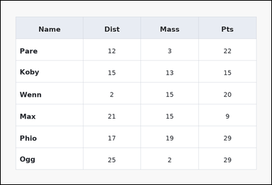 | 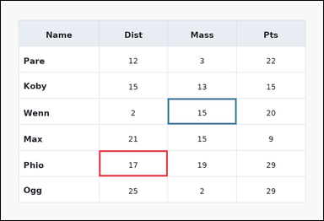 | task_tables_readout_subset_value | cell_difference_two_abs | You are given a table: a spreadsheet-style table with one Name column, several numeric columns, full grid lines, and a shaded header row. Use the table values to evaluate the queried cell expression. Find the absolute difference between the value from row Phio, column Dist and the value from row Wenn, column Mass. Return a valid JSON object with keys "evidence" and "answer" in that order. Evidence field: set "evidence" to an array containing exactly two bounding boxes [x1, y1, x2, y2] in the same order as the two queried cells. Answer field: set "answer" to the exact requested integer result. Example JSON: {"evidence":[[260,180,372,236],[374,180,486,236]],"answer":6} | You are given a table: a spreadsheet-style table with one Name column, several numeric columns, full grid lines, and a shaded header row. Use the table values to evaluate the queried cell expression. Find the absolute difference between the value from row Phio, column Dist and the value from row Wenn, column Mass. Return a valid JSON object with key "answer". Answer format: set "answer" to the exact requested integer result. Example JSON: {"answer":6} | {"evidence": [[286.08, 436.0, 486.72, 512.0], [486.72, 284.0, 687.36, 360.0]], "answer": 2} | [[286.08, 436.0, 486.72, 512.0], [486.72, 284.0, 687.36, 360.0]] | integer | bbox_set | 67148359296822 | task_tables_readout_subset_value/images/cell_difference_two_abs/0021.png | task_tables_readout_subset_value/data/cell_difference_two_abs/0021.json
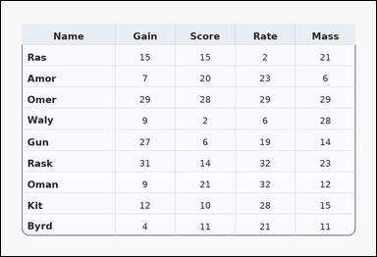 | 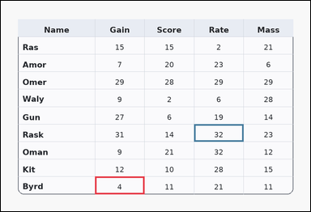 | task_tables_readout_subset_value | cell_difference_two_abs | The image shows a card-style table with one Name column, several numeric columns, a rounded outer frame, and a shaded header row. Answer this question. Read the two cell values at (Byrd, Gain) and (Rask, Rate) and report their absolute difference. Return a valid JSON object with keys "evidence" and "answer" in that order. Evidence rule: set "evidence" to an array containing exactly two bounding boxes [x1, y1, x2, y2] in the same order as the two queried cells. Answer rule: set "answer" to the exact requested integer result. Example JSON: {"evidence":[[260,180,372,236],[374,180,486,236]],"answer":6} | The image shows a card-style table with one Name column, several numeric columns, a rounded outer frame, and a shaded header row. Answer this question. Read the two cell values at (Byrd, Gain) and (Rask, Rate) and report their absolute difference. Return a valid JSON object with key "answer". Answer rule: set "answer" to the exact requested integer result. Example JSON: {"answer":6} | {"evidence": [[286.08, 534.8, 436.56, 588.0], [587.04, 375.2, 737.52, 428.4]], "answer": 28} | [[286.08, 534.8, 436.56, 588.0], [587.04, 375.2, 737.52, 428.4]] | integer | bbox_set | 964965728310269 | task_tables_readout_subset_value/images/cell_difference_two_abs/0020.png | task_tables_readout_subset_value/data/cell_difference_two_abs/0020.json
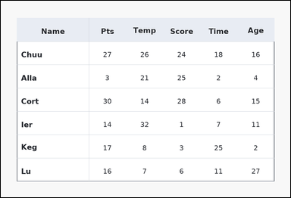 | 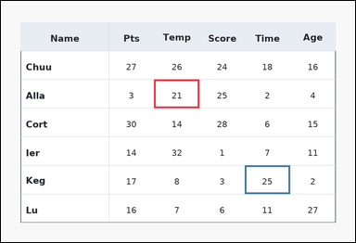 | task_tables_readout_subset_value | cell_difference_two_abs | Look at the table in the image. It shows a ledger-style table with one Name column, several numeric columns, strong horizontal rules, and minimal vertical separators. Read the table and report the requested value or two-cell result. Read the two cell values at (Alla, Temp) and (Keg, Time) and report their absolute difference. Return a valid JSON object with keys "evidence" and "answer" in that order. Evidence rule: set "evidence" to an array containing exactly two bounding boxes [x1, y1, x2, y2] in the same order as the two queried cells. Answer rule: set "answer" to the exact requested integer result. Example JSON: {"evidence":[[260,180,372,236],[374,180,486,236]],"answer":6} | Look at the table in the image. It shows a ledger-style table with one Name column, several numeric columns, strong horizontal rules, and minimal vertical separators. Read the table and report the requested value or two-cell result. Read the two cell values at (Alla, Temp) and (Keg, Time) and report their absolute difference. Return a valid JSON object with key "answer". Answer rule: set "answer" to the exact requested integer result. Example JSON: {"answer":6} | {"evidence": [[406.464, 208.0, 526.848, 284.0], [647.232, 436.0, 767.616, 512.0]], "answer": 4} | [[406.464, 208.0, 526.848, 284.0], [647.232, 436.0, 767.616, 512.0]] | integer | bbox_set | 1.125922927E+15 | task_tables_readout_subset_value/images/cell_difference_two_abs/0003.png | task_tables_readout_subset_value/data/cell_difference_two_abs/0003.json
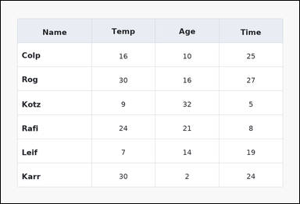 | 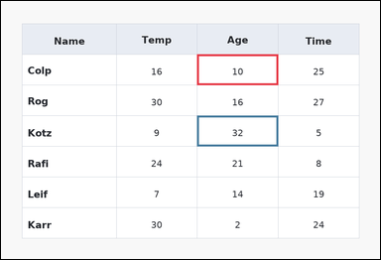 | task_tables_readout_subset_value | cell_difference_two_abs | Use the table in the image. It shows a spreadsheet-style table with one Name column, several numeric columns, full grid lines, and a shaded header row. Read the named table cell or cells and compute the requested result. Read the two cell values at (Colp, Age) and (Kotz, Age) and report their absolute difference. Return a valid JSON object with keys "evidence" and "answer" in that order. Evidence field: set "evidence" to an array containing exactly two bounding boxes [x1, y1, x2, y2] in the same order as the two queried cells. Answer field: set "answer" to the exact requested integer result. Example JSON: {"evidence":[[260,180,372,236],[374,180,486,236]],"answer":6} | Use the table in the image. It shows a spreadsheet-style table with one Name column, several numeric columns, full grid lines, and a shaded header row. Read the named table cell or cells and compute the requested result. Read the two cell values at (Colp, Age) and (Kotz, Age) and report their absolute difference. Return a valid JSON object with key "answer". Answer requirement: set "answer" to the exact requested integer result. Example JSON: {"answer":6} | {"evidence": [[486.72, 132.0, 687.36, 208.0], [486.72, 284.0, 687.36, 360.0]], "answer": 22} | [[486.72, 132.0, 687.36, 208.0], [486.72, 284.0, 687.36, 360.0]] | integer | bbox_set | 1.3876279342E+15 | task_tables_readout_subset_value/images/cell_difference_two_abs/0008.png | task_tables_readout_subset_value/data/cell_difference_two_abs/0008.json
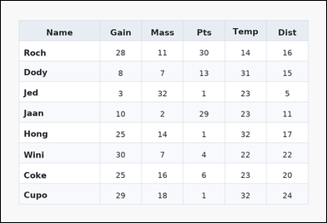 | 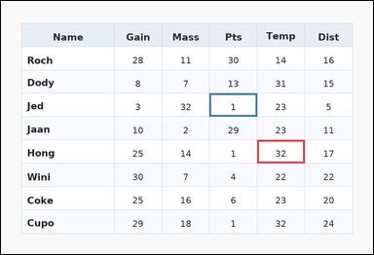 | task_tables_readout_subset_value | cell_difference_two_abs | Use the table in the image. It shows a zebra-striped table with one Name column, several numeric columns, alternating row shading, and a shaded header row. Use the table values to evaluate the queried cell expression. Read the two cell values at (Hong, Temp) and (Jed, Pts) and report their absolute difference. Return a valid JSON object with keys "evidence" and "answer" in that order. Evidence requirement: set "evidence" to an array containing exactly two bounding boxes [x1, y1, x2, y2] in the same order as the two queried cells. Answer format: set "answer" to the exact requested integer result. Example JSON: {"evidence":[[260,180,372,236],[374,180,486,236]],"answer":6} | Use the table in the image. It shows a zebra-striped table with one Name column, several numeric columns, alternating row shading, and a shaded header row. Use the table values to evaluate the queried cell expression. Read the two cell values at (Hong, Temp) and (Jed, Pts) and report their absolute difference. Return a valid JSON object with key "answer". Answer: set "answer" to the exact requested integer result. Example JSON: {"answer":6} | {"evidence": [[647.232, 351.556, 767.616, 410.667], [526.848, 233.333, 647.232, 292.444]], "answer": 31} | [[647.232, 351.556, 767.616, 410.667], [526.848, 233.333, 647.232, 292.444]] | integer | bbox_set | 1.5100480077E+15 | task_tables_readout_subset_value/images/cell_difference_two_abs/0017.png | task_tables_readout_subset_value/data/cell_difference_two_abs/0017.json
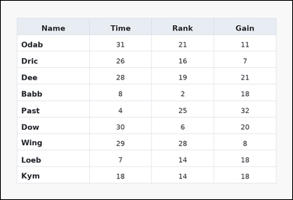 | 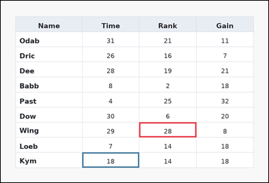 | task_tables_readout_subset_value | cell_difference_two_abs | The image shows a spreadsheet-style table with one Name column, several numeric columns, full grid lines, and a shaded header row. Read the named table cell or cells and compute the requested result. Read the two cell values at (Wing, Rank) and (Kym, Time) and report their absolute difference. Return a valid JSON object with keys "evidence" and "answer" in that order. Evidence requirement: set "evidence" to an array containing exactly two bounding boxes [x1, y1, x2, y2] in the same order as the two queried cells. Answer format: set "answer" to the exact requested integer result. Example JSON: {"evidence":[[260,180,372,236],[374,180,486,236]],"answer":6} | The image shows a spreadsheet-style table with one Name column, several numeric columns, full grid lines, and a shaded header row. Read the named table cell or cells and compute the requested result. Read the two cell values at (Wing, Rank) and (Kym, Time) and report their absolute difference. Return a valid JSON object with key "answer". Answer rule: set "answer" to the exact requested integer result. Example JSON: {"answer":6} | {"evidence": [[486.72, 428.4, 687.36, 481.6], [286.08, 534.8, 486.72, 588.0]], "answer": 10} | [[486.72, 428.4, 687.36, 481.6], [286.08, 534.8, 486.72, 588.0]] | integer | bbox_set | 1.9186775872E+15 | task_tables_readout_subset_value/images/cell_difference_two_abs/0016.png | task_tables_readout_subset_value/data/cell_difference_two_abs/0016.json
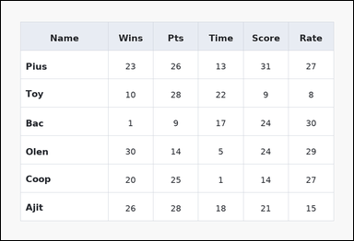 | 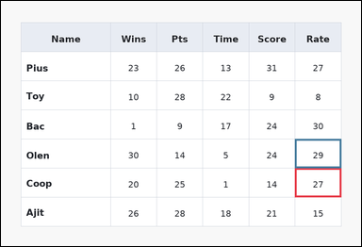 | task_tables_readout_subset_value | cell_difference_two_abs | Work from the styled table shown in the image: a spreadsheet-style table with one Name column, several numeric columns, full grid lines, and a shaded header row. Read the table and report the requested value or two-cell result. Find the absolute difference between the value from row Coop, column Rate and the value from row Olen, column Rate. Return a valid JSON object with keys "evidence" and "answer" in that order. Evidence format: set "evidence" to an array containing exactly two bounding boxes [x1, y1, x2, y2] in the same order as the two queried cells. Answer requirement: set "answer" to the exact requested integer result. Example JSON: {"evidence":[[260,180,372,236],[374,180,486,236]],"answer":6} | Work from the styled table shown in the image: a spreadsheet-style table with one Name column, several numeric columns, full grid lines, and a shaded header row. Read the table and report the requested value or two-cell result. Find the absolute difference between the value from row Coop, column Rate and the value from row Olen, column Rate. Return a valid JSON object with key "answer". Answer format: set "answer" to the exact requested integer result. Example JSON: {"answer":6} | {"evidence": [[767.616, 436.0, 888.0, 512.0], [767.616, 360.0, 888.0, 436.0]], "answer": 2} | [[767.616, 436.0, 888.0, 512.0], [767.616, 360.0, 888.0, 436.0]] | integer | bbox_set | 2.4267843144E+15 | task_tables_readout_subset_value/images/cell_difference_two_abs/0004.png | task_tables_readout_subset_value/data/cell_difference_two_abs/0004.json
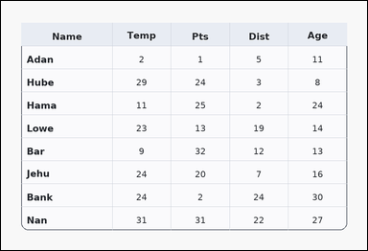 | 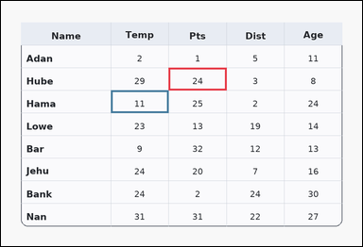 | task_tables_readout_subset_value | cell_difference_two_abs | Use the table in the image. It shows a card-style table with one Name column, several numeric columns, a rounded outer frame, and a shaded header row. Answer this question. What is the non-negative difference between the Pts entry for Hube and the Temp entry for Hama? Return a valid JSON object with keys "evidence" and "answer" in that order. Evidence field: set "evidence" to an array containing exactly two bounding boxes [x1, y1, x2, y2] in the same order as the two queried cells. Answer field: set "answer" to the exact requested integer result. Example JSON: {"evidence":[[260,180,372,236],[374,180,486,236]],"answer":6} | Use the table in the image. It shows a card-style table with one Name column, several numeric columns, a rounded outer frame, and a shaded header row. Answer this question. What is the non-negative difference between the Pts entry for Hube and the Temp entry for Hama? Return a valid JSON object with key "answer". Answer rule: set "answer" to the exact requested integer result. Example JSON: {"answer":6} | {"evidence": [[436.56, 174.222, 587.04, 233.333], [286.08, 233.333, 436.56, 292.444]], "answer": 13} | [[436.56, 174.222, 587.04, 233.333], [286.08, 233.333, 436.56, 292.444]] | integer | bbox_set | 2.4832430459E+15 | task_tables_readout_subset_value/images/cell_difference_two_abs/0022.png | task_tables_readout_subset_value/data/cell_difference_two_abs/0022.json
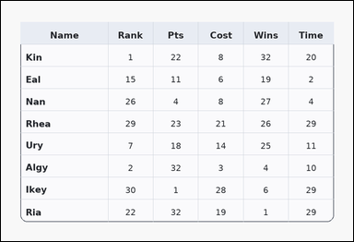 | 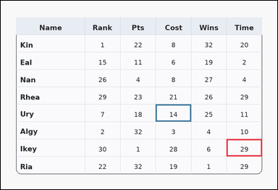 | task_tables_readout_subset_value | cell_difference_two_abs | Work from the styled table shown in the image: a card-style table with one Name column, several numeric columns, a rounded outer frame, and a shaded header row. Use the table values to evaluate the queried cell expression. Determine the absolute gap between the cells for row Ikey under Time and row Ury under Cost. Return a valid JSON object with keys "evidence" and "answer" in that order. Evidence field: set "evidence" to an array containing exactly two bounding boxes [x1, y1, x2, y2] in the same order as the two queried cells. Answer field: set "answer" to the exact requested integer result. Example JSON: {"evidence":[[260,180,372,236],[374,180,486,236]],"answer":6} | Work from the styled table shown in the image: a card-style table with one Name column, several numeric columns, a rounded outer frame, and a shaded header row. Use the table values to evaluate the queried cell expression. Determine the absolute gap between the cells for row Ikey under Time and row Ury under Cost. Return a valid JSON object with key "answer". Answer: set "answer" to the exact requested integer result. Example JSON: {"answer":6} | {"evidence": [[767.616, 469.778, 888.0, 528.889], [526.848, 351.556, 647.232, 410.667]], "answer": 15} | [[767.616, 469.778, 888.0, 528.889], [526.848, 351.556, 647.232, 410.667]] | integer | bbox_set | 2.6315399172E+15 | task_tables_readout_subset_value/images/cell_difference_two_abs/0019.png | task_tables_readout_subset_value/data/cell_difference_two_abs/0019.json
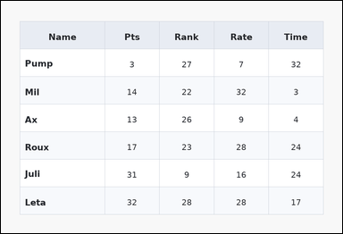 | 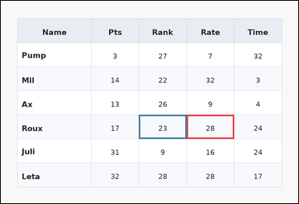 | task_tables_readout_subset_value | cell_difference_two_abs | You are given a table: a zebra-striped table with one Name column, several numeric columns, alternating row shading, and a shaded header row. Answer this question. What is the non-negative difference between the Rate entry for Roux and the Rank entry for Roux? Return a valid JSON object with keys "evidence" and "answer" in that order. Evidence format: set "evidence" to an array containing exactly two bounding boxes [x1, y1, x2, y2] in the same order as the two queried cells. Answer requirement: set "answer" to the exact requested integer result. Example JSON: {"evidence":[[260,180,372,236],[374,180,486,236]],"answer":6} | You are given a table: a zebra-striped table with one Name column, several numeric columns, alternating row shading, and a shaded header row. Answer this question. What is the non-negative difference between the Rate entry for Roux and the Rank entry for Roux? Return a valid JSON object with key "answer". Answer: set "answer" to the exact requested integer result. Example JSON: {"answer":6} | {"evidence": [[587.04, 360.0, 737.52, 436.0], [436.56, 360.0, 587.04, 436.0]], "answer": 5} | [[587.04, 360.0, 737.52, 436.0], [436.56, 360.0, 587.04, 436.0]] | integer | bbox_set | 3.0668947976E+15 | task_tables_readout_subset_value/images/cell_difference_two_abs/0018.png | task_tables_readout_subset_value/data/cell_difference_two_abs/0018.json
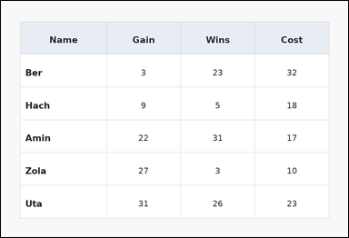 | 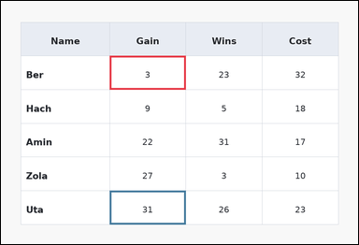 | task_tables_readout_subset_value | cell_difference_two_abs | Use the table in the image. It shows a spreadsheet-style table with one Name column, several numeric columns, full grid lines, and a shaded header row. Read the named table cell or cells and compute the requested result. Determine the absolute gap between the cells for row Ber under Gain and row Uta under Gain. Return a valid JSON object with keys "evidence" and "answer" in that order. Evidence requirement: set "evidence" to an array containing exactly two bounding boxes [x1, y1, x2, y2] in the same order as the two queried cells. Answer format: set "answer" to the exact requested integer result. Example JSON: {"evidence":[[260,180,372,236],[374,180,486,236]],"answer":6} | Use the table in the image. It shows a spreadsheet-style table with one Name column, several numeric columns, full grid lines, and a shaded header row. Read the named table cell or cells and compute the requested result. Determine the absolute gap between the cells for row Ber under Gain and row Uta under Gain. Return a valid JSON object with key "answer". Answer requirement: set "answer" to the exact requested integer result. Example JSON: {"answer":6} | {"evidence": [[286.08, 144.667, 486.72, 233.333], [286.08, 499.333, 486.72, 588.0]], "answer": 28} | [[286.08, 144.667, 486.72, 233.333], [286.08, 499.333, 486.72, 588.0]] | integer | bbox_set | 3.068738969E+15 | task_tables_readout_subset_value/images/cell_difference_two_abs/0001.png | task_tables_readout_subset_value/data/cell_difference_two_abs/0001.json
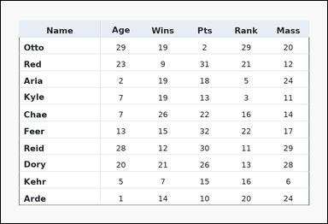 | 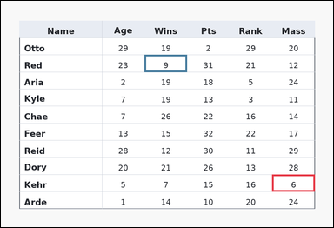 | task_tables_readout_subset_value | cell_difference_two_abs | Look at the table in the image. It shows a ledger-style table with one Name column, several numeric columns, strong horizontal rules, and minimal vertical separators. Use the table values to evaluate the queried cell expression. Determine the absolute gap between the cells for row Kehr under Mass and row Red under Wins. Return a valid JSON object with keys "evidence" and "answer" in that order. Evidence rule: set "evidence" to an array containing exactly two bounding boxes [x1, y1, x2, y2] in the same order as the two queried cells. Answer rule: set "answer" to the exact requested integer result. Example JSON: {"evidence":[[260,180,372,236],[374,180,486,236]],"answer":6} | Look at the table in the image. It shows a ledger-style table with one Name column, several numeric columns, strong horizontal rules, and minimal vertical separators. Use the table values to evaluate the queried cell expression. Determine the absolute gap between the cells for row Kehr under Mass and row Red under Wins. Return a valid JSON object with key "answer". Answer format: set "answer" to the exact requested integer result. Example JSON: {"answer":6} | {"evidence": [[767.616, 491.273, 888.0, 539.636], [406.464, 152.727, 526.848, 201.091]], "answer": 3} | [[767.616, 491.273, 888.0, 539.636], [406.464, 152.727, 526.848, 201.091]] | integer | bbox_set | 3.7023013927E+15 | task_tables_readout_subset_value/images/cell_difference_two_abs/0009.png | task_tables_readout_subset_value/data/cell_difference_two_abs/0009.json
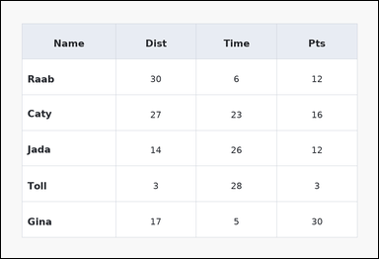 | 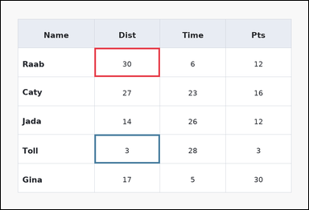 | task_tables_readout_subset_value | cell_difference_two_abs | Work from the styled table shown in the image: a spreadsheet-style table with one Name column, several numeric columns, full grid lines, and a shaded header row. Read the table and report the requested value or two-cell result. What is the non-negative difference between the Dist entry for Raab and the Dist entry for Toll? Return a valid JSON object with keys "evidence" and "answer" in that order. Evidence rule: set "evidence" to an array containing exactly two bounding boxes [x1, y1, x2, y2] in the same order as the two queried cells. Answer rule: set "answer" to the exact requested integer result. Example JSON: {"evidence":[[260,180,372,236],[374,180,486,236]],"answer":6} | Work from the styled table shown in the image: a spreadsheet-style table with one Name column, several numeric columns, full grid lines, and a shaded header row. Read the table and report the requested value or two-cell result. What is the non-negative difference between the Dist entry for Raab and the Dist entry for Toll? Return a valid JSON object with key "answer". Answer: set "answer" to the exact requested integer result. Example JSON: {"answer":6} | {"evidence": [[286.08, 144.667, 486.72, 233.333], [286.08, 410.667, 486.72, 499.333]], "answer": 27} | [[286.08, 144.667, 486.72, 233.333], [286.08, 410.667, 486.72, 499.333]] | integer | bbox_set | 3.7105094296E+15 | task_tables_readout_subset_value/images/cell_difference_two_abs/0014.png | task_tables_readout_subset_value/data/cell_difference_two_abs/0014.json
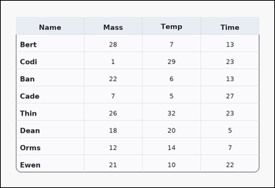 | 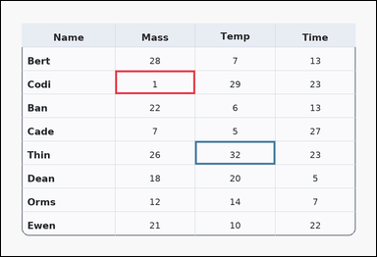 | task_tables_readout_subset_value | cell_difference_two_abs | Work from the styled table shown in the image: a card-style table with one Name column, several numeric columns, a rounded outer frame, and a shaded header row. Read the table and report the requested value or two-cell result. Read the two cell values at (Codi, Mass) and (Thin, Temp) and report their absolute difference. Return a valid JSON object with keys "evidence" and "answer" in that order. Evidence format: set "evidence" to an array containing exactly two bounding boxes [x1, y1, x2, y2] in the same order as the two queried cells. Answer requirement: set "answer" to the exact requested integer result. Example JSON: {"evidence":[[260,180,372,236],[374,180,486,236]],"answer":6} | Work from the styled table shown in the image: a card-style table with one Name column, several numeric columns, a rounded outer frame, and a shaded header row. Read the table and report the requested value or two-cell result. Read the two cell values at (Codi, Mass) and (Thin, Temp) and report their absolute difference. Return a valid JSON object with key "answer". Answer requirement: set "answer" to the exact requested integer result. Example JSON: {"answer":6} | {"evidence": [[286.08, 174.222, 486.72, 233.333], [486.72, 351.556, 687.36, 410.667]], "answer": 31} | [[286.08, 174.222, 486.72, 233.333], [486.72, 351.556, 687.36, 410.667]] | integer | bbox_set | 4.5839138417E+15 | task_tables_readout_subset_value/images/cell_difference_two_abs/0023.png | task_tables_readout_subset_value/data/cell_difference_two_abs/0023.json
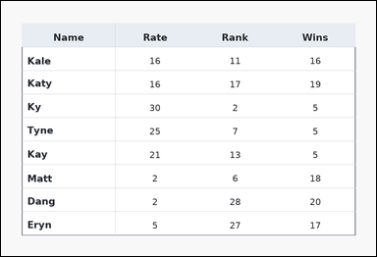 | 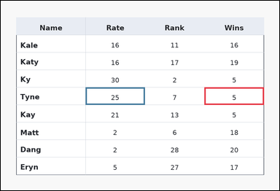 | task_tables_readout_subset_value | cell_difference_two_abs | The image shows a ledger-style table with one Name column, several numeric columns, strong horizontal rules, and minimal vertical separators. Read the named table cell or cells and compute the requested result. What is the absolute difference between the values in the cells at row Tyne, column Wins and row Tyne, column Rate? Return a valid JSON object with keys "evidence" and "answer" in that order. Evidence requirement: set "evidence" to an array containing exactly two bounding boxes [x1, y1, x2, y2] in the same order as the two queried cells. Answer format: set "answer" to the exact requested integer result. Example JSON: {"evidence":[[260,180,372,236],[374,180,486,236]],"answer":6} | The image shows a ledger-style table with one Name column, several numeric columns, strong horizontal rules, and minimal vertical separators. Read the named table cell or cells and compute the requested result. What is the absolute difference between the values in the cells at row Tyne, column Wins and row Tyne, column Rate? Return a valid JSON object with key "answer". Answer rule: set "answer" to the exact requested integer result. Example JSON: {"answer":6} | {"evidence": [[687.36, 292.444, 888.0, 351.556], [286.08, 292.444, 486.72, 351.556]], "answer": 20} | [[687.36, 292.444, 888.0, 351.556], [286.08, 292.444, 486.72, 351.556]] | integer | bbox_set | 4.8030570587E+15 | task_tables_readout_subset_value/images/cell_difference_two_abs/0012.png | task_tables_readout_subset_value/data/cell_difference_two_abs/0012.json
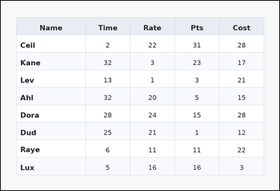 | 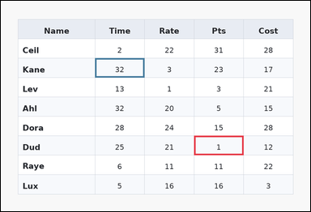 | task_tables_readout_subset_value | cell_difference_two_abs | Work from the styled table shown in the image: a zebra-striped table with one Name column, several numeric columns, alternating row shading, and a shaded header row. Find the requested integer result from the named row and column entries. What is the absolute difference between the values in the cells at row Dud, column Pts and row Kane, column Time? Return a valid JSON object with keys "evidence" and "answer" in that order. Evidence rule: set "evidence" to an array containing exactly two bounding boxes [x1, y1, x2, y2] in the same order as the two queried cells. Answer rule: set "answer" to the exact requested integer result. Example JSON: {"evidence":[[260,180,372,236],[374,180,486,236]],"answer":6} | Work from the styled table shown in the image: a zebra-striped table with one Name column, several numeric columns, alternating row shading, and a shaded header row. Find the requested integer result from the named row and column entries. What is the absolute difference between the values in the cells at row Dud, column Pts and row Kane, column Time? Return a valid JSON object with key "answer". Answer rule: set "answer" to the exact requested integer result. Example JSON: {"answer":6} | {"evidence": [[587.04, 410.667, 737.52, 469.778], [286.08, 174.222, 436.56, 233.333]], "answer": 31} | [[587.04, 410.667, 737.52, 469.778], [286.08, 174.222, 436.56, 233.333]] | integer | bbox_set | 5.031614944E+15 | task_tables_readout_subset_value/images/cell_difference_two_abs/0013.png | task_tables_readout_subset_value/data/cell_difference_two_abs/0013.json
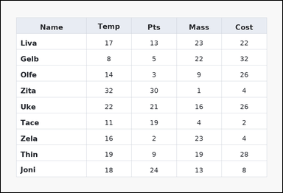 | 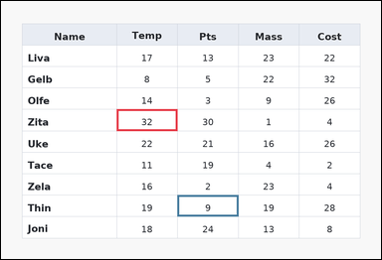 | task_tables_readout_subset_value | cell_difference_two_abs | Use the table in the image. It shows a spreadsheet-style table with one Name column, several numeric columns, full grid lines, and a shaded header row. Read the table and report the requested value or two-cell result. What is the absolute difference between the values in the cells at row Zita, column Temp and row Thin, column Pts? Return a valid JSON object with keys "evidence" and "answer" in that order. Evidence: set "evidence" to an array containing exactly two bounding boxes [x1, y1, x2, y2] in the same order as the two queried cells. Answer: set "answer" to the exact requested integer result. Example JSON: {"evidence":[[260,180,372,236],[374,180,486,236]],"answer":6} | Use the table in the image. It shows a spreadsheet-style table with one Name column, several numeric columns, full grid lines, and a shaded header row. Read the table and report the requested value or two-cell result. What is the absolute difference between the values in the cells at row Zita, column Temp and row Thin, column Pts? Return a valid JSON object with key "answer". Answer field: set "answer" to the exact requested integer result. Example JSON: {"answer":6} | {"evidence": [[286.08, 268.8, 436.56, 322.0], [436.56, 481.6, 587.04, 534.8]], "answer": 23} | [[286.08, 268.8, 436.56, 322.0], [436.56, 481.6, 587.04, 534.8]] | integer | bbox_set | 5.1370150414E+15 | task_tables_readout_subset_value/images/cell_difference_two_abs/0024.png | task_tables_readout_subset_value/data/cell_difference_two_abs/0024.json
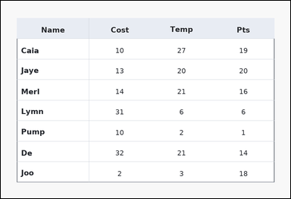 | 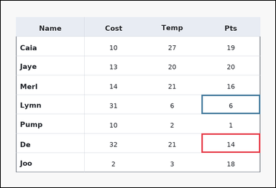 | task_tables_readout_subset_value | cell_difference_two_abs | Use the table in the image. It shows a ledger-style table with one Name column, several numeric columns, strong horizontal rules, and minimal vertical separators. Read the table and report the requested value or two-cell result. Determine the absolute gap between the cells for row De under Pts and row Lymn under Pts. Return a valid JSON object with keys "evidence" and "answer" in that order. Evidence format: set "evidence" to an array containing exactly two bounding boxes [x1, y1, x2, y2] in the same order as the two queried cells. Answer requirement: set "answer" to the exact requested integer result. Example JSON: {"evidence":[[260,180,372,236],[374,180,486,236]],"answer":6} | Use the table in the image. It shows a ledger-style table with one Name column, several numeric columns, strong horizontal rules, and minimal vertical separators. Read the table and report the requested value or two-cell result. Determine the absolute gap between the cells for row De under Pts and row Lymn under Pts. Return a valid JSON object with key "answer". Answer requirement: set "answer" to the exact requested integer result. Example JSON: {"answer":6} | {"evidence": [[687.36, 455.0, 888.0, 521.5], [687.36, 322.0, 888.0, 388.5]], "answer": 8} | [[687.36, 455.0, 888.0, 521.5], [687.36, 322.0, 888.0, 388.5]] | integer | bbox_set | 5.7854154163E+15 | task_tables_readout_subset_value/images/cell_difference_two_abs/0006.png | task_tables_readout_subset_value/data/cell_difference_two_abs/0006.json
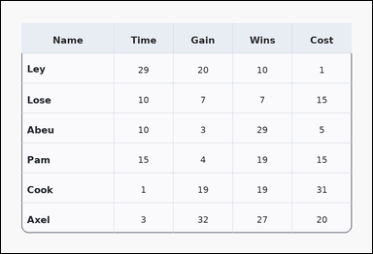 | 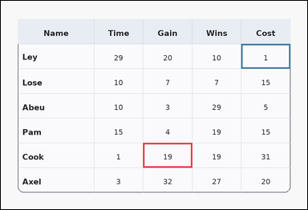 | task_tables_readout_subset_value | cell_difference_two_abs | You are given a table: a card-style table with one Name column, several numeric columns, a rounded outer frame, and a shaded header row. Read the table and report the requested value or two-cell result. What is the absolute difference between the values in the cells at row Cook, column Gain and row Ley, column Cost? Return a valid JSON object with keys "evidence" and "answer" in that order. Evidence field: set "evidence" to an array containing exactly two bounding boxes [x1, y1, x2, y2] in the same order as the two queried cells. Answer field: set "answer" to the exact requested integer result. Example JSON: {"evidence":[[260,180,372,236],[374,180,486,236]],"answer":6} | You are given a table: a card-style table with one Name column, several numeric columns, a rounded outer frame, and a shaded header row. Read the table and report the requested value or two-cell result. What is the absolute difference between the values in the cells at row Cook, column Gain and row Ley, column Cost? Return a valid JSON object with key "answer". Answer rule: set "answer" to the exact requested integer result. Example JSON: {"answer":6} | {"evidence": [[436.56, 436.0, 587.04, 512.0], [737.52, 132.0, 888.0, 208.0]], "answer": 18} | [[436.56, 436.0, 587.04, 512.0], [737.52, 132.0, 888.0, 208.0]] | integer | bbox_set | 6.2787732698E+15 | task_tables_readout_subset_value/images/cell_difference_two_abs/0015.png | task_tables_readout_subset_value/data/cell_difference_two_abs/0015.json
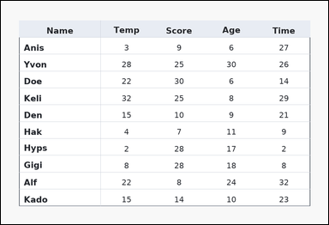 | 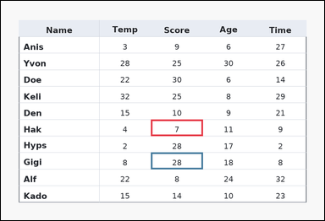 | task_tables_readout_subset_value | cell_difference_two_abs | Use the table in the image. It shows a ledger-style table with one Name column, several numeric columns, strong horizontal rules, and minimal vertical separators. Find the requested integer result from the named row and column entries. What is the non-negative difference between the Score entry for Hak and the Score entry for Gigi? Return a valid JSON object with keys "evidence" and "answer" in that order. Evidence rule: set "evidence" to an array containing exactly two bounding boxes [x1, y1, x2, y2] in the same order as the two queried cells. Answer rule: set "answer" to the exact requested integer result. Example JSON: {"evidence":[[260,180,372,236],[374,180,486,236]],"answer":6} | Use the table in the image. It shows a ledger-style table with one Name column, several numeric columns, strong horizontal rules, and minimal vertical separators. Find the requested integer result from the named row and column entries. What is the non-negative difference between the Score entry for Hak and the Score entry for Gigi? Return a valid JSON object with key "answer". Answer requirement: set "answer" to the exact requested integer result. Example JSON: {"answer":6} | {"evidence": [[436.56, 346.182, 587.04, 394.545], [436.56, 442.909, 587.04, 491.273]], "answer": 21} | [[436.56, 346.182, 587.04, 394.545], [436.56, 442.909, 587.04, 491.273]] | integer | bbox_set | 6.3698823757E+15 | task_tables_readout_subset_value/images/cell_difference_two_abs/0011.png | task_tables_readout_subset_value/data/cell_difference_two_abs/0011.json
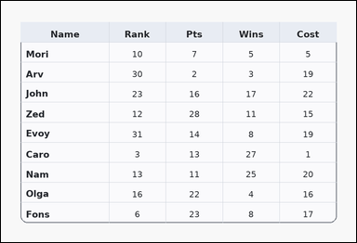 | 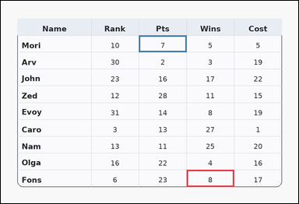 | task_tables_readout_subset_value | cell_difference_two_abs | Use the table in the image. It shows a card-style table with one Name column, several numeric columns, a rounded outer frame, and a shaded header row. Read the table and report the requested value or two-cell result. What is the absolute difference between the values in the cells at row Fons, column Wins and row Mori, column Pts? Return a valid JSON object with keys "evidence" and "answer" in that order. Evidence format: set "evidence" to an array containing exactly two bounding boxes [x1, y1, x2, y2] in the same order as the two queried cells. Answer requirement: set "answer" to the exact requested integer result. Example JSON: {"evidence":[[260,180,372,236],[374,180,486,236]],"answer":6} | Use the table in the image. It shows a card-style table with one Name column, several numeric columns, a rounded outer frame, and a shaded header row. Read the table and report the requested value or two-cell result. What is the absolute difference between the values in the cells at row Fons, column Wins and row Mori, column Pts? Return a valid JSON object with key "answer". Answer rule: set "answer" to the exact requested integer result. Example JSON: {"answer":6} | {"evidence": [[587.04, 534.8, 737.52, 588.0], [436.56, 109.2, 587.04, 162.4]], "answer": 1} | [[587.04, 534.8, 737.52, 588.0], [436.56, 109.2, 587.04, 162.4]] | integer | bbox_set | 6.4288206703E+15 | task_tables_readout_subset_value/images/cell_difference_two_abs/0000.png | task_tables_readout_subset_value/data/cell_difference_two_abs/0000.json
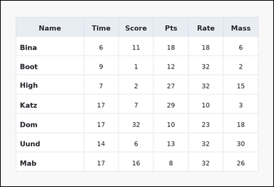 | 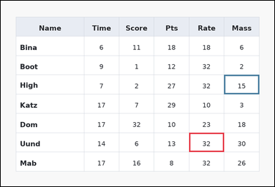 | task_tables_readout_subset_value | cell_difference_two_abs | Use the table in the image. It shows a spreadsheet-style table with one Name column, several numeric columns, full grid lines, and a shaded header row. Read the named table cell or cells and compute the requested result. Find the absolute difference between the value from row Uund, column Rate and the value from row High, column Mass. Return a valid JSON object with keys "evidence" and "answer" in that order. Evidence: set "evidence" to an array containing exactly two bounding boxes [x1, y1, x2, y2] in the same order as the two queried cells. Answer: set "answer" to the exact requested integer result. Example JSON: {"evidence":[[260,180,372,236],[374,180,486,236]],"answer":6} | Use the table in the image. It shows a spreadsheet-style table with one Name column, several numeric columns, full grid lines, and a shaded header row. Read the named table cell or cells and compute the requested result. Find the absolute difference between the value from row Uund, column Rate and the value from row High, column Mass. Return a valid JSON object with key "answer". Answer rule: set "answer" to the exact requested integer result. Example JSON: {"answer":6} | {"evidence": [[647.232, 455.0, 767.616, 521.5], [767.616, 255.5, 888.0, 322.0]], "answer": 17} | [[647.232, 455.0, 767.616, 521.5], [767.616, 255.5, 888.0, 322.0]] | integer | bbox_set | 6.5749131088E+15 | task_tables_readout_subset_value/images/cell_difference_two_abs/0007.png | task_tables_readout_subset_value/data/cell_difference_two_abs/0007.json
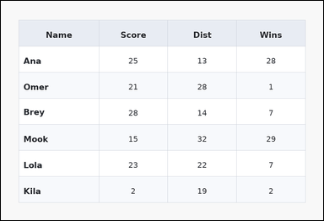 | 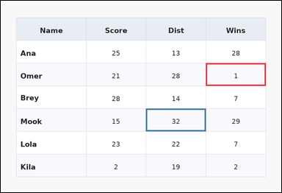 | task_tables_readout_subset_value | cell_difference_two_abs | Look at the table in the image. It shows a zebra-striped table with one Name column, several numeric columns, alternating row shading, and a shaded header row. Use the table values to evaluate the queried cell expression. What is the absolute difference between the values in the cells at row Omer, column Wins and row Mook, column Dist? Return a valid JSON object with keys "evidence" and "answer" in that order. Evidence field: set "evidence" to an array containing exactly two bounding boxes [x1, y1, x2, y2] in the same order as the two queried cells. Answer field: set "answer" to the exact requested integer result. Example JSON: {"evidence":[[260,180,372,236],[374,180,486,236]],"answer":6} | Look at the table in the image. It shows a zebra-striped table with one Name column, several numeric columns, alternating row shading, and a shaded header row. Use the table values to evaluate the queried cell expression. What is the absolute difference between the values in the cells at row Omer, column Wins and row Mook, column Dist? Return a valid JSON object with key "answer". Answer: set "answer" to the exact requested integer result. Example JSON: {"answer":6} | {"evidence": [[687.36, 208.0, 888.0, 284.0], [486.72, 360.0, 687.36, 436.0]], "answer": 31} | [[687.36, 208.0, 888.0, 284.0], [486.72, 360.0, 687.36, 436.0]] | integer | bbox_set | 7.1433347062E+15 | task_tables_readout_subset_value/images/cell_difference_two_abs/0010.png | task_tables_readout_subset_value/data/cell_difference_two_abs/0010.json
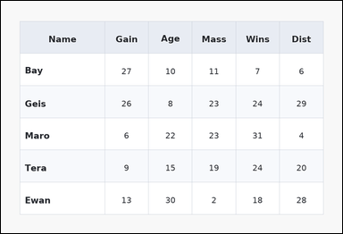 | 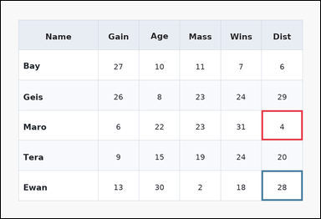 | task_tables_readout_subset_value | cell_difference_two_abs | The image shows a zebra-striped table with one Name column, several numeric columns, alternating row shading, and a shaded header row. Read the table and report the requested value or two-cell result. What is the non-negative difference between the Dist entry for Maro and the Dist entry for Ewan? Return a valid JSON object with keys "evidence" and "answer" in that order. Evidence rule: set "evidence" to an array containing exactly two bounding boxes [x1, y1, x2, y2] in the same order as the two queried cells. Answer rule: set "answer" to the exact requested integer result. Example JSON: {"evidence":[[260,180,372,236],[374,180,486,236]],"answer":6} | The image shows a zebra-striped table with one Name column, several numeric columns, alternating row shading, and a shaded header row. Read the table and report the requested value or two-cell result. What is the non-negative difference between the Dist entry for Maro and the Dist entry for Ewan? Return a valid JSON object with key "answer". Answer requirement: set "answer" to the exact requested integer result. Example JSON: {"answer":6} | {"evidence": [[767.616, 322.0, 888.0, 410.667], [767.616, 499.333, 888.0, 588.0]], "answer": 24} | [[767.616, 322.0, 888.0, 410.667], [767.616, 499.333, 888.0, 588.0]] | integer | bbox_set | 7.3528513873E+15 | task_tables_readout_subset_value/images/cell_difference_two_abs/0002.png | task_tables_readout_subset_value/data/cell_difference_two_abs/0002.json
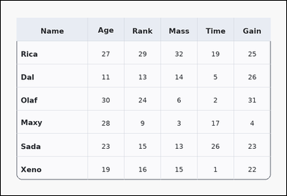 | 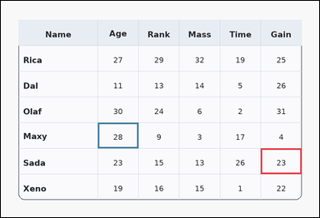 | task_tables_readout_subset_value | cell_difference_two_abs | Look at the table in the image. It shows a card-style table with one Name column, several numeric columns, a rounded outer frame, and a shaded header row. Answer this question. Read the two cell values at (Sada, Gain) and (Maxy, Age) and report their absolute difference. Return a valid JSON object with keys "evidence" and "answer" in that order. Evidence: set "evidence" to an array containing exactly two bounding boxes [x1, y1, x2, y2] in the same order as the two queried cells. Answer: set "answer" to the exact requested integer result. Example JSON: {"evidence":[[260,180,372,236],[374,180,486,236]],"answer":6} | Look at the table in the image. It shows a card-style table with one Name column, several numeric columns, a rounded outer frame, and a shaded header row. Answer this question. Read the two cell values at (Sada, Gain) and (Maxy, Age) and report their absolute difference. Return a valid JSON object with key "answer". Answer requirement: set "answer" to the exact requested integer result. Example JSON: {"answer":6} | {"evidence": [[767.616, 436.0, 888.0, 512.0], [286.08, 360.0, 406.464, 436.0]], "answer": 5} | [[767.616, 436.0, 888.0, 512.0], [286.08, 360.0, 406.464, 436.0]] | integer | bbox_set | 7.6537265295E+15 | task_tables_readout_subset_value/images/cell_difference_two_abs/0005.png | task_tables_readout_subset_value/data/cell_difference_two_abs/0005.json

cell_lookup
image | evidence_image | task | task_variant | prompt | prompt_answer_only | answer | answer_evidence | answer_type | evidence_type | instance_seed | image_path | data_path
 |  | task_tables_readout_subset_value | cell_lookup | Use the table in the image. It shows a card-style table with one Name column, several numeric columns, a rounded outer frame, and a shaded header row. Find the requested integer result from the named row and column entries. Determine the value where row Pyne intersects column Time. Return a valid JSON object with keys "evidence" and "answer" in that order. Evidence rule: set "evidence" to an array containing exactly one bounding box [x1, y1, x2, y2] for the queried supporting cell. Answer rule: set "answer" to the exact requested integer result. Example JSON: {"evidence":[[260,180,372,236]],"answer":17} | Use the table in the image. It shows a card-style table with one Name column, several numeric columns, a rounded outer frame, and a shaded header row. Find the requested integer result from the named row and column entries. Determine the value where row Pyne intersects column Time. Return a valid JSON object with key "answer". Answer: set "answer" to the exact requested integer result. Example JSON: {"answer":17} | {"evidence": [[737.52, 144.667, 888.0, 233.333]], "answer": 14} | [[737.52, 144.667, 888.0, 233.333]] | integer | bbox_set | 252144390288170 | task_tables_readout_subset_value/images/cell_lookup/0001.png | task_tables_readout_subset_value/data/cell_lookup/0001.json
 |  | task_tables_readout_subset_value | cell_lookup | Work from the styled table shown in the image: a spreadsheet-style table with one Name column, several numeric columns, full grid lines, and a shaded header row. Find the requested integer result from the named row and column entries. What value is in the cell at row Kape and column Rate? Return a valid JSON object with keys "evidence" and "answer" in that order. Evidence requirement: set "evidence" to an array containing exactly one bounding box [x1, y1, x2, y2] for the queried supporting cell. Answer format: set "answer" to the exact requested integer result. Example JSON: {"evidence":[[260,180,372,236]],"answer":17} | Work from the styled table shown in the image: a spreadsheet-style table with one Name column, several numeric columns, full grid lines, and a shaded header row. Find the requested integer result from the named row and column entries. What value is in the cell at row Kape and column Rate? Return a valid JSON object with key "answer". Answer rule: set "answer" to the exact requested integer result. Example JSON: {"answer":17} | {"evidence": [[737.52, 189.0, 888.0, 255.5]], "answer": 31} | [[737.52, 189.0, 888.0, 255.5]] | integer | bbox_set | 350460880164375 | task_tables_readout_subset_value/images/cell_lookup/0023.png | task_tables_readout_subset_value/data/cell_lookup/0023.json
 |  | task_tables_readout_subset_value | cell_lookup | Look at the table in the image. It shows a zebra-striped table with one Name column, several numeric columns, alternating row shading, and a shaded header row. Find the requested integer result from the named row and column entries. Read the cell for row Rye under the Gain column. What value does it show? Return a valid JSON object with keys "evidence" and "answer" in that order. Evidence rule: set "evidence" to an array containing exactly one bounding box [x1, y1, x2, y2] for the queried supporting cell. Answer rule: set "answer" to the exact requested integer result. Example JSON: {"evidence":[[260,180,372,236]],"answer":17} | Look at the table in the image. It shows a zebra-striped table with one Name column, several numeric columns, alternating row shading, and a shaded header row. Find the requested integer result from the named row and column entries. Read the cell for row Rye under the Gain column. What value does it show? Return a valid JSON object with key "answer". Answer format: set "answer" to the exact requested integer result. Example JSON: {"answer":17} | {"evidence": [[767.616, 512.0, 888.0, 588.0]], "answer": 17} | [[767.616, 512.0, 888.0, 588.0]] | integer | bbox_set | 460664629239634 | task_tables_readout_subset_value/images/cell_lookup/0012.png | task_tables_readout_subset_value/data/cell_lookup/0012.json
 |  | task_tables_readout_subset_value | cell_lookup | Look at the table in the image. It shows a card-style table with one Name column, several numeric columns, a rounded outer frame, and a shaded header row. Answer this question. Determine the value where row Cox intersects column Age. Return a valid JSON object with keys "evidence" and "answer" in that order. Evidence rule: set "evidence" to an array containing exactly one bounding box [x1, y1, x2, y2] for the queried supporting cell. Answer rule: set "answer" to the exact requested integer result. Example JSON: {"evidence":[[260,180,372,236]],"answer":17} | Look at the table in the image. It shows a card-style table with one Name column, several numeric columns, a rounded outer frame, and a shaded header row. Answer this question. Determine the value where row Cox intersects column Age. Return a valid JSON object with key "answer". Answer field: set "answer" to the exact requested integer result. Example JSON: {"answer":17} | {"evidence": [[767.616, 152.727, 888.0, 201.091]], "answer": 1} | [[767.616, 152.727, 888.0, 201.091]] | integer | bbox_set | 594648516272303 | task_tables_readout_subset_value/images/cell_lookup/0009.png | task_tables_readout_subset_value/data/cell_lookup/0009.json
 |  | task_tables_readout_subset_value | cell_lookup | Use the table in the image. It shows a spreadsheet-style table with one Name column, several numeric columns, full grid lines, and a shaded header row. Read the table and report the requested value or two-cell result. Find the integer in the Cost column for row Jory. Return a valid JSON object with keys "evidence" and "answer" in that order. Evidence format: set "evidence" to an array containing exactly one bounding box [x1, y1, x2, y2] for the queried supporting cell. Answer requirement: set "answer" to the exact requested integer result. Example JSON: {"evidence":[[260,180,372,236]],"answer":17} | Use the table in the image. It shows a spreadsheet-style table with one Name column, several numeric columns, full grid lines, and a shaded header row. Read the table and report the requested value or two-cell result. Find the integer in the Cost column for row Jory. Return a valid JSON object with key "answer". Answer format: set "answer" to the exact requested integer result. Example JSON: {"answer":17} | {"evidence": [[286.08, 249.455, 406.464, 297.818]], "answer": 8} | [[286.08, 249.455, 406.464, 297.818]] | integer | bbox_set | 823179257971144 | task_tables_readout_subset_value/images/cell_lookup/0019.png | task_tables_readout_subset_value/data/cell_lookup/0019.json
 |  | task_tables_readout_subset_value | cell_lookup | Look at the table in the image. It shows a spreadsheet-style table with one Name column, several numeric columns, full grid lines, and a shaded header row. Answer this question. Determine the value where row Ming intersects column Rate. Return a valid JSON object with keys "evidence" and "answer" in that order. Evidence: set "evidence" to an array containing exactly one bounding box [x1, y1, x2, y2] for the queried supporting cell. Answer: set "answer" to the exact requested integer result. Example JSON: {"evidence":[[260,180,372,236]],"answer":17} | Look at the table in the image. It shows a spreadsheet-style table with one Name column, several numeric columns, full grid lines, and a shaded header row. Answer this question. Determine the value where row Ming intersects column Rate. Return a valid JSON object with key "answer". Answer rule: set "answer" to the exact requested integer result. Example JSON: {"answer":17} | {"evidence": [[587.04, 284.0, 737.52, 360.0]], "answer": 20} | [[587.04, 284.0, 737.52, 360.0]] | integer | bbox_set | 1.0482943195E+15 | task_tables_readout_subset_value/images/cell_lookup/0024.png | task_tables_readout_subset_value/data/cell_lookup/0024.json
 |  | task_tables_readout_subset_value | cell_lookup | Use the table in the image. It shows a ledger-style table with one Name column, several numeric columns, strong horizontal rules, and minimal vertical separators. Use the table values to evaluate the queried cell expression. What integer appears at the Dist entry for row Diaz? Return a valid JSON object with keys "evidence" and "answer" in that order. Evidence field: set "evidence" to an array containing exactly one bounding box [x1, y1, x2, y2] for the queried supporting cell. Answer field: set "answer" to the exact requested integer result. Example JSON: {"evidence":[[260,180,372,236]],"answer":17} | Use the table in the image. It shows a ledger-style table with one Name column, several numeric columns, strong horizontal rules, and minimal vertical separators. Use the table values to evaluate the queried cell expression. What integer appears at the Dist entry for row Diaz? Return a valid JSON object with key "answer". Answer requirement: set "answer" to the exact requested integer result. Example JSON: {"answer":17} | {"evidence": [[526.848, 428.4, 647.232, 481.6]], "answer": 19} | [[526.848, 428.4, 647.232, 481.6]] | integer | bbox_set | 1.5634627403E+15 | task_tables_readout_subset_value/images/cell_lookup/0020.png | task_tables_readout_subset_value/data/cell_lookup/0020.json
 |  | task_tables_readout_subset_value | cell_lookup | Look at the table in the image. It shows a ledger-style table with one Name column, several numeric columns, strong horizontal rules, and minimal vertical separators. Find the requested integer result from the named row and column entries. Read the cell for row Pris under the Score column. What value does it show? Return a valid JSON object with keys "evidence" and "answer" in that order. Evidence requirement: set "evidence" to an array containing exactly one bounding box [x1, y1, x2, y2] for the queried supporting cell. Answer format: set "answer" to the exact requested integer result. Example JSON: {"evidence":[[260,180,372,236]],"answer":17} | Look at the table in the image. It shows a ledger-style table with one Name column, several numeric columns, strong horizontal rules, and minimal vertical separators. Find the requested integer result from the named row and column entries. Read the cell for row Pris under the Score column. What value does it show? Return a valid JSON object with key "answer". Answer: set "answer" to the exact requested integer result. Example JSON: {"answer":17} | {"evidence": [[286.08, 521.5, 436.56, 588.0]], "answer": 1} | [[286.08, 521.5, 436.56, 588.0]] | integer | bbox_set | 1.5974334071E+15 | task_tables_readout_subset_value/images/cell_lookup/0017.png | task_tables_readout_subset_value/data/cell_lookup/0017.json
 |  | task_tables_readout_subset_value | cell_lookup | The image shows a ledger-style table with one Name column, several numeric columns, strong horizontal rules, and minimal vertical separators. Use the table values to evaluate the queried cell expression. What integer appears at the Dist entry for row Deck? Return a valid JSON object with keys "evidence" and "answer" in that order. Evidence: set "evidence" to an array containing exactly one bounding box [x1, y1, x2, y2] for the queried supporting cell. Answer: set "answer" to the exact requested integer result. Example JSON: {"evidence":[[260,180,372,236]],"answer":17} | The image shows a ledger-style table with one Name column, several numeric columns, strong horizontal rules, and minimal vertical separators. Use the table values to evaluate the queried cell expression. What integer appears at the Dist entry for row Deck? Return a valid JSON object with key "answer". Answer format: set "answer" to the exact requested integer result. Example JSON: {"answer":17} | {"evidence": [[286.08, 208.0, 406.464, 284.0]], "answer": 25} | [[286.08, 208.0, 406.464, 284.0]] | integer | bbox_set | 3.2320060617E+15 | task_tables_readout_subset_value/images/cell_lookup/0002.png | task_tables_readout_subset_value/data/cell_lookup/0002.json
 |  | task_tables_readout_subset_value | cell_lookup | Look at the table in the image. It shows a ledger-style table with one Name column, several numeric columns, strong horizontal rules, and minimal vertical separators. Use the table values to evaluate the queried cell expression. What integer appears at the Mass entry for row Mari? Return a valid JSON object with keys "evidence" and "answer" in that order. Evidence rule: set "evidence" to an array containing exactly one bounding box [x1, y1, x2, y2] for the queried supporting cell. Answer rule: set "answer" to the exact requested integer result. Example JSON: {"evidence":[[260,180,372,236]],"answer":17} | Look at the table in the image. It shows a ledger-style table with one Name column, several numeric columns, strong horizontal rules, and minimal vertical separators. Use the table values to evaluate the queried cell expression. What integer appears at the Mass entry for row Mari? Return a valid JSON object with key "answer". Answer: set "answer" to the exact requested integer result. Example JSON: {"answer":17} | {"evidence": [[436.56, 132.0, 587.04, 208.0]], "answer": 9} | [[436.56, 132.0, 587.04, 208.0]] | integer | bbox_set | 4.2621703514E+15 | task_tables_readout_subset_value/images/cell_lookup/0011.png | task_tables_readout_subset_value/data/cell_lookup/0011.json
 |  | task_tables_readout_subset_value | cell_lookup | Look at the table in the image. It shows a zebra-striped table with one Name column, several numeric columns, alternating row shading, and a shaded header row. Use the table values to evaluate the queried cell expression. Determine the value where row Bel intersects column Mass. Return a valid JSON object with keys "evidence" and "answer" in that order. Evidence rule: set "evidence" to an array containing exactly one bounding box [x1, y1, x2, y2] for the queried supporting cell. Answer rule: set "answer" to the exact requested integer result. Example JSON: {"evidence":[[260,180,372,236]],"answer":17} | Look at the table in the image. It shows a zebra-striped table with one Name column, several numeric columns, alternating row shading, and a shaded header row. Use the table values to evaluate the queried cell expression. Determine the value where row Bel intersects column Mass. Return a valid JSON object with key "answer". Answer field: set "answer" to the exact requested integer result. Example JSON: {"answer":17} | {"evidence": [[286.08, 144.667, 486.72, 233.333]], "answer": 12} | [[286.08, 144.667, 486.72, 233.333]] | integer | bbox_set | 4.648484597E+15 | task_tables_readout_subset_value/images/cell_lookup/0007.png | task_tables_readout_subset_value/data/cell_lookup/0007.json
 |  | task_tables_readout_subset_value | cell_lookup | Work from the styled table shown in the image: a spreadsheet-style table with one Name column, several numeric columns, full grid lines, and a shaded header row. Answer this question. Read the cell for row Fein under the Age column. What value does it show? Return a valid JSON object with keys "evidence" and "answer" in that order. Evidence requirement: set "evidence" to an array containing exactly one bounding box [x1, y1, x2, y2] for the queried supporting cell. Answer format: set "answer" to the exact requested integer result. Example JSON: {"evidence":[[260,180,372,236]],"answer":17} | Work from the styled table shown in the image: a spreadsheet-style table with one Name column, several numeric columns, full grid lines, and a shaded header row. Answer this question. Read the cell for row Fein under the Age column. What value does it show? Return a valid JSON object with key "answer". Answer format: set "answer" to the exact requested integer result. Example JSON: {"answer":17} | {"evidence": [[587.04, 152.727, 737.52, 201.091]], "answer": 15} | [[587.04, 152.727, 737.52, 201.091]] | integer | bbox_set | 4.7142248403E+15 | task_tables_readout_subset_value/images/cell_lookup/0000.png | task_tables_readout_subset_value/data/cell_lookup/0000.json
 |  | task_tables_readout_subset_value | cell_lookup | Look at the table in the image. It shows a zebra-striped table with one Name column, several numeric columns, alternating row shading, and a shaded header row. Find the requested integer result from the named row and column entries. What integer appears at the Rank entry for row Torp? Return a valid JSON object with keys "evidence" and "answer" in that order. Evidence rule: set "evidence" to an array containing exactly one bounding box [x1, y1, x2, y2] for the queried supporting cell. Answer rule: set "answer" to the exact requested integer result. Example JSON: {"evidence":[[260,180,372,236]],"answer":17} | Look at the table in the image. It shows a zebra-striped table with one Name column, several numeric columns, alternating row shading, and a shaded header row. Find the requested integer result from the named row and column entries. What integer appears at the Rank entry for row Torp? Return a valid JSON object with key "answer". Answer: set "answer" to the exact requested integer result. Example JSON: {"answer":17} | {"evidence": [[687.36, 174.222, 888.0, 233.333]], "answer": 21} | [[687.36, 174.222, 888.0, 233.333]] | integer | bbox_set | 4.7242307158E+15 | task_tables_readout_subset_value/images/cell_lookup/0016.png | task_tables_readout_subset_value/data/cell_lookup/0016.json
 |  | task_tables_readout_subset_value | cell_lookup | You are given a table: a zebra-striped table with one Name column, several numeric columns, alternating row shading, and a shaded header row. Read the named table cell or cells and compute the requested result. Find the integer in the Rank column for row Hays. Return a valid JSON object with keys "evidence" and "answer" in that order. Evidence requirement: set "evidence" to an array containing exactly one bounding box [x1, y1, x2, y2] for the queried supporting cell. Answer format: set "answer" to the exact requested integer result. Example JSON: {"evidence":[[260,180,372,236]],"answer":17} | You are given a table: a zebra-striped table with one Name column, several numeric columns, alternating row shading, and a shaded header row. Read the named table cell or cells and compute the requested result. Find the integer in the Rank column for row Hays. Return a valid JSON object with key "answer". Answer requirement: set "answer" to the exact requested integer result. Example JSON: {"answer":17} | {"evidence": [[737.52, 469.778, 888.0, 528.889]], "answer": 8} | [[737.52, 469.778, 888.0, 528.889]] | integer | bbox_set | 4.730863616E+15 | task_tables_readout_subset_value/images/cell_lookup/0013.png | task_tables_readout_subset_value/data/cell_lookup/0013.json
 |  | task_tables_readout_subset_value | cell_lookup | Work from the styled table shown in the image: a spreadsheet-style table with one Name column, several numeric columns, full grid lines, and a shaded header row. Use the table values to evaluate the queried cell expression. Read the cell for row Kee under the Time column. What value does it show? Return a valid JSON object with keys "evidence" and "answer" in that order. Evidence format: set "evidence" to an array containing exactly one bounding box [x1, y1, x2, y2] for the queried supporting cell. Answer requirement: set "answer" to the exact requested integer result. Example JSON: {"evidence":[[260,180,372,236]],"answer":17} | Work from the styled table shown in the image: a spreadsheet-style table with one Name column, several numeric columns, full grid lines, and a shaded header row. Use the table values to evaluate the queried cell expression. Read the cell for row Kee under the Time column. What value does it show? Return a valid JSON object with key "answer". Answer field: set "answer" to the exact requested integer result. Example JSON: {"answer":17} | {"evidence": [[767.616, 534.8, 888.0, 588.0]], "answer": 7} | [[767.616, 534.8, 888.0, 588.0]] | integer | bbox_set | 4.987164228E+15 | task_tables_readout_subset_value/images/cell_lookup/0014.png | task_tables_readout_subset_value/data/cell_lookup/0014.json
 |  | task_tables_readout_subset_value | cell_lookup | Look at the table in the image. It shows a spreadsheet-style table with one Name column, several numeric columns, full grid lines, and a shaded header row. Read the named table cell or cells and compute the requested result. Determine the value where row Eden intersects column Mass. Return a valid JSON object with keys "evidence" and "answer" in that order. Evidence requirement: set "evidence" to an array containing exactly one bounding box [x1, y1, x2, y2] for the queried supporting cell. Answer format: set "answer" to the exact requested integer result. Example JSON: {"evidence":[[260,180,372,236]],"answer":17} | Look at the table in the image. It shows a spreadsheet-style table with one Name column, several numeric columns, full grid lines, and a shaded header row. Read the named table cell or cells and compute the requested result. Determine the value where row Eden intersects column Mass. Return a valid JSON object with key "answer". Answer: set "answer" to the exact requested integer result. Example JSON: {"answer":17} | {"evidence": [[286.08, 233.333, 486.72, 292.444]], "answer": 9} | [[286.08, 233.333, 486.72, 292.444]] | integer | bbox_set | 6.2257695837E+15 | task_tables_readout_subset_value/images/cell_lookup/0022.png | task_tables_readout_subset_value/data/cell_lookup/0022.json
 |  | task_tables_readout_subset_value | cell_lookup | The image shows a zebra-striped table with one Name column, several numeric columns, alternating row shading, and a shaded header row. Answer this question. What integer appears at the Wins entry for row Ange? Return a valid JSON object with keys "evidence" and "answer" in that order. Evidence field: set "evidence" to an array containing exactly one bounding box [x1, y1, x2, y2] for the queried supporting cell. Answer field: set "answer" to the exact requested integer result. Example JSON: {"evidence":[[260,180,372,236]],"answer":17} | The image shows a zebra-striped table with one Name column, several numeric columns, alternating row shading, and a shaded header row. Answer this question. What integer appears at the Wins entry for row Ange? Return a valid JSON object with key "answer". Answer rule: set "answer" to the exact requested integer result. Example JSON: {"answer":17} | {"evidence": [[687.36, 233.333, 888.0, 322.0]], "answer": 16} | [[687.36, 233.333, 888.0, 322.0]] | integer | bbox_set | 6.6236261074E+15 | task_tables_readout_subset_value/images/cell_lookup/0021.png | task_tables_readout_subset_value/data/cell_lookup/0021.json
 |  | task_tables_readout_subset_value | cell_lookup | Use the table in the image. It shows a ledger-style table with one Name column, several numeric columns, strong horizontal rules, and minimal vertical separators. Find the requested integer result from the named row and column entries. Determine the value where row Aube intersects column Score. Return a valid JSON object with keys "evidence" and "answer" in that order. Evidence rule: set "evidence" to an array containing exactly one bounding box [x1, y1, x2, y2] for the queried supporting cell. Answer rule: set "answer" to the exact requested integer result. Example JSON: {"evidence":[[260,180,372,236]],"answer":17} | Use the table in the image. It shows a ledger-style table with one Name column, several numeric columns, strong horizontal rules, and minimal vertical separators. Find the requested integer result from the named row and column entries. Determine the value where row Aube intersects column Score. Return a valid JSON object with key "answer". Answer requirement: set "answer" to the exact requested integer result. Example JSON: {"answer":17} | {"evidence": [[286.08, 208.0, 486.72, 284.0]], "answer": 1} | [[286.08, 208.0, 486.72, 284.0]] | integer | bbox_set | 6.6268733933E+15 | task_tables_readout_subset_value/images/cell_lookup/0010.png | task_tables_readout_subset_value/data/cell_lookup/0010.json
 |  | task_tables_readout_subset_value | cell_lookup | The image shows a spreadsheet-style table with one Name column, several numeric columns, full grid lines, and a shaded header row. Read the table and report the requested value or two-cell result. Find the integer in the Time column for row Cyn. Return a valid JSON object with keys "evidence" and "answer" in that order. Evidence rule: set "evidence" to an array containing exactly one bounding box [x1, y1, x2, y2] for the queried supporting cell. Answer rule: set "answer" to the exact requested integer result. Example JSON: {"evidence":[[260,180,372,236]],"answer":17} | The image shows a spreadsheet-style table with one Name column, several numeric columns, full grid lines, and a shaded header row. Read the table and report the requested value or two-cell result. Find the integer in the Time column for row Cyn. Return a valid JSON object with key "answer". Answer: set "answer" to the exact requested integer result. Example JSON: {"answer":17} | {"evidence": [[687.36, 410.667, 888.0, 499.333]], "answer": 23} | [[687.36, 410.667, 888.0, 499.333]] | integer | bbox_set | 6.6702994462E+15 | task_tables_readout_subset_value/images/cell_lookup/0003.png | task_tables_readout_subset_value/data/cell_lookup/0003.json
 |  | task_tables_readout_subset_value | cell_lookup | The image shows a card-style table with one Name column, several numeric columns, a rounded outer frame, and a shaded header row. Read the table and report the requested value or two-cell result. What integer appears at the Pts entry for row Dogs? Return a valid JSON object with keys "evidence" and "answer" in that order. Evidence format: set "evidence" to an array containing exactly one bounding box [x1, y1, x2, y2] for the queried supporting cell. Answer requirement: set "answer" to the exact requested integer result. Example JSON: {"evidence":[[260,180,372,236]],"answer":17} | The image shows a card-style table with one Name column, several numeric columns, a rounded outer frame, and a shaded header row. Read the table and report the requested value or two-cell result. What integer appears at the Pts entry for row Dogs? Return a valid JSON object with key "answer". Answer requirement: set "answer" to the exact requested integer result. Example JSON: {"answer":17} | {"evidence": [[737.52, 109.2, 888.0, 162.4]], "answer": 32} | [[737.52, 109.2, 888.0, 162.4]] | integer | bbox_set | 7.1297325698E+15 | task_tables_readout_subset_value/images/cell_lookup/0015.png | task_tables_readout_subset_value/data/cell_lookup/0015.json
 |  | task_tables_readout_subset_value | cell_lookup | Use the table in the image. It shows a card-style table with one Name column, several numeric columns, a rounded outer frame, and a shaded header row. Use the table values to evaluate the queried cell expression. Read the cell for row Badr under the Wins column. What value does it show? Return a valid JSON object with keys "evidence" and "answer" in that order. Evidence requirement: set "evidence" to an array containing exactly one bounding box [x1, y1, x2, y2] for the queried supporting cell. Answer format: set "answer" to the exact requested integer result. Example JSON: {"evidence":[[260,180,372,236]],"answer":17} | Use the table in the image. It shows a card-style table with one Name column, several numeric columns, a rounded outer frame, and a shaded header row. Use the table values to evaluate the queried cell expression. Read the cell for row Badr under the Wins column. What value does it show? Return a valid JSON object with key "answer". Answer requirement: set "answer" to the exact requested integer result. Example JSON: {"answer":17} | {"evidence": [[286.08, 255.5, 406.464, 322.0]], "answer": 26} | [[286.08, 255.5, 406.464, 322.0]] | integer | bbox_set | 7.4987441553E+15 | task_tables_readout_subset_value/images/cell_lookup/0006.png | task_tables_readout_subset_value/data/cell_lookup/0006.json
 |  | task_tables_readout_subset_value | cell_lookup | Look at the table in the image. It shows a spreadsheet-style table with one Name column, several numeric columns, full grid lines, and a shaded header row. Find the requested integer result from the named row and column entries. Read the cell for row Sura under the Wins column. What value does it show? Return a valid JSON object with keys "evidence" and "answer" in that order. Evidence requirement: set "evidence" to an array containing exactly one bounding box [x1, y1, x2, y2] for the queried supporting cell. Answer format: set "answer" to the exact requested integer result. Example JSON: {"evidence":[[260,180,372,236]],"answer":17} | Look at the table in the image. It shows a spreadsheet-style table with one Name column, several numeric columns, full grid lines, and a shaded header row. Find the requested integer result from the named row and column entries. Read the cell for row Sura under the Wins column. What value does it show? Return a valid JSON object with key "answer". Answer field: set "answer" to the exact requested integer result. Example JSON: {"answer":17} | {"evidence": [[526.848, 436.0, 647.232, 512.0]], "answer": 12} | [[526.848, 436.0, 647.232, 512.0]] | integer | bbox_set | 7.5840718131E+15 | task_tables_readout_subset_value/images/cell_lookup/0005.png | task_tables_readout_subset_value/data/cell_lookup/0005.json
 |  | task_tables_readout_subset_value | cell_lookup | Use the table in the image. It shows a spreadsheet-style table with one Name column, several numeric columns, full grid lines, and a shaded header row. Find the requested integer result from the named row and column entries. Read the cell for row Jaf under the Age column. What value does it show? Return a valid JSON object with keys "evidence" and "answer" in that order. Evidence field: set "evidence" to an array containing exactly one bounding box [x1, y1, x2, y2] for the queried supporting cell. Answer field: set "answer" to the exact requested integer result. Example JSON: {"evidence":[[260,180,372,236]],"answer":17} | Use the table in the image. It shows a spreadsheet-style table with one Name column, several numeric columns, full grid lines, and a shaded header row. Find the requested integer result from the named row and column entries. Read the cell for row Jaf under the Age column. What value does it show? Return a valid JSON object with key "answer". Answer rule: set "answer" to the exact requested integer result. Example JSON: {"answer":17} | {"evidence": [[436.56, 539.636, 587.04, 588.0]], "answer": 15} | [[436.56, 539.636, 587.04, 588.0]] | integer | bbox_set | 8.3425831248E+15 | task_tables_readout_subset_value/images/cell_lookup/0018.png | task_tables_readout_subset_value/data/cell_lookup/0018.json
 |  | task_tables_readout_subset_value | cell_lookup | Use the table in the image. It shows a card-style table with one Name column, several numeric columns, a rounded outer frame, and a shaded header row. Use the table values to evaluate the queried cell expression. Determine the value where row Zak intersects column Score. Return a valid JSON object with keys "evidence" and "answer" in that order. Evidence requirement: set "evidence" to an array containing exactly one bounding box [x1, y1, x2, y2] for the queried supporting cell. Answer format: set "answer" to the exact requested integer result. Example JSON: {"evidence":[[260,180,372,236]],"answer":17} | Use the table in the image. It shows a card-style table with one Name column, several numeric columns, a rounded outer frame, and a shaded header row. Use the table values to evaluate the queried cell expression. Determine the value where row Zak intersects column Score. Return a valid JSON object with key "answer". Answer requirement: set "answer" to the exact requested integer result. Example JSON: {"answer":17} | {"evidence": [[286.08, 208.0, 486.72, 284.0]], "answer": 11} | [[286.08, 208.0, 486.72, 284.0]] | integer | bbox_set | 8.4745853797E+15 | task_tables_readout_subset_value/images/cell_lookup/0004.png | task_tables_readout_subset_value/data/cell_lookup/0004.json
 |  | task_tables_readout_subset_value | cell_lookup | The image shows a spreadsheet-style table with one Name column, several numeric columns, full grid lines, and a shaded header row. Use the table values to evaluate the queried cell expression. Read the cell for row Judi under the Pts column. What value does it show? Return a valid JSON object with keys "evidence" and "answer" in that order. Evidence rule: set "evidence" to an array containing exactly one bounding box [x1, y1, x2, y2] for the queried supporting cell. Answer rule: set "answer" to the exact requested integer result. Example JSON: {"evidence":[[260,180,372,236]],"answer":17} | The image shows a spreadsheet-style table with one Name column, several numeric columns, full grid lines, and a shaded header row. Use the table values to evaluate the queried cell expression. Read the cell for row Judi under the Pts column. What value does it show? Return a valid JSON object with key "answer". Answer rule: set "answer" to the exact requested integer result. Example JSON: {"answer":17} | {"evidence": [[286.08, 322.0, 436.56, 388.5]], "answer": 9} | [[286.08, 322.0, 436.56, 388.5]] | integer | bbox_set | 8.9643016655E+15 | task_tables_readout_subset_value/images/cell_lookup/0008.png | task_tables_readout_subset_value/data/cell_lookup/0008.json

cell_sum_two
image | evidence_image | task | task_variant | prompt | prompt_answer_only | answer | answer_evidence | answer_type | evidence_type | instance_seed | image_path | data_path
 |  | task_tables_readout_subset_value | cell_sum_two | Work from the styled table shown in the image: a ledger-style table with one Name column, several numeric columns, strong horizontal rules, and minimal vertical separators. Answer this question. What is the sum of the values in the cells at row Ulda, column Wins and row Libb, column Mass? Return a valid JSON object with keys "evidence" and "answer" in that order. Evidence: set "evidence" to an array containing exactly two bounding boxes [x1, y1, x2, y2] in the same order as the two queried cells. Answer: set "answer" to the exact requested integer result. Example JSON: {"evidence":[[260,180,372,236],[374,180,486,236]],"answer":29} | Work from the styled table shown in the image: a ledger-style table with one Name column, several numeric columns, strong horizontal rules, and minimal vertical separators. Answer this question. What is the sum of the values in the cells at row Ulda, column Wins and row Libb, column Mass? Return a valid JSON object with key "answer". Answer field: set "answer" to the exact requested integer result. Example JSON: {"answer":29} | {"evidence": [[286.08, 322.0, 486.72, 388.5], [486.72, 122.5, 687.36, 189.0]], "answer": 60} | [[286.08, 322.0, 486.72, 388.5], [486.72, 122.5, 687.36, 189.0]] | integer | bbox_set | 1.0515900474E+15 | task_tables_readout_subset_value/images/cell_sum_two/0009.png | task_tables_readout_subset_value/data/cell_sum_two/0009.json
 |  | task_tables_readout_subset_value | cell_sum_two | Look at the table in the image. It shows a card-style table with one Name column, several numeric columns, a rounded outer frame, and a shaded header row. Use the table values to evaluate the queried cell expression. Add the value from row Remy, column Temp to the value from row Seow, column Temp. What is the result? Return a valid JSON object with keys "evidence" and "answer" in that order. Evidence requirement: set "evidence" to an array containing exactly two bounding boxes [x1, y1, x2, y2] in the same order as the two queried cells. Answer format: set "answer" to the exact requested integer result. Example JSON: {"evidence":[[260,180,372,236],[374,180,486,236]],"answer":29} | Look at the table in the image. It shows a card-style table with one Name column, several numeric columns, a rounded outer frame, and a shaded header row. Use the table values to evaluate the queried cell expression. Add the value from row Remy, column Temp to the value from row Seow, column Temp. What is the result? Return a valid JSON object with key "answer". Answer: set "answer" to the exact requested integer result. Example JSON: {"answer":29} | {"evidence": [[286.08, 539.636, 406.464, 588.0], [286.08, 297.818, 406.464, 346.182]], "answer": 64} | [[286.08, 539.636, 406.464, 588.0], [286.08, 297.818, 406.464, 346.182]] | integer | bbox_set | 1.5183971846E+15 | task_tables_readout_subset_value/images/cell_sum_two/0018.png | task_tables_readout_subset_value/data/cell_sum_two/0018.json
 |  | task_tables_readout_subset_value | cell_sum_two | Use the table in the image. It shows a card-style table with one Name column, several numeric columns, a rounded outer frame, and a shaded header row. Read the table and report the requested value or two-cell result. Find the two cell values at (Roi, Cost) and (Uta, Age) and report their sum. Return a valid JSON object with keys "evidence" and "answer" in that order. Evidence: set "evidence" to an array containing exactly two bounding boxes [x1, y1, x2, y2] in the same order as the two queried cells. Answer: set "answer" to the exact requested integer result. Example JSON: {"evidence":[[260,180,372,236],[374,180,486,236]],"answer":29} | Use the table in the image. It shows a card-style table with one Name column, several numeric columns, a rounded outer frame, and a shaded header row. Read the table and report the requested value or two-cell result. Find the two cell values at (Roi, Cost) and (Uta, Age) and report their sum. Return a valid JSON object with key "answer". Answer format: set "answer" to the exact requested integer result. Example JSON: {"answer":29} | {"evidence": [[587.04, 292.444, 737.52, 351.556], [286.08, 351.556, 436.56, 410.667]], "answer": 58} | [[587.04, 292.444, 737.52, 351.556], [286.08, 351.556, 436.56, 410.667]] | integer | bbox_set | 1.76893559E+15 | task_tables_readout_subset_value/images/cell_sum_two/0001.png | task_tables_readout_subset_value/data/cell_sum_two/0001.json
 |  | task_tables_readout_subset_value | cell_sum_two | The image shows a ledger-style table with one Name column, several numeric columns, strong horizontal rules, and minimal vertical separators. Read the table and report the requested value or two-cell result. Add the value from row Pish, column Wins to the value from row Earl, column Time. What is the result? Return a valid JSON object with keys "evidence" and "answer" in that order. Evidence format: set "evidence" to an array containing exactly two bounding boxes [x1, y1, x2, y2] in the same order as the two queried cells. Answer requirement: set "answer" to the exact requested integer result. Example JSON: {"evidence":[[260,180,372,236],[374,180,486,236]],"answer":29} | The image shows a ledger-style table with one Name column, several numeric columns, strong horizontal rules, and minimal vertical separators. Read the table and report the requested value or two-cell result. Add the value from row Pish, column Wins to the value from row Earl, column Time. What is the result? Return a valid JSON object with key "answer". Answer: set "answer" to the exact requested integer result. Example JSON: {"answer":29} | {"evidence": [[526.848, 144.667, 647.232, 233.333], [406.464, 322.0, 526.848, 410.667]], "answer": 32} | [[526.848, 144.667, 647.232, 233.333], [406.464, 322.0, 526.848, 410.667]] | integer | bbox_set | 2.1781189506E+15 | task_tables_readout_subset_value/images/cell_sum_two/0015.png | task_tables_readout_subset_value/data/cell_sum_two/0015.json
 |  | task_tables_readout_subset_value | cell_sum_two | Work from the styled table shown in the image: a card-style table with one Name column, several numeric columns, a rounded outer frame, and a shaded header row. Read the named table cell or cells and compute the requested result. Find the two cell values at (Syst, Wins) and (Syst, Mass) and report their sum. Return a valid JSON object with keys "evidence" and "answer" in that order. Evidence rule: set "evidence" to an array containing exactly two bounding boxes [x1, y1, x2, y2] in the same order as the two queried cells. Answer rule: set "answer" to the exact requested integer result. Example JSON: {"evidence":[[260,180,372,236],[374,180,486,236]],"answer":29} | Work from the styled table shown in the image: a card-style table with one Name column, several numeric columns, a rounded outer frame, and a shaded header row. Read the named table cell or cells and compute the requested result. Find the two cell values at (Syst, Wins) and (Syst, Mass) and report their sum. Return a valid JSON object with key "answer". Answer requirement: set "answer" to the exact requested integer result. Example JSON: {"answer":29} | {"evidence": [[286.08, 233.333, 436.56, 322.0], [737.52, 233.333, 888.0, 322.0]], "answer": 63} | [[286.08, 233.333, 436.56, 322.0], [737.52, 233.333, 888.0, 322.0]] | integer | bbox_set | 2.9657047822E+15 | task_tables_readout_subset_value/images/cell_sum_two/0022.png | task_tables_readout_subset_value/data/cell_sum_two/0022.json
 |  | task_tables_readout_subset_value | cell_sum_two | You are given a table: a zebra-striped table with one Name column, several numeric columns, alternating row shading, and a shaded header row. Answer this question. What total do you get by adding the Wins entry for Hett and the Age entry for Luba? Return a valid JSON object with keys "evidence" and "answer" in that order. Evidence rule: set "evidence" to an array containing exactly two bounding boxes [x1, y1, x2, y2] in the same order as the two queried cells. Answer rule: set "answer" to the exact requested integer result. Example JSON: {"evidence":[[260,180,372,236],[374,180,486,236]],"answer":29} | You are given a table: a zebra-striped table with one Name column, several numeric columns, alternating row shading, and a shaded header row. Answer this question. What total do you get by adding the Wins entry for Hett and the Age entry for Luba? Return a valid JSON object with key "answer". Answer rule: set "answer" to the exact requested integer result. Example JSON: {"answer":29} | {"evidence": [[767.616, 499.333, 888.0, 588.0], [406.464, 410.667, 526.848, 499.333]], "answer": 31} | [[767.616, 499.333, 888.0, 588.0], [406.464, 410.667, 526.848, 499.333]] | integer | bbox_set | 4.0169216448E+15 | task_tables_readout_subset_value/images/cell_sum_two/0006.png | task_tables_readout_subset_value/data/cell_sum_two/0006.json
 |  | task_tables_readout_subset_value | cell_sum_two | Work from the styled table shown in the image: a ledger-style table with one Name column, several numeric columns, strong horizontal rules, and minimal vertical separators. Read the table and report the requested value or two-cell result. Read the cells for row Tab under Gain and row Elah under Mass. What is their total? Return a valid JSON object with keys "evidence" and "answer" in that order. Evidence requirement: set "evidence" to an array containing exactly two bounding boxes [x1, y1, x2, y2] in the same order as the two queried cells. Answer format: set "answer" to the exact requested integer result. Example JSON: {"evidence":[[260,180,372,236],[374,180,486,236]],"answer":29} | Work from the styled table shown in the image: a ledger-style table with one Name column, several numeric columns, strong horizontal rules, and minimal vertical separators. Read the table and report the requested value or two-cell result. Read the cells for row Tab under Gain and row Elah under Mass. What is their total? Return a valid JSON object with key "answer". Answer field: set "answer" to the exact requested integer result. Example JSON: {"answer":29} | {"evidence": [[486.72, 442.909, 687.36, 491.273], [286.08, 394.545, 486.72, 442.909]], "answer": 11} | [[486.72, 442.909, 687.36, 491.273], [286.08, 394.545, 486.72, 442.909]] | integer | bbox_set | 4.0556097619E+15 | task_tables_readout_subset_value/images/cell_sum_two/0014.png | task_tables_readout_subset_value/data/cell_sum_two/0014.json
 |  | task_tables_readout_subset_value | cell_sum_two | The image shows a card-style table with one Name column, several numeric columns, a rounded outer frame, and a shaded header row. Answer this question. Add the value from row Pepe, column Pts to the value from row Dobb, column Pts. What is the result? Return a valid JSON object with keys "evidence" and "answer" in that order. Evidence requirement: set "evidence" to an array containing exactly two bounding boxes [x1, y1, x2, y2] in the same order as the two queried cells. Answer format: set "answer" to the exact requested integer result. Example JSON: {"evidence":[[260,180,372,236],[374,180,486,236]],"answer":29} | The image shows a card-style table with one Name column, several numeric columns, a rounded outer frame, and a shaded header row. Answer this question. Add the value from row Pepe, column Pts to the value from row Dobb, column Pts. What is the result? Return a valid JSON object with key "answer". Answer field: set "answer" to the exact requested integer result. Example JSON: {"answer":29} | {"evidence": [[286.08, 284.0, 486.72, 360.0], [286.08, 512.0, 486.72, 588.0]], "answer": 40} | [[286.08, 284.0, 486.72, 360.0], [286.08, 512.0, 486.72, 588.0]] | integer | bbox_set | 4.2036177807E+15 | task_tables_readout_subset_value/images/cell_sum_two/0024.png | task_tables_readout_subset_value/data/cell_sum_two/0024.json
 |  | task_tables_readout_subset_value | cell_sum_two | Look at the table in the image. It shows a zebra-striped table with one Name column, several numeric columns, alternating row shading, and a shaded header row. Read the named table cell or cells and compute the requested result. Add the value from row Rico, column Temp to the value from row Ezra, column Score. What is the result? Return a valid JSON object with keys "evidence" and "answer" in that order. Evidence rule: set "evidence" to an array containing exactly two bounding boxes [x1, y1, x2, y2] in the same order as the two queried cells. Answer rule: set "answer" to the exact requested integer result. Example JSON: {"evidence":[[260,180,372,236],[374,180,486,236]],"answer":29} | Look at the table in the image. It shows a zebra-striped table with one Name column, several numeric columns, alternating row shading, and a shaded header row. Read the named table cell or cells and compute the requested result. Add the value from row Rico, column Temp to the value from row Ezra, column Score. What is the result? Return a valid JSON object with key "answer". Answer rule: set "answer" to the exact requested integer result. Example JSON: {"answer":29} | {"evidence": [[486.72, 455.0, 687.36, 521.5], [687.36, 189.0, 888.0, 255.5]], "answer": 31} | [[486.72, 455.0, 687.36, 521.5], [687.36, 189.0, 888.0, 255.5]] | integer | bbox_set | 4.519649362E+15 | task_tables_readout_subset_value/images/cell_sum_two/0005.png | task_tables_readout_subset_value/data/cell_sum_two/0005.json
 |  | task_tables_readout_subset_value | cell_sum_two | Look at the table in the image. It shows a spreadsheet-style table with one Name column, several numeric columns, full grid lines, and a shaded header row. Read the table and report the requested value or two-cell result. Find the two cell values at (Sami, Mass) and (Tare, Age) and report their sum. Return a valid JSON object with keys "evidence" and "answer" in that order. Evidence requirement: set "evidence" to an array containing exactly two bounding boxes [x1, y1, x2, y2] in the same order as the two queried cells. Answer format: set "answer" to the exact requested integer result. Example JSON: {"evidence":[[260,180,372,236],[374,180,486,236]],"answer":29} | Look at the table in the image. It shows a spreadsheet-style table with one Name column, several numeric columns, full grid lines, and a shaded header row. Read the table and report the requested value or two-cell result. Find the two cell values at (Sami, Mass) and (Tare, Age) and report their sum. Return a valid JSON object with key "answer". Answer requirement: set "answer" to the exact requested integer result. Example JSON: {"answer":29} | {"evidence": [[406.464, 109.2, 526.848, 162.4], [767.616, 322.0, 888.0, 375.2]], "answer": 19} | [[406.464, 109.2, 526.848, 162.4], [767.616, 322.0, 888.0, 375.2]] | integer | bbox_set | 4.9956603148E+15 | task_tables_readout_subset_value/images/cell_sum_two/0008.png | task_tables_readout_subset_value/data/cell_sum_two/0008.json
 |  | task_tables_readout_subset_value | cell_sum_two | Work from the styled table shown in the image: a zebra-striped table with one Name column, several numeric columns, alternating row shading, and a shaded header row. Find the requested integer result from the named row and column entries. Add the value from row Bird, column Dist to the value from row Old, column Pts. What is the result? Return a valid JSON object with keys "evidence" and "answer" in that order. Evidence format: set "evidence" to an array containing exactly two bounding boxes [x1, y1, x2, y2] in the same order as the two queried cells. Answer requirement: set "answer" to the exact requested integer result. Example JSON: {"evidence":[[260,180,372,236],[374,180,486,236]],"answer":29} | Work from the styled table shown in the image: a zebra-striped table with one Name column, several numeric columns, alternating row shading, and a shaded header row. Find the requested integer result from the named row and column entries. Add the value from row Bird, column Dist to the value from row Old, column Pts. What is the result? Return a valid JSON object with key "answer". Answer: set "answer" to the exact requested integer result. Example JSON: {"answer":29} | {"evidence": [[526.848, 255.5, 647.232, 322.0], [406.464, 122.5, 526.848, 189.0]], "answer": 54} | [[526.848, 255.5, 647.232, 322.0], [406.464, 122.5, 526.848, 189.0]] | integer | bbox_set | 5.2956487968E+15 | task_tables_readout_subset_value/images/cell_sum_two/0021.png | task_tables_readout_subset_value/data/cell_sum_two/0021.json
 |  | task_tables_readout_subset_value | cell_sum_two | The image shows a card-style table with one Name column, several numeric columns, a rounded outer frame, and a shaded header row. Read the table and report the requested value or two-cell result. Read the cells for row Lind under Rank and row Ravo under Time. What is their total? Return a valid JSON object with keys "evidence" and "answer" in that order. Evidence rule: set "evidence" to an array containing exactly two bounding boxes [x1, y1, x2, y2] in the same order as the two queried cells. Answer rule: set "answer" to the exact requested integer result. Example JSON: {"evidence":[[260,180,372,236],[374,180,486,236]],"answer":29} | The image shows a card-style table with one Name column, several numeric columns, a rounded outer frame, and a shaded header row. Read the table and report the requested value or two-cell result. Read the cells for row Lind under Rank and row Ravo under Time. What is their total? Return a valid JSON object with key "answer". Answer field: set "answer" to the exact requested integer result. Example JSON: {"answer":29} | {"evidence": [[767.616, 539.636, 888.0, 588.0], [647.232, 346.182, 767.616, 394.545]], "answer": 36} | [[767.616, 539.636, 888.0, 588.0], [647.232, 346.182, 767.616, 394.545]] | integer | bbox_set | 5.5440782847E+15 | task_tables_readout_subset_value/images/cell_sum_two/0016.png | task_tables_readout_subset_value/data/cell_sum_two/0016.json
 |  | task_tables_readout_subset_value | cell_sum_two | Look at the table in the image. It shows a ledger-style table with one Name column, several numeric columns, strong horizontal rules, and minimal vertical separators. Use the table values to evaluate the queried cell expression. Read the cells for row Aara under Gain and row Thom under Cost. What is their total? Return a valid JSON object with keys "evidence" and "answer" in that order. Evidence format: set "evidence" to an array containing exactly two bounding boxes [x1, y1, x2, y2] in the same order as the two queried cells. Answer requirement: set "answer" to the exact requested integer result. Example JSON: {"evidence":[[260,180,372,236],[374,180,486,236]],"answer":29} | Look at the table in the image. It shows a ledger-style table with one Name column, several numeric columns, strong horizontal rules, and minimal vertical separators. Use the table values to evaluate the queried cell expression. Read the cells for row Aara under Gain and row Thom under Cost. What is their total? Return a valid JSON object with key "answer". Answer field: set "answer" to the exact requested integer result. Example JSON: {"answer":29} | {"evidence": [[647.232, 255.5, 767.616, 322.0], [526.848, 189.0, 647.232, 255.5]], "answer": 29} | [[647.232, 255.5, 767.616, 322.0], [526.848, 189.0, 647.232, 255.5]] | integer | bbox_set | 5.686259761E+15 | task_tables_readout_subset_value/images/cell_sum_two/0013.png | task_tables_readout_subset_value/data/cell_sum_two/0013.json
 |  | task_tables_readout_subset_value | cell_sum_two | Use the table in the image. It shows a zebra-striped table with one Name column, several numeric columns, alternating row shading, and a shaded header row. Find the requested integer result from the named row and column entries. What is the sum of the values in the cells at row Kier, column Mass and row Mok, column Gain? Return a valid JSON object with keys "evidence" and "answer" in that order. Evidence format: set "evidence" to an array containing exactly two bounding boxes [x1, y1, x2, y2] in the same order as the two queried cells. Answer requirement: set "answer" to the exact requested integer result. Example JSON: {"evidence":[[260,180,372,236],[374,180,486,236]],"answer":29} | Use the table in the image. It shows a zebra-striped table with one Name column, several numeric columns, alternating row shading, and a shaded header row. Find the requested integer result from the named row and column entries. What is the sum of the values in the cells at row Kier, column Mass and row Mok, column Gain? Return a valid JSON object with key "answer". Answer: set "answer" to the exact requested integer result. Example JSON: {"answer":29} | {"evidence": [[436.56, 115.111, 587.04, 174.222], [587.04, 410.667, 737.52, 469.778]], "answer": 46} | [[436.56, 115.111, 587.04, 174.222], [587.04, 410.667, 737.52, 469.778]] | integer | bbox_set | 6.0908198792E+15 | task_tables_readout_subset_value/images/cell_sum_two/0023.png | task_tables_readout_subset_value/data/cell_sum_two/0023.json
 |  | task_tables_readout_subset_value | cell_sum_two | You are given a table: a card-style table with one Name column, several numeric columns, a rounded outer frame, and a shaded header row. Read the named table cell or cells and compute the requested result. What total do you get by adding the Cost entry for Adah and the Wins entry for Uni? Return a valid JSON object with keys "evidence" and "answer" in that order. Evidence format: set "evidence" to an array containing exactly two bounding boxes [x1, y1, x2, y2] in the same order as the two queried cells. Answer requirement: set "answer" to the exact requested integer result. Example JSON: {"evidence":[[260,180,372,236],[374,180,486,236]],"answer":29} | You are given a table: a card-style table with one Name column, several numeric columns, a rounded outer frame, and a shaded header row. Read the named table cell or cells and compute the requested result. What total do you get by adding the Cost entry for Adah and the Wins entry for Uni? Return a valid JSON object with key "answer". Answer: set "answer" to the exact requested integer result. Example JSON: {"answer":29} | {"evidence": [[647.232, 394.545, 767.616, 442.909], [526.848, 491.273, 647.232, 539.636]], "answer": 33} | [[647.232, 394.545, 767.616, 442.909], [526.848, 491.273, 647.232, 539.636]] | integer | bbox_set | 6.7668796101E+15 | task_tables_readout_subset_value/images/cell_sum_two/0011.png | task_tables_readout_subset_value/data/cell_sum_two/0011.json
 |  | task_tables_readout_subset_value | cell_sum_two | Use the table in the image. It shows a spreadsheet-style table with one Name column, several numeric columns, full grid lines, and a shaded header row. Find the requested integer result from the named row and column entries. What is the sum of the values in the cells at row Dan, column Wins and row Dan, column Score? Return a valid JSON object with keys "evidence" and "answer" in that order. Evidence field: set "evidence" to an array containing exactly two bounding boxes [x1, y1, x2, y2] in the same order as the two queried cells. Answer field: set "answer" to the exact requested integer result. Example JSON: {"evidence":[[260,180,372,236],[374,180,486,236]],"answer":29} | Use the table in the image. It shows a spreadsheet-style table with one Name column, several numeric columns, full grid lines, and a shaded header row. Find the requested integer result from the named row and column entries. What is the sum of the values in the cells at row Dan, column Wins and row Dan, column Score? Return a valid JSON object with key "answer". Answer requirement: set "answer" to the exact requested integer result. Example JSON: {"answer":29} | {"evidence": [[737.52, 322.0, 888.0, 410.667], [286.08, 322.0, 436.56, 410.667]], "answer": 64} | [[737.52, 322.0, 888.0, 410.667], [286.08, 322.0, 436.56, 410.667]] | integer | bbox_set | 6.896443413E+15 | task_tables_readout_subset_value/images/cell_sum_two/0010.png | task_tables_readout_subset_value/data/cell_sum_two/0010.json
 |  | task_tables_readout_subset_value | cell_sum_two | The image shows a zebra-striped table with one Name column, several numeric columns, alternating row shading, and a shaded header row. Answer this question. Find the two cell values at (Orms, Score) and (Rick, Score) and report their sum. Return a valid JSON object with keys "evidence" and "answer" in that order. Evidence rule: set "evidence" to an array containing exactly two bounding boxes [x1, y1, x2, y2] in the same order as the two queried cells. Answer rule: set "answer" to the exact requested integer result. Example JSON: {"evidence":[[260,180,372,236],[374,180,486,236]],"answer":29} | The image shows a zebra-striped table with one Name column, several numeric columns, alternating row shading, and a shaded header row. Answer this question. Find the two cell values at (Orms, Score) and (Rick, Score) and report their sum. Return a valid JSON object with key "answer". Answer field: set "answer" to the exact requested integer result. Example JSON: {"answer":29} | {"evidence": [[737.52, 528.889, 888.0, 588.0], [737.52, 174.222, 888.0, 233.333]], "answer": 32} | [[737.52, 528.889, 888.0, 588.0], [737.52, 174.222, 888.0, 233.333]] | integer | bbox_set | 6.8970665347E+15 | task_tables_readout_subset_value/images/cell_sum_two/0012.png | task_tables_readout_subset_value/data/cell_sum_two/0012.json
 |  | task_tables_readout_subset_value | cell_sum_two | Use the table in the image. It shows a spreadsheet-style table with one Name column, several numeric columns, full grid lines, and a shaded header row. Use the table values to evaluate the queried cell expression. Find the two cell values at (Chil, Pts) and (Tonl, Score) and report their sum. Return a valid JSON object with keys "evidence" and "answer" in that order. Evidence field: set "evidence" to an array containing exactly two bounding boxes [x1, y1, x2, y2] in the same order as the two queried cells. Answer field: set "answer" to the exact requested integer result. Example JSON: {"evidence":[[260,180,372,236],[374,180,486,236]],"answer":29} | Use the table in the image. It shows a spreadsheet-style table with one Name column, several numeric columns, full grid lines, and a shaded header row. Use the table values to evaluate the queried cell expression. Find the two cell values at (Chil, Pts) and (Tonl, Score) and report their sum. Return a valid JSON object with key "answer". Answer rule: set "answer" to the exact requested integer result. Example JSON: {"answer":29} | {"evidence": [[587.04, 410.667, 737.52, 499.333], [436.56, 144.667, 587.04, 233.333]], "answer": 60} | [[587.04, 410.667, 737.52, 499.333], [436.56, 144.667, 587.04, 233.333]] | integer | bbox_set | 7.1537528097E+15 | task_tables_readout_subset_value/images/cell_sum_two/0019.png | task_tables_readout_subset_value/data/cell_sum_two/0019.json
 |  | task_tables_readout_subset_value | cell_sum_two | Use the table in the image. It shows a ledger-style table with one Name column, several numeric columns, strong horizontal rules, and minimal vertical separators. Use the table values to evaluate the queried cell expression. What total do you get by adding the Gain entry for Zoie and the Gain entry for Byrd? Return a valid JSON object with keys "evidence" and "answer" in that order. Evidence: set "evidence" to an array containing exactly two bounding boxes [x1, y1, x2, y2] in the same order as the two queried cells. Answer: set "answer" to the exact requested integer result. Example JSON: {"evidence":[[260,180,372,236],[374,180,486,236]],"answer":29} | Use the table in the image. It shows a ledger-style table with one Name column, several numeric columns, strong horizontal rules, and minimal vertical separators. Use the table values to evaluate the queried cell expression. What total do you get by adding the Gain entry for Zoie and the Gain entry for Byrd? Return a valid JSON object with key "answer". Answer field: set "answer" to the exact requested integer result. Example JSON: {"answer":29} | {"evidence": [[587.04, 322.0, 737.52, 375.2], [587.04, 428.4, 737.52, 481.6]], "answer": 27} | [[587.04, 322.0, 737.52, 375.2], [587.04, 428.4, 737.52, 481.6]] | integer | bbox_set | 7.3684991731E+15 | task_tables_readout_subset_value/images/cell_sum_two/0020.png | task_tables_readout_subset_value/data/cell_sum_two/0020.json
 |  | task_tables_readout_subset_value | cell_sum_two | The image shows a card-style table with one Name column, several numeric columns, a rounded outer frame, and a shaded header row. Read the named table cell or cells and compute the requested result. What is the sum of the values in the cells at row Derk, column Time and row Coy, column Time? Return a valid JSON object with keys "evidence" and "answer" in that order. Evidence field: set "evidence" to an array containing exactly two bounding boxes [x1, y1, x2, y2] in the same order as the two queried cells. Answer field: set "answer" to the exact requested integer result. Example JSON: {"evidence":[[260,180,372,236],[374,180,486,236]],"answer":29} | The image shows a card-style table with one Name column, several numeric columns, a rounded outer frame, and a shaded header row. Read the named table cell or cells and compute the requested result. What is the sum of the values in the cells at row Derk, column Time and row Coy, column Time? Return a valid JSON object with key "answer". Answer requirement: set "answer" to the exact requested integer result. Example JSON: {"answer":29} | {"evidence": [[526.848, 428.4, 647.232, 481.6], [526.848, 268.8, 647.232, 322.0]], "answer": 8} | [[526.848, 428.4, 647.232, 481.6], [526.848, 268.8, 647.232, 322.0]] | integer | bbox_set | 7.4329754992E+15 | task_tables_readout_subset_value/images/cell_sum_two/0002.png | task_tables_readout_subset_value/data/cell_sum_two/0002.json
 |  | task_tables_readout_subset_value | cell_sum_two | The image shows a zebra-striped table with one Name column, several numeric columns, alternating row shading, and a shaded header row. Answer this question. What total do you get by adding the Score entry for Ann and the Mass entry for Bick? Return a valid JSON object with keys "evidence" and "answer" in that order. Evidence rule: set "evidence" to an array containing exactly two bounding boxes [x1, y1, x2, y2] in the same order as the two queried cells. Answer rule: set "answer" to the exact requested integer result. Example JSON: {"evidence":[[260,180,372,236],[374,180,486,236]],"answer":29} | The image shows a zebra-striped table with one Name column, several numeric columns, alternating row shading, and a shaded header row. Answer this question. What total do you get by adding the Score entry for Ann and the Mass entry for Bick? Return a valid JSON object with key "answer". Answer requirement: set "answer" to the exact requested integer result. Example JSON: {"answer":29} | {"evidence": [[286.08, 388.5, 436.56, 455.0], [436.56, 122.5, 587.04, 189.0]], "answer": 20} | [[286.08, 388.5, 436.56, 455.0], [436.56, 122.5, 587.04, 189.0]] | integer | bbox_set | 7.811085878E+15 | task_tables_readout_subset_value/images/cell_sum_two/0000.png | task_tables_readout_subset_value/data/cell_sum_two/0000.json
 |  | task_tables_readout_subset_value | cell_sum_two | The image shows a spreadsheet-style table with one Name column, several numeric columns, full grid lines, and a shaded header row. Use the table values to evaluate the queried cell expression. Find the two cell values at (Kuhn, Time) and (Nona, Temp) and report their sum. Return a valid JSON object with keys "evidence" and "answer" in that order. Evidence format: set "evidence" to an array containing exactly two bounding boxes [x1, y1, x2, y2] in the same order as the two queried cells. Answer requirement: set "answer" to the exact requested integer result. Example JSON: {"evidence":[[260,180,372,236],[374,180,486,236]],"answer":29} | The image shows a spreadsheet-style table with one Name column, several numeric columns, full grid lines, and a shaded header row. Use the table values to evaluate the queried cell expression. Find the two cell values at (Kuhn, Time) and (Nona, Temp) and report their sum. Return a valid JSON object with key "answer". Answer rule: set "answer" to the exact requested integer result. Example JSON: {"answer":29} | {"evidence": [[687.36, 174.222, 888.0, 233.333], [486.72, 410.667, 687.36, 469.778]], "answer": 58} | [[687.36, 174.222, 888.0, 233.333], [486.72, 410.667, 687.36, 469.778]] | integer | bbox_set | 8.0875815569E+15 | task_tables_readout_subset_value/images/cell_sum_two/0003.png | task_tables_readout_subset_value/data/cell_sum_two/0003.json
 |  | task_tables_readout_subset_value | cell_sum_two | Use the table in the image. It shows a ledger-style table with one Name column, several numeric columns, strong horizontal rules, and minimal vertical separators. Answer this question. Read the cells for row Chan under Rate and row Chan under Wins. What is their total? Return a valid JSON object with keys "evidence" and "answer" in that order. Evidence format: set "evidence" to an array containing exactly two bounding boxes [x1, y1, x2, y2] in the same order as the two queried cells. Answer requirement: set "answer" to the exact requested integer result. Example JSON: {"evidence":[[260,180,372,236],[374,180,486,236]],"answer":29} | Use the table in the image. It shows a ledger-style table with one Name column, several numeric columns, strong horizontal rules, and minimal vertical separators. Answer this question. Read the cells for row Chan under Rate and row Chan under Wins. What is their total? Return a valid JSON object with key "answer". Answer requirement: set "answer" to the exact requested integer result. Example JSON: {"answer":29} | {"evidence": [[286.08, 428.4, 406.464, 481.6], [767.616, 428.4, 888.0, 481.6]], "answer": 36} | [[286.08, 428.4, 406.464, 481.6], [767.616, 428.4, 888.0, 481.6]] | integer | bbox_set | 8.2226109544E+15 | task_tables_readout_subset_value/images/cell_sum_two/0017.png | task_tables_readout_subset_value/data/cell_sum_two/0017.json
 |  | task_tables_readout_subset_value | cell_sum_two | You are given a table: a ledger-style table with one Name column, several numeric columns, strong horizontal rules, and minimal vertical separators. Read the table and report the requested value or two-cell result. What total do you get by adding the Rank entry for Ursi and the Time entry for Ebba? Return a valid JSON object with keys "evidence" and "answer" in that order. Evidence field: set "evidence" to an array containing exactly two bounding boxes [x1, y1, x2, y2] in the same order as the two queried cells. Answer field: set "answer" to the exact requested integer result. Example JSON: {"evidence":[[260,180,372,236],[374,180,486,236]],"answer":29} | You are given a table: a ledger-style table with one Name column, several numeric columns, strong horizontal rules, and minimal vertical separators. Read the table and report the requested value or two-cell result. What total do you get by adding the Rank entry for Ursi and the Time entry for Ebba? Return a valid JSON object with key "answer". Answer format: set "answer" to the exact requested integer result. Example JSON: {"answer":29} | {"evidence": [[286.08, 360.0, 406.464, 436.0], [767.616, 436.0, 888.0, 512.0]], "answer": 14} | [[286.08, 360.0, 406.464, 436.0], [767.616, 436.0, 888.0, 512.0]] | integer | bbox_set | 8.7951235179E+15 | task_tables_readout_subset_value/images/cell_sum_two/0007.png | task_tables_readout_subset_value/data/cell_sum_two/0007.json
 |  | task_tables_readout_subset_value | cell_sum_two | Work from the styled table shown in the image: a ledger-style table with one Name column, several numeric columns, strong horizontal rules, and minimal vertical separators. Find the requested integer result from the named row and column entries. What is the sum of the values in the cells at row Fein, column Mass and row Lymn, column Rank? Return a valid JSON object with keys "evidence" and "answer" in that order. Evidence format: set "evidence" to an array containing exactly two bounding boxes [x1, y1, x2, y2] in the same order as the two queried cells. Answer requirement: set "answer" to the exact requested integer result. Example JSON: {"evidence":[[260,180,372,236],[374,180,486,236]],"answer":29} | Work from the styled table shown in the image: a ledger-style table with one Name column, several numeric columns, strong horizontal rules, and minimal vertical separators. Find the requested integer result from the named row and column entries. What is the sum of the values in the cells at row Fein, column Mass and row Lymn, column Rank? Return a valid JSON object with key "answer". Answer format: set "answer" to the exact requested integer result. Example JSON: {"answer":29} | {"evidence": [[286.08, 322.0, 436.56, 410.667], [737.52, 144.667, 888.0, 233.333]], "answer": 59} | [[286.08, 322.0, 436.56, 410.667], [737.52, 144.667, 888.0, 233.333]] | integer | bbox_set | 8.886841388E+15 | task_tables_readout_subset_value/images/cell_sum_two/0004.png | task_tables_readout_subset_value/data/cell_sum_two/0004.json

