filtered_column_mean
image | evidence_image | task | task_variant | prompt | prompt_answer_only | answer | answer_evidence | answer_type | evidence_type | instance_seed | image_path | data_path
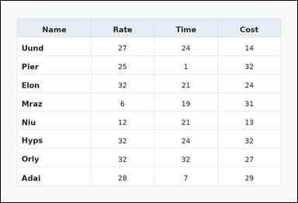 | 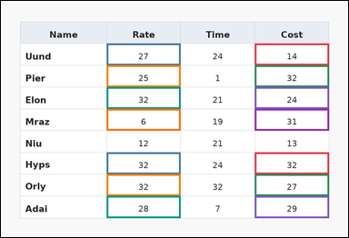 | task_tables_statistics_filtered_subset_value | filtered_column_mean | The image shows a spreadsheet-style table with one Name column, several numeric columns, full grid lines, and a shaded header row. Use the table values to filter the rows and then aggregate the named target column. Among the rows with values in Cost from 14 to 32 inclusive, what is the mean of the values in the Rate column? Return a valid JSON object with keys "evidence" and "answer" in that order. Evidence rule: set "evidence" to an array containing the ordered supporting cell pairs [filter cell, target cell] for each selected row in top-to-bottom row order. Answer rule: set "answer" to the exact integer filtered summary value. Example JSON: {"evidence":[[260,180,372,236],[374,180,486,236],[260,236,372,292],[374,236,486,292]],"answer":14} | The image shows a spreadsheet-style table with one Name column, several numeric columns, full grid lines, and a shaded header row. Use the table values to filter the rows and then aggregate the named target column. Among the rows with values in Cost from 14 to 32 inclusive, what is the mean of the values in the Rate column? Return a valid JSON object with key "answer". Answer rule: set "answer" to the exact integer filtered summary value. Example JSON: {"answer":14} | {"evidence": [[687.36, 115.111, 888.0, 174.222], [286.08, 115.111, 486.72, 174.222], [687.36, 174.222, 888.0, 233.333], [286.08, 174.222, 486.72, 233.333], [687.36, 233.333, 888.0, 292.444], [286.08, 233.333, 486.72, 292.444], [687.36, 292.444, 888.0, 351.556], [286.08, 292.444, 486.72, 351.556], [687.36, 410.667, 888.0, 469.778], [286.08, 410.667, 486.72, 469.778], [687.36, 469.778, 888.0, 528.889], [286.08, 469.778, 486.72, 528.889], [687.36, 528.889, 888.0, 588.0], [286.08, 528.889, 486.72, 588.0]], "answer": 26} | [[687.36, 115.111, 888.0, 174.222], [286.08, 115.111, 486.72, 174.222], [687.36, 174.222, 888.0, 233.333], [286.08, 174.222, 486.72, 233.333], [687.36, 233.333, 888.0, 292.444], [286.08, 233.333, 486.72, 292.444], [687.36, 292.444, 888.0, 351.556], [286.08, 292.444, 486.72, 351.556], [687.36, 410.667, 888.0, 469.778], [286.08, 410.667, 486.72, 469.778], [687.36, 469.778, 888.0, 528.889], [286.08, 469.778, 486.72, 528.889], [687.36, 528.889, 888.0, 588.0], [286.08, 528.889, 486.72, 588.0]] | integer | bbox_set | 7335829058942 | task_tables_statistics_filtered_subset_value/images/filtered_column_mean/0001.png | task_tables_statistics_filtered_subset_value/data/filtered_column_mean/0001.json
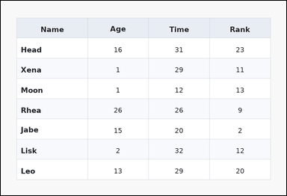 | 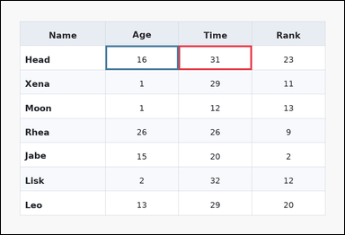 | task_tables_statistics_filtered_subset_value | filtered_column_mean | Work from the styled table shown in the image: a zebra-striped table with one Name column, several numeric columns, alternating row shading, and a shaded header row. Answer this question. Compute the mean of Age over the rows where values in Time from 31 to 31 inclusive. Return a valid JSON object with keys "evidence" and "answer" in that order. Evidence: set "evidence" to an array containing the ordered supporting cell pairs [filter cell, target cell] for each selected row in top-to-bottom row order. Answer: set "answer" to the exact integer filtered summary value. Example JSON: {"evidence":[[260,180,372,236],[374,180,486,236],[260,236,372,292],[374,236,486,292]],"answer":14} | Work from the styled table shown in the image: a zebra-striped table with one Name column, several numeric columns, alternating row shading, and a shaded header row. Answer this question. Compute the mean of Age over the rows where values in Time from 31 to 31 inclusive. Return a valid JSON object with key "answer". Answer field: set "answer" to the exact integer filtered summary value. Example JSON: {"answer":14} | {"evidence": [[486.72, 122.5, 687.36, 189.0], [286.08, 122.5, 486.72, 189.0]], "answer": 16} | [[486.72, 122.5, 687.36, 189.0], [286.08, 122.5, 486.72, 189.0]] | integer | bbox_set | 609999132679753 | task_tables_statistics_filtered_subset_value/images/filtered_column_mean/0003.png | task_tables_statistics_filtered_subset_value/data/filtered_column_mean/0003.json
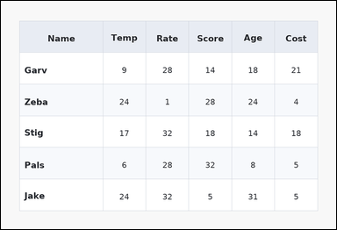 | 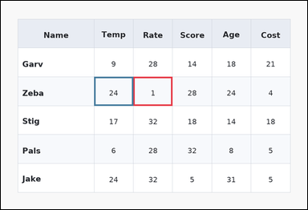 | task_tables_statistics_filtered_subset_value | filtered_column_mean | You are given a table: a zebra-striped table with one Name column, several numeric columns, alternating row shading, and a shaded header row. Find the numeric summary of the target column after applying the stated row filter. Among the rows with values in Rate less than 27, what is the mean of the values in the Temp column? Return a valid JSON object with keys "evidence" and "answer" in that order. Evidence rule: set "evidence" to an array containing the ordered supporting cell pairs [filter cell, target cell] for each selected row in top-to-bottom row order. Answer rule: set "answer" to the exact integer filtered summary value. Example JSON: {"evidence":[[260,180,372,236],[374,180,486,236],[260,236,372,292],[374,236,486,292]],"answer":14} | You are given a table: a zebra-striped table with one Name column, several numeric columns, alternating row shading, and a shaded header row. Find the numeric summary of the target column after applying the stated row filter. Among the rows with values in Rate less than 27, what is the mean of the values in the Temp column? Return a valid JSON object with key "answer". Answer field: set "answer" to the exact integer filtered summary value. Example JSON: {"answer":14} | {"evidence": [[406.464, 233.333, 526.848, 322.0], [286.08, 233.333, 406.464, 322.0]], "answer": 24} | [[406.464, 233.333, 526.848, 322.0], [286.08, 233.333, 406.464, 322.0]] | integer | bbox_set | 865734153478197 | task_tables_statistics_filtered_subset_value/images/filtered_column_mean/0016.png | task_tables_statistics_filtered_subset_value/data/filtered_column_mean/0016.json
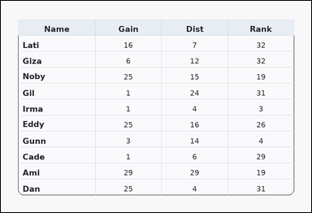 | 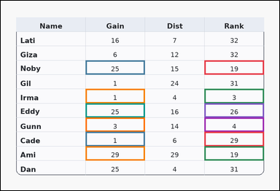 | task_tables_statistics_filtered_subset_value | filtered_column_mean | Look at the table in the image. It shows a card-style table with one Name column, several numeric columns, a rounded outer frame, and a shaded header row. Use the table values to filter the rows and then aggregate the named target column. Using only the rows with values in Rank less than 31, determine the mean of the Gain column. Return a valid JSON object with keys "evidence" and "answer" in that order. Evidence requirement: set "evidence" to an array containing the ordered supporting cell pairs [filter cell, target cell] for each selected row in top-to-bottom row order. Answer format: set "answer" to the exact integer filtered summary value. Example JSON: {"evidence":[[260,180,372,236],[374,180,486,236],[260,236,372,292],[374,236,486,292]],"answer":14} | Look at the table in the image. It shows a card-style table with one Name column, several numeric columns, a rounded outer frame, and a shaded header row. Use the table values to filter the rows and then aggregate the named target column. Using only the rows with values in Rank less than 31, determine the mean of the Gain column. Return a valid JSON object with key "answer". Answer field: set "answer" to the exact integer filtered summary value. Example JSON: {"answer":14} | {"evidence": [[687.36, 201.091, 888.0, 249.455], [286.08, 201.091, 486.72, 249.455], [687.36, 297.818, 888.0, 346.182], [286.08, 297.818, 486.72, 346.182], [687.36, 346.182, 888.0, 394.545], [286.08, 346.182, 486.72, 394.545], [687.36, 394.545, 888.0, 442.909], [286.08, 394.545, 486.72, 442.909], [687.36, 442.909, 888.0, 491.273], [286.08, 442.909, 486.72, 491.273], [687.36, 491.273, 888.0, 539.636], [286.08, 491.273, 486.72, 539.636]], "answer": 14} | [[687.36, 201.091, 888.0, 249.455], [286.08, 201.091, 486.72, 249.455], [687.36, 297.818, 888.0, 346.182], [286.08, 297.818, 486.72, 346.182], [687.36, 346.182, 888.0, 394.545], [286.08, 346.182, 486.72, 394.545], [687.36, 394.545, 888.0, 442.909], [286.08, 394.545, 486.72, 442.909], [687.36, 442.909, 888.0, 491.273], [286.08, 442.909, 486.72, 491.273], [687.36, 491.273, 888.0, 539.636], [286.08, 491.273, 486.72, 539.636]] | integer | bbox_set | 1.3386985009E+15 | task_tables_statistics_filtered_subset_value/images/filtered_column_mean/0010.png | task_tables_statistics_filtered_subset_value/data/filtered_column_mean/0010.json
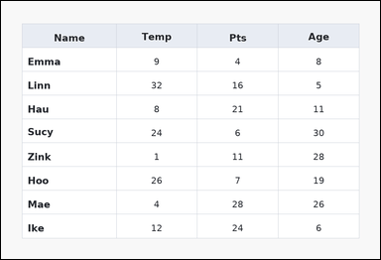 | 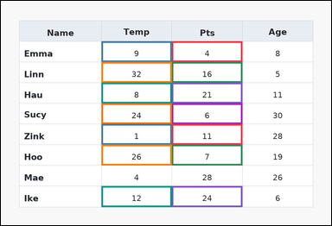 | task_tables_statistics_filtered_subset_value | filtered_column_mean | You are given a table: a spreadsheet-style table with one Name column, several numeric columns, full grid lines, and a shaded header row. Use the table values to filter the rows and then aggregate the named target column. Using only the rows with values in Pts less than 28, determine the mean of the Temp column. Return a valid JSON object with keys "evidence" and "answer" in that order. Evidence rule: set "evidence" to an array containing the ordered supporting cell pairs [filter cell, target cell] for each selected row in top-to-bottom row order. Answer rule: set "answer" to the exact integer filtered summary value. Example JSON: {"evidence":[[260,180,372,236],[374,180,486,236],[260,236,372,292],[374,236,486,292]],"answer":14} | You are given a table: a spreadsheet-style table with one Name column, several numeric columns, full grid lines, and a shaded header row. Use the table values to filter the rows and then aggregate the named target column. Using only the rows with values in Pts less than 28, determine the mean of the Temp column. Return a valid JSON object with key "answer". Answer field: set "answer" to the exact integer filtered summary value. Example JSON: {"answer":14} | {"evidence": [[486.72, 115.111, 687.36, 174.222], [286.08, 115.111, 486.72, 174.222], [486.72, 174.222, 687.36, 233.333], [286.08, 174.222, 486.72, 233.333], [486.72, 233.333, 687.36, 292.444], [286.08, 233.333, 486.72, 292.444], [486.72, 292.444, 687.36, 351.556], [286.08, 292.444, 486.72, 351.556], [486.72, 351.556, 687.36, 410.667], [286.08, 351.556, 486.72, 410.667], [486.72, 410.667, 687.36, 469.778], [286.08, 410.667, 486.72, 469.778], [486.72, 528.889, 687.36, 588.0], [286.08, 528.889, 486.72, 588.0]], "answer": 16} | [[486.72, 115.111, 687.36, 174.222], [286.08, 115.111, 486.72, 174.222], [486.72, 174.222, 687.36, 233.333], [286.08, 174.222, 486.72, 233.333], [486.72, 233.333, 687.36, 292.444], [286.08, 233.333, 486.72, 292.444], [486.72, 292.444, 687.36, 351.556], [286.08, 292.444, 486.72, 351.556], [486.72, 351.556, 687.36, 410.667], [286.08, 351.556, 486.72, 410.667], [486.72, 410.667, 687.36, 469.778], [286.08, 410.667, 486.72, 469.778], [486.72, 528.889, 687.36, 588.0], [286.08, 528.889, 486.72, 588.0]] | integer | bbox_set | 1.6084725073E+15 | task_tables_statistics_filtered_subset_value/images/filtered_column_mean/0011.png | task_tables_statistics_filtered_subset_value/data/filtered_column_mean/0011.json
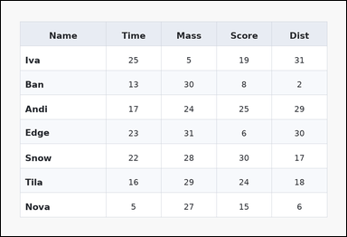 | 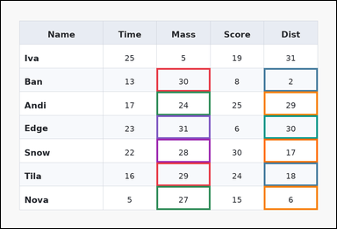 | task_tables_statistics_filtered_subset_value | filtered_column_mean | The image shows a zebra-striped table with one Name column, several numeric columns, alternating row shading, and a shaded header row. Answer this question. Filter the rows to those with values in Mass greater than 23. What average do their Dist values have? Return a valid JSON object with keys "evidence" and "answer" in that order. Evidence requirement: set "evidence" to an array containing the ordered supporting cell pairs [filter cell, target cell] for each selected row in top-to-bottom row order. Answer format: set "answer" to the exact integer filtered summary value. Example JSON: {"evidence":[[260,180,372,236],[374,180,486,236],[260,236,372,292],[374,236,486,292]],"answer":14} | The image shows a zebra-striped table with one Name column, several numeric columns, alternating row shading, and a shaded header row. Answer this question. Filter the rows to those with values in Mass greater than 23. What average do their Dist values have? Return a valid JSON object with key "answer". Answer field: set "answer" to the exact integer filtered summary value. Example JSON: {"answer":14} | {"evidence": [[436.56, 189.0, 587.04, 255.5], [737.52, 189.0, 888.0, 255.5], [436.56, 255.5, 587.04, 322.0], [737.52, 255.5, 888.0, 322.0], [436.56, 322.0, 587.04, 388.5], [737.52, 322.0, 888.0, 388.5], [436.56, 388.5, 587.04, 455.0], [737.52, 388.5, 888.0, 455.0], [436.56, 455.0, 587.04, 521.5], [737.52, 455.0, 888.0, 521.5], [436.56, 521.5, 587.04, 588.0], [737.52, 521.5, 888.0, 588.0]], "answer": 17} | [[436.56, 189.0, 587.04, 255.5], [737.52, 189.0, 888.0, 255.5], [436.56, 255.5, 587.04, 322.0], [737.52, 255.5, 888.0, 322.0], [436.56, 322.0, 587.04, 388.5], [737.52, 322.0, 888.0, 388.5], [436.56, 388.5, 587.04, 455.0], [737.52, 388.5, 888.0, 455.0], [436.56, 455.0, 587.04, 521.5], [737.52, 455.0, 888.0, 521.5], [436.56, 521.5, 587.04, 588.0], [737.52, 521.5, 888.0, 588.0]] | integer | bbox_set | 1.7130498413E+15 | task_tables_statistics_filtered_subset_value/images/filtered_column_mean/0008.png | task_tables_statistics_filtered_subset_value/data/filtered_column_mean/0008.json
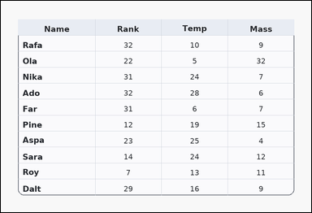 | 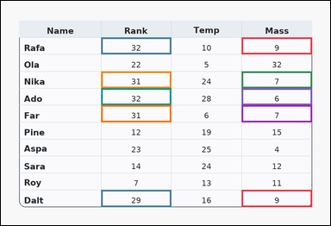 | task_tables_statistics_filtered_subset_value | filtered_column_mean | You are given a table: a card-style table with one Name column, several numeric columns, a rounded outer frame, and a shaded header row. Determine the requested target-column summary over the rows selected by the filter condition. Filter the rows to those with values in Mass from 6 to 9 inclusive. What average do their Rank values have? Return a valid JSON object with keys "evidence" and "answer" in that order. Evidence field: set "evidence" to an array containing the ordered supporting cell pairs [filter cell, target cell] for each selected row in top-to-bottom row order. Answer field: set "answer" to the exact integer filtered summary value. Example JSON: {"evidence":[[260,180,372,236],[374,180,486,236],[260,236,372,292],[374,236,486,292]],"answer":14} | You are given a table: a card-style table with one Name column, several numeric columns, a rounded outer frame, and a shaded header row. Determine the requested target-column summary over the rows selected by the filter condition. Filter the rows to those with values in Mass from 6 to 9 inclusive. What average do their Rank values have? Return a valid JSON object with key "answer". Answer format: set "answer" to the exact integer filtered summary value. Example JSON: {"answer":14} | {"evidence": [[687.36, 104.364, 888.0, 152.727], [286.08, 104.364, 486.72, 152.727], [687.36, 201.091, 888.0, 249.455], [286.08, 201.091, 486.72, 249.455], [687.36, 249.455, 888.0, 297.818], [286.08, 249.455, 486.72, 297.818], [687.36, 297.818, 888.0, 346.182], [286.08, 297.818, 486.72, 346.182], [687.36, 539.636, 888.0, 588.0], [286.08, 539.636, 486.72, 588.0]], "answer": 31} | [[687.36, 104.364, 888.0, 152.727], [286.08, 104.364, 486.72, 152.727], [687.36, 201.091, 888.0, 249.455], [286.08, 201.091, 486.72, 249.455], [687.36, 249.455, 888.0, 297.818], [286.08, 249.455, 486.72, 297.818], [687.36, 297.818, 888.0, 346.182], [286.08, 297.818, 486.72, 346.182], [687.36, 539.636, 888.0, 588.0], [286.08, 539.636, 486.72, 588.0]] | integer | bbox_set | 1.8421303527E+15 | task_tables_statistics_filtered_subset_value/images/filtered_column_mean/0024.png | task_tables_statistics_filtered_subset_value/data/filtered_column_mean/0024.json
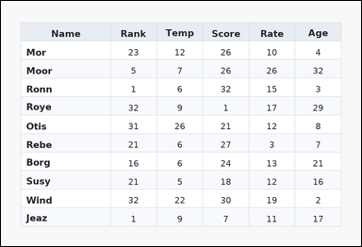 | 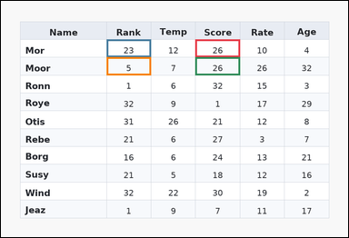 | task_tables_statistics_filtered_subset_value | filtered_column_mean | You are given a table: a zebra-striped table with one Name column, several numeric columns, alternating row shading, and a shaded header row. Determine the requested target-column summary over the rows selected by the filter condition. Compute the mean of Rank over the rows where values in Score from 26 to 26 inclusive. Return a valid JSON object with keys "evidence" and "answer" in that order. Evidence: set "evidence" to an array containing the ordered supporting cell pairs [filter cell, target cell] for each selected row in top-to-bottom row order. Answer: set "answer" to the exact integer filtered summary value. Example JSON: {"evidence":[[260,180,372,236],[374,180,486,236],[260,236,372,292],[374,236,486,292]],"answer":14} | You are given a table: a zebra-striped table with one Name column, several numeric columns, alternating row shading, and a shaded header row. Determine the requested target-column summary over the rows selected by the filter condition. Compute the mean of Rank over the rows where values in Score from 26 to 26 inclusive. Return a valid JSON object with key "answer". Answer field: set "answer" to the exact integer filtered summary value. Example JSON: {"answer":14} | {"evidence": [[526.848, 104.364, 647.232, 152.727], [286.08, 104.364, 406.464, 152.727], [526.848, 152.727, 647.232, 201.091], [286.08, 152.727, 406.464, 201.091]], "answer": 14} | [[526.848, 104.364, 647.232, 152.727], [286.08, 104.364, 406.464, 152.727], [526.848, 152.727, 647.232, 201.091], [286.08, 152.727, 406.464, 201.091]] | integer | bbox_set | 2.2209024528E+15 | task_tables_statistics_filtered_subset_value/images/filtered_column_mean/0006.png | task_tables_statistics_filtered_subset_value/data/filtered_column_mean/0006.json
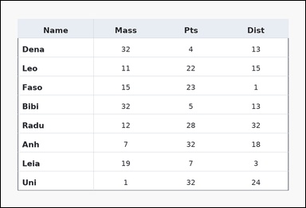 | 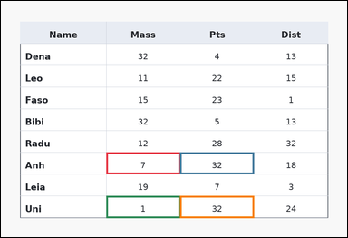 | task_tables_statistics_filtered_subset_value | filtered_column_mean | Use the table in the image. It shows a ledger-style table with one Name column, several numeric columns, strong horizontal rules, and minimal vertical separators. Use the table values to filter the rows and then aggregate the named target column. What is the average of the Pts values for rows whose Mass entries satisfy values in Mass less than 9? Return a valid JSON object with keys "evidence" and "answer" in that order. Evidence: set "evidence" to an array containing the ordered supporting cell pairs [filter cell, target cell] for each selected row in top-to-bottom row order. Answer: set "answer" to the exact integer filtered summary value. Example JSON: {"evidence":[[260,180,372,236],[374,180,486,236],[260,236,372,292],[374,236,486,292]],"answer":14} | Use the table in the image. It shows a ledger-style table with one Name column, several numeric columns, strong horizontal rules, and minimal vertical separators. Use the table values to filter the rows and then aggregate the named target column. What is the average of the Pts values for rows whose Mass entries satisfy values in Mass less than 9? Return a valid JSON object with key "answer". Answer rule: set "answer" to the exact integer filtered summary value. Example JSON: {"answer":14} | {"evidence": [[286.08, 410.667, 486.72, 469.778], [486.72, 410.667, 687.36, 469.778], [286.08, 528.889, 486.72, 588.0], [486.72, 528.889, 687.36, 588.0]], "answer": 32} | [[286.08, 410.667, 486.72, 469.778], [486.72, 410.667, 687.36, 469.778], [286.08, 528.889, 486.72, 588.0], [486.72, 528.889, 687.36, 588.0]] | integer | bbox_set | 2.6409842797E+15 | task_tables_statistics_filtered_subset_value/images/filtered_column_mean/0020.png | task_tables_statistics_filtered_subset_value/data/filtered_column_mean/0020.json
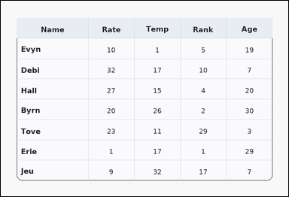 | 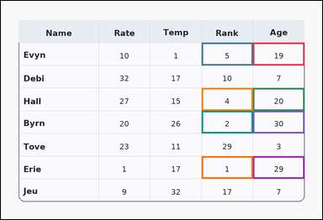 | task_tables_statistics_filtered_subset_value | filtered_column_mean | The image shows a card-style table with one Name column, several numeric columns, a rounded outer frame, and a shaded header row. Use the table values to filter the rows and then aggregate the named target column. Using only the rows with values in Age greater than 18, determine the mean of the Rank column. Return a valid JSON object with keys "evidence" and "answer" in that order. Evidence requirement: set "evidence" to an array containing the ordered supporting cell pairs [filter cell, target cell] for each selected row in top-to-bottom row order. Answer format: set "answer" to the exact integer filtered summary value. Example JSON: {"evidence":[[260,180,372,236],[374,180,486,236],[260,236,372,292],[374,236,486,292]],"answer":14} | The image shows a card-style table with one Name column, several numeric columns, a rounded outer frame, and a shaded header row. Use the table values to filter the rows and then aggregate the named target column. Using only the rows with values in Age greater than 18, determine the mean of the Rank column. Return a valid JSON object with key "answer". Answer rule: set "answer" to the exact integer filtered summary value. Example JSON: {"answer":14} | {"evidence": [[737.52, 122.5, 888.0, 189.0], [587.04, 122.5, 737.52, 189.0], [737.52, 255.5, 888.0, 322.0], [587.04, 255.5, 737.52, 322.0], [737.52, 322.0, 888.0, 388.5], [587.04, 322.0, 737.52, 388.5], [737.52, 455.0, 888.0, 521.5], [587.04, 455.0, 737.52, 521.5]], "answer": 3} | [[737.52, 122.5, 888.0, 189.0], [587.04, 122.5, 737.52, 189.0], [737.52, 255.5, 888.0, 322.0], [587.04, 255.5, 737.52, 322.0], [737.52, 322.0, 888.0, 388.5], [587.04, 322.0, 737.52, 388.5], [737.52, 455.0, 888.0, 521.5], [587.04, 455.0, 737.52, 521.5]] | integer | bbox_set | 3.0705630971E+15 | task_tables_statistics_filtered_subset_value/images/filtered_column_mean/0009.png | task_tables_statistics_filtered_subset_value/data/filtered_column_mean/0009.json
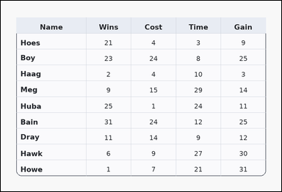 | 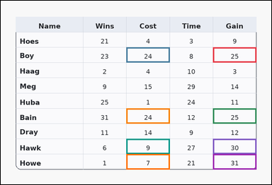 | task_tables_statistics_filtered_subset_value | filtered_column_mean | The image shows a card-style table with one Name column, several numeric columns, a rounded outer frame, and a shaded header row. Read the table, keep the rows that satisfy the filter, and report the requested target-column summary. Filter the rows to those with values in Gain greater than 23. What average do their Cost values have? Return a valid JSON object with keys "evidence" and "answer" in that order. Evidence: set "evidence" to an array containing the ordered supporting cell pairs [filter cell, target cell] for each selected row in top-to-bottom row order. Answer: set "answer" to the exact integer filtered summary value. Example JSON: {"evidence":[[260,180,372,236],[374,180,486,236],[260,236,372,292],[374,236,486,292]],"answer":14} | The image shows a card-style table with one Name column, several numeric columns, a rounded outer frame, and a shaded header row. Read the table, keep the rows that satisfy the filter, and report the requested target-column summary. Filter the rows to those with values in Gain greater than 23. What average do their Cost values have? Return a valid JSON object with key "answer". Answer field: set "answer" to the exact integer filtered summary value. Example JSON: {"answer":14} | {"evidence": [[737.52, 162.4, 888.0, 215.6], [436.56, 162.4, 587.04, 215.6], [737.52, 375.2, 888.0, 428.4], [436.56, 375.2, 587.04, 428.4], [737.52, 481.6, 888.0, 534.8], [436.56, 481.6, 587.04, 534.8], [737.52, 534.8, 888.0, 588.0], [436.56, 534.8, 587.04, 588.0]], "answer": 16} | [[737.52, 162.4, 888.0, 215.6], [436.56, 162.4, 587.04, 215.6], [737.52, 375.2, 888.0, 428.4], [436.56, 375.2, 587.04, 428.4], [737.52, 481.6, 888.0, 534.8], [436.56, 481.6, 587.04, 534.8], [737.52, 534.8, 888.0, 588.0], [436.56, 534.8, 587.04, 588.0]] | integer | bbox_set | 3.223917619E+15 | task_tables_statistics_filtered_subset_value/images/filtered_column_mean/0012.png | task_tables_statistics_filtered_subset_value/data/filtered_column_mean/0012.json
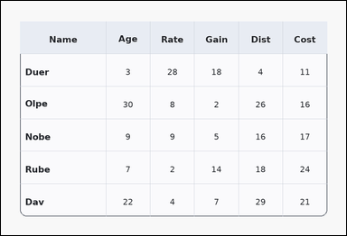 | 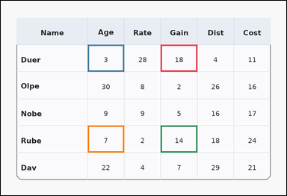 | task_tables_statistics_filtered_subset_value | filtered_column_mean | Look at the table in the image. It shows a card-style table with one Name column, several numeric columns, a rounded outer frame, and a shaded header row. Determine the requested target-column summary over the rows selected by the filter condition. Among the rows with values in Gain greater than 7, what is the mean of the values in the Age column? Return a valid JSON object with keys "evidence" and "answer" in that order. Evidence format: set "evidence" to an array containing the ordered supporting cell pairs [filter cell, target cell] for each selected row in top-to-bottom row order. Answer requirement: set "answer" to the exact integer filtered summary value. Example JSON: {"evidence":[[260,180,372,236],[374,180,486,236],[260,236,372,292],[374,236,486,292]],"answer":14} | Look at the table in the image. It shows a card-style table with one Name column, several numeric columns, a rounded outer frame, and a shaded header row. Determine the requested target-column summary over the rows selected by the filter condition. Among the rows with values in Gain greater than 7, what is the mean of the values in the Age column? Return a valid JSON object with key "answer". Answer: set "answer" to the exact integer filtered summary value. Example JSON: {"answer":14} | {"evidence": [[526.848, 144.667, 647.232, 233.333], [286.08, 144.667, 406.464, 233.333], [526.848, 410.667, 647.232, 499.333], [286.08, 410.667, 406.464, 499.333]], "answer": 5} | [[526.848, 144.667, 647.232, 233.333], [286.08, 144.667, 406.464, 233.333], [526.848, 410.667, 647.232, 499.333], [286.08, 410.667, 406.464, 499.333]] | integer | bbox_set | 3.2514103662E+15 | task_tables_statistics_filtered_subset_value/images/filtered_column_mean/0007.png | task_tables_statistics_filtered_subset_value/data/filtered_column_mean/0007.json
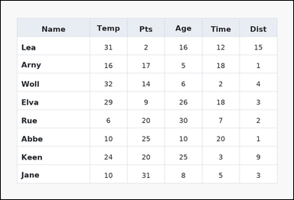 | 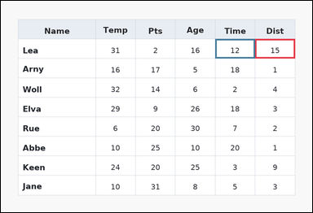 | task_tables_statistics_filtered_subset_value | filtered_column_mean | You are given a table: a spreadsheet-style table with one Name column, several numeric columns, full grid lines, and a shaded header row. Answer this question. Compute the mean of Time over the rows where values in Dist greater than 9. Return a valid JSON object with keys "evidence" and "answer" in that order. Evidence requirement: set "evidence" to an array containing the ordered supporting cell pairs [filter cell, target cell] for each selected row in top-to-bottom row order. Answer format: set "answer" to the exact integer filtered summary value. Example JSON: {"evidence":[[260,180,372,236],[374,180,486,236],[260,236,372,292],[374,236,486,292]],"answer":14} | You are given a table: a spreadsheet-style table with one Name column, several numeric columns, full grid lines, and a shaded header row. Answer this question. Compute the mean of Time over the rows where values in Dist greater than 9. Return a valid JSON object with key "answer". Answer field: set "answer" to the exact integer filtered summary value. Example JSON: {"answer":14} | {"evidence": [[767.616, 115.111, 888.0, 174.222], [647.232, 115.111, 767.616, 174.222]], "answer": 12} | [[767.616, 115.111, 888.0, 174.222], [647.232, 115.111, 767.616, 174.222]] | integer | bbox_set | 3.486355907E+15 | task_tables_statistics_filtered_subset_value/images/filtered_column_mean/0013.png | task_tables_statistics_filtered_subset_value/data/filtered_column_mean/0013.json
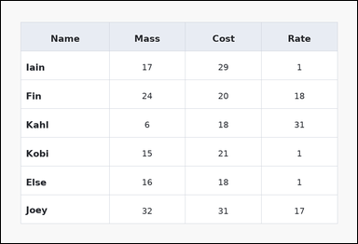 | 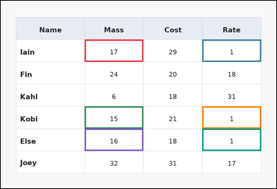 | task_tables_statistics_filtered_subset_value | filtered_column_mean | The image shows a spreadsheet-style table with one Name column, several numeric columns, full grid lines, and a shaded header row. Read the table, keep the rows that satisfy the filter, and report the requested target-column summary. What is the average of the Rate values for rows whose Mass entries satisfy values in Mass from 15 to 21 inclusive? Return a valid JSON object with keys "evidence" and "answer" in that order. Evidence rule: set "evidence" to an array containing the ordered supporting cell pairs [filter cell, target cell] for each selected row in top-to-bottom row order. Answer rule: set "answer" to the exact integer filtered summary value. Example JSON: {"evidence":[[260,180,372,236],[374,180,486,236],[260,236,372,292],[374,236,486,292]],"answer":14} | The image shows a spreadsheet-style table with one Name column, several numeric columns, full grid lines, and a shaded header row. Read the table, keep the rows that satisfy the filter, and report the requested target-column summary. What is the average of the Rate values for rows whose Mass entries satisfy values in Mass from 15 to 21 inclusive? Return a valid JSON object with key "answer". Answer format: set "answer" to the exact integer filtered summary value. Example JSON: {"answer":14} | {"evidence": [[286.08, 132.0, 486.72, 208.0], [687.36, 132.0, 888.0, 208.0], [286.08, 360.0, 486.72, 436.0], [687.36, 360.0, 888.0, 436.0], [286.08, 436.0, 486.72, 512.0], [687.36, 436.0, 888.0, 512.0]], "answer": 1} | [[286.08, 132.0, 486.72, 208.0], [687.36, 132.0, 888.0, 208.0], [286.08, 360.0, 486.72, 436.0], [687.36, 360.0, 888.0, 436.0], [286.08, 436.0, 486.72, 512.0], [687.36, 436.0, 888.0, 512.0]] | integer | bbox_set | 3.6918044803E+15 | task_tables_statistics_filtered_subset_value/images/filtered_column_mean/0023.png | task_tables_statistics_filtered_subset_value/data/filtered_column_mean/0023.json
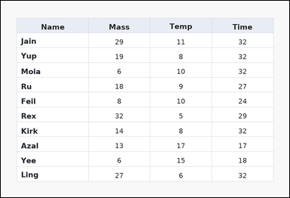 | 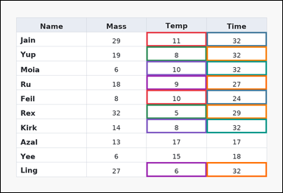 | task_tables_statistics_filtered_subset_value | filtered_column_mean | The image shows a spreadsheet-style table with one Name column, several numeric columns, full grid lines, and a shaded header row. Read the table, keep the rows that satisfy the filter, and report the requested target-column summary. Filter the rows to those with values in Temp from 5 to 11 inclusive. What average do their Time values have? Return a valid JSON object with keys "evidence" and "answer" in that order. Evidence: set "evidence" to an array containing the ordered supporting cell pairs [filter cell, target cell] for each selected row in top-to-bottom row order. Answer: set "answer" to the exact integer filtered summary value. Example JSON: {"evidence":[[260,180,372,236],[374,180,486,236],[260,236,372,292],[374,236,486,292]],"answer":14} | The image shows a spreadsheet-style table with one Name column, several numeric columns, full grid lines, and a shaded header row. Read the table, keep the rows that satisfy the filter, and report the requested target-column summary. Filter the rows to those with values in Temp from 5 to 11 inclusive. What average do their Time values have? Return a valid JSON object with key "answer". Answer rule: set "answer" to the exact integer filtered summary value. Example JSON: {"answer":14} | {"evidence": [[486.72, 104.364, 687.36, 152.727], [687.36, 104.364, 888.0, 152.727], [486.72, 152.727, 687.36, 201.091], [687.36, 152.727, 888.0, 201.091], [486.72, 201.091, 687.36, 249.455], [687.36, 201.091, 888.0, 249.455], [486.72, 249.455, 687.36, 297.818], [687.36, 249.455, 888.0, 297.818], [486.72, 297.818, 687.36, 346.182], [687.36, 297.818, 888.0, 346.182], [486.72, 346.182, 687.36, 394.545], [687.36, 346.182, 888.0, 394.545], [486.72, 394.545, 687.36, 442.909], [687.36, 394.545, 888.0, 442.909], [486.72, 539.636, 687.36, 588.0], [687.36, 539.636, 888.0, 588.0]], "answer": 30} | [[486.72, 104.364, 687.36, 152.727], [687.36, 104.364, 888.0, 152.727], [486.72, 152.727, 687.36, 201.091], [687.36, 152.727, 888.0, 201.091], [486.72, 201.091, 687.36, 249.455], [687.36, 201.091, 888.0, 249.455], [486.72, 249.455, 687.36, 297.818], [687.36, 249.455, 888.0, 297.818], [486.72, 297.818, 687.36, 346.182], [687.36, 297.818, 888.0, 346.182], [486.72, 346.182, 687.36, 394.545], [687.36, 346.182, 888.0, 394.545], [486.72, 394.545, 687.36, 442.909], [687.36, 394.545, 888.0, 442.909], [486.72, 539.636, 687.36, 588.0], [687.36, 539.636, 888.0, 588.0]] | integer | bbox_set | 3.7148795695E+15 | task_tables_statistics_filtered_subset_value/images/filtered_column_mean/0005.png | task_tables_statistics_filtered_subset_value/data/filtered_column_mean/0005.json
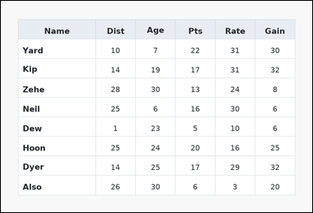 | 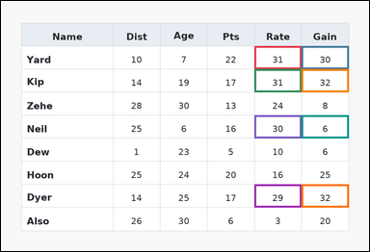 | task_tables_statistics_filtered_subset_value | filtered_column_mean | Work from the styled table shown in the image: a spreadsheet-style table with one Name column, several numeric columns, full grid lines, and a shaded header row. Determine the requested target-column summary over the rows selected by the filter condition. Among the rows with values in Rate from 29 to 31 inclusive, what is the mean of the values in the Gain column? Return a valid JSON object with keys "evidence" and "answer" in that order. Evidence field: set "evidence" to an array containing the ordered supporting cell pairs [filter cell, target cell] for each selected row in top-to-bottom row order. Answer field: set "answer" to the exact integer filtered summary value. Example JSON: {"evidence":[[260,180,372,236],[374,180,486,236],[260,236,372,292],[374,236,486,292]],"answer":14} | Work from the styled table shown in the image: a spreadsheet-style table with one Name column, several numeric columns, full grid lines, and a shaded header row. Determine the requested target-column summary over the rows selected by the filter condition. Among the rows with values in Rate from 29 to 31 inclusive, what is the mean of the values in the Gain column? Return a valid JSON object with key "answer". Answer requirement: set "answer" to the exact integer filtered summary value. Example JSON: {"answer":14} | {"evidence": [[647.232, 115.111, 767.616, 174.222], [767.616, 115.111, 888.0, 174.222], [647.232, 174.222, 767.616, 233.333], [767.616, 174.222, 888.0, 233.333], [647.232, 292.444, 767.616, 351.556], [767.616, 292.444, 888.0, 351.556], [647.232, 469.778, 767.616, 528.889], [767.616, 469.778, 888.0, 528.889]], "answer": 25} | [[647.232, 115.111, 767.616, 174.222], [767.616, 115.111, 888.0, 174.222], [647.232, 174.222, 767.616, 233.333], [767.616, 174.222, 888.0, 233.333], [647.232, 292.444, 767.616, 351.556], [767.616, 292.444, 888.0, 351.556], [647.232, 469.778, 767.616, 528.889], [767.616, 469.778, 888.0, 528.889]] | integer | bbox_set | 3.9416272125E+15 | task_tables_statistics_filtered_subset_value/images/filtered_column_mean/0017.png | task_tables_statistics_filtered_subset_value/data/filtered_column_mean/0017.json
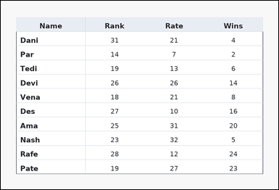 | 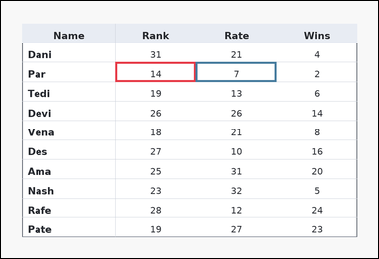 | task_tables_statistics_filtered_subset_value | filtered_column_mean | Work from the styled table shown in the image: a ledger-style table with one Name column, several numeric columns, strong horizontal rules, and minimal vertical separators. Find the numeric summary of the target column after applying the stated row filter. Using only the rows with values in Rank less than 18, determine the mean of the Rate column. Return a valid JSON object with keys "evidence" and "answer" in that order. Evidence requirement: set "evidence" to an array containing the ordered supporting cell pairs [filter cell, target cell] for each selected row in top-to-bottom row order. Answer format: set "answer" to the exact integer filtered summary value. Example JSON: {"evidence":[[260,180,372,236],[374,180,486,236],[260,236,372,292],[374,236,486,292]],"answer":14} | Work from the styled table shown in the image: a ledger-style table with one Name column, several numeric columns, strong horizontal rules, and minimal vertical separators. Find the numeric summary of the target column after applying the stated row filter. Using only the rows with values in Rank less than 18, determine the mean of the Rate column. Return a valid JSON object with key "answer". Answer rule: set "answer" to the exact integer filtered summary value. Example JSON: {"answer":14} | {"evidence": [[286.08, 152.727, 486.72, 201.091], [486.72, 152.727, 687.36, 201.091]], "answer": 7} | [[286.08, 152.727, 486.72, 201.091], [486.72, 152.727, 687.36, 201.091]] | integer | bbox_set | 5.0042711927E+15 | task_tables_statistics_filtered_subset_value/images/filtered_column_mean/0004.png | task_tables_statistics_filtered_subset_value/data/filtered_column_mean/0004.json
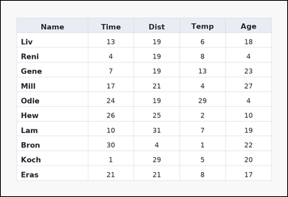 | 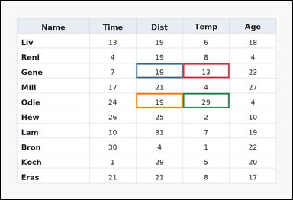 | task_tables_statistics_filtered_subset_value | filtered_column_mean | You are given a table: a spreadsheet-style table with one Name column, several numeric columns, full grid lines, and a shaded header row. Find the numeric summary of the target column after applying the stated row filter. Filter the rows to those with values in Temp greater than 8. What average do their Dist values have? Return a valid JSON object with keys "evidence" and "answer" in that order. Evidence requirement: set "evidence" to an array containing the ordered supporting cell pairs [filter cell, target cell] for each selected row in top-to-bottom row order. Answer format: set "answer" to the exact integer filtered summary value. Example JSON: {"evidence":[[260,180,372,236],[374,180,486,236],[260,236,372,292],[374,236,486,292]],"answer":14} | You are given a table: a spreadsheet-style table with one Name column, several numeric columns, full grid lines, and a shaded header row. Find the numeric summary of the target column after applying the stated row filter. Filter the rows to those with values in Temp greater than 8. What average do their Dist values have? Return a valid JSON object with key "answer". Answer: set "answer" to the exact integer filtered summary value. Example JSON: {"answer":14} | {"evidence": [[587.04, 201.091, 737.52, 249.455], [436.56, 201.091, 587.04, 249.455], [587.04, 297.818, 737.52, 346.182], [436.56, 297.818, 587.04, 346.182]], "answer": 19} | [[587.04, 201.091, 737.52, 249.455], [436.56, 201.091, 587.04, 249.455], [587.04, 297.818, 737.52, 346.182], [436.56, 297.818, 587.04, 346.182]] | integer | bbox_set | 5.4508123055E+15 | task_tables_statistics_filtered_subset_value/images/filtered_column_mean/0015.png | task_tables_statistics_filtered_subset_value/data/filtered_column_mean/0015.json
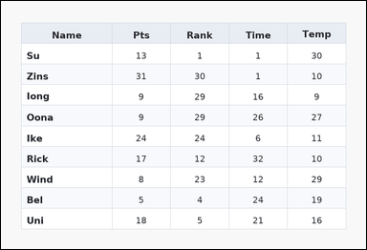 | 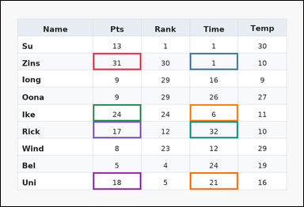 | task_tables_statistics_filtered_subset_value | filtered_column_mean | You are given a table: a zebra-striped table with one Name column, several numeric columns, alternating row shading, and a shaded header row. Answer this question. Using only the rows with values in Pts greater than 14, determine the mean of the Time column. Return a valid JSON object with keys "evidence" and "answer" in that order. Evidence requirement: set "evidence" to an array containing the ordered supporting cell pairs [filter cell, target cell] for each selected row in top-to-bottom row order. Answer format: set "answer" to the exact integer filtered summary value. Example JSON: {"evidence":[[260,180,372,236],[374,180,486,236],[260,236,372,292],[374,236,486,292]],"answer":14} | You are given a table: a zebra-striped table with one Name column, several numeric columns, alternating row shading, and a shaded header row. Answer this question. Using only the rows with values in Pts greater than 14, determine the mean of the Time column. Return a valid JSON object with key "answer". Answer requirement: set "answer" to the exact integer filtered summary value. Example JSON: {"answer":14} | {"evidence": [[286.08, 162.4, 436.56, 215.6], [587.04, 162.4, 737.52, 215.6], [286.08, 322.0, 436.56, 375.2], [587.04, 322.0, 737.52, 375.2], [286.08, 375.2, 436.56, 428.4], [587.04, 375.2, 737.52, 428.4], [286.08, 534.8, 436.56, 588.0], [587.04, 534.8, 737.52, 588.0]], "answer": 15} | [[286.08, 162.4, 436.56, 215.6], [587.04, 162.4, 737.52, 215.6], [286.08, 322.0, 436.56, 375.2], [587.04, 322.0, 737.52, 375.2], [286.08, 375.2, 436.56, 428.4], [587.04, 375.2, 737.52, 428.4], [286.08, 534.8, 436.56, 588.0], [587.04, 534.8, 737.52, 588.0]] | integer | bbox_set | 5.593788806E+15 | task_tables_statistics_filtered_subset_value/images/filtered_column_mean/0022.png | task_tables_statistics_filtered_subset_value/data/filtered_column_mean/0022.json
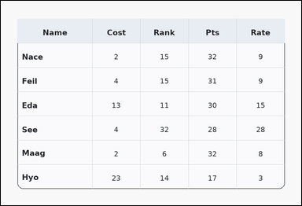 | 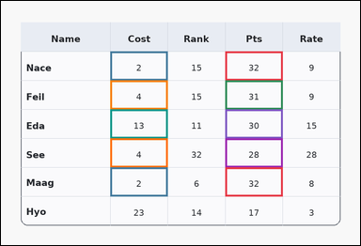 | task_tables_statistics_filtered_subset_value | filtered_column_mean | Look at the table in the image. It shows a card-style table with one Name column, several numeric columns, a rounded outer frame, and a shaded header row. Determine the requested target-column summary over the rows selected by the filter condition. Compute the mean of Cost over the rows where values in Pts greater than 27. Return a valid JSON object with keys "evidence" and "answer" in that order. Evidence: set "evidence" to an array containing the ordered supporting cell pairs [filter cell, target cell] for each selected row in top-to-bottom row order. Answer: set "answer" to the exact integer filtered summary value. Example JSON: {"evidence":[[260,180,372,236],[374,180,486,236],[260,236,372,292],[374,236,486,292]],"answer":14} | Look at the table in the image. It shows a card-style table with one Name column, several numeric columns, a rounded outer frame, and a shaded header row. Determine the requested target-column summary over the rows selected by the filter condition. Compute the mean of Cost over the rows where values in Pts greater than 27. Return a valid JSON object with key "answer". Answer rule: set "answer" to the exact integer filtered summary value. Example JSON: {"answer":14} | {"evidence": [[587.04, 132.0, 737.52, 208.0], [286.08, 132.0, 436.56, 208.0], [587.04, 208.0, 737.52, 284.0], [286.08, 208.0, 436.56, 284.0], [587.04, 284.0, 737.52, 360.0], [286.08, 284.0, 436.56, 360.0], [587.04, 360.0, 737.52, 436.0], [286.08, 360.0, 436.56, 436.0], [587.04, 436.0, 737.52, 512.0], [286.08, 436.0, 436.56, 512.0]], "answer": 5} | [[587.04, 132.0, 737.52, 208.0], [286.08, 132.0, 436.56, 208.0], [587.04, 208.0, 737.52, 284.0], [286.08, 208.0, 436.56, 284.0], [587.04, 284.0, 737.52, 360.0], [286.08, 284.0, 436.56, 360.0], [587.04, 360.0, 737.52, 436.0], [286.08, 360.0, 436.56, 436.0], [587.04, 436.0, 737.52, 512.0], [286.08, 436.0, 436.56, 512.0]] | integer | bbox_set | 5.6485226936E+15 | task_tables_statistics_filtered_subset_value/images/filtered_column_mean/0000.png | task_tables_statistics_filtered_subset_value/data/filtered_column_mean/0000.json
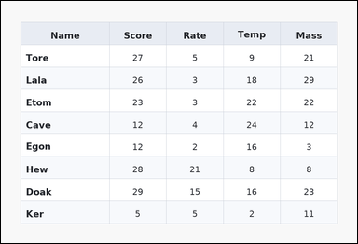 | 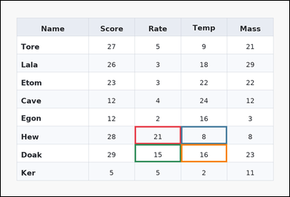 | task_tables_statistics_filtered_subset_value | filtered_column_mean | The image shows a zebra-striped table with one Name column, several numeric columns, alternating row shading, and a shaded header row. Use the table values to filter the rows and then aggregate the named target column. Among the rows with values in Rate from 7 to 31 inclusive, what is the mean of the values in the Temp column? Return a valid JSON object with keys "evidence" and "answer" in that order. Evidence field: set "evidence" to an array containing the ordered supporting cell pairs [filter cell, target cell] for each selected row in top-to-bottom row order. Answer field: set "answer" to the exact integer filtered summary value. Example JSON: {"evidence":[[260,180,372,236],[374,180,486,236],[260,236,372,292],[374,236,486,292]],"answer":14} | The image shows a zebra-striped table with one Name column, several numeric columns, alternating row shading, and a shaded header row. Use the table values to filter the rows and then aggregate the named target column. Among the rows with values in Rate from 7 to 31 inclusive, what is the mean of the values in the Temp column? Return a valid JSON object with key "answer". Answer format: set "answer" to the exact integer filtered summary value. Example JSON: {"answer":14} | {"evidence": [[436.56, 410.667, 587.04, 469.778], [587.04, 410.667, 737.52, 469.778], [436.56, 469.778, 587.04, 528.889], [587.04, 469.778, 737.52, 528.889]], "answer": 12} | [[436.56, 410.667, 587.04, 469.778], [587.04, 410.667, 737.52, 469.778], [436.56, 469.778, 587.04, 528.889], [587.04, 469.778, 737.52, 528.889]] | integer | bbox_set | 5.7938823789E+15 | task_tables_statistics_filtered_subset_value/images/filtered_column_mean/0019.png | task_tables_statistics_filtered_subset_value/data/filtered_column_mean/0019.json
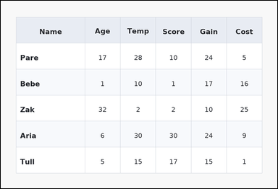 | 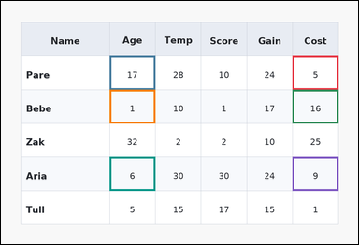 | task_tables_statistics_filtered_subset_value | filtered_column_mean | Use the table in the image. It shows a zebra-striped table with one Name column, several numeric columns, alternating row shading, and a shaded header row. Answer this question. Among the rows with values in Cost from 4 to 23 inclusive, what is the mean of the values in the Age column? Return a valid JSON object with keys "evidence" and "answer" in that order. Evidence requirement: set "evidence" to an array containing the ordered supporting cell pairs [filter cell, target cell] for each selected row in top-to-bottom row order. Answer format: set "answer" to the exact integer filtered summary value. Example JSON: {"evidence":[[260,180,372,236],[374,180,486,236],[260,236,372,292],[374,236,486,292]],"answer":14} | Use the table in the image. It shows a zebra-striped table with one Name column, several numeric columns, alternating row shading, and a shaded header row. Answer this question. Among the rows with values in Cost from 4 to 23 inclusive, what is the mean of the values in the Age column? Return a valid JSON object with key "answer". Answer rule: set "answer" to the exact integer filtered summary value. Example JSON: {"answer":14} | {"evidence": [[767.616, 144.667, 888.0, 233.333], [286.08, 144.667, 406.464, 233.333], [767.616, 233.333, 888.0, 322.0], [286.08, 233.333, 406.464, 322.0], [767.616, 410.667, 888.0, 499.333], [286.08, 410.667, 406.464, 499.333]], "answer": 8} | [[767.616, 144.667, 888.0, 233.333], [286.08, 144.667, 406.464, 233.333], [767.616, 233.333, 888.0, 322.0], [286.08, 233.333, 406.464, 322.0], [767.616, 410.667, 888.0, 499.333], [286.08, 410.667, 406.464, 499.333]] | integer | bbox_set | 5.8057873616E+15 | task_tables_statistics_filtered_subset_value/images/filtered_column_mean/0021.png | task_tables_statistics_filtered_subset_value/data/filtered_column_mean/0021.json
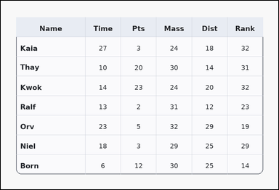 | 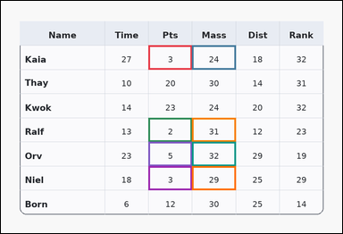 | task_tables_statistics_filtered_subset_value | filtered_column_mean | The image shows a card-style table with one Name column, several numeric columns, a rounded outer frame, and a shaded header row. Use the table values to filter the rows and then aggregate the named target column. Compute the mean of Mass over the rows where values in Pts less than 7. Return a valid JSON object with keys "evidence" and "answer" in that order. Evidence rule: set "evidence" to an array containing the ordered supporting cell pairs [filter cell, target cell] for each selected row in top-to-bottom row order. Answer rule: set "answer" to the exact integer filtered summary value. Example JSON: {"evidence":[[260,180,372,236],[374,180,486,236],[260,236,372,292],[374,236,486,292]],"answer":14} | The image shows a card-style table with one Name column, several numeric columns, a rounded outer frame, and a shaded header row. Use the table values to filter the rows and then aggregate the named target column. Compute the mean of Mass over the rows where values in Pts less than 7. Return a valid JSON object with key "answer". Answer: set "answer" to the exact integer filtered summary value. Example JSON: {"answer":14} | {"evidence": [[406.464, 122.5, 526.848, 189.0], [526.848, 122.5, 647.232, 189.0], [406.464, 322.0, 526.848, 388.5], [526.848, 322.0, 647.232, 388.5], [406.464, 388.5, 526.848, 455.0], [526.848, 388.5, 647.232, 455.0], [406.464, 455.0, 526.848, 521.5], [526.848, 455.0, 647.232, 521.5]], "answer": 29} | [[406.464, 122.5, 526.848, 189.0], [526.848, 122.5, 647.232, 189.0], [406.464, 322.0, 526.848, 388.5], [526.848, 322.0, 647.232, 388.5], [406.464, 388.5, 526.848, 455.0], [526.848, 388.5, 647.232, 455.0], [406.464, 455.0, 526.848, 521.5], [526.848, 455.0, 647.232, 521.5]] | integer | bbox_set | 6.1532074388E+15 | task_tables_statistics_filtered_subset_value/images/filtered_column_mean/0002.png | task_tables_statistics_filtered_subset_value/data/filtered_column_mean/0002.json
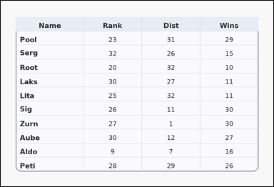 | 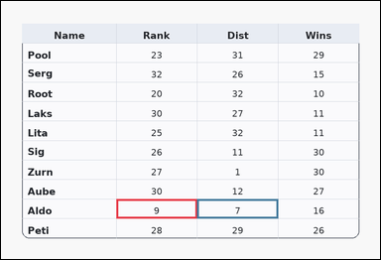 | task_tables_statistics_filtered_subset_value | filtered_column_mean | The image shows a card-style table with one Name column, several numeric columns, a rounded outer frame, and a shaded header row. Use the table values to filter the rows and then aggregate the named target column. Among the rows with values in Rank from 6 to 19 inclusive, what is the mean of the values in the Dist column? Return a valid JSON object with keys "evidence" and "answer" in that order. Evidence rule: set "evidence" to an array containing the ordered supporting cell pairs [filter cell, target cell] for each selected row in top-to-bottom row order. Answer rule: set "answer" to the exact integer filtered summary value. Example JSON: {"evidence":[[260,180,372,236],[374,180,486,236],[260,236,372,292],[374,236,486,292]],"answer":14} | The image shows a card-style table with one Name column, several numeric columns, a rounded outer frame, and a shaded header row. Use the table values to filter the rows and then aggregate the named target column. Among the rows with values in Rank from 6 to 19 inclusive, what is the mean of the values in the Dist column? Return a valid JSON object with key "answer". Answer format: set "answer" to the exact integer filtered summary value. Example JSON: {"answer":14} | {"evidence": [[286.08, 491.273, 486.72, 539.636], [486.72, 491.273, 687.36, 539.636]], "answer": 7} | [[286.08, 491.273, 486.72, 539.636], [486.72, 491.273, 687.36, 539.636]] | integer | bbox_set | 6.1895124943E+15 | task_tables_statistics_filtered_subset_value/images/filtered_column_mean/0014.png | task_tables_statistics_filtered_subset_value/data/filtered_column_mean/0014.json
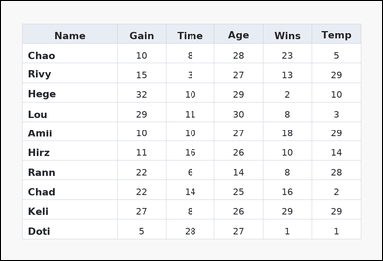 | 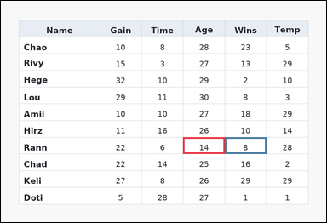 | task_tables_statistics_filtered_subset_value | filtered_column_mean | Work from the styled table shown in the image: a spreadsheet-style table with one Name column, several numeric columns, full grid lines, and a shaded header row. Answer this question. Among the rows with values in Age less than 24, what is the mean of the values in the Wins column? Return a valid JSON object with keys "evidence" and "answer" in that order. Evidence format: set "evidence" to an array containing the ordered supporting cell pairs [filter cell, target cell] for each selected row in top-to-bottom row order. Answer requirement: set "answer" to the exact integer filtered summary value. Example JSON: {"evidence":[[260,180,372,236],[374,180,486,236],[260,236,372,292],[374,236,486,292]],"answer":14} | Work from the styled table shown in the image: a spreadsheet-style table with one Name column, several numeric columns, full grid lines, and a shaded header row. Answer this question. Among the rows with values in Age less than 24, what is the mean of the values in the Wins column? Return a valid JSON object with key "answer". Answer field: set "answer" to the exact integer filtered summary value. Example JSON: {"answer":14} | {"evidence": [[526.848, 394.545, 647.232, 442.909], [647.232, 394.545, 767.616, 442.909]], "answer": 8} | [[526.848, 394.545, 647.232, 442.909], [647.232, 394.545, 767.616, 442.909]] | integer | bbox_set | 6.5888527475E+15 | task_tables_statistics_filtered_subset_value/images/filtered_column_mean/0018.png | task_tables_statistics_filtered_subset_value/data/filtered_column_mean/0018.json

filtered_column_sum
image | evidence_image | task | task_variant | prompt | prompt_answer_only | answer | answer_evidence | answer_type | evidence_type | instance_seed | image_path | data_path
 |  | task_tables_statistics_filtered_subset_value | filtered_column_sum | Look at the table in the image. It shows a zebra-striped table with one Name column, several numeric columns, alternating row shading, and a shaded header row. Answer this question. What is the total of the Temp values for rows whose Rank entries satisfy values in Rank from 23 to 26 inclusive? Return a valid JSON object with keys "evidence" and "answer" in that order. Evidence field: set "evidence" to an array containing the ordered supporting cell pairs [filter cell, target cell] for each selected row in top-to-bottom row order. Answer field: set "answer" to the exact integer filtered summary value. Example JSON: {"evidence":[[260,180,372,236],[374,180,486,236],[260,236,372,292],[374,236,486,292]],"answer":27} | Look at the table in the image. It shows a zebra-striped table with one Name column, several numeric columns, alternating row shading, and a shaded header row. Answer this question. What is the total of the Temp values for rows whose Rank entries satisfy values in Rank from 23 to 26 inclusive? Return a valid JSON object with key "answer". Answer rule: set "answer" to the exact integer filtered summary value. Example JSON: {"answer":27} | {"evidence": [[436.56, 104.364, 587.04, 152.727], [286.08, 104.364, 436.56, 152.727], [436.56, 152.727, 587.04, 201.091], [286.08, 152.727, 436.56, 201.091], [436.56, 201.091, 587.04, 249.455], [286.08, 201.091, 436.56, 249.455], [436.56, 249.455, 587.04, 297.818], [286.08, 249.455, 436.56, 297.818], [436.56, 297.818, 587.04, 346.182], [286.08, 297.818, 436.56, 346.182], [436.56, 346.182, 587.04, 394.545], [286.08, 346.182, 436.56, 394.545], [436.56, 442.909, 587.04, 491.273], [286.08, 442.909, 436.56, 491.273], [436.56, 491.273, 587.04, 539.636], [286.08, 491.273, 436.56, 539.636], [436.56, 539.636, 587.04, 588.0], [286.08, 539.636, 436.56, 588.0]], "answer": 21} | [[436.56, 104.364, 587.04, 152.727], [286.08, 104.364, 436.56, 152.727], [436.56, 152.727, 587.04, 201.091], [286.08, 152.727, 436.56, 201.091], [436.56, 201.091, 587.04, 249.455], [286.08, 201.091, 436.56, 249.455], [436.56, 249.455, 587.04, 297.818], [286.08, 249.455, 436.56, 297.818], [436.56, 297.818, 587.04, 346.182], [286.08, 297.818, 436.56, 346.182], [436.56, 346.182, 587.04, 394.545], [286.08, 346.182, 436.56, 394.545], [436.56, 442.909, 587.04, 491.273], [286.08, 442.909, 436.56, 491.273], [436.56, 491.273, 587.04, 539.636], [286.08, 491.273, 436.56, 539.636], [436.56, 539.636, 587.04, 588.0], [286.08, 539.636, 436.56, 588.0]] | integer | bbox_set | 227279755392738 | task_tables_statistics_filtered_subset_value/images/filtered_column_sum/0024.png | task_tables_statistics_filtered_subset_value/data/filtered_column_sum/0024.json
 |  | task_tables_statistics_filtered_subset_value | filtered_column_sum | You are given a table: a spreadsheet-style table with one Name column, several numeric columns, full grid lines, and a shaded header row. Find the numeric summary of the target column after applying the stated row filter. Compute the sum of Rate over the rows where values in Age less than 10. Return a valid JSON object with keys "evidence" and "answer" in that order. Evidence rule: set "evidence" to an array containing the ordered supporting cell pairs [filter cell, target cell] for each selected row in top-to-bottom row order. Answer rule: set "answer" to the exact integer filtered summary value. Example JSON: {"evidence":[[260,180,372,236],[374,180,486,236],[260,236,372,292],[374,236,486,292]],"answer":27} | You are given a table: a spreadsheet-style table with one Name column, several numeric columns, full grid lines, and a shaded header row. Find the numeric summary of the target column after applying the stated row filter. Compute the sum of Rate over the rows where values in Age less than 10. Return a valid JSON object with key "answer". Answer field: set "answer" to the exact integer filtered summary value. Example JSON: {"answer":27} | {"evidence": [[286.08, 208.0, 436.56, 284.0], [737.52, 208.0, 888.0, 284.0], [286.08, 284.0, 436.56, 360.0], [737.52, 284.0, 888.0, 360.0], [286.08, 436.0, 436.56, 512.0], [737.52, 436.0, 888.0, 512.0]], "answer": 87} | [[286.08, 208.0, 436.56, 284.0], [737.52, 208.0, 888.0, 284.0], [286.08, 284.0, 436.56, 360.0], [737.52, 284.0, 888.0, 360.0], [286.08, 436.0, 436.56, 512.0], [737.52, 436.0, 888.0, 512.0]] | integer | bbox_set | 601912797485831 | task_tables_statistics_filtered_subset_value/images/filtered_column_sum/0000.png | task_tables_statistics_filtered_subset_value/data/filtered_column_sum/0000.json
 |  | task_tables_statistics_filtered_subset_value | filtered_column_sum | Look at the table in the image. It shows a card-style table with one Name column, several numeric columns, a rounded outer frame, and a shaded header row. Use the table values to filter the rows and then aggregate the named target column. Among the rows with values in Cost from 19 to 30 inclusive, what is the sum of the values in the Rate column? Return a valid JSON object with keys "evidence" and "answer" in that order. Evidence: set "evidence" to an array containing the ordered supporting cell pairs [filter cell, target cell] for each selected row in top-to-bottom row order. Answer: set "answer" to the exact integer filtered summary value. Example JSON: {"evidence":[[260,180,372,236],[374,180,486,236],[260,236,372,292],[374,236,486,292]],"answer":27} | Look at the table in the image. It shows a card-style table with one Name column, several numeric columns, a rounded outer frame, and a shaded header row. Use the table values to filter the rows and then aggregate the named target column. Among the rows with values in Cost from 19 to 30 inclusive, what is the sum of the values in the Rate column? Return a valid JSON object with key "answer". Answer field: set "answer" to the exact integer filtered summary value. Example JSON: {"answer":27} | {"evidence": [[286.08, 144.667, 436.56, 233.333], [436.56, 144.667, 587.04, 233.333], [286.08, 322.0, 436.56, 410.667], [436.56, 322.0, 587.04, 410.667], [286.08, 410.667, 436.56, 499.333], [436.56, 410.667, 587.04, 499.333], [286.08, 499.333, 436.56, 588.0], [436.56, 499.333, 587.04, 588.0]], "answer": 82} | [[286.08, 144.667, 436.56, 233.333], [436.56, 144.667, 587.04, 233.333], [286.08, 322.0, 436.56, 410.667], [436.56, 322.0, 587.04, 410.667], [286.08, 410.667, 436.56, 499.333], [436.56, 410.667, 587.04, 499.333], [286.08, 499.333, 436.56, 588.0], [436.56, 499.333, 587.04, 588.0]] | integer | bbox_set | 679951219327928 | task_tables_statistics_filtered_subset_value/images/filtered_column_sum/0017.png | task_tables_statistics_filtered_subset_value/data/filtered_column_sum/0017.json
 |  | task_tables_statistics_filtered_subset_value | filtered_column_sum | Use the table in the image. It shows a card-style table with one Name column, several numeric columns, a rounded outer frame, and a shaded header row. Use the table values to filter the rows and then aggregate the named target column. Compute the sum of Pts over the rows where values in Mass less than 32. Return a valid JSON object with keys "evidence" and "answer" in that order. Evidence rule: set "evidence" to an array containing the ordered supporting cell pairs [filter cell, target cell] for each selected row in top-to-bottom row order. Answer rule: set "answer" to the exact integer filtered summary value. Example JSON: {"evidence":[[260,180,372,236],[374,180,486,236],[260,236,372,292],[374,236,486,292]],"answer":27} | Use the table in the image. It shows a card-style table with one Name column, several numeric columns, a rounded outer frame, and a shaded header row. Use the table values to filter the rows and then aggregate the named target column. Compute the sum of Pts over the rows where values in Mass less than 32. Return a valid JSON object with key "answer". Answer format: set "answer" to the exact integer filtered summary value. Example JSON: {"answer":27} | {"evidence": [[286.08, 152.727, 436.56, 201.091], [737.52, 152.727, 888.0, 201.091], [286.08, 201.091, 436.56, 249.455], [737.52, 201.091, 888.0, 249.455], [286.08, 249.455, 436.56, 297.818], [737.52, 249.455, 888.0, 297.818], [286.08, 297.818, 436.56, 346.182], [737.52, 297.818, 888.0, 346.182], [286.08, 346.182, 436.56, 394.545], [737.52, 346.182, 888.0, 394.545], [286.08, 394.545, 436.56, 442.909], [737.52, 394.545, 888.0, 442.909], [286.08, 442.909, 436.56, 491.273], [737.52, 442.909, 888.0, 491.273], [286.08, 491.273, 436.56, 539.636], [737.52, 491.273, 888.0, 539.636]], "answer": 126} | [[286.08, 152.727, 436.56, 201.091], [737.52, 152.727, 888.0, 201.091], [286.08, 201.091, 436.56, 249.455], [737.52, 201.091, 888.0, 249.455], [286.08, 249.455, 436.56, 297.818], [737.52, 249.455, 888.0, 297.818], [286.08, 297.818, 436.56, 346.182], [737.52, 297.818, 888.0, 346.182], [286.08, 346.182, 436.56, 394.545], [737.52, 346.182, 888.0, 394.545], [286.08, 394.545, 436.56, 442.909], [737.52, 394.545, 888.0, 442.909], [286.08, 442.909, 436.56, 491.273], [737.52, 442.909, 888.0, 491.273], [286.08, 491.273, 436.56, 539.636], [737.52, 491.273, 888.0, 539.636]] | integer | bbox_set | 744367100912644 | task_tables_statistics_filtered_subset_value/images/filtered_column_sum/0002.png | task_tables_statistics_filtered_subset_value/data/filtered_column_sum/0002.json
 |  | task_tables_statistics_filtered_subset_value | filtered_column_sum | The image shows a zebra-striped table with one Name column, several numeric columns, alternating row shading, and a shaded header row. Determine the requested target-column summary over the rows selected by the filter condition. What is the total of the Age values for rows whose Gain entries satisfy values in Gain less than 32? Return a valid JSON object with keys "evidence" and "answer" in that order. Evidence: set "evidence" to an array containing the ordered supporting cell pairs [filter cell, target cell] for each selected row in top-to-bottom row order. Answer: set "answer" to the exact integer filtered summary value. Example JSON: {"evidence":[[260,180,372,236],[374,180,486,236],[260,236,372,292],[374,236,486,292]],"answer":27} | The image shows a zebra-striped table with one Name column, several numeric columns, alternating row shading, and a shaded header row. Determine the requested target-column summary over the rows selected by the filter condition. What is the total of the Age values for rows whose Gain entries satisfy values in Gain less than 32? Return a valid JSON object with key "answer". Answer: set "answer" to the exact integer filtered summary value. Example JSON: {"answer":27} | {"evidence": [[436.56, 174.222, 587.04, 233.333], [286.08, 174.222, 436.56, 233.333], [436.56, 233.333, 587.04, 292.444], [286.08, 233.333, 436.56, 292.444], [436.56, 292.444, 587.04, 351.556], [286.08, 292.444, 436.56, 351.556], [436.56, 351.556, 587.04, 410.667], [286.08, 351.556, 436.56, 410.667], [436.56, 469.778, 587.04, 528.889], [286.08, 469.778, 436.56, 528.889]], "answer": 40} | [[436.56, 174.222, 587.04, 233.333], [286.08, 174.222, 436.56, 233.333], [436.56, 233.333, 587.04, 292.444], [286.08, 233.333, 436.56, 292.444], [436.56, 292.444, 587.04, 351.556], [286.08, 292.444, 436.56, 351.556], [436.56, 351.556, 587.04, 410.667], [286.08, 351.556, 436.56, 410.667], [436.56, 469.778, 587.04, 528.889], [286.08, 469.778, 436.56, 528.889]] | integer | bbox_set | 1.184058986E+15 | task_tables_statistics_filtered_subset_value/images/filtered_column_sum/0006.png | task_tables_statistics_filtered_subset_value/data/filtered_column_sum/0006.json
 |  | task_tables_statistics_filtered_subset_value | filtered_column_sum | Use the table in the image. It shows a card-style table with one Name column, several numeric columns, a rounded outer frame, and a shaded header row. Use the table values to filter the rows and then aggregate the named target column. Using only the rows with values in Temp greater than 19, determine the sum of the Dist column. Return a valid JSON object with keys "evidence" and "answer" in that order. Evidence requirement: set "evidence" to an array containing the ordered supporting cell pairs [filter cell, target cell] for each selected row in top-to-bottom row order. Answer format: set "answer" to the exact integer filtered summary value. Example JSON: {"evidence":[[260,180,372,236],[374,180,486,236],[260,236,372,292],[374,236,486,292]],"answer":27} | Use the table in the image. It shows a card-style table with one Name column, several numeric columns, a rounded outer frame, and a shaded header row. Use the table values to filter the rows and then aggregate the named target column. Using only the rows with values in Temp greater than 19, determine the sum of the Dist column. Return a valid JSON object with key "answer". Answer: set "answer" to the exact integer filtered summary value. Example JSON: {"answer":27} | {"evidence": [[436.56, 132.0, 587.04, 208.0], [286.08, 132.0, 436.56, 208.0], [436.56, 360.0, 587.04, 436.0], [286.08, 360.0, 436.56, 436.0]], "answer": 60} | [[436.56, 132.0, 587.04, 208.0], [286.08, 132.0, 436.56, 208.0], [436.56, 360.0, 587.04, 436.0], [286.08, 360.0, 436.56, 436.0]] | integer | bbox_set | 1.3017093694E+15 | task_tables_statistics_filtered_subset_value/images/filtered_column_sum/0012.png | task_tables_statistics_filtered_subset_value/data/filtered_column_sum/0012.json
 |  | task_tables_statistics_filtered_subset_value | filtered_column_sum | Use the table in the image. It shows a ledger-style table with one Name column, several numeric columns, strong horizontal rules, and minimal vertical separators. Read the table, keep the rows that satisfy the filter, and report the requested target-column summary. What is the total of the Wins values for rows whose Cost entries satisfy values in Cost from 30 to 30 inclusive? Return a valid JSON object with keys "evidence" and "answer" in that order. Evidence rule: set "evidence" to an array containing the ordered supporting cell pairs [filter cell, target cell] for each selected row in top-to-bottom row order. Answer rule: set "answer" to the exact integer filtered summary value. Example JSON: {"evidence":[[260,180,372,236],[374,180,486,236],[260,236,372,292],[374,236,486,292]],"answer":27} | Use the table in the image. It shows a ledger-style table with one Name column, several numeric columns, strong horizontal rules, and minimal vertical separators. Read the table, keep the rows that satisfy the filter, and report the requested target-column summary. What is the total of the Wins values for rows whose Cost entries satisfy values in Cost from 30 to 30 inclusive? Return a valid JSON object with key "answer". Answer format: set "answer" to the exact integer filtered summary value. Example JSON: {"answer":27} | {"evidence": [[436.56, 104.364, 587.04, 152.727], [286.08, 104.364, 436.56, 152.727], [436.56, 201.091, 587.04, 249.455], [286.08, 201.091, 436.56, 249.455], [436.56, 249.455, 587.04, 297.818], [286.08, 249.455, 436.56, 297.818], [436.56, 442.909, 587.04, 491.273], [286.08, 442.909, 436.56, 491.273], [436.56, 491.273, 587.04, 539.636], [286.08, 491.273, 436.56, 539.636]], "answer": 37} | [[436.56, 104.364, 587.04, 152.727], [286.08, 104.364, 436.56, 152.727], [436.56, 201.091, 587.04, 249.455], [286.08, 201.091, 436.56, 249.455], [436.56, 249.455, 587.04, 297.818], [286.08, 249.455, 436.56, 297.818], [436.56, 442.909, 587.04, 491.273], [286.08, 442.909, 436.56, 491.273], [436.56, 491.273, 587.04, 539.636], [286.08, 491.273, 436.56, 539.636]] | integer | bbox_set | 1.9126438453E+15 | task_tables_statistics_filtered_subset_value/images/filtered_column_sum/0023.png | task_tables_statistics_filtered_subset_value/data/filtered_column_sum/0023.json
 |  | task_tables_statistics_filtered_subset_value | filtered_column_sum | Work from the styled table shown in the image: a zebra-striped table with one Name column, several numeric columns, alternating row shading, and a shaded header row. Determine the requested target-column summary over the rows selected by the filter condition. Compute the sum of Pts over the rows where values in Mass less than 18. Return a valid JSON object with keys "evidence" and "answer" in that order. Evidence format: set "evidence" to an array containing the ordered supporting cell pairs [filter cell, target cell] for each selected row in top-to-bottom row order. Answer requirement: set "answer" to the exact integer filtered summary value. Example JSON: {"evidence":[[260,180,372,236],[374,180,486,236],[260,236,372,292],[374,236,486,292]],"answer":27} | Work from the styled table shown in the image: a zebra-striped table with one Name column, several numeric columns, alternating row shading, and a shaded header row. Determine the requested target-column summary over the rows selected by the filter condition. Compute the sum of Pts over the rows where values in Mass less than 18. Return a valid JSON object with key "answer". Answer field: set "answer" to the exact integer filtered summary value. Example JSON: {"answer":27} | {"evidence": [[767.616, 410.667, 888.0, 499.333], [406.464, 410.667, 526.848, 499.333], [767.616, 499.333, 888.0, 588.0], [406.464, 499.333, 526.848, 588.0]], "answer": 16} | [[767.616, 410.667, 888.0, 499.333], [406.464, 410.667, 526.848, 499.333], [767.616, 499.333, 888.0, 588.0], [406.464, 499.333, 526.848, 588.0]] | integer | bbox_set | 1.9352558447E+15 | task_tables_statistics_filtered_subset_value/images/filtered_column_sum/0013.png | task_tables_statistics_filtered_subset_value/data/filtered_column_sum/0013.json
 |  | task_tables_statistics_filtered_subset_value | filtered_column_sum | You are given a table: a card-style table with one Name column, several numeric columns, a rounded outer frame, and a shaded header row. Determine the requested target-column summary over the rows selected by the filter condition. Among the rows with values in Score from 23 to 32 inclusive, what is the sum of the values in the Rank column? Return a valid JSON object with keys "evidence" and "answer" in that order. Evidence format: set "evidence" to an array containing the ordered supporting cell pairs [filter cell, target cell] for each selected row in top-to-bottom row order. Answer requirement: set "answer" to the exact integer filtered summary value. Example JSON: {"evidence":[[260,180,372,236],[374,180,486,236],[260,236,372,292],[374,236,486,292]],"answer":27} | You are given a table: a card-style table with one Name column, several numeric columns, a rounded outer frame, and a shaded header row. Determine the requested target-column summary over the rows selected by the filter condition. Among the rows with values in Score from 23 to 32 inclusive, what is the sum of the values in the Rank column? Return a valid JSON object with key "answer". Answer field: set "answer" to the exact integer filtered summary value. Example JSON: {"answer":27} | {"evidence": [[436.56, 208.0, 587.04, 284.0], [737.52, 208.0, 888.0, 284.0], [436.56, 284.0, 587.04, 360.0], [737.52, 284.0, 888.0, 360.0], [436.56, 360.0, 587.04, 436.0], [737.52, 360.0, 888.0, 436.0], [436.56, 436.0, 587.04, 512.0], [737.52, 436.0, 888.0, 512.0]], "answer": 11} | [[436.56, 208.0, 587.04, 284.0], [737.52, 208.0, 888.0, 284.0], [436.56, 284.0, 587.04, 360.0], [737.52, 284.0, 888.0, 360.0], [436.56, 360.0, 587.04, 436.0], [737.52, 360.0, 888.0, 436.0], [436.56, 436.0, 587.04, 512.0], [737.52, 436.0, 888.0, 512.0]] | integer | bbox_set | 2.1356427798E+15 | task_tables_statistics_filtered_subset_value/images/filtered_column_sum/0005.png | task_tables_statistics_filtered_subset_value/data/filtered_column_sum/0005.json
 |  | task_tables_statistics_filtered_subset_value | filtered_column_sum | Look at the table in the image. It shows a card-style table with one Name column, several numeric columns, a rounded outer frame, and a shaded header row. Find the numeric summary of the target column after applying the stated row filter. Filter the rows to those with values in Gain greater than 15. What total do their Temp values have? Return a valid JSON object with keys "evidence" and "answer" in that order. Evidence field: set "evidence" to an array containing the ordered supporting cell pairs [filter cell, target cell] for each selected row in top-to-bottom row order. Answer field: set "answer" to the exact integer filtered summary value. Example JSON: {"evidence":[[260,180,372,236],[374,180,486,236],[260,236,372,292],[374,236,486,292]],"answer":27} | Look at the table in the image. It shows a card-style table with one Name column, several numeric columns, a rounded outer frame, and a shaded header row. Find the numeric summary of the target column after applying the stated row filter. Filter the rows to those with values in Gain greater than 15. What total do their Temp values have? Return a valid JSON object with key "answer". Answer rule: set "answer" to the exact integer filtered summary value. Example JSON: {"answer":27} | {"evidence": [[737.52, 132.0, 888.0, 208.0], [286.08, 132.0, 436.56, 208.0], [737.52, 208.0, 888.0, 284.0], [286.08, 208.0, 436.56, 284.0], [737.52, 284.0, 888.0, 360.0], [286.08, 284.0, 436.56, 360.0], [737.52, 436.0, 888.0, 512.0], [286.08, 436.0, 436.56, 512.0], [737.52, 512.0, 888.0, 588.0], [286.08, 512.0, 436.56, 588.0]], "answer": 79} | [[737.52, 132.0, 888.0, 208.0], [286.08, 132.0, 436.56, 208.0], [737.52, 208.0, 888.0, 284.0], [286.08, 208.0, 436.56, 284.0], [737.52, 284.0, 888.0, 360.0], [286.08, 284.0, 436.56, 360.0], [737.52, 436.0, 888.0, 512.0], [286.08, 436.0, 436.56, 512.0], [737.52, 512.0, 888.0, 588.0], [286.08, 512.0, 436.56, 588.0]] | integer | bbox_set | 2.1999206708E+15 | task_tables_statistics_filtered_subset_value/images/filtered_column_sum/0019.png | task_tables_statistics_filtered_subset_value/data/filtered_column_sum/0019.json
 |  | task_tables_statistics_filtered_subset_value | filtered_column_sum | You are given a table: a spreadsheet-style table with one Name column, several numeric columns, full grid lines, and a shaded header row. Use the table values to filter the rows and then aggregate the named target column. Using only the rows with values in Rank greater than 16, determine the sum of the Rate column. Return a valid JSON object with keys "evidence" and "answer" in that order. Evidence field: set "evidence" to an array containing the ordered supporting cell pairs [filter cell, target cell] for each selected row in top-to-bottom row order. Answer field: set "answer" to the exact integer filtered summary value. Example JSON: {"evidence":[[260,180,372,236],[374,180,486,236],[260,236,372,292],[374,236,486,292]],"answer":27} | You are given a table: a spreadsheet-style table with one Name column, several numeric columns, full grid lines, and a shaded header row. Use the table values to filter the rows and then aggregate the named target column. Using only the rows with values in Rank greater than 16, determine the sum of the Rate column. Return a valid JSON object with key "answer". Answer field: set "answer" to the exact integer filtered summary value. Example JSON: {"answer":27} | {"evidence": [[436.56, 109.2, 587.04, 162.4], [587.04, 109.2, 737.52, 162.4], [436.56, 215.6, 587.04, 268.8], [587.04, 215.6, 737.52, 268.8], [436.56, 268.8, 587.04, 322.0], [587.04, 268.8, 737.52, 322.0], [436.56, 322.0, 587.04, 375.2], [587.04, 322.0, 737.52, 375.2], [436.56, 375.2, 587.04, 428.4], [587.04, 375.2, 737.52, 428.4], [436.56, 428.4, 587.04, 481.6], [587.04, 428.4, 737.52, 481.6], [436.56, 481.6, 587.04, 534.8], [587.04, 481.6, 737.52, 534.8]], "answer": 95} | [[436.56, 109.2, 587.04, 162.4], [587.04, 109.2, 737.52, 162.4], [436.56, 215.6, 587.04, 268.8], [587.04, 215.6, 737.52, 268.8], [436.56, 268.8, 587.04, 322.0], [587.04, 268.8, 737.52, 322.0], [436.56, 322.0, 587.04, 375.2], [587.04, 322.0, 737.52, 375.2], [436.56, 375.2, 587.04, 428.4], [587.04, 375.2, 737.52, 428.4], [436.56, 428.4, 587.04, 481.6], [587.04, 428.4, 737.52, 481.6], [436.56, 481.6, 587.04, 534.8], [587.04, 481.6, 737.52, 534.8]] | integer | bbox_set | 2.7071404822E+15 | task_tables_statistics_filtered_subset_value/images/filtered_column_sum/0007.png | task_tables_statistics_filtered_subset_value/data/filtered_column_sum/0007.json
 |  | task_tables_statistics_filtered_subset_value | filtered_column_sum | The image shows a card-style table with one Name column, several numeric columns, a rounded outer frame, and a shaded header row. Read the table, keep the rows that satisfy the filter, and report the requested target-column summary. Filter the rows to those with values in Wins less than 8. What total do their Time values have? Return a valid JSON object with keys "evidence" and "answer" in that order. Evidence field: set "evidence" to an array containing the ordered supporting cell pairs [filter cell, target cell] for each selected row in top-to-bottom row order. Answer field: set "answer" to the exact integer filtered summary value. Example JSON: {"evidence":[[260,180,372,236],[374,180,486,236],[260,236,372,292],[374,236,486,292]],"answer":27} | The image shows a card-style table with one Name column, several numeric columns, a rounded outer frame, and a shaded header row. Read the table, keep the rows that satisfy the filter, and report the requested target-column summary. Filter the rows to those with values in Wins less than 8. What total do their Time values have? Return a valid JSON object with key "answer". Answer format: set "answer" to the exact integer filtered summary value. Example JSON: {"answer":27} | {"evidence": [[687.36, 115.111, 888.0, 174.222], [286.08, 115.111, 486.72, 174.222], [687.36, 292.444, 888.0, 351.556], [286.08, 292.444, 486.72, 351.556], [687.36, 528.889, 888.0, 588.0], [286.08, 528.889, 486.72, 588.0]], "answer": 68} | [[687.36, 115.111, 888.0, 174.222], [286.08, 115.111, 486.72, 174.222], [687.36, 292.444, 888.0, 351.556], [286.08, 292.444, 486.72, 351.556], [687.36, 528.889, 888.0, 588.0], [286.08, 528.889, 486.72, 588.0]] | integer | bbox_set | 3.4331106353E+15 | task_tables_statistics_filtered_subset_value/images/filtered_column_sum/0016.png | task_tables_statistics_filtered_subset_value/data/filtered_column_sum/0016.json
 |  | task_tables_statistics_filtered_subset_value | filtered_column_sum | Work from the styled table shown in the image: a zebra-striped table with one Name column, several numeric columns, alternating row shading, and a shaded header row. Answer this question. What is the total of the Age values for rows whose Gain entries satisfy values in Gain from 31 to 31 inclusive? Return a valid JSON object with keys "evidence" and "answer" in that order. Evidence field: set "evidence" to an array containing the ordered supporting cell pairs [filter cell, target cell] for each selected row in top-to-bottom row order. Answer field: set "answer" to the exact integer filtered summary value. Example JSON: {"evidence":[[260,180,372,236],[374,180,486,236],[260,236,372,292],[374,236,486,292]],"answer":27} | Work from the styled table shown in the image: a zebra-striped table with one Name column, several numeric columns, alternating row shading, and a shaded header row. Answer this question. What is the total of the Age values for rows whose Gain entries satisfy values in Gain from 31 to 31 inclusive? Return a valid JSON object with key "answer". Answer field: set "answer" to the exact integer filtered summary value. Example JSON: {"answer":27} | {"evidence": [[286.08, 109.2, 406.464, 162.4], [406.464, 109.2, 526.848, 162.4], [286.08, 162.4, 406.464, 215.6], [406.464, 162.4, 526.848, 215.6]], "answer": 47} | [[286.08, 109.2, 406.464, 162.4], [406.464, 109.2, 526.848, 162.4], [286.08, 162.4, 406.464, 215.6], [406.464, 162.4, 526.848, 215.6]] | integer | bbox_set | 3.8427307699E+15 | task_tables_statistics_filtered_subset_value/images/filtered_column_sum/0011.png | task_tables_statistics_filtered_subset_value/data/filtered_column_sum/0011.json
 |  | task_tables_statistics_filtered_subset_value | filtered_column_sum | Work from the styled table shown in the image: a zebra-striped table with one Name column, several numeric columns, alternating row shading, and a shaded header row. Use the table values to filter the rows and then aggregate the named target column. What is the total of the Age values for rows whose Rate entries satisfy values in Rate greater than 13? Return a valid JSON object with keys "evidence" and "answer" in that order. Evidence: set "evidence" to an array containing the ordered supporting cell pairs [filter cell, target cell] for each selected row in top-to-bottom row order. Answer: set "answer" to the exact integer filtered summary value. Example JSON: {"evidence":[[260,180,372,236],[374,180,486,236],[260,236,372,292],[374,236,486,292]],"answer":27} | Work from the styled table shown in the image: a zebra-striped table with one Name column, several numeric columns, alternating row shading, and a shaded header row. Use the table values to filter the rows and then aggregate the named target column. What is the total of the Age values for rows whose Rate entries satisfy values in Rate greater than 13? Return a valid JSON object with key "answer". Answer: set "answer" to the exact integer filtered summary value. Example JSON: {"answer":27} | {"evidence": [[436.56, 144.667, 587.04, 233.333], [587.04, 144.667, 737.52, 233.333], [436.56, 233.333, 587.04, 322.0], [587.04, 233.333, 737.52, 322.0], [436.56, 322.0, 587.04, 410.667], [587.04, 322.0, 737.52, 410.667], [436.56, 410.667, 587.04, 499.333], [587.04, 410.667, 737.52, 499.333]], "answer": 124} | [[436.56, 144.667, 587.04, 233.333], [587.04, 144.667, 737.52, 233.333], [436.56, 233.333, 587.04, 322.0], [587.04, 233.333, 737.52, 322.0], [436.56, 322.0, 587.04, 410.667], [587.04, 322.0, 737.52, 410.667], [436.56, 410.667, 587.04, 499.333], [587.04, 410.667, 737.52, 499.333]] | integer | bbox_set | 4.5605694633E+15 | task_tables_statistics_filtered_subset_value/images/filtered_column_sum/0022.png | task_tables_statistics_filtered_subset_value/data/filtered_column_sum/0022.json
 |  | task_tables_statistics_filtered_subset_value | filtered_column_sum | The image shows a zebra-striped table with one Name column, several numeric columns, alternating row shading, and a shaded header row. Determine the requested target-column summary over the rows selected by the filter condition. Filter the rows to those with values in Gain greater than 11. What total do their Temp values have? Return a valid JSON object with keys "evidence" and "answer" in that order. Evidence format: set "evidence" to an array containing the ordered supporting cell pairs [filter cell, target cell] for each selected row in top-to-bottom row order. Answer requirement: set "answer" to the exact integer filtered summary value. Example JSON: {"evidence":[[260,180,372,236],[374,180,486,236],[260,236,372,292],[374,236,486,292]],"answer":27} | The image shows a zebra-striped table with one Name column, several numeric columns, alternating row shading, and a shaded header row. Determine the requested target-column summary over the rows selected by the filter condition. Filter the rows to those with values in Gain greater than 11. What total do their Temp values have? Return a valid JSON object with key "answer". Answer field: set "answer" to the exact integer filtered summary value. Example JSON: {"answer":27} | {"evidence": [[286.08, 109.2, 406.464, 162.4], [647.232, 109.2, 767.616, 162.4], [286.08, 534.8, 406.464, 588.0], [647.232, 534.8, 767.616, 588.0]], "answer": 8} | [[286.08, 109.2, 406.464, 162.4], [647.232, 109.2, 767.616, 162.4], [286.08, 534.8, 406.464, 588.0], [647.232, 534.8, 767.616, 588.0]] | integer | bbox_set | 4.8649190188E+15 | task_tables_statistics_filtered_subset_value/images/filtered_column_sum/0014.png | task_tables_statistics_filtered_subset_value/data/filtered_column_sum/0014.json
 |  | task_tables_statistics_filtered_subset_value | filtered_column_sum | You are given a table: a card-style table with one Name column, several numeric columns, a rounded outer frame, and a shaded header row. Answer this question. What is the total of the Age values for rows whose Mass entries satisfy values in Mass greater than 2? Return a valid JSON object with keys "evidence" and "answer" in that order. Evidence: set "evidence" to an array containing the ordered supporting cell pairs [filter cell, target cell] for each selected row in top-to-bottom row order. Answer: set "answer" to the exact integer filtered summary value. Example JSON: {"evidence":[[260,180,372,236],[374,180,486,236],[260,236,372,292],[374,236,486,292]],"answer":27} | You are given a table: a card-style table with one Name column, several numeric columns, a rounded outer frame, and a shaded header row. Answer this question. What is the total of the Age values for rows whose Mass entries satisfy values in Mass greater than 2? Return a valid JSON object with key "answer". Answer field: set "answer" to the exact integer filtered summary value. Example JSON: {"answer":27} | {"evidence": [[406.464, 162.4, 526.848, 215.6], [286.08, 162.4, 406.464, 215.6], [406.464, 215.6, 526.848, 268.8], [286.08, 215.6, 406.464, 268.8], [406.464, 322.0, 526.848, 375.2], [286.08, 322.0, 406.464, 375.2], [406.464, 375.2, 526.848, 428.4], [286.08, 375.2, 406.464, 428.4]], "answer": 13} | [[406.464, 162.4, 526.848, 215.6], [286.08, 162.4, 406.464, 215.6], [406.464, 215.6, 526.848, 268.8], [286.08, 215.6, 406.464, 268.8], [406.464, 322.0, 526.848, 375.2], [286.08, 322.0, 406.464, 375.2], [406.464, 375.2, 526.848, 428.4], [286.08, 375.2, 406.464, 428.4]] | integer | bbox_set | 4.8683803622E+15 | task_tables_statistics_filtered_subset_value/images/filtered_column_sum/0003.png | task_tables_statistics_filtered_subset_value/data/filtered_column_sum/0003.json
 |  | task_tables_statistics_filtered_subset_value | filtered_column_sum | The image shows a zebra-striped table with one Name column, several numeric columns, alternating row shading, and a shaded header row. Use the table values to filter the rows and then aggregate the named target column. Compute the sum of Pts over the rows where values in Cost greater than 12. Return a valid JSON object with keys "evidence" and "answer" in that order. Evidence requirement: set "evidence" to an array containing the ordered supporting cell pairs [filter cell, target cell] for each selected row in top-to-bottom row order. Answer format: set "answer" to the exact integer filtered summary value. Example JSON: {"evidence":[[260,180,372,236],[374,180,486,236],[260,236,372,292],[374,236,486,292]],"answer":27} | The image shows a zebra-striped table with one Name column, several numeric columns, alternating row shading, and a shaded header row. Use the table values to filter the rows and then aggregate the named target column. Compute the sum of Pts over the rows where values in Cost greater than 12. Return a valid JSON object with key "answer". Answer format: set "answer" to the exact integer filtered summary value. Example JSON: {"answer":27} | {"evidence": [[406.464, 104.364, 526.848, 152.727], [286.08, 104.364, 406.464, 152.727], [406.464, 491.273, 526.848, 539.636], [286.08, 491.273, 406.464, 539.636]], "answer": 55} | [[406.464, 104.364, 526.848, 152.727], [286.08, 104.364, 406.464, 152.727], [406.464, 491.273, 526.848, 539.636], [286.08, 491.273, 406.464, 539.636]] | integer | bbox_set | 5.1876289663E+15 | task_tables_statistics_filtered_subset_value/images/filtered_column_sum/0015.png | task_tables_statistics_filtered_subset_value/data/filtered_column_sum/0015.json
 |  | task_tables_statistics_filtered_subset_value | filtered_column_sum | Use the table in the image. It shows a zebra-striped table with one Name column, several numeric columns, alternating row shading, and a shaded header row. Answer this question. Among the rows with values in Time from 13 to 21 inclusive, what is the sum of the values in the Wins column? Return a valid JSON object with keys "evidence" and "answer" in that order. Evidence format: set "evidence" to an array containing the ordered supporting cell pairs [filter cell, target cell] for each selected row in top-to-bottom row order. Answer requirement: set "answer" to the exact integer filtered summary value. Example JSON: {"evidence":[[260,180,372,236],[374,180,486,236],[260,236,372,292],[374,236,486,292]],"answer":27} | Use the table in the image. It shows a zebra-striped table with one Name column, several numeric columns, alternating row shading, and a shaded header row. Answer this question. Among the rows with values in Time from 13 to 21 inclusive, what is the sum of the values in the Wins column? Return a valid JSON object with key "answer". Answer field: set "answer" to the exact integer filtered summary value. Example JSON: {"answer":27} | {"evidence": [[587.04, 208.0, 737.52, 284.0], [436.56, 208.0, 587.04, 284.0], [587.04, 284.0, 737.52, 360.0], [436.56, 284.0, 587.04, 360.0], [587.04, 360.0, 737.52, 436.0], [436.56, 360.0, 587.04, 436.0], [587.04, 436.0, 737.52, 512.0], [436.56, 436.0, 587.04, 512.0], [587.04, 512.0, 737.52, 588.0], [436.56, 512.0, 587.04, 588.0]], "answer": 48} | [[587.04, 208.0, 737.52, 284.0], [436.56, 208.0, 587.04, 284.0], [587.04, 284.0, 737.52, 360.0], [436.56, 284.0, 587.04, 360.0], [587.04, 360.0, 737.52, 436.0], [436.56, 360.0, 587.04, 436.0], [587.04, 436.0, 737.52, 512.0], [436.56, 436.0, 587.04, 512.0], [587.04, 512.0, 737.52, 588.0], [436.56, 512.0, 587.04, 588.0]] | integer | bbox_set | 5.33903351E+15 | task_tables_statistics_filtered_subset_value/images/filtered_column_sum/0004.png | task_tables_statistics_filtered_subset_value/data/filtered_column_sum/0004.json
 |  | task_tables_statistics_filtered_subset_value | filtered_column_sum | The image shows a ledger-style table with one Name column, several numeric columns, strong horizontal rules, and minimal vertical separators. Use the table values to filter the rows and then aggregate the named target column. Using only the rows with values in Score less than 31, determine the sum of the Rank column. Return a valid JSON object with keys "evidence" and "answer" in that order. Evidence requirement: set "evidence" to an array containing the ordered supporting cell pairs [filter cell, target cell] for each selected row in top-to-bottom row order. Answer format: set "answer" to the exact integer filtered summary value. Example JSON: {"evidence":[[260,180,372,236],[374,180,486,236],[260,236,372,292],[374,236,486,292]],"answer":27} | The image shows a ledger-style table with one Name column, several numeric columns, strong horizontal rules, and minimal vertical separators. Use the table values to filter the rows and then aggregate the named target column. Using only the rows with values in Score less than 31, determine the sum of the Rank column. Return a valid JSON object with key "answer". Answer format: set "answer" to the exact integer filtered summary value. Example JSON: {"answer":27} | {"evidence": [[767.616, 132.0, 888.0, 208.0], [647.232, 132.0, 767.616, 208.0], [767.616, 208.0, 888.0, 284.0], [647.232, 208.0, 767.616, 284.0], [767.616, 284.0, 888.0, 360.0], [647.232, 284.0, 767.616, 360.0], [767.616, 360.0, 888.0, 436.0], [647.232, 360.0, 767.616, 436.0], [767.616, 436.0, 888.0, 512.0], [647.232, 436.0, 767.616, 512.0]], "answer": 33} | [[767.616, 132.0, 888.0, 208.0], [647.232, 132.0, 767.616, 208.0], [767.616, 208.0, 888.0, 284.0], [647.232, 208.0, 767.616, 284.0], [767.616, 284.0, 888.0, 360.0], [647.232, 284.0, 767.616, 360.0], [767.616, 360.0, 888.0, 436.0], [647.232, 360.0, 767.616, 436.0], [767.616, 436.0, 888.0, 512.0], [647.232, 436.0, 767.616, 512.0]] | integer | bbox_set | 5.7574252604E+15 | task_tables_statistics_filtered_subset_value/images/filtered_column_sum/0020.png | task_tables_statistics_filtered_subset_value/data/filtered_column_sum/0020.json
 |  | task_tables_statistics_filtered_subset_value | filtered_column_sum | Work from the styled table shown in the image: a zebra-striped table with one Name column, several numeric columns, alternating row shading, and a shaded header row. Determine the requested target-column summary over the rows selected by the filter condition. What is the total of the Rank values for rows whose Mass entries satisfy values in Mass less than 31? Return a valid JSON object with keys "evidence" and "answer" in that order. Evidence format: set "evidence" to an array containing the ordered supporting cell pairs [filter cell, target cell] for each selected row in top-to-bottom row order. Answer requirement: set "answer" to the exact integer filtered summary value. Example JSON: {"evidence":[[260,180,372,236],[374,180,486,236],[260,236,372,292],[374,236,486,292]],"answer":27} | Work from the styled table shown in the image: a zebra-striped table with one Name column, several numeric columns, alternating row shading, and a shaded header row. Determine the requested target-column summary over the rows selected by the filter condition. What is the total of the Rank values for rows whose Mass entries satisfy values in Mass less than 31? Return a valid JSON object with key "answer". Answer rule: set "answer" to the exact integer filtered summary value. Example JSON: {"answer":27} | {"evidence": [[737.52, 410.667, 888.0, 499.333], [436.56, 410.667, 587.04, 499.333], [737.52, 499.333, 888.0, 588.0], [436.56, 499.333, 587.04, 588.0]], "answer": 10} | [[737.52, 410.667, 888.0, 499.333], [436.56, 410.667, 587.04, 499.333], [737.52, 499.333, 888.0, 588.0], [436.56, 499.333, 587.04, 588.0]] | integer | bbox_set | 6.3401108682E+15 | task_tables_statistics_filtered_subset_value/images/filtered_column_sum/0008.png | task_tables_statistics_filtered_subset_value/data/filtered_column_sum/0008.json
 |  | task_tables_statistics_filtered_subset_value | filtered_column_sum | Use the table in the image. It shows a ledger-style table with one Name column, several numeric columns, strong horizontal rules, and minimal vertical separators. Determine the requested target-column summary over the rows selected by the filter condition. Among the rows with values in Age from 6 to 9 inclusive, what is the sum of the values in the Rank column? Return a valid JSON object with keys "evidence" and "answer" in that order. Evidence: set "evidence" to an array containing the ordered supporting cell pairs [filter cell, target cell] for each selected row in top-to-bottom row order. Answer: set "answer" to the exact integer filtered summary value. Example JSON: {"evidence":[[260,180,372,236],[374,180,486,236],[260,236,372,292],[374,236,486,292]],"answer":27} | Use the table in the image. It shows a ledger-style table with one Name column, several numeric columns, strong horizontal rules, and minimal vertical separators. Determine the requested target-column summary over the rows selected by the filter condition. Among the rows with values in Age from 6 to 9 inclusive, what is the sum of the values in the Rank column? Return a valid JSON object with key "answer". Answer field: set "answer" to the exact integer filtered summary value. Example JSON: {"answer":27} | {"evidence": [[587.04, 208.0, 737.52, 284.0], [286.08, 208.0, 436.56, 284.0], [587.04, 284.0, 737.52, 360.0], [286.08, 284.0, 436.56, 360.0], [587.04, 360.0, 737.52, 436.0], [286.08, 360.0, 436.56, 436.0], [587.04, 436.0, 737.52, 512.0], [286.08, 436.0, 436.56, 512.0]], "answer": 17} | [[587.04, 208.0, 737.52, 284.0], [286.08, 208.0, 436.56, 284.0], [587.04, 284.0, 737.52, 360.0], [286.08, 284.0, 436.56, 360.0], [587.04, 360.0, 737.52, 436.0], [286.08, 360.0, 436.56, 436.0], [587.04, 436.0, 737.52, 512.0], [286.08, 436.0, 436.56, 512.0]] | integer | bbox_set | 7.1969163863E+15 | task_tables_statistics_filtered_subset_value/images/filtered_column_sum/0010.png | task_tables_statistics_filtered_subset_value/data/filtered_column_sum/0010.json
 |  | task_tables_statistics_filtered_subset_value | filtered_column_sum | You are given a table: a zebra-striped table with one Name column, several numeric columns, alternating row shading, and a shaded header row. Determine the requested target-column summary over the rows selected by the filter condition. What is the total of the Temp values for rows whose Gain entries satisfy values in Gain greater than 29? Return a valid JSON object with keys "evidence" and "answer" in that order. Evidence: set "evidence" to an array containing the ordered supporting cell pairs [filter cell, target cell] for each selected row in top-to-bottom row order. Answer: set "answer" to the exact integer filtered summary value. Example JSON: {"evidence":[[260,180,372,236],[374,180,486,236],[260,236,372,292],[374,236,486,292]],"answer":27} | You are given a table: a zebra-striped table with one Name column, several numeric columns, alternating row shading, and a shaded header row. Determine the requested target-column summary over the rows selected by the filter condition. What is the total of the Temp values for rows whose Gain entries satisfy values in Gain greater than 29? Return a valid JSON object with key "answer". Answer requirement: set "answer" to the exact integer filtered summary value. Example JSON: {"answer":27} | {"evidence": [[286.08, 208.0, 436.56, 284.0], [436.56, 208.0, 587.04, 284.0], [286.08, 284.0, 436.56, 360.0], [436.56, 284.0, 587.04, 360.0], [286.08, 512.0, 436.56, 588.0], [436.56, 512.0, 587.04, 588.0]], "answer": 47} | [[286.08, 208.0, 436.56, 284.0], [436.56, 208.0, 587.04, 284.0], [286.08, 284.0, 436.56, 360.0], [436.56, 284.0, 587.04, 360.0], [286.08, 512.0, 436.56, 588.0], [436.56, 512.0, 587.04, 588.0]] | integer | bbox_set | 8.1643764949E+15 | task_tables_statistics_filtered_subset_value/images/filtered_column_sum/0018.png | task_tables_statistics_filtered_subset_value/data/filtered_column_sum/0018.json
 |  | task_tables_statistics_filtered_subset_value | filtered_column_sum | The image shows a ledger-style table with one Name column, several numeric columns, strong horizontal rules, and minimal vertical separators. Answer this question. Compute the sum of Rank over the rows where values in Rate less than 17. Return a valid JSON object with keys "evidence" and "answer" in that order. Evidence rule: set "evidence" to an array containing the ordered supporting cell pairs [filter cell, target cell] for each selected row in top-to-bottom row order. Answer rule: set "answer" to the exact integer filtered summary value. Example JSON: {"evidence":[[260,180,372,236],[374,180,486,236],[260,236,372,292],[374,236,486,292]],"answer":27} | The image shows a ledger-style table with one Name column, several numeric columns, strong horizontal rules, and minimal vertical separators. Answer this question. Compute the sum of Rank over the rows where values in Rate less than 17. Return a valid JSON object with key "answer". Answer rule: set "answer" to the exact integer filtered summary value. Example JSON: {"answer":27} | {"evidence": [[687.36, 122.5, 888.0, 189.0], [486.72, 122.5, 687.36, 189.0], [687.36, 388.5, 888.0, 455.0], [486.72, 388.5, 687.36, 455.0]], "answer": 26} | [[687.36, 122.5, 888.0, 189.0], [486.72, 122.5, 687.36, 189.0], [687.36, 388.5, 888.0, 455.0], [486.72, 388.5, 687.36, 455.0]] | integer | bbox_set | 8.1821581917E+15 | task_tables_statistics_filtered_subset_value/images/filtered_column_sum/0021.png | task_tables_statistics_filtered_subset_value/data/filtered_column_sum/0021.json
 |  | task_tables_statistics_filtered_subset_value | filtered_column_sum | You are given a table: a spreadsheet-style table with one Name column, several numeric columns, full grid lines, and a shaded header row. Find the numeric summary of the target column after applying the stated row filter. What is the total of the Cost values for rows whose Score entries satisfy values in Score less than 31? Return a valid JSON object with keys "evidence" and "answer" in that order. Evidence format: set "evidence" to an array containing the ordered supporting cell pairs [filter cell, target cell] for each selected row in top-to-bottom row order. Answer requirement: set "answer" to the exact integer filtered summary value. Example JSON: {"evidence":[[260,180,372,236],[374,180,486,236],[260,236,372,292],[374,236,486,292]],"answer":27} | You are given a table: a spreadsheet-style table with one Name column, several numeric columns, full grid lines, and a shaded header row. Find the numeric summary of the target column after applying the stated row filter. What is the total of the Cost values for rows whose Score entries satisfy values in Score less than 31? Return a valid JSON object with key "answer". Answer: set "answer" to the exact integer filtered summary value. Example JSON: {"answer":27} | {"evidence": [[587.04, 233.333, 737.52, 292.444], [737.52, 233.333, 888.0, 292.444], [587.04, 410.667, 737.52, 469.778], [737.52, 410.667, 888.0, 469.778], [587.04, 528.889, 737.52, 588.0], [737.52, 528.889, 888.0, 588.0]], "answer": 21} | [[587.04, 233.333, 737.52, 292.444], [737.52, 233.333, 888.0, 292.444], [587.04, 410.667, 737.52, 469.778], [737.52, 410.667, 888.0, 469.778], [587.04, 528.889, 737.52, 588.0], [737.52, 528.889, 888.0, 588.0]] | integer | bbox_set | 8.3809483646E+15 | task_tables_statistics_filtered_subset_value/images/filtered_column_sum/0009.png | task_tables_statistics_filtered_subset_value/data/filtered_column_sum/0009.json
 |  | task_tables_statistics_filtered_subset_value | filtered_column_sum | You are given a table: a ledger-style table with one Name column, several numeric columns, strong horizontal rules, and minimal vertical separators. Read the table, keep the rows that satisfy the filter, and report the requested target-column summary. Filter the rows to those with values in Rank less than 23. What total do their Age values have? Return a valid JSON object with keys "evidence" and "answer" in that order. Evidence format: set "evidence" to an array containing the ordered supporting cell pairs [filter cell, target cell] for each selected row in top-to-bottom row order. Answer requirement: set "answer" to the exact integer filtered summary value. Example JSON: {"evidence":[[260,180,372,236],[374,180,486,236],[260,236,372,292],[374,236,486,292]],"answer":27} | You are given a table: a ledger-style table with one Name column, several numeric columns, strong horizontal rules, and minimal vertical separators. Read the table, keep the rows that satisfy the filter, and report the requested target-column summary. Filter the rows to those with values in Rank less than 23. What total do their Age values have? Return a valid JSON object with key "answer". Answer: set "answer" to the exact integer filtered summary value. Example JSON: {"answer":27} | {"evidence": [[286.08, 115.111, 486.72, 174.222], [486.72, 115.111, 687.36, 174.222], [286.08, 292.444, 486.72, 351.556], [486.72, 292.444, 687.36, 351.556], [286.08, 351.556, 486.72, 410.667], [486.72, 351.556, 687.36, 410.667], [286.08, 410.667, 486.72, 469.778], [486.72, 410.667, 687.36, 469.778]], "answer": 12} | [[286.08, 115.111, 486.72, 174.222], [486.72, 115.111, 687.36, 174.222], [286.08, 292.444, 486.72, 351.556], [486.72, 292.444, 687.36, 351.556], [286.08, 351.556, 486.72, 410.667], [486.72, 351.556, 687.36, 410.667], [286.08, 410.667, 486.72, 469.778], [486.72, 410.667, 687.36, 469.778]] | integer | bbox_set | 8.4626775678E+15 | task_tables_statistics_filtered_subset_value/images/filtered_column_sum/0001.png | task_tables_statistics_filtered_subset_value/data/filtered_column_sum/0001.json

