row_mean
image | evidence_image | task | task_variant | prompt | prompt_answer_only | answer | answer_evidence | answer_type | evidence_type | instance_seed | image_path | data_path
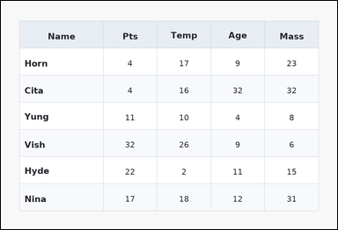 | 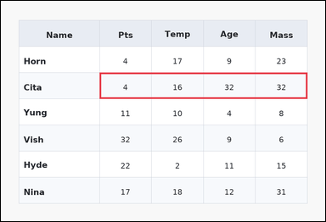 | task_tables_statistics_row_summary_value | row_mean | Look at the table in the image. It shows a zebra-striped table with one Name column, several numeric columns, alternating row shading, and a shaded header row. Answer this question. Determine the row mean for Cita. Return a valid JSON object with keys "evidence" and "answer" in that order. Evidence rule: set "evidence" to an array containing exactly one bounding box [x1, y1, x2, y2] for the supporting queried-row region. Answer rule: set "answer" to the exact integer summary value. Example JSON: {"evidence":[[150,180,780,236]],"answer":15} | Look at the table in the image. It shows a zebra-striped table with one Name column, several numeric columns, alternating row shading, and a shaded header row. Answer this question. Determine the row mean for Cita. Return a valid JSON object with key "answer". Answer field: set "answer" to the exact integer summary value. Example JSON: {"answer":15} | {"evidence": [[286.08, 208.0, 888.0, 284.0]], "answer": 21} | [[286.08, 208.0, 888.0, 284.0]] | integer | bbox_set | 555958904750487 | task_tables_statistics_row_summary_value/images/row_mean/0000.png | task_tables_statistics_row_summary_value/data/row_mean/0000.json
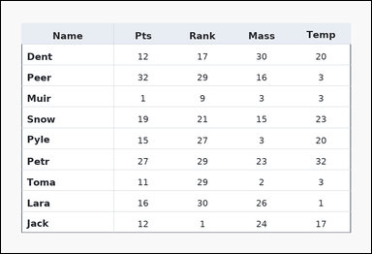 | 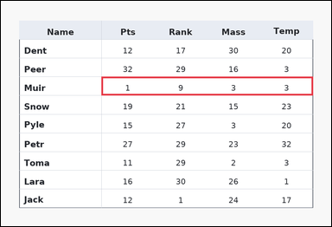 | task_tables_statistics_row_summary_value | row_mean | You are given a table: a ledger-style table with one Name column, several numeric columns, strong horizontal rules, and minimal vertical separators. Answer this question. Determine the row mean for Muir. Return a valid JSON object with keys "evidence" and "answer" in that order. Evidence: set "evidence" to an array containing exactly one bounding box [x1, y1, x2, y2] for the supporting queried-row region. Answer: set "answer" to the exact integer summary value. Example JSON: {"evidence":[[150,180,780,236]],"answer":15} | You are given a table: a ledger-style table with one Name column, several numeric columns, strong horizontal rules, and minimal vertical separators. Answer this question. Determine the row mean for Muir. Return a valid JSON object with key "answer". Answer field: set "answer" to the exact integer summary value. Example JSON: {"answer":15} | {"evidence": [[286.08, 215.6, 888.0, 268.8]], "answer": 4} | [[286.08, 215.6, 888.0, 268.8]] | integer | bbox_set | 1.1384014689E+15 | task_tables_statistics_row_summary_value/images/row_mean/0020.png | task_tables_statistics_row_summary_value/data/row_mean/0020.json
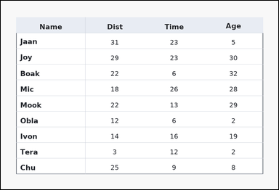 | 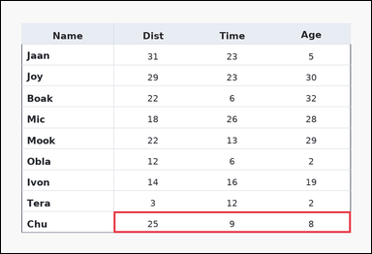 | task_tables_statistics_row_summary_value | row_mean | Look at the table in the image. It shows a ledger-style table with one Name column, several numeric columns, strong horizontal rules, and minimal vertical separators. Find the numeric summary for the named row. Determine the row mean for Chu. Return a valid JSON object with keys "evidence" and "answer" in that order. Evidence field: set "evidence" to an array containing exactly one bounding box [x1, y1, x2, y2] for the supporting queried-row region. Answer field: set "answer" to the exact integer summary value. Example JSON: {"evidence":[[150,180,780,236]],"answer":15} | Look at the table in the image. It shows a ledger-style table with one Name column, several numeric columns, strong horizontal rules, and minimal vertical separators. Find the numeric summary for the named row. Determine the row mean for Chu. Return a valid JSON object with key "answer". Answer field: set "answer" to the exact integer summary value. Example JSON: {"answer":15} | {"evidence": [[286.08, 534.8, 888.0, 588.0]], "answer": 14} | [[286.08, 534.8, 888.0, 588.0]] | integer | bbox_set | 1.7379686485E+15 | task_tables_statistics_row_summary_value/images/row_mean/0024.png | task_tables_statistics_row_summary_value/data/row_mean/0024.json
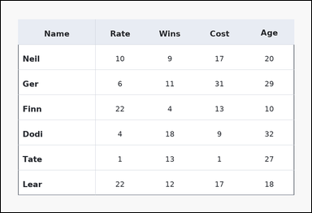 | 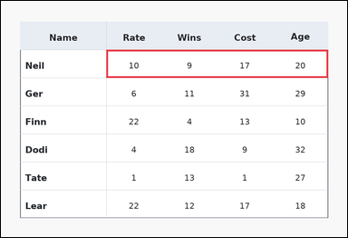 | task_tables_statistics_row_summary_value | row_mean | Use the table in the image. It shows a ledger-style table with one Name column, several numeric columns, strong horizontal rules, and minimal vertical separators. Use the table values to compute the requested row summary. Find the average of all numeric values in row Neil. Return a valid JSON object with keys "evidence" and "answer" in that order. Evidence requirement: set "evidence" to an array containing exactly one bounding box [x1, y1, x2, y2] for the supporting queried-row region. Answer format: set "answer" to the exact integer summary value. Example JSON: {"evidence":[[150,180,780,236]],"answer":15} | Use the table in the image. It shows a ledger-style table with one Name column, several numeric columns, strong horizontal rules, and minimal vertical separators. Use the table values to compute the requested row summary. Find the average of all numeric values in row Neil. Return a valid JSON object with key "answer". Answer: set "answer" to the exact integer summary value. Example JSON: {"answer":15} | {"evidence": [[286.08, 132.0, 888.0, 208.0]], "answer": 14} | [[286.08, 132.0, 888.0, 208.0]] | integer | bbox_set | 1.9510257484E+15 | task_tables_statistics_row_summary_value/images/row_mean/0009.png | task_tables_statistics_row_summary_value/data/row_mean/0009.json
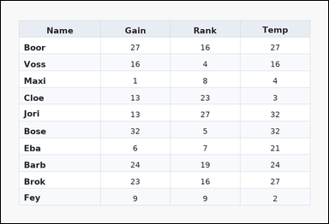 | 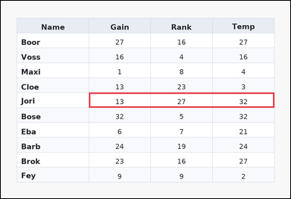 | task_tables_statistics_row_summary_value | row_mean | Look at the table in the image. It shows a zebra-striped table with one Name column, several numeric columns, alternating row shading, and a shaded header row. Find the numeric summary for the named row. Find the average of all numeric values in row Jori. Return a valid JSON object with keys "evidence" and "answer" in that order. Evidence format: set "evidence" to an array containing exactly one bounding box [x1, y1, x2, y2] for the supporting queried-row region. Answer requirement: set "answer" to the exact integer summary value. Example JSON: {"evidence":[[150,180,780,236]],"answer":15} | Look at the table in the image. It shows a zebra-striped table with one Name column, several numeric columns, alternating row shading, and a shaded header row. Find the numeric summary for the named row. Find the average of all numeric values in row Jori. Return a valid JSON object with key "answer". Answer rule: set "answer" to the exact integer summary value. Example JSON: {"answer":15} | {"evidence": [[286.08, 297.818, 888.0, 346.182]], "answer": 24} | [[286.08, 297.818, 888.0, 346.182]] | integer | bbox_set | 2.0789913822E+15 | task_tables_statistics_row_summary_value/images/row_mean/0018.png | task_tables_statistics_row_summary_value/data/row_mean/0018.json
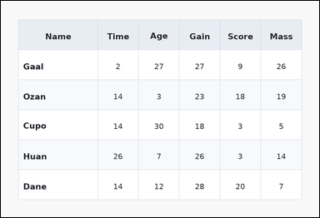 | 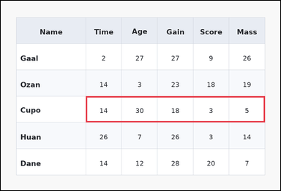 | task_tables_statistics_row_summary_value | row_mean | The image shows a zebra-striped table with one Name column, several numeric columns, alternating row shading, and a shaded header row. Find the numeric summary for the named row. Compute the mean of the numeric cells in row Cupo. Return a valid JSON object with keys "evidence" and "answer" in that order. Evidence rule: set "evidence" to an array containing exactly one bounding box [x1, y1, x2, y2] for the supporting queried-row region. Answer rule: set "answer" to the exact integer summary value. Example JSON: {"evidence":[[150,180,780,236]],"answer":15} | The image shows a zebra-striped table with one Name column, several numeric columns, alternating row shading, and a shaded header row. Find the numeric summary for the named row. Compute the mean of the numeric cells in row Cupo. Return a valid JSON object with key "answer". Answer: set "answer" to the exact integer summary value. Example JSON: {"answer":15} | {"evidence": [[286.08, 322.0, 888.0, 410.667]], "answer": 14} | [[286.08, 322.0, 888.0, 410.667]] | integer | bbox_set | 2.2766798195E+15 | task_tables_statistics_row_summary_value/images/row_mean/0002.png | task_tables_statistics_row_summary_value/data/row_mean/0002.json
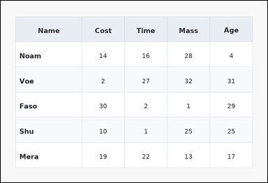 | 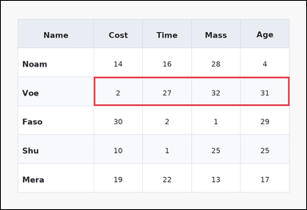 | task_tables_statistics_row_summary_value | row_mean | Work from the styled table shown in the image: a zebra-striped table with one Name column, several numeric columns, alternating row shading, and a shaded header row. Find the numeric summary for the named row. What average value does row Voe have across the numeric columns? Return a valid JSON object with keys "evidence" and "answer" in that order. Evidence format: set "evidence" to an array containing exactly one bounding box [x1, y1, x2, y2] for the supporting queried-row region. Answer requirement: set "answer" to the exact integer summary value. Example JSON: {"evidence":[[150,180,780,236]],"answer":15} | Work from the styled table shown in the image: a zebra-striped table with one Name column, several numeric columns, alternating row shading, and a shaded header row. Find the numeric summary for the named row. What average value does row Voe have across the numeric columns? Return a valid JSON object with key "answer". Answer requirement: set "answer" to the exact integer summary value. Example JSON: {"answer":15} | {"evidence": [[286.08, 233.333, 888.0, 322.0]], "answer": 23} | [[286.08, 233.333, 888.0, 322.0]] | integer | bbox_set | 2.4107419446E+15 | task_tables_statistics_row_summary_value/images/row_mean/0011.png | task_tables_statistics_row_summary_value/data/row_mean/0011.json
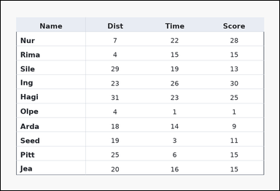 | 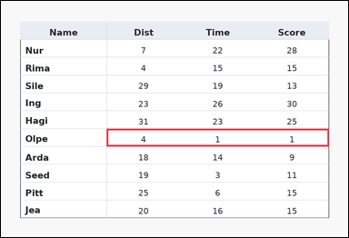 | task_tables_statistics_row_summary_value | row_mean | Work from the styled table shown in the image: a ledger-style table with one Name column, several numeric columns, strong horizontal rules, and minimal vertical separators. Use the table values to compute the requested row summary. Compute the mean of the numeric cells in row Olpe. Return a valid JSON object with keys "evidence" and "answer" in that order. Evidence rule: set "evidence" to an array containing exactly one bounding box [x1, y1, x2, y2] for the supporting queried-row region. Answer rule: set "answer" to the exact integer summary value. Example JSON: {"evidence":[[150,180,780,236]],"answer":15} | Work from the styled table shown in the image: a ledger-style table with one Name column, several numeric columns, strong horizontal rules, and minimal vertical separators. Use the table values to compute the requested row summary. Compute the mean of the numeric cells in row Olpe. Return a valid JSON object with key "answer". Answer format: set "answer" to the exact integer summary value. Example JSON: {"answer":15} | {"evidence": [[286.08, 346.182, 888.0, 394.545]], "answer": 2} | [[286.08, 346.182, 888.0, 394.545]] | integer | bbox_set | 2.9310577891E+15 | task_tables_statistics_row_summary_value/images/row_mean/0001.png | task_tables_statistics_row_summary_value/data/row_mean/0001.json
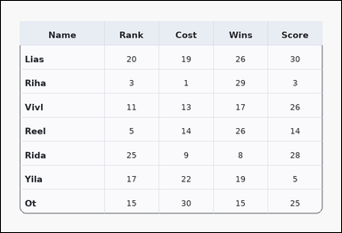 | 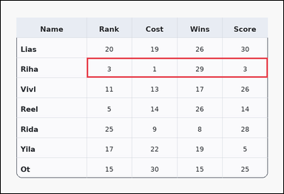 | task_tables_statistics_row_summary_value | row_mean | Work from the styled table shown in the image: a card-style table with one Name column, several numeric columns, a rounded outer frame, and a shaded header row. Answer this question. Compute the mean of the numeric cells in row Riha. Return a valid JSON object with keys "evidence" and "answer" in that order. Evidence requirement: set "evidence" to an array containing exactly one bounding box [x1, y1, x2, y2] for the supporting queried-row region. Answer format: set "answer" to the exact integer summary value. Example JSON: {"evidence":[[150,180,780,236]],"answer":15} | Work from the styled table shown in the image: a card-style table with one Name column, several numeric columns, a rounded outer frame, and a shaded header row. Answer this question. Compute the mean of the numeric cells in row Riha. Return a valid JSON object with key "answer". Answer format: set "answer" to the exact integer summary value. Example JSON: {"answer":15} | {"evidence": [[286.08, 189.0, 888.0, 255.5]], "answer": 9} | [[286.08, 189.0, 888.0, 255.5]] | integer | bbox_set | 3.1281846404E+15 | task_tables_statistics_row_summary_value/images/row_mean/0019.png | task_tables_statistics_row_summary_value/data/row_mean/0019.json
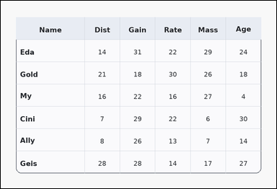 | 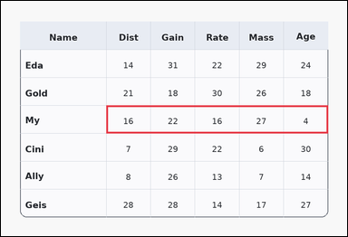 | task_tables_statistics_row_summary_value | row_mean | The image shows a card-style table with one Name column, several numeric columns, a rounded outer frame, and a shaded header row. Use the table values to compute the requested row summary. What is the mean of the numeric values in row My? Return a valid JSON object with keys "evidence" and "answer" in that order. Evidence requirement: set "evidence" to an array containing exactly one bounding box [x1, y1, x2, y2] for the supporting queried-row region. Answer format: set "answer" to the exact integer summary value. Example JSON: {"evidence":[[150,180,780,236]],"answer":15} | The image shows a card-style table with one Name column, several numeric columns, a rounded outer frame, and a shaded header row. Use the table values to compute the requested row summary. What is the mean of the numeric values in row My? Return a valid JSON object with key "answer". Answer rule: set "answer" to the exact integer summary value. Example JSON: {"answer":15} | {"evidence": [[286.08, 284.0, 888.0, 360.0]], "answer": 17} | [[286.08, 284.0, 888.0, 360.0]] | integer | bbox_set | 3.8863779468E+15 | task_tables_statistics_row_summary_value/images/row_mean/0006.png | task_tables_statistics_row_summary_value/data/row_mean/0006.json
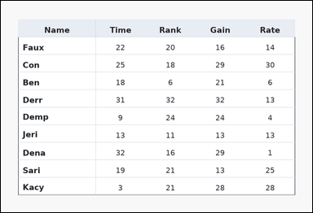 | 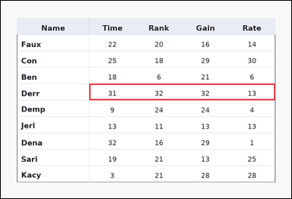 | task_tables_statistics_row_summary_value | row_mean | Use the table in the image. It shows a ledger-style table with one Name column, several numeric columns, strong horizontal rules, and minimal vertical separators. Find the numeric summary for the named row. Determine the row mean for Derr. Return a valid JSON object with keys "evidence" and "answer" in that order. Evidence requirement: set "evidence" to an array containing exactly one bounding box [x1, y1, x2, y2] for the supporting queried-row region. Answer format: set "answer" to the exact integer summary value. Example JSON: {"evidence":[[150,180,780,236]],"answer":15} | Use the table in the image. It shows a ledger-style table with one Name column, several numeric columns, strong horizontal rules, and minimal vertical separators. Find the numeric summary for the named row. Determine the row mean for Derr. Return a valid JSON object with key "answer". Answer rule: set "answer" to the exact integer summary value. Example JSON: {"answer":15} | {"evidence": [[286.08, 268.8, 888.0, 322.0]], "answer": 27} | [[286.08, 268.8, 888.0, 322.0]] | integer | bbox_set | 5.1756551947E+15 | task_tables_statistics_row_summary_value/images/row_mean/0003.png | task_tables_statistics_row_summary_value/data/row_mean/0003.json
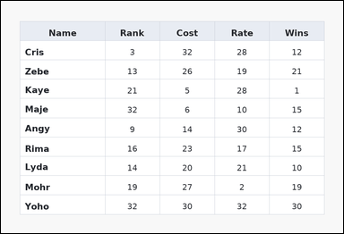 | 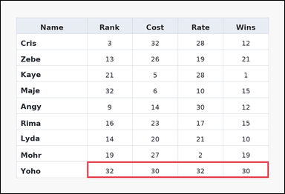 | task_tables_statistics_row_summary_value | row_mean | Use the table in the image. It shows a spreadsheet-style table with one Name column, several numeric columns, full grid lines, and a shaded header row. Find the numeric summary for the named row. Determine the row mean for Yoho. Return a valid JSON object with keys "evidence" and "answer" in that order. Evidence field: set "evidence" to an array containing exactly one bounding box [x1, y1, x2, y2] for the supporting queried-row region. Answer field: set "answer" to the exact integer summary value. Example JSON: {"evidence":[[150,180,780,236]],"answer":15} | Use the table in the image. It shows a spreadsheet-style table with one Name column, several numeric columns, full grid lines, and a shaded header row. Find the numeric summary for the named row. Determine the row mean for Yoho. Return a valid JSON object with key "answer". Answer requirement: set "answer" to the exact integer summary value. Example JSON: {"answer":15} | {"evidence": [[286.08, 534.8, 888.0, 588.0]], "answer": 31} | [[286.08, 534.8, 888.0, 588.0]] | integer | bbox_set | 5.176460699E+15 | task_tables_statistics_row_summary_value/images/row_mean/0015.png | task_tables_statistics_row_summary_value/data/row_mean/0015.json
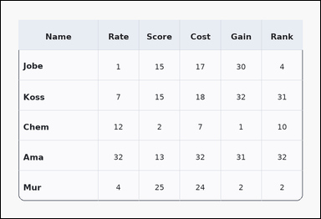 | 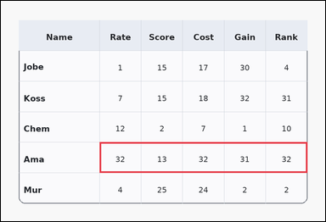 | task_tables_statistics_row_summary_value | row_mean | Work from the styled table shown in the image: a card-style table with one Name column, several numeric columns, a rounded outer frame, and a shaded header row. Use the table values to compute the requested row summary. What is the mean of the numeric values in row Ama? Return a valid JSON object with keys "evidence" and "answer" in that order. Evidence requirement: set "evidence" to an array containing exactly one bounding box [x1, y1, x2, y2] for the supporting queried-row region. Answer format: set "answer" to the exact integer summary value. Example JSON: {"evidence":[[150,180,780,236]],"answer":15} | Work from the styled table shown in the image: a card-style table with one Name column, several numeric columns, a rounded outer frame, and a shaded header row. Use the table values to compute the requested row summary. What is the mean of the numeric values in row Ama? Return a valid JSON object with key "answer". Answer format: set "answer" to the exact integer summary value. Example JSON: {"answer":15} | {"evidence": [[286.08, 410.667, 888.0, 499.333]], "answer": 28} | [[286.08, 410.667, 888.0, 499.333]] | integer | bbox_set | 5.7539614144E+15 | task_tables_statistics_row_summary_value/images/row_mean/0008.png | task_tables_statistics_row_summary_value/data/row_mean/0008.json
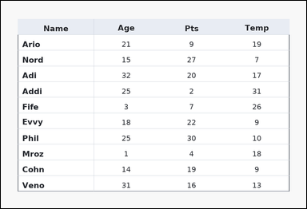 | 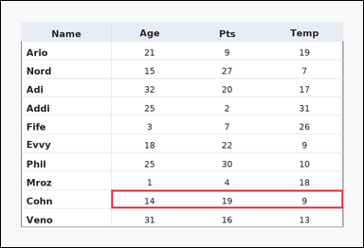 | task_tables_statistics_row_summary_value | row_mean | Use the table in the image. It shows a ledger-style table with one Name column, several numeric columns, strong horizontal rules, and minimal vertical separators. Use the table values to compute the requested row summary. What average value does row Cohn have across the numeric columns? Return a valid JSON object with keys "evidence" and "answer" in that order. Evidence format: set "evidence" to an array containing exactly one bounding box [x1, y1, x2, y2] for the supporting queried-row region. Answer requirement: set "answer" to the exact integer summary value. Example JSON: {"evidence":[[150,180,780,236]],"answer":15} | Use the table in the image. It shows a ledger-style table with one Name column, several numeric columns, strong horizontal rules, and minimal vertical separators. Use the table values to compute the requested row summary. What average value does row Cohn have across the numeric columns? Return a valid JSON object with key "answer". Answer format: set "answer" to the exact integer summary value. Example JSON: {"answer":15} | {"evidence": [[286.08, 491.273, 888.0, 539.636]], "answer": 14} | [[286.08, 491.273, 888.0, 539.636]] | integer | bbox_set | 5.785934325E+15 | task_tables_statistics_row_summary_value/images/row_mean/0016.png | task_tables_statistics_row_summary_value/data/row_mean/0016.json
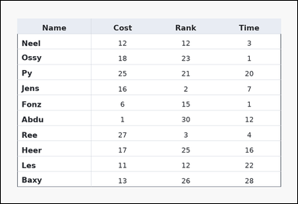 | 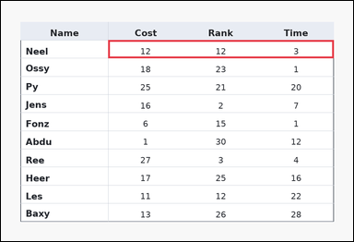 | task_tables_statistics_row_summary_value | row_mean | The image shows a ledger-style table with one Name column, several numeric columns, strong horizontal rules, and minimal vertical separators. Determine the requested summary value for the queried row. What average value does row Neel have across the numeric columns? Return a valid JSON object with keys "evidence" and "answer" in that order. Evidence: set "evidence" to an array containing exactly one bounding box [x1, y1, x2, y2] for the supporting queried-row region. Answer: set "answer" to the exact integer summary value. Example JSON: {"evidence":[[150,180,780,236]],"answer":15} | The image shows a ledger-style table with one Name column, several numeric columns, strong horizontal rules, and minimal vertical separators. Determine the requested summary value for the queried row. What average value does row Neel have across the numeric columns? Return a valid JSON object with key "answer". Answer format: set "answer" to the exact integer summary value. Example JSON: {"answer":15} | {"evidence": [[286.08, 104.364, 888.0, 152.727]], "answer": 9} | [[286.08, 104.364, 888.0, 152.727]] | integer | bbox_set | 6.0257191603E+15 | task_tables_statistics_row_summary_value/images/row_mean/0017.png | task_tables_statistics_row_summary_value/data/row_mean/0017.json
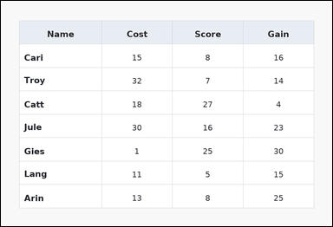 | 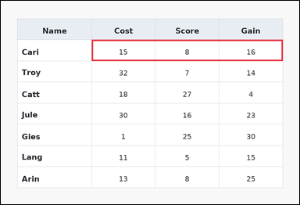 | task_tables_statistics_row_summary_value | row_mean | Use the table in the image. It shows a spreadsheet-style table with one Name column, several numeric columns, full grid lines, and a shaded header row. Read the table and report the requested row summary value. What average value does row Cari have across the numeric columns? Return a valid JSON object with keys "evidence" and "answer" in that order. Evidence: set "evidence" to an array containing exactly one bounding box [x1, y1, x2, y2] for the supporting queried-row region. Answer: set "answer" to the exact integer summary value. Example JSON: {"evidence":[[150,180,780,236]],"answer":15} | Use the table in the image. It shows a spreadsheet-style table with one Name column, several numeric columns, full grid lines, and a shaded header row. Read the table and report the requested row summary value. What average value does row Cari have across the numeric columns? Return a valid JSON object with key "answer". Answer format: set "answer" to the exact integer summary value. Example JSON: {"answer":15} | {"evidence": [[286.08, 122.5, 888.0, 189.0]], "answer": 13} | [[286.08, 122.5, 888.0, 189.0]] | integer | bbox_set | 6.0283351826E+15 | task_tables_statistics_row_summary_value/images/row_mean/0004.png | task_tables_statistics_row_summary_value/data/row_mean/0004.json
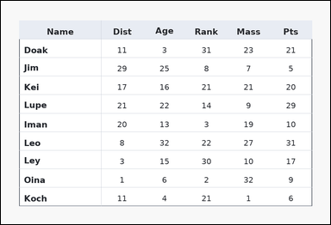 | 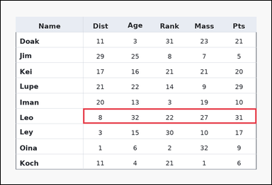 | task_tables_statistics_row_summary_value | row_mean | Work from the styled table shown in the image: a ledger-style table with one Name column, several numeric columns, strong horizontal rules, and minimal vertical separators. Determine the requested summary value for the queried row. Find the average of all numeric values in row Leo. Return a valid JSON object with keys "evidence" and "answer" in that order. Evidence: set "evidence" to an array containing exactly one bounding box [x1, y1, x2, y2] for the supporting queried-row region. Answer: set "answer" to the exact integer summary value. Example JSON: {"evidence":[[150,180,780,236]],"answer":15} | Work from the styled table shown in the image: a ledger-style table with one Name column, several numeric columns, strong horizontal rules, and minimal vertical separators. Determine the requested summary value for the queried row. Find the average of all numeric values in row Leo. Return a valid JSON object with key "answer". Answer rule: set "answer" to the exact integer summary value. Example JSON: {"answer":15} | {"evidence": [[286.08, 375.2, 888.0, 428.4]], "answer": 24} | [[286.08, 375.2, 888.0, 428.4]] | integer | bbox_set | 6.2462393488E+15 | task_tables_statistics_row_summary_value/images/row_mean/0007.png | task_tables_statistics_row_summary_value/data/row_mean/0007.json
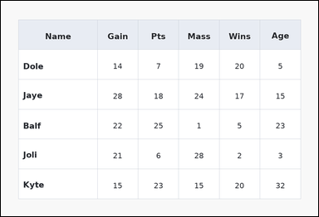 | 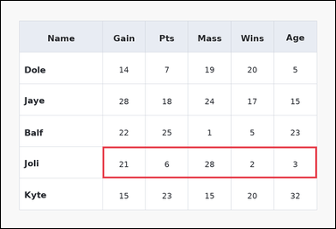 | task_tables_statistics_row_summary_value | row_mean | The image shows a spreadsheet-style table with one Name column, several numeric columns, full grid lines, and a shaded header row. Answer this question. Determine the row mean for Joli. Return a valid JSON object with keys "evidence" and "answer" in that order. Evidence format: set "evidence" to an array containing exactly one bounding box [x1, y1, x2, y2] for the supporting queried-row region. Answer requirement: set "answer" to the exact integer summary value. Example JSON: {"evidence":[[150,180,780,236]],"answer":15} | The image shows a spreadsheet-style table with one Name column, several numeric columns, full grid lines, and a shaded header row. Answer this question. Determine the row mean for Joli. Return a valid JSON object with key "answer". Answer format: set "answer" to the exact integer summary value. Example JSON: {"answer":15} | {"evidence": [[286.08, 410.667, 888.0, 499.333]], "answer": 12} | [[286.08, 410.667, 888.0, 499.333]] | integer | bbox_set | 6.2578890746E+15 | task_tables_statistics_row_summary_value/images/row_mean/0005.png | task_tables_statistics_row_summary_value/data/row_mean/0005.json
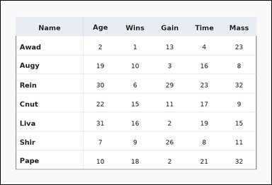 | 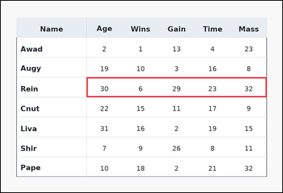 | task_tables_statistics_row_summary_value | row_mean | Use the table in the image. It shows a ledger-style table with one Name column, several numeric columns, strong horizontal rules, and minimal vertical separators. Use the table values to compute the requested row summary. What average value does row Rein have across the numeric columns? Return a valid JSON object with keys "evidence" and "answer" in that order. Evidence requirement: set "evidence" to an array containing exactly one bounding box [x1, y1, x2, y2] for the supporting queried-row region. Answer format: set "answer" to the exact integer summary value. Example JSON: {"evidence":[[150,180,780,236]],"answer":15} | Use the table in the image. It shows a ledger-style table with one Name column, several numeric columns, strong horizontal rules, and minimal vertical separators. Use the table values to compute the requested row summary. What average value does row Rein have across the numeric columns? Return a valid JSON object with key "answer". Answer requirement: set "answer" to the exact integer summary value. Example JSON: {"answer":15} | {"evidence": [[286.08, 255.5, 888.0, 322.0]], "answer": 24} | [[286.08, 255.5, 888.0, 322.0]] | integer | bbox_set | 6.5203741101E+15 | task_tables_statistics_row_summary_value/images/row_mean/0012.png | task_tables_statistics_row_summary_value/data/row_mean/0012.json
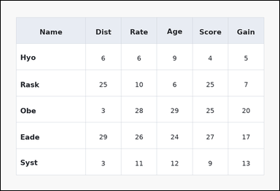 | 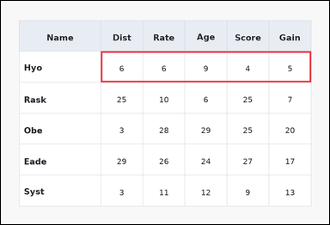 | task_tables_statistics_row_summary_value | row_mean | You are given a table: a spreadsheet-style table with one Name column, several numeric columns, full grid lines, and a shaded header row. Answer this question. What average value does row Hyo have across the numeric columns? Return a valid JSON object with keys "evidence" and "answer" in that order. Evidence requirement: set "evidence" to an array containing exactly one bounding box [x1, y1, x2, y2] for the supporting queried-row region. Answer format: set "answer" to the exact integer summary value. Example JSON: {"evidence":[[150,180,780,236]],"answer":15} | You are given a table: a spreadsheet-style table with one Name column, several numeric columns, full grid lines, and a shaded header row. Answer this question. What average value does row Hyo have across the numeric columns? Return a valid JSON object with key "answer". Answer rule: set "answer" to the exact integer summary value. Example JSON: {"answer":15} | {"evidence": [[286.08, 144.667, 888.0, 233.333]], "answer": 6} | [[286.08, 144.667, 888.0, 233.333]] | integer | bbox_set | 6.8067652409E+15 | task_tables_statistics_row_summary_value/images/row_mean/0010.png | task_tables_statistics_row_summary_value/data/row_mean/0010.json
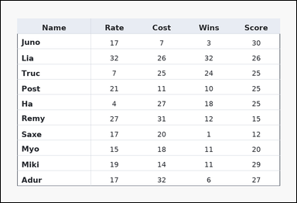 | 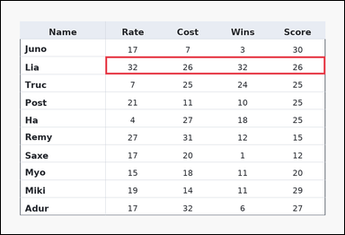 | task_tables_statistics_row_summary_value | row_mean | You are given a table: a ledger-style table with one Name column, several numeric columns, strong horizontal rules, and minimal vertical separators. Determine the requested summary value for the queried row. Compute the mean of the numeric cells in row Lia. Return a valid JSON object with keys "evidence" and "answer" in that order. Evidence field: set "evidence" to an array containing exactly one bounding box [x1, y1, x2, y2] for the supporting queried-row region. Answer field: set "answer" to the exact integer summary value. Example JSON: {"evidence":[[150,180,780,236]],"answer":15} | You are given a table: a ledger-style table with one Name column, several numeric columns, strong horizontal rules, and minimal vertical separators. Determine the requested summary value for the queried row. Compute the mean of the numeric cells in row Lia. Return a valid JSON object with key "answer". Answer: set "answer" to the exact integer summary value. Example JSON: {"answer":15} | {"evidence": [[286.08, 152.727, 888.0, 201.091]], "answer": 29} | [[286.08, 152.727, 888.0, 201.091]] | integer | bbox_set | 6.8259817863E+15 | task_tables_statistics_row_summary_value/images/row_mean/0013.png | task_tables_statistics_row_summary_value/data/row_mean/0013.json
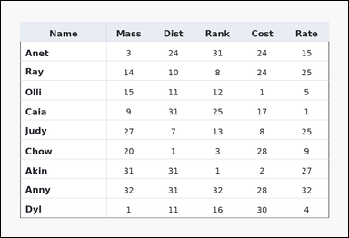 | 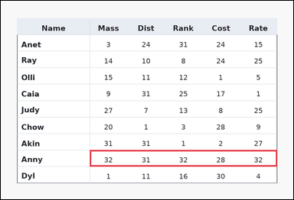 | task_tables_statistics_row_summary_value | row_mean | You are given a table: a ledger-style table with one Name column, several numeric columns, strong horizontal rules, and minimal vertical separators. Answer this question. Compute the mean of the numeric cells in row Anny. Return a valid JSON object with keys "evidence" and "answer" in that order. Evidence field: set "evidence" to an array containing exactly one bounding box [x1, y1, x2, y2] for the supporting queried-row region. Answer field: set "answer" to the exact integer summary value. Example JSON: {"evidence":[[150,180,780,236]],"answer":15} | You are given a table: a ledger-style table with one Name column, several numeric columns, strong horizontal rules, and minimal vertical separators. Answer this question. Compute the mean of the numeric cells in row Anny. Return a valid JSON object with key "answer". Answer field: set "answer" to the exact integer summary value. Example JSON: {"answer":15} | {"evidence": [[286.08, 481.6, 888.0, 534.8]], "answer": 31} | [[286.08, 481.6, 888.0, 534.8]] | integer | bbox_set | 6.9362219439E+15 | task_tables_statistics_row_summary_value/images/row_mean/0023.png | task_tables_statistics_row_summary_value/data/row_mean/0023.json
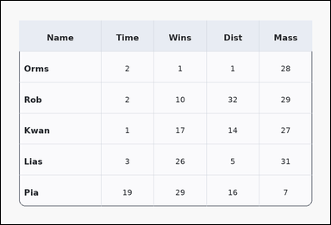 | 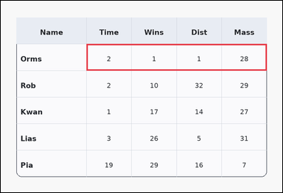 | task_tables_statistics_row_summary_value | row_mean | The image shows a card-style table with one Name column, several numeric columns, a rounded outer frame, and a shaded header row. Use the table values to compute the requested row summary. What average value does row Orms have across the numeric columns? Return a valid JSON object with keys "evidence" and "answer" in that order. Evidence rule: set "evidence" to an array containing exactly one bounding box [x1, y1, x2, y2] for the supporting queried-row region. Answer rule: set "answer" to the exact integer summary value. Example JSON: {"evidence":[[150,180,780,236]],"answer":15} | The image shows a card-style table with one Name column, several numeric columns, a rounded outer frame, and a shaded header row. Use the table values to compute the requested row summary. What average value does row Orms have across the numeric columns? Return a valid JSON object with key "answer". Answer: set "answer" to the exact integer summary value. Example JSON: {"answer":15} | {"evidence": [[286.08, 144.667, 888.0, 233.333]], "answer": 8} | [[286.08, 144.667, 888.0, 233.333]] | integer | bbox_set | 6.9965810757E+15 | task_tables_statistics_row_summary_value/images/row_mean/0021.png | task_tables_statistics_row_summary_value/data/row_mean/0021.json
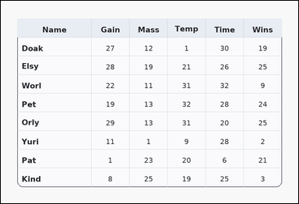 | 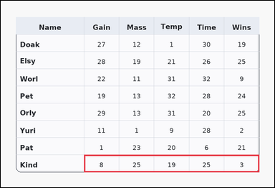 | task_tables_statistics_row_summary_value | row_mean | You are given a table: a card-style table with one Name column, several numeric columns, a rounded outer frame, and a shaded header row. Read the table and report the requested row summary value. What average value does row Kind have across the numeric columns? Return a valid JSON object with keys "evidence" and "answer" in that order. Evidence requirement: set "evidence" to an array containing exactly one bounding box [x1, y1, x2, y2] for the supporting queried-row region. Answer format: set "answer" to the exact integer summary value. Example JSON: {"evidence":[[150,180,780,236]],"answer":15} | You are given a table: a card-style table with one Name column, several numeric columns, a rounded outer frame, and a shaded header row. Read the table and report the requested row summary value. What average value does row Kind have across the numeric columns? Return a valid JSON object with key "answer". Answer: set "answer" to the exact integer summary value. Example JSON: {"answer":15} | {"evidence": [[286.08, 528.889, 888.0, 588.0]], "answer": 16} | [[286.08, 528.889, 888.0, 588.0]] | integer | bbox_set | 7.1337604197E+15 | task_tables_statistics_row_summary_value/images/row_mean/0014.png | task_tables_statistics_row_summary_value/data/row_mean/0014.json
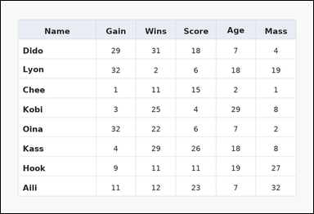 | 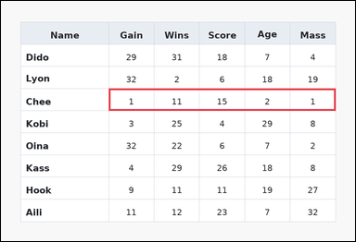 | task_tables_statistics_row_summary_value | row_mean | Use the table in the image. It shows a spreadsheet-style table with one Name column, several numeric columns, full grid lines, and a shaded header row. Answer this question. Compute the mean of the numeric cells in row Chee. Return a valid JSON object with keys "evidence" and "answer" in that order. Evidence requirement: set "evidence" to an array containing exactly one bounding box [x1, y1, x2, y2] for the supporting queried-row region. Answer format: set "answer" to the exact integer summary value. Example JSON: {"evidence":[[150,180,780,236]],"answer":15} | Use the table in the image. It shows a spreadsheet-style table with one Name column, several numeric columns, full grid lines, and a shaded header row. Answer this question. Compute the mean of the numeric cells in row Chee. Return a valid JSON object with key "answer". Answer requirement: set "answer" to the exact integer summary value. Example JSON: {"answer":15} | {"evidence": [[286.08, 233.333, 888.0, 292.444]], "answer": 6} | [[286.08, 233.333, 888.0, 292.444]] | integer | bbox_set | 8.0356601123E+15 | task_tables_statistics_row_summary_value/images/row_mean/0022.png | task_tables_statistics_row_summary_value/data/row_mean/0022.json

row_sum
image | evidence_image | task | task_variant | prompt | prompt_answer_only | answer | answer_evidence | answer_type | evidence_type | instance_seed | image_path | data_path
 |  | task_tables_statistics_row_summary_value | row_sum | Work from the styled table shown in the image: a card-style table with one Name column, several numeric columns, a rounded outer frame, and a shaded header row. Find the numeric summary for the named row. Compute the sum of the numeric cells in row Aron. Return a valid JSON object with keys "evidence" and "answer" in that order. Evidence rule: set "evidence" to an array containing exactly one bounding box [x1, y1, x2, y2] for the supporting queried-row region. Answer rule: set "answer" to the exact integer summary value. Example JSON: {"evidence":[[150,180,780,236]],"answer":62} | Work from the styled table shown in the image: a card-style table with one Name column, several numeric columns, a rounded outer frame, and a shaded header row. Find the numeric summary for the named row. Compute the sum of the numeric cells in row Aron. Return a valid JSON object with key "answer". Answer: set "answer" to the exact integer summary value. Example JSON: {"answer":62} | {"evidence": [[286.08, 410.667, 888.0, 469.778]], "answer": 17} | [[286.08, 410.667, 888.0, 469.778]] | integer | bbox_set | 222435799707877 | task_tables_statistics_row_summary_value/images/row_sum/0014.png | task_tables_statistics_row_summary_value/data/row_sum/0014.json
 |  | task_tables_statistics_row_summary_value | row_sum | The image shows a spreadsheet-style table with one Name column, several numeric columns, full grid lines, and a shaded header row. Determine the requested summary value for the queried row. Find the total of all numeric values in row Dex. Return a valid JSON object with keys "evidence" and "answer" in that order. Evidence requirement: set "evidence" to an array containing exactly one bounding box [x1, y1, x2, y2] for the supporting queried-row region. Answer format: set "answer" to the exact integer summary value. Example JSON: {"evidence":[[150,180,780,236]],"answer":62} | The image shows a spreadsheet-style table with one Name column, several numeric columns, full grid lines, and a shaded header row. Determine the requested summary value for the queried row. Find the total of all numeric values in row Dex. Return a valid JSON object with key "answer". Answer requirement: set "answer" to the exact integer summary value. Example JSON: {"answer":62} | {"evidence": [[286.08, 436.0, 888.0, 512.0]], "answer": 133} | [[286.08, 436.0, 888.0, 512.0]] | integer | bbox_set | 265666071702005 | task_tables_statistics_row_summary_value/images/row_sum/0002.png | task_tables_statistics_row_summary_value/data/row_sum/0002.json
 |  | task_tables_statistics_row_summary_value | row_sum | Work from the styled table shown in the image: a ledger-style table with one Name column, several numeric columns, strong horizontal rules, and minimal vertical separators. Read the table and report the requested row summary value. Determine the row sum for Tiny. Return a valid JSON object with keys "evidence" and "answer" in that order. Evidence rule: set "evidence" to an array containing exactly one bounding box [x1, y1, x2, y2] for the supporting queried-row region. Answer rule: set "answer" to the exact integer summary value. Example JSON: {"evidence":[[150,180,780,236]],"answer":62} | Work from the styled table shown in the image: a ledger-style table with one Name column, several numeric columns, strong horizontal rules, and minimal vertical separators. Read the table and report the requested row summary value. Determine the row sum for Tiny. Return a valid JSON object with key "answer". Answer rule: set "answer" to the exact integer summary value. Example JSON: {"answer":62} | {"evidence": [[286.08, 162.4, 888.0, 215.6]], "answer": 52} | [[286.08, 162.4, 888.0, 215.6]] | integer | bbox_set | 444719755382960 | task_tables_statistics_row_summary_value/images/row_sum/0024.png | task_tables_statistics_row_summary_value/data/row_sum/0024.json
 |  | task_tables_statistics_row_summary_value | row_sum | Use the table in the image. It shows a spreadsheet-style table with one Name column, several numeric columns, full grid lines, and a shaded header row. Determine the requested summary value for the queried row. Compute the sum of the numeric cells in row Tami. Return a valid JSON object with keys "evidence" and "answer" in that order. Evidence requirement: set "evidence" to an array containing exactly one bounding box [x1, y1, x2, y2] for the supporting queried-row region. Answer format: set "answer" to the exact integer summary value. Example JSON: {"evidence":[[150,180,780,236]],"answer":62} | Use the table in the image. It shows a spreadsheet-style table with one Name column, several numeric columns, full grid lines, and a shaded header row. Determine the requested summary value for the queried row. Compute the sum of the numeric cells in row Tami. Return a valid JSON object with key "answer". Answer: set "answer" to the exact integer summary value. Example JSON: {"answer":62} | {"evidence": [[286.08, 268.8, 888.0, 322.0]], "answer": 155} | [[286.08, 268.8, 888.0, 322.0]] | integer | bbox_set | 719603663978890 | task_tables_statistics_row_summary_value/images/row_sum/0006.png | task_tables_statistics_row_summary_value/data/row_sum/0006.json
 |  | task_tables_statistics_row_summary_value | row_sum | The image shows a ledger-style table with one Name column, several numeric columns, strong horizontal rules, and minimal vertical separators. Use the table values to compute the requested row summary. What is the sum of the numeric values in row Tana? Return a valid JSON object with keys "evidence" and "answer" in that order. Evidence requirement: set "evidence" to an array containing exactly one bounding box [x1, y1, x2, y2] for the supporting queried-row region. Answer format: set "answer" to the exact integer summary value. Example JSON: {"evidence":[[150,180,780,236]],"answer":62} | The image shows a ledger-style table with one Name column, several numeric columns, strong horizontal rules, and minimal vertical separators. Use the table values to compute the requested row summary. What is the sum of the numeric values in row Tana? Return a valid JSON object with key "answer". Answer rule: set "answer" to the exact integer summary value. Example JSON: {"answer":62} | {"evidence": [[286.08, 132.0, 888.0, 208.0]], "answer": 74} | [[286.08, 132.0, 888.0, 208.0]] | integer | bbox_set | 1.4492972655E+15 | task_tables_statistics_row_summary_value/images/row_sum/0005.png | task_tables_statistics_row_summary_value/data/row_sum/0005.json
 |  | task_tables_statistics_row_summary_value | row_sum | The image shows a spreadsheet-style table with one Name column, several numeric columns, full grid lines, and a shaded header row. Read the table and report the requested row summary value. What is the sum of the numeric values in row Monk? Return a valid JSON object with keys "evidence" and "answer" in that order. Evidence requirement: set "evidence" to an array containing exactly one bounding box [x1, y1, x2, y2] for the supporting queried-row region. Answer format: set "answer" to the exact integer summary value. Example JSON: {"evidence":[[150,180,780,236]],"answer":62} | The image shows a spreadsheet-style table with one Name column, several numeric columns, full grid lines, and a shaded header row. Read the table and report the requested row summary value. What is the sum of the numeric values in row Monk? Return a valid JSON object with key "answer". Answer requirement: set "answer" to the exact integer summary value. Example JSON: {"answer":62} | {"evidence": [[286.08, 322.0, 888.0, 410.667]], "answer": 85} | [[286.08, 322.0, 888.0, 410.667]] | integer | bbox_set | 1.6430939835E+15 | task_tables_statistics_row_summary_value/images/row_sum/0021.png | task_tables_statistics_row_summary_value/data/row_sum/0021.json
 |  | task_tables_statistics_row_summary_value | row_sum | Use the table in the image. It shows a card-style table with one Name column, several numeric columns, a rounded outer frame, and a shaded header row. Read the table and report the requested row summary value. Determine the row sum for My. Return a valid JSON object with keys "evidence" and "answer" in that order. Evidence format: set "evidence" to an array containing exactly one bounding box [x1, y1, x2, y2] for the supporting queried-row region. Answer requirement: set "answer" to the exact integer summary value. Example JSON: {"evidence":[[150,180,780,236]],"answer":62} | Use the table in the image. It shows a card-style table with one Name column, several numeric columns, a rounded outer frame, and a shaded header row. Read the table and report the requested row summary value. Determine the row sum for My. Return a valid JSON object with key "answer". Answer field: set "answer" to the exact integer summary value. Example JSON: {"answer":62} | {"evidence": [[286.08, 189.0, 888.0, 255.5]], "answer": 58} | [[286.08, 189.0, 888.0, 255.5]] | integer | bbox_set | 1.8304676341E+15 | task_tables_statistics_row_summary_value/images/row_sum/0022.png | task_tables_statistics_row_summary_value/data/row_sum/0022.json
 |  | task_tables_statistics_row_summary_value | row_sum | You are given a table: a spreadsheet-style table with one Name column, several numeric columns, full grid lines, and a shaded header row. Answer this question. Compute the sum of the numeric cells in row Nich. Return a valid JSON object with keys "evidence" and "answer" in that order. Evidence field: set "evidence" to an array containing exactly one bounding box [x1, y1, x2, y2] for the supporting queried-row region. Answer field: set "answer" to the exact integer summary value. Example JSON: {"evidence":[[150,180,780,236]],"answer":62} | You are given a table: a spreadsheet-style table with one Name column, several numeric columns, full grid lines, and a shaded header row. Answer this question. Compute the sum of the numeric cells in row Nich. Return a valid JSON object with key "answer". Answer format: set "answer" to the exact integer summary value. Example JSON: {"answer":62} | {"evidence": [[286.08, 233.333, 888.0, 322.0]], "answer": 82} | [[286.08, 233.333, 888.0, 322.0]] | integer | bbox_set | 2.9520059492E+15 | task_tables_statistics_row_summary_value/images/row_sum/0010.png | task_tables_statistics_row_summary_value/data/row_sum/0010.json
 |  | task_tables_statistics_row_summary_value | row_sum | Look at the table in the image. It shows a zebra-striped table with one Name column, several numeric columns, alternating row shading, and a shaded header row. Determine the requested summary value for the queried row. What is the sum of the numeric values in row Zoba? Return a valid JSON object with keys "evidence" and "answer" in that order. Evidence requirement: set "evidence" to an array containing exactly one bounding box [x1, y1, x2, y2] for the supporting queried-row region. Answer format: set "answer" to the exact integer summary value. Example JSON: {"evidence":[[150,180,780,236]],"answer":62} | Look at the table in the image. It shows a zebra-striped table with one Name column, several numeric columns, alternating row shading, and a shaded header row. Determine the requested summary value for the queried row. What is the sum of the numeric values in row Zoba? Return a valid JSON object with key "answer". Answer format: set "answer" to the exact integer summary value. Example JSON: {"answer":62} | {"evidence": [[286.08, 410.667, 888.0, 499.333]], "answer": 37} | [[286.08, 410.667, 888.0, 499.333]] | integer | bbox_set | 3.3512145934E+15 | task_tables_statistics_row_summary_value/images/row_sum/0000.png | task_tables_statistics_row_summary_value/data/row_sum/0000.json
 |  | task_tables_statistics_row_summary_value | row_sum | Work from the styled table shown in the image: a card-style table with one Name column, several numeric columns, a rounded outer frame, and a shaded header row. Answer this question. Find the total of all numeric values in row Taro. Return a valid JSON object with keys "evidence" and "answer" in that order. Evidence field: set "evidence" to an array containing exactly one bounding box [x1, y1, x2, y2] for the supporting queried-row region. Answer field: set "answer" to the exact integer summary value. Example JSON: {"evidence":[[150,180,780,236]],"answer":62} | Work from the styled table shown in the image: a card-style table with one Name column, several numeric columns, a rounded outer frame, and a shaded header row. Answer this question. Find the total of all numeric values in row Taro. Return a valid JSON object with key "answer". Answer rule: set "answer" to the exact integer summary value. Example JSON: {"answer":62} | {"evidence": [[286.08, 360.0, 888.0, 436.0]], "answer": 48} | [[286.08, 360.0, 888.0, 436.0]] | integer | bbox_set | 3.7133682174E+15 | task_tables_statistics_row_summary_value/images/row_sum/0015.png | task_tables_statistics_row_summary_value/data/row_sum/0015.json
 |  | task_tables_statistics_row_summary_value | row_sum | Work from the styled table shown in the image: a zebra-striped table with one Name column, several numeric columns, alternating row shading, and a shaded header row. Read the table and report the requested row summary value. What is the sum of the numeric values in row Rise? Return a valid JSON object with keys "evidence" and "answer" in that order. Evidence requirement: set "evidence" to an array containing exactly one bounding box [x1, y1, x2, y2] for the supporting queried-row region. Answer format: set "answer" to the exact integer summary value. Example JSON: {"evidence":[[150,180,780,236]],"answer":62} | Work from the styled table shown in the image: a zebra-striped table with one Name column, several numeric columns, alternating row shading, and a shaded header row. Read the table and report the requested row summary value. What is the sum of the numeric values in row Rise? Return a valid JSON object with key "answer". Answer rule: set "answer" to the exact integer summary value. Example JSON: {"answer":62} | {"evidence": [[286.08, 233.333, 888.0, 292.444]], "answer": 64} | [[286.08, 233.333, 888.0, 292.444]] | integer | bbox_set | 3.9127124881E+15 | task_tables_statistics_row_summary_value/images/row_sum/0001.png | task_tables_statistics_row_summary_value/data/row_sum/0001.json
 |  | task_tables_statistics_row_summary_value | row_sum | Look at the table in the image. It shows a zebra-striped table with one Name column, several numeric columns, alternating row shading, and a shaded header row. Find the numeric summary for the named row. What total do you get when you add the numeric entries in row Zima? Return a valid JSON object with keys "evidence" and "answer" in that order. Evidence rule: set "evidence" to an array containing exactly one bounding box [x1, y1, x2, y2] for the supporting queried-row region. Answer rule: set "answer" to the exact integer summary value. Example JSON: {"evidence":[[150,180,780,236]],"answer":62} | Look at the table in the image. It shows a zebra-striped table with one Name column, several numeric columns, alternating row shading, and a shaded header row. Find the numeric summary for the named row. What total do you get when you add the numeric entries in row Zima? Return a valid JSON object with key "answer". Answer format: set "answer" to the exact integer summary value. Example JSON: {"answer":62} | {"evidence": [[286.08, 249.455, 888.0, 297.818]], "answer": 121} | [[286.08, 249.455, 888.0, 297.818]] | integer | bbox_set | 3.9259124272E+15 | task_tables_statistics_row_summary_value/images/row_sum/0017.png | task_tables_statistics_row_summary_value/data/row_sum/0017.json
 |  | task_tables_statistics_row_summary_value | row_sum | The image shows a ledger-style table with one Name column, several numeric columns, strong horizontal rules, and minimal vertical separators. Read the table and report the requested row summary value. What total do you get when you add the numeric entries in row Abra? Return a valid JSON object with keys "evidence" and "answer" in that order. Evidence requirement: set "evidence" to an array containing exactly one bounding box [x1, y1, x2, y2] for the supporting queried-row region. Answer format: set "answer" to the exact integer summary value. Example JSON: {"evidence":[[150,180,780,236]],"answer":62} | The image shows a ledger-style table with one Name column, several numeric columns, strong horizontal rules, and minimal vertical separators. Read the table and report the requested row summary value. What total do you get when you add the numeric entries in row Abra? Return a valid JSON object with key "answer". Answer rule: set "answer" to the exact integer summary value. Example JSON: {"answer":62} | {"evidence": [[286.08, 375.2, 888.0, 428.4]], "answer": 87} | [[286.08, 375.2, 888.0, 428.4]] | integer | bbox_set | 4.2569463616E+15 | task_tables_statistics_row_summary_value/images/row_sum/0008.png | task_tables_statistics_row_summary_value/data/row_sum/0008.json
 |  | task_tables_statistics_row_summary_value | row_sum | Look at the table in the image. It shows a ledger-style table with one Name column, several numeric columns, strong horizontal rules, and minimal vertical separators. Find the numeric summary for the named row. What is the sum of the numeric values in row Peri? Return a valid JSON object with keys "evidence" and "answer" in that order. Evidence: set "evidence" to an array containing exactly one bounding box [x1, y1, x2, y2] for the supporting queried-row region. Answer: set "answer" to the exact integer summary value. Example JSON: {"evidence":[[150,180,780,236]],"answer":62} | Look at the table in the image. It shows a ledger-style table with one Name column, several numeric columns, strong horizontal rules, and minimal vertical separators. Find the numeric summary for the named row. What is the sum of the numeric values in row Peri? Return a valid JSON object with key "answer". Answer format: set "answer" to the exact integer summary value. Example JSON: {"answer":62} | {"evidence": [[286.08, 132.0, 888.0, 208.0]], "answer": 29} | [[286.08, 132.0, 888.0, 208.0]] | integer | bbox_set | 5.1827413206E+15 | task_tables_statistics_row_summary_value/images/row_sum/0020.png | task_tables_statistics_row_summary_value/data/row_sum/0020.json
 |  | task_tables_statistics_row_summary_value | row_sum | Look at the table in the image. It shows a ledger-style table with one Name column, several numeric columns, strong horizontal rules, and minimal vertical separators. Answer this question. What total do you get when you add the numeric entries in row Doak? Return a valid JSON object with keys "evidence" and "answer" in that order. Evidence requirement: set "evidence" to an array containing exactly one bounding box [x1, y1, x2, y2] for the supporting queried-row region. Answer format: set "answer" to the exact integer summary value. Example JSON: {"evidence":[[150,180,780,236]],"answer":62} | Look at the table in the image. It shows a ledger-style table with one Name column, several numeric columns, strong horizontal rules, and minimal vertical separators. Answer this question. What total do you get when you add the numeric entries in row Doak? Return a valid JSON object with key "answer". Answer: set "answer" to the exact integer summary value. Example JSON: {"answer":62} | {"evidence": [[286.08, 208.0, 888.0, 284.0]], "answer": 136} | [[286.08, 208.0, 888.0, 284.0]] | integer | bbox_set | 5.532046178E+15 | task_tables_statistics_row_summary_value/images/row_sum/0013.png | task_tables_statistics_row_summary_value/data/row_sum/0013.json
 |  | task_tables_statistics_row_summary_value | row_sum | Look at the table in the image. It shows a card-style table with one Name column, several numeric columns, a rounded outer frame, and a shaded header row. Find the numeric summary for the named row. What total do you get when you add the numeric entries in row Cory? Return a valid JSON object with keys "evidence" and "answer" in that order. Evidence field: set "evidence" to an array containing exactly one bounding box [x1, y1, x2, y2] for the supporting queried-row region. Answer field: set "answer" to the exact integer summary value. Example JSON: {"evidence":[[150,180,780,236]],"answer":62} | Look at the table in the image. It shows a card-style table with one Name column, several numeric columns, a rounded outer frame, and a shaded header row. Find the numeric summary for the named row. What total do you get when you add the numeric entries in row Cory? Return a valid JSON object with key "answer". Answer field: set "answer" to the exact integer summary value. Example JSON: {"answer":62} | {"evidence": [[286.08, 436.0, 888.0, 512.0]], "answer": 79} | [[286.08, 436.0, 888.0, 512.0]] | integer | bbox_set | 5.9529552723E+15 | task_tables_statistics_row_summary_value/images/row_sum/0007.png | task_tables_statistics_row_summary_value/data/row_sum/0007.json
 |  | task_tables_statistics_row_summary_value | row_sum | Use the table in the image. It shows a ledger-style table with one Name column, several numeric columns, strong horizontal rules, and minimal vertical separators. Determine the requested summary value for the queried row. Determine the row sum for Tam. Return a valid JSON object with keys "evidence" and "answer" in that order. Evidence: set "evidence" to an array containing exactly one bounding box [x1, y1, x2, y2] for the supporting queried-row region. Answer: set "answer" to the exact integer summary value. Example JSON: {"evidence":[[150,180,780,236]],"answer":62} | Use the table in the image. It shows a ledger-style table with one Name column, several numeric columns, strong horizontal rules, and minimal vertical separators. Determine the requested summary value for the queried row. Determine the row sum for Tam. Return a valid JSON object with key "answer". Answer: set "answer" to the exact integer summary value. Example JSON: {"answer":62} | {"evidence": [[286.08, 297.818, 888.0, 346.182]], "answer": 32} | [[286.08, 297.818, 888.0, 346.182]] | integer | bbox_set | 6.0309304842E+15 | task_tables_statistics_row_summary_value/images/row_sum/0012.png | task_tables_statistics_row_summary_value/data/row_sum/0012.json
 |  | task_tables_statistics_row_summary_value | row_sum | The image shows a spreadsheet-style table with one Name column, several numeric columns, full grid lines, and a shaded header row. Answer this question. Compute the sum of the numeric cells in row Dirk. Return a valid JSON object with keys "evidence" and "answer" in that order. Evidence: set "evidence" to an array containing exactly one bounding box [x1, y1, x2, y2] for the supporting queried-row region. Answer: set "answer" to the exact integer summary value. Example JSON: {"evidence":[[150,180,780,236]],"answer":62} | The image shows a spreadsheet-style table with one Name column, several numeric columns, full grid lines, and a shaded header row. Answer this question. Compute the sum of the numeric cells in row Dirk. Return a valid JSON object with key "answer". Answer: set "answer" to the exact integer summary value. Example JSON: {"answer":62} | {"evidence": [[286.08, 162.4, 888.0, 215.6]], "answer": 42} | [[286.08, 162.4, 888.0, 215.6]] | integer | bbox_set | 6.5366089527E+15 | task_tables_statistics_row_summary_value/images/row_sum/0016.png | task_tables_statistics_row_summary_value/data/row_sum/0016.json
 |  | task_tables_statistics_row_summary_value | row_sum | The image shows a zebra-striped table with one Name column, several numeric columns, alternating row shading, and a shaded header row. Read the table and report the requested row summary value. Compute the sum of the numeric cells in row Sato. Return a valid JSON object with keys "evidence" and "answer" in that order. Evidence requirement: set "evidence" to an array containing exactly one bounding box [x1, y1, x2, y2] for the supporting queried-row region. Answer format: set "answer" to the exact integer summary value. Example JSON: {"evidence":[[150,180,780,236]],"answer":62} | The image shows a zebra-striped table with one Name column, several numeric columns, alternating row shading, and a shaded header row. Read the table and report the requested row summary value. Compute the sum of the numeric cells in row Sato. Return a valid JSON object with key "answer". Answer requirement: set "answer" to the exact integer summary value. Example JSON: {"answer":62} | {"evidence": [[286.08, 255.5, 888.0, 322.0]], "answer": 29} | [[286.08, 255.5, 888.0, 322.0]] | integer | bbox_set | 7.5104892645E+15 | task_tables_statistics_row_summary_value/images/row_sum/0009.png | task_tables_statistics_row_summary_value/data/row_sum/0009.json
 |  | task_tables_statistics_row_summary_value | row_sum | Work from the styled table shown in the image: a ledger-style table with one Name column, several numeric columns, strong horizontal rules, and minimal vertical separators. Read the table and report the requested row summary value. Compute the sum of the numeric cells in row Grof. Return a valid JSON object with keys "evidence" and "answer" in that order. Evidence field: set "evidence" to an array containing exactly one bounding box [x1, y1, x2, y2] for the supporting queried-row region. Answer field: set "answer" to the exact integer summary value. Example JSON: {"evidence":[[150,180,780,236]],"answer":62} | Work from the styled table shown in the image: a ledger-style table with one Name column, several numeric columns, strong horizontal rules, and minimal vertical separators. Read the table and report the requested row summary value. Compute the sum of the numeric cells in row Grof. Return a valid JSON object with key "answer". Answer: set "answer" to the exact integer summary value. Example JSON: {"answer":62} | {"evidence": [[286.08, 174.222, 888.0, 233.333]], "answer": 125} | [[286.08, 174.222, 888.0, 233.333]] | integer | bbox_set | 8.1633674908E+15 | task_tables_statistics_row_summary_value/images/row_sum/0011.png | task_tables_statistics_row_summary_value/data/row_sum/0011.json
 |  | task_tables_statistics_row_summary_value | row_sum | Look at the table in the image. It shows a ledger-style table with one Name column, several numeric columns, strong horizontal rules, and minimal vertical separators. Use the table values to compute the requested row summary. Compute the sum of the numeric cells in row Nord. Return a valid JSON object with keys "evidence" and "answer" in that order. Evidence: set "evidence" to an array containing exactly one bounding box [x1, y1, x2, y2] for the supporting queried-row region. Answer: set "answer" to the exact integer summary value. Example JSON: {"evidence":[[150,180,780,236]],"answer":62} | Look at the table in the image. It shows a ledger-style table with one Name column, several numeric columns, strong horizontal rules, and minimal vertical separators. Use the table values to compute the requested row summary. Compute the sum of the numeric cells in row Nord. Return a valid JSON object with key "answer". Answer: set "answer" to the exact integer summary value. Example JSON: {"answer":62} | {"evidence": [[286.08, 375.2, 888.0, 428.4]], "answer": 12} | [[286.08, 375.2, 888.0, 428.4]] | integer | bbox_set | 8.246068853E+15 | task_tables_statistics_row_summary_value/images/row_sum/0018.png | task_tables_statistics_row_summary_value/data/row_sum/0018.json
 |  | task_tables_statistics_row_summary_value | row_sum | Look at the table in the image. It shows a card-style table with one Name column, several numeric columns, a rounded outer frame, and a shaded header row. Find the numeric summary for the named row. Determine the row sum for Dana. Return a valid JSON object with keys "evidence" and "answer" in that order. Evidence: set "evidence" to an array containing exactly one bounding box [x1, y1, x2, y2] for the supporting queried-row region. Answer: set "answer" to the exact integer summary value. Example JSON: {"evidence":[[150,180,780,236]],"answer":62} | Look at the table in the image. It shows a card-style table with one Name column, several numeric columns, a rounded outer frame, and a shaded header row. Find the numeric summary for the named row. Determine the row sum for Dana. Return a valid JSON object with key "answer". Answer rule: set "answer" to the exact integer summary value. Example JSON: {"answer":62} | {"evidence": [[286.08, 144.667, 888.0, 233.333]], "answer": 95} | [[286.08, 144.667, 888.0, 233.333]] | integer | bbox_set | 8.3513869696E+15 | task_tables_statistics_row_summary_value/images/row_sum/0023.png | task_tables_statistics_row_summary_value/data/row_sum/0023.json
 |  | task_tables_statistics_row_summary_value | row_sum | The image shows a spreadsheet-style table with one Name column, several numeric columns, full grid lines, and a shaded header row. Read the table and report the requested row summary value. Compute the sum of the numeric cells in row Troy. Return a valid JSON object with keys "evidence" and "answer" in that order. Evidence field: set "evidence" to an array containing exactly one bounding box [x1, y1, x2, y2] for the supporting queried-row region. Answer field: set "answer" to the exact integer summary value. Example JSON: {"evidence":[[150,180,780,236]],"answer":62} | The image shows a spreadsheet-style table with one Name column, several numeric columns, full grid lines, and a shaded header row. Read the table and report the requested row summary value. Compute the sum of the numeric cells in row Troy. Return a valid JSON object with key "answer". Answer: set "answer" to the exact integer summary value. Example JSON: {"answer":62} | {"evidence": [[286.08, 499.333, 888.0, 588.0]], "answer": 71} | [[286.08, 499.333, 888.0, 588.0]] | integer | bbox_set | 8.3780463457E+15 | task_tables_statistics_row_summary_value/images/row_sum/0003.png | task_tables_statistics_row_summary_value/data/row_sum/0003.json
 |  | task_tables_statistics_row_summary_value | row_sum | The image shows a spreadsheet-style table with one Name column, several numeric columns, full grid lines, and a shaded header row. Answer this question. Compute the sum of the numeric cells in row Huba. Return a valid JSON object with keys "evidence" and "answer" in that order. Evidence format: set "evidence" to an array containing exactly one bounding box [x1, y1, x2, y2] for the supporting queried-row region. Answer requirement: set "answer" to the exact integer summary value. Example JSON: {"evidence":[[150,180,780,236]],"answer":62} | The image shows a spreadsheet-style table with one Name column, several numeric columns, full grid lines, and a shaded header row. Answer this question. Compute the sum of the numeric cells in row Huba. Return a valid JSON object with key "answer". Answer requirement: set "answer" to the exact integer summary value. Example JSON: {"answer":62} | {"evidence": [[286.08, 521.5, 888.0, 588.0]], "answer": 53} | [[286.08, 521.5, 888.0, 588.0]] | integer | bbox_set | 8.6678130661E+15 | task_tables_statistics_row_summary_value/images/row_sum/0019.png | task_tables_statistics_row_summary_value/data/row_sum/0019.json
 |  | task_tables_statistics_row_summary_value | row_sum | Work from the styled table shown in the image: a ledger-style table with one Name column, several numeric columns, strong horizontal rules, and minimal vertical separators. Determine the requested summary value for the queried row. Compute the sum of the numeric cells in row Baum. Return a valid JSON object with keys "evidence" and "answer" in that order. Evidence requirement: set "evidence" to an array containing exactly one bounding box [x1, y1, x2, y2] for the supporting queried-row region. Answer format: set "answer" to the exact integer summary value. Example JSON: {"evidence":[[150,180,780,236]],"answer":62} | Work from the styled table shown in the image: a ledger-style table with one Name column, several numeric columns, strong horizontal rules, and minimal vertical separators. Determine the requested summary value for the queried row. Compute the sum of the numeric cells in row Baum. Return a valid JSON object with key "answer". Answer field: set "answer" to the exact integer summary value. Example JSON: {"answer":62} | {"evidence": [[286.08, 144.667, 888.0, 233.333]], "answer": 44} | [[286.08, 144.667, 888.0, 233.333]] | integer | bbox_set | 8.7651858451E+15 | task_tables_statistics_row_summary_value/images/row_sum/0004.png | task_tables_statistics_row_summary_value/data/row_sum/0004.json

