color_components
image | evidence_image | task | task_variant | prompt | prompt_answer_only | answer | answer_evidence | answer_type | evidence_type | instance_seed | image_path | data_path
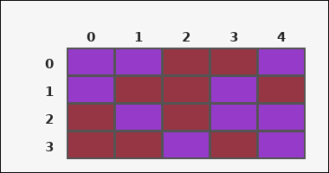 | 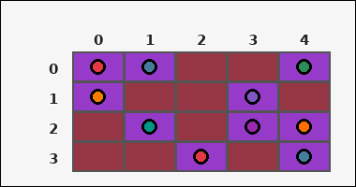 | task_tile_count_color_components | color_components | Look at the rectangular tile board with 4 rows and 5 columns. The board uses row labels on the left and column labels on the top. Using 4-neighbor connectivity, how many connected groups of purple [#963ACA] tiles are on the board? Return a valid JSON object with keys "evidence" and "answer" in that order. Evidence: set "evidence" to the row-major list of [row, col] coordinates for every tile matching the query color. Answer: set "answer" to the number of 4-neighbor connected components formed by the query-color tiles as an integer. Example JSON: {"evidence":[[0,0],[0,1],[2,2]],"answer":2} | Look at the rectangular tile board with 4 rows and 5 columns. The board uses row labels on the left and column labels on the top. Using 4-neighbor connectivity, how many connected groups of purple [#963ACA] tiles are on the board? Return a valid JSON object with key "answer". Answer requirement: set "answer" to the number of 4-neighbor connected components formed by the query-color tiles as an integer. Example JSON: {"answer":2} | {"evidence": [[0, 0], [0, 1], [0, 4], [1, 0], [1, 3], [2, 1], [2, 3], [2, 4], [3, 2], [3, 4]], "answer": 5} | [[0, 0], [0, 1], [0, 4], [1, 0], [1, 3], [2, 1], [2, 3], [2, 4], [3, 2], [3, 4]] | integer | grid_point_set | 21365113822879 | task_tile_count_color_components/images/default/0000.png | task_tile_count_color_components/data/default/0000.json
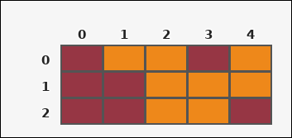 | 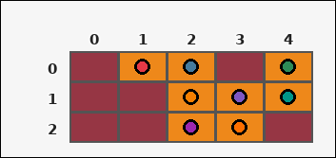 | task_tile_count_color_components | color_components | You are given one rectangular tile board on a 3 by 5 grid. Read rows from the left labels and columns from the top labels. How many connected components of orange [#EE881A] are there using 4-neighbor connectivity? Return a valid JSON object with keys "evidence" and "answer" in that order. Evidence: set "evidence" to the row-major list of [row, col] coordinates for every tile matching the query color. Answer: set "answer" to the number of 4-neighbor connected components formed by the query-color tiles as an integer. Example JSON: {"evidence":[[0,0],[0,1],[2,2]],"answer":2} | You are given one rectangular tile board on a 3 by 5 grid. Read rows from the left labels and columns from the top labels. How many connected components of orange [#EE881A] are there using 4-neighbor connectivity? Return a valid JSON object with key "answer". Answer requirement: set "answer" to the number of 4-neighbor connected components formed by the query-color tiles as an integer. Example JSON: {"answer":2} | {"evidence": [[0, 1], [0, 2], [0, 4], [1, 2], [1, 3], [1, 4], [2, 2], [2, 3]], "answer": 1} | [[0, 1], [0, 2], [0, 4], [1, 2], [1, 3], [1, 4], [2, 2], [2, 3]] | integer | grid_point_set | 263821238863375 | task_tile_count_color_components/images/default/0014.png | task_tile_count_color_components/data/default/0014.json
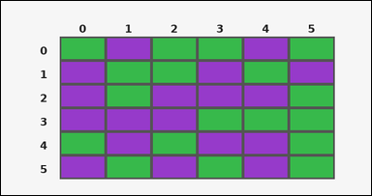 | 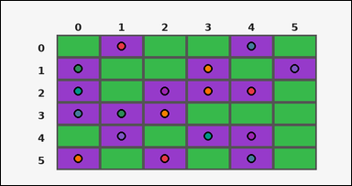 | task_tile_count_color_components | color_components | The image shows one rectangular tile board with 6 rows and 6 columns. Row labels are on the left and column labels are on the top. Count the number of 4-neighbor connected components formed by the purple [#963ACA] tiles. Return a valid JSON object with keys "evidence" and "answer" in that order. Evidence requirement: set "evidence" to the row-major list of [row, col] coordinates for every tile matching the query color. Answer format: set "answer" to the number of 4-neighbor connected components formed by the query-color tiles as an integer. Example JSON: {"evidence":[[0,0],[0,1],[2,2]],"answer":2} | The image shows one rectangular tile board with 6 rows and 6 columns. Row labels are on the left and column labels are on the top. Count the number of 4-neighbor connected components formed by the purple [#963ACA] tiles. Return a valid JSON object with key "answer". Answer: set "answer" to the number of 4-neighbor connected components formed by the query-color tiles as an integer. Example JSON: {"answer":2} | {"evidence": [[0, 1], [0, 4], [1, 0], [1, 3], [1, 5], [2, 0], [2, 2], [2, 3], [2, 4], [3, 0], [3, 1], [3, 2], [4, 1], [4, 3], [4, 4], [5, 0], [5, 2], [5, 4]], "answer": 7} | [[0, 1], [0, 4], [1, 0], [1, 3], [1, 5], [2, 0], [2, 2], [2, 3], [2, 4], [3, 0], [3, 1], [3, 2], [4, 1], [4, 3], [4, 4], [5, 0], [5, 2], [5, 4]] | integer | grid_point_set | 385349187228278 | task_tile_count_color_components/images/default/0010.png | task_tile_count_color_components/data/default/0010.json
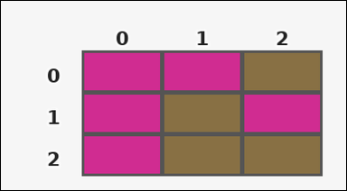 | 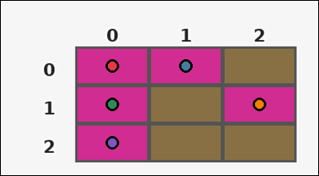 | task_tile_count_color_components | color_components | The image shows one rectangular tile board with 3 rows and 3 columns. Row labels are on the left and column labels are on the top. Count the number of 4-neighbor connected components formed by the magenta [#D02C91] tiles. Return a valid JSON object with keys "evidence" and "answer" in that order. Evidence: set "evidence" to the row-major list of [row, col] coordinates for every tile matching the query color. Answer: set "answer" to the number of 4-neighbor connected components formed by the query-color tiles as an integer. Example JSON: {"evidence":[[0,0],[0,1],[2,2]],"answer":2} | The image shows one rectangular tile board with 3 rows and 3 columns. Row labels are on the left and column labels are on the top. Count the number of 4-neighbor connected components formed by the magenta [#D02C91] tiles. Return a valid JSON object with key "answer". Answer rule: set "answer" to the number of 4-neighbor connected components formed by the query-color tiles as an integer. Example JSON: {"answer":2} | {"evidence": [[0, 0], [0, 1], [1, 0], [1, 2], [2, 0]], "answer": 2} | [[0, 0], [0, 1], [1, 0], [1, 2], [2, 0]] | integer | grid_point_set | 494410721792321 | task_tile_count_color_components/images/default/0024.png | task_tile_count_color_components/data/default/0024.json
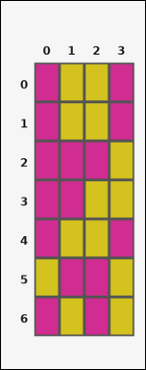 | 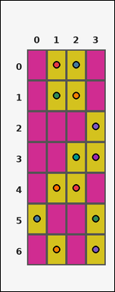 | task_tile_count_color_components | color_components | Look at the rectangular tile board with 7 rows and 4 columns. The board uses row labels on the left and column labels on the top. Determine how many 4-neighbor connected groups the yellow [#D4C21E] tiles form. Return a valid JSON object with keys "evidence" and "answer" in that order. Evidence: set "evidence" to the row-major list of [row, col] coordinates for every tile matching the query color. Answer: set "answer" to the number of 4-neighbor connected components formed by the query-color tiles as an integer. Example JSON: {"evidence":[[0,0],[0,1],[2,2]],"answer":2} | Look at the rectangular tile board with 7 rows and 4 columns. The board uses row labels on the left and column labels on the top. Determine how many 4-neighbor connected groups the yellow [#D4C21E] tiles form. Return a valid JSON object with key "answer". Answer rule: set "answer" to the number of 4-neighbor connected components formed by the query-color tiles as an integer. Example JSON: {"answer":2} | {"evidence": [[0, 1], [0, 2], [1, 1], [1, 2], [2, 3], [3, 2], [3, 3], [4, 1], [4, 2], [5, 0], [5, 3], [6, 1], [6, 3]], "answer": 5} | [[0, 1], [0, 2], [1, 1], [1, 2], [2, 3], [3, 2], [3, 3], [4, 1], [4, 2], [5, 0], [5, 3], [6, 1], [6, 3]] | integer | grid_point_set | 920510164699789 | task_tile_count_color_components/images/default/0023.png | task_tile_count_color_components/data/default/0023.json
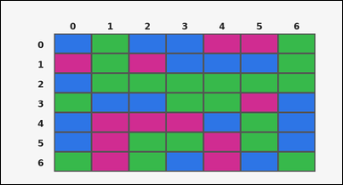 | 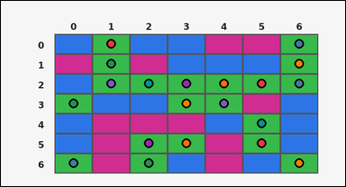 | task_tile_count_color_components | color_components | Work from the labeled rectangular tile board in the image. It has 7 rows and 7 columns with visible row and column indices. Count the number of 4-neighbor connected components formed by the green [#37B94B] tiles. Return a valid JSON object with keys "evidence" and "answer" in that order. Evidence field: set "evidence" to the row-major list of [row, col] coordinates for every tile matching the query color. Answer field: set "answer" to the number of 4-neighbor connected components formed by the query-color tiles as an integer. Example JSON: {"evidence":[[0,0],[0,1],[2,2]],"answer":2} | Work from the labeled rectangular tile board in the image. It has 7 rows and 7 columns with visible row and column indices. Count the number of 4-neighbor connected components formed by the green [#37B94B] tiles. Return a valid JSON object with key "answer". Answer: set "answer" to the number of 4-neighbor connected components formed by the query-color tiles as an integer. Example JSON: {"answer":2} | {"evidence": [[0, 1], [0, 6], [1, 1], [1, 6], [2, 1], [2, 2], [2, 3], [2, 4], [2, 5], [2, 6], [3, 0], [3, 3], [3, 4], [4, 5], [5, 2], [5, 3], [5, 5], [6, 0], [6, 2], [6, 6]], "answer": 6} | [[0, 1], [0, 6], [1, 1], [1, 6], [2, 1], [2, 2], [2, 3], [2, 4], [2, 5], [2, 6], [3, 0], [3, 3], [3, 4], [4, 5], [5, 2], [5, 3], [5, 5], [6, 0], [6, 2], [6, 6]] | integer | grid_point_set | 1.08909726E+15 | task_tile_count_color_components/images/default/0004.png | task_tile_count_color_components/data/default/0004.json
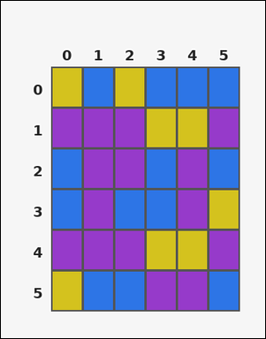 | 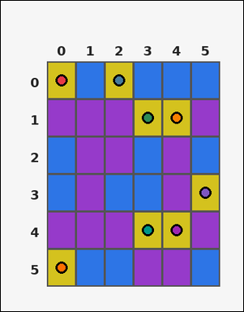 | task_tile_count_color_components | color_components | Look at the rectangular tile board with 6 rows and 6 columns. The board uses row labels on the left and column labels on the top. Count the number of 4-neighbor connected components formed by the yellow [#D4C21E] tiles. Return a valid JSON object with keys "evidence" and "answer" in that order. Evidence field: set "evidence" to the row-major list of [row, col] coordinates for every tile matching the query color. Answer field: set "answer" to the number of 4-neighbor connected components formed by the query-color tiles as an integer. Example JSON: {"evidence":[[0,0],[0,1],[2,2]],"answer":2} | Look at the rectangular tile board with 6 rows and 6 columns. The board uses row labels on the left and column labels on the top. Count the number of 4-neighbor connected components formed by the yellow [#D4C21E] tiles. Return a valid JSON object with key "answer". Answer field: set "answer" to the number of 4-neighbor connected components formed by the query-color tiles as an integer. Example JSON: {"answer":2} | {"evidence": [[0, 0], [0, 2], [1, 3], [1, 4], [3, 5], [4, 3], [4, 4], [5, 0]], "answer": 6} | [[0, 0], [0, 2], [1, 3], [1, 4], [3, 5], [4, 3], [4, 4], [5, 0]] | integer | grid_point_set | 2.1788608846E+15 | task_tile_count_color_components/images/default/0015.png | task_tile_count_color_components/data/default/0015.json
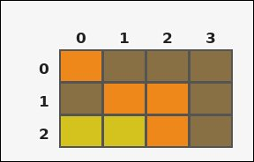 | 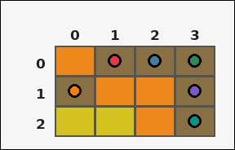 | task_tile_count_color_components | color_components | You are given one rectangular tile board on a 3 by 4 grid. Read rows from the left labels and columns from the top labels. Find the total number of 4-neighbor connected components made by the brown [#887044] tiles. Return a valid JSON object with keys "evidence" and "answer" in that order. Evidence requirement: set "evidence" to the row-major list of [row, col] coordinates for every tile matching the query color. Answer format: set "answer" to the number of 4-neighbor connected components formed by the query-color tiles as an integer. Example JSON: {"evidence":[[0,0],[0,1],[2,2]],"answer":2} | You are given one rectangular tile board on a 3 by 4 grid. Read rows from the left labels and columns from the top labels. Find the total number of 4-neighbor connected components made by the brown [#887044] tiles. Return a valid JSON object with key "answer". Answer field: set "answer" to the number of 4-neighbor connected components formed by the query-color tiles as an integer. Example JSON: {"answer":2} | {"evidence": [[0, 1], [0, 2], [0, 3], [1, 0], [1, 3], [2, 3]], "answer": 2} | [[0, 1], [0, 2], [0, 3], [1, 0], [1, 3], [2, 3]] | integer | grid_point_set | 2.6116473612E+15 | task_tile_count_color_components/images/default/0009.png | task_tile_count_color_components/data/default/0009.json
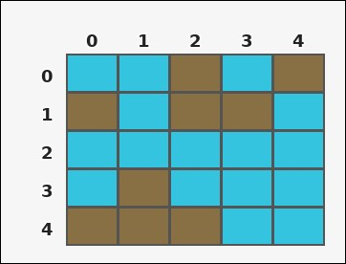 | 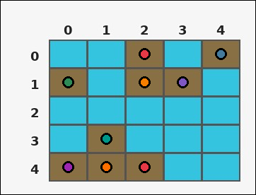 | task_tile_count_color_components | color_components | The image shows one rectangular tile board with 5 rows and 5 columns. Row labels are on the left and column labels are on the top. How many connected components of brown [#887044] are there using 4-neighbor connectivity? Return a valid JSON object with keys "evidence" and "answer" in that order. Evidence format: set "evidence" to the row-major list of [row, col] coordinates for every tile matching the query color. Answer requirement: set "answer" to the number of 4-neighbor connected components formed by the query-color tiles as an integer. Example JSON: {"evidence":[[0,0],[0,1],[2,2]],"answer":2} | The image shows one rectangular tile board with 5 rows and 5 columns. Row labels are on the left and column labels are on the top. How many connected components of brown [#887044] are there using 4-neighbor connectivity? Return a valid JSON object with key "answer". Answer field: set "answer" to the number of 4-neighbor connected components formed by the query-color tiles as an integer. Example JSON: {"answer":2} | {"evidence": [[0, 2], [0, 4], [1, 0], [1, 2], [1, 3], [3, 1], [4, 0], [4, 1], [4, 2]], "answer": 4} | [[0, 2], [0, 4], [1, 0], [1, 2], [1, 3], [3, 1], [4, 0], [4, 1], [4, 2]] | integer | grid_point_set | 2.7484813415E+15 | task_tile_count_color_components/images/default/0013.png | task_tile_count_color_components/data/default/0013.json
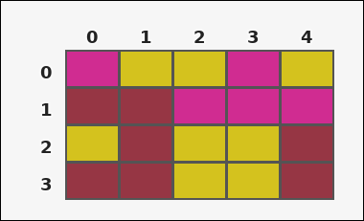 |  | task_tile_count_color_components | color_components | The image shows one rectangular tile board with 4 rows and 5 columns. Row labels are on the left and column labels are on the top. How many connected components of magenta [#D02C91] are there using 4-neighbor connectivity? Return a valid JSON object with keys "evidence" and "answer" in that order. Evidence requirement: set "evidence" to the row-major list of [row, col] coordinates for every tile matching the query color. Answer format: set "answer" to the number of 4-neighbor connected components formed by the query-color tiles as an integer. Example JSON: {"evidence":[[0,0],[0,1],[2,2]],"answer":2} | The image shows one rectangular tile board with 4 rows and 5 columns. Row labels are on the left and column labels are on the top. How many connected components of magenta [#D02C91] are there using 4-neighbor connectivity? Return a valid JSON object with key "answer". Answer field: set "answer" to the number of 4-neighbor connected components formed by the query-color tiles as an integer. Example JSON: {"answer":2} | {"evidence": [[0, 0], [0, 3], [1, 2], [1, 3], [1, 4]], "answer": 2} | [[0, 0], [0, 3], [1, 2], [1, 3], [1, 4]] | integer | grid_point_set | 4.3621855853E+15 | task_tile_count_color_components/images/default/0016.png | task_tile_count_color_components/data/default/0016.json
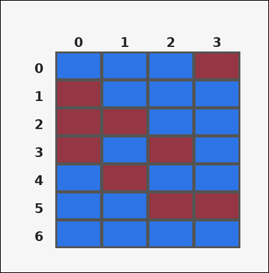 | 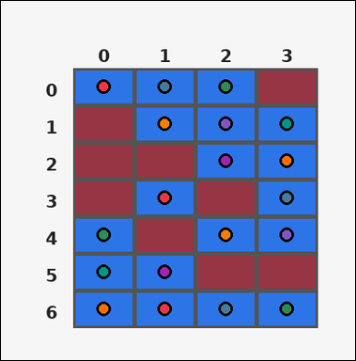 | task_tile_count_color_components | color_components | You are given one rectangular tile board on a 7 by 4 grid. Read rows from the left labels and columns from the top labels. Find the total number of 4-neighbor connected components made by the blue [#2D75E6] tiles. Return a valid JSON object with keys "evidence" and "answer" in that order. Evidence format: set "evidence" to the row-major list of [row, col] coordinates for every tile matching the query color. Answer requirement: set "answer" to the number of 4-neighbor connected components formed by the query-color tiles as an integer. Example JSON: {"evidence":[[0,0],[0,1],[2,2]],"answer":2} | You are given one rectangular tile board on a 7 by 4 grid. Read rows from the left labels and columns from the top labels. Find the total number of 4-neighbor connected components made by the blue [#2D75E6] tiles. Return a valid JSON object with key "answer". Answer requirement: set "answer" to the number of 4-neighbor connected components formed by the query-color tiles as an integer. Example JSON: {"answer":2} | {"evidence": [[0, 0], [0, 1], [0, 2], [1, 1], [1, 2], [1, 3], [2, 2], [2, 3], [3, 1], [3, 3], [4, 0], [4, 2], [4, 3], [5, 0], [5, 1], [6, 0], [6, 1], [6, 2], [6, 3]], "answer": 3} | [[0, 0], [0, 1], [0, 2], [1, 1], [1, 2], [1, 3], [2, 2], [2, 3], [3, 1], [3, 3], [4, 0], [4, 2], [4, 3], [5, 0], [5, 1], [6, 0], [6, 1], [6, 2], [6, 3]] | integer | grid_point_set | 4.5095712735E+15 | task_tile_count_color_components/images/default/0012.png | task_tile_count_color_components/data/default/0012.json
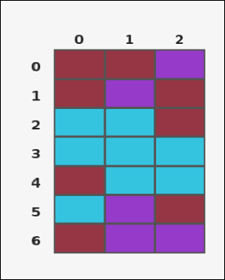 |  | task_tile_count_color_components | color_components | Work from the labeled rectangular tile board in the image. It has 7 rows and 3 columns with visible row and column indices. Determine how many 4-neighbor connected groups the maroon [#963644] tiles form. Return a valid JSON object with keys "evidence" and "answer" in that order. Evidence requirement: set "evidence" to the row-major list of [row, col] coordinates for every tile matching the query color. Answer format: set "answer" to the number of 4-neighbor connected components formed by the query-color tiles as an integer. Example JSON: {"evidence":[[0,0],[0,1],[2,2]],"answer":2} | Work from the labeled rectangular tile board in the image. It has 7 rows and 3 columns with visible row and column indices. Determine how many 4-neighbor connected groups the maroon [#963644] tiles form. Return a valid JSON object with key "answer". Answer field: set "answer" to the number of 4-neighbor connected components formed by the query-color tiles as an integer. Example JSON: {"answer":2} | {"evidence": [[0, 0], [0, 1], [1, 0], [1, 2], [2, 2], [4, 0], [5, 2], [6, 0]], "answer": 5} | [[0, 0], [0, 1], [1, 0], [1, 2], [2, 2], [4, 0], [5, 2], [6, 0]] | integer | grid_point_set | 4.8478865106E+15 | task_tile_count_color_components/images/default/0020.png | task_tile_count_color_components/data/default/0020.json
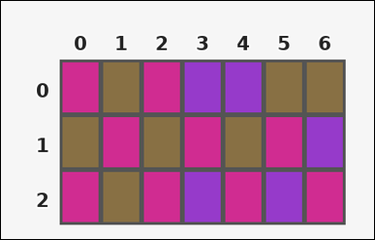 | 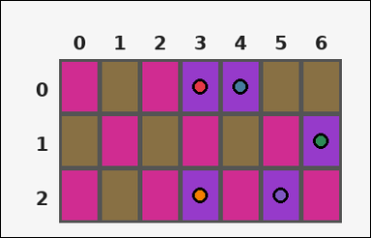 | task_tile_count_color_components | color_components | You are given one rectangular tile board on a 3 by 7 grid. Read rows from the left labels and columns from the top labels. Determine how many 4-neighbor connected groups the purple [#963ACA] tiles form. Return a valid JSON object with keys "evidence" and "answer" in that order. Evidence rule: set "evidence" to the row-major list of [row, col] coordinates for every tile matching the query color. Answer rule: set "answer" to the number of 4-neighbor connected components formed by the query-color tiles as an integer. Example JSON: {"evidence":[[0,0],[0,1],[2,2]],"answer":2} | You are given one rectangular tile board on a 3 by 7 grid. Read rows from the left labels and columns from the top labels. Determine how many 4-neighbor connected groups the purple [#963ACA] tiles form. Return a valid JSON object with key "answer". Answer format: set "answer" to the number of 4-neighbor connected components formed by the query-color tiles as an integer. Example JSON: {"answer":2} | {"evidence": [[0, 3], [0, 4], [1, 6], [2, 3], [2, 5]], "answer": 4} | [[0, 3], [0, 4], [1, 6], [2, 3], [2, 5]] | integer | grid_point_set | 4.8777350073E+15 | task_tile_count_color_components/images/default/0002.png | task_tile_count_color_components/data/default/0002.json
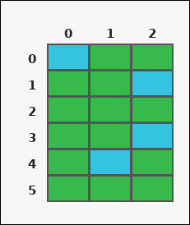 | 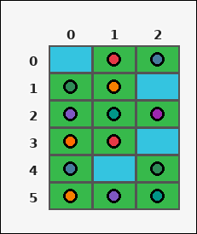 | task_tile_count_color_components | color_components | Look at the rectangular tile board with 6 rows and 3 columns. The board uses row labels on the left and column labels on the top. Find the total number of 4-neighbor connected components made by the green [#37B94B] tiles. Return a valid JSON object with keys "evidence" and "answer" in that order. Evidence format: set "evidence" to the row-major list of [row, col] coordinates for every tile matching the query color. Answer requirement: set "answer" to the number of 4-neighbor connected components formed by the query-color tiles as an integer. Example JSON: {"evidence":[[0,0],[0,1],[2,2]],"answer":2} | Look at the rectangular tile board with 6 rows and 3 columns. The board uses row labels on the left and column labels on the top. Find the total number of 4-neighbor connected components made by the green [#37B94B] tiles. Return a valid JSON object with key "answer". Answer field: set "answer" to the number of 4-neighbor connected components formed by the query-color tiles as an integer. Example JSON: {"answer":2} | {"evidence": [[0, 1], [0, 2], [1, 0], [1, 1], [2, 0], [2, 1], [2, 2], [3, 0], [3, 1], [4, 0], [4, 2], [5, 0], [5, 1], [5, 2]], "answer": 1} | [[0, 1], [0, 2], [1, 0], [1, 1], [2, 0], [2, 1], [2, 2], [3, 0], [3, 1], [4, 0], [4, 2], [5, 0], [5, 1], [5, 2]] | integer | grid_point_set | 5.0491333349E+15 | task_tile_count_color_components/images/default/0011.png | task_tile_count_color_components/data/default/0011.json
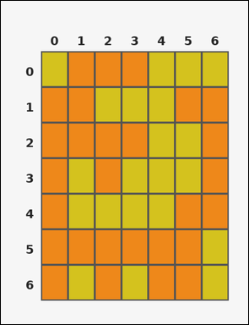 | 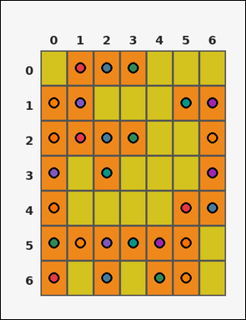 | task_tile_count_color_components | color_components | Use the single rectangular tile board in the image. It has 7 rows and 7 columns, with rows labeled on the left and columns labeled on the top. Using 4-neighbor connectivity, how many connected groups of orange [#EE881A] tiles are on the board? Return a valid JSON object with keys "evidence" and "answer" in that order. Evidence requirement: set "evidence" to the row-major list of [row, col] coordinates for every tile matching the query color. Answer format: set "answer" to the number of 4-neighbor connected components formed by the query-color tiles as an integer. Example JSON: {"evidence":[[0,0],[0,1],[2,2]],"answer":2} | Use the single rectangular tile board in the image. It has 7 rows and 7 columns, with rows labeled on the left and columns labeled on the top. Using 4-neighbor connectivity, how many connected groups of orange [#EE881A] tiles are on the board? Return a valid JSON object with key "answer". Answer requirement: set "answer" to the number of 4-neighbor connected components formed by the query-color tiles as an integer. Example JSON: {"answer":2} | {"evidence": [[0, 1], [0, 2], [0, 3], [1, 0], [1, 1], [1, 5], [1, 6], [2, 0], [2, 1], [2, 2], [2, 3], [2, 6], [3, 0], [3, 2], [3, 6], [4, 0], [4, 5], [4, 6], [5, 0], [5, 1], [5, 2], [5, 3], [5, 4], [5, 5], [6, 0], [6, 2], [6, 4], [6, 5]], "answer": 1} | [[0, 1], [0, 2], [0, 3], [1, 0], [1, 1], [1, 5], [1, 6], [2, 0], [2, 1], [2, 2], [2, 3], [2, 6], [3, 0], [3, 2], [3, 6], [4, 0], [4, 5], [4, 6], [5, 0], [5, 1], [5, 2], [5, 3], [5, 4], [5, 5], [6, 0], [6, 2], [6, 4], [6, 5]] | integer | grid_point_set | 5.1196524464E+15 | task_tile_count_color_components/images/default/0018.png | task_tile_count_color_components/data/default/0018.json
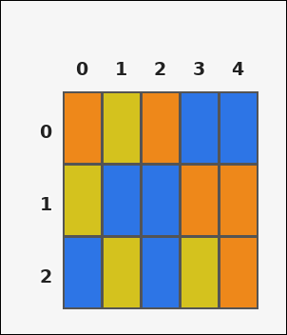 | 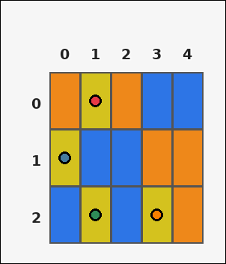 | task_tile_count_color_components | color_components | Use the single rectangular tile board in the image. It has 3 rows and 5 columns, with rows labeled on the left and columns labeled on the top. Determine how many 4-neighbor connected groups the yellow [#D4C21E] tiles form. Return a valid JSON object with keys "evidence" and "answer" in that order. Evidence requirement: set "evidence" to the row-major list of [row, col] coordinates for every tile matching the query color. Answer format: set "answer" to the number of 4-neighbor connected components formed by the query-color tiles as an integer. Example JSON: {"evidence":[[0,0],[0,1],[2,2]],"answer":2} | Use the single rectangular tile board in the image. It has 3 rows and 5 columns, with rows labeled on the left and columns labeled on the top. Determine how many 4-neighbor connected groups the yellow [#D4C21E] tiles form. Return a valid JSON object with key "answer". Answer format: set "answer" to the number of 4-neighbor connected components formed by the query-color tiles as an integer. Example JSON: {"answer":2} | {"evidence": [[0, 1], [1, 0], [2, 1], [2, 3]], "answer": 4} | [[0, 1], [1, 0], [2, 1], [2, 3]] | integer | grid_point_set | 5.1746001123E+15 | task_tile_count_color_components/images/default/0019.png | task_tile_count_color_components/data/default/0019.json
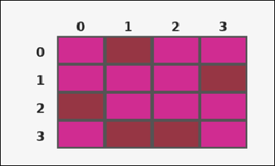 |  | task_tile_count_color_components | color_components | The image shows one rectangular tile board with 4 rows and 4 columns. Row labels are on the left and column labels are on the top. How many connected components of maroon [#963644] are there using 4-neighbor connectivity? Return a valid JSON object with keys "evidence" and "answer" in that order. Evidence: set "evidence" to the row-major list of [row, col] coordinates for every tile matching the query color. Answer: set "answer" to the number of 4-neighbor connected components formed by the query-color tiles as an integer. Example JSON: {"evidence":[[0,0],[0,1],[2,2]],"answer":2} | The image shows one rectangular tile board with 4 rows and 4 columns. Row labels are on the left and column labels are on the top. How many connected components of maroon [#963644] are there using 4-neighbor connectivity? Return a valid JSON object with key "answer". Answer rule: set "answer" to the number of 4-neighbor connected components formed by the query-color tiles as an integer. Example JSON: {"answer":2} | {"evidence": [[0, 1], [1, 3], [2, 0], [3, 1], [3, 2]], "answer": 4} | [[0, 1], [1, 3], [2, 0], [3, 1], [3, 2]] | integer | grid_point_set | 5.4491534852E+15 | task_tile_count_color_components/images/default/0008.png | task_tile_count_color_components/data/default/0008.json
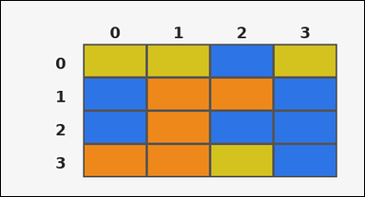 | 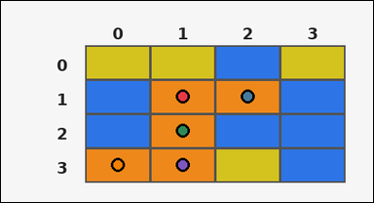 | task_tile_count_color_components | color_components | You are given one rectangular tile board on a 4 by 4 grid. Read rows from the left labels and columns from the top labels. Determine how many 4-neighbor connected groups the orange [#EE881A] tiles form. Return a valid JSON object with keys "evidence" and "answer" in that order. Evidence: set "evidence" to the row-major list of [row, col] coordinates for every tile matching the query color. Answer: set "answer" to the number of 4-neighbor connected components formed by the query-color tiles as an integer. Example JSON: {"evidence":[[0,0],[0,1],[2,2]],"answer":2} | You are given one rectangular tile board on a 4 by 4 grid. Read rows from the left labels and columns from the top labels. Determine how many 4-neighbor connected groups the orange [#EE881A] tiles form. Return a valid JSON object with key "answer". Answer format: set "answer" to the number of 4-neighbor connected components formed by the query-color tiles as an integer. Example JSON: {"answer":2} | {"evidence": [[1, 1], [1, 2], [2, 1], [3, 0], [3, 1]], "answer": 1} | [[1, 1], [1, 2], [2, 1], [3, 0], [3, 1]] | integer | grid_point_set | 5.9686275497E+15 | task_tile_count_color_components/images/default/0022.png | task_tile_count_color_components/data/default/0022.json
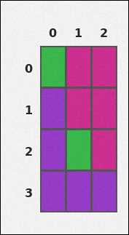 |  | task_tile_count_color_components | color_components | Look at the rectangular tile board with 4 rows and 3 columns. The board uses row labels on the left and column labels on the top. Count the number of 4-neighbor connected components formed by the purple [#963ACA] tiles. Return a valid JSON object with keys "evidence" and "answer" in that order. Evidence format: set "evidence" to the row-major list of [row, col] coordinates for every tile matching the query color. Answer requirement: set "answer" to the number of 4-neighbor connected components formed by the query-color tiles as an integer. Example JSON: {"evidence":[[0,0],[0,1],[2,2]],"answer":2} | Look at the rectangular tile board with 4 rows and 3 columns. The board uses row labels on the left and column labels on the top. Count the number of 4-neighbor connected components formed by the purple [#963ACA] tiles. Return a valid JSON object with key "answer". Answer rule: set "answer" to the number of 4-neighbor connected components formed by the query-color tiles as an integer. Example JSON: {"answer":2} | {"evidence": [[1, 0], [2, 0], [3, 0], [3, 1], [3, 2]], "answer": 1} | [[1, 0], [2, 0], [3, 0], [3, 1], [3, 2]] | integer | grid_point_set | 6.0433281927E+15 | task_tile_count_color_components/images/default/0001.png | task_tile_count_color_components/data/default/0001.json
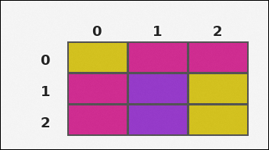 | 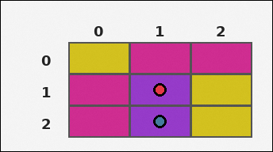 | task_tile_count_color_components | color_components | Look at the rectangular tile board with 3 rows and 3 columns. The board uses row labels on the left and column labels on the top. Determine how many 4-neighbor connected groups the purple [#963ACA] tiles form. Return a valid JSON object with keys "evidence" and "answer" in that order. Evidence format: set "evidence" to the row-major list of [row, col] coordinates for every tile matching the query color. Answer requirement: set "answer" to the number of 4-neighbor connected components formed by the query-color tiles as an integer. Example JSON: {"evidence":[[0,0],[0,1],[2,2]],"answer":2} | Look at the rectangular tile board with 3 rows and 3 columns. The board uses row labels on the left and column labels on the top. Determine how many 4-neighbor connected groups the purple [#963ACA] tiles form. Return a valid JSON object with key "answer". Answer format: set "answer" to the number of 4-neighbor connected components formed by the query-color tiles as an integer. Example JSON: {"answer":2} | {"evidence": [[1, 1], [2, 1]], "answer": 1} | [[1, 1], [2, 1]] | integer | grid_point_set | 7.1993104686E+15 | task_tile_count_color_components/images/default/0003.png | task_tile_count_color_components/data/default/0003.json
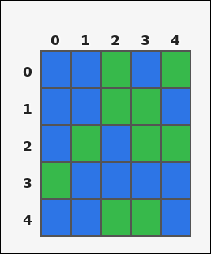 | 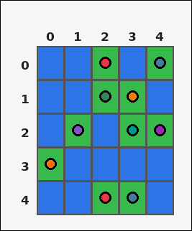 | task_tile_count_color_components | color_components | You are given one rectangular tile board on a 5 by 5 grid. Read rows from the left labels and columns from the top labels. How many connected components of green [#37B94B] are there using 4-neighbor connectivity? Return a valid JSON object with keys "evidence" and "answer" in that order. Evidence field: set "evidence" to the row-major list of [row, col] coordinates for every tile matching the query color. Answer field: set "answer" to the number of 4-neighbor connected components formed by the query-color tiles as an integer. Example JSON: {"evidence":[[0,0],[0,1],[2,2]],"answer":2} | You are given one rectangular tile board on a 5 by 5 grid. Read rows from the left labels and columns from the top labels. How many connected components of green [#37B94B] are there using 4-neighbor connectivity? Return a valid JSON object with key "answer". Answer field: set "answer" to the number of 4-neighbor connected components formed by the query-color tiles as an integer. Example JSON: {"answer":2} | {"evidence": [[0, 2], [0, 4], [1, 2], [1, 3], [2, 1], [2, 3], [2, 4], [3, 0], [4, 2], [4, 3]], "answer": 5} | [[0, 2], [0, 4], [1, 2], [1, 3], [2, 1], [2, 3], [2, 4], [3, 0], [4, 2], [4, 3]] | integer | grid_point_set | 8.1666376096E+15 | task_tile_count_color_components/images/default/0007.png | task_tile_count_color_components/data/default/0007.json
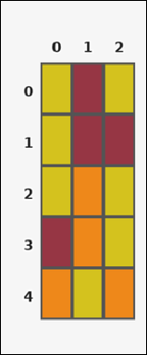 |  | task_tile_count_color_components | color_components | Use the single rectangular tile board in the image. It has 5 rows and 3 columns, with rows labeled on the left and columns labeled on the top. Count the number of 4-neighbor connected components formed by the maroon [#963644] tiles. Return a valid JSON object with keys "evidence" and "answer" in that order. Evidence field: set "evidence" to the row-major list of [row, col] coordinates for every tile matching the query color. Answer field: set "answer" to the number of 4-neighbor connected components formed by the query-color tiles as an integer. Example JSON: {"evidence":[[0,0],[0,1],[2,2]],"answer":2} | Use the single rectangular tile board in the image. It has 5 rows and 3 columns, with rows labeled on the left and columns labeled on the top. Count the number of 4-neighbor connected components formed by the maroon [#963644] tiles. Return a valid JSON object with key "answer". Answer requirement: set "answer" to the number of 4-neighbor connected components formed by the query-color tiles as an integer. Example JSON: {"answer":2} | {"evidence": [[0, 1], [1, 1], [1, 2], [3, 0]], "answer": 2} | [[0, 1], [1, 1], [1, 2], [3, 0]] | integer | grid_point_set | 8.2099586928E+15 | task_tile_count_color_components/images/default/0005.png | task_tile_count_color_components/data/default/0005.json
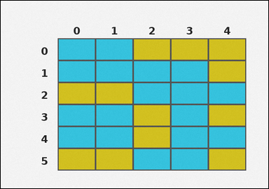 | 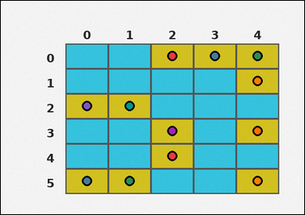 | task_tile_count_color_components | color_components | Look at the rectangular tile board with 6 rows and 5 columns. The board uses row labels on the left and column labels on the top. Count the number of 4-neighbor connected components formed by the yellow [#D4C21E] tiles. Return a valid JSON object with keys "evidence" and "answer" in that order. Evidence format: set "evidence" to the row-major list of [row, col] coordinates for every tile matching the query color. Answer requirement: set "answer" to the number of 4-neighbor connected components formed by the query-color tiles as an integer. Example JSON: {"evidence":[[0,0],[0,1],[2,2]],"answer":2} | Look at the rectangular tile board with 6 rows and 5 columns. The board uses row labels on the left and column labels on the top. Count the number of 4-neighbor connected components formed by the yellow [#D4C21E] tiles. Return a valid JSON object with key "answer". Answer rule: set "answer" to the number of 4-neighbor connected components formed by the query-color tiles as an integer. Example JSON: {"answer":2} | {"evidence": [[0, 2], [0, 3], [0, 4], [1, 4], [2, 0], [2, 1], [3, 2], [3, 4], [4, 2], [5, 0], [5, 1], [5, 4]], "answer": 6} | [[0, 2], [0, 3], [0, 4], [1, 4], [2, 0], [2, 1], [3, 2], [3, 4], [4, 2], [5, 0], [5, 1], [5, 4]] | integer | grid_point_set | 8.3704680846E+15 | task_tile_count_color_components/images/default/0017.png | task_tile_count_color_components/data/default/0017.json
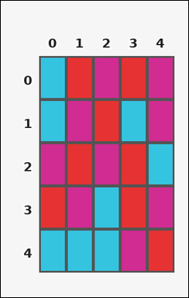 | 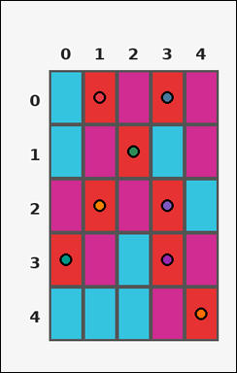 | task_tile_count_color_components | color_components | You are given one rectangular tile board on a 5 by 5 grid. Read rows from the left labels and columns from the top labels. How many connected components of red [#E63232] are there using 4-neighbor connectivity? Return a valid JSON object with keys "evidence" and "answer" in that order. Evidence: set "evidence" to the row-major list of [row, col] coordinates for every tile matching the query color. Answer: set "answer" to the number of 4-neighbor connected components formed by the query-color tiles as an integer. Example JSON: {"evidence":[[0,0],[0,1],[2,2]],"answer":2} | You are given one rectangular tile board on a 5 by 5 grid. Read rows from the left labels and columns from the top labels. How many connected components of red [#E63232] are there using 4-neighbor connectivity? Return a valid JSON object with key "answer". Answer: set "answer" to the number of 4-neighbor connected components formed by the query-color tiles as an integer. Example JSON: {"answer":2} | {"evidence": [[0, 1], [0, 3], [1, 2], [2, 1], [2, 3], [3, 0], [3, 3], [4, 4]], "answer": 7} | [[0, 1], [0, 3], [1, 2], [2, 1], [2, 3], [3, 0], [3, 3], [4, 4]] | integer | grid_point_set | 8.5921162152E+15 | task_tile_count_color_components/images/default/0021.png | task_tile_count_color_components/data/default/0021.json
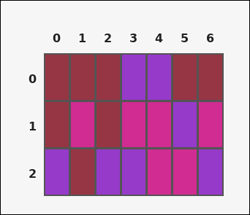 | 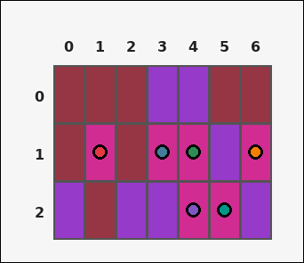 | task_tile_count_color_components | color_components | Use the single rectangular tile board in the image. It has 3 rows and 7 columns, with rows labeled on the left and columns labeled on the top. Count the number of 4-neighbor connected components formed by the magenta [#D02C91] tiles. Return a valid JSON object with keys "evidence" and "answer" in that order. Evidence format: set "evidence" to the row-major list of [row, col] coordinates for every tile matching the query color. Answer requirement: set "answer" to the number of 4-neighbor connected components formed by the query-color tiles as an integer. Example JSON: {"evidence":[[0,0],[0,1],[2,2]],"answer":2} | Use the single rectangular tile board in the image. It has 3 rows and 7 columns, with rows labeled on the left and columns labeled on the top. Count the number of 4-neighbor connected components formed by the magenta [#D02C91] tiles. Return a valid JSON object with key "answer". Answer: set "answer" to the number of 4-neighbor connected components formed by the query-color tiles as an integer. Example JSON: {"answer":2} | {"evidence": [[1, 1], [1, 3], [1, 4], [1, 6], [2, 4], [2, 5]], "answer": 3} | [[1, 1], [1, 3], [1, 4], [1, 6], [2, 4], [2, 5]] | integer | grid_point_set | 8.735050814E+15 | task_tile_count_color_components/images/default/0006.png | task_tile_count_color_components/data/default/0006.json

