color_count
image | evidence_image | task | task_variant | prompt | prompt_answer_only | answer | answer_evidence | answer_type | evidence_type | instance_seed | image_path | data_path
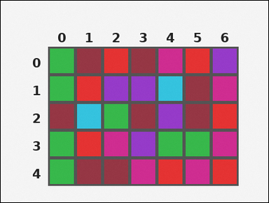 |  | task_tile_count_color_count | color_count | You are given one rectangular tile board on a 5 by 7 grid. Read rows from the left labels and columns from the top labels. Count the number of cyan [#34C4E0] tiles on the board. Return a valid JSON object with keys "evidence" and "answer" in that order. Evidence field: set "evidence" to the row-major list of [row, col] coordinates for every tile matching the query color. Answer field: set "answer" to the number of tiles matching the query color as an integer. Example JSON: {"evidence":[[0,0],[4,0],[0,3]],"answer":8} | You are given one rectangular tile board on a 5 by 7 grid. Read rows from the left labels and columns from the top labels. Count the number of cyan [#34C4E0] tiles on the board. Return a valid JSON object with key "answer". Answer requirement: set "answer" to the number of tiles matching the query color as an integer. Example JSON: {"answer":8} | {"evidence": [[1, 4], [2, 1]], "answer": 2} | [[1, 4], [2, 1]] | integer | grid_point_set | 105754645199845 | task_tile_count_color_count/images/default/0000.png | task_tile_count_color_count/data/default/0000.json
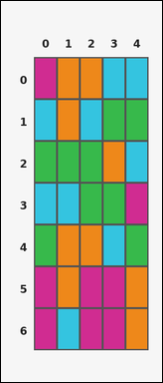 | 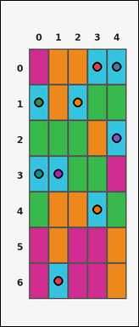 | task_tile_count_color_count | color_count | The image shows one rectangular tile board with 7 rows and 5 columns. Row labels are on the left and column labels are on the top. How many tiles are colored cyan [#34C4E0]? Return a valid JSON object with keys "evidence" and "answer" in that order. Evidence: set "evidence" to the row-major list of [row, col] coordinates for every tile matching the query color. Answer: set "answer" to the number of tiles matching the query color as an integer. Example JSON: {"evidence":[[0,0],[4,0],[0,3]],"answer":8} | The image shows one rectangular tile board with 7 rows and 5 columns. Row labels are on the left and column labels are on the top. How many tiles are colored cyan [#34C4E0]? Return a valid JSON object with key "answer". Answer rule: set "answer" to the number of tiles matching the query color as an integer. Example JSON: {"answer":8} | {"evidence": [[0, 3], [0, 4], [1, 0], [1, 2], [2, 4], [3, 0], [3, 1], [4, 3], [6, 1]], "answer": 9} | [[0, 3], [0, 4], [1, 0], [1, 2], [2, 4], [3, 0], [3, 1], [4, 3], [6, 1]] | integer | grid_point_set | 371253521866730 | task_tile_count_color_count/images/default/0021.png | task_tile_count_color_count/data/default/0021.json
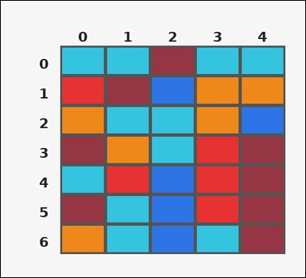 | 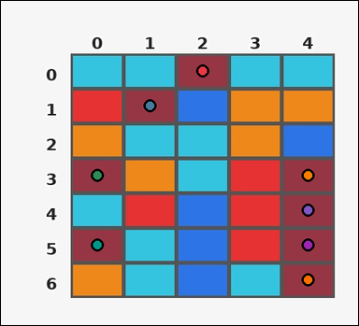 | task_tile_count_color_count | color_count | Work from the labeled rectangular tile board in the image. It has 7 rows and 5 columns with visible row and column indices. How many tiles are colored maroon [#963644]? Return a valid JSON object with keys "evidence" and "answer" in that order. Evidence format: set "evidence" to the row-major list of [row, col] coordinates for every tile matching the query color. Answer requirement: set "answer" to the number of tiles matching the query color as an integer. Example JSON: {"evidence":[[0,0],[4,0],[0,3]],"answer":8} | Work from the labeled rectangular tile board in the image. It has 7 rows and 5 columns with visible row and column indices. How many tiles are colored maroon [#963644]? Return a valid JSON object with key "answer". Answer field: set "answer" to the number of tiles matching the query color as an integer. Example JSON: {"answer":8} | {"evidence": [[0, 2], [1, 1], [3, 0], [3, 4], [4, 4], [5, 0], [5, 4], [6, 4]], "answer": 8} | [[0, 2], [1, 1], [3, 0], [3, 4], [4, 4], [5, 0], [5, 4], [6, 4]] | integer | grid_point_set | 512279420973807 | task_tile_count_color_count/images/default/0011.png | task_tile_count_color_count/data/default/0011.json
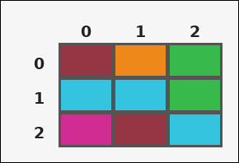 |  | task_tile_count_color_count | color_count | Look at the rectangular tile board with 3 rows and 3 columns. The board uses row labels on the left and column labels on the top. Count the number of magenta [#D02C91] tiles on the board. Return a valid JSON object with keys "evidence" and "answer" in that order. Evidence field: set "evidence" to the row-major list of [row, col] coordinates for every tile matching the query color. Answer field: set "answer" to the number of tiles matching the query color as an integer. Example JSON: {"evidence":[[0,0],[4,0],[0,3]],"answer":8} | Look at the rectangular tile board with 3 rows and 3 columns. The board uses row labels on the left and column labels on the top. Count the number of magenta [#D02C91] tiles on the board. Return a valid JSON object with key "answer". Answer: set "answer" to the number of tiles matching the query color as an integer. Example JSON: {"answer":8} | {"evidence": [[2, 0]], "answer": 1} | [[2, 0]] | integer | grid_point_set | 1.5027421719E+15 | task_tile_count_color_count/images/default/0018.png | task_tile_count_color_count/data/default/0018.json
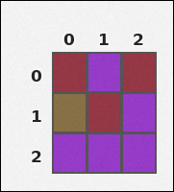 | 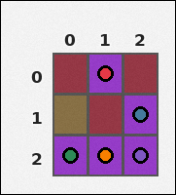 | task_tile_count_color_count | color_count | The image shows one rectangular tile board with 3 rows and 3 columns. Row labels are on the left and column labels are on the top. Determine how many board tiles have color purple [#963ACA]. Return a valid JSON object with keys "evidence" and "answer" in that order. Evidence format: set "evidence" to the row-major list of [row, col] coordinates for every tile matching the query color. Answer requirement: set "answer" to the number of tiles matching the query color as an integer. Example JSON: {"evidence":[[0,0],[4,0],[0,3]],"answer":8} | The image shows one rectangular tile board with 3 rows and 3 columns. Row labels are on the left and column labels are on the top. Determine how many board tiles have color purple [#963ACA]. Return a valid JSON object with key "answer". Answer format: set "answer" to the number of tiles matching the query color as an integer. Example JSON: {"answer":8} | {"evidence": [[0, 1], [1, 2], [2, 0], [2, 1], [2, 2]], "answer": 5} | [[0, 1], [1, 2], [2, 0], [2, 1], [2, 2]] | integer | grid_point_set | 1.5932327066E+15 | task_tile_count_color_count/images/default/0004.png | task_tile_count_color_count/data/default/0004.json
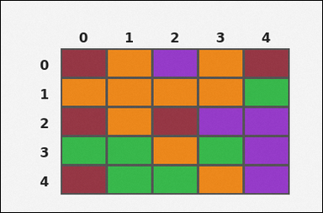 | 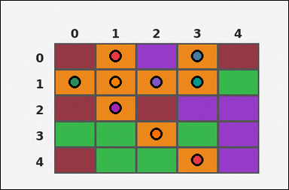 | task_tile_count_color_count | color_count | Look at the rectangular tile board with 5 rows and 5 columns. The board uses row labels on the left and column labels on the top. How many board cells are orange [#EE881A]? Return a valid JSON object with keys "evidence" and "answer" in that order. Evidence rule: set "evidence" to the row-major list of [row, col] coordinates for every tile matching the query color. Answer rule: set "answer" to the number of tiles matching the query color as an integer. Example JSON: {"evidence":[[0,0],[4,0],[0,3]],"answer":8} | Look at the rectangular tile board with 5 rows and 5 columns. The board uses row labels on the left and column labels on the top. How many board cells are orange [#EE881A]? Return a valid JSON object with key "answer". Answer requirement: set "answer" to the number of tiles matching the query color as an integer. Example JSON: {"answer":8} | {"evidence": [[0, 1], [0, 3], [1, 0], [1, 1], [1, 2], [1, 3], [2, 1], [3, 2], [4, 3]], "answer": 9} | [[0, 1], [0, 3], [1, 0], [1, 1], [1, 2], [1, 3], [2, 1], [3, 2], [4, 3]] | integer | grid_point_set | 2.3623148282E+15 | task_tile_count_color_count/images/default/0024.png | task_tile_count_color_count/data/default/0024.json
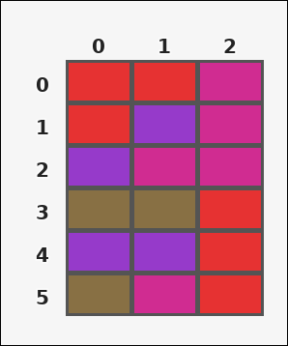 | 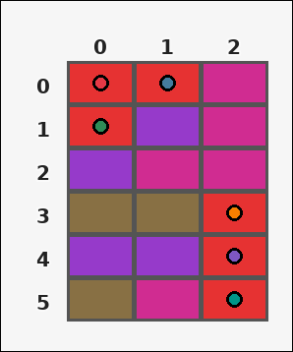 | task_tile_count_color_count | color_count | Look at the rectangular tile board with 6 rows and 3 columns. The board uses row labels on the left and column labels on the top. Determine how many board tiles have color red [#E63232]. Return a valid JSON object with keys "evidence" and "answer" in that order. Evidence: set "evidence" to the row-major list of [row, col] coordinates for every tile matching the query color. Answer: set "answer" to the number of tiles matching the query color as an integer. Example JSON: {"evidence":[[0,0],[4,0],[0,3]],"answer":8} | Look at the rectangular tile board with 6 rows and 3 columns. The board uses row labels on the left and column labels on the top. Determine how many board tiles have color red [#E63232]. Return a valid JSON object with key "answer". Answer field: set "answer" to the number of tiles matching the query color as an integer. Example JSON: {"answer":8} | {"evidence": [[0, 0], [0, 1], [1, 0], [3, 2], [4, 2], [5, 2]], "answer": 6} | [[0, 0], [0, 1], [1, 0], [3, 2], [4, 2], [5, 2]] | integer | grid_point_set | 2.4031233382E+15 | task_tile_count_color_count/images/default/0003.png | task_tile_count_color_count/data/default/0003.json
 |  | task_tile_count_color_count | color_count | You are given one rectangular tile board on a 3 by 7 grid. Read rows from the left labels and columns from the top labels. How many tiles are colored magenta [#D02C91]? Return a valid JSON object with keys "evidence" and "answer" in that order. Evidence requirement: set "evidence" to the row-major list of [row, col] coordinates for every tile matching the query color. Answer format: set "answer" to the number of tiles matching the query color as an integer. Example JSON: {"evidence":[[0,0],[4,0],[0,3]],"answer":8} | You are given one rectangular tile board on a 3 by 7 grid. Read rows from the left labels and columns from the top labels. How many tiles are colored magenta [#D02C91]? Return a valid JSON object with key "answer". Answer field: set "answer" to the number of tiles matching the query color as an integer. Example JSON: {"answer":8} | {"evidence": [[0, 1], [1, 0], [1, 6], [2, 0], [2, 2]], "answer": 5} | [[0, 1], [1, 0], [1, 6], [2, 0], [2, 2]] | integer | grid_point_set | 2.7428011743E+15 | task_tile_count_color_count/images/default/0023.png | task_tile_count_color_count/data/default/0023.json
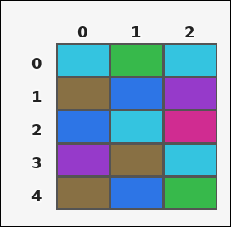 | 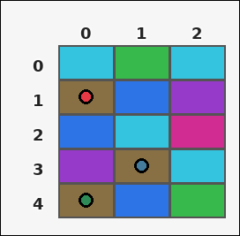 | task_tile_count_color_count | color_count | Look at the rectangular tile board with 5 rows and 3 columns. The board uses row labels on the left and column labels on the top. Find the total number of tiles colored brown [#887044]. Return a valid JSON object with keys "evidence" and "answer" in that order. Evidence format: set "evidence" to the row-major list of [row, col] coordinates for every tile matching the query color. Answer requirement: set "answer" to the number of tiles matching the query color as an integer. Example JSON: {"evidence":[[0,0],[4,0],[0,3]],"answer":8} | Look at the rectangular tile board with 5 rows and 3 columns. The board uses row labels on the left and column labels on the top. Find the total number of tiles colored brown [#887044]. Return a valid JSON object with key "answer". Answer field: set "answer" to the number of tiles matching the query color as an integer. Example JSON: {"answer":8} | {"evidence": [[1, 0], [3, 1], [4, 0]], "answer": 3} | [[1, 0], [3, 1], [4, 0]] | integer | grid_point_set | 2.9286562018E+15 | task_tile_count_color_count/images/default/0017.png | task_tile_count_color_count/data/default/0017.json
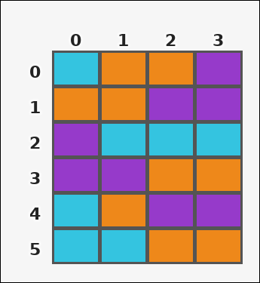 | 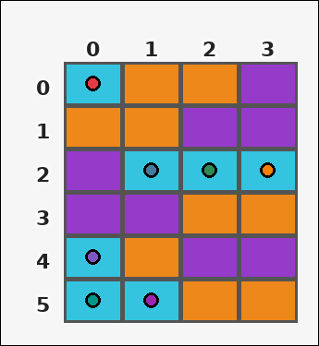 | task_tile_count_color_count | color_count | You are given one rectangular tile board on a 6 by 4 grid. Read rows from the left labels and columns from the top labels. Determine how many board tiles have color cyan [#34C4E0]. Return a valid JSON object with keys "evidence" and "answer" in that order. Evidence requirement: set "evidence" to the row-major list of [row, col] coordinates for every tile matching the query color. Answer format: set "answer" to the number of tiles matching the query color as an integer. Example JSON: {"evidence":[[0,0],[4,0],[0,3]],"answer":8} | You are given one rectangular tile board on a 6 by 4 grid. Read rows from the left labels and columns from the top labels. Determine how many board tiles have color cyan [#34C4E0]. Return a valid JSON object with key "answer". Answer requirement: set "answer" to the number of tiles matching the query color as an integer. Example JSON: {"answer":8} | {"evidence": [[0, 0], [2, 1], [2, 2], [2, 3], [4, 0], [5, 0], [5, 1]], "answer": 7} | [[0, 0], [2, 1], [2, 2], [2, 3], [4, 0], [5, 0], [5, 1]] | integer | grid_point_set | 4.2129655455E+15 | task_tile_count_color_count/images/default/0001.png | task_tile_count_color_count/data/default/0001.json
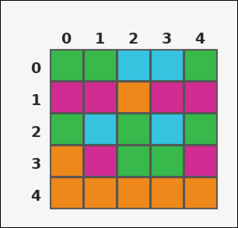 | 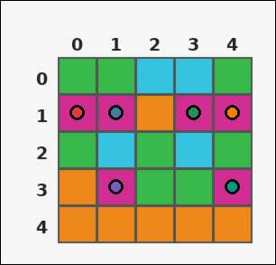 | task_tile_count_color_count | color_count | Use the single rectangular tile board in the image. It has 5 rows and 5 columns, with rows labeled on the left and columns labeled on the top. How many board cells are magenta [#D02C91]? Return a valid JSON object with keys "evidence" and "answer" in that order. Evidence format: set "evidence" to the row-major list of [row, col] coordinates for every tile matching the query color. Answer requirement: set "answer" to the number of tiles matching the query color as an integer. Example JSON: {"evidence":[[0,0],[4,0],[0,3]],"answer":8} | Use the single rectangular tile board in the image. It has 5 rows and 5 columns, with rows labeled on the left and columns labeled on the top. How many board cells are magenta [#D02C91]? Return a valid JSON object with key "answer". Answer: set "answer" to the number of tiles matching the query color as an integer. Example JSON: {"answer":8} | {"evidence": [[1, 0], [1, 1], [1, 3], [1, 4], [3, 1], [3, 4]], "answer": 6} | [[1, 0], [1, 1], [1, 3], [1, 4], [3, 1], [3, 4]] | integer | grid_point_set | 4.5052151101E+15 | task_tile_count_color_count/images/default/0006.png | task_tile_count_color_count/data/default/0006.json
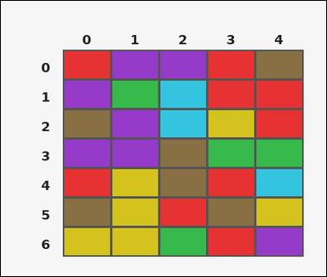 |  | task_tile_count_color_count | color_count | You are given one rectangular tile board on a 7 by 5 grid. Read rows from the left labels and columns from the top labels. Find the total number of tiles colored green [#37B94B]. Return a valid JSON object with keys "evidence" and "answer" in that order. Evidence format: set "evidence" to the row-major list of [row, col] coordinates for every tile matching the query color. Answer requirement: set "answer" to the number of tiles matching the query color as an integer. Example JSON: {"evidence":[[0,0],[4,0],[0,3]],"answer":8} | You are given one rectangular tile board on a 7 by 5 grid. Read rows from the left labels and columns from the top labels. Find the total number of tiles colored green [#37B94B]. Return a valid JSON object with key "answer". Answer requirement: set "answer" to the number of tiles matching the query color as an integer. Example JSON: {"answer":8} | {"evidence": [[1, 1], [3, 3], [3, 4], [6, 2]], "answer": 4} | [[1, 1], [3, 3], [3, 4], [6, 2]] | integer | grid_point_set | 4.5206952417E+15 | task_tile_count_color_count/images/default/0013.png | task_tile_count_color_count/data/default/0013.json
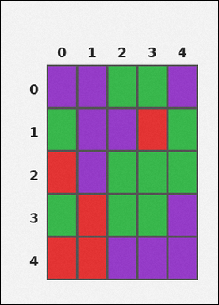 |  | task_tile_count_color_count | color_count | You are given one rectangular tile board on a 5 by 5 grid. Read rows from the left labels and columns from the top labels. Determine how many board tiles have color red [#E63232]. Return a valid JSON object with keys "evidence" and "answer" in that order. Evidence requirement: set "evidence" to the row-major list of [row, col] coordinates for every tile matching the query color. Answer format: set "answer" to the number of tiles matching the query color as an integer. Example JSON: {"evidence":[[0,0],[4,0],[0,3]],"answer":8} | You are given one rectangular tile board on a 5 by 5 grid. Read rows from the left labels and columns from the top labels. Determine how many board tiles have color red [#E63232]. Return a valid JSON object with key "answer". Answer field: set "answer" to the number of tiles matching the query color as an integer. Example JSON: {"answer":8} | {"evidence": [[1, 3], [2, 0], [3, 1], [4, 0], [4, 1]], "answer": 5} | [[1, 3], [2, 0], [3, 1], [4, 0], [4, 1]] | integer | grid_point_set | 5.070434952E+15 | task_tile_count_color_count/images/default/0015.png | task_tile_count_color_count/data/default/0015.json
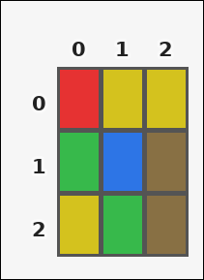 | 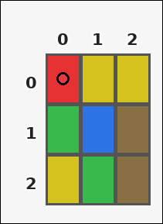 | task_tile_count_color_count | color_count | You are given one rectangular tile board on a 3 by 3 grid. Read rows from the left labels and columns from the top labels. Count the number of red [#E63232] tiles on the board. Return a valid JSON object with keys "evidence" and "answer" in that order. Evidence field: set "evidence" to the row-major list of [row, col] coordinates for every tile matching the query color. Answer field: set "answer" to the number of tiles matching the query color as an integer. Example JSON: {"evidence":[[0,0],[4,0],[0,3]],"answer":8} | You are given one rectangular tile board on a 3 by 3 grid. Read rows from the left labels and columns from the top labels. Count the number of red [#E63232] tiles on the board. Return a valid JSON object with key "answer". Answer requirement: set "answer" to the number of tiles matching the query color as an integer. Example JSON: {"answer":8} | {"evidence": [[0, 0]], "answer": 1} | [[0, 0]] | integer | grid_point_set | 5.2128551833E+15 | task_tile_count_color_count/images/default/0005.png | task_tile_count_color_count/data/default/0005.json
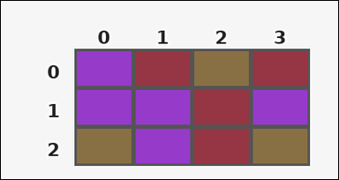 | 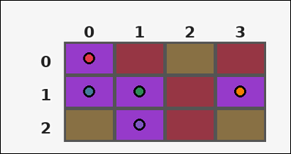 | task_tile_count_color_count | color_count | You are given one rectangular tile board on a 3 by 4 grid. Read rows from the left labels and columns from the top labels. Determine how many board tiles have color purple [#963ACA]. Return a valid JSON object with keys "evidence" and "answer" in that order. Evidence format: set "evidence" to the row-major list of [row, col] coordinates for every tile matching the query color. Answer requirement: set "answer" to the number of tiles matching the query color as an integer. Example JSON: {"evidence":[[0,0],[4,0],[0,3]],"answer":8} | You are given one rectangular tile board on a 3 by 4 grid. Read rows from the left labels and columns from the top labels. Determine how many board tiles have color purple [#963ACA]. Return a valid JSON object with key "answer". Answer rule: set "answer" to the number of tiles matching the query color as an integer. Example JSON: {"answer":8} | {"evidence": [[0, 0], [1, 0], [1, 1], [1, 3], [2, 1]], "answer": 5} | [[0, 0], [1, 0], [1, 1], [1, 3], [2, 1]] | integer | grid_point_set | 5.2804358044E+15 | task_tile_count_color_count/images/default/0009.png | task_tile_count_color_count/data/default/0009.json
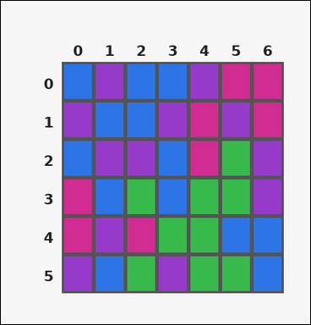 | 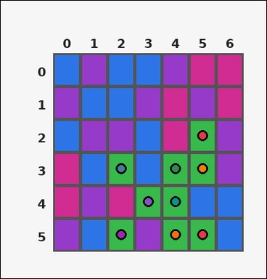 | task_tile_count_color_count | color_count | Work from the labeled rectangular tile board in the image. It has 6 rows and 7 columns with visible row and column indices. How many board cells are green [#37B94B]? Return a valid JSON object with keys "evidence" and "answer" in that order. Evidence rule: set "evidence" to the row-major list of [row, col] coordinates for every tile matching the query color. Answer rule: set "answer" to the number of tiles matching the query color as an integer. Example JSON: {"evidence":[[0,0],[4,0],[0,3]],"answer":8} | Work from the labeled rectangular tile board in the image. It has 6 rows and 7 columns with visible row and column indices. How many board cells are green [#37B94B]? Return a valid JSON object with key "answer". Answer field: set "answer" to the number of tiles matching the query color as an integer. Example JSON: {"answer":8} | {"evidence": [[2, 5], [3, 2], [3, 4], [3, 5], [4, 3], [4, 4], [5, 2], [5, 4], [5, 5]], "answer": 9} | [[2, 5], [3, 2], [3, 4], [3, 5], [4, 3], [4, 4], [5, 2], [5, 4], [5, 5]] | integer | grid_point_set | 5.753317912E+15 | task_tile_count_color_count/images/default/0010.png | task_tile_count_color_count/data/default/0010.json
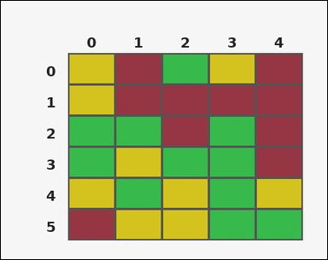 | 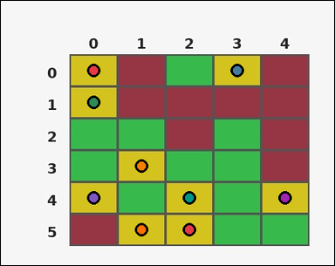 | task_tile_count_color_count | color_count | The image shows one rectangular tile board with 6 rows and 5 columns. Row labels are on the left and column labels are on the top. Find the total number of tiles colored yellow [#D4C21E]. Return a valid JSON object with keys "evidence" and "answer" in that order. Evidence: set "evidence" to the row-major list of [row, col] coordinates for every tile matching the query color. Answer: set "answer" to the number of tiles matching the query color as an integer. Example JSON: {"evidence":[[0,0],[4,0],[0,3]],"answer":8} | The image shows one rectangular tile board with 6 rows and 5 columns. Row labels are on the left and column labels are on the top. Find the total number of tiles colored yellow [#D4C21E]. Return a valid JSON object with key "answer". Answer requirement: set "answer" to the number of tiles matching the query color as an integer. Example JSON: {"answer":8} | {"evidence": [[0, 0], [0, 3], [1, 0], [3, 1], [4, 0], [4, 2], [4, 4], [5, 1], [5, 2]], "answer": 9} | [[0, 0], [0, 3], [1, 0], [3, 1], [4, 0], [4, 2], [4, 4], [5, 1], [5, 2]] | integer | grid_point_set | 5.9422925478E+15 | task_tile_count_color_count/images/default/0007.png | task_tile_count_color_count/data/default/0007.json
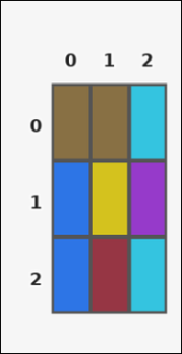 | 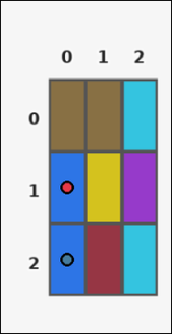 | task_tile_count_color_count | color_count | Look at the rectangular tile board with 3 rows and 3 columns. The board uses row labels on the left and column labels on the top. Determine how many board tiles have color blue [#2D75E6]. Return a valid JSON object with keys "evidence" and "answer" in that order. Evidence requirement: set "evidence" to the row-major list of [row, col] coordinates for every tile matching the query color. Answer format: set "answer" to the number of tiles matching the query color as an integer. Example JSON: {"evidence":[[0,0],[4,0],[0,3]],"answer":8} | Look at the rectangular tile board with 3 rows and 3 columns. The board uses row labels on the left and column labels on the top. Determine how many board tiles have color blue [#2D75E6]. Return a valid JSON object with key "answer". Answer field: set "answer" to the number of tiles matching the query color as an integer. Example JSON: {"answer":8} | {"evidence": [[1, 0], [2, 0]], "answer": 2} | [[1, 0], [2, 0]] | integer | grid_point_set | 5.9764574395E+15 | task_tile_count_color_count/images/default/0019.png | task_tile_count_color_count/data/default/0019.json
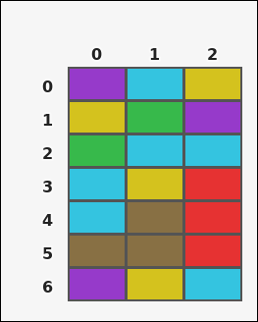 | 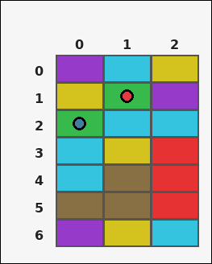 | task_tile_count_color_count | color_count | Work from the labeled rectangular tile board in the image. It has 7 rows and 3 columns with visible row and column indices. How many tiles are colored green [#37B94B]? Return a valid JSON object with keys "evidence" and "answer" in that order. Evidence: set "evidence" to the row-major list of [row, col] coordinates for every tile matching the query color. Answer: set "answer" to the number of tiles matching the query color as an integer. Example JSON: {"evidence":[[0,0],[4,0],[0,3]],"answer":8} | Work from the labeled rectangular tile board in the image. It has 7 rows and 3 columns with visible row and column indices. How many tiles are colored green [#37B94B]? Return a valid JSON object with key "answer". Answer rule: set "answer" to the number of tiles matching the query color as an integer. Example JSON: {"answer":8} | {"evidence": [[1, 1], [2, 0]], "answer": 2} | [[1, 1], [2, 0]] | integer | grid_point_set | 6.4377420695E+15 | task_tile_count_color_count/images/default/0014.png | task_tile_count_color_count/data/default/0014.json
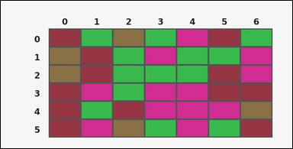 | 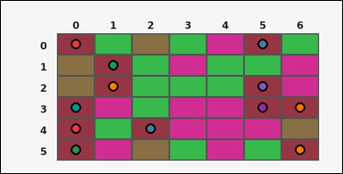 | task_tile_count_color_count | color_count | Work from the labeled rectangular tile board in the image. It has 6 rows and 7 columns with visible row and column indices. Determine how many board tiles have color maroon [#963644]. Return a valid JSON object with keys "evidence" and "answer" in that order. Evidence field: set "evidence" to the row-major list of [row, col] coordinates for every tile matching the query color. Answer field: set "answer" to the number of tiles matching the query color as an integer. Example JSON: {"evidence":[[0,0],[4,0],[0,3]],"answer":8} | Work from the labeled rectangular tile board in the image. It has 6 rows and 7 columns with visible row and column indices. Determine how many board tiles have color maroon [#963644]. Return a valid JSON object with key "answer". Answer format: set "answer" to the number of tiles matching the query color as an integer. Example JSON: {"answer":8} | {"evidence": [[0, 0], [0, 5], [1, 1], [2, 1], [2, 5], [3, 0], [3, 5], [3, 6], [4, 0], [4, 2], [5, 0], [5, 6]], "answer": 12} | [[0, 0], [0, 5], [1, 1], [2, 1], [2, 5], [3, 0], [3, 5], [3, 6], [4, 0], [4, 2], [5, 0], [5, 6]] | integer | grid_point_set | 6.7075466864E+15 | task_tile_count_color_count/images/default/0012.png | task_tile_count_color_count/data/default/0012.json
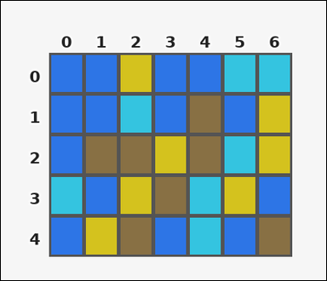 | 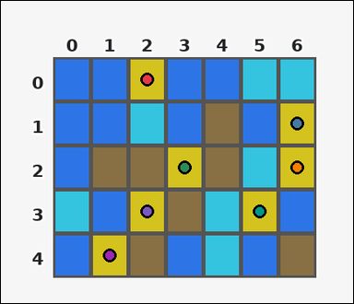 | task_tile_count_color_count | color_count | Use the single rectangular tile board in the image. It has 5 rows and 7 columns, with rows labeled on the left and columns labeled on the top. Find the total number of tiles colored yellow [#D4C21E]. Return a valid JSON object with keys "evidence" and "answer" in that order. Evidence field: set "evidence" to the row-major list of [row, col] coordinates for every tile matching the query color. Answer field: set "answer" to the number of tiles matching the query color as an integer. Example JSON: {"evidence":[[0,0],[4,0],[0,3]],"answer":8} | Use the single rectangular tile board in the image. It has 5 rows and 7 columns, with rows labeled on the left and columns labeled on the top. Find the total number of tiles colored yellow [#D4C21E]. Return a valid JSON object with key "answer". Answer: set "answer" to the number of tiles matching the query color as an integer. Example JSON: {"answer":8} | {"evidence": [[0, 2], [1, 6], [2, 3], [2, 6], [3, 2], [3, 5], [4, 1]], "answer": 7} | [[0, 2], [1, 6], [2, 3], [2, 6], [3, 2], [3, 5], [4, 1]] | integer | grid_point_set | 6.7934092096E+15 | task_tile_count_color_count/images/default/0016.png | task_tile_count_color_count/data/default/0016.json
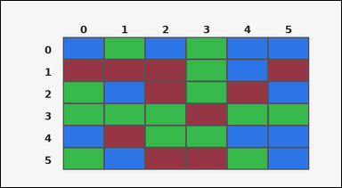 | 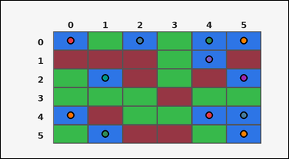 | task_tile_count_color_count | color_count | You are given one rectangular tile board on a 6 by 6 grid. Read rows from the left labels and columns from the top labels. Determine how many board tiles have color blue [#2D75E6]. Return a valid JSON object with keys "evidence" and "answer" in that order. Evidence rule: set "evidence" to the row-major list of [row, col] coordinates for every tile matching the query color. Answer rule: set "answer" to the number of tiles matching the query color as an integer. Example JSON: {"evidence":[[0,0],[4,0],[0,3]],"answer":8} | You are given one rectangular tile board on a 6 by 6 grid. Read rows from the left labels and columns from the top labels. Determine how many board tiles have color blue [#2D75E6]. Return a valid JSON object with key "answer". Answer requirement: set "answer" to the number of tiles matching the query color as an integer. Example JSON: {"answer":8} | {"evidence": [[0, 0], [0, 2], [0, 4], [0, 5], [1, 4], [2, 1], [2, 5], [4, 0], [4, 4], [4, 5], [5, 1], [5, 5]], "answer": 12} | [[0, 0], [0, 2], [0, 4], [0, 5], [1, 4], [2, 1], [2, 5], [4, 0], [4, 4], [4, 5], [5, 1], [5, 5]] | integer | grid_point_set | 6.9349953577E+15 | task_tile_count_color_count/images/default/0002.png | task_tile_count_color_count/data/default/0002.json
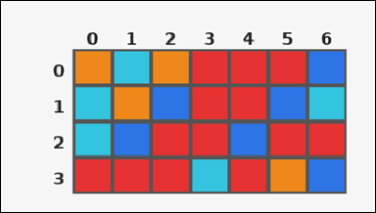 | 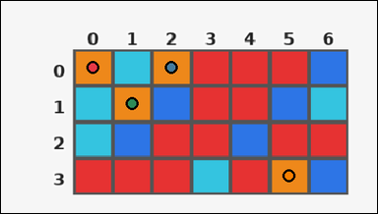 | task_tile_count_color_count | color_count | Look at the rectangular tile board with 4 rows and 7 columns. The board uses row labels on the left and column labels on the top. Count the number of orange [#EE881A] tiles on the board. Return a valid JSON object with keys "evidence" and "answer" in that order. Evidence rule: set "evidence" to the row-major list of [row, col] coordinates for every tile matching the query color. Answer rule: set "answer" to the number of tiles matching the query color as an integer. Example JSON: {"evidence":[[0,0],[4,0],[0,3]],"answer":8} | Look at the rectangular tile board with 4 rows and 7 columns. The board uses row labels on the left and column labels on the top. Count the number of orange [#EE881A] tiles on the board. Return a valid JSON object with key "answer". Answer rule: set "answer" to the number of tiles matching the query color as an integer. Example JSON: {"answer":8} | {"evidence": [[0, 0], [0, 2], [1, 1], [3, 5]], "answer": 4} | [[0, 0], [0, 2], [1, 1], [3, 5]] | integer | grid_point_set | 7.6686659597E+15 | task_tile_count_color_count/images/default/0008.png | task_tile_count_color_count/data/default/0008.json
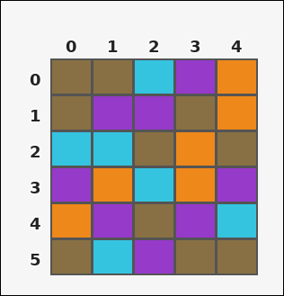 |  | task_tile_count_color_count | color_count | Work from the labeled rectangular tile board in the image. It has 6 rows and 5 columns with visible row and column indices. Count the number of brown [#887044] tiles on the board. Return a valid JSON object with keys "evidence" and "answer" in that order. Evidence rule: set "evidence" to the row-major list of [row, col] coordinates for every tile matching the query color. Answer rule: set "answer" to the number of tiles matching the query color as an integer. Example JSON: {"evidence":[[0,0],[4,0],[0,3]],"answer":8} | Work from the labeled rectangular tile board in the image. It has 6 rows and 5 columns with visible row and column indices. Count the number of brown [#887044] tiles on the board. Return a valid JSON object with key "answer". Answer rule: set "answer" to the number of tiles matching the query color as an integer. Example JSON: {"answer":8} | {"evidence": [[0, 0], [0, 1], [1, 0], [1, 3], [2, 2], [2, 4], [4, 2], [5, 0], [5, 3], [5, 4]], "answer": 10} | [[0, 0], [0, 1], [1, 0], [1, 3], [2, 2], [2, 4], [4, 2], [5, 0], [5, 3], [5, 4]] | integer | grid_point_set | 8.4800630676E+15 | task_tile_count_color_count/images/default/0022.png | task_tile_count_color_count/data/default/0022.json
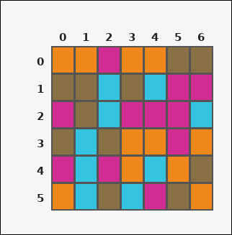 | 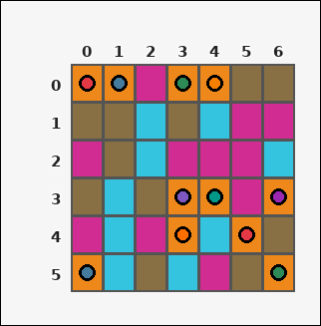 | task_tile_count_color_count | color_count | Look at the rectangular tile board with 6 rows and 7 columns. The board uses row labels on the left and column labels on the top. Determine how many board tiles have color orange [#EE881A]. Return a valid JSON object with keys "evidence" and "answer" in that order. Evidence rule: set "evidence" to the row-major list of [row, col] coordinates for every tile matching the query color. Answer rule: set "answer" to the number of tiles matching the query color as an integer. Example JSON: {"evidence":[[0,0],[4,0],[0,3]],"answer":8} | Look at the rectangular tile board with 6 rows and 7 columns. The board uses row labels on the left and column labels on the top. Determine how many board tiles have color orange [#EE881A]. Return a valid JSON object with key "answer". Answer field: set "answer" to the number of tiles matching the query color as an integer. Example JSON: {"answer":8} | {"evidence": [[0, 0], [0, 1], [0, 3], [0, 4], [3, 3], [3, 4], [3, 6], [4, 3], [4, 5], [5, 0], [5, 6]], "answer": 11} | [[0, 0], [0, 1], [0, 3], [0, 4], [3, 3], [3, 4], [3, 6], [4, 3], [4, 5], [5, 0], [5, 6]] | integer | grid_point_set | 8.6685208013E+15 | task_tile_count_color_count/images/default/0020.png | task_tile_count_color_count/data/default/0020.json

