reachable_target_count
image | evidence_image | task | task_variant | prompt | prompt_answer_only | answer | answer_evidence | answer_type | evidence_type | instance_seed | image_path | data_path
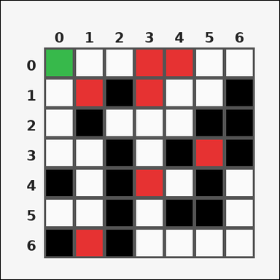 | 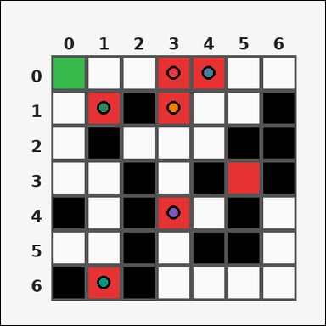 | task_tile_path_reachable_target_count | reachable_target_count | Use the single rectangular tile board in the image. It has 7 rows and 7 columns, with rows labeled on the left and columns labeled on the top. Find how many marked red [#E63232] target tiles are reachable from the green [#37B94B] start tile when movement is limited to 4-neighbor steps through tiles that are not black [#000000]. Return a valid JSON object with keys "evidence" and "answer" in that order. Evidence field: set "evidence" to the row-major list of [row, col] coordinates for the reachable target tiles. Answer field: set "answer" to the number of reachable target tiles as an integer. Example JSON: {"evidence":[[0,2],[2,1]],"answer":2} | Use the single rectangular tile board in the image. It has 7 rows and 7 columns, with rows labeled on the left and columns labeled on the top. Find how many marked red [#E63232] target tiles are reachable from the green [#37B94B] start tile when movement is limited to 4-neighbor steps through tiles that are not black [#000000]. Return a valid JSON object with key "answer". Answer field: set "answer" to the number of reachable target tiles as an integer. Example JSON: {"answer":2} | {"evidence": [[0, 3], [0, 4], [1, 1], [1, 3], [4, 3], [6, 1]], "answer": 6} | [[0, 3], [0, 4], [1, 1], [1, 3], [4, 3], [6, 1]] | integer | grid_point_set | 506626168715515 | task_tile_path_reachable_target_count/images/default/0014.png | task_tile_path_reachable_target_count/data/default/0014.json
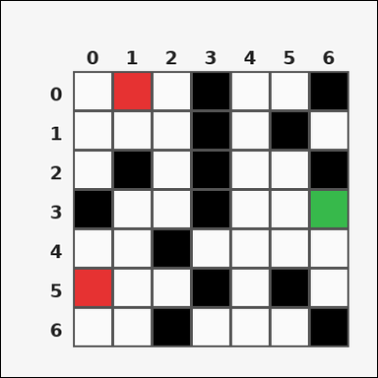 |  | task_tile_path_reachable_target_count | reachable_target_count | Work from the labeled rectangular tile board in the image. It has 7 rows and 7 columns with visible row and column indices. Find how many marked red [#E63232] target tiles are reachable from the green [#37B94B] start tile when movement is limited to 4-neighbor steps through tiles that are not black [#000000]. Return a valid JSON object with keys "evidence" and "answer" in that order. Evidence rule: set "evidence" to the row-major list of [row, col] coordinates for the reachable target tiles. Answer rule: set "answer" to the number of reachable target tiles as an integer. Example JSON: {"evidence":[[0,2],[2,1]],"answer":2} | Work from the labeled rectangular tile board in the image. It has 7 rows and 7 columns with visible row and column indices. Find how many marked red [#E63232] target tiles are reachable from the green [#37B94B] start tile when movement is limited to 4-neighbor steps through tiles that are not black [#000000]. Return a valid JSON object with key "answer". Answer requirement: set "answer" to the number of reachable target tiles as an integer. Example JSON: {"answer":2} | {"evidence": [], "answer": 0} | [] | integer | grid_point_set | 1.6483149601E+15 | task_tile_path_reachable_target_count/images/default/0008.png | task_tile_path_reachable_target_count/data/default/0008.json
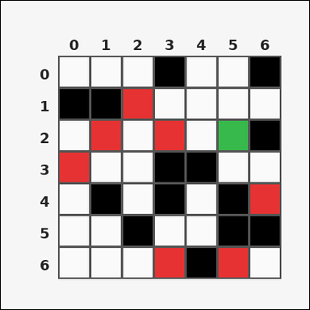 | 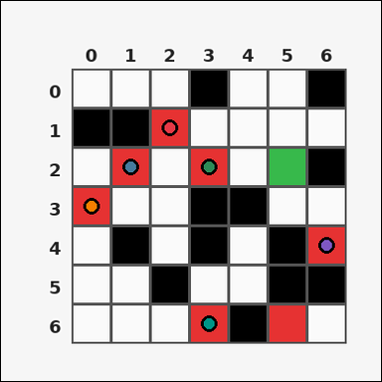 | task_tile_path_reachable_target_count | reachable_target_count | The image shows one rectangular tile board with 7 rows and 7 columns. Row labels are on the left and column labels are on the top. Obstacle tiles are black [#000000]. The start tile is green [#37B94B], and the marked target tiles are red [#E63232]. Using 4-neighbor moves through non-obstacle tiles, how many target tiles are reachable from the start? Return a valid JSON object with keys "evidence" and "answer" in that order. Evidence requirement: set "evidence" to the row-major list of [row, col] coordinates for the reachable target tiles. Answer format: set "answer" to the number of reachable target tiles as an integer. Example JSON: {"evidence":[[0,2],[2,1]],"answer":2} | The image shows one rectangular tile board with 7 rows and 7 columns. Row labels are on the left and column labels are on the top. Obstacle tiles are black [#000000]. The start tile is green [#37B94B], and the marked target tiles are red [#E63232]. Using 4-neighbor moves through non-obstacle tiles, how many target tiles are reachable from the start? Return a valid JSON object with key "answer". Answer rule: set "answer" to the number of reachable target tiles as an integer. Example JSON: {"answer":2} | {"evidence": [[1, 2], [2, 1], [2, 3], [3, 0], [4, 6], [6, 3]], "answer": 6} | [[1, 2], [2, 1], [2, 3], [3, 0], [4, 6], [6, 3]] | integer | grid_point_set | 2.170508484E+15 | task_tile_path_reachable_target_count/images/default/0007.png | task_tile_path_reachable_target_count/data/default/0007.json
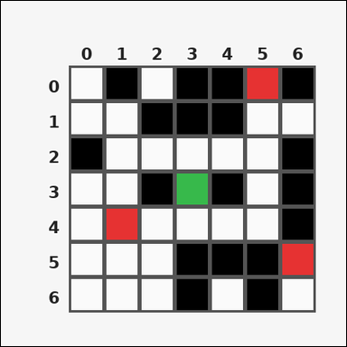 | 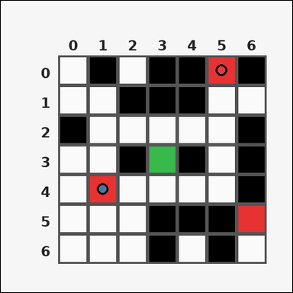 | task_tile_path_reachable_target_count | reachable_target_count | Use the single rectangular tile board in the image. It has 7 rows and 7 columns, with rows labeled on the left and columns labeled on the top. Treat the black [#000000] tiles as blocked. The start tile is green [#37B94B] and the marked target tiles are red [#E63232]. Count the targets reachable with 4-neighbor movement from the start. Return a valid JSON object with keys "evidence" and "answer" in that order. Evidence rule: set "evidence" to the row-major list of [row, col] coordinates for the reachable target tiles. Answer rule: set "answer" to the number of reachable target tiles as an integer. Example JSON: {"evidence":[[0,2],[2,1]],"answer":2} | Use the single rectangular tile board in the image. It has 7 rows and 7 columns, with rows labeled on the left and columns labeled on the top. Treat the black [#000000] tiles as blocked. The start tile is green [#37B94B] and the marked target tiles are red [#E63232]. Count the targets reachable with 4-neighbor movement from the start. Return a valid JSON object with key "answer". Answer: set "answer" to the number of reachable target tiles as an integer. Example JSON: {"answer":2} | {"evidence": [[0, 5], [4, 1]], "answer": 2} | [[0, 5], [4, 1]] | integer | grid_point_set | 2.4207101836E+15 | task_tile_path_reachable_target_count/images/default/0016.png | task_tile_path_reachable_target_count/data/default/0016.json
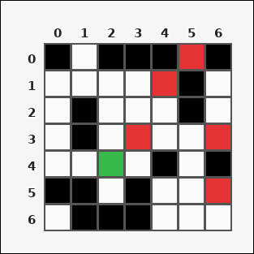 | 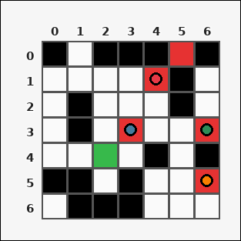 | task_tile_path_reachable_target_count | reachable_target_count | Use the single rectangular tile board in the image. It has 7 rows and 7 columns, with rows labeled on the left and columns labeled on the top. Find how many marked red [#E63232] target tiles are reachable from the green [#37B94B] start tile when movement is limited to 4-neighbor steps through tiles that are not black [#000000]. Return a valid JSON object with keys "evidence" and "answer" in that order. Evidence field: set "evidence" to the row-major list of [row, col] coordinates for the reachable target tiles. Answer field: set "answer" to the number of reachable target tiles as an integer. Example JSON: {"evidence":[[0,2],[2,1]],"answer":2} | Use the single rectangular tile board in the image. It has 7 rows and 7 columns, with rows labeled on the left and columns labeled on the top. Find how many marked red [#E63232] target tiles are reachable from the green [#37B94B] start tile when movement is limited to 4-neighbor steps through tiles that are not black [#000000]. Return a valid JSON object with key "answer". Answer: set "answer" to the number of reachable target tiles as an integer. Example JSON: {"answer":2} | {"evidence": [[1, 4], [3, 3], [3, 6], [5, 6]], "answer": 4} | [[1, 4], [3, 3], [3, 6], [5, 6]] | integer | grid_point_set | 2.5436571258E+15 | task_tile_path_reachable_target_count/images/default/0013.png | task_tile_path_reachable_target_count/data/default/0013.json
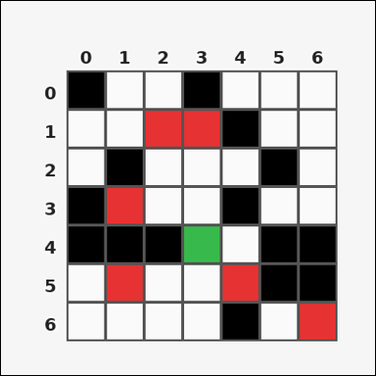 |  | task_tile_path_reachable_target_count | reachable_target_count | The image shows one rectangular tile board with 7 rows and 7 columns. Row labels are on the left and column labels are on the top. Treat the black [#000000] tiles as blocked. The start tile is green [#37B94B] and the marked target tiles are red [#E63232]. Count the targets reachable with 4-neighbor movement from the start. Return a valid JSON object with keys "evidence" and "answer" in that order. Evidence: set "evidence" to the row-major list of [row, col] coordinates for the reachable target tiles. Answer: set "answer" to the number of reachable target tiles as an integer. Example JSON: {"evidence":[[0,2],[2,1]],"answer":2} | The image shows one rectangular tile board with 7 rows and 7 columns. Row labels are on the left and column labels are on the top. Treat the black [#000000] tiles as blocked. The start tile is green [#37B94B] and the marked target tiles are red [#E63232]. Count the targets reachable with 4-neighbor movement from the start. Return a valid JSON object with key "answer". Answer field: set "answer" to the number of reachable target tiles as an integer. Example JSON: {"answer":2} | {"evidence": [[1, 2], [1, 3], [3, 1], [5, 1], [5, 4]], "answer": 5} | [[1, 2], [1, 3], [3, 1], [5, 1], [5, 4]] | integer | grid_point_set | 2.6234007375E+15 | task_tile_path_reachable_target_count/images/default/0018.png | task_tile_path_reachable_target_count/data/default/0018.json
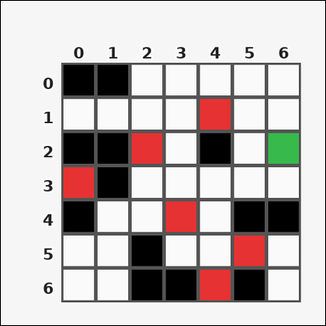 | 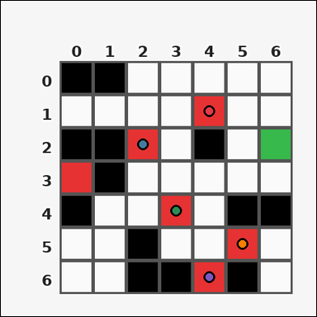 | task_tile_path_reachable_target_count | reachable_target_count | Work from the labeled rectangular tile board in the image. It has 7 rows and 7 columns with visible row and column indices. Treat the black [#000000] tiles as blocked. The start tile is green [#37B94B] and the marked target tiles are red [#E63232]. Count the targets reachable with 4-neighbor movement from the start. Return a valid JSON object with keys "evidence" and "answer" in that order. Evidence field: set "evidence" to the row-major list of [row, col] coordinates for the reachable target tiles. Answer field: set "answer" to the number of reachable target tiles as an integer. Example JSON: {"evidence":[[0,2],[2,1]],"answer":2} | Work from the labeled rectangular tile board in the image. It has 7 rows and 7 columns with visible row and column indices. Treat the black [#000000] tiles as blocked. The start tile is green [#37B94B] and the marked target tiles are red [#E63232]. Count the targets reachable with 4-neighbor movement from the start. Return a valid JSON object with key "answer". Answer format: set "answer" to the number of reachable target tiles as an integer. Example JSON: {"answer":2} | {"evidence": [[1, 4], [2, 2], [4, 3], [5, 5], [6, 4]], "answer": 5} | [[1, 4], [2, 2], [4, 3], [5, 5], [6, 4]] | integer | grid_point_set | 2.9086609425E+15 | task_tile_path_reachable_target_count/images/default/0022.png | task_tile_path_reachable_target_count/data/default/0022.json
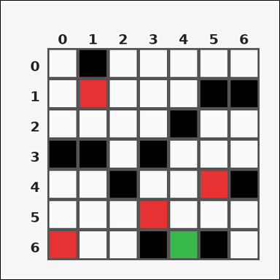 | 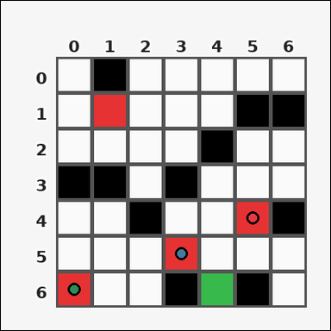 | task_tile_path_reachable_target_count | reachable_target_count | Work from the labeled rectangular tile board in the image. It has 7 rows and 7 columns with visible row and column indices. Find how many marked red [#E63232] target tiles are reachable from the green [#37B94B] start tile when movement is limited to 4-neighbor steps through tiles that are not black [#000000]. Return a valid JSON object with keys "evidence" and "answer" in that order. Evidence: set "evidence" to the row-major list of [row, col] coordinates for the reachable target tiles. Answer: set "answer" to the number of reachable target tiles as an integer. Example JSON: {"evidence":[[0,2],[2,1]],"answer":2} | Work from the labeled rectangular tile board in the image. It has 7 rows and 7 columns with visible row and column indices. Find how many marked red [#E63232] target tiles are reachable from the green [#37B94B] start tile when movement is limited to 4-neighbor steps through tiles that are not black [#000000]. Return a valid JSON object with key "answer". Answer format: set "answer" to the number of reachable target tiles as an integer. Example JSON: {"answer":2} | {"evidence": [[4, 5], [5, 3], [6, 0]], "answer": 3} | [[4, 5], [5, 3], [6, 0]] | integer | grid_point_set | 3.2346299035E+15 | task_tile_path_reachable_target_count/images/default/0003.png | task_tile_path_reachable_target_count/data/default/0003.json
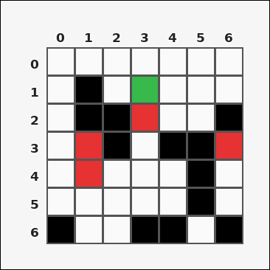 | 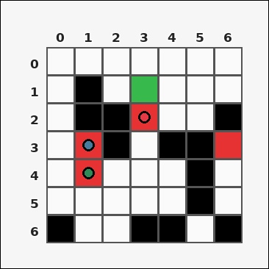 | task_tile_path_reachable_target_count | reachable_target_count | The image shows one rectangular tile board with 7 rows and 7 columns. Row labels are on the left and column labels are on the top. Obstacle tiles are black [#000000]. The start tile is green [#37B94B], and the marked target tiles are red [#E63232]. Using 4-neighbor moves through non-obstacle tiles, how many target tiles are reachable from the start? Return a valid JSON object with keys "evidence" and "answer" in that order. Evidence field: set "evidence" to the row-major list of [row, col] coordinates for the reachable target tiles. Answer field: set "answer" to the number of reachable target tiles as an integer. Example JSON: {"evidence":[[0,2],[2,1]],"answer":2} | The image shows one rectangular tile board with 7 rows and 7 columns. Row labels are on the left and column labels are on the top. Obstacle tiles are black [#000000]. The start tile is green [#37B94B], and the marked target tiles are red [#E63232]. Using 4-neighbor moves through non-obstacle tiles, how many target tiles are reachable from the start? Return a valid JSON object with key "answer". Answer rule: set "answer" to the number of reachable target tiles as an integer. Example JSON: {"answer":2} | {"evidence": [[2, 3], [3, 1], [4, 1]], "answer": 3} | [[2, 3], [3, 1], [4, 1]] | integer | grid_point_set | 3.4946703718E+15 | task_tile_path_reachable_target_count/images/default/0006.png | task_tile_path_reachable_target_count/data/default/0006.json
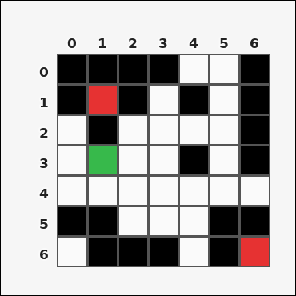 |  | task_tile_path_reachable_target_count | reachable_target_count | You are given one rectangular tile board on a 7 by 7 grid. Read rows from the left labels and columns from the top labels. With black [#000000] tiles blocked and no diagonal movement allowed, compute how many red [#E63232] targets are reachable from the green [#37B94B] start tile. Return a valid JSON object with keys "evidence" and "answer" in that order. Evidence format: set "evidence" to the row-major list of [row, col] coordinates for the reachable target tiles. Answer requirement: set "answer" to the number of reachable target tiles as an integer. Example JSON: {"evidence":[[0,2],[2,1]],"answer":2} | You are given one rectangular tile board on a 7 by 7 grid. Read rows from the left labels and columns from the top labels. With black [#000000] tiles blocked and no diagonal movement allowed, compute how many red [#E63232] targets are reachable from the green [#37B94B] start tile. Return a valid JSON object with key "answer". Answer field: set "answer" to the number of reachable target tiles as an integer. Example JSON: {"answer":2} | {"evidence": [], "answer": 0} | [] | integer | grid_point_set | 4.5747293753E+15 | task_tile_path_reachable_target_count/images/default/0005.png | task_tile_path_reachable_target_count/data/default/0005.json
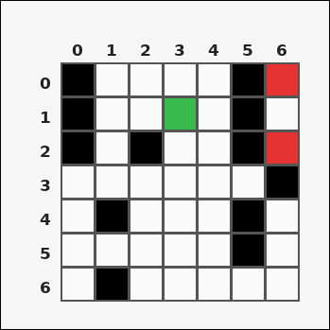 |  | task_tile_path_reachable_target_count | reachable_target_count | The image shows one rectangular tile board with 7 rows and 7 columns. Row labels are on the left and column labels are on the top. Using up/down/left/right moves through tiles that are not black [#000000], determine how many red [#E63232] target tiles can be reached from the green [#37B94B] start tile. Return a valid JSON object with keys "evidence" and "answer" in that order. Evidence format: set "evidence" to the row-major list of [row, col] coordinates for the reachable target tiles. Answer requirement: set "answer" to the number of reachable target tiles as an integer. Example JSON: {"evidence":[[0,2],[2,1]],"answer":2} | The image shows one rectangular tile board with 7 rows and 7 columns. Row labels are on the left and column labels are on the top. Using up/down/left/right moves through tiles that are not black [#000000], determine how many red [#E63232] target tiles can be reached from the green [#37B94B] start tile. Return a valid JSON object with key "answer". Answer requirement: set "answer" to the number of reachable target tiles as an integer. Example JSON: {"answer":2} | {"evidence": [], "answer": 0} | [] | integer | grid_point_set | 4.7062976984E+15 | task_tile_path_reachable_target_count/images/default/0009.png | task_tile_path_reachable_target_count/data/default/0009.json
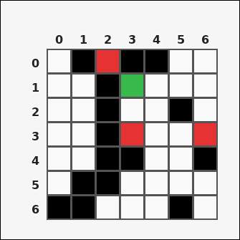 | 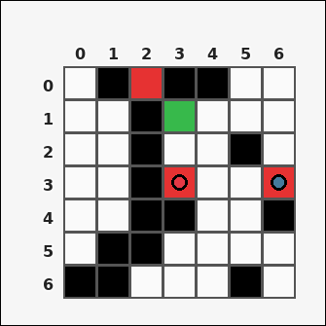 | task_tile_path_reachable_target_count | reachable_target_count | Work from the labeled rectangular tile board in the image. It has 7 rows and 7 columns with visible row and column indices. Treat the black [#000000] tiles as blocked. The start tile is green [#37B94B] and the marked target tiles are red [#E63232]. Count the targets reachable with 4-neighbor movement from the start. Return a valid JSON object with keys "evidence" and "answer" in that order. Evidence rule: set "evidence" to the row-major list of [row, col] coordinates for the reachable target tiles. Answer rule: set "answer" to the number of reachable target tiles as an integer. Example JSON: {"evidence":[[0,2],[2,1]],"answer":2} | Work from the labeled rectangular tile board in the image. It has 7 rows and 7 columns with visible row and column indices. Treat the black [#000000] tiles as blocked. The start tile is green [#37B94B] and the marked target tiles are red [#E63232]. Count the targets reachable with 4-neighbor movement from the start. Return a valid JSON object with key "answer". Answer requirement: set "answer" to the number of reachable target tiles as an integer. Example JSON: {"answer":2} | {"evidence": [[3, 3], [3, 6]], "answer": 2} | [[3, 3], [3, 6]] | integer | grid_point_set | 4.7163699695E+15 | task_tile_path_reachable_target_count/images/default/0000.png | task_tile_path_reachable_target_count/data/default/0000.json
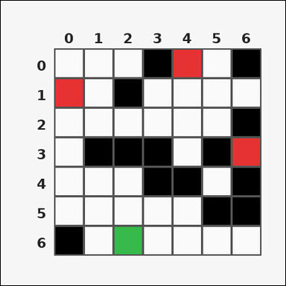 | 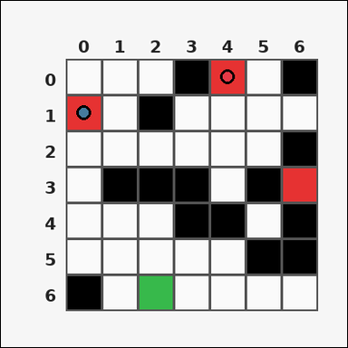 | task_tile_path_reachable_target_count | reachable_target_count | You are given one rectangular tile board on a 7 by 7 grid. Read rows from the left labels and columns from the top labels. Treat the black [#000000] tiles as blocked. The start tile is green [#37B94B] and the marked target tiles are red [#E63232]. Count the targets reachable with 4-neighbor movement from the start. Return a valid JSON object with keys "evidence" and "answer" in that order. Evidence requirement: set "evidence" to the row-major list of [row, col] coordinates for the reachable target tiles. Answer format: set "answer" to the number of reachable target tiles as an integer. Example JSON: {"evidence":[[0,2],[2,1]],"answer":2} | You are given one rectangular tile board on a 7 by 7 grid. Read rows from the left labels and columns from the top labels. Treat the black [#000000] tiles as blocked. The start tile is green [#37B94B] and the marked target tiles are red [#E63232]. Count the targets reachable with 4-neighbor movement from the start. Return a valid JSON object with key "answer". Answer: set "answer" to the number of reachable target tiles as an integer. Example JSON: {"answer":2} | {"evidence": [[0, 4], [1, 0]], "answer": 2} | [[0, 4], [1, 0]] | integer | grid_point_set | 4.8568405182E+15 | task_tile_path_reachable_target_count/images/default/0010.png | task_tile_path_reachable_target_count/data/default/0010.json
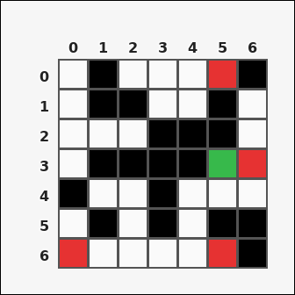 |  | task_tile_path_reachable_target_count | reachable_target_count | You are given one rectangular tile board on a 7 by 7 grid. Read rows from the left labels and columns from the top labels. Obstacle tiles are black [#000000]. The start tile is green [#37B94B], and the marked target tiles are red [#E63232]. Using 4-neighbor moves through non-obstacle tiles, how many target tiles are reachable from the start? Return a valid JSON object with keys "evidence" and "answer" in that order. Evidence rule: set "evidence" to the row-major list of [row, col] coordinates for the reachable target tiles. Answer rule: set "answer" to the number of reachable target tiles as an integer. Example JSON: {"evidence":[[0,2],[2,1]],"answer":2} | You are given one rectangular tile board on a 7 by 7 grid. Read rows from the left labels and columns from the top labels. Obstacle tiles are black [#000000]. The start tile is green [#37B94B], and the marked target tiles are red [#E63232]. Using 4-neighbor moves through non-obstacle tiles, how many target tiles are reachable from the start? Return a valid JSON object with key "answer". Answer format: set "answer" to the number of reachable target tiles as an integer. Example JSON: {"answer":2} | {"evidence": [[3, 6], [6, 0], [6, 5]], "answer": 3} | [[3, 6], [6, 0], [6, 5]] | integer | grid_point_set | 5.5990683929E+15 | task_tile_path_reachable_target_count/images/default/0019.png | task_tile_path_reachable_target_count/data/default/0019.json
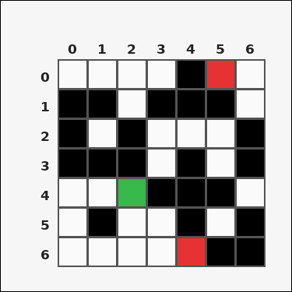 | 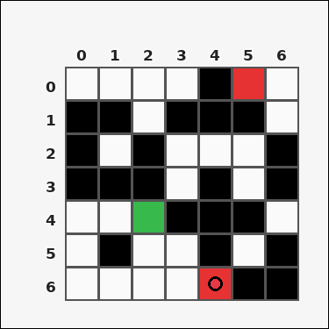 | task_tile_path_reachable_target_count | reachable_target_count | You are given one rectangular tile board on a 7 by 7 grid. Read rows from the left labels and columns from the top labels. Find how many marked red [#E63232] target tiles are reachable from the green [#37B94B] start tile when movement is limited to 4-neighbor steps through tiles that are not black [#000000]. Return a valid JSON object with keys "evidence" and "answer" in that order. Evidence requirement: set "evidence" to the row-major list of [row, col] coordinates for the reachable target tiles. Answer format: set "answer" to the number of reachable target tiles as an integer. Example JSON: {"evidence":[[0,2],[2,1]],"answer":2} | You are given one rectangular tile board on a 7 by 7 grid. Read rows from the left labels and columns from the top labels. Find how many marked red [#E63232] target tiles are reachable from the green [#37B94B] start tile when movement is limited to 4-neighbor steps through tiles that are not black [#000000]. Return a valid JSON object with key "answer". Answer: set "answer" to the number of reachable target tiles as an integer. Example JSON: {"answer":2} | {"evidence": [[6, 4]], "answer": 1} | [[6, 4]] | integer | grid_point_set | 5.7358814472E+15 | task_tile_path_reachable_target_count/images/default/0023.png | task_tile_path_reachable_target_count/data/default/0023.json
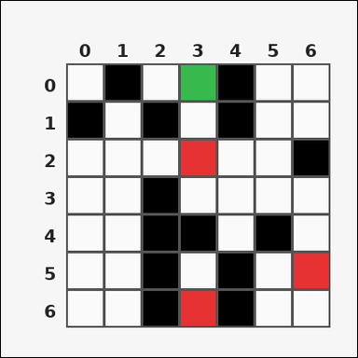 |  | task_tile_path_reachable_target_count | reachable_target_count | Use the single rectangular tile board in the image. It has 7 rows and 7 columns, with rows labeled on the left and columns labeled on the top. Using up/down/left/right moves through tiles that are not black [#000000], determine how many red [#E63232] target tiles can be reached from the green [#37B94B] start tile. Return a valid JSON object with keys "evidence" and "answer" in that order. Evidence: set "evidence" to the row-major list of [row, col] coordinates for the reachable target tiles. Answer: set "answer" to the number of reachable target tiles as an integer. Example JSON: {"evidence":[[0,2],[2,1]],"answer":2} | Use the single rectangular tile board in the image. It has 7 rows and 7 columns, with rows labeled on the left and columns labeled on the top. Using up/down/left/right moves through tiles that are not black [#000000], determine how many red [#E63232] target tiles can be reached from the green [#37B94B] start tile. Return a valid JSON object with key "answer". Answer requirement: set "answer" to the number of reachable target tiles as an integer. Example JSON: {"answer":2} | {"evidence": [[2, 3], [5, 6]], "answer": 2} | [[2, 3], [5, 6]] | integer | grid_point_set | 5.9711104037E+15 | task_tile_path_reachable_target_count/images/default/0017.png | task_tile_path_reachable_target_count/data/default/0017.json
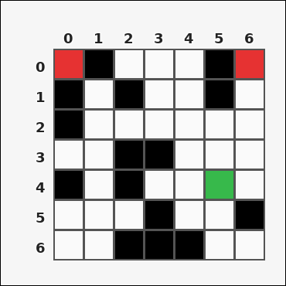 |  | task_tile_path_reachable_target_count | reachable_target_count | Look at the rectangular tile board with 7 rows and 7 columns. The board uses row labels on the left and column labels on the top. Find how many marked red [#E63232] target tiles are reachable from the green [#37B94B] start tile when movement is limited to 4-neighbor steps through tiles that are not black [#000000]. Return a valid JSON object with keys "evidence" and "answer" in that order. Evidence field: set "evidence" to the row-major list of [row, col] coordinates for the reachable target tiles. Answer field: set "answer" to the number of reachable target tiles as an integer. Example JSON: {"evidence":[[0,2],[2,1]],"answer":2} | Look at the rectangular tile board with 7 rows and 7 columns. The board uses row labels on the left and column labels on the top. Find how many marked red [#E63232] target tiles are reachable from the green [#37B94B] start tile when movement is limited to 4-neighbor steps through tiles that are not black [#000000]. Return a valid JSON object with key "answer". Answer: set "answer" to the number of reachable target tiles as an integer. Example JSON: {"answer":2} | {"evidence": [[0, 6]], "answer": 1} | [[0, 6]] | integer | grid_point_set | 6.1547593997E+15 | task_tile_path_reachable_target_count/images/default/0011.png | task_tile_path_reachable_target_count/data/default/0011.json
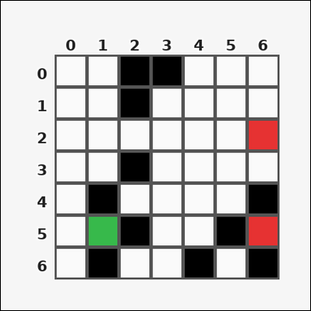 |  | task_tile_path_reachable_target_count | reachable_target_count | The image shows one rectangular tile board with 7 rows and 7 columns. Row labels are on the left and column labels are on the top. Treat the black [#000000] tiles as blocked. The start tile is green [#37B94B] and the marked target tiles are red [#E63232]. Count the targets reachable with 4-neighbor movement from the start. Return a valid JSON object with keys "evidence" and "answer" in that order. Evidence requirement: set "evidence" to the row-major list of [row, col] coordinates for the reachable target tiles. Answer format: set "answer" to the number of reachable target tiles as an integer. Example JSON: {"evidence":[[0,2],[2,1]],"answer":2} | The image shows one rectangular tile board with 7 rows and 7 columns. Row labels are on the left and column labels are on the top. Treat the black [#000000] tiles as blocked. The start tile is green [#37B94B] and the marked target tiles are red [#E63232]. Count the targets reachable with 4-neighbor movement from the start. Return a valid JSON object with key "answer". Answer rule: set "answer" to the number of reachable target tiles as an integer. Example JSON: {"answer":2} | {"evidence": [[2, 6]], "answer": 1} | [[2, 6]] | integer | grid_point_set | 6.508176966E+15 | task_tile_path_reachable_target_count/images/default/0020.png | task_tile_path_reachable_target_count/data/default/0020.json
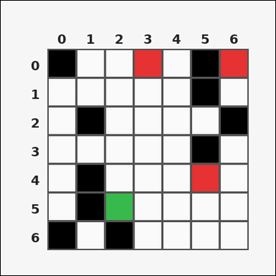 | 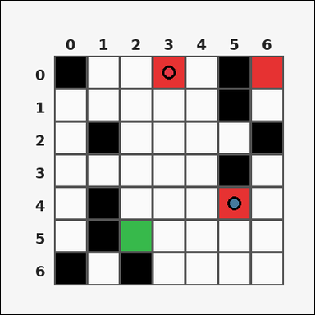 | task_tile_path_reachable_target_count | reachable_target_count | Look at the rectangular tile board with 7 rows and 7 columns. The board uses row labels on the left and column labels on the top. With black [#000000] tiles blocked and no diagonal movement allowed, compute how many red [#E63232] targets are reachable from the green [#37B94B] start tile. Return a valid JSON object with keys "evidence" and "answer" in that order. Evidence requirement: set "evidence" to the row-major list of [row, col] coordinates for the reachable target tiles. Answer format: set "answer" to the number of reachable target tiles as an integer. Example JSON: {"evidence":[[0,2],[2,1]],"answer":2} | Look at the rectangular tile board with 7 rows and 7 columns. The board uses row labels on the left and column labels on the top. With black [#000000] tiles blocked and no diagonal movement allowed, compute how many red [#E63232] targets are reachable from the green [#37B94B] start tile. Return a valid JSON object with key "answer". Answer requirement: set "answer" to the number of reachable target tiles as an integer. Example JSON: {"answer":2} | {"evidence": [[0, 3], [4, 5]], "answer": 2} | [[0, 3], [4, 5]] | integer | grid_point_set | 6.5476481605E+15 | task_tile_path_reachable_target_count/images/default/0002.png | task_tile_path_reachable_target_count/data/default/0002.json
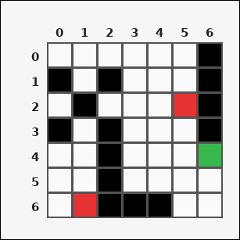 |  | task_tile_path_reachable_target_count | reachable_target_count | Look at the rectangular tile board with 7 rows and 7 columns. The board uses row labels on the left and column labels on the top. Treat the black [#000000] tiles as blocked. The start tile is green [#37B94B] and the marked target tiles are red [#E63232]. Count the targets reachable with 4-neighbor movement from the start. Return a valid JSON object with keys "evidence" and "answer" in that order. Evidence rule: set "evidence" to the row-major list of [row, col] coordinates for the reachable target tiles. Answer rule: set "answer" to the number of reachable target tiles as an integer. Example JSON: {"evidence":[[0,2],[2,1]],"answer":2} | Look at the rectangular tile board with 7 rows and 7 columns. The board uses row labels on the left and column labels on the top. Treat the black [#000000] tiles as blocked. The start tile is green [#37B94B] and the marked target tiles are red [#E63232]. Count the targets reachable with 4-neighbor movement from the start. Return a valid JSON object with key "answer". Answer format: set "answer" to the number of reachable target tiles as an integer. Example JSON: {"answer":2} | {"evidence": [[2, 5]], "answer": 1} | [[2, 5]] | integer | grid_point_set | 6.91833456E+15 | task_tile_path_reachable_target_count/images/default/0015.png | task_tile_path_reachable_target_count/data/default/0015.json
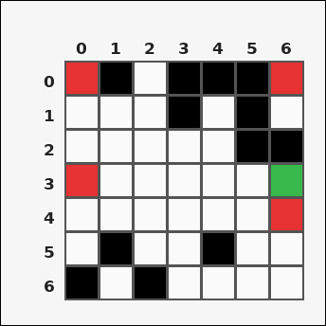 |  | task_tile_path_reachable_target_count | reachable_target_count | Work from the labeled rectangular tile board in the image. It has 7 rows and 7 columns with visible row and column indices. Obstacle tiles are black [#000000]. The start tile is green [#37B94B], and the marked target tiles are red [#E63232]. Using 4-neighbor moves through non-obstacle tiles, how many target tiles are reachable from the start? Return a valid JSON object with keys "evidence" and "answer" in that order. Evidence rule: set "evidence" to the row-major list of [row, col] coordinates for the reachable target tiles. Answer rule: set "answer" to the number of reachable target tiles as an integer. Example JSON: {"evidence":[[0,2],[2,1]],"answer":2} | Work from the labeled rectangular tile board in the image. It has 7 rows and 7 columns with visible row and column indices. Obstacle tiles are black [#000000]. The start tile is green [#37B94B], and the marked target tiles are red [#E63232]. Using 4-neighbor moves through non-obstacle tiles, how many target tiles are reachable from the start? Return a valid JSON object with key "answer". Answer: set "answer" to the number of reachable target tiles as an integer. Example JSON: {"answer":2} | {"evidence": [[0, 0], [3, 0], [4, 6]], "answer": 3} | [[0, 0], [3, 0], [4, 6]] | integer | grid_point_set | 7.2014126584E+15 | task_tile_path_reachable_target_count/images/default/0004.png | task_tile_path_reachable_target_count/data/default/0004.json
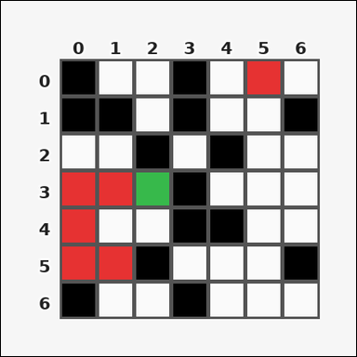 | 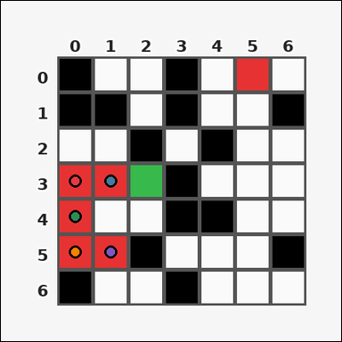 | task_tile_path_reachable_target_count | reachable_target_count | You are given one rectangular tile board on a 7 by 7 grid. Read rows from the left labels and columns from the top labels. Treat the black [#000000] tiles as blocked. The start tile is green [#37B94B] and the marked target tiles are red [#E63232]. Count the targets reachable with 4-neighbor movement from the start. Return a valid JSON object with keys "evidence" and "answer" in that order. Evidence rule: set "evidence" to the row-major list of [row, col] coordinates for the reachable target tiles. Answer rule: set "answer" to the number of reachable target tiles as an integer. Example JSON: {"evidence":[[0,2],[2,1]],"answer":2} | You are given one rectangular tile board on a 7 by 7 grid. Read rows from the left labels and columns from the top labels. Treat the black [#000000] tiles as blocked. The start tile is green [#37B94B] and the marked target tiles are red [#E63232]. Count the targets reachable with 4-neighbor movement from the start. Return a valid JSON object with key "answer". Answer field: set "answer" to the number of reachable target tiles as an integer. Example JSON: {"answer":2} | {"evidence": [[3, 0], [3, 1], [4, 0], [5, 0], [5, 1]], "answer": 5} | [[3, 0], [3, 1], [4, 0], [5, 0], [5, 1]] | integer | grid_point_set | 7.6817303386E+15 | task_tile_path_reachable_target_count/images/default/0024.png | task_tile_path_reachable_target_count/data/default/0024.json
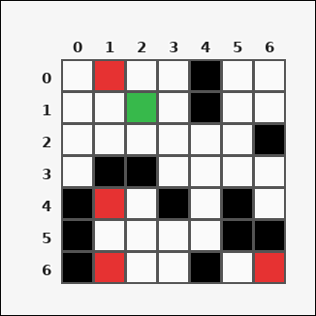 | 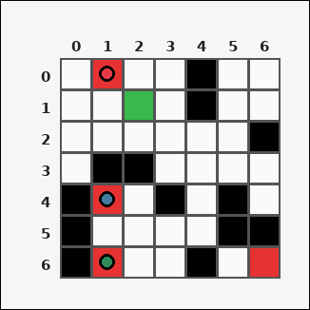 | task_tile_path_reachable_target_count | reachable_target_count | Use the single rectangular tile board in the image. It has 7 rows and 7 columns, with rows labeled on the left and columns labeled on the top. With black [#000000] tiles blocked and no diagonal movement allowed, compute how many red [#E63232] targets are reachable from the green [#37B94B] start tile. Return a valid JSON object with keys "evidence" and "answer" in that order. Evidence requirement: set "evidence" to the row-major list of [row, col] coordinates for the reachable target tiles. Answer format: set "answer" to the number of reachable target tiles as an integer. Example JSON: {"evidence":[[0,2],[2,1]],"answer":2} | Use the single rectangular tile board in the image. It has 7 rows and 7 columns, with rows labeled on the left and columns labeled on the top. With black [#000000] tiles blocked and no diagonal movement allowed, compute how many red [#E63232] targets are reachable from the green [#37B94B] start tile. Return a valid JSON object with key "answer". Answer requirement: set "answer" to the number of reachable target tiles as an integer. Example JSON: {"answer":2} | {"evidence": [[0, 1], [4, 1], [6, 1]], "answer": 3} | [[0, 1], [4, 1], [6, 1]] | integer | grid_point_set | 7.8253680375E+15 | task_tile_path_reachable_target_count/images/default/0001.png | task_tile_path_reachable_target_count/data/default/0001.json
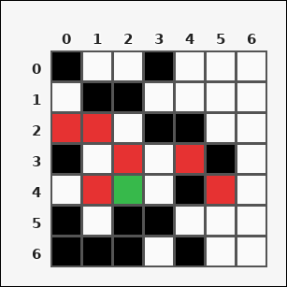 |  | task_tile_path_reachable_target_count | reachable_target_count | You are given one rectangular tile board on a 7 by 7 grid. Read rows from the left labels and columns from the top labels. Find how many marked red [#E63232] target tiles are reachable from the green [#37B94B] start tile when movement is limited to 4-neighbor steps through tiles that are not black [#000000]. Return a valid JSON object with keys "evidence" and "answer" in that order. Evidence field: set "evidence" to the row-major list of [row, col] coordinates for the reachable target tiles. Answer field: set "answer" to the number of reachable target tiles as an integer. Example JSON: {"evidence":[[0,2],[2,1]],"answer":2} | You are given one rectangular tile board on a 7 by 7 grid. Read rows from the left labels and columns from the top labels. Find how many marked red [#E63232] target tiles are reachable from the green [#37B94B] start tile when movement is limited to 4-neighbor steps through tiles that are not black [#000000]. Return a valid JSON object with key "answer". Answer rule: set "answer" to the number of reachable target tiles as an integer. Example JSON: {"answer":2} | {"evidence": [[2, 0], [2, 1], [3, 2], [3, 4], [4, 1]], "answer": 5} | [[2, 0], [2, 1], [3, 2], [3, 4], [4, 1]] | integer | grid_point_set | 8.8558413187E+15 | task_tile_path_reachable_target_count/images/default/0021.png | task_tile_path_reachable_target_count/data/default/0021.json
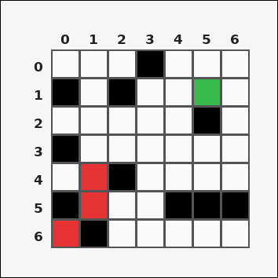 | 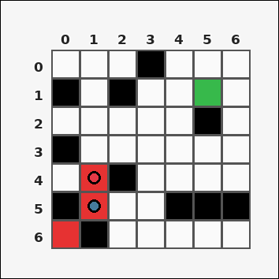 | task_tile_path_reachable_target_count | reachable_target_count | Use the single rectangular tile board in the image. It has 7 rows and 7 columns, with rows labeled on the left and columns labeled on the top. With black [#000000] tiles blocked and no diagonal movement allowed, compute how many red [#E63232] targets are reachable from the green [#37B94B] start tile. Return a valid JSON object with keys "evidence" and "answer" in that order. Evidence requirement: set "evidence" to the row-major list of [row, col] coordinates for the reachable target tiles. Answer format: set "answer" to the number of reachable target tiles as an integer. Example JSON: {"evidence":[[0,2],[2,1]],"answer":2} | Use the single rectangular tile board in the image. It has 7 rows and 7 columns, with rows labeled on the left and columns labeled on the top. With black [#000000] tiles blocked and no diagonal movement allowed, compute how many red [#E63232] targets are reachable from the green [#37B94B] start tile. Return a valid JSON object with key "answer". Answer format: set "answer" to the number of reachable target tiles as an integer. Example JSON: {"answer":2} | {"evidence": [[4, 1], [5, 1]], "answer": 2} | [[4, 1], [5, 1]] | integer | grid_point_set | 8.9840705479E+15 | task_tile_path_reachable_target_count/images/default/0012.png | task_tile_path_reachable_target_count/data/default/0012.json

