count_regions_above_category
image | evidence_image | task | task_variant | prompt | prompt_answer_only | answer | answer_evidence | answer_type | evidence_type | instance_seed | image_path | data_path
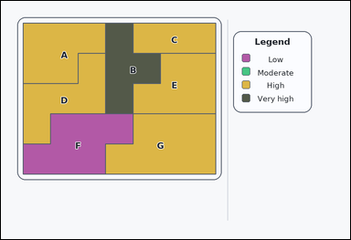 | 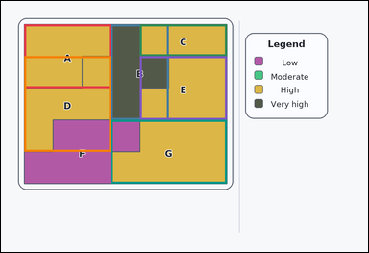 | task_maps_region_count | count_regions_above_category | Use the map on the left and the legend on the right: a card-style labeled thematic map with colored regions on the left and a category legend on the right. Using the legend, How many labeled regions are above the 'Moderate' category on the legend? Answer using the integer count. Return a valid JSON object with keys "evidence" and "answer" in that order. Evidence requirement: set "evidence" to an array of bounding boxes [x1, y1, x2, y2] for every counted region, in reading order. Answer format: set "answer" to the integer count. Example JSON: {"evidence":[[138,150,314,304],[356,330,544,492],[566,176,690,340]],"answer":3} | Use the map on the left and the legend on the right: a card-style labeled thematic map with colored regions on the left and a category legend on the right. Using the legend, How many labeled regions are above the 'Moderate' category on the legend? Answer using the integer count. Return a valid JSON object with key "answer". Answer format: set "answer" to the integer count. Example JSON: {"answer":3} | {"evidence": [[76.0, 76.0, 359.714, 284.0], [359.714, 76.0, 548.857, 388.0], [454.286, 76.0, 738.0, 180.0], [76.0, 180.0, 359.714, 492.0], [454.286, 180.0, 738.0, 388.0], [359.714, 388.0, 738.0, 596.0]], "answer": 6} | [[76.0, 76.0, 359.714, 284.0], [359.714, 76.0, 548.857, 388.0], [454.286, 76.0, 738.0, 180.0], [76.0, 180.0, 359.714, 492.0], [454.286, 180.0, 738.0, 388.0], [359.714, 388.0, 738.0, 596.0]] | integer | bbox_set | 953996053404007 | maps/task_maps_region_count/images/count_regions_above_category/0006.png | maps/task_maps_region_count/data/count_regions_above_category/0006.json
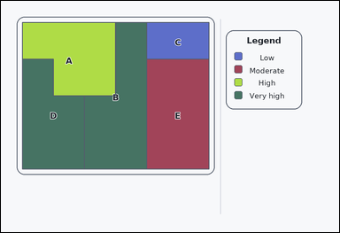 | 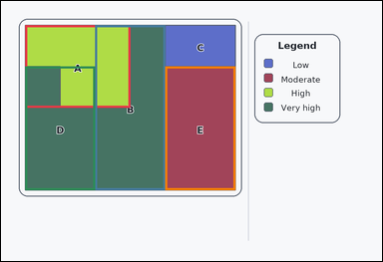 | task_maps_region_count | count_regions_above_category | Use the map on the left and the legend on the right: an outline-style labeled thematic map with colored regions on the left and a category legend on the right. How many labeled regions are above the 'Low' category on the legend? Respond with the exact count. Return a valid JSON object with keys "evidence" and "answer" in that order. Evidence: set "evidence" to an array of bounding boxes [x1, y1, x2, y2] for every counted region, in reading order. Answer: set "answer" to the integer count. Example JSON: {"evidence":[[138,150,314,304],[356,330,544,492],[566,176,690,340]],"answer":3} | Use the map on the left and the legend on the right: an outline-style labeled thematic map with colored regions on the left and a category legend on the right. How many labeled regions are above the 'Low' category on the legend? Respond with the exact count. Return a valid JSON object with key "answer". Answer: set "answer" to the integer count. Example JSON: {"answer":3} | {"evidence": [[76.0, 76.0, 407.0, 336.0], [296.667, 76.0, 517.333, 596.0], [76.0, 206.0, 296.667, 596.0], [517.333, 206.0, 738.0, 596.0]], "answer": 4} | [[76.0, 76.0, 407.0, 336.0], [296.667, 76.0, 517.333, 596.0], [76.0, 206.0, 296.667, 596.0], [517.333, 206.0, 738.0, 596.0]] | integer | bbox_set | 1.1374279406E+15 | maps/task_maps_region_count/images/count_regions_above_category/0002.png | maps/task_maps_region_count/data/count_regions_above_category/0002.json
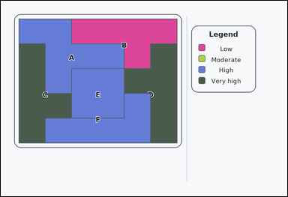 | 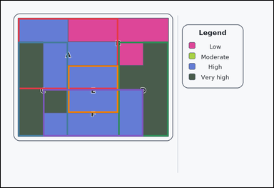 | task_maps_region_count | count_regions_above_category | Work from the labeled regions and the legend: an outline-style labeled thematic map with colored regions on the left and a category legend on the right. Based on the legend and the labeled regions, How many labeled regions are above the 'Moderate' category on the legend? Answer using the integer count. Return a valid JSON object with keys "evidence" and "answer" in that order. Evidence rule: set "evidence" to an array of bounding boxes [x1, y1, x2, y2] for every counted region, in reading order. Answer rule: set "answer" to the integer count. Example JSON: {"evidence":[[138,150,314,304],[356,330,544,492],[566,176,690,340]],"answer":3} | Work from the labeled regions and the legend: an outline-style labeled thematic map with colored regions on the left and a category legend on the right. Based on the legend and the labeled regions, How many labeled regions are above the 'Moderate' category on the legend? Answer using the integer count. Return a valid JSON object with key "answer". Answer: set "answer" to the integer count. Example JSON: {"answer":3} | {"evidence": [[76.0, 76.0, 517.333, 388.0], [76.0, 180.0, 296.667, 596.0], [517.333, 180.0, 738.0, 596.0], [296.667, 284.0, 517.333, 492.0], [186.333, 388.0, 627.667, 596.0]], "answer": 5} | [[76.0, 76.0, 517.333, 388.0], [76.0, 180.0, 296.667, 596.0], [517.333, 180.0, 738.0, 596.0], [296.667, 284.0, 517.333, 492.0], [186.333, 388.0, 627.667, 596.0]] | integer | bbox_set | 1.5485825795E+15 | maps/task_maps_region_count/images/count_regions_above_category/0016.png | maps/task_maps_region_count/data/count_regions_above_category/0016.json
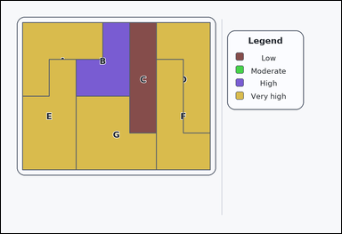 |  | task_maps_region_count | count_regions_above_category | Look at the thematic map in the image: a labeled thematic map with colored regions on the left and a category legend on the right. How many labeled regions are above the 'High' category on the legend? Give the count as an integer. Return a valid JSON object with keys "evidence" and "answer" in that order. Evidence: set "evidence" to an array of bounding boxes [x1, y1, x2, y2] for every counted region, in reading order. Answer: set "answer" to the integer count. Example JSON: {"evidence":[[138,150,314,304],[356,330,544,492],[566,176,690,340]],"answer":3} | Look at the thematic map in the image: a labeled thematic map with colored regions on the left and a category legend on the right. How many labeled regions are above the 'High' category on the legend? Give the count as an integer. Return a valid JSON object with key "answer". Answer rule: set "answer" to the integer count. Example JSON: {"answer":3} | {"evidence": [[76.0, 76.0, 359.714, 336.0], [548.857, 76.0, 738.0, 466.0], [76.0, 206.0, 265.143, 596.0], [548.857, 206.0, 738.0, 596.0], [265.143, 336.0, 548.857, 596.0]], "answer": 5} | [[76.0, 76.0, 359.714, 336.0], [548.857, 76.0, 738.0, 466.0], [76.0, 206.0, 265.143, 596.0], [548.857, 206.0, 738.0, 596.0], [265.143, 336.0, 548.857, 596.0]] | integer | bbox_set | 1.664485343E+15 | maps/task_maps_region_count/images/count_regions_above_category/0001.png | maps/task_maps_region_count/data/count_regions_above_category/0001.json
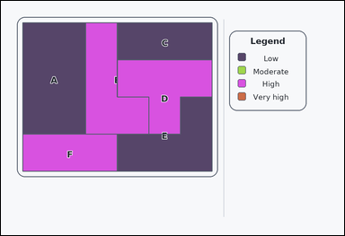 | 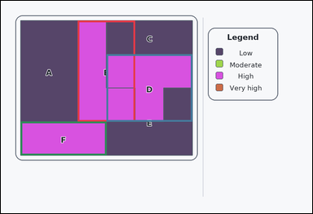 | task_maps_region_count | count_regions_above_category | Work from the labeled regions and the legend: an outline-style labeled thematic map with colored regions on the left and a category legend on the right. Read the legend and then answer this counting question: How many labeled regions are above the 'Low' category on the legend? Return the number of matching regions. Return a valid JSON object with keys "evidence" and "answer" in that order. Evidence requirement: set "evidence" to an array of bounding boxes [x1, y1, x2, y2] for every counted region, in reading order. Answer format: set "answer" to the integer count. Example JSON: {"evidence":[[138,150,314,304],[356,330,544,492],[566,176,690,340]],"answer":3} | Work from the labeled regions and the legend: an outline-style labeled thematic map with colored regions on the left and a category legend on the right. Read the legend and then answer this counting question: How many labeled regions are above the 'Low' category on the legend? Return the number of matching regions. Return a valid JSON object with key "answer". Answer rule: set "answer" to the integer count. Example JSON: {"answer":3} | {"evidence": [[296.667, 76.0, 517.333, 466.0], [407.0, 206.0, 738.0, 466.0], [76.0, 466.0, 407.0, 596.0]], "answer": 3} | [[296.667, 76.0, 517.333, 466.0], [407.0, 206.0, 738.0, 466.0], [76.0, 466.0, 407.0, 596.0]] | integer | bbox_set | 1.7222430988E+15 | maps/task_maps_region_count/images/count_regions_above_category/0015.png | maps/task_maps_region_count/data/count_regions_above_category/0015.json
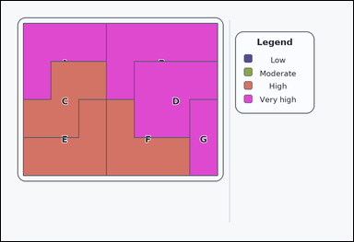 | 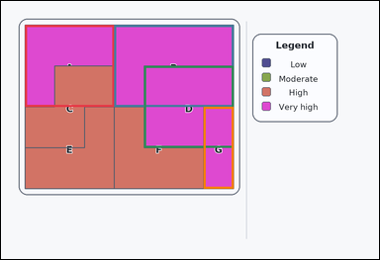 | task_maps_region_count | count_regions_above_category | You are given a labeled thematic map with colored regions on the left and a category legend on the right. Count the matching labeled regions: How many labeled regions are above the 'High' category on the legend? Respond with the exact count. Return a valid JSON object with keys "evidence" and "answer" in that order. Evidence: set "evidence" to an array of bounding boxes [x1, y1, x2, y2] for every counted region, in reading order. Answer: set "answer" to the integer count. Example JSON: {"evidence":[[138,150,314,304],[356,330,544,492],[566,176,690,340]],"answer":3} | You are given a labeled thematic map with colored regions on the left and a category legend on the right. Count the matching labeled regions: How many labeled regions are above the 'High' category on the legend? Respond with the exact count. Return a valid JSON object with key "answer". Answer requirement: set "answer" to the integer count. Example JSON: {"answer":3} | {"evidence": [[76.0, 76.0, 359.714, 336.0], [359.714, 76.0, 738.0, 336.0], [454.286, 206.0, 738.0, 466.0], [643.429, 336.0, 738.0, 596.0]], "answer": 4} | [[76.0, 76.0, 359.714, 336.0], [359.714, 76.0, 738.0, 336.0], [454.286, 206.0, 738.0, 466.0], [643.429, 336.0, 738.0, 596.0]] | integer | bbox_set | 1.9065692161E+15 | maps/task_maps_region_count/images/count_regions_above_category/0008.png | maps/task_maps_region_count/data/count_regions_above_category/0008.json
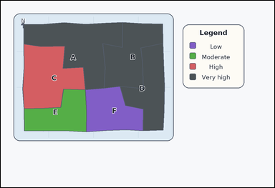 | 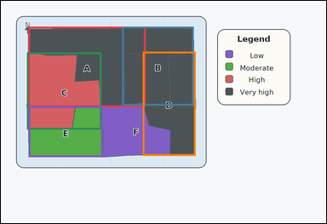 | task_maps_region_count | count_regions_above_category | You are given an atlas-style region map with colored administrative areas on the left and a category legend on the right. Based on the legend and the labeled regions, How many labeled regions are above the 'Low' category on the legend? Answer with the count as an integer. Return a valid JSON object with keys "evidence" and "answer" in that order. Evidence format: set "evidence" to an array of bounding boxes [x1, y1, x2, y2] for every counted region, in reading order. Answer requirement: set "answer" to the integer count. Example JSON: {"evidence":[[138,150,314,304],[356,330,544,492],[566,176,690,340]],"answer":3} | You are given an atlas-style region map with colored administrative areas on the left and a category legend on the right. Based on the legend and the labeled regions, How many labeled regions are above the 'Low' category on the legend? Answer with the count as an integer. Return a valid JSON object with key "answer". Answer: set "answer" to the integer count. Example JSON: {"answer":3} | {"evidence": [[101.131, 95.049, 534.869, 391.682], [447.594, 95.049, 711.417, 386.226], [96.156, 190.651, 371.718, 474.445], [523.408, 187.531, 718.54, 571.313], [102.144, 388.912, 376.327, 576.925]], "answer": 5} | [[101.131, 95.049, 534.869, 391.682], [447.594, 95.049, 711.417, 386.226], [96.156, 190.651, 371.718, 474.445], [523.408, 187.531, 718.54, 571.313], [102.144, 388.912, 376.327, 576.925]] | integer | bbox_set | 2.7854117244E+15 | maps/task_maps_region_count/images/count_regions_above_category/0018.png | maps/task_maps_region_count/data/count_regions_above_category/0018.json
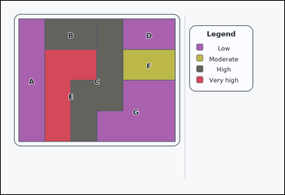 |  | task_maps_region_count | count_regions_above_category | Work from the labeled regions and the legend: a card-style labeled thematic map with colored regions on the left and a category legend on the right. How many labeled regions are above the 'Moderate' category on the legend? Return the number of matching regions. Return a valid JSON object with keys "evidence" and "answer" in that order. Evidence field: set "evidence" to an array of bounding boxes [x1, y1, x2, y2] for every counted region, in reading order. Answer field: set "answer" to the integer count. Example JSON: {"evidence":[[138,150,314,304],[356,330,544,492],[566,176,690,340]],"answer":3} | Work from the labeled regions and the legend: a card-style labeled thematic map with colored regions on the left and a category legend on the right. How many labeled regions are above the 'Moderate' category on the legend? Return the number of matching regions. Return a valid JSON object with key "answer". Answer requirement: set "answer" to the integer count. Example JSON: {"answer":3} | {"evidence": [[186.333, 76.0, 407.0, 206.0], [296.667, 76.0, 517.333, 596.0], [186.333, 206.0, 407.0, 596.0]], "answer": 3} | [[186.333, 76.0, 407.0, 206.0], [296.667, 76.0, 517.333, 596.0], [186.333, 206.0, 407.0, 596.0]] | integer | bbox_set | 3.0670546425E+15 | maps/task_maps_region_count/images/count_regions_above_category/0022.png | maps/task_maps_region_count/data/count_regions_above_category/0022.json
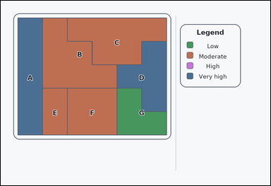 |  | task_maps_region_count | count_regions_above_category | Use the map on the left and the legend on the right: an outline-style labeled thematic map with colored regions on the left and a category legend on the right. Count the matching labeled regions: How many labeled regions are above the 'Moderate' category on the legend? Respond with the exact count. Return a valid JSON object with keys "evidence" and "answer" in that order. Evidence requirement: set "evidence" to an array of bounding boxes [x1, y1, x2, y2] for every counted region, in reading order. Answer format: set "answer" to the integer count. Example JSON: {"evidence":[[138,150,314,304],[356,330,544,492],[566,176,690,340]],"answer":3} | Use the map on the left and the legend on the right: an outline-style labeled thematic map with colored regions on the left and a category legend on the right. Count the matching labeled regions: How many labeled regions are above the 'Moderate' category on the legend? Respond with the exact count. Return a valid JSON object with key "answer". Answer requirement: set "answer" to the integer count. Example JSON: {"answer":3} | {"evidence": [[76.0, 76.0, 186.333, 596.0], [517.333, 180.0, 738.0, 492.0]], "answer": 2} | [[76.0, 76.0, 186.333, 596.0], [517.333, 180.0, 738.0, 492.0]] | integer | bbox_set | 3.1097805186E+15 | maps/task_maps_region_count/images/count_regions_above_category/0020.png | maps/task_maps_region_count/data/count_regions_above_category/0020.json
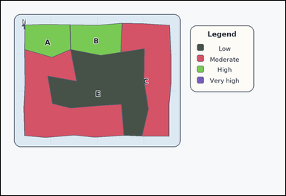 | 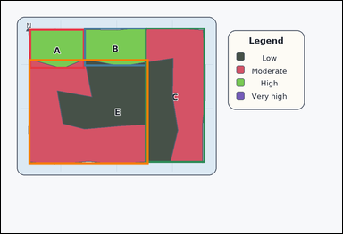 | task_maps_region_count | count_regions_above_category | The image shows an atlas-style region map with colored administrative areas on the left and a category legend on the right. Using the legend, How many labeled regions are above the 'Low' category on the legend? Respond with the exact count. Return a valid JSON object with keys "evidence" and "answer" in that order. Evidence: set "evidence" to an array of bounding boxes [x1, y1, x2, y2] for every counted region, in reading order. Answer: set "answer" to the integer count. Example JSON: {"evidence":[[138,150,314,304],[356,330,544,492],[566,176,690,340]],"answer":3} | The image shows an atlas-style region map with colored administrative areas on the left and a category legend on the right. Using the legend, How many labeled regions are above the 'Low' category on the legend? Respond with the exact count. Return a valid JSON object with key "answer". Answer requirement: set "answer" to the integer count. Example JSON: {"answer":3} | {"evidence": [[100.721, 99.719, 294.754, 238.417], [292.06, 94.725, 512.832, 230.416], [506.22, 94.725, 718.295, 571.848], [97.915, 205.186, 519.784, 576.868]], "answer": 4} | [[100.721, 99.719, 294.754, 238.417], [292.06, 94.725, 512.832, 230.416], [506.22, 94.725, 718.295, 571.848], [97.915, 205.186, 519.784, 576.868]] | integer | bbox_set | 3.6251992348E+15 | maps/task_maps_region_count/images/count_regions_above_category/0003.png | maps/task_maps_region_count/data/count_regions_above_category/0003.json
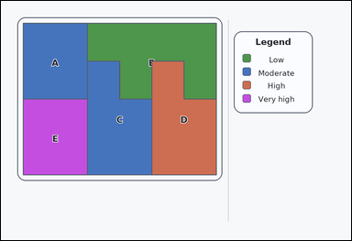 | 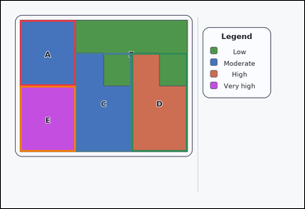 | task_maps_region_count | count_regions_above_category | Work from the labeled regions and the legend: a labeled thematic map with colored regions on the left and a category legend on the right. Based on the legend and the labeled regions, How many labeled regions are above the 'Low' category on the legend? Return the number of matching regions. Return a valid JSON object with keys "evidence" and "answer" in that order. Evidence rule: set "evidence" to an array of bounding boxes [x1, y1, x2, y2] for every counted region, in reading order. Answer rule: set "answer" to the integer count. Example JSON: {"evidence":[[138,150,314,304],[356,330,544,492],[566,176,690,340]],"answer":3} | Work from the labeled regions and the legend: a labeled thematic map with colored regions on the left and a category legend on the right. Based on the legend and the labeled regions, How many labeled regions are above the 'Low' category on the legend? Return the number of matching regions. Return a valid JSON object with key "answer". Answer requirement: set "answer" to the integer count. Example JSON: {"answer":3} | {"evidence": [[76.0, 76.0, 296.667, 336.0], [296.667, 206.0, 517.333, 596.0], [517.333, 206.0, 738.0, 596.0], [76.0, 336.0, 296.667, 596.0]], "answer": 4} | [[76.0, 76.0, 296.667, 336.0], [296.667, 206.0, 517.333, 596.0], [517.333, 206.0, 738.0, 596.0], [76.0, 336.0, 296.667, 596.0]] | integer | bbox_set | 3.9315533503E+15 | maps/task_maps_region_count/images/count_regions_above_category/0023.png | maps/task_maps_region_count/data/count_regions_above_category/0023.json
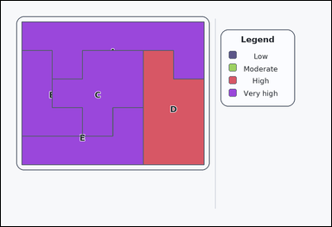 | 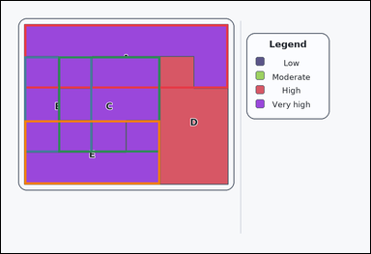 | task_maps_region_count | count_regions_above_category | The image shows a labeled thematic map with colored regions on the left and a category legend on the right. Using the legend, How many labeled regions are above the 'High' category on the legend? Answer using the integer count. Return a valid JSON object with keys "evidence" and "answer" in that order. Evidence requirement: set "evidence" to an array of bounding boxes [x1, y1, x2, y2] for every counted region, in reading order. Answer format: set "answer" to the integer count. Example JSON: {"evidence":[[138,150,314,304],[356,330,544,492],[566,176,690,340]],"answer":3} | The image shows a labeled thematic map with colored regions on the left and a category legend on the right. Using the legend, How many labeled regions are above the 'High' category on the legend? Answer using the integer count. Return a valid JSON object with key "answer". Answer: set "answer" to the integer count. Example JSON: {"answer":3} | {"evidence": [[76.0, 76.0, 738.0, 284.0], [76.0, 180.0, 296.667, 492.0], [186.333, 180.0, 517.333, 492.0], [76.0, 388.0, 517.333, 596.0]], "answer": 4} | [[76.0, 76.0, 738.0, 284.0], [76.0, 180.0, 296.667, 492.0], [186.333, 180.0, 517.333, 492.0], [76.0, 388.0, 517.333, 596.0]] | integer | bbox_set | 4.2738343132E+15 | maps/task_maps_region_count/images/count_regions_above_category/0012.png | maps/task_maps_region_count/data/count_regions_above_category/0012.json
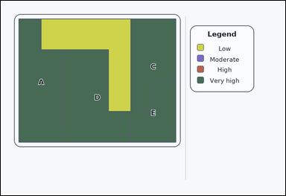 | 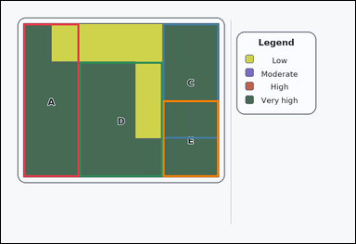 | task_maps_region_count | count_regions_above_category | Use the map on the left and the legend on the right: a labeled thematic map with colored regions on the left and a category legend on the right. Based on the legend and the labeled regions, How many labeled regions are above the 'High' category on the legend? Give the count as an integer. Return a valid JSON object with keys "evidence" and "answer" in that order. Evidence field: set "evidence" to an array of bounding boxes [x1, y1, x2, y2] for every counted region, in reading order. Answer field: set "answer" to the integer count. Example JSON: {"evidence":[[138,150,314,304],[356,330,544,492],[566,176,690,340]],"answer":3} | Use the map on the left and the legend on the right: a labeled thematic map with colored regions on the left and a category legend on the right. Based on the legend and the labeled regions, How many labeled regions are above the 'High' category on the legend? Give the count as an integer. Return a valid JSON object with key "answer". Answer: set "answer" to the integer count. Example JSON: {"answer":3} | {"evidence": [[76.0, 76.0, 265.143, 596.0], [548.857, 76.0, 738.0, 466.0], [265.143, 206.0, 548.857, 596.0], [548.857, 336.0, 738.0, 596.0]], "answer": 4} | [[76.0, 76.0, 265.143, 596.0], [548.857, 76.0, 738.0, 466.0], [265.143, 206.0, 548.857, 596.0], [548.857, 336.0, 738.0, 596.0]] | integer | bbox_set | 4.2778694622E+15 | maps/task_maps_region_count/images/count_regions_above_category/0017.png | maps/task_maps_region_count/data/count_regions_above_category/0017.json
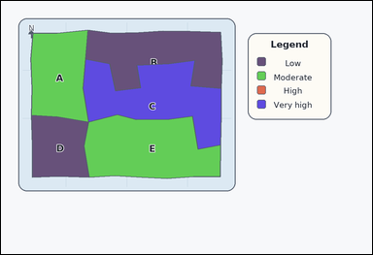 |  | task_maps_region_count | count_regions_above_category | The image shows an atlas-style region map with colored administrative areas on the left and a category legend on the right. Based on the legend and the labeled regions, How many labeled regions are above the 'Moderate' category on the legend? Answer with the count as an integer. Return a valid JSON object with keys "evidence" and "answer" in that order. Evidence format: set "evidence" to an array of bounding boxes [x1, y1, x2, y2] for every counted region, in reading order. Answer requirement: set "answer" to the integer count. Example JSON: {"evidence":[[138,150,314,304],[356,330,544,492],[566,176,690,340]],"answer":3} | The image shows an atlas-style region map with colored administrative areas on the left and a category legend on the right. Based on the legend and the labeled regions, How many labeled regions are above the 'Moderate' category on the legend? Answer with the count as an integer. Return a valid JSON object with key "answer". Answer field: set "answer" to the integer count. Example JSON: {"answer":3} | {"evidence": [[265.901, 188.847, 712.195, 480.653]], "answer": 1} | [[265.901, 188.847, 712.195, 480.653]] | integer | bbox_set | 4.2795538625E+15 | maps/task_maps_region_count/images/count_regions_above_category/0011.png | maps/task_maps_region_count/data/count_regions_above_category/0011.json
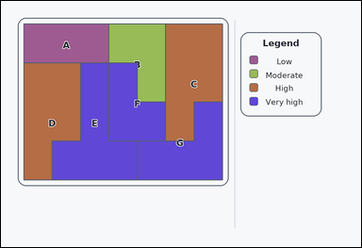 | 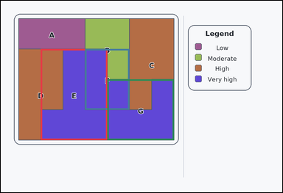 | task_maps_region_count | count_regions_above_category | Look at the thematic map in the image: an outline-style labeled thematic map with colored regions on the left and a category legend on the right. Read the legend and then answer this counting question: How many labeled regions are above the 'High' category on the legend? Give the count as an integer. Return a valid JSON object with keys "evidence" and "answer" in that order. Evidence requirement: set "evidence" to an array of bounding boxes [x1, y1, x2, y2] for every counted region, in reading order. Answer format: set "answer" to the integer count. Example JSON: {"evidence":[[138,150,314,304],[356,330,544,492],[566,176,690,340]],"answer":3} | Look at the thematic map in the image: an outline-style labeled thematic map with colored regions on the left and a category legend on the right. Read the legend and then answer this counting question: How many labeled regions are above the 'High' category on the legend? Give the count as an integer. Return a valid JSON object with key "answer". Answer requirement: set "answer" to the integer count. Example JSON: {"answer":3} | {"evidence": [[170.571, 206.0, 454.286, 596.0], [359.714, 206.0, 548.857, 466.0], [454.286, 336.0, 738.0, 596.0]], "answer": 3} | [[170.571, 206.0, 454.286, 596.0], [359.714, 206.0, 548.857, 466.0], [454.286, 336.0, 738.0, 596.0]] | integer | bbox_set | 4.6126291964E+15 | maps/task_maps_region_count/images/count_regions_above_category/0010.png | maps/task_maps_region_count/data/count_regions_above_category/0010.json
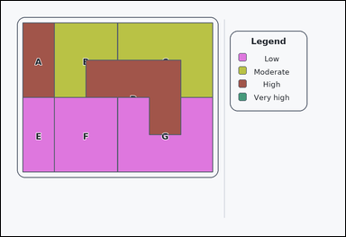 | 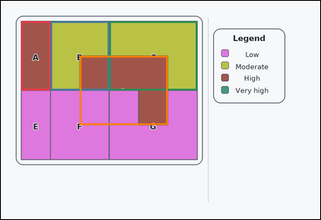 | task_maps_region_count | count_regions_above_category | The image shows an outline-style labeled thematic map with colored regions on the left and a category legend on the right. Read the legend and then answer this counting question: How many labeled regions are above the 'Low' category on the legend? Give the count as an integer. Return a valid JSON object with keys "evidence" and "answer" in that order. Evidence format: set "evidence" to an array of bounding boxes [x1, y1, x2, y2] for every counted region, in reading order. Answer requirement: set "answer" to the integer count. Example JSON: {"evidence":[[138,150,314,304],[356,330,544,492],[566,176,690,340]],"answer":3} | The image shows an outline-style labeled thematic map with colored regions on the left and a category legend on the right. Read the legend and then answer this counting question: How many labeled regions are above the 'Low' category on the legend? Give the count as an integer. Return a valid JSON object with key "answer". Answer rule: set "answer" to the integer count. Example JSON: {"answer":3} | {"evidence": [[76.0, 76.0, 186.333, 336.0], [186.333, 76.0, 407.0, 336.0], [407.0, 76.0, 738.0, 336.0], [296.667, 206.0, 627.667, 466.0]], "answer": 4} | [[76.0, 76.0, 186.333, 336.0], [186.333, 76.0, 407.0, 336.0], [407.0, 76.0, 738.0, 336.0], [296.667, 206.0, 627.667, 466.0]] | integer | bbox_set | 4.6506062676E+15 | maps/task_maps_region_count/images/count_regions_above_category/0024.png | maps/task_maps_region_count/data/count_regions_above_category/0024.json
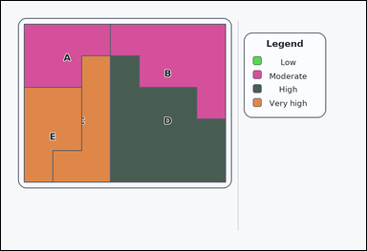 | 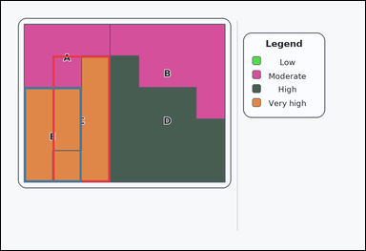 | task_maps_region_count | count_regions_above_category | Work from the labeled regions and the legend: a labeled thematic map with colored regions on the left and a category legend on the right. Based on the legend and the labeled regions, How many labeled regions are above the 'High' category on the legend? Respond with the exact count. Return a valid JSON object with keys "evidence" and "answer" in that order. Evidence requirement: set "evidence" to an array of bounding boxes [x1, y1, x2, y2] for every counted region, in reading order. Answer format: set "answer" to the integer count. Example JSON: {"evidence":[[138,150,314,304],[356,330,544,492],[566,176,690,340]],"answer":3} | Work from the labeled regions and the legend: a labeled thematic map with colored regions on the left and a category legend on the right. Based on the legend and the labeled regions, How many labeled regions are above the 'High' category on the legend? Respond with the exact count. Return a valid JSON object with key "answer". Answer: set "answer" to the integer count. Example JSON: {"answer":3} | {"evidence": [[170.571, 180.0, 359.714, 596.0], [76.0, 284.0, 265.143, 596.0]], "answer": 2} | [[170.571, 180.0, 359.714, 596.0], [76.0, 284.0, 265.143, 596.0]] | integer | bbox_set | 4.7083877947E+15 | maps/task_maps_region_count/images/count_regions_above_category/0005.png | maps/task_maps_region_count/data/count_regions_above_category/0005.json
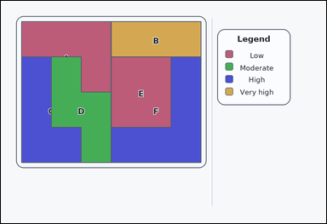 |  | task_maps_region_count | count_regions_above_category | Look at the thematic map in the image: a card-style labeled thematic map with colored regions on the left and a category legend on the right. How many labeled regions are above the 'High' category on the legend? Give the count as an integer. Return a valid JSON object with keys "evidence" and "answer" in that order. Evidence: set "evidence" to an array of bounding boxes [x1, y1, x2, y2] for every counted region, in reading order. Answer: set "answer" to the integer count. Example JSON: {"evidence":[[138,150,314,304],[356,330,544,492],[566,176,690,340]],"answer":3} | Look at the thematic map in the image: a card-style labeled thematic map with colored regions on the left and a category legend on the right. How many labeled regions are above the 'High' category on the legend? Give the count as an integer. Return a valid JSON object with key "answer". Answer rule: set "answer" to the integer count. Example JSON: {"answer":3} | {"evidence": [[407.0, 76.0, 738.0, 206.0]], "answer": 1} | [[407.0, 76.0, 738.0, 206.0]] | integer | bbox_set | 5.3337819617E+15 | maps/task_maps_region_count/images/count_regions_above_category/0007.png | maps/task_maps_region_count/data/count_regions_above_category/0007.json
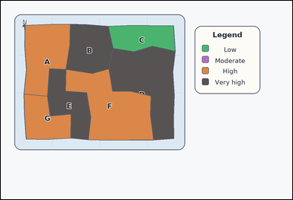 | 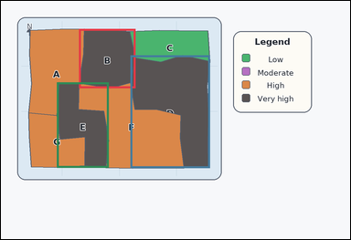 | task_maps_region_count | count_regions_above_category | The image shows an atlas-style region map with colored administrative areas on the left and a category legend on the right. Read the legend and then answer this counting question: How many labeled regions are above the 'High' category on the legend? Give the count as an integer. Return a valid JSON object with keys "evidence" and "answer" in that order. Evidence field: set "evidence" to an array of bounding boxes [x1, y1, x2, y2] for every counted region, in reading order. Answer field: set "answer" to the integer count. Example JSON: {"evidence":[[138,150,314,304],[356,330,544,492],[566,176,690,340]],"answer":3} | The image shows an atlas-style region map with colored administrative areas on the left and a category legend on the right. Read the legend and then answer this counting question: How many labeled regions are above the 'High' category on the legend? Give the count as an integer. Return a valid JSON object with key "answer". Answer rule: set "answer" to the integer count. Example JSON: {"answer":3} | {"evidence": [[268.72, 96.911, 462.62, 300.81], [445.064, 187.54, 718.339, 575.146], [192.32, 280.104, 370.467, 574.968]], "answer": 3} | [[268.72, 96.911, 462.62, 300.81], [445.064, 187.54, 718.339, 575.146], [192.32, 280.104, 370.467, 574.968]] | integer | bbox_set | 5.5845308702E+15 | maps/task_maps_region_count/images/count_regions_above_category/0000.png | maps/task_maps_region_count/data/count_regions_above_category/0000.json
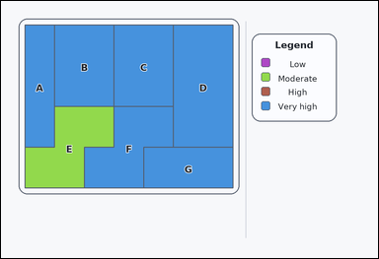 | 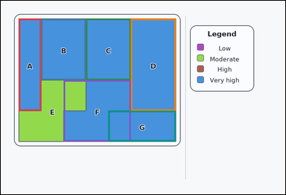 | task_maps_region_count | count_regions_above_category | Use the map on the left and the legend on the right: a card-style labeled thematic map with colored regions on the left and a category legend on the right. Based on the legend and the labeled regions, How many labeled regions are above the 'High' category on the legend? Return the number of matching regions. Return a valid JSON object with keys "evidence" and "answer" in that order. Evidence requirement: set "evidence" to an array of bounding boxes [x1, y1, x2, y2] for every counted region, in reading order. Answer format: set "answer" to the integer count. Example JSON: {"evidence":[[138,150,314,304],[356,330,544,492],[566,176,690,340]],"answer":3} | Use the map on the left and the legend on the right: a card-style labeled thematic map with colored regions on the left and a category legend on the right. Based on the legend and the labeled regions, How many labeled regions are above the 'High' category on the legend? Return the number of matching regions. Return a valid JSON object with key "answer". Answer rule: set "answer" to the integer count. Example JSON: {"answer":3} | {"evidence": [[76.0, 76.0, 170.571, 466.0], [170.571, 76.0, 359.714, 336.0], [359.714, 76.0, 548.857, 336.0], [548.857, 76.0, 738.0, 466.0], [265.143, 336.0, 548.857, 596.0], [454.286, 466.0, 738.0, 596.0]], "answer": 6} | [[76.0, 76.0, 170.571, 466.0], [170.571, 76.0, 359.714, 336.0], [359.714, 76.0, 548.857, 336.0], [548.857, 76.0, 738.0, 466.0], [265.143, 336.0, 548.857, 596.0], [454.286, 466.0, 738.0, 596.0]] | integer | bbox_set | 5.8362345912E+15 | maps/task_maps_region_count/images/count_regions_above_category/0009.png | maps/task_maps_region_count/data/count_regions_above_category/0009.json
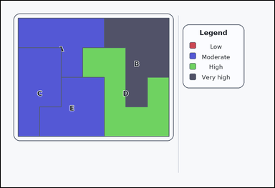 | 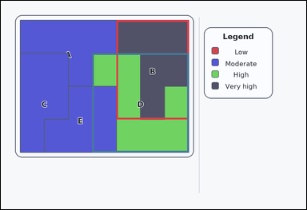 | task_maps_region_count | count_regions_above_category | The image shows a labeled thematic map with colored regions on the left and a category legend on the right. Based on the legend and the labeled regions, How many labeled regions are above the 'Moderate' category on the legend? Return the number of matching regions. Return a valid JSON object with keys "evidence" and "answer" in that order. Evidence requirement: set "evidence" to an array of bounding boxes [x1, y1, x2, y2] for every counted region, in reading order. Answer format: set "answer" to the integer count. Example JSON: {"evidence":[[138,150,314,304],[356,330,544,492],[566,176,690,340]],"answer":3} | The image shows a labeled thematic map with colored regions on the left and a category legend on the right. Based on the legend and the labeled regions, How many labeled regions are above the 'Moderate' category on the legend? Return the number of matching regions. Return a valid JSON object with key "answer". Answer rule: set "answer" to the integer count. Example JSON: {"answer":3} | {"evidence": [[454.286, 76.0, 738.0, 466.0], [359.714, 206.0, 738.0, 596.0]], "answer": 2} | [[454.286, 76.0, 738.0, 466.0], [359.714, 206.0, 738.0, 596.0]] | integer | bbox_set | 6.1604367248E+15 | maps/task_maps_region_count/images/count_regions_above_category/0004.png | maps/task_maps_region_count/data/count_regions_above_category/0004.json
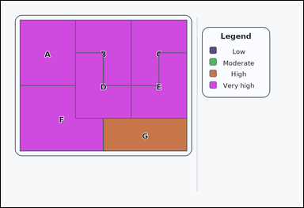 |  | task_maps_region_count | count_regions_above_category | The image shows a labeled thematic map with colored regions on the left and a category legend on the right. Using the legend, How many labeled regions are above the 'High' category on the legend? Answer using the integer count. Return a valid JSON object with keys "evidence" and "answer" in that order. Evidence field: set "evidence" to an array of bounding boxes [x1, y1, x2, y2] for every counted region, in reading order. Answer field: set "answer" to the integer count. Example JSON: {"evidence":[[138,150,314,304],[356,330,544,492],[566,176,690,340]],"answer":3} | The image shows a labeled thematic map with colored regions on the left and a category legend on the right. Using the legend, How many labeled regions are above the 'High' category on the legend? Answer using the integer count. Return a valid JSON object with key "answer". Answer: set "answer" to the integer count. Example JSON: {"answer":3} | {"evidence": [[76.0, 76.0, 296.667, 336.0], [296.667, 76.0, 517.333, 336.0], [517.333, 76.0, 738.0, 336.0], [296.667, 206.0, 517.333, 466.0], [517.333, 206.0, 738.0, 466.0], [76.0, 336.0, 407.0, 596.0]], "answer": 6} | [[76.0, 76.0, 296.667, 336.0], [296.667, 76.0, 517.333, 336.0], [517.333, 76.0, 738.0, 336.0], [296.667, 206.0, 517.333, 466.0], [517.333, 206.0, 738.0, 466.0], [76.0, 336.0, 407.0, 596.0]] | integer | bbox_set | 6.5072249333E+15 | maps/task_maps_region_count/images/count_regions_above_category/0014.png | maps/task_maps_region_count/data/count_regions_above_category/0014.json
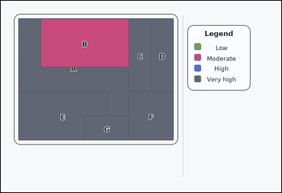 | 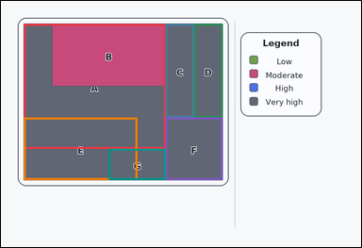 | task_maps_region_count | count_regions_above_category | You are given a labeled thematic map with colored regions on the left and a category legend on the right. How many labeled regions are above the 'High' category on the legend? Answer with the count as an integer. Return a valid JSON object with keys "evidence" and "answer" in that order. Evidence rule: set "evidence" to an array of bounding boxes [x1, y1, x2, y2] for every counted region, in reading order. Answer rule: set "answer" to the integer count. Example JSON: {"evidence":[[138,150,314,304],[356,330,544,492],[566,176,690,340]],"answer":3} | You are given a labeled thematic map with colored regions on the left and a category legend on the right. How many labeled regions are above the 'High' category on the legend? Answer with the count as an integer. Return a valid JSON object with key "answer". Answer rule: set "answer" to the integer count. Example JSON: {"answer":3} | {"evidence": [[76.0, 76.0, 548.857, 492.0], [548.857, 76.0, 643.429, 388.0], [643.429, 76.0, 738.0, 388.0], [76.0, 388.0, 454.286, 596.0], [548.857, 388.0, 738.0, 596.0], [359.714, 492.0, 548.857, 596.0]], "answer": 6} | [[76.0, 76.0, 548.857, 492.0], [548.857, 76.0, 643.429, 388.0], [643.429, 76.0, 738.0, 388.0], [76.0, 388.0, 454.286, 596.0], [548.857, 388.0, 738.0, 596.0], [359.714, 492.0, 548.857, 596.0]] | integer | bbox_set | 7.0842863999E+15 | maps/task_maps_region_count/images/count_regions_above_category/0021.png | maps/task_maps_region_count/data/count_regions_above_category/0021.json
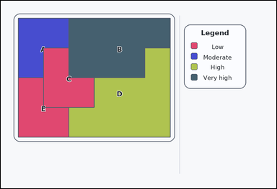 | 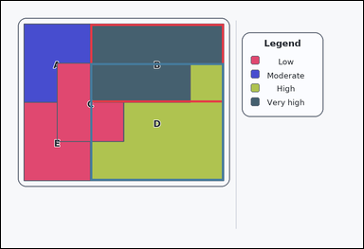 | task_maps_region_count | count_regions_above_category | Work from the labeled regions and the legend: a card-style labeled thematic map with colored regions on the left and a category legend on the right. Using the legend, How many labeled regions are above the 'Moderate' category on the legend? Give the count as an integer. Return a valid JSON object with keys "evidence" and "answer" in that order. Evidence requirement: set "evidence" to an array of bounding boxes [x1, y1, x2, y2] for every counted region, in reading order. Answer format: set "answer" to the integer count. Example JSON: {"evidence":[[138,150,314,304],[356,330,544,492],[566,176,690,340]],"answer":3} | Work from the labeled regions and the legend: a card-style labeled thematic map with colored regions on the left and a category legend on the right. Using the legend, How many labeled regions are above the 'Moderate' category on the legend? Give the count as an integer. Return a valid JSON object with key "answer". Answer rule: set "answer" to the integer count. Example JSON: {"answer":3} | {"evidence": [[296.667, 76.0, 738.0, 336.0], [296.667, 206.0, 738.0, 596.0]], "answer": 2} | [[296.667, 76.0, 738.0, 336.0], [296.667, 206.0, 738.0, 596.0]] | integer | bbox_set | 7.1700226171E+15 | maps/task_maps_region_count/images/count_regions_above_category/0019.png | maps/task_maps_region_count/data/count_regions_above_category/0019.json
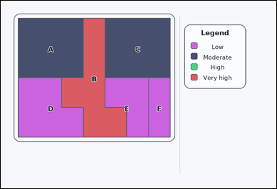 | 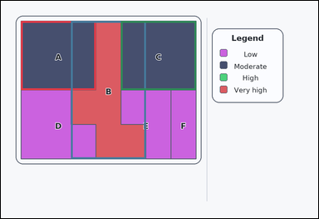 | task_maps_region_count | count_regions_above_category | The image shows a labeled thematic map with colored regions on the left and a category legend on the right. Based on the legend and the labeled regions, How many labeled regions are above the 'Low' category on the legend? Return the number of matching regions. Return a valid JSON object with keys "evidence" and "answer" in that order. Evidence: set "evidence" to an array of bounding boxes [x1, y1, x2, y2] for every counted region, in reading order. Answer: set "answer" to the integer count. Example JSON: {"evidence":[[138,150,314,304],[356,330,544,492],[566,176,690,340]],"answer":3} | The image shows a labeled thematic map with colored regions on the left and a category legend on the right. Based on the legend and the labeled regions, How many labeled regions are above the 'Low' category on the legend? Return the number of matching regions. Return a valid JSON object with key "answer". Answer: set "answer" to the integer count. Example JSON: {"answer":3} | {"evidence": [[76.0, 76.0, 359.714, 336.0], [265.143, 76.0, 548.857, 596.0], [454.286, 76.0, 738.0, 336.0]], "answer": 3} | [[76.0, 76.0, 359.714, 336.0], [265.143, 76.0, 548.857, 596.0], [454.286, 76.0, 738.0, 336.0]] | integer | bbox_set | 9.0065873868E+15 | maps/task_maps_region_count/images/count_regions_above_category/0013.png | maps/task_maps_region_count/data/count_regions_above_category/0013.json

count_regions_below_category
image | evidence_image | task | task_variant | prompt | prompt_answer_only | answer | answer_evidence | answer_type | evidence_type | instance_seed | image_path | data_path
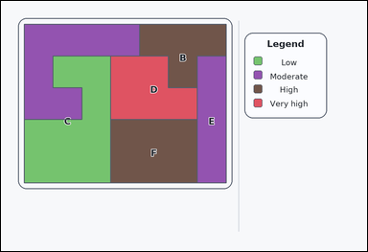 | 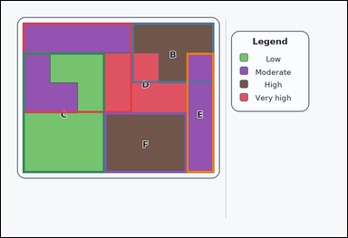 | task_maps_region_count | count_regions_below_category | You are given a labeled thematic map with colored regions on the left and a category legend on the right. Using the legend, How many labeled regions are below the 'Very high' category on the legend? Answer using the integer count. Return a valid JSON object with keys "evidence" and "answer" in that order. Evidence format: set "evidence" to an array of bounding boxes [x1, y1, x2, y2] for every counted region, in reading order. Answer requirement: set "answer" to the integer count. Example JSON: {"evidence":[[172,350,342,512]],"answer":1} | You are given a labeled thematic map with colored regions on the left and a category legend on the right. Using the legend, How many labeled regions are below the 'Very high' category on the legend? Answer using the integer count. Return a valid JSON object with key "answer". Answer: set "answer" to the integer count. Example JSON: {"answer":1} | {"evidence": [[76.0, 76.0, 454.286, 388.0], [454.286, 76.0, 738.0, 284.0], [76.0, 180.0, 359.714, 596.0], [643.429, 180.0, 738.0, 596.0], [359.714, 388.0, 643.429, 596.0]], "answer": 5} | [[76.0, 76.0, 454.286, 388.0], [454.286, 76.0, 738.0, 284.0], [76.0, 180.0, 359.714, 596.0], [643.429, 180.0, 738.0, 596.0], [359.714, 388.0, 643.429, 596.0]] | integer | bbox_set | 264280212836268 | maps/task_maps_region_count/images/count_regions_below_category/0019.png | maps/task_maps_region_count/data/count_regions_below_category/0019.json
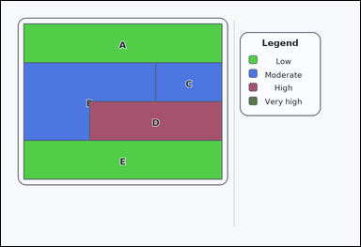 | 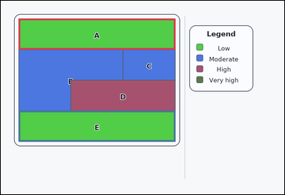 | task_maps_region_count | count_regions_below_category | Look at the thematic map in the image: a card-style labeled thematic map with colored regions on the left and a category legend on the right. Based on the legend and the labeled regions, How many labeled regions are below the 'Moderate' category on the legend? Answer using the integer count. Return a valid JSON object with keys "evidence" and "answer" in that order. Evidence rule: set "evidence" to an array of bounding boxes [x1, y1, x2, y2] for every counted region, in reading order. Answer rule: set "answer" to the integer count. Example JSON: {"evidence":[[172,350,342,512]],"answer":1} | Look at the thematic map in the image: a card-style labeled thematic map with colored regions on the left and a category legend on the right. Based on the legend and the labeled regions, How many labeled regions are below the 'Moderate' category on the legend? Answer using the integer count. Return a valid JSON object with key "answer". Answer field: set "answer" to the integer count. Example JSON: {"answer":1} | {"evidence": [[76.0, 76.0, 738.0, 206.0], [76.0, 466.0, 738.0, 596.0]], "answer": 2} | [[76.0, 76.0, 738.0, 206.0], [76.0, 466.0, 738.0, 596.0]] | integer | bbox_set | 503961456548986 | maps/task_maps_region_count/images/count_regions_below_category/0018.png | maps/task_maps_region_count/data/count_regions_below_category/0018.json
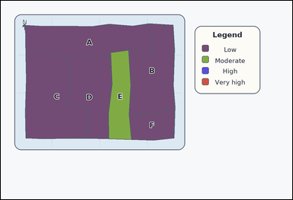 | 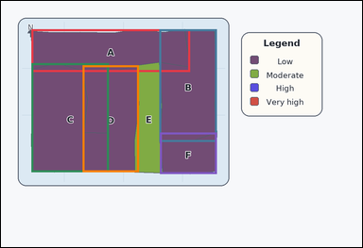 | task_maps_region_count | count_regions_below_category | Look at the thematic map in the image: an atlas-style region map with colored administrative areas on the left and a category legend on the right. Using the legend, How many labeled regions are below the 'Moderate' category on the legend? Respond with the exact count. Return a valid JSON object with keys "evidence" and "answer" in that order. Evidence format: set "evidence" to an array of bounding boxes [x1, y1, x2, y2] for every counted region, in reading order. Answer requirement: set "answer" to the integer count. Example JSON: {"evidence":[[172,350,342,512]],"answer":1} | Look at the thematic map in the image: an atlas-style region map with colored administrative areas on the left and a category legend on the right. Using the legend, How many labeled regions are below the 'Moderate' category on the legend? Respond with the exact count. Return a valid JSON object with key "answer". Answer requirement: set "answer" to the integer count. Example JSON: {"answer":1} | {"evidence": [[101.48, 94.06, 628.912, 236.657], [526.985, 94.06, 717.277, 469.576], [101.256, 207.19, 358.875, 570.537], [271.069, 214.028, 458.338, 570.539], [528.193, 438.334, 717.277, 576.653]], "answer": 5} | [[101.48, 94.06, 628.912, 236.657], [526.985, 94.06, 717.277, 469.576], [101.256, 207.19, 358.875, 570.537], [271.069, 214.028, 458.338, 570.539], [528.193, 438.334, 717.277, 576.653]] | integer | bbox_set | 714158715417054 | maps/task_maps_region_count/images/count_regions_below_category/0023.png | maps/task_maps_region_count/data/count_regions_below_category/0023.json
 |  | task_maps_region_count | count_regions_below_category | Use the map on the left and the legend on the right: an outline-style labeled thematic map with colored regions on the left and a category legend on the right. Based on the legend and the labeled regions, How many labeled regions are below the 'Very high' category on the legend? Answer using the integer count. Return a valid JSON object with keys "evidence" and "answer" in that order. Evidence: set "evidence" to an array of bounding boxes [x1, y1, x2, y2] for every counted region, in reading order. Answer: set "answer" to the integer count. Example JSON: {"evidence":[[172,350,342,512]],"answer":1} | Use the map on the left and the legend on the right: an outline-style labeled thematic map with colored regions on the left and a category legend on the right. Based on the legend and the labeled regions, How many labeled regions are below the 'Very high' category on the legend? Answer using the integer count. Return a valid JSON object with key "answer". Answer field: set "answer" to the integer count. Example JSON: {"answer":1} | {"evidence": [[76.0, 76.0, 359.714, 284.0], [265.143, 76.0, 643.429, 180.0], [548.857, 76.0, 738.0, 596.0], [76.0, 180.0, 359.714, 388.0], [76.0, 388.0, 265.143, 596.0], [265.143, 388.0, 548.857, 596.0]], "answer": 6} | [[76.0, 76.0, 359.714, 284.0], [265.143, 76.0, 643.429, 180.0], [548.857, 76.0, 738.0, 596.0], [76.0, 180.0, 359.714, 388.0], [76.0, 388.0, 265.143, 596.0], [265.143, 388.0, 548.857, 596.0]] | integer | bbox_set | 1.102903488E+15 | maps/task_maps_region_count/images/count_regions_below_category/0009.png | maps/task_maps_region_count/data/count_regions_below_category/0009.json
 |  | task_maps_region_count | count_regions_below_category | You are given an outline-style labeled thematic map with colored regions on the left and a category legend on the right. Count the matching labeled regions: How many labeled regions are below the 'High' category on the legend? Return the number of matching regions. Return a valid JSON object with keys "evidence" and "answer" in that order. Evidence rule: set "evidence" to an array of bounding boxes [x1, y1, x2, y2] for every counted region, in reading order. Answer rule: set "answer" to the integer count. Example JSON: {"evidence":[[172,350,342,512]],"answer":1} | You are given an outline-style labeled thematic map with colored regions on the left and a category legend on the right. Count the matching labeled regions: How many labeled regions are below the 'High' category on the legend? Return the number of matching regions. Return a valid JSON object with key "answer". Answer: set "answer" to the integer count. Example JSON: {"answer":1} | {"evidence": [[359.714, 180.0, 548.857, 596.0]], "answer": 1} | [[359.714, 180.0, 548.857, 596.0]] | integer | bbox_set | 1.1095335763E+15 | maps/task_maps_region_count/images/count_regions_below_category/0001.png | maps/task_maps_region_count/data/count_regions_below_category/0001.json
 |  | task_maps_region_count | count_regions_below_category | Work from the labeled regions and the legend: a labeled thematic map with colored regions on the left and a category legend on the right. Count the matching labeled regions: How many labeled regions are below the 'High' category on the legend? Give the count as an integer. Return a valid JSON object with keys "evidence" and "answer" in that order. Evidence field: set "evidence" to an array of bounding boxes [x1, y1, x2, y2] for every counted region, in reading order. Answer field: set "answer" to the integer count. Example JSON: {"evidence":[[172,350,342,512]],"answer":1} | Work from the labeled regions and the legend: a labeled thematic map with colored regions on the left and a category legend on the right. Count the matching labeled regions: How many labeled regions are below the 'High' category on the legend? Give the count as an integer. Return a valid JSON object with key "answer". Answer rule: set "answer" to the integer count. Example JSON: {"answer":1} | {"evidence": [[76.0, 76.0, 296.667, 336.0], [186.333, 336.0, 627.667, 596.0]], "answer": 2} | [[76.0, 76.0, 296.667, 336.0], [186.333, 336.0, 627.667, 596.0]] | integer | bbox_set | 1.174275445E+15 | maps/task_maps_region_count/images/count_regions_below_category/0003.png | maps/task_maps_region_count/data/count_regions_below_category/0003.json
 |  | task_maps_region_count | count_regions_below_category | You are given an outline-style labeled thematic map with colored regions on the left and a category legend on the right. Using the legend, How many labeled regions are below the 'Very high' category on the legend? Answer with the count as an integer. Return a valid JSON object with keys "evidence" and "answer" in that order. Evidence: set "evidence" to an array of bounding boxes [x1, y1, x2, y2] for every counted region, in reading order. Answer: set "answer" to the integer count. Example JSON: {"evidence":[[172,350,342,512]],"answer":1} | You are given an outline-style labeled thematic map with colored regions on the left and a category legend on the right. Using the legend, How many labeled regions are below the 'Very high' category on the legend? Answer with the count as an integer. Return a valid JSON object with key "answer". Answer rule: set "answer" to the integer count. Example JSON: {"answer":1} | {"evidence": [[76.0, 76.0, 627.667, 336.0], [296.667, 206.0, 517.333, 596.0]], "answer": 2} | [[76.0, 76.0, 627.667, 336.0], [296.667, 206.0, 517.333, 596.0]] | integer | bbox_set | 1.2007904926E+15 | maps/task_maps_region_count/images/count_regions_below_category/0002.png | maps/task_maps_region_count/data/count_regions_below_category/0002.json
 |  | task_maps_region_count | count_regions_below_category | The image shows a labeled thematic map with colored regions on the left and a category legend on the right. Based on the legend and the labeled regions, How many labeled regions are below the 'High' category on the legend? Answer with the count as an integer. Return a valid JSON object with keys "evidence" and "answer" in that order. Evidence: set "evidence" to an array of bounding boxes [x1, y1, x2, y2] for every counted region, in reading order. Answer: set "answer" to the integer count. Example JSON: {"evidence":[[172,350,342,512]],"answer":1} | The image shows a labeled thematic map with colored regions on the left and a category legend on the right. Based on the legend and the labeled regions, How many labeled regions are below the 'High' category on the legend? Answer with the count as an integer. Return a valid JSON object with key "answer". Answer field: set "answer" to the integer count. Example JSON: {"answer":1} | {"evidence": [[517.333, 76.0, 738.0, 596.0], [76.0, 206.0, 296.667, 596.0], [296.667, 336.0, 517.333, 596.0], [517.333, 336.0, 627.667, 596.0]], "answer": 4} | [[517.333, 76.0, 738.0, 596.0], [76.0, 206.0, 296.667, 596.0], [296.667, 336.0, 517.333, 596.0], [517.333, 336.0, 627.667, 596.0]] | integer | bbox_set | 1.2080404543E+15 | maps/task_maps_region_count/images/count_regions_below_category/0014.png | maps/task_maps_region_count/data/count_regions_below_category/0014.json
 |  | task_maps_region_count | count_regions_below_category | You are given an atlas-style region map with colored administrative areas on the left and a category legend on the right. Read the legend and then answer this counting question: How many labeled regions are below the 'Very high' category on the legend? Respond with the exact count. Return a valid JSON object with keys "evidence" and "answer" in that order. Evidence: set "evidence" to an array of bounding boxes [x1, y1, x2, y2] for every counted region, in reading order. Answer: set "answer" to the integer count. Example JSON: {"evidence":[[172,350,342,512]],"answer":1} | You are given an atlas-style region map with colored administrative areas on the left and a category legend on the right. Read the legend and then answer this counting question: How many labeled regions are below the 'Very high' category on the legend? Respond with the exact count. Return a valid JSON object with key "answer". Answer field: set "answer" to the integer count. Example JSON: {"answer":1} | {"evidence": [[98.492, 94.719, 318.146, 387.079], [297.66, 95.33, 609.565, 382.027], [493.779, 102.008, 720.398, 570.59], [97.26, 375.86, 520.823, 572.298]], "answer": 4} | [[98.492, 94.719, 318.146, 387.079], [297.66, 95.33, 609.565, 382.027], [493.779, 102.008, 720.398, 570.59], [97.26, 375.86, 520.823, 572.298]] | integer | bbox_set | 1.2281211295E+15 | maps/task_maps_region_count/images/count_regions_below_category/0011.png | maps/task_maps_region_count/data/count_regions_below_category/0011.json
 |  | task_maps_region_count | count_regions_below_category | Look at the thematic map in the image: an atlas-style region map with colored administrative areas on the left and a category legend on the right. Using the legend, How many labeled regions are below the 'Very high' category on the legend? Respond with the exact count. Return a valid JSON object with keys "evidence" and "answer" in that order. Evidence rule: set "evidence" to an array of bounding boxes [x1, y1, x2, y2] for every counted region, in reading order. Answer rule: set "answer" to the integer count. Example JSON: {"evidence":[[172,350,342,512]],"answer":1} | Look at the thematic map in the image: an atlas-style region map with colored administrative areas on the left and a category legend on the right. Using the legend, How many labeled regions are below the 'Very high' category on the legend? Respond with the exact count. Return a valid JSON object with key "answer". Answer field: set "answer" to the integer count. Example JSON: {"answer":1} | {"evidence": [[101.096, 101.077, 497.707, 302.476], [204.933, 97.283, 621.094, 206.755], [594.791, 100.332, 713.909, 302.663], [496.235, 199.393, 713.909, 386.488], [93.569, 372.591, 512.125, 576.828], [396.194, 381.731, 717.28, 573.664]], "answer": 6} | [[101.096, 101.077, 497.707, 302.476], [204.933, 97.283, 621.094, 206.755], [594.791, 100.332, 713.909, 302.663], [496.235, 199.393, 713.909, 386.488], [93.569, 372.591, 512.125, 576.828], [396.194, 381.731, 717.28, 573.664]] | integer | bbox_set | 1.6431876643E+15 | maps/task_maps_region_count/images/count_regions_below_category/0008.png | maps/task_maps_region_count/data/count_regions_below_category/0008.json
 |  | task_maps_region_count | count_regions_below_category | You are given a labeled thematic map with colored regions on the left and a category legend on the right. How many labeled regions are below the 'High' category on the legend? Respond with the exact count. Return a valid JSON object with keys "evidence" and "answer" in that order. Evidence field: set "evidence" to an array of bounding boxes [x1, y1, x2, y2] for every counted region, in reading order. Answer field: set "answer" to the integer count. Example JSON: {"evidence":[[172,350,342,512]],"answer":1} | You are given a labeled thematic map with colored regions on the left and a category legend on the right. How many labeled regions are below the 'High' category on the legend? Respond with the exact count. Return a valid JSON object with key "answer". Answer requirement: set "answer" to the integer count. Example JSON: {"answer":1} | {"evidence": [[76.0, 76.0, 359.714, 180.0], [265.143, 76.0, 643.429, 388.0], [454.286, 76.0, 738.0, 284.0], [76.0, 180.0, 265.143, 492.0], [76.0, 284.0, 359.714, 596.0], [359.714, 388.0, 643.429, 596.0]], "answer": 6} | [[76.0, 76.0, 359.714, 180.0], [265.143, 76.0, 643.429, 388.0], [454.286, 76.0, 738.0, 284.0], [76.0, 180.0, 265.143, 492.0], [76.0, 284.0, 359.714, 596.0], [359.714, 388.0, 643.429, 596.0]] | integer | bbox_set | 1.8775784753E+15 | maps/task_maps_region_count/images/count_regions_below_category/0016.png | maps/task_maps_region_count/data/count_regions_below_category/0016.json
 |  | task_maps_region_count | count_regions_below_category | Work from the labeled regions and the legend: an atlas-style region map with colored administrative areas on the left and a category legend on the right. Count the matching labeled regions: How many labeled regions are below the 'Very high' category on the legend? Answer with the count as an integer. Return a valid JSON object with keys "evidence" and "answer" in that order. Evidence requirement: set "evidence" to an array of bounding boxes [x1, y1, x2, y2] for every counted region, in reading order. Answer format: set "answer" to the integer count. Example JSON: {"evidence":[[172,350,342,512]],"answer":1} | Work from the labeled regions and the legend: an atlas-style region map with colored administrative areas on the left and a category legend on the right. Count the matching labeled regions: How many labeled regions are below the 'Very high' category on the legend? Answer with the count as an integer. Return a valid JSON object with key "answer". Answer requirement: set "answer" to the integer count. Example JSON: {"answer":1} | {"evidence": [[272.74, 95.691, 452.323, 468.002], [363.063, 92.156, 548.154, 468.002], [531.149, 95.933, 710.498, 445.963], [444.09, 220.645, 717.638, 573.644], [96.38, 334.243, 273.092, 572.074], [190.411, 334.243, 452.323, 578.369]], "answer": 6} | [[272.74, 95.691, 452.323, 468.002], [363.063, 92.156, 548.154, 468.002], [531.149, 95.933, 710.498, 445.963], [444.09, 220.645, 717.638, 573.644], [96.38, 334.243, 273.092, 572.074], [190.411, 334.243, 452.323, 578.369]] | integer | bbox_set | 1.9940346075E+15 | maps/task_maps_region_count/images/count_regions_below_category/0006.png | maps/task_maps_region_count/data/count_regions_below_category/0006.json
 |  | task_maps_region_count | count_regions_below_category | The image shows an atlas-style region map with colored administrative areas on the left and a category legend on the right. How many labeled regions are below the 'Moderate' category on the legend? Return the number of matching regions. Return a valid JSON object with keys "evidence" and "answer" in that order. Evidence format: set "evidence" to an array of bounding boxes [x1, y1, x2, y2] for every counted region, in reading order. Answer requirement: set "answer" to the integer count. Example JSON: {"evidence":[[172,350,342,512]],"answer":1} | The image shows an atlas-style region map with colored administrative areas on the left and a category legend on the right. How many labeled regions are below the 'Moderate' category on the legend? Return the number of matching regions. Return a valid JSON object with key "answer". Answer format: set "answer" to the integer count. Example JSON: {"answer":1} | {"evidence": [[97.383, 95.04, 271.476, 282.276], [269.211, 94.726, 717.581, 210.433], [268.016, 189.181, 534.217, 298.911], [352.038, 198.254, 717.581, 396.368], [98.247, 275.91, 359.202, 569.082]], "answer": 5} | [[97.383, 95.04, 271.476, 282.276], [269.211, 94.726, 717.581, 210.433], [268.016, 189.181, 534.217, 298.911], [352.038, 198.254, 717.581, 396.368], [98.247, 275.91, 359.202, 569.082]] | integer | bbox_set | 2.4641114132E+15 | maps/task_maps_region_count/images/count_regions_below_category/0017.png | maps/task_maps_region_count/data/count_regions_below_category/0017.json
 |  | task_maps_region_count | count_regions_below_category | Work from the labeled regions and the legend: a card-style labeled thematic map with colored regions on the left and a category legend on the right. Using the legend, How many labeled regions are below the 'Very high' category on the legend? Give the count as an integer. Return a valid JSON object with keys "evidence" and "answer" in that order. Evidence field: set "evidence" to an array of bounding boxes [x1, y1, x2, y2] for every counted region, in reading order. Answer field: set "answer" to the integer count. Example JSON: {"evidence":[[172,350,342,512]],"answer":1} | Work from the labeled regions and the legend: a card-style labeled thematic map with colored regions on the left and a category legend on the right. Using the legend, How many labeled regions are below the 'Very high' category on the legend? Give the count as an integer. Return a valid JSON object with key "answer". Answer rule: set "answer" to the integer count. Example JSON: {"answer":1} | {"evidence": [[170.571, 76.0, 454.286, 388.0], [359.714, 76.0, 548.857, 388.0], [548.857, 76.0, 738.0, 388.0], [170.571, 284.0, 454.286, 596.0], [548.857, 284.0, 738.0, 596.0], [359.714, 388.0, 548.857, 596.0]], "answer": 6} | [[170.571, 76.0, 454.286, 388.0], [359.714, 76.0, 548.857, 388.0], [548.857, 76.0, 738.0, 388.0], [170.571, 284.0, 454.286, 596.0], [548.857, 284.0, 738.0, 596.0], [359.714, 388.0, 548.857, 596.0]] | integer | bbox_set | 3.1565418231E+15 | maps/task_maps_region_count/images/count_regions_below_category/0004.png | maps/task_maps_region_count/data/count_regions_below_category/0004.json
 |  | task_maps_region_count | count_regions_below_category | Use the map on the left and the legend on the right: an atlas-style region map with colored administrative areas on the left and a category legend on the right. Using the legend, How many labeled regions are below the 'High' category on the legend? Give the count as an integer. Return a valid JSON object with keys "evidence" and "answer" in that order. Evidence requirement: set "evidence" to an array of bounding boxes [x1, y1, x2, y2] for every counted region, in reading order. Answer format: set "answer" to the integer count. Example JSON: {"evidence":[[172,350,342,512]],"answer":1} | Use the map on the left and the legend on the right: an atlas-style region map with colored administrative areas on the left and a category legend on the right. Using the legend, How many labeled regions are below the 'High' category on the legend? Give the count as an integer. Return a valid JSON object with key "answer". Answer requirement: set "answer" to the integer count. Example JSON: {"answer":1} | {"evidence": [[94.219, 276.994, 320.005, 575.357], [395.321, 277.588, 718.74, 574.075]], "answer": 2} | [[94.219, 276.994, 320.005, 575.357], [395.321, 277.588, 718.74, 574.075]] | integer | bbox_set | 3.1672205781E+15 | maps/task_maps_region_count/images/count_regions_below_category/0005.png | maps/task_maps_region_count/data/count_regions_below_category/0005.json
 |  | task_maps_region_count | count_regions_below_category | Work from the labeled regions and the legend: a card-style labeled thematic map with colored regions on the left and a category legend on the right. Count the matching labeled regions: How many labeled regions are below the 'High' category on the legend? Return the number of matching regions. Return a valid JSON object with keys "evidence" and "answer" in that order. Evidence requirement: set "evidence" to an array of bounding boxes [x1, y1, x2, y2] for every counted region, in reading order. Answer format: set "answer" to the integer count. Example JSON: {"evidence":[[172,350,342,512]],"answer":1} | Work from the labeled regions and the legend: a card-style labeled thematic map with colored regions on the left and a category legend on the right. Count the matching labeled regions: How many labeled regions are below the 'High' category on the legend? Return the number of matching regions. Return a valid JSON object with key "answer". Answer format: set "answer" to the integer count. Example JSON: {"answer":1} | {"evidence": [[359.714, 76.0, 643.429, 336.0], [643.429, 76.0, 738.0, 336.0], [76.0, 206.0, 265.143, 596.0]], "answer": 3} | [[359.714, 76.0, 643.429, 336.0], [643.429, 76.0, 738.0, 336.0], [76.0, 206.0, 265.143, 596.0]] | integer | bbox_set | 3.3212572104E+15 | maps/task_maps_region_count/images/count_regions_below_category/0015.png | maps/task_maps_region_count/data/count_regions_below_category/0015.json
 |  | task_maps_region_count | count_regions_below_category | The image shows a labeled thematic map with colored regions on the left and a category legend on the right. Based on the legend and the labeled regions, How many labeled regions are below the 'Very high' category on the legend? Answer with the count as an integer. Return a valid JSON object with keys "evidence" and "answer" in that order. Evidence format: set "evidence" to an array of bounding boxes [x1, y1, x2, y2] for every counted region, in reading order. Answer requirement: set "answer" to the integer count. Example JSON: {"evidence":[[172,350,342,512]],"answer":1} | The image shows a labeled thematic map with colored regions on the left and a category legend on the right. Based on the legend and the labeled regions, How many labeled regions are below the 'Very high' category on the legend? Answer with the count as an integer. Return a valid JSON object with key "answer". Answer format: set "answer" to the integer count. Example JSON: {"answer":1} | {"evidence": [[76.0, 76.0, 296.667, 336.0], [296.667, 76.0, 517.333, 466.0], [407.0, 76.0, 738.0, 336.0], [407.0, 206.0, 627.667, 466.0], [627.667, 336.0, 738.0, 596.0], [296.667, 466.0, 627.667, 596.0]], "answer": 6} | [[76.0, 76.0, 296.667, 336.0], [296.667, 76.0, 517.333, 466.0], [407.0, 76.0, 738.0, 336.0], [407.0, 206.0, 627.667, 466.0], [627.667, 336.0, 738.0, 596.0], [296.667, 466.0, 627.667, 596.0]] | integer | bbox_set | 4.5119024805E+15 | maps/task_maps_region_count/images/count_regions_below_category/0012.png | maps/task_maps_region_count/data/count_regions_below_category/0012.json
 |  | task_maps_region_count | count_regions_below_category | The image shows an atlas-style region map with colored administrative areas on the left and a category legend on the right. Based on the legend and the labeled regions, How many labeled regions are below the 'Moderate' category on the legend? Answer using the integer count. Return a valid JSON object with keys "evidence" and "answer" in that order. Evidence: set "evidence" to an array of bounding boxes [x1, y1, x2, y2] for every counted region, in reading order. Answer: set "answer" to the integer count. Example JSON: {"evidence":[[172,350,342,512]],"answer":1} | The image shows an atlas-style region map with colored administrative areas on the left and a category legend on the right. Based on the legend and the labeled regions, How many labeled regions are below the 'Moderate' category on the legend? Answer using the integer count. Return a valid JSON object with key "answer". Answer rule: set "answer" to the integer count. Example JSON: {"answer":1} | {"evidence": [[97.582, 217.508, 321.913, 462.791]], "answer": 1} | [[97.582, 217.508, 321.913, 462.791]] | integer | bbox_set | 5.8625726126E+15 | maps/task_maps_region_count/images/count_regions_below_category/0020.png | maps/task_maps_region_count/data/count_regions_below_category/0020.json
 |  | task_maps_region_count | count_regions_below_category | You are given a card-style labeled thematic map with colored regions on the left and a category legend on the right. Using the legend, How many labeled regions are below the 'Very high' category on the legend? Give the count as an integer. Return a valid JSON object with keys "evidence" and "answer" in that order. Evidence: set "evidence" to an array of bounding boxes [x1, y1, x2, y2] for every counted region, in reading order. Answer: set "answer" to the integer count. Example JSON: {"evidence":[[172,350,342,512]],"answer":1} | You are given a card-style labeled thematic map with colored regions on the left and a category legend on the right. Using the legend, How many labeled regions are below the 'Very high' category on the legend? Give the count as an integer. Return a valid JSON object with key "answer". Answer format: set "answer" to the integer count. Example JSON: {"answer":1} | {"evidence": [[186.333, 76.0, 517.333, 466.0], [296.667, 76.0, 627.667, 466.0]], "answer": 2} | [[186.333, 76.0, 517.333, 466.0], [296.667, 76.0, 627.667, 466.0]] | integer | bbox_set | 6.1988706756E+15 | maps/task_maps_region_count/images/count_regions_below_category/0022.png | maps/task_maps_region_count/data/count_regions_below_category/0022.json
 |  | task_maps_region_count | count_regions_below_category | Use the map on the left and the legend on the right: an atlas-style region map with colored administrative areas on the left and a category legend on the right. Using the legend, How many labeled regions are below the 'Moderate' category on the legend? Return the number of matching regions. Return a valid JSON object with keys "evidence" and "answer" in that order. Evidence rule: set "evidence" to an array of bounding boxes [x1, y1, x2, y2] for every counted region, in reading order. Answer rule: set "answer" to the integer count. Example JSON: {"evidence":[[172,350,342,512]],"answer":1} | Use the map on the left and the legend on the right: an atlas-style region map with colored administrative areas on the left and a category legend on the right. Using the legend, How many labeled regions are below the 'Moderate' category on the legend? Return the number of matching regions. Return a valid JSON object with key "answer". Answer field: set "answer" to the integer count. Example JSON: {"answer":1} | {"evidence": [[100.521, 94.514, 320.167, 328.019], [410.625, 93.86, 712.662, 578.777], [492.694, 215.511, 712.903, 578.777]], "answer": 3} | [[100.521, 94.514, 320.167, 328.019], [410.625, 93.86, 712.662, 578.777], [492.694, 215.511, 712.903, 578.777]] | integer | bbox_set | 6.3725850315E+15 | maps/task_maps_region_count/images/count_regions_below_category/0024.png | maps/task_maps_region_count/data/count_regions_below_category/0024.json
 |  | task_maps_region_count | count_regions_below_category | Look at the thematic map in the image: an outline-style labeled thematic map with colored regions on the left and a category legend on the right. Count the matching labeled regions: How many labeled regions are below the 'Very high' category on the legend? Answer with the count as an integer. Return a valid JSON object with keys "evidence" and "answer" in that order. Evidence format: set "evidence" to an array of bounding boxes [x1, y1, x2, y2] for every counted region, in reading order. Answer requirement: set "answer" to the integer count. Example JSON: {"evidence":[[172,350,342,512]],"answer":1} | Look at the thematic map in the image: an outline-style labeled thematic map with colored regions on the left and a category legend on the right. Count the matching labeled regions: How many labeled regions are below the 'Very high' category on the legend? Answer with the count as an integer. Return a valid JSON object with key "answer". Answer requirement: set "answer" to the integer count. Example JSON: {"answer":1} | {"evidence": [[76.0, 76.0, 186.333, 284.0], [407.0, 76.0, 738.0, 492.0], [76.0, 284.0, 738.0, 596.0]], "answer": 3} | [[76.0, 76.0, 186.333, 284.0], [407.0, 76.0, 738.0, 492.0], [76.0, 284.0, 738.0, 596.0]] | integer | bbox_set | 6.4797961224E+15 | maps/task_maps_region_count/images/count_regions_below_category/0000.png | maps/task_maps_region_count/data/count_regions_below_category/0000.json
 |  | task_maps_region_count | count_regions_below_category | The image shows a card-style labeled thematic map with colored regions on the left and a category legend on the right. Based on the legend and the labeled regions, How many labeled regions are below the 'Very high' category on the legend? Answer using the integer count. Return a valid JSON object with keys "evidence" and "answer" in that order. Evidence rule: set "evidence" to an array of bounding boxes [x1, y1, x2, y2] for every counted region, in reading order. Answer rule: set "answer" to the integer count. Example JSON: {"evidence":[[172,350,342,512]],"answer":1} | The image shows a card-style labeled thematic map with colored regions on the left and a category legend on the right. Based on the legend and the labeled regions, How many labeled regions are below the 'Very high' category on the legend? Answer using the integer count. Return a valid JSON object with key "answer". Answer field: set "answer" to the integer count. Example JSON: {"answer":1} | {"evidence": [[76.0, 336.0, 407.0, 466.0], [407.0, 336.0, 738.0, 596.0], [76.0, 466.0, 407.0, 596.0]], "answer": 3} | [[76.0, 336.0, 407.0, 466.0], [407.0, 336.0, 738.0, 596.0], [76.0, 466.0, 407.0, 596.0]] | integer | bbox_set | 7.491117514E+15 | maps/task_maps_region_count/images/count_regions_below_category/0021.png | maps/task_maps_region_count/data/count_regions_below_category/0021.json
 |  | task_maps_region_count | count_regions_below_category | You are given an outline-style labeled thematic map with colored regions on the left and a category legend on the right. Based on the legend and the labeled regions, How many labeled regions are below the 'Moderate' category on the legend? Answer using the integer count. Return a valid JSON object with keys "evidence" and "answer" in that order. Evidence rule: set "evidence" to an array of bounding boxes [x1, y1, x2, y2] for every counted region, in reading order. Answer rule: set "answer" to the integer count. Example JSON: {"evidence":[[172,350,342,512]],"answer":1} | You are given an outline-style labeled thematic map with colored regions on the left and a category legend on the right. Based on the legend and the labeled regions, How many labeled regions are below the 'Moderate' category on the legend? Answer using the integer count. Return a valid JSON object with key "answer". Answer: set "answer" to the integer count. Example JSON: {"answer":1} | {"evidence": [[76.0, 76.0, 359.714, 336.0], [359.714, 76.0, 548.857, 466.0], [548.857, 206.0, 738.0, 466.0], [76.0, 336.0, 359.714, 596.0], [170.571, 466.0, 454.286, 596.0]], "answer": 5} | [[76.0, 76.0, 359.714, 336.0], [359.714, 76.0, 548.857, 466.0], [548.857, 206.0, 738.0, 466.0], [76.0, 336.0, 359.714, 596.0], [170.571, 466.0, 454.286, 596.0]] | integer | bbox_set | 7.5265251016E+15 | maps/task_maps_region_count/images/count_regions_below_category/0013.png | maps/task_maps_region_count/data/count_regions_below_category/0013.json
 |  | task_maps_region_count | count_regions_below_category | You are given a card-style labeled thematic map with colored regions on the left and a category legend on the right. Count the matching labeled regions: How many labeled regions are below the 'Moderate' category on the legend? Answer with the count as an integer. Return a valid JSON object with keys "evidence" and "answer" in that order. Evidence: set "evidence" to an array of bounding boxes [x1, y1, x2, y2] for every counted region, in reading order. Answer: set "answer" to the integer count. Example JSON: {"evidence":[[172,350,342,512]],"answer":1} | You are given a card-style labeled thematic map with colored regions on the left and a category legend on the right. Count the matching labeled regions: How many labeled regions are below the 'Moderate' category on the legend? Answer with the count as an integer. Return a valid JSON object with key "answer". Answer requirement: set "answer" to the integer count. Example JSON: {"answer":1} | {"evidence": [[76.0, 76.0, 359.714, 336.0], [359.714, 76.0, 643.429, 336.0], [76.0, 206.0, 359.714, 596.0], [265.143, 206.0, 548.857, 466.0], [548.857, 336.0, 738.0, 596.0], [170.571, 466.0, 643.429, 596.0]], "answer": 6} | [[76.0, 76.0, 359.714, 336.0], [359.714, 76.0, 643.429, 336.0], [76.0, 206.0, 359.714, 596.0], [265.143, 206.0, 548.857, 466.0], [548.857, 336.0, 738.0, 596.0], [170.571, 466.0, 643.429, 596.0]] | integer | bbox_set | 7.6389291824E+15 | maps/task_maps_region_count/images/count_regions_below_category/0010.png | maps/task_maps_region_count/data/count_regions_below_category/0010.json
 |  | task_maps_region_count | count_regions_below_category | The image shows a labeled thematic map with colored regions on the left and a category legend on the right. How many labeled regions are below the 'Moderate' category on the legend? Answer with the count as an integer. Return a valid JSON object with keys "evidence" and "answer" in that order. Evidence format: set "evidence" to an array of bounding boxes [x1, y1, x2, y2] for every counted region, in reading order. Answer requirement: set "answer" to the integer count. Example JSON: {"evidence":[[172,350,342,512]],"answer":1} | The image shows a labeled thematic map with colored regions on the left and a category legend on the right. How many labeled regions are below the 'Moderate' category on the legend? Answer with the count as an integer. Return a valid JSON object with key "answer". Answer field: set "answer" to the integer count. Example JSON: {"answer":1} | {"evidence": [[76.0, 76.0, 407.0, 336.0], [407.0, 76.0, 738.0, 206.0], [186.333, 206.0, 407.0, 596.0], [407.0, 206.0, 738.0, 336.0]], "answer": 4} | [[76.0, 76.0, 407.0, 336.0], [407.0, 76.0, 738.0, 206.0], [186.333, 206.0, 407.0, 596.0], [407.0, 206.0, 738.0, 336.0]] | integer | bbox_set | 8.2402942047E+15 | maps/task_maps_region_count/images/count_regions_below_category/0007.png | maps/task_maps_region_count/data/count_regions_below_category/0007.json

count_regions_in_category
image | evidence_image | task | task_variant | prompt | prompt_answer_only | answer | answer_evidence | answer_type | evidence_type | instance_seed | image_path | data_path
 |  | task_maps_region_count | count_regions_in_category | Work from the labeled regions and the legend: a labeled thematic map with colored regions on the left and a category legend on the right. Count the matching labeled regions: How many labeled regions are in the 'High' category on the legend? Respond with the exact count. Return a valid JSON object with keys "evidence" and "answer" in that order. Evidence field: set "evidence" to an array of bounding boxes [x1, y1, x2, y2] for every counted region, in reading order. Answer field: set "answer" to the integer count. Example JSON: {"evidence":[[142,176,316,322],[384,198,561,348]],"answer":2} | Work from the labeled regions and the legend: a labeled thematic map with colored regions on the left and a category legend on the right. Count the matching labeled regions: How many labeled regions are in the 'High' category on the legend? Respond with the exact count. Return a valid JSON object with key "answer". Answer requirement: set "answer" to the integer count. Example JSON: {"answer":2} | {"evidence": [[359.714, 76.0, 643.429, 336.0]], "answer": 1} | [[359.714, 76.0, 643.429, 336.0]] | integer | bbox_set | 253218956163048 | maps/task_maps_region_count/images/count_regions_in_category/0009.png | maps/task_maps_region_count/data/count_regions_in_category/0009.json
 |  | task_maps_region_count | count_regions_in_category | Use the map on the left and the legend on the right: a labeled thematic map with colored regions on the left and a category legend on the right. Using the legend, How many labeled regions are in the 'Moderate' category on the legend? Answer with the count as an integer. Return a valid JSON object with keys "evidence" and "answer" in that order. Evidence field: set "evidence" to an array of bounding boxes [x1, y1, x2, y2] for every counted region, in reading order. Answer field: set "answer" to the integer count. Example JSON: {"evidence":[[142,176,316,322],[384,198,561,348]],"answer":2} | Use the map on the left and the legend on the right: a labeled thematic map with colored regions on the left and a category legend on the right. Using the legend, How many labeled regions are in the 'Moderate' category on the legend? Answer with the count as an integer. Return a valid JSON object with key "answer". Answer field: set "answer" to the integer count. Example JSON: {"answer":2} | {"evidence": [[76.0, 76.0, 265.143, 336.0], [265.143, 206.0, 454.286, 466.0], [454.286, 206.0, 738.0, 596.0], [76.0, 336.0, 265.143, 596.0], [265.143, 336.0, 548.857, 596.0]], "answer": 5} | [[76.0, 76.0, 265.143, 336.0], [265.143, 206.0, 454.286, 466.0], [454.286, 206.0, 738.0, 596.0], [76.0, 336.0, 265.143, 596.0], [265.143, 336.0, 548.857, 596.0]] | integer | bbox_set | 916724548772698 | maps/task_maps_region_count/images/count_regions_in_category/0003.png | maps/task_maps_region_count/data/count_regions_in_category/0003.json
 |  | task_maps_region_count | count_regions_in_category | Work from the labeled regions and the legend: a labeled thematic map with colored regions on the left and a category legend on the right. Count the matching labeled regions: How many labeled regions are in the 'Moderate' category on the legend? Respond with the exact count. Return a valid JSON object with keys "evidence" and "answer" in that order. Evidence rule: set "evidence" to an array of bounding boxes [x1, y1, x2, y2] for every counted region, in reading order. Answer rule: set "answer" to the integer count. Example JSON: {"evidence":[[142,176,316,322],[384,198,561,348]],"answer":2} | Work from the labeled regions and the legend: a labeled thematic map with colored regions on the left and a category legend on the right. Count the matching labeled regions: How many labeled regions are in the 'Moderate' category on the legend? Respond with the exact count. Return a valid JSON object with key "answer". Answer: set "answer" to the integer count. Example JSON: {"answer":2} | {"evidence": [[76.0, 388.0, 359.714, 596.0]], "answer": 1} | [[76.0, 388.0, 359.714, 596.0]] | integer | bbox_set | 1.4206557116E+15 | maps/task_maps_region_count/images/count_regions_in_category/0018.png | maps/task_maps_region_count/data/count_regions_in_category/0018.json
 |  | task_maps_region_count | count_regions_in_category | Work from the labeled regions and the legend: an outline-style labeled thematic map with colored regions on the left and a category legend on the right. Count the matching labeled regions: How many labeled regions are in the 'Very high' category on the legend? Answer using the integer count. Return a valid JSON object with keys "evidence" and "answer" in that order. Evidence format: set "evidence" to an array of bounding boxes [x1, y1, x2, y2] for every counted region, in reading order. Answer requirement: set "answer" to the integer count. Example JSON: {"evidence":[[142,176,316,322],[384,198,561,348]],"answer":2} | Work from the labeled regions and the legend: an outline-style labeled thematic map with colored regions on the left and a category legend on the right. Count the matching labeled regions: How many labeled regions are in the 'Very high' category on the legend? Answer using the integer count. Return a valid JSON object with key "answer". Answer field: set "answer" to the integer count. Example JSON: {"answer":2} | {"evidence": [[265.143, 206.0, 548.857, 466.0], [76.0, 336.0, 359.714, 596.0], [170.571, 466.0, 548.857, 596.0]], "answer": 3} | [[265.143, 206.0, 548.857, 466.0], [76.0, 336.0, 359.714, 596.0], [170.571, 466.0, 548.857, 596.0]] | integer | bbox_set | 1.4425219045E+15 | maps/task_maps_region_count/images/count_regions_in_category/0016.png | maps/task_maps_region_count/data/count_regions_in_category/0016.json
 |  | task_maps_region_count | count_regions_in_category | Use the map on the left and the legend on the right: an outline-style labeled thematic map with colored regions on the left and a category legend on the right. How many labeled regions are in the 'High' category on the legend? Answer using the integer count. Return a valid JSON object with keys "evidence" and "answer" in that order. Evidence: set "evidence" to an array of bounding boxes [x1, y1, x2, y2] for every counted region, in reading order. Answer: set "answer" to the integer count. Example JSON: {"evidence":[[142,176,316,322],[384,198,561,348]],"answer":2} | Use the map on the left and the legend on the right: an outline-style labeled thematic map with colored regions on the left and a category legend on the right. How many labeled regions are in the 'High' category on the legend? Answer using the integer count. Return a valid JSON object with key "answer". Answer rule: set "answer" to the integer count. Example JSON: {"answer":2} | {"evidence": [[76.0, 76.0, 407.0, 206.0], [76.0, 336.0, 296.667, 596.0], [296.667, 336.0, 517.333, 596.0], [407.0, 466.0, 738.0, 596.0]], "answer": 4} | [[76.0, 76.0, 407.0, 206.0], [76.0, 336.0, 296.667, 596.0], [296.667, 336.0, 517.333, 596.0], [407.0, 466.0, 738.0, 596.0]] | integer | bbox_set | 1.5028244682E+15 | maps/task_maps_region_count/images/count_regions_in_category/0005.png | maps/task_maps_region_count/data/count_regions_in_category/0005.json
 |  | task_maps_region_count | count_regions_in_category | You are given a card-style labeled thematic map with colored regions on the left and a category legend on the right. Count the matching labeled regions: How many labeled regions are in the 'Low' category on the legend? Respond with the exact count. Return a valid JSON object with keys "evidence" and "answer" in that order. Evidence requirement: set "evidence" to an array of bounding boxes [x1, y1, x2, y2] for every counted region, in reading order. Answer format: set "answer" to the integer count. Example JSON: {"evidence":[[142,176,316,322],[384,198,561,348]],"answer":2} | You are given a card-style labeled thematic map with colored regions on the left and a category legend on the right. Count the matching labeled regions: How many labeled regions are in the 'Low' category on the legend? Respond with the exact count. Return a valid JSON object with key "answer". Answer rule: set "answer" to the integer count. Example JSON: {"answer":2} | {"evidence": [[76.0, 76.0, 359.714, 492.0], [170.571, 76.0, 548.857, 180.0], [548.857, 76.0, 738.0, 284.0], [265.143, 180.0, 548.857, 492.0], [76.0, 284.0, 548.857, 596.0]], "answer": 5} | [[76.0, 76.0, 359.714, 492.0], [170.571, 76.0, 548.857, 180.0], [548.857, 76.0, 738.0, 284.0], [265.143, 180.0, 548.857, 492.0], [76.0, 284.0, 548.857, 596.0]] | integer | bbox_set | 1.6215242734E+15 | maps/task_maps_region_count/images/count_regions_in_category/0011.png | maps/task_maps_region_count/data/count_regions_in_category/0011.json
 |  | task_maps_region_count | count_regions_in_category | The image shows a labeled thematic map with colored regions on the left and a category legend on the right. Using the legend, How many labeled regions are in the 'Moderate' category on the legend? Answer with the count as an integer. Return a valid JSON object with keys "evidence" and "answer" in that order. Evidence field: set "evidence" to an array of bounding boxes [x1, y1, x2, y2] for every counted region, in reading order. Answer field: set "answer" to the integer count. Example JSON: {"evidence":[[142,176,316,322],[384,198,561,348]],"answer":2} | The image shows a labeled thematic map with colored regions on the left and a category legend on the right. Using the legend, How many labeled regions are in the 'Moderate' category on the legend? Answer with the count as an integer. Return a valid JSON object with key "answer". Answer: set "answer" to the integer count. Example JSON: {"answer":2} | {"evidence": [[76.0, 76.0, 627.667, 180.0], [517.333, 76.0, 738.0, 492.0], [186.333, 180.0, 407.0, 596.0], [407.0, 180.0, 627.667, 492.0], [296.667, 388.0, 738.0, 596.0]], "answer": 5} | [[76.0, 76.0, 627.667, 180.0], [517.333, 76.0, 738.0, 492.0], [186.333, 180.0, 407.0, 596.0], [407.0, 180.0, 627.667, 492.0], [296.667, 388.0, 738.0, 596.0]] | integer | bbox_set | 1.9004043727E+15 | maps/task_maps_region_count/images/count_regions_in_category/0006.png | maps/task_maps_region_count/data/count_regions_in_category/0006.json
 |  | task_maps_region_count | count_regions_in_category | The image shows a labeled thematic map with colored regions on the left and a category legend on the right. Using the legend, How many labeled regions are in the 'Moderate' category on the legend? Answer using the integer count. Return a valid JSON object with keys "evidence" and "answer" in that order. Evidence: set "evidence" to an array of bounding boxes [x1, y1, x2, y2] for every counted region, in reading order. Answer: set "answer" to the integer count. Example JSON: {"evidence":[[142,176,316,322],[384,198,561,348]],"answer":2} | The image shows a labeled thematic map with colored regions on the left and a category legend on the right. Using the legend, How many labeled regions are in the 'Moderate' category on the legend? Answer using the integer count. Return a valid JSON object with key "answer". Answer rule: set "answer" to the integer count. Example JSON: {"answer":2} | {"evidence": [[548.857, 76.0, 738.0, 596.0], [76.0, 284.0, 359.714, 596.0], [170.571, 284.0, 454.286, 492.0]], "answer": 3} | [[548.857, 76.0, 738.0, 596.0], [76.0, 284.0, 359.714, 596.0], [170.571, 284.0, 454.286, 492.0]] | integer | bbox_set | 2.2174547872E+15 | maps/task_maps_region_count/images/count_regions_in_category/0014.png | maps/task_maps_region_count/data/count_regions_in_category/0014.json
 |  | task_maps_region_count | count_regions_in_category | Work from the labeled regions and the legend: a labeled thematic map with colored regions on the left and a category legend on the right. How many labeled regions are in the 'Moderate' category on the legend? Respond with the exact count. Return a valid JSON object with keys "evidence" and "answer" in that order. Evidence requirement: set "evidence" to an array of bounding boxes [x1, y1, x2, y2] for every counted region, in reading order. Answer format: set "answer" to the integer count. Example JSON: {"evidence":[[142,176,316,322],[384,198,561,348]],"answer":2} | Work from the labeled regions and the legend: a labeled thematic map with colored regions on the left and a category legend on the right. How many labeled regions are in the 'Moderate' category on the legend? Respond with the exact count. Return a valid JSON object with key "answer". Answer rule: set "answer" to the integer count. Example JSON: {"answer":2} | {"evidence": [[76.0, 76.0, 359.714, 336.0], [359.714, 76.0, 643.429, 336.0], [76.0, 206.0, 359.714, 466.0], [76.0, 336.0, 359.714, 596.0], [359.714, 336.0, 643.429, 596.0]], "answer": 5} | [[76.0, 76.0, 359.714, 336.0], [359.714, 76.0, 643.429, 336.0], [76.0, 206.0, 359.714, 466.0], [76.0, 336.0, 359.714, 596.0], [359.714, 336.0, 643.429, 596.0]] | integer | bbox_set | 2.2705325637E+15 | maps/task_maps_region_count/images/count_regions_in_category/0004.png | maps/task_maps_region_count/data/count_regions_in_category/0004.json
 |  | task_maps_region_count | count_regions_in_category | Look at the thematic map in the image: a card-style labeled thematic map with colored regions on the left and a category legend on the right. Based on the legend and the labeled regions, How many labeled regions are in the 'Moderate' category on the legend? Return the number of matching regions. Return a valid JSON object with keys "evidence" and "answer" in that order. Evidence field: set "evidence" to an array of bounding boxes [x1, y1, x2, y2] for every counted region, in reading order. Answer field: set "answer" to the integer count. Example JSON: {"evidence":[[142,176,316,322],[384,198,561,348]],"answer":2} | Look at the thematic map in the image: a card-style labeled thematic map with colored regions on the left and a category legend on the right. Based on the legend and the labeled regions, How many labeled regions are in the 'Moderate' category on the legend? Return the number of matching regions. Return a valid JSON object with key "answer". Answer format: set "answer" to the integer count. Example JSON: {"answer":2} | {"evidence": [[186.333, 76.0, 296.667, 492.0], [296.667, 76.0, 627.667, 388.0], [76.0, 388.0, 407.0, 596.0], [407.0, 388.0, 738.0, 596.0]], "answer": 4} | [[186.333, 76.0, 296.667, 492.0], [296.667, 76.0, 627.667, 388.0], [76.0, 388.0, 407.0, 596.0], [407.0, 388.0, 738.0, 596.0]] | integer | bbox_set | 2.9196705096E+15 | maps/task_maps_region_count/images/count_regions_in_category/0021.png | maps/task_maps_region_count/data/count_regions_in_category/0021.json
 |  | task_maps_region_count | count_regions_in_category | Work from the labeled regions and the legend: an atlas-style region map with colored administrative areas on the left and a category legend on the right. Using the legend, How many labeled regions are in the 'Low' category on the legend? Respond with the exact count. Return a valid JSON object with keys "evidence" and "answer" in that order. Evidence rule: set "evidence" to an array of bounding boxes [x1, y1, x2, y2] for every counted region, in reading order. Answer rule: set "answer" to the integer count. Example JSON: {"evidence":[[142,176,316,322],[384,198,561,348]],"answer":2} | Work from the labeled regions and the legend: an atlas-style region map with colored administrative areas on the left and a category legend on the right. Using the legend, How many labeled regions are in the 'Low' category on the legend? Respond with the exact count. Return a valid JSON object with key "answer". Answer field: set "answer" to the integer count. Example JSON: {"answer":2} | {"evidence": [[100.964, 97.947, 713.133, 302.144], [98.091, 185.058, 545.513, 478.399], [536.214, 189.065, 713.349, 478.978]], "answer": 3} | [[100.964, 97.947, 713.133, 302.144], [98.091, 185.058, 545.513, 478.399], [536.214, 189.065, 713.349, 478.978]] | integer | bbox_set | 3.298748032E+15 | maps/task_maps_region_count/images/count_regions_in_category/0010.png | maps/task_maps_region_count/data/count_regions_in_category/0010.json
 |  | task_maps_region_count | count_regions_in_category | The image shows a card-style labeled thematic map with colored regions on the left and a category legend on the right. Count the matching labeled regions: How many labeled regions are in the 'Very high' category on the legend? Answer with the count as an integer. Return a valid JSON object with keys "evidence" and "answer" in that order. Evidence: set "evidence" to an array of bounding boxes [x1, y1, x2, y2] for every counted region, in reading order. Answer: set "answer" to the integer count. Example JSON: {"evidence":[[142,176,316,322],[384,198,561,348]],"answer":2} | The image shows a card-style labeled thematic map with colored regions on the left and a category legend on the right. Count the matching labeled regions: How many labeled regions are in the 'Very high' category on the legend? Answer with the count as an integer. Return a valid JSON object with key "answer". Answer requirement: set "answer" to the integer count. Example JSON: {"answer":2} | {"evidence": [[76.0, 76.0, 296.667, 336.0], [186.333, 76.0, 407.0, 336.0], [407.0, 76.0, 627.667, 466.0], [517.333, 76.0, 738.0, 596.0], [296.667, 336.0, 627.667, 596.0]], "answer": 5} | [[76.0, 76.0, 296.667, 336.0], [186.333, 76.0, 407.0, 336.0], [407.0, 76.0, 627.667, 466.0], [517.333, 76.0, 738.0, 596.0], [296.667, 336.0, 627.667, 596.0]] | integer | bbox_set | 4.0913011306E+15 | maps/task_maps_region_count/images/count_regions_in_category/0002.png | maps/task_maps_region_count/data/count_regions_in_category/0002.json
 |  | task_maps_region_count | count_regions_in_category | You are given an atlas-style region map with colored administrative areas on the left and a category legend on the right. Read the legend and then answer this counting question: How many labeled regions are in the 'Very high' category on the legend? Answer with the count as an integer. Return a valid JSON object with keys "evidence" and "answer" in that order. Evidence: set "evidence" to an array of bounding boxes [x1, y1, x2, y2] for every counted region, in reading order. Answer: set "answer" to the integer count. Example JSON: {"evidence":[[142,176,316,322],[384,198,561,348]],"answer":2} | You are given an atlas-style region map with colored administrative areas on the left and a category legend on the right. Read the legend and then answer this counting question: How many labeled regions are in the 'Very high' category on the legend? Answer with the count as an integer. Return a valid JSON object with key "answer". Answer rule: set "answer" to the integer count. Example JSON: {"answer":2} | {"evidence": [[100.726, 99.418, 414.169, 206.168], [206.313, 102.93, 516.5, 300.707], [96.484, 197.717, 315.401, 477.646], [294.984, 281.615, 415.862, 576.939]], "answer": 4} | [[100.726, 99.418, 414.169, 206.168], [206.313, 102.93, 516.5, 300.707], [96.484, 197.717, 315.401, 477.646], [294.984, 281.615, 415.862, 576.939]] | integer | bbox_set | 4.3307273961E+15 | maps/task_maps_region_count/images/count_regions_in_category/0024.png | maps/task_maps_region_count/data/count_regions_in_category/0024.json
 |  | task_maps_region_count | count_regions_in_category | Look at the thematic map in the image: a card-style labeled thematic map with colored regions on the left and a category legend on the right. Using the legend, How many labeled regions are in the 'High' category on the legend? Answer with the count as an integer. Return a valid JSON object with keys "evidence" and "answer" in that order. Evidence: set "evidence" to an array of bounding boxes [x1, y1, x2, y2] for every counted region, in reading order. Answer: set "answer" to the integer count. Example JSON: {"evidence":[[142,176,316,322],[384,198,561,348]],"answer":2} | Look at the thematic map in the image: a card-style labeled thematic map with colored regions on the left and a category legend on the right. Using the legend, How many labeled regions are in the 'High' category on the legend? Answer with the count as an integer. Return a valid JSON object with key "answer". Answer format: set "answer" to the integer count. Example JSON: {"answer":2} | {"evidence": [[76.0, 76.0, 359.714, 206.0], [76.0, 206.0, 359.714, 336.0], [359.714, 206.0, 643.429, 466.0], [76.0, 336.0, 454.286, 596.0], [454.286, 336.0, 738.0, 596.0]], "answer": 5} | [[76.0, 76.0, 359.714, 206.0], [76.0, 206.0, 359.714, 336.0], [359.714, 206.0, 643.429, 466.0], [76.0, 336.0, 454.286, 596.0], [454.286, 336.0, 738.0, 596.0]] | integer | bbox_set | 4.498458847E+15 | maps/task_maps_region_count/images/count_regions_in_category/0000.png | maps/task_maps_region_count/data/count_regions_in_category/0000.json
 |  | task_maps_region_count | count_regions_in_category | Look at the thematic map in the image: a labeled thematic map with colored regions on the left and a category legend on the right. How many labeled regions are in the 'Low' category on the legend? Return the number of matching regions. Return a valid JSON object with keys "evidence" and "answer" in that order. Evidence format: set "evidence" to an array of bounding boxes [x1, y1, x2, y2] for every counted region, in reading order. Answer requirement: set "answer" to the integer count. Example JSON: {"evidence":[[142,176,316,322],[384,198,561,348]],"answer":2} | Look at the thematic map in the image: a labeled thematic map with colored regions on the left and a category legend on the right. How many labeled regions are in the 'Low' category on the legend? Return the number of matching regions. Return a valid JSON object with key "answer". Answer format: set "answer" to the integer count. Example JSON: {"answer":2} | {"evidence": [[76.0, 76.0, 186.333, 336.0], [76.0, 336.0, 517.333, 596.0]], "answer": 2} | [[76.0, 76.0, 186.333, 336.0], [76.0, 336.0, 517.333, 596.0]] | integer | bbox_set | 4.755153127E+15 | maps/task_maps_region_count/images/count_regions_in_category/0020.png | maps/task_maps_region_count/data/count_regions_in_category/0020.json
 |  | task_maps_region_count | count_regions_in_category | You are given a card-style labeled thematic map with colored regions on the left and a category legend on the right. Read the legend and then answer this counting question: How many labeled regions are in the 'Moderate' category on the legend? Respond with the exact count. Return a valid JSON object with keys "evidence" and "answer" in that order. Evidence requirement: set "evidence" to an array of bounding boxes [x1, y1, x2, y2] for every counted region, in reading order. Answer format: set "answer" to the integer count. Example JSON: {"evidence":[[142,176,316,322],[384,198,561,348]],"answer":2} | You are given a card-style labeled thematic map with colored regions on the left and a category legend on the right. Read the legend and then answer this counting question: How many labeled regions are in the 'Moderate' category on the legend? Respond with the exact count. Return a valid JSON object with key "answer". Answer format: set "answer" to the integer count. Example JSON: {"answer":2} | {"evidence": [[359.714, 76.0, 548.857, 336.0], [76.0, 206.0, 265.143, 596.0], [359.714, 336.0, 548.857, 466.0]], "answer": 3} | [[359.714, 76.0, 548.857, 336.0], [76.0, 206.0, 265.143, 596.0], [359.714, 336.0, 548.857, 466.0]] | integer | bbox_set | 5.1289269757E+15 | maps/task_maps_region_count/images/count_regions_in_category/0023.png | maps/task_maps_region_count/data/count_regions_in_category/0023.json
 |  | task_maps_region_count | count_regions_in_category | The image shows an outline-style labeled thematic map with colored regions on the left and a category legend on the right. How many labeled regions are in the 'Very high' category on the legend? Return the number of matching regions. Return a valid JSON object with keys "evidence" and "answer" in that order. Evidence: set "evidence" to an array of bounding boxes [x1, y1, x2, y2] for every counted region, in reading order. Answer: set "answer" to the integer count. Example JSON: {"evidence":[[142,176,316,322],[384,198,561,348]],"answer":2} | The image shows an outline-style labeled thematic map with colored regions on the left and a category legend on the right. How many labeled regions are in the 'Very high' category on the legend? Return the number of matching regions. Return a valid JSON object with key "answer". Answer field: set "answer" to the integer count. Example JSON: {"answer":2} | {"evidence": [[76.0, 76.0, 186.333, 466.0], [186.333, 76.0, 407.0, 336.0], [76.0, 466.0, 296.667, 596.0]], "answer": 3} | [[76.0, 76.0, 186.333, 466.0], [186.333, 76.0, 407.0, 336.0], [76.0, 466.0, 296.667, 596.0]] | integer | bbox_set | 5.1304340473E+15 | maps/task_maps_region_count/images/count_regions_in_category/0007.png | maps/task_maps_region_count/data/count_regions_in_category/0007.json
 |  | task_maps_region_count | count_regions_in_category | Work from the labeled regions and the legend: an atlas-style region map with colored administrative areas on the left and a category legend on the right. Count the matching labeled regions: How many labeled regions are in the 'Moderate' category on the legend? Answer with the count as an integer. Return a valid JSON object with keys "evidence" and "answer" in that order. Evidence: set "evidence" to an array of bounding boxes [x1, y1, x2, y2] for every counted region, in reading order. Answer: set "answer" to the integer count. Example JSON: {"evidence":[[142,176,316,322],[384,198,561,348]],"answer":2} | Work from the labeled regions and the legend: an atlas-style region map with colored administrative areas on the left and a category legend on the right. Count the matching labeled regions: How many labeled regions are in the 'Moderate' category on the legend? Answer with the count as an integer. Return a valid JSON object with key "answer". Answer field: set "answer" to the integer count. Example JSON: {"answer":2} | {"evidence": [[100.317, 96.77, 375.12, 294.879], [364.195, 97.937, 629.123, 572.496], [443.873, 101.229, 715.791, 571.924], [100.317, 276.679, 353.819, 570.429]], "answer": 4} | [[100.317, 96.77, 375.12, 294.879], [364.195, 97.937, 629.123, 572.496], [443.873, 101.229, 715.791, 571.924], [100.317, 276.679, 353.819, 570.429]] | integer | bbox_set | 5.6568305133E+15 | maps/task_maps_region_count/images/count_regions_in_category/0008.png | maps/task_maps_region_count/data/count_regions_in_category/0008.json
 |  | task_maps_region_count | count_regions_in_category | Use the map on the left and the legend on the right: an outline-style labeled thematic map with colored regions on the left and a category legend on the right. Based on the legend and the labeled regions, How many labeled regions are in the 'Very high' category on the legend? Answer using the integer count. Return a valid JSON object with keys "evidence" and "answer" in that order. Evidence field: set "evidence" to an array of bounding boxes [x1, y1, x2, y2] for every counted region, in reading order. Answer field: set "answer" to the integer count. Example JSON: {"evidence":[[142,176,316,322],[384,198,561,348]],"answer":2} | Use the map on the left and the legend on the right: an outline-style labeled thematic map with colored regions on the left and a category legend on the right. Based on the legend and the labeled regions, How many labeled regions are in the 'Very high' category on the legend? Answer using the integer count. Return a valid JSON object with key "answer". Answer field: set "answer" to the integer count. Example JSON: {"answer":2} | {"evidence": [[76.0, 76.0, 359.714, 284.0], [265.143, 76.0, 548.857, 388.0], [454.286, 76.0, 738.0, 284.0], [76.0, 284.0, 265.143, 596.0], [265.143, 284.0, 454.286, 596.0]], "answer": 5} | [[76.0, 76.0, 359.714, 284.0], [265.143, 76.0, 548.857, 388.0], [454.286, 76.0, 738.0, 284.0], [76.0, 284.0, 265.143, 596.0], [265.143, 284.0, 454.286, 596.0]] | integer | bbox_set | 5.97745765E+15 | maps/task_maps_region_count/images/count_regions_in_category/0019.png | maps/task_maps_region_count/data/count_regions_in_category/0019.json
 |  | task_maps_region_count | count_regions_in_category | You are given an outline-style labeled thematic map with colored regions on the left and a category legend on the right. Read the legend and then answer this counting question: How many labeled regions are in the 'Moderate' category on the legend? Answer using the integer count. Return a valid JSON object with keys "evidence" and "answer" in that order. Evidence requirement: set "evidence" to an array of bounding boxes [x1, y1, x2, y2] for every counted region, in reading order. Answer format: set "answer" to the integer count. Example JSON: {"evidence":[[142,176,316,322],[384,198,561,348]],"answer":2} | You are given an outline-style labeled thematic map with colored regions on the left and a category legend on the right. Read the legend and then answer this counting question: How many labeled regions are in the 'Moderate' category on the legend? Answer using the integer count. Return a valid JSON object with key "answer". Answer format: set "answer" to the integer count. Example JSON: {"answer":2} | {"evidence": [[76.0, 76.0, 359.714, 336.0], [170.571, 76.0, 548.857, 206.0], [548.857, 76.0, 738.0, 336.0], [454.286, 336.0, 738.0, 596.0], [76.0, 466.0, 454.286, 596.0]], "answer": 5} | [[76.0, 76.0, 359.714, 336.0], [170.571, 76.0, 548.857, 206.0], [548.857, 76.0, 738.0, 336.0], [454.286, 336.0, 738.0, 596.0], [76.0, 466.0, 454.286, 596.0]] | integer | bbox_set | 6.1171909097E+15 | maps/task_maps_region_count/images/count_regions_in_category/0022.png | maps/task_maps_region_count/data/count_regions_in_category/0022.json
 |  | task_maps_region_count | count_regions_in_category | Use the map on the left and the legend on the right: a labeled thematic map with colored regions on the left and a category legend on the right. Count the matching labeled regions: How many labeled regions are in the 'High' category on the legend? Answer using the integer count. Return a valid JSON object with keys "evidence" and "answer" in that order. Evidence: set "evidence" to an array of bounding boxes [x1, y1, x2, y2] for every counted region, in reading order. Answer: set "answer" to the integer count. Example JSON: {"evidence":[[142,176,316,322],[384,198,561,348]],"answer":2} | Use the map on the left and the legend on the right: a labeled thematic map with colored regions on the left and a category legend on the right. Count the matching labeled regions: How many labeled regions are in the 'High' category on the legend? Answer using the integer count. Return a valid JSON object with key "answer". Answer requirement: set "answer" to the integer count. Example JSON: {"answer":2} | {"evidence": [[76.0, 76.0, 359.714, 492.0], [76.0, 284.0, 454.286, 596.0], [359.714, 388.0, 738.0, 596.0]], "answer": 3} | [[76.0, 76.0, 359.714, 492.0], [76.0, 284.0, 454.286, 596.0], [359.714, 388.0, 738.0, 596.0]] | integer | bbox_set | 6.9423686962E+15 | maps/task_maps_region_count/images/count_regions_in_category/0017.png | maps/task_maps_region_count/data/count_regions_in_category/0017.json
 |  | task_maps_region_count | count_regions_in_category | You are given a card-style labeled thematic map with colored regions on the left and a category legend on the right. Using the legend, How many labeled regions are in the 'High' category on the legend? Give the count as an integer. Return a valid JSON object with keys "evidence" and "answer" in that order. Evidence rule: set "evidence" to an array of bounding boxes [x1, y1, x2, y2] for every counted region, in reading order. Answer rule: set "answer" to the integer count. Example JSON: {"evidence":[[142,176,316,322],[384,198,561,348]],"answer":2} | You are given a card-style labeled thematic map with colored regions on the left and a category legend on the right. Using the legend, How many labeled regions are in the 'High' category on the legend? Give the count as an integer. Return a valid JSON object with key "answer". Answer: set "answer" to the integer count. Example JSON: {"answer":2} | {"evidence": [[186.333, 206.0, 296.667, 466.0], [517.333, 206.0, 738.0, 596.0]], "answer": 2} | [[186.333, 206.0, 296.667, 466.0], [517.333, 206.0, 738.0, 596.0]] | integer | bbox_set | 8.2175761404E+15 | maps/task_maps_region_count/images/count_regions_in_category/0001.png | maps/task_maps_region_count/data/count_regions_in_category/0001.json
 |  | task_maps_region_count | count_regions_in_category | The image shows an atlas-style region map with colored administrative areas on the left and a category legend on the right. Read the legend and then answer this counting question: How many labeled regions are in the 'Very high' category on the legend? Respond with the exact count. Return a valid JSON object with keys "evidence" and "answer" in that order. Evidence requirement: set "evidence" to an array of bounding boxes [x1, y1, x2, y2] for every counted region, in reading order. Answer format: set "answer" to the integer count. Example JSON: {"evidence":[[142,176,316,322],[384,198,561,348]],"answer":2} | The image shows an atlas-style region map with colored administrative areas on the left and a category legend on the right. Read the legend and then answer this counting question: How many labeled regions are in the 'Very high' category on the legend? Respond with the exact count. Return a valid JSON object with key "answer". Answer rule: set "answer" to the integer count. Example JSON: {"answer":2} | {"evidence": [[303.475, 323.374, 619.004, 579.058]], "answer": 1} | [[303.475, 323.374, 619.004, 579.058]] | integer | bbox_set | 8.2536912707E+15 | maps/task_maps_region_count/images/count_regions_in_category/0015.png | maps/task_maps_region_count/data/count_regions_in_category/0015.json
 |  | task_maps_region_count | count_regions_in_category | You are given an outline-style labeled thematic map with colored regions on the left and a category legend on the right. How many labeled regions are in the 'High' category on the legend? Return the number of matching regions. Return a valid JSON object with keys "evidence" and "answer" in that order. Evidence requirement: set "evidence" to an array of bounding boxes [x1, y1, x2, y2] for every counted region, in reading order. Answer format: set "answer" to the integer count. Example JSON: {"evidence":[[142,176,316,322],[384,198,561,348]],"answer":2} | You are given an outline-style labeled thematic map with colored regions on the left and a category legend on the right. How many labeled regions are in the 'High' category on the legend? Return the number of matching regions. Return a valid JSON object with key "answer". Answer: set "answer" to the integer count. Example JSON: {"answer":2} | {"evidence": [[296.667, 76.0, 738.0, 388.0], [186.333, 180.0, 407.0, 492.0], [517.333, 180.0, 738.0, 596.0], [296.667, 388.0, 517.333, 596.0]], "answer": 4} | [[296.667, 76.0, 738.0, 388.0], [186.333, 180.0, 407.0, 492.0], [517.333, 180.0, 738.0, 596.0], [296.667, 388.0, 517.333, 596.0]] | integer | bbox_set | 8.5805200661E+15 | maps/task_maps_region_count/images/count_regions_in_category/0012.png | maps/task_maps_region_count/data/count_regions_in_category/0012.json
 |  | task_maps_region_count | count_regions_in_category | You are given an atlas-style region map with colored administrative areas on the left and a category legend on the right. Read the legend and then answer this counting question: How many labeled regions are in the 'Low' category on the legend? Answer with the count as an integer. Return a valid JSON object with keys "evidence" and "answer" in that order. Evidence: set "evidence" to an array of bounding boxes [x1, y1, x2, y2] for every counted region, in reading order. Answer: set "answer" to the integer count. Example JSON: {"evidence":[[142,176,316,322],[384,198,561,348]],"answer":2} | You are given an atlas-style region map with colored administrative areas on the left and a category legend on the right. Read the legend and then answer this counting question: How many labeled regions are in the 'Low' category on the legend? Answer with the count as an integer. Return a valid JSON object with key "answer". Answer format: set "answer" to the integer count. Example JSON: {"answer":2} | {"evidence": [[101.014, 98.489, 367.186, 207.118], [284.684, 102.827, 718.562, 390.693], [96.348, 186.455, 369.267, 487.969], [450.59, 192.481, 718.562, 568.832]], "answer": 4} | [[101.014, 98.489, 367.186, 207.118], [284.684, 102.827, 718.562, 390.693], [96.348, 186.455, 369.267, 487.969], [450.59, 192.481, 718.562, 568.832]] | integer | bbox_set | 8.8174245431E+15 | maps/task_maps_region_count/images/count_regions_in_category/0013.png | maps/task_maps_region_count/data/count_regions_in_category/0013.json

