king_non_touch
image | evidence_image | task | task_variant | prompt | prompt_answer_only | answer | answer_evidence | answer_type | evidence_type | instance_seed | image_path | data_path
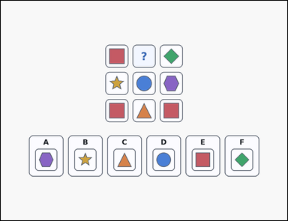 | 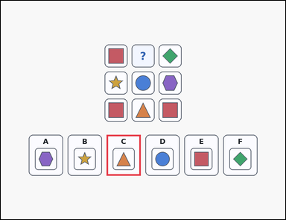 | task_puzzles_logic_adjacency_completion_label | king_non_touch | Work from the shape-logic puzzle shown in the image: a shape-logic puzzle grid with one question-mark cell and six labeled image options underneath. Determine which labeled option belongs in the question-mark cell while obeying the no-touch rule. Use the rule that matching symbols cannot touch, even diagonally. Which labeled option fits the question-mark cell? Answer with the option letter. Return a valid JSON object with keys "evidence" and "answer" in that order. Evidence: set "evidence" to an array containing exactly one bounding box [x1, y1, x2, y2] for the correct option panel. Answer: set "answer" to the exact option letter of the correct image option. Example JSON: {"evidence":[[118,621,262,793]],"answer":"A"} | Work from the shape-logic puzzle shown in the image: a shape-logic puzzle grid with one question-mark cell and six labeled image options underneath. Determine which labeled option belongs in the question-mark cell while obeying the no-touch rule. Use the rule that matching symbols cannot touch, even diagonally. Which labeled option fits the question-mark cell? Answer with the option letter. Return a valid JSON object with key "answer". Answer format: set "answer" to the exact option letter of the correct image option. Example JSON: {"answer":"A"} | {"evidence": [[446.0, 564.0, 590.0, 736.0]], "answer": "C"} | [[446.0, 564.0, 590.0, 736.0]] | option_letter | bbox_set | 226554359552351 | puzzles/task_puzzles_logic_adjacency_completion_label/images/default/0003.png | puzzles/task_puzzles_logic_adjacency_completion_label/data/default/0003.json
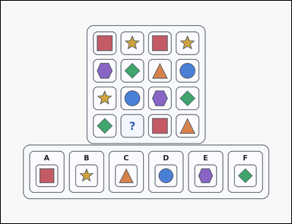 | 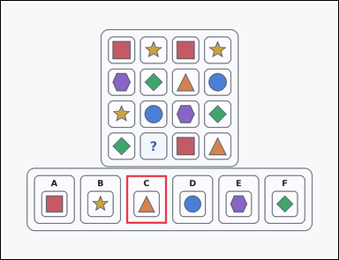 | task_puzzles_logic_adjacency_completion_label | king_non_touch | Look at the logic puzzle in the image: a card-style shape-logic puzzle grid with one question-mark cell and six labeled image options underneath. Determine which labeled option belongs in the question-mark cell while obeying the no-touch rule. Complete the puzzle so that no two identical symbols touch horizontally, vertically, or diagonally. Which option is correct? Answer with the option letter. Return a valid JSON object with keys "evidence" and "answer" in that order. Evidence format: set "evidence" to an array containing exactly one bounding box [x1, y1, x2, y2] for the correct option panel. Answer requirement: set "answer" to the exact option letter of the correct image option. Example JSON: {"evidence":[[118,621,262,793]],"answer":"A"} | Look at the logic puzzle in the image: a card-style shape-logic puzzle grid with one question-mark cell and six labeled image options underneath. Determine which labeled option belongs in the question-mark cell while obeying the no-touch rule. Complete the puzzle so that no two identical symbols touch horizontally, vertically, or diagonally. Which option is correct? Answer with the option letter. Return a valid JSON object with key "answer". Answer: set "answer" to the exact option letter of the correct image option. Example JSON: {"answer":"A"} | {"evidence": [[446.0, 621.0, 590.0, 793.0]], "answer": "C"} | [[446.0, 621.0, 590.0, 793.0]] | option_letter | bbox_set | 875106566173267 | puzzles/task_puzzles_logic_adjacency_completion_label/images/default/0008.png | puzzles/task_puzzles_logic_adjacency_completion_label/data/default/0008.json
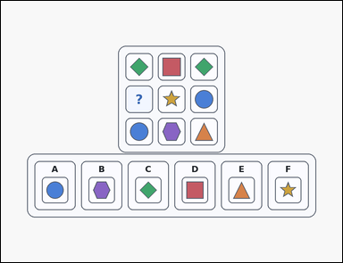 | 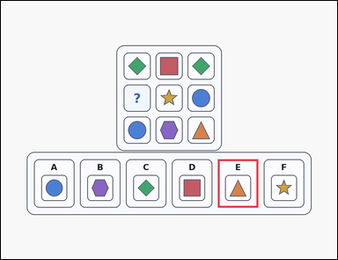 | task_puzzles_logic_adjacency_completion_label | king_non_touch | Work from the shape-logic puzzle shown in the image: a card-style shape-logic puzzle grid with one question-mark cell and six labeled image options underneath. Find the labeled option that should replace the question mark without breaking the touch rule. Which option correctly fills the question-mark cell if identical symbols are forbidden from touching by edge or by corner? Answer with the option letter. Return a valid JSON object with keys "evidence" and "answer" in that order. Evidence field: set "evidence" to an array containing exactly one bounding box [x1, y1, x2, y2] for the correct option panel. Answer field: set "answer" to the exact option letter of the correct image option. Example JSON: {"evidence":[[118,621,262,793]],"answer":"A"} | Work from the shape-logic puzzle shown in the image: a card-style shape-logic puzzle grid with one question-mark cell and six labeled image options underneath. Find the labeled option that should replace the question mark without breaking the touch rule. Which option correctly fills the question-mark cell if identical symbols are forbidden from touching by edge or by corner? Answer with the option letter. Return a valid JSON object with key "answer". Answer: set "answer" to the exact option letter of the correct image option. Example JSON: {"answer":"A"} | {"evidence": [[774.0, 564.0, 918.0, 736.0]], "answer": "E"} | [[774.0, 564.0, 918.0, 736.0]] | option_letter | bbox_set | 1.0465447489E+15 | puzzles/task_puzzles_logic_adjacency_completion_label/images/default/0019.png | puzzles/task_puzzles_logic_adjacency_completion_label/data/default/0019.json
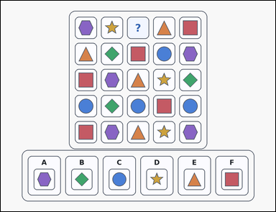 | 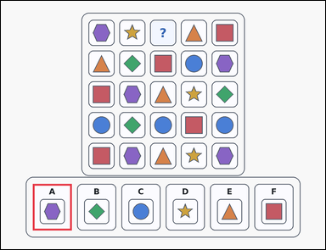 | task_puzzles_logic_adjacency_completion_label | king_non_touch | Use the puzzle grid and labeled image options in the image: an outline-style shape-logic puzzle grid with one question-mark cell and six labeled image options underneath. Work from the puzzle grid and choose the option that satisfies the no-touch rule. Complete the puzzle so that no two identical symbols touch horizontally, vertically, or diagonally. Which option is correct? Answer with the option letter. Return a valid JSON object with keys "evidence" and "answer" in that order. Evidence format: set "evidence" to an array containing exactly one bounding box [x1, y1, x2, y2] for the correct option panel. Answer requirement: set "answer" to the exact option letter of the correct image option. Example JSON: {"evidence":[[118,621,262,793]],"answer":"A"} | Use the puzzle grid and labeled image options in the image: an outline-style shape-logic puzzle grid with one question-mark cell and six labeled image options underneath. Work from the puzzle grid and choose the option that satisfies the no-touch rule. Complete the puzzle so that no two identical symbols touch horizontally, vertically, or diagonally. Which option is correct? Answer with the option letter. Return a valid JSON object with key "answer". Answer requirement: set "answer" to the exact option letter of the correct image option. Example JSON: {"answer":"A"} | {"evidence": [[118.0, 678.0, 262.0, 850.0]], "answer": "A"} | [[118.0, 678.0, 262.0, 850.0]] | option_letter | bbox_set | 1.149252391E+15 | puzzles/task_puzzles_logic_adjacency_completion_label/images/default/0007.png | puzzles/task_puzzles_logic_adjacency_completion_label/data/default/0007.json
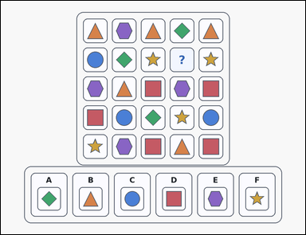 | 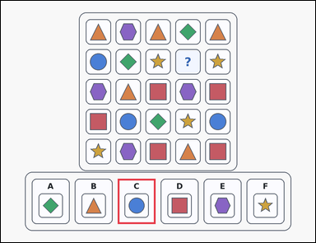 | task_puzzles_logic_adjacency_completion_label | king_non_touch | You are given an outline-style shape-logic puzzle grid with one question-mark cell and six labeled image options underneath. Choose the option that correctly completes the puzzle grid under the stated touch rule. Identical symbols may not touch edge-to-edge or corner-to-corner. Which option correctly completes the question-mark cell? Answer with the option letter. Return a valid JSON object with keys "evidence" and "answer" in that order. Evidence rule: set "evidence" to an array containing exactly one bounding box [x1, y1, x2, y2] for the correct option panel. Answer rule: set "answer" to the exact option letter of the correct image option. Example JSON: {"evidence":[[118,621,262,793]],"answer":"A"} | You are given an outline-style shape-logic puzzle grid with one question-mark cell and six labeled image options underneath. Choose the option that correctly completes the puzzle grid under the stated touch rule. Identical symbols may not touch edge-to-edge or corner-to-corner. Which option correctly completes the question-mark cell? Answer with the option letter. Return a valid JSON object with key "answer". Answer field: set "answer" to the exact option letter of the correct image option. Example JSON: {"answer":"A"} | {"evidence": [[446.0, 678.0, 590.0, 850.0]], "answer": "C"} | [[446.0, 678.0, 590.0, 850.0]] | option_letter | bbox_set | 1.715597106E+15 | puzzles/task_puzzles_logic_adjacency_completion_label/images/default/0011.png | puzzles/task_puzzles_logic_adjacency_completion_label/data/default/0011.json
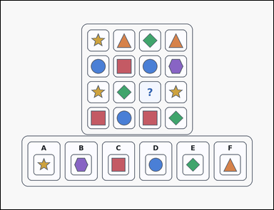 | 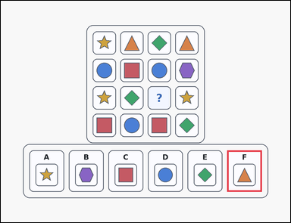 | task_puzzles_logic_adjacency_completion_label | king_non_touch | Use the puzzle grid and labeled image options in the image: an outline-style shape-logic puzzle grid with one question-mark cell and six labeled image options underneath. Work from the puzzle grid and choose the option that satisfies the no-touch rule. Which option correctly fills the question-mark cell if identical symbols are forbidden from touching by edge or by corner? Answer with the option letter. Return a valid JSON object with keys "evidence" and "answer" in that order. Evidence format: set "evidence" to an array containing exactly one bounding box [x1, y1, x2, y2] for the correct option panel. Answer requirement: set "answer" to the exact option letter of the correct image option. Example JSON: {"evidence":[[118,621,262,793]],"answer":"A"} | Use the puzzle grid and labeled image options in the image: an outline-style shape-logic puzzle grid with one question-mark cell and six labeled image options underneath. Work from the puzzle grid and choose the option that satisfies the no-touch rule. Which option correctly fills the question-mark cell if identical symbols are forbidden from touching by edge or by corner? Answer with the option letter. Return a valid JSON object with key "answer". Answer: set "answer" to the exact option letter of the correct image option. Example JSON: {"answer":"A"} | {"evidence": [[938.0, 621.0, 1082.0, 793.0]], "answer": "F"} | [[938.0, 621.0, 1082.0, 793.0]] | option_letter | bbox_set | 1.9325837829E+15 | puzzles/task_puzzles_logic_adjacency_completion_label/images/default/0002.png | puzzles/task_puzzles_logic_adjacency_completion_label/data/default/0002.json
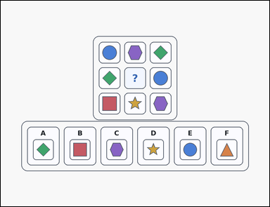 | 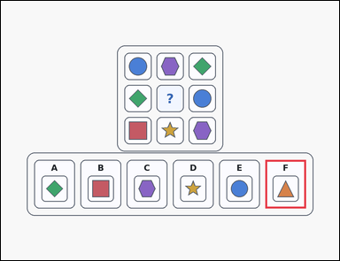 | task_puzzles_logic_adjacency_completion_label | king_non_touch | Look at the logic puzzle in the image: an outline-style shape-logic puzzle grid with one question-mark cell and six labeled image options underneath. Work from the puzzle grid and choose the option that satisfies the no-touch rule. Which option correctly fills the question-mark cell if identical symbols are forbidden from touching by edge or by corner? Answer with the option letter. Return a valid JSON object with keys "evidence" and "answer" in that order. Evidence: set "evidence" to an array containing exactly one bounding box [x1, y1, x2, y2] for the correct option panel. Answer: set "answer" to the exact option letter of the correct image option. Example JSON: {"evidence":[[118,621,262,793]],"answer":"A"} | Look at the logic puzzle in the image: an outline-style shape-logic puzzle grid with one question-mark cell and six labeled image options underneath. Work from the puzzle grid and choose the option that satisfies the no-touch rule. Which option correctly fills the question-mark cell if identical symbols are forbidden from touching by edge or by corner? Answer with the option letter. Return a valid JSON object with key "answer". Answer requirement: set "answer" to the exact option letter of the correct image option. Example JSON: {"answer":"A"} | {"evidence": [[938.0, 564.0, 1082.0, 736.0]], "answer": "F"} | [[938.0, 564.0, 1082.0, 736.0]] | option_letter | bbox_set | 1.9925936436E+15 | puzzles/task_puzzles_logic_adjacency_completion_label/images/default/0017.png | puzzles/task_puzzles_logic_adjacency_completion_label/data/default/0017.json
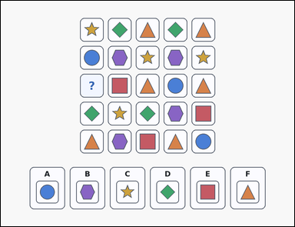 | 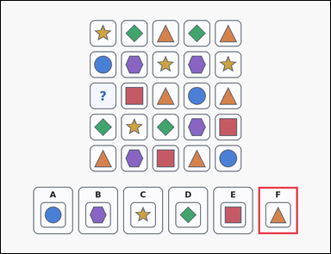 | task_puzzles_logic_adjacency_completion_label | king_non_touch | You are given a shape-logic puzzle grid with one question-mark cell and six labeled image options underneath. Use the adjacency rule to identify the correct image option. Use the rule that matching symbols cannot touch, even diagonally. Which labeled option fits the question-mark cell? Answer with the option letter. Return a valid JSON object with keys "evidence" and "answer" in that order. Evidence: set "evidence" to an array containing exactly one bounding box [x1, y1, x2, y2] for the correct option panel. Answer: set "answer" to the exact option letter of the correct image option. Example JSON: {"evidence":[[118,621,262,793]],"answer":"A"} | You are given a shape-logic puzzle grid with one question-mark cell and six labeled image options underneath. Use the adjacency rule to identify the correct image option. Use the rule that matching symbols cannot touch, even diagonally. Which labeled option fits the question-mark cell? Answer with the option letter. Return a valid JSON object with key "answer". Answer rule: set "answer" to the exact option letter of the correct image option. Example JSON: {"answer":"A"} | {"evidence": [[938.0, 678.0, 1082.0, 850.0]], "answer": "F"} | [[938.0, 678.0, 1082.0, 850.0]] | option_letter | bbox_set | 2.1647460375E+15 | puzzles/task_puzzles_logic_adjacency_completion_label/images/default/0021.png | puzzles/task_puzzles_logic_adjacency_completion_label/data/default/0021.json
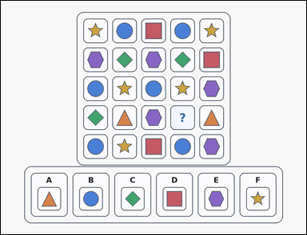 | 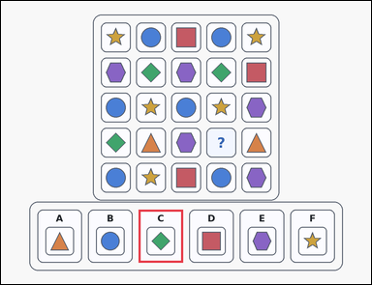 | task_puzzles_logic_adjacency_completion_label | king_non_touch | Use the puzzle grid and labeled image options in the image: an outline-style shape-logic puzzle grid with one question-mark cell and six labeled image options underneath. Use the adjacency rule to identify the correct image option. Complete the puzzle so that no two identical symbols touch horizontally, vertically, or diagonally. Which option is correct? Answer with the option letter. Return a valid JSON object with keys "evidence" and "answer" in that order. Evidence rule: set "evidence" to an array containing exactly one bounding box [x1, y1, x2, y2] for the correct option panel. Answer rule: set "answer" to the exact option letter of the correct image option. Example JSON: {"evidence":[[118,621,262,793]],"answer":"A"} | Use the puzzle grid and labeled image options in the image: an outline-style shape-logic puzzle grid with one question-mark cell and six labeled image options underneath. Use the adjacency rule to identify the correct image option. Complete the puzzle so that no two identical symbols touch horizontally, vertically, or diagonally. Which option is correct? Answer with the option letter. Return a valid JSON object with key "answer". Answer field: set "answer" to the exact option letter of the correct image option. Example JSON: {"answer":"A"} | {"evidence": [[446.0, 678.0, 590.0, 850.0]], "answer": "C"} | [[446.0, 678.0, 590.0, 850.0]] | option_letter | bbox_set | 2.7459452916E+15 | puzzles/task_puzzles_logic_adjacency_completion_label/images/default/0023.png | puzzles/task_puzzles_logic_adjacency_completion_label/data/default/0023.json
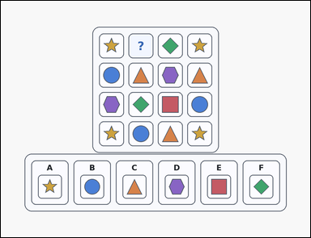 | 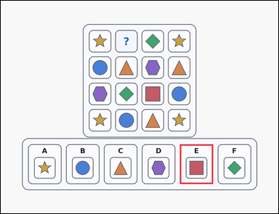 | task_puzzles_logic_adjacency_completion_label | king_non_touch | The image shows a card-style shape-logic puzzle grid with one question-mark cell and six labeled image options underneath. Use the adjacency rule to identify the correct image option. Complete the puzzle so that no two identical symbols touch horizontally, vertically, or diagonally. Which option is correct? Answer with the option letter. Return a valid JSON object with keys "evidence" and "answer" in that order. Evidence: set "evidence" to an array containing exactly one bounding box [x1, y1, x2, y2] for the correct option panel. Answer: set "answer" to the exact option letter of the correct image option. Example JSON: {"evidence":[[118,621,262,793]],"answer":"A"} | The image shows a card-style shape-logic puzzle grid with one question-mark cell and six labeled image options underneath. Use the adjacency rule to identify the correct image option. Complete the puzzle so that no two identical symbols touch horizontally, vertically, or diagonally. Which option is correct? Answer with the option letter. Return a valid JSON object with key "answer". Answer requirement: set "answer" to the exact option letter of the correct image option. Example JSON: {"answer":"A"} | {"evidence": [[774.0, 621.0, 918.0, 793.0]], "answer": "E"} | [[774.0, 621.0, 918.0, 793.0]] | option_letter | bbox_set | 3.3631624986E+15 | puzzles/task_puzzles_logic_adjacency_completion_label/images/default/0009.png | puzzles/task_puzzles_logic_adjacency_completion_label/data/default/0009.json
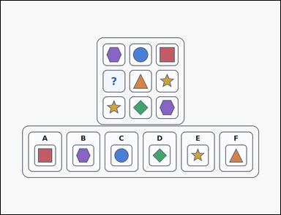 | 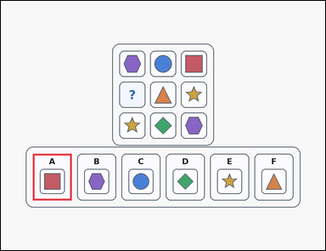 | task_puzzles_logic_adjacency_completion_label | king_non_touch | The image shows an outline-style shape-logic puzzle grid with one question-mark cell and six labeled image options underneath. Work from the puzzle grid and choose the option that satisfies the no-touch rule. Complete the puzzle so that no two identical symbols touch horizontally, vertically, or diagonally. Which option is correct? Answer with the option letter. Return a valid JSON object with keys "evidence" and "answer" in that order. Evidence format: set "evidence" to an array containing exactly one bounding box [x1, y1, x2, y2] for the correct option panel. Answer requirement: set "answer" to the exact option letter of the correct image option. Example JSON: {"evidence":[[118,621,262,793]],"answer":"A"} | The image shows an outline-style shape-logic puzzle grid with one question-mark cell and six labeled image options underneath. Work from the puzzle grid and choose the option that satisfies the no-touch rule. Complete the puzzle so that no two identical symbols touch horizontally, vertically, or diagonally. Which option is correct? Answer with the option letter. Return a valid JSON object with key "answer". Answer field: set "answer" to the exact option letter of the correct image option. Example JSON: {"answer":"A"} | {"evidence": [[118.0, 564.0, 262.0, 736.0]], "answer": "A"} | [[118.0, 564.0, 262.0, 736.0]] | option_letter | bbox_set | 5.1522110844E+15 | puzzles/task_puzzles_logic_adjacency_completion_label/images/default/0018.png | puzzles/task_puzzles_logic_adjacency_completion_label/data/default/0018.json
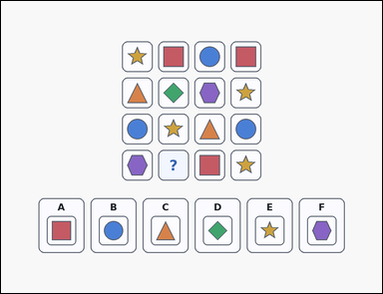 | 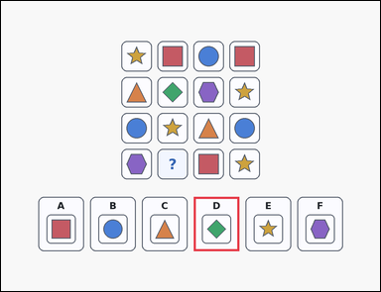 | task_puzzles_logic_adjacency_completion_label | king_non_touch | Look at the logic puzzle in the image: a shape-logic puzzle grid with one question-mark cell and six labeled image options underneath. Work from the puzzle grid and choose the option that satisfies the no-touch rule. Identical symbols may not touch edge-to-edge or corner-to-corner. Which option correctly completes the question-mark cell? Answer with the option letter. Return a valid JSON object with keys "evidence" and "answer" in that order. Evidence requirement: set "evidence" to an array containing exactly one bounding box [x1, y1, x2, y2] for the correct option panel. Answer format: set "answer" to the exact option letter of the correct image option. Example JSON: {"evidence":[[118,621,262,793]],"answer":"A"} | Look at the logic puzzle in the image: a shape-logic puzzle grid with one question-mark cell and six labeled image options underneath. Work from the puzzle grid and choose the option that satisfies the no-touch rule. Identical symbols may not touch edge-to-edge or corner-to-corner. Which option correctly completes the question-mark cell? Answer with the option letter. Return a valid JSON object with key "answer". Answer field: set "answer" to the exact option letter of the correct image option. Example JSON: {"answer":"A"} | {"evidence": [[610.0, 621.0, 754.0, 793.0]], "answer": "D"} | [[610.0, 621.0, 754.0, 793.0]] | option_letter | bbox_set | 5.6777132136E+15 | puzzles/task_puzzles_logic_adjacency_completion_label/images/default/0013.png | puzzles/task_puzzles_logic_adjacency_completion_label/data/default/0013.json
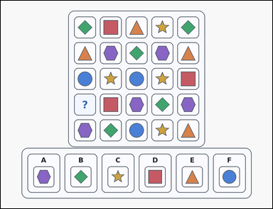 | 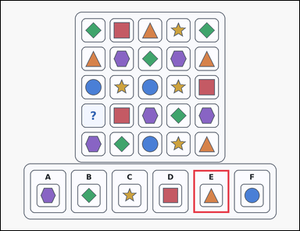 | task_puzzles_logic_adjacency_completion_label | king_non_touch | The image shows a card-style shape-logic puzzle grid with one question-mark cell and six labeled image options underneath. Work from the puzzle grid and choose the option that satisfies the no-touch rule. Which option correctly fills the question-mark cell if identical symbols are forbidden from touching by edge or by corner? Answer with the option letter. Return a valid JSON object with keys "evidence" and "answer" in that order. Evidence rule: set "evidence" to an array containing exactly one bounding box [x1, y1, x2, y2] for the correct option panel. Answer rule: set "answer" to the exact option letter of the correct image option. Example JSON: {"evidence":[[118,621,262,793]],"answer":"A"} | The image shows a card-style shape-logic puzzle grid with one question-mark cell and six labeled image options underneath. Work from the puzzle grid and choose the option that satisfies the no-touch rule. Which option correctly fills the question-mark cell if identical symbols are forbidden from touching by edge or by corner? Answer with the option letter. Return a valid JSON object with key "answer". Answer: set "answer" to the exact option letter of the correct image option. Example JSON: {"answer":"A"} | {"evidence": [[774.0, 678.0, 918.0, 850.0]], "answer": "E"} | [[774.0, 678.0, 918.0, 850.0]] | option_letter | bbox_set | 5.9978144266E+15 | puzzles/task_puzzles_logic_adjacency_completion_label/images/default/0015.png | puzzles/task_puzzles_logic_adjacency_completion_label/data/default/0015.json
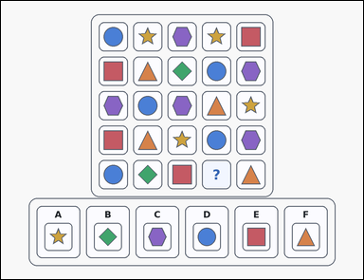 | 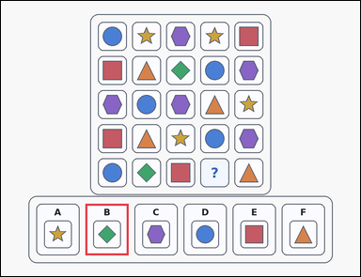 | task_puzzles_logic_adjacency_completion_label | king_non_touch | Work from the shape-logic puzzle shown in the image: an outline-style shape-logic puzzle grid with one question-mark cell and six labeled image options underneath. Work from the puzzle grid and choose the option that satisfies the no-touch rule. Use the rule that matching symbols cannot touch, even diagonally. Which labeled option fits the question-mark cell? Answer with the option letter. Return a valid JSON object with keys "evidence" and "answer" in that order. Evidence format: set "evidence" to an array containing exactly one bounding box [x1, y1, x2, y2] for the correct option panel. Answer requirement: set "answer" to the exact option letter of the correct image option. Example JSON: {"evidence":[[118,621,262,793]],"answer":"A"} | Work from the shape-logic puzzle shown in the image: an outline-style shape-logic puzzle grid with one question-mark cell and six labeled image options underneath. Work from the puzzle grid and choose the option that satisfies the no-touch rule. Use the rule that matching symbols cannot touch, even diagonally. Which labeled option fits the question-mark cell? Answer with the option letter. Return a valid JSON object with key "answer". Answer rule: set "answer" to the exact option letter of the correct image option. Example JSON: {"answer":"A"} | {"evidence": [[282.0, 678.0, 426.0, 850.0]], "answer": "B"} | [[282.0, 678.0, 426.0, 850.0]] | option_letter | bbox_set | 6.117632018E+15 | puzzles/task_puzzles_logic_adjacency_completion_label/images/default/0006.png | puzzles/task_puzzles_logic_adjacency_completion_label/data/default/0006.json
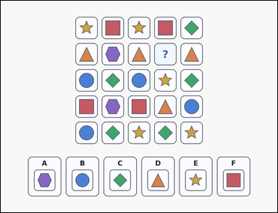 | 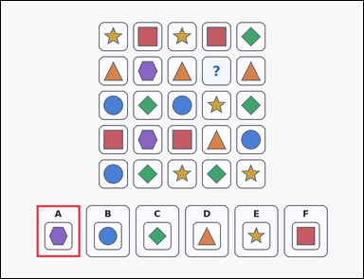 | task_puzzles_logic_adjacency_completion_label | king_non_touch | The image shows a shape-logic puzzle grid with one question-mark cell and six labeled image options underneath. Use the adjacency rule to identify the correct image option. Which option correctly fills the question-mark cell if identical symbols are forbidden from touching by edge or by corner? Answer with the option letter. Return a valid JSON object with keys "evidence" and "answer" in that order. Evidence requirement: set "evidence" to an array containing exactly one bounding box [x1, y1, x2, y2] for the correct option panel. Answer format: set "answer" to the exact option letter of the correct image option. Example JSON: {"evidence":[[118,621,262,793]],"answer":"A"} | The image shows a shape-logic puzzle grid with one question-mark cell and six labeled image options underneath. Use the adjacency rule to identify the correct image option. Which option correctly fills the question-mark cell if identical symbols are forbidden from touching by edge or by corner? Answer with the option letter. Return a valid JSON object with key "answer". Answer: set "answer" to the exact option letter of the correct image option. Example JSON: {"answer":"A"} | {"evidence": [[118.0, 678.0, 262.0, 850.0]], "answer": "A"} | [[118.0, 678.0, 262.0, 850.0]] | option_letter | bbox_set | 6.1890263079E+15 | puzzles/task_puzzles_logic_adjacency_completion_label/images/default/0005.png | puzzles/task_puzzles_logic_adjacency_completion_label/data/default/0005.json
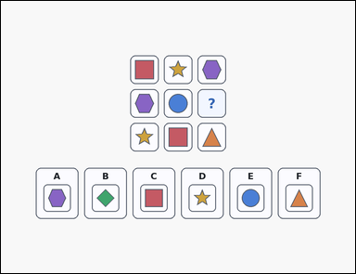 | 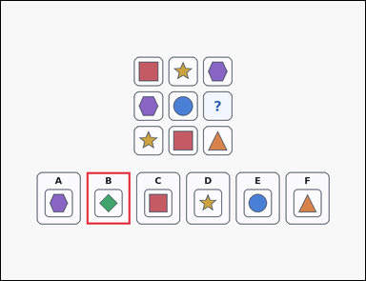 | task_puzzles_logic_adjacency_completion_label | king_non_touch | The image shows a shape-logic puzzle grid with one question-mark cell and six labeled image options underneath. Work from the puzzle grid and choose the option that satisfies the no-touch rule. Use the rule that matching symbols cannot touch, even diagonally. Which labeled option fits the question-mark cell? Answer with the option letter. Return a valid JSON object with keys "evidence" and "answer" in that order. Evidence format: set "evidence" to an array containing exactly one bounding box [x1, y1, x2, y2] for the correct option panel. Answer requirement: set "answer" to the exact option letter of the correct image option. Example JSON: {"evidence":[[118,621,262,793]],"answer":"A"} | The image shows a shape-logic puzzle grid with one question-mark cell and six labeled image options underneath. Work from the puzzle grid and choose the option that satisfies the no-touch rule. Use the rule that matching symbols cannot touch, even diagonally. Which labeled option fits the question-mark cell? Answer with the option letter. Return a valid JSON object with key "answer". Answer: set "answer" to the exact option letter of the correct image option. Example JSON: {"answer":"A"} | {"evidence": [[282.0, 564.0, 426.0, 736.0]], "answer": "B"} | [[282.0, 564.0, 426.0, 736.0]] | option_letter | bbox_set | 7.2274936938E+15 | puzzles/task_puzzles_logic_adjacency_completion_label/images/default/0024.png | puzzles/task_puzzles_logic_adjacency_completion_label/data/default/0024.json
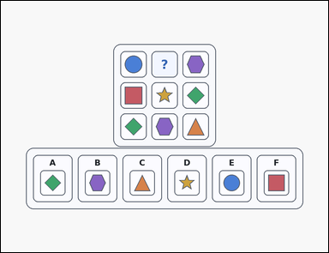 | 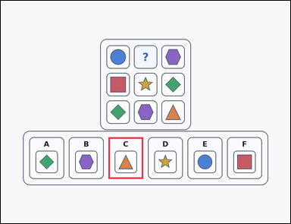 | task_puzzles_logic_adjacency_completion_label | king_non_touch | Work from the shape-logic puzzle shown in the image: a card-style shape-logic puzzle grid with one question-mark cell and six labeled image options underneath. Choose the option that correctly completes the puzzle grid under the stated touch rule. Every identical-symbol pair must stay separated by at least one cell in every direction. Which option belongs in the missing cell? Answer with the option letter. Return a valid JSON object with keys "evidence" and "answer" in that order. Evidence rule: set "evidence" to an array containing exactly one bounding box [x1, y1, x2, y2] for the correct option panel. Answer rule: set "answer" to the exact option letter of the correct image option. Example JSON: {"evidence":[[118,621,262,793]],"answer":"A"} | Work from the shape-logic puzzle shown in the image: a card-style shape-logic puzzle grid with one question-mark cell and six labeled image options underneath. Choose the option that correctly completes the puzzle grid under the stated touch rule. Every identical-symbol pair must stay separated by at least one cell in every direction. Which option belongs in the missing cell? Answer with the option letter. Return a valid JSON object with key "answer". Answer format: set "answer" to the exact option letter of the correct image option. Example JSON: {"answer":"A"} | {"evidence": [[446.0, 564.0, 590.0, 736.0]], "answer": "C"} | [[446.0, 564.0, 590.0, 736.0]] | option_letter | bbox_set | 7.343301909E+15 | puzzles/task_puzzles_logic_adjacency_completion_label/images/default/0020.png | puzzles/task_puzzles_logic_adjacency_completion_label/data/default/0020.json
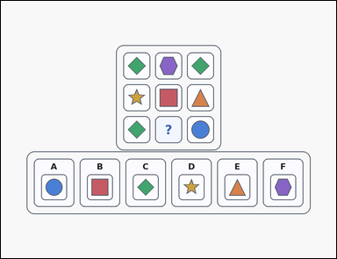 | 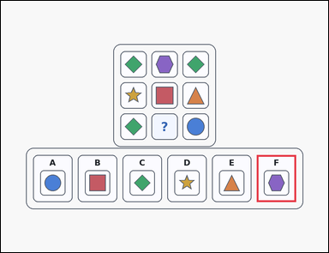 | task_puzzles_logic_adjacency_completion_label | king_non_touch | The image shows an outline-style shape-logic puzzle grid with one question-mark cell and six labeled image options underneath. Choose the option that correctly completes the puzzle grid under the stated touch rule. Identical symbols may not touch edge-to-edge or corner-to-corner. Which option correctly completes the question-mark cell? Answer with the option letter. Return a valid JSON object with keys "evidence" and "answer" in that order. Evidence format: set "evidence" to an array containing exactly one bounding box [x1, y1, x2, y2] for the correct option panel. Answer requirement: set "answer" to the exact option letter of the correct image option. Example JSON: {"evidence":[[118,621,262,793]],"answer":"A"} | The image shows an outline-style shape-logic puzzle grid with one question-mark cell and six labeled image options underneath. Choose the option that correctly completes the puzzle grid under the stated touch rule. Identical symbols may not touch edge-to-edge or corner-to-corner. Which option correctly completes the question-mark cell? Answer with the option letter. Return a valid JSON object with key "answer". Answer rule: set "answer" to the exact option letter of the correct image option. Example JSON: {"answer":"A"} | {"evidence": [[938.0, 564.0, 1082.0, 736.0]], "answer": "F"} | [[938.0, 564.0, 1082.0, 736.0]] | option_letter | bbox_set | 7.419088552E+15 | puzzles/task_puzzles_logic_adjacency_completion_label/images/default/0000.png | puzzles/task_puzzles_logic_adjacency_completion_label/data/default/0000.json
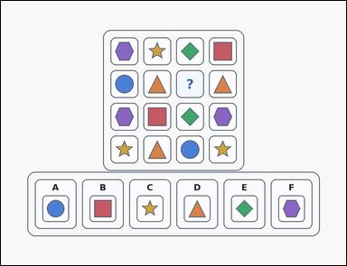 | 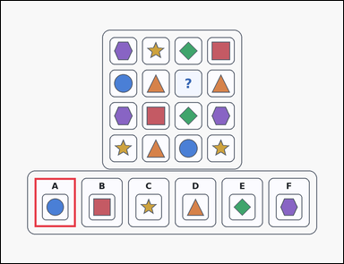 | task_puzzles_logic_adjacency_completion_label | king_non_touch | You are given an outline-style shape-logic puzzle grid with one question-mark cell and six labeled image options underneath. Choose the option that correctly completes the puzzle grid under the stated touch rule. Complete the puzzle so that no two identical symbols touch horizontally, vertically, or diagonally. Which option is correct? Answer with the option letter. Return a valid JSON object with keys "evidence" and "answer" in that order. Evidence requirement: set "evidence" to an array containing exactly one bounding box [x1, y1, x2, y2] for the correct option panel. Answer format: set "answer" to the exact option letter of the correct image option. Example JSON: {"evidence":[[118,621,262,793]],"answer":"A"} | You are given an outline-style shape-logic puzzle grid with one question-mark cell and six labeled image options underneath. Choose the option that correctly completes the puzzle grid under the stated touch rule. Complete the puzzle so that no two identical symbols touch horizontally, vertically, or diagonally. Which option is correct? Answer with the option letter. Return a valid JSON object with key "answer". Answer requirement: set "answer" to the exact option letter of the correct image option. Example JSON: {"answer":"A"} | {"evidence": [[118.0, 621.0, 262.0, 793.0]], "answer": "A"} | [[118.0, 621.0, 262.0, 793.0]] | option_letter | bbox_set | 7.5556095058E+15 | puzzles/task_puzzles_logic_adjacency_completion_label/images/default/0001.png | puzzles/task_puzzles_logic_adjacency_completion_label/data/default/0001.json
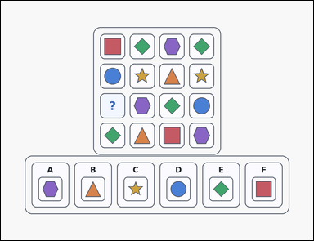 | 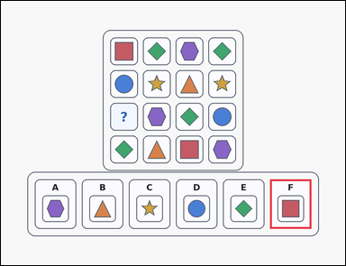 | task_puzzles_logic_adjacency_completion_label | king_non_touch | Use the puzzle grid and labeled image options in the image: an outline-style shape-logic puzzle grid with one question-mark cell and six labeled image options underneath. Find the labeled option that should replace the question mark without breaking the touch rule. Identical symbols may not touch edge-to-edge or corner-to-corner. Which option correctly completes the question-mark cell? Answer with the option letter. Return a valid JSON object with keys "evidence" and "answer" in that order. Evidence format: set "evidence" to an array containing exactly one bounding box [x1, y1, x2, y2] for the correct option panel. Answer requirement: set "answer" to the exact option letter of the correct image option. Example JSON: {"evidence":[[118,621,262,793]],"answer":"A"} | Use the puzzle grid and labeled image options in the image: an outline-style shape-logic puzzle grid with one question-mark cell and six labeled image options underneath. Find the labeled option that should replace the question mark without breaking the touch rule. Identical symbols may not touch edge-to-edge or corner-to-corner. Which option correctly completes the question-mark cell? Answer with the option letter. Return a valid JSON object with key "answer". Answer format: set "answer" to the exact option letter of the correct image option. Example JSON: {"answer":"A"} | {"evidence": [[938.0, 621.0, 1082.0, 793.0]], "answer": "F"} | [[938.0, 621.0, 1082.0, 793.0]] | option_letter | bbox_set | 7.5936914487E+15 | puzzles/task_puzzles_logic_adjacency_completion_label/images/default/0016.png | puzzles/task_puzzles_logic_adjacency_completion_label/data/default/0016.json
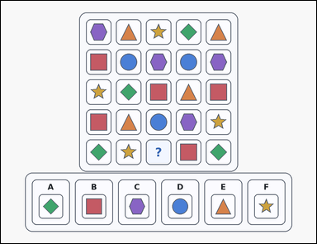 | 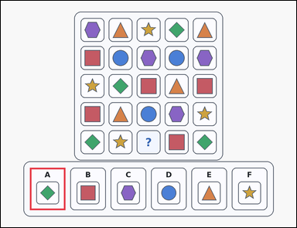 | task_puzzles_logic_adjacency_completion_label | king_non_touch | Look at the logic puzzle in the image: a card-style shape-logic puzzle grid with one question-mark cell and six labeled image options underneath. Use the adjacency rule to identify the correct image option. Identical symbols may not touch edge-to-edge or corner-to-corner. Which option correctly completes the question-mark cell? Answer with the option letter. Return a valid JSON object with keys "evidence" and "answer" in that order. Evidence rule: set "evidence" to an array containing exactly one bounding box [x1, y1, x2, y2] for the correct option panel. Answer rule: set "answer" to the exact option letter of the correct image option. Example JSON: {"evidence":[[118,621,262,793]],"answer":"A"} | Look at the logic puzzle in the image: a card-style shape-logic puzzle grid with one question-mark cell and six labeled image options underneath. Use the adjacency rule to identify the correct image option. Identical symbols may not touch edge-to-edge or corner-to-corner. Which option correctly completes the question-mark cell? Answer with the option letter. Return a valid JSON object with key "answer". Answer: set "answer" to the exact option letter of the correct image option. Example JSON: {"answer":"A"} | {"evidence": [[118.0, 678.0, 262.0, 850.0]], "answer": "A"} | [[118.0, 678.0, 262.0, 850.0]] | option_letter | bbox_set | 7.6149042596E+15 | puzzles/task_puzzles_logic_adjacency_completion_label/images/default/0010.png | puzzles/task_puzzles_logic_adjacency_completion_label/data/default/0010.json
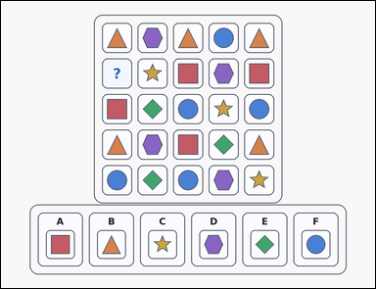 | 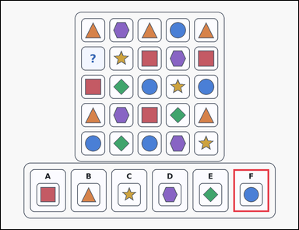 | task_puzzles_logic_adjacency_completion_label | king_non_touch | You are given an outline-style shape-logic puzzle grid with one question-mark cell and six labeled image options underneath. Work from the puzzle grid and choose the option that satisfies the no-touch rule. Every identical-symbol pair must stay separated by at least one cell in every direction. Which option belongs in the missing cell? Answer with the option letter. Return a valid JSON object with keys "evidence" and "answer" in that order. Evidence requirement: set "evidence" to an array containing exactly one bounding box [x1, y1, x2, y2] for the correct option panel. Answer format: set "answer" to the exact option letter of the correct image option. Example JSON: {"evidence":[[118,621,262,793]],"answer":"A"} | You are given an outline-style shape-logic puzzle grid with one question-mark cell and six labeled image options underneath. Work from the puzzle grid and choose the option that satisfies the no-touch rule. Every identical-symbol pair must stay separated by at least one cell in every direction. Which option belongs in the missing cell? Answer with the option letter. Return a valid JSON object with key "answer". Answer requirement: set "answer" to the exact option letter of the correct image option. Example JSON: {"answer":"A"} | {"evidence": [[938.0, 678.0, 1082.0, 850.0]], "answer": "F"} | [[938.0, 678.0, 1082.0, 850.0]] | option_letter | bbox_set | 8.2530657318E+15 | puzzles/task_puzzles_logic_adjacency_completion_label/images/default/0004.png | puzzles/task_puzzles_logic_adjacency_completion_label/data/default/0004.json
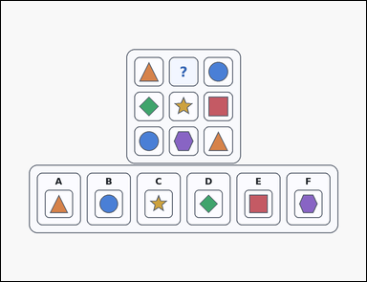 | 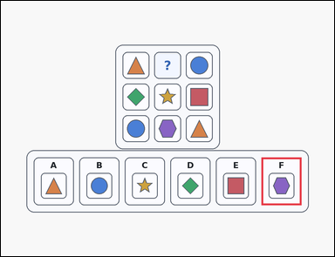 | task_puzzles_logic_adjacency_completion_label | king_non_touch | The image shows a card-style shape-logic puzzle grid with one question-mark cell and six labeled image options underneath. Choose the option that correctly completes the puzzle grid under the stated touch rule. Which option correctly fills the question-mark cell if identical symbols are forbidden from touching by edge or by corner? Answer with the option letter. Return a valid JSON object with keys "evidence" and "answer" in that order. Evidence format: set "evidence" to an array containing exactly one bounding box [x1, y1, x2, y2] for the correct option panel. Answer requirement: set "answer" to the exact option letter of the correct image option. Example JSON: {"evidence":[[118,621,262,793]],"answer":"A"} | The image shows a card-style shape-logic puzzle grid with one question-mark cell and six labeled image options underneath. Choose the option that correctly completes the puzzle grid under the stated touch rule. Which option correctly fills the question-mark cell if identical symbols are forbidden from touching by edge or by corner? Answer with the option letter. Return a valid JSON object with key "answer". Answer requirement: set "answer" to the exact option letter of the correct image option. Example JSON: {"answer":"A"} | {"evidence": [[938.0, 564.0, 1082.0, 736.0]], "answer": "F"} | [[938.0, 564.0, 1082.0, 736.0]] | option_letter | bbox_set | 8.2832809389E+15 | puzzles/task_puzzles_logic_adjacency_completion_label/images/default/0012.png | puzzles/task_puzzles_logic_adjacency_completion_label/data/default/0012.json
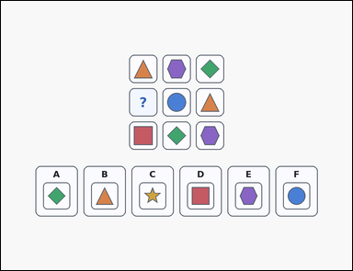 | 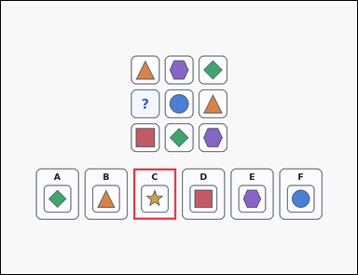 | task_puzzles_logic_adjacency_completion_label | king_non_touch | Look at the logic puzzle in the image: a shape-logic puzzle grid with one question-mark cell and six labeled image options underneath. Determine which labeled option belongs in the question-mark cell while obeying the no-touch rule. Use the rule that matching symbols cannot touch, even diagonally. Which labeled option fits the question-mark cell? Answer with the option letter. Return a valid JSON object with keys "evidence" and "answer" in that order. Evidence requirement: set "evidence" to an array containing exactly one bounding box [x1, y1, x2, y2] for the correct option panel. Answer format: set "answer" to the exact option letter of the correct image option. Example JSON: {"evidence":[[118,621,262,793]],"answer":"A"} | Look at the logic puzzle in the image: a shape-logic puzzle grid with one question-mark cell and six labeled image options underneath. Determine which labeled option belongs in the question-mark cell while obeying the no-touch rule. Use the rule that matching symbols cannot touch, even diagonally. Which labeled option fits the question-mark cell? Answer with the option letter. Return a valid JSON object with key "answer". Answer: set "answer" to the exact option letter of the correct image option. Example JSON: {"answer":"A"} | {"evidence": [[446.0, 564.0, 590.0, 736.0]], "answer": "C"} | [[446.0, 564.0, 590.0, 736.0]] | option_letter | bbox_set | 8.3593428881E+15 | puzzles/task_puzzles_logic_adjacency_completion_label/images/default/0022.png | puzzles/task_puzzles_logic_adjacency_completion_label/data/default/0022.json
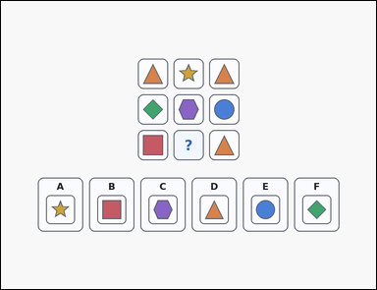 | 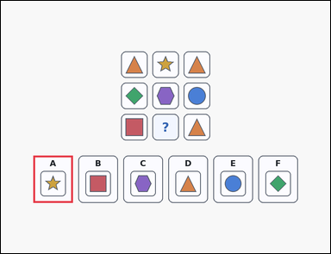 | task_puzzles_logic_adjacency_completion_label | king_non_touch | Look at the logic puzzle in the image: a shape-logic puzzle grid with one question-mark cell and six labeled image options underneath. Determine which labeled option belongs in the question-mark cell while obeying the no-touch rule. Use the rule that matching symbols cannot touch, even diagonally. Which labeled option fits the question-mark cell? Answer with the option letter. Return a valid JSON object with keys "evidence" and "answer" in that order. Evidence field: set "evidence" to an array containing exactly one bounding box [x1, y1, x2, y2] for the correct option panel. Answer field: set "answer" to the exact option letter of the correct image option. Example JSON: {"evidence":[[118,621,262,793]],"answer":"A"} | Look at the logic puzzle in the image: a shape-logic puzzle grid with one question-mark cell and six labeled image options underneath. Determine which labeled option belongs in the question-mark cell while obeying the no-touch rule. Use the rule that matching symbols cannot touch, even diagonally. Which labeled option fits the question-mark cell? Answer with the option letter. Return a valid JSON object with key "answer". Answer field: set "answer" to the exact option letter of the correct image option. Example JSON: {"answer":"A"} | {"evidence": [[118.0, 564.0, 262.0, 736.0]], "answer": "A"} | [[118.0, 564.0, 262.0, 736.0]] | option_letter | bbox_set | 8.3955980318E+15 | puzzles/task_puzzles_logic_adjacency_completion_label/images/default/0014.png | puzzles/task_puzzles_logic_adjacency_completion_label/data/default/0014.json

