matches_legend_bin
image | evidence_image | task | task_variant | prompt | prompt_answer_only | answer | answer_evidence | answer_type | evidence_type | instance_seed | image_path | data_path
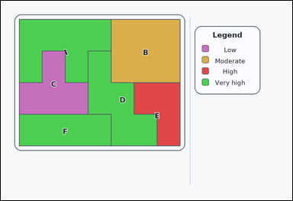 |  | task_maps_region_association_label | matches_legend_bin | The image shows a labeled thematic map with colored regions on the left and a category legend on the right. Determine the correct labeled region: Which labeled region is in the 'High' category on the legend? Respond with the correct region letter. Return a valid JSON object with keys "evidence" and "answer" in that order. Evidence rule: set "evidence" to an array containing exactly one bounding box [x1, y1, x2, y2] for the correct labeled region. Answer rule: set "answer" to the exact labeled region letter. Example JSON: {"evidence":[[438,180,674,420]],"answer":"F"} | The image shows a labeled thematic map with colored regions on the left and a category legend on the right. Determine the correct labeled region: Which labeled region is in the 'High' category on the legend? Respond with the correct region letter. Return a valid JSON object with key "answer". Answer format: set "answer" to the exact labeled region letter. Example JSON: {"answer":"F"} | {"evidence": [[548.857, 336.0, 738.0, 596.0]], "answer": "E"} | [[548.857, 336.0, 738.0, 596.0]] | option_letter | bbox_set | 3682041150525 | maps/task_maps_region_association_label/images/matches_legend_bin/0003.png | maps/task_maps_region_association_label/data/matches_legend_bin/0003.json
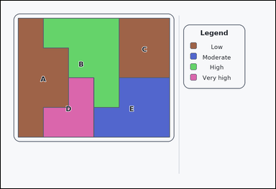 |  | task_maps_region_association_label | matches_legend_bin | Use the map on the left and the legend on the right: an outline-style labeled thematic map with colored regions on the left and a category legend on the right. Which labeled region is in the 'High' category on the legend? Respond with the correct region letter. Return a valid JSON object with keys "evidence" and "answer" in that order. Evidence field: set "evidence" to an array containing exactly one bounding box [x1, y1, x2, y2] for the correct labeled region. Answer field: set "answer" to the exact labeled region letter. Example JSON: {"evidence":[[438,180,674,420]],"answer":"F"} | Use the map on the left and the legend on the right: an outline-style labeled thematic map with colored regions on the left and a category legend on the right. Which labeled region is in the 'High' category on the legend? Respond with the correct region letter. Return a valid JSON object with key "answer". Answer requirement: set "answer" to the exact labeled region letter. Example JSON: {"answer":"F"} | {"evidence": [[186.333, 76.0, 517.333, 466.0]], "answer": "B"} | [[186.333, 76.0, 517.333, 466.0]] | option_letter | bbox_set | 151640230749385 | maps/task_maps_region_association_label/images/matches_legend_bin/0006.png | maps/task_maps_region_association_label/data/matches_legend_bin/0006.json
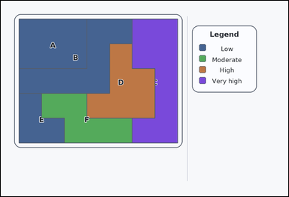 | 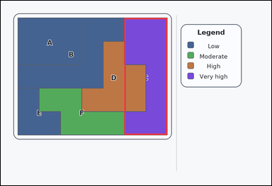 | task_maps_region_association_label | matches_legend_bin | Look at the thematic map in the image: a labeled thematic map with colored regions on the left and a category legend on the right. Determine the correct labeled region: Which labeled region is in the 'Very high' category on the legend? Give the exact region letter. Return a valid JSON object with keys "evidence" and "answer" in that order. Evidence: set "evidence" to an array containing exactly one bounding box [x1, y1, x2, y2] for the correct labeled region. Answer: set "answer" to the exact labeled region letter. Example JSON: {"evidence":[[438,180,674,420]],"answer":"F"} | Look at the thematic map in the image: a labeled thematic map with colored regions on the left and a category legend on the right. Determine the correct labeled region: Which labeled region is in the 'Very high' category on the legend? Give the exact region letter. Return a valid JSON object with key "answer". Answer rule: set "answer" to the exact labeled region letter. Example JSON: {"answer":"F"} | {"evidence": [[548.857, 76.0, 738.0, 596.0]], "answer": "C"} | [[548.857, 76.0, 738.0, 596.0]] | option_letter | bbox_set | 182046320257185 | maps/task_maps_region_association_label/images/matches_legend_bin/0018.png | maps/task_maps_region_association_label/data/matches_legend_bin/0018.json
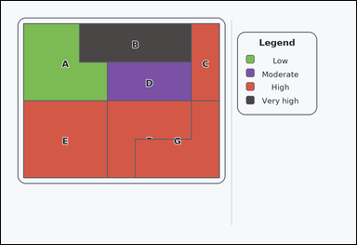 |  | task_maps_region_association_label | matches_legend_bin | The image shows an outline-style labeled thematic map with colored regions on the left and a category legend on the right. Using the legend, Which labeled region is in the 'Low' category on the legend? Answer with the region letter. Return a valid JSON object with keys "evidence" and "answer" in that order. Evidence rule: set "evidence" to an array containing exactly one bounding box [x1, y1, x2, y2] for the correct labeled region. Answer rule: set "answer" to the exact labeled region letter. Example JSON: {"evidence":[[438,180,674,420]],"answer":"F"} | The image shows an outline-style labeled thematic map with colored regions on the left and a category legend on the right. Using the legend, Which labeled region is in the 'Low' category on the legend? Answer with the region letter. Return a valid JSON object with key "answer". Answer rule: set "answer" to the exact labeled region letter. Example JSON: {"answer":"F"} | {"evidence": [[76.0, 76.0, 359.714, 336.0]], "answer": "A"} | [[76.0, 76.0, 359.714, 336.0]] | option_letter | bbox_set | 338930649288913 | maps/task_maps_region_association_label/images/matches_legend_bin/0009.png | maps/task_maps_region_association_label/data/matches_legend_bin/0009.json
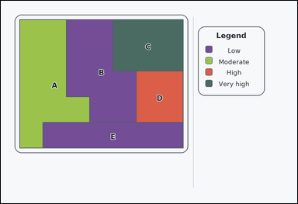 | 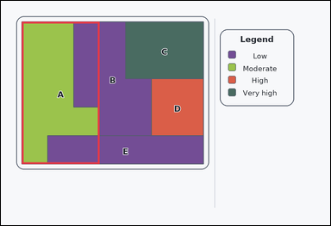 | task_maps_region_association_label | matches_legend_bin | You are given an outline-style labeled thematic map with colored regions on the left and a category legend on the right. Which labeled region is in the 'Moderate' category on the legend? Respond with the correct region letter. Return a valid JSON object with keys "evidence" and "answer" in that order. Evidence requirement: set "evidence" to an array containing exactly one bounding box [x1, y1, x2, y2] for the correct labeled region. Answer format: set "answer" to the exact labeled region letter. Example JSON: {"evidence":[[438,180,674,420]],"answer":"F"} | You are given an outline-style labeled thematic map with colored regions on the left and a category legend on the right. Which labeled region is in the 'Moderate' category on the legend? Respond with the correct region letter. Return a valid JSON object with key "answer". Answer format: set "answer" to the exact labeled region letter. Example JSON: {"answer":"F"} | {"evidence": [[76.0, 76.0, 359.714, 596.0]], "answer": "A"} | [[76.0, 76.0, 359.714, 596.0]] | option_letter | bbox_set | 510711228053120 | maps/task_maps_region_association_label/images/matches_legend_bin/0013.png | maps/task_maps_region_association_label/data/matches_legend_bin/0013.json
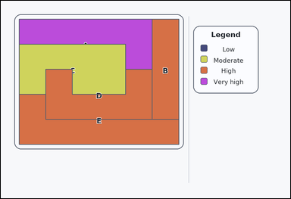 |  | task_maps_region_association_label | matches_legend_bin | Work from the labeled regions and the legend: a labeled thematic map with colored regions on the left and a category legend on the right. Using the legend, Which labeled region is in the 'Moderate' category on the legend? Respond with the correct region letter. Return a valid JSON object with keys "evidence" and "answer" in that order. Evidence rule: set "evidence" to an array containing exactly one bounding box [x1, y1, x2, y2] for the correct labeled region. Answer rule: set "answer" to the exact labeled region letter. Example JSON: {"evidence":[[438,180,674,420]],"answer":"F"} | Work from the labeled regions and the legend: a labeled thematic map with colored regions on the left and a category legend on the right. Using the legend, Which labeled region is in the 'Moderate' category on the legend? Respond with the correct region letter. Return a valid JSON object with key "answer". Answer rule: set "answer" to the exact labeled region letter. Example JSON: {"answer":"F"} | {"evidence": [[76.0, 180.0, 517.333, 388.0]], "answer": "C"} | [[76.0, 180.0, 517.333, 388.0]] | option_letter | bbox_set | 940124231201739 | maps/task_maps_region_association_label/images/matches_legend_bin/0011.png | maps/task_maps_region_association_label/data/matches_legend_bin/0011.json
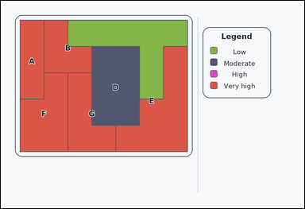 | 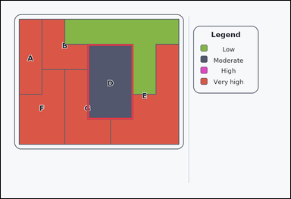 | task_maps_region_association_label | matches_legend_bin | Look at the thematic map in the image: an outline-style labeled thematic map with colored regions on the left and a category legend on the right. Based on the legend and the labeled regions, Which labeled region is in the 'Moderate' category on the legend? Give the exact region letter. Return a valid JSON object with keys "evidence" and "answer" in that order. Evidence: set "evidence" to an array containing exactly one bounding box [x1, y1, x2, y2] for the correct labeled region. Answer: set "answer" to the exact labeled region letter. Example JSON: {"evidence":[[438,180,674,420]],"answer":"F"} | Look at the thematic map in the image: an outline-style labeled thematic map with colored regions on the left and a category legend on the right. Based on the legend and the labeled regions, Which labeled region is in the 'Moderate' category on the legend? Give the exact region letter. Return a valid JSON object with key "answer". Answer format: set "answer" to the exact labeled region letter. Example JSON: {"answer":"F"} | {"evidence": [[359.714, 180.0, 548.857, 492.0]], "answer": "D"} | [[359.714, 180.0, 548.857, 492.0]] | option_letter | bbox_set | 1.0309625229E+15 | maps/task_maps_region_association_label/images/matches_legend_bin/0012.png | maps/task_maps_region_association_label/data/matches_legend_bin/0012.json
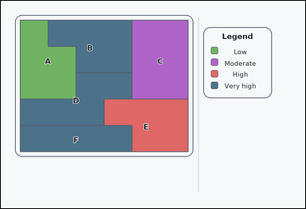 | 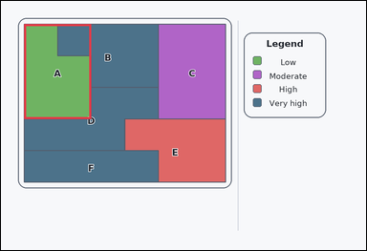 | task_maps_region_association_label | matches_legend_bin | Use the map on the left and the legend on the right: an outline-style labeled thematic map with colored regions on the left and a category legend on the right. Determine the correct labeled region: Which labeled region is in the 'Low' category on the legend? Give the exact region letter. Return a valid JSON object with keys "evidence" and "answer" in that order. Evidence requirement: set "evidence" to an array containing exactly one bounding box [x1, y1, x2, y2] for the correct labeled region. Answer format: set "answer" to the exact labeled region letter. Example JSON: {"evidence":[[438,180,674,420]],"answer":"F"} | Use the map on the left and the legend on the right: an outline-style labeled thematic map with colored regions on the left and a category legend on the right. Determine the correct labeled region: Which labeled region is in the 'Low' category on the legend? Give the exact region letter. Return a valid JSON object with key "answer". Answer: set "answer" to the exact labeled region letter. Example JSON: {"answer":"F"} | {"evidence": [[76.0, 76.0, 296.667, 388.0]], "answer": "A"} | [[76.0, 76.0, 296.667, 388.0]] | option_letter | bbox_set | 1.3059734699E+15 | maps/task_maps_region_association_label/images/matches_legend_bin/0004.png | maps/task_maps_region_association_label/data/matches_legend_bin/0004.json
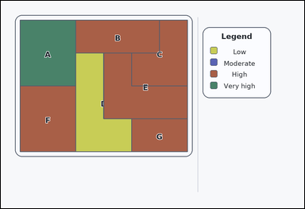 |  | task_maps_region_association_label | matches_legend_bin | The image shows a labeled thematic map with colored regions on the left and a category legend on the right. Determine the correct labeled region: Which labeled region is in the 'Very high' category on the legend? Answer with the region letter. Return a valid JSON object with keys "evidence" and "answer" in that order. Evidence field: set "evidence" to an array containing exactly one bounding box [x1, y1, x2, y2] for the correct labeled region. Answer field: set "answer" to the exact labeled region letter. Example JSON: {"evidence":[[438,180,674,420]],"answer":"F"} | The image shows a labeled thematic map with colored regions on the left and a category legend on the right. Determine the correct labeled region: Which labeled region is in the 'Very high' category on the legend? Answer with the region letter. Return a valid JSON object with key "answer". Answer: set "answer" to the exact labeled region letter. Example JSON: {"answer":"F"} | {"evidence": [[76.0, 76.0, 296.667, 336.0]], "answer": "A"} | [[76.0, 76.0, 296.667, 336.0]] | option_letter | bbox_set | 1.3390286145E+15 | maps/task_maps_region_association_label/images/matches_legend_bin/0005.png | maps/task_maps_region_association_label/data/matches_legend_bin/0005.json
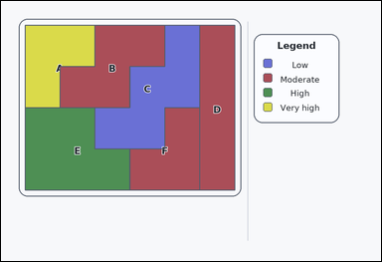 |  | task_maps_region_association_label | matches_legend_bin | You are given a labeled thematic map with colored regions on the left and a category legend on the right. Which labeled region is in the 'Very high' category on the legend? Return the labeled region letter. Return a valid JSON object with keys "evidence" and "answer" in that order. Evidence field: set "evidence" to an array containing exactly one bounding box [x1, y1, x2, y2] for the correct labeled region. Answer field: set "answer" to the exact labeled region letter. Example JSON: {"evidence":[[438,180,674,420]],"answer":"F"} | You are given a labeled thematic map with colored regions on the left and a category legend on the right. Which labeled region is in the 'Very high' category on the legend? Return the labeled region letter. Return a valid JSON object with key "answer". Answer requirement: set "answer" to the exact labeled region letter. Example JSON: {"answer":"F"} | {"evidence": [[76.0, 76.0, 296.667, 336.0]], "answer": "A"} | [[76.0, 76.0, 296.667, 336.0]] | option_letter | bbox_set | 1.7386574456E+15 | maps/task_maps_region_association_label/images/matches_legend_bin/0007.png | maps/task_maps_region_association_label/data/matches_legend_bin/0007.json
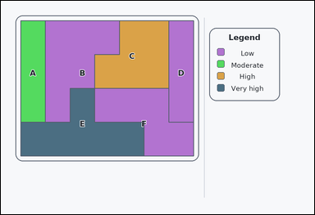 | 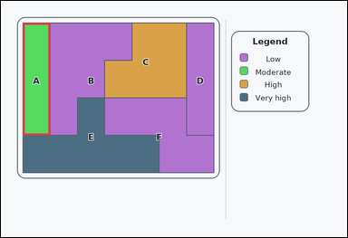 | task_maps_region_association_label | matches_legend_bin | Look at the thematic map in the image: an outline-style labeled thematic map with colored regions on the left and a category legend on the right. Determine the correct labeled region: Which labeled region is in the 'Moderate' category on the legend? Return the labeled region letter. Return a valid JSON object with keys "evidence" and "answer" in that order. Evidence requirement: set "evidence" to an array containing exactly one bounding box [x1, y1, x2, y2] for the correct labeled region. Answer format: set "answer" to the exact labeled region letter. Example JSON: {"evidence":[[438,180,674,420]],"answer":"F"} | Look at the thematic map in the image: an outline-style labeled thematic map with colored regions on the left and a category legend on the right. Determine the correct labeled region: Which labeled region is in the 'Moderate' category on the legend? Return the labeled region letter. Return a valid JSON object with key "answer". Answer format: set "answer" to the exact labeled region letter. Example JSON: {"answer":"F"} | {"evidence": [[76.0, 76.0, 170.571, 466.0]], "answer": "A"} | [[76.0, 76.0, 170.571, 466.0]] | option_letter | bbox_set | 1.7749362546E+15 | maps/task_maps_region_association_label/images/matches_legend_bin/0017.png | maps/task_maps_region_association_label/data/matches_legend_bin/0017.json
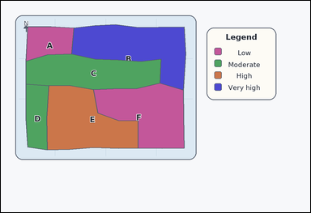 | 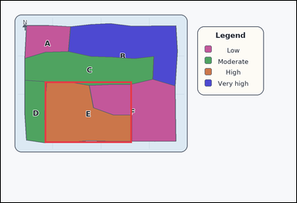 | task_maps_region_association_label | matches_legend_bin | Use the map on the left and the legend on the right: an atlas-style region map with colored administrative areas on the left and a category legend on the right. Based on the legend and the labeled regions, Which labeled region is in the 'High' category on the legend? Respond with the correct region letter. Return a valid JSON object with keys "evidence" and "answer" in that order. Evidence rule: set "evidence" to an array containing exactly one bounding box [x1, y1, x2, y2] for the correct labeled region. Answer rule: set "answer" to the exact labeled region letter. Example JSON: {"evidence":[[438,180,674,420]],"answer":"F"} | Use the map on the left and the legend on the right: an atlas-style region map with colored administrative areas on the left and a category legend on the right. Based on the legend and the labeled regions, Which labeled region is in the 'High' category on the legend? Respond with the correct region letter. Return a valid JSON object with key "answer". Answer field: set "answer" to the exact labeled region letter. Example JSON: {"answer":"F"} | {"evidence": [[178.896, 328.957, 532.924, 578.583]], "answer": "E"} | [[178.896, 328.957, 532.924, 578.583]] | option_letter | bbox_set | 2.7724880741E+15 | maps/task_maps_region_association_label/images/matches_legend_bin/0000.png | maps/task_maps_region_association_label/data/matches_legend_bin/0000.json
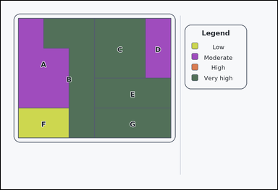 | 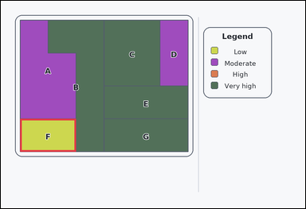 | task_maps_region_association_label | matches_legend_bin | The image shows an outline-style labeled thematic map with colored regions on the left and a category legend on the right. Determine the correct labeled region: Which labeled region is in the 'Low' category on the legend? Answer with the region letter. Return a valid JSON object with keys "evidence" and "answer" in that order. Evidence requirement: set "evidence" to an array containing exactly one bounding box [x1, y1, x2, y2] for the correct labeled region. Answer format: set "answer" to the exact labeled region letter. Example JSON: {"evidence":[[438,180,674,420]],"answer":"F"} | The image shows an outline-style labeled thematic map with colored regions on the left and a category legend on the right. Determine the correct labeled region: Which labeled region is in the 'Low' category on the legend? Answer with the region letter. Return a valid JSON object with key "answer". Answer format: set "answer" to the exact labeled region letter. Example JSON: {"answer":"F"} | {"evidence": [[76.0, 466.0, 296.667, 596.0]], "answer": "F"} | [[76.0, 466.0, 296.667, 596.0]] | option_letter | bbox_set | 2.7888903306E+15 | maps/task_maps_region_association_label/images/matches_legend_bin/0021.png | maps/task_maps_region_association_label/data/matches_legend_bin/0021.json
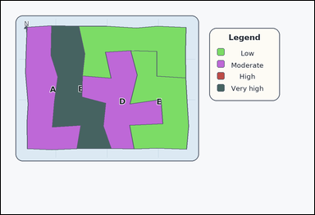 |  | task_maps_region_association_label | matches_legend_bin | Use the map on the left and the legend on the right: an atlas-style region map with colored administrative areas on the left and a category legend on the right. Based on the legend and the labeled regions, Which labeled region is in the 'Very high' category on the legend? Respond with the correct region letter. Return a valid JSON object with keys "evidence" and "answer" in that order. Evidence requirement: set "evidence" to an array containing exactly one bounding box [x1, y1, x2, y2] for the correct labeled region. Answer format: set "answer" to the exact labeled region letter. Example JSON: {"evidence":[[438,180,674,420]],"answer":"F"} | Use the map on the left and the legend on the right: an atlas-style region map with colored administrative areas on the left and a category legend on the right. Based on the legend and the labeled regions, Which labeled region is in the 'Very high' category on the legend? Respond with the correct region letter. Return a valid JSON object with key "answer". Answer field: set "answer" to the exact labeled region letter. Example JSON: {"answer":"F"} | {"evidence": [[192.417, 95.295, 422.244, 568.661]], "answer": "B"} | [[192.417, 95.295, 422.244, 568.661]] | option_letter | bbox_set | 3.0768755509E+15 | maps/task_maps_region_association_label/images/matches_legend_bin/0023.png | maps/task_maps_region_association_label/data/matches_legend_bin/0023.json
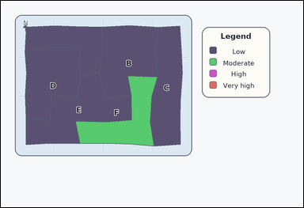 |  | task_maps_region_association_label | matches_legend_bin | The image shows an atlas-style region map with colored administrative areas on the left and a category legend on the right. Based on the legend and the labeled regions, Which labeled region is in the 'Moderate' category on the legend? Respond with the correct region letter. Return a valid JSON object with keys "evidence" and "answer" in that order. Evidence format: set "evidence" to an array containing exactly one bounding box [x1, y1, x2, y2] for the correct labeled region. Answer requirement: set "answer" to the exact labeled region letter. Example JSON: {"evidence":[[438,180,674,420]],"answer":"F"} | The image shows an atlas-style region map with colored administrative areas on the left and a category legend on the right. Based on the legend and the labeled regions, Which labeled region is in the 'Moderate' category on the legend? Respond with the correct region letter. Return a valid JSON object with key "answer". Answer: set "answer" to the exact labeled region letter. Example JSON: {"answer":"F"} | {"evidence": [[296.042, 298.069, 622.324, 577.017]], "answer": "F"} | [[296.042, 298.069, 622.324, 577.017]] | option_letter | bbox_set | 3.3950312723E+15 | maps/task_maps_region_association_label/images/matches_legend_bin/0002.png | maps/task_maps_region_association_label/data/matches_legend_bin/0002.json
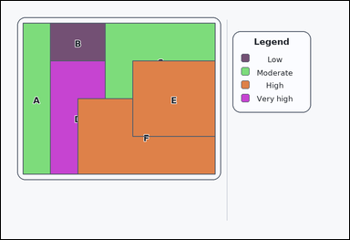 |  | task_maps_region_association_label | matches_legend_bin | The image shows a card-style labeled thematic map with colored regions on the left and a category legend on the right. Based on the legend and the labeled regions, Which labeled region is in the 'Low' category on the legend? Answer with the region letter. Return a valid JSON object with keys "evidence" and "answer" in that order. Evidence rule: set "evidence" to an array containing exactly one bounding box [x1, y1, x2, y2] for the correct labeled region. Answer rule: set "answer" to the exact labeled region letter. Example JSON: {"evidence":[[438,180,674,420]],"answer":"F"} | The image shows a card-style labeled thematic map with colored regions on the left and a category legend on the right. Based on the legend and the labeled regions, Which labeled region is in the 'Low' category on the legend? Answer with the region letter. Return a valid JSON object with key "answer". Answer requirement: set "answer" to the exact labeled region letter. Example JSON: {"answer":"F"} | {"evidence": [[170.571, 76.0, 359.714, 206.0]], "answer": "B"} | [[170.571, 76.0, 359.714, 206.0]] | option_letter | bbox_set | 3.6799650049E+15 | maps/task_maps_region_association_label/images/matches_legend_bin/0008.png | maps/task_maps_region_association_label/data/matches_legend_bin/0008.json
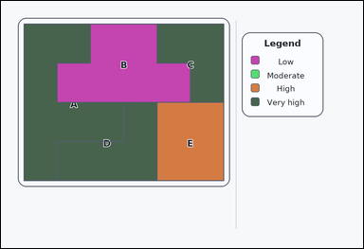 |  | task_maps_region_association_label | matches_legend_bin | The image shows a labeled thematic map with colored regions on the left and a category legend on the right. Read the legend and then answer this question: Which labeled region is in the 'High' category on the legend? Answer using the labeled region letter. Return a valid JSON object with keys "evidence" and "answer" in that order. Evidence: set "evidence" to an array containing exactly one bounding box [x1, y1, x2, y2] for the correct labeled region. Answer: set "answer" to the exact labeled region letter. Example JSON: {"evidence":[[438,180,674,420]],"answer":"F"} | The image shows a labeled thematic map with colored regions on the left and a category legend on the right. Read the legend and then answer this question: Which labeled region is in the 'High' category on the legend? Answer using the labeled region letter. Return a valid JSON object with key "answer". Answer: set "answer" to the exact labeled region letter. Example JSON: {"answer":"F"} | {"evidence": [[517.333, 336.0, 738.0, 596.0]], "answer": "E"} | [[517.333, 336.0, 738.0, 596.0]] | option_letter | bbox_set | 3.7951355277E+15 | maps/task_maps_region_association_label/images/matches_legend_bin/0020.png | maps/task_maps_region_association_label/data/matches_legend_bin/0020.json
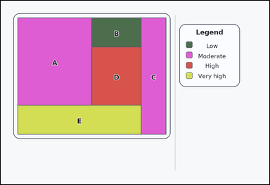 |  | task_maps_region_association_label | matches_legend_bin | You are given a card-style labeled thematic map with colored regions on the left and a category legend on the right. Based on the legend and the labeled regions, Which labeled region is in the 'High' category on the legend? Answer using the labeled region letter. Return a valid JSON object with keys "evidence" and "answer" in that order. Evidence: set "evidence" to an array containing exactly one bounding box [x1, y1, x2, y2] for the correct labeled region. Answer: set "answer" to the exact labeled region letter. Example JSON: {"evidence":[[438,180,674,420]],"answer":"F"} | You are given a card-style labeled thematic map with colored regions on the left and a category legend on the right. Based on the legend and the labeled regions, Which labeled region is in the 'High' category on the legend? Answer using the labeled region letter. Return a valid JSON object with key "answer". Answer requirement: set "answer" to the exact labeled region letter. Example JSON: {"answer":"F"} | {"evidence": [[407.0, 206.0, 627.667, 466.0]], "answer": "D"} | [[407.0, 206.0, 627.667, 466.0]] | option_letter | bbox_set | 4.4545063206E+15 | maps/task_maps_region_association_label/images/matches_legend_bin/0001.png | maps/task_maps_region_association_label/data/matches_legend_bin/0001.json
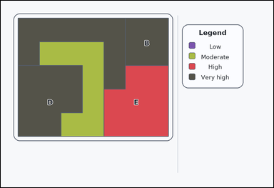 |  | task_maps_region_association_label | matches_legend_bin | Work from the labeled regions and the legend: a labeled thematic map with colored regions on the left and a category legend on the right. Based on the legend and the labeled regions, Which labeled region is in the 'High' category on the legend? Respond with the correct region letter. Return a valid JSON object with keys "evidence" and "answer" in that order. Evidence requirement: set "evidence" to an array containing exactly one bounding box [x1, y1, x2, y2] for the correct labeled region. Answer format: set "answer" to the exact labeled region letter. Example JSON: {"evidence":[[438,180,674,420]],"answer":"F"} | Work from the labeled regions and the legend: a labeled thematic map with colored regions on the left and a category legend on the right. Based on the legend and the labeled regions, Which labeled region is in the 'High' category on the legend? Respond with the correct region letter. Return a valid JSON object with key "answer". Answer requirement: set "answer" to the exact labeled region letter. Example JSON: {"answer":"F"} | {"evidence": [[454.286, 284.0, 738.0, 596.0]], "answer": "E"} | [[454.286, 284.0, 738.0, 596.0]] | option_letter | bbox_set | 4.8809215658E+15 | maps/task_maps_region_association_label/images/matches_legend_bin/0019.png | maps/task_maps_region_association_label/data/matches_legend_bin/0019.json
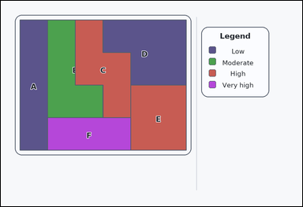 |  | task_maps_region_association_label | matches_legend_bin | Work from the labeled regions and the legend: a labeled thematic map with colored regions on the left and a category legend on the right. Using the legend, Which labeled region is in the 'Moderate' category on the legend? Answer using the labeled region letter. Return a valid JSON object with keys "evidence" and "answer" in that order. Evidence: set "evidence" to an array containing exactly one bounding box [x1, y1, x2, y2] for the correct labeled region. Answer: set "answer" to the exact labeled region letter. Example JSON: {"evidence":[[438,180,674,420]],"answer":"F"} | Work from the labeled regions and the legend: a labeled thematic map with colored regions on the left and a category legend on the right. Using the legend, Which labeled region is in the 'Moderate' category on the legend? Answer using the labeled region letter. Return a valid JSON object with key "answer". Answer format: set "answer" to the exact labeled region letter. Example JSON: {"answer":"F"} | {"evidence": [[186.333, 76.0, 407.0, 466.0]], "answer": "B"} | [[186.333, 76.0, 407.0, 466.0]] | option_letter | bbox_set | 4.9353143751E+15 | maps/task_maps_region_association_label/images/matches_legend_bin/0010.png | maps/task_maps_region_association_label/data/matches_legend_bin/0010.json
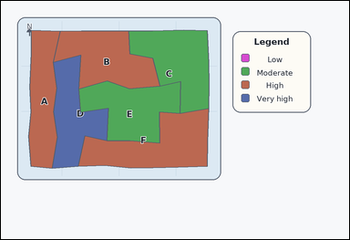 | 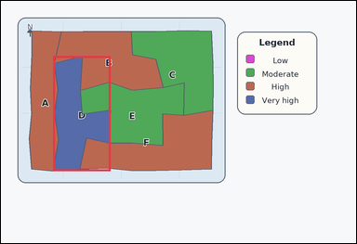 | task_maps_region_association_label | matches_legend_bin | The image shows an atlas-style region map with colored administrative areas on the left and a category legend on the right. Determine the correct labeled region: Which labeled region is in the 'Very high' category on the legend? Give the exact region letter. Return a valid JSON object with keys "evidence" and "answer" in that order. Evidence format: set "evidence" to an array containing exactly one bounding box [x1, y1, x2, y2] for the correct labeled region. Answer requirement: set "answer" to the exact labeled region letter. Example JSON: {"evidence":[[438,180,674,420]],"answer":"F"} | The image shows an atlas-style region map with colored administrative areas on the left and a category legend on the right. Determine the correct labeled region: Which labeled region is in the 'Very high' category on the legend? Give the exact region letter. Return a valid JSON object with key "answer". Answer: set "answer" to the exact labeled region letter. Example JSON: {"answer":"F"} | {"evidence": [[176.874, 186.725, 370.247, 576.025]], "answer": "D"} | [[176.874, 186.725, 370.247, 576.025]] | option_letter | bbox_set | 5.2995160466E+15 | maps/task_maps_region_association_label/images/matches_legend_bin/0016.png | maps/task_maps_region_association_label/data/matches_legend_bin/0016.json
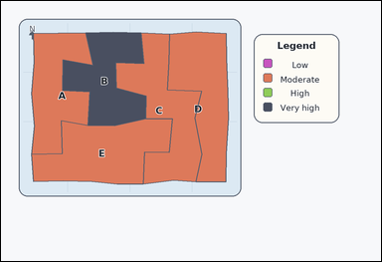 | 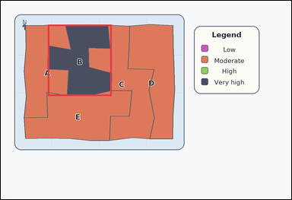 | task_maps_region_association_label | matches_legend_bin | You are given an atlas-style region map with colored administrative areas on the left and a category legend on the right. Read the legend and then answer this question: Which labeled region is in the 'Very high' category on the legend? Answer with the region letter. Return a valid JSON object with keys "evidence" and "answer" in that order. Evidence: set "evidence" to an array containing exactly one bounding box [x1, y1, x2, y2] for the correct labeled region. Answer: set "answer" to the exact labeled region letter. Example JSON: {"evidence":[[438,180,674,420]],"answer":"F"} | You are given an atlas-style region map with colored administrative areas on the left and a category legend on the right. Read the legend and then answer this question: Which labeled region is in the 'Very high' category on the legend? Answer with the region letter. Return a valid JSON object with key "answer". Answer requirement: set "answer" to the exact labeled region letter. Example JSON: {"answer":"F"} | {"evidence": [[194.012, 98.634, 458.469, 393.055]], "answer": "B"} | [[194.012, 98.634, 458.469, 393.055]] | option_letter | bbox_set | 5.5172548613E+15 | maps/task_maps_region_association_label/images/matches_legend_bin/0022.png | maps/task_maps_region_association_label/data/matches_legend_bin/0022.json
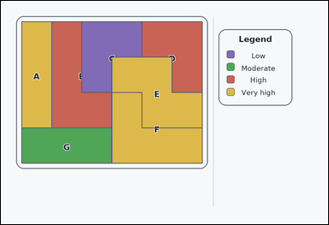 | 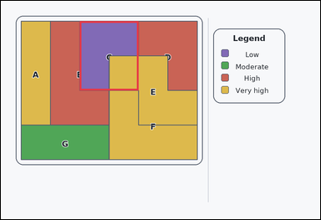 | task_maps_region_association_label | matches_legend_bin | Look at the thematic map in the image: an outline-style labeled thematic map with colored regions on the left and a category legend on the right. Read the legend and then answer this question: Which labeled region is in the 'Low' category on the legend? Respond with the correct region letter. Return a valid JSON object with keys "evidence" and "answer" in that order. Evidence format: set "evidence" to an array containing exactly one bounding box [x1, y1, x2, y2] for the correct labeled region. Answer requirement: set "answer" to the exact labeled region letter. Example JSON: {"evidence":[[438,180,674,420]],"answer":"F"} | Look at the thematic map in the image: an outline-style labeled thematic map with colored regions on the left and a category legend on the right. Read the legend and then answer this question: Which labeled region is in the 'Low' category on the legend? Respond with the correct region letter. Return a valid JSON object with key "answer". Answer field: set "answer" to the exact labeled region letter. Example JSON: {"answer":"F"} | {"evidence": [[296.667, 76.0, 517.333, 336.0]], "answer": "C"} | [[296.667, 76.0, 517.333, 336.0]] | option_letter | bbox_set | 6.8092794285E+15 | maps/task_maps_region_association_label/images/matches_legend_bin/0014.png | maps/task_maps_region_association_label/data/matches_legend_bin/0014.json
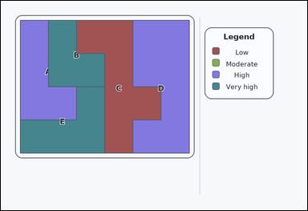 |  | task_maps_region_association_label | matches_legend_bin | Work from the labeled regions and the legend: a card-style labeled thematic map with colored regions on the left and a category legend on the right. Determine the correct labeled region: Which labeled region is in the 'Low' category on the legend? Answer with the region letter. Return a valid JSON object with keys "evidence" and "answer" in that order. Evidence: set "evidence" to an array containing exactly one bounding box [x1, y1, x2, y2] for the correct labeled region. Answer: set "answer" to the exact labeled region letter. Example JSON: {"evidence":[[438,180,674,420]],"answer":"F"} | Work from the labeled regions and the legend: a card-style labeled thematic map with colored regions on the left and a category legend on the right. Determine the correct labeled region: Which labeled region is in the 'Low' category on the legend? Answer with the region letter. Return a valid JSON object with key "answer". Answer field: set "answer" to the exact labeled region letter. Example JSON: {"answer":"F"} | {"evidence": [[296.667, 76.0, 627.667, 596.0]], "answer": "C"} | [[296.667, 76.0, 627.667, 596.0]] | option_letter | bbox_set | 7.5798396991E+15 | maps/task_maps_region_association_label/images/matches_legend_bin/0024.png | maps/task_maps_region_association_label/data/matches_legend_bin/0024.json
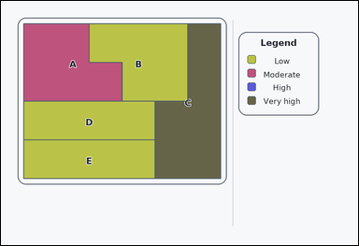 | 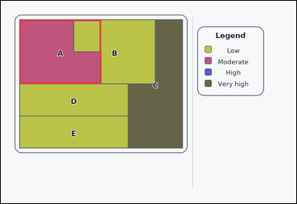 | task_maps_region_association_label | matches_legend_bin | Work from the labeled regions and the legend: an outline-style labeled thematic map with colored regions on the left and a category legend on the right. Read the legend and then answer this question: Which labeled region is in the 'Moderate' category on the legend? Respond with the correct region letter. Return a valid JSON object with keys "evidence" and "answer" in that order. Evidence requirement: set "evidence" to an array containing exactly one bounding box [x1, y1, x2, y2] for the correct labeled region. Answer format: set "answer" to the exact labeled region letter. Example JSON: {"evidence":[[438,180,674,420]],"answer":"F"} | Work from the labeled regions and the legend: an outline-style labeled thematic map with colored regions on the left and a category legend on the right. Read the legend and then answer this question: Which labeled region is in the 'Moderate' category on the legend? Respond with the correct region letter. Return a valid JSON object with key "answer". Answer field: set "answer" to the exact labeled region letter. Example JSON: {"answer":"F"} | {"evidence": [[76.0, 76.0, 407.0, 336.0]], "answer": "A"} | [[76.0, 76.0, 407.0, 336.0]] | option_letter | bbox_set | 7.5860116338E+15 | maps/task_maps_region_association_label/images/matches_legend_bin/0015.png | maps/task_maps_region_association_label/data/matches_legend_bin/0015.json

max_category_region
image | evidence_image | task | task_variant | prompt | prompt_answer_only | answer | answer_evidence | answer_type | evidence_type | instance_seed | image_path | data_path
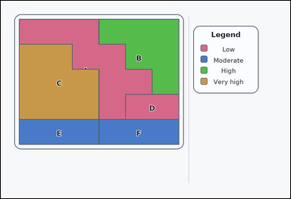 | 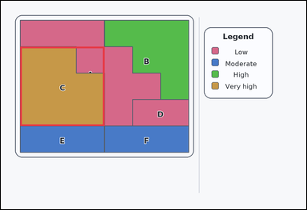 | task_maps_region_association_label | max_category_region | Look at the thematic map in the image: a labeled thematic map with colored regions on the left and a category legend on the right. Which labeled region is in the highest category on the legend? Respond with the correct region letter. Return a valid JSON object with keys "evidence" and "answer" in that order. Evidence: set "evidence" to an array containing exactly one bounding box [x1, y1, x2, y2] for the correct labeled region. Answer: set "answer" to the exact labeled region letter. Example JSON: {"evidence":[[174,129,412,333]],"answer":"C"} | Look at the thematic map in the image: a labeled thematic map with colored regions on the left and a category legend on the right. Which labeled region is in the highest category on the legend? Respond with the correct region letter. Return a valid JSON object with key "answer". Answer: set "answer" to the exact labeled region letter. Example JSON: {"answer":"C"} | {"evidence": [[76.0, 180.0, 407.0, 492.0]], "answer": "C"} | [[76.0, 180.0, 407.0, 492.0]] | option_letter | bbox_set | 108082897902646 | maps/task_maps_region_association_label/images/max_category_region/0021.png | maps/task_maps_region_association_label/data/max_category_region/0021.json
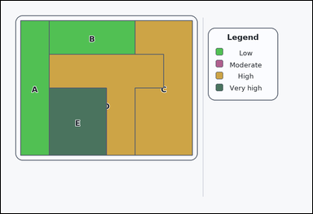 | 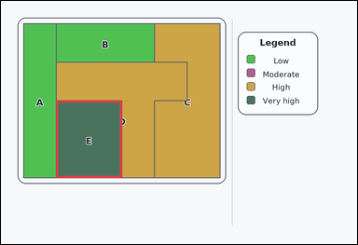 | task_maps_region_association_label | max_category_region | Look at the thematic map in the image: a labeled thematic map with colored regions on the left and a category legend on the right. Which labeled region is in the highest category on the legend? Give the exact region letter. Return a valid JSON object with keys "evidence" and "answer" in that order. Evidence requirement: set "evidence" to an array containing exactly one bounding box [x1, y1, x2, y2] for the correct labeled region. Answer format: set "answer" to the exact labeled region letter. Example JSON: {"evidence":[[174,129,412,333]],"answer":"C"} | Look at the thematic map in the image: a labeled thematic map with colored regions on the left and a category legend on the right. Which labeled region is in the highest category on the legend? Give the exact region letter. Return a valid JSON object with key "answer". Answer format: set "answer" to the exact labeled region letter. Example JSON: {"answer":"C"} | {"evidence": [[186.333, 336.0, 407.0, 596.0]], "answer": "E"} | [[186.333, 336.0, 407.0, 596.0]] | option_letter | bbox_set | 132851752021154 | maps/task_maps_region_association_label/images/max_category_region/0007.png | maps/task_maps_region_association_label/data/max_category_region/0007.json
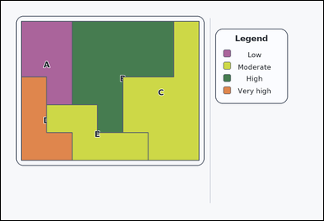 |  | task_maps_region_association_label | max_category_region | Use the map on the left and the legend on the right: a card-style labeled thematic map with colored regions on the left and a category legend on the right. Using the legend, Which labeled region is in the highest category on the legend? Answer using the labeled region letter. Return a valid JSON object with keys "evidence" and "answer" in that order. Evidence rule: set "evidence" to an array containing exactly one bounding box [x1, y1, x2, y2] for the correct labeled region. Answer rule: set "answer" to the exact labeled region letter. Example JSON: {"evidence":[[174,129,412,333]],"answer":"C"} | Use the map on the left and the legend on the right: a card-style labeled thematic map with colored regions on the left and a category legend on the right. Using the legend, Which labeled region is in the highest category on the legend? Answer using the labeled region letter. Return a valid JSON object with key "answer". Answer requirement: set "answer" to the exact labeled region letter. Example JSON: {"answer":"C"} | {"evidence": [[76.0, 284.0, 265.143, 596.0]], "answer": "D"} | [[76.0, 284.0, 265.143, 596.0]] | option_letter | bbox_set | 558768048577266 | maps/task_maps_region_association_label/images/max_category_region/0012.png | maps/task_maps_region_association_label/data/max_category_region/0012.json
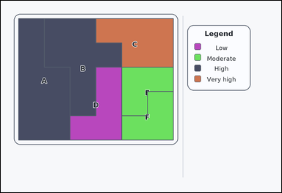 | 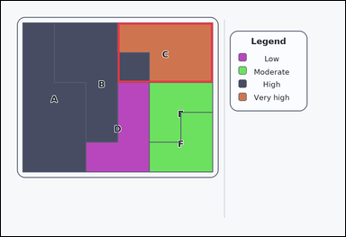 | task_maps_region_association_label | max_category_region | The image shows a card-style labeled thematic map with colored regions on the left and a category legend on the right. Which labeled region is in the highest category on the legend? Answer with the region letter. Return a valid JSON object with keys "evidence" and "answer" in that order. Evidence rule: set "evidence" to an array containing exactly one bounding box [x1, y1, x2, y2] for the correct labeled region. Answer rule: set "answer" to the exact labeled region letter. Example JSON: {"evidence":[[174,129,412,333]],"answer":"C"} | The image shows a card-style labeled thematic map with colored regions on the left and a category legend on the right. Which labeled region is in the highest category on the legend? Answer with the region letter. Return a valid JSON object with key "answer". Answer format: set "answer" to the exact labeled region letter. Example JSON: {"answer":"C"} | {"evidence": [[407.0, 76.0, 738.0, 284.0]], "answer": "C"} | [[407.0, 76.0, 738.0, 284.0]] | option_letter | bbox_set | 712828002316807 | maps/task_maps_region_association_label/images/max_category_region/0002.png | maps/task_maps_region_association_label/data/max_category_region/0002.json
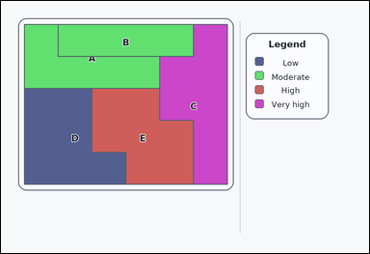 | 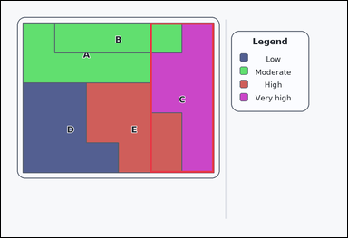 | task_maps_region_association_label | max_category_region | Work from the labeled regions and the legend: a card-style labeled thematic map with colored regions on the left and a category legend on the right. Based on the legend and the labeled regions, Which labeled region is in the highest category on the legend? Answer with the region letter. Return a valid JSON object with keys "evidence" and "answer" in that order. Evidence requirement: set "evidence" to an array containing exactly one bounding box [x1, y1, x2, y2] for the correct labeled region. Answer format: set "answer" to the exact labeled region letter. Example JSON: {"evidence":[[174,129,412,333]],"answer":"C"} | Work from the labeled regions and the legend: a card-style labeled thematic map with colored regions on the left and a category legend on the right. Based on the legend and the labeled regions, Which labeled region is in the highest category on the legend? Answer with the region letter. Return a valid JSON object with key "answer". Answer requirement: set "answer" to the exact labeled region letter. Example JSON: {"answer":"C"} | {"evidence": [[517.333, 76.0, 738.0, 596.0]], "answer": "C"} | [[517.333, 76.0, 738.0, 596.0]] | option_letter | bbox_set | 1.0062742264E+15 | maps/task_maps_region_association_label/images/max_category_region/0003.png | maps/task_maps_region_association_label/data/max_category_region/0003.json
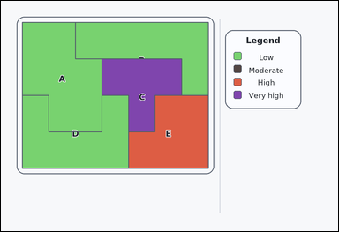 | 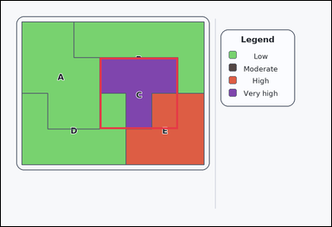 | task_maps_region_association_label | max_category_region | You are given a card-style labeled thematic map with colored regions on the left and a category legend on the right. Read the legend and then answer this question: Which labeled region is in the highest category on the legend? Answer with the region letter. Return a valid JSON object with keys "evidence" and "answer" in that order. Evidence: set "evidence" to an array containing exactly one bounding box [x1, y1, x2, y2] for the correct labeled region. Answer: set "answer" to the exact labeled region letter. Example JSON: {"evidence":[[174,129,412,333]],"answer":"C"} | You are given a card-style labeled thematic map with colored regions on the left and a category legend on the right. Read the legend and then answer this question: Which labeled region is in the highest category on the legend? Answer with the region letter. Return a valid JSON object with key "answer". Answer rule: set "answer" to the exact labeled region letter. Example JSON: {"answer":"C"} | {"evidence": [[359.714, 206.0, 643.429, 466.0]], "answer": "C"} | [[359.714, 206.0, 643.429, 466.0]] | option_letter | bbox_set | 1.6762526219E+15 | maps/task_maps_region_association_label/images/max_category_region/0000.png | maps/task_maps_region_association_label/data/max_category_region/0000.json
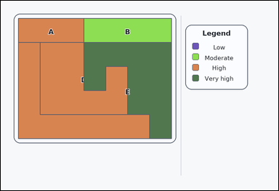 |  | task_maps_region_association_label | max_category_region | Use the map on the left and the legend on the right: a labeled thematic map with colored regions on the left and a category legend on the right. Determine the correct labeled region: Which labeled region is in the highest category on the legend? Return the labeled region letter. Return a valid JSON object with keys "evidence" and "answer" in that order. Evidence requirement: set "evidence" to an array containing exactly one bounding box [x1, y1, x2, y2] for the correct labeled region. Answer format: set "answer" to the exact labeled region letter. Example JSON: {"evidence":[[174,129,412,333]],"answer":"C"} | Use the map on the left and the legend on the right: a labeled thematic map with colored regions on the left and a category legend on the right. Determine the correct labeled region: Which labeled region is in the highest category on the legend? Return the labeled region letter. Return a valid JSON object with key "answer". Answer field: set "answer" to the exact labeled region letter. Example JSON: {"answer":"C"} | {"evidence": [[359.714, 180.0, 738.0, 596.0]], "answer": "E"} | [[359.714, 180.0, 738.0, 596.0]] | option_letter | bbox_set | 1.7800566065E+15 | maps/task_maps_region_association_label/images/max_category_region/0005.png | maps/task_maps_region_association_label/data/max_category_region/0005.json
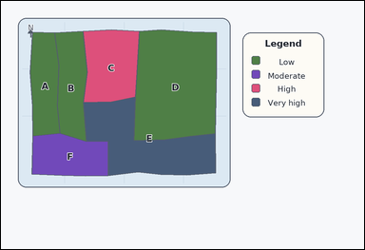 | 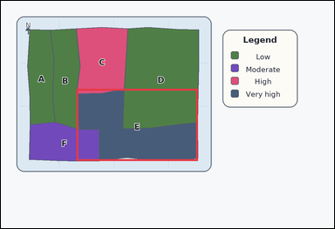 | task_maps_region_association_label | max_category_region | Work from the labeled regions and the legend: an atlas-style region map with colored administrative areas on the left and a category legend on the right. Determine the correct labeled region: Which labeled region is in the highest category on the legend? Return the labeled region letter. Return a valid JSON object with keys "evidence" and "answer" in that order. Evidence requirement: set "evidence" to an array containing exactly one bounding box [x1, y1, x2, y2] for the correct labeled region. Answer format: set "answer" to the exact labeled region letter. Example JSON: {"evidence":[[174,129,412,333]],"answer":"C"} | Work from the labeled regions and the legend: an atlas-style region map with colored administrative areas on the left and a category legend on the right. Determine the correct labeled region: Which labeled region is in the highest category on the legend? Return the labeled region letter. Return a valid JSON object with key "answer". Answer field: set "answer" to the exact labeled region letter. Example JSON: {"answer":"C"} | {"evidence": [[272.013, 317.915, 709.51, 577.876]], "answer": "E"} | [[272.013, 317.915, 709.51, 577.876]] | option_letter | bbox_set | 2.8244626136E+15 | maps/task_maps_region_association_label/images/max_category_region/0020.png | maps/task_maps_region_association_label/data/max_category_region/0020.json
 |  | task_maps_region_association_label | max_category_region | The image shows an outline-style labeled thematic map with colored regions on the left and a category legend on the right. Which labeled region is in the highest category on the legend? Return the labeled region letter. Return a valid JSON object with keys "evidence" and "answer" in that order. Evidence requirement: set "evidence" to an array containing exactly one bounding box [x1, y1, x2, y2] for the correct labeled region. Answer format: set "answer" to the exact labeled region letter. Example JSON: {"evidence":[[174,129,412,333]],"answer":"C"} | The image shows an outline-style labeled thematic map with colored regions on the left and a category legend on the right. Which labeled region is in the highest category on the legend? Return the labeled region letter. Return a valid JSON object with key "answer". Answer rule: set "answer" to the exact labeled region letter. Example JSON: {"answer":"C"} | {"evidence": [[548.857, 76.0, 738.0, 206.0]], "answer": "D"} | [[548.857, 76.0, 738.0, 206.0]] | option_letter | bbox_set | 3.0834462662E+15 | maps/task_maps_region_association_label/images/max_category_region/0006.png | maps/task_maps_region_association_label/data/max_category_region/0006.json
 |  | task_maps_region_association_label | max_category_region | Use the map on the left and the legend on the right: a card-style labeled thematic map with colored regions on the left and a category legend on the right. Based on the legend and the labeled regions, Which labeled region is in the highest category on the legend? Give the exact region letter. Return a valid JSON object with keys "evidence" and "answer" in that order. Evidence requirement: set "evidence" to an array containing exactly one bounding box [x1, y1, x2, y2] for the correct labeled region. Answer format: set "answer" to the exact labeled region letter. Example JSON: {"evidence":[[174,129,412,333]],"answer":"C"} | Use the map on the left and the legend on the right: a card-style labeled thematic map with colored regions on the left and a category legend on the right. Based on the legend and the labeled regions, Which labeled region is in the highest category on the legend? Give the exact region letter. Return a valid JSON object with key "answer". Answer requirement: set "answer" to the exact labeled region letter. Example JSON: {"answer":"C"} | {"evidence": [[76.0, 206.0, 407.0, 596.0]], "answer": "D"} | [[76.0, 206.0, 407.0, 596.0]] | option_letter | bbox_set | 3.4616743429E+15 | maps/task_maps_region_association_label/images/max_category_region/0010.png | maps/task_maps_region_association_label/data/max_category_region/0010.json
 |  | task_maps_region_association_label | max_category_region | Look at the thematic map in the image: an outline-style labeled thematic map with colored regions on the left and a category legend on the right. Which labeled region is in the highest category on the legend? Respond with the correct region letter. Return a valid JSON object with keys "evidence" and "answer" in that order. Evidence: set "evidence" to an array containing exactly one bounding box [x1, y1, x2, y2] for the correct labeled region. Answer: set "answer" to the exact labeled region letter. Example JSON: {"evidence":[[174,129,412,333]],"answer":"C"} | Look at the thematic map in the image: an outline-style labeled thematic map with colored regions on the left and a category legend on the right. Which labeled region is in the highest category on the legend? Respond with the correct region letter. Return a valid JSON object with key "answer". Answer field: set "answer" to the exact labeled region letter. Example JSON: {"answer":"C"} | {"evidence": [[643.429, 76.0, 738.0, 596.0]], "answer": "D"} | [[643.429, 76.0, 738.0, 596.0]] | option_letter | bbox_set | 3.5947675737E+15 | maps/task_maps_region_association_label/images/max_category_region/0018.png | maps/task_maps_region_association_label/data/max_category_region/0018.json
 |  | task_maps_region_association_label | max_category_region | The image shows an outline-style labeled thematic map with colored regions on the left and a category legend on the right. Which labeled region is in the highest category on the legend? Give the exact region letter. Return a valid JSON object with keys "evidence" and "answer" in that order. Evidence field: set "evidence" to an array containing exactly one bounding box [x1, y1, x2, y2] for the correct labeled region. Answer field: set "answer" to the exact labeled region letter. Example JSON: {"evidence":[[174,129,412,333]],"answer":"C"} | The image shows an outline-style labeled thematic map with colored regions on the left and a category legend on the right. Which labeled region is in the highest category on the legend? Give the exact region letter. Return a valid JSON object with key "answer". Answer requirement: set "answer" to the exact labeled region letter. Example JSON: {"answer":"C"} | {"evidence": [[170.571, 206.0, 454.286, 466.0]], "answer": "E"} | [[170.571, 206.0, 454.286, 466.0]] | option_letter | bbox_set | 3.7179326103E+15 | maps/task_maps_region_association_label/images/max_category_region/0009.png | maps/task_maps_region_association_label/data/max_category_region/0009.json
 |  | task_maps_region_association_label | max_category_region | Look at the thematic map in the image: an outline-style labeled thematic map with colored regions on the left and a category legend on the right. Which labeled region is in the highest category on the legend? Answer using the labeled region letter. Return a valid JSON object with keys "evidence" and "answer" in that order. Evidence rule: set "evidence" to an array containing exactly one bounding box [x1, y1, x2, y2] for the correct labeled region. Answer rule: set "answer" to the exact labeled region letter. Example JSON: {"evidence":[[174,129,412,333]],"answer":"C"} | Look at the thematic map in the image: an outline-style labeled thematic map with colored regions on the left and a category legend on the right. Which labeled region is in the highest category on the legend? Answer using the labeled region letter. Return a valid JSON object with key "answer". Answer field: set "answer" to the exact labeled region letter. Example JSON: {"answer":"C"} | {"evidence": [[265.143, 336.0, 643.429, 596.0]], "answer": "E"} | [[265.143, 336.0, 643.429, 596.0]] | option_letter | bbox_set | 3.9503692362E+15 | maps/task_maps_region_association_label/images/max_category_region/0019.png | maps/task_maps_region_association_label/data/max_category_region/0019.json
 |  | task_maps_region_association_label | max_category_region | Use the map on the left and the legend on the right: a card-style labeled thematic map with colored regions on the left and a category legend on the right. Read the legend and then answer this question: Which labeled region is in the highest category on the legend? Answer using the labeled region letter. Return a valid JSON object with keys "evidence" and "answer" in that order. Evidence: set "evidence" to an array containing exactly one bounding box [x1, y1, x2, y2] for the correct labeled region. Answer: set "answer" to the exact labeled region letter. Example JSON: {"evidence":[[174,129,412,333]],"answer":"C"} | Use the map on the left and the legend on the right: a card-style labeled thematic map with colored regions on the left and a category legend on the right. Read the legend and then answer this question: Which labeled region is in the highest category on the legend? Answer using the labeled region letter. Return a valid JSON object with key "answer". Answer: set "answer" to the exact labeled region letter. Example JSON: {"answer":"C"} | {"evidence": [[407.0, 76.0, 627.667, 466.0]], "answer": "C"} | [[407.0, 76.0, 627.667, 466.0]] | option_letter | bbox_set | 4.9836780448E+15 | maps/task_maps_region_association_label/images/max_category_region/0001.png | maps/task_maps_region_association_label/data/max_category_region/0001.json
 |  | task_maps_region_association_label | max_category_region | Use the map on the left and the legend on the right: a card-style labeled thematic map with colored regions on the left and a category legend on the right. Based on the legend and the labeled regions, Which labeled region is in the highest category on the legend? Return the labeled region letter. Return a valid JSON object with keys "evidence" and "answer" in that order. Evidence requirement: set "evidence" to an array containing exactly one bounding box [x1, y1, x2, y2] for the correct labeled region. Answer format: set "answer" to the exact labeled region letter. Example JSON: {"evidence":[[174,129,412,333]],"answer":"C"} | Use the map on the left and the legend on the right: a card-style labeled thematic map with colored regions on the left and a category legend on the right. Based on the legend and the labeled regions, Which labeled region is in the highest category on the legend? Return the labeled region letter. Return a valid JSON object with key "answer". Answer field: set "answer" to the exact labeled region letter. Example JSON: {"answer":"C"} | {"evidence": [[548.857, 492.0, 738.0, 596.0]], "answer": "G"} | [[548.857, 492.0, 738.0, 596.0]] | option_letter | bbox_set | 5.4512908937E+15 | maps/task_maps_region_association_label/images/max_category_region/0014.png | maps/task_maps_region_association_label/data/max_category_region/0014.json
 |  | task_maps_region_association_label | max_category_region | Look at the thematic map in the image: an atlas-style region map with colored administrative areas on the left and a category legend on the right. Using the legend, Which labeled region is in the highest category on the legend? Respond with the correct region letter. Return a valid JSON object with keys "evidence" and "answer" in that order. Evidence format: set "evidence" to an array containing exactly one bounding box [x1, y1, x2, y2] for the correct labeled region. Answer requirement: set "answer" to the exact labeled region letter. Example JSON: {"evidence":[[174,129,412,333]],"answer":"C"} | Look at the thematic map in the image: an atlas-style region map with colored administrative areas on the left and a category legend on the right. Using the legend, Which labeled region is in the highest category on the legend? Respond with the correct region letter. Return a valid JSON object with key "answer". Answer field: set "answer" to the exact labeled region letter. Example JSON: {"answer":"C"} | {"evidence": [[96.03, 280.74, 456.808, 480.94]], "answer": "C"} | [[96.03, 280.74, 456.808, 480.94]] | option_letter | bbox_set | 5.9149155487E+15 | maps/task_maps_region_association_label/images/max_category_region/0011.png | maps/task_maps_region_association_label/data/max_category_region/0011.json
 |  | task_maps_region_association_label | max_category_region | Look at the thematic map in the image: an outline-style labeled thematic map with colored regions on the left and a category legend on the right. Using the legend, Which labeled region is in the highest category on the legend? Return the labeled region letter. Return a valid JSON object with keys "evidence" and "answer" in that order. Evidence field: set "evidence" to an array containing exactly one bounding box [x1, y1, x2, y2] for the correct labeled region. Answer field: set "answer" to the exact labeled region letter. Example JSON: {"evidence":[[174,129,412,333]],"answer":"C"} | Look at the thematic map in the image: an outline-style labeled thematic map with colored regions on the left and a category legend on the right. Using the legend, Which labeled region is in the highest category on the legend? Return the labeled region letter. Return a valid JSON object with key "answer". Answer: set "answer" to the exact labeled region letter. Example JSON: {"answer":"C"} | {"evidence": [[186.333, 466.0, 517.333, 596.0]], "answer": "F"} | [[186.333, 466.0, 517.333, 596.0]] | option_letter | bbox_set | 6.2113390401E+15 | maps/task_maps_region_association_label/images/max_category_region/0023.png | maps/task_maps_region_association_label/data/max_category_region/0023.json
 |  | task_maps_region_association_label | max_category_region | Use the map on the left and the legend on the right: a labeled thematic map with colored regions on the left and a category legend on the right. Using the legend, Which labeled region is in the highest category on the legend? Answer with the region letter. Return a valid JSON object with keys "evidence" and "answer" in that order. Evidence rule: set "evidence" to an array containing exactly one bounding box [x1, y1, x2, y2] for the correct labeled region. Answer rule: set "answer" to the exact labeled region letter. Example JSON: {"evidence":[[174,129,412,333]],"answer":"C"} | Use the map on the left and the legend on the right: a labeled thematic map with colored regions on the left and a category legend on the right. Using the legend, Which labeled region is in the highest category on the legend? Answer with the region letter. Return a valid JSON object with key "answer". Answer field: set "answer" to the exact labeled region letter. Example JSON: {"answer":"C"} | {"evidence": [[454.286, 76.0, 738.0, 180.0]], "answer": "B"} | [[454.286, 76.0, 738.0, 180.0]] | option_letter | bbox_set | 6.3391675905E+15 | maps/task_maps_region_association_label/images/max_category_region/0017.png | maps/task_maps_region_association_label/data/max_category_region/0017.json
 |  | task_maps_region_association_label | max_category_region | Work from the labeled regions and the legend: an outline-style labeled thematic map with colored regions on the left and a category legend on the right. Using the legend, Which labeled region is in the highest category on the legend? Respond with the correct region letter. Return a valid JSON object with keys "evidence" and "answer" in that order. Evidence format: set "evidence" to an array containing exactly one bounding box [x1, y1, x2, y2] for the correct labeled region. Answer requirement: set "answer" to the exact labeled region letter. Example JSON: {"evidence":[[174,129,412,333]],"answer":"C"} | Work from the labeled regions and the legend: an outline-style labeled thematic map with colored regions on the left and a category legend on the right. Using the legend, Which labeled region is in the highest category on the legend? Respond with the correct region letter. Return a valid JSON object with key "answer". Answer requirement: set "answer" to the exact labeled region letter. Example JSON: {"answer":"C"} | {"evidence": [[359.714, 76.0, 643.429, 596.0]], "answer": "C"} | [[359.714, 76.0, 643.429, 596.0]] | option_letter | bbox_set | 6.830544687E+15 | maps/task_maps_region_association_label/images/max_category_region/0008.png | maps/task_maps_region_association_label/data/max_category_region/0008.json
 |  | task_maps_region_association_label | max_category_region | The image shows an outline-style labeled thematic map with colored regions on the left and a category legend on the right. Determine the correct labeled region: Which labeled region is in the highest category on the legend? Respond with the correct region letter. Return a valid JSON object with keys "evidence" and "answer" in that order. Evidence rule: set "evidence" to an array containing exactly one bounding box [x1, y1, x2, y2] for the correct labeled region. Answer rule: set "answer" to the exact labeled region letter. Example JSON: {"evidence":[[174,129,412,333]],"answer":"C"} | The image shows an outline-style labeled thematic map with colored regions on the left and a category legend on the right. Determine the correct labeled region: Which labeled region is in the highest category on the legend? Respond with the correct region letter. Return a valid JSON object with key "answer". Answer field: set "answer" to the exact labeled region letter. Example JSON: {"answer":"C"} | {"evidence": [[548.857, 76.0, 738.0, 388.0]], "answer": "C"} | [[548.857, 76.0, 738.0, 388.0]] | option_letter | bbox_set | 7.3624570061E+15 | maps/task_maps_region_association_label/images/max_category_region/0015.png | maps/task_maps_region_association_label/data/max_category_region/0015.json
 |  | task_maps_region_association_label | max_category_region | The image shows a labeled thematic map with colored regions on the left and a category legend on the right. Which labeled region is in the highest category on the legend? Respond with the correct region letter. Return a valid JSON object with keys "evidence" and "answer" in that order. Evidence requirement: set "evidence" to an array containing exactly one bounding box [x1, y1, x2, y2] for the correct labeled region. Answer format: set "answer" to the exact labeled region letter. Example JSON: {"evidence":[[174,129,412,333]],"answer":"C"} | The image shows a labeled thematic map with colored regions on the left and a category legend on the right. Which labeled region is in the highest category on the legend? Respond with the correct region letter. Return a valid JSON object with key "answer". Answer format: set "answer" to the exact labeled region letter. Example JSON: {"answer":"C"} | {"evidence": [[454.286, 206.0, 738.0, 336.0]], "answer": "E"} | [[454.286, 206.0, 738.0, 336.0]] | option_letter | bbox_set | 7.5582553825E+15 | maps/task_maps_region_association_label/images/max_category_region/0024.png | maps/task_maps_region_association_label/data/max_category_region/0024.json
 |  | task_maps_region_association_label | max_category_region | The image shows a labeled thematic map with colored regions on the left and a category legend on the right. Using the legend, Which labeled region is in the highest category on the legend? Answer with the region letter. Return a valid JSON object with keys "evidence" and "answer" in that order. Evidence field: set "evidence" to an array containing exactly one bounding box [x1, y1, x2, y2] for the correct labeled region. Answer field: set "answer" to the exact labeled region letter. Example JSON: {"evidence":[[174,129,412,333]],"answer":"C"} | The image shows a labeled thematic map with colored regions on the left and a category legend on the right. Using the legend, Which labeled region is in the highest category on the legend? Answer with the region letter. Return a valid JSON object with key "answer". Answer: set "answer" to the exact labeled region letter. Example JSON: {"answer":"C"} | {"evidence": [[76.0, 76.0, 170.571, 336.0]], "answer": "A"} | [[76.0, 76.0, 170.571, 336.0]] | option_letter | bbox_set | 8.1786549807E+15 | maps/task_maps_region_association_label/images/max_category_region/0013.png | maps/task_maps_region_association_label/data/max_category_region/0013.json
 |  | task_maps_region_association_label | max_category_region | Work from the labeled regions and the legend: a card-style labeled thematic map with colored regions on the left and a category legend on the right. Based on the legend and the labeled regions, Which labeled region is in the highest category on the legend? Give the exact region letter. Return a valid JSON object with keys "evidence" and "answer" in that order. Evidence rule: set "evidence" to an array containing exactly one bounding box [x1, y1, x2, y2] for the correct labeled region. Answer rule: set "answer" to the exact labeled region letter. Example JSON: {"evidence":[[174,129,412,333]],"answer":"C"} | Work from the labeled regions and the legend: a card-style labeled thematic map with colored regions on the left and a category legend on the right. Based on the legend and the labeled regions, Which labeled region is in the highest category on the legend? Give the exact region letter. Return a valid JSON object with key "answer". Answer: set "answer" to the exact labeled region letter. Example JSON: {"answer":"C"} | {"evidence": [[76.0, 76.0, 186.333, 284.0]], "answer": "A"} | [[76.0, 76.0, 186.333, 284.0]] | option_letter | bbox_set | 8.346629456E+15 | maps/task_maps_region_association_label/images/max_category_region/0016.png | maps/task_maps_region_association_label/data/max_category_region/0016.json
 |  | task_maps_region_association_label | max_category_region | The image shows an atlas-style region map with colored administrative areas on the left and a category legend on the right. Determine the correct labeled region: Which labeled region is in the highest category on the legend? Give the exact region letter. Return a valid JSON object with keys "evidence" and "answer" in that order. Evidence requirement: set "evidence" to an array containing exactly one bounding box [x1, y1, x2, y2] for the correct labeled region. Answer format: set "answer" to the exact labeled region letter. Example JSON: {"evidence":[[174,129,412,333]],"answer":"C"} | The image shows an atlas-style region map with colored administrative areas on the left and a category legend on the right. Determine the correct labeled region: Which labeled region is in the highest category on the legend? Give the exact region letter. Return a valid JSON object with key "answer". Answer: set "answer" to the exact labeled region letter. Example JSON: {"answer":"C"} | {"evidence": [[350.993, 94.997, 549.17, 335.489]], "answer": "B"} | [[350.993, 94.997, 549.17, 335.489]] | option_letter | bbox_set | 8.4416324533E+15 | maps/task_maps_region_association_label/images/max_category_region/0022.png | maps/task_maps_region_association_label/data/max_category_region/0022.json
 |  | task_maps_region_association_label | max_category_region | Look at the thematic map in the image: an outline-style labeled thematic map with colored regions on the left and a category legend on the right. Determine the correct labeled region: Which labeled region is in the highest category on the legend? Answer with the region letter. Return a valid JSON object with keys "evidence" and "answer" in that order. Evidence field: set "evidence" to an array containing exactly one bounding box [x1, y1, x2, y2] for the correct labeled region. Answer field: set "answer" to the exact labeled region letter. Example JSON: {"evidence":[[174,129,412,333]],"answer":"C"} | Look at the thematic map in the image: an outline-style labeled thematic map with colored regions on the left and a category legend on the right. Determine the correct labeled region: Which labeled region is in the highest category on the legend? Answer with the region letter. Return a valid JSON object with key "answer". Answer: set "answer" to the exact labeled region letter. Example JSON: {"answer":"C"} | {"evidence": [[186.333, 284.0, 407.0, 596.0]], "answer": "F"} | [[186.333, 284.0, 407.0, 596.0]] | option_letter | bbox_set | 8.5915534777E+15 | maps/task_maps_region_association_label/images/max_category_region/0004.png | maps/task_maps_region_association_label/data/max_category_region/0004.json

min_category_region
image | evidence_image | task | task_variant | prompt | prompt_answer_only | answer | answer_evidence | answer_type | evidence_type | instance_seed | image_path | data_path
 |  | task_maps_region_association_label | min_category_region | Work from the labeled regions and the legend: an atlas-style region map with colored administrative areas on the left and a category legend on the right. Determine the correct labeled region: Which labeled region is in the lowest category on the legend? Respond with the correct region letter. Return a valid JSON object with keys "evidence" and "answer" in that order. Evidence format: set "evidence" to an array containing exactly one bounding box [x1, y1, x2, y2] for the correct labeled region. Answer requirement: set "answer" to the exact labeled region letter. Example JSON: {"evidence":[[146,360,370,562]],"answer":"A"} | Work from the labeled regions and the legend: an atlas-style region map with colored administrative areas on the left and a category legend on the right. Determine the correct labeled region: Which labeled region is in the lowest category on the legend? Respond with the correct region letter. Return a valid JSON object with key "answer". Answer rule: set "answer" to the exact labeled region letter. Example JSON: {"answer":"A"} | {"evidence": [[98.639, 338.272, 301.682, 576.549]], "answer": "F"} | [[98.639, 338.272, 301.682, 576.549]] | option_letter | bbox_set | 988605222178511 | maps/task_maps_region_association_label/images/min_category_region/0022.png | maps/task_maps_region_association_label/data/min_category_region/0022.json
 |  | task_maps_region_association_label | min_category_region | The image shows an atlas-style region map with colored administrative areas on the left and a category legend on the right. Determine the correct labeled region: Which labeled region is in the lowest category on the legend? Return the labeled region letter. Return a valid JSON object with keys "evidence" and "answer" in that order. Evidence field: set "evidence" to an array containing exactly one bounding box [x1, y1, x2, y2] for the correct labeled region. Answer field: set "answer" to the exact labeled region letter. Example JSON: {"evidence":[[146,360,370,562]],"answer":"A"} | The image shows an atlas-style region map with colored administrative areas on the left and a category legend on the right. Determine the correct labeled region: Which labeled region is in the lowest category on the legend? Return the labeled region letter. Return a valid JSON object with key "answer". Answer field: set "answer" to the exact labeled region letter. Example JSON: {"answer":"A"} | {"evidence": [[393.227, 95.078, 719.643, 342.065]], "answer": "B"} | [[393.227, 95.078, 719.643, 342.065]] | option_letter | bbox_set | 1.119452284E+15 | maps/task_maps_region_association_label/images/min_category_region/0020.png | maps/task_maps_region_association_label/data/min_category_region/0020.json
 |  | task_maps_region_association_label | min_category_region | The image shows an outline-style labeled thematic map with colored regions on the left and a category legend on the right. Which labeled region is in the lowest category on the legend? Respond with the correct region letter. Return a valid JSON object with keys "evidence" and "answer" in that order. Evidence rule: set "evidence" to an array containing exactly one bounding box [x1, y1, x2, y2] for the correct labeled region. Answer rule: set "answer" to the exact labeled region letter. Example JSON: {"evidence":[[146,360,370,562]],"answer":"A"} | The image shows an outline-style labeled thematic map with colored regions on the left and a category legend on the right. Which labeled region is in the lowest category on the legend? Respond with the correct region letter. Return a valid JSON object with key "answer". Answer field: set "answer" to the exact labeled region letter. Example JSON: {"answer":"A"} | {"evidence": [[76.0, 336.0, 359.714, 596.0]], "answer": "F"} | [[76.0, 336.0, 359.714, 596.0]] | option_letter | bbox_set | 1.524090209E+15 | maps/task_maps_region_association_label/images/min_category_region/0015.png | maps/task_maps_region_association_label/data/min_category_region/0015.json
 |  | task_maps_region_association_label | min_category_region | The image shows an atlas-style region map with colored administrative areas on the left and a category legend on the right. Based on the legend and the labeled regions, Which labeled region is in the lowest category on the legend? Answer using the labeled region letter. Return a valid JSON object with keys "evidence" and "answer" in that order. Evidence format: set "evidence" to an array containing exactly one bounding box [x1, y1, x2, y2] for the correct labeled region. Answer requirement: set "answer" to the exact labeled region letter. Example JSON: {"evidence":[[146,360,370,562]],"answer":"A"} | The image shows an atlas-style region map with colored administrative areas on the left and a category legend on the right. Based on the legend and the labeled regions, Which labeled region is in the lowest category on the legend? Answer using the labeled region letter. Return a valid JSON object with key "answer". Answer rule: set "answer" to the exact labeled region letter. Example JSON: {"answer":"A"} | {"evidence": [[97.01, 344.051, 290.331, 575.23]], "answer": "C"} | [[97.01, 344.051, 290.331, 575.23]] | option_letter | bbox_set | 2.6026653798E+15 | maps/task_maps_region_association_label/images/min_category_region/0003.png | maps/task_maps_region_association_label/data/min_category_region/0003.json
 |  | task_maps_region_association_label | min_category_region | Work from the labeled regions and the legend: a card-style labeled thematic map with colored regions on the left and a category legend on the right. Based on the legend and the labeled regions, Which labeled region is in the lowest category on the legend? Answer using the labeled region letter. Return a valid JSON object with keys "evidence" and "answer" in that order. Evidence rule: set "evidence" to an array containing exactly one bounding box [x1, y1, x2, y2] for the correct labeled region. Answer rule: set "answer" to the exact labeled region letter. Example JSON: {"evidence":[[146,360,370,562]],"answer":"A"} | Work from the labeled regions and the legend: a card-style labeled thematic map with colored regions on the left and a category legend on the right. Based on the legend and the labeled regions, Which labeled region is in the lowest category on the legend? Answer using the labeled region letter. Return a valid JSON object with key "answer". Answer field: set "answer" to the exact labeled region letter. Example JSON: {"answer":"A"} | {"evidence": [[265.143, 336.0, 548.857, 596.0]], "answer": "G"} | [[265.143, 336.0, 548.857, 596.0]] | option_letter | bbox_set | 3.1033241598E+15 | maps/task_maps_region_association_label/images/min_category_region/0024.png | maps/task_maps_region_association_label/data/min_category_region/0024.json
 |  | task_maps_region_association_label | min_category_region | Work from the labeled regions and the legend: a card-style labeled thematic map with colored regions on the left and a category legend on the right. Based on the legend and the labeled regions, Which labeled region is in the lowest category on the legend? Answer using the labeled region letter. Return a valid JSON object with keys "evidence" and "answer" in that order. Evidence: set "evidence" to an array containing exactly one bounding box [x1, y1, x2, y2] for the correct labeled region. Answer: set "answer" to the exact labeled region letter. Example JSON: {"evidence":[[146,360,370,562]],"answer":"A"} | Work from the labeled regions and the legend: a card-style labeled thematic map with colored regions on the left and a category legend on the right. Based on the legend and the labeled regions, Which labeled region is in the lowest category on the legend? Answer using the labeled region letter. Return a valid JSON object with key "answer". Answer format: set "answer" to the exact labeled region letter. Example JSON: {"answer":"A"} | {"evidence": [[359.714, 466.0, 738.0, 596.0]], "answer": "G"} | [[359.714, 466.0, 738.0, 596.0]] | option_letter | bbox_set | 3.3343691134E+15 | maps/task_maps_region_association_label/images/min_category_region/0011.png | maps/task_maps_region_association_label/data/min_category_region/0011.json
 |  | task_maps_region_association_label | min_category_region | Work from the labeled regions and the legend: a labeled thematic map with colored regions on the left and a category legend on the right. Using the legend, Which labeled region is in the lowest category on the legend? Give the exact region letter. Return a valid JSON object with keys "evidence" and "answer" in that order. Evidence rule: set "evidence" to an array containing exactly one bounding box [x1, y1, x2, y2] for the correct labeled region. Answer rule: set "answer" to the exact labeled region letter. Example JSON: {"evidence":[[146,360,370,562]],"answer":"A"} | Work from the labeled regions and the legend: a labeled thematic map with colored regions on the left and a category legend on the right. Using the legend, Which labeled region is in the lowest category on the legend? Give the exact region letter. Return a valid JSON object with key "answer". Answer rule: set "answer" to the exact labeled region letter. Example JSON: {"answer":"A"} | {"evidence": [[407.0, 336.0, 738.0, 596.0]], "answer": "G"} | [[407.0, 336.0, 738.0, 596.0]] | option_letter | bbox_set | 3.6108485988E+15 | maps/task_maps_region_association_label/images/min_category_region/0007.png | maps/task_maps_region_association_label/data/min_category_region/0007.json
 |  | task_maps_region_association_label | min_category_region | Look at the thematic map in the image: an atlas-style region map with colored administrative areas on the left and a category legend on the right. Determine the correct labeled region: Which labeled region is in the lowest category on the legend? Respond with the correct region letter. Return a valid JSON object with keys "evidence" and "answer" in that order. Evidence: set "evidence" to an array containing exactly one bounding box [x1, y1, x2, y2] for the correct labeled region. Answer: set "answer" to the exact labeled region letter. Example JSON: {"evidence":[[146,360,370,562]],"answer":"A"} | Look at the thematic map in the image: an atlas-style region map with colored administrative areas on the left and a category legend on the right. Determine the correct labeled region: Which labeled region is in the lowest category on the legend? Respond with the correct region letter. Return a valid JSON object with key "answer". Answer requirement: set "answer" to the exact labeled region letter. Example JSON: {"answer":"A"} | {"evidence": [[100.763, 347.973, 283.028, 579.391]], "answer": "E"} | [[100.763, 347.973, 283.028, 579.391]] | option_letter | bbox_set | 3.7772169066E+15 | maps/task_maps_region_association_label/images/min_category_region/0019.png | maps/task_maps_region_association_label/data/min_category_region/0019.json
 |  | task_maps_region_association_label | min_category_region | Look at the thematic map in the image: an atlas-style region map with colored administrative areas on the left and a category legend on the right. Based on the legend and the labeled regions, Which labeled region is in the lowest category on the legend? Answer using the labeled region letter. Return a valid JSON object with keys "evidence" and "answer" in that order. Evidence: set "evidence" to an array containing exactly one bounding box [x1, y1, x2, y2] for the correct labeled region. Answer: set "answer" to the exact labeled region letter. Example JSON: {"evidence":[[146,360,370,562]],"answer":"A"} | Look at the thematic map in the image: an atlas-style region map with colored administrative areas on the left and a category legend on the right. Based on the legend and the labeled regions, Which labeled region is in the lowest category on the legend? Answer using the labeled region letter. Return a valid JSON object with key "answer". Answer format: set "answer" to the exact labeled region letter. Example JSON: {"answer":"A"} | {"evidence": [[264.665, 93.224, 714.768, 232.126]], "answer": "C"} | [[264.665, 93.224, 714.768, 232.126]] | option_letter | bbox_set | 3.9971653968E+15 | maps/task_maps_region_association_label/images/min_category_region/0021.png | maps/task_maps_region_association_label/data/min_category_region/0021.json
 |  | task_maps_region_association_label | min_category_region | Work from the labeled regions and the legend: a labeled thematic map with colored regions on the left and a category legend on the right. Determine the correct labeled region: Which labeled region is in the lowest category on the legend? Respond with the correct region letter. Return a valid JSON object with keys "evidence" and "answer" in that order. Evidence: set "evidence" to an array containing exactly one bounding box [x1, y1, x2, y2] for the correct labeled region. Answer: set "answer" to the exact labeled region letter. Example JSON: {"evidence":[[146,360,370,562]],"answer":"A"} | Work from the labeled regions and the legend: a labeled thematic map with colored regions on the left and a category legend on the right. Determine the correct labeled region: Which labeled region is in the lowest category on the legend? Respond with the correct region letter. Return a valid JSON object with key "answer". Answer requirement: set "answer" to the exact labeled region letter. Example JSON: {"answer":"A"} | {"evidence": [[76.0, 180.0, 627.667, 388.0]], "answer": "C"} | [[76.0, 180.0, 627.667, 388.0]] | option_letter | bbox_set | 4.3118835408E+15 | maps/task_maps_region_association_label/images/min_category_region/0001.png | maps/task_maps_region_association_label/data/min_category_region/0001.json
 |  | task_maps_region_association_label | min_category_region | Work from the labeled regions and the legend: a labeled thematic map with colored regions on the left and a category legend on the right. Which labeled region is in the lowest category on the legend? Give the exact region letter. Return a valid JSON object with keys "evidence" and "answer" in that order. Evidence: set "evidence" to an array containing exactly one bounding box [x1, y1, x2, y2] for the correct labeled region. Answer: set "answer" to the exact labeled region letter. Example JSON: {"evidence":[[146,360,370,562]],"answer":"A"} | Work from the labeled regions and the legend: a labeled thematic map with colored regions on the left and a category legend on the right. Which labeled region is in the lowest category on the legend? Give the exact region letter. Return a valid JSON object with key "answer". Answer: set "answer" to the exact labeled region letter. Example JSON: {"answer":"A"} | {"evidence": [[76.0, 284.0, 296.667, 596.0]], "answer": "E"} | [[76.0, 284.0, 296.667, 596.0]] | option_letter | bbox_set | 4.3778707031E+15 | maps/task_maps_region_association_label/images/min_category_region/0006.png | maps/task_maps_region_association_label/data/min_category_region/0006.json
 |  | task_maps_region_association_label | min_category_region | Work from the labeled regions and the legend: a labeled thematic map with colored regions on the left and a category legend on the right. Determine the correct labeled region: Which labeled region is in the lowest category on the legend? Answer using the labeled region letter. Return a valid JSON object with keys "evidence" and "answer" in that order. Evidence: set "evidence" to an array containing exactly one bounding box [x1, y1, x2, y2] for the correct labeled region. Answer: set "answer" to the exact labeled region letter. Example JSON: {"evidence":[[146,360,370,562]],"answer":"A"} | Work from the labeled regions and the legend: a labeled thematic map with colored regions on the left and a category legend on the right. Determine the correct labeled region: Which labeled region is in the lowest category on the legend? Answer using the labeled region letter. Return a valid JSON object with key "answer". Answer requirement: set "answer" to the exact labeled region letter. Example JSON: {"answer":"A"} | {"evidence": [[296.667, 388.0, 627.667, 596.0]], "answer": "F"} | [[296.667, 388.0, 627.667, 596.0]] | option_letter | bbox_set | 4.9347671087E+15 | maps/task_maps_region_association_label/images/min_category_region/0005.png | maps/task_maps_region_association_label/data/min_category_region/0005.json
 |  | task_maps_region_association_label | min_category_region | Work from the labeled regions and the legend: a labeled thematic map with colored regions on the left and a category legend on the right. Read the legend and then answer this question: Which labeled region is in the lowest category on the legend? Respond with the correct region letter. Return a valid JSON object with keys "evidence" and "answer" in that order. Evidence field: set "evidence" to an array containing exactly one bounding box [x1, y1, x2, y2] for the correct labeled region. Answer field: set "answer" to the exact labeled region letter. Example JSON: {"evidence":[[146,360,370,562]],"answer":"A"} | Work from the labeled regions and the legend: a labeled thematic map with colored regions on the left and a category legend on the right. Read the legend and then answer this question: Which labeled region is in the lowest category on the legend? Respond with the correct region letter. Return a valid JSON object with key "answer". Answer requirement: set "answer" to the exact labeled region letter. Example JSON: {"answer":"A"} | {"evidence": [[170.571, 492.0, 738.0, 596.0]], "answer": "F"} | [[170.571, 492.0, 738.0, 596.0]] | option_letter | bbox_set | 5.6212045215E+15 | maps/task_maps_region_association_label/images/min_category_region/0014.png | maps/task_maps_region_association_label/data/min_category_region/0014.json
 |  | task_maps_region_association_label | min_category_region | Look at the thematic map in the image: an outline-style labeled thematic map with colored regions on the left and a category legend on the right. Based on the legend and the labeled regions, Which labeled region is in the lowest category on the legend? Return the labeled region letter. Return a valid JSON object with keys "evidence" and "answer" in that order. Evidence rule: set "evidence" to an array containing exactly one bounding box [x1, y1, x2, y2] for the correct labeled region. Answer rule: set "answer" to the exact labeled region letter. Example JSON: {"evidence":[[146,360,370,562]],"answer":"A"} | Look at the thematic map in the image: an outline-style labeled thematic map with colored regions on the left and a category legend on the right. Based on the legend and the labeled regions, Which labeled region is in the lowest category on the legend? Return the labeled region letter. Return a valid JSON object with key "answer". Answer: set "answer" to the exact labeled region letter. Example JSON: {"answer":"A"} | {"evidence": [[296.667, 76.0, 738.0, 284.0]], "answer": "C"} | [[296.667, 76.0, 738.0, 284.0]] | option_letter | bbox_set | 5.7963270997E+15 | maps/task_maps_region_association_label/images/min_category_region/0000.png | maps/task_maps_region_association_label/data/min_category_region/0000.json
 |  | task_maps_region_association_label | min_category_region | Look at the thematic map in the image: a labeled thematic map with colored regions on the left and a category legend on the right. Using the legend, Which labeled region is in the lowest category on the legend? Answer using the labeled region letter. Return a valid JSON object with keys "evidence" and "answer" in that order. Evidence requirement: set "evidence" to an array containing exactly one bounding box [x1, y1, x2, y2] for the correct labeled region. Answer format: set "answer" to the exact labeled region letter. Example JSON: {"evidence":[[146,360,370,562]],"answer":"A"} | Look at the thematic map in the image: a labeled thematic map with colored regions on the left and a category legend on the right. Using the legend, Which labeled region is in the lowest category on the legend? Answer using the labeled region letter. Return a valid JSON object with key "answer". Answer field: set "answer" to the exact labeled region letter. Example JSON: {"answer":"A"} | {"evidence": [[76.0, 76.0, 359.714, 284.0]], "answer": "A"} | [[76.0, 76.0, 359.714, 284.0]] | option_letter | bbox_set | 5.9768607562E+15 | maps/task_maps_region_association_label/images/min_category_region/0012.png | maps/task_maps_region_association_label/data/min_category_region/0012.json
 |  | task_maps_region_association_label | min_category_region | You are given a card-style labeled thematic map with colored regions on the left and a category legend on the right. Using the legend, Which labeled region is in the lowest category on the legend? Give the exact region letter. Return a valid JSON object with keys "evidence" and "answer" in that order. Evidence format: set "evidence" to an array containing exactly one bounding box [x1, y1, x2, y2] for the correct labeled region. Answer requirement: set "answer" to the exact labeled region letter. Example JSON: {"evidence":[[146,360,370,562]],"answer":"A"} | You are given a card-style labeled thematic map with colored regions on the left and a category legend on the right. Using the legend, Which labeled region is in the lowest category on the legend? Give the exact region letter. Return a valid JSON object with key "answer". Answer field: set "answer" to the exact labeled region letter. Example JSON: {"answer":"A"} | {"evidence": [[454.286, 76.0, 738.0, 336.0]], "answer": "C"} | [[454.286, 76.0, 738.0, 336.0]] | option_letter | bbox_set | 6.1986266404E+15 | maps/task_maps_region_association_label/images/min_category_region/0008.png | maps/task_maps_region_association_label/data/min_category_region/0008.json
 |  | task_maps_region_association_label | min_category_region | The image shows a card-style labeled thematic map with colored regions on the left and a category legend on the right. Based on the legend and the labeled regions, Which labeled region is in the lowest category on the legend? Answer using the labeled region letter. Return a valid JSON object with keys "evidence" and "answer" in that order. Evidence rule: set "evidence" to an array containing exactly one bounding box [x1, y1, x2, y2] for the correct labeled region. Answer rule: set "answer" to the exact labeled region letter. Example JSON: {"evidence":[[146,360,370,562]],"answer":"A"} | The image shows a card-style labeled thematic map with colored regions on the left and a category legend on the right. Based on the legend and the labeled regions, Which labeled region is in the lowest category on the legend? Answer using the labeled region letter. Return a valid JSON object with key "answer". Answer: set "answer" to the exact labeled region letter. Example JSON: {"answer":"A"} | {"evidence": [[407.0, 180.0, 738.0, 596.0]], "answer": "D"} | [[407.0, 180.0, 738.0, 596.0]] | option_letter | bbox_set | 6.4762014017E+15 | maps/task_maps_region_association_label/images/min_category_region/0009.png | maps/task_maps_region_association_label/data/min_category_region/0009.json
 |  | task_maps_region_association_label | min_category_region | The image shows a card-style labeled thematic map with colored regions on the left and a category legend on the right. Based on the legend and the labeled regions, Which labeled region is in the lowest category on the legend? Give the exact region letter. Return a valid JSON object with keys "evidence" and "answer" in that order. Evidence rule: set "evidence" to an array containing exactly one bounding box [x1, y1, x2, y2] for the correct labeled region. Answer rule: set "answer" to the exact labeled region letter. Example JSON: {"evidence":[[146,360,370,562]],"answer":"A"} | The image shows a card-style labeled thematic map with colored regions on the left and a category legend on the right. Based on the legend and the labeled regions, Which labeled region is in the lowest category on the legend? Give the exact region letter. Return a valid JSON object with key "answer". Answer format: set "answer" to the exact labeled region letter. Example JSON: {"answer":"A"} | {"evidence": [[76.0, 76.0, 454.286, 336.0]], "answer": "A"} | [[76.0, 76.0, 454.286, 336.0]] | option_letter | bbox_set | 6.6092738139E+15 | maps/task_maps_region_association_label/images/min_category_region/0013.png | maps/task_maps_region_association_label/data/min_category_region/0013.json
 |  | task_maps_region_association_label | min_category_region | Use the map on the left and the legend on the right: an atlas-style region map with colored administrative areas on the left and a category legend on the right. Read the legend and then answer this question: Which labeled region is in the lowest category on the legend? Respond with the correct region letter. Return a valid JSON object with keys "evidence" and "answer" in that order. Evidence field: set "evidence" to an array containing exactly one bounding box [x1, y1, x2, y2] for the correct labeled region. Answer field: set "answer" to the exact labeled region letter. Example JSON: {"evidence":[[146,360,370,562]],"answer":"A"} | Use the map on the left and the legend on the right: an atlas-style region map with colored administrative areas on the left and a category legend on the right. Read the legend and then answer this question: Which labeled region is in the lowest category on the legend? Respond with the correct region letter. Return a valid JSON object with key "answer". Answer format: set "answer" to the exact labeled region letter. Example JSON: {"answer":"A"} | {"evidence": [[443.493, 207.003, 625.977, 447.786]], "answer": "C"} | [[443.493, 207.003, 625.977, 447.786]] | option_letter | bbox_set | 6.6511594015E+15 | maps/task_maps_region_association_label/images/min_category_region/0016.png | maps/task_maps_region_association_label/data/min_category_region/0016.json
 |  | task_maps_region_association_label | min_category_region | The image shows an atlas-style region map with colored administrative areas on the left and a category legend on the right. Based on the legend and the labeled regions, Which labeled region is in the lowest category on the legend? Give the exact region letter. Return a valid JSON object with keys "evidence" and "answer" in that order. Evidence requirement: set "evidence" to an array containing exactly one bounding box [x1, y1, x2, y2] for the correct labeled region. Answer format: set "answer" to the exact labeled region letter. Example JSON: {"evidence":[[146,360,370,562]],"answer":"A"} | The image shows an atlas-style region map with colored administrative areas on the left and a category legend on the right. Based on the legend and the labeled regions, Which labeled region is in the lowest category on the legend? Give the exact region letter. Return a valid JSON object with key "answer". Answer: set "answer" to the exact labeled region letter. Example JSON: {"answer":"A"} | {"evidence": [[353.295, 98.187, 717.058, 300.45]], "answer": "B"} | [[353.295, 98.187, 717.058, 300.45]] | option_letter | bbox_set | 7.8450801543E+15 | maps/task_maps_region_association_label/images/min_category_region/0010.png | maps/task_maps_region_association_label/data/min_category_region/0010.json
 |  | task_maps_region_association_label | min_category_region | Look at the thematic map in the image: an outline-style labeled thematic map with colored regions on the left and a category legend on the right. Read the legend and then answer this question: Which labeled region is in the lowest category on the legend? Give the exact region letter. Return a valid JSON object with keys "evidence" and "answer" in that order. Evidence field: set "evidence" to an array containing exactly one bounding box [x1, y1, x2, y2] for the correct labeled region. Answer field: set "answer" to the exact labeled region letter. Example JSON: {"evidence":[[146,360,370,562]],"answer":"A"} | Look at the thematic map in the image: an outline-style labeled thematic map with colored regions on the left and a category legend on the right. Read the legend and then answer this question: Which labeled region is in the lowest category on the legend? Give the exact region letter. Return a valid JSON object with key "answer". Answer format: set "answer" to the exact labeled region letter. Example JSON: {"answer":"A"} | {"evidence": [[76.0, 76.0, 517.333, 388.0]], "answer": "A"} | [[76.0, 76.0, 517.333, 388.0]] | option_letter | bbox_set | 7.9352450104E+15 | maps/task_maps_region_association_label/images/min_category_region/0023.png | maps/task_maps_region_association_label/data/min_category_region/0023.json
 |  | task_maps_region_association_label | min_category_region | Work from the labeled regions and the legend: a card-style labeled thematic map with colored regions on the left and a category legend on the right. Using the legend, Which labeled region is in the lowest category on the legend? Answer with the region letter. Return a valid JSON object with keys "evidence" and "answer" in that order. Evidence requirement: set "evidence" to an array containing exactly one bounding box [x1, y1, x2, y2] for the correct labeled region. Answer format: set "answer" to the exact labeled region letter. Example JSON: {"evidence":[[146,360,370,562]],"answer":"A"} | Work from the labeled regions and the legend: a card-style labeled thematic map with colored regions on the left and a category legend on the right. Using the legend, Which labeled region is in the lowest category on the legend? Answer with the region letter. Return a valid JSON object with key "answer". Answer requirement: set "answer" to the exact labeled region letter. Example JSON: {"answer":"A"} | {"evidence": [[407.0, 388.0, 738.0, 596.0]], "answer": "G"} | [[407.0, 388.0, 738.0, 596.0]] | option_letter | bbox_set | 8.0820820556E+15 | maps/task_maps_region_association_label/images/min_category_region/0004.png | maps/task_maps_region_association_label/data/min_category_region/0004.json
 |  | task_maps_region_association_label | min_category_region | Use the map on the left and the legend on the right: an atlas-style region map with colored administrative areas on the left and a category legend on the right. Based on the legend and the labeled regions, Which labeled region is in the lowest category on the legend? Respond with the correct region letter. Return a valid JSON object with keys "evidence" and "answer" in that order. Evidence rule: set "evidence" to an array containing exactly one bounding box [x1, y1, x2, y2] for the correct labeled region. Answer rule: set "answer" to the exact labeled region letter. Example JSON: {"evidence":[[146,360,370,562]],"answer":"A"} | Use the map on the left and the legend on the right: an atlas-style region map with colored administrative areas on the left and a category legend on the right. Based on the legend and the labeled regions, Which labeled region is in the lowest category on the legend? Respond with the correct region letter. Return a valid JSON object with key "answer". Answer format: set "answer" to the exact labeled region letter. Example JSON: {"answer":"A"} | {"evidence": [[442.655, 96.919, 630.522, 460.582]], "answer": "C"} | [[442.655, 96.919, 630.522, 460.582]] | option_letter | bbox_set | 8.3296782511E+15 | maps/task_maps_region_association_label/images/min_category_region/0002.png | maps/task_maps_region_association_label/data/min_category_region/0002.json
 |  | task_maps_region_association_label | min_category_region | You are given a labeled thematic map with colored regions on the left and a category legend on the right. Based on the legend and the labeled regions, Which labeled region is in the lowest category on the legend? Return the labeled region letter. Return a valid JSON object with keys "evidence" and "answer" in that order. Evidence format: set "evidence" to an array containing exactly one bounding box [x1, y1, x2, y2] for the correct labeled region. Answer requirement: set "answer" to the exact labeled region letter. Example JSON: {"evidence":[[146,360,370,562]],"answer":"A"} | You are given a labeled thematic map with colored regions on the left and a category legend on the right. Based on the legend and the labeled regions, Which labeled region is in the lowest category on the legend? Return the labeled region letter. Return a valid JSON object with key "answer". Answer rule: set "answer" to the exact labeled region letter. Example JSON: {"answer":"A"} | {"evidence": [[296.667, 76.0, 627.667, 206.0]], "answer": "B"} | [[296.667, 76.0, 627.667, 206.0]] | option_letter | bbox_set | 8.63613549E+15 | maps/task_maps_region_association_label/images/min_category_region/0018.png | maps/task_maps_region_association_label/data/min_category_region/0018.json
 |  | task_maps_region_association_label | min_category_region | The image shows a labeled thematic map with colored regions on the left and a category legend on the right. Determine the correct labeled region: Which labeled region is in the lowest category on the legend? Return the labeled region letter. Return a valid JSON object with keys "evidence" and "answer" in that order. Evidence format: set "evidence" to an array containing exactly one bounding box [x1, y1, x2, y2] for the correct labeled region. Answer requirement: set "answer" to the exact labeled region letter. Example JSON: {"evidence":[[146,360,370,562]],"answer":"A"} | The image shows a labeled thematic map with colored regions on the left and a category legend on the right. Determine the correct labeled region: Which labeled region is in the lowest category on the legend? Return the labeled region letter. Return a valid JSON object with key "answer". Answer: set "answer" to the exact labeled region letter. Example JSON: {"answer":"A"} | {"evidence": [[296.667, 76.0, 738.0, 388.0]], "answer": "B"} | [[296.667, 76.0, 738.0, 388.0]] | option_letter | bbox_set | 8.8980147974E+15 | maps/task_maps_region_association_label/images/min_category_region/0017.png | maps/task_maps_region_association_label/data/min_category_region/0017.json

