minutes_after
image | evidence_image | task | task_variant | prompt | prompt_answer_only | answer | answer_evidence | answer_type | evidence_type | instance_seed | image_path | data_path
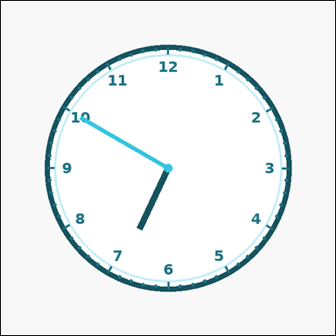 | 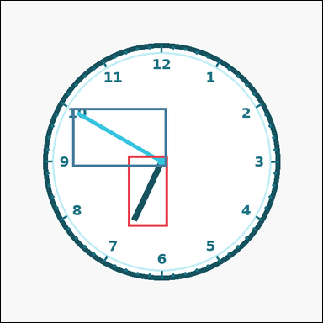 | task_temporal_clock_readout | minutes_after | Work from the clock shown in the image: one analog clock with all hour numerals, minute ticks, and two visible hands. Answer this question. Move forward 55 minutes from the shown time. What time do you get? Answer in HH:MM 12-hour format with leading zeros. Return a valid JSON object with keys "evidence" and "answer" in that order. Evidence field: set "evidence" to an array containing exactly two bounding boxes [x1, y1, x2, y2] for the clock hands. Answer field: set "answer" to the exact time in HH:MM 12-hour format with leading zeros. Example JSON: {"evidence":[[298,270,322,405],[314,148,330,406]],"answer":"04:20"} | Work from the clock shown in the image: one analog clock with all hour numerals, minute ticks, and two visible hands. Answer this question. Move forward 55 minutes from the shown time. What time do you get? Answer in HH:MM 12-hour format with leading zeros. Return a valid JSON object with key "answer". Answer rule: set "answer" to the exact time in HH:MM 12-hour format with leading zeros. Example JSON: {"answer":"04:20"} | {"evidence": [[253.144, 308.0, 332.0, 449.639], [142.407, 213.24, 330.0, 330.0]], "answer": "07:45"} | [[253.144, 308.0, 332.0, 449.639], [142.407, 213.24, 330.0, 330.0]] | string | bbox_set | 757450473642441 | temporal/task_temporal_clock_readout/images/minutes_after/0017.png | temporal/task_temporal_clock_readout/data/minutes_after/0017.json
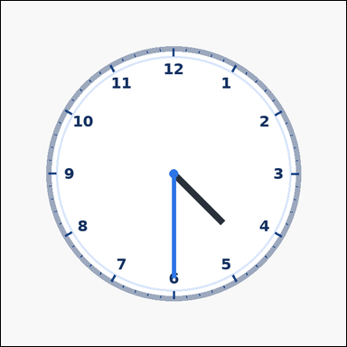 | 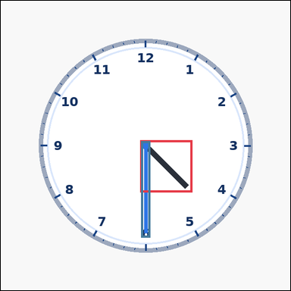 | task_temporal_clock_readout | minutes_after | Use the analog clock in the image. It shows one analog clock with all hour numerals, minute ticks, and two visible hands. Answer this question. If 55 minutes pass after the displayed time, what time will it be? Answer in HH:MM 12-hour format with leading zeros. Return a valid JSON object with keys "evidence" and "answer" in that order. Evidence rule: set "evidence" to an array containing exactly two bounding boxes [x1, y1, x2, y2] for the clock hands. Answer rule: set "answer" to the exact time in HH:MM 12-hour format with leading zeros. Example JSON: {"evidence":[[298,270,322,405],[314,148,330,406]],"answer":"04:20"} | Use the analog clock in the image. It shows one analog clock with all hour numerals, minute ticks, and two visible hands. Answer this question. If 55 minutes pass after the displayed time, what time will it be? Answer in HH:MM 12-hour format with leading zeros. Return a valid JSON object with key "answer". Answer requirement: set "answer" to the exact time in HH:MM 12-hour format with leading zeros. Example JSON: {"answer":"04:20"} | {"evidence": [[308.0, 308.0, 423.782, 423.782], [310.0, 310.0, 330.0, 523.52]], "answer": "05:25"} | [[308.0, 308.0, 423.782, 423.782], [310.0, 310.0, 330.0, 523.52]] | string | bbox_set | 1.3126478977E+15 | temporal/task_temporal_clock_readout/images/minutes_after/0015.png | temporal/task_temporal_clock_readout/data/minutes_after/0015.json
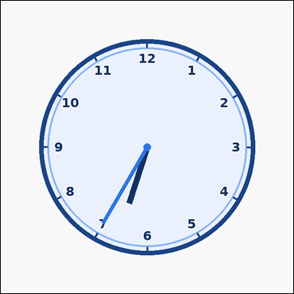 | 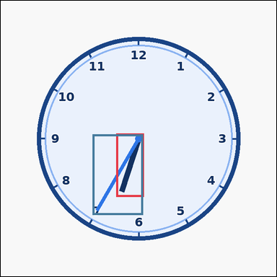 | task_temporal_clock_readout | minutes_after | Use the analog clock in the image. It shows one analog clock with all hour numerals, minute ticks, and two visible hands. Work from the shown clock face to answer the question. If 30 minutes pass after the displayed time, what time will it be? Answer in HH:MM 12-hour format with leading zeros. Return a valid JSON object with keys "evidence" and "answer" in that order. Evidence field: set "evidence" to an array containing exactly two bounding boxes [x1, y1, x2, y2] for the clock hands. Answer field: set "answer" to the exact time in HH:MM 12-hour format with leading zeros. Example JSON: {"evidence":[[298,270,322,405],[314,148,330,406]],"answer":"03:55"} | Use the analog clock in the image. It shows one analog clock with all hour numerals, minute ticks, and two visible hands. Work from the shown clock face to answer the question. If 30 minutes pass after the displayed time, what time will it be? Answer in HH:MM 12-hour format with leading zeros. Return a valid JSON object with key "answer". Answer requirement: set "answer" to the exact time in HH:MM 12-hour format with leading zeros. Example JSON: {"answer":"03:55"} | {"evidence": [[268.968, 308.0, 332.0, 455.792], [213.24, 310.0, 330.0, 497.593]], "answer": "07:05"} | [[268.968, 308.0, 332.0, 455.792], [213.24, 310.0, 330.0, 497.593]] | string | bbox_set | 1.4939602505E+15 | temporal/task_temporal_clock_readout/images/minutes_after/0020.png | temporal/task_temporal_clock_readout/data/minutes_after/0020.json
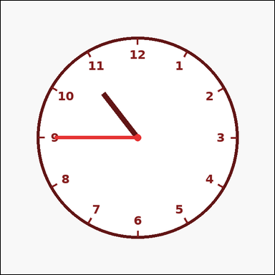 | 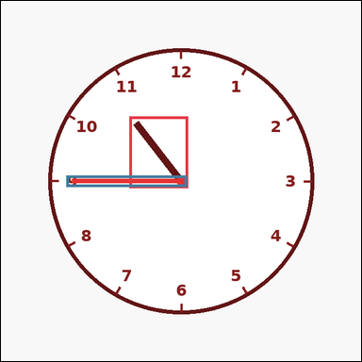 | task_temporal_clock_readout | minutes_after | Work from the clock shown in the image: one clean analog clock with hour numerals and two visible hands. Read the clock and determine the requested time. Add 15 minutes to the shown time. What is the result? Answer in HH:MM 12-hour format with leading zeros. Return a valid JSON object with keys "evidence" and "answer" in that order. Evidence rule: set "evidence" to an array containing exactly two bounding boxes [x1, y1, x2, y2] for the clock hands. Answer rule: set "answer" to the exact time in HH:MM 12-hour format with leading zeros. Example JSON: {"evidence":[[298,270,322,405],[314,148,330,406]],"answer":"03:40"} | Work from the clock shown in the image: one clean analog clock with hour numerals and two visible hands. Read the clock and determine the requested time. Add 15 minutes to the shown time. What is the result? Answer in HH:MM 12-hour format with leading zeros. Return a valid JSON object with key "answer". Answer format: set "answer" to the exact time in HH:MM 12-hour format with leading zeros. Example JSON: {"answer":"03:40"} | {"evidence": [[228.983, 205.023, 332.0, 332.0], [116.48, 310.0, 330.0, 330.0]], "answer": "11:00"} | [[228.983, 205.023, 332.0, 332.0], [116.48, 310.0, 330.0, 330.0]] | string | bbox_set | 4.2372879199E+15 | temporal/task_temporal_clock_readout/images/minutes_after/0003.png | temporal/task_temporal_clock_readout/data/minutes_after/0003.json
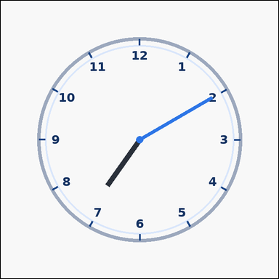 | 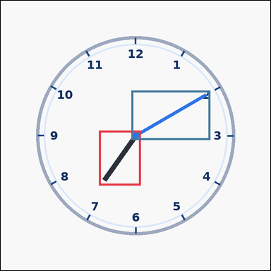 | task_temporal_clock_readout | minutes_after | You are given an image with one outline-style analog clock with hour numerals and two visible hands. Use the displayed clock to answer the question. What time will it be 55 minutes after the shown time? Answer in HH:MM 12-hour format with leading zeros. Return a valid JSON object with keys "evidence" and "answer" in that order. Evidence requirement: set "evidence" to an array containing exactly two bounding boxes [x1, y1, x2, y2] for the clock hands. Answer format: set "answer" to the exact time in HH:MM 12-hour format with leading zeros. Example JSON: {"evidence":[[298,270,322,405],[314,148,330,406]],"answer":"04:20"} | You are given an image with one outline-style analog clock with hour numerals and two visible hands. Use the displayed clock to answer the question. What time will it be 55 minutes after the shown time? Answer in HH:MM 12-hour format with leading zeros. Return a valid JSON object with key "answer". Answer: set "answer" to the exact time in HH:MM 12-hour format with leading zeros. Example JSON: {"answer":"04:20"} | {"evidence": [[233.55, 308.0, 332.0, 438.326], [310.0, 213.24, 497.593, 330.0]], "answer": "08:05"} | [[233.55, 308.0, 332.0, 438.326], [310.0, 213.24, 497.593, 330.0]] | string | bbox_set | 5.5118914719E+15 | temporal/task_temporal_clock_readout/images/minutes_after/0016.png | temporal/task_temporal_clock_readout/data/minutes_after/0016.json
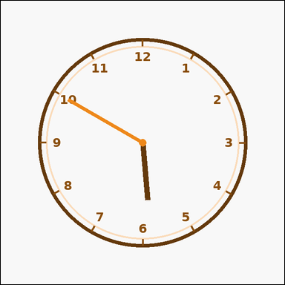 | 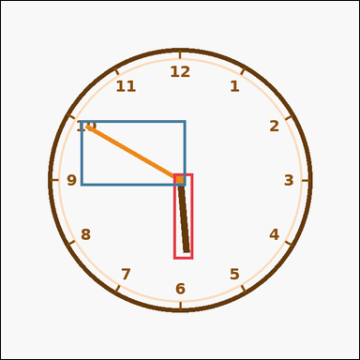 | task_temporal_clock_readout | minutes_after | Work from the clock shown in the image: one outline-style analog clock with hour numerals and two visible hands. Determine the requested time from the shown clock. Move forward 10 minutes from the shown time. What time do you get? Answer in HH:MM 12-hour format with leading zeros. Return a valid JSON object with keys "evidence" and "answer" in that order. Evidence: set "evidence" to an array containing exactly two bounding boxes [x1, y1, x2, y2] for the clock hands. Answer: set "answer" to the exact time in HH:MM 12-hour format with leading zeros. Example JSON: {"evidence":[[298,270,322,405],[314,148,330,406]],"answer":"03:35"} | Work from the clock shown in the image: one outline-style analog clock with hour numerals and two visible hands. Determine the requested time from the shown clock. Move forward 10 minutes from the shown time. What time do you get? Answer in HH:MM 12-hour format with leading zeros. Return a valid JSON object with key "answer". Answer: set "answer" to the exact time in HH:MM 12-hour format with leading zeros. Example JSON: {"answer":"03:35"} | {"evidence": [[308.0, 308.0, 343.313, 461.306], [142.407, 213.24, 330.0, 330.0]], "answer": "06:00"} | [[308.0, 308.0, 343.313, 461.306], [142.407, 213.24, 330.0, 330.0]] | string | bbox_set | 5.7439447299E+15 | temporal/task_temporal_clock_readout/images/minutes_after/0001.png | temporal/task_temporal_clock_readout/data/minutes_after/0001.json
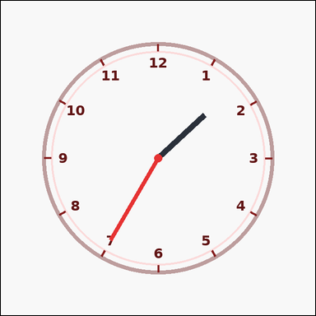 | 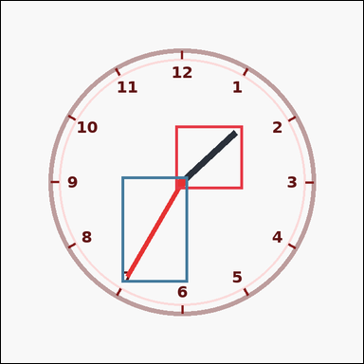 | task_temporal_clock_readout | minutes_after | You are given an image with one outline-style analog clock with hour numerals and two visible hands. Use the displayed clock to answer the question. Move forward 10 minutes from the shown time. What time do you get? Answer in HH:MM 12-hour format with leading zeros. Return a valid JSON object with keys "evidence" and "answer" in that order. Evidence rule: set "evidence" to an array containing exactly two bounding boxes [x1, y1, x2, y2] for the clock hands. Answer rule: set "answer" to the exact time in HH:MM 12-hour format with leading zeros. Example JSON: {"evidence":[[298,270,322,405],[314,148,330,406]],"answer":"03:35"} | You are given an image with one outline-style analog clock with hour numerals and two visible hands. Use the displayed clock to answer the question. Move forward 10 minutes from the shown time. What time do you get? Answer in HH:MM 12-hour format with leading zeros. Return a valid JSON object with key "answer". Answer field: set "answer" to the exact time in HH:MM 12-hour format with leading zeros. Example JSON: {"answer":"03:35"} | {"evidence": [[308.0, 220.308, 427.699, 332.0], [213.24, 310.0, 330.0, 497.593]], "answer": "01:45"} | [[308.0, 220.308, 427.699, 332.0], [213.24, 310.0, 330.0, 497.593]] | string | bbox_set | 5.9675337075E+15 | temporal/task_temporal_clock_readout/images/minutes_after/0008.png | temporal/task_temporal_clock_readout/data/minutes_after/0008.json
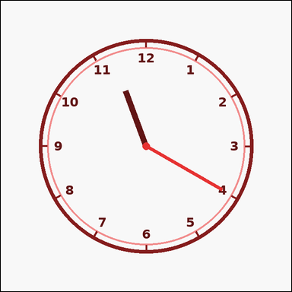 | 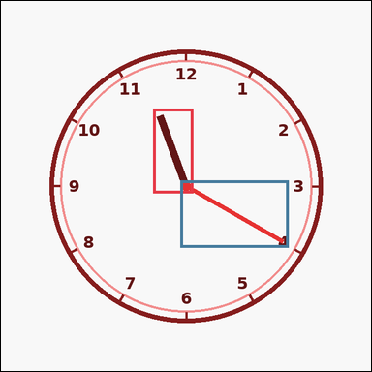 | task_temporal_clock_readout | minutes_after | Look at the clock in the image. It shows one outline-style analog clock with hour numerals and two visible hands. Answer this question. Starting from the displayed time, what time is 50 minutes later? Answer in HH:MM 12-hour format with leading zeros. Return a valid JSON object with keys "evidence" and "answer" in that order. Evidence rule: set "evidence" to an array containing exactly two bounding boxes [x1, y1, x2, y2] for the clock hands. Answer rule: set "answer" to the exact time in HH:MM 12-hour format with leading zeros. Example JSON: {"evidence":[[298,270,322,405],[314,148,330,406]],"answer":"04:15"} | Look at the clock in the image. It shows one outline-style analog clock with hour numerals and two visible hands. Answer this question. Starting from the displayed time, what time is 50 minutes later? Answer in HH:MM 12-hour format with leading zeros. Return a valid JSON object with key "answer". Answer rule: set "answer" to the exact time in HH:MM 12-hour format with leading zeros. Example JSON: {"answer":"04:15"} | {"evidence": [[263.606, 186.028, 332.0, 332.0], [310.0, 310.0, 497.593, 426.76]], "answer": "12:10"} | [[263.606, 186.028, 332.0, 332.0], [310.0, 310.0, 497.593, 426.76]] | string | bbox_set | 6.0917273428E+15 | temporal/task_temporal_clock_readout/images/minutes_after/0021.png | temporal/task_temporal_clock_readout/data/minutes_after/0021.json
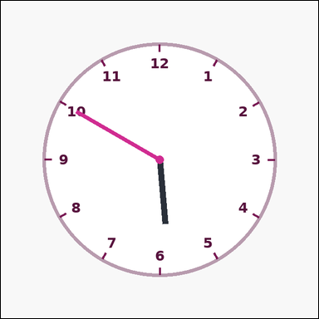 | 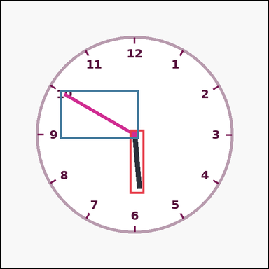 | task_temporal_clock_readout | minutes_after | The image shows one clean analog clock with hour numerals and two visible hands. Use the displayed clock to answer the question. Starting from the displayed time, what time is 30 minutes later? Answer in HH:MM 12-hour format with leading zeros. Return a valid JSON object with keys "evidence" and "answer" in that order. Evidence field: set "evidence" to an array containing exactly two bounding boxes [x1, y1, x2, y2] for the clock hands. Answer field: set "answer" to the exact time in HH:MM 12-hour format with leading zeros. Example JSON: {"evidence":[[298,270,322,405],[314,148,330,406]],"answer":"03:55"} | The image shows one clean analog clock with hour numerals and two visible hands. Use the displayed clock to answer the question. Starting from the displayed time, what time is 30 minutes later? Answer in HH:MM 12-hour format with leading zeros. Return a valid JSON object with key "answer". Answer requirement: set "answer" to the exact time in HH:MM 12-hour format with leading zeros. Example JSON: {"answer":"03:55"} | {"evidence": [[308.0, 308.0, 343.313, 461.306], [142.407, 213.24, 330.0, 330.0]], "answer": "06:20"} | [[308.0, 308.0, 343.313, 461.306], [142.407, 213.24, 330.0, 330.0]] | string | bbox_set | 6.2073364636E+15 | temporal/task_temporal_clock_readout/images/minutes_after/0000.png | temporal/task_temporal_clock_readout/data/minutes_after/0000.json
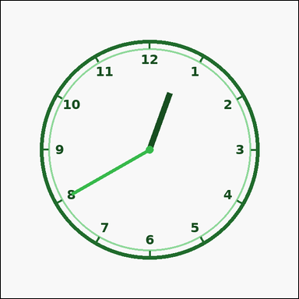 | 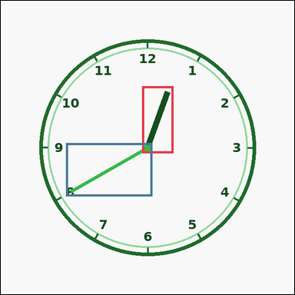 | task_temporal_clock_readout | minutes_after | Work from the clock shown in the image: one outline-style analog clock with hour numerals and two visible hands. Read the clock and determine the requested time. Add 30 minutes to the shown time. What is the result? Answer in HH:MM 12-hour format with leading zeros. Return a valid JSON object with keys "evidence" and "answer" in that order. Evidence format: set "evidence" to an array containing exactly two bounding boxes [x1, y1, x2, y2] for the clock hands. Answer requirement: set "answer" to the exact time in HH:MM 12-hour format with leading zeros. Example JSON: {"evidence":[[298,270,322,405],[314,148,330,406]],"answer":"03:55"} | Work from the clock shown in the image: one outline-style analog clock with hour numerals and two visible hands. Read the clock and determine the requested time. Add 30 minutes to the shown time. What is the result? Answer in HH:MM 12-hour format with leading zeros. Return a valid JSON object with key "answer". Answer requirement: set "answer" to the exact time in HH:MM 12-hour format with leading zeros. Example JSON: {"answer":"03:55"} | {"evidence": [[308.0, 186.028, 376.394, 332.0], [142.407, 310.0, 330.0, 426.76]], "answer": "01:10"} | [[308.0, 186.028, 376.394, 332.0], [142.407, 310.0, 330.0, 426.76]] | string | bbox_set | 6.3006364777E+15 | temporal/task_temporal_clock_readout/images/minutes_after/0007.png | temporal/task_temporal_clock_readout/data/minutes_after/0007.json
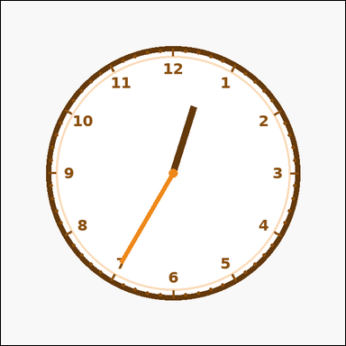 | 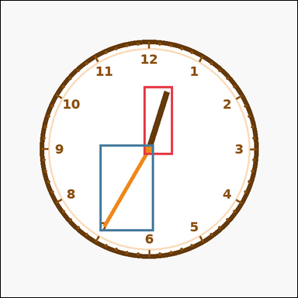 | task_temporal_clock_readout | minutes_after | Use the analog clock in the image. It shows one analog clock with all hour numerals, minute ticks, and two visible hands. Use the displayed clock to answer the question. If 10 minutes pass after the displayed time, what time will it be? Answer in HH:MM 12-hour format with leading zeros. Return a valid JSON object with keys "evidence" and "answer" in that order. Evidence requirement: set "evidence" to an array containing exactly two bounding boxes [x1, y1, x2, y2] for the clock hands. Answer format: set "answer" to the exact time in HH:MM 12-hour format with leading zeros. Example JSON: {"evidence":[[298,270,322,405],[314,148,330,406]],"answer":"03:35"} | Use the analog clock in the image. It shows one analog clock with all hour numerals, minute ticks, and two visible hands. Use the displayed clock to answer the question. If 10 minutes pass after the displayed time, what time will it be? Answer in HH:MM 12-hour format with leading zeros. Return a valid JSON object with key "answer". Answer requirement: set "answer" to the exact time in HH:MM 12-hour format with leading zeros. Example JSON: {"answer":"03:35"} | {"evidence": [[308.0, 184.208, 371.032, 332.0], [213.24, 310.0, 330.0, 497.593]], "answer": "12:45"} | [[308.0, 184.208, 371.032, 332.0], [213.24, 310.0, 330.0, 497.593]] | string | bbox_set | 6.4956896064E+15 | temporal/task_temporal_clock_readout/images/minutes_after/0004.png | temporal/task_temporal_clock_readout/data/minutes_after/0004.json
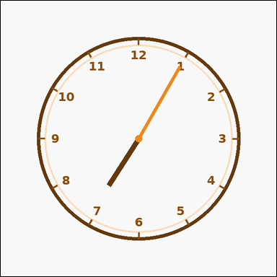 | 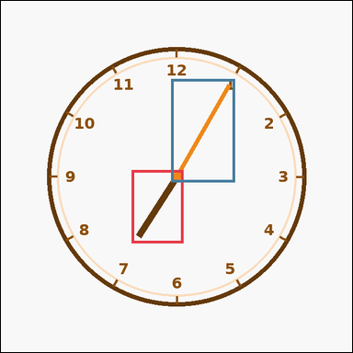 | task_temporal_clock_readout | minutes_after | You are given an image with one outline-style analog clock with hour numerals and two visible hands. Work from the shown clock face to answer the question. Starting from the displayed time, what time is 20 minutes later? Answer in HH:MM 12-hour format with leading zeros. Return a valid JSON object with keys "evidence" and "answer" in that order. Evidence field: set "evidence" to an array containing exactly two bounding boxes [x1, y1, x2, y2] for the clock hands. Answer field: set "answer" to the exact time in HH:MM 12-hour format with leading zeros. Example JSON: {"evidence":[[298,270,322,405],[314,148,330,406]],"answer":"03:45"} | You are given an image with one outline-style analog clock with hour numerals and two visible hands. Work from the shown clock face to answer the question. Starting from the displayed time, what time is 20 minutes later? Answer in HH:MM 12-hour format with leading zeros. Return a valid JSON object with key "answer". Answer format: set "answer" to the exact time in HH:MM 12-hour format with leading zeros. Example JSON: {"answer":"03:45"} | {"evidence": [[238.259, 308.0, 332.0, 441.472], [310.0, 142.407, 426.76, 330.0]], "answer": "07:25"} | [[238.259, 308.0, 332.0, 441.472], [310.0, 142.407, 426.76, 330.0]] | string | bbox_set | 6.562718441E+15 | temporal/task_temporal_clock_readout/images/minutes_after/0010.png | temporal/task_temporal_clock_readout/data/minutes_after/0010.json
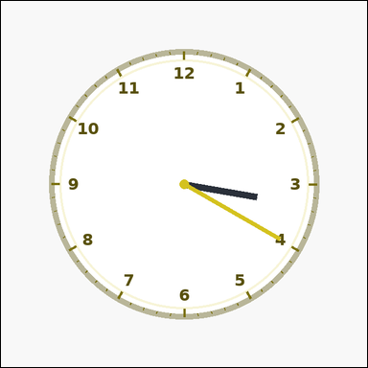 | 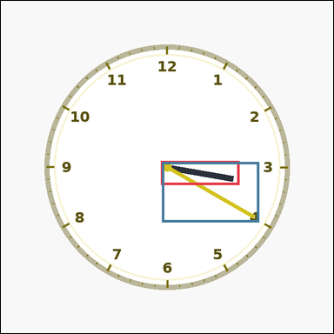 | task_temporal_clock_readout | minutes_after | Work from the clock shown in the image: one analog clock with all hour numerals, minute ticks, and two visible hands. Use the displayed clock to answer the question. What time will it be 40 minutes after the shown time? Answer in HH:MM 12-hour format with leading zeros. Return a valid JSON object with keys "evidence" and "answer" in that order. Evidence: set "evidence" to an array containing exactly two bounding boxes [x1, y1, x2, y2] for the clock hands. Answer: set "answer" to the exact time in HH:MM 12-hour format with leading zeros. Example JSON: {"evidence":[[298,270,322,405],[314,148,330,406]],"answer":"04:05"} | Work from the clock shown in the image: one analog clock with all hour numerals, minute ticks, and two visible hands. Use the displayed clock to answer the question. What time will it be 40 minutes after the shown time? Answer in HH:MM 12-hour format with leading zeros. Return a valid JSON object with key "answer". Answer requirement: set "answer" to the exact time in HH:MM 12-hour format with leading zeros. Example JSON: {"answer":"04:05"} | {"evidence": [[308.0, 308.0, 459.828, 354.54], [310.0, 310.0, 497.593, 426.76]], "answer": "04:00"} | [[308.0, 308.0, 459.828, 354.54], [310.0, 310.0, 497.593, 426.76]] | string | bbox_set | 6.7755043694E+15 | temporal/task_temporal_clock_readout/images/minutes_after/0013.png | temporal/task_temporal_clock_readout/data/minutes_after/0013.json
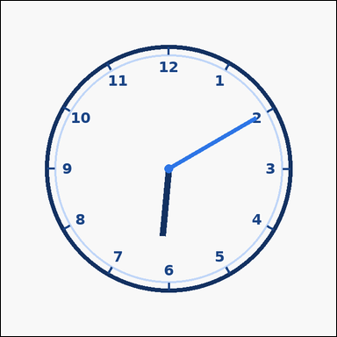 | 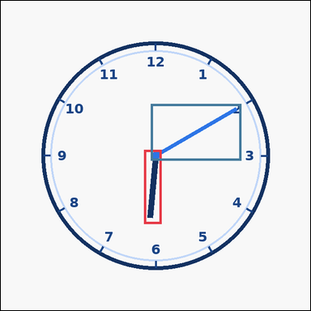 | task_temporal_clock_readout | minutes_after | Use the analog clock in the image. It shows one outline-style analog clock with hour numerals and two visible hands. Work from the shown clock face to answer the question. What time will it be 5 minutes after the shown time? Answer in HH:MM 12-hour format with leading zeros. Return a valid JSON object with keys "evidence" and "answer" in that order. Evidence field: set "evidence" to an array containing exactly two bounding boxes [x1, y1, x2, y2] for the clock hands. Answer field: set "answer" to the exact time in HH:MM 12-hour format with leading zeros. Example JSON: {"evidence":[[298,270,322,405],[314,148,330,406]],"answer":"03:30"} | Use the analog clock in the image. It shows one outline-style analog clock with hour numerals and two visible hands. Work from the shown clock face to answer the question. What time will it be 5 minutes after the shown time? Answer in HH:MM 12-hour format with leading zeros. Return a valid JSON object with key "answer". Answer requirement: set "answer" to the exact time in HH:MM 12-hour format with leading zeros. Example JSON: {"answer":"03:30"} | {"evidence": [[296.687, 308.0, 332.0, 461.306], [310.0, 213.24, 497.593, 330.0]], "answer": "06:15"} | [[296.687, 308.0, 332.0, 461.306], [310.0, 213.24, 497.593, 330.0]] | string | bbox_set | 7.0735434948E+15 | temporal/task_temporal_clock_readout/images/minutes_after/0005.png | temporal/task_temporal_clock_readout/data/minutes_after/0005.json
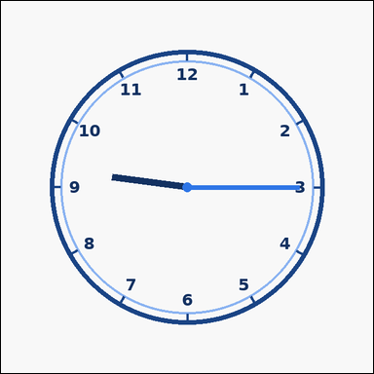 | 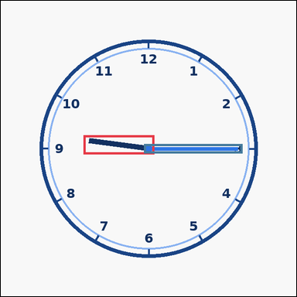 | task_temporal_clock_readout | minutes_after | The image shows one outline-style analog clock with hour numerals and two visible hands. Determine the requested time from the shown clock. Move forward 50 minutes from the shown time. What time do you get? Answer in HH:MM 12-hour format with leading zeros. Return a valid JSON object with keys "evidence" and "answer" in that order. Evidence: set "evidence" to an array containing exactly two bounding boxes [x1, y1, x2, y2] for the clock hands. Answer: set "answer" to the exact time in HH:MM 12-hour format with leading zeros. Example JSON: {"evidence":[[298,270,322,405],[314,148,330,406]],"answer":"04:15"} | The image shows one outline-style analog clock with hour numerals and two visible hands. Determine the requested time from the shown clock. Move forward 50 minutes from the shown time. What time do you get? Answer in HH:MM 12-hour format with leading zeros. Return a valid JSON object with key "answer". Answer field: set "answer" to the exact time in HH:MM 12-hour format with leading zeros. Example JSON: {"answer":"04:15"} | {"evidence": [[179.31, 291.058, 332.0, 332.0], [310.0, 310.0, 523.52, 330.0]], "answer": "10:05"} | [[179.31, 291.058, 332.0, 332.0], [310.0, 310.0, 523.52, 330.0]] | string | bbox_set | 7.1107635972E+15 | temporal/task_temporal_clock_readout/images/minutes_after/0014.png | temporal/task_temporal_clock_readout/data/minutes_after/0014.json
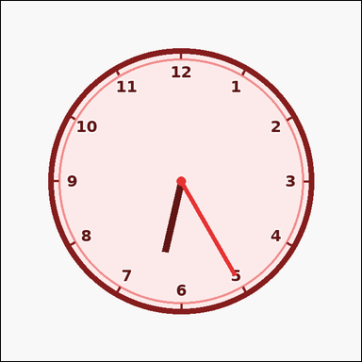 | 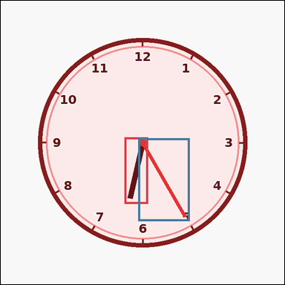 | task_temporal_clock_readout | minutes_after | Look at the clock in the image. It shows one analog clock with all hour numerals, minute ticks, and two visible hands. Read the clock and determine the requested time. Starting from the displayed time, what time is 35 minutes later? Answer in HH:MM 12-hour format with leading zeros. Return a valid JSON object with keys "evidence" and "answer" in that order. Evidence: set "evidence" to an array containing exactly two bounding boxes [x1, y1, x2, y2] for the clock hands. Answer: set "answer" to the exact time in HH:MM 12-hour format with leading zeros. Example JSON: {"evidence":[[298,270,322,405],[314,148,330,406]],"answer":"04:00"} | Look at the clock in the image. It shows one analog clock with all hour numerals, minute ticks, and two visible hands. Read the clock and determine the requested time. Starting from the displayed time, what time is 35 minutes later? Answer in HH:MM 12-hour format with leading zeros. Return a valid JSON object with key "answer". Answer: set "answer" to the exact time in HH:MM 12-hour format with leading zeros. Example JSON: {"answer":"04:00"} | {"evidence": [[279.906, 308.0, 332.0, 458.723], [310.0, 310.0, 426.76, 497.593]], "answer": "07:00"} | [[279.906, 308.0, 332.0, 458.723], [310.0, 310.0, 426.76, 497.593]] | string | bbox_set | 7.23766277E+15 | temporal/task_temporal_clock_readout/images/minutes_after/0018.png | temporal/task_temporal_clock_readout/data/minutes_after/0018.json
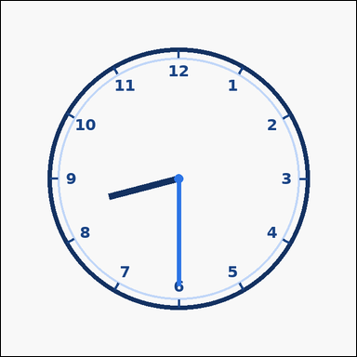 | 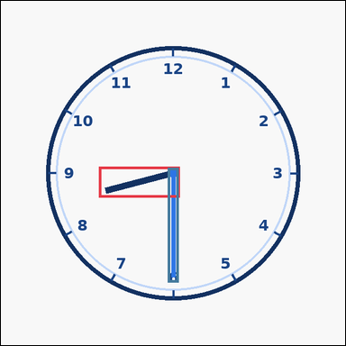 | task_temporal_clock_readout | minutes_after | You are given an image with one outline-style analog clock with hour numerals and two visible hands. Use the displayed clock to answer the question. Starting from the displayed time, what time is 10 minutes later? Answer in HH:MM 12-hour format with leading zeros. Return a valid JSON object with keys "evidence" and "answer" in that order. Evidence requirement: set "evidence" to an array containing exactly two bounding boxes [x1, y1, x2, y2] for the clock hands. Answer format: set "answer" to the exact time in HH:MM 12-hour format with leading zeros. Example JSON: {"evidence":[[298,270,322,405],[314,148,330,406]],"answer":"03:35"} | You are given an image with one outline-style analog clock with hour numerals and two visible hands. Use the displayed clock to answer the question. Starting from the displayed time, what time is 10 minutes later? Answer in HH:MM 12-hour format with leading zeros. Return a valid JSON object with key "answer". Answer: set "answer" to the exact time in HH:MM 12-hour format with leading zeros. Example JSON: {"answer":"03:35"} | {"evidence": [[182.623, 308.0, 332.0, 365.595], [310.0, 310.0, 330.0, 523.52]], "answer": "08:40"} | [[182.623, 308.0, 332.0, 365.595], [310.0, 310.0, 330.0, 523.52]] | string | bbox_set | 7.4846721971E+15 | temporal/task_temporal_clock_readout/images/minutes_after/0023.png | temporal/task_temporal_clock_readout/data/minutes_after/0023.json
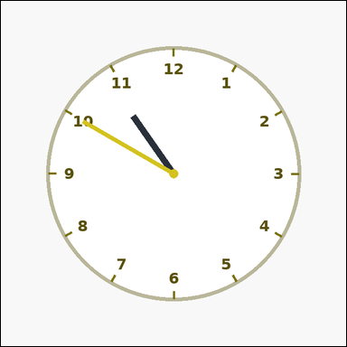 | 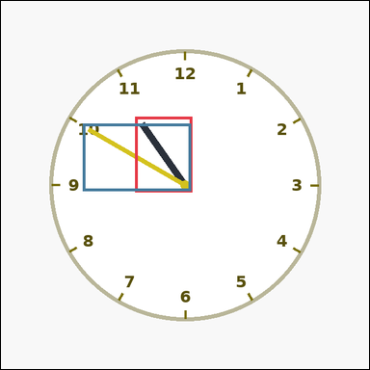 | task_temporal_clock_readout | minutes_after | Use the analog clock in the image. It shows one clean analog clock with hour numerals and two visible hands. Work from the shown clock face to answer the question. Starting from the displayed time, what time is 50 minutes later? Answer in HH:MM 12-hour format with leading zeros. Return a valid JSON object with keys "evidence" and "answer" in that order. Evidence requirement: set "evidence" to an array containing exactly two bounding boxes [x1, y1, x2, y2] for the clock hands. Answer format: set "answer" to the exact time in HH:MM 12-hour format with leading zeros. Example JSON: {"evidence":[[298,270,322,405],[314,148,330,406]],"answer":"04:15"} | Use the analog clock in the image. It shows one clean analog clock with hour numerals and two visible hands. Work from the shown clock face to answer the question. Starting from the displayed time, what time is 50 minutes later? Answer in HH:MM 12-hour format with leading zeros. Return a valid JSON object with key "answer". Answer field: set "answer" to the exact time in HH:MM 12-hour format with leading zeros. Example JSON: {"answer":"04:15"} | {"evidence": [[233.55, 201.674, 332.0, 332.0], [142.407, 213.24, 330.0, 330.0]], "answer": "11:40"} | [[233.55, 201.674, 332.0, 332.0], [142.407, 213.24, 330.0, 330.0]] | string | bbox_set | 7.6266416683E+15 | temporal/task_temporal_clock_readout/images/minutes_after/0011.png | temporal/task_temporal_clock_readout/data/minutes_after/0011.json
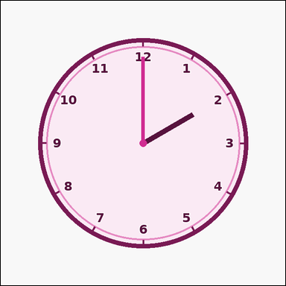 | 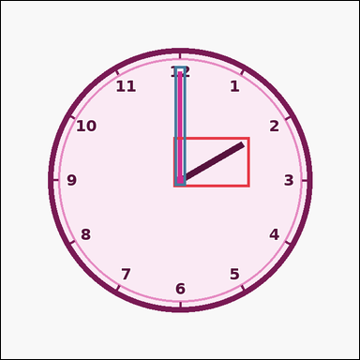 | task_temporal_clock_readout | minutes_after | Use the analog clock in the image. It shows one analog clock with all hour numerals, minute ticks, and two visible hands. Answer this question. Starting from the displayed time, what time is 25 minutes later? Answer in HH:MM 12-hour format with leading zeros. Return a valid JSON object with keys "evidence" and "answer" in that order. Evidence requirement: set "evidence" to an array containing exactly two bounding boxes [x1, y1, x2, y2] for the clock hands. Answer format: set "answer" to the exact time in HH:MM 12-hour format with leading zeros. Example JSON: {"evidence":[[298,270,322,405],[314,148,330,406]],"answer":"03:50"} | Use the analog clock in the image. It shows one analog clock with all hour numerals, minute ticks, and two visible hands. Answer this question. Starting from the displayed time, what time is 25 minutes later? Answer in HH:MM 12-hour format with leading zeros. Return a valid JSON object with key "answer". Answer rule: set "answer" to the exact time in HH:MM 12-hour format with leading zeros. Example JSON: {"answer":"03:50"} | {"evidence": [[308.0, 243.1, 444.41, 332.0], [310.0, 116.48, 330.0, 330.0]], "answer": "02:25"} | [[308.0, 243.1, 444.41, 332.0], [310.0, 116.48, 330.0, 330.0]] | string | bbox_set | 7.7263061901E+15 | temporal/task_temporal_clock_readout/images/minutes_after/0006.png | temporal/task_temporal_clock_readout/data/minutes_after/0006.json
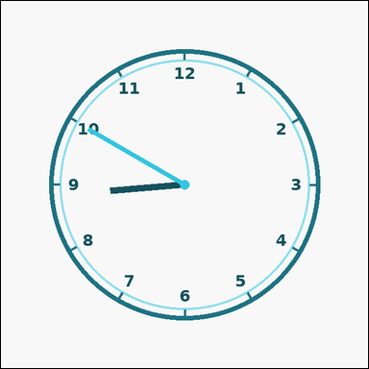 | 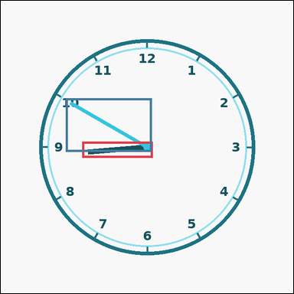 | task_temporal_clock_readout | minutes_after | You are given an image with one outline-style analog clock with hour numerals and two visible hands. Answer this question. Add 50 minutes to the shown time. What is the result? Answer in HH:MM 12-hour format with leading zeros. Return a valid JSON object with keys "evidence" and "answer" in that order. Evidence requirement: set "evidence" to an array containing exactly two bounding boxes [x1, y1, x2, y2] for the clock hands. Answer format: set "answer" to the exact time in HH:MM 12-hour format with leading zeros. Example JSON: {"evidence":[[298,270,322,405],[314,148,330,406]],"answer":"04:15"} | You are given an image with one outline-style analog clock with hour numerals and two visible hands. Answer this question. Add 50 minutes to the shown time. What is the result? Answer in HH:MM 12-hour format with leading zeros. Return a valid JSON object with key "answer". Answer rule: set "answer" to the exact time in HH:MM 12-hour format with leading zeros. Example JSON: {"answer":"04:15"} | {"evidence": [[178.694, 308.0, 332.0, 343.313], [142.407, 213.24, 330.0, 330.0]], "answer": "09:40"} | [[178.694, 308.0, 332.0, 343.313], [142.407, 213.24, 330.0, 330.0]] | string | bbox_set | 7.8222229665E+15 | temporal/task_temporal_clock_readout/images/minutes_after/0002.png | temporal/task_temporal_clock_readout/data/minutes_after/0002.json
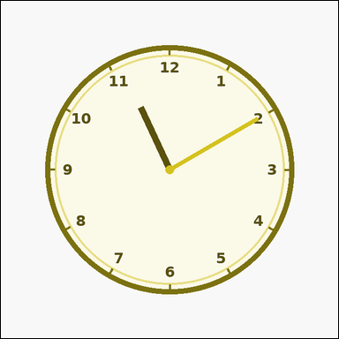 | 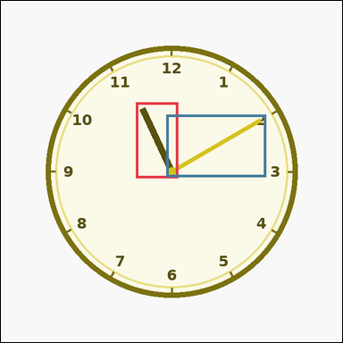 | task_temporal_clock_readout | minutes_after | Look at the clock in the image. It shows one analog clock with all hour numerals, minute ticks, and two visible hands. Use the displayed clock to answer the question. What time will it be 50 minutes after the shown time? Answer in HH:MM 12-hour format with leading zeros. Return a valid JSON object with keys "evidence" and "answer" in that order. Evidence format: set "evidence" to an array containing exactly two bounding boxes [x1, y1, x2, y2] for the clock hands. Answer requirement: set "answer" to the exact time in HH:MM 12-hour format with leading zeros. Example JSON: {"evidence":[[298,270,322,405],[314,148,330,406]],"answer":"04:15"} | Look at the clock in the image. It shows one analog clock with all hour numerals, minute ticks, and two visible hands. Use the displayed clock to answer the question. What time will it be 50 minutes after the shown time? Answer in HH:MM 12-hour format with leading zeros. Return a valid JSON object with key "answer". Answer rule: set "answer" to the exact time in HH:MM 12-hour format with leading zeros. Example JSON: {"answer":"04:15"} | {"evidence": [[253.144, 190.361, 332.0, 332.0], [310.0, 213.24, 497.593, 330.0]], "answer": "12:00"} | [[253.144, 190.361, 332.0, 332.0], [310.0, 213.24, 497.593, 330.0]] | string | bbox_set | 8.2334570224E+15 | temporal/task_temporal_clock_readout/images/minutes_after/0009.png | temporal/task_temporal_clock_readout/data/minutes_after/0009.json
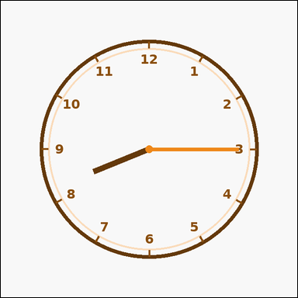 | 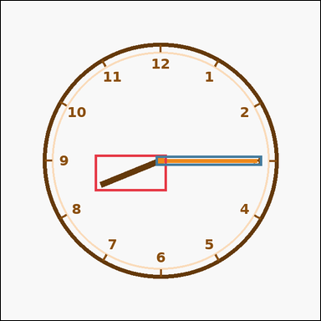 | task_temporal_clock_readout | minutes_after | Use the analog clock in the image. It shows one outline-style analog clock with hour numerals and two visible hands. Work from the shown clock face to answer the question. Add 35 minutes to the shown time. What is the result? Answer in HH:MM 12-hour format with leading zeros. Return a valid JSON object with keys "evidence" and "answer" in that order. Evidence: set "evidence" to an array containing exactly two bounding boxes [x1, y1, x2, y2] for the clock hands. Answer: set "answer" to the exact time in HH:MM 12-hour format with leading zeros. Example JSON: {"evidence":[[298,270,322,405],[314,148,330,406]],"answer":"04:00"} | Use the analog clock in the image. It shows one outline-style analog clock with hour numerals and two visible hands. Work from the shown clock face to answer the question. Add 35 minutes to the shown time. What is the result? Answer in HH:MM 12-hour format with leading zeros. Return a valid JSON object with key "answer". Answer format: set "answer" to the exact time in HH:MM 12-hour format with leading zeros. Example JSON: {"answer":"04:00"} | {"evidence": [[188.08, 308.0, 332.0, 381.672], [310.0, 310.0, 523.52, 330.0]], "answer": "08:50"} | [[188.08, 308.0, 332.0, 381.672], [310.0, 310.0, 523.52, 330.0]] | string | bbox_set | 8.3159748582E+15 | temporal/task_temporal_clock_readout/images/minutes_after/0022.png | temporal/task_temporal_clock_readout/data/minutes_after/0022.json
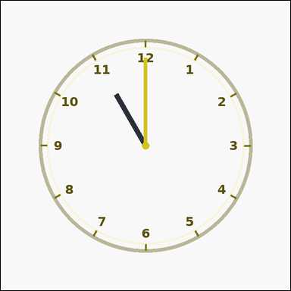 | 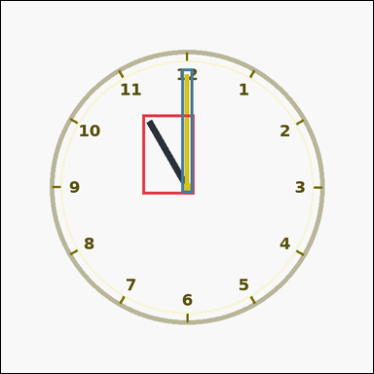 | task_temporal_clock_readout | minutes_after | Use the analog clock in the image. It shows one outline-style analog clock with hour numerals and two visible hands. Determine the requested time from the shown clock. Move forward 20 minutes from the shown time. What time do you get? Answer in HH:MM 12-hour format with leading zeros. Return a valid JSON object with keys "evidence" and "answer" in that order. Evidence field: set "evidence" to an array containing exactly two bounding boxes [x1, y1, x2, y2] for the clock hands. Answer field: set "answer" to the exact time in HH:MM 12-hour format with leading zeros. Example JSON: {"evidence":[[298,270,322,405],[314,148,330,406]],"answer":"03:45"} | Use the analog clock in the image. It shows one outline-style analog clock with hour numerals and two visible hands. Determine the requested time from the shown clock. Move forward 20 minutes from the shown time. What time do you get? Answer in HH:MM 12-hour format with leading zeros. Return a valid JSON object with key "answer". Answer: set "answer" to the exact time in HH:MM 12-hour format with leading zeros. Example JSON: {"answer":"03:45"} | {"evidence": [[243.1, 195.59, 332.0, 332.0], [310.0, 116.48, 330.0, 330.0]], "answer": "11:20"} | [[243.1, 195.59, 332.0, 332.0], [310.0, 116.48, 330.0, 330.0]] | string | bbox_set | 8.3218753488E+15 | temporal/task_temporal_clock_readout/images/minutes_after/0012.png | temporal/task_temporal_clock_readout/data/minutes_after/0012.json
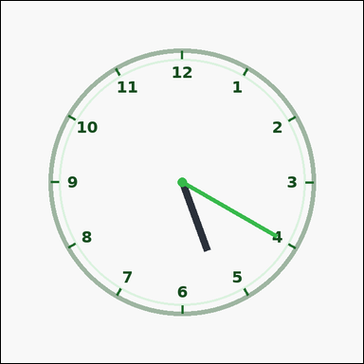 | 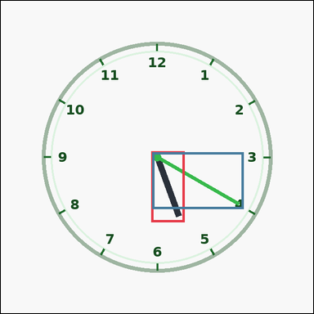 | task_temporal_clock_readout | minutes_after | You are given an image with one outline-style analog clock with hour numerals and two visible hands. Determine the requested time from the shown clock. Starting from the displayed time, what time is 50 minutes later? Answer in HH:MM 12-hour format with leading zeros. Return a valid JSON object with keys "evidence" and "answer" in that order. Evidence rule: set "evidence" to an array containing exactly two bounding boxes [x1, y1, x2, y2] for the clock hands. Answer rule: set "answer" to the exact time in HH:MM 12-hour format with leading zeros. Example JSON: {"evidence":[[298,270,322,405],[314,148,330,406]],"answer":"04:15"} | You are given an image with one outline-style analog clock with hour numerals and two visible hands. Determine the requested time from the shown clock. Starting from the displayed time, what time is 50 minutes later? Answer in HH:MM 12-hour format with leading zeros. Return a valid JSON object with key "answer". Answer: set "answer" to the exact time in HH:MM 12-hour format with leading zeros. Example JSON: {"answer":"04:15"} | {"evidence": [[308.0, 308.0, 376.394, 453.972], [310.0, 310.0, 497.593, 426.76]], "answer": "06:10"} | [[308.0, 308.0, 376.394, 453.972], [310.0, 310.0, 497.593, 426.76]] | string | bbox_set | 8.6032483508E+15 | temporal/task_temporal_clock_readout/images/minutes_after/0024.png | temporal/task_temporal_clock_readout/data/minutes_after/0024.json
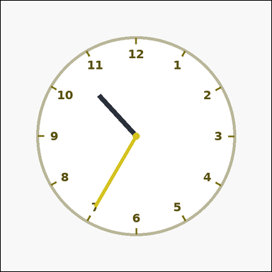 | 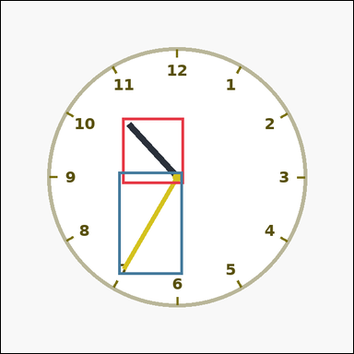 | task_temporal_clock_readout | minutes_after | The image shows one clean analog clock with hour numerals and two visible hands. Read the clock and determine the requested time. Add 50 minutes to the shown time. What is the result? Answer in HH:MM 12-hour format with leading zeros. Return a valid JSON object with keys "evidence" and "answer" in that order. Evidence rule: set "evidence" to an array containing exactly two bounding boxes [x1, y1, x2, y2] for the clock hands. Answer rule: set "answer" to the exact time in HH:MM 12-hour format with leading zeros. Example JSON: {"evidence":[[298,270,322,405],[314,148,330,406]],"answer":"04:15"} | The image shows one clean analog clock with hour numerals and two visible hands. Read the clock and determine the requested time. Add 50 minutes to the shown time. What is the result? Answer in HH:MM 12-hour format with leading zeros. Return a valid JSON object with key "answer". Answer format: set "answer" to the exact time in HH:MM 12-hour format with leading zeros. Example JSON: {"answer":"04:15"} | {"evidence": [[220.308, 212.301, 332.0, 332.0], [213.24, 310.0, 330.0, 497.593]], "answer": "11:25"} | [[220.308, 212.301, 332.0, 332.0], [213.24, 310.0, 330.0, 497.593]] | string | bbox_set | 8.8783633419E+15 | temporal/task_temporal_clock_readout/images/minutes_after/0019.png | temporal/task_temporal_clock_readout/data/minutes_after/0019.json

minutes_before
image | evidence_image | task | task_variant | prompt | prompt_answer_only | answer | answer_evidence | answer_type | evidence_type | instance_seed | image_path | data_path
 |  | task_temporal_clock_readout | minutes_before | Use the analog clock in the image. It shows one analog clock with all hour numerals, minute ticks, and two visible hands. Answer this question. Move backward 10 minutes from the shown time. What time do you get? Answer in HH:MM 12-hour format with leading zeros. Return a valid JSON object with keys "evidence" and "answer" in that order. Evidence format: set "evidence" to an array containing exactly two bounding boxes [x1, y1, x2, y2] for the clock hands. Answer requirement: set "answer" to the exact time in HH:MM 12-hour format with leading zeros. Example JSON: {"evidence":[[298,270,322,405],[314,148,330,406]],"answer":"03:15"} | Use the analog clock in the image. It shows one analog clock with all hour numerals, minute ticks, and two visible hands. Answer this question. Move backward 10 minutes from the shown time. What time do you get? Answer in HH:MM 12-hour format with leading zeros. Return a valid JSON object with key "answer". Answer format: set "answer" to the exact time in HH:MM 12-hour format with leading zeros. Example JSON: {"answer":"03:15"} | {"evidence": [[279.906, 308.0, 332.0, 458.723], [310.0, 310.0, 426.76, 497.593]], "answer": "06:15"} | [[279.906, 308.0, 332.0, 458.723], [310.0, 310.0, 426.76, 497.593]] | string | bbox_set | 123175217316120 | temporal/task_temporal_clock_readout/images/minutes_before/0019.png | temporal/task_temporal_clock_readout/data/minutes_before/0019.json
 |  | task_temporal_clock_readout | minutes_before | Look at the clock in the image. It shows one outline-style analog clock with hour numerals and two visible hands. Determine the requested time from the shown clock. If you go back 35 minutes from the displayed time, what time was it? Answer in HH:MM 12-hour format with leading zeros. Return a valid JSON object with keys "evidence" and "answer" in that order. Evidence requirement: set "evidence" to an array containing exactly two bounding boxes [x1, y1, x2, y2] for the clock hands. Answer format: set "answer" to the exact time in HH:MM 12-hour format with leading zeros. Example JSON: {"evidence":[[298,270,322,405],[314,148,330,406]],"answer":"02:50"} | Look at the clock in the image. It shows one outline-style analog clock with hour numerals and two visible hands. Determine the requested time from the shown clock. If you go back 35 minutes from the displayed time, what time was it? Answer in HH:MM 12-hour format with leading zeros. Return a valid JSON object with key "answer". Answer rule: set "answer" to the exact time in HH:MM 12-hour format with leading zeros. Example JSON: {"answer":"02:50"} | {"evidence": [[296.687, 308.0, 332.0, 461.306], [310.0, 213.24, 497.593, 330.0]], "answer": "05:35"} | [[296.687, 308.0, 332.0, 461.306], [310.0, 213.24, 497.593, 330.0]] | string | bbox_set | 419526962550736 | temporal/task_temporal_clock_readout/images/minutes_before/0006.png | temporal/task_temporal_clock_readout/data/minutes_before/0006.json
 |  | task_temporal_clock_readout | minutes_before | You are given an image with one clean analog clock with hour numerals and two visible hands. Determine the requested time from the shown clock. What time was it 50 minutes before the shown time? Answer in HH:MM 12-hour format with leading zeros. Return a valid JSON object with keys "evidence" and "answer" in that order. Evidence format: set "evidence" to an array containing exactly two bounding boxes [x1, y1, x2, y2] for the clock hands. Answer requirement: set "answer" to the exact time in HH:MM 12-hour format with leading zeros. Example JSON: {"evidence":[[298,270,322,405],[314,148,330,406]],"answer":"02:35"} | You are given an image with one clean analog clock with hour numerals and two visible hands. Determine the requested time from the shown clock. What time was it 50 minutes before the shown time? Answer in HH:MM 12-hour format with leading zeros. Return a valid JSON object with key "answer". Answer field: set "answer" to the exact time in HH:MM 12-hour format with leading zeros. Example JSON: {"answer":"02:35"} | {"evidence": [[308.0, 308.0, 396.9, 444.41], [310.0, 116.48, 330.0, 330.0]], "answer": "04:10"} | [[308.0, 308.0, 396.9, 444.41], [310.0, 116.48, 330.0, 330.0]] | string | bbox_set | 665354999494124 | temporal/task_temporal_clock_readout/images/minutes_before/0007.png | temporal/task_temporal_clock_readout/data/minutes_before/0007.json
 |  | task_temporal_clock_readout | minutes_before | Use the analog clock in the image. It shows one analog clock with all hour numerals, minute ticks, and two visible hands. Determine the requested time from the shown clock. What time was it 25 minutes before the shown time? Answer in HH:MM 12-hour format with leading zeros. Return a valid JSON object with keys "evidence" and "answer" in that order. Evidence: set "evidence" to an array containing exactly two bounding boxes [x1, y1, x2, y2] for the clock hands. Answer: set "answer" to the exact time in HH:MM 12-hour format with leading zeros. Example JSON: {"evidence":[[298,270,322,405],[314,148,330,406]],"answer":"03:00"} | Use the analog clock in the image. It shows one analog clock with all hour numerals, minute ticks, and two visible hands. Determine the requested time from the shown clock. What time was it 25 minutes before the shown time? Answer in HH:MM 12-hour format with leading zeros. Return a valid JSON object with key "answer". Answer rule: set "answer" to the exact time in HH:MM 12-hour format with leading zeros. Example JSON: {"answer":"03:00"} | {"evidence": [[208.567, 308.0, 332.0, 415.434], [142.407, 310.0, 330.0, 426.76]], "answer": "07:15"} | [[208.567, 308.0, 332.0, 415.434], [142.407, 310.0, 330.0, 426.76]] | string | bbox_set | 671105752764394 | temporal/task_temporal_clock_readout/images/minutes_before/0014.png | temporal/task_temporal_clock_readout/data/minutes_before/0014.json
 |  | task_temporal_clock_readout | minutes_before | You are given an image with one analog clock with all hour numerals, minute ticks, and two visible hands. Answer this question. If you go back 10 minutes from the displayed time, what time was it? Answer in HH:MM 12-hour format with leading zeros. Return a valid JSON object with keys "evidence" and "answer" in that order. Evidence rule: set "evidence" to an array containing exactly two bounding boxes [x1, y1, x2, y2] for the clock hands. Answer rule: set "answer" to the exact time in HH:MM 12-hour format with leading zeros. Example JSON: {"evidence":[[298,270,322,405],[314,148,330,406]],"answer":"03:15"} | You are given an image with one analog clock with all hour numerals, minute ticks, and two visible hands. Answer this question. If you go back 10 minutes from the displayed time, what time was it? Answer in HH:MM 12-hour format with leading zeros. Return a valid JSON object with key "answer". Answer rule: set "answer" to the exact time in HH:MM 12-hour format with leading zeros. Example JSON: {"answer":"03:15"} | {"evidence": [[180.172, 308.0, 332.0, 354.54], [142.407, 310.0, 330.0, 426.76]], "answer": "08:30"} | [[180.172, 308.0, 332.0, 354.54], [142.407, 310.0, 330.0, 426.76]] | string | bbox_set | 1.0756142948E+15 | temporal/task_temporal_clock_readout/images/minutes_before/0000.png | temporal/task_temporal_clock_readout/data/minutes_before/0000.json
 |  | task_temporal_clock_readout | minutes_before | Look at the clock in the image. It shows one clean analog clock with hour numerals and two visible hands. Read the clock and determine the requested time. If you go back 20 minutes from the displayed time, what time was it? Answer in HH:MM 12-hour format with leading zeros. Return a valid JSON object with keys "evidence" and "answer" in that order. Evidence requirement: set "evidence" to an array containing exactly two bounding boxes [x1, y1, x2, y2] for the clock hands. Answer format: set "answer" to the exact time in HH:MM 12-hour format with leading zeros. Example JSON: {"evidence":[[298,270,322,405],[314,148,330,406]],"answer":"03:05"} | Look at the clock in the image. It shows one clean analog clock with hour numerals and two visible hands. Read the clock and determine the requested time. If you go back 20 minutes from the displayed time, what time was it? Answer in HH:MM 12-hour format with leading zeros. Return a valid JSON object with key "answer". Answer: set "answer" to the exact time in HH:MM 12-hour format with leading zeros. Example JSON: {"answer":"03:05"} | {"evidence": [[296.687, 308.0, 332.0, 461.306], [310.0, 213.24, 497.593, 330.0]], "answer": "05:50"} | [[296.687, 308.0, 332.0, 461.306], [310.0, 213.24, 497.593, 330.0]] | string | bbox_set | 1.5006002234E+15 | temporal/task_temporal_clock_readout/images/minutes_before/0004.png | temporal/task_temporal_clock_readout/data/minutes_before/0004.json
 |  | task_temporal_clock_readout | minutes_before | Use the analog clock in the image. It shows one clean analog clock with hour numerals and two visible hands. Use the displayed clock to answer the question. What time was it 45 minutes before the shown time? Answer in HH:MM 12-hour format with leading zeros. Return a valid JSON object with keys "evidence" and "answer" in that order. Evidence field: set "evidence" to an array containing exactly two bounding boxes [x1, y1, x2, y2] for the clock hands. Answer field: set "answer" to the exact time in HH:MM 12-hour format with leading zeros. Example JSON: {"evidence":[[298,270,322,405],[314,148,330,406]],"answer":"02:40"} | Use the analog clock in the image. It shows one clean analog clock with hour numerals and two visible hands. Use the displayed clock to answer the question. What time was it 45 minutes before the shown time? Answer in HH:MM 12-hour format with leading zeros. Return a valid JSON object with key "answer". Answer: set "answer" to the exact time in HH:MM 12-hour format with leading zeros. Example JSON: {"answer":"02:40"} | {"evidence": [[208.567, 308.0, 332.0, 415.434], [142.407, 310.0, 330.0, 426.76]], "answer": "06:55"} | [[208.567, 308.0, 332.0, 415.434], [142.407, 310.0, 330.0, 426.76]] | string | bbox_set | 2.0307261858E+15 | temporal/task_temporal_clock_readout/images/minutes_before/0021.png | temporal/task_temporal_clock_readout/data/minutes_before/0021.json
 |  | task_temporal_clock_readout | minutes_before | Work from the clock shown in the image: one clean analog clock with hour numerals and two visible hands. Work from the shown clock face to answer the question. Move backward 20 minutes from the shown time. What time do you get? Answer in HH:MM 12-hour format with leading zeros. Return a valid JSON object with keys "evidence" and "answer" in that order. Evidence rule: set "evidence" to an array containing exactly two bounding boxes [x1, y1, x2, y2] for the clock hands. Answer rule: set "answer" to the exact time in HH:MM 12-hour format with leading zeros. Example JSON: {"evidence":[[298,270,322,405],[314,148,330,406]],"answer":"03:05"} | Work from the clock shown in the image: one clean analog clock with hour numerals and two visible hands. Work from the shown clock face to answer the question. Move backward 20 minutes from the shown time. What time do you get? Answer in HH:MM 12-hour format with leading zeros. Return a valid JSON object with key "answer". Answer requirement: set "answer" to the exact time in HH:MM 12-hour format with leading zeros. Example JSON: {"answer":"03:05"} | {"evidence": [[201.674, 233.55, 332.0, 332.0], [310.0, 213.24, 497.593, 330.0]], "answer": "09:50"} | [[201.674, 233.55, 332.0, 332.0], [310.0, 213.24, 497.593, 330.0]] | string | bbox_set | 2.0327446571E+15 | temporal/task_temporal_clock_readout/images/minutes_before/0015.png | temporal/task_temporal_clock_readout/data/minutes_before/0015.json
 |  | task_temporal_clock_readout | minutes_before | Look at the clock in the image. It shows one outline-style analog clock with hour numerals and two visible hands. Use the displayed clock to answer the question. Subtract 25 minutes from the shown time. What is the result? Answer in HH:MM 12-hour format with leading zeros. Return a valid JSON object with keys "evidence" and "answer" in that order. Evidence rule: set "evidence" to an array containing exactly two bounding boxes [x1, y1, x2, y2] for the clock hands. Answer rule: set "answer" to the exact time in HH:MM 12-hour format with leading zeros. Example JSON: {"evidence":[[298,270,322,405],[314,148,330,406]],"answer":"03:00"} | Look at the clock in the image. It shows one outline-style analog clock with hour numerals and two visible hands. Use the displayed clock to answer the question. Subtract 25 minutes from the shown time. What is the result? Answer in HH:MM 12-hour format with leading zeros. Return a valid JSON object with key "answer". Answer: set "answer" to the exact time in HH:MM 12-hour format with leading zeros. Example JSON: {"answer":"03:00"} | {"evidence": [[308.0, 308.0, 444.41, 396.9], [310.0, 116.48, 330.0, 330.0]], "answer": "03:35"} | [[308.0, 308.0, 444.41, 396.9], [310.0, 116.48, 330.0, 330.0]] | string | bbox_set | 2.2951154047E+15 | temporal/task_temporal_clock_readout/images/minutes_before/0009.png | temporal/task_temporal_clock_readout/data/minutes_before/0009.json
 |  | task_temporal_clock_readout | minutes_before | Use the analog clock in the image. It shows one outline-style analog clock with hour numerals and two visible hands. Read the clock and determine the requested time. Starting from the displayed time, what time is 30 minutes earlier? Answer in HH:MM 12-hour format with leading zeros. Return a valid JSON object with keys "evidence" and "answer" in that order. Evidence field: set "evidence" to an array containing exactly two bounding boxes [x1, y1, x2, y2] for the clock hands. Answer field: set "answer" to the exact time in HH:MM 12-hour format with leading zeros. Example JSON: {"evidence":[[298,270,322,405],[314,148,330,406]],"answer":"02:55"} | Use the analog clock in the image. It shows one outline-style analog clock with hour numerals and two visible hands. Read the clock and determine the requested time. Starting from the displayed time, what time is 30 minutes earlier? Answer in HH:MM 12-hour format with leading zeros. Return a valid JSON object with key "answer". Answer rule: set "answer" to the exact time in HH:MM 12-hour format with leading zeros. Example JSON: {"answer":"02:55"} | {"evidence": [[258.328, 308.0, 332.0, 451.92], [116.48, 310.0, 330.0, 330.0]], "answer": "06:15"} | [[258.328, 308.0, 332.0, 451.92], [116.48, 310.0, 330.0, 330.0]] | string | bbox_set | 2.6130908793E+15 | temporal/task_temporal_clock_readout/images/minutes_before/0012.png | temporal/task_temporal_clock_readout/data/minutes_before/0012.json
 |  | task_temporal_clock_readout | minutes_before | You are given an image with one analog clock with all hour numerals, minute ticks, and two visible hands. Read the clock and determine the requested time. Subtract 30 minutes from the shown time. What is the result? Answer in HH:MM 12-hour format with leading zeros. Return a valid JSON object with keys "evidence" and "answer" in that order. Evidence field: set "evidence" to an array containing exactly two bounding boxes [x1, y1, x2, y2] for the clock hands. Answer field: set "answer" to the exact time in HH:MM 12-hour format with leading zeros. Example JSON: {"evidence":[[298,270,322,405],[314,148,330,406]],"answer":"02:55"} | You are given an image with one analog clock with all hour numerals, minute ticks, and two visible hands. Read the clock and determine the requested time. Subtract 30 minutes from the shown time. What is the result? Answer in HH:MM 12-hour format with leading zeros. Return a valid JSON object with key "answer". Answer field: set "answer" to the exact time in HH:MM 12-hour format with leading zeros. Example JSON: {"answer":"02:55"} | {"evidence": [[308.0, 195.59, 396.9, 332.0], [310.0, 116.48, 330.0, 330.0]], "answer": "12:30"} | [[308.0, 195.59, 396.9, 332.0], [310.0, 116.48, 330.0, 330.0]] | string | bbox_set | 3.7752115462E+15 | temporal/task_temporal_clock_readout/images/minutes_before/0023.png | temporal/task_temporal_clock_readout/data/minutes_before/0023.json
 |  | task_temporal_clock_readout | minutes_before | The image shows one outline-style analog clock with hour numerals and two visible hands. Answer this question. If you go back 40 minutes from the displayed time, what time was it? Answer in HH:MM 12-hour format with leading zeros. Return a valid JSON object with keys "evidence" and "answer" in that order. Evidence format: set "evidence" to an array containing exactly two bounding boxes [x1, y1, x2, y2] for the clock hands. Answer requirement: set "answer" to the exact time in HH:MM 12-hour format with leading zeros. Example JSON: {"evidence":[[298,270,322,405],[314,148,330,406]],"answer":"02:45"} | The image shows one outline-style analog clock with hour numerals and two visible hands. Answer this question. If you go back 40 minutes from the displayed time, what time was it? Answer in HH:MM 12-hour format with leading zeros. Return a valid JSON object with key "answer". Answer: set "answer" to the exact time in HH:MM 12-hour format with leading zeros. Example JSON: {"answer":"02:45"} | {"evidence": [[243.1, 308.0, 332.0, 444.41], [310.0, 116.48, 330.0, 330.0]], "answer": "06:20"} | [[243.1, 308.0, 332.0, 444.41], [310.0, 116.48, 330.0, 330.0]] | string | bbox_set | 4.4119131153E+15 | temporal/task_temporal_clock_readout/images/minutes_before/0003.png | temporal/task_temporal_clock_readout/data/minutes_before/0003.json
 |  | task_temporal_clock_readout | minutes_before | Work from the clock shown in the image: one clean analog clock with hour numerals and two visible hands. Work from the shown clock face to answer the question. Move backward 40 minutes from the shown time. What time do you get? Answer in HH:MM 12-hour format with leading zeros. Return a valid JSON object with keys "evidence" and "answer" in that order. Evidence requirement: set "evidence" to an array containing exactly two bounding boxes [x1, y1, x2, y2] for the clock hands. Answer format: set "answer" to the exact time in HH:MM 12-hour format with leading zeros. Example JSON: {"evidence":[[298,270,322,405],[314,148,330,406]],"answer":"02:45"} | Work from the clock shown in the image: one clean analog clock with hour numerals and two visible hands. Work from the shown clock face to answer the question. Move backward 40 minutes from the shown time. What time do you get? Answer in HH:MM 12-hour format with leading zeros. Return a valid JSON object with key "answer". Answer rule: set "answer" to the exact time in HH:MM 12-hour format with leading zeros. Example JSON: {"answer":"02:45"} | {"evidence": [[308.0, 233.55, 438.326, 332.0], [142.407, 213.24, 330.0, 330.0]], "answer": "01:10"} | [[308.0, 233.55, 438.326, 332.0], [142.407, 213.24, 330.0, 330.0]] | string | bbox_set | 4.9078061368E+15 | temporal/task_temporal_clock_readout/images/minutes_before/0013.png | temporal/task_temporal_clock_readout/data/minutes_before/0013.json
 |  | task_temporal_clock_readout | minutes_before | Work from the clock shown in the image: one clean analog clock with hour numerals and two visible hands. Use the displayed clock to answer the question. Move backward 45 minutes from the shown time. What time do you get? Answer in HH:MM 12-hour format with leading zeros. Return a valid JSON object with keys "evidence" and "answer" in that order. Evidence requirement: set "evidence" to an array containing exactly two bounding boxes [x1, y1, x2, y2] for the clock hands. Answer format: set "answer" to the exact time in HH:MM 12-hour format with leading zeros. Example JSON: {"evidence":[[298,270,322,405],[314,148,330,406]],"answer":"02:40"} | Work from the clock shown in the image: one clean analog clock with hour numerals and two visible hands. Use the displayed clock to answer the question. Move backward 45 minutes from the shown time. What time do you get? Answer in HH:MM 12-hour format with leading zeros. Return a valid JSON object with key "answer". Answer requirement: set "answer" to the exact time in HH:MM 12-hour format with leading zeros. Example JSON: {"answer":"02:40"} | {"evidence": [[308.0, 308.0, 461.8, 332.0], [310.0, 116.48, 330.0, 330.0]], "answer": "02:15"} | [[308.0, 308.0, 461.8, 332.0], [310.0, 116.48, 330.0, 330.0]] | string | bbox_set | 5.0931975694E+15 | temporal/task_temporal_clock_readout/images/minutes_before/0001.png | temporal/task_temporal_clock_readout/data/minutes_before/0001.json
 |  | task_temporal_clock_readout | minutes_before | You are given an image with one clean analog clock with hour numerals and two visible hands. Answer this question. What time was it 30 minutes before the shown time? Answer in HH:MM 12-hour format with leading zeros. Return a valid JSON object with keys "evidence" and "answer" in that order. Evidence rule: set "evidence" to an array containing exactly two bounding boxes [x1, y1, x2, y2] for the clock hands. Answer rule: set "answer" to the exact time in HH:MM 12-hour format with leading zeros. Example JSON: {"evidence":[[298,270,322,405],[314,148,330,406]],"answer":"02:55"} | You are given an image with one clean analog clock with hour numerals and two visible hands. Answer this question. What time was it 30 minutes before the shown time? Answer in HH:MM 12-hour format with leading zeros. Return a valid JSON object with key "answer". Answer format: set "answer" to the exact time in HH:MM 12-hour format with leading zeros. Example JSON: {"answer":"02:55"} | {"evidence": [[308.0, 308.0, 438.326, 406.45], [310.0, 213.24, 497.593, 330.0]], "answer": "03:40"} | [[308.0, 308.0, 438.326, 406.45], [310.0, 213.24, 497.593, 330.0]] | string | bbox_set | 5.4007314131E+15 | temporal/task_temporal_clock_readout/images/minutes_before/0011.png | temporal/task_temporal_clock_readout/data/minutes_before/0011.json
 |  | task_temporal_clock_readout | minutes_before | You are given an image with one clean analog clock with hour numerals and two visible hands. Work from the shown clock face to answer the question. If you go back 50 minutes from the displayed time, what time was it? Answer in HH:MM 12-hour format with leading zeros. Return a valid JSON object with keys "evidence" and "answer" in that order. Evidence requirement: set "evidence" to an array containing exactly two bounding boxes [x1, y1, x2, y2] for the clock hands. Answer format: set "answer" to the exact time in HH:MM 12-hour format with leading zeros. Example JSON: {"evidence":[[298,270,322,405],[314,148,330,406]],"answer":"02:35"} | You are given an image with one clean analog clock with hour numerals and two visible hands. Work from the shown clock face to answer the question. If you go back 50 minutes from the displayed time, what time was it? Answer in HH:MM 12-hour format with leading zeros. Return a valid JSON object with key "answer". Answer field: set "answer" to the exact time in HH:MM 12-hour format with leading zeros. Example JSON: {"answer":"02:35"} | {"evidence": [[248.065, 308.0, 332.0, 447.134], [213.24, 142.407, 330.0, 330.0]], "answer": "06:05"} | [[248.065, 308.0, 332.0, 447.134], [213.24, 142.407, 330.0, 330.0]] | string | bbox_set | 5.5511768174E+15 | temporal/task_temporal_clock_readout/images/minutes_before/0005.png | temporal/task_temporal_clock_readout/data/minutes_before/0005.json
 |  | task_temporal_clock_readout | minutes_before | The image shows one outline-style analog clock with hour numerals and two visible hands. Work from the shown clock face to answer the question. Move backward 50 minutes from the shown time. What time do you get? Answer in HH:MM 12-hour format with leading zeros. Return a valid JSON object with keys "evidence" and "answer" in that order. Evidence field: set "evidence" to an array containing exactly two bounding boxes [x1, y1, x2, y2] for the clock hands. Answer field: set "answer" to the exact time in HH:MM 12-hour format with leading zeros. Example JSON: {"evidence":[[298,270,322,405],[314,148,330,406]],"answer":"02:35"} | The image shows one outline-style analog clock with hour numerals and two visible hands. Work from the shown clock face to answer the question. Move backward 50 minutes from the shown time. What time do you get? Answer in HH:MM 12-hour format with leading zeros. Return a valid JSON object with key "answer". Answer format: set "answer" to the exact time in HH:MM 12-hour format with leading zeros. Example JSON: {"answer":"02:35"} | {"evidence": [[220.308, 212.301, 332.0, 332.0], [213.24, 310.0, 330.0, 497.593]], "answer": "09:45"} | [[220.308, 212.301, 332.0, 332.0], [213.24, 310.0, 330.0, 497.593]] | string | bbox_set | 6.0302821964E+15 | temporal/task_temporal_clock_readout/images/minutes_before/0010.png | temporal/task_temporal_clock_readout/data/minutes_before/0010.json
 |  | task_temporal_clock_readout | minutes_before | Look at the clock in the image. It shows one outline-style analog clock with hour numerals and two visible hands. Use the displayed clock to answer the question. What time was it 55 minutes before the shown time? Answer in HH:MM 12-hour format with leading zeros. Return a valid JSON object with keys "evidence" and "answer" in that order. Evidence: set "evidence" to an array containing exactly two bounding boxes [x1, y1, x2, y2] for the clock hands. Answer: set "answer" to the exact time in HH:MM 12-hour format with leading zeros. Example JSON: {"evidence":[[298,270,322,405],[314,148,330,406]],"answer":"02:30"} | Look at the clock in the image. It shows one outline-style analog clock with hour numerals and two visible hands. Use the displayed clock to answer the question. What time was it 55 minutes before the shown time? Answer in HH:MM 12-hour format with leading zeros. Return a valid JSON object with key "answer". Answer requirement: set "answer" to the exact time in HH:MM 12-hour format with leading zeros. Example JSON: {"answer":"02:30"} | {"evidence": [[192.866, 308.0, 332.0, 391.935], [310.0, 142.407, 426.76, 330.0]], "answer": "07:10"} | [[192.866, 308.0, 332.0, 391.935], [310.0, 142.407, 426.76, 330.0]] | string | bbox_set | 6.1409339073E+15 | temporal/task_temporal_clock_readout/images/minutes_before/0022.png | temporal/task_temporal_clock_readout/data/minutes_before/0022.json
 |  | task_temporal_clock_readout | minutes_before | The image shows one analog clock with all hour numerals, minute ticks, and two visible hands. Work from the shown clock face to answer the question. Starting from the displayed time, what time is 50 minutes earlier? Answer in HH:MM 12-hour format with leading zeros. Return a valid JSON object with keys "evidence" and "answer" in that order. Evidence field: set "evidence" to an array containing exactly two bounding boxes [x1, y1, x2, y2] for the clock hands. Answer field: set "answer" to the exact time in HH:MM 12-hour format with leading zeros. Example JSON: {"evidence":[[298,270,322,405],[314,148,330,406]],"answer":"02:35"} | The image shows one analog clock with all hour numerals, minute ticks, and two visible hands. Work from the shown clock face to answer the question. Starting from the displayed time, what time is 50 minutes earlier? Answer in HH:MM 12-hour format with leading zeros. Return a valid JSON object with key "answer". Answer: set "answer" to the exact time in HH:MM 12-hour format with leading zeros. Example JSON: {"answer":"02:35"} | {"evidence": [[181.277, 279.906, 332.0, 332.0], [310.0, 310.0, 426.76, 497.593]], "answer": "08:35"} | [[181.277, 279.906, 332.0, 332.0], [310.0, 310.0, 426.76, 497.593]] | string | bbox_set | 6.7887417182E+15 | temporal/task_temporal_clock_readout/images/minutes_before/0002.png | temporal/task_temporal_clock_readout/data/minutes_before/0002.json
 |  | task_temporal_clock_readout | minutes_before | Look at the clock in the image. It shows one outline-style analog clock with hour numerals and two visible hands. Work from the shown clock face to answer the question. Starting from the displayed time, what time is 15 minutes earlier? Answer in HH:MM 12-hour format with leading zeros. Return a valid JSON object with keys "evidence" and "answer" in that order. Evidence rule: set "evidence" to an array containing exactly two bounding boxes [x1, y1, x2, y2] for the clock hands. Answer rule: set "answer" to the exact time in HH:MM 12-hour format with leading zeros. Example JSON: {"evidence":[[298,270,322,405],[314,148,330,406]],"answer":"03:10"} | Look at the clock in the image. It shows one outline-style analog clock with hour numerals and two visible hands. Work from the shown clock face to answer the question. Starting from the displayed time, what time is 15 minutes earlier? Answer in HH:MM 12-hour format with leading zeros. Return a valid JSON object with key "answer". Answer: set "answer" to the exact time in HH:MM 12-hour format with leading zeros. Example JSON: {"answer":"03:10"} | {"evidence": [[308.0, 190.361, 386.856, 332.0], [142.407, 213.24, 330.0, 330.0]], "answer": "12:35"} | [[308.0, 190.361, 386.856, 332.0], [142.407, 213.24, 330.0, 330.0]] | string | bbox_set | 7.3152640862E+15 | temporal/task_temporal_clock_readout/images/minutes_before/0017.png | temporal/task_temporal_clock_readout/data/minutes_before/0017.json
 |  | task_temporal_clock_readout | minutes_before | Use the analog clock in the image. It shows one clean analog clock with hour numerals and two visible hands. Answer this question. What time was it 55 minutes before the shown time? Answer in HH:MM 12-hour format with leading zeros. Return a valid JSON object with keys "evidence" and "answer" in that order. Evidence format: set "evidence" to an array containing exactly two bounding boxes [x1, y1, x2, y2] for the clock hands. Answer requirement: set "answer" to the exact time in HH:MM 12-hour format with leading zeros. Example JSON: {"evidence":[[298,270,322,405],[314,148,330,406]],"answer":"02:30"} | Use the analog clock in the image. It shows one clean analog clock with hour numerals and two visible hands. Answer this question. What time was it 55 minutes before the shown time? Answer in HH:MM 12-hour format with leading zeros. Return a valid JSON object with key "answer". Answer rule: set "answer" to the exact time in HH:MM 12-hour format with leading zeros. Example JSON: {"answer":"02:30"} | {"evidence": [[208.567, 308.0, 332.0, 415.434], [142.407, 310.0, 330.0, 426.76]], "answer": "06:45"} | [[208.567, 308.0, 332.0, 415.434], [142.407, 310.0, 330.0, 426.76]] | string | bbox_set | 7.4914620558E+15 | temporal/task_temporal_clock_readout/images/minutes_before/0024.png | temporal/task_temporal_clock_readout/data/minutes_before/0024.json
 |  | task_temporal_clock_readout | minutes_before | Look at the clock in the image. It shows one outline-style analog clock with hour numerals and two visible hands. Determine the requested time from the shown clock. If you go back 55 minutes from the displayed time, what time was it? Answer in HH:MM 12-hour format with leading zeros. Return a valid JSON object with keys "evidence" and "answer" in that order. Evidence: set "evidence" to an array containing exactly two bounding boxes [x1, y1, x2, y2] for the clock hands. Answer: set "answer" to the exact time in HH:MM 12-hour format with leading zeros. Example JSON: {"evidence":[[298,270,322,405],[314,148,330,406]],"answer":"02:30"} | Look at the clock in the image. It shows one outline-style analog clock with hour numerals and two visible hands. Determine the requested time from the shown clock. If you go back 55 minutes from the displayed time, what time was it? Answer in HH:MM 12-hour format with leading zeros. Return a valid JSON object with key "answer". Answer rule: set "answer" to the exact time in HH:MM 12-hour format with leading zeros. Example JSON: {"answer":"02:30"} | {"evidence": [[308.0, 182.623, 365.595, 332.0], [310.0, 310.0, 330.0, 523.52]], "answer": "11:35"} | [[308.0, 182.623, 365.595, 332.0], [310.0, 310.0, 330.0, 523.52]] | string | bbox_set | 7.6734654846E+15 | temporal/task_temporal_clock_readout/images/minutes_before/0008.png | temporal/task_temporal_clock_readout/data/minutes_before/0008.json
 |  | task_temporal_clock_readout | minutes_before | Work from the clock shown in the image: one outline-style analog clock with hour numerals and two visible hands. Determine the requested time from the shown clock. Starting from the displayed time, what time is 20 minutes earlier? Answer in HH:MM 12-hour format with leading zeros. Return a valid JSON object with keys "evidence" and "answer" in that order. Evidence format: set "evidence" to an array containing exactly two bounding boxes [x1, y1, x2, y2] for the clock hands. Answer requirement: set "answer" to the exact time in HH:MM 12-hour format with leading zeros. Example JSON: {"evidence":[[298,270,322,405],[314,148,330,406]],"answer":"03:05"} | Work from the clock shown in the image: one outline-style analog clock with hour numerals and two visible hands. Determine the requested time from the shown clock. Starting from the displayed time, what time is 20 minutes earlier? Answer in HH:MM 12-hour format with leading zeros. Return a valid JSON object with key "answer". Answer format: set "answer" to the exact time in HH:MM 12-hour format with leading zeros. Example JSON: {"answer":"03:05"} | {"evidence": [[308.0, 220.308, 427.699, 332.0], [213.24, 310.0, 330.0, 497.593]], "answer": "01:15"} | [[308.0, 220.308, 427.699, 332.0], [213.24, 310.0, 330.0, 497.593]] | string | bbox_set | 7.7691507749E+15 | temporal/task_temporal_clock_readout/images/minutes_before/0020.png | temporal/task_temporal_clock_readout/data/minutes_before/0020.json
 |  | task_temporal_clock_readout | minutes_before | You are given an image with one outline-style analog clock with hour numerals and two visible hands. Answer this question. Subtract 40 minutes from the shown time. What is the result? Answer in HH:MM 12-hour format with leading zeros. Return a valid JSON object with keys "evidence" and "answer" in that order. Evidence requirement: set "evidence" to an array containing exactly two bounding boxes [x1, y1, x2, y2] for the clock hands. Answer format: set "answer" to the exact time in HH:MM 12-hour format with leading zeros. Example JSON: {"evidence":[[298,270,322,405],[314,148,330,406]],"answer":"02:45"} | You are given an image with one outline-style analog clock with hour numerals and two visible hands. Answer this question. Subtract 40 minutes from the shown time. What is the result? Answer in HH:MM 12-hour format with leading zeros. Return a valid JSON object with key "answer". Answer format: set "answer" to the exact time in HH:MM 12-hour format with leading zeros. Example JSON: {"answer":"02:45"} | {"evidence": [[308.0, 205.023, 411.017, 332.0], [310.0, 310.0, 523.52, 330.0]], "answer": "12:35"} | [[308.0, 205.023, 411.017, 332.0], [310.0, 310.0, 523.52, 330.0]] | string | bbox_set | 7.7930796181E+15 | temporal/task_temporal_clock_readout/images/minutes_before/0016.png | temporal/task_temporal_clock_readout/data/minutes_before/0016.json
 |  | task_temporal_clock_readout | minutes_before | The image shows one clean analog clock with hour numerals and two visible hands. Use the displayed clock to answer the question. What time was it 10 minutes before the shown time? Answer in HH:MM 12-hour format with leading zeros. Return a valid JSON object with keys "evidence" and "answer" in that order. Evidence requirement: set "evidence" to an array containing exactly two bounding boxes [x1, y1, x2, y2] for the clock hands. Answer format: set "answer" to the exact time in HH:MM 12-hour format with leading zeros. Example JSON: {"evidence":[[298,270,322,405],[314,148,330,406]],"answer":"03:15"} | The image shows one clean analog clock with hour numerals and two visible hands. Use the displayed clock to answer the question. What time was it 10 minutes before the shown time? Answer in HH:MM 12-hour format with leading zeros. Return a valid JSON object with key "answer". Answer: set "answer" to the exact time in HH:MM 12-hour format with leading zeros. Example JSON: {"answer":"03:15"} | {"evidence": [[279.906, 308.0, 332.0, 458.723], [310.0, 310.0, 426.76, 497.593]], "answer": "06:15"} | [[279.906, 308.0, 332.0, 458.723], [310.0, 310.0, 426.76, 497.593]] | string | bbox_set | 8.3729242803E+15 | temporal/task_temporal_clock_readout/images/minutes_before/0018.png | temporal/task_temporal_clock_readout/data/minutes_before/0018.json

shown_time
image | evidence_image | task | task_variant | prompt | prompt_answer_only | answer | answer_evidence | answer_type | evidence_type | instance_seed | image_path | data_path
 |  | task_temporal_clock_readout | shown_time | Work from the clock shown in the image: one clean analog clock with hour numerals and two visible hands. Use the displayed clock to answer the question. What time is shown on the clock? Answer in HH:MM 12-hour format with leading zeros. Return a valid JSON object with keys "evidence" and "answer" in that order. Evidence field: set "evidence" to an array containing exactly two bounding boxes [x1, y1, x2, y2] for the clock hands. Answer field: set "answer" to the exact time in HH:MM 12-hour format with leading zeros. Example JSON: {"evidence":[[298,270,322,405],[314,148,330,406]],"answer":"03:25"} | Work from the clock shown in the image: one clean analog clock with hour numerals and two visible hands. Use the displayed clock to answer the question. What time is shown on the clock? Answer in HH:MM 12-hour format with leading zeros. Return a valid JSON object with key "answer". Answer field: set "answer" to the exact time in HH:MM 12-hour format with leading zeros. Example JSON: {"answer":"03:25"} | {"evidence": [[291.058, 179.31, 332.0, 332.0], [116.48, 310.0, 330.0, 330.0]], "answer": "11:45"} | [[291.058, 179.31, 332.0, 332.0], [116.48, 310.0, 330.0, 330.0]] | string | bbox_set | 161840014295539 | temporal/task_temporal_clock_readout/images/shown_time/0001.png | temporal/task_temporal_clock_readout/data/shown_time/0001.json
 |  | task_temporal_clock_readout | shown_time | Use the analog clock in the image. It shows one clean analog clock with hour numerals and two visible hands. Read the clock and determine the requested time. Read the analog clock. What time does it show? Answer in HH:MM 12-hour format with leading zeros. Return a valid JSON object with keys "evidence" and "answer" in that order. Evidence rule: set "evidence" to an array containing exactly two bounding boxes [x1, y1, x2, y2] for the clock hands. Answer rule: set "answer" to the exact time in HH:MM 12-hour format with leading zeros. Example JSON: {"evidence":[[298,270,322,405],[314,148,330,406]],"answer":"03:25"} | Use the analog clock in the image. It shows one clean analog clock with hour numerals and two visible hands. Read the clock and determine the requested time. Read the analog clock. What time does it show? Answer in HH:MM 12-hour format with leading zeros. Return a valid JSON object with key "answer". Answer field: set "answer" to the exact time in HH:MM 12-hour format with leading zeros. Example JSON: {"answer":"03:25"} | {"evidence": [[308.0, 179.31, 348.942, 332.0], [310.0, 310.0, 523.52, 330.0]], "answer": "12:15"} | [[308.0, 179.31, 348.942, 332.0], [310.0, 310.0, 523.52, 330.0]] | string | bbox_set | 591166513970872 | temporal/task_temporal_clock_readout/images/shown_time/0023.png | temporal/task_temporal_clock_readout/data/shown_time/0023.json
 |  | task_temporal_clock_readout | shown_time | Work from the clock shown in the image: one outline-style analog clock with hour numerals and two visible hands. Determine the requested time from the shown clock. What time is shown on the clock? Answer in HH:MM 12-hour format with leading zeros. Return a valid JSON object with keys "evidence" and "answer" in that order. Evidence field: set "evidence" to an array containing exactly two bounding boxes [x1, y1, x2, y2] for the clock hands. Answer field: set "answer" to the exact time in HH:MM 12-hour format with leading zeros. Example JSON: {"evidence":[[298,270,322,405],[314,148,330,406]],"answer":"03:25"} | Work from the clock shown in the image: one outline-style analog clock with hour numerals and two visible hands. Determine the requested time from the shown clock. What time is shown on the clock? Answer in HH:MM 12-hour format with leading zeros. Return a valid JSON object with key "answer". Answer format: set "answer" to the exact time in HH:MM 12-hour format with leading zeros. Example JSON: {"answer":"03:25"} | {"evidence": [[308.0, 308.0, 434.977, 411.017], [310.0, 310.0, 523.52, 330.0]], "answer": "04:15"} | [[308.0, 308.0, 434.977, 411.017], [310.0, 310.0, 523.52, 330.0]] | string | bbox_set | 1.2833486704E+15 | temporal/task_temporal_clock_readout/images/shown_time/0004.png | temporal/task_temporal_clock_readout/data/shown_time/0004.json
 |  | task_temporal_clock_readout | shown_time | You are given an image with one clean analog clock with hour numerals and two visible hands. Answer this question. Determine the shown time. Answer in HH:MM 12-hour format with leading zeros. Return a valid JSON object with keys "evidence" and "answer" in that order. Evidence format: set "evidence" to an array containing exactly two bounding boxes [x1, y1, x2, y2] for the clock hands. Answer requirement: set "answer" to the exact time in HH:MM 12-hour format with leading zeros. Example JSON: {"evidence":[[298,270,322,405],[314,148,330,406]],"answer":"03:25"} | You are given an image with one clean analog clock with hour numerals and two visible hands. Answer this question. Determine the shown time. Answer in HH:MM 12-hour format with leading zeros. Return a valid JSON object with key "answer". Answer: set "answer" to the exact time in HH:MM 12-hour format with leading zeros. Example JSON: {"answer":"03:25"} | {"evidence": [[285.46, 180.172, 332.0, 332.0], [142.407, 310.0, 330.0, 426.76]], "answer": "11:40"} | [[285.46, 180.172, 332.0, 332.0], [142.407, 310.0, 330.0, 426.76]] | string | bbox_set | 3.2230210151E+15 | temporal/task_temporal_clock_readout/images/shown_time/0022.png | temporal/task_temporal_clock_readout/data/shown_time/0022.json
 |  | task_temporal_clock_readout | shown_time | Look at the clock in the image. It shows one clean analog clock with hour numerals and two visible hands. Answer this question. What exact time is displayed on the clock? Answer in HH:MM 12-hour format with leading zeros. Return a valid JSON object with keys "evidence" and "answer" in that order. Evidence requirement: set "evidence" to an array containing exactly two bounding boxes [x1, y1, x2, y2] for the clock hands. Answer format: set "answer" to the exact time in HH:MM 12-hour format with leading zeros. Example JSON: {"evidence":[[298,270,322,405],[314,148,330,406]],"answer":"03:25"} | Look at the clock in the image. It shows one clean analog clock with hour numerals and two visible hands. Answer this question. What exact time is displayed on the clock? Answer in HH:MM 12-hour format with leading zeros. Return a valid JSON object with key "answer". Answer: set "answer" to the exact time in HH:MM 12-hour format with leading zeros. Example JSON: {"answer":"03:25"} | {"evidence": [[263.606, 186.028, 332.0, 332.0], [310.0, 310.0, 497.593, 426.76]], "answer": "11:20"} | [[263.606, 186.028, 332.0, 332.0], [310.0, 310.0, 497.593, 426.76]] | string | bbox_set | 3.6847689677E+15 | temporal/task_temporal_clock_readout/images/shown_time/0011.png | temporal/task_temporal_clock_readout/data/shown_time/0011.json
 |  | task_temporal_clock_readout | shown_time | The image shows one clean analog clock with hour numerals and two visible hands. Work from the shown clock face to answer the question. What time is shown on the clock? Answer in HH:MM 12-hour format with leading zeros. Return a valid JSON object with keys "evidence" and "answer" in that order. Evidence rule: set "evidence" to an array containing exactly two bounding boxes [x1, y1, x2, y2] for the clock hands. Answer rule: set "answer" to the exact time in HH:MM 12-hour format with leading zeros. Example JSON: {"evidence":[[298,270,322,405],[314,148,330,406]],"answer":"03:25"} | The image shows one clean analog clock with hour numerals and two visible hands. Work from the shown clock face to answer the question. What time is shown on the clock? Answer in HH:MM 12-hour format with leading zeros. Return a valid JSON object with key "answer". Answer requirement: set "answer" to the exact time in HH:MM 12-hour format with leading zeros. Example JSON: {"answer":"03:25"} | {"evidence": [[195.59, 308.0, 332.0, 396.9], [310.0, 116.48, 330.0, 330.0]], "answer": "08:00"} | [[195.59, 308.0, 332.0, 396.9], [310.0, 116.48, 330.0, 330.0]] | string | bbox_set | 4.1423442336E+15 | temporal/task_temporal_clock_readout/images/shown_time/0005.png | temporal/task_temporal_clock_readout/data/shown_time/0005.json
 |  | task_temporal_clock_readout | shown_time | Look at the clock in the image. It shows one outline-style analog clock with hour numerals and two visible hands. Work from the shown clock face to answer the question. Read the analog clock. What time does it show? Answer in HH:MM 12-hour format with leading zeros. Return a valid JSON object with keys "evidence" and "answer" in that order. Evidence: set "evidence" to an array containing exactly two bounding boxes [x1, y1, x2, y2] for the clock hands. Answer: set "answer" to the exact time in HH:MM 12-hour format with leading zeros. Example JSON: {"evidence":[[298,270,322,405],[314,148,330,406]],"answer":"03:25"} | Look at the clock in the image. It shows one outline-style analog clock with hour numerals and two visible hands. Work from the shown clock face to answer the question. Read the analog clock. What time does it show? Answer in HH:MM 12-hour format with leading zeros. Return a valid JSON object with key "answer". Answer: set "answer" to the exact time in HH:MM 12-hour format with leading zeros. Example JSON: {"answer":"03:25"} | {"evidence": [[243.1, 195.59, 332.0, 332.0], [310.0, 116.48, 330.0, 330.0]], "answer": "11:00"} | [[243.1, 195.59, 332.0, 332.0], [310.0, 116.48, 330.0, 330.0]] | string | bbox_set | 4.2435614631E+15 | temporal/task_temporal_clock_readout/images/shown_time/0010.png | temporal/task_temporal_clock_readout/data/shown_time/0010.json
 |  | task_temporal_clock_readout | shown_time | Use the analog clock in the image. It shows one analog clock with all hour numerals, minute ticks, and two visible hands. Determine the requested time from the shown clock. What time is shown on the clock? Answer in HH:MM 12-hour format with leading zeros. Return a valid JSON object with keys "evidence" and "answer" in that order. Evidence rule: set "evidence" to an array containing exactly two bounding boxes [x1, y1, x2, y2] for the clock hands. Answer rule: set "answer" to the exact time in HH:MM 12-hour format with leading zeros. Example JSON: {"evidence":[[298,270,322,405],[314,148,330,406]],"answer":"03:25"} | Use the analog clock in the image. It shows one analog clock with all hour numerals, minute ticks, and two visible hands. Determine the requested time from the shown clock. What time is shown on the clock? Answer in HH:MM 12-hour format with leading zeros. Return a valid JSON object with key "answer". Answer rule: set "answer" to the exact time in HH:MM 12-hour format with leading zeros. Example JSON: {"answer":"03:25"} | {"evidence": [[238.259, 308.0, 332.0, 441.472], [310.0, 142.407, 426.76, 330.0]], "answer": "07:05"} | [[238.259, 308.0, 332.0, 441.472], [310.0, 142.407, 426.76, 330.0]] | string | bbox_set | 4.3195777911E+15 | temporal/task_temporal_clock_readout/images/shown_time/0006.png | temporal/task_temporal_clock_readout/data/shown_time/0006.json
 |  | task_temporal_clock_readout | shown_time | Look at the clock in the image. It shows one clean analog clock with hour numerals and two visible hands. Determine the requested time from the shown clock. What time is shown on the clock? Answer in HH:MM 12-hour format with leading zeros. Return a valid JSON object with keys "evidence" and "answer" in that order. Evidence rule: set "evidence" to an array containing exactly two bounding boxes [x1, y1, x2, y2] for the clock hands. Answer rule: set "answer" to the exact time in HH:MM 12-hour format with leading zeros. Example JSON: {"evidence":[[298,270,322,405],[314,148,330,406]],"answer":"03:25"} | Look at the clock in the image. It shows one clean analog clock with hour numerals and two visible hands. Determine the requested time from the shown clock. What time is shown on the clock? Answer in HH:MM 12-hour format with leading zeros. Return a valid JSON object with key "answer". Answer field: set "answer" to the exact time in HH:MM 12-hour format with leading zeros. Example JSON: {"answer":"03:25"} | {"evidence": [[258.328, 308.0, 332.0, 451.92], [116.48, 310.0, 330.0, 330.0]], "answer": "06:45"} | [[258.328, 308.0, 332.0, 451.92], [116.48, 310.0, 330.0, 330.0]] | string | bbox_set | 4.8412667765E+15 | temporal/task_temporal_clock_readout/images/shown_time/0014.png | temporal/task_temporal_clock_readout/data/shown_time/0014.json
 |  | task_temporal_clock_readout | shown_time | The image shows one analog clock with all hour numerals, minute ticks, and two visible hands. Use the displayed clock to answer the question. Read the analog clock. What time does it show? Answer in HH:MM 12-hour format with leading zeros. Return a valid JSON object with keys "evidence" and "answer" in that order. Evidence requirement: set "evidence" to an array containing exactly two bounding boxes [x1, y1, x2, y2] for the clock hands. Answer format: set "answer" to the exact time in HH:MM 12-hour format with leading zeros. Example JSON: {"evidence":[[298,270,322,405],[314,148,330,406]],"answer":"03:25"} | The image shows one analog clock with all hour numerals, minute ticks, and two visible hands. Use the displayed clock to answer the question. Read the analog clock. What time does it show? Answer in HH:MM 12-hour format with leading zeros. Return a valid JSON object with key "answer". Answer field: set "answer" to the exact time in HH:MM 12-hour format with leading zeros. Example JSON: {"answer":"03:25"} | {"evidence": [[308.0, 308.0, 441.472, 401.741], [310.0, 142.407, 426.76, 330.0]], "answer": "04:05"} | [[308.0, 308.0, 441.472, 401.741], [310.0, 142.407, 426.76, 330.0]] | string | bbox_set | 4.8799864409E+15 | temporal/task_temporal_clock_readout/images/shown_time/0012.png | temporal/task_temporal_clock_readout/data/shown_time/0012.json
 |  | task_temporal_clock_readout | shown_time | Work from the clock shown in the image: one analog clock with all hour numerals, minute ticks, and two visible hands. Work from the shown clock face to answer the question. What exact time is displayed on the clock? Answer in HH:MM 12-hour format with leading zeros. Return a valid JSON object with keys "evidence" and "answer" in that order. Evidence: set "evidence" to an array containing exactly two bounding boxes [x1, y1, x2, y2] for the clock hands. Answer: set "answer" to the exact time in HH:MM 12-hour format with leading zeros. Example JSON: {"evidence":[[298,270,322,405],[314,148,330,406]],"answer":"03:25"} | Work from the clock shown in the image: one analog clock with all hour numerals, minute ticks, and two visible hands. Work from the shown clock face to answer the question. What exact time is displayed on the clock? Answer in HH:MM 12-hour format with leading zeros. Return a valid JSON object with key "answer". Answer rule: set "answer" to the exact time in HH:MM 12-hour format with leading zeros. Example JSON: {"answer":"03:25"} | {"evidence": [[308.0, 243.1, 444.41, 332.0], [310.0, 116.48, 330.0, 330.0]], "answer": "02:00"} | [[308.0, 243.1, 444.41, 332.0], [310.0, 116.48, 330.0, 330.0]] | string | bbox_set | 5.0539719236E+15 | temporal/task_temporal_clock_readout/images/shown_time/0003.png | temporal/task_temporal_clock_readout/data/shown_time/0003.json
 |  | task_temporal_clock_readout | shown_time | Work from the clock shown in the image: one clean analog clock with hour numerals and two visible hands. Work from the shown clock face to answer the question. Read the analog clock. What time does it show? Answer in HH:MM 12-hour format with leading zeros. Return a valid JSON object with keys "evidence" and "answer" in that order. Evidence: set "evidence" to an array containing exactly two bounding boxes [x1, y1, x2, y2] for the clock hands. Answer: set "answer" to the exact time in HH:MM 12-hour format with leading zeros. Example JSON: {"evidence":[[298,270,322,405],[314,148,330,406]],"answer":"03:25"} | Work from the clock shown in the image: one clean analog clock with hour numerals and two visible hands. Work from the shown clock face to answer the question. Read the analog clock. What time does it show? Answer in HH:MM 12-hour format with leading zeros. Return a valid JSON object with key "answer". Answer: set "answer" to the exact time in HH:MM 12-hour format with leading zeros. Example JSON: {"answer":"03:25"} | {"evidence": [[291.058, 308.0, 332.0, 460.69], [310.0, 310.0, 523.52, 330.0]], "answer": "06:15"} | [[291.058, 308.0, 332.0, 460.69], [310.0, 310.0, 523.52, 330.0]] | string | bbox_set | 5.0604841206E+15 | temporal/task_temporal_clock_readout/images/shown_time/0008.png | temporal/task_temporal_clock_readout/data/shown_time/0008.json
 |  | task_temporal_clock_readout | shown_time | The image shows one outline-style analog clock with hour numerals and two visible hands. Use the displayed clock to answer the question. Determine the shown time. Answer in HH:MM 12-hour format with leading zeros. Return a valid JSON object with keys "evidence" and "answer" in that order. Evidence: set "evidence" to an array containing exactly two bounding boxes [x1, y1, x2, y2] for the clock hands. Answer: set "answer" to the exact time in HH:MM 12-hour format with leading zeros. Example JSON: {"evidence":[[298,270,322,405],[314,148,330,406]],"answer":"03:25"} | The image shows one outline-style analog clock with hour numerals and two visible hands. Use the displayed clock to answer the question. Determine the shown time. Answer in HH:MM 12-hour format with leading zeros. Return a valid JSON object with key "answer". Answer rule: set "answer" to the exact time in HH:MM 12-hour format with leading zeros. Example JSON: {"answer":"03:25"} | {"evidence": [[308.0, 184.208, 371.032, 332.0], [213.24, 310.0, 330.0, 497.593]], "answer": "12:35"} | [[308.0, 184.208, 371.032, 332.0], [213.24, 310.0, 330.0, 497.593]] | string | bbox_set | 5.8982100615E+15 | temporal/task_temporal_clock_readout/images/shown_time/0017.png | temporal/task_temporal_clock_readout/data/shown_time/0017.json
 |  | task_temporal_clock_readout | shown_time | You are given an image with one outline-style analog clock with hour numerals and two visible hands. Determine the requested time from the shown clock. What time is shown on the clock? Answer in HH:MM 12-hour format with leading zeros. Return a valid JSON object with keys "evidence" and "answer" in that order. Evidence format: set "evidence" to an array containing exactly two bounding boxes [x1, y1, x2, y2] for the clock hands. Answer requirement: set "answer" to the exact time in HH:MM 12-hour format with leading zeros. Example JSON: {"evidence":[[298,270,322,405],[314,148,330,406]],"answer":"03:25"} | You are given an image with one outline-style analog clock with hour numerals and two visible hands. Determine the requested time from the shown clock. What time is shown on the clock? Answer in HH:MM 12-hour format with leading zeros. Return a valid JSON object with key "answer". Answer requirement: set "answer" to the exact time in HH:MM 12-hour format with leading zeros. Example JSON: {"answer":"03:25"} | {"evidence": [[253.144, 190.361, 332.0, 332.0], [310.0, 213.24, 497.593, 330.0]], "answer": "11:10"} | [[253.144, 190.361, 332.0, 332.0], [310.0, 213.24, 497.593, 330.0]] | string | bbox_set | 6.1544944105E+15 | temporal/task_temporal_clock_readout/images/shown_time/0024.png | temporal/task_temporal_clock_readout/data/shown_time/0024.json
 |  | task_temporal_clock_readout | shown_time | Look at the clock in the image. It shows one clean analog clock with hour numerals and two visible hands. Use the displayed clock to answer the question. What time is shown on the clock? Answer in HH:MM 12-hour format with leading zeros. Return a valid JSON object with keys "evidence" and "answer" in that order. Evidence requirement: set "evidence" to an array containing exactly two bounding boxes [x1, y1, x2, y2] for the clock hands. Answer format: set "answer" to the exact time in HH:MM 12-hour format with leading zeros. Example JSON: {"evidence":[[298,270,322,405],[314,148,330,406]],"answer":"03:25"} | Look at the clock in the image. It shows one clean analog clock with hour numerals and two visible hands. Use the displayed clock to answer the question. What time is shown on the clock? Answer in HH:MM 12-hour format with leading zeros. Return a valid JSON object with key "answer". Answer format: set "answer" to the exact time in HH:MM 12-hour format with leading zeros. Example JSON: {"answer":"03:25"} | {"evidence": [[308.0, 308.0, 401.741, 441.472], [213.24, 142.407, 330.0, 330.0]], "answer": "04:55"} | [[308.0, 308.0, 401.741, 441.472], [213.24, 142.407, 330.0, 330.0]] | string | bbox_set | 6.4694986875E+15 | temporal/task_temporal_clock_readout/images/shown_time/0020.png | temporal/task_temporal_clock_readout/data/shown_time/0020.json
 |  | task_temporal_clock_readout | shown_time | Use the analog clock in the image. It shows one outline-style analog clock with hour numerals and two visible hands. Use the displayed clock to answer the question. Read the analog clock. What time does it show? Answer in HH:MM 12-hour format with leading zeros. Return a valid JSON object with keys "evidence" and "answer" in that order. Evidence requirement: set "evidence" to an array containing exactly two bounding boxes [x1, y1, x2, y2] for the clock hands. Answer format: set "answer" to the exact time in HH:MM 12-hour format with leading zeros. Example JSON: {"evidence":[[298,270,322,405],[314,148,330,406]],"answer":"03:25"} | Use the analog clock in the image. It shows one outline-style analog clock with hour numerals and two visible hands. Use the displayed clock to answer the question. Read the analog clock. What time does it show? Answer in HH:MM 12-hour format with leading zeros. Return a valid JSON object with key "answer". Answer requirement: set "answer" to the exact time in HH:MM 12-hour format with leading zeros. Example JSON: {"answer":"03:25"} | {"evidence": [[308.0, 308.0, 447.134, 391.935], [213.24, 142.407, 330.0, 330.0]], "answer": "03:55"} | [[308.0, 308.0, 447.134, 391.935], [213.24, 142.407, 330.0, 330.0]] | string | bbox_set | 6.5624339296E+15 | temporal/task_temporal_clock_readout/images/shown_time/0013.png | temporal/task_temporal_clock_readout/data/shown_time/0013.json
 |  | task_temporal_clock_readout | shown_time | Use the analog clock in the image. It shows one outline-style analog clock with hour numerals and two visible hands. Use the displayed clock to answer the question. What time is shown on the clock? Answer in HH:MM 12-hour format with leading zeros. Return a valid JSON object with keys "evidence" and "answer" in that order. Evidence rule: set "evidence" to an array containing exactly two bounding boxes [x1, y1, x2, y2] for the clock hands. Answer rule: set "answer" to the exact time in HH:MM 12-hour format with leading zeros. Example JSON: {"evidence":[[298,270,322,405],[314,148,330,406]],"answer":"03:25"} | Use the analog clock in the image. It shows one outline-style analog clock with hour numerals and two visible hands. Use the displayed clock to answer the question. What time is shown on the clock? Answer in HH:MM 12-hour format with leading zeros. Return a valid JSON object with key "answer". Answer requirement: set "answer" to the exact time in HH:MM 12-hour format with leading zeros. Example JSON: {"answer":"03:25"} | {"evidence": [[308.0, 308.0, 332.0, 461.8], [310.0, 116.48, 330.0, 330.0]], "answer": "06:00"} | [[308.0, 308.0, 332.0, 461.8], [310.0, 116.48, 330.0, 330.0]] | string | bbox_set | 6.9289572788E+15 | temporal/task_temporal_clock_readout/images/shown_time/0016.png | temporal/task_temporal_clock_readout/data/shown_time/0016.json
 |  | task_temporal_clock_readout | shown_time | You are given an image with one outline-style analog clock with hour numerals and two visible hands. Work from the shown clock face to answer the question. Read the analog clock. What time does it show? Answer in HH:MM 12-hour format with leading zeros. Return a valid JSON object with keys "evidence" and "answer" in that order. Evidence rule: set "evidence" to an array containing exactly two bounding boxes [x1, y1, x2, y2] for the clock hands. Answer rule: set "answer" to the exact time in HH:MM 12-hour format with leading zeros. Example JSON: {"evidence":[[298,270,322,405],[314,148,330,406]],"answer":"03:25"} | You are given an image with one outline-style analog clock with hour numerals and two visible hands. Work from the shown clock face to answer the question. Read the analog clock. What time does it show? Answer in HH:MM 12-hour format with leading zeros. Return a valid JSON object with key "answer". Answer field: set "answer" to the exact time in HH:MM 12-hour format with leading zeros. Example JSON: {"answer":"03:25"} | {"evidence": [[178.694, 308.0, 332.0, 343.313], [142.407, 213.24, 330.0, 330.0]], "answer": "08:50"} | [[178.694, 308.0, 332.0, 343.313], [142.407, 213.24, 330.0, 330.0]] | string | bbox_set | 7.0055906922E+15 | temporal/task_temporal_clock_readout/images/shown_time/0015.png | temporal/task_temporal_clock_readout/data/shown_time/0015.json
 |  | task_temporal_clock_readout | shown_time | Work from the clock shown in the image: one analog clock with all hour numerals, minute ticks, and two visible hands. Determine the requested time from the shown clock. Determine the shown time. Answer in HH:MM 12-hour format with leading zeros. Return a valid JSON object with keys "evidence" and "answer" in that order. Evidence rule: set "evidence" to an array containing exactly two bounding boxes [x1, y1, x2, y2] for the clock hands. Answer rule: set "answer" to the exact time in HH:MM 12-hour format with leading zeros. Example JSON: {"evidence":[[298,270,322,405],[314,148,330,406]],"answer":"03:25"} | Work from the clock shown in the image: one analog clock with all hour numerals, minute ticks, and two visible hands. Determine the requested time from the shown clock. Determine the shown time. Answer in HH:MM 12-hour format with leading zeros. Return a valid JSON object with key "answer". Answer format: set "answer" to the exact time in HH:MM 12-hour format with leading zeros. Example JSON: {"answer":"03:25"} | {"evidence": [[308.0, 205.023, 411.017, 332.0], [310.0, 310.0, 523.52, 330.0]], "answer": "01:15"} | [[308.0, 205.023, 411.017, 332.0], [310.0, 310.0, 523.52, 330.0]] | string | bbox_set | 7.0306179375E+15 | temporal/task_temporal_clock_readout/images/shown_time/0009.png | temporal/task_temporal_clock_readout/data/shown_time/0009.json
 |  | task_temporal_clock_readout | shown_time | Work from the clock shown in the image: one analog clock with all hour numerals, minute ticks, and two visible hands. Answer this question. Read the analog clock. What time does it show? Answer in HH:MM 12-hour format with leading zeros. Return a valid JSON object with keys "evidence" and "answer" in that order. Evidence requirement: set "evidence" to an array containing exactly two bounding boxes [x1, y1, x2, y2] for the clock hands. Answer format: set "answer" to the exact time in HH:MM 12-hour format with leading zeros. Example JSON: {"evidence":[[298,270,322,405],[314,148,330,406]],"answer":"03:25"} | Work from the clock shown in the image: one analog clock with all hour numerals, minute ticks, and two visible hands. Answer this question. Read the analog clock. What time does it show? Answer in HH:MM 12-hour format with leading zeros. Return a valid JSON object with key "answer". Answer: set "answer" to the exact time in HH:MM 12-hour format with leading zeros. Example JSON: {"answer":"03:25"} | {"evidence": [[201.674, 308.0, 332.0, 406.45], [142.407, 213.24, 330.0, 330.0]], "answer": "07:50"} | [[201.674, 308.0, 332.0, 406.45], [142.407, 213.24, 330.0, 330.0]] | string | bbox_set | 7.1149998537E+15 | temporal/task_temporal_clock_readout/images/shown_time/0019.png | temporal/task_temporal_clock_readout/data/shown_time/0019.json
 |  | task_temporal_clock_readout | shown_time | Work from the clock shown in the image: one analog clock with all hour numerals, minute ticks, and two visible hands. Answer this question. Read the analog clock. What time does it show? Answer in HH:MM 12-hour format with leading zeros. Return a valid JSON object with keys "evidence" and "answer" in that order. Evidence: set "evidence" to an array containing exactly two bounding boxes [x1, y1, x2, y2] for the clock hands. Answer: set "answer" to the exact time in HH:MM 12-hour format with leading zeros. Example JSON: {"evidence":[[298,270,322,405],[314,148,330,406]],"answer":"03:25"} | Work from the clock shown in the image: one analog clock with all hour numerals, minute ticks, and two visible hands. Answer this question. Read the analog clock. What time does it show? Answer in HH:MM 12-hour format with leading zeros. Return a valid JSON object with key "answer". Answer: set "answer" to the exact time in HH:MM 12-hour format with leading zeros. Example JSON: {"answer":"03:25"} | {"evidence": [[258.328, 188.08, 332.0, 332.0], [310.0, 310.0, 523.52, 330.0]], "answer": "11:15"} | [[258.328, 188.08, 332.0, 332.0], [310.0, 310.0, 523.52, 330.0]] | string | bbox_set | 7.415741538E+15 | temporal/task_temporal_clock_readout/images/shown_time/0021.png | temporal/task_temporal_clock_readout/data/shown_time/0021.json
 |  | task_temporal_clock_readout | shown_time | Look at the clock in the image. It shows one clean analog clock with hour numerals and two visible hands. Answer this question. What exact time is displayed on the clock? Answer in HH:MM 12-hour format with leading zeros. Return a valid JSON object with keys "evidence" and "answer" in that order. Evidence format: set "evidence" to an array containing exactly two bounding boxes [x1, y1, x2, y2] for the clock hands. Answer requirement: set "answer" to the exact time in HH:MM 12-hour format with leading zeros. Example JSON: {"evidence":[[298,270,322,405],[314,148,330,406]],"answer":"03:25"} | Look at the clock in the image. It shows one clean analog clock with hour numerals and two visible hands. Answer this question. What exact time is displayed on the clock? Answer in HH:MM 12-hour format with leading zeros. Return a valid JSON object with key "answer". Answer rule: set "answer" to the exact time in HH:MM 12-hour format with leading zeros. Example JSON: {"answer":"03:25"} | {"evidence": [[258.328, 308.0, 332.0, 451.92], [116.48, 310.0, 330.0, 330.0]], "answer": "06:45"} | [[258.328, 308.0, 332.0, 451.92], [116.48, 310.0, 330.0, 330.0]] | string | bbox_set | 7.8929373628E+15 | temporal/task_temporal_clock_readout/images/shown_time/0000.png | temporal/task_temporal_clock_readout/data/shown_time/0000.json
 |  | task_temporal_clock_readout | shown_time | Look at the clock in the image. It shows one clean analog clock with hour numerals and two visible hands. Answer this question. What time is shown on the clock? Answer in HH:MM 12-hour format with leading zeros. Return a valid JSON object with keys "evidence" and "answer" in that order. Evidence: set "evidence" to an array containing exactly two bounding boxes [x1, y1, x2, y2] for the clock hands. Answer: set "answer" to the exact time in HH:MM 12-hour format with leading zeros. Example JSON: {"evidence":[[298,270,322,405],[314,148,330,406]],"answer":"03:25"} | Look at the clock in the image. It shows one clean analog clock with hour numerals and two visible hands. Answer this question. What time is shown on the clock? Answer in HH:MM 12-hour format with leading zeros. Return a valid JSON object with key "answer". Answer rule: set "answer" to the exact time in HH:MM 12-hour format with leading zeros. Example JSON: {"answer":"03:25"} | {"evidence": [[308.0, 184.208, 371.032, 332.0], [213.24, 310.0, 330.0, 497.593]], "answer": "12:35"} | [[308.0, 184.208, 371.032, 332.0], [213.24, 310.0, 330.0, 497.593]] | string | bbox_set | 8.3443158359E+15 | temporal/task_temporal_clock_readout/images/shown_time/0002.png | temporal/task_temporal_clock_readout/data/shown_time/0002.json
 |  | task_temporal_clock_readout | shown_time | The image shows one clean analog clock with hour numerals and two visible hands. Read the clock and determine the requested time. What exact time is displayed on the clock? Answer in HH:MM 12-hour format with leading zeros. Return a valid JSON object with keys "evidence" and "answer" in that order. Evidence format: set "evidence" to an array containing exactly two bounding boxes [x1, y1, x2, y2] for the clock hands. Answer requirement: set "answer" to the exact time in HH:MM 12-hour format with leading zeros. Example JSON: {"evidence":[[298,270,322,405],[314,148,330,406]],"answer":"03:25"} | The image shows one clean analog clock with hour numerals and two visible hands. Read the clock and determine the requested time. What exact time is displayed on the clock? Answer in HH:MM 12-hour format with leading zeros. Return a valid JSON object with key "answer". Answer rule: set "answer" to the exact time in HH:MM 12-hour format with leading zeros. Example JSON: {"answer":"03:25"} | {"evidence": [[308.0, 279.906, 458.723, 332.0], [213.24, 310.0, 330.0, 497.593]], "answer": "02:35"} | [[308.0, 279.906, 458.723, 332.0], [213.24, 310.0, 330.0, 497.593]] | string | bbox_set | 8.421827584E+15 | temporal/task_temporal_clock_readout/images/shown_time/0018.png | temporal/task_temporal_clock_readout/data/shown_time/0018.json
 |  | task_temporal_clock_readout | shown_time | The image shows one outline-style analog clock with hour numerals and two visible hands. Read the clock and determine the requested time. What time is shown on the clock? Answer in HH:MM 12-hour format with leading zeros. Return a valid JSON object with keys "evidence" and "answer" in that order. Evidence requirement: set "evidence" to an array containing exactly two bounding boxes [x1, y1, x2, y2] for the clock hands. Answer format: set "answer" to the exact time in HH:MM 12-hour format with leading zeros. Example JSON: {"evidence":[[298,270,322,405],[314,148,330,406]],"answer":"03:25"} | The image shows one outline-style analog clock with hour numerals and two visible hands. Read the clock and determine the requested time. What time is shown on the clock? Answer in HH:MM 12-hour format with leading zeros. Return a valid JSON object with key "answer". Answer requirement: set "answer" to the exact time in HH:MM 12-hour format with leading zeros. Example JSON: {"answer":"03:25"} | {"evidence": [[178.324, 308.0, 332.0, 337.662], [213.24, 142.407, 330.0, 330.0]], "answer": "08:55"} | [[178.324, 308.0, 332.0, 337.662], [213.24, 142.407, 330.0, 330.0]] | string | bbox_set | 8.4451620828E+15 | temporal/task_temporal_clock_readout/images/shown_time/0007.png | temporal/task_temporal_clock_readout/data/shown_time/0007.json

