grid_rotation_violation
image | evidence_image | task | task_variant | prompt | prompt_answer_only | answer | answer_evidence | answer_type | evidence_type | instance_seed | image_path | data_path
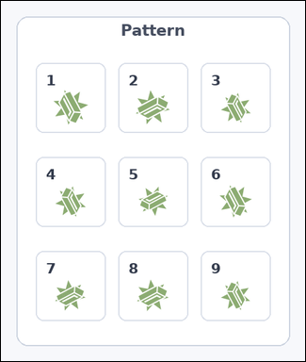 | 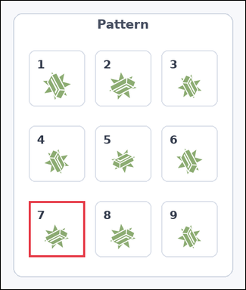 | task_icons_pattern_structured_violation | grid_rotation_violation | You are given an image with a 3 by 3 grid of numbered boxes, each containing one icon. Task: Which numbered box breaks the 2D rotation pattern? Return a valid JSON object with keys "evidence" and "answer" in that order. Evidence format: set "evidence" to a JSON array containing exactly one [x_min, y_min, x_max, y_max] box in image pixel coordinates for the violating grid box. Answer requirement: set "answer" to the violating box index as an integer. Example JSON: {"evidence":[[540,126,654,458]],"answer":5} | You are given an image with a 3 by 3 grid of numbered boxes, each containing one icon. Task: Which numbered box breaks the 2D rotation pattern? Return a valid JSON object with key "answer". Answer: set "answer" to the violating box index as an integer. Example JSON: {"answer":5} | {"evidence": [[54, 388, 162, 496]], "answer": 7} | [[54, 388, 162, 496]] | integer | bbox_set | 26782023997327 | icons/task_icons_pattern_structured_violation/images/grid_rotation_violation/0005.png | icons/task_icons_pattern_structured_violation/data/grid_rotation_violation/0005.json
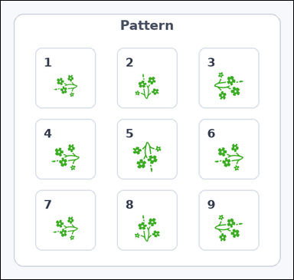 | 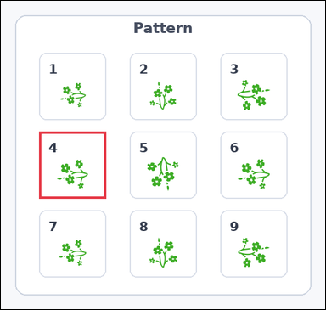 | task_icons_pattern_structured_violation | grid_rotation_violation | The image shows a 3 by 3 grid of numbered boxes, each containing one icon. Determine the answer: Which numbered box breaks the 2D rotation pattern? Return a valid JSON object with keys "evidence" and "answer" in that order. Evidence field: set "evidence" to a JSON array containing exactly one [x_min, y_min, x_max, y_max] box in image pixel coordinates for the violating grid box. Answer field: set "answer" to the violating box index as an integer. Example JSON: {"evidence":[[540,126,654,458]],"answer":5} | The image shows a 3 by 3 grid of numbered boxes, each containing one icon. Determine the answer: Which numbered box breaks the 2D rotation pattern? Return a valid JSON object with key "answer". Answer field: set "answer" to the violating box index as an integer. Example JSON: {"answer":5} | {"evidence": [[64, 219, 176, 331]], "answer": 4} | [[64, 219, 176, 331]] | integer | bbox_set | 464017814307181 | icons/task_icons_pattern_structured_violation/images/grid_rotation_violation/0003.png | icons/task_icons_pattern_structured_violation/data/grid_rotation_violation/0003.json
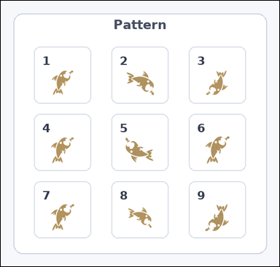 | 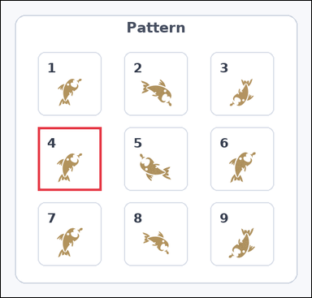 | task_icons_pattern_structured_violation | grid_rotation_violation | You are given an image with a 3 by 3 grid of numbered boxes, each containing one icon. Determine the answer: Which numbered box breaks the 2D rotation pattern? Return a valid JSON object with keys "evidence" and "answer" in that order. Evidence rule: set "evidence" to a JSON array containing exactly one [x_min, y_min, x_max, y_max] box in image pixel coordinates for the violating grid box. Answer rule: set "answer" to the violating box index as an integer. Example JSON: {"evidence":[[540,126,654,458]],"answer":5} | You are given an image with a 3 by 3 grid of numbered boxes, each containing one icon. Determine the answer: Which numbered box breaks the 2D rotation pattern? Return a valid JSON object with key "answer". Answer field: set "answer" to the violating box index as an integer. Example JSON: {"answer":5} | {"evidence": [[63, 215, 171, 323]], "answer": 4} | [[63, 215, 171, 323]] | integer | bbox_set | 929857303131606 | icons/task_icons_pattern_structured_violation/images/grid_rotation_violation/0023.png | icons/task_icons_pattern_structured_violation/data/grid_rotation_violation/0023.json
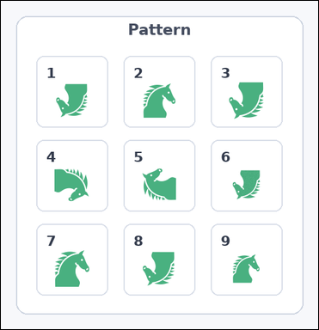 | 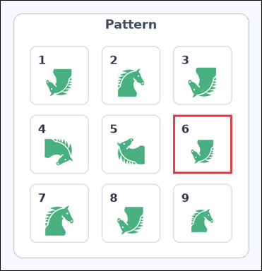 | task_icons_pattern_structured_violation | grid_rotation_violation | Work from the image with a 3 by 3 grid of numbered boxes, each containing one icon. Which numbered box breaks the 2D rotation pattern? Return a valid JSON object with keys "evidence" and "answer" in that order. Evidence: set "evidence" to a JSON array containing exactly one [x_min, y_min, x_max, y_max] box in image pixel coordinates for the violating grid box. Answer: set "answer" to the violating box index as an integer. Example JSON: {"evidence":[[540,126,654,458]],"answer":5} | Work from the image with a 3 by 3 grid of numbered boxes, each containing one icon. Which numbered box breaks the 2D rotation pattern? Return a valid JSON object with key "answer". Answer field: set "answer" to the violating box index as an integer. Example JSON: {"answer":5} | {"evidence": [[332, 220, 445, 333]], "answer": 6} | [[332, 220, 445, 333]] | integer | bbox_set | 1.1749584392E+15 | icons/task_icons_pattern_structured_violation/images/grid_rotation_violation/0008.png | icons/task_icons_pattern_structured_violation/data/grid_rotation_violation/0008.json
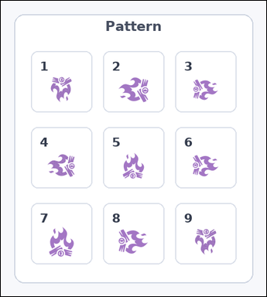 | 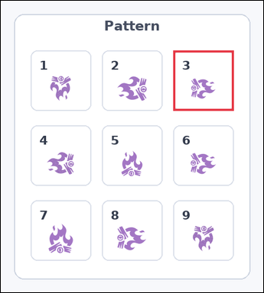 | task_icons_pattern_structured_violation | grid_rotation_violation | The image shows a 3 by 3 grid of numbered boxes, each containing one icon. Determine the answer: Which numbered box breaks the 2D rotation pattern? Return a valid JSON object with keys "evidence" and "answer" in that order. Evidence: set "evidence" to a JSON array containing exactly one [x_min, y_min, x_max, y_max] box in image pixel coordinates for the violating grid box. Answer: set "answer" to the violating box index as an integer. Example JSON: {"evidence":[[540,126,654,458]],"answer":5} | The image shows a 3 by 3 grid of numbered boxes, each containing one icon. Determine the answer: Which numbered box breaks the 2D rotation pattern? Return a valid JSON object with key "answer". Answer format: set "answer" to the violating box index as an integer. Example JSON: {"answer":5} | {"evidence": [[312, 90, 421, 199]], "answer": 3} | [[312, 90, 421, 199]] | integer | bbox_set | 1.9591045149E+15 | icons/task_icons_pattern_structured_violation/images/grid_rotation_violation/0015.png | icons/task_icons_pattern_structured_violation/data/grid_rotation_violation/0015.json
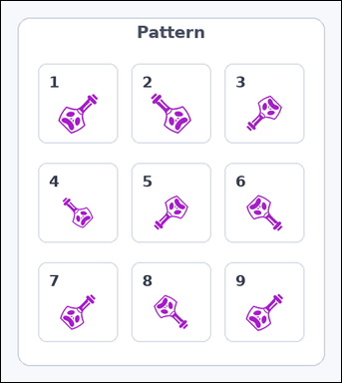 | 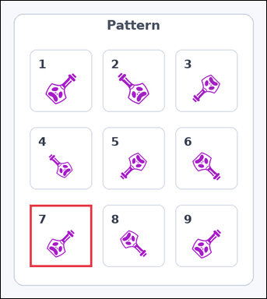 | task_icons_pattern_structured_violation | grid_rotation_violation | Use the image containing a 3 by 3 grid of numbered boxes, each containing one icon. Task: Which numbered box breaks the 2D rotation pattern? Return a valid JSON object with keys "evidence" and "answer" in that order. Evidence format: set "evidence" to a JSON array containing exactly one [x_min, y_min, x_max, y_max] box in image pixel coordinates for the violating grid box. Answer requirement: set "answer" to the violating box index as an integer. Example JSON: {"evidence":[[540,126,654,458]],"answer":5} | Use the image containing a 3 by 3 grid of numbered boxes, each containing one icon. Task: Which numbered box breaks the 2D rotation pattern? Return a valid JSON object with key "answer". Answer field: set "answer" to the violating box index as an integer. Example JSON: {"answer":5} | {"evidence": [[54, 381, 170, 497]], "answer": 7} | [[54, 381, 170, 497]] | integer | bbox_set | 3.0583011238E+15 | icons/task_icons_pattern_structured_violation/images/grid_rotation_violation/0012.png | icons/task_icons_pattern_structured_violation/data/grid_rotation_violation/0012.json
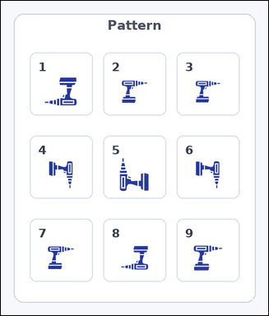 | 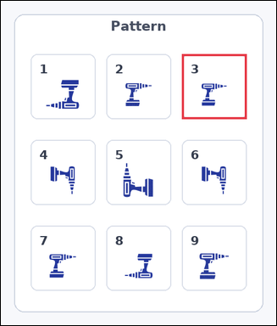 | task_icons_pattern_structured_violation | grid_rotation_violation | You are given an image with a 3 by 3 grid of numbered boxes, each containing one icon. Answer this question: Which numbered box breaks the 2D rotation pattern? Return a valid JSON object with keys "evidence" and "answer" in that order. Evidence requirement: set "evidence" to a JSON array containing exactly one [x_min, y_min, x_max, y_max] box in image pixel coordinates for the violating grid box. Answer format: set "answer" to the violating box index as an integer. Example JSON: {"evidence":[[540,126,654,458]],"answer":5} | You are given an image with a 3 by 3 grid of numbered boxes, each containing one icon. Answer this question: Which numbered box breaks the 2D rotation pattern? Return a valid JSON object with key "answer". Answer requirement: set "answer" to the violating box index as an integer. Example JSON: {"answer":5} | {"evidence": [[328, 96, 445, 213]], "answer": 3} | [[328, 96, 445, 213]] | integer | bbox_set | 4.0709265144E+15 | icons/task_icons_pattern_structured_violation/images/grid_rotation_violation/0011.png | icons/task_icons_pattern_structured_violation/data/grid_rotation_violation/0011.json
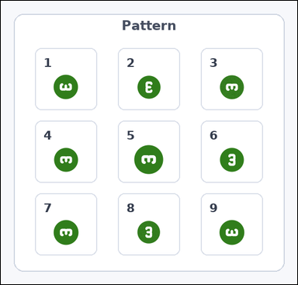 | 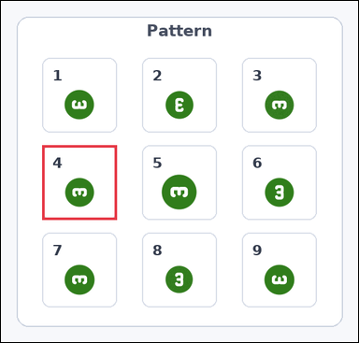 | task_icons_pattern_structured_violation | grid_rotation_violation | Use the image containing a 3 by 3 grid of numbered boxes, each containing one icon. Answer this question: Which numbered box breaks the 2D rotation pattern? Return a valid JSON object with keys "evidence" and "answer" in that order. Evidence format: set "evidence" to a JSON array containing exactly one [x_min, y_min, x_max, y_max] box in image pixel coordinates for the violating grid box. Answer requirement: set "answer" to the violating box index as an integer. Example JSON: {"evidence":[[540,126,654,458]],"answer":5} | Use the image containing a 3 by 3 grid of numbered boxes, each containing one icon. Answer this question: Which numbered box breaks the 2D rotation pattern? Return a valid JSON object with key "answer". Answer: set "answer" to the violating box index as an integer. Example JSON: {"answer":5} | {"evidence": [[63, 221, 177, 335]], "answer": 4} | [[63, 221, 177, 335]] | integer | bbox_set | 4.4043022433E+15 | icons/task_icons_pattern_structured_violation/images/grid_rotation_violation/0017.png | icons/task_icons_pattern_structured_violation/data/grid_rotation_violation/0017.json
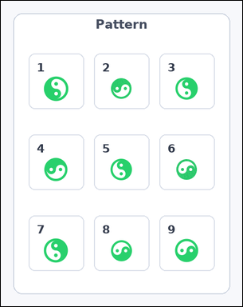 | 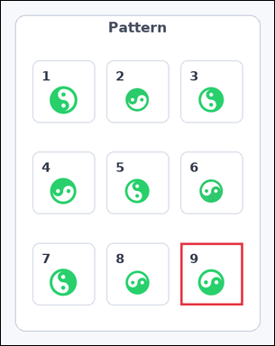 | task_icons_pattern_structured_violation | grid_rotation_violation | Use the image containing a 3 by 3 grid of numbered boxes, each containing one icon. Which numbered box breaks the 2D rotation pattern? Return a valid JSON object with keys "evidence" and "answer" in that order. Evidence rule: set "evidence" to a JSON array containing exactly one [x_min, y_min, x_max, y_max] box in image pixel coordinates for the violating grid box. Answer rule: set "answer" to the violating box index as an integer. Example JSON: {"evidence":[[540,126,654,458]],"answer":5} | Use the image containing a 3 by 3 grid of numbered boxes, each containing one icon. Which numbered box breaks the 2D rotation pattern? Return a valid JSON object with key "answer". Answer: set "answer" to the violating box index as an integer. Example JSON: {"answer":5} | {"evidence": [[308, 416, 415, 523]], "answer": 9} | [[308, 416, 415, 523]] | integer | bbox_set | 4.6090027113E+15 | icons/task_icons_pattern_structured_violation/images/grid_rotation_violation/0013.png | icons/task_icons_pattern_structured_violation/data/grid_rotation_violation/0013.json
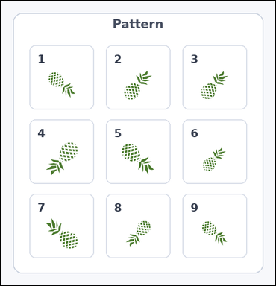 | 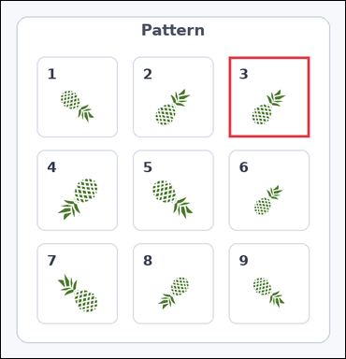 | task_icons_pattern_structured_violation | grid_rotation_violation | The image shows a 3 by 3 grid of numbered boxes, each containing one icon. Which numbered box breaks the 2D rotation pattern? Return a valid JSON object with keys "evidence" and "answer" in that order. Evidence field: set "evidence" to a JSON array containing exactly one [x_min, y_min, x_max, y_max] box in image pixel coordinates for the violating grid box. Answer field: set "answer" to the violating box index as an integer. Example JSON: {"evidence":[[540,126,654,458]],"answer":5} | The image shows a 3 by 3 grid of numbered boxes, each containing one icon. Which numbered box breaks the 2D rotation pattern? Return a valid JSON object with key "answer". Answer format: set "answer" to the violating box index as an integer. Example JSON: {"answer":5} | {"evidence": [[356, 87, 482, 213]], "answer": 3} | [[356, 87, 482, 213]] | integer | bbox_set | 4.8026704587E+15 | icons/task_icons_pattern_structured_violation/images/grid_rotation_violation/0000.png | icons/task_icons_pattern_structured_violation/data/grid_rotation_violation/0000.json
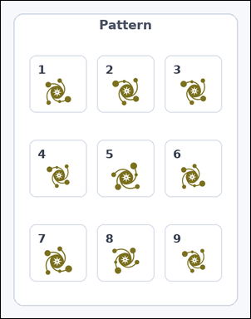 | 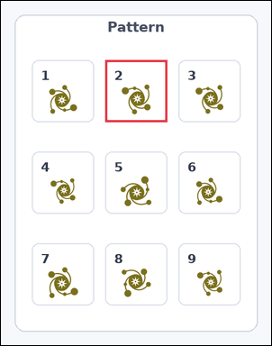 | task_icons_pattern_structured_violation | grid_rotation_violation | The image shows a 3 by 3 grid of numbered boxes, each containing one icon. Question: Which numbered box breaks the 2D rotation pattern? Return a valid JSON object with keys "evidence" and "answer" in that order. Evidence format: set "evidence" to a JSON array containing exactly one [x_min, y_min, x_max, y_max] box in image pixel coordinates for the violating grid box. Answer requirement: set "answer" to the violating box index as an integer. Example JSON: {"evidence":[[540,126,654,458]],"answer":5} | The image shows a 3 by 3 grid of numbered boxes, each containing one icon. Question: Which numbered box breaks the 2D rotation pattern? Return a valid JSON object with key "answer". Answer format: set "answer" to the violating box index as an integer. Example JSON: {"answer":5} | {"evidence": [[182, 103, 290, 211]], "answer": 2} | [[182, 103, 290, 211]] | integer | bbox_set | 4.9389433162E+15 | icons/task_icons_pattern_structured_violation/images/grid_rotation_violation/0009.png | icons/task_icons_pattern_structured_violation/data/grid_rotation_violation/0009.json
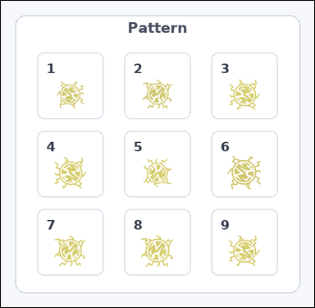 | 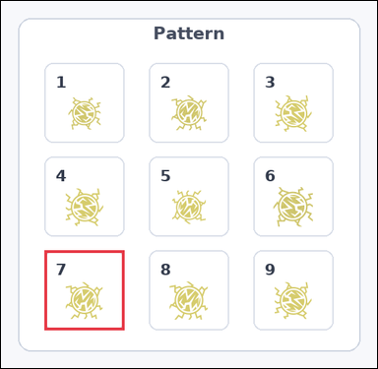 | task_icons_pattern_structured_violation | grid_rotation_violation | Work from the image with a 3 by 3 grid of numbered boxes, each containing one icon. Answer this question: Which numbered box breaks the 2D rotation pattern? Return a valid JSON object with keys "evidence" and "answer" in that order. Evidence rule: set "evidence" to a JSON array containing exactly one [x_min, y_min, x_max, y_max] box in image pixel coordinates for the violating grid box. Answer rule: set "answer" to the violating box index as an integer. Example JSON: {"evidence":[[540,126,654,458]],"answer":5} | Work from the image with a 3 by 3 grid of numbered boxes, each containing one icon. Answer this question: Which numbered box breaks the 2D rotation pattern? Return a valid JSON object with key "answer". Answer format: set "answer" to the violating box index as an integer. Example JSON: {"answer":5} | {"evidence": [[61, 351, 173, 463]], "answer": 7} | [[61, 351, 173, 463]] | integer | bbox_set | 5.0032715594E+15 | icons/task_icons_pattern_structured_violation/images/grid_rotation_violation/0020.png | icons/task_icons_pattern_structured_violation/data/grid_rotation_violation/0020.json
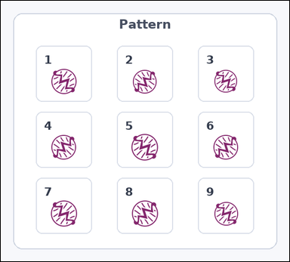 | 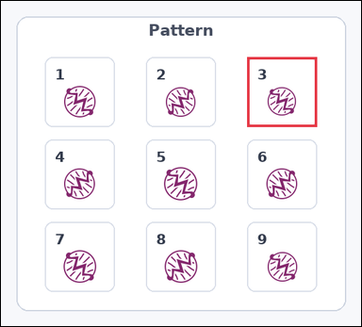 | task_icons_pattern_structured_violation | grid_rotation_violation | Use the image containing a 3 by 3 grid of numbered boxes, each containing one icon. Determine the answer: Which numbered box breaks the 2D rotation pattern? Return a valid JSON object with keys "evidence" and "answer" in that order. Evidence field: set "evidence" to a JSON array containing exactly one [x_min, y_min, x_max, y_max] box in image pixel coordinates for the violating grid box. Answer field: set "answer" to the violating box index as an integer. Example JSON: {"evidence":[[540,126,654,458]],"answer":5} | Use the image containing a 3 by 3 grid of numbered boxes, each containing one icon. Determine the answer: Which numbered box breaks the 2D rotation pattern? Return a valid JSON object with key "answer". Answer requirement: set "answer" to the violating box index as an integer. Example JSON: {"answer":5} | {"evidence": [[382, 87, 490, 195]], "answer": 3} | [[382, 87, 490, 195]] | integer | bbox_set | 5.3385453072E+15 | icons/task_icons_pattern_structured_violation/images/grid_rotation_violation/0006.png | icons/task_icons_pattern_structured_violation/data/grid_rotation_violation/0006.json
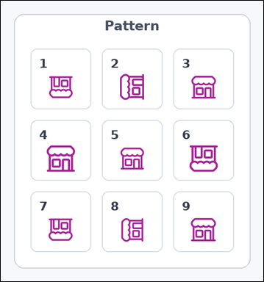 | 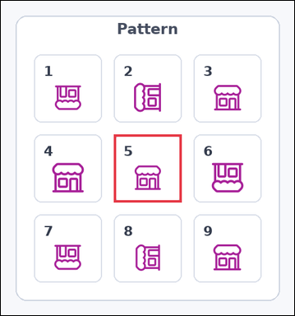 | task_icons_pattern_structured_violation | grid_rotation_violation | You are given an image with a 3 by 3 grid of numbered boxes, each containing one icon. Question: Which numbered box breaks the 2D rotation pattern? Return a valid JSON object with keys "evidence" and "answer" in that order. Evidence: set "evidence" to a JSON array containing exactly one [x_min, y_min, x_max, y_max] box in image pixel coordinates for the violating grid box. Answer: set "answer" to the violating box index as an integer. Example JSON: {"evidence":[[540,126,654,458]],"answer":5} | You are given an image with a 3 by 3 grid of numbered boxes, each containing one icon. Question: Which numbered box breaks the 2D rotation pattern? Return a valid JSON object with key "answer". Answer rule: set "answer" to the violating box index as an integer. Example JSON: {"answer":5} | {"evidence": [[184, 217, 294, 327]], "answer": 5} | [[184, 217, 294, 327]] | integer | bbox_set | 5.3856718977E+15 | icons/task_icons_pattern_structured_violation/images/grid_rotation_violation/0022.png | icons/task_icons_pattern_structured_violation/data/grid_rotation_violation/0022.json
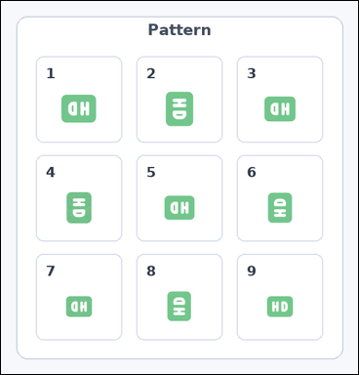 | 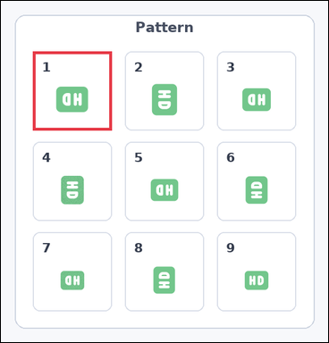 | task_icons_pattern_structured_violation | grid_rotation_violation | Use the image containing a 3 by 3 grid of numbered boxes, each containing one icon. Question: Which numbered box breaks the 2D rotation pattern? Return a valid JSON object with keys "evidence" and "answer" in that order. Evidence: set "evidence" to a JSON array containing exactly one [x_min, y_min, x_max, y_max] box in image pixel coordinates for the violating grid box. Answer: set "answer" to the violating box index as an integer. Example JSON: {"evidence":[[540,126,654,458]],"answer":5} | Use the image containing a 3 by 3 grid of numbered boxes, each containing one icon. Question: Which numbered box breaks the 2D rotation pattern? Return a valid JSON object with key "answer". Answer rule: set "answer" to the violating box index as an integer. Example JSON: {"answer":5} | {"evidence": [[55, 87, 191, 223]], "answer": 1} | [[55, 87, 191, 223]] | integer | bbox_set | 5.7842660887E+15 | icons/task_icons_pattern_structured_violation/images/grid_rotation_violation/0016.png | icons/task_icons_pattern_structured_violation/data/grid_rotation_violation/0016.json
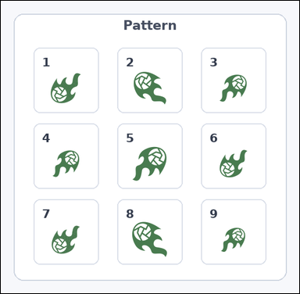 | 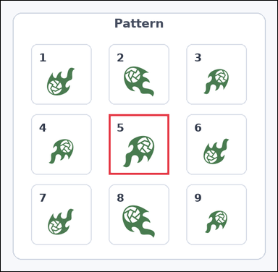 | task_icons_pattern_structured_violation | grid_rotation_violation | Work from the image with a 3 by 3 grid of numbered boxes, each containing one icon. Which numbered box breaks the 2D rotation pattern? Return a valid JSON object with keys "evidence" and "answer" in that order. Evidence format: set "evidence" to a JSON array containing exactly one [x_min, y_min, x_max, y_max] box in image pixel coordinates for the violating grid box. Answer requirement: set "answer" to the violating box index as an integer. Example JSON: {"evidence":[[540,126,654,458]],"answer":5} | Work from the image with a 3 by 3 grid of numbered boxes, each containing one icon. Which numbered box breaks the 2D rotation pattern? Return a valid JSON object with key "answer". Answer: set "answer" to the violating box index as an integer. Example JSON: {"answer":5} | {"evidence": [[217, 228, 338, 349]], "answer": 5} | [[217, 228, 338, 349]] | integer | bbox_set | 6.3677830568E+15 | icons/task_icons_pattern_structured_violation/images/grid_rotation_violation/0024.png | icons/task_icons_pattern_structured_violation/data/grid_rotation_violation/0024.json
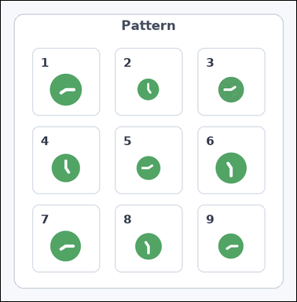 | 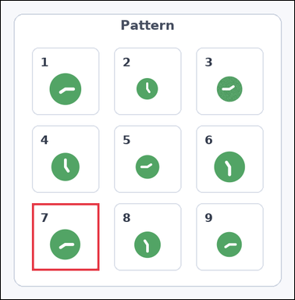 | task_icons_pattern_structured_violation | grid_rotation_violation | Use the image containing a 3 by 3 grid of numbered boxes, each containing one icon. Which numbered box breaks the 2D rotation pattern? Return a valid JSON object with keys "evidence" and "answer" in that order. Evidence field: set "evidence" to a JSON array containing exactly one [x_min, y_min, x_max, y_max] box in image pixel coordinates for the violating grid box. Answer field: set "answer" to the violating box index as an integer. Example JSON: {"evidence":[[540,126,654,458]],"answer":5} | Use the image containing a 3 by 3 grid of numbered boxes, each containing one icon. Which numbered box breaks the 2D rotation pattern? Return a valid JSON object with key "answer". Answer: set "answer" to the violating box index as an integer. Example JSON: {"answer":5} | {"evidence": [[58, 377, 183, 502]], "answer": 7} | [[58, 377, 183, 502]] | integer | bbox_set | 6.5163441223E+15 | icons/task_icons_pattern_structured_violation/images/grid_rotation_violation/0018.png | icons/task_icons_pattern_structured_violation/data/grid_rotation_violation/0018.json
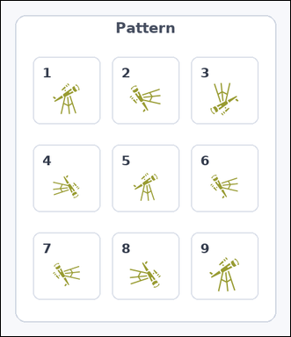 | 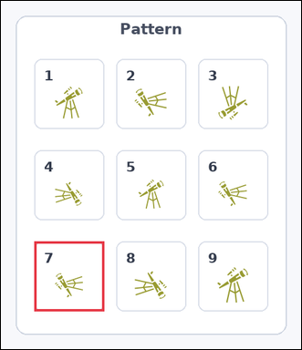 | task_icons_pattern_structured_violation | grid_rotation_violation | The image shows a 3 by 3 grid of numbered boxes, each containing one icon. Question: Which numbered box breaks the 2D rotation pattern? Return a valid JSON object with keys "evidence" and "answer" in that order. Evidence rule: set "evidence" to a JSON array containing exactly one [x_min, y_min, x_max, y_max] box in image pixel coordinates for the violating grid box. Answer rule: set "answer" to the violating box index as an integer. Example JSON: {"evidence":[[540,126,654,458]],"answer":5} | The image shows a 3 by 3 grid of numbered boxes, each containing one icon. Question: Which numbered box breaks the 2D rotation pattern? Return a valid JSON object with key "answer". Answer field: set "answer" to the violating box index as an integer. Example JSON: {"answer":5} | {"evidence": [[54, 390, 167, 503]], "answer": 7} | [[54, 390, 167, 503]] | integer | bbox_set | 6.5822811079E+15 | icons/task_icons_pattern_structured_violation/images/grid_rotation_violation/0004.png | icons/task_icons_pattern_structured_violation/data/grid_rotation_violation/0004.json
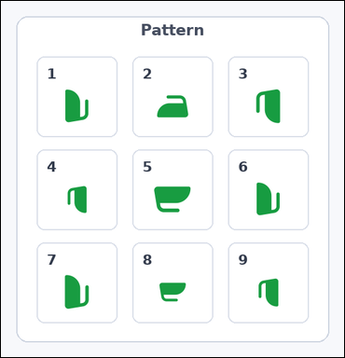 | 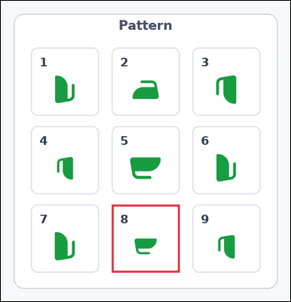 | task_icons_pattern_structured_violation | grid_rotation_violation | Look at the image with a 3 by 3 grid of numbered boxes, each containing one icon. Which numbered box breaks the 2D rotation pattern? Return a valid JSON object with keys "evidence" and "answer" in that order. Evidence requirement: set "evidence" to a JSON array containing exactly one [x_min, y_min, x_max, y_max] box in image pixel coordinates for the violating grid box. Answer format: set "answer" to the violating box index as an integer. Example JSON: {"evidence":[[540,126,654,458]],"answer":5} | Look at the image with a 3 by 3 grid of numbered boxes, each containing one icon. Which numbered box breaks the 2D rotation pattern? Return a valid JSON object with key "answer". Answer requirement: set "answer" to the violating box index as an integer. Example JSON: {"answer":5} | {"evidence": [[206, 379, 332, 505]], "answer": 8} | [[206, 379, 332, 505]] | integer | bbox_set | 6.6928620322E+15 | icons/task_icons_pattern_structured_violation/images/grid_rotation_violation/0007.png | icons/task_icons_pattern_structured_violation/data/grid_rotation_violation/0007.json
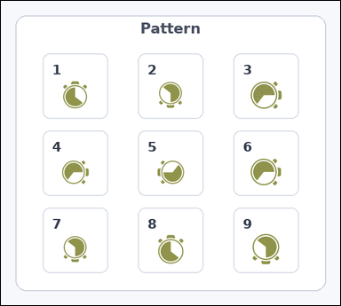 | 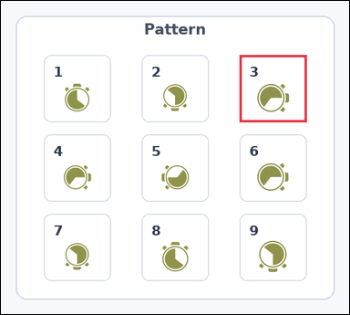 | task_icons_pattern_structured_violation | grid_rotation_violation | The image shows a 3 by 3 grid of numbered boxes, each containing one icon. Answer this question: Which numbered box breaks the 2D rotation pattern? Return a valid JSON object with keys "evidence" and "answer" in that order. Evidence format: set "evidence" to a JSON array containing exactly one [x_min, y_min, x_max, y_max] box in image pixel coordinates for the violating grid box. Answer requirement: set "answer" to the violating box index as an integer. Example JSON: {"evidence":[[540,126,654,458]],"answer":5} | The image shows a 3 by 3 grid of numbered boxes, each containing one icon. Answer this question: Which numbered box breaks the 2D rotation pattern? Return a valid JSON object with key "answer". Answer format: set "answer" to the violating box index as an integer. Example JSON: {"answer":5} | {"evidence": [[385, 87, 493, 195]], "answer": 3} | [[385, 87, 493, 195]] | integer | bbox_set | 6.7003680854E+15 | icons/task_icons_pattern_structured_violation/images/grid_rotation_violation/0001.png | icons/task_icons_pattern_structured_violation/data/grid_rotation_violation/0001.json
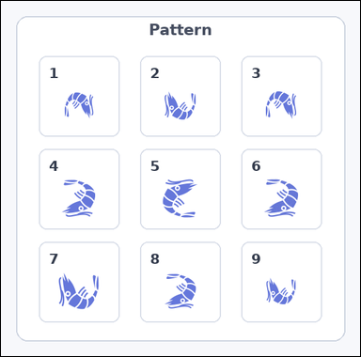 | 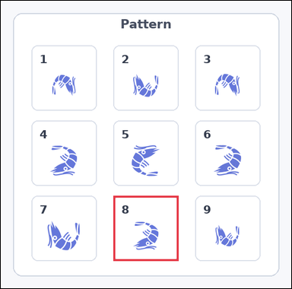 | task_icons_pattern_structured_violation | grid_rotation_violation | Look at the image with a 3 by 3 grid of numbered boxes, each containing one icon. Answer this question: Which numbered box breaks the 2D rotation pattern? Return a valid JSON object with keys "evidence" and "answer" in that order. Evidence field: set "evidence" to a JSON array containing exactly one [x_min, y_min, x_max, y_max] box in image pixel coordinates for the violating grid box. Answer field: set "answer" to the violating box index as an integer. Example JSON: {"evidence":[[540,126,654,458]],"answer":5} | Look at the image with a 3 by 3 grid of numbered boxes, each containing one icon. Answer this question: Which numbered box breaks the 2D rotation pattern? Return a valid JSON object with key "answer". Answer field: set "answer" to the violating box index as an integer. Example JSON: {"answer":5} | {"evidence": [[220, 381, 347, 508]], "answer": 8} | [[220, 381, 347, 508]] | integer | bbox_set | 6.903566753E+15 | icons/task_icons_pattern_structured_violation/images/grid_rotation_violation/0019.png | icons/task_icons_pattern_structured_violation/data/grid_rotation_violation/0019.json
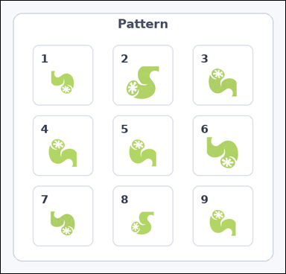 | 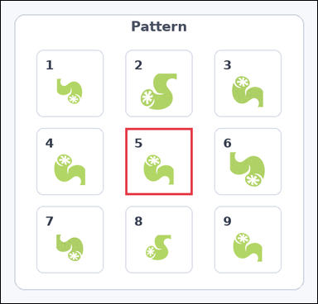 | task_icons_pattern_structured_violation | grid_rotation_violation | You are given an image with a 3 by 3 grid of numbered boxes, each containing one icon. Answer this question: Which numbered box breaks the 2D rotation pattern? Return a valid JSON object with keys "evidence" and "answer" in that order. Evidence: set "evidence" to a JSON array containing exactly one [x_min, y_min, x_max, y_max] box in image pixel coordinates for the violating grid box. Answer: set "answer" to the violating box index as an integer. Example JSON: {"evidence":[[540,126,654,458]],"answer":5} | You are given an image with a 3 by 3 grid of numbered boxes, each containing one icon. Answer this question: Which numbered box breaks the 2D rotation pattern? Return a valid JSON object with key "answer". Answer: set "answer" to the violating box index as an integer. Example JSON: {"answer":5} | {"evidence": [[221, 226, 340, 345]], "answer": 5} | [[221, 226, 340, 345]] | integer | bbox_set | 7.9476306628E+15 | icons/task_icons_pattern_structured_violation/images/grid_rotation_violation/0021.png | icons/task_icons_pattern_structured_violation/data/grid_rotation_violation/0021.json
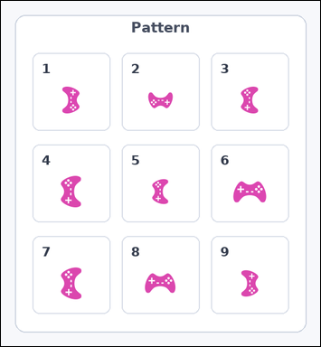 | 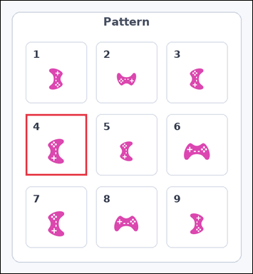 | task_icons_pattern_structured_violation | grid_rotation_violation | Use the image containing a 3 by 3 grid of numbered boxes, each containing one icon. Which numbered box breaks the 2D rotation pattern? Return a valid JSON object with keys "evidence" and "answer" in that order. Evidence field: set "evidence" to a JSON array containing exactly one [x_min, y_min, x_max, y_max] box in image pixel coordinates for the violating grid box. Answer field: set "answer" to the violating box index as an integer. Example JSON: {"evidence":[[540,126,654,458]],"answer":5} | Use the image containing a 3 by 3 grid of numbered boxes, each containing one icon. Which numbered box breaks the 2D rotation pattern? Return a valid JSON object with key "answer". Answer requirement: set "answer" to the violating box index as an integer. Example JSON: {"answer":5} | {"evidence": [[54, 246, 187, 379]], "answer": 4} | [[54, 246, 187, 379]] | integer | bbox_set | 8.6166844326E+15 | icons/task_icons_pattern_structured_violation/images/grid_rotation_violation/0002.png | icons/task_icons_pattern_structured_violation/data/grid_rotation_violation/0002.json
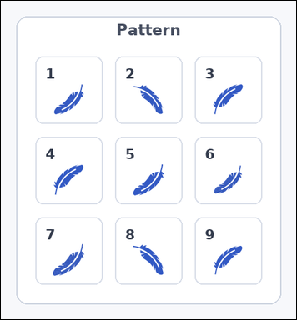 | 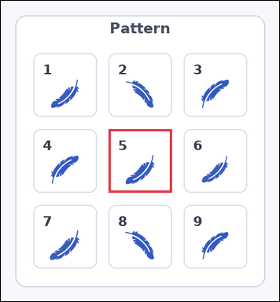 | task_icons_pattern_structured_violation | grid_rotation_violation | You are given an image with a 3 by 3 grid of numbered boxes, each containing one icon. Task: Which numbered box breaks the 2D rotation pattern? Return a valid JSON object with keys "evidence" and "answer" in that order. Evidence requirement: set "evidence" to a JSON array containing exactly one [x_min, y_min, x_max, y_max] box in image pixel coordinates for the violating grid box. Answer format: set "answer" to the violating box index as an integer. Example JSON: {"evidence":[[540,126,654,458]],"answer":5} | You are given an image with a 3 by 3 grid of numbered boxes, each containing one icon. Task: Which numbered box breaks the 2D rotation pattern? Return a valid JSON object with key "answer". Answer field: set "answer" to the violating box index as an integer. Example JSON: {"answer":5} | {"evidence": [[179, 213, 284, 318]], "answer": 5} | [[179, 213, 284, 318]] | integer | bbox_set | 8.7062685922E+15 | icons/task_icons_pattern_structured_violation/images/grid_rotation_violation/0010.png | icons/task_icons_pattern_structured_violation/data/grid_rotation_violation/0010.json
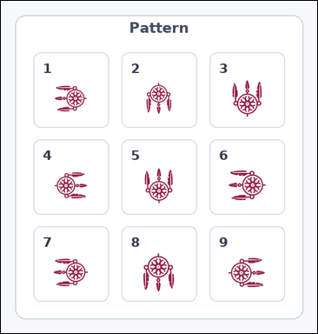 | 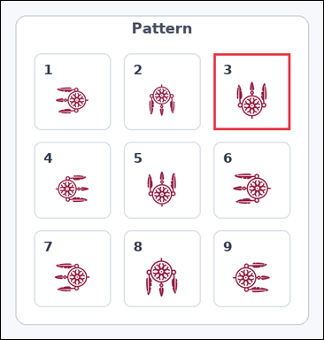 | task_icons_pattern_structured_violation | grid_rotation_violation | The image shows a 3 by 3 grid of numbered boxes, each containing one icon. Which numbered box breaks the 2D rotation pattern? Return a valid JSON object with keys "evidence" and "answer" in that order. Evidence: set "evidence" to a JSON array containing exactly one [x_min, y_min, x_max, y_max] box in image pixel coordinates for the violating grid box. Answer: set "answer" to the violating box index as an integer. Example JSON: {"evidence":[[540,126,654,458]],"answer":5} | The image shows a 3 by 3 grid of numbered boxes, each containing one icon. Which numbered box breaks the 2D rotation pattern? Return a valid JSON object with key "answer". Answer format: set "answer" to the violating box index as an integer. Example JSON: {"answer":5} | {"evidence": [[353, 87, 480, 214]], "answer": 3} | [[353, 87, 480, 214]] | integer | bbox_set | 8.7943428419E+15 | icons/task_icons_pattern_structured_violation/images/grid_rotation_violation/0014.png | icons/task_icons_pattern_structured_violation/data/grid_rotation_violation/0014.json

grid_size_violation
image | evidence_image | task | task_variant | prompt | prompt_answer_only | answer | answer_evidence | answer_type | evidence_type | instance_seed | image_path | data_path
 |  | task_icons_pattern_structured_violation | grid_size_violation | Use the image containing a 3 by 3 grid of numbered boxes, each containing one icon. Which numbered box breaks the 2D size pattern? Return a valid JSON object with keys "evidence" and "answer" in that order. Evidence: set "evidence" to a JSON array containing exactly one [x_min, y_min, x_max, y_max] box in image pixel coordinates for the violating grid box. Answer: set "answer" to the violating box index as an integer. Example JSON: {"evidence":[[540,126,654,458]],"answer":5} | Use the image containing a 3 by 3 grid of numbered boxes, each containing one icon. Which numbered box breaks the 2D size pattern? Return a valid JSON object with key "answer". Answer field: set "answer" to the violating box index as an integer. Example JSON: {"answer":5} | {"evidence": [[194, 87, 314, 233]], "answer": 2} | [[194, 87, 314, 233]] | integer | bbox_set | 139534326465183 | icons/task_icons_pattern_structured_violation/images/grid_size_violation/0016.png | icons/task_icons_pattern_structured_violation/data/grid_size_violation/0016.json
 |  | task_icons_pattern_structured_violation | grid_size_violation | The image shows a 3 by 3 grid of numbered boxes, each containing one icon. Question: Which numbered box breaks the 2D size pattern? Return a valid JSON object with keys "evidence" and "answer" in that order. Evidence requirement: set "evidence" to a JSON array containing exactly one [x_min, y_min, x_max, y_max] box in image pixel coordinates for the violating grid box. Answer format: set "answer" to the violating box index as an integer. Example JSON: {"evidence":[[540,126,654,458]],"answer":5} | The image shows a 3 by 3 grid of numbered boxes, each containing one icon. Question: Which numbered box breaks the 2D size pattern? Return a valid JSON object with key "answer". Answer format: set "answer" to the violating box index as an integer. Example JSON: {"answer":5} | {"evidence": [[360, 87, 493, 207]], "answer": 3} | [[360, 87, 493, 207]] | integer | bbox_set | 390490170636793 | icons/task_icons_pattern_structured_violation/images/grid_size_violation/0018.png | icons/task_icons_pattern_structured_violation/data/grid_size_violation/0018.json
 |  | task_icons_pattern_structured_violation | grid_size_violation | The image shows a 3 by 3 grid of numbered boxes, each containing one icon. Task: Which numbered box breaks the 2D size pattern? Return a valid JSON object with keys "evidence" and "answer" in that order. Evidence requirement: set "evidence" to a JSON array containing exactly one [x_min, y_min, x_max, y_max] box in image pixel coordinates for the violating grid box. Answer format: set "answer" to the violating box index as an integer. Example JSON: {"evidence":[[540,126,654,458]],"answer":5} | The image shows a 3 by 3 grid of numbered boxes, each containing one icon. Task: Which numbered box breaks the 2D size pattern? Return a valid JSON object with key "answer". Answer format: set "answer" to the violating box index as an integer. Example JSON: {"answer":5} | {"evidence": [[202, 367, 330, 487]], "answer": 8} | [[202, 367, 330, 487]] | integer | bbox_set | 395941447291325 | icons/task_icons_pattern_structured_violation/images/grid_size_violation/0000.png | icons/task_icons_pattern_structured_violation/data/grid_size_violation/0000.json
 |  | task_icons_pattern_structured_violation | grid_size_violation | You are given an image with a 3 by 3 grid of numbered boxes, each containing one icon. Which numbered box breaks the 2D size pattern? Return a valid JSON object with keys "evidence" and "answer" in that order. Evidence format: set "evidence" to a JSON array containing exactly one [x_min, y_min, x_max, y_max] box in image pixel coordinates for the violating grid box. Answer requirement: set "answer" to the violating box index as an integer. Example JSON: {"evidence":[[540,126,654,458]],"answer":5} | You are given an image with a 3 by 3 grid of numbered boxes, each containing one icon. Which numbered box breaks the 2D size pattern? Return a valid JSON object with key "answer". Answer format: set "answer" to the violating box index as an integer. Example JSON: {"answer":5} | {"evidence": [[190, 241, 306, 375]], "answer": 5} | [[190, 241, 306, 375]] | integer | bbox_set | 1.0168855622E+15 | icons/task_icons_pattern_structured_violation/images/grid_size_violation/0021.png | icons/task_icons_pattern_structured_violation/data/grid_size_violation/0021.json
 |  | task_icons_pattern_structured_violation | grid_size_violation | Work from the image with a 3 by 3 grid of numbered boxes, each containing one icon. Determine the answer: Which numbered box breaks the 2D size pattern? Return a valid JSON object with keys "evidence" and "answer" in that order. Evidence: set "evidence" to a JSON array containing exactly one [x_min, y_min, x_max, y_max] box in image pixel coordinates for the violating grid box. Answer: set "answer" to the violating box index as an integer. Example JSON: {"evidence":[[540,126,654,458]],"answer":5} | Work from the image with a 3 by 3 grid of numbered boxes, each containing one icon. Determine the answer: Which numbered box breaks the 2D size pattern? Return a valid JSON object with key "answer". Answer format: set "answer" to the violating box index as an integer. Example JSON: {"answer":5} | {"evidence": [[54, 389, 181, 520]], "answer": 7} | [[54, 389, 181, 520]] | integer | bbox_set | 1.1483265393E+15 | icons/task_icons_pattern_structured_violation/images/grid_size_violation/0023.png | icons/task_icons_pattern_structured_violation/data/grid_size_violation/0023.json
 |  | task_icons_pattern_structured_violation | grid_size_violation | The image shows a 3 by 3 grid of numbered boxes, each containing one icon. Question: Which numbered box breaks the 2D size pattern? Return a valid JSON object with keys "evidence" and "answer" in that order. Evidence: set "evidence" to a JSON array containing exactly one [x_min, y_min, x_max, y_max] box in image pixel coordinates for the violating grid box. Answer: set "answer" to the violating box index as an integer. Example JSON: {"evidence":[[540,126,654,458]],"answer":5} | The image shows a 3 by 3 grid of numbered boxes, each containing one icon. Question: Which numbered box breaks the 2D size pattern? Return a valid JSON object with key "answer". Answer: set "answer" to the violating box index as an integer. Example JSON: {"answer":5} | {"evidence": [[54, 248, 172, 389]], "answer": 4} | [[54, 248, 172, 389]] | integer | bbox_set | 1.1701983229E+15 | icons/task_icons_pattern_structured_violation/images/grid_size_violation/0012.png | icons/task_icons_pattern_structured_violation/data/grid_size_violation/0012.json
 |  | task_icons_pattern_structured_violation | grid_size_violation | Look at the image with a 3 by 3 grid of numbered boxes, each containing one icon. Question: Which numbered box breaks the 2D size pattern? Return a valid JSON object with keys "evidence" and "answer" in that order. Evidence rule: set "evidence" to a JSON array containing exactly one [x_min, y_min, x_max, y_max] box in image pixel coordinates for the violating grid box. Answer rule: set "answer" to the violating box index as an integer. Example JSON: {"evidence":[[540,126,654,458]],"answer":5} | Look at the image with a 3 by 3 grid of numbered boxes, each containing one icon. Question: Which numbered box breaks the 2D size pattern? Return a valid JSON object with key "answer". Answer format: set "answer" to the violating box index as an integer. Example JSON: {"answer":5} | {"evidence": [[392, 87, 541, 218]], "answer": 3} | [[392, 87, 541, 218]] | integer | bbox_set | 1.3466779907E+15 | icons/task_icons_pattern_structured_violation/images/grid_size_violation/0005.png | icons/task_icons_pattern_structured_violation/data/grid_size_violation/0005.json
 |  | task_icons_pattern_structured_violation | grid_size_violation | The image shows a 3 by 3 grid of numbered boxes, each containing one icon. Determine the answer: Which numbered box breaks the 2D size pattern? Return a valid JSON object with keys "evidence" and "answer" in that order. Evidence requirement: set "evidence" to a JSON array containing exactly one [x_min, y_min, x_max, y_max] box in image pixel coordinates for the violating grid box. Answer format: set "answer" to the violating box index as an integer. Example JSON: {"evidence":[[540,126,654,458]],"answer":5} | The image shows a 3 by 3 grid of numbered boxes, each containing one icon. Determine the answer: Which numbered box breaks the 2D size pattern? Return a valid JSON object with key "answer". Answer format: set "answer" to the violating box index as an integer. Example JSON: {"answer":5} | {"evidence": [[212, 87, 350, 224]], "answer": 2} | [[212, 87, 350, 224]] | integer | bbox_set | 1.4727848944E+15 | icons/task_icons_pattern_structured_violation/images/grid_size_violation/0015.png | icons/task_icons_pattern_structured_violation/data/grid_size_violation/0015.json
 |  | task_icons_pattern_structured_violation | grid_size_violation | You are given an image with a 3 by 3 grid of numbered boxes, each containing one icon. Question: Which numbered box breaks the 2D size pattern? Return a valid JSON object with keys "evidence" and "answer" in that order. Evidence: set "evidence" to a JSON array containing exactly one [x_min, y_min, x_max, y_max] box in image pixel coordinates for the violating grid box. Answer: set "answer" to the violating box index as an integer. Example JSON: {"evidence":[[540,126,654,458]],"answer":5} | You are given an image with a 3 by 3 grid of numbered boxes, each containing one icon. Question: Which numbered box breaks the 2D size pattern? Return a valid JSON object with key "answer". Answer rule: set "answer" to the violating box index as an integer. Example JSON: {"answer":5} | {"evidence": [[54, 389, 173, 520]], "answer": 7} | [[54, 389, 173, 520]] | integer | bbox_set | 1.5168407453E+15 | icons/task_icons_pattern_structured_violation/images/grid_size_violation/0013.png | icons/task_icons_pattern_structured_violation/data/grid_size_violation/0013.json
 |  | task_icons_pattern_structured_violation | grid_size_violation | Work from the image with a 3 by 3 grid of numbered boxes, each containing one icon. Task: Which numbered box breaks the 2D size pattern? Return a valid JSON object with keys "evidence" and "answer" in that order. Evidence rule: set "evidence" to a JSON array containing exactly one [x_min, y_min, x_max, y_max] box in image pixel coordinates for the violating grid box. Answer rule: set "answer" to the violating box index as an integer. Example JSON: {"evidence":[[540,126,654,458]],"answer":5} | Work from the image with a 3 by 3 grid of numbered boxes, each containing one icon. Task: Which numbered box breaks the 2D size pattern? Return a valid JSON object with key "answer". Answer format: set "answer" to the violating box index as an integer. Example JSON: {"answer":5} | {"evidence": [[54, 383, 177, 511]], "answer": 7} | [[54, 383, 177, 511]] | integer | bbox_set | 2.2094770448E+15 | icons/task_icons_pattern_structured_violation/images/grid_size_violation/0010.png | icons/task_icons_pattern_structured_violation/data/grid_size_violation/0010.json
 |  | task_icons_pattern_structured_violation | grid_size_violation | Look at the image with a 3 by 3 grid of numbered boxes, each containing one icon. Which numbered box breaks the 2D size pattern? Return a valid JSON object with keys "evidence" and "answer" in that order. Evidence requirement: set "evidence" to a JSON array containing exactly one [x_min, y_min, x_max, y_max] box in image pixel coordinates for the violating grid box. Answer format: set "answer" to the violating box index as an integer. Example JSON: {"evidence":[[540,126,654,458]],"answer":5} | Look at the image with a 3 by 3 grid of numbered boxes, each containing one icon. Which numbered box breaks the 2D size pattern? Return a valid JSON object with key "answer". Answer requirement: set "answer" to the violating box index as an integer. Example JSON: {"answer":5} | {"evidence": [[376, 87, 517, 229]], "answer": 3} | [[376, 87, 517, 229]] | integer | bbox_set | 2.6010618477E+15 | icons/task_icons_pattern_structured_violation/images/grid_size_violation/0001.png | icons/task_icons_pattern_structured_violation/data/grid_size_violation/0001.json
 |  | task_icons_pattern_structured_violation | grid_size_violation | You are given an image with a 3 by 3 grid of numbered boxes, each containing one icon. Determine the answer: Which numbered box breaks the 2D size pattern? Return a valid JSON object with keys "evidence" and "answer" in that order. Evidence requirement: set "evidence" to a JSON array containing exactly one [x_min, y_min, x_max, y_max] box in image pixel coordinates for the violating grid box. Answer format: set "answer" to the violating box index as an integer. Example JSON: {"evidence":[[540,126,654,458]],"answer":5} | You are given an image with a 3 by 3 grid of numbered boxes, each containing one icon. Determine the answer: Which numbered box breaks the 2D size pattern? Return a valid JSON object with key "answer". Answer format: set "answer" to the violating box index as an integer. Example JSON: {"answer":5} | {"evidence": [[392, 236, 541, 365]], "answer": 6} | [[392, 236, 541, 365]] | integer | bbox_set | 2.956128294E+15 | icons/task_icons_pattern_structured_violation/images/grid_size_violation/0009.png | icons/task_icons_pattern_structured_violation/data/grid_size_violation/0009.json
 |  | task_icons_pattern_structured_violation | grid_size_violation | The image shows a 3 by 3 grid of numbered boxes, each containing one icon. Task: Which numbered box breaks the 2D size pattern? Return a valid JSON object with keys "evidence" and "answer" in that order. Evidence: set "evidence" to a JSON array containing exactly one [x_min, y_min, x_max, y_max] box in image pixel coordinates for the violating grid box. Answer: set "answer" to the violating box index as an integer. Example JSON: {"evidence":[[540,126,654,458]],"answer":5} | The image shows a 3 by 3 grid of numbered boxes, each containing one icon. Task: Which numbered box breaks the 2D size pattern? Return a valid JSON object with key "answer". Answer field: set "answer" to the violating box index as an integer. Example JSON: {"answer":5} | {"evidence": [[360, 87, 493, 233]], "answer": 3} | [[360, 87, 493, 233]] | integer | bbox_set | 3.3481945116E+15 | icons/task_icons_pattern_structured_violation/images/grid_size_violation/0017.png | icons/task_icons_pattern_structured_violation/data/grid_size_violation/0017.json
 |  | task_icons_pattern_structured_violation | grid_size_violation | The image shows a 3 by 3 grid of numbered boxes, each containing one icon. Task: Which numbered box breaks the 2D size pattern? Return a valid JSON object with keys "evidence" and "answer" in that order. Evidence requirement: set "evidence" to a JSON array containing exactly one [x_min, y_min, x_max, y_max] box in image pixel coordinates for the violating grid box. Answer format: set "answer" to the violating box index as an integer. Example JSON: {"evidence":[[540,126,654,458]],"answer":5} | The image shows a 3 by 3 grid of numbered boxes, each containing one icon. Task: Which numbered box breaks the 2D size pattern? Return a valid JSON object with key "answer". Answer: set "answer" to the violating box index as an integer. Example JSON: {"answer":5} | {"evidence": [[346, 87, 472, 223]], "answer": 3} | [[346, 87, 472, 223]] | integer | bbox_set | 3.8165581669E+15 | icons/task_icons_pattern_structured_violation/images/grid_size_violation/0020.png | icons/task_icons_pattern_structured_violation/data/grid_size_violation/0020.json
 |  | task_icons_pattern_structured_violation | grid_size_violation | You are given an image with a 3 by 3 grid of numbered boxes, each containing one icon. Question: Which numbered box breaks the 2D size pattern? Return a valid JSON object with keys "evidence" and "answer" in that order. Evidence: set "evidence" to a JSON array containing exactly one [x_min, y_min, x_max, y_max] box in image pixel coordinates for the violating grid box. Answer: set "answer" to the violating box index as an integer. Example JSON: {"evidence":[[540,126,654,458]],"answer":5} | You are given an image with a 3 by 3 grid of numbered boxes, each containing one icon. Question: Which numbered box breaks the 2D size pattern? Return a valid JSON object with key "answer". Answer requirement: set "answer" to the violating box index as an integer. Example JSON: {"answer":5} | {"evidence": [[205, 254, 336, 401]], "answer": 5} | [[205, 254, 336, 401]] | integer | bbox_set | 3.9873833389E+15 | icons/task_icons_pattern_structured_violation/images/grid_size_violation/0004.png | icons/task_icons_pattern_structured_violation/data/grid_size_violation/0004.json
 |  | task_icons_pattern_structured_violation | grid_size_violation | You are given an image with a 3 by 3 grid of numbered boxes, each containing one icon. Determine the answer: Which numbered box breaks the 2D size pattern? Return a valid JSON object with keys "evidence" and "answer" in that order. Evidence format: set "evidence" to a JSON array containing exactly one [x_min, y_min, x_max, y_max] box in image pixel coordinates for the violating grid box. Answer requirement: set "answer" to the violating box index as an integer. Example JSON: {"evidence":[[540,126,654,458]],"answer":5} | You are given an image with a 3 by 3 grid of numbered boxes, each containing one icon. Determine the answer: Which numbered box breaks the 2D size pattern? Return a valid JSON object with key "answer". Answer field: set "answer" to the violating box index as an integer. Example JSON: {"answer":5} | {"evidence": [[380, 387, 523, 517]], "answer": 9} | [[380, 387, 523, 517]] | integer | bbox_set | 4.0364620211E+15 | icons/task_icons_pattern_structured_violation/images/grid_size_violation/0007.png | icons/task_icons_pattern_structured_violation/data/grid_size_violation/0007.json
 |  | task_icons_pattern_structured_violation | grid_size_violation | Use the image containing a 3 by 3 grid of numbered boxes, each containing one icon. Question: Which numbered box breaks the 2D size pattern? Return a valid JSON object with keys "evidence" and "answer" in that order. Evidence format: set "evidence" to a JSON array containing exactly one [x_min, y_min, x_max, y_max] box in image pixel coordinates for the violating grid box. Answer requirement: set "answer" to the violating box index as an integer. Example JSON: {"evidence":[[540,126,654,458]],"answer":5} | Use the image containing a 3 by 3 grid of numbered boxes, each containing one icon. Question: Which numbered box breaks the 2D size pattern? Return a valid JSON object with key "answer". Answer requirement: set "answer" to the violating box index as an integer. Example JSON: {"answer":5} | {"evidence": [[214, 236, 354, 365]], "answer": 5} | [[214, 236, 354, 365]] | integer | bbox_set | 4.5121683948E+15 | icons/task_icons_pattern_structured_violation/images/grid_size_violation/0002.png | icons/task_icons_pattern_structured_violation/data/grid_size_violation/0002.json
 |  | task_icons_pattern_structured_violation | grid_size_violation | Work from the image with a 3 by 3 grid of numbered boxes, each containing one icon. Which numbered box breaks the 2D size pattern? Return a valid JSON object with keys "evidence" and "answer" in that order. Evidence: set "evidence" to a JSON array containing exactly one [x_min, y_min, x_max, y_max] box in image pixel coordinates for the violating grid box. Answer: set "answer" to the violating box index as an integer. Example JSON: {"evidence":[[540,126,654,458]],"answer":5} | Work from the image with a 3 by 3 grid of numbered boxes, each containing one icon. Which numbered box breaks the 2D size pattern? Return a valid JSON object with key "answer". Answer rule: set "answer" to the violating box index as an integer. Example JSON: {"answer":5} | {"evidence": [[54, 405, 201, 544]], "answer": 7} | [[54, 405, 201, 544]] | integer | bbox_set | 6.3122232803E+15 | icons/task_icons_pattern_structured_violation/images/grid_size_violation/0022.png | icons/task_icons_pattern_structured_violation/data/grid_size_violation/0022.json
 |  | task_icons_pattern_structured_violation | grid_size_violation | You are given an image with a 3 by 3 grid of numbered boxes, each containing one icon. Determine the answer: Which numbered box breaks the 2D size pattern? Return a valid JSON object with keys "evidence" and "answer" in that order. Evidence requirement: set "evidence" to a JSON array containing exactly one [x_min, y_min, x_max, y_max] box in image pixel coordinates for the violating grid box. Answer format: set "answer" to the violating box index as an integer. Example JSON: {"evidence":[[540,126,654,458]],"answer":5} | You are given an image with a 3 by 3 grid of numbered boxes, each containing one icon. Determine the answer: Which numbered box breaks the 2D size pattern? Return a valid JSON object with key "answer". Answer requirement: set "answer" to the violating box index as an integer. Example JSON: {"answer":5} | {"evidence": [[54, 245, 192, 383]], "answer": 4} | [[54, 245, 192, 383]] | integer | bbox_set | 7.5034858977E+15 | icons/task_icons_pattern_structured_violation/images/grid_size_violation/0006.png | icons/task_icons_pattern_structured_violation/data/grid_size_violation/0006.json
 |  | task_icons_pattern_structured_violation | grid_size_violation | Work from the image with a 3 by 3 grid of numbered boxes, each containing one icon. Answer this question: Which numbered box breaks the 2D size pattern? Return a valid JSON object with keys "evidence" and "answer" in that order. Evidence requirement: set "evidence" to a JSON array containing exactly one [x_min, y_min, x_max, y_max] box in image pixel coordinates for the violating grid box. Answer format: set "answer" to the violating box index as an integer. Example JSON: {"evidence":[[540,126,654,458]],"answer":5} | Work from the image with a 3 by 3 grid of numbered boxes, each containing one icon. Answer this question: Which numbered box breaks the 2D size pattern? Return a valid JSON object with key "answer". Answer field: set "answer" to the violating box index as an integer. Example JSON: {"answer":5} | {"evidence": [[196, 228, 318, 349]], "answer": 5} | [[196, 228, 318, 349]] | integer | bbox_set | 7.6625955896E+15 | icons/task_icons_pattern_structured_violation/images/grid_size_violation/0011.png | icons/task_icons_pattern_structured_violation/data/grid_size_violation/0011.json
 |  | task_icons_pattern_structured_violation | grid_size_violation | Work from the image with a 3 by 3 grid of numbered boxes, each containing one icon. Determine the answer: Which numbered box breaks the 2D size pattern? Return a valid JSON object with keys "evidence" and "answer" in that order. Evidence rule: set "evidence" to a JSON array containing exactly one [x_min, y_min, x_max, y_max] box in image pixel coordinates for the violating grid box. Answer rule: set "answer" to the violating box index as an integer. Example JSON: {"evidence":[[540,126,654,458]],"answer":5} | Work from the image with a 3 by 3 grid of numbered boxes, each containing one icon. Determine the answer: Which numbered box breaks the 2D size pattern? Return a valid JSON object with key "answer". Answer: set "answer" to the violating box index as an integer. Example JSON: {"answer":5} | {"evidence": [[392, 391, 541, 523]], "answer": 9} | [[392, 391, 541, 523]] | integer | bbox_set | 7.817802005E+15 | icons/task_icons_pattern_structured_violation/images/grid_size_violation/0024.png | icons/task_icons_pattern_structured_violation/data/grid_size_violation/0024.json
 |  | task_icons_pattern_structured_violation | grid_size_violation | Use the image containing a 3 by 3 grid of numbered boxes, each containing one icon. Task: Which numbered box breaks the 2D size pattern? Return a valid JSON object with keys "evidence" and "answer" in that order. Evidence rule: set "evidence" to a JSON array containing exactly one [x_min, y_min, x_max, y_max] box in image pixel coordinates for the violating grid box. Answer rule: set "answer" to the violating box index as an integer. Example JSON: {"evidence":[[540,126,654,458]],"answer":5} | Use the image containing a 3 by 3 grid of numbered boxes, each containing one icon. Task: Which numbered box breaks the 2D size pattern? Return a valid JSON object with key "answer". Answer format: set "answer" to the violating box index as an integer. Example JSON: {"answer":5} | {"evidence": [[214, 240, 354, 373]], "answer": 5} | [[214, 240, 354, 373]] | integer | bbox_set | 7.8810238174E+15 | icons/task_icons_pattern_structured_violation/images/grid_size_violation/0019.png | icons/task_icons_pattern_structured_violation/data/grid_size_violation/0019.json
 |  | task_icons_pattern_structured_violation | grid_size_violation | Work from the image with a 3 by 3 grid of numbered boxes, each containing one icon. Which numbered box breaks the 2D size pattern? Return a valid JSON object with keys "evidence" and "answer" in that order. Evidence format: set "evidence" to a JSON array containing exactly one [x_min, y_min, x_max, y_max] box in image pixel coordinates for the violating grid box. Answer requirement: set "answer" to the violating box index as an integer. Example JSON: {"evidence":[[540,126,654,458]],"answer":5} | Work from the image with a 3 by 3 grid of numbered boxes, each containing one icon. Which numbered box breaks the 2D size pattern? Return a valid JSON object with key "answer". Answer requirement: set "answer" to the violating box index as an integer. Example JSON: {"answer":5} | {"evidence": [[194, 227, 314, 347]], "answer": 5} | [[194, 227, 314, 347]] | integer | bbox_set | 8.1588030686E+15 | icons/task_icons_pattern_structured_violation/images/grid_size_violation/0008.png | icons/task_icons_pattern_structured_violation/data/grid_size_violation/0008.json
 |  | task_icons_pattern_structured_violation | grid_size_violation | Look at the image with a 3 by 3 grid of numbered boxes, each containing one icon. Determine the answer: Which numbered box breaks the 2D size pattern? Return a valid JSON object with keys "evidence" and "answer" in that order. Evidence rule: set "evidence" to a JSON array containing exactly one [x_min, y_min, x_max, y_max] box in image pixel coordinates for the violating grid box. Answer rule: set "answer" to the violating box index as an integer. Example JSON: {"evidence":[[540,126,654,458]],"answer":5} | Look at the image with a 3 by 3 grid of numbered boxes, each containing one icon. Determine the answer: Which numbered box breaks the 2D size pattern? Return a valid JSON object with key "answer". Answer: set "answer" to the violating box index as an integer. Example JSON: {"answer":5} | {"evidence": [[54, 87, 185, 227]], "answer": 1} | [[54, 87, 185, 227]] | integer | bbox_set | 8.362621468E+15 | icons/task_icons_pattern_structured_violation/images/grid_size_violation/0003.png | icons/task_icons_pattern_structured_violation/data/grid_size_violation/0003.json
 |  | task_icons_pattern_structured_violation | grid_size_violation | Look at the image with a 3 by 3 grid of numbered boxes, each containing one icon. Answer this question: Which numbered box breaks the 2D size pattern? Return a valid JSON object with keys "evidence" and "answer" in that order. Evidence: set "evidence" to a JSON array containing exactly one [x_min, y_min, x_max, y_max] box in image pixel coordinates for the violating grid box. Answer: set "answer" to the violating box index as an integer. Example JSON: {"evidence":[[540,126,654,458]],"answer":5} | Look at the image with a 3 by 3 grid of numbered boxes, each containing one icon. Answer this question: Which numbered box breaks the 2D size pattern? Return a valid JSON object with key "answer". Answer field: set "answer" to the violating box index as an integer. Example JSON: {"answer":5} | {"evidence": [[364, 225, 499, 343]], "answer": 6} | [[364, 225, 499, 343]] | integer | bbox_set | 8.8686617022E+15 | icons/task_icons_pattern_structured_violation/images/grid_size_violation/0014.png | icons/task_icons_pattern_structured_violation/data/grid_size_violation/0014.json

row_rotation_violation
image | evidence_image | task | task_variant | prompt | prompt_answer_only | answer | answer_evidence | answer_type | evidence_type | instance_seed | image_path | data_path
 |  | task_icons_pattern_structured_violation | row_rotation_violation | Use the image containing a horizontal row of numbered boxes, each containing one icon. Answer this question: Which numbered box breaks the rotation sequence? Return a valid JSON object with keys "evidence" and "answer" in that order. Evidence: set "evidence" to a JSON array containing exactly one [x_min, y_min, x_max, y_max] box in image pixel coordinates for the violating grid box. Answer: set "answer" to the violating box index as an integer. Example JSON: {"evidence":[[540,126,654,458]],"answer":5} | Use the image containing a horizontal row of numbered boxes, each containing one icon. Answer this question: Which numbered box breaks the rotation sequence? Return a valid JSON object with key "answer". Answer requirement: set "answer" to the violating box index as an integer. Example JSON: {"answer":5} | {"evidence": [[530, 87, 629, 196]], "answer": 5} | [[530, 87, 629, 196]] | integer | bbox_set | 296284316582890 | icons/task_icons_pattern_structured_violation/images/row_rotation_violation/0005.png | icons/task_icons_pattern_structured_violation/data/row_rotation_violation/0005.json
 |  | task_icons_pattern_structured_violation | row_rotation_violation | You are given an image with a horizontal row of numbered boxes, each containing one icon. Answer this question: Which numbered box breaks the rotation sequence? Return a valid JSON object with keys "evidence" and "answer" in that order. Evidence format: set "evidence" to a JSON array containing exactly one [x_min, y_min, x_max, y_max] box in image pixel coordinates for the violating grid box. Answer requirement: set "answer" to the violating box index as an integer. Example JSON: {"evidence":[[540,126,654,458]],"answer":5} | You are given an image with a horizontal row of numbered boxes, each containing one icon. Answer this question: Which numbered box breaks the rotation sequence? Return a valid JSON object with key "answer". Answer field: set "answer" to the violating box index as an integer. Example JSON: {"answer":5} | {"evidence": [[288, 87, 385, 211]], "answer": 3} | [[288, 87, 385, 211]] | integer | bbox_set | 975117155726919 | icons/task_icons_pattern_structured_violation/images/row_rotation_violation/0002.png | icons/task_icons_pattern_structured_violation/data/row_rotation_violation/0002.json
 |  | task_icons_pattern_structured_violation | row_rotation_violation | The image shows a horizontal row of numbered boxes, each containing one icon. Task: Which numbered box breaks the rotation sequence? Return a valid JSON object with keys "evidence" and "answer" in that order. Evidence field: set "evidence" to a JSON array containing exactly one [x_min, y_min, x_max, y_max] box in image pixel coordinates for the violating grid box. Answer field: set "answer" to the violating box index as an integer. Example JSON: {"evidence":[[540,126,654,458]],"answer":5} | The image shows a horizontal row of numbered boxes, each containing one icon. Task: Which numbered box breaks the rotation sequence? Return a valid JSON object with key "answer". Answer rule: set "answer" to the violating box index as an integer. Example JSON: {"answer":5} | {"evidence": [[834, 87, 944, 221]], "answer": 7} | [[834, 87, 944, 221]] | integer | bbox_set | 1.1848789358E+15 | icons/task_icons_pattern_structured_violation/images/row_rotation_violation/0009.png | icons/task_icons_pattern_structured_violation/data/row_rotation_violation/0009.json
 |  | task_icons_pattern_structured_violation | row_rotation_violation | You are given an image with a horizontal row of numbered boxes, each containing one icon. Answer this question: Which numbered box breaks the rotation sequence? Return a valid JSON object with keys "evidence" and "answer" in that order. Evidence: set "evidence" to a JSON array containing exactly one [x_min, y_min, x_max, y_max] box in image pixel coordinates for the violating grid box. Answer: set "answer" to the violating box index as an integer. Example JSON: {"evidence":[[540,126,654,458]],"answer":5} | You are given an image with a horizontal row of numbered boxes, each containing one icon. Answer this question: Which numbered box breaks the rotation sequence? Return a valid JSON object with key "answer". Answer: set "answer" to the violating box index as an integer. Example JSON: {"answer":5} | {"evidence": [[966, 87, 1098, 183]], "answer": 7} | [[966, 87, 1098, 183]] | integer | bbox_set | 1.2527808814E+15 | icons/task_icons_pattern_structured_violation/images/row_rotation_violation/0021.png | icons/task_icons_pattern_structured_violation/data/row_rotation_violation/0021.json
 |  | task_icons_pattern_structured_violation | row_rotation_violation | Work from the image with a horizontal row of numbered boxes, each containing one icon. Which numbered box breaks the rotation sequence? Return a valid JSON object with keys "evidence" and "answer" in that order. Evidence: set "evidence" to a JSON array containing exactly one [x_min, y_min, x_max, y_max] box in image pixel coordinates for the violating grid box. Answer: set "answer" to the violating box index as an integer. Example JSON: {"evidence":[[540,126,654,458]],"answer":5} | Work from the image with a horizontal row of numbered boxes, each containing one icon. Which numbered box breaks the rotation sequence? Return a valid JSON object with key "answer". Answer: set "answer" to the violating box index as an integer. Example JSON: {"answer":5} | {"evidence": [[659, 87, 760, 205]], "answer": 6} | [[659, 87, 760, 205]] | integer | bbox_set | 1.289496202E+15 | icons/task_icons_pattern_structured_violation/images/row_rotation_violation/0011.png | icons/task_icons_pattern_structured_violation/data/row_rotation_violation/0011.json
 |  | task_icons_pattern_structured_violation | row_rotation_violation | You are given an image with a horizontal row of numbered boxes, each containing one icon. Task: Which numbered box breaks the rotation sequence? Return a valid JSON object with keys "evidence" and "answer" in that order. Evidence requirement: set "evidence" to a JSON array containing exactly one [x_min, y_min, x_max, y_max] box in image pixel coordinates for the violating grid box. Answer format: set "answer" to the violating box index as an integer. Example JSON: {"evidence":[[540,126,654,458]],"answer":5} | You are given an image with a horizontal row of numbered boxes, each containing one icon. Task: Which numbered box breaks the rotation sequence? Return a valid JSON object with key "answer". Answer requirement: set "answer" to the violating box index as an integer. Example JSON: {"answer":5} | {"evidence": [[606, 87, 724, 205]], "answer": 5} | [[606, 87, 724, 205]] | integer | bbox_set | 1.4087426588E+15 | icons/task_icons_pattern_structured_violation/images/row_rotation_violation/0019.png | icons/task_icons_pattern_structured_violation/data/row_rotation_violation/0019.json
 |  | task_icons_pattern_structured_violation | row_rotation_violation | Work from the image with a horizontal row of numbered boxes, each containing one icon. Answer this question: Which numbered box breaks the rotation sequence? Return a valid JSON object with keys "evidence" and "answer" in that order. Evidence format: set "evidence" to a JSON array containing exactly one [x_min, y_min, x_max, y_max] box in image pixel coordinates for the violating grid box. Answer requirement: set "answer" to the violating box index as an integer. Example JSON: {"evidence":[[540,126,654,458]],"answer":5} | Work from the image with a horizontal row of numbered boxes, each containing one icon. Answer this question: Which numbered box breaks the rotation sequence? Return a valid JSON object with key "answer". Answer rule: set "answer" to the violating box index as an integer. Example JSON: {"answer":5} | {"evidence": [[54, 87, 188, 195]], "answer": 1} | [[54, 87, 188, 195]] | integer | bbox_set | 1.6935191132E+15 | icons/task_icons_pattern_structured_violation/images/row_rotation_violation/0012.png | icons/task_icons_pattern_structured_violation/data/row_rotation_violation/0012.json
 |  | task_icons_pattern_structured_violation | row_rotation_violation | The image shows a horizontal row of numbered boxes, each containing one icon. Determine the answer: Which numbered box breaks the rotation sequence? Return a valid JSON object with keys "evidence" and "answer" in that order. Evidence requirement: set "evidence" to a JSON array containing exactly one [x_min, y_min, x_max, y_max] box in image pixel coordinates for the violating grid box. Answer format: set "answer" to the violating box index as an integer. Example JSON: {"evidence":[[540,126,654,458]],"answer":5} | The image shows a horizontal row of numbered boxes, each containing one icon. Determine the answer: Which numbered box breaks the rotation sequence? Return a valid JSON object with key "answer". Answer format: set "answer" to the violating box index as an integer. Example JSON: {"answer":5} | {"evidence": [[498, 87, 626, 207]], "answer": 4} | [[498, 87, 626, 207]] | integer | bbox_set | 2.9440226631E+15 | icons/task_icons_pattern_structured_violation/images/row_rotation_violation/0010.png | icons/task_icons_pattern_structured_violation/data/row_rotation_violation/0010.json
 |  | task_icons_pattern_structured_violation | row_rotation_violation | The image shows a horizontal row of numbered boxes, each containing one icon. Which numbered box breaks the rotation sequence? Return a valid JSON object with keys "evidence" and "answer" in that order. Evidence: set "evidence" to a JSON array containing exactly one [x_min, y_min, x_max, y_max] box in image pixel coordinates for the violating grid box. Answer: set "answer" to the violating box index as an integer. Example JSON: {"evidence":[[540,126,654,458]],"answer":5} | The image shows a horizontal row of numbered boxes, each containing one icon. Which numbered box breaks the rotation sequence? Return a valid JSON object with key "answer". Answer: set "answer" to the violating box index as an integer. Example JSON: {"answer":5} | {"evidence": [[526, 87, 624, 211]], "answer": 5} | [[526, 87, 624, 211]] | integer | bbox_set | 2.9892050768E+15 | icons/task_icons_pattern_structured_violation/images/row_rotation_violation/0008.png | icons/task_icons_pattern_structured_violation/data/row_rotation_violation/0008.json
 |  | task_icons_pattern_structured_violation | row_rotation_violation | Look at the image with a horizontal row of numbered boxes, each containing one icon. Which numbered box breaks the rotation sequence? Return a valid JSON object with keys "evidence" and "answer" in that order. Evidence requirement: set "evidence" to a JSON array containing exactly one [x_min, y_min, x_max, y_max] box in image pixel coordinates for the violating grid box. Answer format: set "answer" to the violating box index as an integer. Example JSON: {"evidence":[[540,126,654,458]],"answer":5} | Look at the image with a horizontal row of numbered boxes, each containing one icon. Which numbered box breaks the rotation sequence? Return a valid JSON object with key "answer". Answer rule: set "answer" to the violating box index as an integer. Example JSON: {"answer":5} | {"evidence": [[456, 87, 570, 201]], "answer": 4} | [[456, 87, 570, 201]] | integer | bbox_set | 3.0247801956E+15 | icons/task_icons_pattern_structured_violation/images/row_rotation_violation/0014.png | icons/task_icons_pattern_structured_violation/data/row_rotation_violation/0014.json
 |  | task_icons_pattern_structured_violation | row_rotation_violation | You are given an image with a horizontal row of numbered boxes, each containing one icon. Task: Which numbered box breaks the rotation sequence? Return a valid JSON object with keys "evidence" and "answer" in that order. Evidence rule: set "evidence" to a JSON array containing exactly one [x_min, y_min, x_max, y_max] box in image pixel coordinates for the violating grid box. Answer rule: set "answer" to the violating box index as an integer. Example JSON: {"evidence":[[540,126,654,458]],"answer":5} | You are given an image with a horizontal row of numbered boxes, each containing one icon. Task: Which numbered box breaks the rotation sequence? Return a valid JSON object with key "answer". Answer field: set "answer" to the violating box index as an integer. Example JSON: {"answer":5} | {"evidence": [[296, 87, 397, 216]], "answer": 3} | [[296, 87, 397, 216]] | integer | bbox_set | 3.78450879E+15 | icons/task_icons_pattern_structured_violation/images/row_rotation_violation/0020.png | icons/task_icons_pattern_structured_violation/data/row_rotation_violation/0020.json
 |  | task_icons_pattern_structured_violation | row_rotation_violation | Use the image containing a horizontal row of numbered boxes, each containing one icon. Question: Which numbered box breaks the rotation sequence? Return a valid JSON object with keys "evidence" and "answer" in that order. Evidence rule: set "evidence" to a JSON array containing exactly one [x_min, y_min, x_max, y_max] box in image pixel coordinates for the violating grid box. Answer rule: set "answer" to the violating box index as an integer. Example JSON: {"evidence":[[540,126,654,458]],"answer":5} | Use the image containing a horizontal row of numbered boxes, each containing one icon. Question: Which numbered box breaks the rotation sequence? Return a valid JSON object with key "answer". Answer: set "answer" to the violating box index as an integer. Example JSON: {"answer":5} | {"evidence": [[187, 87, 300, 208]], "answer": 2} | [[187, 87, 300, 208]] | integer | bbox_set | 3.8705385875E+15 | icons/task_icons_pattern_structured_violation/images/row_rotation_violation/0006.png | icons/task_icons_pattern_structured_violation/data/row_rotation_violation/0006.json
 |  | task_icons_pattern_structured_violation | row_rotation_violation | Use the image containing a horizontal row of numbered boxes, each containing one icon. Answer this question: Which numbered box breaks the rotation sequence? Return a valid JSON object with keys "evidence" and "answer" in that order. Evidence field: set "evidence" to a JSON array containing exactly one [x_min, y_min, x_max, y_max] box in image pixel coordinates for the violating grid box. Answer field: set "answer" to the violating box index as an integer. Example JSON: {"evidence":[[540,126,654,458]],"answer":5} | Use the image containing a horizontal row of numbered boxes, each containing one icon. Answer this question: Which numbered box breaks the rotation sequence? Return a valid JSON object with key "answer". Answer format: set "answer" to the violating box index as an integer. Example JSON: {"answer":5} | {"evidence": [[626, 87, 749, 214]], "answer": 5} | [[626, 87, 749, 214]] | integer | bbox_set | 4.209432659E+15 | icons/task_icons_pattern_structured_violation/images/row_rotation_violation/0018.png | icons/task_icons_pattern_structured_violation/data/row_rotation_violation/0018.json
 |  | task_icons_pattern_structured_violation | row_rotation_violation | Work from the image with a horizontal row of numbered boxes, each containing one icon. Determine the answer: Which numbered box breaks the rotation sequence? Return a valid JSON object with keys "evidence" and "answer" in that order. Evidence rule: set "evidence" to a JSON array containing exactly one [x_min, y_min, x_max, y_max] box in image pixel coordinates for the violating grid box. Answer rule: set "answer" to the violating box index as an integer. Example JSON: {"evidence":[[540,126,654,458]],"answer":5} | Work from the image with a horizontal row of numbered boxes, each containing one icon. Determine the answer: Which numbered box breaks the rotation sequence? Return a valid JSON object with key "answer". Answer field: set "answer" to the violating box index as an integer. Example JSON: {"answer":5} | {"evidence": [[344, 87, 469, 215]], "answer": 3} | [[344, 87, 469, 215]] | integer | bbox_set | 4.5432779599E+15 | icons/task_icons_pattern_structured_violation/images/row_rotation_violation/0017.png | icons/task_icons_pattern_structured_violation/data/row_rotation_violation/0017.json
 |  | task_icons_pattern_structured_violation | row_rotation_violation | You are given an image with a horizontal row of numbered boxes, each containing one icon. Task: Which numbered box breaks the rotation sequence? Return a valid JSON object with keys "evidence" and "answer" in that order. Evidence field: set "evidence" to a JSON array containing exactly one [x_min, y_min, x_max, y_max] box in image pixel coordinates for the violating grid box. Answer field: set "answer" to the violating box index as an integer. Example JSON: {"evidence":[[540,126,654,458]],"answer":5} | You are given an image with a horizontal row of numbered boxes, each containing one icon. Task: Which numbered box breaks the rotation sequence? Return a valid JSON object with key "answer". Answer requirement: set "answer" to the violating box index as an integer. Example JSON: {"answer":5} | {"evidence": [[507, 87, 638, 219]], "answer": 4} | [[507, 87, 638, 219]] | integer | bbox_set | 4.9574037763E+15 | icons/task_icons_pattern_structured_violation/images/row_rotation_violation/0000.png | icons/task_icons_pattern_structured_violation/data/row_rotation_violation/0000.json
 |  | task_icons_pattern_structured_violation | row_rotation_violation | Look at the image with a horizontal row of numbered boxes, each containing one icon. Which numbered box breaks the rotation sequence? Return a valid JSON object with keys "evidence" and "answer" in that order. Evidence requirement: set "evidence" to a JSON array containing exactly one [x_min, y_min, x_max, y_max] box in image pixel coordinates for the violating grid box. Answer format: set "answer" to the violating box index as an integer. Example JSON: {"evidence":[[540,126,654,458]],"answer":5} | Look at the image with a horizontal row of numbered boxes, each containing one icon. Which numbered box breaks the rotation sequence? Return a valid JSON object with key "answer". Answer field: set "answer" to the violating box index as an integer. Example JSON: {"answer":5} | {"evidence": [[354, 87, 484, 216]], "answer": 3} | [[354, 87, 484, 216]] | integer | bbox_set | 5.6419570047E+15 | icons/task_icons_pattern_structured_violation/images/row_rotation_violation/0023.png | icons/task_icons_pattern_structured_violation/data/row_rotation_violation/0023.json
 |  | task_icons_pattern_structured_violation | row_rotation_violation | Look at the image with a horizontal row of numbered boxes, each containing one icon. Which numbered box breaks the rotation sequence? Return a valid JSON object with keys "evidence" and "answer" in that order. Evidence format: set "evidence" to a JSON array containing exactly one [x_min, y_min, x_max, y_max] box in image pixel coordinates for the violating grid box. Answer requirement: set "answer" to the violating box index as an integer. Example JSON: {"evidence":[[540,126,654,458]],"answer":5} | Look at the image with a horizontal row of numbered boxes, each containing one icon. Which numbered box breaks the rotation sequence? Return a valid JSON object with key "answer". Answer rule: set "answer" to the violating box index as an integer. Example JSON: {"answer":5} | {"evidence": [[679, 87, 784, 184]], "answer": 6} | [[679, 87, 784, 184]] | integer | bbox_set | 5.7009431726E+15 | icons/task_icons_pattern_structured_violation/images/row_rotation_violation/0003.png | icons/task_icons_pattern_structured_violation/data/row_rotation_violation/0003.json
 |  | task_icons_pattern_structured_violation | row_rotation_violation | You are given an image with a horizontal row of numbered boxes, each containing one icon. Determine the answer: Which numbered box breaks the rotation sequence? Return a valid JSON object with keys "evidence" and "answer" in that order. Evidence rule: set "evidence" to a JSON array containing exactly one [x_min, y_min, x_max, y_max] box in image pixel coordinates for the violating grid box. Answer rule: set "answer" to the violating box index as an integer. Example JSON: {"evidence":[[540,126,654,458]],"answer":5} | You are given an image with a horizontal row of numbered boxes, each containing one icon. Determine the answer: Which numbered box breaks the rotation sequence? Return a valid JSON object with key "answer". Answer: set "answer" to the violating box index as an integer. Example JSON: {"answer":5} | {"evidence": [[54, 87, 164, 189]], "answer": 1} | [[54, 87, 164, 189]] | integer | bbox_set | 6.0874456521E+15 | icons/task_icons_pattern_structured_violation/images/row_rotation_violation/0022.png | icons/task_icons_pattern_structured_violation/data/row_rotation_violation/0022.json
 |  | task_icons_pattern_structured_violation | row_rotation_violation | The image shows a horizontal row of numbered boxes, each containing one icon. Determine the answer: Which numbered box breaks the rotation sequence? Return a valid JSON object with keys "evidence" and "answer" in that order. Evidence rule: set "evidence" to a JSON array containing exactly one [x_min, y_min, x_max, y_max] box in image pixel coordinates for the violating grid box. Answer rule: set "answer" to the violating box index as an integer. Example JSON: {"evidence":[[540,126,654,458]],"answer":5} | The image shows a horizontal row of numbered boxes, each containing one icon. Determine the answer: Which numbered box breaks the rotation sequence? Return a valid JSON object with key "answer". Answer requirement: set "answer" to the violating box index as an integer. Example JSON: {"answer":5} | {"evidence": [[332, 87, 451, 187]], "answer": 3} | [[332, 87, 451, 187]] | integer | bbox_set | 6.5380455236E+15 | icons/task_icons_pattern_structured_violation/images/row_rotation_violation/0013.png | icons/task_icons_pattern_structured_violation/data/row_rotation_violation/0013.json
 |  | task_icons_pattern_structured_violation | row_rotation_violation | The image shows a horizontal row of numbered boxes, each containing one icon. Which numbered box breaks the rotation sequence? Return a valid JSON object with keys "evidence" and "answer" in that order. Evidence field: set "evidence" to a JSON array containing exactly one [x_min, y_min, x_max, y_max] box in image pixel coordinates for the violating grid box. Answer field: set "answer" to the violating box index as an integer. Example JSON: {"evidence":[[540,126,654,458]],"answer":5} | The image shows a horizontal row of numbered boxes, each containing one icon. Which numbered box breaks the rotation sequence? Return a valid JSON object with key "answer". Answer field: set "answer" to the violating box index as an integer. Example JSON: {"answer":5} | {"evidence": [[186, 87, 298, 201]], "answer": 2} | [[186, 87, 298, 201]] | integer | bbox_set | 6.7056330105E+15 | icons/task_icons_pattern_structured_violation/images/row_rotation_violation/0016.png | icons/task_icons_pattern_structured_violation/data/row_rotation_violation/0016.json
 |  | task_icons_pattern_structured_violation | row_rotation_violation | Use the image containing a horizontal row of numbered boxes, each containing one icon. Which numbered box breaks the rotation sequence? Return a valid JSON object with keys "evidence" and "answer" in that order. Evidence rule: set "evidence" to a JSON array containing exactly one [x_min, y_min, x_max, y_max] box in image pixel coordinates for the violating grid box. Answer rule: set "answer" to the violating box index as an integer. Example JSON: {"evidence":[[540,126,654,458]],"answer":5} | Use the image containing a horizontal row of numbered boxes, each containing one icon. Which numbered box breaks the rotation sequence? Return a valid JSON object with key "answer". Answer requirement: set "answer" to the violating box index as an integer. Example JSON: {"answer":5} | {"evidence": [[54, 87, 189, 203]], "answer": 1} | [[54, 87, 189, 203]] | integer | bbox_set | 6.9487774066E+15 | icons/task_icons_pattern_structured_violation/images/row_rotation_violation/0004.png | icons/task_icons_pattern_structured_violation/data/row_rotation_violation/0004.json
 |  | task_icons_pattern_structured_violation | row_rotation_violation | The image shows a horizontal row of numbered boxes, each containing one icon. Answer this question: Which numbered box breaks the rotation sequence? Return a valid JSON object with keys "evidence" and "answer" in that order. Evidence: set "evidence" to a JSON array containing exactly one [x_min, y_min, x_max, y_max] box in image pixel coordinates for the violating grid box. Answer: set "answer" to the violating box index as an integer. Example JSON: {"evidence":[[540,126,654,458]],"answer":5} | The image shows a horizontal row of numbered boxes, each containing one icon. Answer this question: Which numbered box breaks the rotation sequence? Return a valid JSON object with key "answer". Answer format: set "answer" to the violating box index as an integer. Example JSON: {"answer":5} | {"evidence": [[54, 87, 165, 216]], "answer": 1} | [[54, 87, 165, 216]] | integer | bbox_set | 7.8885220217E+15 | icons/task_icons_pattern_structured_violation/images/row_rotation_violation/0007.png | icons/task_icons_pattern_structured_violation/data/row_rotation_violation/0007.json
 |  | task_icons_pattern_structured_violation | row_rotation_violation | Work from the image with a horizontal row of numbered boxes, each containing one icon. Answer this question: Which numbered box breaks the rotation sequence? Return a valid JSON object with keys "evidence" and "answer" in that order. Evidence: set "evidence" to a JSON array containing exactly one [x_min, y_min, x_max, y_max] box in image pixel coordinates for the violating grid box. Answer: set "answer" to the violating box index as an integer. Example JSON: {"evidence":[[540,126,654,458]],"answer":5} | Work from the image with a horizontal row of numbered boxes, each containing one icon. Answer this question: Which numbered box breaks the rotation sequence? Return a valid JSON object with key "answer". Answer field: set "answer" to the violating box index as an integer. Example JSON: {"answer":5} | {"evidence": [[54, 87, 169, 185]], "answer": 1} | [[54, 87, 169, 185]] | integer | bbox_set | 8.3518237987E+15 | icons/task_icons_pattern_structured_violation/images/row_rotation_violation/0001.png | icons/task_icons_pattern_structured_violation/data/row_rotation_violation/0001.json
 |  | task_icons_pattern_structured_violation | row_rotation_violation | You are given an image with a horizontal row of numbered boxes, each containing one icon. Determine the answer: Which numbered box breaks the rotation sequence? Return a valid JSON object with keys "evidence" and "answer" in that order. Evidence: set "evidence" to a JSON array containing exactly one [x_min, y_min, x_max, y_max] box in image pixel coordinates for the violating grid box. Answer: set "answer" to the violating box index as an integer. Example JSON: {"evidence":[[540,126,654,458]],"answer":5} | You are given an image with a horizontal row of numbered boxes, each containing one icon. Determine the answer: Which numbered box breaks the rotation sequence? Return a valid JSON object with key "answer". Answer rule: set "answer" to the violating box index as an integer. Example JSON: {"answer":5} | {"evidence": [[54, 87, 162, 208]], "answer": 1} | [[54, 87, 162, 208]] | integer | bbox_set | 8.5868484587E+15 | icons/task_icons_pattern_structured_violation/images/row_rotation_violation/0015.png | icons/task_icons_pattern_structured_violation/data/row_rotation_violation/0015.json
 |  | task_icons_pattern_structured_violation | row_rotation_violation | Use the image containing a horizontal row of numbered boxes, each containing one icon. Task: Which numbered box breaks the rotation sequence? Return a valid JSON object with keys "evidence" and "answer" in that order. Evidence field: set "evidence" to a JSON array containing exactly one [x_min, y_min, x_max, y_max] box in image pixel coordinates for the violating grid box. Answer field: set "answer" to the violating box index as an integer. Example JSON: {"evidence":[[540,126,654,458]],"answer":5} | Use the image containing a horizontal row of numbered boxes, each containing one icon. Task: Which numbered box breaks the rotation sequence? Return a valid JSON object with key "answer". Answer field: set "answer" to the violating box index as an integer. Example JSON: {"answer":5} | {"evidence": [[638, 87, 764, 190]], "answer": 5} | [[638, 87, 764, 190]] | integer | bbox_set | 8.8305808533E+15 | icons/task_icons_pattern_structured_violation/images/row_rotation_violation/0024.png | icons/task_icons_pattern_structured_violation/data/row_rotation_violation/0024.json

