count_marked_weekend_days
image | evidence_image | task | task_variant | prompt | prompt_answer_only | answer | answer_evidence | answer_type | evidence_type | instance_seed | image_path | data_path
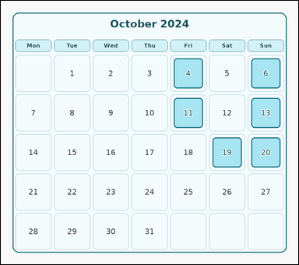 | 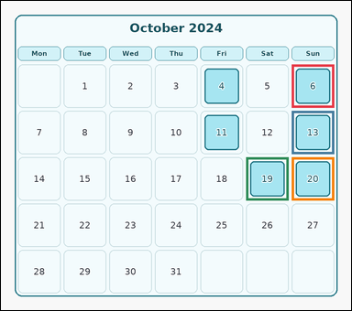 | task_temporal_calendar_month_view | count_marked_weekend_days | The image shows one month-view calendar for October 2024 with weekday headers, date cells, and several marked dates. Use the month-view calendar to answer the question. Among the marked dates, how many are on the weekend? Return a valid JSON object with keys "evidence" and "answer" in that order. Evidence rule: set "evidence" to an array of bounding boxes [x1, y1, x2, y2] for all marked weekend date cells. Answer rule: set "answer" to the integer count of marked weekend dates. Example JSON: {"evidence":[[148,352,250,448],[560,352,662,448]],"answer":2} | The image shows one month-view calendar for October 2024 with weekday headers, date cells, and several marked dates. Use the month-view calendar to answer the question. Among the marked dates, how many are on the weekend? Return a valid JSON object with key "answer". Answer rule: set "answer" to the integer count of marked weekend dates. Example JSON: {"answer":2} | {"evidence": [[714.0, 156.0, 818.0, 262.0], [714.0, 270.0, 818.0, 376.0], [602.0, 384.0, 706.0, 490.0], [714.0, 384.0, 818.0, 490.0]], "answer": 4} | [[714.0, 156.0, 818.0, 262.0], [714.0, 270.0, 818.0, 376.0], [602.0, 384.0, 706.0, 490.0], [714.0, 384.0, 818.0, 490.0]] | integer | bbox_set | 315342607867531 | temporal/task_temporal_calendar_month_view/images/count_marked_weekend_days/0003.png | temporal/task_temporal_calendar_month_view/data/count_marked_weekend_days/0003.json
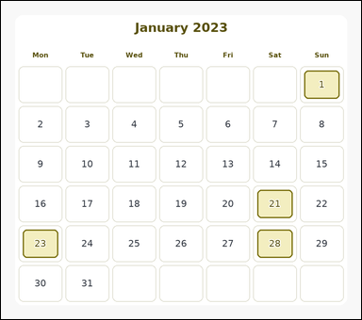 | 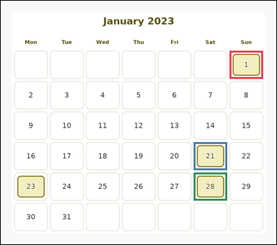 | task_temporal_calendar_month_view | count_marked_weekend_days | You are given an image with one month-view calendar for January 2023 with weekday headers, date cells, and several marked dates. Use the month-view calendar to answer the question. Count the marked weekend dates in this month. Return a valid JSON object with keys "evidence" and "answer" in that order. Evidence field: set "evidence" to an array of bounding boxes [x1, y1, x2, y2] for all marked weekend date cells. Answer field: set "answer" to the integer count of marked weekend dates. Example JSON: {"evidence":[[148,352,250,448],[560,352,662,448]],"answer":2} | You are given an image with one month-view calendar for January 2023 with weekday headers, date cells, and several marked dates. Use the month-view calendar to answer the question. Count the marked weekend dates in this month. Return a valid JSON object with key "answer". Answer requirement: set "answer" to the integer count of marked weekend dates. Example JSON: {"answer":2} | {"evidence": [[714.0, 156.0, 818.0, 243.0], [602.0, 441.0, 706.0, 528.0], [602.0, 536.0, 706.0, 623.0]], "answer": 3} | [[714.0, 156.0, 818.0, 243.0], [602.0, 441.0, 706.0, 528.0], [602.0, 536.0, 706.0, 623.0]] | integer | bbox_set | 726888358434921 | temporal/task_temporal_calendar_month_view/images/count_marked_weekend_days/0002.png | temporal/task_temporal_calendar_month_view/data/count_marked_weekend_days/0002.json
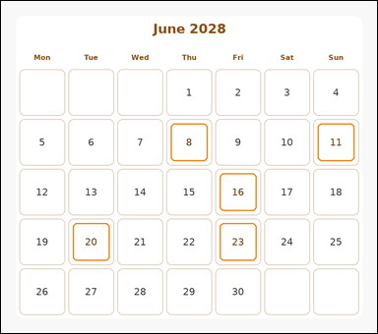 | 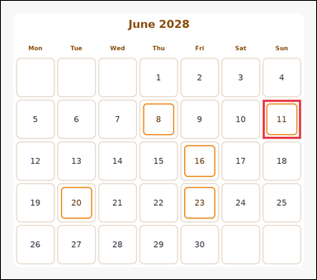 | task_temporal_calendar_month_view | count_marked_weekend_days | Look at the month-view calendar in the image. It shows one month-view calendar for June 2028 with weekday headers, date cells, and several marked dates. Answer the question using the calendar. How many marked calendar dates fall on Saturday or Sunday? Return a valid JSON object with keys "evidence" and "answer" in that order. Evidence field: set "evidence" to an array of bounding boxes [x1, y1, x2, y2] for all marked weekend date cells. Answer field: set "answer" to the integer count of marked weekend dates. Example JSON: {"evidence":[[148,352,250,448],[560,352,662,448]],"answer":2} | Look at the month-view calendar in the image. It shows one month-view calendar for June 2028 with weekday headers, date cells, and several marked dates. Answer the question using the calendar. How many marked calendar dates fall on Saturday or Sunday? Return a valid JSON object with key "answer". Answer format: set "answer" to the integer count of marked weekend dates. Example JSON: {"answer":2} | {"evidence": [[714.0, 270.0, 818.0, 376.0]], "answer": 1} | [[714.0, 270.0, 818.0, 376.0]] | integer | bbox_set | 871501915848207 | temporal/task_temporal_calendar_month_view/images/count_marked_weekend_days/0005.png | temporal/task_temporal_calendar_month_view/data/count_marked_weekend_days/0005.json
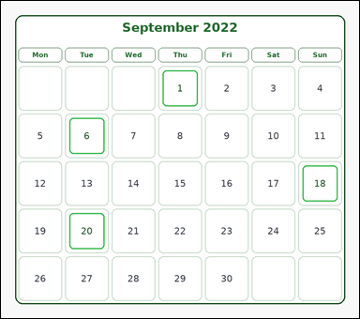 | 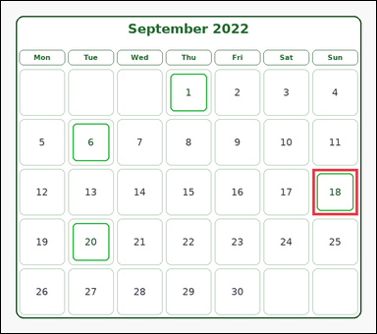 | task_temporal_calendar_month_view | count_marked_weekend_days | Use the calendar in the image. It shows one month-view calendar for September 2022 with weekday headers, date cells, and several marked dates. Read the calendar carefully and answer the question. Count the marked dates that fall on Saturday or Sunday. Return a valid JSON object with keys "evidence" and "answer" in that order. Evidence rule: set "evidence" to an array of bounding boxes [x1, y1, x2, y2] for all marked weekend date cells. Answer rule: set "answer" to the integer count of marked weekend dates. Example JSON: {"evidence":[[148,352,250,448],[560,352,662,448]],"answer":2} | Use the calendar in the image. It shows one month-view calendar for September 2022 with weekday headers, date cells, and several marked dates. Read the calendar carefully and answer the question. Count the marked dates that fall on Saturday or Sunday. Return a valid JSON object with key "answer". Answer requirement: set "answer" to the integer count of marked weekend dates. Example JSON: {"answer":2} | {"evidence": [[714.0, 384.0, 818.0, 490.0]], "answer": 1} | [[714.0, 384.0, 818.0, 490.0]] | integer | bbox_set | 1.3654511201E+15 | temporal/task_temporal_calendar_month_view/images/count_marked_weekend_days/0017.png | temporal/task_temporal_calendar_month_view/data/count_marked_weekend_days/0017.json
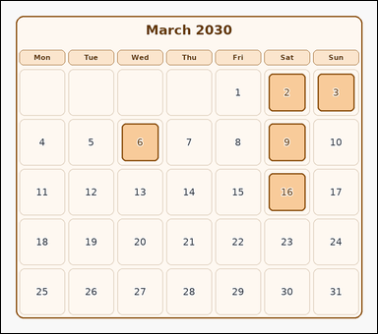 | 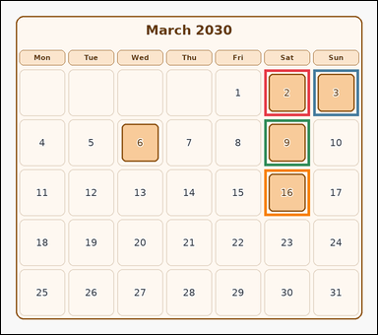 | task_temporal_calendar_month_view | count_marked_weekend_days | Work from the month-view calendar shown in the image: one month-view calendar for March 2030 with weekday headers, date cells, and several marked dates. Work from the full calendar grid to answer the question. Count the marked weekend dates in this month. Return a valid JSON object with keys "evidence" and "answer" in that order. Evidence format: set "evidence" to an array of bounding boxes [x1, y1, x2, y2] for all marked weekend date cells. Answer requirement: set "answer" to the integer count of marked weekend dates. Example JSON: {"evidence":[[148,352,250,448],[560,352,662,448]],"answer":2} | Work from the month-view calendar shown in the image: one month-view calendar for March 2030 with weekday headers, date cells, and several marked dates. Work from the full calendar grid to answer the question. Count the marked weekend dates in this month. Return a valid JSON object with key "answer". Answer requirement: set "answer" to the integer count of marked weekend dates. Example JSON: {"answer":2} | {"evidence": [[602.0, 156.0, 706.0, 262.0], [714.0, 156.0, 818.0, 262.0], [602.0, 270.0, 706.0, 376.0], [602.0, 384.0, 706.0, 490.0]], "answer": 4} | [[602.0, 156.0, 706.0, 262.0], [714.0, 156.0, 818.0, 262.0], [602.0, 270.0, 706.0, 376.0], [602.0, 384.0, 706.0, 490.0]] | integer | bbox_set | 1.4138326917E+15 | temporal/task_temporal_calendar_month_view/images/count_marked_weekend_days/0016.png | temporal/task_temporal_calendar_month_view/data/count_marked_weekend_days/0016.json
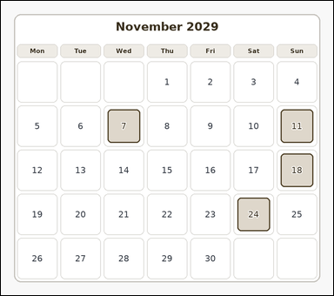 | 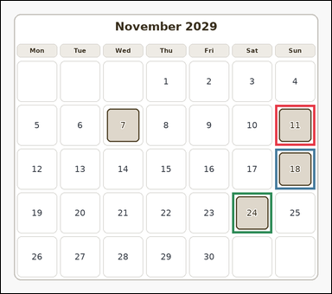 | task_temporal_calendar_month_view | count_marked_weekend_days | You are given an image with one month-view calendar for November 2029 with weekday headers, date cells, and several marked dates. Determine the answer from the shown calendar. How many marked dates are on a weekend? Return a valid JSON object with keys "evidence" and "answer" in that order. Evidence requirement: set "evidence" to an array of bounding boxes [x1, y1, x2, y2] for all marked weekend date cells. Answer format: set "answer" to the integer count of marked weekend dates. Example JSON: {"evidence":[[148,352,250,448],[560,352,662,448]],"answer":2} | You are given an image with one month-view calendar for November 2029 with weekday headers, date cells, and several marked dates. Determine the answer from the shown calendar. How many marked dates are on a weekend? Return a valid JSON object with key "answer". Answer: set "answer" to the integer count of marked weekend dates. Example JSON: {"answer":2} | {"evidence": [[714.0, 270.0, 818.0, 376.0], [714.0, 384.0, 818.0, 490.0], [602.0, 498.0, 706.0, 604.0]], "answer": 3} | [[714.0, 270.0, 818.0, 376.0], [714.0, 384.0, 818.0, 490.0], [602.0, 498.0, 706.0, 604.0]] | integer | bbox_set | 1.4444171144E+15 | temporal/task_temporal_calendar_month_view/images/count_marked_weekend_days/0022.png | temporal/task_temporal_calendar_month_view/data/count_marked_weekend_days/0022.json
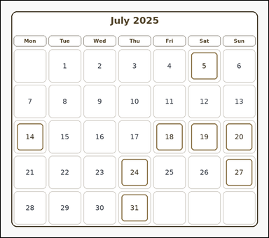 | 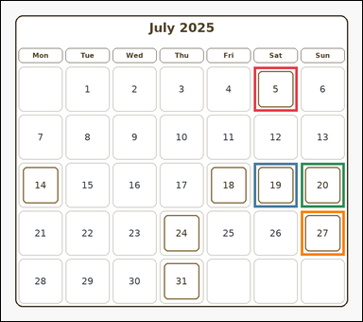 | task_temporal_calendar_month_view | count_marked_weekend_days | You are given an image with one month-view calendar for July 2025 with weekday headers, date cells, and several marked dates. Use the month-view calendar to answer the question. How many marked dates are on a weekend? Return a valid JSON object with keys "evidence" and "answer" in that order. Evidence field: set "evidence" to an array of bounding boxes [x1, y1, x2, y2] for all marked weekend date cells. Answer field: set "answer" to the integer count of marked weekend dates. Example JSON: {"evidence":[[148,352,250,448],[560,352,662,448]],"answer":2} | You are given an image with one month-view calendar for July 2025 with weekday headers, date cells, and several marked dates. Use the month-view calendar to answer the question. How many marked dates are on a weekend? Return a valid JSON object with key "answer". Answer format: set "answer" to the integer count of marked weekend dates. Example JSON: {"answer":2} | {"evidence": [[602.0, 156.0, 706.0, 262.0], [602.0, 384.0, 706.0, 490.0], [714.0, 384.0, 818.0, 490.0], [714.0, 498.0, 818.0, 604.0]], "answer": 4} | [[602.0, 156.0, 706.0, 262.0], [602.0, 384.0, 706.0, 490.0], [714.0, 384.0, 818.0, 490.0], [714.0, 498.0, 818.0, 604.0]] | integer | bbox_set | 1.5895850331E+15 | temporal/task_temporal_calendar_month_view/images/count_marked_weekend_days/0007.png | temporal/task_temporal_calendar_month_view/data/count_marked_weekend_days/0007.json
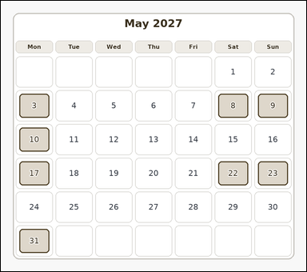 | 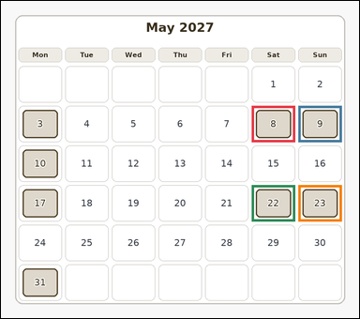 | task_temporal_calendar_month_view | count_marked_weekend_days | You are given an image with one month-view calendar for May 2027 with weekday headers, date cells, and several marked dates. Work from the full calendar grid to answer the question. How many marked dates are on a weekend? Return a valid JSON object with keys "evidence" and "answer" in that order. Evidence rule: set "evidence" to an array of bounding boxes [x1, y1, x2, y2] for all marked weekend date cells. Answer rule: set "answer" to the integer count of marked weekend dates. Example JSON: {"evidence":[[148,352,250,448],[560,352,662,448]],"answer":2} | You are given an image with one month-view calendar for May 2027 with weekday headers, date cells, and several marked dates. Work from the full calendar grid to answer the question. How many marked dates are on a weekend? Return a valid JSON object with key "answer". Answer rule: set "answer" to the integer count of marked weekend dates. Example JSON: {"answer":2} | {"evidence": [[602.0, 251.0, 706.0, 338.0], [714.0, 251.0, 818.0, 338.0], [602.0, 441.0, 706.0, 528.0], [714.0, 441.0, 818.0, 528.0]], "answer": 4} | [[602.0, 251.0, 706.0, 338.0], [714.0, 251.0, 818.0, 338.0], [602.0, 441.0, 706.0, 528.0], [714.0, 441.0, 818.0, 528.0]] | integer | bbox_set | 1.6329851327E+15 | temporal/task_temporal_calendar_month_view/images/count_marked_weekend_days/0000.png | temporal/task_temporal_calendar_month_view/data/count_marked_weekend_days/0000.json
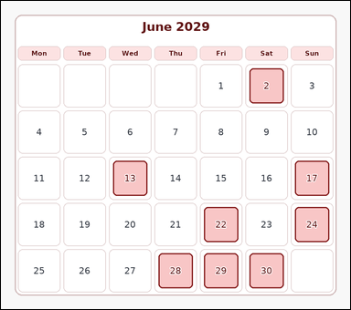 | 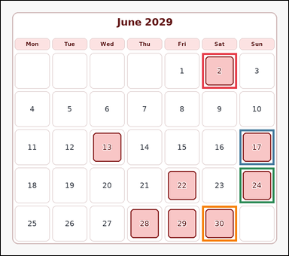 | task_temporal_calendar_month_view | count_marked_weekend_days | Look at the month-view calendar in the image. It shows one month-view calendar for June 2029 with weekday headers, date cells, and several marked dates. Work from the full calendar grid to answer the question. Count the marked dates that fall on Saturday or Sunday. Return a valid JSON object with keys "evidence" and "answer" in that order. Evidence requirement: set "evidence" to an array of bounding boxes [x1, y1, x2, y2] for all marked weekend date cells. Answer format: set "answer" to the integer count of marked weekend dates. Example JSON: {"evidence":[[148,352,250,448],[560,352,662,448]],"answer":2} | Look at the month-view calendar in the image. It shows one month-view calendar for June 2029 with weekday headers, date cells, and several marked dates. Work from the full calendar grid to answer the question. Count the marked dates that fall on Saturday or Sunday. Return a valid JSON object with key "answer". Answer field: set "answer" to the integer count of marked weekend dates. Example JSON: {"answer":2} | {"evidence": [[602.0, 156.0, 706.0, 262.0], [714.0, 384.0, 818.0, 490.0], [714.0, 498.0, 818.0, 604.0], [602.0, 612.0, 706.0, 718.0]], "answer": 4} | [[602.0, 156.0, 706.0, 262.0], [714.0, 384.0, 818.0, 490.0], [714.0, 498.0, 818.0, 604.0], [602.0, 612.0, 706.0, 718.0]] | integer | bbox_set | 1.6796217777E+15 | temporal/task_temporal_calendar_month_view/images/count_marked_weekend_days/0011.png | temporal/task_temporal_calendar_month_view/data/count_marked_weekend_days/0011.json
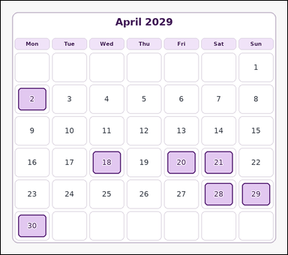 | 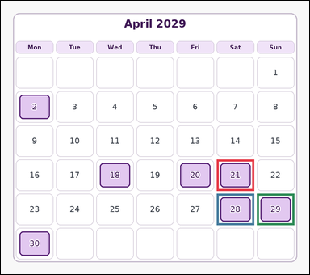 | task_temporal_calendar_month_view | count_marked_weekend_days | The image shows one month-view calendar for April 2029 with weekday headers, date cells, and several marked dates. Answer the question using the calendar. How many marked calendar dates fall on Saturday or Sunday? Return a valid JSON object with keys "evidence" and "answer" in that order. Evidence field: set "evidence" to an array of bounding boxes [x1, y1, x2, y2] for all marked weekend date cells. Answer field: set "answer" to the integer count of marked weekend dates. Example JSON: {"evidence":[[148,352,250,448],[560,352,662,448]],"answer":2} | The image shows one month-view calendar for April 2029 with weekday headers, date cells, and several marked dates. Answer the question using the calendar. How many marked calendar dates fall on Saturday or Sunday? Return a valid JSON object with key "answer". Answer rule: set "answer" to the integer count of marked weekend dates. Example JSON: {"answer":2} | {"evidence": [[602.0, 441.0, 706.0, 528.0], [602.0, 536.0, 706.0, 623.0], [714.0, 536.0, 818.0, 623.0]], "answer": 3} | [[602.0, 441.0, 706.0, 528.0], [602.0, 536.0, 706.0, 623.0], [714.0, 536.0, 818.0, 623.0]] | integer | bbox_set | 1.9721352343E+15 | temporal/task_temporal_calendar_month_view/images/count_marked_weekend_days/0001.png | temporal/task_temporal_calendar_month_view/data/count_marked_weekend_days/0001.json
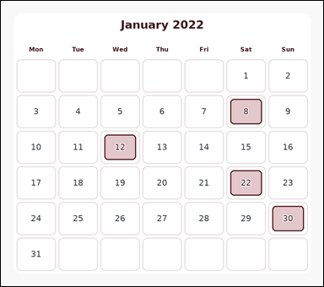 | 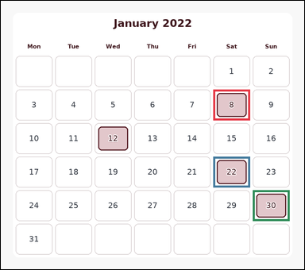 | task_temporal_calendar_month_view | count_marked_weekend_days | Use the calendar in the image. It shows one month-view calendar for January 2022 with weekday headers, date cells, and several marked dates. Use the month-view calendar to answer the question. Among the marked dates, how many are on the weekend? Return a valid JSON object with keys "evidence" and "answer" in that order. Evidence requirement: set "evidence" to an array of bounding boxes [x1, y1, x2, y2] for all marked weekend date cells. Answer format: set "answer" to the integer count of marked weekend dates. Example JSON: {"evidence":[[148,352,250,448],[560,352,662,448]],"answer":2} | Use the calendar in the image. It shows one month-view calendar for January 2022 with weekday headers, date cells, and several marked dates. Use the month-view calendar to answer the question. Among the marked dates, how many are on the weekend? Return a valid JSON object with key "answer". Answer rule: set "answer" to the integer count of marked weekend dates. Example JSON: {"answer":2} | {"evidence": [[602.0, 251.0, 706.0, 338.0], [602.0, 441.0, 706.0, 528.0], [714.0, 536.0, 818.0, 623.0]], "answer": 3} | [[602.0, 251.0, 706.0, 338.0], [602.0, 441.0, 706.0, 528.0], [714.0, 536.0, 818.0, 623.0]] | integer | bbox_set | 2.0994374036E+15 | temporal/task_temporal_calendar_month_view/images/count_marked_weekend_days/0014.png | temporal/task_temporal_calendar_month_view/data/count_marked_weekend_days/0014.json
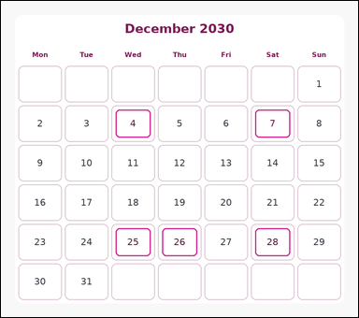 | 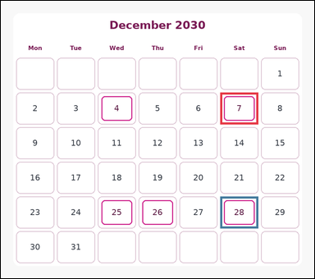 | task_temporal_calendar_month_view | count_marked_weekend_days | Work from the month-view calendar shown in the image: one month-view calendar for December 2030 with weekday headers, date cells, and several marked dates. Determine the answer from the shown calendar. Among the marked dates, how many are on the weekend? Return a valid JSON object with keys "evidence" and "answer" in that order. Evidence format: set "evidence" to an array of bounding boxes [x1, y1, x2, y2] for all marked weekend date cells. Answer requirement: set "answer" to the integer count of marked weekend dates. Example JSON: {"evidence":[[148,352,250,448],[560,352,662,448]],"answer":2} | Work from the month-view calendar shown in the image: one month-view calendar for December 2030 with weekday headers, date cells, and several marked dates. Determine the answer from the shown calendar. Among the marked dates, how many are on the weekend? Return a valid JSON object with key "answer". Answer format: set "answer" to the integer count of marked weekend dates. Example JSON: {"answer":2} | {"evidence": [[602.0, 251.0, 706.0, 338.0], [602.0, 536.0, 706.0, 623.0]], "answer": 2} | [[602.0, 251.0, 706.0, 338.0], [602.0, 536.0, 706.0, 623.0]] | integer | bbox_set | 2.1431630012E+15 | temporal/task_temporal_calendar_month_view/images/count_marked_weekend_days/0023.png | temporal/task_temporal_calendar_month_view/data/count_marked_weekend_days/0023.json
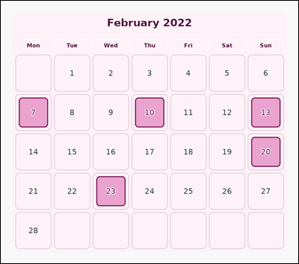 | 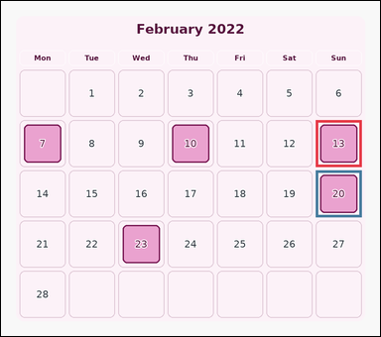 | task_temporal_calendar_month_view | count_marked_weekend_days | Use the calendar in the image. It shows one month-view calendar for February 2022 with weekday headers, date cells, and several marked dates. Use the month-view calendar to answer the question. How many marked dates are on a weekend? Return a valid JSON object with keys "evidence" and "answer" in that order. Evidence rule: set "evidence" to an array of bounding boxes [x1, y1, x2, y2] for all marked weekend date cells. Answer rule: set "answer" to the integer count of marked weekend dates. Example JSON: {"evidence":[[148,352,250,448],[560,352,662,448]],"answer":2} | Use the calendar in the image. It shows one month-view calendar for February 2022 with weekday headers, date cells, and several marked dates. Use the month-view calendar to answer the question. How many marked dates are on a weekend? Return a valid JSON object with key "answer". Answer rule: set "answer" to the integer count of marked weekend dates. Example JSON: {"answer":2} | {"evidence": [[714.0, 270.0, 818.0, 376.0], [714.0, 384.0, 818.0, 490.0]], "answer": 2} | [[714.0, 270.0, 818.0, 376.0], [714.0, 384.0, 818.0, 490.0]] | integer | bbox_set | 2.1967403899E+15 | temporal/task_temporal_calendar_month_view/images/count_marked_weekend_days/0018.png | temporal/task_temporal_calendar_month_view/data/count_marked_weekend_days/0018.json
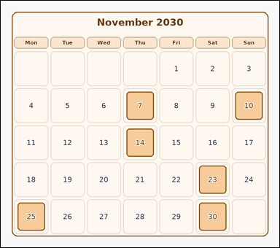 | 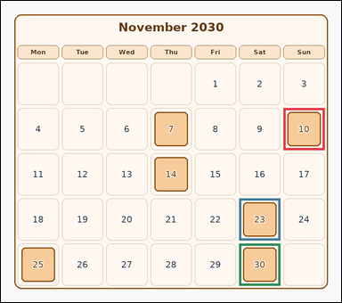 | task_temporal_calendar_month_view | count_marked_weekend_days | Work from the month-view calendar shown in the image: one month-view calendar for November 2030 with weekday headers, date cells, and several marked dates. Use the month-view calendar to answer the question. Count the marked dates that fall on Saturday or Sunday. Return a valid JSON object with keys "evidence" and "answer" in that order. Evidence field: set "evidence" to an array of bounding boxes [x1, y1, x2, y2] for all marked weekend date cells. Answer field: set "answer" to the integer count of marked weekend dates. Example JSON: {"evidence":[[148,352,250,448],[560,352,662,448]],"answer":2} | Work from the month-view calendar shown in the image: one month-view calendar for November 2030 with weekday headers, date cells, and several marked dates. Use the month-view calendar to answer the question. Count the marked dates that fall on Saturday or Sunday. Return a valid JSON object with key "answer". Answer requirement: set "answer" to the integer count of marked weekend dates. Example JSON: {"answer":2} | {"evidence": [[714.0, 270.0, 818.0, 376.0], [602.0, 498.0, 706.0, 604.0], [602.0, 612.0, 706.0, 718.0]], "answer": 3} | [[714.0, 270.0, 818.0, 376.0], [602.0, 498.0, 706.0, 604.0], [602.0, 612.0, 706.0, 718.0]] | integer | bbox_set | 3.0819465763E+15 | temporal/task_temporal_calendar_month_view/images/count_marked_weekend_days/0019.png | temporal/task_temporal_calendar_month_view/data/count_marked_weekend_days/0019.json
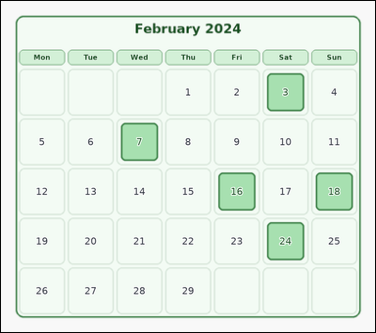 | 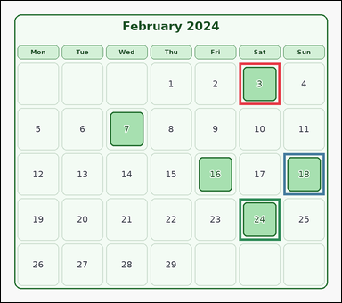 | task_temporal_calendar_month_view | count_marked_weekend_days | The image shows one month-view calendar for February 2024 with weekday headers, date cells, and several marked dates. Work from the full calendar grid to answer the question. How many marked dates are on a weekend? Return a valid JSON object with keys "evidence" and "answer" in that order. Evidence requirement: set "evidence" to an array of bounding boxes [x1, y1, x2, y2] for all marked weekend date cells. Answer format: set "answer" to the integer count of marked weekend dates. Example JSON: {"evidence":[[148,352,250,448],[560,352,662,448]],"answer":2} | The image shows one month-view calendar for February 2024 with weekday headers, date cells, and several marked dates. Work from the full calendar grid to answer the question. How many marked dates are on a weekend? Return a valid JSON object with key "answer". Answer: set "answer" to the integer count of marked weekend dates. Example JSON: {"answer":2} | {"evidence": [[602.0, 156.0, 706.0, 262.0], [714.0, 384.0, 818.0, 490.0], [602.0, 498.0, 706.0, 604.0]], "answer": 3} | [[602.0, 156.0, 706.0, 262.0], [714.0, 384.0, 818.0, 490.0], [602.0, 498.0, 706.0, 604.0]] | integer | bbox_set | 3.2217241614E+15 | temporal/task_temporal_calendar_month_view/images/count_marked_weekend_days/0021.png | temporal/task_temporal_calendar_month_view/data/count_marked_weekend_days/0021.json
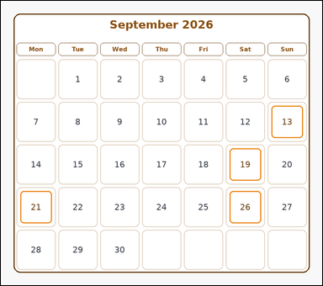 | 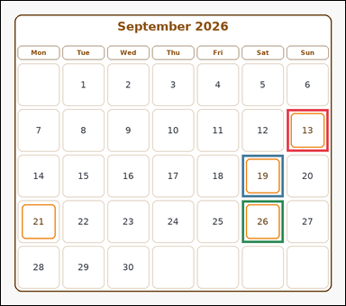 | task_temporal_calendar_month_view | count_marked_weekend_days | You are given an image with one month-view calendar for September 2026 with weekday headers, date cells, and several marked dates. Determine the answer from the shown calendar. Among the marked dates, how many are on the weekend? Return a valid JSON object with keys "evidence" and "answer" in that order. Evidence rule: set "evidence" to an array of bounding boxes [x1, y1, x2, y2] for all marked weekend date cells. Answer rule: set "answer" to the integer count of marked weekend dates. Example JSON: {"evidence":[[148,352,250,448],[560,352,662,448]],"answer":2} | You are given an image with one month-view calendar for September 2026 with weekday headers, date cells, and several marked dates. Determine the answer from the shown calendar. Among the marked dates, how many are on the weekend? Return a valid JSON object with key "answer". Answer rule: set "answer" to the integer count of marked weekend dates. Example JSON: {"answer":2} | {"evidence": [[714.0, 270.0, 818.0, 376.0], [602.0, 384.0, 706.0, 490.0], [602.0, 498.0, 706.0, 604.0]], "answer": 3} | [[714.0, 270.0, 818.0, 376.0], [602.0, 384.0, 706.0, 490.0], [602.0, 498.0, 706.0, 604.0]] | integer | bbox_set | 3.6648572205E+15 | temporal/task_temporal_calendar_month_view/images/count_marked_weekend_days/0012.png | temporal/task_temporal_calendar_month_view/data/count_marked_weekend_days/0012.json
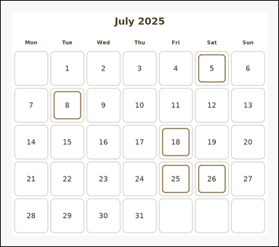 | 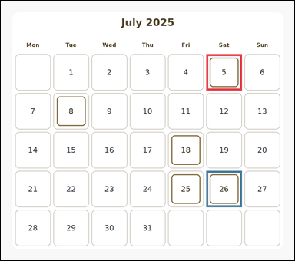 | task_temporal_calendar_month_view | count_marked_weekend_days | Use the calendar in the image. It shows one month-view calendar for July 2025 with weekday headers, date cells, and several marked dates. Answer the question using the calendar. Count the marked weekend dates in this month. Return a valid JSON object with keys "evidence" and "answer" in that order. Evidence rule: set "evidence" to an array of bounding boxes [x1, y1, x2, y2] for all marked weekend date cells. Answer rule: set "answer" to the integer count of marked weekend dates. Example JSON: {"evidence":[[148,352,250,448],[560,352,662,448]],"answer":2} | Use the calendar in the image. It shows one month-view calendar for July 2025 with weekday headers, date cells, and several marked dates. Answer the question using the calendar. Count the marked weekend dates in this month. Return a valid JSON object with key "answer". Answer field: set "answer" to the integer count of marked weekend dates. Example JSON: {"answer":2} | {"evidence": [[602.0, 156.0, 706.0, 262.0], [602.0, 498.0, 706.0, 604.0]], "answer": 2} | [[602.0, 156.0, 706.0, 262.0], [602.0, 498.0, 706.0, 604.0]] | integer | bbox_set | 4.1005876284E+15 | temporal/task_temporal_calendar_month_view/images/count_marked_weekend_days/0010.png | temporal/task_temporal_calendar_month_view/data/count_marked_weekend_days/0010.json
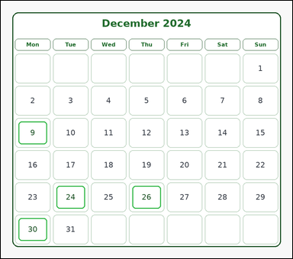 |  | task_temporal_calendar_month_view | count_marked_weekend_days | Use the calendar in the image. It shows one month-view calendar for December 2024 with weekday headers, date cells, and several marked dates. Determine the answer from the shown calendar. Among the marked dates, how many are on the weekend? Return a valid JSON object with keys "evidence" and "answer" in that order. Evidence rule: set "evidence" to an array of bounding boxes [x1, y1, x2, y2] for all marked weekend date cells. Answer rule: set "answer" to the integer count of marked weekend dates. Example JSON: {"evidence":[[148,352,250,448],[560,352,662,448]],"answer":2} | Use the calendar in the image. It shows one month-view calendar for December 2024 with weekday headers, date cells, and several marked dates. Determine the answer from the shown calendar. Among the marked dates, how many are on the weekend? Return a valid JSON object with key "answer". Answer rule: set "answer" to the integer count of marked weekend dates. Example JSON: {"answer":2} | {"evidence": [], "answer": 0} | [] | integer | bbox_set | 4.2253348246E+15 | temporal/task_temporal_calendar_month_view/images/count_marked_weekend_days/0015.png | temporal/task_temporal_calendar_month_view/data/count_marked_weekend_days/0015.json
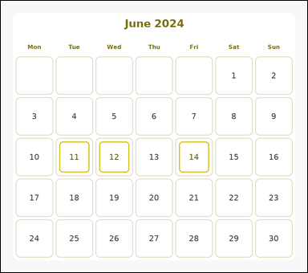 |  | task_temporal_calendar_month_view | count_marked_weekend_days | Look at the month-view calendar in the image. It shows one month-view calendar for June 2024 with weekday headers, date cells, and several marked dates. Use the month-view calendar to answer the question. Count the marked weekend dates in this month. Return a valid JSON object with keys "evidence" and "answer" in that order. Evidence field: set "evidence" to an array of bounding boxes [x1, y1, x2, y2] for all marked weekend date cells. Answer field: set "answer" to the integer count of marked weekend dates. Example JSON: {"evidence":[[148,352,250,448],[560,352,662,448]],"answer":2} | Look at the month-view calendar in the image. It shows one month-view calendar for June 2024 with weekday headers, date cells, and several marked dates. Use the month-view calendar to answer the question. Count the marked weekend dates in this month. Return a valid JSON object with key "answer". Answer format: set "answer" to the integer count of marked weekend dates. Example JSON: {"answer":2} | {"evidence": [], "answer": 0} | [] | integer | bbox_set | 4.9218677861E+15 | temporal/task_temporal_calendar_month_view/images/count_marked_weekend_days/0008.png | temporal/task_temporal_calendar_month_view/data/count_marked_weekend_days/0008.json
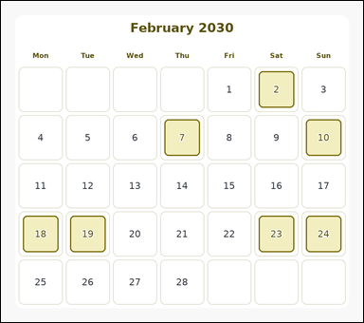 | 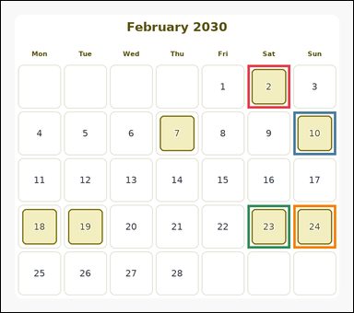 | task_temporal_calendar_month_view | count_marked_weekend_days | You are given an image with one month-view calendar for February 2030 with weekday headers, date cells, and several marked dates. Determine the answer from the shown calendar. How many marked dates are on a weekend? Return a valid JSON object with keys "evidence" and "answer" in that order. Evidence rule: set "evidence" to an array of bounding boxes [x1, y1, x2, y2] for all marked weekend date cells. Answer rule: set "answer" to the integer count of marked weekend dates. Example JSON: {"evidence":[[148,352,250,448],[560,352,662,448]],"answer":2} | You are given an image with one month-view calendar for February 2030 with weekday headers, date cells, and several marked dates. Determine the answer from the shown calendar. How many marked dates are on a weekend? Return a valid JSON object with key "answer". Answer field: set "answer" to the integer count of marked weekend dates. Example JSON: {"answer":2} | {"evidence": [[602.0, 156.0, 706.0, 262.0], [714.0, 270.0, 818.0, 376.0], [602.0, 498.0, 706.0, 604.0], [714.0, 498.0, 818.0, 604.0]], "answer": 4} | [[602.0, 156.0, 706.0, 262.0], [714.0, 270.0, 818.0, 376.0], [602.0, 498.0, 706.0, 604.0], [714.0, 498.0, 818.0, 604.0]] | integer | bbox_set | 5.4958635803E+15 | temporal/task_temporal_calendar_month_view/images/count_marked_weekend_days/0013.png | temporal/task_temporal_calendar_month_view/data/count_marked_weekend_days/0013.json
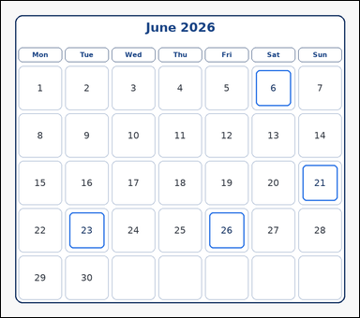 | 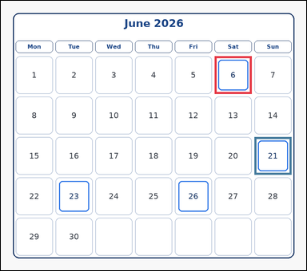 | task_temporal_calendar_month_view | count_marked_weekend_days | Look at the month-view calendar in the image. It shows one month-view calendar for June 2026 with weekday headers, date cells, and several marked dates. Work from the full calendar grid to answer the question. Count the marked weekend dates in this month. Return a valid JSON object with keys "evidence" and "answer" in that order. Evidence: set "evidence" to an array of bounding boxes [x1, y1, x2, y2] for all marked weekend date cells. Answer: set "answer" to the integer count of marked weekend dates. Example JSON: {"evidence":[[148,352,250,448],[560,352,662,448]],"answer":2} | Look at the month-view calendar in the image. It shows one month-view calendar for June 2026 with weekday headers, date cells, and several marked dates. Work from the full calendar grid to answer the question. Count the marked weekend dates in this month. Return a valid JSON object with key "answer". Answer rule: set "answer" to the integer count of marked weekend dates. Example JSON: {"answer":2} | {"evidence": [[602.0, 156.0, 706.0, 262.0], [714.0, 384.0, 818.0, 490.0]], "answer": 2} | [[602.0, 156.0, 706.0, 262.0], [714.0, 384.0, 818.0, 490.0]] | integer | bbox_set | 5.497819428E+15 | temporal/task_temporal_calendar_month_view/images/count_marked_weekend_days/0024.png | temporal/task_temporal_calendar_month_view/data/count_marked_weekend_days/0024.json
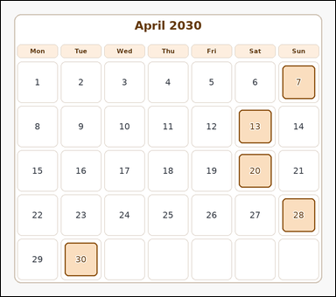 | 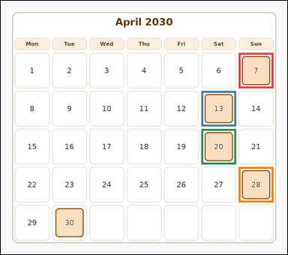 | task_temporal_calendar_month_view | count_marked_weekend_days | Use the calendar in the image. It shows one month-view calendar for April 2030 with weekday headers, date cells, and several marked dates. Determine the answer from the shown calendar. How many marked dates are on a weekend? Return a valid JSON object with keys "evidence" and "answer" in that order. Evidence format: set "evidence" to an array of bounding boxes [x1, y1, x2, y2] for all marked weekend date cells. Answer requirement: set "answer" to the integer count of marked weekend dates. Example JSON: {"evidence":[[148,352,250,448],[560,352,662,448]],"answer":2} | Use the calendar in the image. It shows one month-view calendar for April 2030 with weekday headers, date cells, and several marked dates. Determine the answer from the shown calendar. How many marked dates are on a weekend? Return a valid JSON object with key "answer". Answer rule: set "answer" to the integer count of marked weekend dates. Example JSON: {"answer":2} | {"evidence": [[714.0, 156.0, 818.0, 262.0], [602.0, 270.0, 706.0, 376.0], [602.0, 384.0, 706.0, 490.0], [714.0, 498.0, 818.0, 604.0]], "answer": 4} | [[714.0, 156.0, 818.0, 262.0], [602.0, 270.0, 706.0, 376.0], [602.0, 384.0, 706.0, 490.0], [714.0, 498.0, 818.0, 604.0]] | integer | bbox_set | 5.5982231497E+15 | temporal/task_temporal_calendar_month_view/images/count_marked_weekend_days/0004.png | temporal/task_temporal_calendar_month_view/data/count_marked_weekend_days/0004.json
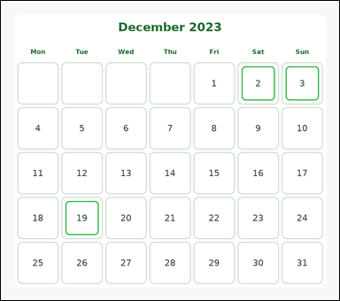 | 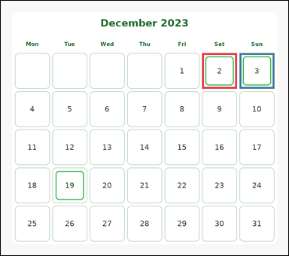 | task_temporal_calendar_month_view | count_marked_weekend_days | You are given an image with one month-view calendar for December 2023 with weekday headers, date cells, and several marked dates. Use the month-view calendar to answer the question. How many marked calendar dates fall on Saturday or Sunday? Return a valid JSON object with keys "evidence" and "answer" in that order. Evidence rule: set "evidence" to an array of bounding boxes [x1, y1, x2, y2] for all marked weekend date cells. Answer rule: set "answer" to the integer count of marked weekend dates. Example JSON: {"evidence":[[148,352,250,448],[560,352,662,448]],"answer":2} | You are given an image with one month-view calendar for December 2023 with weekday headers, date cells, and several marked dates. Use the month-view calendar to answer the question. How many marked calendar dates fall on Saturday or Sunday? Return a valid JSON object with key "answer". Answer requirement: set "answer" to the integer count of marked weekend dates. Example JSON: {"answer":2} | {"evidence": [[602.0, 156.0, 706.0, 262.0], [714.0, 156.0, 818.0, 262.0]], "answer": 2} | [[602.0, 156.0, 706.0, 262.0], [714.0, 156.0, 818.0, 262.0]] | integer | bbox_set | 7.4232627672E+15 | temporal/task_temporal_calendar_month_view/images/count_marked_weekend_days/0009.png | temporal/task_temporal_calendar_month_view/data/count_marked_weekend_days/0009.json
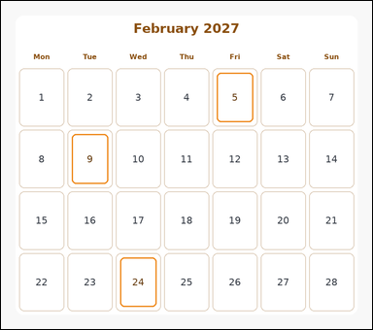 |  | task_temporal_calendar_month_view | count_marked_weekend_days | Use the calendar in the image. It shows one month-view calendar for February 2027 with weekday headers, date cells, and several marked dates. Read the calendar carefully and answer the question. Count the marked dates that fall on Saturday or Sunday. Return a valid JSON object with keys "evidence" and "answer" in that order. Evidence requirement: set "evidence" to an array of bounding boxes [x1, y1, x2, y2] for all marked weekend date cells. Answer format: set "answer" to the integer count of marked weekend dates. Example JSON: {"evidence":[[148,352,250,448],[560,352,662,448]],"answer":2} | Use the calendar in the image. It shows one month-view calendar for February 2027 with weekday headers, date cells, and several marked dates. Read the calendar carefully and answer the question. Count the marked dates that fall on Saturday or Sunday. Return a valid JSON object with key "answer". Answer: set "answer" to the integer count of marked weekend dates. Example JSON: {"answer":2} | {"evidence": [], "answer": 0} | [] | integer | bbox_set | 8.2813473213E+15 | temporal/task_temporal_calendar_month_view/images/count_marked_weekend_days/0020.png | temporal/task_temporal_calendar_month_view/data/count_marked_weekend_days/0020.json
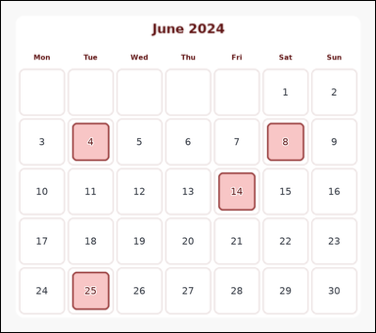 | 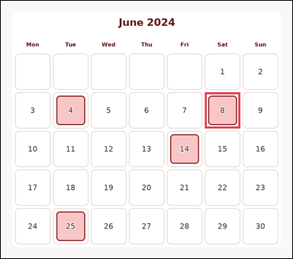 | task_temporal_calendar_month_view | count_marked_weekend_days | Use the calendar in the image. It shows one month-view calendar for June 2024 with weekday headers, date cells, and several marked dates. Use the month-view calendar to answer the question. How many marked calendar dates fall on Saturday or Sunday? Return a valid JSON object with keys "evidence" and "answer" in that order. Evidence: set "evidence" to an array of bounding boxes [x1, y1, x2, y2] for all marked weekend date cells. Answer: set "answer" to the integer count of marked weekend dates. Example JSON: {"evidence":[[148,352,250,448],[560,352,662,448]],"answer":2} | Use the calendar in the image. It shows one month-view calendar for June 2024 with weekday headers, date cells, and several marked dates. Use the month-view calendar to answer the question. How many marked calendar dates fall on Saturday or Sunday? Return a valid JSON object with key "answer". Answer: set "answer" to the integer count of marked weekend dates. Example JSON: {"answer":2} | {"evidence": [[602.0, 270.0, 706.0, 376.0]], "answer": 1} | [[602.0, 270.0, 706.0, 376.0]] | integer | bbox_set | 8.3605928997E+15 | temporal/task_temporal_calendar_month_view/images/count_marked_weekend_days/0006.png | temporal/task_temporal_calendar_month_view/data/count_marked_weekend_days/0006.json

date_of_weekday_occurrence
image | evidence_image | task | task_variant | prompt | prompt_answer_only | answer | answer_evidence | answer_type | evidence_type | instance_seed | image_path | data_path
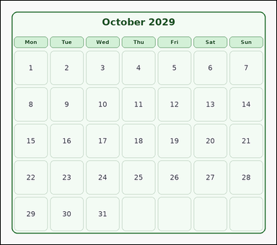 | 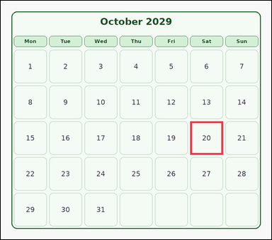 | task_temporal_calendar_month_view | date_of_weekday_occurrence | Use the calendar in the image. It shows one month-view calendar for October 2029 with weekday headers and date cells. Work from the full calendar grid to answer the question. What date is the 3rd Saturday of this month? Return a valid JSON object with keys "evidence" and "answer" in that order. Evidence: set "evidence" to an array containing exactly one bounding box [x1, y1, x2, y2] for the target date cell. Answer: set "answer" to the integer date number. Example JSON: {"evidence":[[354,256,456,352]],"answer":18} | Use the calendar in the image. It shows one month-view calendar for October 2029 with weekday headers and date cells. Work from the full calendar grid to answer the question. What date is the 3rd Saturday of this month? Return a valid JSON object with key "answer". Answer rule: set "answer" to the integer date number. Example JSON: {"answer":18} | {"evidence": [[602.0, 384.0, 706.0, 490.0]], "answer": 20} | [[602.0, 384.0, 706.0, 490.0]] | integer | bbox_set | 254460885731232 | temporal/task_temporal_calendar_month_view/images/date_of_weekday_occurrence/0015.png | temporal/task_temporal_calendar_month_view/data/date_of_weekday_occurrence/0015.json
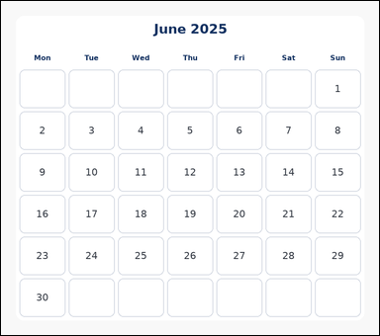 |  | task_temporal_calendar_month_view | date_of_weekday_occurrence | Work from the month-view calendar shown in the image: one month-view calendar for June 2025 with weekday headers and date cells. Use the month-view calendar to answer the question. Find the 1st Thursday in this month. What date number is it? Return a valid JSON object with keys "evidence" and "answer" in that order. Evidence field: set "evidence" to an array containing exactly one bounding box [x1, y1, x2, y2] for the target date cell. Answer field: set "answer" to the integer date number. Example JSON: {"evidence":[[354,256,456,352]],"answer":18} | Work from the month-view calendar shown in the image: one month-view calendar for June 2025 with weekday headers and date cells. Use the month-view calendar to answer the question. Find the 1st Thursday in this month. What date number is it? Return a valid JSON object with key "answer". Answer rule: set "answer" to the integer date number. Example JSON: {"answer":18} | {"evidence": [[378.0, 251.0, 482.0, 338.0]], "answer": 5} | [[378.0, 251.0, 482.0, 338.0]] | integer | bbox_set | 827871173329093 | temporal/task_temporal_calendar_month_view/images/date_of_weekday_occurrence/0011.png | temporal/task_temporal_calendar_month_view/data/date_of_weekday_occurrence/0011.json
 |  | task_temporal_calendar_month_view | date_of_weekday_occurrence | Use the calendar in the image. It shows one month-view calendar for July 2026 with weekday headers and date cells. Determine the answer from the shown calendar. Which date number is the 4th Tuesday of this month? Return a valid JSON object with keys "evidence" and "answer" in that order. Evidence field: set "evidence" to an array containing exactly one bounding box [x1, y1, x2, y2] for the target date cell. Answer field: set "answer" to the integer date number. Example JSON: {"evidence":[[354,256,456,352]],"answer":18} | Use the calendar in the image. It shows one month-view calendar for July 2026 with weekday headers and date cells. Determine the answer from the shown calendar. Which date number is the 4th Tuesday of this month? Return a valid JSON object with key "answer". Answer format: set "answer" to the integer date number. Example JSON: {"answer":18} | {"evidence": [[154.0, 612.0, 258.0, 718.0]], "answer": 28} | [[154.0, 612.0, 258.0, 718.0]] | integer | bbox_set | 845797966406359 | temporal/task_temporal_calendar_month_view/images/date_of_weekday_occurrence/0024.png | temporal/task_temporal_calendar_month_view/data/date_of_weekday_occurrence/0024.json
 |  | task_temporal_calendar_month_view | date_of_weekday_occurrence | The image shows one month-view calendar for January 2027 with weekday headers and date cells. Answer the question using the calendar. Which date number is the 2nd Monday of this month? Return a valid JSON object with keys "evidence" and "answer" in that order. Evidence field: set "evidence" to an array containing exactly one bounding box [x1, y1, x2, y2] for the target date cell. Answer field: set "answer" to the integer date number. Example JSON: {"evidence":[[354,256,456,352]],"answer":18} | The image shows one month-view calendar for January 2027 with weekday headers and date cells. Answer the question using the calendar. Which date number is the 2nd Monday of this month? Return a valid JSON object with key "answer". Answer rule: set "answer" to the integer date number. Example JSON: {"answer":18} | {"evidence": [[42.0, 384.0, 146.0, 490.0]], "answer": 11} | [[42.0, 384.0, 146.0, 490.0]] | integer | bbox_set | 996871479528974 | temporal/task_temporal_calendar_month_view/images/date_of_weekday_occurrence/0005.png | temporal/task_temporal_calendar_month_view/data/date_of_weekday_occurrence/0005.json
 |  | task_temporal_calendar_month_view | date_of_weekday_occurrence | Work from the month-view calendar shown in the image: one month-view calendar for November 2029 with weekday headers and date cells. Answer the question using the calendar. Find the 4th Saturday in this month. What date number is it? Return a valid JSON object with keys "evidence" and "answer" in that order. Evidence format: set "evidence" to an array containing exactly one bounding box [x1, y1, x2, y2] for the target date cell. Answer requirement: set "answer" to the integer date number. Example JSON: {"evidence":[[354,256,456,352]],"answer":18} | Work from the month-view calendar shown in the image: one month-view calendar for November 2029 with weekday headers and date cells. Answer the question using the calendar. Find the 4th Saturday in this month. What date number is it? Return a valid JSON object with key "answer". Answer: set "answer" to the integer date number. Example JSON: {"answer":18} | {"evidence": [[602.0, 498.0, 706.0, 604.0]], "answer": 24} | [[602.0, 498.0, 706.0, 604.0]] | integer | bbox_set | 1.3122594669E+15 | temporal/task_temporal_calendar_month_view/images/date_of_weekday_occurrence/0018.png | temporal/task_temporal_calendar_month_view/data/date_of_weekday_occurrence/0018.json
 |  | task_temporal_calendar_month_view | date_of_weekday_occurrence | The image shows one month-view calendar for August 2027 with weekday headers and date cells. Work from the full calendar grid to answer the question. What date is the 4th Thursday of this month? Return a valid JSON object with keys "evidence" and "answer" in that order. Evidence rule: set "evidence" to an array containing exactly one bounding box [x1, y1, x2, y2] for the target date cell. Answer rule: set "answer" to the integer date number. Example JSON: {"evidence":[[354,256,456,352]],"answer":18} | The image shows one month-view calendar for August 2027 with weekday headers and date cells. Work from the full calendar grid to answer the question. What date is the 4th Thursday of this month? Return a valid JSON object with key "answer". Answer requirement: set "answer" to the integer date number. Example JSON: {"answer":18} | {"evidence": [[378.0, 536.0, 482.0, 623.0]], "answer": 26} | [[378.0, 536.0, 482.0, 623.0]] | integer | bbox_set | 2.8136959893E+15 | temporal/task_temporal_calendar_month_view/images/date_of_weekday_occurrence/0020.png | temporal/task_temporal_calendar_month_view/data/date_of_weekday_occurrence/0020.json
 |  | task_temporal_calendar_month_view | date_of_weekday_occurrence | Work from the month-view calendar shown in the image: one month-view calendar for April 2023 with weekday headers and date cells. Answer the question using the calendar. What is the date number for the 3rd Sunday of this month? Return a valid JSON object with keys "evidence" and "answer" in that order. Evidence: set "evidence" to an array containing exactly one bounding box [x1, y1, x2, y2] for the target date cell. Answer: set "answer" to the integer date number. Example JSON: {"evidence":[[354,256,456,352]],"answer":18} | Work from the month-view calendar shown in the image: one month-view calendar for April 2023 with weekday headers and date cells. Answer the question using the calendar. What is the date number for the 3rd Sunday of this month? Return a valid JSON object with key "answer". Answer requirement: set "answer" to the integer date number. Example JSON: {"answer":18} | {"evidence": [[714.0, 384.0, 818.0, 490.0]], "answer": 16} | [[714.0, 384.0, 818.0, 490.0]] | integer | bbox_set | 2.8409697002E+15 | temporal/task_temporal_calendar_month_view/images/date_of_weekday_occurrence/0007.png | temporal/task_temporal_calendar_month_view/data/date_of_weekday_occurrence/0007.json
 |  | task_temporal_calendar_month_view | date_of_weekday_occurrence | Look at the month-view calendar in the image. It shows one month-view calendar for August 2028 with weekday headers and date cells. Work from the full calendar grid to answer the question. Which date number is the 4th Tuesday of this month? Return a valid JSON object with keys "evidence" and "answer" in that order. Evidence rule: set "evidence" to an array containing exactly one bounding box [x1, y1, x2, y2] for the target date cell. Answer rule: set "answer" to the integer date number. Example JSON: {"evidence":[[354,256,456,352]],"answer":18} | Look at the month-view calendar in the image. It shows one month-view calendar for August 2028 with weekday headers and date cells. Work from the full calendar grid to answer the question. Which date number is the 4th Tuesday of this month? Return a valid JSON object with key "answer". Answer: set "answer" to the integer date number. Example JSON: {"answer":18} | {"evidence": [[154.0, 498.0, 258.0, 604.0]], "answer": 22} | [[154.0, 498.0, 258.0, 604.0]] | integer | bbox_set | 3.1597639103E+15 | temporal/task_temporal_calendar_month_view/images/date_of_weekday_occurrence/0009.png | temporal/task_temporal_calendar_month_view/data/date_of_weekday_occurrence/0009.json
 |  | task_temporal_calendar_month_view | date_of_weekday_occurrence | Work from the month-view calendar shown in the image: one month-view calendar for December 2027 with weekday headers and date cells. Use the month-view calendar to answer the question. What date is the 1st Monday of this month? Return a valid JSON object with keys "evidence" and "answer" in that order. Evidence field: set "evidence" to an array containing exactly one bounding box [x1, y1, x2, y2] for the target date cell. Answer field: set "answer" to the integer date number. Example JSON: {"evidence":[[354,256,456,352]],"answer":18} | Work from the month-view calendar shown in the image: one month-view calendar for December 2027 with weekday headers and date cells. Use the month-view calendar to answer the question. What date is the 1st Monday of this month? Return a valid JSON object with key "answer". Answer format: set "answer" to the integer date number. Example JSON: {"answer":18} | {"evidence": [[42.0, 270.0, 146.0, 376.0]], "answer": 6} | [[42.0, 270.0, 146.0, 376.0]] | integer | bbox_set | 3.1609993973E+15 | temporal/task_temporal_calendar_month_view/images/date_of_weekday_occurrence/0012.png | temporal/task_temporal_calendar_month_view/data/date_of_weekday_occurrence/0012.json
 |  | task_temporal_calendar_month_view | date_of_weekday_occurrence | The image shows one month-view calendar for January 2022 with weekday headers and date cells. Answer the question using the calendar. Identify the date of the 3rd Sunday shown in this calendar month. Return a valid JSON object with keys "evidence" and "answer" in that order. Evidence field: set "evidence" to an array containing exactly one bounding box [x1, y1, x2, y2] for the target date cell. Answer field: set "answer" to the integer date number. Example JSON: {"evidence":[[354,256,456,352]],"answer":18} | The image shows one month-view calendar for January 2022 with weekday headers and date cells. Answer the question using the calendar. Identify the date of the 3rd Sunday shown in this calendar month. Return a valid JSON object with key "answer". Answer format: set "answer" to the integer date number. Example JSON: {"answer":18} | {"evidence": [[714.0, 346.0, 818.0, 433.0]], "answer": 16} | [[714.0, 346.0, 818.0, 433.0]] | integer | bbox_set | 3.2482259189E+15 | temporal/task_temporal_calendar_month_view/images/date_of_weekday_occurrence/0019.png | temporal/task_temporal_calendar_month_view/data/date_of_weekday_occurrence/0019.json
 |  | task_temporal_calendar_month_view | date_of_weekday_occurrence | You are given an image with one month-view calendar for December 2026 with weekday headers and date cells. Determine the answer from the shown calendar. What is the date number for the 2nd Tuesday of this month? Return a valid JSON object with keys "evidence" and "answer" in that order. Evidence requirement: set "evidence" to an array containing exactly one bounding box [x1, y1, x2, y2] for the target date cell. Answer format: set "answer" to the integer date number. Example JSON: {"evidence":[[354,256,456,352]],"answer":18} | You are given an image with one month-view calendar for December 2026 with weekday headers and date cells. Determine the answer from the shown calendar. What is the date number for the 2nd Tuesday of this month? Return a valid JSON object with key "answer". Answer field: set "answer" to the integer date number. Example JSON: {"answer":18} | {"evidence": [[154.0, 270.0, 258.0, 376.0]], "answer": 8} | [[154.0, 270.0, 258.0, 376.0]] | integer | bbox_set | 3.3265560405E+15 | temporal/task_temporal_calendar_month_view/images/date_of_weekday_occurrence/0023.png | temporal/task_temporal_calendar_month_view/data/date_of_weekday_occurrence/0023.json
 |  | task_temporal_calendar_month_view | date_of_weekday_occurrence | Look at the month-view calendar in the image. It shows one month-view calendar for January 2025 with weekday headers and date cells. Use the month-view calendar to answer the question. Which date number is the 3rd Saturday of this month? Return a valid JSON object with keys "evidence" and "answer" in that order. Evidence: set "evidence" to an array containing exactly one bounding box [x1, y1, x2, y2] for the target date cell. Answer: set "answer" to the integer date number. Example JSON: {"evidence":[[354,256,456,352]],"answer":18} | Look at the month-view calendar in the image. It shows one month-view calendar for January 2025 with weekday headers and date cells. Use the month-view calendar to answer the question. Which date number is the 3rd Saturday of this month? Return a valid JSON object with key "answer". Answer requirement: set "answer" to the integer date number. Example JSON: {"answer":18} | {"evidence": [[602.0, 384.0, 706.0, 490.0]], "answer": 18} | [[602.0, 384.0, 706.0, 490.0]] | integer | bbox_set | 3.6041175314E+15 | temporal/task_temporal_calendar_month_view/images/date_of_weekday_occurrence/0022.png | temporal/task_temporal_calendar_month_view/data/date_of_weekday_occurrence/0022.json
 |  | task_temporal_calendar_month_view | date_of_weekday_occurrence | Use the calendar in the image. It shows one month-view calendar for February 2029 with weekday headers and date cells. Work from the full calendar grid to answer the question. What date is the 4th Monday of this month? Return a valid JSON object with keys "evidence" and "answer" in that order. Evidence format: set "evidence" to an array containing exactly one bounding box [x1, y1, x2, y2] for the target date cell. Answer requirement: set "answer" to the integer date number. Example JSON: {"evidence":[[354,256,456,352]],"answer":18} | Use the calendar in the image. It shows one month-view calendar for February 2029 with weekday headers and date cells. Work from the full calendar grid to answer the question. What date is the 4th Monday of this month? Return a valid JSON object with key "answer". Answer field: set "answer" to the integer date number. Example JSON: {"answer":18} | {"evidence": [[42.0, 612.0, 146.0, 718.0]], "answer": 26} | [[42.0, 612.0, 146.0, 718.0]] | integer | bbox_set | 3.655001828E+15 | temporal/task_temporal_calendar_month_view/images/date_of_weekday_occurrence/0010.png | temporal/task_temporal_calendar_month_view/data/date_of_weekday_occurrence/0010.json
 |  | task_temporal_calendar_month_view | date_of_weekday_occurrence | The image shows one month-view calendar for April 2024 with weekday headers and date cells. Read the calendar carefully and answer the question. What is the date number for the 4th Tuesday of this month? Return a valid JSON object with keys "evidence" and "answer" in that order. Evidence requirement: set "evidence" to an array containing exactly one bounding box [x1, y1, x2, y2] for the target date cell. Answer format: set "answer" to the integer date number. Example JSON: {"evidence":[[354,256,456,352]],"answer":18} | The image shows one month-view calendar for April 2024 with weekday headers and date cells. Read the calendar carefully and answer the question. What is the date number for the 4th Tuesday of this month? Return a valid JSON object with key "answer". Answer: set "answer" to the integer date number. Example JSON: {"answer":18} | {"evidence": [[154.0, 498.0, 258.0, 604.0]], "answer": 23} | [[154.0, 498.0, 258.0, 604.0]] | integer | bbox_set | 4.3096817299E+15 | temporal/task_temporal_calendar_month_view/images/date_of_weekday_occurrence/0016.png | temporal/task_temporal_calendar_month_view/data/date_of_weekday_occurrence/0016.json
 |  | task_temporal_calendar_month_view | date_of_weekday_occurrence | Use the calendar in the image. It shows one month-view calendar for November 2025 with weekday headers and date cells. Work from the full calendar grid to answer the question. Find the 4th Saturday in this month. What date number is it? Return a valid JSON object with keys "evidence" and "answer" in that order. Evidence: set "evidence" to an array containing exactly one bounding box [x1, y1, x2, y2] for the target date cell. Answer: set "answer" to the integer date number. Example JSON: {"evidence":[[354,256,456,352]],"answer":18} | Use the calendar in the image. It shows one month-view calendar for November 2025 with weekday headers and date cells. Work from the full calendar grid to answer the question. Find the 4th Saturday in this month. What date number is it? Return a valid JSON object with key "answer". Answer: set "answer" to the integer date number. Example JSON: {"answer":18} | {"evidence": [[602.0, 498.0, 706.0, 604.0]], "answer": 22} | [[602.0, 498.0, 706.0, 604.0]] | integer | bbox_set | 4.4075348172E+15 | temporal/task_temporal_calendar_month_view/images/date_of_weekday_occurrence/0004.png | temporal/task_temporal_calendar_month_view/data/date_of_weekday_occurrence/0004.json
 |  | task_temporal_calendar_month_view | date_of_weekday_occurrence | Use the calendar in the image. It shows one month-view calendar for May 2029 with weekday headers and date cells. Determine the answer from the shown calendar. Find the 3rd Tuesday in this month. What date number is it? Return a valid JSON object with keys "evidence" and "answer" in that order. Evidence requirement: set "evidence" to an array containing exactly one bounding box [x1, y1, x2, y2] for the target date cell. Answer format: set "answer" to the integer date number. Example JSON: {"evidence":[[354,256,456,352]],"answer":18} | Use the calendar in the image. It shows one month-view calendar for May 2029 with weekday headers and date cells. Determine the answer from the shown calendar. Find the 3rd Tuesday in this month. What date number is it? Return a valid JSON object with key "answer". Answer format: set "answer" to the integer date number. Example JSON: {"answer":18} | {"evidence": [[154.0, 384.0, 258.0, 490.0]], "answer": 15} | [[154.0, 384.0, 258.0, 490.0]] | integer | bbox_set | 4.5618237694E+15 | temporal/task_temporal_calendar_month_view/images/date_of_weekday_occurrence/0014.png | temporal/task_temporal_calendar_month_view/data/date_of_weekday_occurrence/0014.json
 |  | task_temporal_calendar_month_view | date_of_weekday_occurrence | Look at the month-view calendar in the image. It shows one month-view calendar for February 2023 with weekday headers and date cells. Answer the question using the calendar. Identify the date of the 2nd Tuesday shown in this calendar month. Return a valid JSON object with keys "evidence" and "answer" in that order. Evidence requirement: set "evidence" to an array containing exactly one bounding box [x1, y1, x2, y2] for the target date cell. Answer format: set "answer" to the integer date number. Example JSON: {"evidence":[[354,256,456,352]],"answer":18} | Look at the month-view calendar in the image. It shows one month-view calendar for February 2023 with weekday headers and date cells. Answer the question using the calendar. Identify the date of the 2nd Tuesday shown in this calendar month. Return a valid JSON object with key "answer". Answer format: set "answer" to the integer date number. Example JSON: {"answer":18} | {"evidence": [[154.0, 384.0, 258.0, 490.0]], "answer": 14} | [[154.0, 384.0, 258.0, 490.0]] | integer | bbox_set | 4.7451170717E+15 | temporal/task_temporal_calendar_month_view/images/date_of_weekday_occurrence/0001.png | temporal/task_temporal_calendar_month_view/data/date_of_weekday_occurrence/0001.json
 |  | task_temporal_calendar_month_view | date_of_weekday_occurrence | Use the calendar in the image. It shows one month-view calendar for December 2024 with weekday headers and date cells. Use the month-view calendar to answer the question. Find the 4th Monday in this month. What date number is it? Return a valid JSON object with keys "evidence" and "answer" in that order. Evidence format: set "evidence" to an array containing exactly one bounding box [x1, y1, x2, y2] for the target date cell. Answer requirement: set "answer" to the integer date number. Example JSON: {"evidence":[[354,256,456,352]],"answer":18} | Use the calendar in the image. It shows one month-view calendar for December 2024 with weekday headers and date cells. Use the month-view calendar to answer the question. Find the 4th Monday in this month. What date number is it? Return a valid JSON object with key "answer". Answer requirement: set "answer" to the integer date number. Example JSON: {"answer":18} | {"evidence": [[42.0, 536.0, 146.0, 623.0]], "answer": 23} | [[42.0, 536.0, 146.0, 623.0]] | integer | bbox_set | 5.2710734841E+15 | temporal/task_temporal_calendar_month_view/images/date_of_weekday_occurrence/0006.png | temporal/task_temporal_calendar_month_view/data/date_of_weekday_occurrence/0006.json
 |  | task_temporal_calendar_month_view | date_of_weekday_occurrence | Work from the month-view calendar shown in the image: one month-view calendar for October 2029 with weekday headers and date cells. Determine the answer from the shown calendar. Which date number is the 2nd Monday of this month? Return a valid JSON object with keys "evidence" and "answer" in that order. Evidence format: set "evidence" to an array containing exactly one bounding box [x1, y1, x2, y2] for the target date cell. Answer requirement: set "answer" to the integer date number. Example JSON: {"evidence":[[354,256,456,352]],"answer":18} | Work from the month-view calendar shown in the image: one month-view calendar for October 2029 with weekday headers and date cells. Determine the answer from the shown calendar. Which date number is the 2nd Monday of this month? Return a valid JSON object with key "answer". Answer format: set "answer" to the integer date number. Example JSON: {"answer":18} | {"evidence": [[42.0, 270.0, 146.0, 376.0]], "answer": 8} | [[42.0, 270.0, 146.0, 376.0]] | integer | bbox_set | 5.299769379E+15 | temporal/task_temporal_calendar_month_view/images/date_of_weekday_occurrence/0017.png | temporal/task_temporal_calendar_month_view/data/date_of_weekday_occurrence/0017.json
 |  | task_temporal_calendar_month_view | date_of_weekday_occurrence | Use the calendar in the image. It shows one month-view calendar for December 2023 with weekday headers and date cells. Work from the full calendar grid to answer the question. Find the 3rd Saturday in this month. What date number is it? Return a valid JSON object with keys "evidence" and "answer" in that order. Evidence format: set "evidence" to an array containing exactly one bounding box [x1, y1, x2, y2] for the target date cell. Answer requirement: set "answer" to the integer date number. Example JSON: {"evidence":[[354,256,456,352]],"answer":18} | Use the calendar in the image. It shows one month-view calendar for December 2023 with weekday headers and date cells. Work from the full calendar grid to answer the question. Find the 3rd Saturday in this month. What date number is it? Return a valid JSON object with key "answer". Answer format: set "answer" to the integer date number. Example JSON: {"answer":18} | {"evidence": [[602.0, 384.0, 706.0, 490.0]], "answer": 16} | [[602.0, 384.0, 706.0, 490.0]] | integer | bbox_set | 5.5600570455E+15 | temporal/task_temporal_calendar_month_view/images/date_of_weekday_occurrence/0021.png | temporal/task_temporal_calendar_month_view/data/date_of_weekday_occurrence/0021.json
 |  | task_temporal_calendar_month_view | date_of_weekday_occurrence | The image shows one month-view calendar for January 2024 with weekday headers and date cells. Work from the full calendar grid to answer the question. Which date number is the 5th Wednesday of this month? Return a valid JSON object with keys "evidence" and "answer" in that order. Evidence rule: set "evidence" to an array containing exactly one bounding box [x1, y1, x2, y2] for the target date cell. Answer rule: set "answer" to the integer date number. Example JSON: {"evidence":[[354,256,456,352]],"answer":18} | The image shows one month-view calendar for January 2024 with weekday headers and date cells. Work from the full calendar grid to answer the question. Which date number is the 5th Wednesday of this month? Return a valid JSON object with key "answer". Answer format: set "answer" to the integer date number. Example JSON: {"answer":18} | {"evidence": [[266.0, 612.0, 370.0, 718.0]], "answer": 31} | [[266.0, 612.0, 370.0, 718.0]] | integer | bbox_set | 6.2207155669E+15 | temporal/task_temporal_calendar_month_view/images/date_of_weekday_occurrence/0013.png | temporal/task_temporal_calendar_month_view/data/date_of_weekday_occurrence/0013.json
 |  | task_temporal_calendar_month_view | date_of_weekday_occurrence | Use the calendar in the image. It shows one month-view calendar for January 2027 with weekday headers and date cells. Use the month-view calendar to answer the question. What is the date number for the 4th Friday of this month? Return a valid JSON object with keys "evidence" and "answer" in that order. Evidence field: set "evidence" to an array containing exactly one bounding box [x1, y1, x2, y2] for the target date cell. Answer field: set "answer" to the integer date number. Example JSON: {"evidence":[[354,256,456,352]],"answer":18} | Use the calendar in the image. It shows one month-view calendar for January 2027 with weekday headers and date cells. Use the month-view calendar to answer the question. What is the date number for the 4th Friday of this month? Return a valid JSON object with key "answer". Answer requirement: set "answer" to the integer date number. Example JSON: {"answer":18} | {"evidence": [[490.0, 498.0, 594.0, 604.0]], "answer": 22} | [[490.0, 498.0, 594.0, 604.0]] | integer | bbox_set | 6.9669902866E+15 | temporal/task_temporal_calendar_month_view/images/date_of_weekday_occurrence/0008.png | temporal/task_temporal_calendar_month_view/data/date_of_weekday_occurrence/0008.json
 |  | task_temporal_calendar_month_view | date_of_weekday_occurrence | The image shows one month-view calendar for July 2024 with weekday headers and date cells. Work from the full calendar grid to answer the question. Find the 4th Wednesday in this month. What date number is it? Return a valid JSON object with keys "evidence" and "answer" in that order. Evidence rule: set "evidence" to an array containing exactly one bounding box [x1, y1, x2, y2] for the target date cell. Answer rule: set "answer" to the integer date number. Example JSON: {"evidence":[[354,256,456,352]],"answer":18} | The image shows one month-view calendar for July 2024 with weekday headers and date cells. Work from the full calendar grid to answer the question. Find the 4th Wednesday in this month. What date number is it? Return a valid JSON object with key "answer". Answer field: set "answer" to the integer date number. Example JSON: {"answer":18} | {"evidence": [[266.0, 498.0, 370.0, 604.0]], "answer": 24} | [[266.0, 498.0, 370.0, 604.0]] | integer | bbox_set | 7.4849455258E+15 | temporal/task_temporal_calendar_month_view/images/date_of_weekday_occurrence/0002.png | temporal/task_temporal_calendar_month_view/data/date_of_weekday_occurrence/0002.json
 |  | task_temporal_calendar_month_view | date_of_weekday_occurrence | You are given an image with one month-view calendar for April 2029 with weekday headers and date cells. Determine the answer from the shown calendar. What is the date number for the 3rd Wednesday of this month? Return a valid JSON object with keys "evidence" and "answer" in that order. Evidence: set "evidence" to an array containing exactly one bounding box [x1, y1, x2, y2] for the target date cell. Answer: set "answer" to the integer date number. Example JSON: {"evidence":[[354,256,456,352]],"answer":18} | You are given an image with one month-view calendar for April 2029 with weekday headers and date cells. Determine the answer from the shown calendar. What is the date number for the 3rd Wednesday of this month? Return a valid JSON object with key "answer". Answer format: set "answer" to the integer date number. Example JSON: {"answer":18} | {"evidence": [[266.0, 441.0, 370.0, 528.0]], "answer": 18} | [[266.0, 441.0, 370.0, 528.0]] | integer | bbox_set | 7.9705493442E+15 | temporal/task_temporal_calendar_month_view/images/date_of_weekday_occurrence/0003.png | temporal/task_temporal_calendar_month_view/data/date_of_weekday_occurrence/0003.json
 |  | task_temporal_calendar_month_view | date_of_weekday_occurrence | You are given an image with one month-view calendar for September 2029 with weekday headers and date cells. Work from the full calendar grid to answer the question. What is the date number for the 4th Thursday of this month? Return a valid JSON object with keys "evidence" and "answer" in that order. Evidence field: set "evidence" to an array containing exactly one bounding box [x1, y1, x2, y2] for the target date cell. Answer field: set "answer" to the integer date number. Example JSON: {"evidence":[[354,256,456,352]],"answer":18} | You are given an image with one month-view calendar for September 2029 with weekday headers and date cells. Work from the full calendar grid to answer the question. What is the date number for the 4th Thursday of this month? Return a valid JSON object with key "answer". Answer requirement: set "answer" to the integer date number. Example JSON: {"answer":18} | {"evidence": [[378.0, 612.0, 482.0, 718.0]], "answer": 27} | [[378.0, 612.0, 482.0, 718.0]] | integer | bbox_set | 8.5382991435E+15 | temporal/task_temporal_calendar_month_view/images/date_of_weekday_occurrence/0000.png | temporal/task_temporal_calendar_month_view/data/date_of_weekday_occurrence/0000.json

days_between_marked_dates
image | evidence_image | task | task_variant | prompt | prompt_answer_only | answer | answer_evidence | answer_type | evidence_type | instance_seed | image_path | data_path
 |  | task_temporal_calendar_month_view | days_between_marked_dates | You are given an image with one month-view calendar for December 2030 with weekday headers, date cells, and several marked dates. Use the month-view calendar to answer the question. How many calendar days separate the two marked dates? Return a valid JSON object with keys "evidence" and "answer" in that order. Evidence format: set "evidence" to an array containing exactly two bounding boxes [x1, y1, x2, y2] for the two marked date cells. Answer requirement: set "answer" to the integer number of days between the two marked dates. Example JSON: {"evidence":[[250,448,352,544],[560,448,662,544]],"answer":9} | You are given an image with one month-view calendar for December 2030 with weekday headers, date cells, and several marked dates. Use the month-view calendar to answer the question. How many calendar days separate the two marked dates? Return a valid JSON object with key "answer". Answer field: set "answer" to the integer number of days between the two marked dates. Example JSON: {"answer":9} | {"evidence": [[378.0, 251.0, 482.0, 338.0], [714.0, 251.0, 818.0, 338.0]], "answer": 3} | [[378.0, 251.0, 482.0, 338.0], [714.0, 251.0, 818.0, 338.0]] | integer | bbox_set | 78419575916002 | temporal/task_temporal_calendar_month_view/images/days_between_marked_dates/0016.png | temporal/task_temporal_calendar_month_view/data/days_between_marked_dates/0016.json
 |  | task_temporal_calendar_month_view | days_between_marked_dates | The image shows one month-view calendar for October 2026 with weekday headers, date cells, and several marked dates. Use the month-view calendar to answer the question. What is the day difference between the two marked dates? Return a valid JSON object with keys "evidence" and "answer" in that order. Evidence rule: set "evidence" to an array containing exactly two bounding boxes [x1, y1, x2, y2] for the two marked date cells. Answer rule: set "answer" to the integer number of days between the two marked dates. Example JSON: {"evidence":[[250,448,352,544],[560,448,662,544]],"answer":9} | The image shows one month-view calendar for October 2026 with weekday headers, date cells, and several marked dates. Use the month-view calendar to answer the question. What is the day difference between the two marked dates? Return a valid JSON object with key "answer". Answer requirement: set "answer" to the integer number of days between the two marked dates. Example JSON: {"answer":9} | {"evidence": [[714.0, 498.0, 818.0, 604.0], [602.0, 612.0, 706.0, 718.0]], "answer": 6} | [[714.0, 498.0, 818.0, 604.0], [602.0, 612.0, 706.0, 718.0]] | integer | bbox_set | 81261067274535 | temporal/task_temporal_calendar_month_view/images/days_between_marked_dates/0004.png | temporal/task_temporal_calendar_month_view/data/days_between_marked_dates/0004.json
 |  | task_temporal_calendar_month_view | days_between_marked_dates | The image shows one month-view calendar for January 2024 with weekday headers, date cells, and several marked dates. Work from the full calendar grid to answer the question. Find the number of days between the marked dates. Return a valid JSON object with keys "evidence" and "answer" in that order. Evidence requirement: set "evidence" to an array containing exactly two bounding boxes [x1, y1, x2, y2] for the two marked date cells. Answer format: set "answer" to the integer number of days between the two marked dates. Example JSON: {"evidence":[[250,448,352,544],[560,448,662,544]],"answer":9} | The image shows one month-view calendar for January 2024 with weekday headers, date cells, and several marked dates. Work from the full calendar grid to answer the question. Find the number of days between the marked dates. Return a valid JSON object with key "answer". Answer: set "answer" to the integer number of days between the two marked dates. Example JSON: {"answer":9} | {"evidence": [[378.0, 156.0, 482.0, 262.0], [714.0, 384.0, 818.0, 490.0]], "answer": 17} | [[378.0, 156.0, 482.0, 262.0], [714.0, 384.0, 818.0, 490.0]] | integer | bbox_set | 298624789930200 | temporal/task_temporal_calendar_month_view/images/days_between_marked_dates/0010.png | temporal/task_temporal_calendar_month_view/data/days_between_marked_dates/0010.json
 |  | task_temporal_calendar_month_view | days_between_marked_dates | Look at the month-view calendar in the image. It shows one month-view calendar for November 2022 with weekday headers, date cells, and several marked dates. Read the calendar carefully and answer the question. How many calendar days separate the two marked dates? Return a valid JSON object with keys "evidence" and "answer" in that order. Evidence field: set "evidence" to an array containing exactly two bounding boxes [x1, y1, x2, y2] for the two marked date cells. Answer field: set "answer" to the integer number of days between the two marked dates. Example JSON: {"evidence":[[250,448,352,544],[560,448,662,544]],"answer":9} | Look at the month-view calendar in the image. It shows one month-view calendar for November 2022 with weekday headers, date cells, and several marked dates. Read the calendar carefully and answer the question. How many calendar days separate the two marked dates? Return a valid JSON object with key "answer". Answer format: set "answer" to the integer number of days between the two marked dates. Example JSON: {"answer":9} | {"evidence": [[154.0, 156.0, 258.0, 262.0], [378.0, 384.0, 482.0, 490.0]], "answer": 16} | [[154.0, 156.0, 258.0, 262.0], [378.0, 384.0, 482.0, 490.0]] | integer | bbox_set | 621808865274997 | temporal/task_temporal_calendar_month_view/images/days_between_marked_dates/0022.png | temporal/task_temporal_calendar_month_view/data/days_between_marked_dates/0022.json
 |  | task_temporal_calendar_month_view | days_between_marked_dates | Look at the month-view calendar in the image. It shows one month-view calendar for March 2024 with weekday headers, date cells, and several marked dates. Determine the answer from the shown calendar. How many calendar days separate the two marked dates? Return a valid JSON object with keys "evidence" and "answer" in that order. Evidence field: set "evidence" to an array containing exactly two bounding boxes [x1, y1, x2, y2] for the two marked date cells. Answer field: set "answer" to the integer number of days between the two marked dates. Example JSON: {"evidence":[[250,448,352,544],[560,448,662,544]],"answer":9} | Look at the month-view calendar in the image. It shows one month-view calendar for March 2024 with weekday headers, date cells, and several marked dates. Determine the answer from the shown calendar. How many calendar days separate the two marked dates? Return a valid JSON object with key "answer". Answer rule: set "answer" to the integer number of days between the two marked dates. Example JSON: {"answer":9} | {"evidence": [[378.0, 498.0, 482.0, 604.0], [154.0, 612.0, 258.0, 718.0]], "answer": 5} | [[378.0, 498.0, 482.0, 604.0], [154.0, 612.0, 258.0, 718.0]] | integer | bbox_set | 735264695886199 | temporal/task_temporal_calendar_month_view/images/days_between_marked_dates/0024.png | temporal/task_temporal_calendar_month_view/data/days_between_marked_dates/0024.json
 |  | task_temporal_calendar_month_view | days_between_marked_dates | Look at the month-view calendar in the image. It shows one month-view calendar for October 2029 with weekday headers, date cells, and several marked dates. Use the month-view calendar to answer the question. How many calendar days separate the two marked dates? Return a valid JSON object with keys "evidence" and "answer" in that order. Evidence: set "evidence" to an array containing exactly two bounding boxes [x1, y1, x2, y2] for the two marked date cells. Answer: set "answer" to the integer number of days between the two marked dates. Example JSON: {"evidence":[[250,448,352,544],[560,448,662,544]],"answer":9} | Look at the month-view calendar in the image. It shows one month-view calendar for October 2029 with weekday headers, date cells, and several marked dates. Use the month-view calendar to answer the question. How many calendar days separate the two marked dates? Return a valid JSON object with key "answer". Answer requirement: set "answer" to the integer number of days between the two marked dates. Example JSON: {"answer":9} | {"evidence": [[266.0, 156.0, 370.0, 262.0], [714.0, 270.0, 818.0, 376.0]], "answer": 11} | [[266.0, 156.0, 370.0, 262.0], [714.0, 270.0, 818.0, 376.0]] | integer | bbox_set | 1.1803846529E+15 | temporal/task_temporal_calendar_month_view/images/days_between_marked_dates/0009.png | temporal/task_temporal_calendar_month_view/data/days_between_marked_dates/0009.json
 |  | task_temporal_calendar_month_view | days_between_marked_dates | You are given an image with one month-view calendar for January 2027 with weekday headers, date cells, and several marked dates. Answer the question using the calendar. Find the number of days between the marked dates. Return a valid JSON object with keys "evidence" and "answer" in that order. Evidence requirement: set "evidence" to an array containing exactly two bounding boxes [x1, y1, x2, y2] for the two marked date cells. Answer format: set "answer" to the integer number of days between the two marked dates. Example JSON: {"evidence":[[250,448,352,544],[560,448,662,544]],"answer":9} | You are given an image with one month-view calendar for January 2027 with weekday headers, date cells, and several marked dates. Answer the question using the calendar. Find the number of days between the marked dates. Return a valid JSON object with key "answer". Answer field: set "answer" to the integer number of days between the two marked dates. Example JSON: {"answer":9} | {"evidence": [[378.0, 384.0, 482.0, 490.0], [154.0, 498.0, 258.0, 604.0]], "answer": 5} | [[378.0, 384.0, 482.0, 490.0], [154.0, 498.0, 258.0, 604.0]] | integer | bbox_set | 1.9540435782E+15 | temporal/task_temporal_calendar_month_view/images/days_between_marked_dates/0023.png | temporal/task_temporal_calendar_month_view/data/days_between_marked_dates/0023.json
 |  | task_temporal_calendar_month_view | days_between_marked_dates | Use the calendar in the image. It shows one month-view calendar for July 2024 with weekday headers, date cells, and several marked dates. Determine the answer from the shown calendar. How many days are between the two marked dates? Return a valid JSON object with keys "evidence" and "answer" in that order. Evidence requirement: set "evidence" to an array containing exactly two bounding boxes [x1, y1, x2, y2] for the two marked date cells. Answer format: set "answer" to the integer number of days between the two marked dates. Example JSON: {"evidence":[[250,448,352,544],[560,448,662,544]],"answer":9} | Use the calendar in the image. It shows one month-view calendar for July 2024 with weekday headers, date cells, and several marked dates. Determine the answer from the shown calendar. How many days are between the two marked dates? Return a valid JSON object with key "answer". Answer requirement: set "answer" to the integer number of days between the two marked dates. Example JSON: {"answer":9} | {"evidence": [[266.0, 270.0, 370.0, 376.0], [602.0, 498.0, 706.0, 604.0]], "answer": 17} | [[266.0, 270.0, 370.0, 376.0], [602.0, 498.0, 706.0, 604.0]] | integer | bbox_set | 2.6055963785E+15 | temporal/task_temporal_calendar_month_view/images/days_between_marked_dates/0021.png | temporal/task_temporal_calendar_month_view/data/days_between_marked_dates/0021.json
 |  | task_temporal_calendar_month_view | days_between_marked_dates | Work from the month-view calendar shown in the image: one month-view calendar for October 2022 with weekday headers, date cells, and several marked dates. Use the month-view calendar to answer the question. Find the number of days between the marked dates. Return a valid JSON object with keys "evidence" and "answer" in that order. Evidence: set "evidence" to an array containing exactly two bounding boxes [x1, y1, x2, y2] for the two marked date cells. Answer: set "answer" to the integer number of days between the two marked dates. Example JSON: {"evidence":[[250,448,352,544],[560,448,662,544]],"answer":9} | Work from the month-view calendar shown in the image: one month-view calendar for October 2022 with weekday headers, date cells, and several marked dates. Use the month-view calendar to answer the question. Find the number of days between the marked dates. Return a valid JSON object with key "answer". Answer: set "answer" to the integer number of days between the two marked dates. Example JSON: {"answer":9} | {"evidence": [[714.0, 441.0, 818.0, 528.0], [266.0, 536.0, 370.0, 623.0]], "answer": 3} | [[714.0, 441.0, 818.0, 528.0], [266.0, 536.0, 370.0, 623.0]] | integer | bbox_set | 2.7977417647E+15 | temporal/task_temporal_calendar_month_view/images/days_between_marked_dates/0012.png | temporal/task_temporal_calendar_month_view/data/days_between_marked_dates/0012.json
 |  | task_temporal_calendar_month_view | days_between_marked_dates | Use the calendar in the image. It shows one month-view calendar for July 2028 with weekday headers, date cells, and several marked dates. Read the calendar carefully and answer the question. How many calendar days separate the two marked dates? Return a valid JSON object with keys "evidence" and "answer" in that order. Evidence: set "evidence" to an array containing exactly two bounding boxes [x1, y1, x2, y2] for the two marked date cells. Answer: set "answer" to the integer number of days between the two marked dates. Example JSON: {"evidence":[[250,448,352,544],[560,448,662,544]],"answer":9} | Use the calendar in the image. It shows one month-view calendar for July 2028 with weekday headers, date cells, and several marked dates. Read the calendar carefully and answer the question. How many calendar days separate the two marked dates? Return a valid JSON object with key "answer". Answer: set "answer" to the integer number of days between the two marked dates. Example JSON: {"answer":9} | {"evidence": [[490.0, 346.0, 594.0, 433.0], [602.0, 346.0, 706.0, 433.0]], "answer": 1} | [[490.0, 346.0, 594.0, 433.0], [602.0, 346.0, 706.0, 433.0]] | integer | bbox_set | 2.912160596E+15 | temporal/task_temporal_calendar_month_view/images/days_between_marked_dates/0006.png | temporal/task_temporal_calendar_month_view/data/days_between_marked_dates/0006.json
 |  | task_temporal_calendar_month_view | days_between_marked_dates | Use the calendar in the image. It shows one month-view calendar for February 2030 with weekday headers, date cells, and several marked dates. Read the calendar carefully and answer the question. How many calendar days separate the two marked dates? Return a valid JSON object with keys "evidence" and "answer" in that order. Evidence rule: set "evidence" to an array containing exactly two bounding boxes [x1, y1, x2, y2] for the two marked date cells. Answer rule: set "answer" to the integer number of days between the two marked dates. Example JSON: {"evidence":[[250,448,352,544],[560,448,662,544]],"answer":9} | Use the calendar in the image. It shows one month-view calendar for February 2030 with weekday headers, date cells, and several marked dates. Read the calendar carefully and answer the question. How many calendar days separate the two marked dates? Return a valid JSON object with key "answer". Answer requirement: set "answer" to the integer number of days between the two marked dates. Example JSON: {"answer":9} | {"evidence": [[602.0, 156.0, 706.0, 262.0], [266.0, 498.0, 370.0, 604.0]], "answer": 18} | [[602.0, 156.0, 706.0, 262.0], [266.0, 498.0, 370.0, 604.0]] | integer | bbox_set | 3.1343689704E+15 | temporal/task_temporal_calendar_month_view/images/days_between_marked_dates/0011.png | temporal/task_temporal_calendar_month_view/data/days_between_marked_dates/0011.json
 |  | task_temporal_calendar_month_view | days_between_marked_dates | Work from the month-view calendar shown in the image: one month-view calendar for October 2028 with weekday headers, date cells, and several marked dates. Determine the answer from the shown calendar. What is the day difference between the two marked dates? Return a valid JSON object with keys "evidence" and "answer" in that order. Evidence: set "evidence" to an array containing exactly two bounding boxes [x1, y1, x2, y2] for the two marked date cells. Answer: set "answer" to the integer number of days between the two marked dates. Example JSON: {"evidence":[[250,448,352,544],[560,448,662,544]],"answer":9} | Work from the month-view calendar shown in the image: one month-view calendar for October 2028 with weekday headers, date cells, and several marked dates. Determine the answer from the shown calendar. What is the day difference between the two marked dates? Return a valid JSON object with key "answer". Answer rule: set "answer" to the integer number of days between the two marked dates. Example JSON: {"answer":9} | {"evidence": [[378.0, 536.0, 482.0, 623.0], [490.0, 536.0, 594.0, 623.0]], "answer": 1} | [[378.0, 536.0, 482.0, 623.0], [490.0, 536.0, 594.0, 623.0]] | integer | bbox_set | 3.2206821631E+15 | temporal/task_temporal_calendar_month_view/images/days_between_marked_dates/0020.png | temporal/task_temporal_calendar_month_view/data/days_between_marked_dates/0020.json
 |  | task_temporal_calendar_month_view | days_between_marked_dates | Look at the month-view calendar in the image. It shows one month-view calendar for May 2027 with weekday headers, date cells, and several marked dates. Read the calendar carefully and answer the question. How many calendar days separate the two marked dates? Return a valid JSON object with keys "evidence" and "answer" in that order. Evidence: set "evidence" to an array containing exactly two bounding boxes [x1, y1, x2, y2] for the two marked date cells. Answer: set "answer" to the integer number of days between the two marked dates. Example JSON: {"evidence":[[250,448,352,544],[560,448,662,544]],"answer":9} | Look at the month-view calendar in the image. It shows one month-view calendar for May 2027 with weekday headers, date cells, and several marked dates. Read the calendar carefully and answer the question. How many calendar days separate the two marked dates? Return a valid JSON object with key "answer". Answer format: set "answer" to the integer number of days between the two marked dates. Example JSON: {"answer":9} | {"evidence": [[266.0, 346.0, 370.0, 433.0], [378.0, 536.0, 482.0, 623.0]], "answer": 15} | [[266.0, 346.0, 370.0, 433.0], [378.0, 536.0, 482.0, 623.0]] | integer | bbox_set | 3.2528835177E+15 | temporal/task_temporal_calendar_month_view/images/days_between_marked_dates/0002.png | temporal/task_temporal_calendar_month_view/data/days_between_marked_dates/0002.json
 |  | task_temporal_calendar_month_view | days_between_marked_dates | The image shows one month-view calendar for January 2030 with weekday headers, date cells, and several marked dates. Determine the answer from the shown calendar. How many calendar days separate the two marked dates? Return a valid JSON object with keys "evidence" and "answer" in that order. Evidence requirement: set "evidence" to an array containing exactly two bounding boxes [x1, y1, x2, y2] for the two marked date cells. Answer format: set "answer" to the integer number of days between the two marked dates. Example JSON: {"evidence":[[250,448,352,544],[560,448,662,544]],"answer":9} | The image shows one month-view calendar for January 2030 with weekday headers, date cells, and several marked dates. Determine the answer from the shown calendar. How many calendar days separate the two marked dates? Return a valid JSON object with key "answer". Answer: set "answer" to the integer number of days between the two marked dates. Example JSON: {"answer":9} | {"evidence": [[714.0, 270.0, 818.0, 376.0], [266.0, 612.0, 370.0, 718.0]], "answer": 17} | [[714.0, 270.0, 818.0, 376.0], [266.0, 612.0, 370.0, 718.0]] | integer | bbox_set | 3.5330500852E+15 | temporal/task_temporal_calendar_month_view/images/days_between_marked_dates/0003.png | temporal/task_temporal_calendar_month_view/data/days_between_marked_dates/0003.json
 |  | task_temporal_calendar_month_view | days_between_marked_dates | The image shows one month-view calendar for August 2027 with weekday headers, date cells, and several marked dates. Work from the full calendar grid to answer the question. How many calendar days separate the two marked dates? Return a valid JSON object with keys "evidence" and "answer" in that order. Evidence rule: set "evidence" to an array containing exactly two bounding boxes [x1, y1, x2, y2] for the two marked date cells. Answer rule: set "answer" to the integer number of days between the two marked dates. Example JSON: {"evidence":[[250,448,352,544],[560,448,662,544]],"answer":9} | The image shows one month-view calendar for August 2027 with weekday headers, date cells, and several marked dates. Work from the full calendar grid to answer the question. How many calendar days separate the two marked dates? Return a valid JSON object with key "answer". Answer field: set "answer" to the integer number of days between the two marked dates. Example JSON: {"answer":9} | {"evidence": [[378.0, 251.0, 482.0, 338.0], [154.0, 536.0, 258.0, 623.0]], "answer": 19} | [[378.0, 251.0, 482.0, 338.0], [154.0, 536.0, 258.0, 623.0]] | integer | bbox_set | 3.7471754972E+15 | temporal/task_temporal_calendar_month_view/images/days_between_marked_dates/0015.png | temporal/task_temporal_calendar_month_view/data/days_between_marked_dates/0015.json
 |  | task_temporal_calendar_month_view | days_between_marked_dates | Work from the month-view calendar shown in the image: one month-view calendar for April 2030 with weekday headers, date cells, and several marked dates. Read the calendar carefully and answer the question. How many calendar days separate the two marked dates? Return a valid JSON object with keys "evidence" and "answer" in that order. Evidence: set "evidence" to an array containing exactly two bounding boxes [x1, y1, x2, y2] for the two marked date cells. Answer: set "answer" to the integer number of days between the two marked dates. Example JSON: {"evidence":[[250,448,352,544],[560,448,662,544]],"answer":9} | Work from the month-view calendar shown in the image: one month-view calendar for April 2030 with weekday headers, date cells, and several marked dates. Read the calendar carefully and answer the question. How many calendar days separate the two marked dates? Return a valid JSON object with key "answer". Answer format: set "answer" to the integer number of days between the two marked dates. Example JSON: {"answer":9} | {"evidence": [[154.0, 270.0, 258.0, 376.0], [266.0, 498.0, 370.0, 604.0]], "answer": 15} | [[154.0, 270.0, 258.0, 376.0], [266.0, 498.0, 370.0, 604.0]] | integer | bbox_set | 3.7866875657E+15 | temporal/task_temporal_calendar_month_view/images/days_between_marked_dates/0008.png | temporal/task_temporal_calendar_month_view/data/days_between_marked_dates/0008.json
 |  | task_temporal_calendar_month_view | days_between_marked_dates | Use the calendar in the image. It shows one month-view calendar for September 2023 with weekday headers, date cells, and several marked dates. Use the month-view calendar to answer the question. How many calendar days separate the two marked dates? Return a valid JSON object with keys "evidence" and "answer" in that order. Evidence format: set "evidence" to an array containing exactly two bounding boxes [x1, y1, x2, y2] for the two marked date cells. Answer requirement: set "answer" to the integer number of days between the two marked dates. Example JSON: {"evidence":[[250,448,352,544],[560,448,662,544]],"answer":9} | Use the calendar in the image. It shows one month-view calendar for September 2023 with weekday headers, date cells, and several marked dates. Use the month-view calendar to answer the question. How many calendar days separate the two marked dates? Return a valid JSON object with key "answer". Answer field: set "answer" to the integer number of days between the two marked dates. Example JSON: {"answer":9} | {"evidence": [[266.0, 384.0, 370.0, 490.0], [490.0, 612.0, 594.0, 718.0]], "answer": 16} | [[266.0, 384.0, 370.0, 490.0], [490.0, 612.0, 594.0, 718.0]] | integer | bbox_set | 4.5971160709E+15 | temporal/task_temporal_calendar_month_view/images/days_between_marked_dates/0005.png | temporal/task_temporal_calendar_month_view/data/days_between_marked_dates/0005.json
 |  | task_temporal_calendar_month_view | days_between_marked_dates | The image shows one month-view calendar for October 2023 with weekday headers, date cells, and several marked dates. Use the month-view calendar to answer the question. Find the number of days between the marked dates. Return a valid JSON object with keys "evidence" and "answer" in that order. Evidence requirement: set "evidence" to an array containing exactly two bounding boxes [x1, y1, x2, y2] for the two marked date cells. Answer format: set "answer" to the integer number of days between the two marked dates. Example JSON: {"evidence":[[250,448,352,544],[560,448,662,544]],"answer":9} | The image shows one month-view calendar for October 2023 with weekday headers, date cells, and several marked dates. Use the month-view calendar to answer the question. Find the number of days between the marked dates. Return a valid JSON object with key "answer". Answer: set "answer" to the integer number of days between the two marked dates. Example JSON: {"answer":9} | {"evidence": [[378.0, 346.0, 482.0, 433.0], [42.0, 631.0, 146.0, 718.0]], "answer": 18} | [[378.0, 346.0, 482.0, 433.0], [42.0, 631.0, 146.0, 718.0]] | integer | bbox_set | 5.6195593424E+15 | temporal/task_temporal_calendar_month_view/images/days_between_marked_dates/0000.png | temporal/task_temporal_calendar_month_view/data/days_between_marked_dates/0000.json
 |  | task_temporal_calendar_month_view | days_between_marked_dates | The image shows one month-view calendar for January 2028 with weekday headers, date cells, and several marked dates. Use the month-view calendar to answer the question. How many calendar days separate the two marked dates? Return a valid JSON object with keys "evidence" and "answer" in that order. Evidence: set "evidence" to an array containing exactly two bounding boxes [x1, y1, x2, y2] for the two marked date cells. Answer: set "answer" to the integer number of days between the two marked dates. Example JSON: {"evidence":[[250,448,352,544],[560,448,662,544]],"answer":9} | The image shows one month-view calendar for January 2028 with weekday headers, date cells, and several marked dates. Use the month-view calendar to answer the question. How many calendar days separate the two marked dates? Return a valid JSON object with key "answer". Answer format: set "answer" to the integer number of days between the two marked dates. Example JSON: {"answer":9} | {"evidence": [[266.0, 441.0, 370.0, 528.0], [490.0, 536.0, 594.0, 623.0]], "answer": 9} | [[266.0, 441.0, 370.0, 528.0], [490.0, 536.0, 594.0, 623.0]] | integer | bbox_set | 5.6343522512E+15 | temporal/task_temporal_calendar_month_view/images/days_between_marked_dates/0007.png | temporal/task_temporal_calendar_month_view/data/days_between_marked_dates/0007.json
 |  | task_temporal_calendar_month_view | days_between_marked_dates | The image shows one month-view calendar for August 2030 with weekday headers, date cells, and several marked dates. Answer the question using the calendar. How many days are between the two marked dates? Return a valid JSON object with keys "evidence" and "answer" in that order. Evidence requirement: set "evidence" to an array containing exactly two bounding boxes [x1, y1, x2, y2] for the two marked date cells. Answer format: set "answer" to the integer number of days between the two marked dates. Example JSON: {"evidence":[[250,448,352,544],[560,448,662,544]],"answer":9} | The image shows one month-view calendar for August 2030 with weekday headers, date cells, and several marked dates. Answer the question using the calendar. How many days are between the two marked dates? Return a valid JSON object with key "answer". Answer format: set "answer" to the integer number of days between the two marked dates. Example JSON: {"answer":9} | {"evidence": [[154.0, 384.0, 258.0, 490.0], [490.0, 498.0, 594.0, 604.0]], "answer": 10} | [[154.0, 384.0, 258.0, 490.0], [490.0, 498.0, 594.0, 604.0]] | integer | bbox_set | 6.1404550843E+15 | temporal/task_temporal_calendar_month_view/images/days_between_marked_dates/0017.png | temporal/task_temporal_calendar_month_view/data/days_between_marked_dates/0017.json
 |  | task_temporal_calendar_month_view | days_between_marked_dates | The image shows one month-view calendar for September 2028 with weekday headers, date cells, and several marked dates. Determine the answer from the shown calendar. Find the number of days between the marked dates. Return a valid JSON object with keys "evidence" and "answer" in that order. Evidence requirement: set "evidence" to an array containing exactly two bounding boxes [x1, y1, x2, y2] for the two marked date cells. Answer format: set "answer" to the integer number of days between the two marked dates. Example JSON: {"evidence":[[250,448,352,544],[560,448,662,544]],"answer":9} | The image shows one month-view calendar for September 2028 with weekday headers, date cells, and several marked dates. Determine the answer from the shown calendar. Find the number of days between the marked dates. Return a valid JSON object with key "answer". Answer requirement: set "answer" to the integer number of days between the two marked dates. Example JSON: {"answer":9} | {"evidence": [[490.0, 156.0, 594.0, 262.0], [42.0, 384.0, 146.0, 490.0]], "answer": 10} | [[490.0, 156.0, 594.0, 262.0], [42.0, 384.0, 146.0, 490.0]] | integer | bbox_set | 6.9618021367E+15 | temporal/task_temporal_calendar_month_view/images/days_between_marked_dates/0019.png | temporal/task_temporal_calendar_month_view/data/days_between_marked_dates/0019.json
 |  | task_temporal_calendar_month_view | days_between_marked_dates | You are given an image with one month-view calendar for April 2029 with weekday headers, date cells, and several marked dates. Work from the full calendar grid to answer the question. How many days are between the two marked dates? Return a valid JSON object with keys "evidence" and "answer" in that order. Evidence format: set "evidence" to an array containing exactly two bounding boxes [x1, y1, x2, y2] for the two marked date cells. Answer requirement: set "answer" to the integer number of days between the two marked dates. Example JSON: {"evidence":[[250,448,352,544],[560,448,662,544]],"answer":9} | You are given an image with one month-view calendar for April 2029 with weekday headers, date cells, and several marked dates. Work from the full calendar grid to answer the question. How many days are between the two marked dates? Return a valid JSON object with key "answer". Answer rule: set "answer" to the integer number of days between the two marked dates. Example JSON: {"answer":9} | {"evidence": [[490.0, 536.0, 594.0, 623.0], [42.0, 631.0, 146.0, 718.0]], "answer": 3} | [[490.0, 536.0, 594.0, 623.0], [42.0, 631.0, 146.0, 718.0]] | integer | bbox_set | 6.9863446391E+15 | temporal/task_temporal_calendar_month_view/images/days_between_marked_dates/0014.png | temporal/task_temporal_calendar_month_view/data/days_between_marked_dates/0014.json
 |  | task_temporal_calendar_month_view | days_between_marked_dates | Look at the month-view calendar in the image. It shows one month-view calendar for October 2024 with weekday headers, date cells, and several marked dates. Use the month-view calendar to answer the question. What is the day difference between the two marked dates? Return a valid JSON object with keys "evidence" and "answer" in that order. Evidence rule: set "evidence" to an array containing exactly two bounding boxes [x1, y1, x2, y2] for the two marked date cells. Answer rule: set "answer" to the integer number of days between the two marked dates. Example JSON: {"evidence":[[250,448,352,544],[560,448,662,544]],"answer":9} | Look at the month-view calendar in the image. It shows one month-view calendar for October 2024 with weekday headers, date cells, and several marked dates. Use the month-view calendar to answer the question. What is the day difference between the two marked dates? Return a valid JSON object with key "answer". Answer field: set "answer" to the integer number of days between the two marked dates. Example JSON: {"answer":9} | {"evidence": [[266.0, 384.0, 370.0, 490.0], [266.0, 612.0, 370.0, 718.0]], "answer": 14} | [[266.0, 384.0, 370.0, 490.0], [266.0, 612.0, 370.0, 718.0]] | integer | bbox_set | 8.161476047E+15 | temporal/task_temporal_calendar_month_view/images/days_between_marked_dates/0001.png | temporal/task_temporal_calendar_month_view/data/days_between_marked_dates/0001.json
 |  | task_temporal_calendar_month_view | days_between_marked_dates | Work from the month-view calendar shown in the image: one month-view calendar for July 2029 with weekday headers, date cells, and several marked dates. Use the month-view calendar to answer the question. Find the number of days between the marked dates. Return a valid JSON object with keys "evidence" and "answer" in that order. Evidence rule: set "evidence" to an array containing exactly two bounding boxes [x1, y1, x2, y2] for the two marked date cells. Answer rule: set "answer" to the integer number of days between the two marked dates. Example JSON: {"evidence":[[250,448,352,544],[560,448,662,544]],"answer":9} | Work from the month-view calendar shown in the image: one month-view calendar for July 2029 with weekday headers, date cells, and several marked dates. Use the month-view calendar to answer the question. Find the number of days between the marked dates. Return a valid JSON object with key "answer". Answer: set "answer" to the integer number of days between the two marked dates. Example JSON: {"answer":9} | {"evidence": [[42.0, 441.0, 146.0, 528.0], [378.0, 536.0, 482.0, 623.0]], "answer": 10} | [[42.0, 441.0, 146.0, 528.0], [378.0, 536.0, 482.0, 623.0]] | integer | bbox_set | 8.5673882295E+15 | temporal/task_temporal_calendar_month_view/images/days_between_marked_dates/0018.png | temporal/task_temporal_calendar_month_view/data/days_between_marked_dates/0018.json
 |  | task_temporal_calendar_month_view | days_between_marked_dates | Use the calendar in the image. It shows one month-view calendar for November 2030 with weekday headers, date cells, and several marked dates. Answer the question using the calendar. Find the number of days between the marked dates. Return a valid JSON object with keys "evidence" and "answer" in that order. Evidence rule: set "evidence" to an array containing exactly two bounding boxes [x1, y1, x2, y2] for the two marked date cells. Answer rule: set "answer" to the integer number of days between the two marked dates. Example JSON: {"evidence":[[250,448,352,544],[560,448,662,544]],"answer":9} | Use the calendar in the image. It shows one month-view calendar for November 2030 with weekday headers, date cells, and several marked dates. Answer the question using the calendar. Find the number of days between the marked dates. Return a valid JSON object with key "answer". Answer: set "answer" to the integer number of days between the two marked dates. Example JSON: {"answer":9} | {"evidence": [[490.0, 498.0, 594.0, 604.0], [490.0, 612.0, 594.0, 718.0]], "answer": 7} | [[490.0, 498.0, 594.0, 604.0], [490.0, 612.0, 594.0, 718.0]] | integer | bbox_set | 8.5689894855E+15 | temporal/task_temporal_calendar_month_view/images/days_between_marked_dates/0013.png | temporal/task_temporal_calendar_month_view/data/days_between_marked_dates/0013.json

